CRI
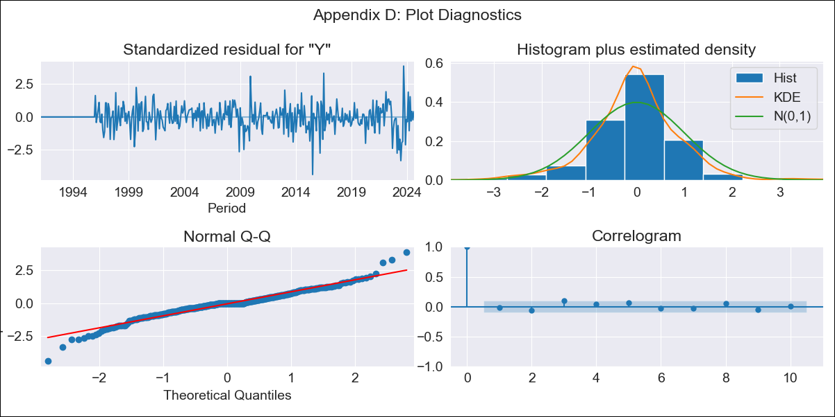
CRI - Inflation - Next 12 months forecast as of: 2024-08-01

Model | ARIMA - [(2, 0, 0), (0, 0, 1, 12)]
Training Data | 1990-01-01 to 2023-09-01
Test Data | 2023-09-01 to 2024-08-01

Date | Inflation Change YoY % | Lower Bound - 95% Confidence Interval | Upper Bound - 95% Confidence Interval
2024-09-01 | 0.53 | -0.4 | 1.59
2024-10-01 | 0.7 | -0.82 | 2.6
2024-11-01 | 0.81 | -1.17 | 3.43
2024-12-01 | 0.92 | -1.44 | 4.16
2025-01-01 | 1.03 | -1.65 | 4.81
2025-02-01 | 1.17 | -1.8 | 5.44
2025-03-01 | 1.27 | -1.94 | 5.98
2025-04-01 | 1.4 | -2.04 | 6.51
2025-05-01 | 1.51 | -2.14 | 7
2025-06-01 | 1.63 | -2.22 | 7.45
2025-07-01 | 1.73 | -2.29 | 7.88
2025-08-01 | 1.84 | -2.34 | 8.29
2025-09-01 | 1.95 | -2.4 | 8.68
2025-10-01 | 2.05 | -2.45 | 9.06
2025-11-01 | 2.15 | -2.49 | 9.42
2025-12-01 | 2.25 | -2.53 | 9.77

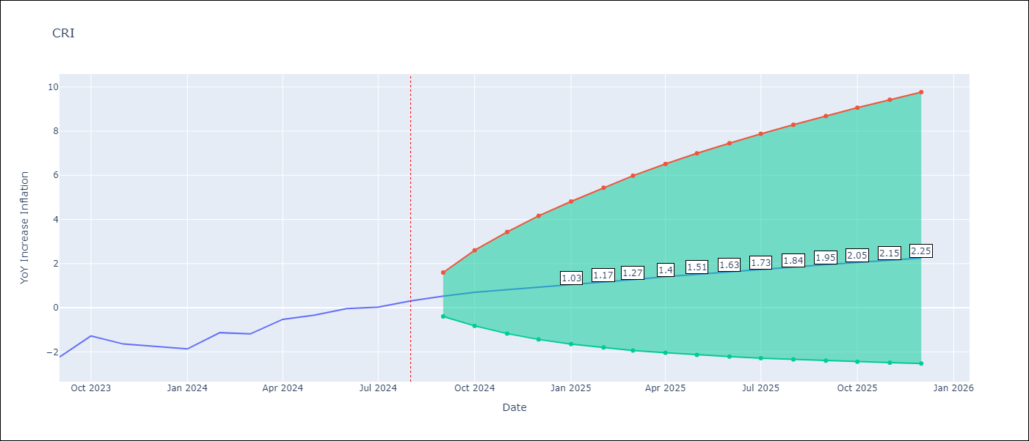

Test Metrics
RMSE | 1.67
Naive RMSE | 0.53
MAPE | 900.8%

Test Predictions
Date | Predicted | Actual
2023-09-01 | -3.28 | -2.24
2023-10-01 | -3.15 | -1.28
2023-11-01 | -3.2 | -1.64
2023-12-01 | -3.33 | -1.77
2024-01-01 | -3.39 | -1.87
2024-02-01 | -3.01 | -1.13
2024-03-01 | -2.94 | -1.19
2024-04-01 | -2.7 | -0.53
2024-05-01 | -2.49 | -0.34
2024-06-01 | -1.9 | -0.04
2024-07-01 | -1.14 | 0.03
2024-08-01 | -0.59 | 0.31

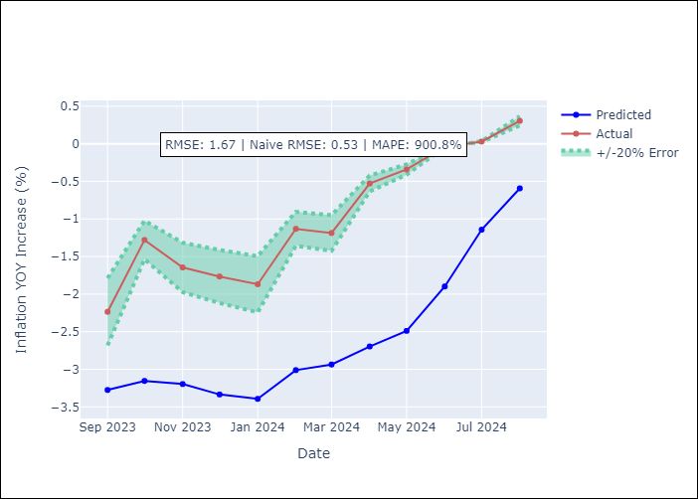

Appendix A: Model Summary
Model | ARIMA(2, 0, 0)x(0, 0, [1], 12)
Sample | 01-01-1990- 08-01-2024
No. of Observations | 416
Terms | P-value (Statistical significance)
const | 0.788
ar.L1 | 0.000
ar.L2 | 0.000
ma.S.L12 | 0.000
sigma2 | 0.000
Assumptions | P-value

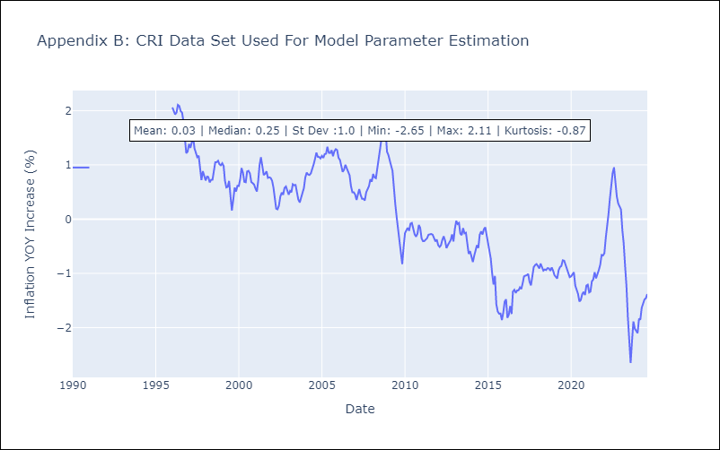

Appendix C: Residuals Analysis
Mean | -0.0

Normal? | Yes

CUB
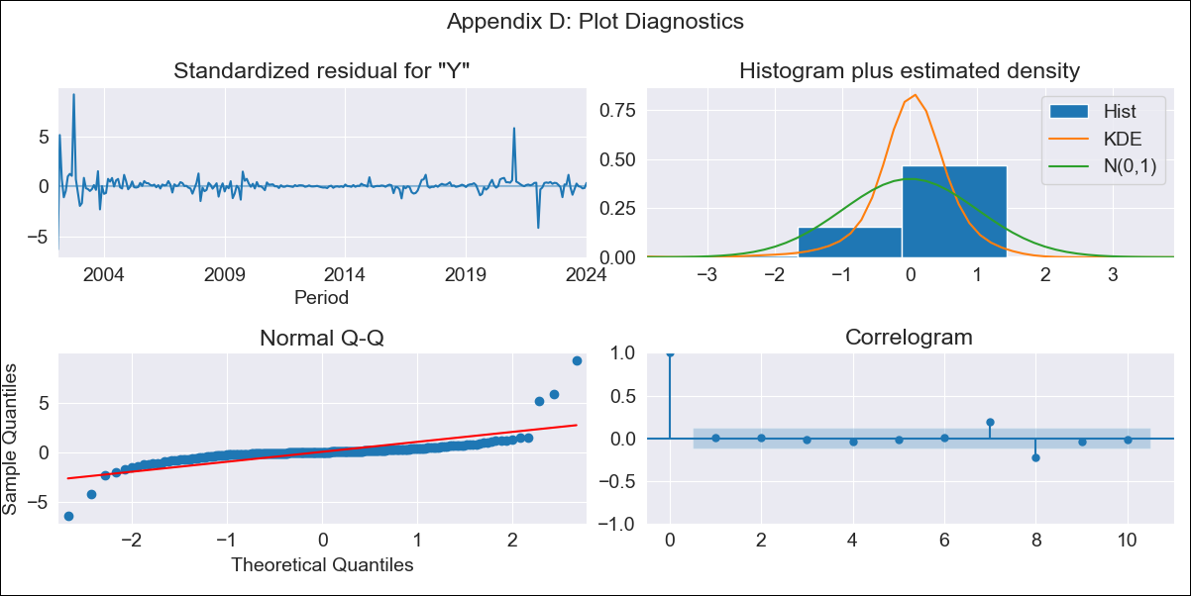
CUB - Inflation - Next 12 months forecast as of: 2024-01-01

Model | ARIMA - [(0, 1, 1), (1, 0, 0, 12)]
Training Data | 2001-01-01 to 2023-02-01
Test Data | 2023-02-01 to 2024-01-01

Date | Inflation Change YoY % | Lower Bound - 95% Confidence Interval | Upper Bound - 95% Confidence Interval
2024-02-01 | 40.26 | 24.26 | 59.57
2024-03-01 | 39.8 | 18.88 | 66.94
2024-04-01 | 37.42 | 13.72 | 70.31
2024-05-01 | 38.05 | 11.44 | 76.78
2024-06-01 | 40.15 | 10.44 | 84.81
2024-07-01 | 40.93 | 8.93 | 90.78
2024-08-01 | 40.41 | 7.01 | 94.62
2024-09-01 | 40.64 | 5.7 | 99.32
2024-10-01 | 40.92 | 4.6 | 103.92
2024-11-01 | 41.44 | 3.73 | 108.74
2024-12-01 | 41.73 | 2.88 | 113.1
2025-01-01 | 41.12 | 1.86 | 115.95
2025-02-01 | 41.32 | 1.54 | 118.24
2025-03-01 | 41.43 | 1.2 | 120.48
2025-04-01 | 42.06 | 1.03 | 123.49
2025-05-01 | 41.89 | 0.66 | 125.22

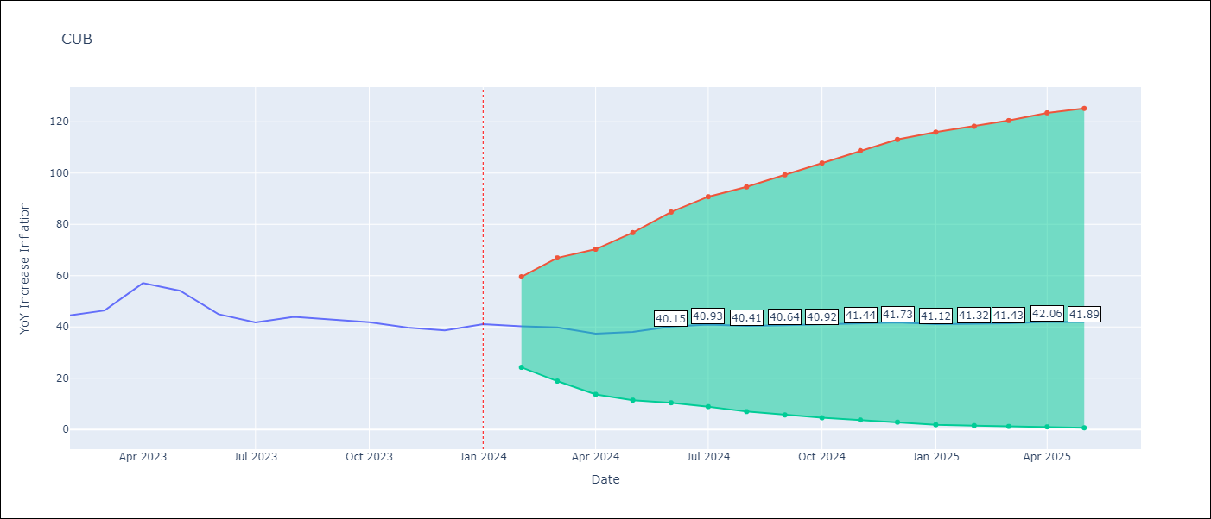

Test Metrics
RMSE | 6.22
Naive RMSE | 4.52
MAPE | 9.61%

Test Predictions
Date | Predicted | Actual
2023-02-01 | 42.8 | 44.5
2023-03-01 | 43.23 | 46.42
2023-04-01 | 42.58 | 57.12
2023-05-01 | 41.8 | 54.15
2023-06-01 | 41 | 44.99
2023-07-01 | 40.02 | 41.77
2023-08-01 | 39.47 | 43.91
2023-09-01 | 38.71 | 42.96
2023-10-01 | 38.08 | 41.84
2023-11-01 | 37.95 | 39.78
2023-12-01 | 38.24 | 38.67
2024-01-01 | 37.51 | 41.06

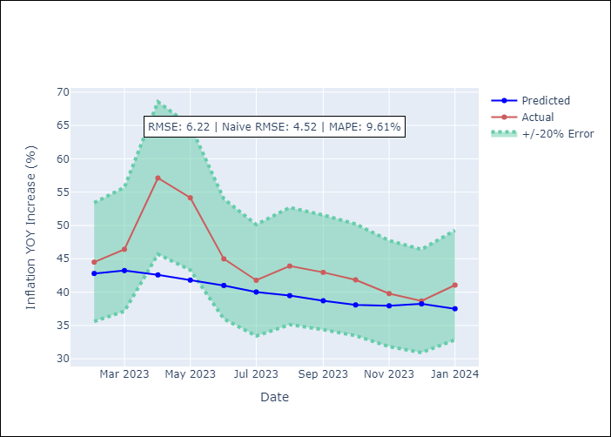

Appendix A: Model Summary
Model | ARIMA(0, 1, 1)x(1, 0, [], 12)
Sample | 01-01-2001- 01-01-2024
No. of Observations | 277
Terms | P-value (Statistical significance)
ma.L1 | 0.023
ar.S.L12 | 0.000
sigma2 | 0.000
Assumptions | P-value

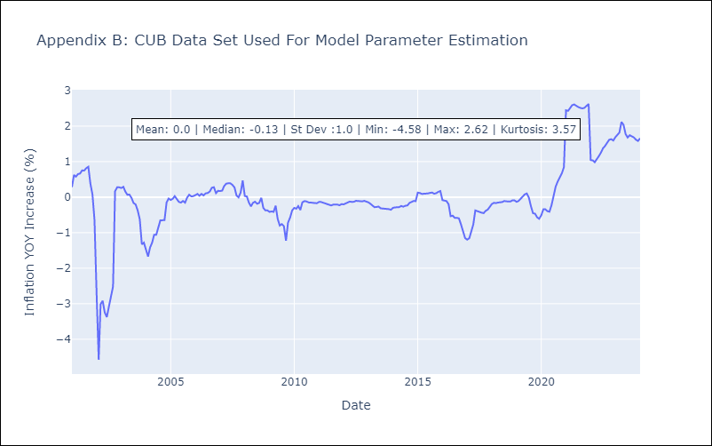

Appendix C: Residuals Analysis
Mean | 0.01

Normal? | No

DOM
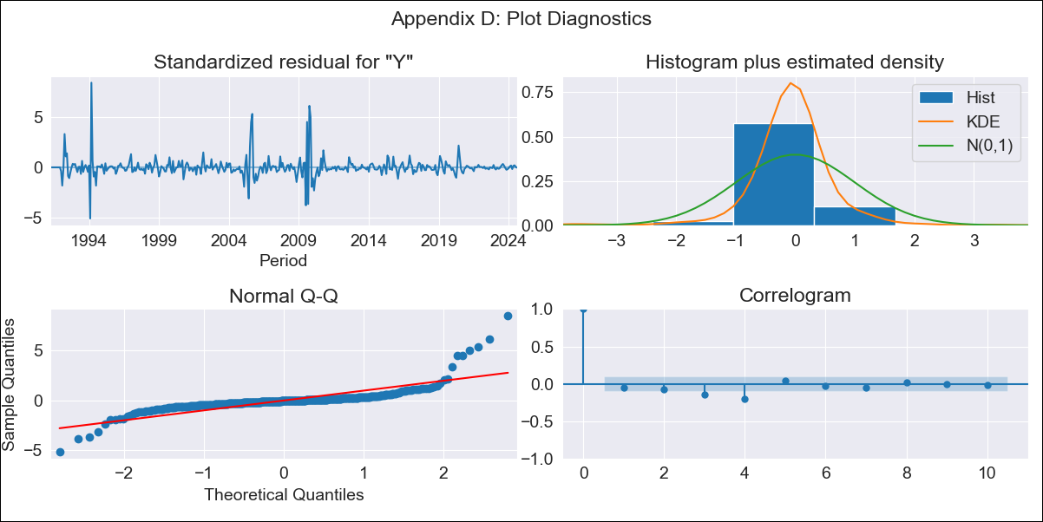
DOM - Inflation - Next 12 months forecast as of: 2024-08-01

Model | ARIMA - [(3, 2, 0), (0, 0, 1, 12)]
Training Data | 1990-01-01 to 2023-09-01
Test Data | 2023-09-01 to 2024-08-01

Date | Inflation Change YoY % | Lower Bound - 95% Confidence Interval | Upper Bound - 95% Confidence Interval
2024-09-01 | 3.45 | 1.05 | 8.04
2024-10-01 | 3.52 | 0.26 | 12.7
2024-11-01 | 3.63 | -0.31 | 20.45
2024-12-01 | 3.73 | -0.75 | 33.16
2025-01-01 | 3.84 | -1.18 | 56.41
2025-02-01 | 3.9 | -1.56 | 94.01
2025-03-01 | 3.93 | -1.93 | 155.92
2025-04-01 | 4.07 | -2.27 | 261.47
2025-05-01 | 4.1 | -2.61 | 430.74
2025-06-01 | 4.08 | -2.93 | 701.08
2025-07-01 | 4.1 | -3.25 | 1136.42
2025-08-01 | 4.15 | -3.56 | 1830.87
2025-09-01 | 4.17 | -3.84 | 2824.87
2025-10-01 | 4.2 | -4.12 | 4312.48
2025-11-01 | 4.22 | -4.39 | 6500.63
2025-12-01 | 4.26 | -4.65 | 9682.72

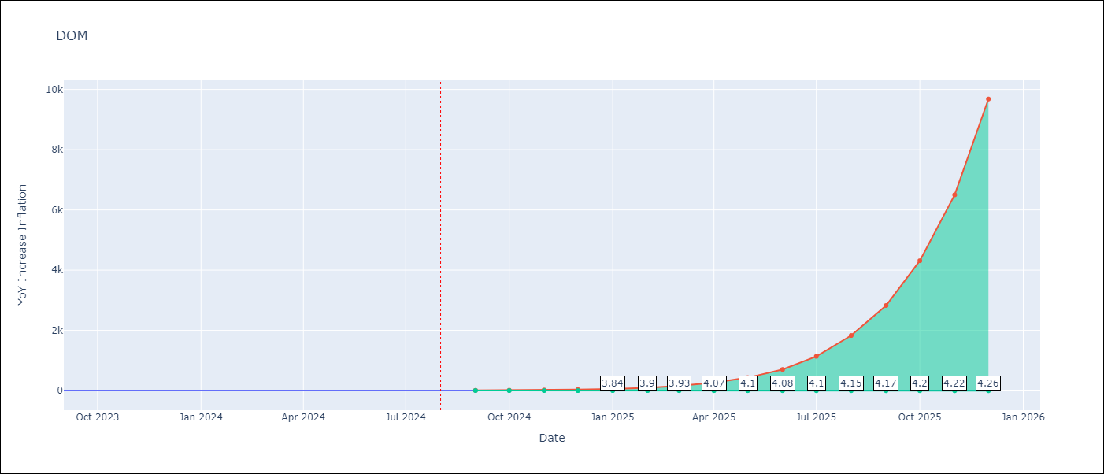

Test Metrics
RMSE | 0.68
Naive RMSE | 0.23
MAPE | 18.19%

Test Predictions
Date | Predicted | Actual
2023-09-01 | 4.09 | 4.41
2023-10-01 | 4.05 | 4.35
2023-11-01 | 4.07 | 4
2023-12-01 | 4.01 | 3.57
2024-01-01 | 3.99 | 3.32
2024-02-01 | 4.05 | 3.3
2024-03-01 | 4.06 | 3.38
2024-04-01 | 4.12 | 3.03
2024-05-01 | 4.2 | 3.2
2024-06-01 | 4.23 | 3.46
2024-07-01 | 4.19 | 3.54
2024-08-01 | 4.08 | 3.42

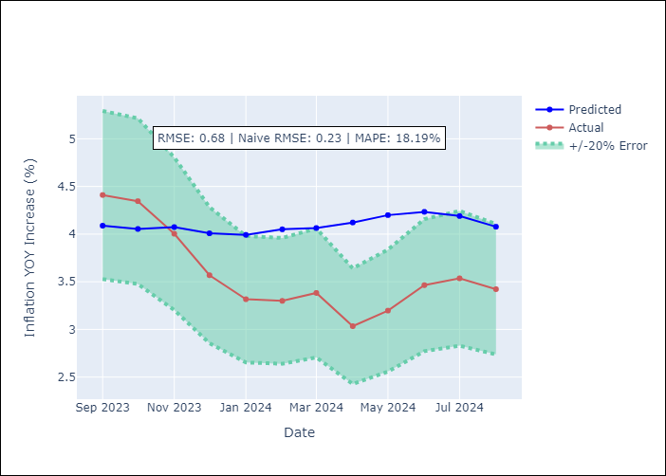

Appendix A: Model Summary
Model | ARIMA(3, 2, 0)x(0, 0, [1], 12)
Sample | 01-01-1990- 08-01-2024
No. of Observations | 416
Terms | P-value (Statistical significance)
ar.L1 | 0.000
ar.L2 | 0.000
ar.L3 | 0.000
ma.S.L12 | 0.001
sigma2 | 0.000
Assumptions | P-value

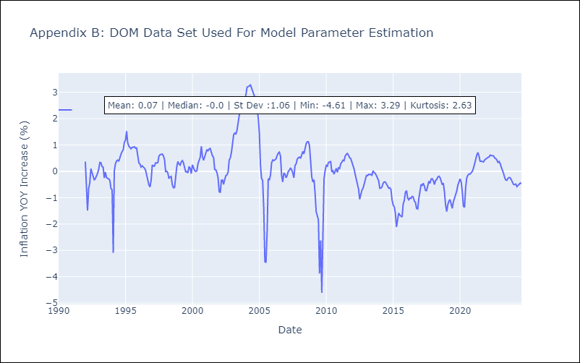

Appendix C: Residuals Analysis
Mean | -0.0

Normal? | Yes

GTM
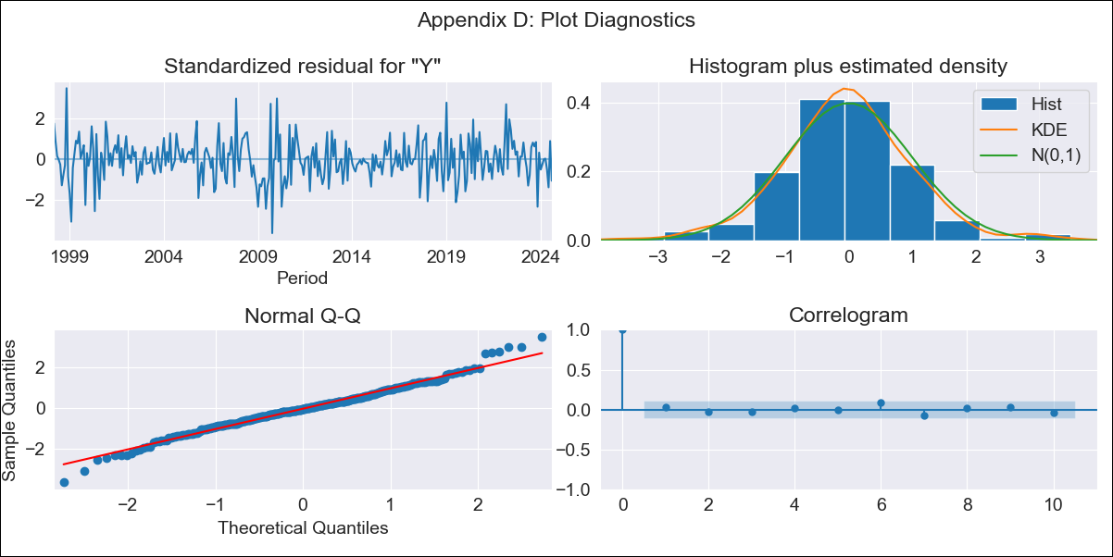
GTM - Inflation - Next 12 months forecast as of: 2024-08-01

Model | ARIMA - [(1, 1, 0), (0, 0, 2, 12)]
Training Data | 1996-01-01 to 2023-09-01
Test Data | 2023-09-01 to 2024-08-01

Date | Inflation Change YoY % | Lower Bound - 95% Confidence Interval | Upper Bound - 95% Confidence Interval
2024-09-01 | 2.64 | 1.83 | 3.52
2024-10-01 | 2.23 | 0.99 | 3.65
2024-11-01 | 2.9 | 1.19 | 4.9
2024-12-01 | 3 | 0.96 | 5.44
2025-01-01 | 3.23 | 0.89 | 6.09
2025-02-01 | 3.44 | 0.82 | 6.7
2025-03-01 | 3.51 | 0.67 | 7.1
2025-04-01 | 3.5 | 0.48 | 7.4
2025-05-01 | 3.63 | 0.41 | 7.85
2025-06-01 | 4.18 | 0.63 | 8.8
2025-07-01 | 4.03 | 0.38 | 8.88
2025-08-01 | 4.44 | 0.52 | 9.65
2025-09-01 | 4.61 | 0.6 | 9.9
2025-10-01 | 4.7 | 0.66 | 10.03
2025-11-01 | 4.61 | 0.6 | 9.93
2025-12-01 | 4.6 | 0.58 | 9.92

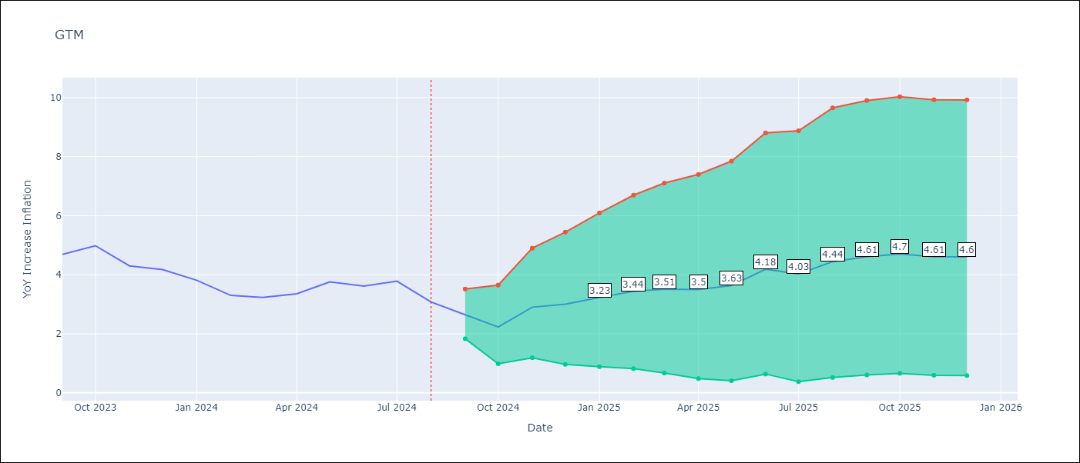

Test Metrics
RMSE | 1.16
Naive RMSE | 0.38
MAPE | 27.19%

Test Predictions
Date | Predicted | Actual
2023-09-01 | 4.38 | 4.69
2023-10-01 | 4.17 | 4.98
2023-11-01 | 4.48 | 4.3
2023-12-01 | 4.5 | 4.18
2024-01-01 | 4.41 | 3.81
2024-02-01 | 4.08 | 3.3
2024-03-01 | 4.09 | 3.23
2024-04-01 | 4.23 | 3.35
2024-05-01 | 4.92 | 3.76
2024-06-01 | 5.56 | 3.62
2024-07-01 | 5.52 | 3.78
2024-08-01 | 5.21 | 3.08

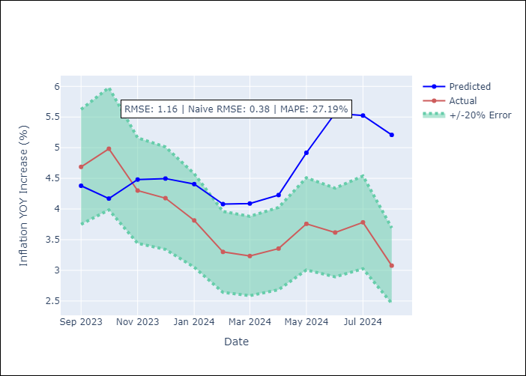

Appendix A: Model Summary
Model | ARIMA(1, 1, 0)x(0, 0, [1, 2], 12)
Sample | 01-01-1996- 08-01-2024
No. of Observations | 344
Terms | P-value (Statistical significance)
ar.L1 | 0.000
ma.S.L12 | 0.000
ma.S.L24 | 0.040
sigma2 | 0.000
Assumptions | P-value

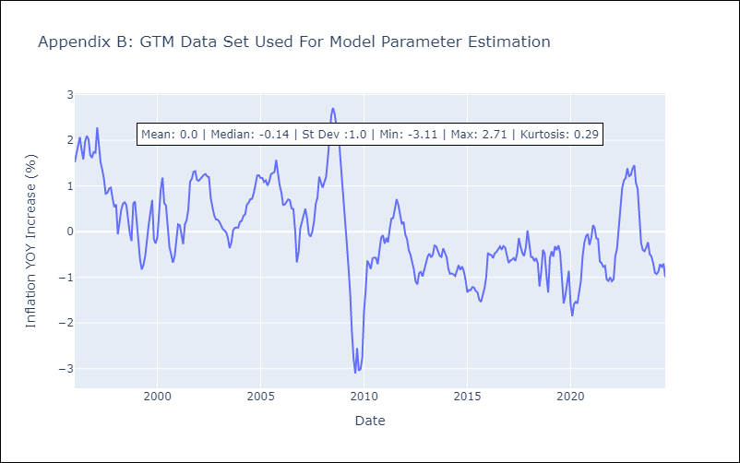

Appendix C: Residuals Analysis
Mean | -0.01

Normal? | No

HND
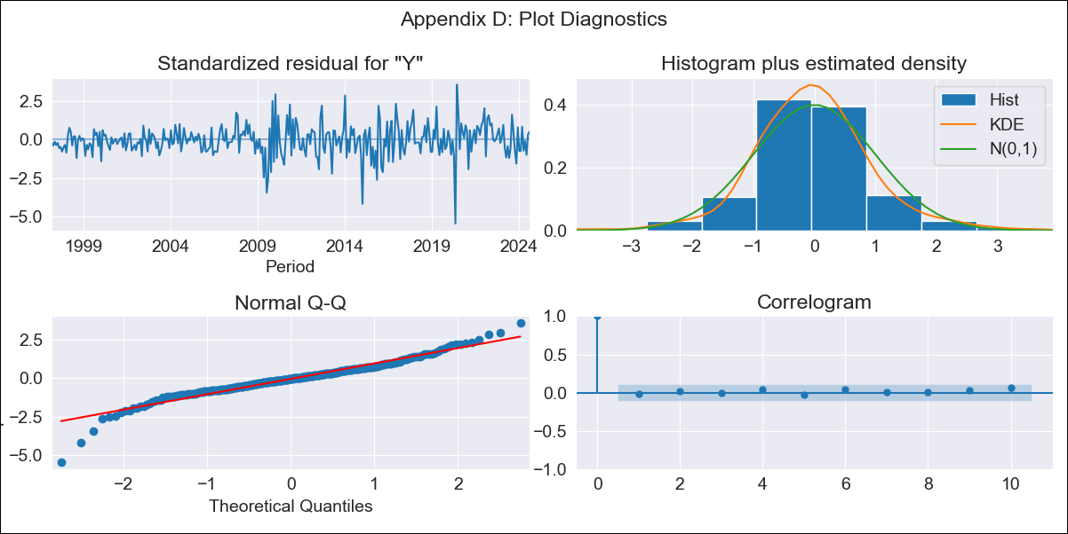
HND - Inflation - Next 12 months forecast as of: 2024-08-01

Model | ARIMA - [(1, 1, 0), (0, 0, 2, 12)]
Training Data | 1995-01-01 to 2023-09-01
Test Data | 2023-09-01 to 2024-08-01

Date | Inflation Change YoY % | Lower Bound - 95% Confidence Interval | Upper Bound - 95% Confidence Interval
2024-09-01 | 4.88 | 4.26 | 5.61
2024-10-01 | 5 | 4.02 | 6.31
2024-11-01 | 5.36 | 4.02 | 7.36
2024-12-01 | 5.3 | 3.78 | 7.76
2025-01-01 | 5.45 | 3.7 | 8.48
2025-02-01 | 5.68 | 3.69 | 9.42
2025-03-01 | 5.55 | 3.48 | 9.64
2025-04-01 | 5.63 | 3.41 | 10.28
2025-05-01 | 5.66 | 3.32 | 10.83
2025-06-01 | 5.85 | 3.31 | 11.81
2025-07-01 | 5.81 | 3.2 | 12.22
2025-08-01 | 5.75 | 3.09 | 12.55
2025-09-01 | 5.75 | 3.07 | 12.76
2025-10-01 | 5.72 | 3.03 | 12.81
2025-11-01 | 5.65 | 2.98 | 12.72
2025-12-01 | 5.66 | 2.97 | 12.87

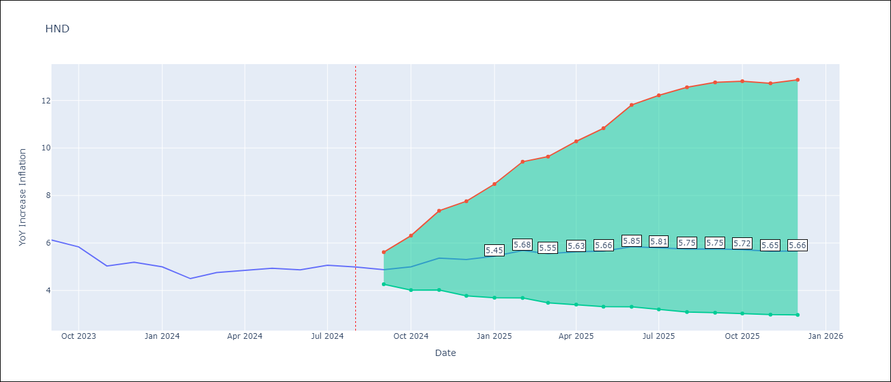

Test Metrics
RMSE | 1.25
Naive RMSE | 0.33
MAPE | 22.16%

Test Predictions
Date | Predicted | Actual
2023-09-01 | 5.9 | 6.13
2023-10-01 | 5.89 | 5.84
2023-11-01 | 5.76 | 5.03
2023-12-01 | 5.82 | 5.19
2024-01-01 | 5.88 | 5
2024-02-01 | 5.64 | 4.5
2024-03-01 | 5.75 | 4.76
2024-04-01 | 6.11 | 4.84
2024-05-01 | 6.37 | 4.94
2024-06-01 | 6.83 | 4.87
2024-07-01 | 7.12 | 5.06
2024-08-01 | 6.74 | 4.99

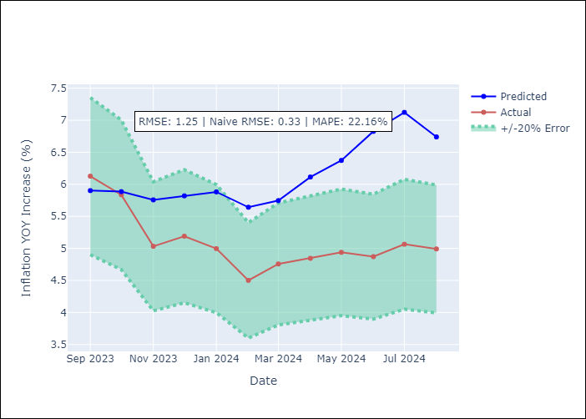

Appendix A: Model Summary
Model | ARIMA(1, 1, 0)x(0, 0, [1, 2], 12)
Sample | 01-01-1995- 08-01-2024
No. of Observations | 356
Terms | P-value (Statistical significance)
ar.L1 | 0.000
ma.S.L12 | 0.000
ma.S.L24 | 0.117
sigma2 | 0.000
Assumptions | P-value

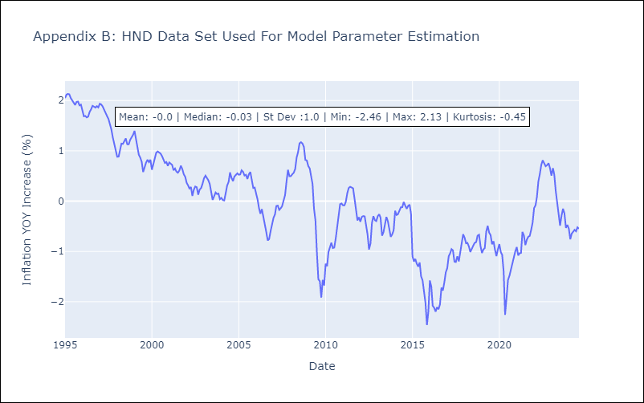

Appendix C: Residuals Analysis
Mean | -0.0

Normal? | No

HTI
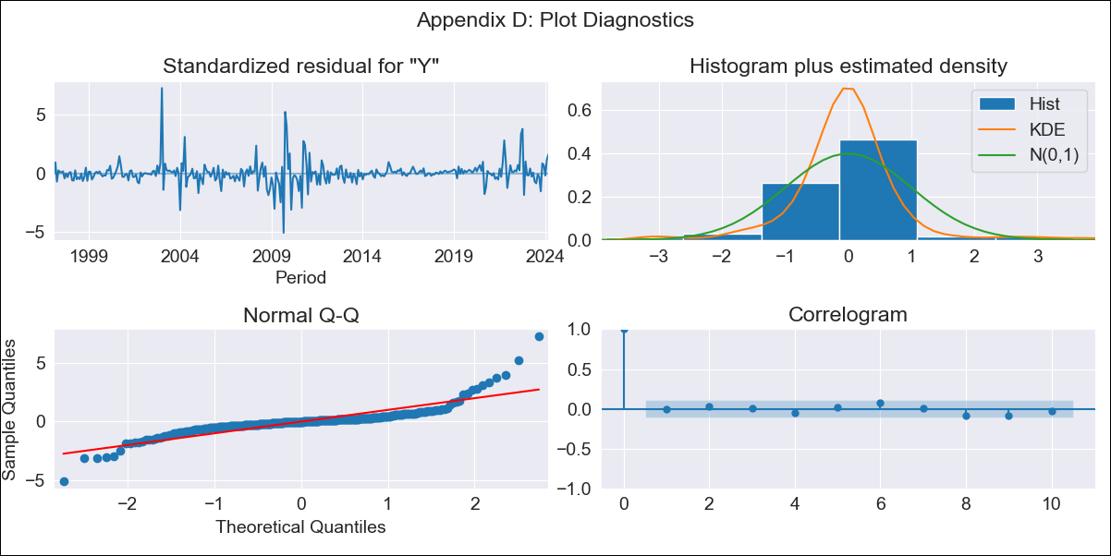
HTI - Inflation - Next 12 months forecast as of: 2024-03-01

Model | ARIMA - [(2, 0, 0), (0, 0, 1, 12)]
Training Data | 1996-01-01 to 2023-04-01
Test Data | 2023-04-01 to 2024-03-01

Date | Inflation Change YoY % | Lower Bound - 95% Confidence Interval | Upper Bound - 95% Confidence Interval
2024-04-01 | 29.64 | 25.81 | 33.64
2024-05-01 | 30.39 | 23.71 | 37.62
2024-06-01 | 31.34 | 22.24 | 41.46
2024-07-01 | 32.56 | 21.35 | 45.28
2024-08-01 | 33.09 | 20.15 | 48.06
2024-09-01 | 33.54 | 19.11 | 50.53
2024-10-01 | 35.24 | 19.25 | 54.25
2024-11-01 | 34.99 | 17.93 | 55.59
2024-12-01 | 34.01 | 16.18 | 55.91
2025-01-01 | 33.64 | 15.01 | 56.82
2025-02-01 | 32.14 | 13.1 | 56.28
2025-03-01 | 29.74 | 10.67 | 54.51
2025-04-01 | 28.56 | 9.55 | 53.57
2025-05-01 | 27.94 | 8.95 | 53.11
2025-06-01 | 27.58 | 8.57 | 52.88
2025-07-01 | 27.33 | 8.3 | 52.76

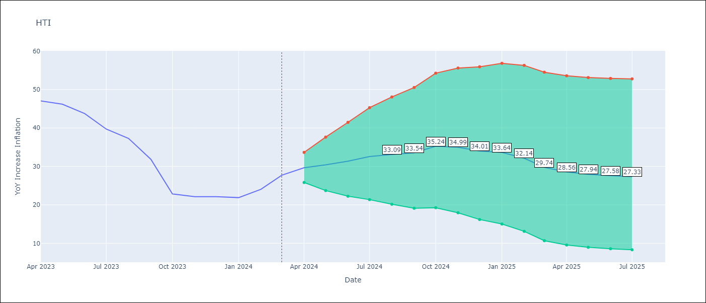

Test Metrics
RMSE | 7.04
Naive RMSE | 3.64
MAPE | 23.42%

Test Predictions
Date | Predicted | Actual
2023-04-01 | 47.72 | 47.04
2023-05-01 | 47.03 | 46.18
2023-06-01 | 46.3 | 43.75
2023-07-01 | 44.96 | 39.71
2023-08-01 | 43.86 | 37.27
2023-09-01 | 39.63 | 31.86
2023-10-01 | 33.84 | 22.83
2023-11-01 | 32.99 | 22.12
2023-12-01 | 31.48 | 22.12
2024-01-01 | 30.83 | 21.87
2024-02-01 | 30.62 | 24.04
2024-03-01 | 30.04 | 27.7

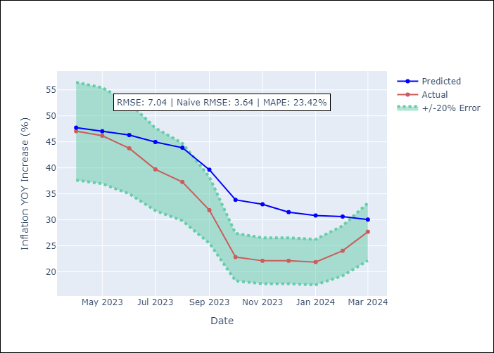

Appendix A: Model Summary
Model | ARIMA(2, 0, 0)x(0, 0, [1], 12)
Sample | 01-01-1996- 03-01-2024
No. of Observations | 339
Terms | P-value (Statistical significance)
const | 0.721
ar.L1 | 0.000
ar.L2 | 0.000
ma.S.L12 | 0.000
sigma2 | 0.000
Assumptions | P-value

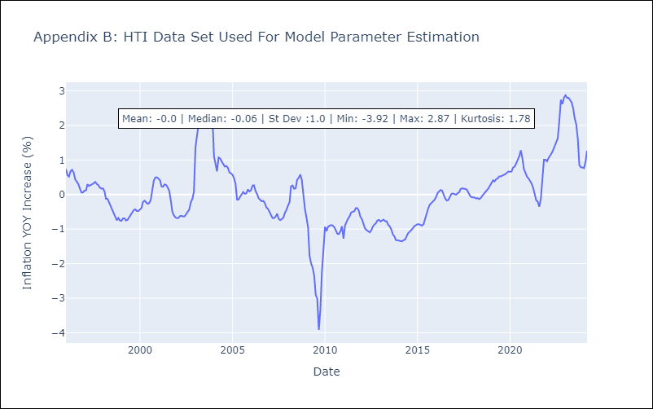

Appendix C: Residuals Analysis
Mean | -0.0

Normal? | No

MEX
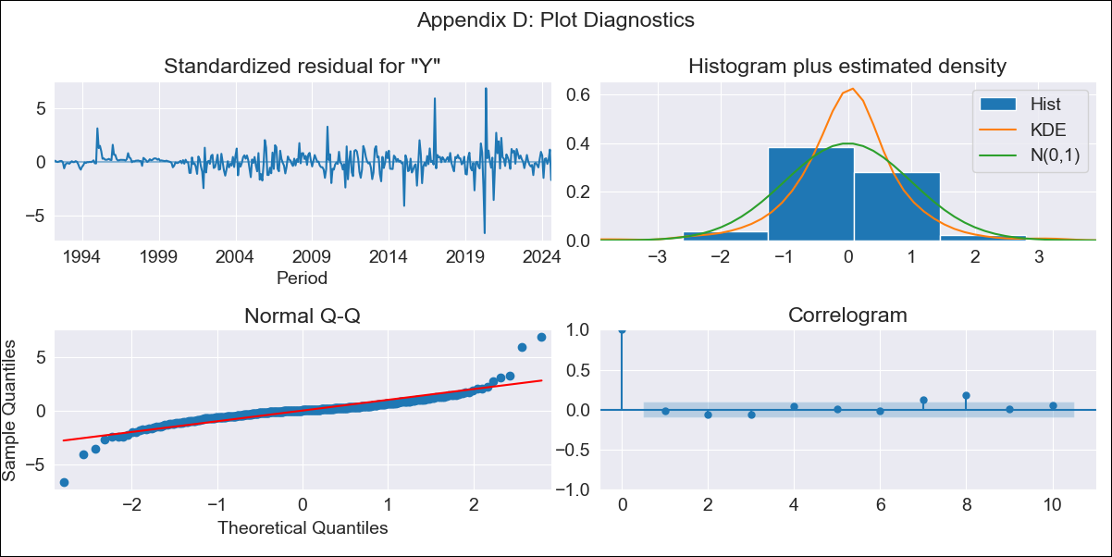
MEX - Inflation - Next 12 months forecast as of: 2024-08-01

Model | ARIMA - [(1, 0, 1), (2, 0, 2, 12)]
Training Data | 1990-01-01 to 2023-09-01
Test Data | 2023-09-01 to 2024-08-01

Date | Inflation Change YoY % | Lower Bound - 95% Confidence Interval | Upper Bound - 95% Confidence Interval
2024-09-01 | 4.88 | 4.24 | 5.69
2024-10-01 | 4.99 | 3.99 | 6.5
2024-11-01 | 4.99 | 3.77 | 7.03
2024-12-01 | 4.81 | 3.5 | 7.16
2025-01-01 | 4.66 | 3.3 | 7.28
2025-02-01 | 4.9 | 3.33 | 8.23
2025-03-01 | 4.95 | 3.26 | 8.78
2025-04-01 | 4.88 | 3.15 | 9.04
2025-05-01 | 4.91 | 3.09 | 9.56
2025-06-01 | 4.9 | 3.03 | 9.97
2025-07-01 | 4.71 | 2.88 | 9.71
2025-08-01 | 4.96 | 2.94 | 11.07
2025-09-01 | 5.05 | 2.96 | 11.61
2025-10-01 | 5.04 | 2.95 | 11.7
2025-11-01 | 5.03 | 2.93 | 11.72
2025-12-01 | 5.01 | 2.92 | 11.75

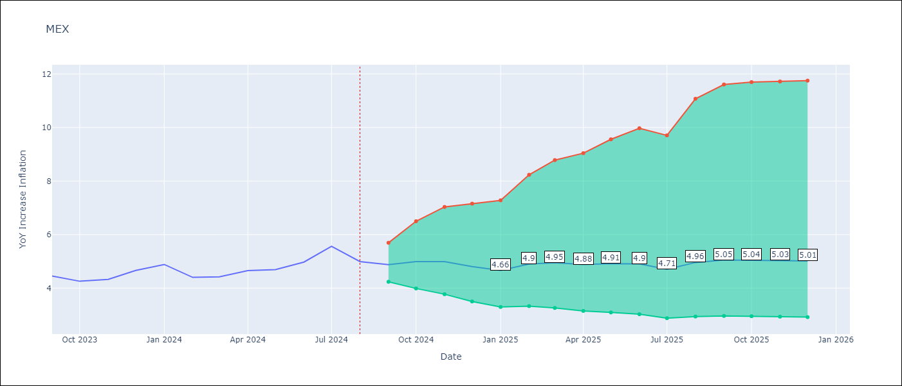

Test Metrics
RMSE | 0.22
Naive RMSE | 0.33
MAPE | 3.85%

Test Predictions
Date | Predicted | Actual
2023-09-01 | 4.56 | 4.45
2023-10-01 | 4.55 | 4.26
2023-11-01 | 4.59 | 4.32
2023-12-01 | 4.61 | 4.66
2024-01-01 | 4.55 | 4.88
2024-02-01 | 4.53 | 4.4
2024-03-01 | 4.6 | 4.42
2024-04-01 | 4.71 | 4.65
2024-05-01 | 4.8 | 4.69
2024-06-01 | 5.04 | 4.97
2024-07-01 | 5.13 | 5.56
2024-08-01 | 5.15 | 4.99

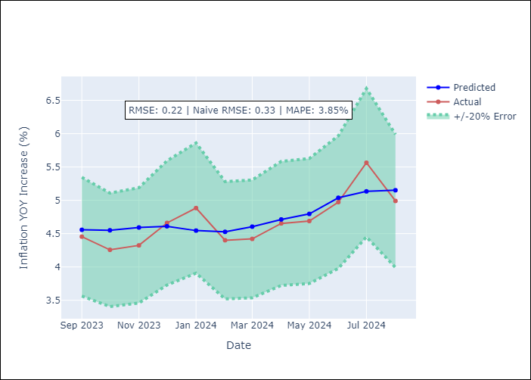

Appendix A: Model Summary
Model | ARIMA(1, 0, 1)x(2, 0, [1, 2], 12)
Sample | 01-01-1990- 08-01-2024
No. of Observations | 416
Terms | P-value (Statistical significance)
const | 0.479
ar.L1 | 0.000
ma.L1 | 0.000
ar.S.L12 | 0.756
ar.S.L24 | 0.443
ma.S.L12 | 0.794
ma.S.L24 | 0.899
sigma2 | 0.000
Assumptions | P-value

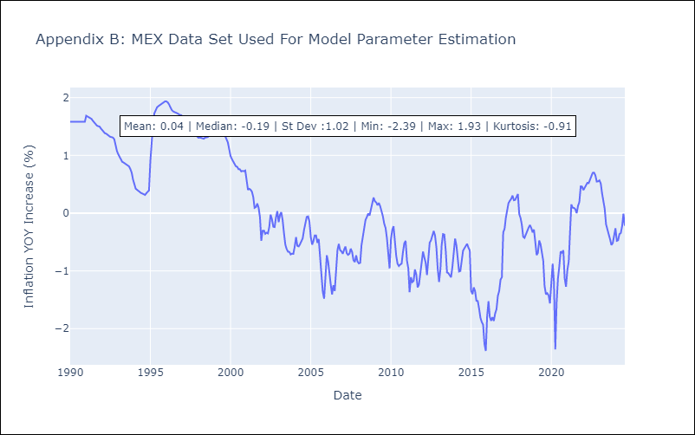

Appendix C: Residuals Analysis
Mean | 0.01

Normal? | No

NIC
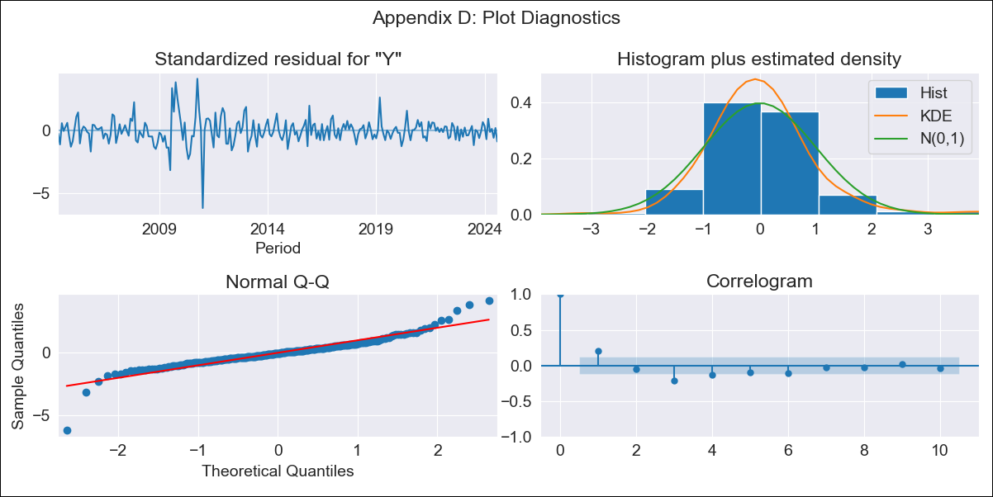
NIC - Inflation - Next 12 months forecast as of: 2024-08-01

Model | ARIMA - [(0, 2, 1), (0, 0, 1, 12)]
Training Data | 2003-01-01 to 2023-09-01
Test Data | 2023-09-01 to 2024-08-01

Date | Inflation Change YoY % | Lower Bound - 95% Confidence Interval | Upper Bound - 95% Confidence Interval
2024-09-01 | 4.31 | 3.01 | 5.86
2024-10-01 | 4.32 | 2.27 | 7.04
2024-11-01 | 4.2 | 1.53 | 8.22
2024-12-01 | 3.82 | 0.73 | 9.16
2025-01-01 | 3.48 | 0.1 | 10.31
2025-02-01 | 3.47 | -0.29 | 12.31
2025-03-01 | 2.99 | -0.76 | 13.58
2025-04-01 | 2.77 | -1.11 | 15.64
2025-05-01 | 2.5 | -1.46 | 17.83
2025-06-01 | 2.43 | -1.74 | 20.98
2025-07-01 | 2.2 | -2.06 | 23.98
2025-08-01 | 2.25 | -2.3 | 28.54
2025-09-01 | 2.14 | -2.52 | 32.03
2025-10-01 | 2.03 | -2.73 | 35.73
2025-11-01 | 1.93 | -2.94 | 39.65
2025-12-01 | 1.82 | -3.14 | 43.81

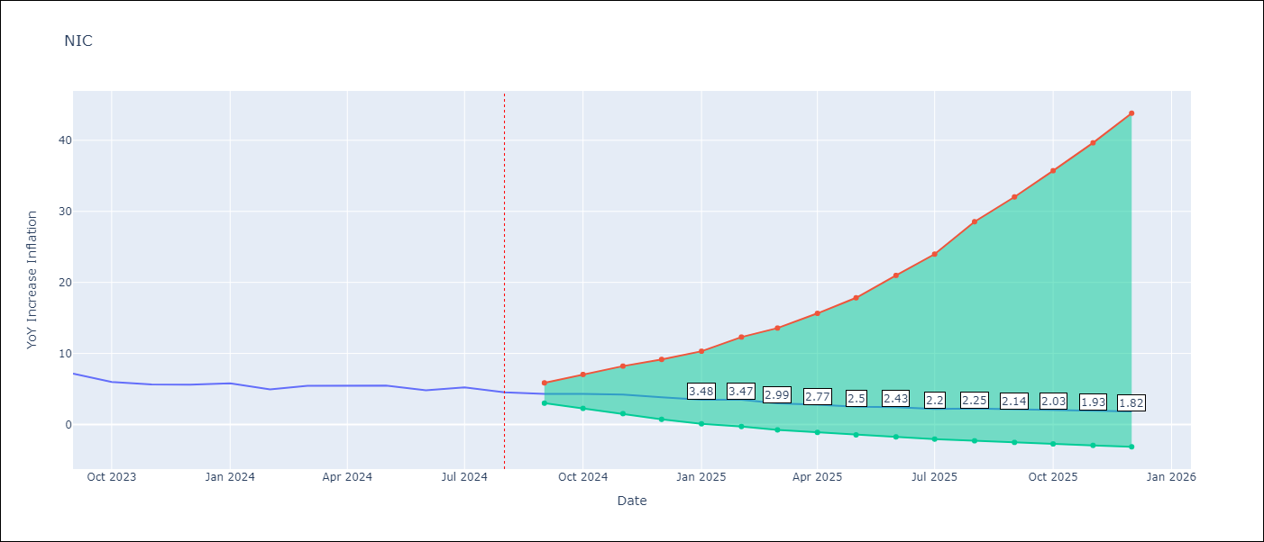

Test Metrics
RMSE | 0.42
Naive RMSE | 0.56
MAPE | 6.16%

Test Predictions
Date | Predicted | Actual
2023-09-01 | 7.24 | 7.17
2023-10-01 | 6.61 | 6
2023-11-01 | 6.5 | 5.64
2023-12-01 | 6.1 | 5.62
2024-01-01 | 5.96 | 5.79
2024-02-01 | 5.56 | 4.93
2024-03-01 | 5.41 | 5.46
2024-04-01 | 5.32 | 5.44
2024-05-01 | 5.11 | 5.47
2024-06-01 | 4.76 | 4.82
2024-07-01 | 5 | 5.23
2024-08-01 | 4.89 | 4.52

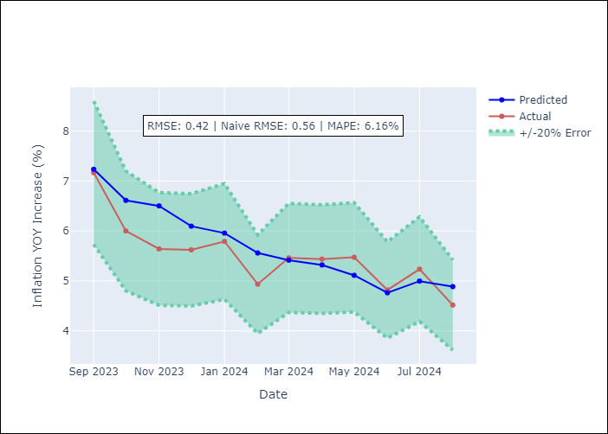

Appendix A: Model Summary
Model | ARIMA(0, 2, 1)x(0, 0, 1, 12)
Sample | 01-01-2003- 08-01-2024
No. of Observations | 260
Terms | P-value (Statistical significance)
ma.L1 | 0.000
ma.S.L12 | 0.000
sigma2 | 0.000
Assumptions | P-value

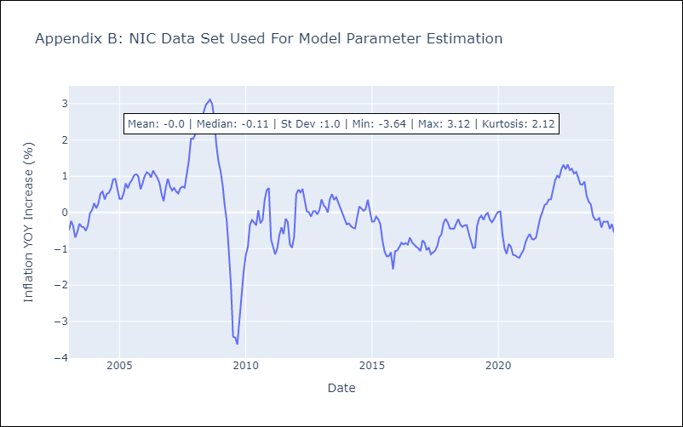

Appendix C: Residuals Analysis
Mean | -0.0

Normal? | No

PAN
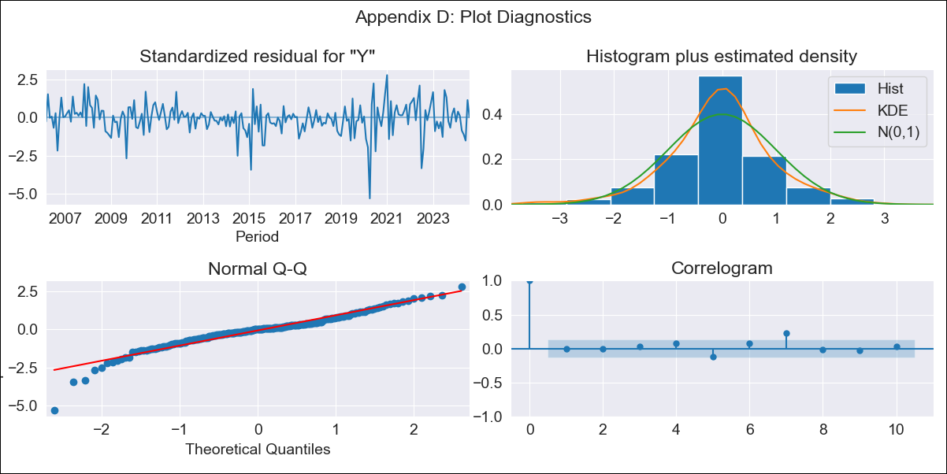
PAN - Inflation - Next 12 months forecast as of: 2024-08-01

Model | ARIMA - [(1, 1, 0), (0, 0, 1, 12)]
Training Data | 2005-01-01 to 2023-09-01
Test Data | 2023-09-01 to 2024-08-01

Date | Inflation Change YoY % | Lower Bound - 95% Confidence Interval | Upper Bound - 95% Confidence Interval
2024-09-01 | 0.31 | -0.36 | 1.09
2024-10-01 | 0.49 | -0.56 | 1.81
2024-11-01 | 0.47 | -0.85 | 2.19
2024-12-01 | 0.29 | -1.19 | 2.32
2025-01-01 | 0.32 | -1.35 | 2.67
2025-02-01 | 0.22 | -1.57 | 2.82
2025-03-01 | 0.16 | -1.75 | 3
2025-04-01 | 0.38 | -1.72 | 3.55
2025-05-01 | 0.75 | -1.59 | 4.31
2025-06-01 | 1.32 | -1.34 | 5.31
2025-07-01 | 1.08 | -1.6 | 5.22
2025-08-01 | 1.02 | -1.74 | 5.36
2025-09-01 | 1 | -1.76 | 5.38
2025-10-01 | 1 | -1.78 | 5.39
2025-11-01 | 1 | -1.78 | 5.4
2025-12-01 | 1 | -1.79 | 5.42

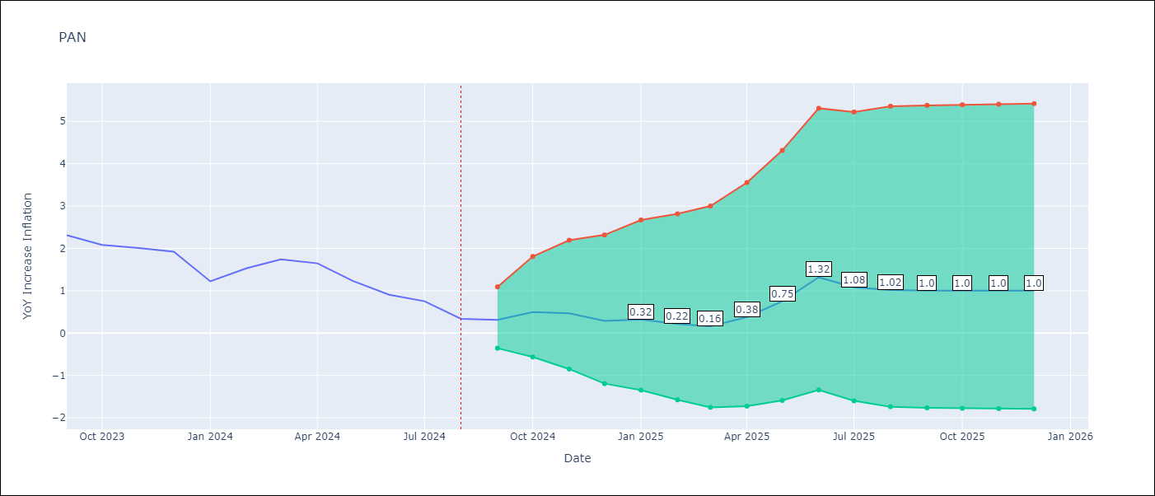

Test Metrics
RMSE | 0.76
Naive RMSE | 0.31
MAPE | 70.3%

Test Predictions
Date | Predicted | Actual
2023-09-01 | 2.43 | 2.31
2023-10-01 | 2.55 | 2.08
2023-11-01 | 2.43 | 2.01
2023-12-01 | 2.04 | 1.92
2024-01-01 | 1.39 | 1.22
2024-02-01 | 1.53 | 1.53
2024-03-01 | 1.65 | 1.74
2024-04-01 | 1.91 | 1.65
2024-05-01 | 2.08 | 1.23
2024-06-01 | 2.57 | 0.91
2024-07-01 | 2.03 | 0.75
2024-08-01 | 1.46 | 0.34

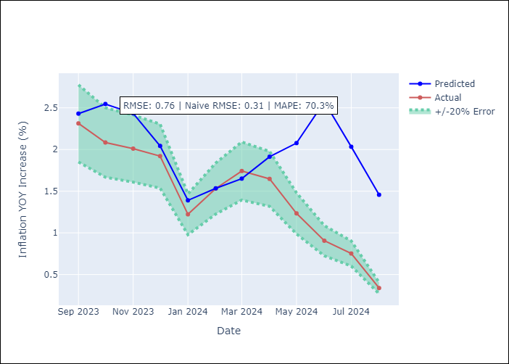

Appendix A: Model Summary
Model | ARIMA(1, 1, 0)x(0, 0, [1], 12)
Sample | 01-01-2005- 08-01-2024
No. of Observations | 236
Terms | P-value (Statistical significance)
ar.L1 | 0.000
ma.S.L12 | 0.000
sigma2 | 0.000
Assumptions | P-value

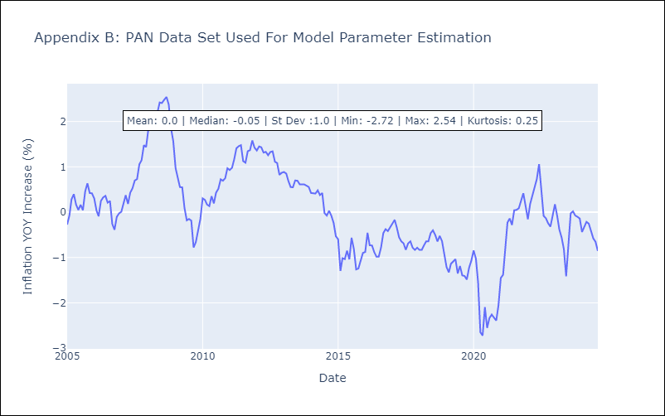

Appendix C: Residuals Analysis
Mean | -0.01

Normal? | No

SLV
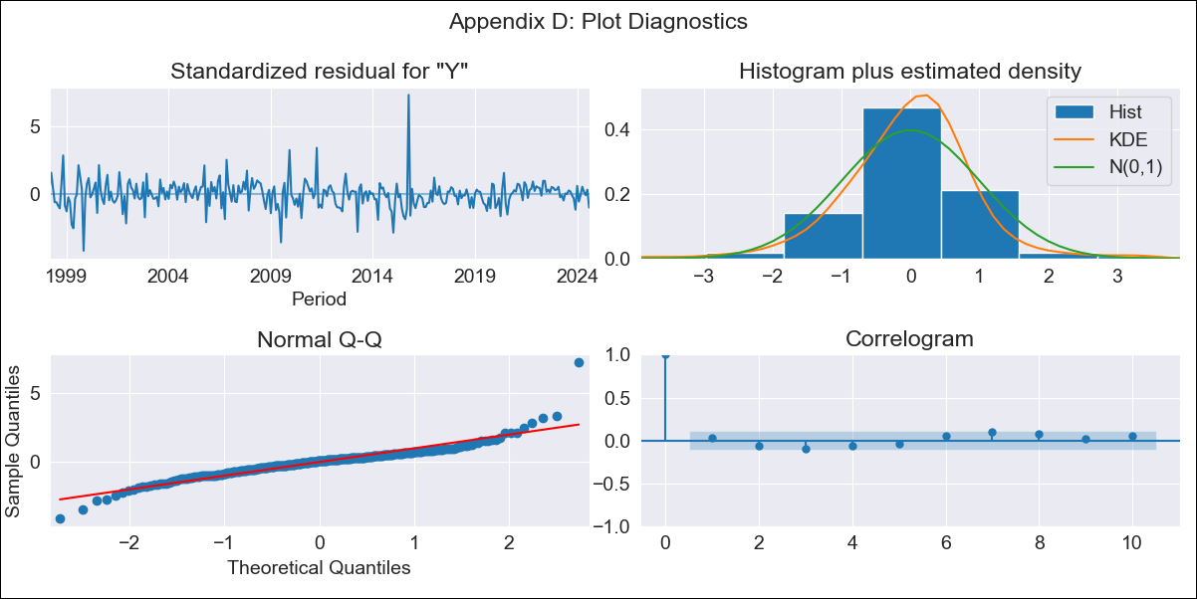
SLV - Inflation - Next 12 months forecast as of: 2024-08-01

Model | ARIMA - [(2, 0, 0), (2, 0, 1, 12)]
Training Data | 1996-01-01 to 2023-09-01
Test Data | 2023-09-01 to 2024-08-01

Date | Inflation Change YoY % | Lower Bound - 95% Confidence Interval | Upper Bound - 95% Confidence Interval
2024-09-01 | 1 | 0.06 | 2.18
2024-10-01 | 1 | -0.39 | 3.02
2024-11-01 | 1.15 | -0.59 | 3.92
2024-12-01 | 1.57 | -0.59 | 5.12
2025-01-01 | 1.54 | -0.79 | 5.59
2025-02-01 | 1.75 | -0.84 | 6.36
2025-03-01 | 1.9 | -0.89 | 7
2025-04-01 | 1.79 | -1.05 | 7.18
2025-05-01 | 1.82 | -1.12 | 7.55
2025-06-01 | 1.91 | -1.16 | 7.99
2025-07-01 | 1.85 | -1.26 | 8.15
2025-08-01 | 2.23 | -1.16 | 9.02
2025-09-01 | 2.34 | -1.12 | 9.23
2025-10-01 | 2.43 | -1.08 | 9.38
2025-11-01 | 2.52 | -1.05 | 9.53
2025-12-01 | 2.66 | -0.99 | 9.76

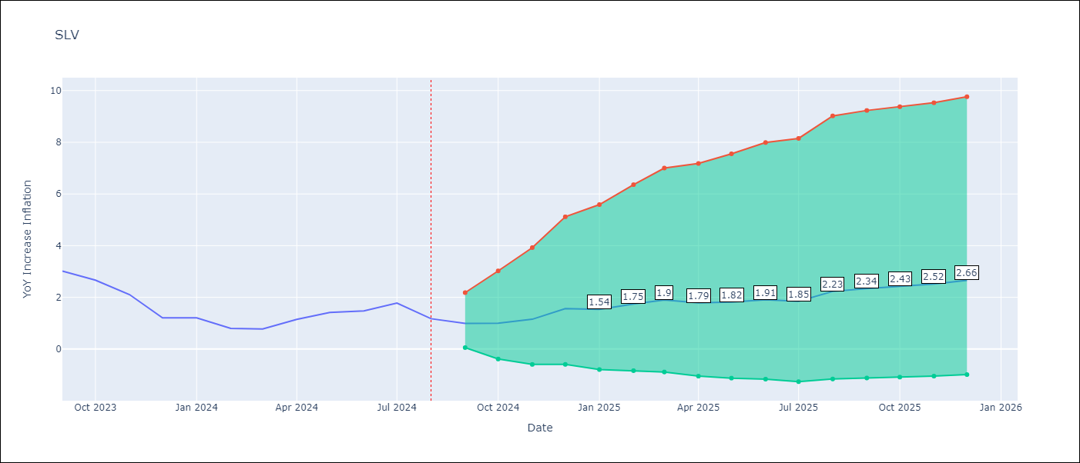

Test Metrics
RMSE | 0.56
Naive RMSE | 0.42
MAPE | 43.84%

Test Predictions
Date | Predicted | Actual
2023-09-01 | 2.87 | 3.02
2023-10-01 | 2.54 | 2.67
2023-11-01 | 2.2 | 2.11
2023-12-01 | 2.03 | 1.21
2024-01-01 | 1.83 | 1.21
2024-02-01 | 1.63 | 0.8
2024-03-01 | 1.68 | 0.77
2024-04-01 | 1.76 | 1.15
2024-05-01 | 1.82 | 1.42
2024-06-01 | 1.85 | 1.48
2024-07-01 | 1.93 | 1.78
2024-08-01 | 1.83 | 1.17

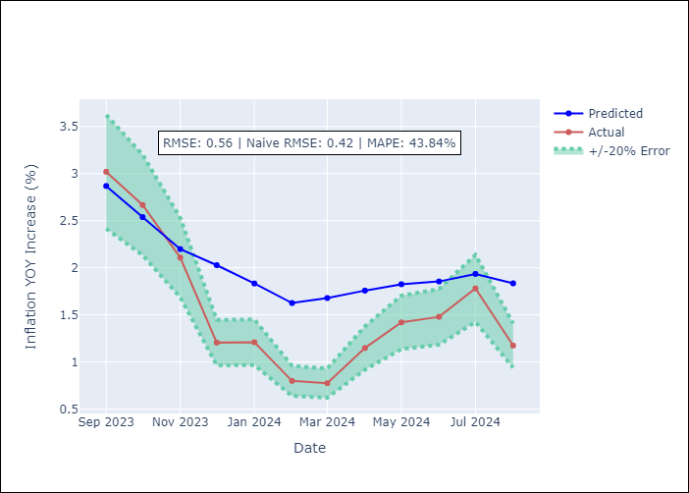

Appendix A: Model Summary
Model | ARIMA(2, 0, 0)x(2, 0, [1], 12)
Sample | 01-01-1996- 08-01-2024
No. of Observations | 344
Terms | P-value (Statistical significance)
const | 0.679
ar.L1 | 0.000
ar.L2 | 0.000
ar.S.L12 | 0.051
ar.S.L24 | 0.000
ma.S.L12 | 0.001
sigma2 | 0.000
Assumptions | P-value

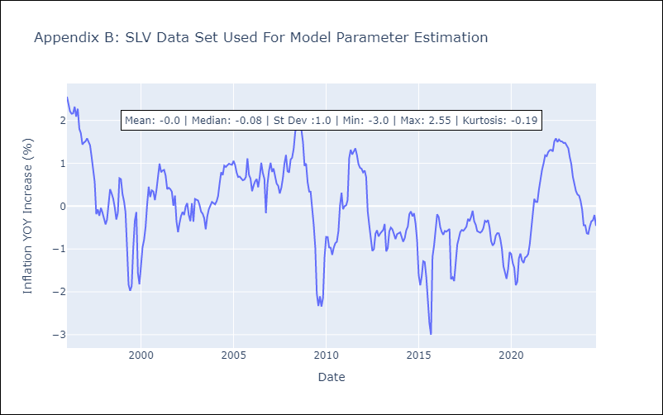

Appendix C: Residuals Analysis
Mean | 0.0

Normal? | No

