CAR13
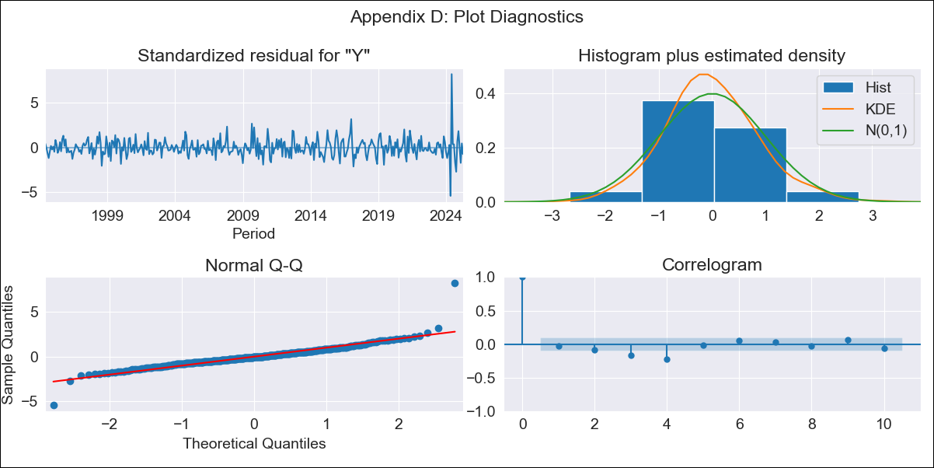
CAR13 - Inflation - Next 12 months forecast as of: 2025-04-01

Model | ARIMA - [(3, 2, 0), (3, 0, 1, 12)]
Training Data | 1991-01-01 to 2024-05-01
Test Data | 2024-05-01 to 2025-04-01

Date | Inflation Change YoY % | Lower Bound - 95% Confidence Interval | Upper Bound - 95% Confidence Interval
2025-05-01 | 3.32 | 2.57 | 4.2
2025-06-01 | 1.71 | 0.94 | 2.74
2025-07-01 | 1.62 | 0.58 | 3.17
2025-08-01 | 1.21 | 0.08 | 3.16
2025-09-01 | 1.21 | -0.15 | 3.97
2025-10-01 | 1.27 | -0.33 | 5.09
2025-11-01 | 1.1 | -0.59 | 5.89
2025-12-01 | 0.78 | -0.88 | 6.38
2026-01-01 | 0.66 | -1.09 | 7.55
2026-02-01 | 0.69 | -1.25 | 9.69
2026-03-01 | 0.53 | -1.46 | 11.26
2026-04-01 | 0.52 | -1.62 | 14.06
2026-05-01 | 0.43 | -1.78 | 16.22
2026-06-01 | 0.4 | -1.91 | 19.22
2026-07-01 | 0.34 | -2.05 | 22.16
2026-08-01 | 0.3 | -2.17 | 25.62

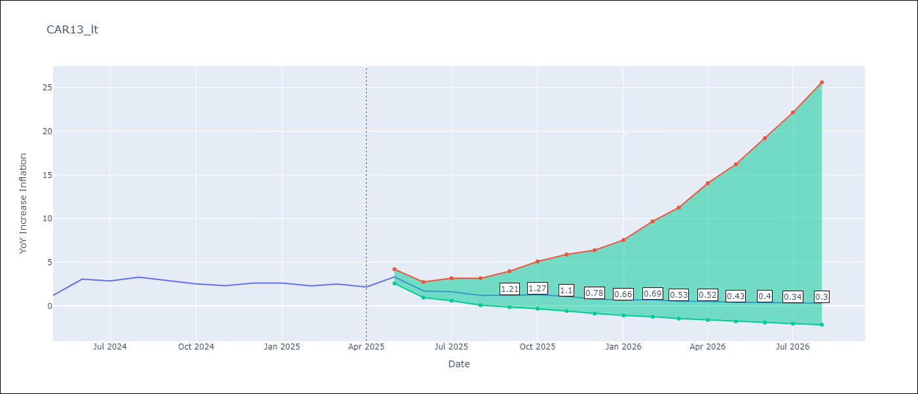

Test Metrics
RMSE | 1.05
Naive RMSE | 0.82
MAPE | 44.07%

Test Predictions
Date | Predicted | Actual
2024-05-01 | 2.83 | 1.19
2024-06-01 | 2.54 | 3.06
2024-07-01 | 2.33 | 2.85
2024-08-01 | 2.06 | 3.29
2024-09-01 | 1.95 | 2.89
2024-10-01 | 1.98 | 2.53
2024-11-01 | 1.63 | 2.32
2024-12-01 | 1.38 | 2.62
2025-01-01 | 1.28 | 2.61
2025-02-01 | 1.31 | 2.29
2025-03-01 | 1.28 | 2.5
2025-04-01 | 1.18 | 2.17

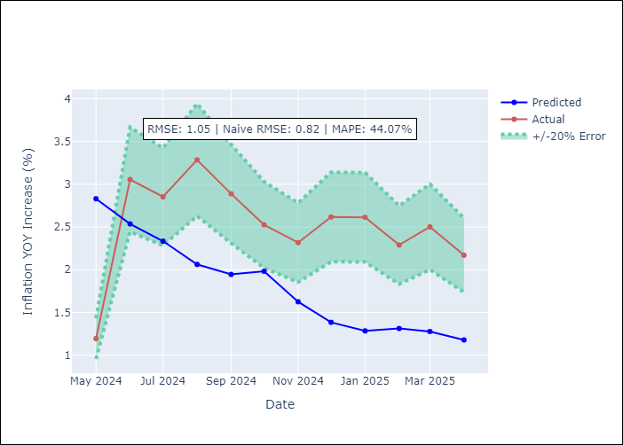

Appendix A: Model Summary
Model | ARIMA(3, 2, 0)x(3, 0, [1], 12)
Sample | 01-01-1991- 04-01-2025
No. of Observations | 412
Terms | P-value (Statistical significance)
ar.L1 | 0.000
ar.L2 | 0.000
ar.L3 | 0.000
ar.S.L12 | 0.546
ar.S.L24 | 0.548
ar.S.L36 | 1.000
ma.S.L12 | 0.000
sigma2 | 0.000
Assumptions | P-value

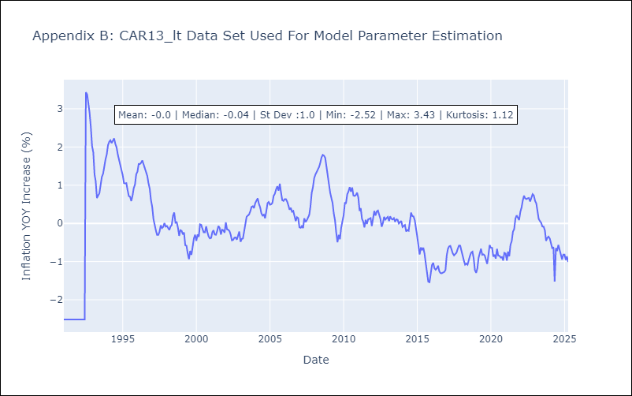

Appendix C: Residuals Analysis
Mean | -0.0

Normal? | No

