R01
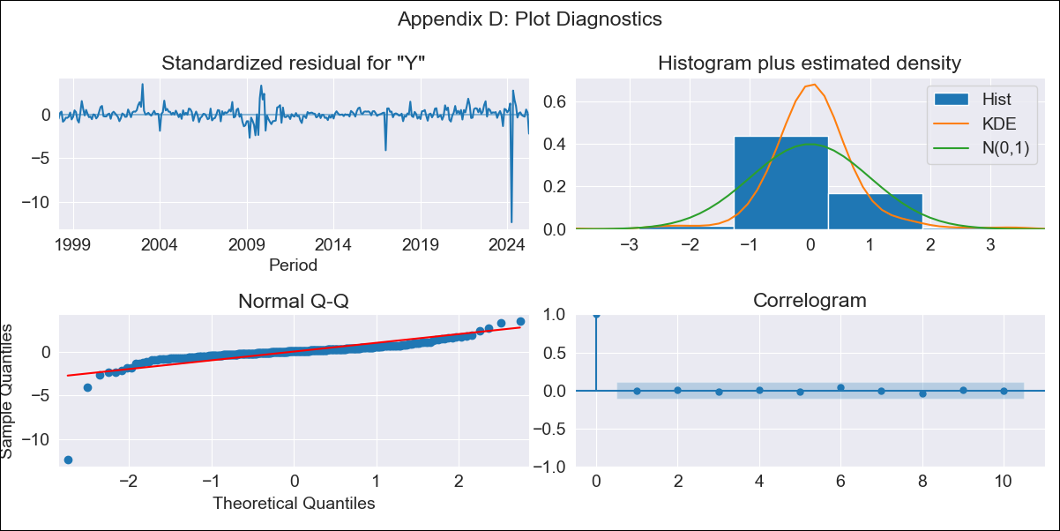
R01 - Inflation - Next 12 months forecast as of: 2025-04-01

Model | ARIMA - [(2, 0, 1), (2, 0, 0, 12)]
Training Data | 1996-01-01 to 2024-05-01
Test Data | 2024-05-01 to 2025-04-01

Date | Inflation Change YoY % | Lower Bound - 95% Confidence Interval | Upper Bound - 95% Confidence Interval
2025-05-01 | 3.61 | 3 | 4.33
2025-06-01 | 3.69 | 2.77 | 4.86
2025-07-01 | 3.77 | 2.59 | 5.4
2025-08-01 | 3.9 | 2.47 | 6.01
2025-09-01 | 4.08 | 2.4 | 6.7
2025-10-01 | 4.36 | 2.41 | 7.57
2025-11-01 | 4.52 | 2.37 | 8.27
2025-12-01 | 4.69 | 2.34 | 8.97
2026-01-01 | 4.87 | 2.33 | 9.68
2026-02-01 | 4.99 | 2.3 | 10.27
2026-03-01 | 5.06 | 2.26 | 10.72
2026-04-01 | 6.36 | 2.84 | 13.75
2026-05-01 | 6.51 | 2.86 | 14.31
2026-06-01 | 6.65 | 2.88 | 14.79
2026-07-01 | 6.76 | 2.91 | 15.19
2026-08-01 | 6.96 | 2.97 | 15.75

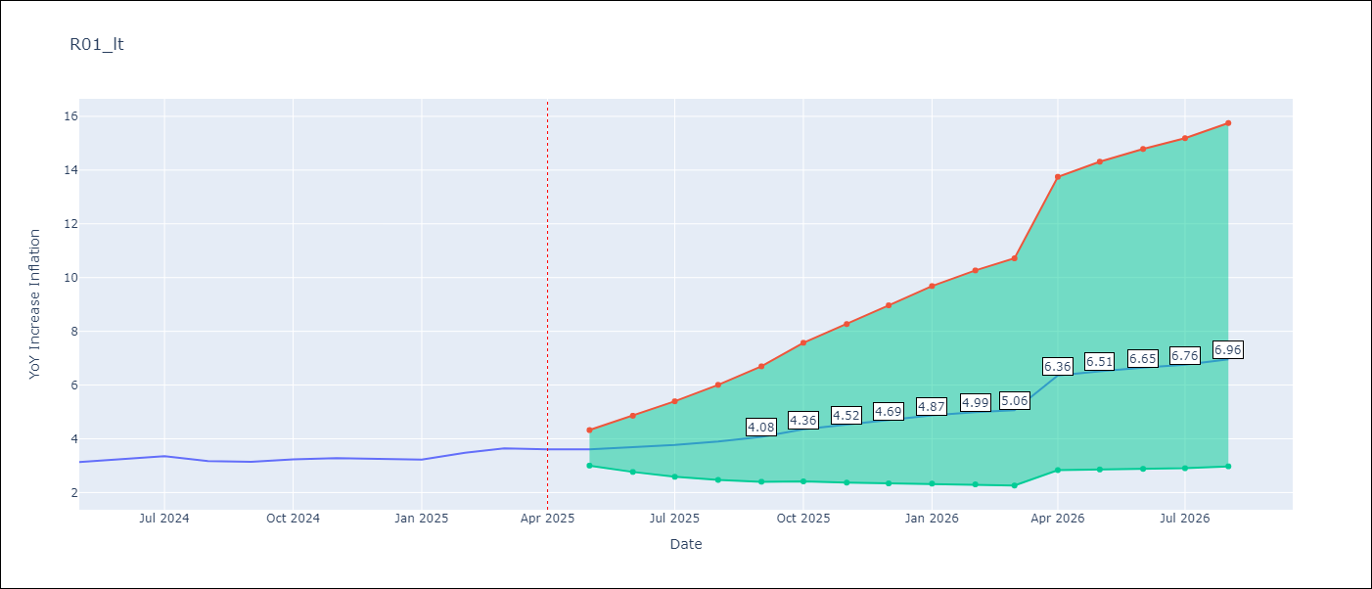

Test Metrics
RMSE | 2.28
Naive RMSE | 0.12
MAPE | 67.8%

Test Predictions
Date | Predicted | Actual
2024-05-01 | 1.88 | 3.13
2024-06-01 | 1.29 | 3.24
2024-07-01 | 0.98 | 3.36
2024-08-01 | 0.79 | 3.17
2024-09-01 | 0.71 | 3.15
2024-10-01 | 0.73 | 3.23
2024-11-01 | 0.76 | 3.28
2024-12-01 | 0.8 | 3.25
2025-01-01 | 0.88 | 3.23
2025-02-01 | 0.98 | 3.48
2025-03-01 | 1.06 | 3.65
2025-04-01 | 1.98 | 3.6

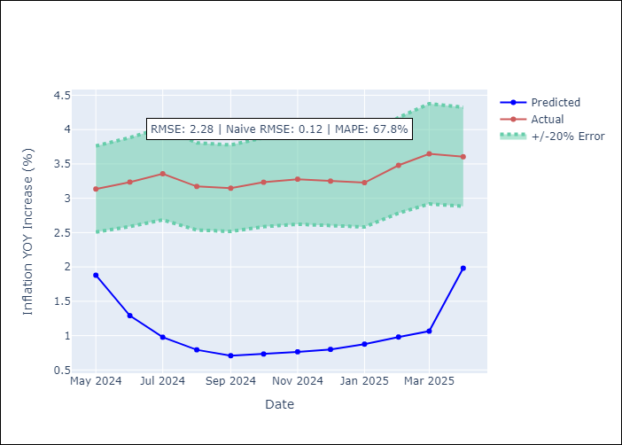

Appendix A: Model Summary
Model | ARIMA(2, 0, 1)x(2, 0, [], 12)
Sample | 01-01-1996- 04-01-2025
No. of Observations | 352
Terms | P-value (Statistical significance)
const | 0.840
ar.L1 | 0.000
ar.L2 | 0.000
ma.L1 | 0.000
ar.S.L12 | 0.000
ar.S.L24 | 0.212
sigma2 | 0.000
Assumptions | P-value

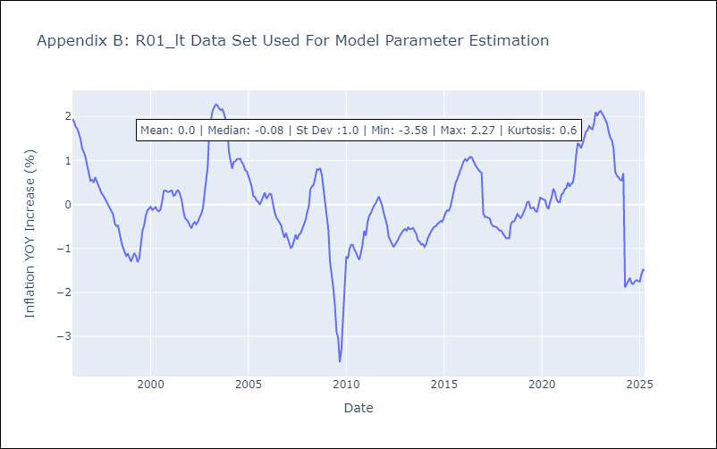

Appendix C: Residuals Analysis
Mean | 0.0

Normal? | No

