R07
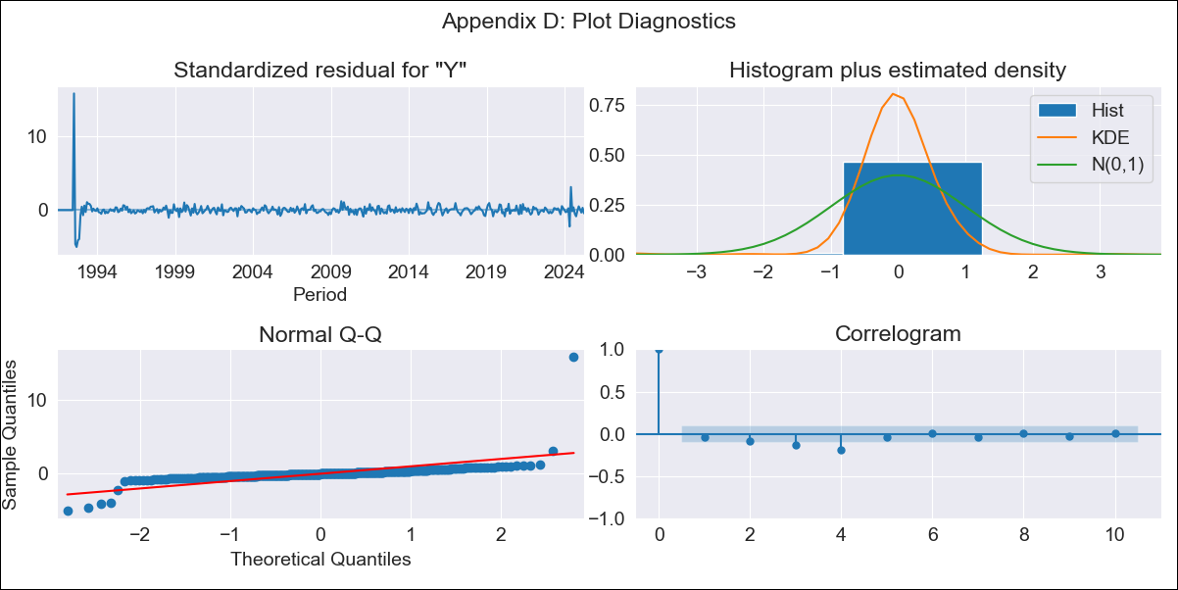
R07 - Inflation - Next 12 months forecast as of: 2025-04-01

Model | ARIMA - [(3, 2, 0), (0, 0, 0, 12)]
Training Data | 1991-01-01 to 2024-05-01
Test Data | 2024-05-01 to 2025-04-01

Date | Inflation Change YoY % | Lower Bound - 95% Confidence Interval | Upper Bound - 95% Confidence Interval
2025-05-01 | 2.07 | 0.79 | 4.01
2025-06-01 | 1.94 | 0.18 | 5.42
2025-07-01 | 1.85 | -0.27 | 7.43
2025-08-01 | 1.71 | -0.67 | 10.2
2025-09-01 | 1.6 | -1.04 | 14.56
2025-10-01 | 1.49 | -1.38 | 20.58
2025-11-01 | 1.39 | -1.7 | 29.05
2025-12-01 | 1.29 | -2.01 | 40.93
2026-01-01 | 1.19 | -2.31 | 57.56
2026-02-01 | 1.1 | -2.6 | 80.49
2026-03-01 | 1 | -2.89 | 111.96
2026-04-01 | 0.92 | -3.17 | 154.83
2026-05-01 | 0.83 | -3.44 | 212.79
2026-06-01 | 0.75 | -3.71 | 290.51
2026-07-01 | 0.67 | -3.97 | 393.98
2026-08-01 | 0.6 | -4.23 | 530.69

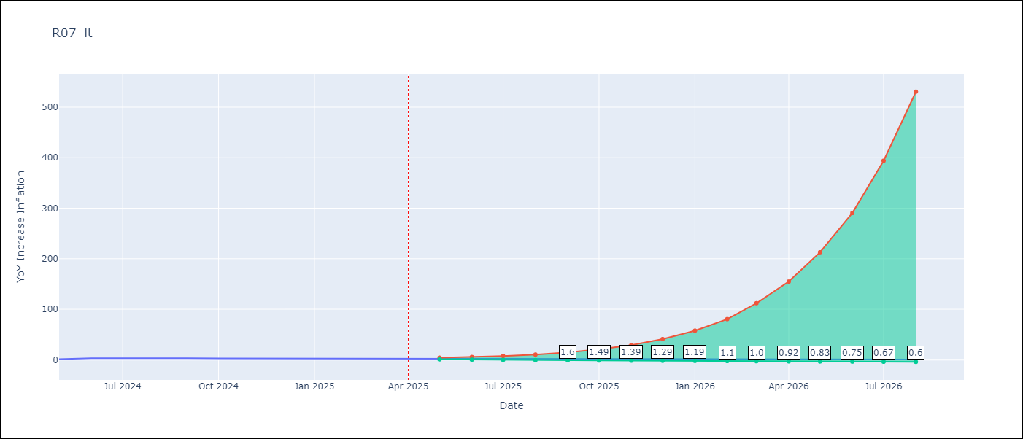

Test Metrics
RMSE | 0.7
Naive RMSE | 0.82
MAPE | 28.38%

Test Predictions
Date | Predicted | Actual
2024-05-01 | 2.95 | 1.19
2024-06-01 | 2.77 | 3.06
2024-07-01 | 2.64 | 2.85
2024-08-01 | 2.54 | 3.29
2024-09-01 | 2.41 | 2.89
2024-10-01 | 2.28 | 2.53
2024-11-01 | 2.17 | 2.32
2024-12-01 | 2.06 | 2.62
2025-01-01 | 1.95 | 2.61
2025-02-01 | 1.84 | 2.29
2025-03-01 | 1.74 | 2.5
2025-04-01 | 1.64 | 2.17

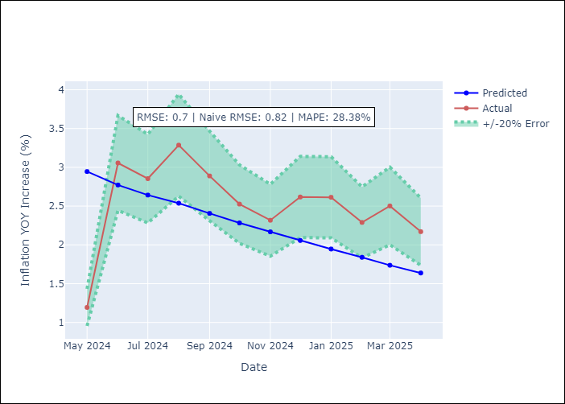

Appendix A: Model Summary
Model | ARIMA(3, 2, 0)
Sample | 01-01-1991- 04-01-2025
No. of Observations | 412
Terms | P-value (Statistical significance)
ar.L1 | 0.000
ar.L2 | 0.000
ar.L3 | 0.000
sigma2 | 0.000
Assumptions | P-value

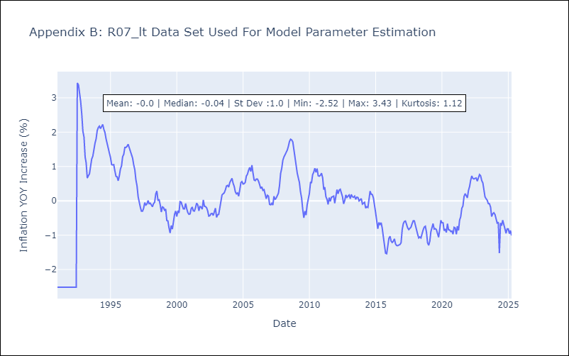

Appendix C: Residuals Analysis
Mean | -0.0

Normal? | No

