SUR10
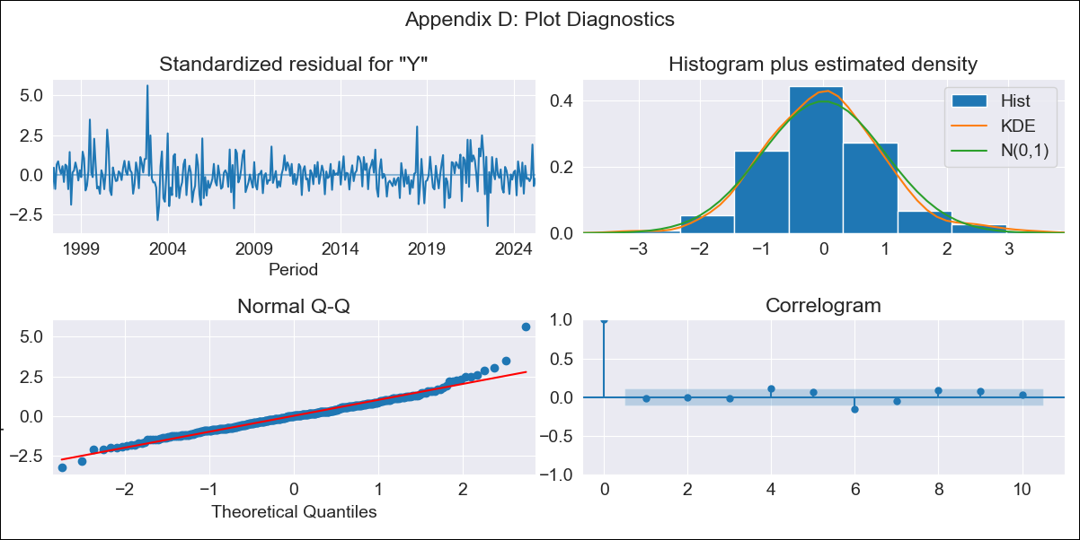
SUR10 - Inflation - Next 12 months forecast as of: 2025-04-01

Model | ARIMA - [(1, 2, 1), (0, 0, 1, 12)]
Training Data | 1996-01-01 to 2024-05-01
Test Data | 2024-05-01 to 2025-04-01

Date | Inflation Change YoY % | Lower Bound - 95% Confidence Interval | Upper Bound - 95% Confidence Interval
2025-05-01 | 5.16 | 4.66 | 5.65
2025-06-01 | 5.25 | 4.32 | 6.19
2025-07-01 | 5.17 | 3.82 | 6.51
2025-08-01 | 5.34 | 3.61 | 7.06
2025-09-01 | 5.33 | 3.26 | 7.4
2025-10-01 | 5.37 | 2.98 | 7.76
2025-11-01 | 5.44 | 2.76 | 8.11
2025-12-01 | 5.55 | 2.6 | 8.49
2026-01-01 | 5.65 | 2.45 | 8.85
2026-02-01 | 5.35 | 1.92 | 8.79
2026-03-01 | 5.31 | 1.65 | 8.96
2026-04-01 | 5.33 | 1.46 | 9.2
2026-05-01 | 5.34 | 1.36 | 9.31
2026-06-01 | 5.34 | 1.31 | 9.37
2026-07-01 | 5.35 | 1.28 | 9.41
2026-08-01 | 5.35 | 1.25 | 9.44

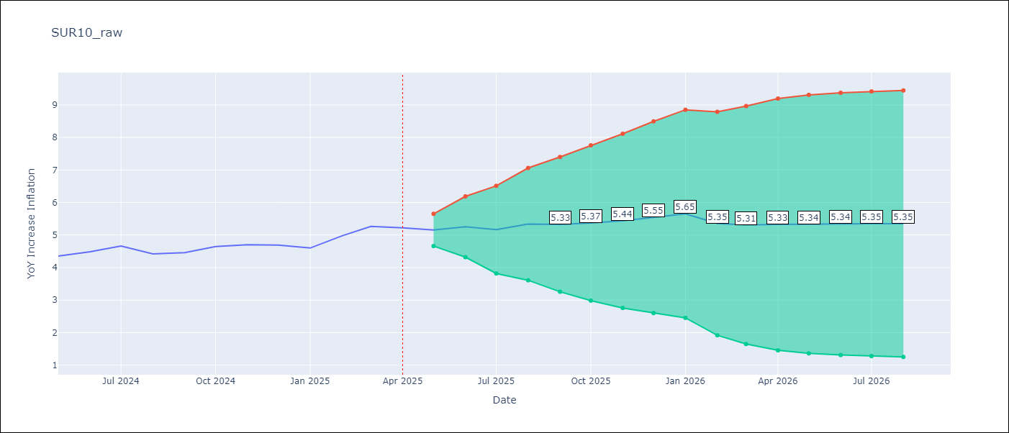

Test Metrics
RMSE | 0.33
Naive RMSE | 0.19
MAPE | 5.76%

Test Predictions
Date | Predicted | Actual
2024-05-01 | 4.31 | 4.35
2024-06-01 | 4.59 | 4.49
2024-07-01 | 4.67 | 4.66
2024-08-01 | 4.66 | 4.42
2024-09-01 | 4.69 | 4.46
2024-10-01 | 4.94 | 4.65
2024-11-01 | 5.08 | 4.7
2024-12-01 | 5.22 | 4.69
2025-01-01 | 5.28 | 4.6
2025-02-01 | 5.25 | 4.98
2025-03-01 | 5.49 | 5.27
2025-04-01 | 5.46 | 5.22

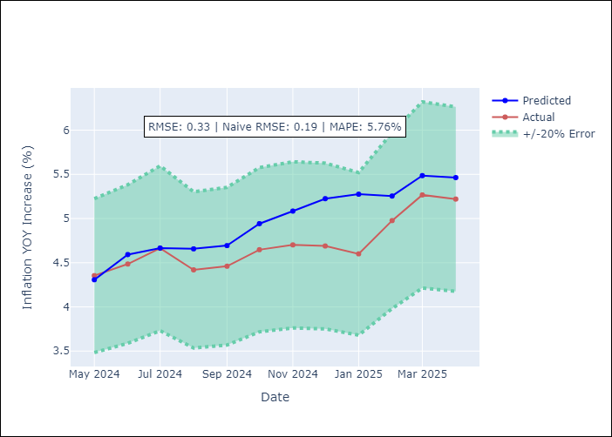

Appendix A: Model Summary
Model | ARIMA(1, 2, 1)x(0, 0, 1, 12)
Sample | 01-01-1996- 04-01-2025
No. of Observations | 352
Terms | P-value (Statistical significance)
ar.L1 | 0.000
ma.L1 | 0.968
ma.S.L12 | 0.000
sigma2 | 0.968
Assumptions | P-value

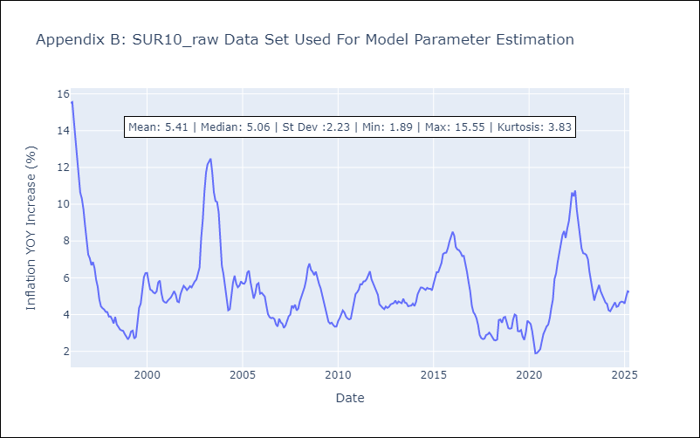

Appendix C: Residuals Analysis
Mean | 0.02

Normal? | No

