R02
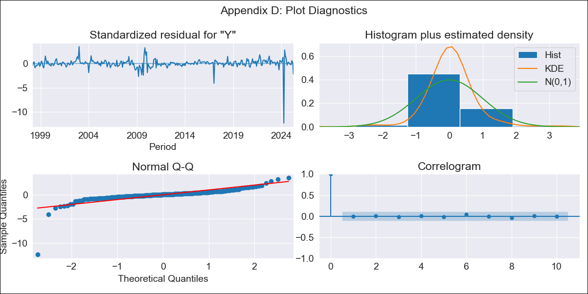
R02 - Inflation - Next 12 months forecast as of: 2025-04-01

Model | ARIMA - [(2, 0, 1), (2, 0, 0, 12)]
Training Data | 1996-01-01 to 2024-05-01
Test Data | 2024-05-01 to 2025-04-01

Date | Inflation Change YoY % | Lower Bound - 95% Confidence Interval | Upper Bound - 95% Confidence Interval
2025-05-01 | 3.62 | 3 | 4.35
2025-06-01 | 3.7 | 2.77 | 4.89
2025-07-01 | 3.78 | 2.58 | 5.43
2025-08-01 | 3.91 | 2.46 | 6.05
2025-09-01 | 4.08 | 2.39 | 6.73
2025-10-01 | 4.36 | 2.4 | 7.61
2025-11-01 | 4.53 | 2.35 | 8.31
2025-12-01 | 4.69 | 2.32 | 9.01
2026-01-01 | 4.87 | 2.31 | 9.73
2026-02-01 | 4.99 | 2.28 | 10.3
2026-03-01 | 5.05 | 2.23 | 10.75
2026-04-01 | 6.37 | 2.81 | 13.81
2026-05-01 | 6.51 | 2.83 | 14.35
2026-06-01 | 6.65 | 2.85 | 14.84
2026-07-01 | 6.76 | 2.88 | 15.24
2026-08-01 | 6.96 | 2.95 | 15.81

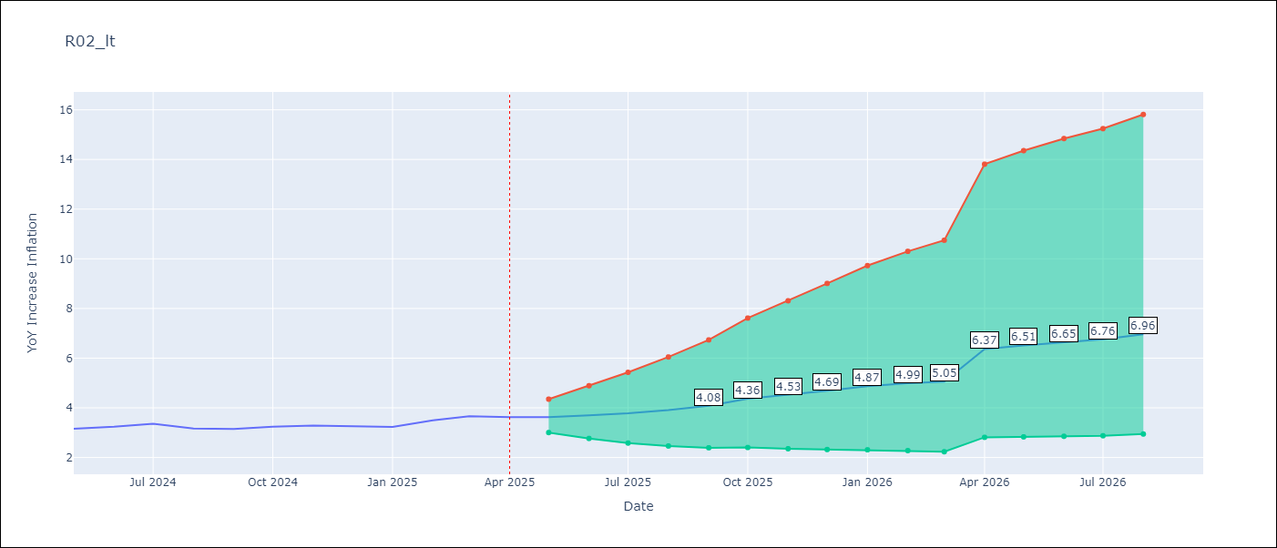

Test Metrics
RMSE | 2.3
Naive RMSE | 0.12
MAPE | 68.34%

Test Predictions
Date | Predicted | Actual
2024-05-01 | 1.88 | 3.16
2024-06-01 | 1.29 | 3.24
2024-07-01 | 0.97 | 3.36
2024-08-01 | 0.78 | 3.17
2024-09-01 | 0.7 | 3.15
2024-10-01 | 0.72 | 3.24
2024-11-01 | 0.75 | 3.29
2024-12-01 | 0.78 | 3.26
2025-01-01 | 0.86 | 3.23
2025-02-01 | 0.96 | 3.49
2025-03-01 | 1.04 | 3.66
2025-04-01 | 1.96 | 3.62

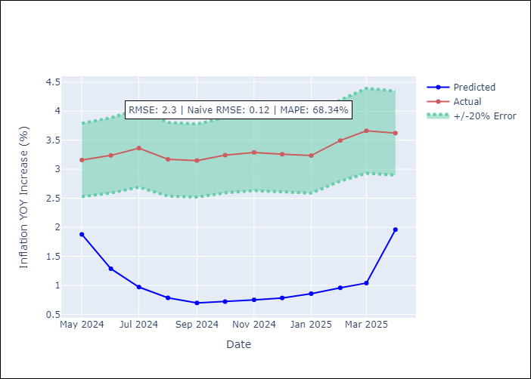

Appendix A: Model Summary
Model | ARIMA(2, 0, 1)x(2, 0, [], 12)
Sample | 01-01-1996- 04-01-2025
No. of Observations | 352
Terms | P-value (Statistical significance)
const | 0.842
ar.L1 | 0.000
ar.L2 | 0.000
ma.L1 | 0.000
ar.S.L12 | 0.000
ar.S.L24 | 0.207
sigma2 | 0.000
Assumptions | P-value

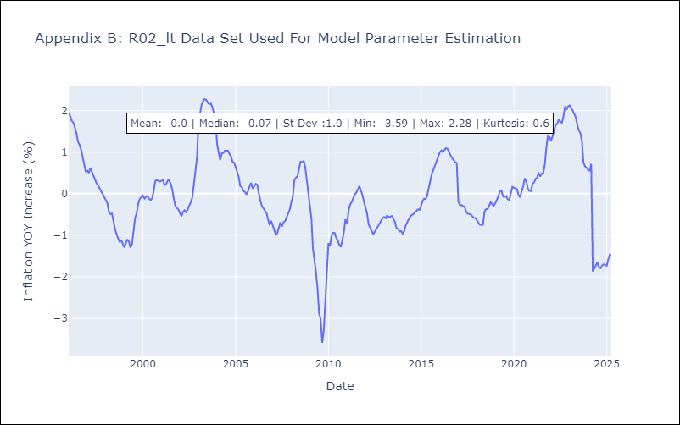

Appendix C: Residuals Analysis
Mean | 0.0

Normal? | No

