CHL
CHL - Inflation - Next 12 months forecast as of: 2025-04-01

Model | Random Forest - [(2, 0, 0), (0, 0, 1, 12)]
Training Data | 2012-12-01 to 2024-05-01
Test Data | 2024-05-01 to 2025-04-01

Date | Inflation Change YoY % | Lower Bound - 95% Confidence Interval | Upper Bound - 95% Confidence Interval
2025-05-01 | 4.37 | 3.16 | 4.56
2025-06-01 | 3.49 | 2.65 | 6.75
2025-07-01 | 4.3 | 3.57 | 7.31
2025-08-01 | 7.35 | 4.28 | 12.31
2025-09-01 | 10.74 | 5.3 | 11.65
2025-10-01 | 6.07 | 4.08 | 7.51
2025-11-01 | 4.26 | 4.14 | 5.03
2025-12-01 | 4.5 | 2.91 | 4.55
2026-01-01 | 3.28 | 2.31 | 6.11
2026-02-01 | 5.49 | 3.78 | 10.37
2026-03-01 | 9.44 | 4.61 | 11.75
2026-04-01 | 9.91 | 4.5 | 10.71

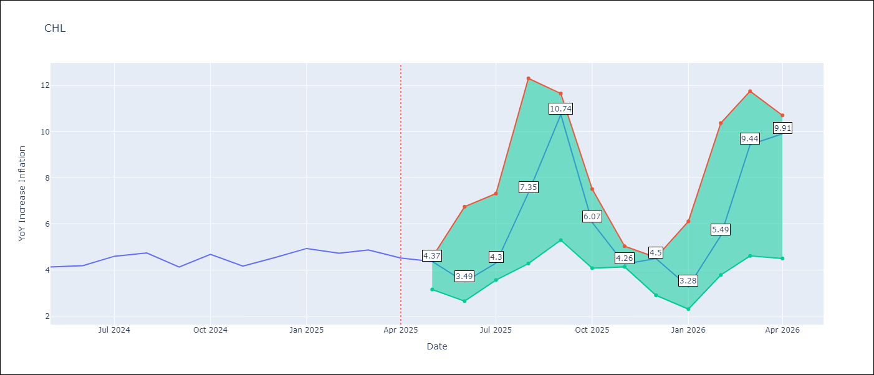

Test Metrics
RMSE | 0.31
Naive RMSE | 0.38
MAPE | 7.92%

Test Predictions
Date | Predicted | Actual
2024-05-01 | 4.3 | 4.13
2024-06-01 | 4.4 | 4.19
2024-07-01 | 4.5 | 4.6
2024-08-01 | 4.55 | 4.74
2024-09-01 | 4.59 | 4.13
2024-10-01 | 4.58 | 4.68
2024-11-01 | 4.76 | 4.17
2024-12-01 | 4.82 | 4.53
2025-01-01 | 4.94 | 4.94
2025-02-01 | 5.02 | 4.73
2025-03-01 | 5.06 | 4.87
2025-04-01 | 5.06 | 4.52

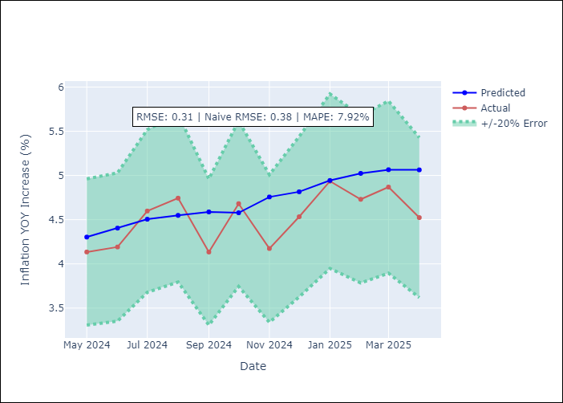

Appendix A: Model Summary
Model | Random Forest
Sample | 2012-12-01 to 2025-04-01
No. of Observations | 149
Terms | P-value (Statistical significance)

Assumptions | P-value



Appendix C: Residuals Analysis
Mean

