CHL
CHL - Inflation - Next 12 months forecast as of: 2025-04-01

Model | Random Forest - [(2, 0, 0), (0, 0, 1, 12)]
Training Data | 2012-12-01 to 2024-05-01
Test Data | 2024-05-01 to 2025-04-01

Date | Inflation Change YoY % | Lower Bound - 95% Confidence Interval | Upper Bound - 95% Confidence Interval
2025-05-01 | 7.64 | 3.12 | 4.47
2025-06-01 | 7.24 | 2.78 | 5.82
2025-07-01 | 6.89 | 3.1 | 7.81
2025-08-01 | 6.66 | 4.98 | 12.9
2025-09-01 | 6.32 | 4.1 | 10.97
2025-10-01 | 5.93 | 3.85 | 4.63
2025-11-01 | 5.84 | 2.83 | 4.51
2025-12-01 | 5.62 | 2.11 | 6.99
2026-01-01 | 5.47 | 3.54 | 7.57
2026-02-01 | 5.34 | 4.49 | 11.69
2026-03-01 | 5.16 | 5.57 | 12.02
2026-04-01 | 5.05 | 4.21 | 9.37

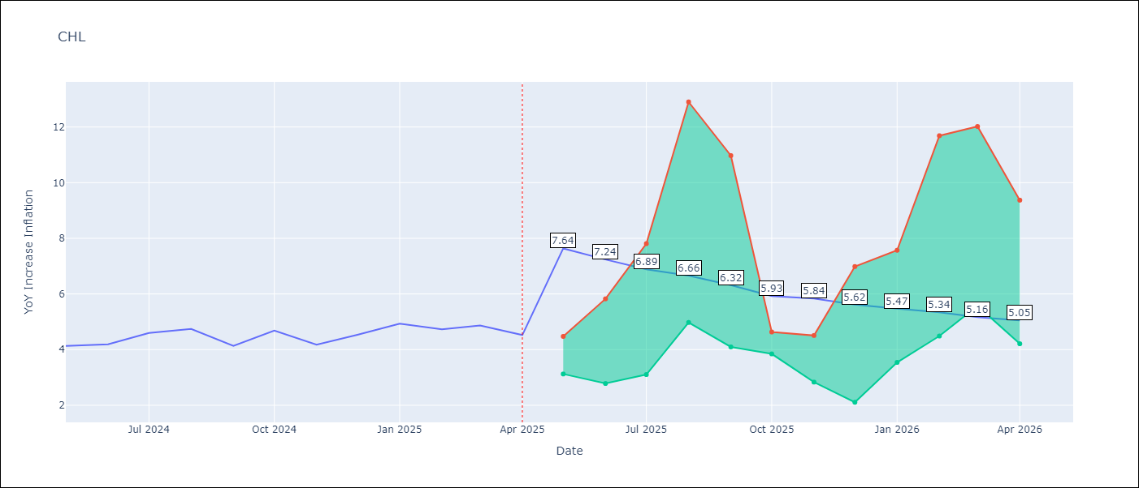

Test Metrics
RMSE | 0.23
Naive RMSE | 0.38
MAPE | 6.89%

Test Predictions
Date | Predicted | Actual
2024-05-01 | 4.15 | 4.13
2024-06-01 | 4.26 | 4.19
2024-07-01 | 4.37 | 4.6
2024-08-01 | 4.46 | 4.74
2024-09-01 | 4.44 | 4.13
2024-10-01 | 4.34 | 4.68
2024-11-01 | 4.48 | 4.17
2024-12-01 | 4.62 | 4.53
2025-01-01 | 4.77 | 4.94
2025-02-01 | 4.88 | 4.73
2025-03-01 | 4.85 | 4.87
2025-04-01 | 4.87 | 4.52

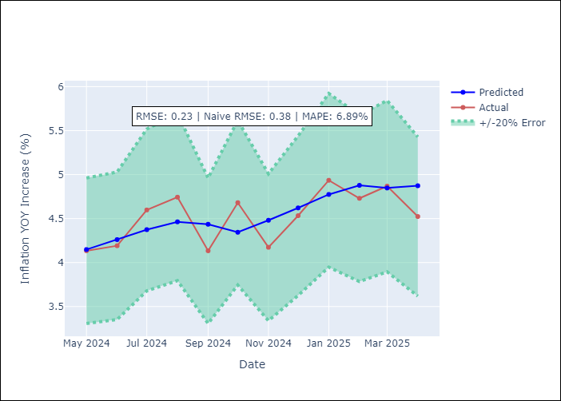

Appendix A: Model Summary
Model | Random Forest
Sample | 2012-12-01 to 2025-04-01
No. of Observations | 149
Terms | P-value (Statistical significance)

Assumptions | P-value



Appendix C: Residuals Analysis
Mean

