CHL
CHL - Inflation - Next 12 months forecast as of: 2025-04-01

Model | Random Forest - [(2, 0, 0), (0, 0, 1, 12)]
Training Data | 2012-12-01 to 2024-05-01
Test Data | 2024-05-01 to 2025-04-01

Date | Inflation Change YoY % | Lower Bound - 95% Confidence Interval | Upper Bound - 95% Confidence Interval
2025-05-01 | 4.2 | 3.19 | 4.55
2025-06-01 | 4.09 | 2.48 | 6.11
2025-07-01 | 4.09 | 2.98 | 4.55
2025-08-01 | 4.11 | 2.84 | 6.7
2025-09-01 | 4.25 | 3.23 | 5.66
2025-10-01 | 4.42 | 2.19 | 6.94
2025-11-01 | 4.53 | 3.15 | 9.45
2025-12-01 | 4.42 | 2.43 | 5.64
2026-01-01 | 4.42 | 3.32 | 8.29
2026-02-01 | 4.35 | 5.16 | 13.02
2026-03-01 | 4.47 | 4.18 | 10.84
2026-04-01 | 4.59 | 4 | 4.65

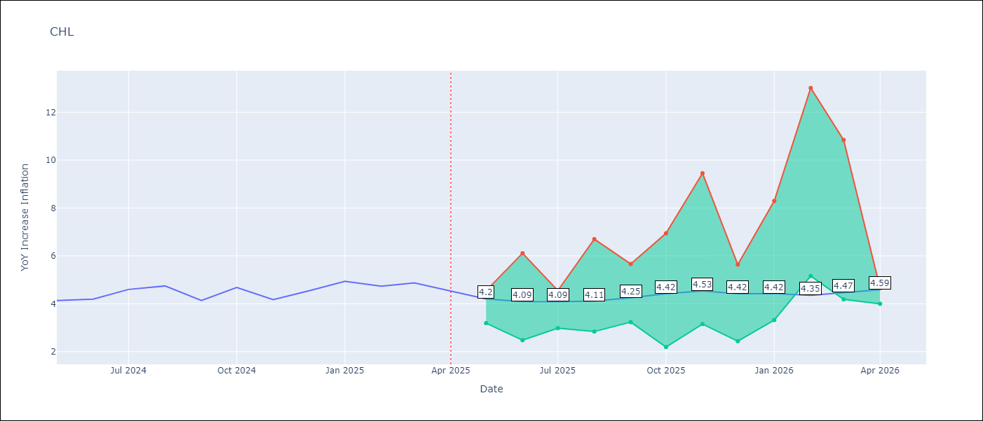

Test Metrics
RMSE | 0.22
Naive RMSE | 0.38
MAPE | 6.49%

Test Predictions
Date | Predicted | Actual
2024-05-01 | 4.24 | 4.13
2024-06-01 | 4.37 | 4.19
2024-07-01 | 4.46 | 4.6
2024-08-01 | 4.49 | 4.74
2024-09-01 | 4.47 | 4.13
2024-10-01 | 4.44 | 4.68
2024-11-01 | 4.53 | 4.17
2024-12-01 | 4.7 | 4.53
2025-01-01 | 4.78 | 4.94
2025-02-01 | 4.84 | 4.73
2025-03-01 | 4.83 | 4.87
2025-04-01 | 4.8 | 4.52

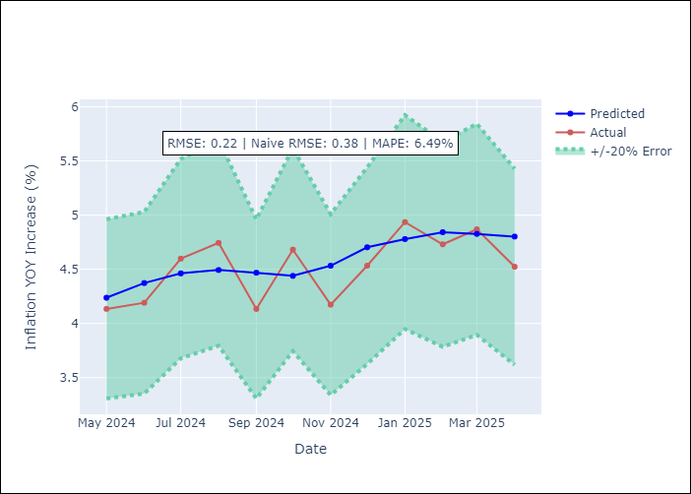

Appendix A: Model Summary
Model | Random Forest
Sample | 2012-12-01 to 2025-04-01
No. of Observations | 149
Terms | P-value (Statistical significance)

Assumptions | P-value



Appendix C: Residuals Analysis
Mean

