ARG
ARG - Inflation - Next 12 months forecast as of: 2025-04-01

Model | Random Forest - [(2, 2, 2), (0, 0, 1, 12)]
Training Data | 2007-01-01 to 2024-05-01
Test Data | 2024-05-01 to 2025-04-01

Date | Inflation Change YoY % | Lower Bound - 95% Confidence Interval | Upper Bound - 95% Confidence Interval
2025-05-01 | 238.88 | 95.72 | 171.76
2025-06-01 | 251.43 | 121.04 | 271.85
2025-07-01 | 258.77 | 94.17 | 276.8
2025-08-01 | 262.5 | 113.67 | 264.82
2025-09-01 | 260.26 | 112.34 | 277.52
2025-10-01 | 250.89 | 106.96 | 269.9
2025-11-01 | 237.84 | 102.4 | 273.64
2025-12-01 | 221.98 | 104.81 | 271.17
2026-01-01 | 197.61 | 101.19 | 273.72
2026-02-01 | 168.71 | 104.92 | 273.2
2026-03-01 | 142.67 | 106.38 | 274.01
2026-04-01 | 121.1 | 102.23 | 270.18

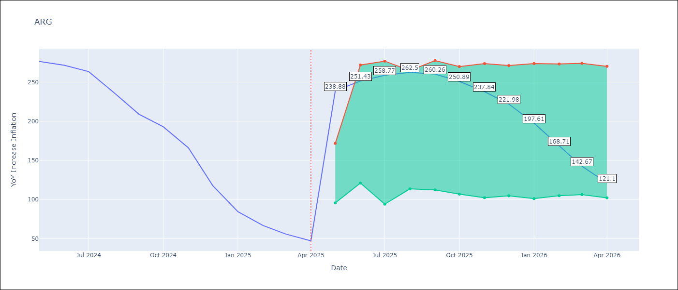

Test Metrics
RMSE | 37.37
Naive RMSE | 24.3
MAPE | 101.33%

Test Predictions
Date | Predicted | Actual
2024-05-01 | 283.44 | 276.41
2024-06-01 | 279.69 | 271.53
2024-07-01 | 275.2 | 263.45
2024-08-01 | 268.69 | 236.72
2024-09-01 | 250 | 209
2024-10-01 | 226.14 | 192.99
2024-11-01 | 207.05 | 166.03
2024-12-01 | 183.18 | 117.76
2025-01-01 | 144.88 | 84.54
2025-02-01 | 109.72 | 66.87
2025-03-01 | 84.98 | 55.93
2025-04-01 | 67.75 | 47.26

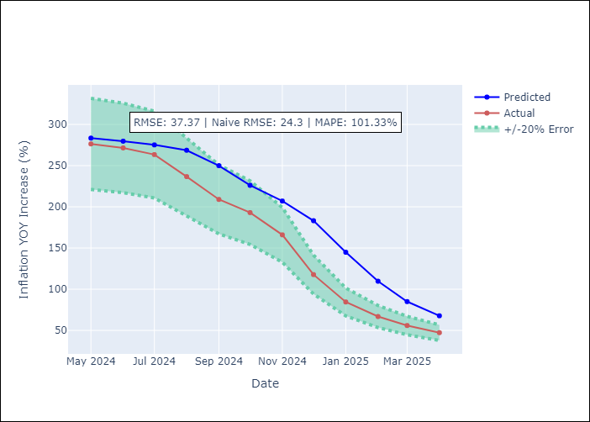

Appendix A: Model Summary
Model | Random Forest
Sample | 2007-01-01 to 2025-04-01
No. of Observations | 220
Terms | P-value (Statistical significance)

Assumptions | P-value

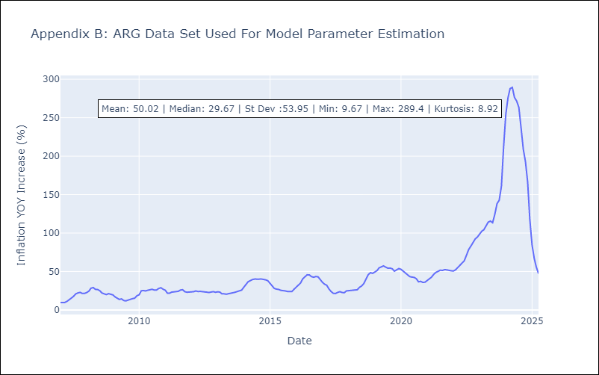

Appendix C: Residuals Analysis
Mean

BOL
BOL - Inflation - Next 12 months forecast as of: 2025-04-01

Model | Random Forest - [(1, 1, 2), (0, 0, 2, 12)]
Training Data | 2021-01-01 to 2024-05-01
Test Data | 2024-05-01 to 2025-04-01

Date | Inflation Change YoY % | Lower Bound - 95% Confidence Interval | Upper Bound - 95% Confidence Interval
2025-05-01 | 2.55 | 2.29 | 11.22
2025-06-01 | 2.74 | 2.48 | 11.08
2025-07-01 | 3.01 | 2.37 | 11.16
2025-08-01 | 3.2 | 2.46 | 11.59
2025-09-01 | 3.64 | 2.32 | 11.21
2025-10-01 | 4.32 | 2.4 | 11.73
2025-11-01 | 5.11 | 2.29 | 11.02
2025-12-01 | 6.12 | 2.35 | 11.57
2026-01-01 | 7.08 | 2.41 | 11.31
2026-02-01 | 8.08 | 2.38 | 11.26
2026-03-01 | 9.43 | 2.44 | 12
2026-04-01 | 10.74 | 2.25 | 11.14

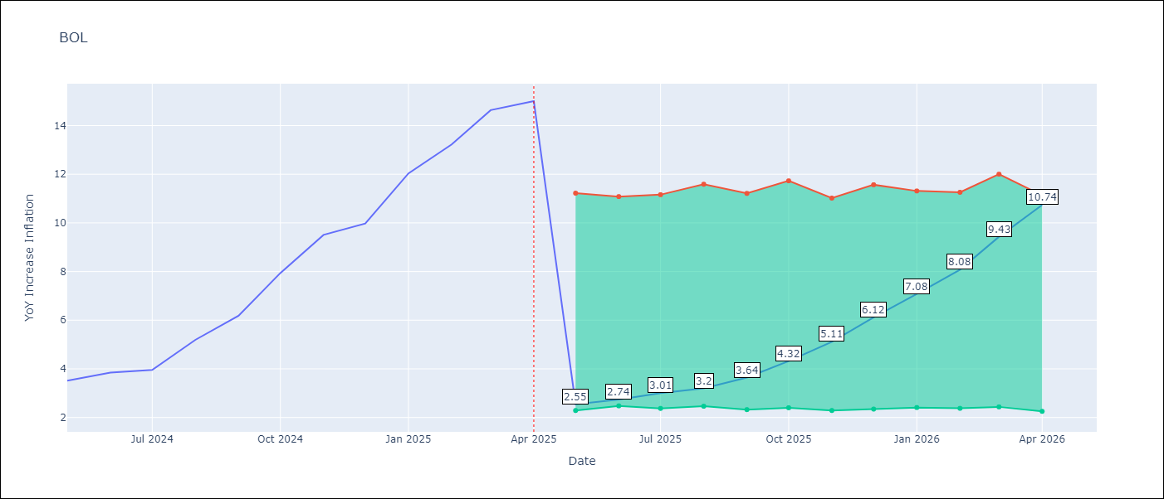

Test Metrics
RMSE | 3.59
Naive RMSE | 1.21
MAPE | 53.19%

Test Predictions
Date | Predicted | Actual
2024-05-01 | 2.61 | 3.52
2024-06-01 | 2.7 | 3.84
2024-07-01 | 3.03 | 3.95
2024-08-01 | 3.16 | 5.19
2024-09-01 | 3.75 | 6.18
2024-10-01 | 4.4 | 7.94
2024-11-01 | 5.29 | 9.51
2024-12-01 | 6.23 | 9.97
2025-01-01 | 7.02 | 12.03
2025-02-01 | 8.11 | 13.22
2025-03-01 | 9.39 | 14.63
2025-04-01 | 10.66 | 15.01

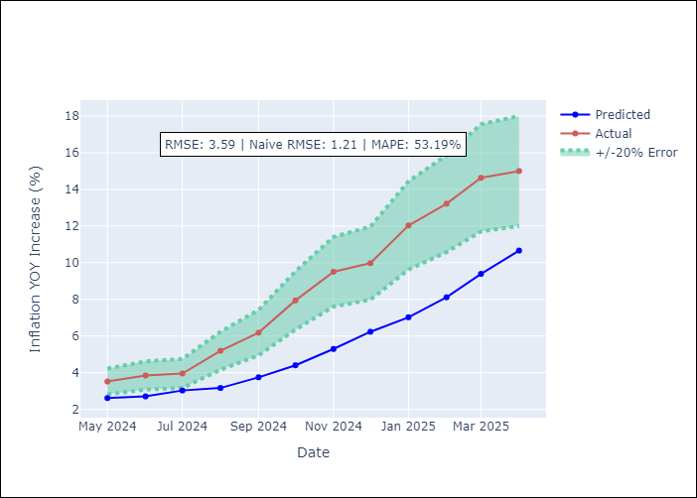

Appendix A: Model Summary
Model | Random Forest
Sample | 2021-01-01 to 2025-04-01
No. of Observations | 52
Terms | P-value (Statistical significance)

Assumptions | P-value

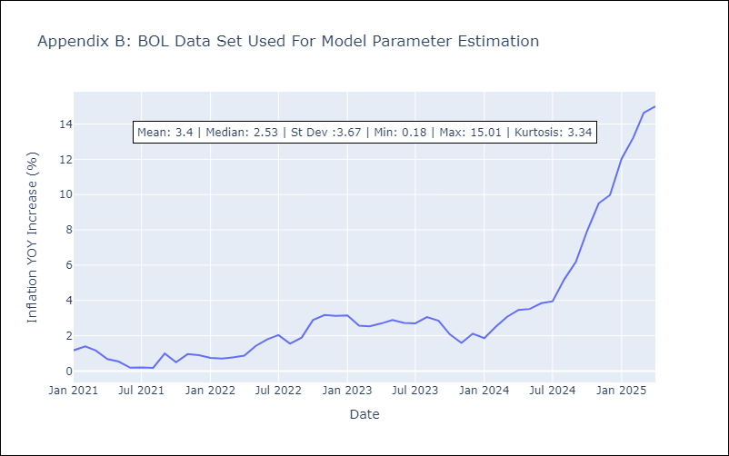

Appendix C: Residuals Analysis
Mean

BRA
BRA - Inflation - Next 12 months forecast as of: 2025-04-01

Model | Random Forest - [(1, 2, 1), (0, 0, 1, 12)]
Training Data | 1998-01-01 to 2024-05-01
Test Data | 2024-05-01 to 2025-04-01

Date | Inflation Change YoY % | Lower Bound - 95% Confidence Interval | Upper Bound - 95% Confidence Interval
2025-05-01 | 8.56 | 5.38 | 6.3
2025-06-01 | 8.65 | 4.7 | 6.55
2025-07-01 | 8.71 | 5.95 | 7.26
2025-08-01 | 8.95 | 6.58 | 8.62
2025-09-01 | 9.25 | 7.9 | 14.06
2025-10-01 | 9.61 | 5.07 | 12.09
2025-11-01 | 9.96 | 3.34 | 5.68
2025-12-01 | 10.32 | 3.71 | 5.56
2026-01-01 | 10.51 | 5.09 | 6.41
2026-02-01 | 10.65 | 5.46 | 6.73
2026-03-01 | 10.62 | 6.39 | 8.54
2026-04-01 | 10.4 | 7.73 | 12.4

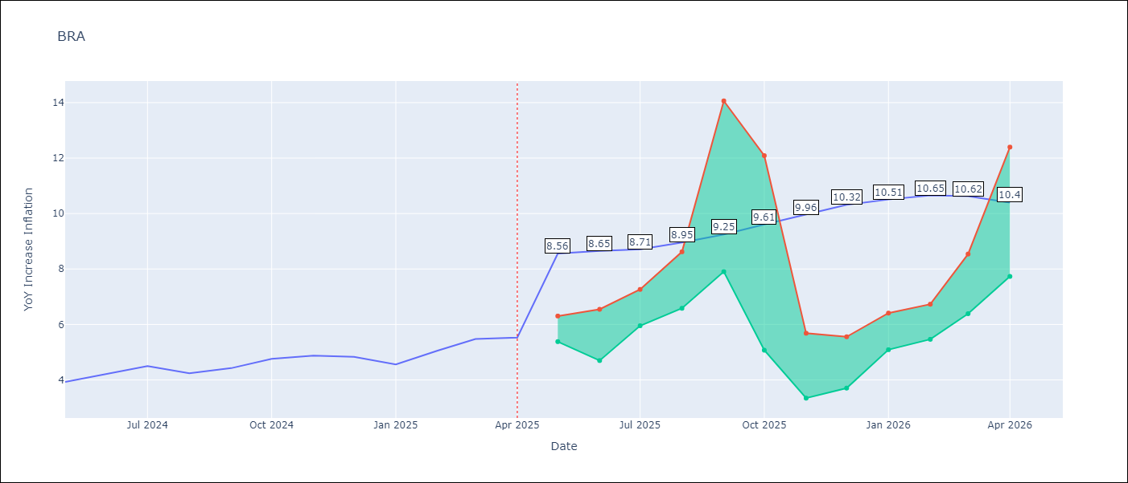

Test Metrics
RMSE | 1.11
Naive RMSE | 0.29
MAPE | 20.42%

Test Predictions
Date | Predicted | Actual
2024-05-01 | 3.75 | 3.93
2024-06-01 | 3.92 | 4.23
2024-07-01 | 4.02 | 4.5
2024-08-01 | 3.88 | 4.24
2024-09-01 | 3.65 | 4.42
2024-10-01 | 3.47 | 4.76
2024-11-01 | 3.35 | 4.87
2024-12-01 | 3.3 | 4.83
2025-01-01 | 3.38 | 4.56
2025-02-01 | 3.62 | 5.06
2025-03-01 | 3.95 | 5.48
2025-04-01 | 4.27 | 5.53

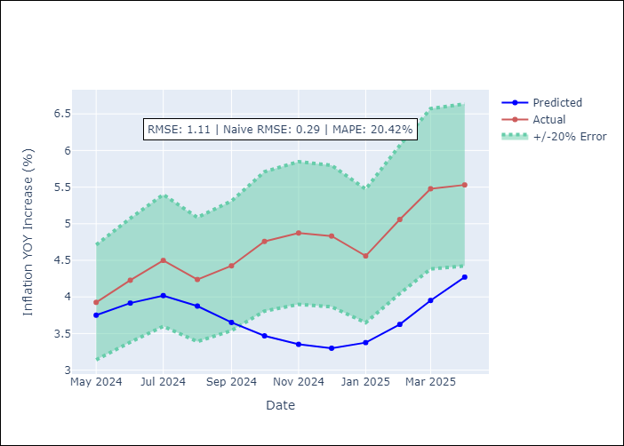

Appendix A: Model Summary
Model | Random Forest
Sample | 1998-01-01 to 2025-04-01
No. of Observations | 328
Terms | P-value (Statistical significance)

Assumptions | P-value



Appendix C: Residuals Analysis
Mean

CHL
CHL - Inflation - Next 12 months forecast as of: 2025-04-01

Model | Random Forest - [(2, 0, 0), (0, 0, 1, 12)]
Training Data | 2012-12-01 to 2024-05-01
Test Data | 2024-05-01 to 2025-04-01

Date | Inflation Change YoY % | Lower Bound - 95% Confidence Interval | Upper Bound - 95% Confidence Interval
2025-05-01 | 4.3 | 3.23 | 4.52
2025-06-01 | 4.25 | 2.28 | 6.2
2025-07-01 | 4.16 | 3.02 | 6.96
2025-08-01 | 4.03 | 2.32 | 4.24
2025-09-01 | 3.86 | 1.9 | 3.58
2025-10-01 | 3.71 | 2.47 | 2.98
2025-11-01 | 3.57 | 2.46 | 3.35
2025-12-01 | 3.42 | 3.05 | 8.56
2026-01-01 | 3.3 | 6.48 | 13.54
2026-02-01 | 3.18 | 4.02 | 9.73
2026-03-01 | 3.07 | 3.67 | 4.63
2026-04-01 | 2.94 | 2.77 | 4.4

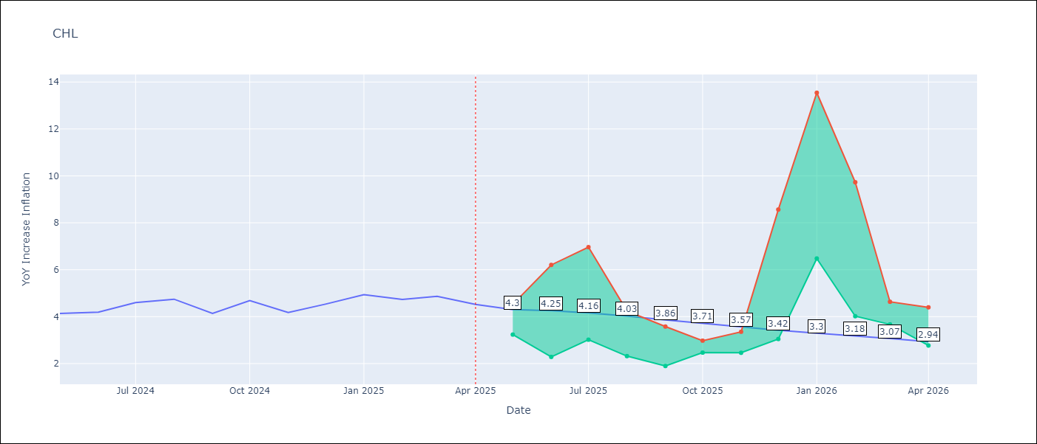

Test Metrics
RMSE | 0.23
Naive RMSE | 0.38
MAPE | 5.97%

Test Predictions
Date | Predicted | Actual
2024-05-01 | 4.24 | 4.13
2024-06-01 | 4.36 | 4.19
2024-07-01 | 4.37 | 4.6
2024-08-01 | 4.43 | 4.74
2024-09-01 | 4.46 | 4.13
2024-10-01 | 4.4 | 4.68
2024-11-01 | 4.52 | 4.17
2024-12-01 | 4.55 | 4.53
2025-01-01 | 4.63 | 4.94
2025-02-01 | 4.7 | 4.73
2025-03-01 | 4.66 | 4.87
2025-04-01 | 4.62 | 4.52

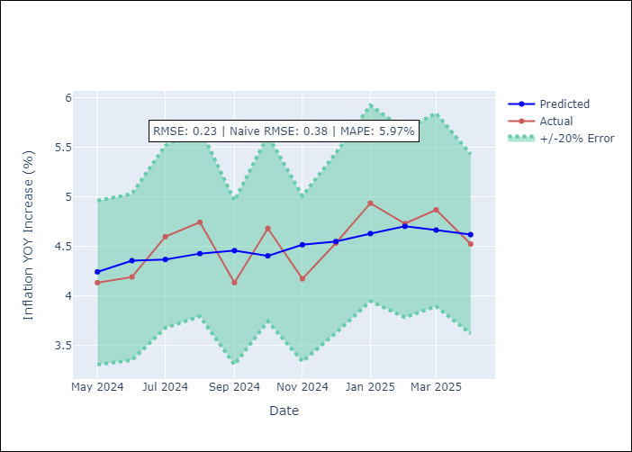

Appendix A: Model Summary
Model | Random Forest
Sample | 2012-12-01 to 2025-04-01
No. of Observations | 149
Terms | P-value (Statistical significance)

Assumptions | P-value



Appendix C: Residuals Analysis
Mean

COL
COL - Inflation - Next 12 months forecast as of: 2025-04-01

Model | Random Forest - [(1, 0, 1), (0, 0, 0, 12)]
Training Data | 2006-01-01 to 2024-05-01
Test Data | 2024-05-01 to 2025-04-01

Date | Inflation Change YoY % | Lower Bound - 95% Confidence Interval | Upper Bound - 95% Confidence Interval
2025-05-01 | 3.67 | 4.58 | 7.26
2025-06-01 | 3.44 | 2.21 | 6.5
2025-07-01 | 3.21 | 1.94 | 2.96
2025-08-01 | 3.08 | 2.91 | 4.3
2025-09-01 | 3.01 | 2.59 | 5.03
2025-10-01 | 2.99 | 1.99 | 3.01
2025-11-01 | 2.94 | 2.47 | 3.94
2025-12-01 | 2.89 | 2.79 | 4.75
2026-01-01 | 2.88 | 2.11 | 3.6
2026-02-01 | 2.87 | 2.2 | 3.67
2026-03-01 | 2.84 | 3.04 | 4.3
2026-04-01 | 2.8 | 2.27 | 4.77

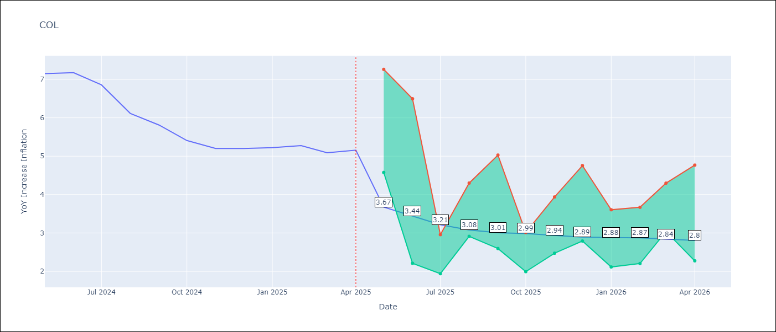

Test Metrics
RMSE | 1.1
Naive RMSE | 0.3
MAPE | 20.28%

Test Predictions
Date | Predicted | Actual
2024-05-01 | 5.96 | 7.15
2024-06-01 | 5.73 | 7.18
2024-07-01 | 5.49 | 6.86
2024-08-01 | 5.18 | 6.12
2024-09-01 | 4.78 | 5.81
2024-10-01 | 4.56 | 5.41
2024-11-01 | 4.31 | 5.2
2024-12-01 | 4.18 | 5.2
2025-01-01 | 4.07 | 5.22
2025-02-01 | 4.14 | 5.27
2025-03-01 | 4.15 | 5.09
2025-04-01 | 4.07 | 5.16

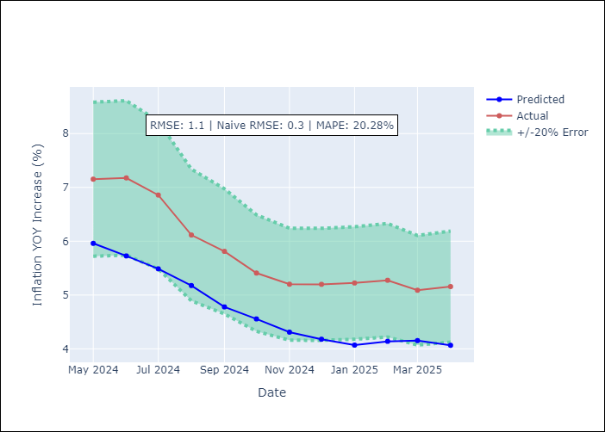

Appendix A: Model Summary
Model | Random Forest
Sample | 2006-01-01 to 2025-04-01
No. of Observations | 232
Terms | P-value (Statistical significance)

Assumptions | P-value

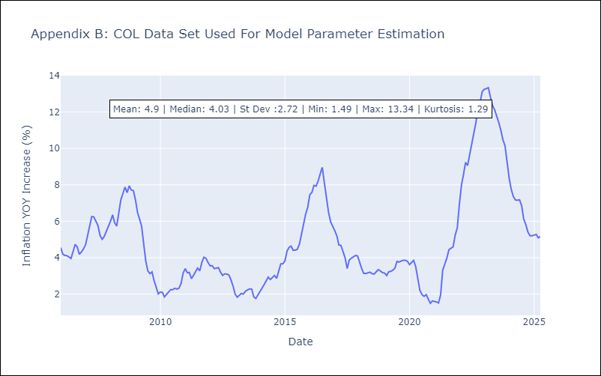

Appendix C: Residuals Analysis
Mean

ECU
ECU - Inflation - Next 12 months forecast as of: 2025-04-01

Model | Random Forest - [(2, 1, 1), (3, 0, 0, 12)]
Training Data | 2009-01-01 to 2024-05-01
Test Data | 2024-05-01 to 2025-04-01

Date | Inflation Change YoY % | Lower Bound - 95% Confidence Interval | Upper Bound - 95% Confidence Interval
2025-05-01 | 0.46 | -0.71 | 0.37
2025-06-01 | 0.32 | -0.2 | 2.93
2025-07-01 | 0.27 | -0.61 | 0.87
2025-08-01 | 0.3 | -0.68 | 0.37
2025-09-01 | 0.22 | -0.14 | 2.06
2025-10-01 | 0.12 | -0.87 | 0.56
2025-11-01 | 0.06 | -0.48 | 0.96
2025-12-01 | 0.11 | -0.42 | 1.06
2026-01-01 | 0.29 | -0.65 | 2.37
2026-02-01 | 0.44 | -0.8 | 0.22
2026-03-01 | 0.31 | -0.65 | 0.9
2026-04-01 | -0.04 | -0.16 | 0.9

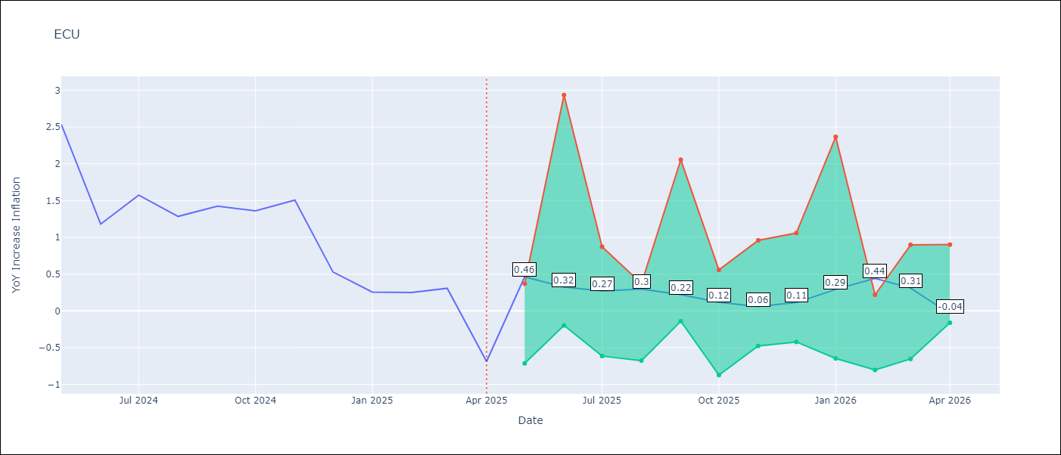

Test Metrics
RMSE | 2.64
Naive RMSE | 0.61
MAPE | 467.0%

Test Predictions
Date | Predicted | Actual
2024-05-01 | 2.96 | 2.53
2024-06-01 | 3.08 | 1.18
2024-07-01 | 3.19 | 1.57
2024-08-01 | 3.35 | 1.28
2024-09-01 | 3.52 | 1.42
2024-10-01 | 3.66 | 1.36
2024-11-01 | 3.74 | 1.51
2024-12-01 | 3.73 | 0.53
2025-01-01 | 3.65 | 0.26
2025-02-01 | 3.54 | 0.25
2025-03-01 | 3.44 | 0.31
2025-04-01 | 3.3 | -0.69

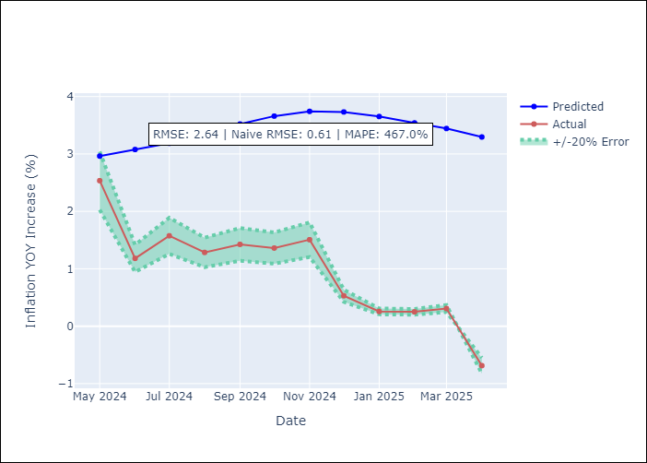

Appendix A: Model Summary
Model | Random Forest
Sample | 2009-01-01 to 2025-04-01
No. of Observations | 196
Terms | P-value (Statistical significance)

Assumptions | P-value

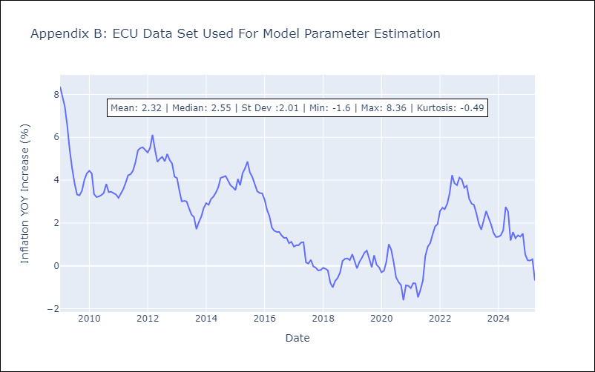

Appendix C: Residuals Analysis
Mean

PER
PER - Inflation - Next 12 months forecast as of: 2025-04-01

Model | Random Forest - [(3, 2, 0), (3, 0, 0, 12)]
Training Data | 1994-01-01 to 2024-05-01
Test Data | 2024-05-01 to 2025-04-01

Date | Inflation Change YoY % | Lower Bound - 95% Confidence Interval | Upper Bound - 95% Confidence Interval
2025-05-01 | 3.29 | 1.53 | 3.3
2025-06-01 | 3.27 | 3.17 | 6.45
2025-07-01 | 3.22 | 1.87 | 3.66
2025-08-01 | 3.23 | 2.11 | 3.57
2025-09-01 | 3.29 | 2.67 | 3.55
2025-10-01 | 3.29 | 2.38 | 3.63
2025-11-01 | 3.2 | 2.98 | 3.7
2025-12-01 | 3.11 | 2.61 | 3.54
2026-01-01 | 3.05 | 2.4 | 3.67
2026-02-01 | 3.01 | 2.21 | 3.52
2026-03-01 | 3 | 2.33 | 3.68
2026-04-01 | 3.01 | 2.68 | 3.68

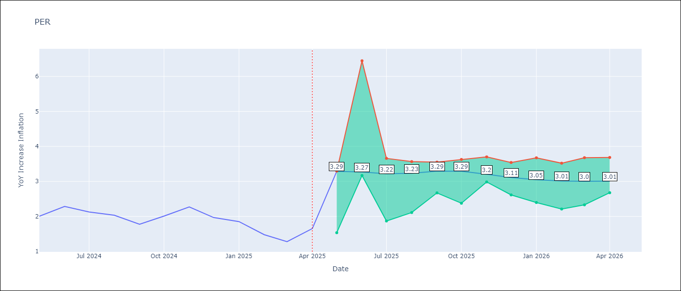

Test Metrics
RMSE | 1.3
Naive RMSE | 0.26
MAPE | 72.0%

Test Predictions
Date | Predicted | Actual
2024-05-01 | 2.9 | 2
2024-06-01 | 3.12 | 2.29
2024-07-01 | 3.27 | 2.13
2024-08-01 | 3.29 | 2.03
2024-09-01 | 3.29 | 1.78
2024-10-01 | 3.31 | 2.01
2024-11-01 | 3.34 | 2.27
2024-12-01 | 3.32 | 1.97
2025-01-01 | 3.14 | 1.85
2025-02-01 | 2.99 | 1.48
2025-03-01 | 2.98 | 1.28
2025-04-01 | 3.08 | 1.65

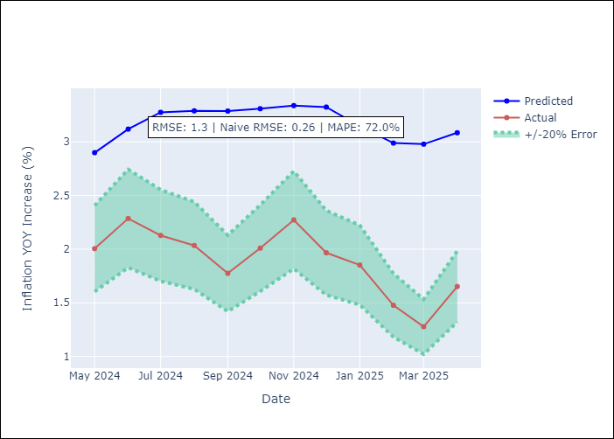

Appendix A: Model Summary
Model | Random Forest
Sample | 1994-01-01 to 2025-04-01
No. of Observations | 376
Terms | P-value (Statistical significance)

Assumptions | P-value

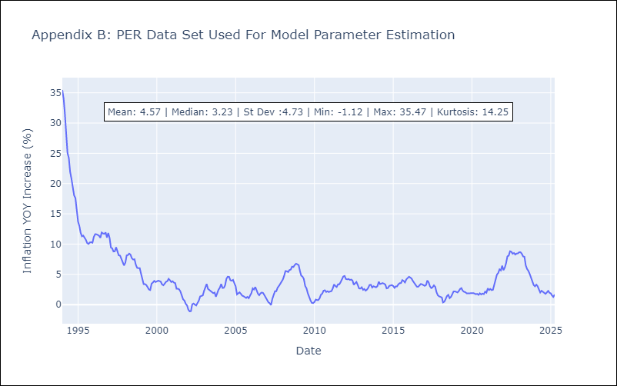

Appendix C: Residuals Analysis
Mean

PRY
PRY - Inflation - Next 12 months forecast as of: 2025-04-01

Model | Random Forest - [(2, 1, 1), (1, 0, 1, 12)]
Training Data | 1995-12-01 to 2024-05-01
Test Data | 2024-05-01 to 2025-04-01

Date | Inflation Change YoY % | Lower Bound - 95% Confidence Interval | Upper Bound - 95% Confidence Interval
2025-05-01 | 3.74 | 2.86 | 3.79
2025-06-01 | 3.95 | 2.76 | 4.23
2025-07-01 | 4.15 | 2.96 | 3.81
2025-08-01 | 4.02 | 2.8 | 4.18
2025-09-01 | 3.86 | 2.91 | 3.87
2025-10-01 | 3.86 | 3.04 | 4.3
2025-11-01 | 3.67 | 2.94 | 3.88
2025-12-01 | 3.49 | 2.97 | 4.19
2026-01-01 | 3.34 | 3.07 | 3.9
2026-02-01 | 3.39 | 3.13 | 4.26
2026-03-01 | 3.51 | 2.92 | 3.78
2026-04-01 | 3.61 | 2.75 | 4.25

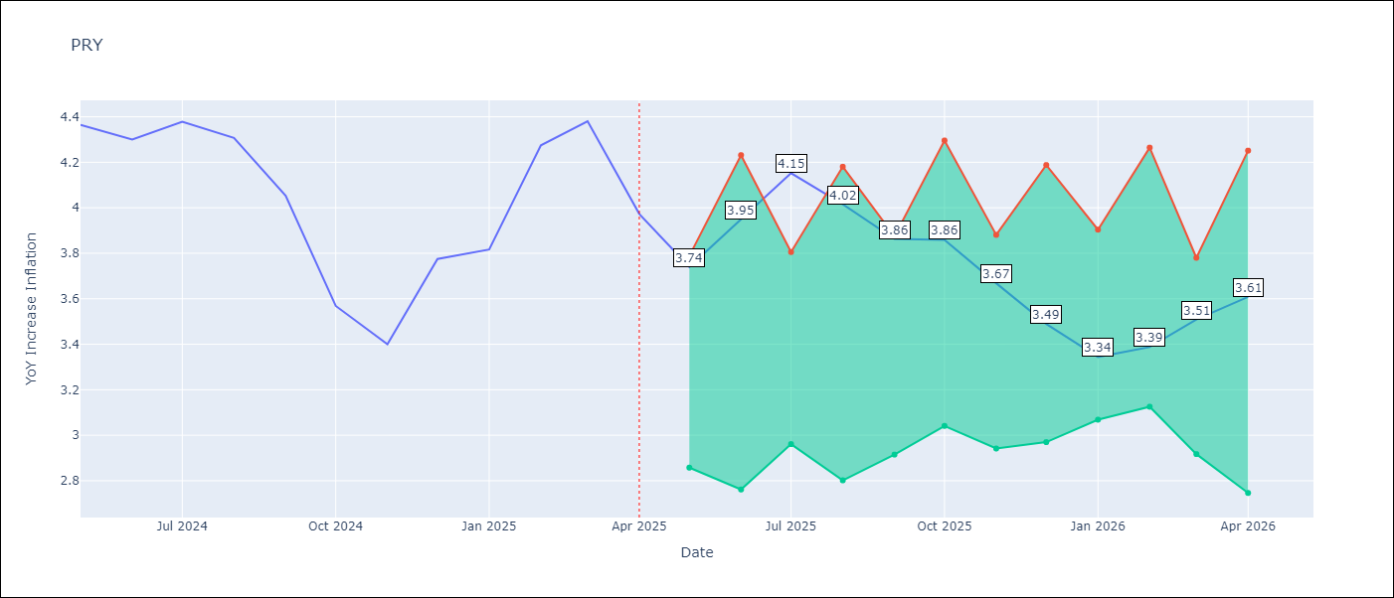

Test Metrics
RMSE | 0.54
Naive RMSE | 0.28
MAPE | 11.56%

Test Predictions
Date | Predicted | Actual
2024-05-01 | 3.64 | 4.36
2024-06-01 | 3.81 | 4.3
2024-07-01 | 3.67 | 4.38
2024-08-01 | 3.55 | 4.31
2024-09-01 | 3.56 | 4.05
2024-10-01 | 3.52 | 3.57
2024-11-01 | 3.66 | 3.4
2024-12-01 | 3.62 | 3.78
2025-01-01 | 3.52 | 3.82
2025-02-01 | 3.64 | 4.27
2025-03-01 | 3.62 | 4.38
2025-04-01 | 3.49 | 3.97

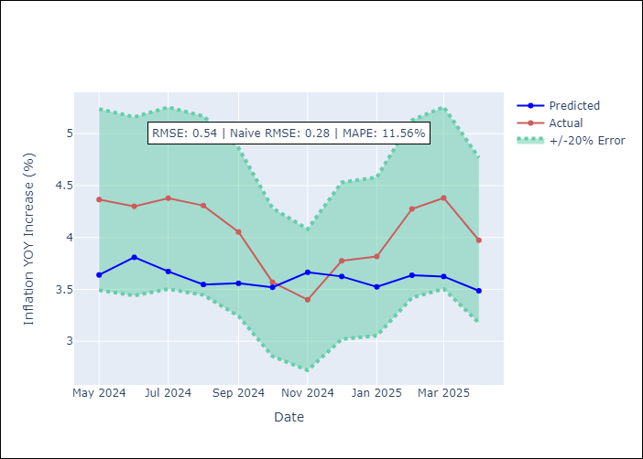

Appendix A: Model Summary
Model | Random Forest
Sample | 1995-12-01 to 2025-04-01
No. of Observations | 353
Terms | P-value (Statistical significance)

Assumptions | P-value



Appendix C: Residuals Analysis
Mean

URY
URY - Inflation - Next 12 months forecast as of: 2025-04-01

Model | Random Forest - [(0, 2, 1), (3, 0, 0, 12)]
Training Data | 1992-01-01 to 2024-05-01
Test Data | 2024-05-01 to 2025-04-01

Date | Inflation Change YoY % | Lower Bound - 95% Confidence Interval | Upper Bound - 95% Confidence Interval
2025-05-01 | 8.71 | 4.1 | 8
2025-06-01 | 8.84 | 6.59 | 9.4
2025-07-01 | 8.84 | 7.89 | 9
2025-08-01 | 8.81 | 8.27 | 9.2
2025-09-01 | 8.84 | 8.34 | 8.99
2025-10-01 | 8.86 | 8.3 | 9.1
2025-11-01 | 8.87 | 8.29 | 9.06
2025-12-01 | 8.8 | 8.37 | 9.09
2026-01-01 | 8.65 | 8.38 | 9.02
2026-02-01 | 8.59 | 8.28 | 9.05
2026-03-01 | 8.55 | 8.35 | 9.06
2026-04-01 | 8.54 | 8.26 | 9.11

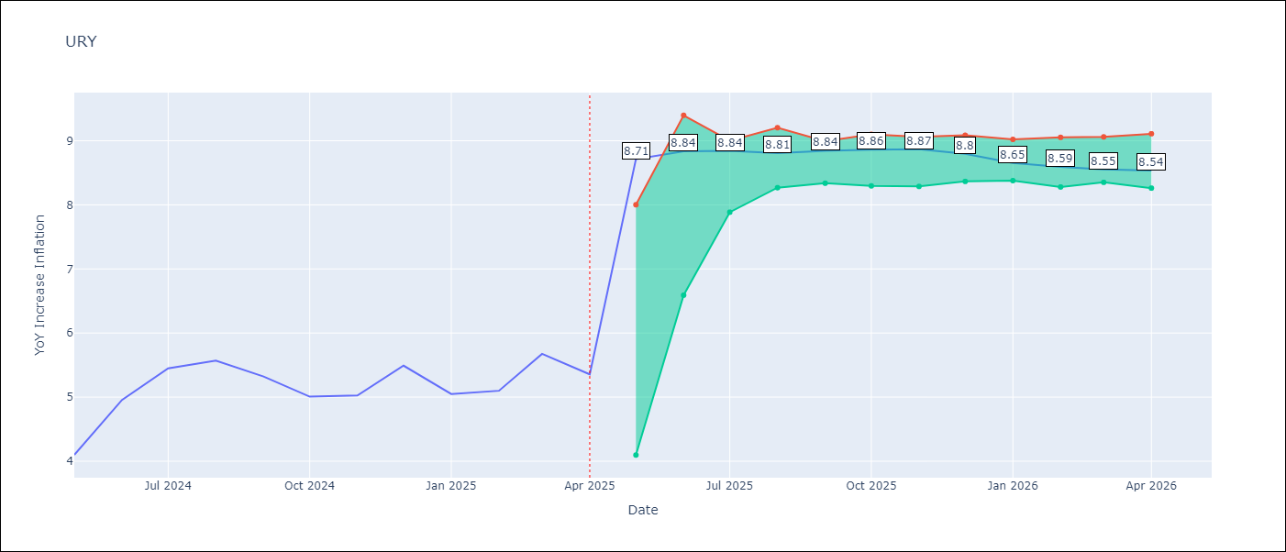

Test Metrics
RMSE | 3.74
Naive RMSE | 0.43
MAPE | 53.98%

Test Predictions
Date | Predicted | Actual
2024-05-01 | 4.23 | 4.1
2024-06-01 | 4.46 | 4.96
2024-07-01 | 4.87 | 5.45
2024-08-01 | 5.43 | 5.57
2024-09-01 | 5.93 | 5.32
2024-10-01 | 6.27 | 5.01
2024-11-01 | 6.71 | 5.03
2024-12-01 | 7.58 | 5.49
2025-01-01 | 8.85 | 5.05
2025-02-01 | 10.52 | 5.1
2025-03-01 | 12.43 | 5.67
2025-04-01 | 13.64 | 5.36

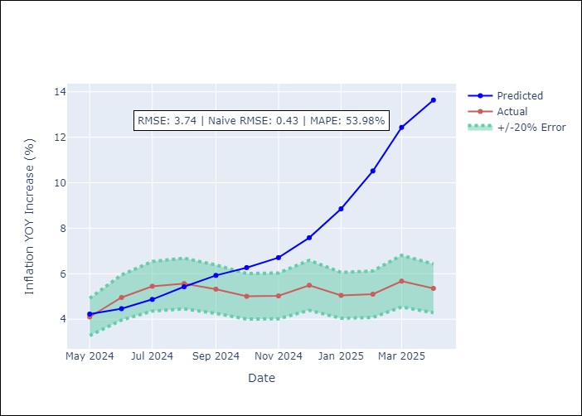

Appendix A: Model Summary
Model | Random Forest
Sample | 1992-01-01 to 2025-04-01
No. of Observations | 400
Terms | P-value (Statistical significance)

Assumptions | P-value

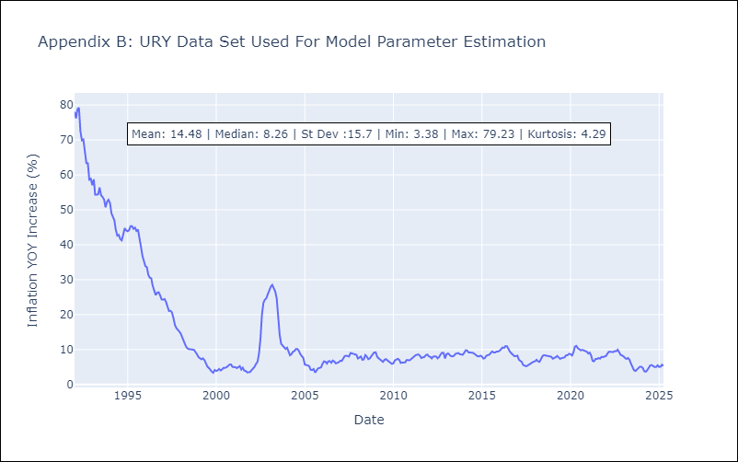

Appendix C: Residuals Analysis
Mean

VEN
VEN - Inflation - Next 12 months forecast as of: 2016-12-01

Model | Random Forest - [(3, 0, 0), (0, 0, 0, 12)]
Training Data | 2013-01-01 to 2016-01-01
Test Data | 2016-01-01 to 2016-12-01

Date | Inflation Change YoY % | Lower Bound - 95% Confidence Interval | Upper Bound - 95% Confidence Interval
2017-01-01 | 169.89 | 161.45 | 289.35
2017-02-01 | 177.83 | 152.7 | 289.42
2017-03-01 | 187.43 | 152.35 | 289.11
2017-04-01 | 199.06 | 152.68 | 287.44
2017-05-01 | 216.88 | 156.03 | 288.63
2017-06-01 | 242.23 | 158.13 | 288.92
2017-07-01 | 270.13 | 157.72 | 289.26
2017-08-01 | 278.94 | 160.56 | 286.49
2017-09-01 | 275.64 | 157.97 | 288.83
2017-10-01 | 270.57 | 162.45 | 290.87
2017-11-01 | 260.74 | 163.9 | 289.87
2017-12-01 | 257.68 | 163 | 289.24

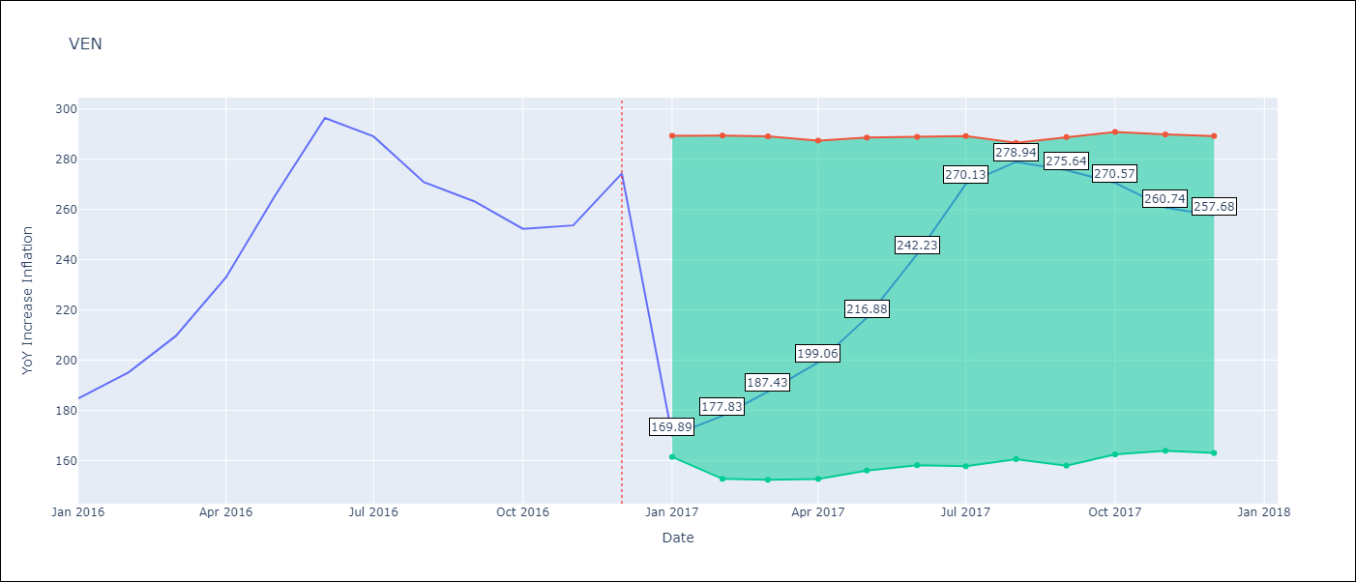

Test Metrics
RMSE | 26.89
Naive RMSE | 18.77
MAPE | 17.79%

Test Predictions
Date | Predicted | Actual
2016-01-01 | 169.89 | 184.76
2016-02-01 | 177.83 | 195.13
2016-03-01 | 187.43 | 209.56
2016-04-01 | 199.06 | 232.92
2016-05-01 | 216.88 | 265.24
2016-06-01 | 242.23 | 296.44
2016-07-01 | 270.13 | 289.06
2016-08-01 | 278.94 | 270.87
2016-09-01 | 275.64 | 263.24
2016-10-01 | 270.57 | 252.27
2016-11-01 | 260.74 | 253.65
2016-12-01 | 257.68 | 274.35

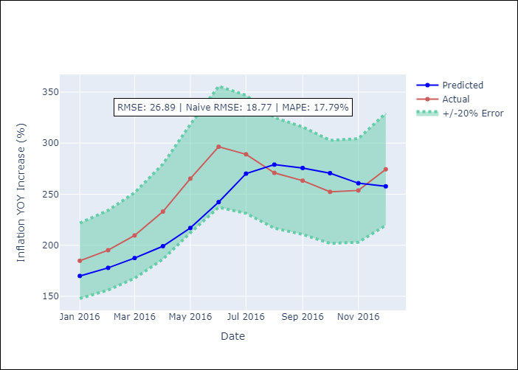

Appendix A: Model Summary
Model | Random Forest
Sample | 2013-01-01 to 2016-12-01
No. of Observations | 48
Terms | P-value (Statistical significance)

Assumptions | P-value

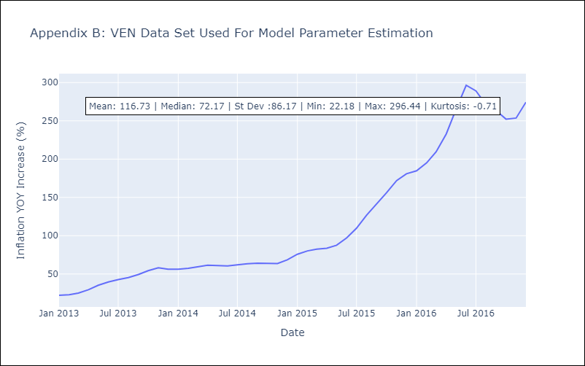

Appendix C: Residuals Analysis
Mean

