ARG
ARG - Inflation - Next 12 months forecast as of: 2025-04-01

Model | Random Forest - [(2, 2, 2), (0, 0, 1, 12)]
Training Data | 2007-01-01 to 2024-05-01
Test Data | 2024-05-01 to 2025-04-01

Date | Inflation Change YoY % | Lower Bound - 95% Confidence Interval | Upper Bound - 95% Confidence Interval
2025-05-01 | 249.47 | 91.8 | 196.22
2025-06-01 | 259.73 | 126.47 | 267.83
2025-07-01 | 264.27 | 89.75 | 277.98
2025-08-01 | 264.9 | 122.02 | 255.65
2025-09-01 | 258.51 | 95.28 | 274.58
2025-10-01 | 245.78 | 119.83 | 261.84
2025-11-01 | 232.17 | 98.88 | 273.56
2025-12-01 | 215.01 | 112.4 | 266.69
2026-01-01 | 188.65 | 102.52 | 268.63
2026-02-01 | 159.39 | 105.87 | 270.53
2026-03-01 | 133.62 | 106.97 | 267.74
2026-04-01 | 111.11 | 107.36 | 272.53

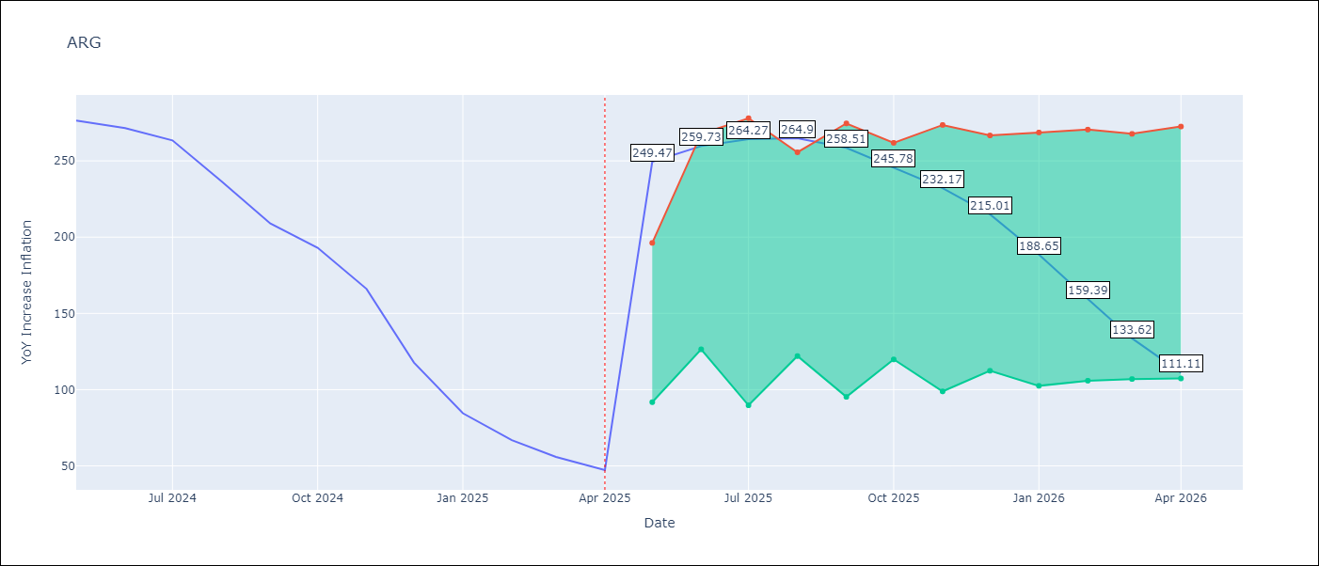

Test Metrics
RMSE | 36.95
Naive RMSE | 24.3
MAPE | 101.13%

Test Predictions
Date | Predicted | Actual
2024-05-01 | 283.25 | 276.41
2024-06-01 | 279.7 | 271.53
2024-07-01 | 274.47 | 263.45
2024-08-01 | 268.22 | 236.72
2024-09-01 | 250.46 | 209
2024-10-01 | 225.53 | 192.99
2024-11-01 | 205.7 | 166.03
2024-12-01 | 183.05 | 117.76
2025-01-01 | 145.12 | 84.54
2025-02-01 | 108.13 | 66.87
2025-03-01 | 83.37 | 55.93
2025-04-01 | 67.72 | 47.26

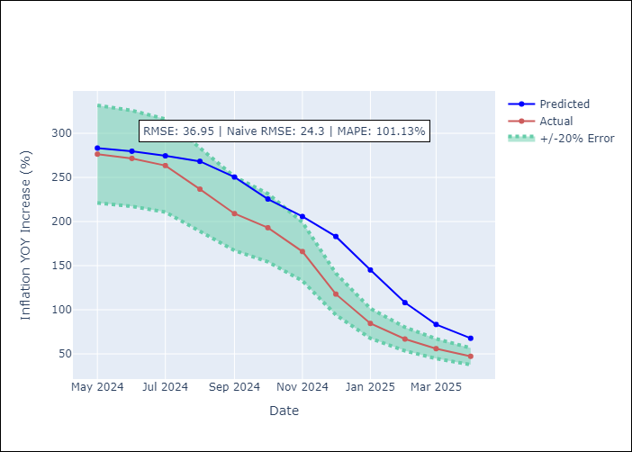

Appendix A: Model Summary
Model | Random Forest
Sample | 2007-01-01 to 2025-04-01
No. of Observations | 220
Terms | P-value (Statistical significance)

Assumptions | P-value

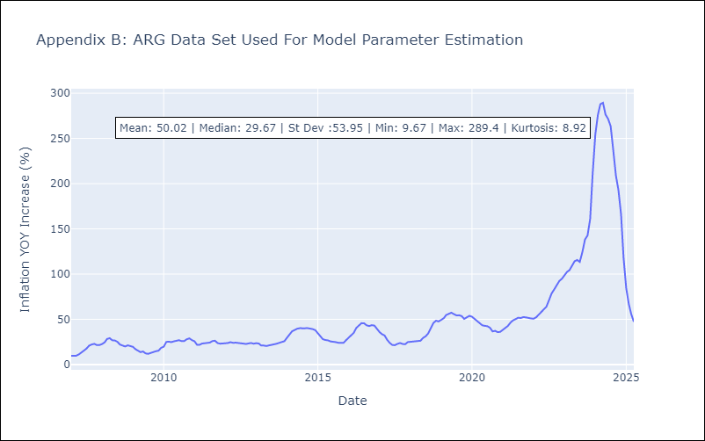

Appendix C: Residuals Analysis
Mean

BOL
BOL - Inflation - Next 12 months forecast as of: 2025-04-01

Model | Random Forest - [(1, 1, 2), (0, 0, 2, 12)]
Training Data | 2021-01-01 to 2024-05-01
Test Data | 2024-05-01 to 2025-04-01

Date | Inflation Change YoY % | Lower Bound - 95% Confidence Interval | Upper Bound - 95% Confidence Interval
2025-05-01 | 2.51 | 2.28 | 10.94
2025-06-01 | 2.76 | 2.4 | 11.38
2025-07-01 | 3.04 | 2.42 | 11.75
2025-08-01 | 3.23 | 2.28 | 11.4
2025-09-01 | 3.74 | 2.26 | 11.26
2025-10-01 | 4.38 | 2.46 | 11.54
2025-11-01 | 5.2 | 2.47 | 11.61
2025-12-01 | 6.23 | 2.32 | 11.29
2026-01-01 | 7.13 | 2.37 | 11.81
2026-02-01 | 8.29 | 2.3 | 11.67
2026-03-01 | 9.6 | 2.27 | 11.18
2026-04-01 | 10.89 | 2.37 | 11.8

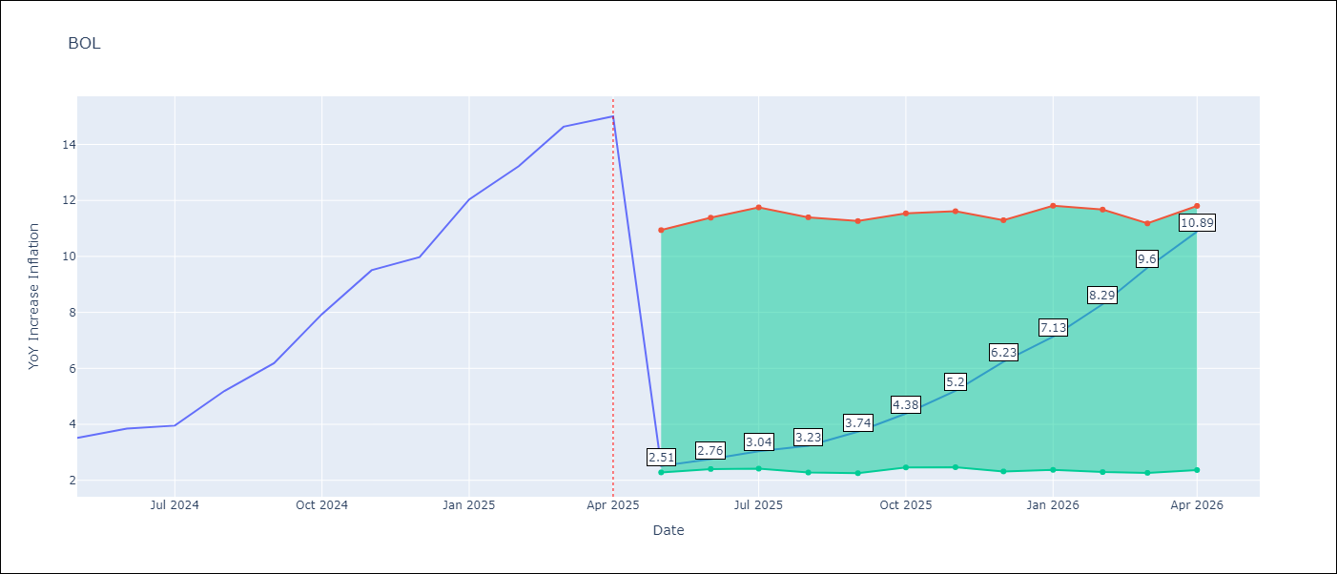

Test Metrics
RMSE | 3.17
Naive RMSE | 1.21
MAPE | 54.3%

Test Predictions
Date | Predicted | Actual
2024-05-01 | 2.68 | 3.52
2024-06-01 | 2.89 | 3.84
2024-07-01 | 3.16 | 3.95
2024-08-01 | 3.39 | 5.19
2024-09-01 | 3.91 | 6.18
2024-10-01 | 4.57 | 7.94
2024-11-01 | 5.53 | 9.51
2024-12-01 | 6.63 | 9.97
2025-01-01 | 7.61 | 12.03
2025-02-01 | 8.85 | 13.22
2025-03-01 | 10.12 | 14.63
2025-04-01 | 11.51 | 15.01

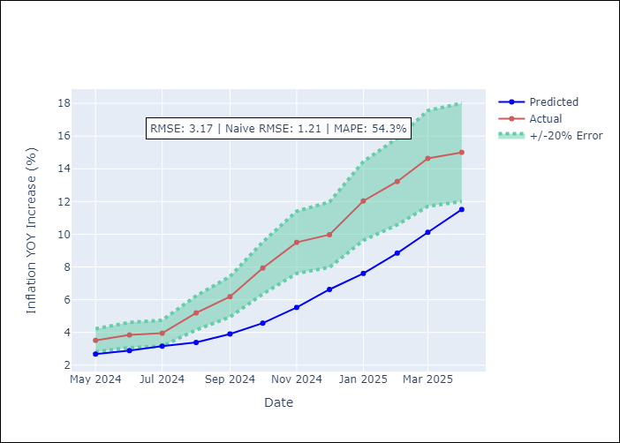

Appendix A: Model Summary
Model | Random Forest
Sample | 2021-01-01 to 2025-04-01
No. of Observations | 52
Terms | P-value (Statistical significance)

Assumptions | P-value

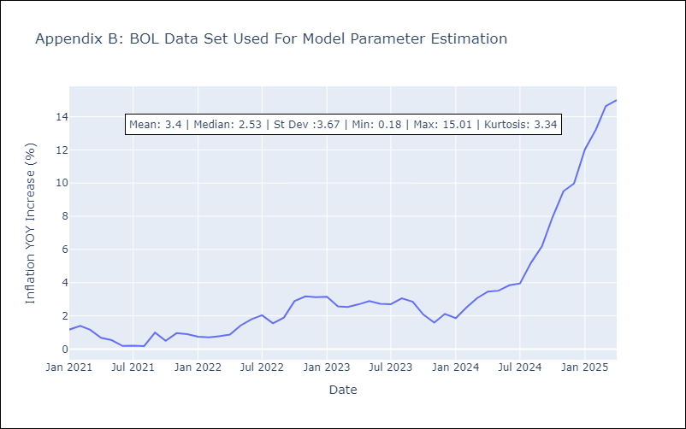

Appendix C: Residuals Analysis
Mean

BRA
BRA - Inflation - Next 12 months forecast as of: 2025-04-01

Model | Random Forest - [(1, 2, 1), (0, 0, 1, 12)]
Training Data | 1998-01-01 to 2024-05-01
Test Data | 2024-05-01 to 2025-04-01

Date | Inflation Change YoY % | Lower Bound - 95% Confidence Interval | Upper Bound - 95% Confidence Interval
2025-05-01 | 6.28 | 5.48 | 6.31
2025-06-01 | 6.31 | 4.76 | 6.82
2025-07-01 | 6.31 | 5.9 | 7.57
2025-08-01 | 6.26 | 6.81 | 8.9
2025-09-01 | 6.29 | 7.91 | 14.56
2025-10-01 | 6.34 | 4.51 | 12.06
2025-11-01 | 6.45 | 3.1 | 5.4
2025-12-01 | 6.61 | 3.16 | 4.95
2026-01-01 | 6.8 | 3.85 | 5.84
2026-02-01 | 7 | 4.93 | 6.42
2026-03-01 | 7.2 | 5.56 | 6.74
2026-04-01 | 7.42 | 6 | 7.9

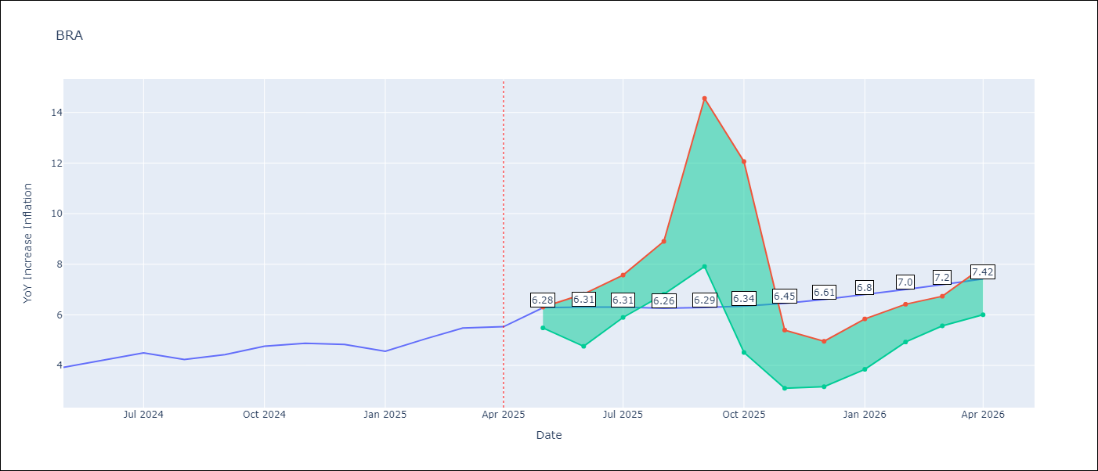

Test Metrics
RMSE | 1.11
Naive RMSE | 0.29
MAPE | 20.87%

Test Predictions
Date | Predicted | Actual
2024-05-01 | 3.67 | 3.93
2024-06-01 | 3.77 | 4.23
2024-07-01 | 3.84 | 4.5
2024-08-01 | 3.86 | 4.24
2024-09-01 | 3.69 | 4.42
2024-10-01 | 3.52 | 4.76
2024-11-01 | 3.39 | 4.87
2024-12-01 | 3.36 | 4.83
2025-01-01 | 3.42 | 4.56
2025-02-01 | 3.58 | 5.06
2025-03-01 | 3.92 | 5.48
2025-04-01 | 4.24 | 5.53

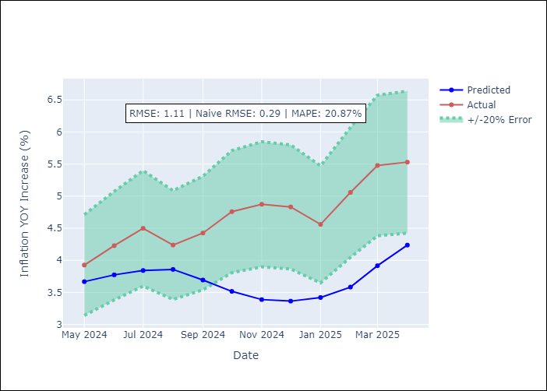

Appendix A: Model Summary
Model | Random Forest
Sample | 1998-01-01 to 2025-04-01
No. of Observations | 328
Terms | P-value (Statistical significance)

Assumptions | P-value



Appendix C: Residuals Analysis
Mean

CHL
CHL - Inflation - Next 12 months forecast as of: 2025-04-01

Model | Random Forest - [(2, 0, 0), (0, 0, 1, 12)]
Training Data | 2012-12-01 to 2024-05-01
Test Data | 2024-05-01 to 2025-04-01

Date | Inflation Change YoY % | Lower Bound - 95% Confidence Interval | Upper Bound - 95% Confidence Interval
2025-05-01 | 3.92 | 3.13 | 4.52
2025-06-01 | 3.81 | 2.63 | 6.84
2025-07-01 | 3.69 | 2.97 | 4.7
2025-08-01 | 3.56 | 2.48 | 5.03
2025-09-01 | 3.48 | 3.31 | 8.56
2025-10-01 | 3.4 | 7.19 | 13.31
2025-11-01 | 3.31 | 4.06 | 10.25
2025-12-01 | 3.18 | 3.55 | 4.62
2026-01-01 | 3 | 2.83 | 4.5
2026-02-01 | 2.8 | 2.69 | 6.1
2026-03-01 | 2.62 | 3.05 | 5.01
2026-04-01 | 2.45 | 2.4 | 4.17

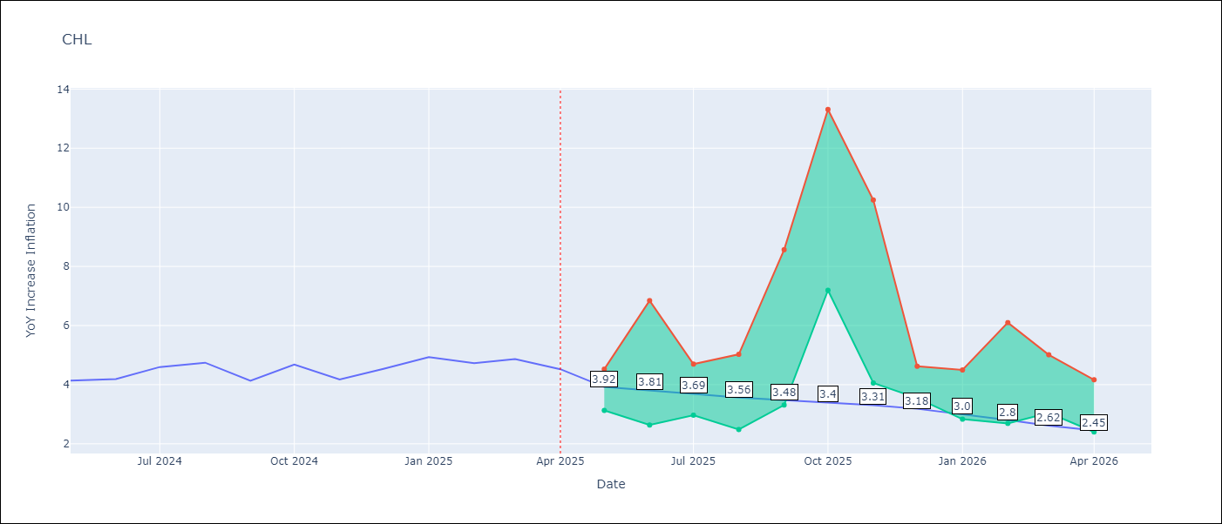

Test Metrics
RMSE | 0.25
Naive RMSE | 0.38
MAPE | 5.98%

Test Predictions
Date | Predicted | Actual
2024-05-01 | 4.25 | 4.13
2024-06-01 | 4.31 | 4.19
2024-07-01 | 4.31 | 4.6
2024-08-01 | 4.37 | 4.74
2024-09-01 | 4.43 | 4.13
2024-10-01 | 4.39 | 4.68
2024-11-01 | 4.52 | 4.17
2024-12-01 | 4.51 | 4.53
2025-01-01 | 4.57 | 4.94
2025-02-01 | 4.62 | 4.73
2025-03-01 | 4.58 | 4.87
2025-04-01 | 4.55 | 4.52

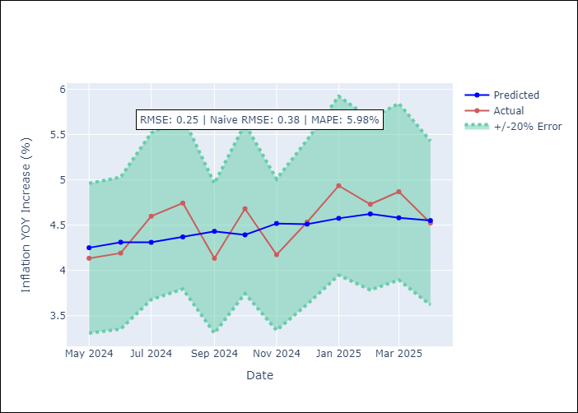

Appendix A: Model Summary
Model | Random Forest
Sample | 2012-12-01 to 2025-04-01
No. of Observations | 149
Terms | P-value (Statistical significance)

Assumptions | P-value



Appendix C: Residuals Analysis
Mean

COL
COL - Inflation - Next 12 months forecast as of: 2025-04-01

Model | Random Forest - [(1, 0, 1), (0, 0, 0, 12)]
Training Data | 2006-01-01 to 2024-05-01
Test Data | 2024-05-01 to 2025-04-01

Date | Inflation Change YoY % | Lower Bound - 95% Confidence Interval | Upper Bound - 95% Confidence Interval
2025-05-01 | 3.88 | 4.5 | 7.29
2025-06-01 | 3.79 | 3.22 | 6.58
2025-07-01 | 3.7 | 2.38 | 3.62
2025-08-01 | 3.67 | 2.12 | 3.49
2025-09-01 | 3.64 | 2.79 | 4.1
2025-10-01 | 3.61 | 2.16 | 4.93
2025-11-01 | 3.53 | 2.04 | 3.25
2025-12-01 | 3.44 | 2.62 | 4.06
2026-01-01 | 3.39 | 2.7 | 4.66
2026-02-01 | 3.39 | 1.94 | 2.84
2026-03-01 | 3.35 | 2.58 | 4.01
2026-04-01 | 3.27 | 2.62 | 5.72

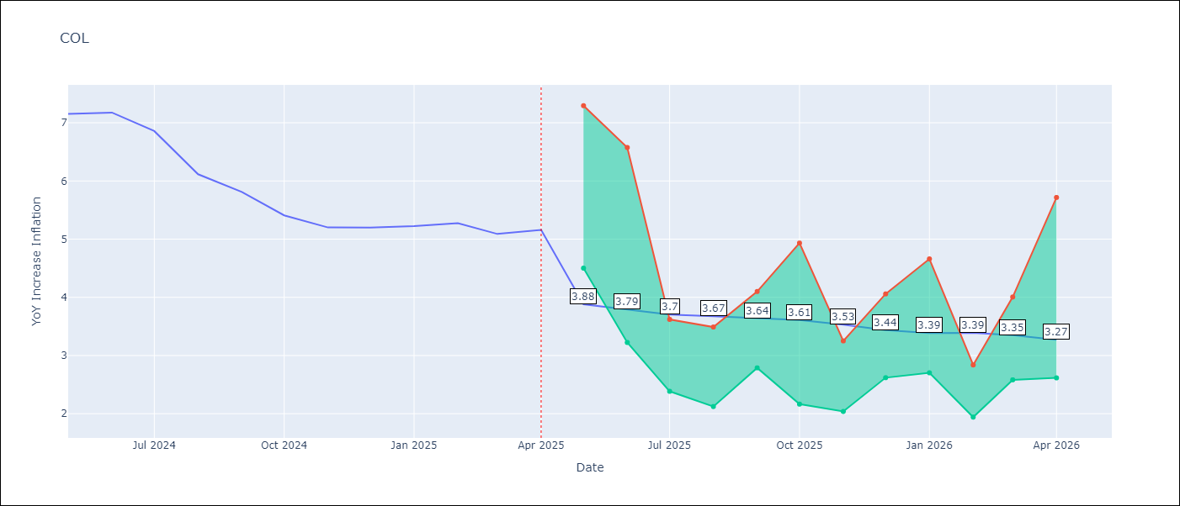

Test Metrics
RMSE | 1.29
Naive RMSE | 0.3
MAPE | 22.36%

Test Predictions
Date | Predicted | Actual
2024-05-01 | 5.78 | 7.15
2024-06-01 | 5.51 | 7.18
2024-07-01 | 5.24 | 6.86
2024-08-01 | 4.96 | 6.12
2024-09-01 | 4.58 | 5.81
2024-10-01 | 4.36 | 5.41
2024-11-01 | 4.15 | 5.2
2024-12-01 | 4.03 | 5.2
2025-01-01 | 3.93 | 5.22
2025-02-01 | 4 | 5.27
2025-03-01 | 3.96 | 5.09
2025-04-01 | 3.85 | 5.16

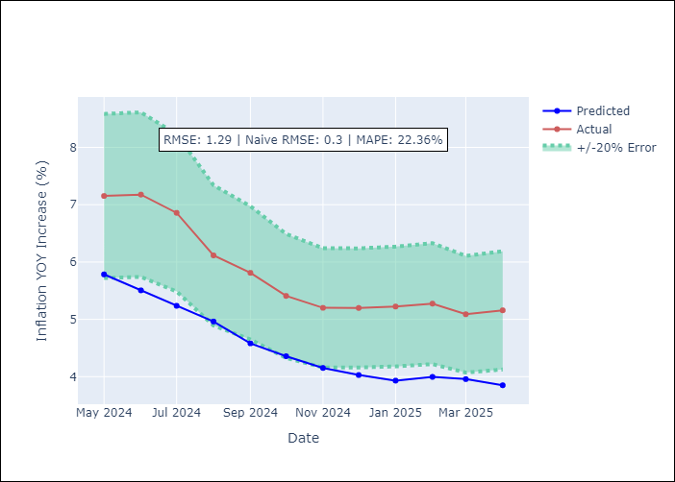

Appendix A: Model Summary
Model | Random Forest
Sample | 2006-01-01 to 2025-04-01
No. of Observations | 232
Terms | P-value (Statistical significance)

Assumptions | P-value

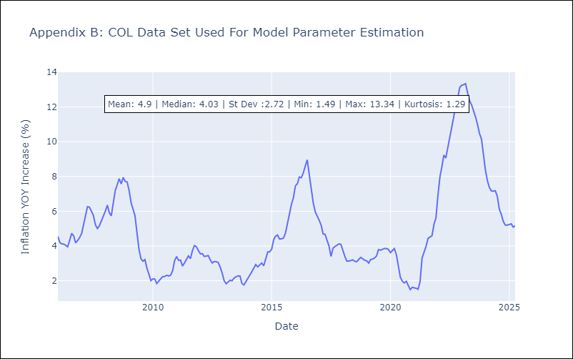

Appendix C: Residuals Analysis
Mean

ECU
ECU - Inflation - Next 12 months forecast as of: 2025-04-01

Model | Random Forest - [(2, 1, 1), (3, 0, 0, 12)]
Training Data | 2009-01-01 to 2024-05-01
Test Data | 2024-05-01 to 2025-04-01

Date | Inflation Change YoY % | Lower Bound - 95% Confidence Interval | Upper Bound - 95% Confidence Interval
2025-05-01 | -0.17 | -0.59 | 0.37
2025-06-01 | -0.3 | -0.02 | 2.34
2025-07-01 | -0.35 | -0.8 | 0.44
2025-08-01 | -0.33 | -0.74 | 0.82
2025-09-01 | -0.32 | -0.17 | 1.16
2025-10-01 | -0.38 | -0.9 | 0.38
2025-11-01 | -0.29 | -0.51 | 0.97
2025-12-01 | -0.32 | -0.12 | 2.7
2026-01-01 | -0.43 | -0.75 | 0.22
2026-02-01 | -0.53 | -0.39 | 1.16
2026-03-01 | -0.4 | -0.47 | 1.13
2026-04-01 | -0.27 | -0.71 | 0.69

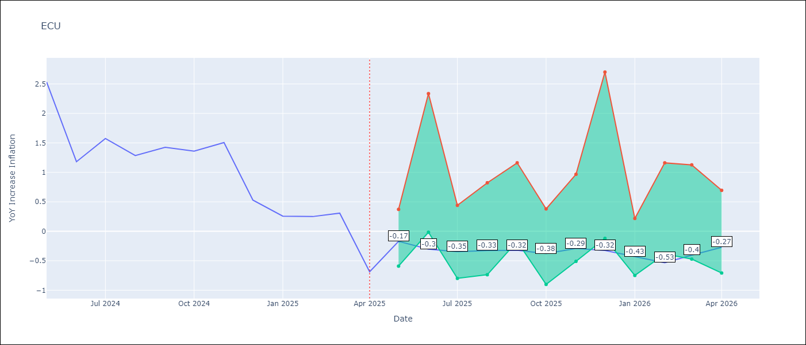

Test Metrics
RMSE | 2.66
Naive RMSE | 0.61
MAPE | 469.27%

Test Predictions
Date | Predicted | Actual
2024-05-01 | 2.97 | 2.53
2024-06-01 | 3.02 | 1.18
2024-07-01 | 3.14 | 1.57
2024-08-01 | 3.35 | 1.28
2024-09-01 | 3.58 | 1.42
2024-10-01 | 3.69 | 1.36
2024-11-01 | 3.75 | 1.51
2024-12-01 | 3.75 | 0.53
2025-01-01 | 3.73 | 0.26
2025-02-01 | 3.6 | 0.25
2025-03-01 | 3.45 | 0.31
2025-04-01 | 3.32 | -0.69

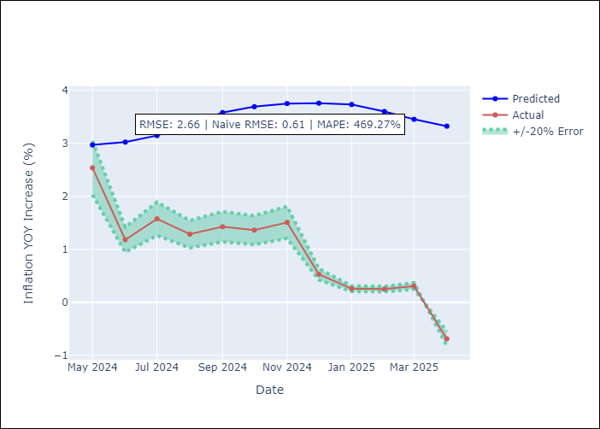

Appendix A: Model Summary
Model | Random Forest
Sample | 2009-01-01 to 2025-04-01
No. of Observations | 196
Terms | P-value (Statistical significance)

Assumptions | P-value

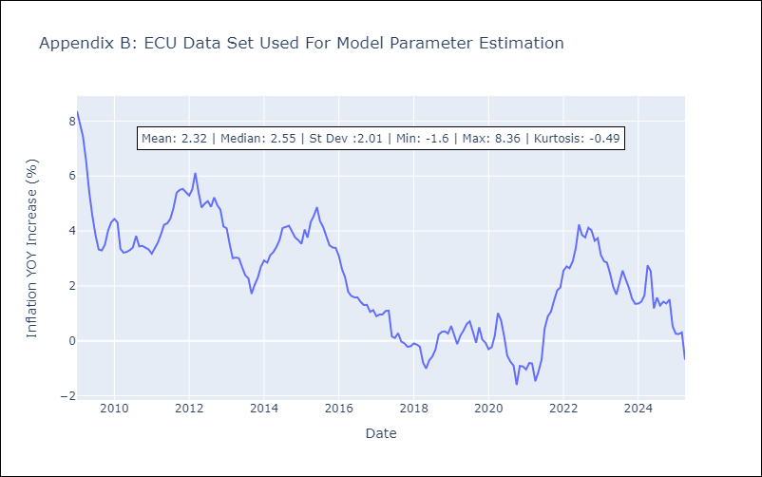

Appendix C: Residuals Analysis
Mean

PER
PER - Inflation - Next 12 months forecast as of: 2025-04-01

Model | Random Forest - [(3, 2, 0), (3, 0, 0, 12)]
Training Data | 1994-01-01 to 2024-05-01
Test Data | 2024-05-01 to 2025-04-01

Date | Inflation Change YoY % | Lower Bound - 95% Confidence Interval | Upper Bound - 95% Confidence Interval
2025-05-01 | 3.16 | 1.55 | 3.26
2025-06-01 | 3.24 | 2.97 | 6.48
2025-07-01 | 3.17 | 1.98 | 6.11
2025-08-01 | 3.24 | 0.59 | 2.95
2025-09-01 | 3.27 | 1.89 | 3.06
2025-10-01 | 3.23 | 1.71 | 3.71
2025-11-01 | 3.25 | 2.72 | 3.57
2025-12-01 | 3.31 | 2.6 | 3.69
2026-01-01 | 3.39 | 2.55 | 3.7
2026-02-01 | 3.42 | 2.75 | 3.61
2026-03-01 | 3.37 | 2.49 | 3.48
2026-04-01 | 3.33 | 2.8 | 3.62

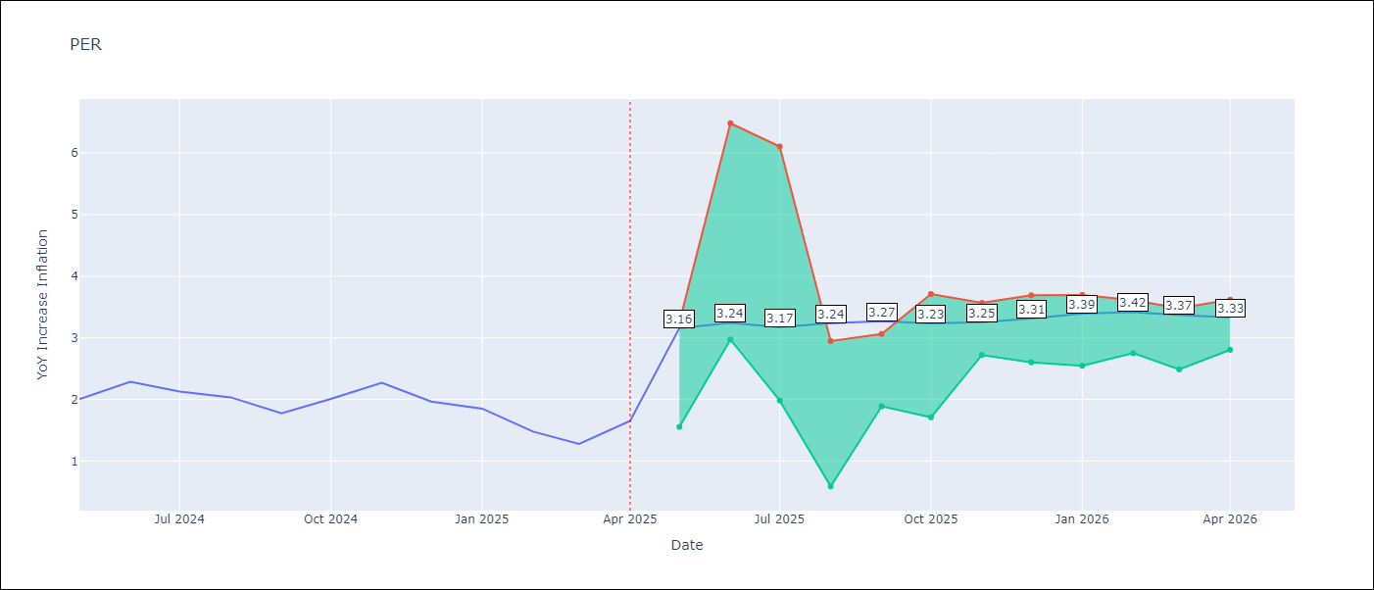

Test Metrics
RMSE | 1.18
Naive RMSE | 0.26
MAPE | 65.25%

Test Predictions
Date | Predicted | Actual
2024-05-01 | 2.78 | 2
2024-06-01 | 3.01 | 2.29
2024-07-01 | 3.15 | 2.13
2024-08-01 | 3.18 | 2.03
2024-09-01 | 3.13 | 1.78
2024-10-01 | 3.12 | 2.01
2024-11-01 | 3.19 | 2.27
2024-12-01 | 3.21 | 1.97
2025-01-01 | 3.03 | 1.85
2025-02-01 | 2.87 | 1.48
2025-03-01 | 2.86 | 1.28
2025-04-01 | 3.01 | 1.65

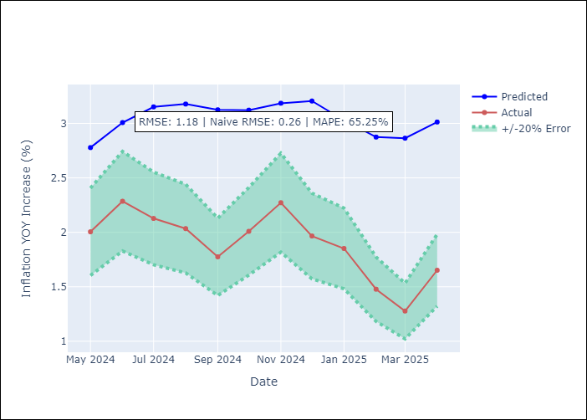

Appendix A: Model Summary
Model | Random Forest
Sample | 1994-01-01 to 2025-04-01
No. of Observations | 376
Terms | P-value (Statistical significance)

Assumptions | P-value

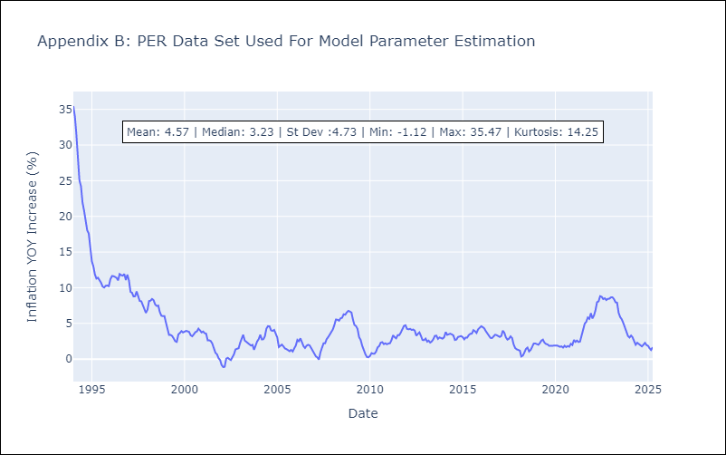

Appendix C: Residuals Analysis
Mean

PRY
PRY - Inflation - Next 12 months forecast as of: 2025-04-01

Model | Random Forest - [(2, 1, 1), (1, 0, 1, 12)]
Training Data | 1995-12-01 to 2024-05-01
Test Data | 2024-05-01 to 2025-04-01

Date | Inflation Change YoY % | Lower Bound - 95% Confidence Interval | Upper Bound - 95% Confidence Interval
2025-05-01 | 3.66 | 2.85 | 3.92
2025-06-01 | 3.83 | 2.99 | 4.2
2025-07-01 | 4.02 | 2.96 | 3.76
2025-08-01 | 4.02 | 2.55 | 4.22
2025-09-01 | 3.95 | 2.98 | 3.73
2025-10-01 | 4.08 | 3.1 | 4.11
2025-11-01 | 3.7 | 2.86 | 3.8
2025-12-01 | 3.6 | 2.71 | 4.18
2026-01-01 | 3.52 | 3 | 3.77
2026-02-01 | 3.46 | 3.21 | 4.22
2026-03-01 | 3.64 | 2.85 | 3.76
2026-04-01 | 3.66 | 2.54 | 4.22

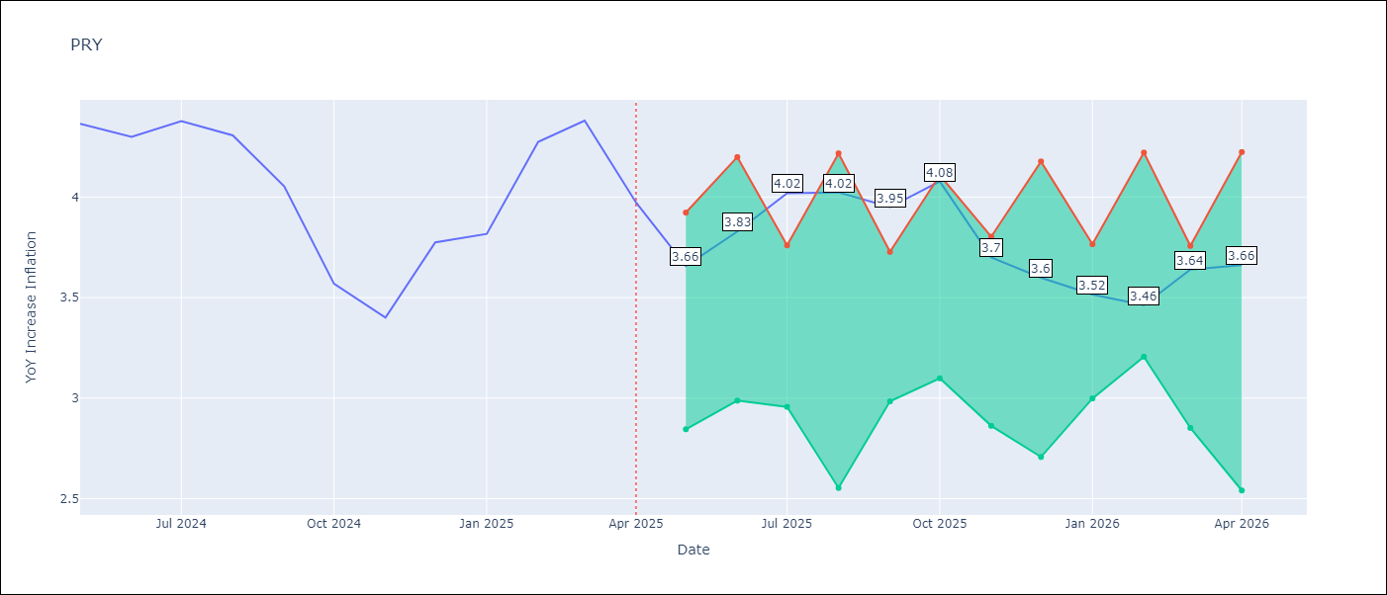

Test Metrics
RMSE | 0.53
Naive RMSE | 0.28
MAPE | 10.49%

Test Predictions
Date | Predicted | Actual
2024-05-01 | 3.64 | 4.36
2024-06-01 | 3.63 | 4.3
2024-07-01 | 3.54 | 4.38
2024-08-01 | 3.65 | 4.31
2024-09-01 | 3.8 | 4.05
2024-10-01 | 3.82 | 3.57
2024-11-01 | 3.72 | 3.4
2024-12-01 | 3.65 | 3.78
2025-01-01 | 3.72 | 3.82
2025-02-01 | 3.72 | 4.27
2025-03-01 | 3.64 | 4.38
2025-04-01 | 3.59 | 3.97

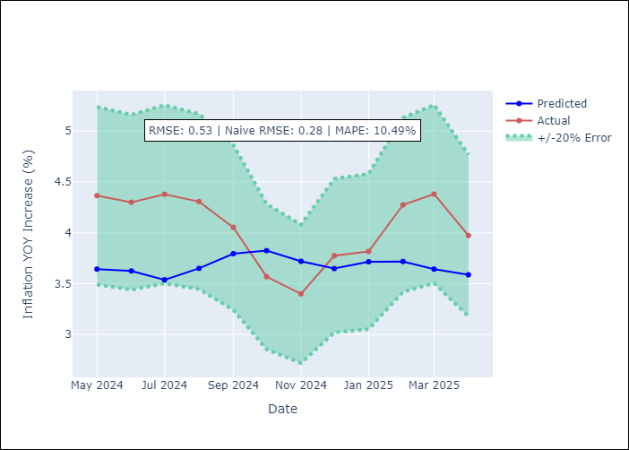

Appendix A: Model Summary
Model | Random Forest
Sample | 1995-12-01 to 2025-04-01
No. of Observations | 353
Terms | P-value (Statistical significance)

Assumptions | P-value



Appendix C: Residuals Analysis
Mean

URY
URY - Inflation - Next 12 months forecast as of: 2025-04-01

Model | Random Forest - [(0, 2, 1), (3, 0, 0, 12)]
Training Data | 1992-01-01 to 2024-05-01
Test Data | 2024-05-01 to 2025-04-01

Date | Inflation Change YoY % | Lower Bound - 95% Confidence Interval | Upper Bound - 95% Confidence Interval
2025-05-01 | 8.78 | 4.1 | 8.03
2025-06-01 | 8.84 | 7.35 | 13.43
2025-07-01 | 8.84 | 5 | 8.63
2025-08-01 | 8.84 | 6.6 | 7.71
2025-09-01 | 8.83 | 7.01 | 8.17
2025-10-01 | 8.83 | 8.13 | 9.42
2025-11-01 | 8.81 | 7.88 | 8.95
2025-12-01 | 8.78 | 8.33 | 9.2
2026-01-01 | 8.71 | 8.23 | 9.06
2026-02-01 | 8.67 | 8.43 | 9.04
2026-03-01 | 8.64 | 8.35 | 9.09
2026-04-01 | 8.57 | 8.35 | 9.08

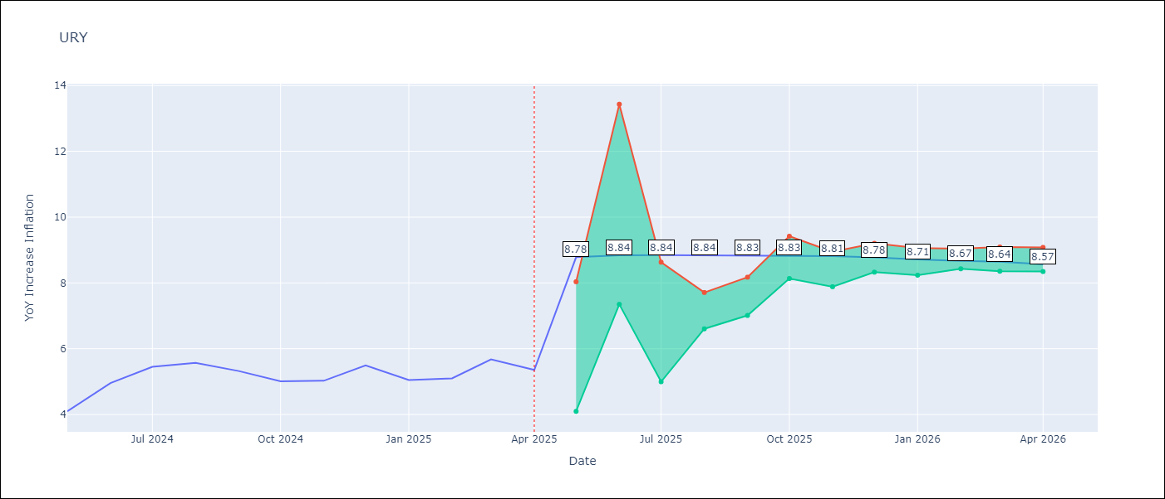

Test Metrics
RMSE | 3.34
Naive RMSE | 0.43
MAPE | 46.2%

Test Predictions
Date | Predicted | Actual
2024-05-01 | 4.33 | 4.1
2024-06-01 | 4.5 | 4.96
2024-07-01 | 4.81 | 5.45
2024-08-01 | 5.31 | 5.57
2024-09-01 | 5.69 | 5.32
2024-10-01 | 5.93 | 5.01
2024-11-01 | 6.18 | 5.03
2024-12-01 | 6.78 | 5.49
2025-01-01 | 7.92 | 5.05
2025-02-01 | 9.65 | 5.1
2025-03-01 | 11.89 | 5.67
2025-04-01 | 13.19 | 5.36

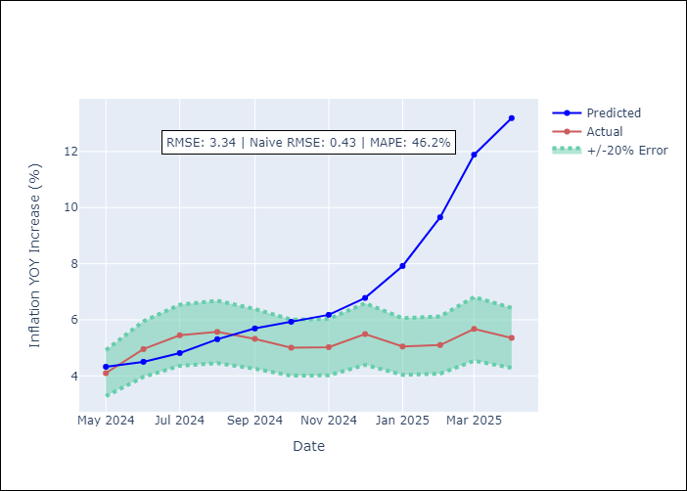

Appendix A: Model Summary
Model | Random Forest
Sample | 1992-01-01 to 2025-04-01
No. of Observations | 400
Terms | P-value (Statistical significance)

Assumptions | P-value

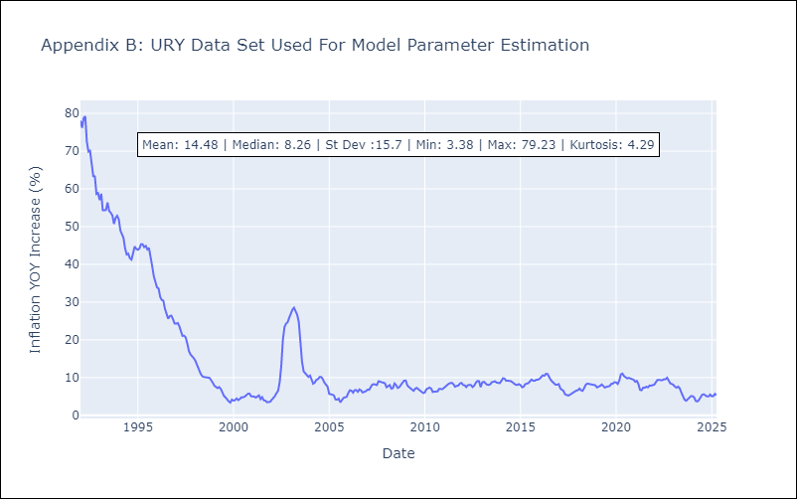

Appendix C: Residuals Analysis
Mean

VEN
VEN - Inflation - Next 12 months forecast as of: 2016-12-01

Model | Random Forest - [(3, 0, 0), (0, 0, 0, 12)]
Training Data | 2013-01-01 to 2016-01-01
Test Data | 2016-01-01 to 2016-12-01

Date | Inflation Change YoY % | Lower Bound - 95% Confidence Interval | Upper Bound - 95% Confidence Interval
2017-01-01 | 173.34 | 143.06 | 287.92
2017-02-01 | 180.21 | 162.64 | 289.2
2017-03-01 | 189.5 | 164.65 | 290.11
2017-04-01 | 201.82 | 160.2 | 289.28
2017-05-01 | 220.68 | 165.55 | 289.46
2017-06-01 | 247.63 | 158.6 | 289
2017-07-01 | 276.93 | 158.84 | 290.21
2017-08-01 | 283.51 | 157.03 | 289.57
2017-09-01 | 275.9 | 152.08 | 290.7
2017-10-01 | 269.2 | 162.68 | 289.92
2017-11-01 | 259.34 | 159.12 | 289.47
2017-12-01 | 255.97 | 158.62 | 288.98

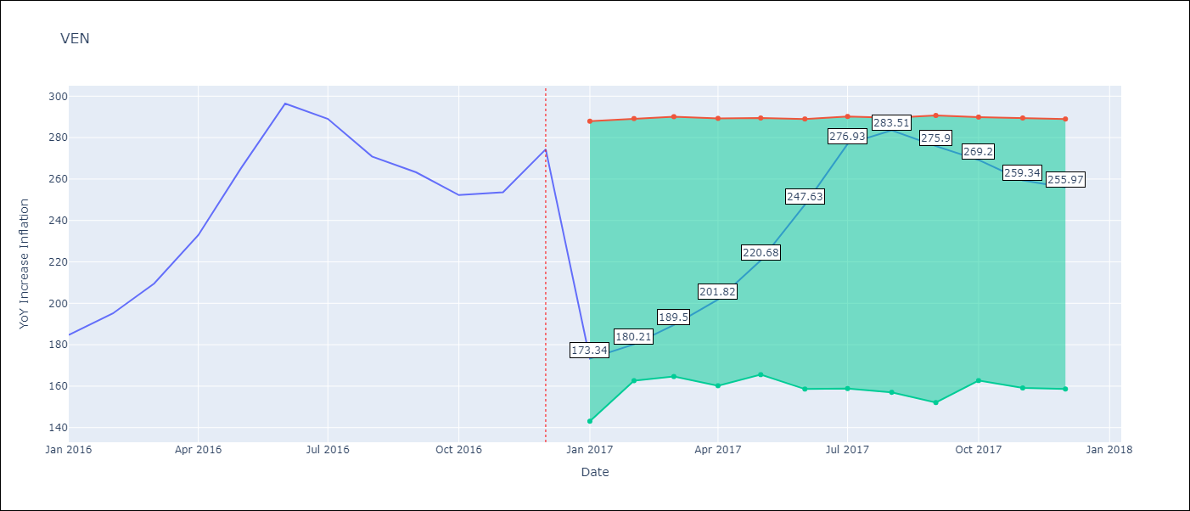

Test Metrics
RMSE | 24.52
Naive RMSE | 18.77
MAPE | 17.63%

Test Predictions
Date | Predicted | Actual
2016-01-01 | 173.34 | 184.76
2016-02-01 | 180.21 | 195.13
2016-03-01 | 189.5 | 209.56
2016-04-01 | 201.82 | 232.92
2016-05-01 | 220.68 | 265.24
2016-06-01 | 247.63 | 296.44
2016-07-01 | 276.93 | 289.06
2016-08-01 | 283.51 | 270.87
2016-09-01 | 275.9 | 263.24
2016-10-01 | 269.2 | 252.27
2016-11-01 | 259.34 | 253.65
2016-12-01 | 255.97 | 274.35

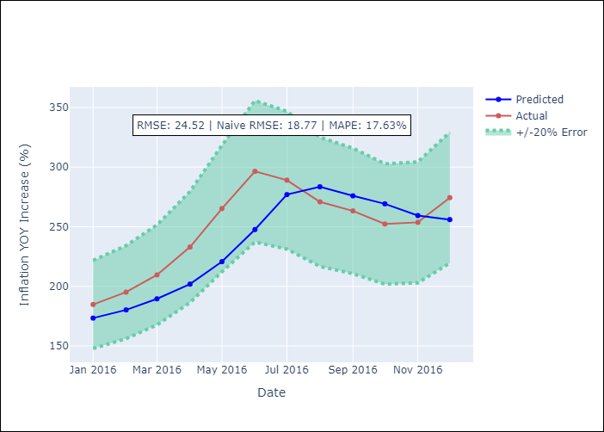

Appendix A: Model Summary
Model | Random Forest
Sample | 2013-01-01 to 2016-12-01
No. of Observations | 48
Terms | P-value (Statistical significance)

Assumptions | P-value

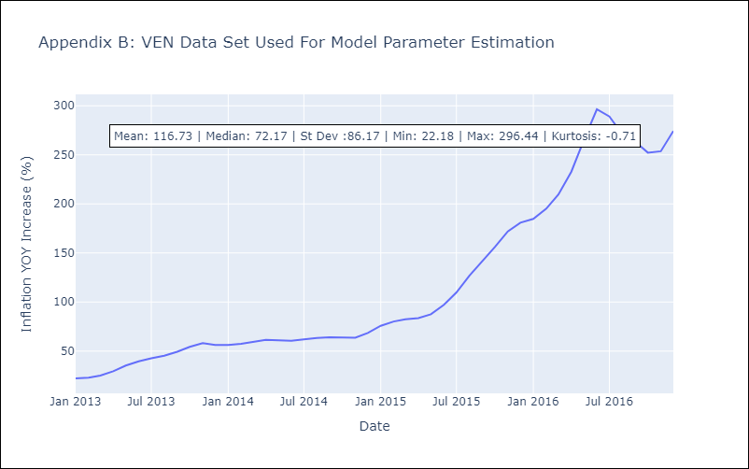

Appendix C: Residuals Analysis
Mean

