ARG
ARG - Inflation - Next 12 months forecast as of: 2025-04-01

Model | Random Forest - [(2, 2, 2), (0, 0, 1, 12)]
Training Data | 2007-01-01 to 2024-05-01
Test Data | 2024-05-01 to 2025-04-01

Date | Inflation Change YoY % | Lower Bound - 95% Confidence Interval | Upper Bound - 95% Confidence Interval
2025-05-01 | 242.44 | 101.1 | 170.51
2025-06-01 | 250.76 | 130.75 | 267.34
2025-07-01 | 256.28 | 93.35 | 278.48
2025-08-01 | 259.81 | 119.17 | 258.02
2025-09-01 | 257.06 | 88.4 | 273.49
2025-10-01 | 247.12 | 121.73 | 261.15
2025-11-01 | 234.48 | 96.14 | 276.77
2025-12-01 | 217.56 | 122.06 | 264.03
2026-01-01 | 192.1 | 95.71 | 276.25
2026-02-01 | 164.26 | 116.84 | 264.49
2026-03-01 | 139.1 | 97.72 | 273.64
2026-04-01 | 117.4 | 115.05 | 266.81

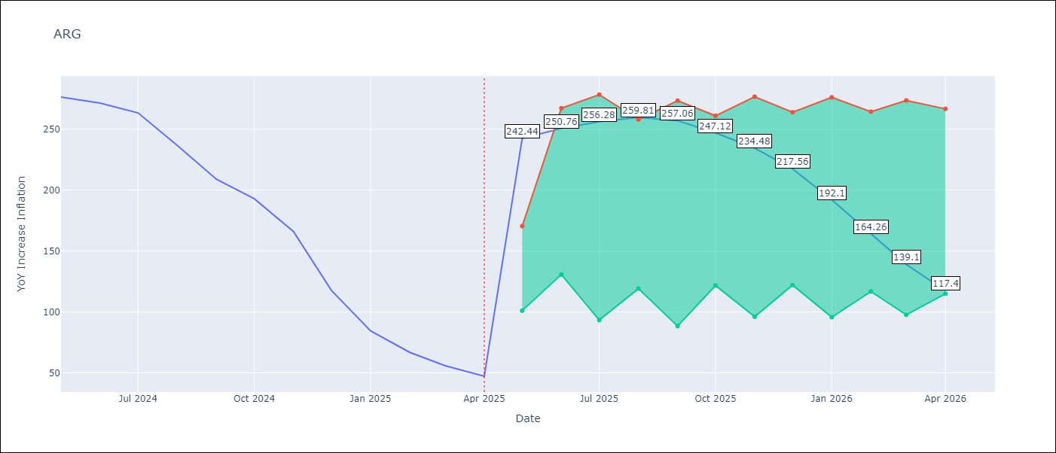

Test Metrics
RMSE | 35.1
Naive RMSE | 24.3
MAPE | 100.6%

Test Predictions
Date | Predicted | Actual
2024-05-01 | 284.93 | 276.41
2024-06-01 | 279.17 | 271.53
2024-07-01 | 274.08 | 263.45
2024-08-01 | 266.96 | 236.72
2024-09-01 | 247.87 | 209
2024-10-01 | 223.9 | 192.99
2024-11-01 | 204.67 | 166.03
2024-12-01 | 180.2 | 117.76
2025-01-01 | 141.25 | 84.54
2025-02-01 | 106.42 | 66.87
2025-03-01 | 81.63 | 55.93
2025-04-01 | 65.32 | 47.26

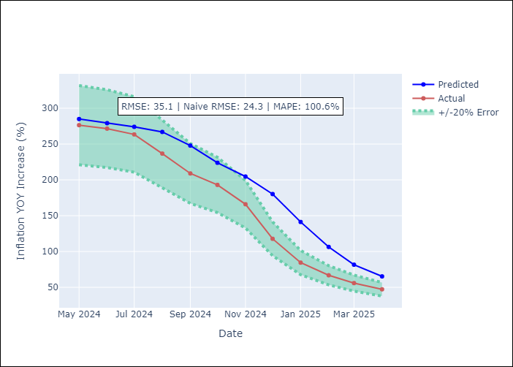

Appendix A: Model Summary
Model | Random Forest
Sample | 2007-01-01 to 2025-04-01
No. of Observations | 220
Terms | P-value (Statistical significance)

Assumptions | P-value

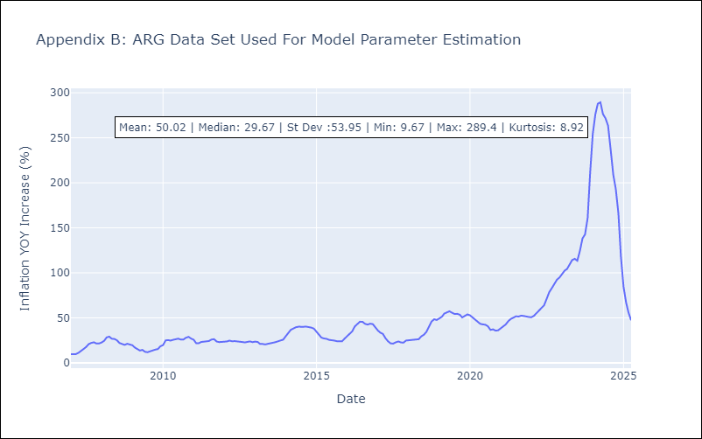

Appendix C: Residuals Analysis
Mean

BOL
BOL - Inflation - Next 12 months forecast as of: 2025-04-01

Model | Random Forest - [(1, 1, 2), (0, 0, 2, 12)]
Training Data | 2021-01-01 to 2024-05-01
Test Data | 2024-05-01 to 2025-04-01

Date | Inflation Change YoY % | Lower Bound - 95% Confidence Interval | Upper Bound - 95% Confidence Interval
2025-05-01 | 2.57 | 2.25 | 11.14
2025-06-01 | 2.78 | 2.3 | 10.92
2025-07-01 | 3.12 | 2.38 | 11.48
2025-08-01 | 3.29 | 2.42 | 11.96
2025-09-01 | 3.82 | 2.32 | 11.48
2025-10-01 | 4.37 | 2.33 | 11.27
2025-11-01 | 5.29 | 2.42 | 11.85
2025-12-01 | 6.3 | 2.35 | 11.18
2026-01-01 | 7.25 | 2.47 | 11.5
2026-02-01 | 8.55 | 2.45 | 11.69
2026-03-01 | 9.72 | 2.43 | 11.6
2026-04-01 | 11.09 | 2.44 | 11.27

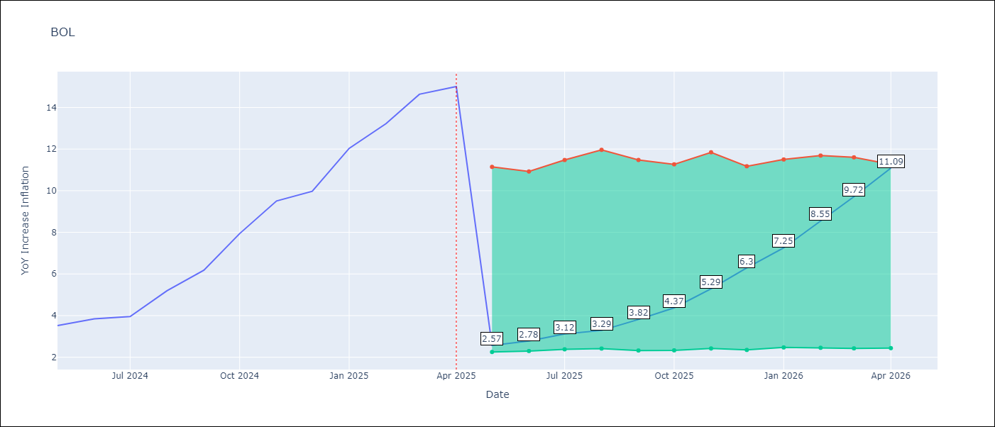

Test Metrics
RMSE | 3.53
Naive RMSE | 1.21
MAPE | 53.37%

Test Predictions
Date | Predicted | Actual
2024-05-01 | 2.57 | 3.52
2024-06-01 | 2.74 | 3.84
2024-07-01 | 3.06 | 3.95
2024-08-01 | 3.24 | 5.19
2024-09-01 | 3.77 | 6.18
2024-10-01 | 4.4 | 7.94
2024-11-01 | 5.24 | 9.51
2024-12-01 | 6.23 | 9.97
2025-01-01 | 7.08 | 12.03
2025-02-01 | 8.28 | 13.22
2025-03-01 | 9.55 | 14.63
2025-04-01 | 10.83 | 15.01

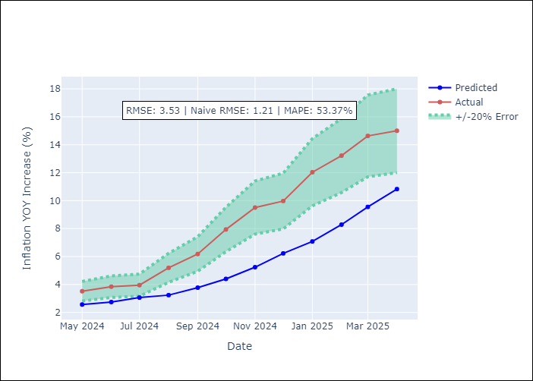

Appendix A: Model Summary
Model | Random Forest
Sample | 2021-01-01 to 2025-04-01
No. of Observations | 52
Terms | P-value (Statistical significance)

Assumptions | P-value

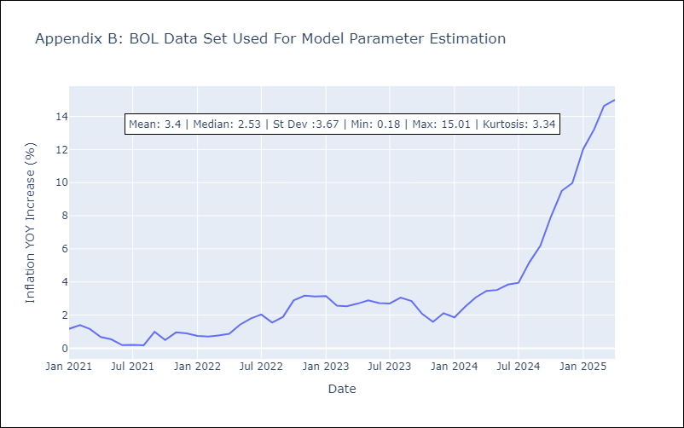

Appendix C: Residuals Analysis
Mean

BRA
BRA - Inflation - Next 12 months forecast as of: 2025-04-01

Model | Random Forest - [(1, 2, 1), (0, 0, 1, 12)]
Training Data | 1998-01-01 to 2024-05-01
Test Data | 2024-05-01 to 2025-04-01

Date | Inflation Change YoY % | Lower Bound - 95% Confidence Interval | Upper Bound - 95% Confidence Interval
2025-05-01 | 5.39 | 5.31 | 6.31
2025-06-01 | 5.46 | 4.85 | 6.7
2025-07-01 | 5.52 | 5.99 | 7.53
2025-08-01 | 5.63 | 6.37 | 8.54
2025-09-01 | 5.81 | 6.06 | 8.72
2025-10-01 | 6.01 | 5.95 | 7.2
2025-11-01 | 6.08 | 6.41 | 8.22
2025-12-01 | 6.12 | 7.88 | 14.72
2026-01-01 | 6.18 | 4.92 | 12.78
2026-02-01 | 6.19 | 3.85 | 5.36
2026-03-01 | 6.22 | 4.19 | 5.52
2026-04-01 | 6.18 | 5.15 | 6.42

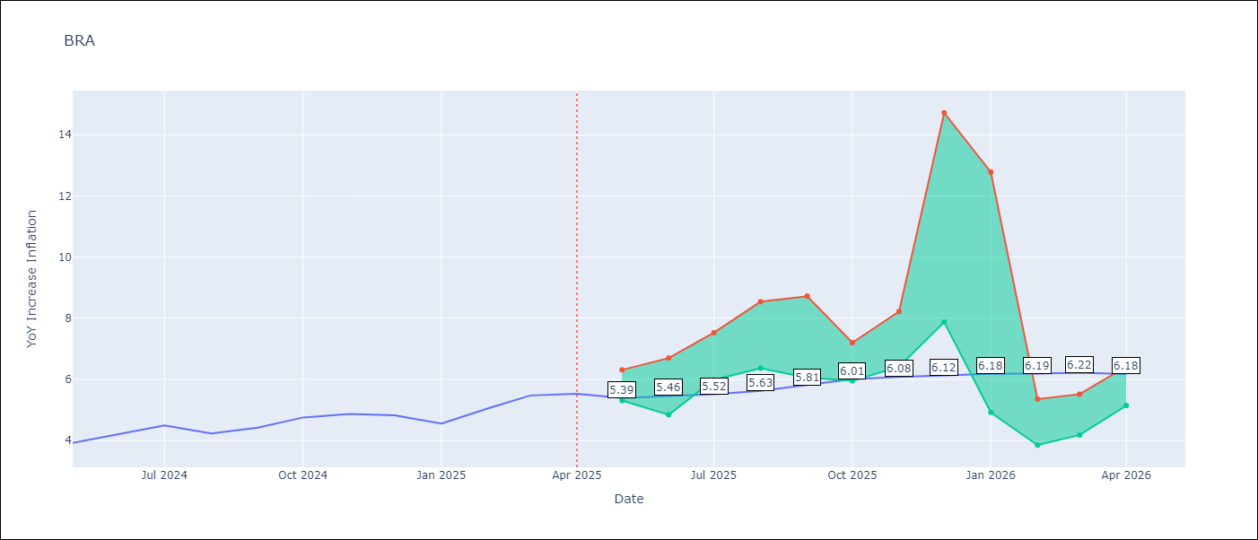

Test Metrics
RMSE | 1.2
Naive RMSE | 0.29
MAPE | 22.62%

Test Predictions
Date | Predicted | Actual
2024-05-01 | 3.72 | 3.93
2024-06-01 | 3.88 | 4.23
2024-07-01 | 3.87 | 4.5
2024-08-01 | 3.65 | 4.24
2024-09-01 | 3.39 | 4.42
2024-10-01 | 3.28 | 4.76
2024-11-01 | 3.22 | 4.87
2024-12-01 | 3.22 | 4.83
2025-01-01 | 3.34 | 4.56
2025-02-01 | 3.61 | 5.06
2025-03-01 | 3.93 | 5.48
2025-04-01 | 4.17 | 5.53

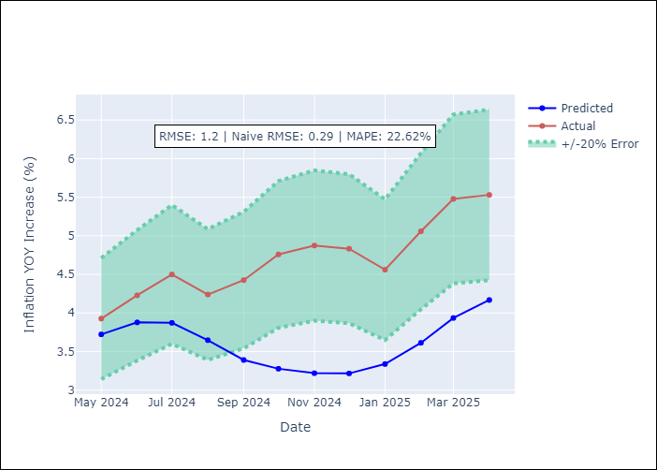

Appendix A: Model Summary
Model | Random Forest
Sample | 1998-01-01 to 2025-04-01
No. of Observations | 328
Terms | P-value (Statistical significance)

Assumptions | P-value



Appendix C: Residuals Analysis
Mean

CHL
CHL - Inflation - Next 12 months forecast as of: 2025-04-01

Model | Random Forest - [(2, 0, 0), (0, 0, 1, 12)]
Training Data | 2012-12-01 to 2024-05-01
Test Data | 2024-05-01 to 2025-04-01

Date | Inflation Change YoY % | Lower Bound - 95% Confidence Interval | Upper Bound - 95% Confidence Interval
2025-05-01 | 4.29 | 3.29 | 4.76
2025-06-01 | 4.21 | 2.78 | 5
2025-07-01 | 4.08 | 3.04 | 6.52
2025-08-01 | 3.94 | 2.17 | 4.25
2025-09-01 | 3.75 | 1.84 | 3.49
2025-10-01 | 3.58 | 2.37 | 3
2025-11-01 | 3.4 | 2.48 | 3.56
2025-12-01 | 3.23 | 2.92 | 9.25
2026-01-01 | 3.09 | 7.97 | 13.3
2026-02-01 | 3.01 | 4.16 | 11.14
2026-03-01 | 2.94 | 3.77 | 4.62
2026-04-01 | 2.81 | 2.79 | 4.41

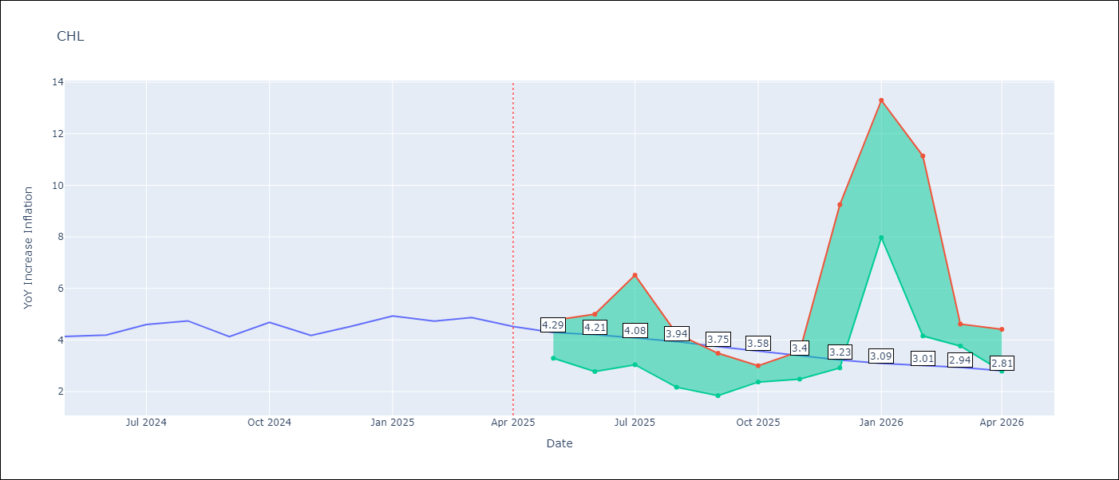

Test Metrics
RMSE | 0.28
Naive RMSE | 0.38
MAPE | 7.38%

Test Predictions
Date | Predicted | Actual
2024-05-01 | 4.25 | 4.13
2024-06-01 | 4.35 | 4.19
2024-07-01 | 4.45 | 4.6
2024-08-01 | 4.53 | 4.74
2024-09-01 | 4.59 | 4.13
2024-10-01 | 4.53 | 4.68
2024-11-01 | 4.64 | 4.17
2024-12-01 | 4.71 | 4.53
2025-01-01 | 4.84 | 4.94
2025-02-01 | 4.98 | 4.73
2025-03-01 | 5 | 4.87
2025-04-01 | 5.01 | 4.52

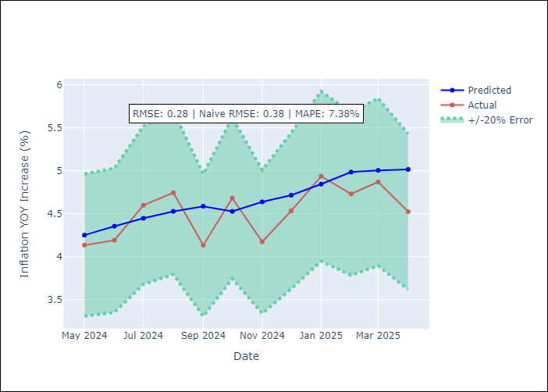

Appendix A: Model Summary
Model | Random Forest
Sample | 2012-12-01 to 2025-04-01
No. of Observations | 149
Terms | P-value (Statistical significance)

Assumptions | P-value



Appendix C: Residuals Analysis
Mean

COL
COL - Inflation - Next 12 months forecast as of: 2025-04-01

Model | Random Forest - [(1, 0, 1), (0, 0, 0, 12)]
Training Data | 2006-01-01 to 2024-05-01
Test Data | 2024-05-01 to 2025-04-01

Date | Inflation Change YoY % | Lower Bound - 95% Confidence Interval | Upper Bound - 95% Confidence Interval
2025-05-01 | 3.96 | 4.39 | 7.43
2025-06-01 | 3.99 | 2.39 | 6.51
2025-07-01 | 3.93 | 1.91 | 2.96
2025-08-01 | 3.84 | 2.84 | 5.3
2025-09-01 | 3.81 | 3.24 | 6.36
2025-10-01 | 3.82 | 3.35 | 6.13
2025-11-01 | 3.87 | 5.45 | 7.49
2025-12-01 | 3.88 | 3.56 | 7.26
2026-01-01 | 3.82 | 2.65 | 4.06
2026-02-01 | 3.76 | 2.02 | 3.01
2026-03-01 | 3.77 | 2.44 | 3.89
2026-04-01 | 3.82 | 2.86 | 4.48

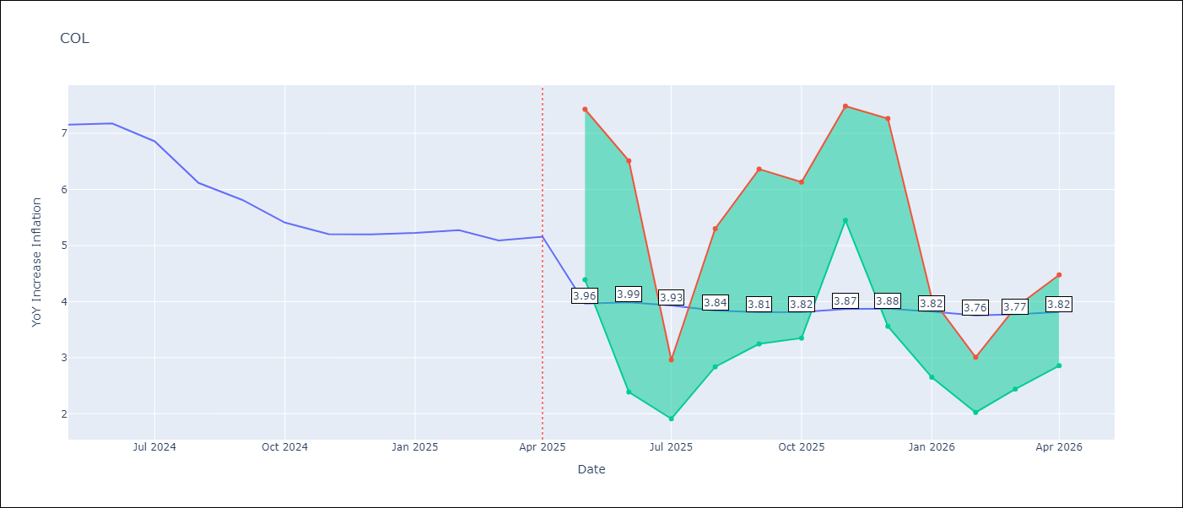

Test Metrics
RMSE | 1.3
Naive RMSE | 0.3
MAPE | 23.1%

Test Predictions
Date | Predicted | Actual
2024-05-01 | 5.9 | 7.15
2024-06-01 | 5.59 | 7.18
2024-07-01 | 5.28 | 6.86
2024-08-01 | 4.97 | 6.12
2024-09-01 | 4.6 | 5.81
2024-10-01 | 4.35 | 5.41
2024-11-01 | 4.1 | 5.2
2024-12-01 | 3.95 | 5.2
2025-01-01 | 3.83 | 5.22
2025-02-01 | 3.89 | 5.27
2025-03-01 | 3.88 | 5.09
2025-04-01 | 3.8 | 5.16

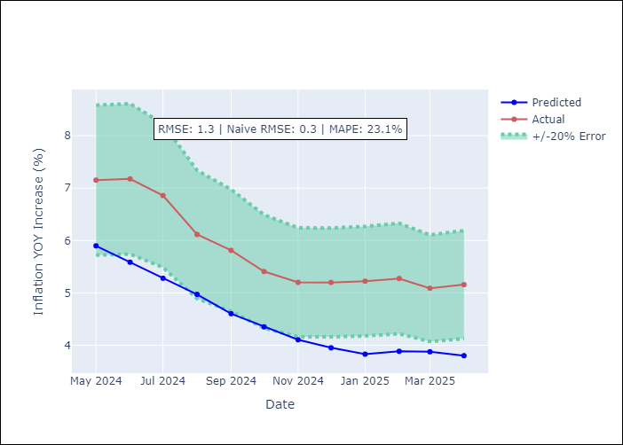

Appendix A: Model Summary
Model | Random Forest
Sample | 2006-01-01 to 2025-04-01
No. of Observations | 232
Terms | P-value (Statistical significance)

Assumptions | P-value

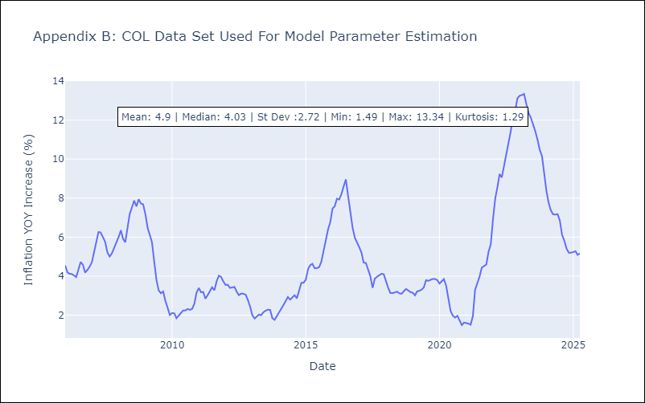

Appendix C: Residuals Analysis
Mean

ECU
ECU - Inflation - Next 12 months forecast as of: 2025-04-01

Model | Random Forest - [(2, 1, 1), (3, 0, 0, 12)]
Training Data | 2009-01-01 to 2024-05-01
Test Data | 2024-05-01 to 2025-04-01

Date | Inflation Change YoY % | Lower Bound - 95% Confidence Interval | Upper Bound - 95% Confidence Interval
2025-05-01 | 2.98 | -0.65 | 0.42
2025-06-01 | 3.13 | -0.17 | 5.27
2025-07-01 | 3.26 | 1.53 | 3.76
2025-08-01 | 3.38 | 1.94 | 3.61
2025-09-01 | 3.51 | 3.51 | 4.78
2025-10-01 | 3.58 | 2.04 | 4.96
2025-11-01 | 3.61 | 1.52 | 2.98
2025-12-01 | 3.54 | 1.99 | 3.69
2026-01-01 | 3.47 | 3.47 | 4.41
2026-02-01 | 3.41 | 1.93 | 3.93
2026-03-01 | 3.4 | 2 | 3.63
2026-04-01 | 3.43 | 2.05 | 3.78

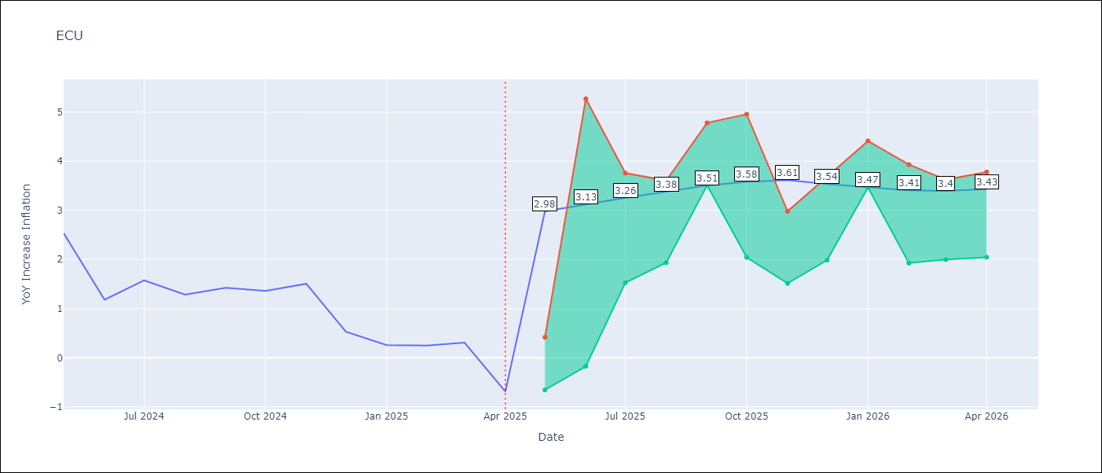

Test Metrics
RMSE | 2.65
Naive RMSE | 0.61
MAPE | 461.94%

Test Predictions
Date | Predicted | Actual
2024-05-01 | 2.77 | 2.53
2024-06-01 | 2.86 | 1.18
2024-07-01 | 3 | 1.57
2024-08-01 | 3.2 | 1.28
2024-09-01 | 3.49 | 1.42
2024-10-01 | 3.64 | 1.36
2024-11-01 | 3.76 | 1.51
2024-12-01 | 3.77 | 0.53
2025-01-01 | 3.76 | 0.26
2025-02-01 | 3.62 | 0.25
2025-03-01 | 3.51 | 0.31
2025-04-01 | 3.39 | -0.69

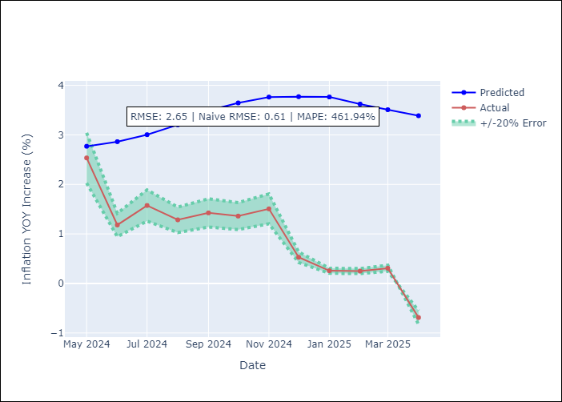

Appendix A: Model Summary
Model | Random Forest
Sample | 2009-01-01 to 2025-04-01
No. of Observations | 196
Terms | P-value (Statistical significance)

Assumptions | P-value

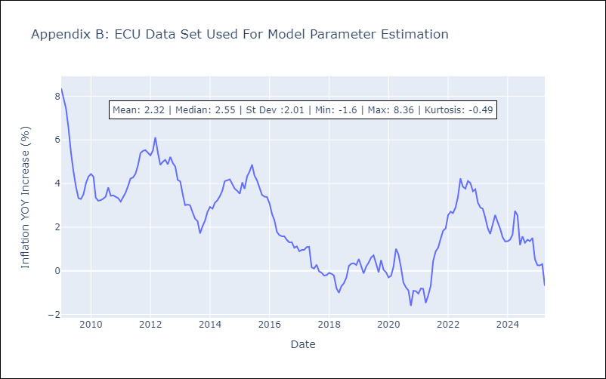

Appendix C: Residuals Analysis
Mean

PER
PER - Inflation - Next 12 months forecast as of: 2025-04-01

Model | Random Forest - [(3, 2, 0), (3, 0, 0, 12)]
Training Data | 1994-01-01 to 2024-05-01
Test Data | 2024-05-01 to 2025-04-01

Date | Inflation Change YoY % | Lower Bound - 95% Confidence Interval | Upper Bound - 95% Confidence Interval
2025-05-01 | 3.32 | 1.56 | 3.11
2025-06-01 | 3.3 | 3.06 | 5.42
2025-07-01 | 3.32 | 2.33 | 5.9
2025-08-01 | 3.27 | 0.5 | 2.33
2025-09-01 | 3.18 | 1.91 | 2.92
2025-10-01 | 3.08 | 2.72 | 4.1
2025-11-01 | 3.05 | 1.67 | 3.72
2025-12-01 | 3.01 | 1.88 | 3.61
2026-01-01 | 2.95 | 2.85 | 3.87
2026-02-01 | 2.91 | 2.13 | 3.75
2026-03-01 | 2.91 | 2.93 | 3.73
2026-04-01 | 3 | 2.59 | 3.57

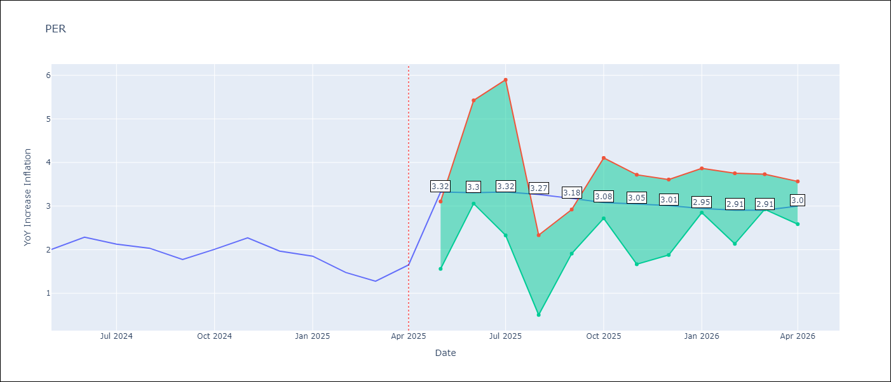

Test Metrics
RMSE | 1.05
Naive RMSE | 0.26
MAPE | 58.8%

Test Predictions
Date | Predicted | Actual
2024-05-01 | 2.78 | 2
2024-06-01 | 2.98 | 2.29
2024-07-01 | 3.09 | 2.13
2024-08-01 | 3.07 | 2.03
2024-09-01 | 3.02 | 1.78
2024-10-01 | 3.03 | 2.01
2024-11-01 | 3.03 | 2.27
2024-12-01 | 3.03 | 1.97
2025-01-01 | 2.86 | 1.85
2025-02-01 | 2.7 | 1.48
2025-03-01 | 2.68 | 1.28
2025-04-01 | 2.85 | 1.65

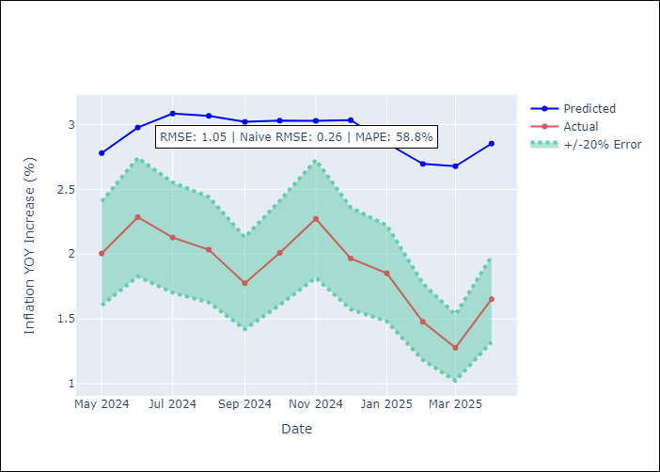

Appendix A: Model Summary
Model | Random Forest
Sample | 1994-01-01 to 2025-04-01
No. of Observations | 376
Terms | P-value (Statistical significance)

Assumptions | P-value

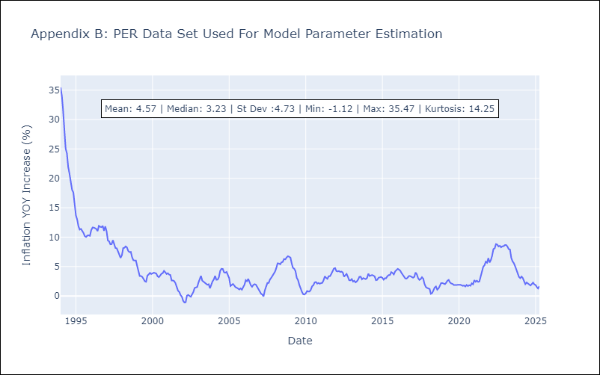

Appendix C: Residuals Analysis
Mean

PRY
PRY - Inflation - Next 12 months forecast as of: 2025-04-01

Model | Random Forest - [(2, 1, 1), (1, 0, 1, 12)]
Training Data | 1995-12-01 to 2024-05-01
Test Data | 2024-05-01 to 2025-04-01

Date | Inflation Change YoY % | Lower Bound - 95% Confidence Interval | Upper Bound - 95% Confidence Interval
2025-05-01 | 3.7 | 2.77 | 3.85
2025-06-01 | 3.9 | 3.03 | 4.17
2025-07-01 | 3.95 | 3.07 | 3.89
2025-08-01 | 3.95 | 3.27 | 4.29
2025-09-01 | 3.94 | 2.87 | 3.75
2025-10-01 | 3.95 | 3.14 | 4.22
2025-11-01 | 3.86 | 2.93 | 3.92
2025-12-01 | 3.75 | 3.28 | 4.25
2026-01-01 | 3.61 | 2.77 | 3.81
2026-02-01 | 3.62 | 2.84 | 4.25
2026-03-01 | 3.62 | 2.97 | 3.91
2026-04-01 | 3.57 | 3.31 | 4.24

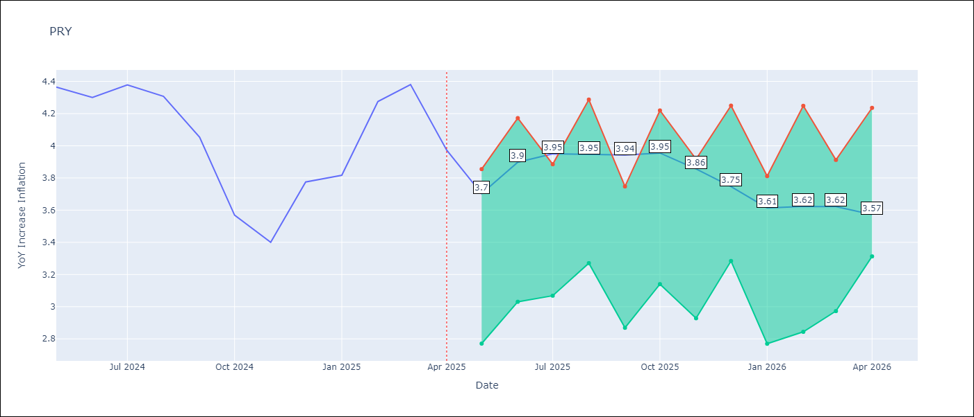

Test Metrics
RMSE | 0.6
Naive RMSE | 0.28
MAPE | 12.27%

Test Predictions
Date | Predicted | Actual
2024-05-01 | 3.63 | 4.36
2024-06-01 | 3.67 | 4.3
2024-07-01 | 3.5 | 4.38
2024-08-01 | 3.44 | 4.31
2024-09-01 | 3.64 | 4.05
2024-10-01 | 3.62 | 3.57
2024-11-01 | 3.69 | 3.4
2024-12-01 | 3.51 | 3.78
2025-01-01 | 3.46 | 3.82
2025-02-01 | 3.55 | 4.27
2025-03-01 | 3.56 | 4.38
2025-04-01 | 3.52 | 3.97

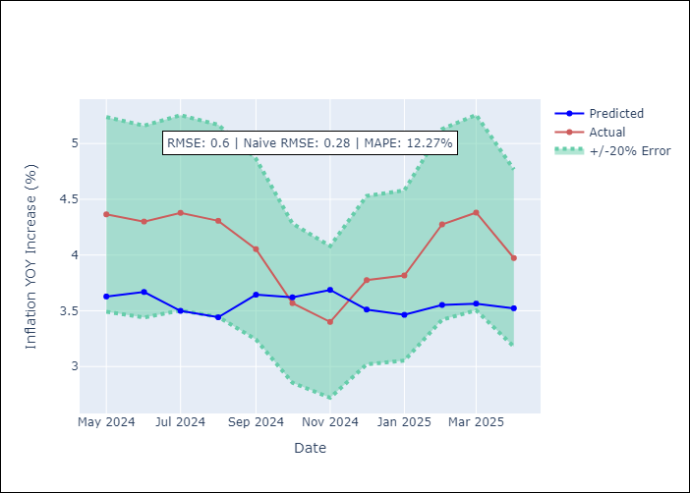

Appendix A: Model Summary
Model | Random Forest
Sample | 1995-12-01 to 2025-04-01
No. of Observations | 353
Terms | P-value (Statistical significance)

Assumptions | P-value



Appendix C: Residuals Analysis
Mean

URY
URY - Inflation - Next 12 months forecast as of: 2025-04-01

Model | Random Forest - [(0, 2, 1), (3, 0, 0, 12)]
Training Data | 1992-01-01 to 2024-05-01
Test Data | 2024-05-01 to 2025-04-01

Date | Inflation Change YoY % | Lower Bound - 95% Confidence Interval | Upper Bound - 95% Confidence Interval
2025-05-01 | 8.58 | 4.16 | 8.09
2025-06-01 | 8.68 | 7.64 | 11.58
2025-07-01 | 8.78 | 7.32 | 8.9
2025-08-01 | 8.77 | 8.3 | 9.36
2025-09-01 | 8.74 | 8.24 | 9.07
2025-10-01 | 8.75 | 8.32 | 9.13
2025-11-01 | 8.79 | 8.23 | 9.04
2025-12-01 | 8.79 | 8.32 | 9.11
2026-01-01 | 8.77 | 8.33 | 9.09
2026-02-01 | 8.69 | 8.32 | 9.1
2026-03-01 | 8.57 | 8.4 | 9.13
2026-04-01 | 8.57 | 8.35 | 9.06

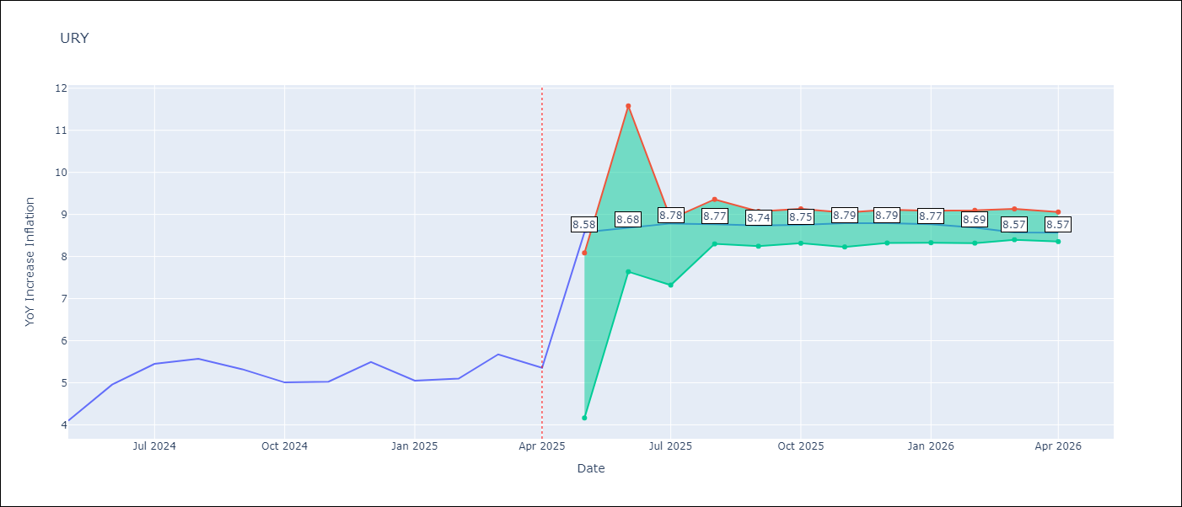

Test Metrics
RMSE | 4.26
Naive RMSE | 0.43
MAPE | 58.24%

Test Predictions
Date | Predicted | Actual
2024-05-01 | 4.38 | 4.1
2024-06-01 | 4.65 | 4.96
2024-07-01 | 4.97 | 5.45
2024-08-01 | 5.34 | 5.57
2024-09-01 | 5.72 | 5.32
2024-10-01 | 6.04 | 5.01
2024-11-01 | 6.53 | 5.03
2024-12-01 | 7.53 | 5.49
2025-01-01 | 9.25 | 5.05
2025-02-01 | 11.53 | 5.1
2025-03-01 | 13.65 | 5.67
2025-04-01 | 14.67 | 5.36

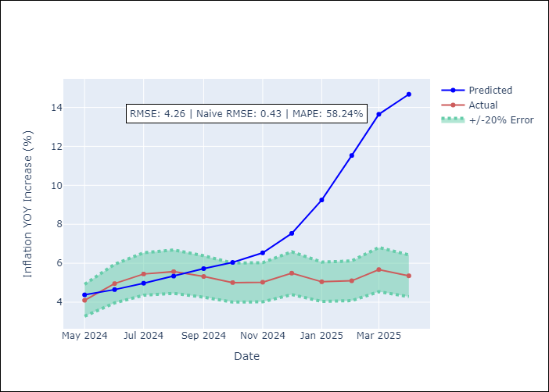

Appendix A: Model Summary
Model | Random Forest
Sample | 1992-01-01 to 2025-04-01
No. of Observations | 400
Terms | P-value (Statistical significance)

Assumptions | P-value

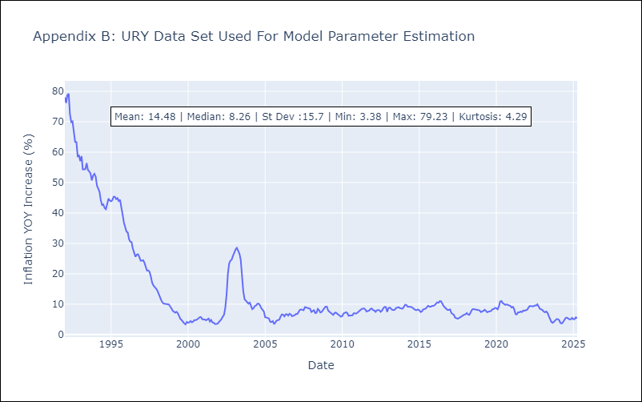

Appendix C: Residuals Analysis
Mean

VEN
VEN - Inflation - Next 12 months forecast as of: 2016-12-01

Model | Random Forest - [(3, 0, 0), (0, 0, 0, 12)]
Training Data | 2013-01-01 to 2016-01-01
Test Data | 2016-01-01 to 2016-12-01

Date | Inflation Change YoY % | Lower Bound - 95% Confidence Interval | Upper Bound - 95% Confidence Interval
2017-01-01 | 172.68 | 149.18 | 289.14
2017-02-01 | 179.82 | 164.67 | 289.18
2017-03-01 | 188.89 | 161.24 | 289.23
2017-04-01 | 201.05 | 154.86 | 289.29
2017-05-01 | 219.56 | 161.38 | 289
2017-06-01 | 246 | 161.19 | 286.38
2017-07-01 | 275.22 | 160.39 | 290.01
2017-08-01 | 283.26 | 152.28 | 288.52
2017-09-01 | 276.38 | 168.49 | 291.7
2017-10-01 | 269.38 | 162.16 | 290.17
2017-11-01 | 259.93 | 153.36 | 288.3
2017-12-01 | 256.2 | 148.76 | 288

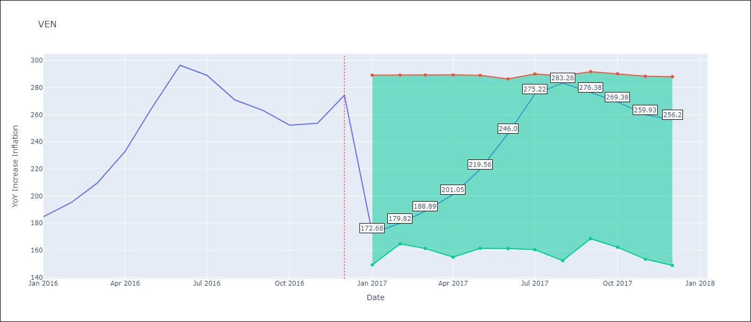

Test Metrics
RMSE | 25.22
Naive RMSE | 18.77
MAPE | 17.69%

Test Predictions
Date | Predicted | Actual
2016-01-01 | 172.68 | 184.76
2016-02-01 | 179.82 | 195.13
2016-03-01 | 188.89 | 209.56
2016-04-01 | 201.05 | 232.92
2016-05-01 | 219.56 | 265.24
2016-06-01 | 246 | 296.44
2016-07-01 | 275.22 | 289.06
2016-08-01 | 283.26 | 270.87
2016-09-01 | 276.38 | 263.24
2016-10-01 | 269.38 | 252.27
2016-11-01 | 259.93 | 253.65
2016-12-01 | 256.2 | 274.35

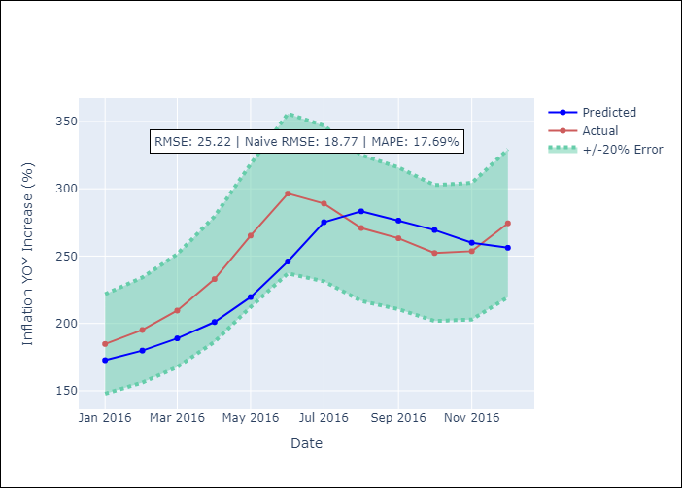

Appendix A: Model Summary
Model | Random Forest
Sample | 2013-01-01 to 2016-12-01
No. of Observations | 48
Terms | P-value (Statistical significance)

Assumptions | P-value

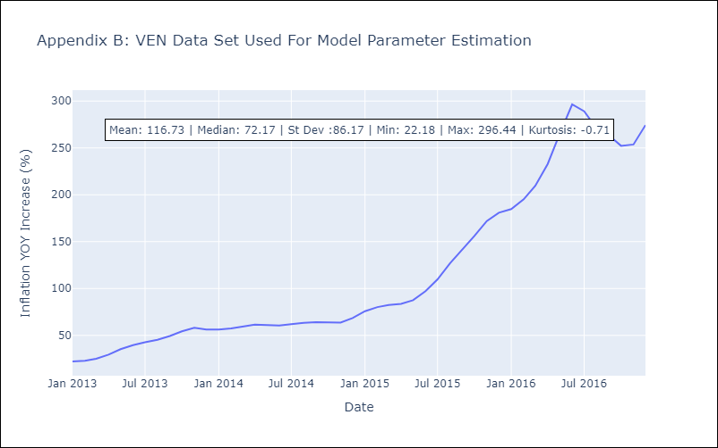

Appendix C: Residuals Analysis
Mean

