ARG
ARG - Inflation - Next 12 months forecast as of: 2025-04-01

Model | Random Forest - [(2, 2, 2), (0, 0, 1, 12)]
Training Data | 2007-01-01 to 2024-05-01
Test Data | 2024-05-01 to 2025-04-01

Date | Inflation Change YoY % | Lower Bound - 95% Confidence Interval | Upper Bound - 95% Confidence Interval
2025-05-01 | 243.06 | 87.22 | 179.16
2025-06-01 | 253.78 | 126.02 | 264.2
2025-07-01 | 260.82 | 92.04 | 275.27
2025-08-01 | 263.92 | 121.26 | 262.44
2025-09-01 | 259.24 | 94.26 | 280.35
2025-10-01 | 247.53 | 116.09 | 262.9
2025-11-01 | 234.19 | 91.09 | 274.83
2025-12-01 | 217.64 | 117.47 | 265.24
2026-01-01 | 193.13 | 99.65 | 279.2
2026-02-01 | 165.19 | 106.19 | 265.41
2026-03-01 | 139.04 | 102.64 | 271.58
2026-04-01 | 116.72 | 114.57 | 267.47

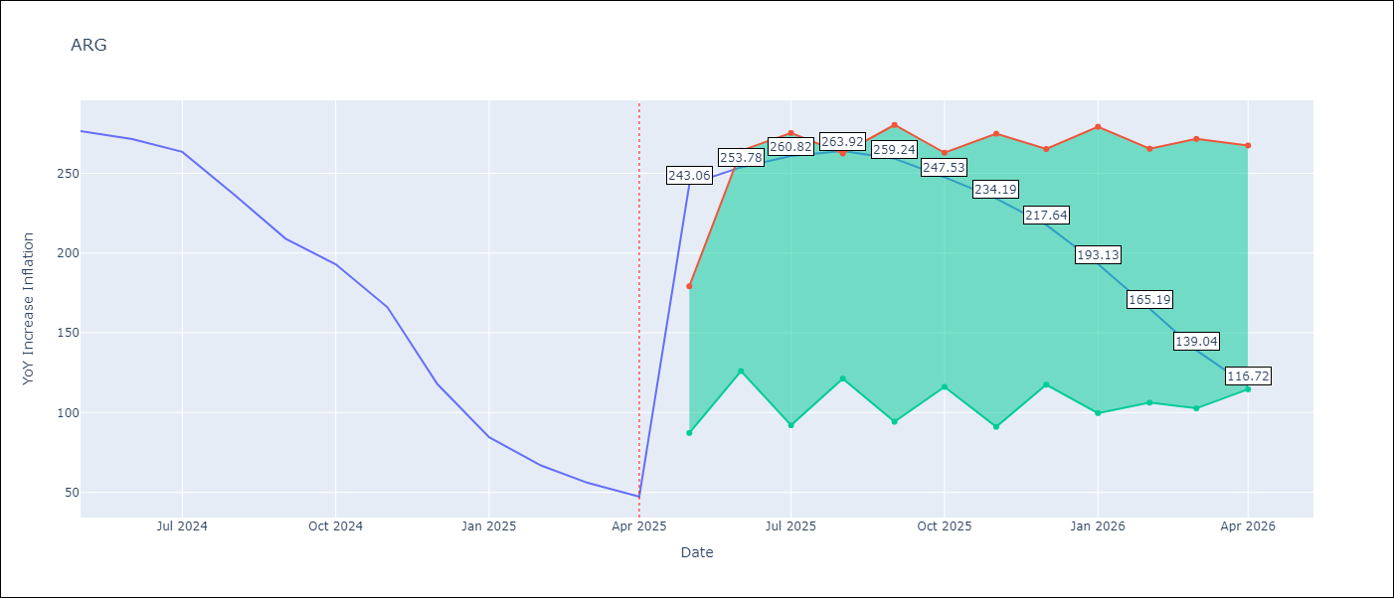

Test Metrics
RMSE | 37.9
Naive RMSE | 24.3
MAPE | 101.41%

Test Predictions
Date | Predicted | Actual
2024-05-01 | 282.8 | 276.41
2024-06-01 | 279.61 | 271.53
2024-07-01 | 274.67 | 263.45
2024-08-01 | 268.74 | 236.72
2024-09-01 | 250.94 | 209
2024-10-01 | 226.63 | 192.99
2024-11-01 | 206.98 | 166.03
2024-12-01 | 184.13 | 117.76
2025-01-01 | 146.55 | 84.54
2025-02-01 | 110.04 | 66.87
2025-03-01 | 85.12 | 55.93
2025-04-01 | 68.41 | 47.26

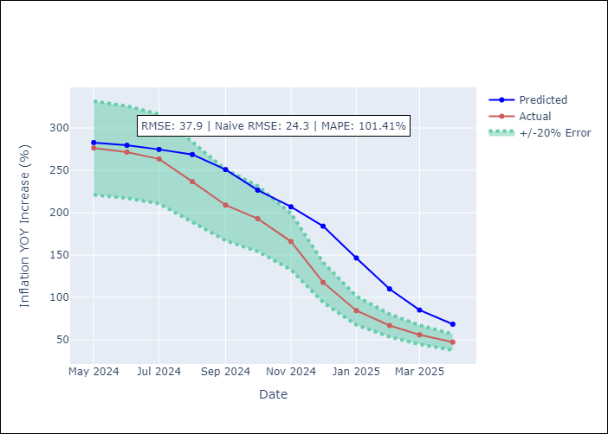

Appendix A: Model Summary
Model | Random Forest
Sample | 2007-01-01 to 2025-04-01
No. of Observations | 220
Terms | P-value (Statistical significance)

Assumptions | P-value

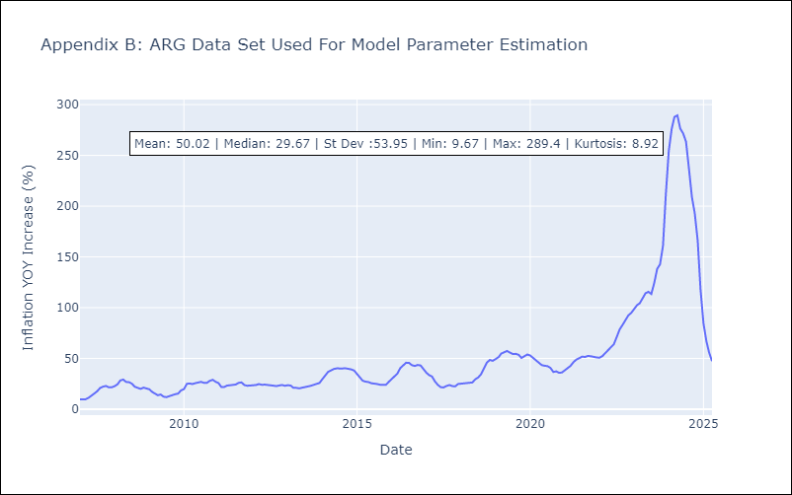

Appendix C: Residuals Analysis
Mean

BOL
BOL - Inflation - Next 12 months forecast as of: 2025-04-01

Model | Random Forest - [(1, 1, 2), (0, 0, 2, 12)]
Training Data | 2021-01-01 to 2024-05-01
Test Data | 2024-05-01 to 2025-04-01

Date | Inflation Change YoY % | Lower Bound - 95% Confidence Interval | Upper Bound - 95% Confidence Interval
2025-05-01 | 2.59 | 2.19 | 10.91
2025-06-01 | 2.8 | 2.52 | 11.76
2025-07-01 | 3.14 | 2.42 | 11.6
2025-08-01 | 3.34 | 2.39 | 11.54
2025-09-01 | 3.86 | 2.44 | 12.04
2025-10-01 | 4.46 | 2.42 | 11.45
2025-11-01 | 5.36 | 2.31 | 11.13
2025-12-01 | 6.4 | 2.44 | 11.49
2026-01-01 | 7.4 | 2.3 | 11.58
2026-02-01 | 8.64 | 2.3 | 11.3
2026-03-01 | 9.93 | 2.42 | 11.65
2026-04-01 | 11.3 | 2.4 | 11.55

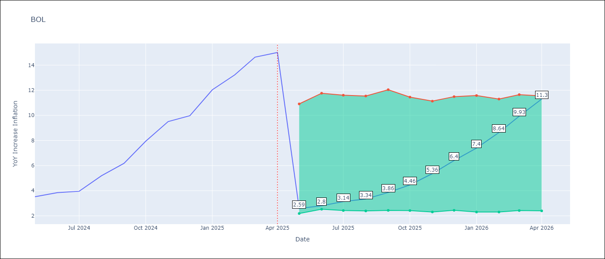

Test Metrics
RMSE | 3.37
Naive RMSE | 1.21
MAPE | 53.69%

Test Predictions
Date | Predicted | Actual
2024-05-01 | 2.65 | 3.52
2024-06-01 | 2.84 | 3.84
2024-07-01 | 3.13 | 3.95
2024-08-01 | 3.28 | 5.19
2024-09-01 | 3.8 | 6.18
2024-10-01 | 4.47 | 7.94
2024-11-01 | 5.38 | 9.51
2024-12-01 | 6.45 | 9.97
2025-01-01 | 7.39 | 12.03
2025-02-01 | 8.5 | 13.22
2025-03-01 | 9.81 | 14.63
2025-04-01 | 11.07 | 15.01

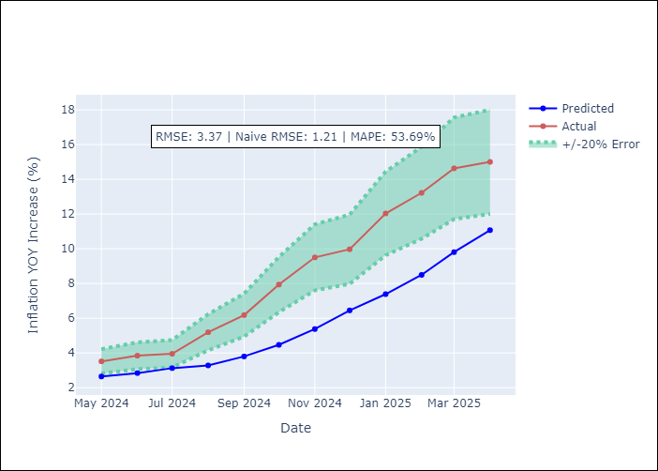

Appendix A: Model Summary
Model | Random Forest
Sample | 2021-01-01 to 2025-04-01
No. of Observations | 52
Terms | P-value (Statistical significance)

Assumptions | P-value

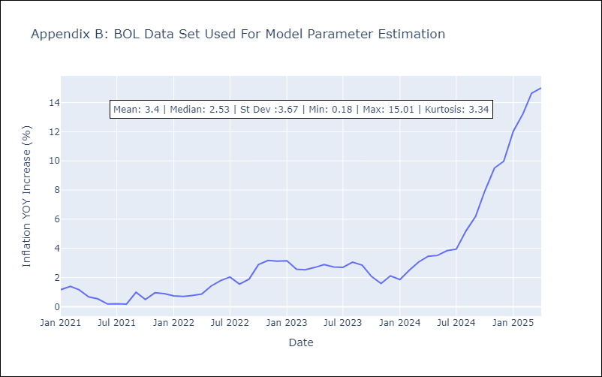

Appendix C: Residuals Analysis
Mean

BRA
BRA - Inflation - Next 12 months forecast as of: 2025-04-01

Model | Random Forest - [(1, 2, 1), (0, 0, 1, 12)]
Training Data | 1998-01-01 to 2024-05-01
Test Data | 2024-05-01 to 2025-04-01

Date | Inflation Change YoY % | Lower Bound - 95% Confidence Interval | Upper Bound - 95% Confidence Interval
2025-05-01 | 6.82 | 5.27 | 6.3
2025-06-01 | 6.96 | 4.9 | 6.67
2025-07-01 | 6.93 | 6.2 | 8.12
2025-08-01 | 6.82 | 6.25 | 8.34
2025-09-01 | 6.9 | 6.3 | 7.85
2025-10-01 | 7.19 | 6.13 | 7.42
2025-11-01 | 7.48 | 6.01 | 7.69
2025-12-01 | 7.66 | 6.9 | 10.82
2026-01-01 | 7.73 | 8.31 | 15.15
2026-02-01 | 7.83 | 5.44 | 10.82
2026-03-01 | 8.02 | 5.21 | 7.48
2026-04-01 | 8.27 | 6.7 | 8.7

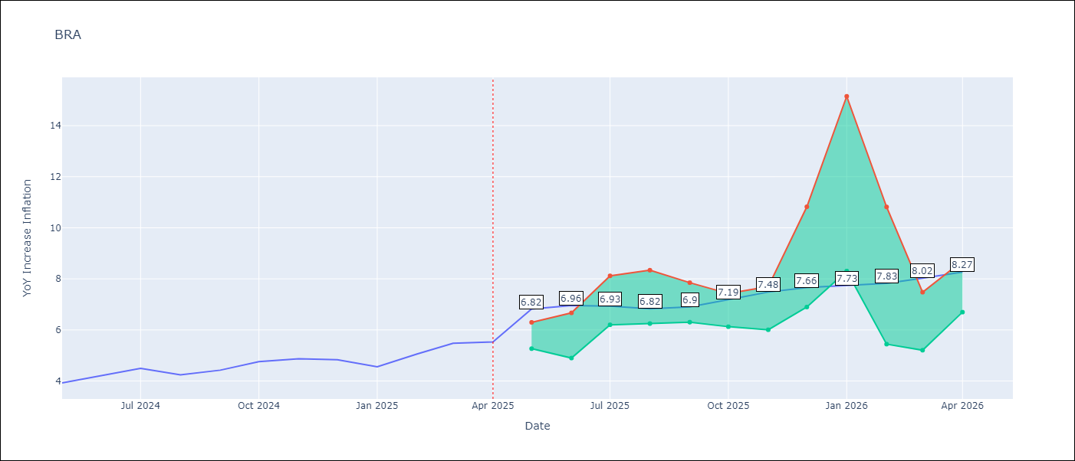

Test Metrics
RMSE | 1.17
Naive RMSE | 0.29
MAPE | 21.45%

Test Predictions
Date | Predicted | Actual
2024-05-01 | 3.81 | 3.93
2024-06-01 | 4 | 4.23
2024-07-01 | 4.02 | 4.5
2024-08-01 | 3.76 | 4.24
2024-09-01 | 3.52 | 4.42
2024-10-01 | 3.37 | 4.76
2024-11-01 | 3.29 | 4.87
2024-12-01 | 3.21 | 4.83
2025-01-01 | 3.3 | 4.56
2025-02-01 | 3.58 | 5.06
2025-03-01 | 3.92 | 5.48
2025-04-01 | 4.18 | 5.53

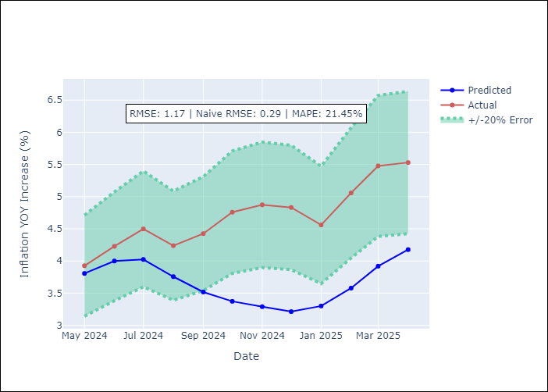

Appendix A: Model Summary
Model | Random Forest
Sample | 1998-01-01 to 2025-04-01
No. of Observations | 328
Terms | P-value (Statistical significance)

Assumptions | P-value



Appendix C: Residuals Analysis
Mean

CHL
CHL - Inflation - Next 12 months forecast as of: 2025-04-01

Model | Random Forest - [(2, 0, 0), (0, 0, 1, 12)]
Training Data | 2012-12-01 to 2024-05-01
Test Data | 2024-05-01 to 2025-04-01

Date | Inflation Change YoY % | Lower Bound - 95% Confidence Interval | Upper Bound - 95% Confidence Interval
2025-05-01 | 4.82 | 3.22 | 4.48
2025-06-01 | 4.79 | 2.44 | 5.27
2025-07-01 | 4.75 | 2.69 | 4.61
2025-08-01 | 4.7 | 2.03 | 3.63
2025-09-01 | 4.61 | 2.94 | 5.56
2025-10-01 | 4.48 | 3.51 | 8.69
2025-11-01 | 4.46 | 5.64 | 12.93
2025-12-01 | 4.43 | 4.43 | 10.89
2026-01-01 | 4.46 | 4.02 | 4.7
2026-02-01 | 4.43 | 2.75 | 4.47
2026-03-01 | 4.34 | 2.71 | 6.92
2026-04-01 | 4.28 | 3.31 | 9.39

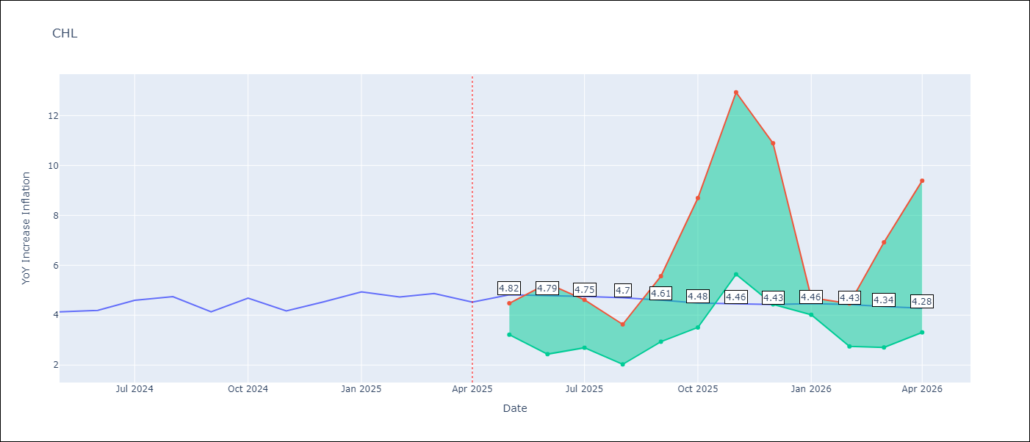

Test Metrics
RMSE | 0.28
Naive RMSE | 0.38
MAPE | 7.68%

Test Predictions
Date | Predicted | Actual
2024-05-01 | 4.19 | 4.13
2024-06-01 | 4.29 | 4.19
2024-07-01 | 4.42 | 4.6
2024-08-01 | 4.54 | 4.74
2024-09-01 | 4.54 | 4.13
2024-10-01 | 4.48 | 4.68
2024-11-01 | 4.62 | 4.17
2024-12-01 | 4.71 | 4.53
2025-01-01 | 4.89 | 4.94
2025-02-01 | 5 | 4.73
2025-03-01 | 5.02 | 4.87
2025-04-01 | 5.07 | 4.52

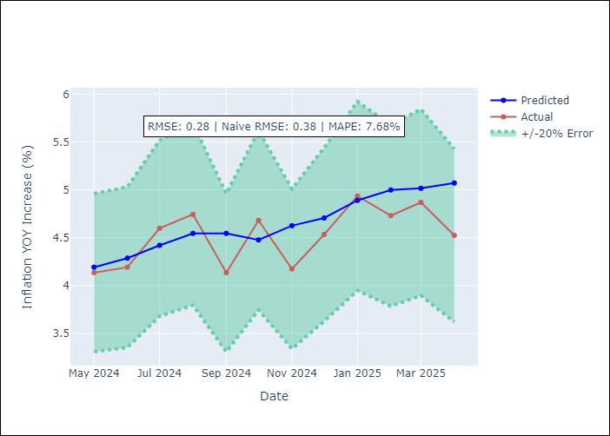

Appendix A: Model Summary
Model | Random Forest
Sample | 2012-12-01 to 2025-04-01
No. of Observations | 149
Terms | P-value (Statistical significance)

Assumptions | P-value



Appendix C: Residuals Analysis
Mean

COL
COL - Inflation - Next 12 months forecast as of: 2025-04-01

Model | Random Forest - [(1, 0, 1), (0, 0, 0, 12)]
Training Data | 2006-01-01 to 2024-05-01
Test Data | 2024-05-01 to 2025-04-01

Date | Inflation Change YoY % | Lower Bound - 95% Confidence Interval | Upper Bound - 95% Confidence Interval
2025-05-01 | 3.46 | 4.37 | 7.37
2025-06-01 | 3.42 | 2.34 | 6.28
2025-07-01 | 3.37 | 1.94 | 2.82
2025-08-01 | 3.3 | 2.89 | 4.77
2025-09-01 | 3.24 | 2.49 | 5.58
2025-10-01 | 3.19 | 2.89 | 3.44
2025-11-01 | 3.13 | 3.11 | 3.78
2025-12-01 | 3.01 | 1.88 | 3.25
2026-01-01 | 2.86 | 2.13 | 3.47
2026-02-01 | 2.7 | 3.28 | 4.43
2026-03-01 | 2.6 | 2.66 | 4.6
2026-04-01 | 2.55 | 2.51 | 3.56

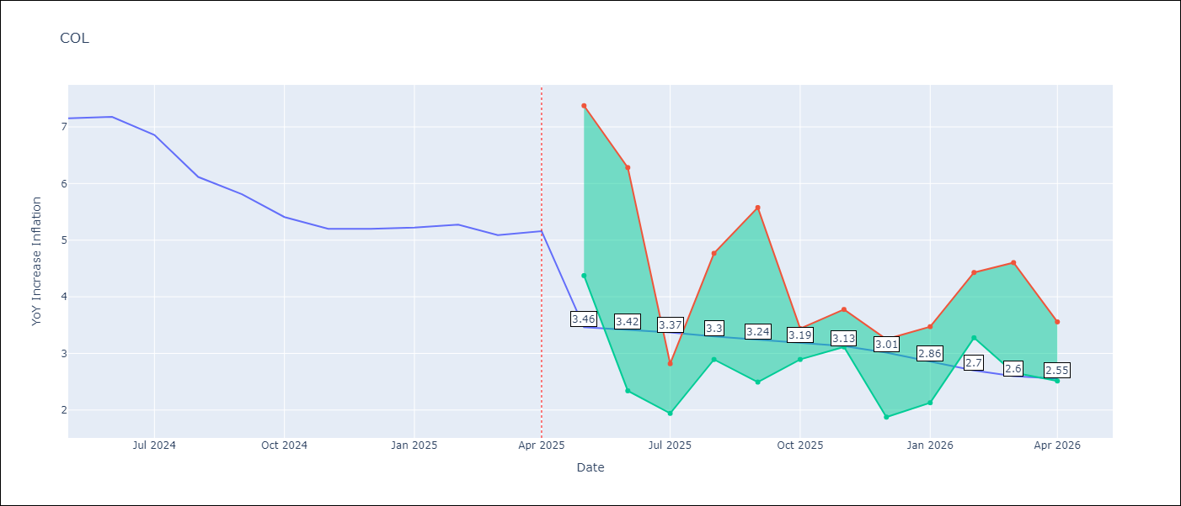

Test Metrics
RMSE | 1.27
Naive RMSE | 0.3
MAPE | 22.49%

Test Predictions
Date | Predicted | Actual
2024-05-01 | 5.87 | 7.15
2024-06-01 | 5.6 | 7.18
2024-07-01 | 5.29 | 6.86
2024-08-01 | 5.01 | 6.12
2024-09-01 | 4.6 | 5.81
2024-10-01 | 4.38 | 5.41
2024-11-01 | 4.12 | 5.2
2024-12-01 | 4.02 | 5.2
2025-01-01 | 3.89 | 5.22
2025-02-01 | 3.96 | 5.27
2025-03-01 | 3.93 | 5.09
2025-04-01 | 3.86 | 5.16

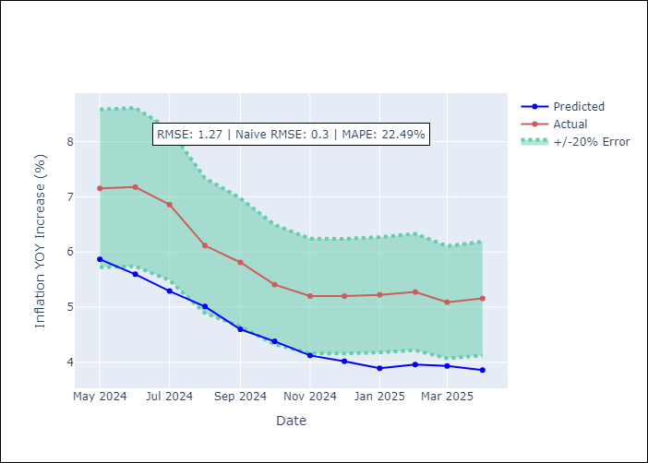

Appendix A: Model Summary
Model | Random Forest
Sample | 2006-01-01 to 2025-04-01
No. of Observations | 232
Terms | P-value (Statistical significance)

Assumptions | P-value

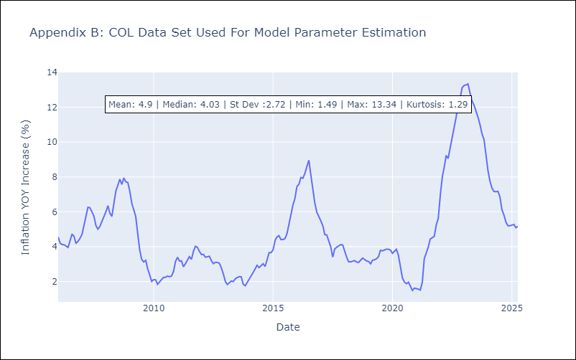

Appendix C: Residuals Analysis
Mean

ECU
ECU - Inflation - Next 12 months forecast as of: 2025-04-01

Model | Random Forest - [(2, 1, 1), (3, 0, 0, 12)]
Training Data | 2009-01-01 to 2024-05-01
Test Data | 2024-05-01 to 2025-04-01

Date | Inflation Change YoY % | Lower Bound - 95% Confidence Interval | Upper Bound - 95% Confidence Interval
2025-05-01 | 0.17 | -0.6 | 0.28
2025-06-01 | 0.06 | -0.06 | 0.99
2025-07-01 | -0.03 | -0.84 | 0.31
2025-08-01 | -0.1 | -0.77 | 1.11
2025-09-01 | -0.11 | -0.06 | 0.59
2025-10-01 | -0.05 | -0.77 | 2.21
2025-11-01 | -0.09 | -0.63 | 1.1
2025-12-01 | -0.19 | -0.03 | 1.32
2026-01-01 | -0.35 | -0.81 | 0.22
2026-02-01 | -0.47 | -0.58 | 1.49
2026-03-01 | -0.55 | -0.32 | 2.94
2026-04-01 | -0.58 | -0.7 | 0.27

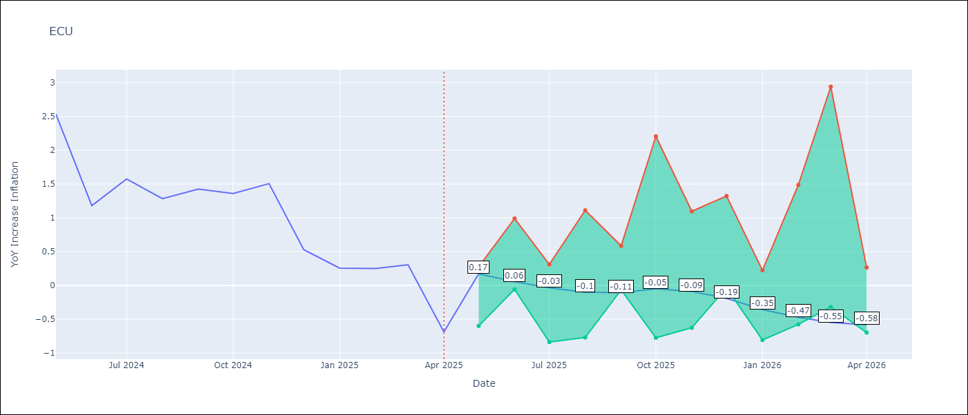

Test Metrics
RMSE | 2.69
Naive RMSE | 0.61
MAPE | 474.66%

Test Predictions
Date | Predicted | Actual
2024-05-01 | 3.03 | 2.53
2024-06-01 | 3.08 | 1.18
2024-07-01 | 3.19 | 1.57
2024-08-01 | 3.39 | 1.28
2024-09-01 | 3.64 | 1.42
2024-10-01 | 3.73 | 1.36
2024-11-01 | 3.75 | 1.51
2024-12-01 | 3.81 | 0.53
2025-01-01 | 3.74 | 0.26
2025-02-01 | 3.59 | 0.25
2025-03-01 | 3.48 | 0.31
2025-04-01 | 3.31 | -0.69

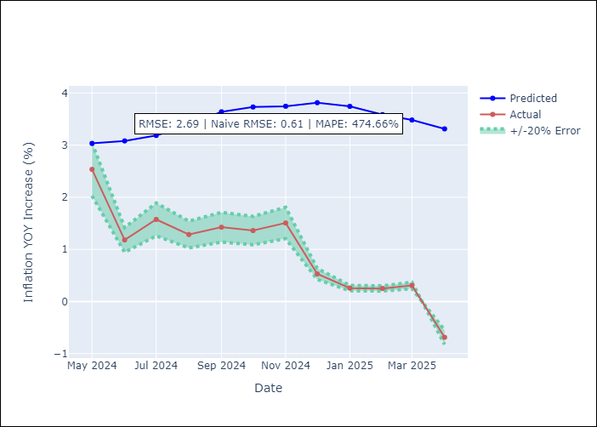

Appendix A: Model Summary
Model | Random Forest
Sample | 2009-01-01 to 2025-04-01
No. of Observations | 196
Terms | P-value (Statistical significance)

Assumptions | P-value

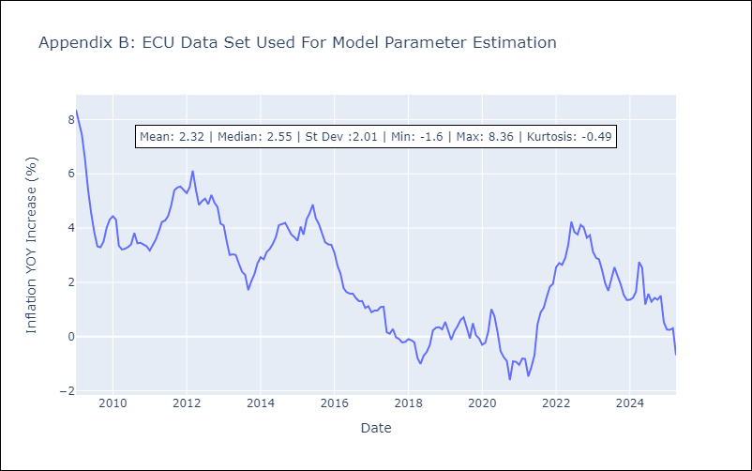

Appendix C: Residuals Analysis
Mean

PER
PER - Inflation - Next 12 months forecast as of: 2025-04-01

Model | Random Forest - [(3, 2, 0), (3, 0, 0, 12)]
Training Data | 1994-01-01 to 2024-05-01
Test Data | 2024-05-01 to 2025-04-01

Date | Inflation Change YoY % | Lower Bound - 95% Confidence Interval | Upper Bound - 95% Confidence Interval
2025-05-01 | 3.37 | 1.54 | 3.15
2025-06-01 | 3.3 | 3.08 | 6.05
2025-07-01 | 3.28 | 2.15 | 5.96
2025-08-01 | 3.28 | 0.86 | 3.14
2025-09-01 | 3.37 | 2.77 | 4.22
2025-10-01 | 3.47 | 1.96 | 3.63
2025-11-01 | 3.41 | 0.37 | 3.23
2025-12-01 | 3.36 | 2.02 | 3.43
2026-01-01 | 3.25 | 2.53 | 3.84
2026-02-01 | 3.2 | 1.25 | 3.66
2026-03-01 | 3.21 | 1.81 | 3.78
2026-04-01 | 3.19 | 2.93 | 3.66

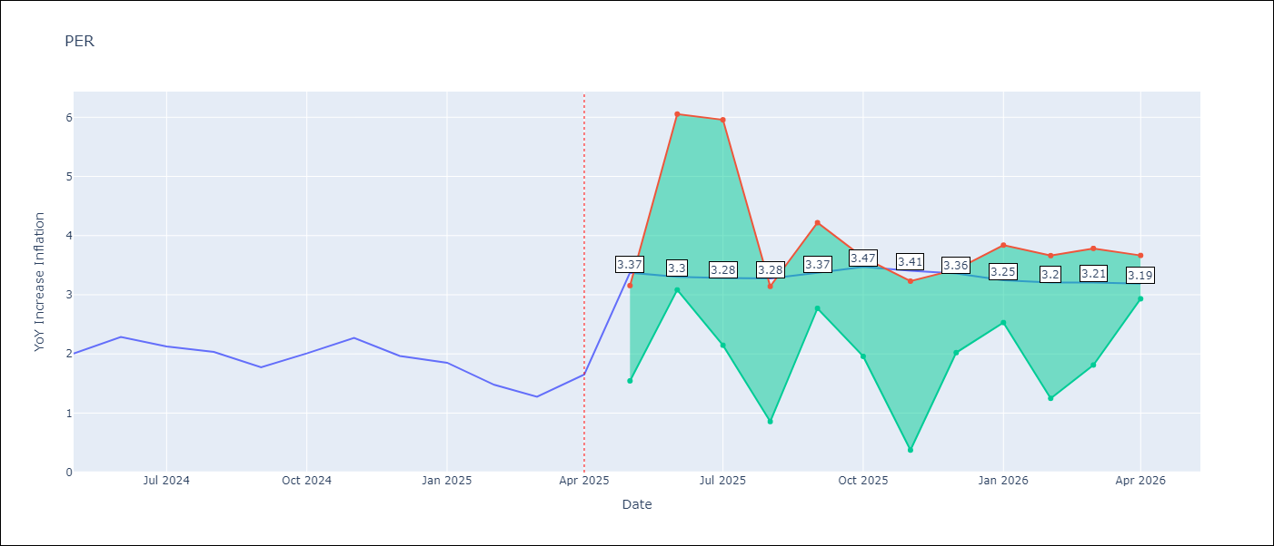

Test Metrics
RMSE | 1.18
Naive RMSE | 0.26
MAPE | 65.11%

Test Predictions
Date | Predicted | Actual
2024-05-01 | 2.82 | 2
2024-06-01 | 2.99 | 2.29
2024-07-01 | 3.16 | 2.13
2024-08-01 | 3.16 | 2.03
2024-09-01 | 3.18 | 1.78
2024-10-01 | 3.16 | 2.01
2024-11-01 | 3.14 | 2.27
2024-12-01 | 3.16 | 1.97
2025-01-01 | 2.98 | 1.85
2025-02-01 | 2.85 | 1.48
2025-03-01 | 2.87 | 1.28
2025-04-01 | 3.03 | 1.65

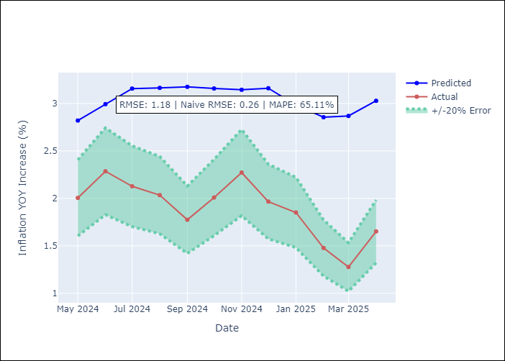

Appendix A: Model Summary
Model | Random Forest
Sample | 1994-01-01 to 2025-04-01
No. of Observations | 376
Terms | P-value (Statistical significance)

Assumptions | P-value

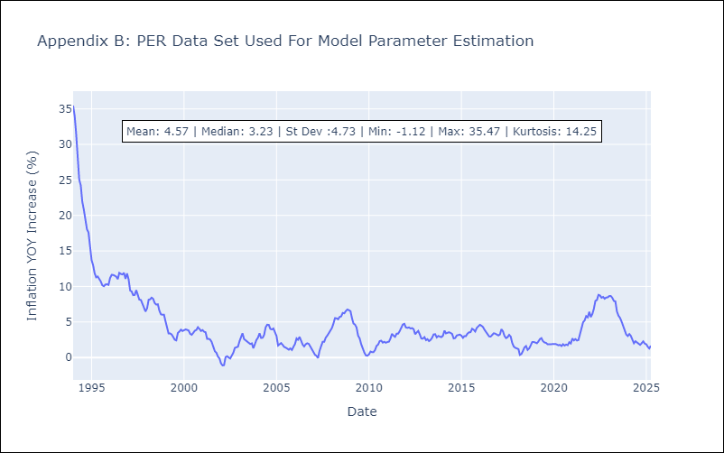

Appendix C: Residuals Analysis
Mean

PRY
PRY - Inflation - Next 12 months forecast as of: 2025-04-01

Model | Random Forest - [(2, 1, 1), (1, 0, 1, 12)]
Training Data | 1995-12-01 to 2024-05-01
Test Data | 2024-05-01 to 2025-04-01

Date | Inflation Change YoY % | Lower Bound - 95% Confidence Interval | Upper Bound - 95% Confidence Interval
2025-05-01 | 3.75 | 2.88 | 3.84
2025-06-01 | 3.82 | 3.03 | 4.17
2025-07-01 | 3.86 | 2.97 | 3.85
2025-08-01 | 4.01 | 3.3 | 4.24
2025-09-01 | 3.99 | 2.84 | 3.76
2025-10-01 | 4.03 | 2.61 | 4.23
2025-11-01 | 3.85 | 3.01 | 3.94
2025-12-01 | 3.69 | 3.28 | 4.19
2026-01-01 | 3.67 | 2.86 | 3.75
2026-02-01 | 3.68 | 2.79 | 4.24
2026-03-01 | 3.71 | 3 | 3.85
2026-04-01 | 3.8 | 3.32 | 4.25

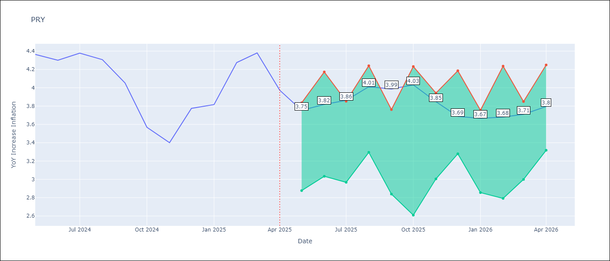

Test Metrics
RMSE | 0.55
Naive RMSE | 0.28
MAPE | 11.98%

Test Predictions
Date | Predicted | Actual
2024-05-01 | 3.62 | 4.36
2024-06-01 | 3.67 | 4.3
2024-07-01 | 3.65 | 4.38
2024-08-01 | 3.7 | 4.31
2024-09-01 | 3.68 | 4.05
2024-10-01 | 3.59 | 3.57
2024-11-01 | 3.56 | 3.4
2024-12-01 | 3.41 | 3.78
2025-01-01 | 3.43 | 3.82
2025-02-01 | 3.59 | 4.27
2025-03-01 | 3.53 | 4.38
2025-04-01 | 3.56 | 3.97

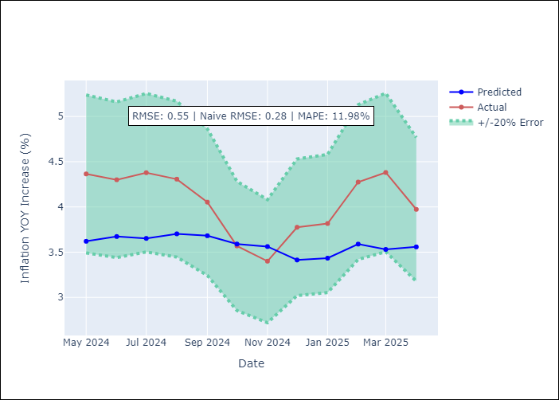

Appendix A: Model Summary
Model | Random Forest
Sample | 1995-12-01 to 2025-04-01
No. of Observations | 353
Terms | P-value (Statistical significance)

Assumptions | P-value



Appendix C: Residuals Analysis
Mean

URY
URY - Inflation - Next 12 months forecast as of: 2025-04-01

Model | Random Forest - [(0, 2, 1), (3, 0, 0, 12)]
Training Data | 1992-01-01 to 2024-05-01
Test Data | 2024-05-01 to 2025-04-01

Date | Inflation Change YoY % | Lower Bound - 95% Confidence Interval | Upper Bound - 95% Confidence Interval
2025-05-01 | 8.78 | 4.17 | 8.36
2025-06-01 | 8.97 | 7.49 | 14.81
2025-07-01 | 8.99 | 4.9 | 9.06
2025-08-01 | 8.88 | 5.44 | 7.67
2025-09-01 | 8.88 | 7.04 | 8.26
2025-10-01 | 8.93 | 7.97 | 9.01
2025-11-01 | 8.92 | 8.33 | 9.11
2025-12-01 | 8.83 | 8.37 | 9.08
2026-01-01 | 8.71 | 8.32 | 9.09
2026-02-01 | 8.61 | 8.35 | 9.01
2026-03-01 | 8.53 | 8.35 | 9
2026-04-01 | 8.52 | 8.26 | 9.13

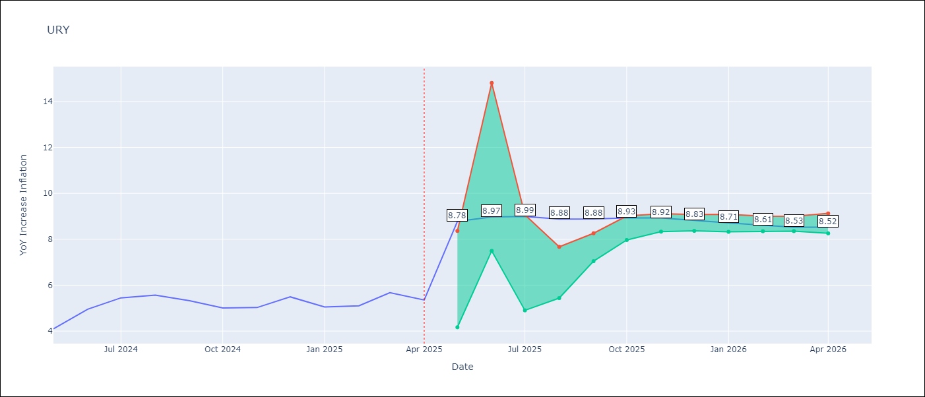

Test Metrics
RMSE | 4.1
Naive RMSE | 0.43
MAPE | 57.33%

Test Predictions
Date | Predicted | Actual
2024-05-01 | 4.26 | 4.1
2024-06-01 | 4.48 | 4.96
2024-07-01 | 4.92 | 5.45
2024-08-01 | 5.51 | 5.57
2024-09-01 | 5.99 | 5.32
2024-10-01 | 6.35 | 5.01
2024-11-01 | 6.69 | 5.03
2024-12-01 | 7.39 | 5.49
2025-01-01 | 8.76 | 5.05
2025-02-01 | 10.81 | 5.1
2025-03-01 | 13.18 | 5.67
2025-04-01 | 14.85 | 5.36

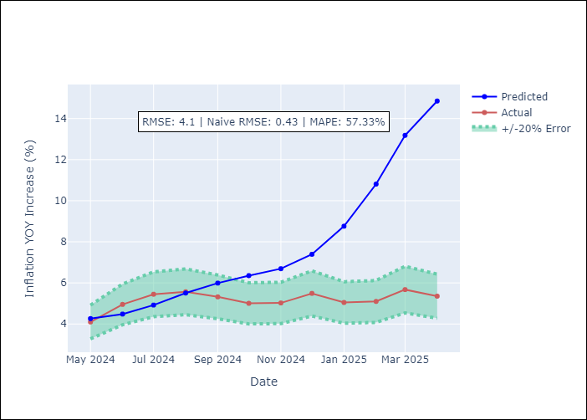

Appendix A: Model Summary
Model | Random Forest
Sample | 1992-01-01 to 2025-04-01
No. of Observations | 400
Terms | P-value (Statistical significance)

Assumptions | P-value

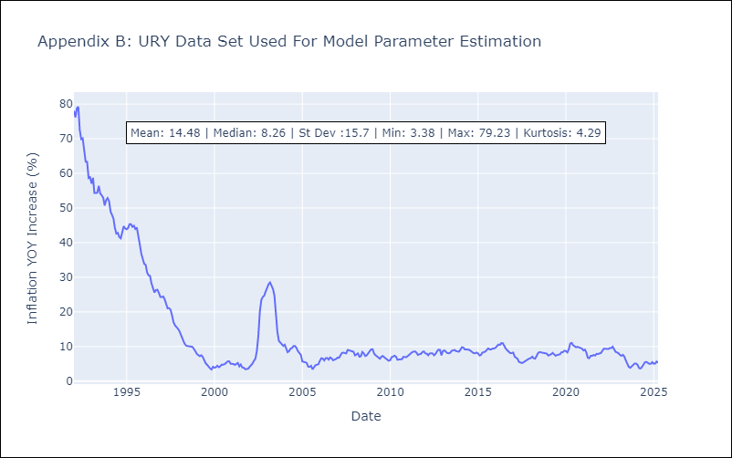

Appendix C: Residuals Analysis
Mean

VEN
VEN - Inflation - Next 12 months forecast as of: 2016-12-01

Model | Random Forest - [(3, 0, 0), (0, 0, 0, 12)]
Training Data | 2013-01-01 to 2016-01-01
Test Data | 2016-01-01 to 2016-12-01

Date | Inflation Change YoY % | Lower Bound - 95% Confidence Interval | Upper Bound - 95% Confidence Interval
2017-01-01 | 174.22 | 165.42 | 288.57
2017-02-01 | 180.86 | 149.93 | 289.28
2017-03-01 | 190.43 | 161.55 | 288.69
2017-04-01 | 202.76 | 154.75 | 287.61
2017-05-01 | 222.03 | 147.8 | 289.02
2017-06-01 | 249.59 | 168.94 | 289.71
2017-07-01 | 279.02 | 155.37 | 289
2017-08-01 | 283.93 | 162.36 | 289.46
2017-09-01 | 275.95 | 166.66 | 292.43
2017-10-01 | 269.37 | 165.11 | 289.02
2017-11-01 | 258.46 | 157.84 | 289.73
2017-12-01 | 255.59 | 161.02 | 288.58

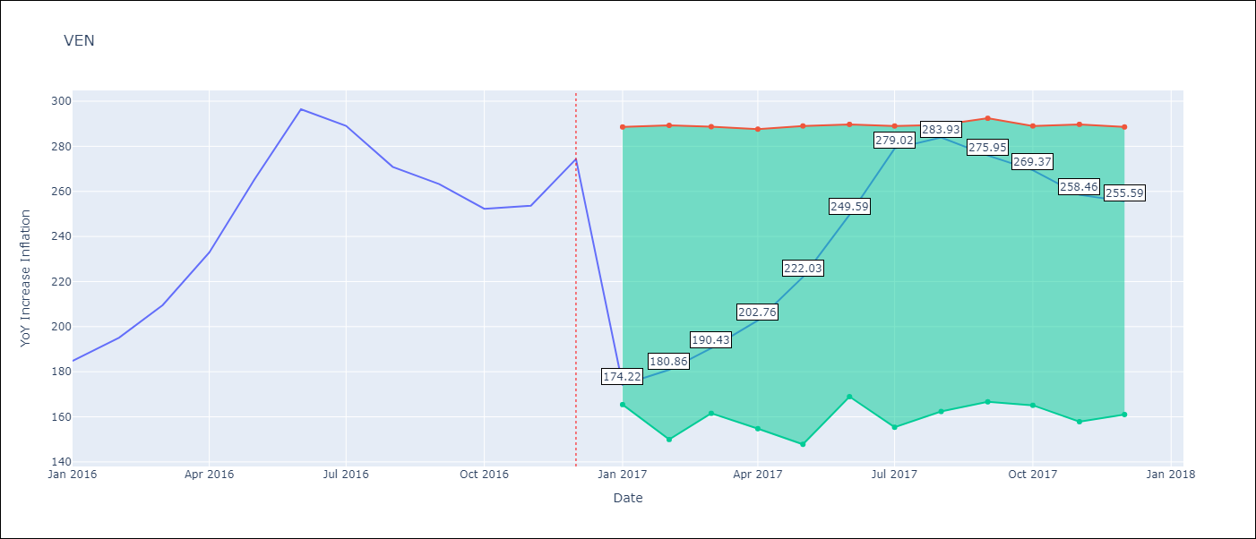

Test Metrics
RMSE | 23.72
Naive RMSE | 18.77
MAPE | 17.56%

Test Predictions
Date | Predicted | Actual
2016-01-01 | 174.22 | 184.76
2016-02-01 | 180.86 | 195.13
2016-03-01 | 190.43 | 209.56
2016-04-01 | 202.76 | 232.92
2016-05-01 | 222.03 | 265.24
2016-06-01 | 249.59 | 296.44
2016-07-01 | 279.02 | 289.06
2016-08-01 | 283.93 | 270.87
2016-09-01 | 275.95 | 263.24
2016-10-01 | 269.37 | 252.27
2016-11-01 | 258.46 | 253.65
2016-12-01 | 255.59 | 274.35

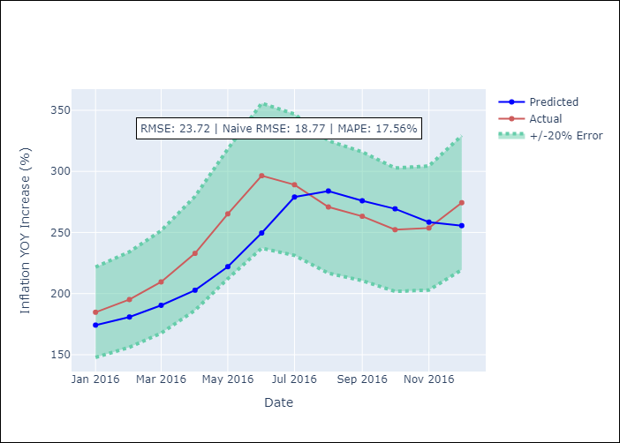

Appendix A: Model Summary
Model | Random Forest
Sample | 2013-01-01 to 2016-12-01
No. of Observations | 48
Terms | P-value (Statistical significance)

Assumptions | P-value

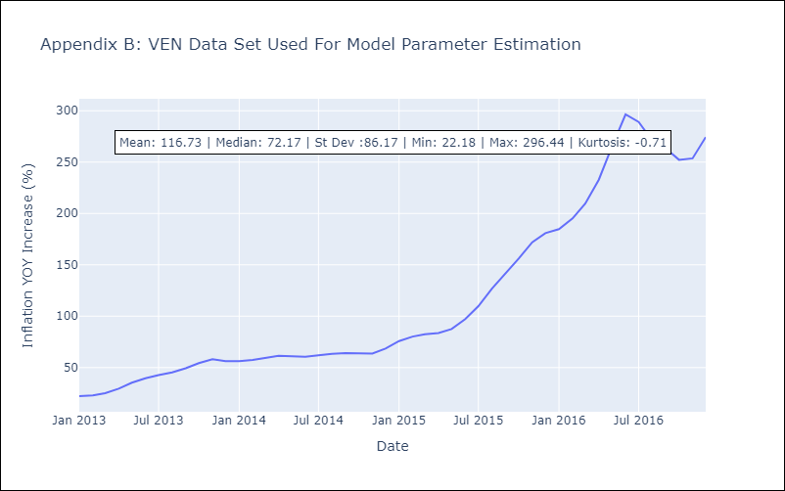

Appendix C: Residuals Analysis
Mean

