ARG
ARG - Inflation - Next 12 months forecast as of: 2025-04-01

Model | Random Forest - [(2, 2, 2), (0, 0, 1, 12)]
Training Data | 2007-01-01 to 2024-05-01
Test Data | 2024-05-01 to 2025-04-01

Date | Inflation Change YoY % | Lower Bound - 95% Confidence Interval | Upper Bound - 95% Confidence Interval
2025-05-01 | 245.11 | 93.32 | 177.87
2025-06-01 | 256.97 | 113.3 | 267.29
2025-07-01 | 263.62 | 95.46 | 276.91
2025-08-01 | 264.74 | 114.09 | 268.17
2025-09-01 | 259.13 | 103.14 | 274.63
2025-10-01 | 248 | 105.77 | 273.03
2025-11-01 | 235.74 | 107.05 | 269.82
2025-12-01 | 218.32 | 102.45 | 271.36
2026-01-01 | 191.75 | 107.09 | 268.42
2026-02-01 | 164.39 | 105.49 | 271.68
2026-03-01 | 139.23 | 104.5 | 271.79
2026-04-01 | 116.48 | 108.86 | 271.3

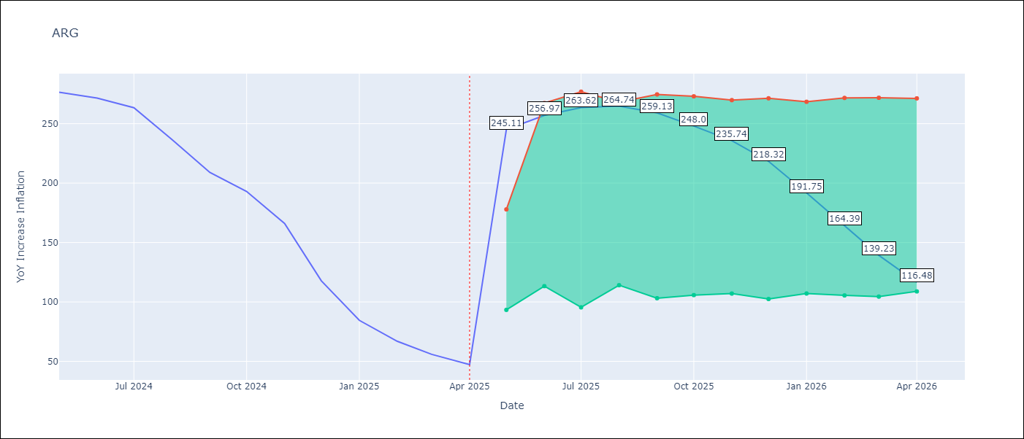

Test Metrics
RMSE | 42.23
Naive RMSE | 24.3
MAPE | 102.83%

Test Predictions
Date | Predicted | Actual
2024-05-01 | 280.76 | 276.41
2024-06-01 | 279.88 | 271.53
2024-07-01 | 275.99 | 263.45
2024-08-01 | 269.77 | 236.72
2024-09-01 | 254.25 | 209
2024-10-01 | 232.09 | 192.99
2024-11-01 | 211.68 | 166.03
2024-12-01 | 188.63 | 117.76
2025-01-01 | 154.21 | 84.54
2025-02-01 | 118.77 | 66.87
2025-03-01 | 90.92 | 55.93
2025-04-01 | 71.99 | 47.26

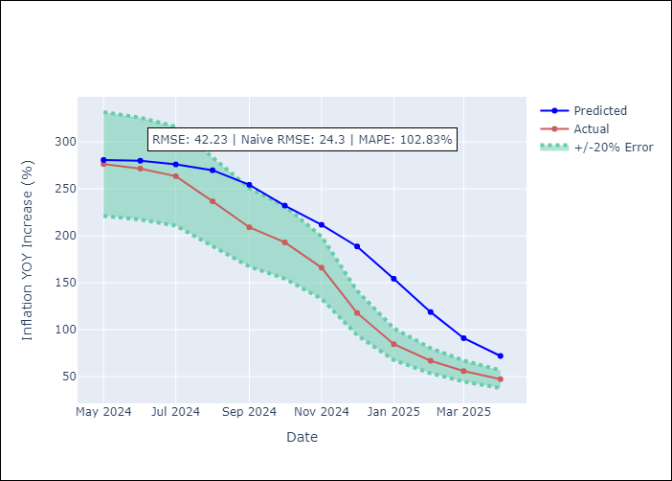

Appendix A: Model Summary
Model | Random Forest
Sample | 2007-01-01 to 2025-04-01
No. of Observations | 220
Terms | P-value (Statistical significance)

Assumptions | P-value

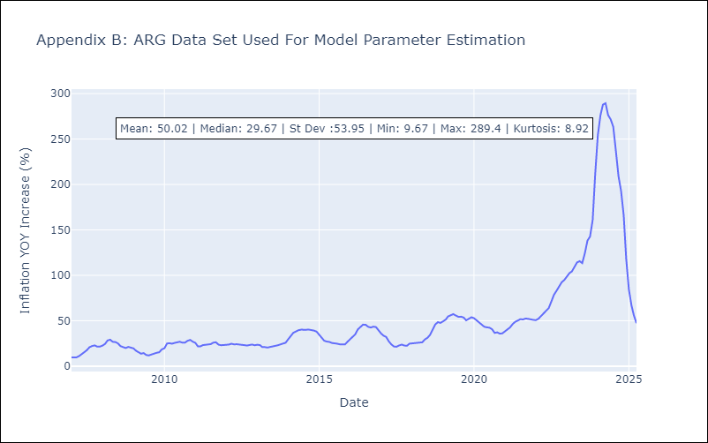

Appendix C: Residuals Analysis
Mean

BOL
BOL - Inflation - Next 12 months forecast as of: 2025-04-01

Model | Random Forest - [(1, 1, 2), (0, 0, 2, 12)]
Training Data | 2021-01-01 to 2024-05-01
Test Data | 2024-05-01 to 2025-04-01

Date | Inflation Change YoY % | Lower Bound - 95% Confidence Interval | Upper Bound - 95% Confidence Interval
2025-05-01 | 2.45 | 2.18 | 11.21
2025-06-01 | 2.7 | 2.31 | 10.85
2025-07-01 | 3 | 2.32 | 11.75
2025-08-01 | 3.24 | 2.31 | 11.29
2025-09-01 | 3.69 | 2.46 | 11.37
2025-10-01 | 4.25 | 2.45 | 12.05
2025-11-01 | 4.99 | 2.53 | 11.64
2025-12-01 | 5.98 | 2.43 | 11.39
2026-01-01 | 6.89 | 2.41 | 11.23
2026-02-01 | 8.12 | 2.46 | 11.5
2026-03-01 | 9.39 | 2.41 | 11.64
2026-04-01 | 10.67 | 2.45 | 11.33

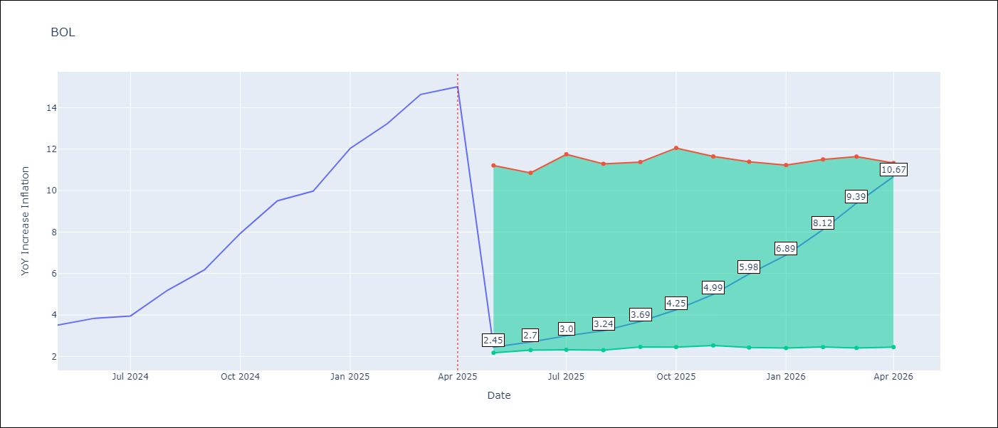

Test Metrics
RMSE | 3.38
Naive RMSE | 1.21
MAPE | 53.73%

Test Predictions
Date | Predicted | Actual
2024-05-01 | 2.65 | 3.52
2024-06-01 | 2.8 | 3.84
2024-07-01 | 3.1 | 3.95
2024-08-01 | 3.27 | 5.19
2024-09-01 | 3.81 | 6.18
2024-10-01 | 4.44 | 7.94
2024-11-01 | 5.38 | 9.51
2024-12-01 | 6.41 | 9.97
2025-01-01 | 7.33 | 12.03
2025-02-01 | 8.52 | 13.22
2025-03-01 | 9.75 | 14.63
2025-04-01 | 11.09 | 15.01

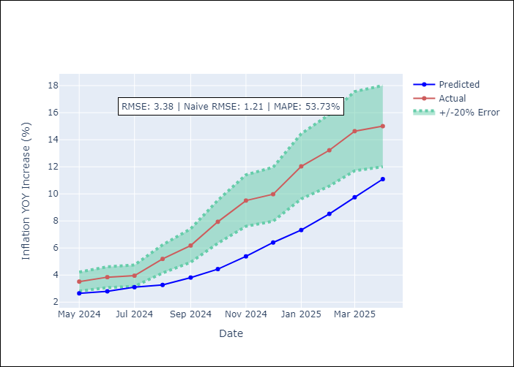

Appendix A: Model Summary
Model | Random Forest
Sample | 2021-01-01 to 2025-04-01
No. of Observations | 52
Terms | P-value (Statistical significance)

Assumptions | P-value

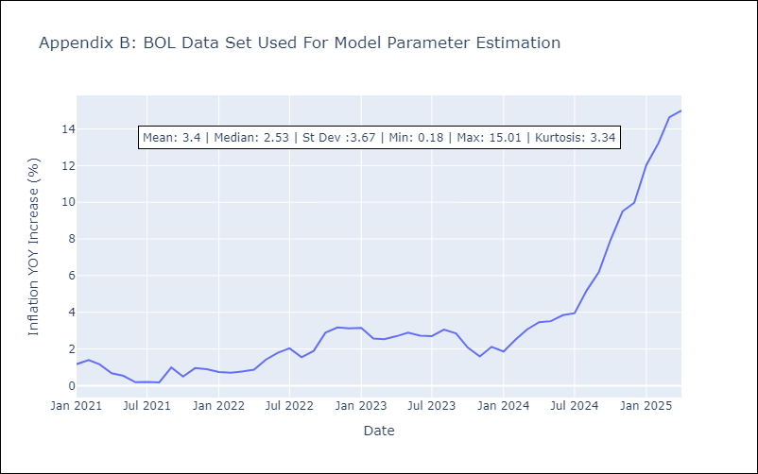

Appendix C: Residuals Analysis
Mean

BRA
BRA - Inflation - Next 12 months forecast as of: 2025-04-01

Model | Random Forest - [(1, 2, 1), (0, 0, 1, 12)]
Training Data | 1998-01-01 to 2024-05-01
Test Data | 2024-05-01 to 2025-04-01

Date | Inflation Change YoY % | Lower Bound - 95% Confidence Interval | Upper Bound - 95% Confidence Interval
2025-05-01 | 6.89 | 5.26 | 6.29
2025-06-01 | 6.98 | 4.96 | 6.72
2025-07-01 | 7.05 | 6.11 | 7.47
2025-08-01 | 7.09 | 6.18 | 8.29
2025-09-01 | 7.19 | 6.36 | 8.03
2025-10-01 | 7.36 | 5.72 | 8.48
2025-11-01 | 7.54 | 5.92 | 8.08
2025-12-01 | 7.67 | 6.06 | 7.71
2026-01-01 | 7.76 | 5.99 | 7.87
2026-02-01 | 7.79 | 6.22 | 7.7
2026-03-01 | 7.9 | 6.05 | 7.72
2026-04-01 | 8.07 | 6.67 | 8.41

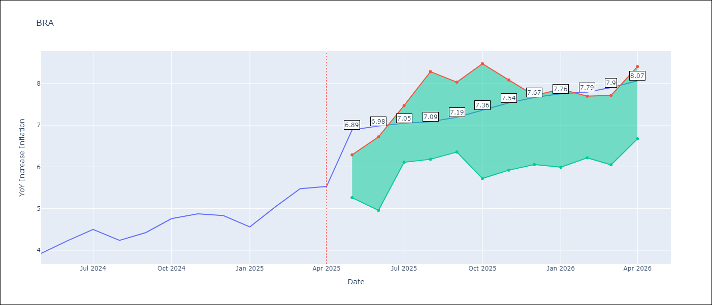

Test Metrics
RMSE | 1.25
Naive RMSE | 0.29
MAPE | 22.7%

Test Predictions
Date | Predicted | Actual
2024-05-01 | 3.79 | 3.93
2024-06-01 | 4.01 | 4.23
2024-07-01 | 4.01 | 4.5
2024-08-01 | 3.8 | 4.24
2024-09-01 | 3.51 | 4.42
2024-10-01 | 3.28 | 4.76
2024-11-01 | 3.13 | 4.87
2024-12-01 | 3.1 | 4.83
2025-01-01 | 3.19 | 4.56
2025-02-01 | 3.44 | 5.06
2025-03-01 | 3.81 | 5.48
2025-04-01 | 4.19 | 5.53

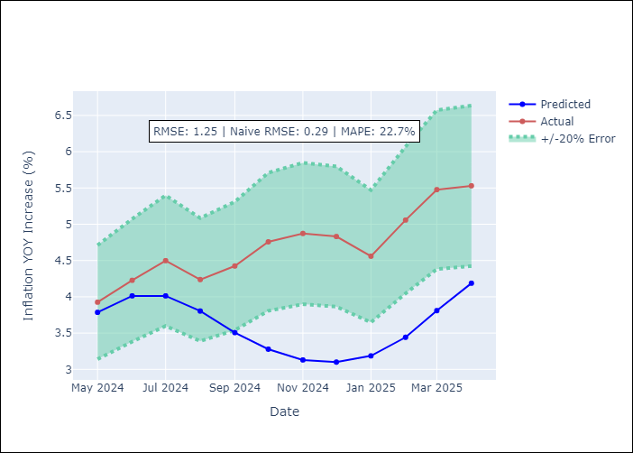

Appendix A: Model Summary
Model | Random Forest
Sample | 1998-01-01 to 2025-04-01
No. of Observations | 328
Terms | P-value (Statistical significance)

Assumptions | P-value



Appendix C: Residuals Analysis
Mean

CHL
CHL - Inflation - Next 12 months forecast as of: 2025-04-01

Model | Random Forest - [(2, 0, 0), (0, 0, 1, 12)]
Training Data | 2012-12-01 to 2024-05-01
Test Data | 2024-05-01 to 2025-04-01

Date | Inflation Change YoY % | Lower Bound - 95% Confidence Interval | Upper Bound - 95% Confidence Interval
2025-05-01 | 3.46 | 3.08 | 4.66
2025-06-01 | 3.51 | 2.68 | 5.89
2025-07-01 | 3.61 | 2.94 | 4.73
2025-08-01 | 3.64 | 2.28 | 6.32
2025-09-01 | 3.75 | 3.15 | 5.48
2025-10-01 | 3.83 | 2.91 | 6.18
2025-11-01 | 3.8 | 3 | 5.11
2025-12-01 | 3.92 | 2.66 | 6.66
2026-01-01 | 4.12 | 3.04 | 4.96
2026-02-01 | 4.2 | 2.42 | 6.79
2026-03-01 | 4.5 | 3.19 | 6.65
2026-04-01 | 4.74 | 3 | 6.12

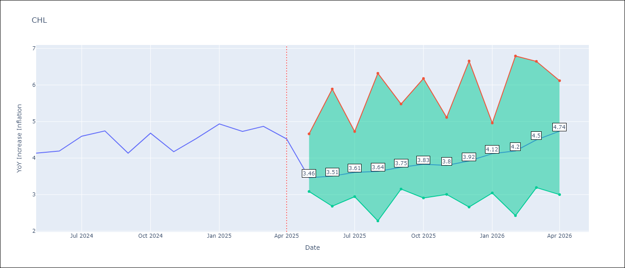

Test Metrics
RMSE | 0.27
Naive RMSE | 0.38
MAPE | 6.07%

Test Predictions
Date | Predicted | Actual
2024-05-01 | 4.29 | 4.13
2024-06-01 | 4.29 | 4.19
2024-07-01 | 4.29 | 4.6
2024-08-01 | 4.33 | 4.74
2024-09-01 | 4.38 | 4.13
2024-10-01 | 4.39 | 4.68
2024-11-01 | 4.46 | 4.17
2024-12-01 | 4.48 | 4.53
2025-01-01 | 4.53 | 4.94
2025-02-01 | 4.56 | 4.73
2025-03-01 | 4.53 | 4.87
2025-04-01 | 4.5 | 4.52

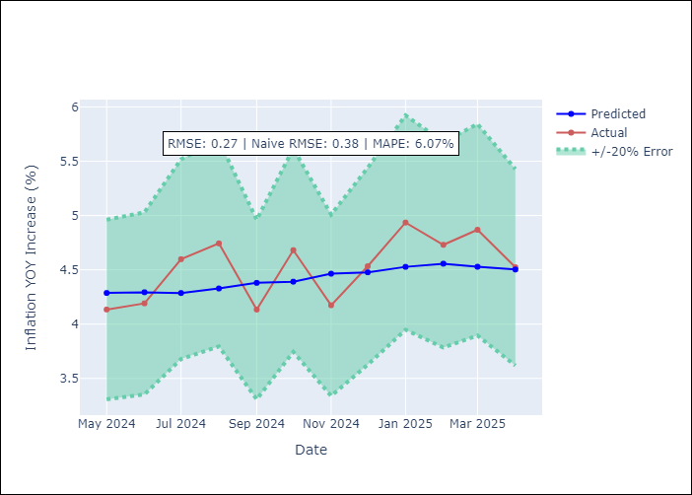

Appendix A: Model Summary
Model | Random Forest
Sample | 2012-12-01 to 2025-04-01
No. of Observations | 149
Terms | P-value (Statistical significance)

Assumptions | P-value



Appendix C: Residuals Analysis
Mean

COL
COL - Inflation - Next 12 months forecast as of: 2025-04-01

Model | Random Forest - [(1, 0, 1), (0, 0, 0, 12)]
Training Data | 2006-01-01 to 2024-05-01
Test Data | 2024-05-01 to 2025-04-01

Date | Inflation Change YoY % | Lower Bound - 95% Confidence Interval | Upper Bound - 95% Confidence Interval
2025-05-01 | 3.23 | 4.9 | 7.5
2025-06-01 | 3.19 | 2.53 | 6.65
2025-07-01 | 3.14 | 1.85 | 3
2025-08-01 | 3.08 | 2.76 | 4.26
2025-09-01 | 3.02 | 2.96 | 6.98
2025-10-01 | 2.96 | 3.76 | 5.98
2025-11-01 | 2.92 | 5.39 | 7.58
2025-12-01 | 2.94 | 2.49 | 6.64
2026-01-01 | 2.97 | 1.93 | 3.08
2026-02-01 | 2.99 | 2.75 | 4.47
2026-03-01 | 2.99 | 2.54 | 5.51
2026-04-01 | 3.02 | 2.48 | 3.28

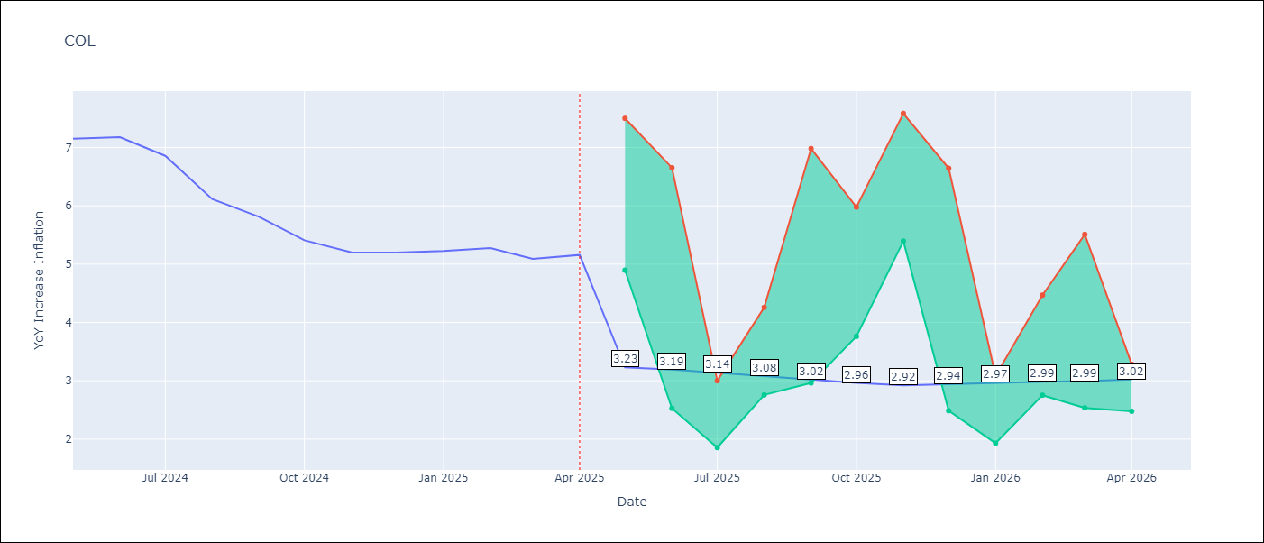

Test Metrics
RMSE | 1.19
Naive RMSE | 0.3
MAPE | 21.45%

Test Predictions
Date | Predicted | Actual
2024-05-01 | 5.91 | 7.15
2024-06-01 | 5.67 | 7.18
2024-07-01 | 5.38 | 6.86
2024-08-01 | 5.08 | 6.12
2024-09-01 | 4.69 | 5.81
2024-10-01 | 4.48 | 5.41
2024-11-01 | 4.24 | 5.2
2024-12-01 | 4.12 | 5.2
2025-01-01 | 3.97 | 5.22
2025-02-01 | 4.03 | 5.27
2025-03-01 | 4.01 | 5.09
2025-04-01 | 3.94 | 5.16

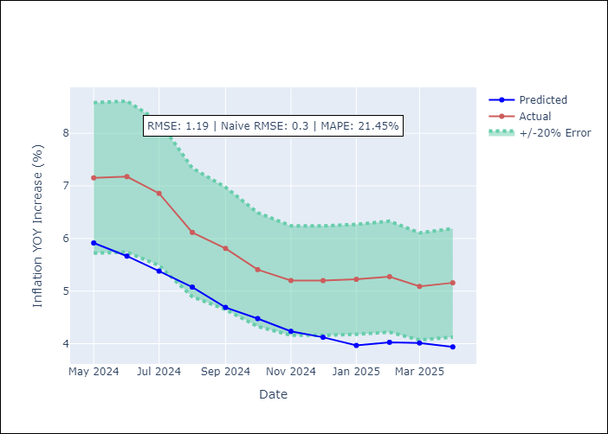

Appendix A: Model Summary
Model | Random Forest
Sample | 2006-01-01 to 2025-04-01
No. of Observations | 232
Terms | P-value (Statistical significance)

Assumptions | P-value

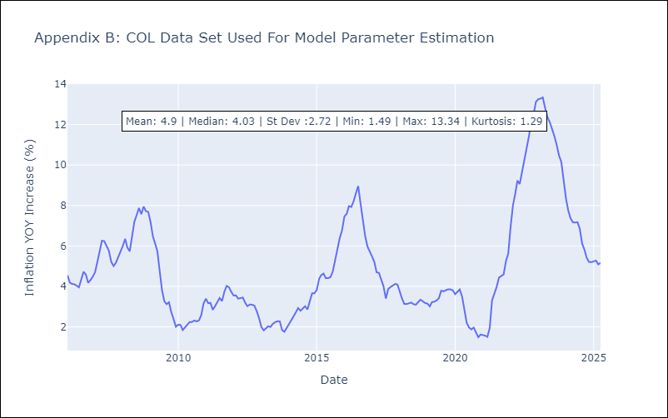

Appendix C: Residuals Analysis
Mean

ECU
ECU - Inflation - Next 12 months forecast as of: 2025-04-01

Model | Random Forest - [(2, 1, 1), (3, 0, 0, 12)]
Training Data | 2009-01-01 to 2024-05-01
Test Data | 2024-05-01 to 2025-04-01

Date | Inflation Change YoY % | Lower Bound - 95% Confidence Interval | Upper Bound - 95% Confidence Interval
2025-05-01 | 0.29 | -0.65 | 0.29
2025-06-01 | 0.17 | -0.12 | 3.8
2025-07-01 | 0.03 | -0.31 | 1.65
2025-08-01 | -0.09 | -0.76 | 1.2
2025-09-01 | -0.14 | -0.65 | 0.77
2025-10-01 | -0.15 | -0.56 | 4.21
2025-11-01 | -0.19 | -0.69 | 0.3
2025-12-01 | -0.16 | -0.5 | 1.98
2026-01-01 | -0.25 | -0.81 | 0.3
2026-02-01 | -0.45 | -0.65 | 1.75
2026-03-01 | -0.57 | -0.3 | 1.77
2026-04-01 | -0.62 | -0.68 | 0.29

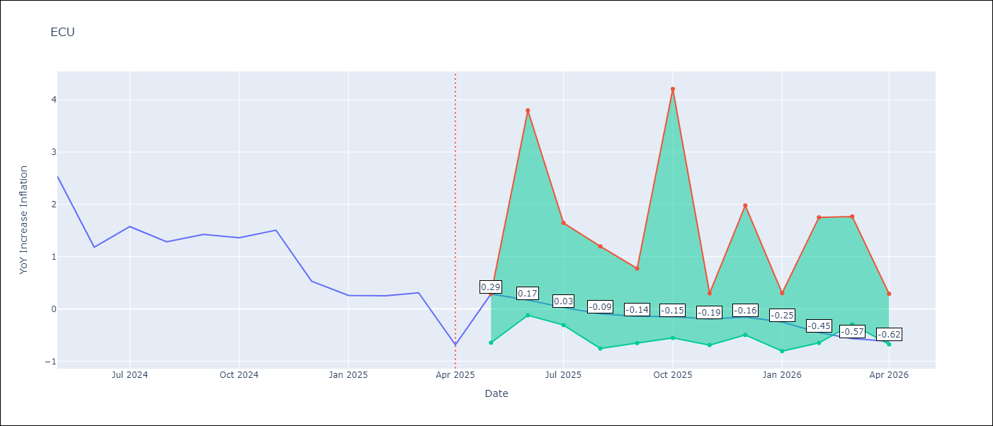

Test Metrics
RMSE | 2.62
Naive RMSE | 0.61
MAPE | 463.09%

Test Predictions
Date | Predicted | Actual
2024-05-01 | 2.97 | 2.53
2024-06-01 | 3.01 | 1.18
2024-07-01 | 3.1 | 1.57
2024-08-01 | 3.3 | 1.28
2024-09-01 | 3.51 | 1.42
2024-10-01 | 3.64 | 1.36
2024-11-01 | 3.69 | 1.51
2024-12-01 | 3.7 | 0.53
2025-01-01 | 3.67 | 0.26
2025-02-01 | 3.54 | 0.25
2025-03-01 | 3.42 | 0.31
2025-04-01 | 3.31 | -0.69

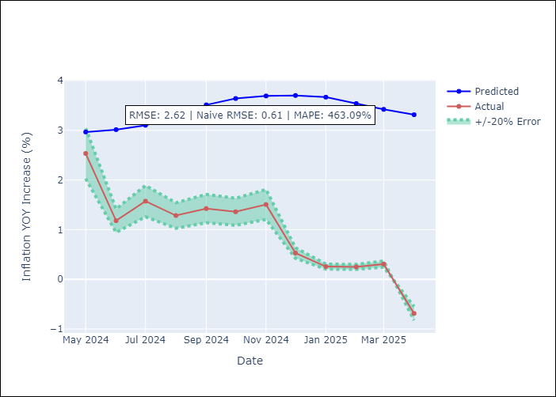

Appendix A: Model Summary
Model | Random Forest
Sample | 2009-01-01 to 2025-04-01
No. of Observations | 196
Terms | P-value (Statistical significance)

Assumptions | P-value

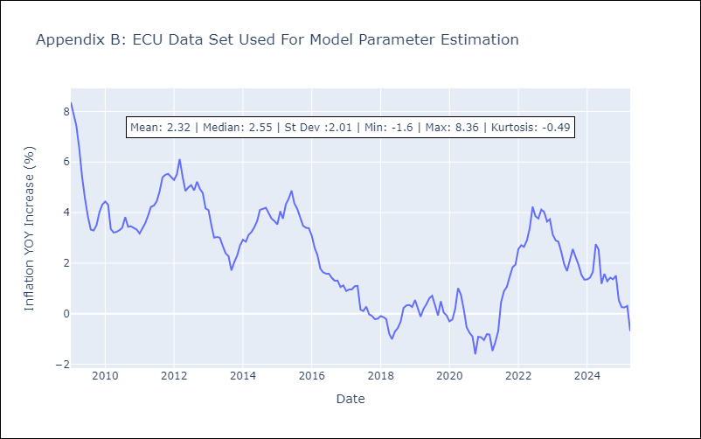

Appendix C: Residuals Analysis
Mean

PER
PER - Inflation - Next 12 months forecast as of: 2025-04-01

Model | Random Forest - [(3, 2, 0), (3, 0, 0, 12)]
Training Data | 1994-01-01 to 2024-05-01
Test Data | 2024-05-01 to 2025-04-01

Date | Inflation Change YoY % | Lower Bound - 95% Confidence Interval | Upper Bound - 95% Confidence Interval
2025-05-01 | 3.09 | 1.53 | 3.15
2025-06-01 | 3.08 | 3.26 | 6.94
2025-07-01 | 3.08 | 2.15 | 6.51
2025-08-01 | 3.07 | 0.41 | 2.2
2025-09-01 | 2.96 | 2.01 | 2.82
2025-10-01 | 2.85 | 2.46 | 4
2025-11-01 | 2.88 | 2.51 | 3.44
2025-12-01 | 2.95 | 2.71 | 3.62
2026-01-01 | 2.99 | 2.49 | 3.53
2026-02-01 | 2.95 | 2.79 | 3.67
2026-03-01 | 2.92 | 2.51 | 3.55
2026-04-01 | 2.9 | 2.24 | 3.66

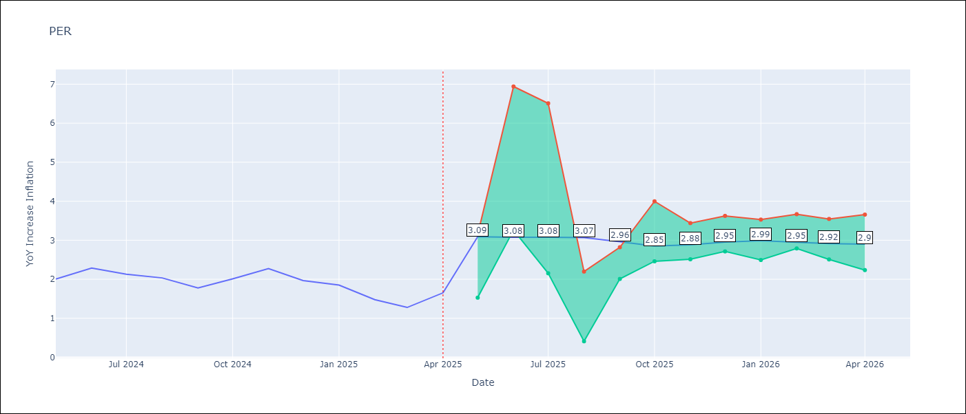

Test Metrics
RMSE | 1.02
Naive RMSE | 0.26
MAPE | 57.02%

Test Predictions
Date | Predicted | Actual
2024-05-01 | 2.79 | 2
2024-06-01 | 2.94 | 2.29
2024-07-01 | 3.05 | 2.13
2024-08-01 | 3.03 | 2.03
2024-09-01 | 3 | 1.78
2024-10-01 | 2.97 | 2.01
2024-11-01 | 2.99 | 2.27
2024-12-01 | 2.96 | 1.97
2025-01-01 | 2.79 | 1.85
2025-02-01 | 2.66 | 1.48
2025-03-01 | 2.71 | 1.28
2025-04-01 | 2.81 | 1.65

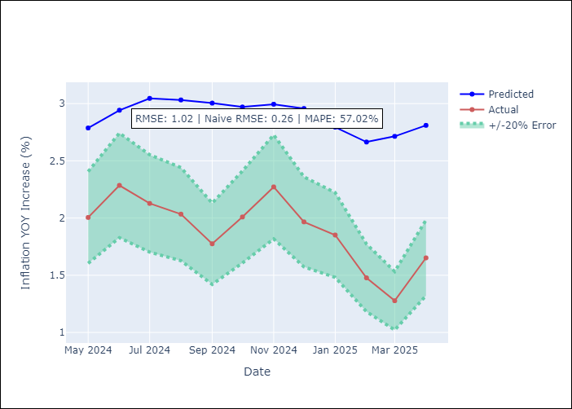

Appendix A: Model Summary
Model | Random Forest
Sample | 1994-01-01 to 2025-04-01
No. of Observations | 376
Terms | P-value (Statistical significance)

Assumptions | P-value

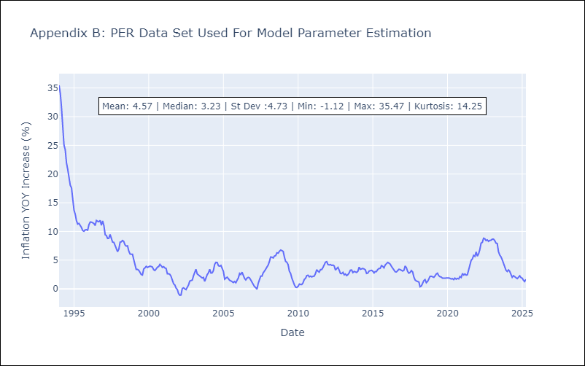

Appendix C: Residuals Analysis
Mean

PRY
PRY - Inflation - Next 12 months forecast as of: 2025-04-01

Model | Random Forest - [(2, 1, 1), (1, 0, 1, 12)]
Training Data | 1995-12-01 to 2024-05-01
Test Data | 2024-05-01 to 2025-04-01

Date | Inflation Change YoY % | Lower Bound - 95% Confidence Interval | Upper Bound - 95% Confidence Interval
2025-05-01 | 3.79 | 2.81 | 3.82
2025-06-01 | 4.03 | 3.05 | 4.16
2025-07-01 | 4.08 | 3.07 | 3.89
2025-08-01 | 4.05 | 3.34 | 4.23
2025-09-01 | 3.99 | 2.98 | 3.81
2025-10-01 | 3.94 | 3.38 | 4.34
2025-11-01 | 3.84 | 2.94 | 3.78
2025-12-01 | 3.58 | 3.31 | 4.26
2026-01-01 | 3.53 | 2.83 | 3.78
2026-02-01 | 3.55 | 3.28 | 4.31
2026-03-01 | 3.63 | 2.96 | 3.76
2026-04-01 | 3.69 | 3.25 | 4.29

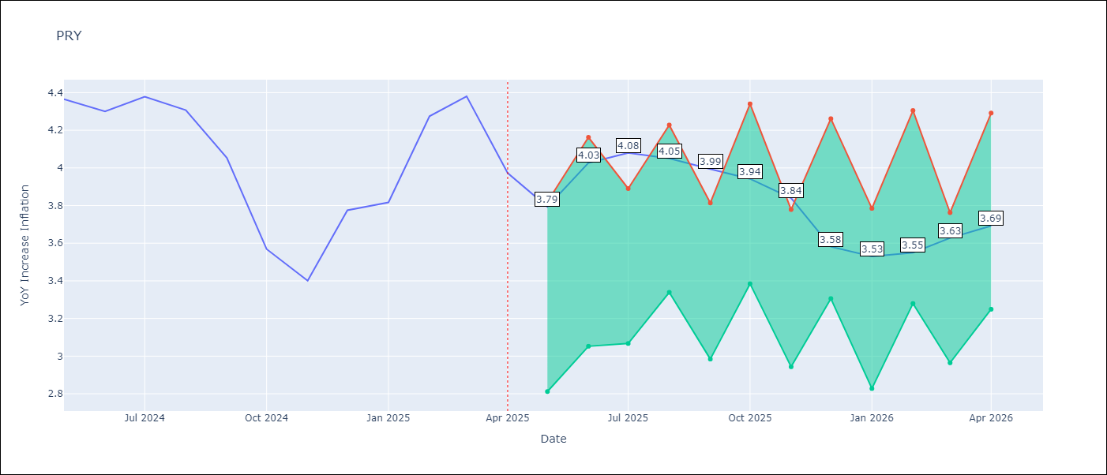

Test Metrics
RMSE | 0.55
Naive RMSE | 0.28
MAPE | 11.74%

Test Predictions
Date | Predicted | Actual
2024-05-01 | 3.74 | 4.36
2024-06-01 | 3.61 | 4.3
2024-07-01 | 3.49 | 4.38
2024-08-01 | 3.53 | 4.31
2024-09-01 | 3.62 | 4.05
2024-10-01 | 3.55 | 3.57
2024-11-01 | 3.56 | 3.4
2024-12-01 | 3.54 | 3.78
2025-01-01 | 3.57 | 3.82
2025-02-01 | 3.63 | 4.27
2025-03-01 | 3.62 | 4.38
2025-04-01 | 3.67 | 3.97

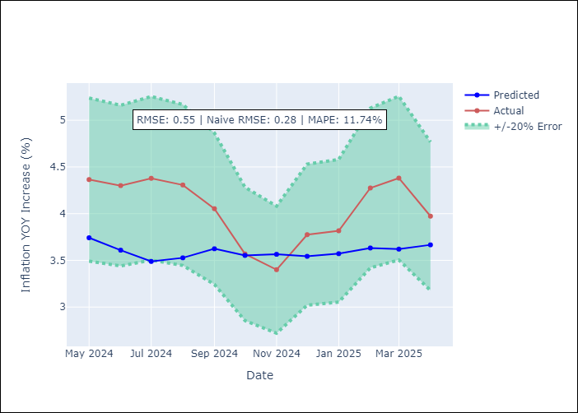

Appendix A: Model Summary
Model | Random Forest
Sample | 1995-12-01 to 2025-04-01
No. of Observations | 353
Terms | P-value (Statistical significance)

Assumptions | P-value



Appendix C: Residuals Analysis
Mean

URY
URY - Inflation - Next 12 months forecast as of: 2025-04-01

Model | Random Forest - [(0, 2, 1), (3, 0, 0, 12)]
Training Data | 1992-01-01 to 2024-05-01
Test Data | 2024-05-01 to 2025-04-01

Date | Inflation Change YoY % | Lower Bound - 95% Confidence Interval | Upper Bound - 95% Confidence Interval
2025-05-01 | 6.58 | 4.09 | 8.3
2025-06-01 | 6.32 | 7.68 | 13.53
2025-07-01 | 6.2 | 5.32 | 8.74
2025-08-01 | 6.25 | 6.69 | 7.8
2025-09-01 | 6.42 | 7.03 | 8.18
2025-10-01 | 6.7 | 8.18 | 9.6
2025-11-01 | 6.81 | 7.14 | 8.84
2025-12-01 | 6.79 | 8.34 | 9.62
2026-01-01 | 6.78 | 7.65 | 9.57
2026-02-01 | 6.68 | 7.71 | 9.64
2026-03-01 | 6.63 | 6.53 | 9.81
2026-04-01 | 6.7 | 5.93 | 7.62

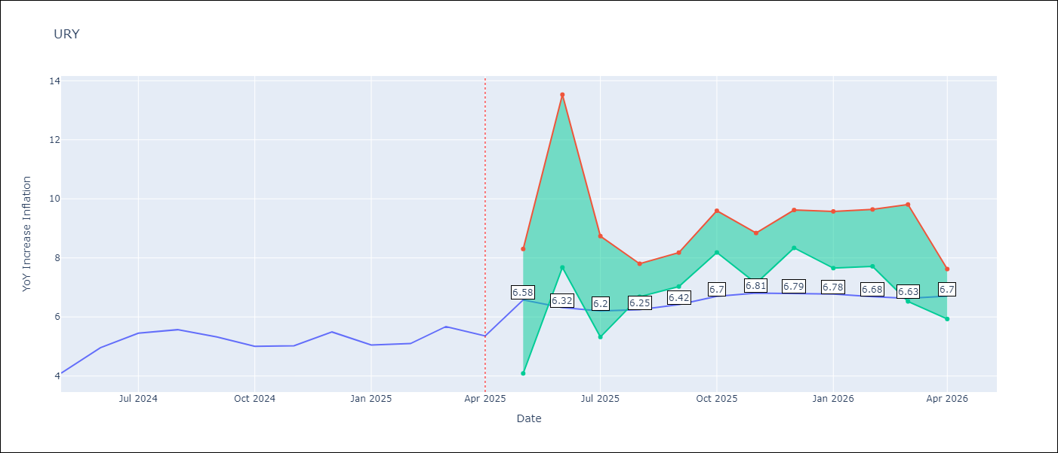

Test Metrics
RMSE | 3.64
Naive RMSE | 0.43
MAPE | 50.93%

Test Predictions
Date | Predicted | Actual
2024-05-01 | 4.37 | 4.1
2024-06-01 | 4.68 | 4.96
2024-07-01 | 4.98 | 5.45
2024-08-01 | 5.3 | 5.57
2024-09-01 | 5.68 | 5.32
2024-10-01 | 6.01 | 5.01
2024-11-01 | 6.53 | 5.03
2024-12-01 | 7.36 | 5.49
2025-01-01 | 8.65 | 5.05
2025-02-01 | 10.37 | 5.1
2025-03-01 | 12.39 | 5.67
2025-04-01 | 13.47 | 5.36

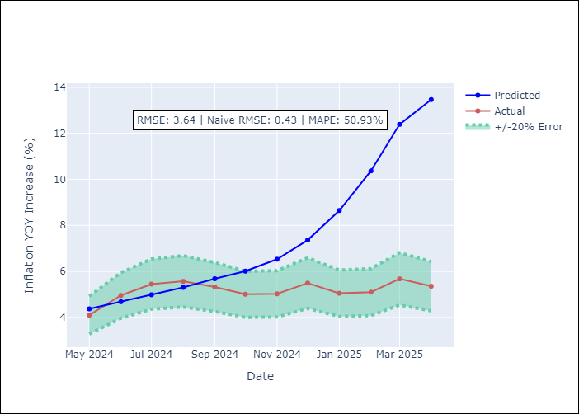

Appendix A: Model Summary
Model | Random Forest
Sample | 1992-01-01 to 2025-04-01
No. of Observations | 400
Terms | P-value (Statistical significance)

Assumptions | P-value

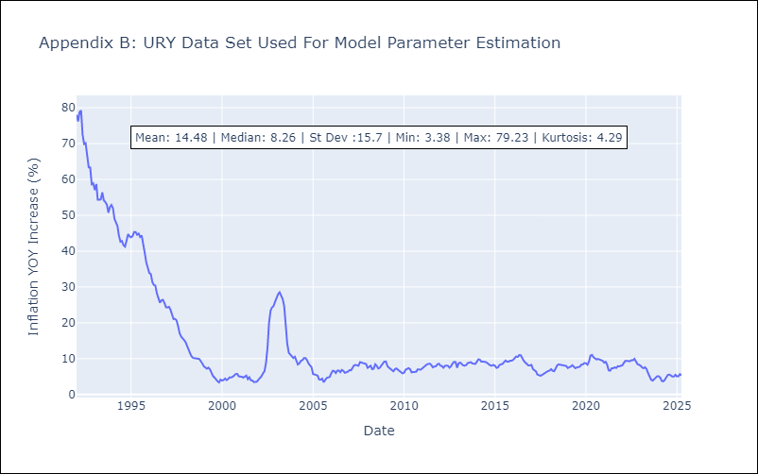

Appendix C: Residuals Analysis
Mean

VEN
VEN - Inflation - Next 12 months forecast as of: 2016-12-01

Model | Random Forest - [(3, 0, 0), (0, 0, 0, 12)]
Training Data | 2013-01-01 to 2016-01-01
Test Data | 2016-01-01 to 2016-12-01

Date | Inflation Change YoY % | Lower Bound - 95% Confidence Interval | Upper Bound - 95% Confidence Interval
2017-01-01 | 172.02 | 156.03 | 290.37
2017-02-01 | 179.48 | 160.4 | 289.34
2017-03-01 | 188.68 | 161.83 | 289.46
2017-04-01 | 200.52 | 156.9 | 289.32
2017-05-01 | 219 | 152.71 | 289.7
2017-06-01 | 245.17 | 161.45 | 289.35
2017-07-01 | 274.05 | 159.37 | 288.95
2017-08-01 | 282.19 | 161.01 | 289.86
2017-09-01 | 276.75 | 158.42 | 289.45
2017-10-01 | 269.71 | 167.03 | 291.51
2017-11-01 | 259.74 | 159.06 | 289.17
2017-12-01 | 256.64 | 158.6 | 289.41

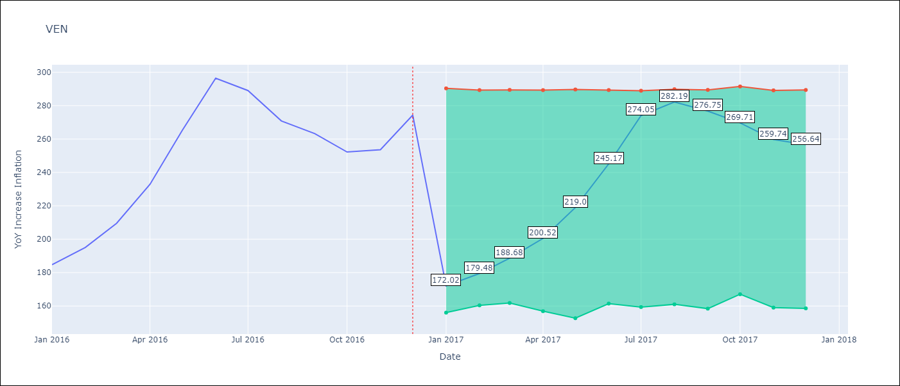

Test Metrics
RMSE | 25.58
Naive RMSE | 18.77
MAPE | 17.71%

Test Predictions
Date | Predicted | Actual
2016-01-01 | 172.02 | 184.76
2016-02-01 | 179.48 | 195.13
2016-03-01 | 188.68 | 209.56
2016-04-01 | 200.52 | 232.92
2016-05-01 | 219 | 265.24
2016-06-01 | 245.17 | 296.44
2016-07-01 | 274.05 | 289.06
2016-08-01 | 282.19 | 270.87
2016-09-01 | 276.75 | 263.24
2016-10-01 | 269.71 | 252.27
2016-11-01 | 259.74 | 253.65
2016-12-01 | 256.64 | 274.35

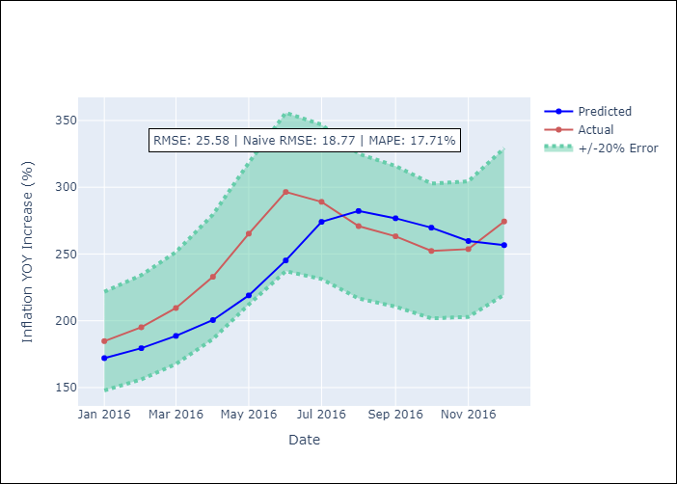

Appendix A: Model Summary
Model | Random Forest
Sample | 2013-01-01 to 2016-12-01
No. of Observations | 48
Terms | P-value (Statistical significance)

Assumptions | P-value

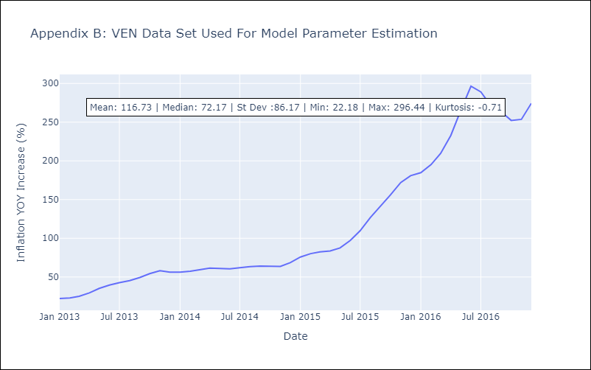

Appendix C: Residuals Analysis
Mean

