ARG
ARG - Inflation - Next 12 months forecast as of: 2025-04-01

Model | Random Forest - [(2, 2, 2), (0, 0, 1, 12)]
Training Data | 2007-01-01 to 2024-05-01
Test Data | 2024-05-01 to 2025-04-01

Date | Inflation Change YoY % | Lower Bound - 95% Confidence Interval | Upper Bound - 95% Confidence Interval
2025-05-01 | 246.06 | 79.31 | 174.84
2025-06-01 | 255.94 | 124.18 | 269.13
2025-07-01 | 261.25 | 93.84 | 277.74
2025-08-01 | 262.84 | 114.63 | 259.91
2025-09-01 | 258.3 | 103.19 | 274.87
2025-10-01 | 247.35 | 114.2 | 265.56
2025-11-01 | 234.6 | 101.11 | 275.55
2025-12-01 | 217.16 | 103.26 | 267.27
2026-01-01 | 190.35 | 104.7 | 268.57
2026-02-01 | 161.83 | 103.04 | 267.25
2026-03-01 | 136.35 | 106.23 | 269.77
2026-04-01 | 114.46 | 103.66 | 270.77

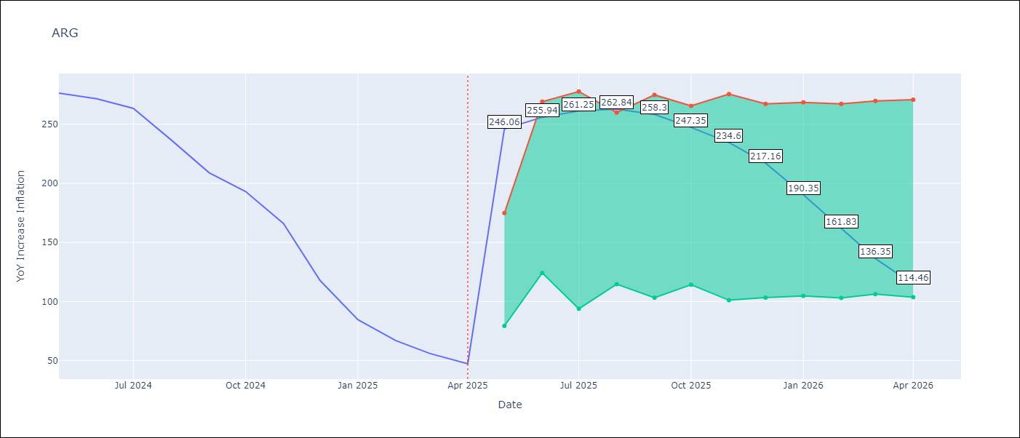

Test Metrics
RMSE | 40.39
Naive RMSE | 24.3
MAPE | 102.31%

Test Predictions
Date | Predicted | Actual
2024-05-01 | 281.88 | 276.41
2024-06-01 | 280.07 | 271.53
2024-07-01 | 276.04 | 263.45
2024-08-01 | 269.75 | 236.72
2024-09-01 | 252.5 | 209
2024-10-01 | 229.63 | 192.99
2024-11-01 | 210.17 | 166.03
2024-12-01 | 186.69 | 117.76
2025-01-01 | 150.2 | 84.54
2025-02-01 | 115.16 | 66.87
2025-03-01 | 89.12 | 55.93
2025-04-01 | 70.55 | 47.26

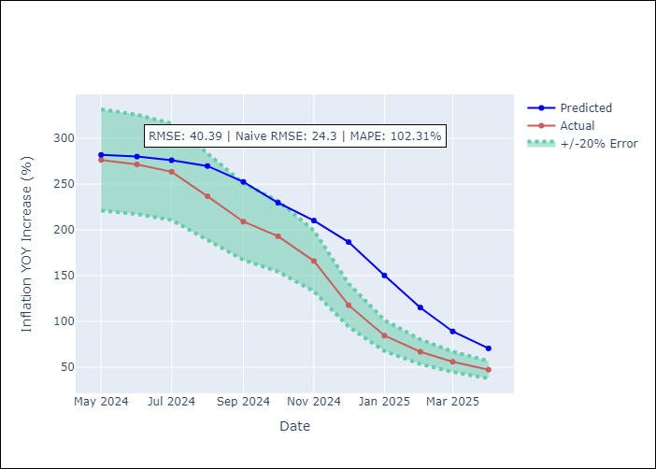

Appendix A: Model Summary
Model | Random Forest
Sample | 2007-01-01 to 2025-04-01
No. of Observations | 220
Terms | P-value (Statistical significance)

Assumptions | P-value

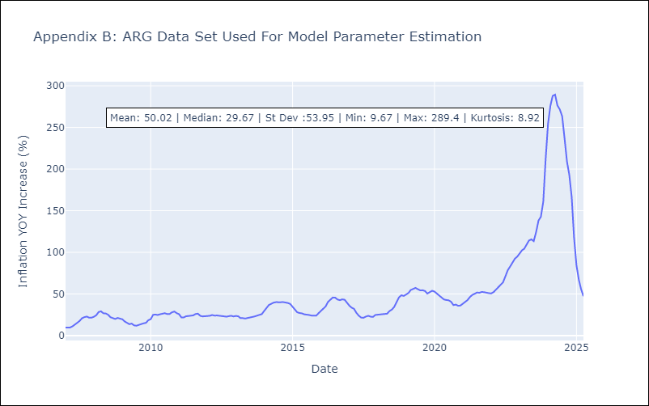

Appendix C: Residuals Analysis
Mean

BOL
BOL - Inflation - Next 12 months forecast as of: 2025-04-01

Model | Random Forest - [(1, 1, 2), (0, 0, 2, 12)]
Training Data | 2021-01-01 to 2024-05-01
Test Data | 2024-05-01 to 2025-04-01

Date | Inflation Change YoY % | Lower Bound - 95% Confidence Interval | Upper Bound - 95% Confidence Interval
2025-05-01 | 2.51 | 2.2 | 10.77
2025-06-01 | 2.73 | 2.48 | 11.71
2025-07-01 | 3.06 | 2.38 | 11.13
2025-08-01 | 3.24 | 2.43 | 11.66
2025-09-01 | 3.72 | 2.42 | 11.51
2025-10-01 | 4.26 | 2.41 | 11.47
2025-11-01 | 5.09 | 2.34 | 11.34
2025-12-01 | 6.04 | 2.43 | 11.41
2026-01-01 | 7.05 | 2.46 | 11.21
2026-02-01 | 8.24 | 2.46 | 11.93
2026-03-01 | 9.48 | 2.39 | 11.51
2026-04-01 | 10.84 | 2.41 | 10.89

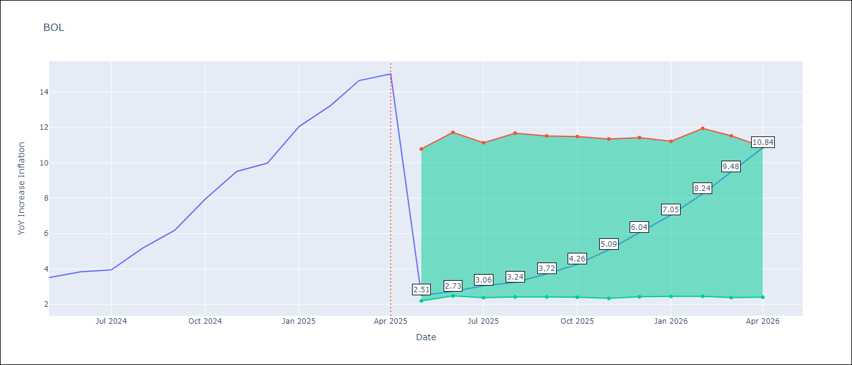

Test Metrics
RMSE | 3.36
Naive RMSE | 1.21
MAPE | 53.72%

Test Predictions
Date | Predicted | Actual
2024-05-01 | 2.72 | 3.52
2024-06-01 | 2.79 | 3.84
2024-07-01 | 3.09 | 3.95
2024-08-01 | 3.2 | 5.19
2024-09-01 | 3.82 | 6.18
2024-10-01 | 4.52 | 7.94
2024-11-01 | 5.53 | 9.51
2024-12-01 | 6.54 | 9.97
2025-01-01 | 7.36 | 12.03
2025-02-01 | 8.49 | 13.22
2025-03-01 | 9.69 | 14.63
2025-04-01 | 11.05 | 15.01

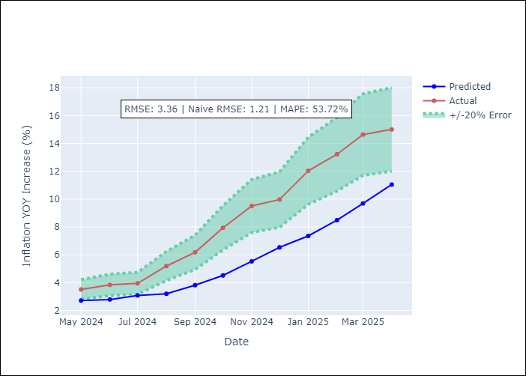

Appendix A: Model Summary
Model | Random Forest
Sample | 2021-01-01 to 2025-04-01
No. of Observations | 52
Terms | P-value (Statistical significance)

Assumptions | P-value

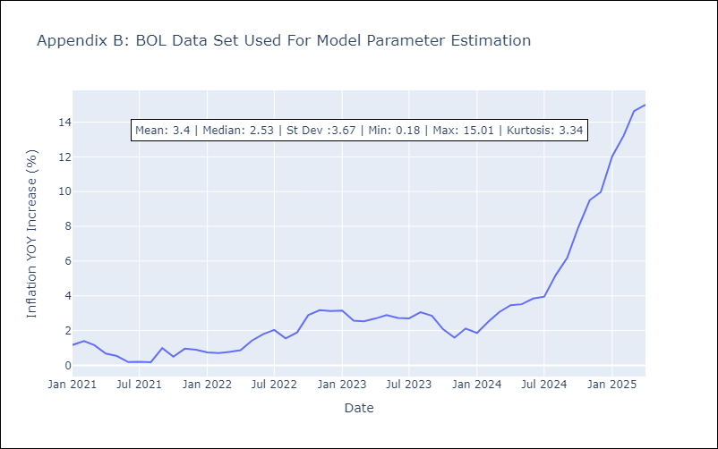

Appendix C: Residuals Analysis
Mean

BRA
BRA - Inflation - Next 12 months forecast as of: 2025-04-01

Model | Random Forest - [(1, 2, 1), (0, 0, 1, 12)]
Training Data | 1998-01-01 to 2024-05-01
Test Data | 2024-05-01 to 2025-04-01

Date | Inflation Change YoY % | Lower Bound - 95% Confidence Interval | Upper Bound - 95% Confidence Interval
2025-05-01 | 6.97 | 5.16 | 6.31
2025-06-01 | 6.89 | 4.58 | 6.62
2025-07-01 | 6.87 | 5.54 | 6.49
2025-08-01 | 6.82 | 5.61 | 7.52
2025-09-01 | 6.77 | 6.71 | 8.69
2025-10-01 | 6.7 | 7.17 | 13.83
2025-11-01 | 6.72 | 5.71 | 14.1
2025-12-01 | 6.8 | 4.15 | 6.59
2026-01-01 | 6.87 | 5.07 | 6.5
2026-02-01 | 6.89 | 5.83 | 7.31
2026-03-01 | 6.92 | 6.14 | 8.32
2026-04-01 | 6.9 | 6.12 | 8.81

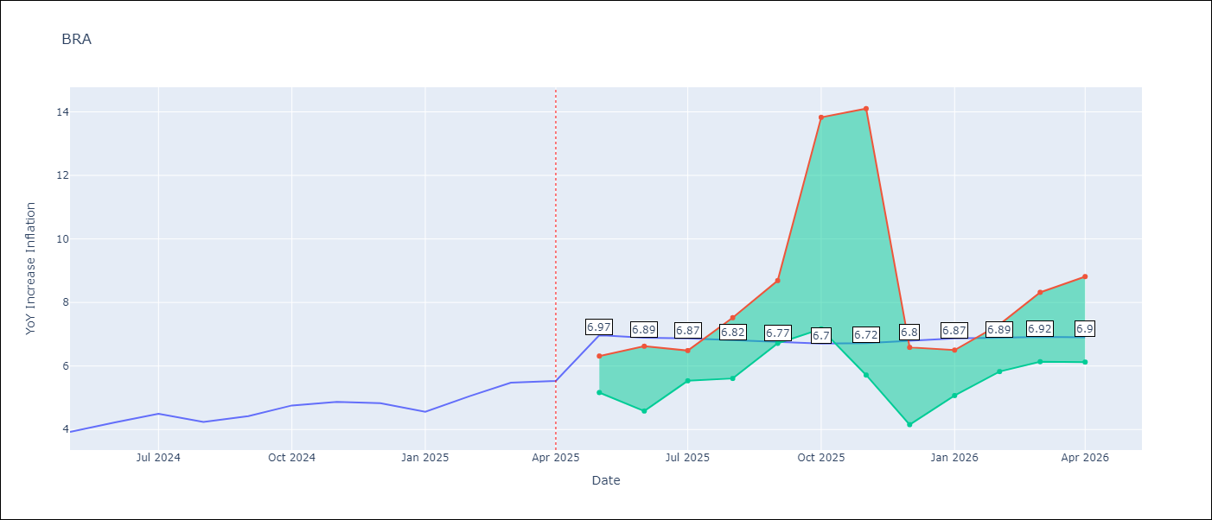

Test Metrics
RMSE | 1.11
Naive RMSE | 0.29
MAPE | 20.69%

Test Predictions
Date | Predicted | Actual
2024-05-01 | 3.74 | 3.93
2024-06-01 | 3.86 | 4.23
2024-07-01 | 3.9 | 4.5
2024-08-01 | 3.79 | 4.24
2024-09-01 | 3.64 | 4.42
2024-10-01 | 3.52 | 4.76
2024-11-01 | 3.41 | 4.87
2024-12-01 | 3.35 | 4.83
2025-01-01 | 3.42 | 4.56
2025-02-01 | 3.6 | 5.06
2025-03-01 | 3.94 | 5.48
2025-04-01 | 4.18 | 5.53

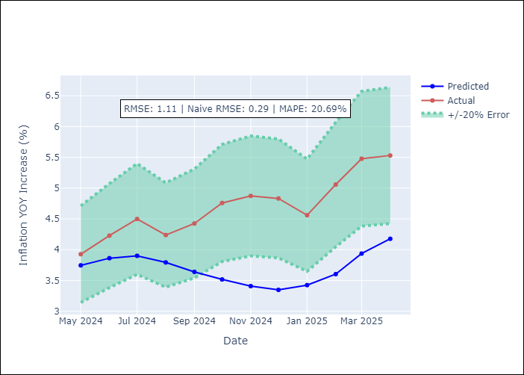

Appendix A: Model Summary
Model | Random Forest
Sample | 1998-01-01 to 2025-04-01
No. of Observations | 328
Terms | P-value (Statistical significance)

Assumptions | P-value



Appendix C: Residuals Analysis
Mean

CHL
CHL - Inflation - Next 12 months forecast as of: 2025-04-01

Model | Random Forest - [(2, 0, 0), (0, 0, 1, 12)]
Training Data | 2012-12-01 to 2024-05-01
Test Data | 2024-05-01 to 2025-04-01

Date | Inflation Change YoY % | Lower Bound - 95% Confidence Interval | Upper Bound - 95% Confidence Interval
2025-05-01 | 10.05 | 3.12 | 4.44
2025-06-01 | 9.19 | 2.61 | 6.46
2025-07-01 | 8.37 | 2.87 | 4.51
2025-08-01 | 7.65 | 2.47 | 6.22
2025-09-01 | 6.98 | 3.29 | 5.29
2025-10-01 | 6.33 | 2.28 | 4.12
2025-11-01 | 5.72 | 1.83 | 2.79
2025-12-01 | 5.36 | 2.29 | 2.94
2026-01-01 | 5 | 2.57 | 3.5
2026-02-01 | 4.69 | 3.02 | 8.89
2026-03-01 | 4.49 | 7.06 | 13.57
2026-04-01 | 4.32 | 4.24 | 10.67

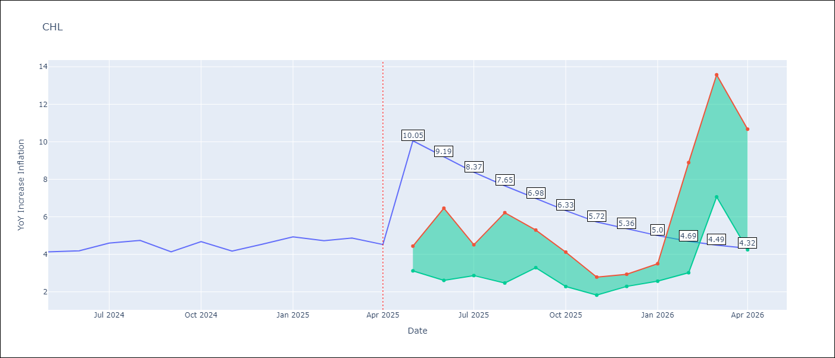

Test Metrics
RMSE | 0.24
Naive RMSE | 0.38
MAPE | 5.96%

Test Predictions
Date | Predicted | Actual
2024-05-01 | 4.28 | 4.13
2024-06-01 | 4.3 | 4.19
2024-07-01 | 4.34 | 4.6
2024-08-01 | 4.43 | 4.74
2024-09-01 | 4.49 | 4.13
2024-10-01 | 4.43 | 4.68
2024-11-01 | 4.51 | 4.17
2024-12-01 | 4.51 | 4.53
2025-01-01 | 4.6 | 4.94
2025-02-01 | 4.67 | 4.73
2025-03-01 | 4.67 | 4.87
2025-04-01 | 4.66 | 4.52

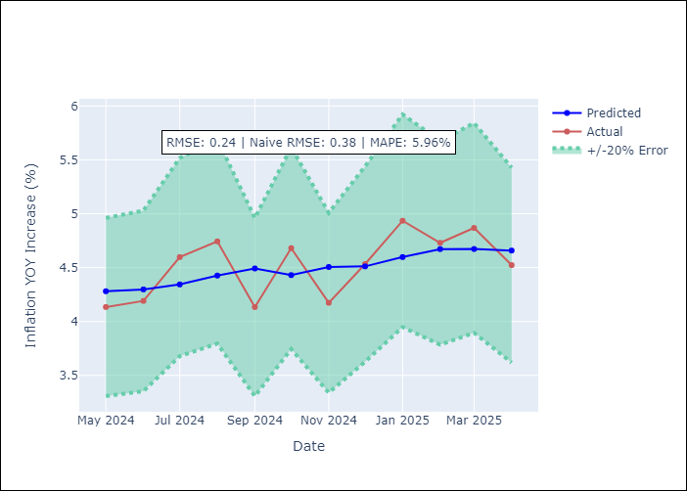

Appendix A: Model Summary
Model | Random Forest
Sample | 2012-12-01 to 2025-04-01
No. of Observations | 149
Terms | P-value (Statistical significance)

Assumptions | P-value



Appendix C: Residuals Analysis
Mean

COL
COL - Inflation - Next 12 months forecast as of: 2025-04-01

Model | Random Forest - [(1, 0, 1), (0, 0, 0, 12)]
Training Data | 2006-01-01 to 2024-05-01
Test Data | 2024-05-01 to 2025-04-01

Date | Inflation Change YoY % | Lower Bound - 95% Confidence Interval | Upper Bound - 95% Confidence Interval
2025-05-01 | 3.56 | 4.95 | 7.42
2025-06-01 | 3.46 | 2.2 | 6.35
2025-07-01 | 3.48 | 1.93 | 3.17
2025-08-01 | 3.37 | 2.97 | 4.19
2025-09-01 | 3.28 | 2.23 | 3.9
2025-10-01 | 3.19 | 2.01 | 3.17
2025-11-01 | 3.07 | 2.38 | 3.89
2025-12-01 | 2.89 | 3 | 4.98
2026-01-01 | 2.77 | 3.56 | 6.32
2026-02-01 | 2.75 | 5.28 | 7.28
2026-03-01 | 2.79 | 3.4 | 7.23
2026-04-01 | 2.83 | 2.55 | 3.9

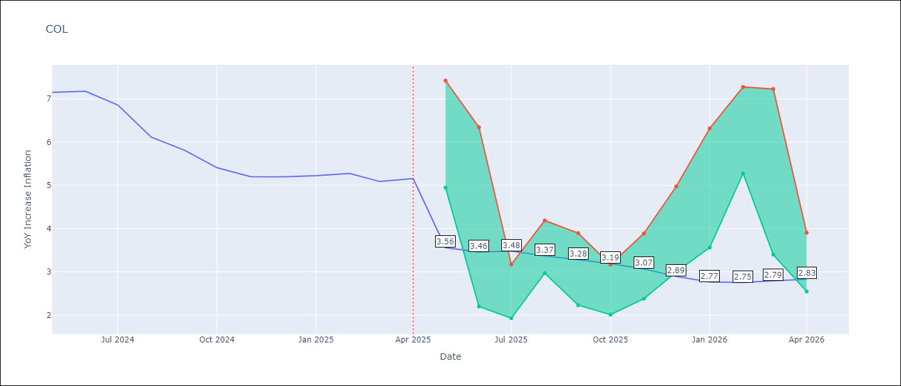

Test Metrics
RMSE | 1.23
Naive RMSE | 0.3
MAPE | 21.58%

Test Predictions
Date | Predicted | Actual
2024-05-01 | 5.83 | 7.15
2024-06-01 | 5.58 | 7.18
2024-07-01 | 5.3 | 6.86
2024-08-01 | 5.03 | 6.12
2024-09-01 | 4.63 | 5.81
2024-10-01 | 4.42 | 5.41
2024-11-01 | 4.17 | 5.2
2024-12-01 | 4.05 | 5.2
2025-01-01 | 3.97 | 5.22
2025-02-01 | 4.07 | 5.27
2025-03-01 | 4.07 | 5.09
2025-04-01 | 3.98 | 5.16

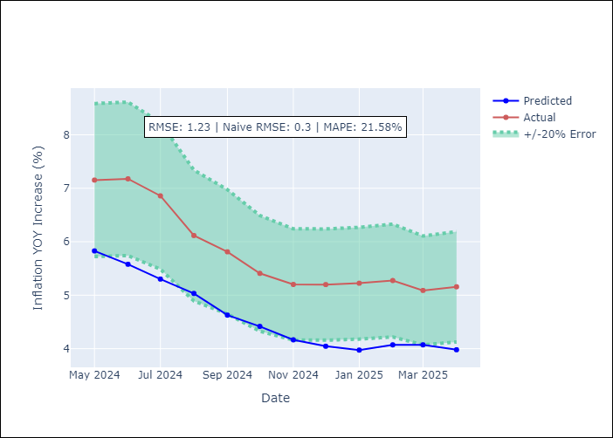

Appendix A: Model Summary
Model | Random Forest
Sample | 2006-01-01 to 2025-04-01
No. of Observations | 232
Terms | P-value (Statistical significance)

Assumptions | P-value

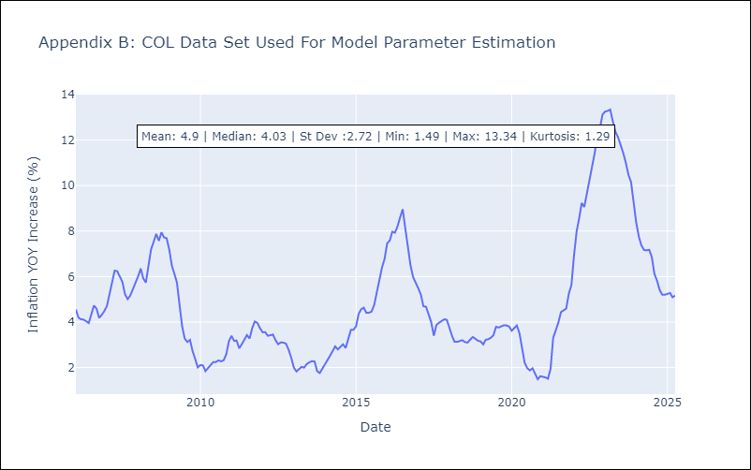

Appendix C: Residuals Analysis
Mean

ECU
ECU - Inflation - Next 12 months forecast as of: 2025-04-01

Model | Random Forest - [(2, 1, 1), (3, 0, 0, 12)]
Training Data | 2009-01-01 to 2024-05-01
Test Data | 2024-05-01 to 2025-04-01

Date | Inflation Change YoY % | Lower Bound - 95% Confidence Interval | Upper Bound - 95% Confidence Interval
2025-05-01 | 0.08 | -0.61 | 0.32
2025-06-01 | 0.03 | -0.01 | 1.39
2025-07-01 | -0.16 | -0.81 | 0.27
2025-08-01 | -0.2 | -0.76 | 1.66
2025-09-01 | -0.16 | -0.17 | 2.61
2025-10-01 | -0.09 | -0.72 | 0.57
2025-11-01 | -0.04 | -0.68 | 0.52
2025-12-01 | 0.04 | -0.14 | 1.09
2026-01-01 | -0.14 | -0.88 | 0.6
2026-02-01 | -0.38 | -0.53 | 0.88
2026-03-01 | -0.69 | -0.26 | 1.81
2026-04-01 | -0.72 | -0.73 | 0.29

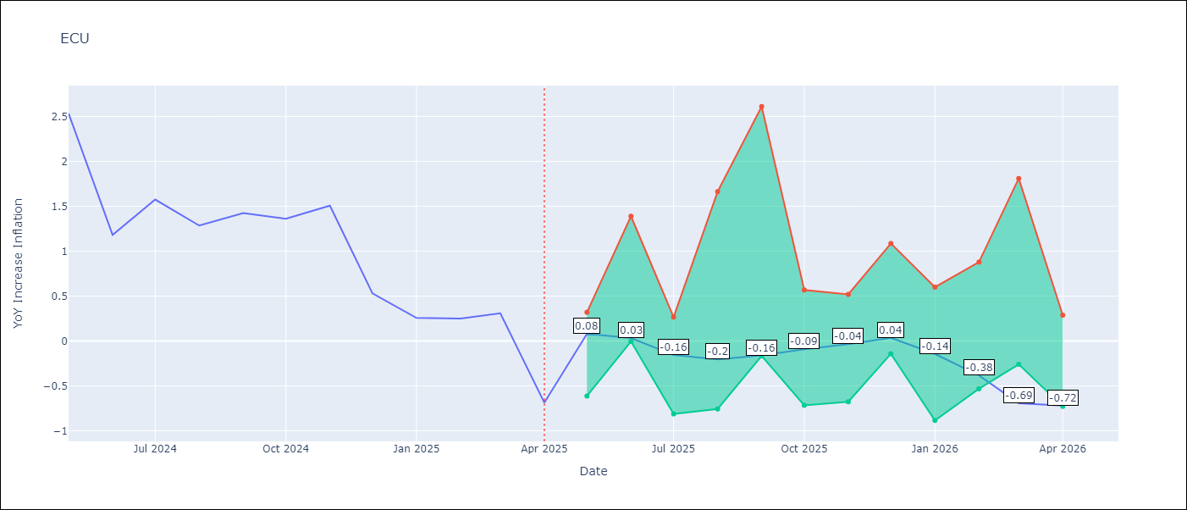

Test Metrics
RMSE | 2.68
Naive RMSE | 0.61
MAPE | 472.63%

Test Predictions
Date | Predicted | Actual
2024-05-01 | 2.96 | 2.53
2024-06-01 | 3.07 | 1.18
2024-07-01 | 3.17 | 1.57
2024-08-01 | 3.35 | 1.28
2024-09-01 | 3.6 | 1.42
2024-10-01 | 3.74 | 1.36
2024-11-01 | 3.77 | 1.51
2024-12-01 | 3.75 | 0.53
2025-01-01 | 3.72 | 0.26
2025-02-01 | 3.6 | 0.25
2025-03-01 | 3.49 | 0.31
2025-04-01 | 3.39 | -0.69

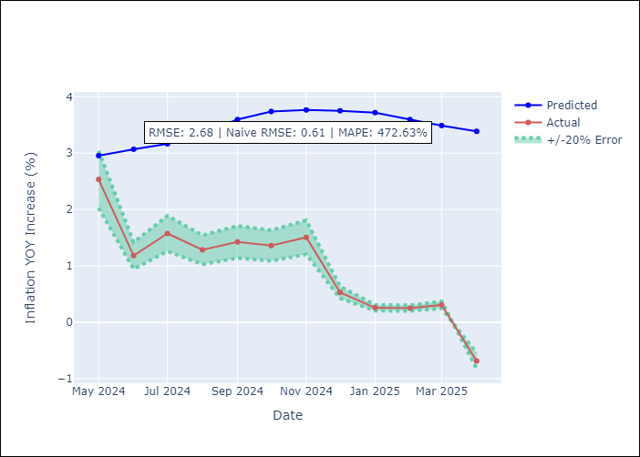

Appendix A: Model Summary
Model | Random Forest
Sample | 2009-01-01 to 2025-04-01
No. of Observations | 196
Terms | P-value (Statistical significance)

Assumptions | P-value

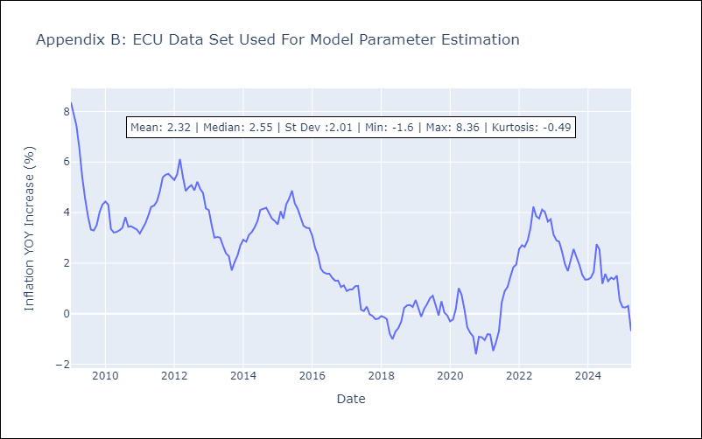

Appendix C: Residuals Analysis
Mean

PER
PER - Inflation - Next 12 months forecast as of: 2025-04-01

Model | Random Forest - [(3, 2, 0), (3, 0, 0, 12)]
Training Data | 1994-01-01 to 2024-05-01
Test Data | 2024-05-01 to 2025-04-01

Date | Inflation Change YoY % | Lower Bound - 95% Confidence Interval | Upper Bound - 95% Confidence Interval
2025-05-01 | 3.15 | 1.55 | 3.26
2025-06-01 | 3.05 | 2.99 | 5.9
2025-07-01 | 3.05 | 2.22 | 5.25
2025-08-01 | 3.04 | 1.7 | 3.2
2025-09-01 | 3.03 | 3.03 | 3.81
2025-10-01 | 3.01 | 2.75 | 3.54
2025-11-01 | 3 | 2.5 | 3.73
2025-12-01 | 3.11 | 2.7 | 3.53
2026-01-01 | 3.17 | 2.23 | 3.54
2026-02-01 | 3.19 | 2.34 | 3.59
2026-03-01 | 3.18 | 2.77 | 3.67
2026-04-01 | 3.15 | 2.09 | 3.66

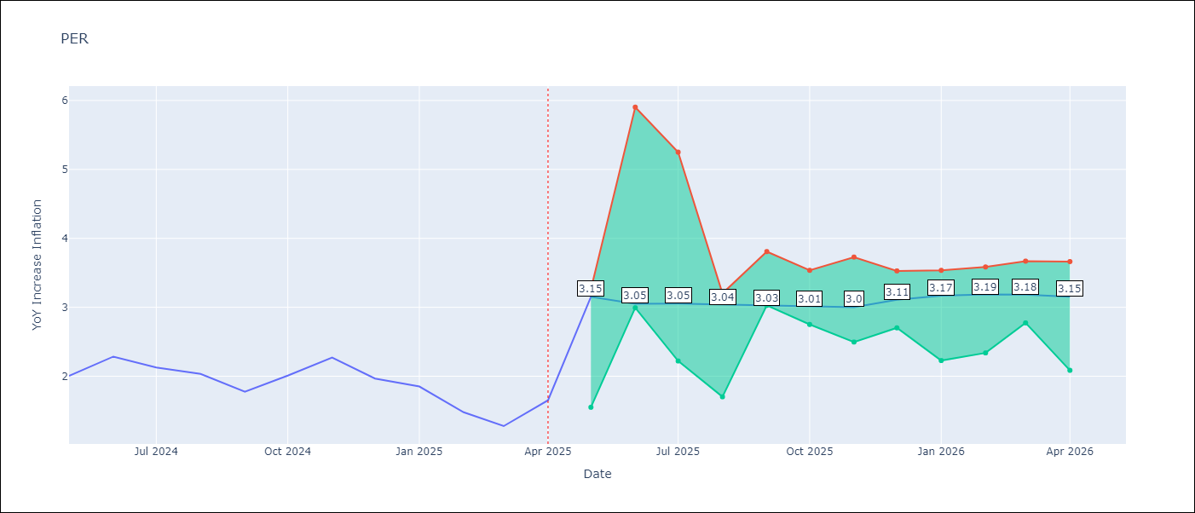

Test Metrics
RMSE | 1.22
Naive RMSE | 0.26
MAPE | 67.47%

Test Predictions
Date | Predicted | Actual
2024-05-01 | 2.79 | 2
2024-06-01 | 3.04 | 2.29
2024-07-01 | 3.2 | 2.13
2024-08-01 | 3.23 | 2.03
2024-09-01 | 3.18 | 1.78
2024-10-01 | 3.21 | 2.01
2024-11-01 | 3.22 | 2.27
2024-12-01 | 3.19 | 1.97
2025-01-01 | 3.04 | 1.85
2025-02-01 | 2.9 | 1.48
2025-03-01 | 2.93 | 1.28
2025-04-01 | 3.1 | 1.65

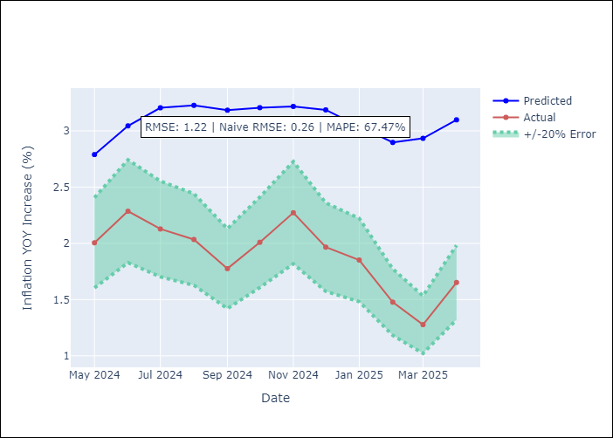

Appendix A: Model Summary
Model | Random Forest
Sample | 1994-01-01 to 2025-04-01
No. of Observations | 376
Terms | P-value (Statistical significance)

Assumptions | P-value

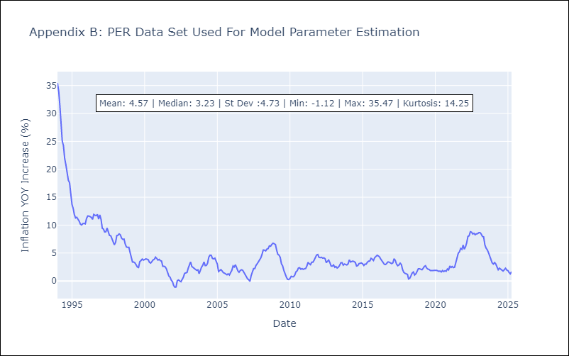

Appendix C: Residuals Analysis
Mean

PRY
PRY - Inflation - Next 12 months forecast as of: 2025-04-01

Model | Random Forest - [(2, 1, 1), (1, 0, 1, 12)]
Training Data | 1995-12-01 to 2024-05-01
Test Data | 2024-05-01 to 2025-04-01

Date | Inflation Change YoY % | Lower Bound - 95% Confidence Interval | Upper Bound - 95% Confidence Interval
2025-05-01 | 3.71 | 2.92 | 3.81
2025-06-01 | 3.9 | 3.22 | 4.33
2025-07-01 | 3.95 | 2.96 | 3.82
2025-08-01 | 4.07 | 2.74 | 4.22
2025-09-01 | 4.08 | 3.05 | 3.94
2025-10-01 | 4.1 | 3.32 | 4.2
2025-11-01 | 3.85 | 2.89 | 3.84
2025-12-01 | 3.63 | 3.18 | 4.21
2026-01-01 | 3.59 | 2.99 | 3.91
2026-02-01 | 3.58 | 2.9 | 4.18
2026-03-01 | 3.69 | 2.92 | 3.87
2026-04-01 | 3.67 | 3.35 | 4.2

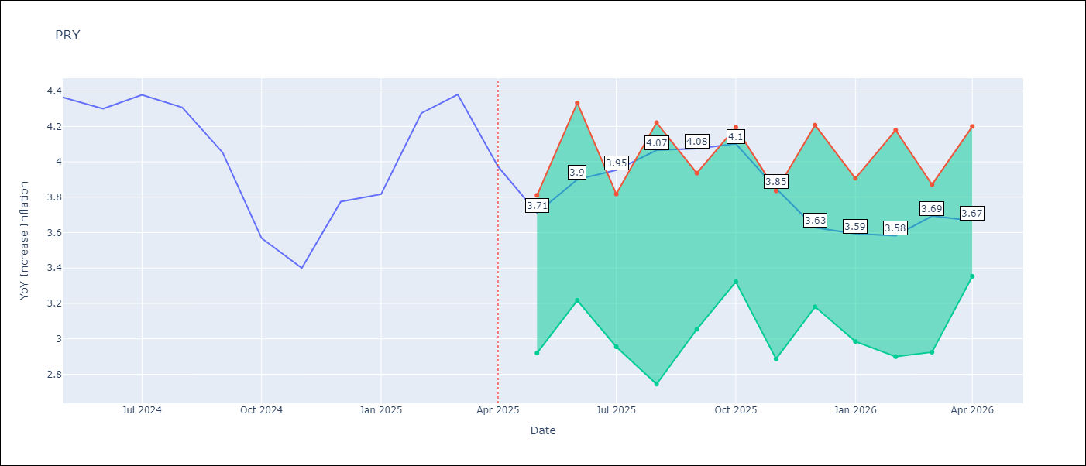

Test Metrics
RMSE | 0.56
Naive RMSE | 0.28
MAPE | 11.58%

Test Predictions
Date | Predicted | Actual
2024-05-01 | 3.65 | 4.36
2024-06-01 | 3.8 | 4.3
2024-07-01 | 3.55 | 4.38
2024-08-01 | 3.58 | 4.31
2024-09-01 | 3.66 | 4.05
2024-10-01 | 3.58 | 3.57
2024-11-01 | 3.72 | 3.4
2024-12-01 | 3.62 | 3.78
2025-01-01 | 3.49 | 3.82
2025-02-01 | 3.54 | 4.27
2025-03-01 | 3.58 | 4.38
2025-04-01 | 3.52 | 3.97

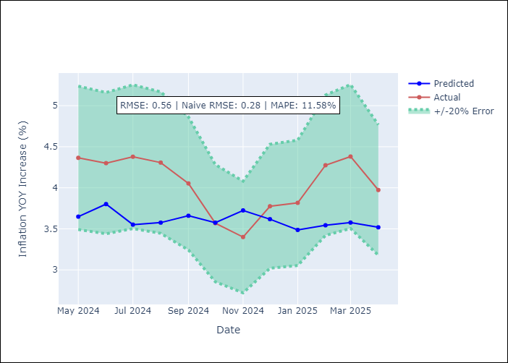

Appendix A: Model Summary
Model | Random Forest
Sample | 1995-12-01 to 2025-04-01
No. of Observations | 353
Terms | P-value (Statistical significance)

Assumptions | P-value



Appendix C: Residuals Analysis
Mean

URY
URY - Inflation - Next 12 months forecast as of: 2025-04-01

Model | Random Forest - [(0, 2, 1), (3, 0, 0, 12)]
Training Data | 1992-01-01 to 2024-05-01
Test Data | 2024-05-01 to 2025-04-01

Date | Inflation Change YoY % | Lower Bound - 95% Confidence Interval | Upper Bound - 95% Confidence Interval
2025-05-01 | 8.7 | 4.14 | 8.22
2025-06-01 | 8.85 | 7.54 | 11.55
2025-07-01 | 8.92 | 5.41 | 9.34
2025-08-01 | 8.82 | 5.9 | 7.58
2025-09-01 | 8.75 | 7.12 | 8.23
2025-10-01 | 8.8 | 7.99 | 9.08
2025-11-01 | 8.79 | 8.15 | 9.07
2025-12-01 | 8.7 | 8.31 | 9.04
2026-01-01 | 8.63 | 8.39 | 9.05
2026-02-01 | 8.58 | 8.31 | 9.06
2026-03-01 | 8.48 | 8.39 | 9.11
2026-04-01 | 8.47 | 8.29 | 9.08

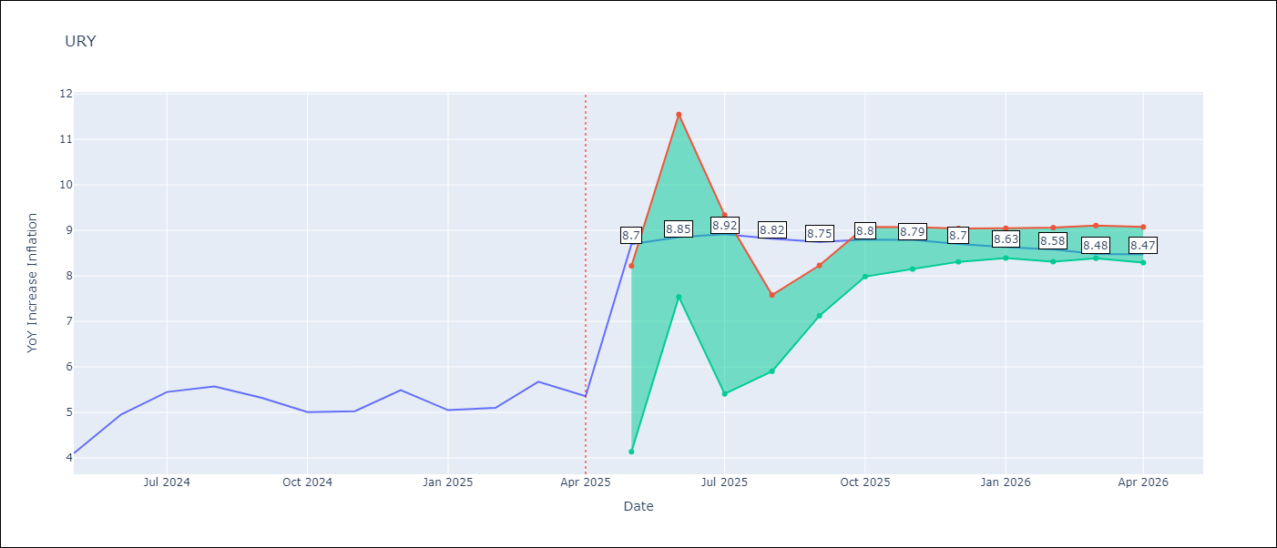

Test Metrics
RMSE | 5.37
Naive RMSE | 0.43
MAPE | 71.85%

Test Predictions
Date | Predicted | Actual
2024-05-01 | 4.14 | 4.1
2024-06-01 | 4.37 | 4.96
2024-07-01 | 4.84 | 5.45
2024-08-01 | 5.37 | 5.57
2024-09-01 | 5.74 | 5.32
2024-10-01 | 6.2 | 5.01
2024-11-01 | 6.81 | 5.03
2024-12-01 | 7.96 | 5.49
2025-01-01 | 9.88 | 5.05
2025-02-01 | 12.82 | 5.1
2025-03-01 | 15.85 | 5.67
2025-04-01 | 17.53 | 5.36

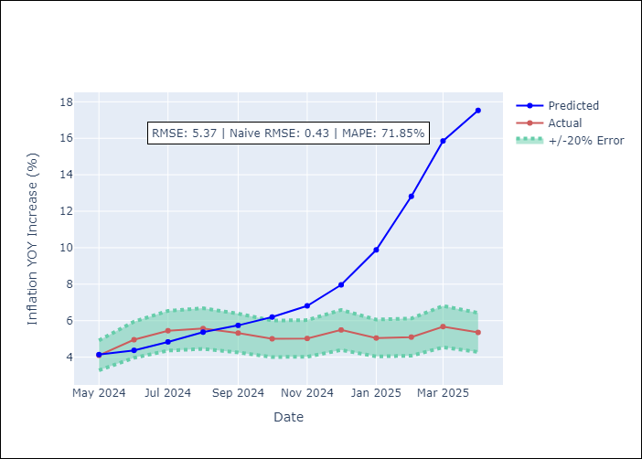

Appendix A: Model Summary
Model | Random Forest
Sample | 1992-01-01 to 2025-04-01
No. of Observations | 400
Terms | P-value (Statistical significance)

Assumptions | P-value

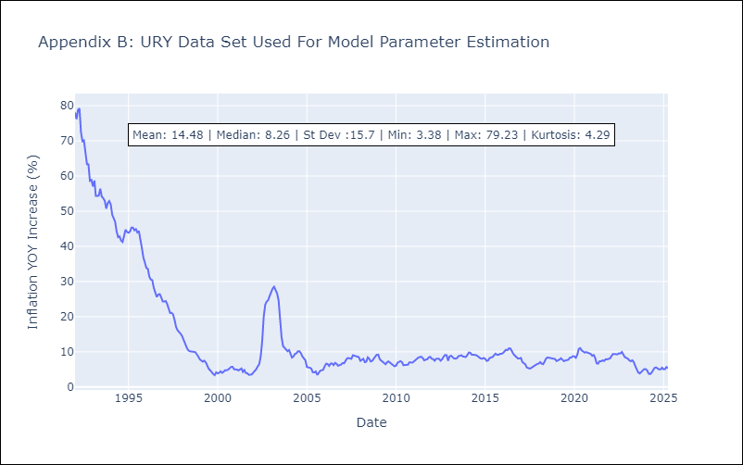

Appendix C: Residuals Analysis
Mean

VEN
VEN - Inflation - Next 12 months forecast as of: 2016-12-01

Model | Random Forest - [(3, 0, 0), (0, 0, 0, 12)]
Training Data | 2013-01-01 to 2016-01-01
Test Data | 2016-01-01 to 2016-12-01

Date | Inflation Change YoY % | Lower Bound - 95% Confidence Interval | Upper Bound - 95% Confidence Interval
2017-01-01 | 172.66 | 160.18 | 289.32
2017-02-01 | 179.76 | 160.05 | 289.08
2017-03-01 | 188.89 | 162.01 | 288.41
2017-04-01 | 201.06 | 156.18 | 288.7
2017-05-01 | 219.96 | 160.55 | 288.62
2017-06-01 | 246.71 | 164.64 | 289
2017-07-01 | 275.87 | 162.09 | 289.97
2017-08-01 | 283.14 | 147.08 | 288.66
2017-09-01 | 275.86 | 161.4 | 290.46
2017-10-01 | 268.5 | 151.39 | 288.13
2017-11-01 | 258.91 | 162.87 | 289.08
2017-12-01 | 256.3 | 155.07 | 289.08

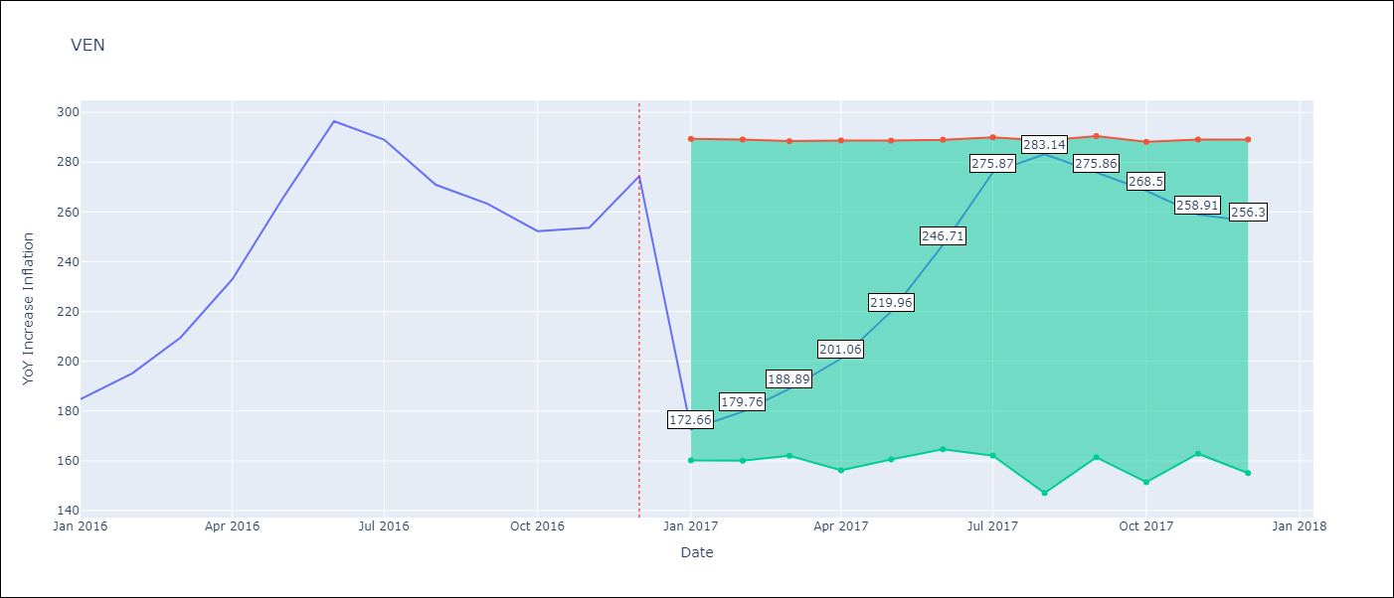

Test Metrics
RMSE | 24.91
Naive RMSE | 18.77
MAPE | 17.67%

Test Predictions
Date | Predicted | Actual
2016-01-01 | 172.66 | 184.76
2016-02-01 | 179.76 | 195.13
2016-03-01 | 188.89 | 209.56
2016-04-01 | 201.06 | 232.92
2016-05-01 | 219.96 | 265.24
2016-06-01 | 246.71 | 296.44
2016-07-01 | 275.87 | 289.06
2016-08-01 | 283.14 | 270.87
2016-09-01 | 275.86 | 263.24
2016-10-01 | 268.5 | 252.27
2016-11-01 | 258.91 | 253.65
2016-12-01 | 256.3 | 274.35

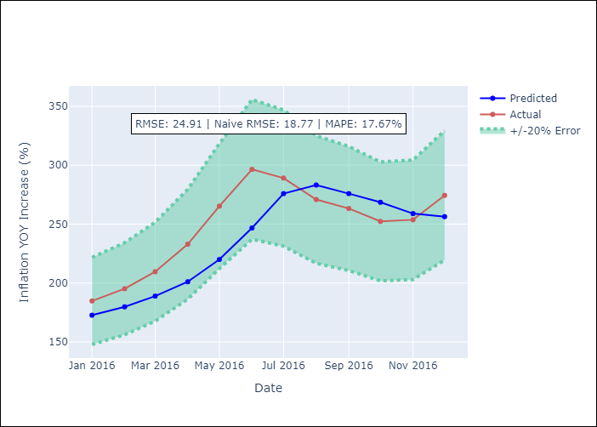

Appendix A: Model Summary
Model | Random Forest
Sample | 2013-01-01 to 2016-12-01
No. of Observations | 48
Terms | P-value (Statistical significance)

Assumptions | P-value

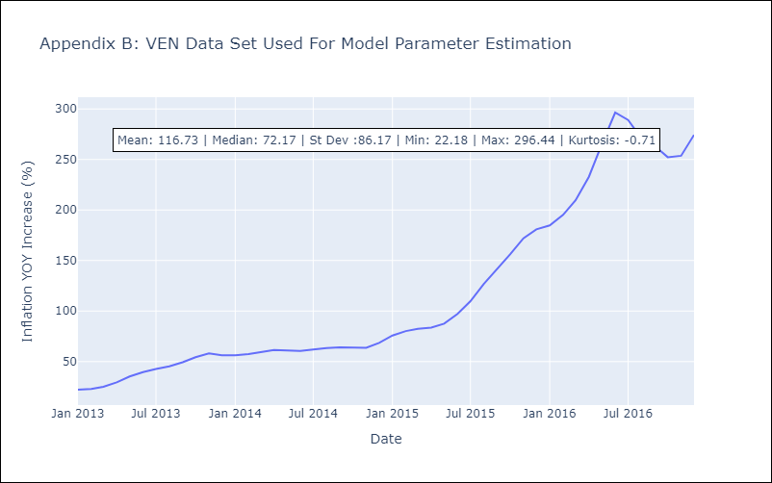

Appendix C: Residuals Analysis
Mean

