ARG
ARG - Inflation - Next 12 months forecast as of: 2025-04-01

Model | Random Forest - [(2, 2, 2), (0, 0, 1, 12)]
Training Data | 2007-01-01 to 2024-05-01
Test Data | 2024-05-01 to 2025-04-01

Date | Inflation Change YoY % | Lower Bound - 95% Confidence Interval | Upper Bound - 95% Confidence Interval
2025-05-01 | 251.87 | 91.65 | 183.02
2025-06-01 | 260.45 | 137.14 | 263.14
2025-07-01 | 265.54 | 90.24 | 275.81
2025-08-01 | 265.02 | 125.87 | 255.64
2025-09-01 | 256.28 | 106.38 | 272.34
2025-10-01 | 243.21 | 114.84 | 269.16
2025-11-01 | 229.03 | 104.64 | 271.54
2025-12-01 | 210.74 | 104.21 | 266.94
2026-01-01 | 184.51 | 108.31 | 266.57
2026-02-01 | 156.02 | 105.42 | 266.84
2026-03-01 | 128.96 | 104.66 | 271.86
2026-04-01 | 106.53 | 108.91 | 271.02

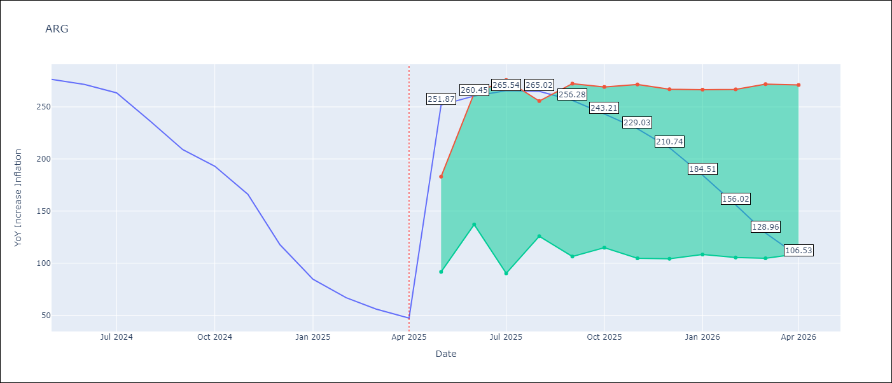

Test Metrics
RMSE | 36.21
Naive RMSE | 24.3
MAPE | 101.01%

Test Predictions
Date | Predicted | Actual
2024-05-01 | 284.25 | 276.41
2024-06-01 | 279.65 | 271.53
2024-07-01 | 275.05 | 263.45
2024-08-01 | 268.29 | 236.72
2024-09-01 | 248.94 | 209
2024-10-01 | 224.91 | 192.99
2024-11-01 | 205.94 | 166.03
2024-12-01 | 181.67 | 117.76
2025-01-01 | 142.73 | 84.54
2025-02-01 | 107.81 | 66.87
2025-03-01 | 83.37 | 55.93
2025-04-01 | 66.43 | 47.26

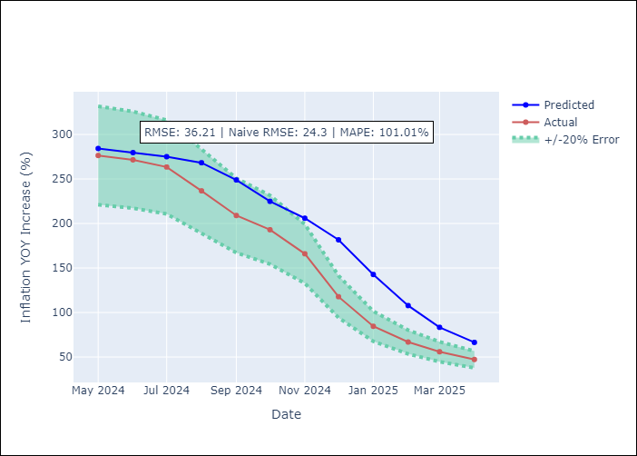

Appendix A: Model Summary
Model | Random Forest
Sample | 2007-01-01 to 2025-04-01
No. of Observations | 220
Terms | P-value (Statistical significance)

Assumptions | P-value

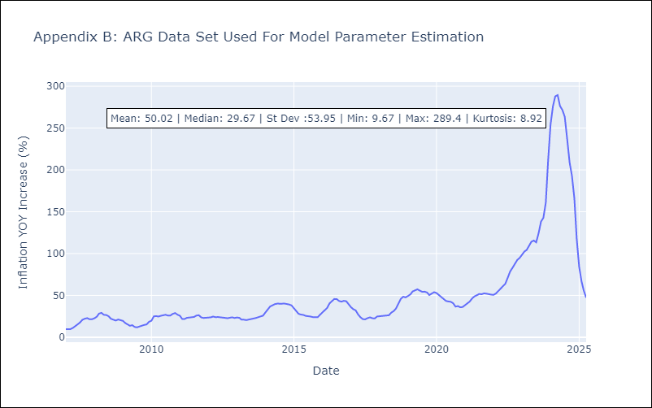

Appendix C: Residuals Analysis
Mean

BOL
BOL - Inflation - Next 12 months forecast as of: 2025-04-01

Model | Random Forest - [(1, 1, 2), (0, 0, 2, 12)]
Training Data | 2021-01-01 to 2024-05-01
Test Data | 2024-05-01 to 2025-04-01

Date | Inflation Change YoY % | Lower Bound - 95% Confidence Interval | Upper Bound - 95% Confidence Interval
2025-05-01 | 2.49 | 2.28 | 11.36
2025-06-01 | 2.66 | 2.36 | 9.46
2025-07-01 | 2.95 | 2.31 | 11.22
2025-08-01 | 3.1 | 2.55 | 11.39
2025-09-01 | 3.61 | 2.23 | 11.25
2025-10-01 | 4.1 | 2.36 | 11.41
2025-11-01 | 4.9 | 2.37 | 11.32
2025-12-01 | 5.8 | 2.44 | 11.42
2026-01-01 | 6.63 | 2.5 | 11.47
2026-02-01 | 7.84 | 2.4 | 11.35
2026-03-01 | 8.96 | 2.41 | 11.08
2026-04-01 | 10.21 | 2.46 | 11.38

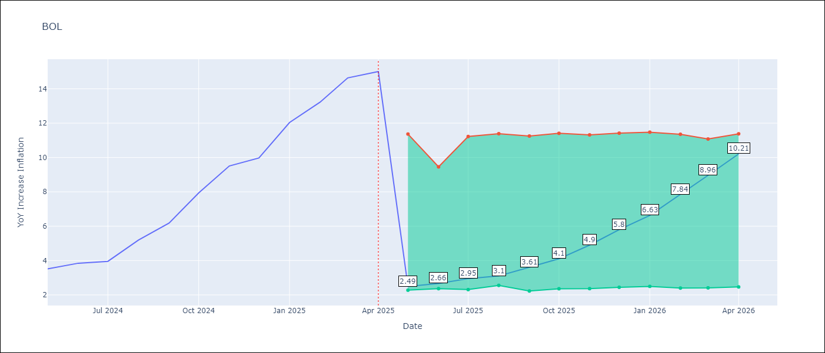

Test Metrics
RMSE | 4.02
Naive RMSE | 1.21
MAPE | 52.75%

Test Predictions
Date | Predicted | Actual
2024-05-01 | 2.45 | 3.52
2024-06-01 | 2.56 | 3.84
2024-07-01 | 2.87 | 3.95
2024-08-01 | 3.01 | 5.19
2024-09-01 | 3.56 | 6.18
2024-10-01 | 4.09 | 7.94
2024-11-01 | 4.86 | 9.51
2024-12-01 | 5.66 | 9.97
2025-01-01 | 6.43 | 12.03
2025-02-01 | 7.57 | 13.22
2025-03-01 | 8.7 | 14.63
2025-04-01 | 10.02 | 15.01

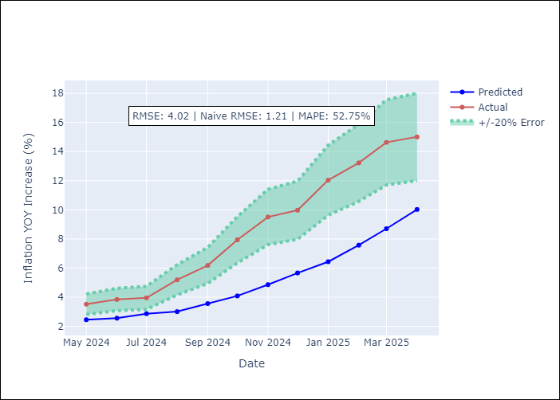

Appendix A: Model Summary
Model | Random Forest
Sample | 2021-01-01 to 2025-04-01
No. of Observations | 52
Terms | P-value (Statistical significance)

Assumptions | P-value

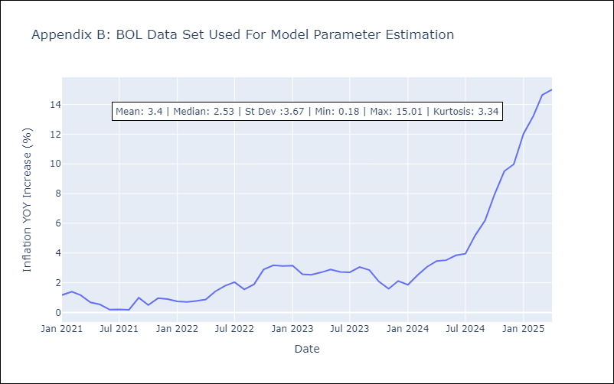

Appendix C: Residuals Analysis
Mean

BRA
BRA - Inflation - Next 12 months forecast as of: 2025-04-01

Model | Random Forest - [(1, 2, 1), (0, 0, 1, 12)]
Training Data | 1998-01-01 to 2024-05-01
Test Data | 2024-05-01 to 2025-04-01

Date | Inflation Change YoY % | Lower Bound - 95% Confidence Interval | Upper Bound - 95% Confidence Interval
2025-05-01 | 6.21 | 5.36 | 6.29
2025-06-01 | 6.25 | 4.91 | 6.59
2025-07-01 | 6.31 | 5.77 | 6.61
2025-08-01 | 6.37 | 5.71 | 7.52
2025-09-01 | 6.43 | 6.78 | 8.67
2025-10-01 | 6.51 | 7.88 | 14.99
2025-11-01 | 6.6 | 5.14 | 12.68
2025-12-01 | 6.69 | 3.7 | 5.59
2026-01-01 | 6.84 | 4.1 | 5.38
2026-02-01 | 7 | 4.92 | 6.52
2026-03-01 | 7.15 | 5.48 | 6.6
2026-04-01 | 7.32 | 6.04 | 7.52

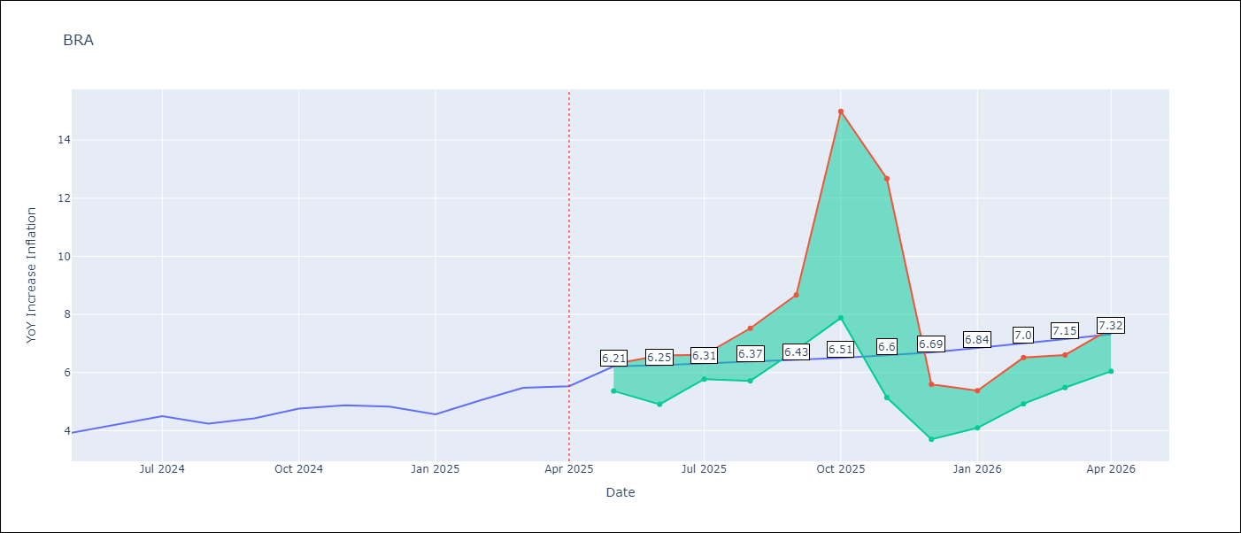

Test Metrics
RMSE | 1.15
Naive RMSE | 0.29
MAPE | 21.22%

Test Predictions
Date | Predicted | Actual
2024-05-01 | 3.78 | 3.93
2024-06-01 | 3.93 | 4.23
2024-07-01 | 3.97 | 4.5
2024-08-01 | 3.75 | 4.24
2024-09-01 | 3.55 | 4.42
2024-10-01 | 3.4 | 4.76
2024-11-01 | 3.27 | 4.87
2024-12-01 | 3.25 | 4.83
2025-01-01 | 3.41 | 4.56
2025-02-01 | 3.63 | 5.06
2025-03-01 | 3.92 | 5.48
2025-04-01 | 4.2 | 5.53

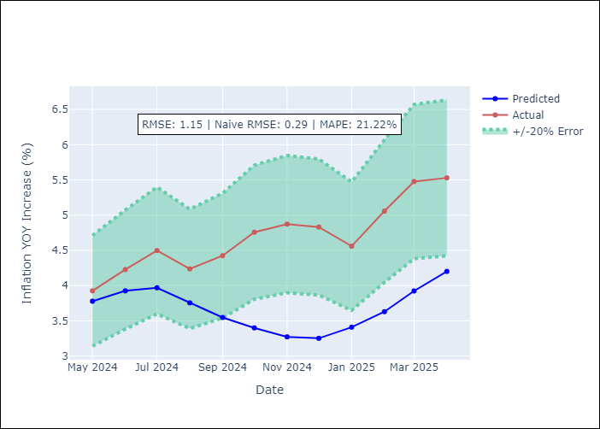

Appendix A: Model Summary
Model | Random Forest
Sample | 1998-01-01 to 2025-04-01
No. of Observations | 328
Terms | P-value (Statistical significance)

Assumptions | P-value



Appendix C: Residuals Analysis
Mean

CHL
CHL - Inflation - Next 12 months forecast as of: 2025-04-01

Model | Random Forest - [(2, 0, 0), (0, 0, 1, 12)]
Training Data | 2012-12-01 to 2024-05-01
Test Data | 2024-05-01 to 2025-04-01

Date | Inflation Change YoY % | Lower Bound - 95% Confidence Interval | Upper Bound - 95% Confidence Interval
2025-05-01 | 4.06 | 3.13 | 4.52
2025-06-01 | 4.11 | 2.54 | 6.21
2025-07-01 | 4.18 | 2.97 | 4.62
2025-08-01 | 4.34 | 2.31 | 5.61
2025-09-01 | 4.43 | 2.66 | 4.29
2025-10-01 | 4.41 | 1.84 | 3.33
2025-11-01 | 4.34 | 2.39 | 3.03
2025-12-01 | 4.37 | 2.54 | 3.53
2026-01-01 | 4.36 | 3.01 | 9.14
2026-02-01 | 4.5 | 5.63 | 13.06
2026-03-01 | 4.56 | 4.14 | 11.09
2026-04-01 | 4.58 | 3.8 | 4.6

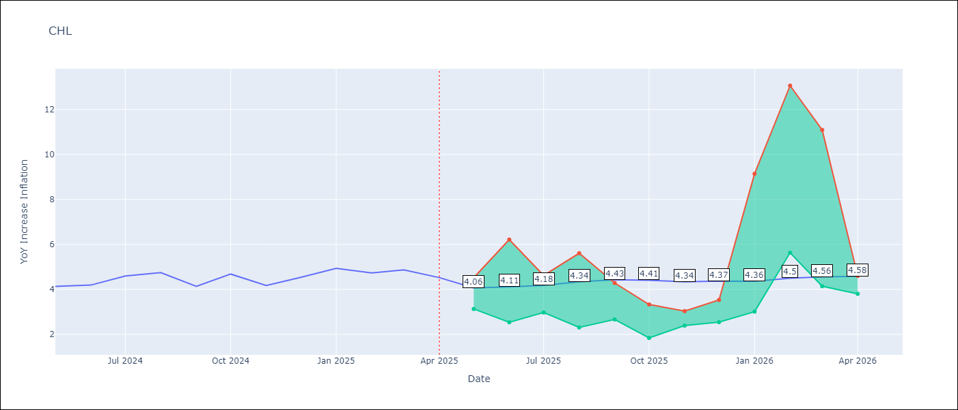

Test Metrics
RMSE | 0.32
Naive RMSE | 0.38
MAPE | 8.16%

Test Predictions
Date | Predicted | Actual
2024-05-01 | 4.31 | 4.13
2024-06-01 | 4.4 | 4.19
2024-07-01 | 4.48 | 4.6
2024-08-01 | 4.56 | 4.74
2024-09-01 | 4.6 | 4.13
2024-10-01 | 4.56 | 4.68
2024-11-01 | 4.73 | 4.17
2024-12-01 | 4.83 | 4.53
2025-01-01 | 4.98 | 4.94
2025-02-01 | 5.06 | 4.73
2025-03-01 | 5.08 | 4.87
2025-04-01 | 5.1 | 4.52

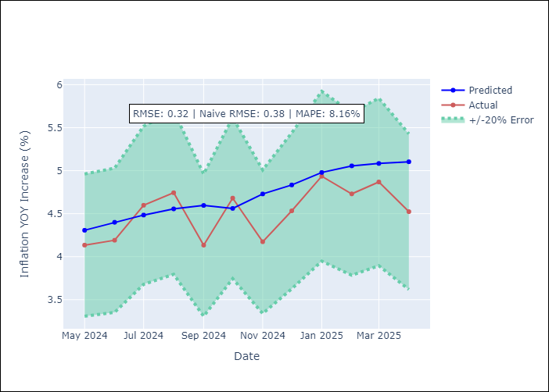

Appendix A: Model Summary
Model | Random Forest
Sample | 2012-12-01 to 2025-04-01
No. of Observations | 149
Terms | P-value (Statistical significance)

Assumptions | P-value



Appendix C: Residuals Analysis
Mean

COL
COL - Inflation - Next 12 months forecast as of: 2025-04-01

Model | Random Forest - [(1, 0, 1), (0, 0, 0, 12)]
Training Data | 2006-01-01 to 2024-05-01
Test Data | 2024-05-01 to 2025-04-01

Date | Inflation Change YoY % | Lower Bound - 95% Confidence Interval | Upper Bound - 95% Confidence Interval
2025-05-01 | 3.09 | 4.34 | 7.42
2025-06-01 | 3.11 | 2.56 | 6.28
2025-07-01 | 3.12 | 2.05 | 3.18
2025-08-01 | 3.21 | 2.29 | 3.94
2025-09-01 | 3.38 | 3.23 | 4.11
2025-10-01 | 3.5 | 1.73 | 3.52
2025-11-01 | 3.67 | 1.92 | 4.3
2025-12-01 | 3.85 | 3.81 | 6.51
2026-01-01 | 3.98 | 5.83 | 7.67
2026-02-01 | 4 | 2.28 | 6.01
2026-03-01 | 3.98 | 1.98 | 3.13
2026-04-01 | 3.98 | 3 | 4.14

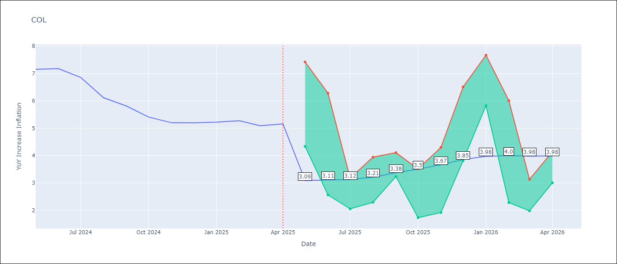

Test Metrics
RMSE | 1.12
Naive RMSE | 0.3
MAPE | 21.2%

Test Predictions
Date | Predicted | Actual
2024-05-01 | 6.11 | 7.15
2024-06-01 | 5.84 | 7.18
2024-07-01 | 5.52 | 6.86
2024-08-01 | 5.22 | 6.12
2024-09-01 | 4.82 | 5.81
2024-10-01 | 4.57 | 5.41
2024-11-01 | 4.27 | 5.2
2024-12-01 | 4.12 | 5.2
2025-01-01 | 4.03 | 5.22
2025-02-01 | 3.99 | 5.27
2025-03-01 | 3.98 | 5.09
2025-04-01 | 3.93 | 5.16

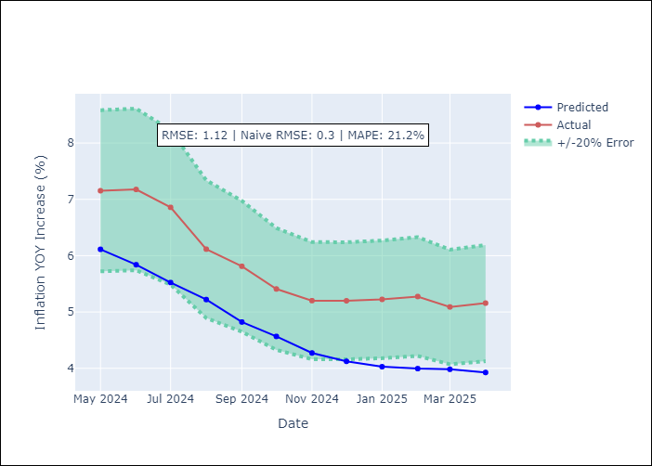

Appendix A: Model Summary
Model | Random Forest
Sample | 2006-01-01 to 2025-04-01
No. of Observations | 232
Terms | P-value (Statistical significance)

Assumptions | P-value

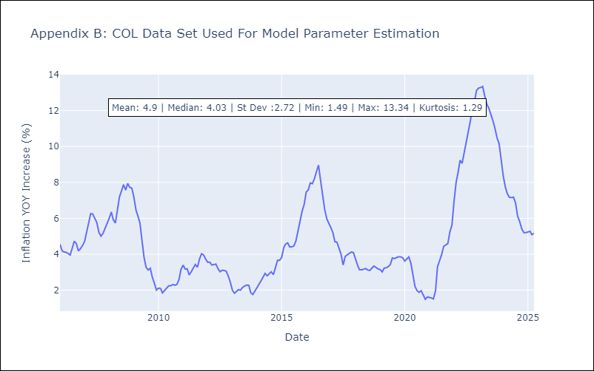

Appendix C: Residuals Analysis
Mean

ECU
ECU - Inflation - Next 12 months forecast as of: 2025-04-01

Model | Random Forest - [(2, 1, 1), (3, 0, 0, 12)]
Training Data | 2009-01-01 to 2024-05-01
Test Data | 2024-05-01 to 2025-04-01

Date | Inflation Change YoY % | Lower Bound - 95% Confidence Interval | Upper Bound - 95% Confidence Interval
2025-05-01 | -0.45 | -0.54 | 0.35
2025-06-01 | -0.34 | -0.1 | 0.85
2025-07-01 | -0.21 | -0.87 | 0.29
2025-08-01 | -0.05 | -0.41 | 3.16
2025-09-01 | 0.07 | -0.67 | 0.61
2025-10-01 | 0.19 | -0.5 | 1.38
2025-11-01 | 0.19 | -0.44 | 1.11
2025-12-01 | 0.17 | -0.56 | 2.28
2026-01-01 | 0.18 | -0.56 | 0.31
2026-02-01 | 0.15 | -0.02 | 0.99
2026-03-01 | 0.19 | -0.57 | 2.47
2026-04-01 | 0.28 | -0.54 | 1.18

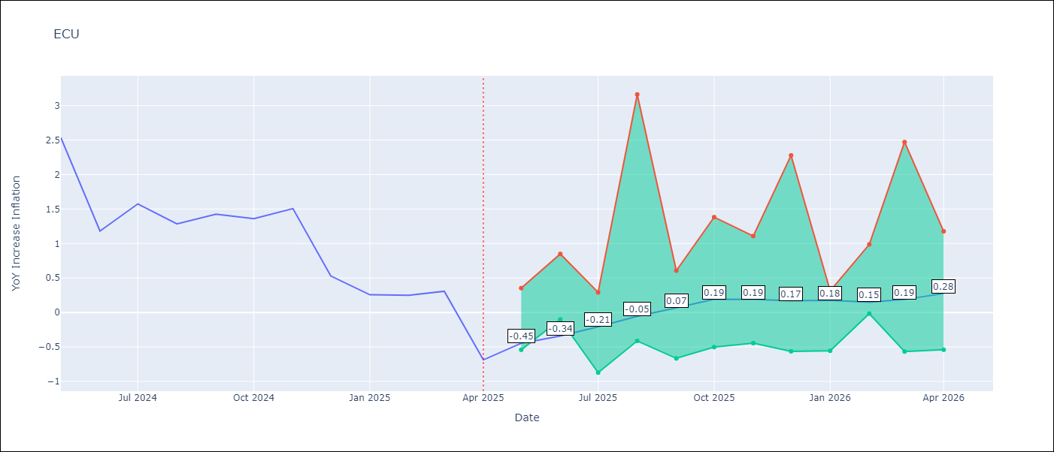

Test Metrics
RMSE | 2.59
Naive RMSE | 0.61
MAPE | 456.61%

Test Predictions
Date | Predicted | Actual
2024-05-01 | 2.88 | 2.53
2024-06-01 | 2.93 | 1.18
2024-07-01 | 3.09 | 1.57
2024-08-01 | 3.3 | 1.28
2024-09-01 | 3.47 | 1.42
2024-10-01 | 3.6 | 1.36
2024-11-01 | 3.7 | 1.51
2024-12-01 | 3.71 | 0.53
2025-01-01 | 3.64 | 0.26
2025-02-01 | 3.52 | 0.25
2025-03-01 | 3.34 | 0.31
2025-04-01 | 3.22 | -0.69

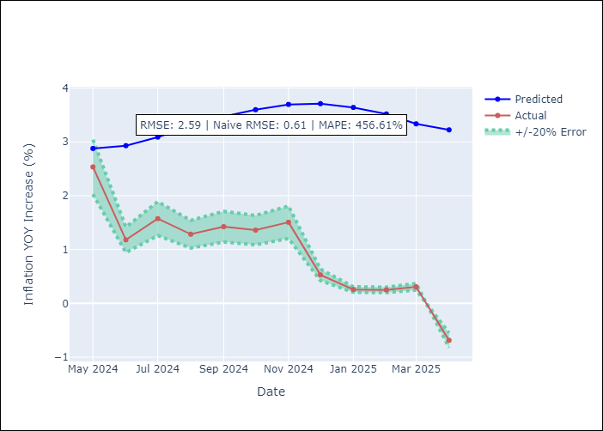

Appendix A: Model Summary
Model | Random Forest
Sample | 2009-01-01 to 2025-04-01
No. of Observations | 196
Terms | P-value (Statistical significance)

Assumptions | P-value

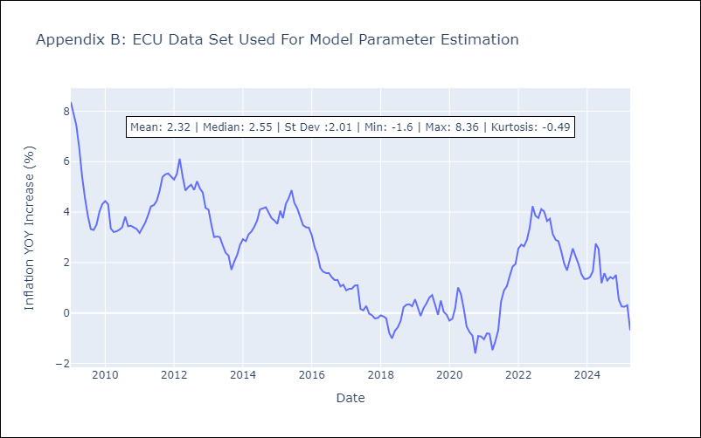

Appendix C: Residuals Analysis
Mean

PER
PER - Inflation - Next 12 months forecast as of: 2025-04-01

Model | Random Forest - [(3, 2, 0), (3, 0, 0, 12)]
Training Data | 1994-01-01 to 2024-05-01
Test Data | 2024-05-01 to 2025-04-01

Date | Inflation Change YoY % | Lower Bound - 95% Confidence Interval | Upper Bound - 95% Confidence Interval
2025-05-01 | 3.16 | 1.62 | 3.04
2025-06-01 | 3.19 | 3.07 | 5.15
2025-07-01 | 3.19 | 2.35 | 3.72
2025-08-01 | 3.25 | 2.71 | 3.68
2025-09-01 | 3.27 | 2.94 | 3.63
2025-10-01 | 3.28 | 2.35 | 3.68
2025-11-01 | 3.29 | 2.84 | 3.64
2025-12-01 | 3.28 | 2.4 | 3.65
2026-01-01 | 3.32 | 2.27 | 3.71
2026-02-01 | 3.36 | 2.94 | 3.68
2026-03-01 | 3.39 | 2.28 | 3.61
2026-04-01 | 3.39 | 2.68 | 3.53

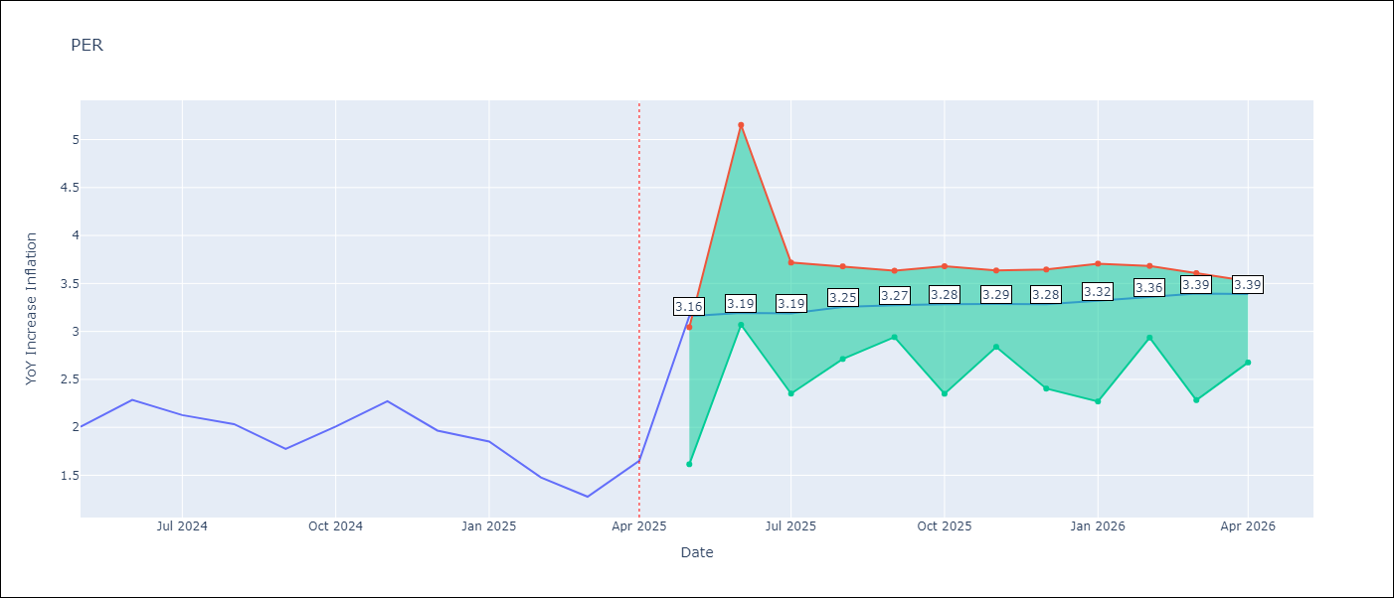

Test Metrics
RMSE | 1.3
Naive RMSE | 0.26
MAPE | 72.18%

Test Predictions
Date | Predicted | Actual
2024-05-01 | 2.91 | 2
2024-06-01 | 3.12 | 2.29
2024-07-01 | 3.26 | 2.13
2024-08-01 | 3.32 | 2.03
2024-09-01 | 3.32 | 1.78
2024-10-01 | 3.34 | 2.01
2024-11-01 | 3.35 | 2.27
2024-12-01 | 3.33 | 1.97
2025-01-01 | 3.14 | 1.85
2025-02-01 | 2.98 | 1.48
2025-03-01 | 2.96 | 1.28
2025-04-01 | 3.04 | 1.65

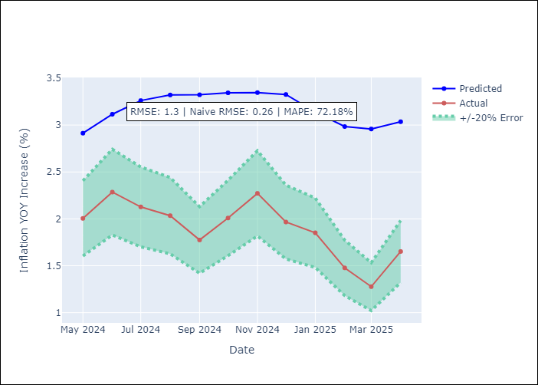

Appendix A: Model Summary
Model | Random Forest
Sample | 1994-01-01 to 2025-04-01
No. of Observations | 376
Terms | P-value (Statistical significance)

Assumptions | P-value

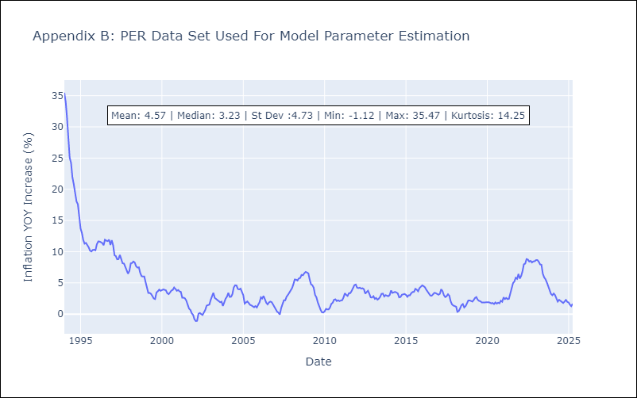

Appendix C: Residuals Analysis
Mean

PRY
PRY - Inflation - Next 12 months forecast as of: 2025-04-01

Model | Random Forest - [(2, 1, 1), (1, 0, 1, 12)]
Training Data | 1995-12-01 to 2024-05-01
Test Data | 2024-05-01 to 2025-04-01

Date | Inflation Change YoY % | Lower Bound - 95% Confidence Interval | Upper Bound - 95% Confidence Interval
2025-05-01 | 3.75 | 2.87 | 3.79
2025-06-01 | 3.7 | 2.68 | 4.21
2025-07-01 | 3.7 | 3.04 | 3.83
2025-08-01 | 3.71 | 3.18 | 4.27
2025-09-01 | 3.58 | 2.89 | 3.77
2025-10-01 | 3.58 | 2.83 | 4.13
2025-11-01 | 3.4 | 3.03 | 3.85
2025-12-01 | 3.44 | 3.38 | 4.28
2026-01-01 | 3.45 | 2.75 | 3.79
2026-02-01 | 3.33 | 2.84 | 4.15
2026-03-01 | 3.38 | 3.06 | 4.05
2026-04-01 | 3.48 | 3.08 | 3.88

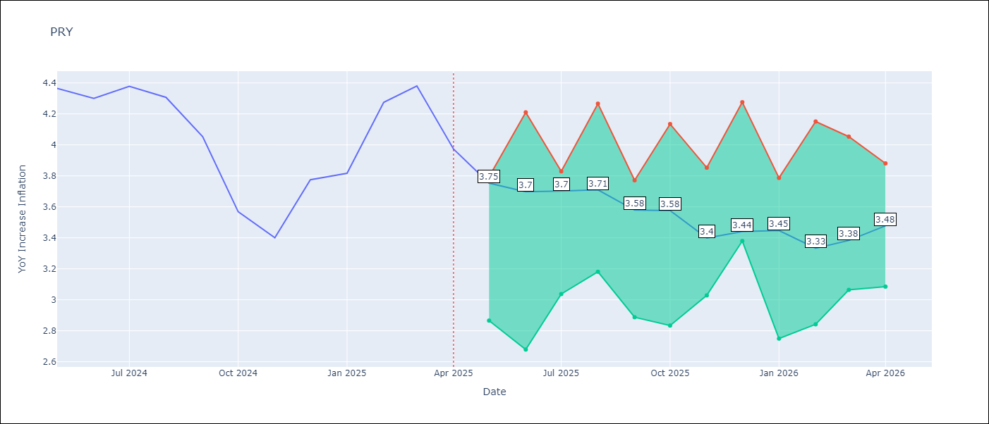

Test Metrics
RMSE | 0.54
Naive RMSE | 0.28
MAPE | 11.1%

Test Predictions
Date | Predicted | Actual
2024-05-01 | 3.59 | 4.36
2024-06-01 | 3.72 | 4.3
2024-07-01 | 3.59 | 4.38
2024-08-01 | 3.59 | 4.31
2024-09-01 | 3.63 | 4.05
2024-10-01 | 3.6 | 3.57
2024-11-01 | 3.73 | 3.4
2024-12-01 | 3.68 | 3.78
2025-01-01 | 3.58 | 3.82
2025-02-01 | 3.66 | 4.27
2025-03-01 | 3.65 | 4.38
2025-04-01 | 3.57 | 3.97

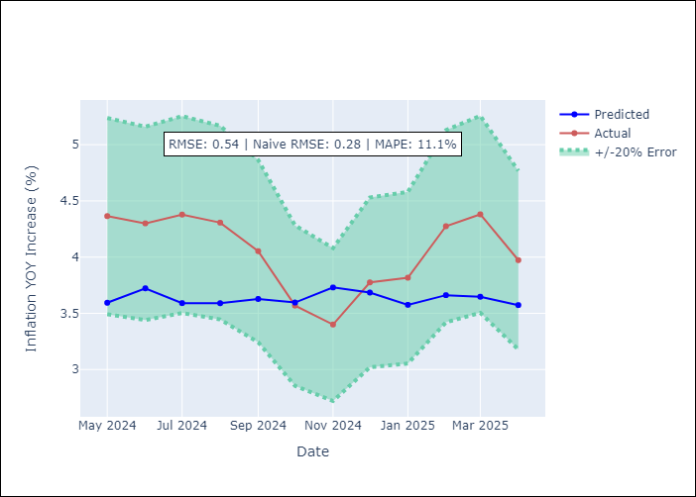

Appendix A: Model Summary
Model | Random Forest
Sample | 1995-12-01 to 2025-04-01
No. of Observations | 353
Terms | P-value (Statistical significance)

Assumptions | P-value



Appendix C: Residuals Analysis
Mean

URY
URY - Inflation - Next 12 months forecast as of: 2025-04-01

Model | Random Forest - [(0, 2, 1), (3, 0, 0, 12)]
Training Data | 1992-01-01 to 2024-05-01
Test Data | 2024-05-01 to 2025-04-01

Date | Inflation Change YoY % | Lower Bound - 95% Confidence Interval | Upper Bound - 95% Confidence Interval
2025-05-01 | 8.55 | 3.98 | 8.38
2025-06-01 | 8.58 | 7.62 | 12.71
2025-07-01 | 8.64 | 5.51 | 9.69
2025-08-01 | 8.66 | 4.78 | 7.43
2025-09-01 | 8.65 | 7.13 | 8.29
2025-10-01 | 8.62 | 7.85 | 9.07
2025-11-01 | 8.61 | 8.33 | 9.32
2025-12-01 | 8.58 | 8.31 | 9.06
2026-01-01 | 8.62 | 8.39 | 9.12
2026-02-01 | 8.67 | 8.4 | 9.05
2026-03-01 | 8.62 | 8.33 | 9.03
2026-04-01 | 8.56 | 8.28 | 8.99

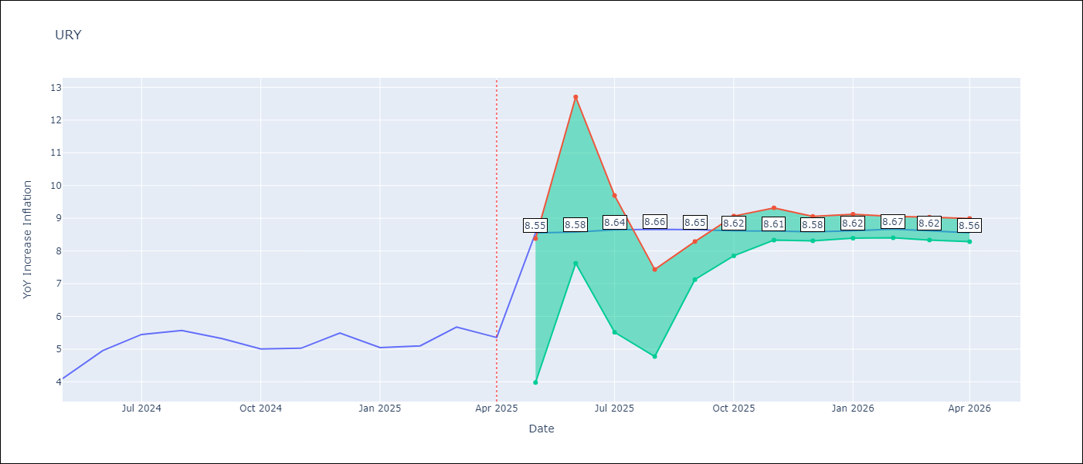

Test Metrics
RMSE | 3.71
Naive RMSE | 0.43
MAPE | 50.0%

Test Predictions
Date | Predicted | Actual
2024-05-01 | 4.36 | 4.1
2024-06-01 | 4.61 | 4.96
2024-07-01 | 4.87 | 5.45
2024-08-01 | 5.19 | 5.57
2024-09-01 | 5.46 | 5.32
2024-10-01 | 5.75 | 5.01
2024-11-01 | 6.18 | 5.03
2024-12-01 | 7 | 5.49
2025-01-01 | 8.41 | 5.05
2025-02-01 | 10.33 | 5.1
2025-03-01 | 12.65 | 5.67
2025-04-01 | 13.9 | 5.36

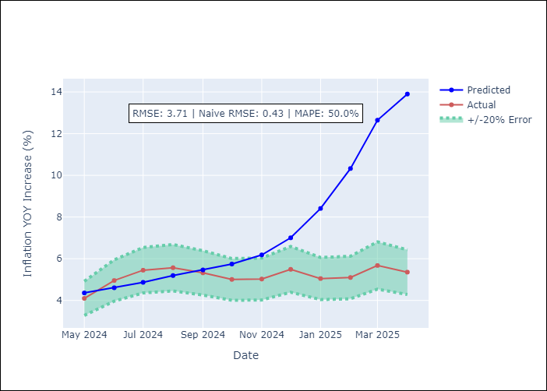

Appendix A: Model Summary
Model | Random Forest
Sample | 1992-01-01 to 2025-04-01
No. of Observations | 400
Terms | P-value (Statistical significance)

Assumptions | P-value

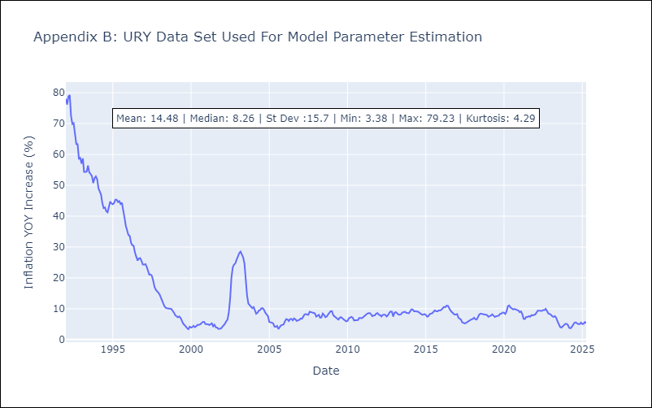

Appendix C: Residuals Analysis
Mean

VEN
VEN - Inflation - Next 12 months forecast as of: 2016-12-01

Model | Random Forest - [(3, 0, 0), (0, 0, 0, 12)]
Training Data | 2013-01-01 to 2016-01-01
Test Data | 2016-01-01 to 2016-12-01

Date | Inflation Change YoY % | Lower Bound - 95% Confidence Interval | Upper Bound - 95% Confidence Interval
2017-01-01 | 171.69 | 161.82 | 288.65
2017-02-01 | 178.58 | 164.22 | 289.35
2017-03-01 | 188.1 | 157.9 | 288.92
2017-04-01 | 200.54 | 156.62 | 290.19
2017-05-01 | 219.38 | 155.47 | 287.99
2017-06-01 | 246.05 | 171.4 | 289.86
2017-07-01 | 274.8 | 158.35 | 289.52
2017-08-01 | 280.93 | 155.04 | 288.14
2017-09-01 | 273.71 | 161.54 | 289.62
2017-10-01 | 268.03 | 161.6 | 289.55
2017-11-01 | 258.86 | 163.89 | 288.65
2017-12-01 | 256.06 | 161.77 | 289.91

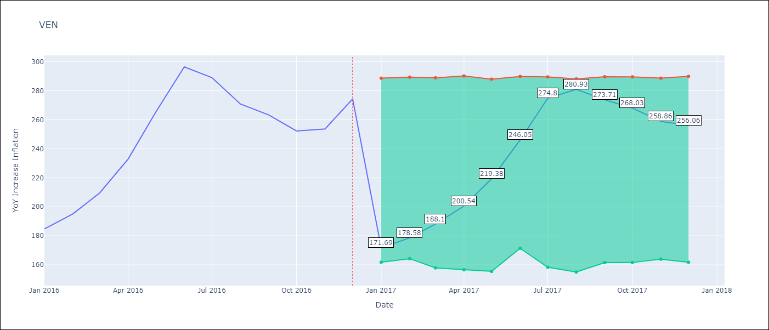

Test Metrics
RMSE | 25.2
Naive RMSE | 18.77
MAPE | 17.64%

Test Predictions
Date | Predicted | Actual
2016-01-01 | 171.69 | 184.76
2016-02-01 | 178.58 | 195.13
2016-03-01 | 188.1 | 209.56
2016-04-01 | 200.54 | 232.92
2016-05-01 | 219.38 | 265.24
2016-06-01 | 246.05 | 296.44
2016-07-01 | 274.8 | 289.06
2016-08-01 | 280.93 | 270.87
2016-09-01 | 273.71 | 263.24
2016-10-01 | 268.03 | 252.27
2016-11-01 | 258.86 | 253.65
2016-12-01 | 256.06 | 274.35

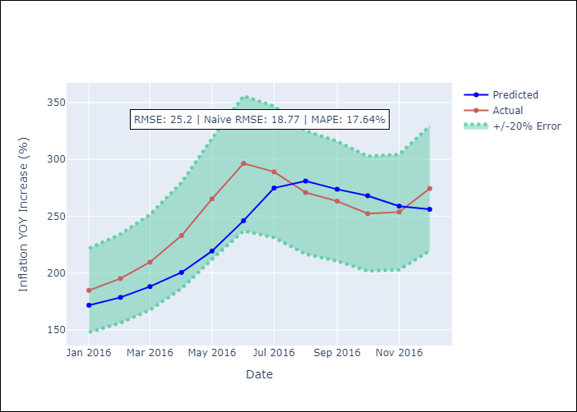

Appendix A: Model Summary
Model | Random Forest
Sample | 2013-01-01 to 2016-12-01
No. of Observations | 48
Terms | P-value (Statistical significance)

Assumptions | P-value

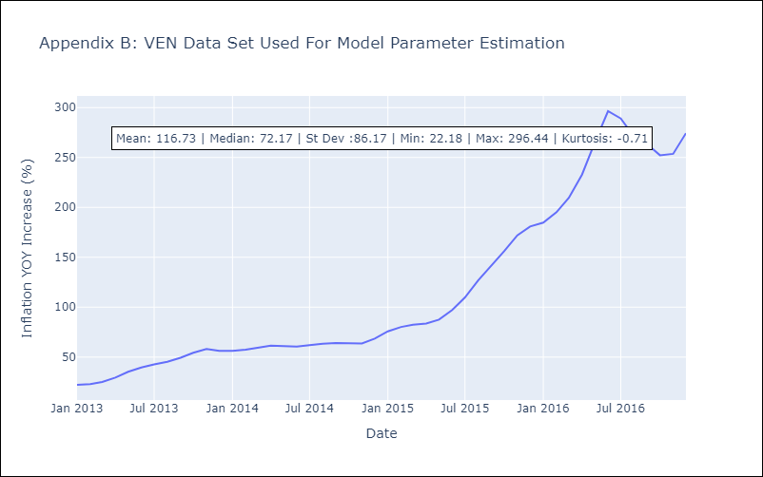

Appendix C: Residuals Analysis
Mean

