ARG
ARG - Inflation - Next 12 months forecast as of: 2025-04-01

Model | Random Forest - [(2, 2, 2), (0, 0, 1, 12)]
Training Data | 2007-01-01 to 2024-05-01
Test Data | 2024-05-01 to 2025-04-01

Date | Inflation Change YoY % | Lower Bound - 95% Confidence Interval | Upper Bound - 95% Confidence Interval
2025-05-01 | 246.04 | 90.63 | 184.82
2025-06-01 | 254.24 | 114.9 | 266.54
2025-07-01 | 258.4 | 96.26 | 274.81
2025-08-01 | 260.34 | 109.55 | 262.81
2025-09-01 | 256.73 | 92.07 | 276.23
2025-10-01 | 246.52 | 111.75 | 267.79
2025-11-01 | 233.26 | 109.72 | 273.18
2025-12-01 | 216.1 | 108.15 | 271.65
2026-01-01 | 190.27 | 105.26 | 273.49
2026-02-01 | 161.24 | 104.74 | 269.54
2026-03-01 | 135.14 | 105.64 | 269.87
2026-04-01 | 113.59 | 111.22 | 271

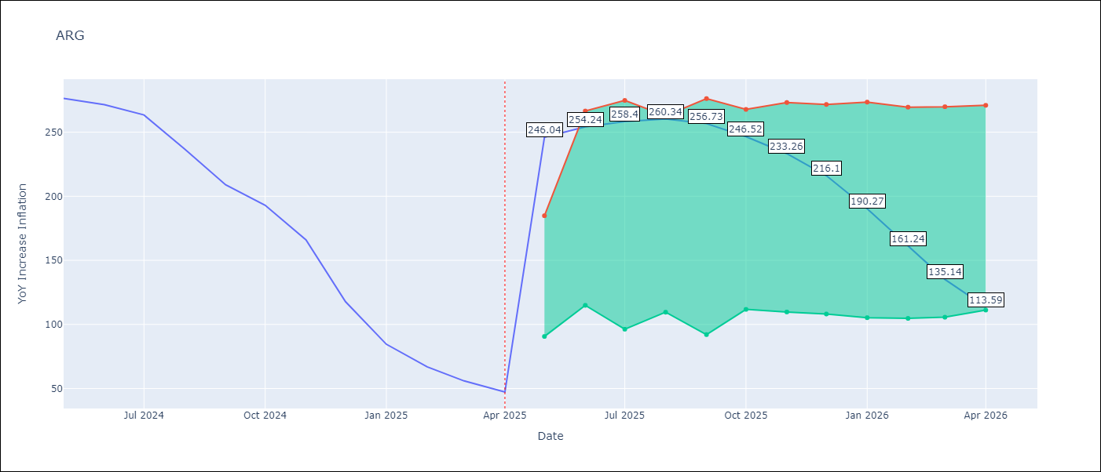

Test Metrics
RMSE | 38.03
Naive RMSE | 24.3
MAPE | 101.73%

Test Predictions
Date | Predicted | Actual
2024-05-01 | 284.22 | 276.41
2024-06-01 | 280.98 | 271.53
2024-07-01 | 275.33 | 263.45
2024-08-01 | 268.77 | 236.72
2024-09-01 | 251.56 | 209
2024-10-01 | 227.3 | 192.99
2024-11-01 | 206.81 | 166.03
2024-12-01 | 183.92 | 117.76
2025-01-01 | 147.24 | 84.54
2025-02-01 | 110.27 | 66.87
2025-03-01 | 84.11 | 55.93
2025-04-01 | 67.17 | 47.26

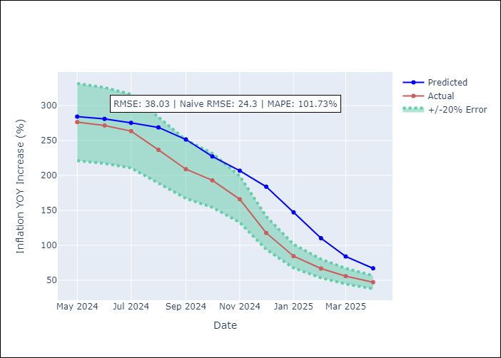

Appendix A: Model Summary
Model | Random Forest
Sample | 2007-01-01 to 2025-04-01
No. of Observations | 220
Terms | P-value (Statistical significance)

Assumptions | P-value

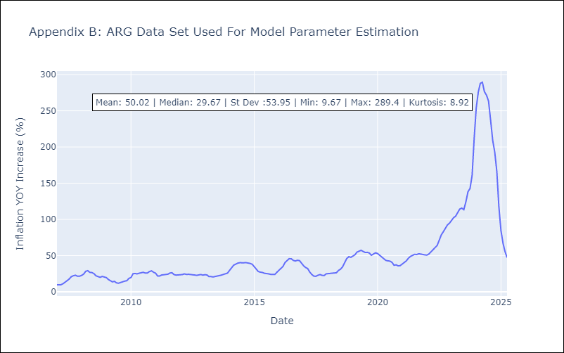

Appendix C: Residuals Analysis
Mean

BOL
BOL - Inflation - Next 12 months forecast as of: 2025-04-01

Model | Random Forest - [(1, 1, 2), (0, 0, 2, 12)]
Training Data | 2021-01-01 to 2024-05-01
Test Data | 2024-05-01 to 2025-04-01

Date | Inflation Change YoY % | Lower Bound - 95% Confidence Interval | Upper Bound - 95% Confidence Interval
2025-05-01 | 2.54 | 2.23 | 10.87
2025-06-01 | 2.8 | 2.43 | 11.21
2025-07-01 | 3.04 | 2.34 | 11.26
2025-08-01 | 3.24 | 2.41 | 11.59
2025-09-01 | 3.67 | 2.35 | 11.57
2025-10-01 | 4.31 | 2.35 | 11.32
2025-11-01 | 5.11 | 2.39 | 11.62
2025-12-01 | 6.17 | 2.47 | 11.34
2026-01-01 | 7.15 | 2.38 | 11.48
2026-02-01 | 8.23 | 2.36 | 11.31
2026-03-01 | 9.54 | 2.35 | 11.56
2026-04-01 | 10.81 | 2.39 | 11.57

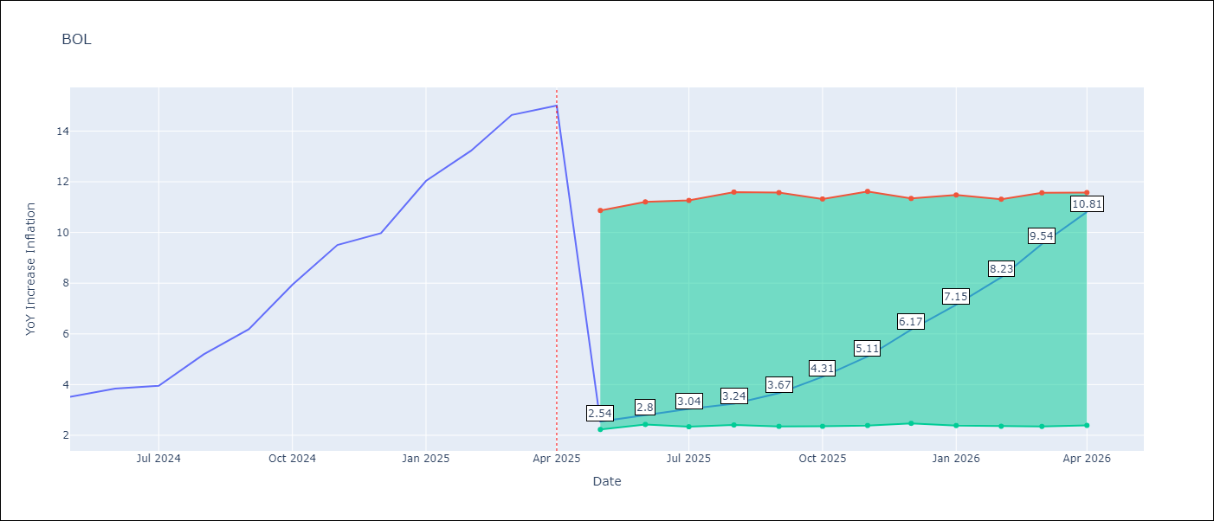

Test Metrics
RMSE | 3.26
Naive RMSE | 1.21
MAPE | 53.9%

Test Predictions
Date | Predicted | Actual
2024-05-01 | 2.74 | 3.52
2024-06-01 | 2.87 | 3.84
2024-07-01 | 3.13 | 3.95
2024-08-01 | 3.28 | 5.19
2024-09-01 | 3.83 | 6.18
2024-10-01 | 4.57 | 7.94
2024-11-01 | 5.54 | 9.51
2024-12-01 | 6.64 | 9.97
2025-01-01 | 7.52 | 12.03
2025-02-01 | 8.61 | 13.22
2025-03-01 | 9.93 | 14.63
2025-04-01 | 11.2 | 15.01

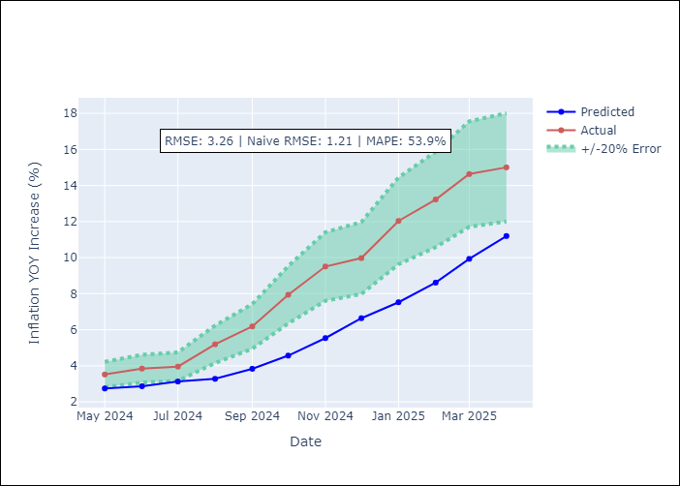

Appendix A: Model Summary
Model | Random Forest
Sample | 2021-01-01 to 2025-04-01
No. of Observations | 52
Terms | P-value (Statistical significance)

Assumptions | P-value

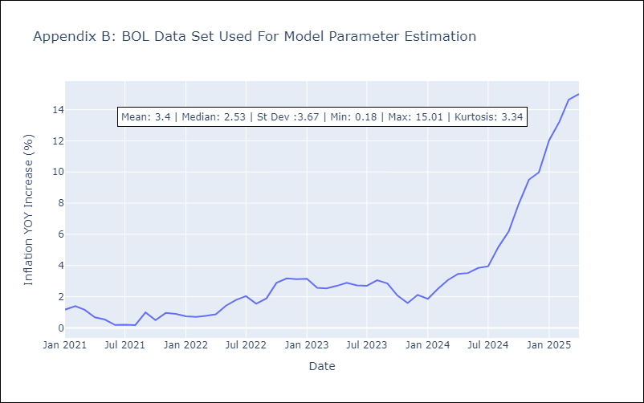

Appendix C: Residuals Analysis
Mean

BRA
BRA - Inflation - Next 12 months forecast as of: 2025-04-01

Model | Random Forest - [(1, 2, 1), (0, 0, 1, 12)]
Training Data | 1998-01-01 to 2024-05-01
Test Data | 2024-05-01 to 2025-04-01

Date | Inflation Change YoY % | Lower Bound - 95% Confidence Interval | Upper Bound - 95% Confidence Interval
2025-05-01 | 12.36 | 5.05 | 6.31
2025-06-01 | 12.61 | 4.93 | 6.71
2025-07-01 | 12.75 | 5.58 | 6.64
2025-08-01 | 12.8 | 5.48 | 7.61
2025-09-01 | 12.6 | 6.8 | 9.04
2025-10-01 | 12.25 | 7.37 | 14.21
2025-11-01 | 11.62 | 6.18 | 13.99
2025-12-01 | 10.87 | 3.96 | 6.6
2026-01-01 | 10.16 | 5.94 | 7.82
2026-02-01 | 9.34 | 6.15 | 9.54
2026-03-01 | 8.46 | 6.96 | 12.55
2026-04-01 | 7.54 | 6.88 | 13.05

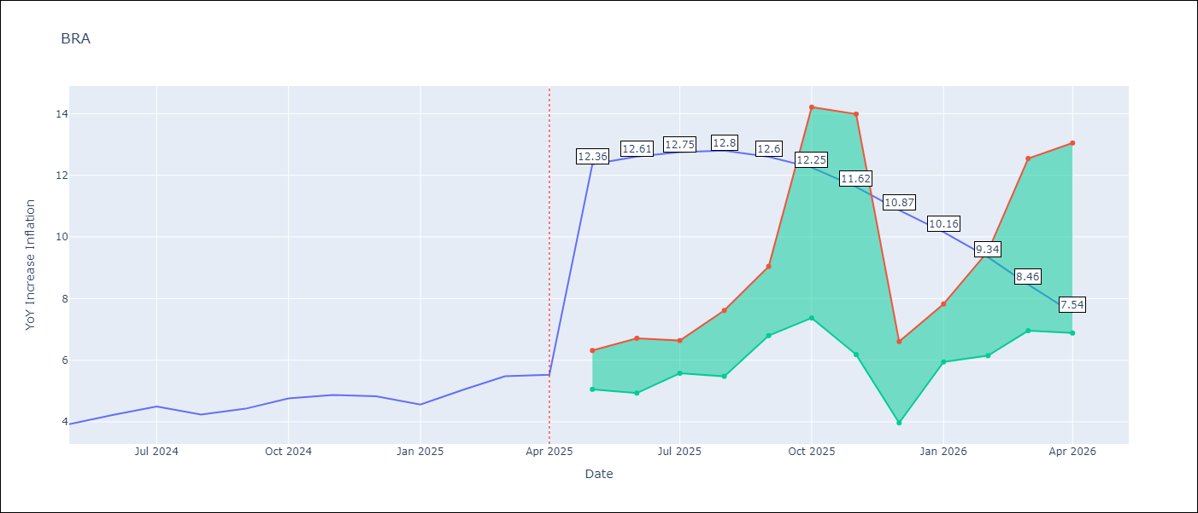

Test Metrics
RMSE | 1.22
Naive RMSE | 0.29
MAPE | 22.35%

Test Predictions
Date | Predicted | Actual
2024-05-01 | 3.75 | 3.93
2024-06-01 | 3.96 | 4.23
2024-07-01 | 4.01 | 4.5
2024-08-01 | 3.82 | 4.24
2024-09-01 | 3.51 | 4.42
2024-10-01 | 3.35 | 4.76
2024-11-01 | 3.24 | 4.87
2024-12-01 | 3.15 | 4.83
2025-01-01 | 3.2 | 4.56
2025-02-01 | 3.45 | 5.06
2025-03-01 | 3.85 | 5.48
2025-04-01 | 4.14 | 5.53

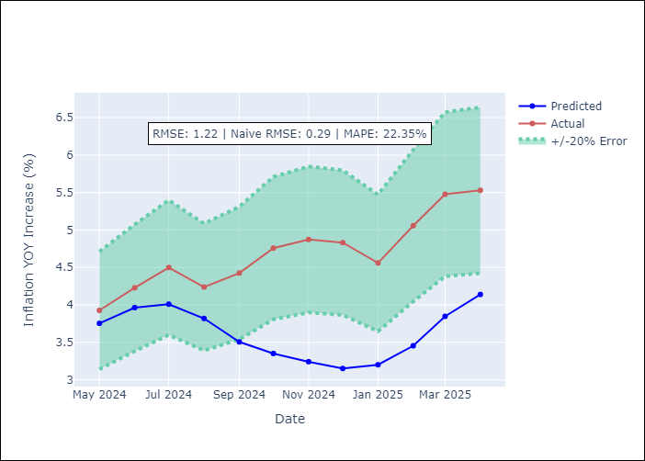

Appendix A: Model Summary
Model | Random Forest
Sample | 1998-01-01 to 2025-04-01
No. of Observations | 328
Terms | P-value (Statistical significance)

Assumptions | P-value



Appendix C: Residuals Analysis
Mean

CHL
CHL - Inflation - Next 12 months forecast as of: 2025-04-01

Model | Random Forest - [(2, 0, 0), (0, 0, 1, 12)]
Training Data | 2012-12-01 to 2024-05-01
Test Data | 2024-05-01 to 2025-04-01

Date | Inflation Change YoY % | Lower Bound - 95% Confidence Interval | Upper Bound - 95% Confidence Interval
2025-05-01 | 10.1 | 3.15 | 4.5
2025-06-01 | 10.8 | 2.54 | 5.51
2025-07-01 | 11.48 | 3.86 | 10.22
2025-08-01 | 12.03 | 4.99 | 12.29
2025-09-01 | 12.34 | 4.49 | 11.11
2025-10-01 | 12.08 | 4.07 | 4.71
2025-11-01 | 11.76 | 2.74 | 4.44
2025-12-01 | 11.81 | 1.8 | 4.92
2026-01-01 | 11.49 | 2.42 | 3.16
2026-02-01 | 11.07 | 2.52 | 3.68
2026-03-01 | 10.54 | 3.24 | 9.64
2026-04-01 | 9.74 | 7.21 | 13.5

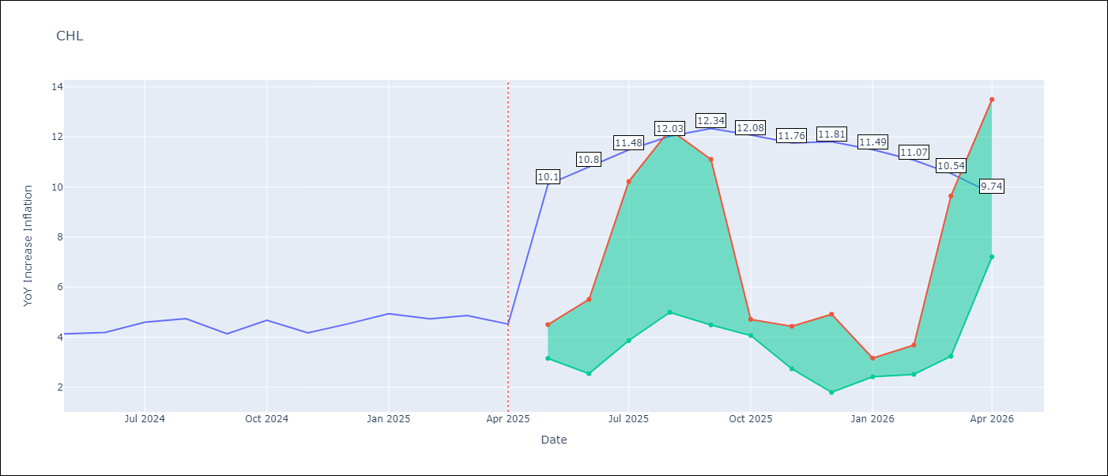

Test Metrics
RMSE | 0.31
Naive RMSE | 0.38
MAPE | 7.98%

Test Predictions
Date | Predicted | Actual
2024-05-01 | 4.3 | 4.13
2024-06-01 | 4.45 | 4.19
2024-07-01 | 4.55 | 4.6
2024-08-01 | 4.57 | 4.74
2024-09-01 | 4.55 | 4.13
2024-10-01 | 4.57 | 4.68
2024-11-01 | 4.78 | 4.17
2024-12-01 | 4.87 | 4.53
2025-01-01 | 4.99 | 4.94
2025-02-01 | 5.03 | 4.73
2025-03-01 | 5.03 | 4.87
2025-04-01 | 5.04 | 4.52

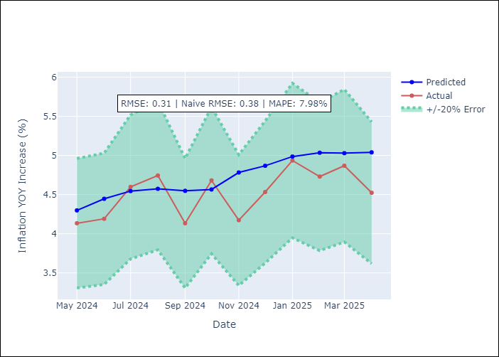

Appendix A: Model Summary
Model | Random Forest
Sample | 2012-12-01 to 2025-04-01
No. of Observations | 149
Terms | P-value (Statistical significance)

Assumptions | P-value



Appendix C: Residuals Analysis
Mean

COL
COL - Inflation - Next 12 months forecast as of: 2025-04-01

Model | Random Forest - [(1, 0, 1), (0, 0, 0, 12)]
Training Data | 2006-01-01 to 2024-05-01
Test Data | 2024-05-01 to 2025-04-01

Date | Inflation Change YoY % | Lower Bound - 95% Confidence Interval | Upper Bound - 95% Confidence Interval
2025-05-01 | 3.5 | 4.03 | 7.36
2025-06-01 | 3.19 | 2.21 | 6.26
2025-07-01 | 2.89 | 1.94 | 3.05
2025-08-01 | 2.67 | 2.75 | 4.16
2025-09-01 | 2.56 | 2.61 | 4.79
2025-10-01 | 2.45 | 2.23 | 3.38
2025-11-01 | 2.31 | 2.44 | 3.9
2025-12-01 | 2.22 | 3.3 | 4.64
2026-01-01 | 2.18 | 1.78 | 3.42
2026-02-01 | 2.17 | 2.08 | 3.2
2026-03-01 | 2.15 | 3.18 | 4.26
2026-04-01 | 2.23 | 1.73 | 3.6

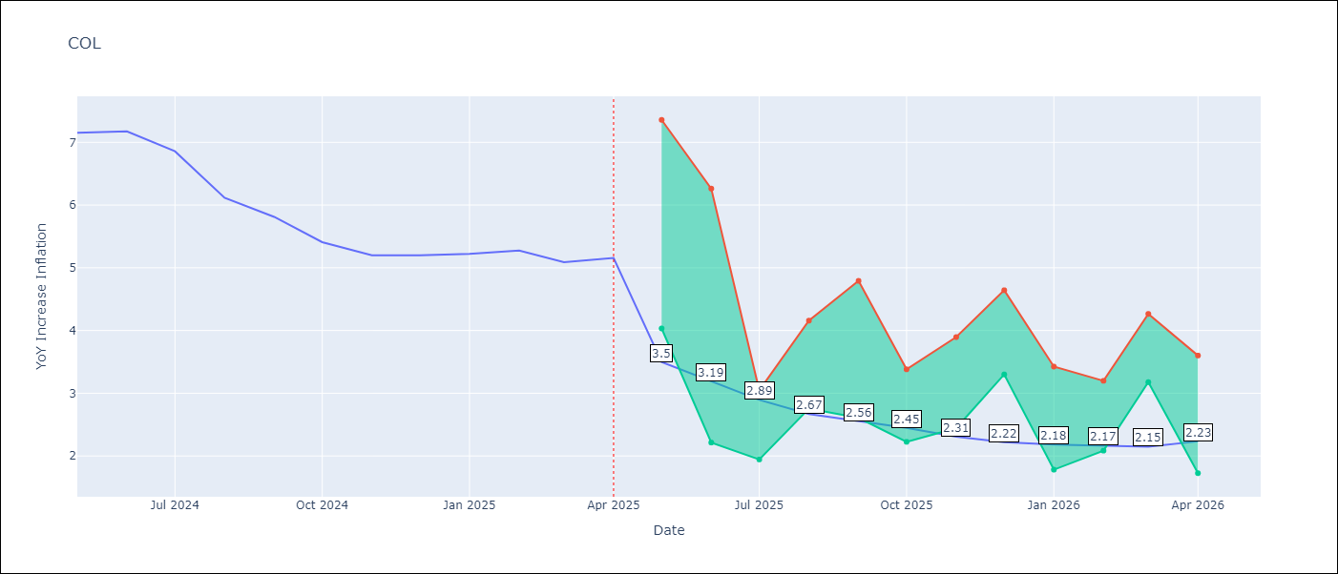

Test Metrics
RMSE | 1.23
Naive RMSE | 0.3
MAPE | 21.59%

Test Predictions
Date | Predicted | Actual
2024-05-01 | 5.85 | 7.15
2024-06-01 | 5.58 | 7.18
2024-07-01 | 5.3 | 6.86
2024-08-01 | 5 | 6.12
2024-09-01 | 4.67 | 5.81
2024-10-01 | 4.43 | 5.41
2024-11-01 | 4.22 | 5.2
2024-12-01 | 4.1 | 5.2
2025-01-01 | 3.99 | 5.22
2025-02-01 | 4.01 | 5.27
2025-03-01 | 4.01 | 5.09
2025-04-01 | 3.95 | 5.16

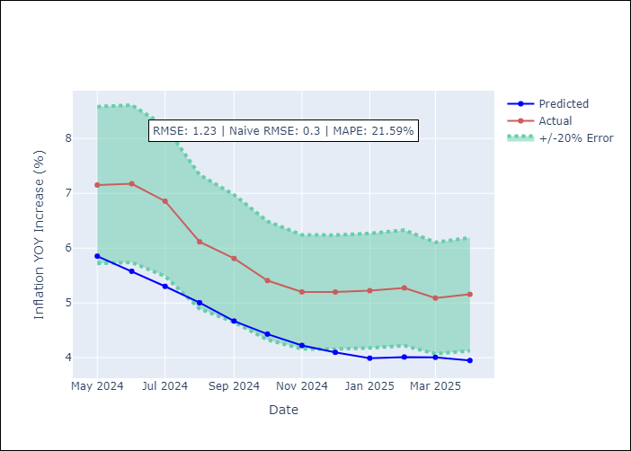

Appendix A: Model Summary
Model | Random Forest
Sample | 2006-01-01 to 2025-04-01
No. of Observations | 232
Terms | P-value (Statistical significance)

Assumptions | P-value

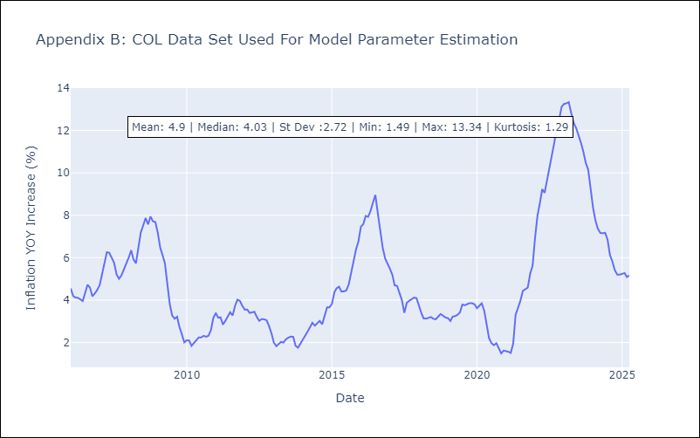

Appendix C: Residuals Analysis
Mean

ECU
ECU - Inflation - Next 12 months forecast as of: 2025-04-01

Model | Random Forest - [(2, 1, 1), (3, 0, 0, 12)]
Training Data | 2009-01-01 to 2024-05-01
Test Data | 2024-05-01 to 2025-04-01

Date | Inflation Change YoY % | Lower Bound - 95% Confidence Interval | Upper Bound - 95% Confidence Interval
2025-05-01 | 0.13 | -0.59 | 0.4
2025-06-01 | 0.02 | -0.07 | 3.68
2025-07-01 | -0.17 | -0.34 | 1.3
2025-08-01 | -0.26 | -0.77 | 0.47
2025-09-01 | -0.31 | -0.13 | 2.52
2025-10-01 | -0.28 | -0.69 | 0.51
2025-11-01 | -0.15 | -0.57 | 0.67
2025-12-01 | -0.09 | -0.21 | 1.31
2026-01-01 | -0.19 | -0.79 | 0.26
2026-02-01 | -0.45 | -0.82 | 0.95
2026-03-01 | -0.64 | -0.09 | 0.81
2026-04-01 | -0.74 | -0.71 | 0.29

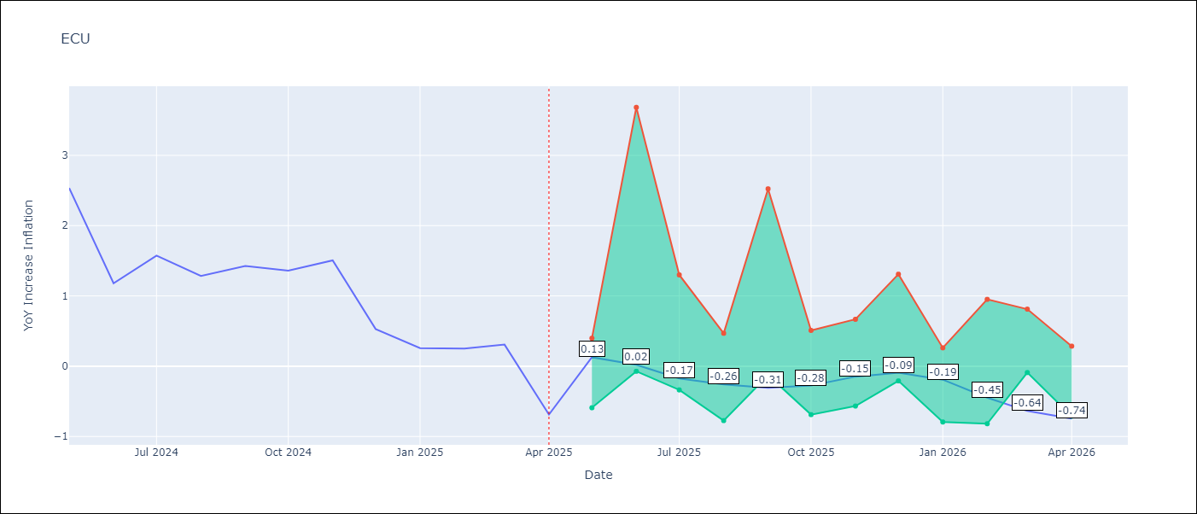

Test Metrics
RMSE | 2.68
Naive RMSE | 0.61
MAPE | 476.17%

Test Predictions
Date | Predicted | Actual
2024-05-01 | 3.09 | 2.53
2024-06-01 | 3.22 | 1.18
2024-07-01 | 3.33 | 1.57
2024-08-01 | 3.47 | 1.28
2024-09-01 | 3.63 | 1.42
2024-10-01 | 3.72 | 1.36
2024-11-01 | 3.72 | 1.51
2024-12-01 | 3.72 | 0.53
2025-01-01 | 3.68 | 0.26
2025-02-01 | 3.54 | 0.25
2025-03-01 | 3.41 | 0.31
2025-04-01 | 3.32 | -0.69

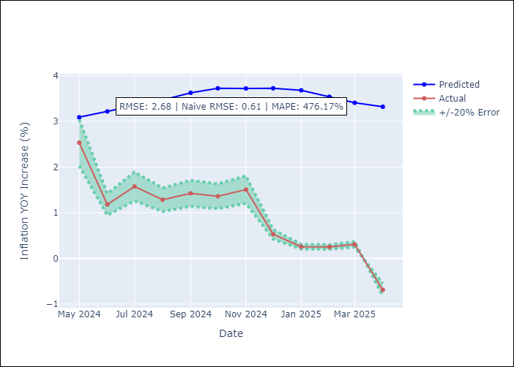

Appendix A: Model Summary
Model | Random Forest
Sample | 2009-01-01 to 2025-04-01
No. of Observations | 196
Terms | P-value (Statistical significance)

Assumptions | P-value

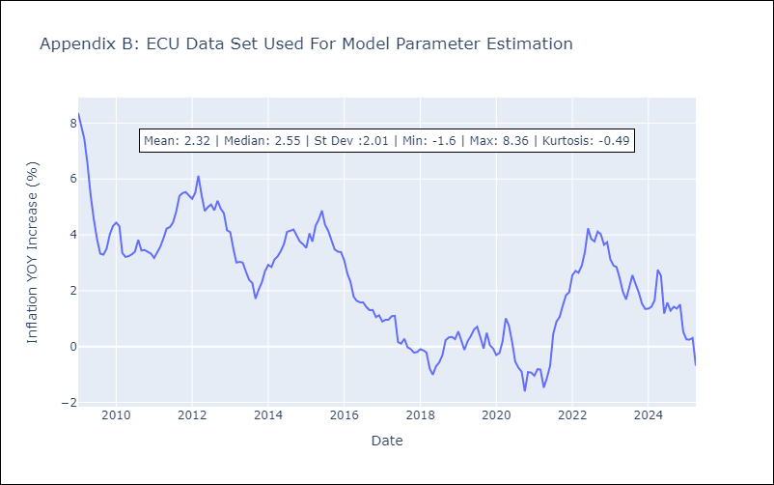

Appendix C: Residuals Analysis
Mean

PER
PER - Inflation - Next 12 months forecast as of: 2025-04-01

Model | Random Forest - [(3, 2, 0), (3, 0, 0, 12)]
Training Data | 1994-01-01 to 2024-05-01
Test Data | 2024-05-01 to 2025-04-01

Date | Inflation Change YoY % | Lower Bound - 95% Confidence Interval | Upper Bound - 95% Confidence Interval
2025-05-01 | 3.3 | 1.58 | 3.26
2025-06-01 | 3.31 | 3.13 | 6.6
2025-07-01 | 3.3 | 1.81 | 7.32
2025-08-01 | 3.24 | 0.58 | 2.35
2025-09-01 | 3.23 | 1.99 | 2.82
2025-10-01 | 3.15 | 2.69 | 4.03
2025-11-01 | 3.08 | 1.9 | 3.66
2025-12-01 | 3.07 | 1.32 | 3.46
2026-01-01 | 2.99 | 2.98 | 3.69
2026-02-01 | 2.96 | 1.93 | 3.46
2026-03-01 | 2.91 | 2.58 | 3.52
2026-04-01 | 2.91 | 2.59 | 3.59

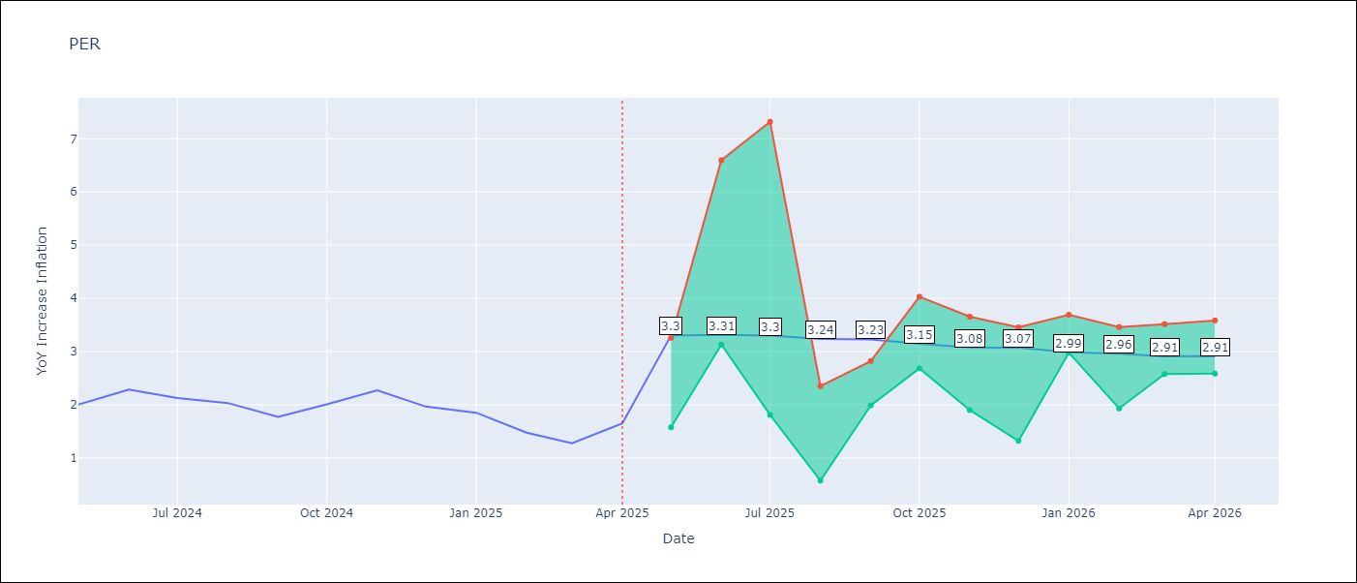

Test Metrics
RMSE | 1.32
Naive RMSE | 0.26
MAPE | 72.86%

Test Predictions
Date | Predicted | Actual
2024-05-01 | 2.85 | 2
2024-06-01 | 3.07 | 2.29
2024-07-01 | 3.22 | 2.13
2024-08-01 | 3.26 | 2.03
2024-09-01 | 3.29 | 1.78
2024-10-01 | 3.36 | 2.01
2024-11-01 | 3.34 | 2.27
2024-12-01 | 3.28 | 1.97
2025-01-01 | 3.18 | 1.85
2025-02-01 | 3.08 | 1.48
2025-03-01 | 3.09 | 1.28
2025-04-01 | 3.19 | 1.65

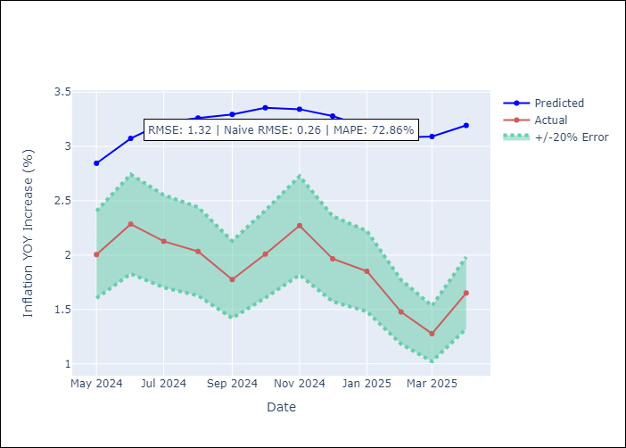

Appendix A: Model Summary
Model | Random Forest
Sample | 1994-01-01 to 2025-04-01
No. of Observations | 376
Terms | P-value (Statistical significance)

Assumptions | P-value

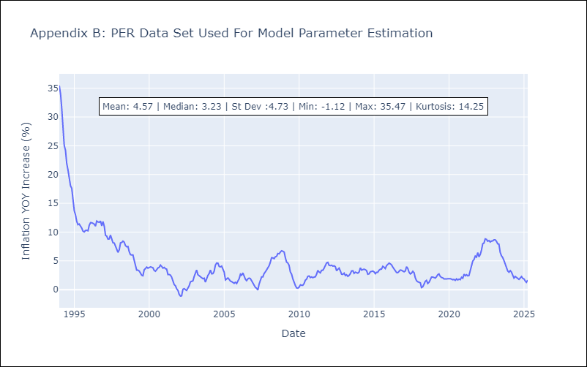

Appendix C: Residuals Analysis
Mean

PRY
PRY - Inflation - Next 12 months forecast as of: 2025-04-01

Model | Random Forest - [(2, 1, 1), (1, 0, 1, 12)]
Training Data | 1995-12-01 to 2024-05-01
Test Data | 2024-05-01 to 2025-04-01

Date | Inflation Change YoY % | Lower Bound - 95% Confidence Interval | Upper Bound - 95% Confidence Interval
2025-05-01 | 3.78 | 2.89 | 3.92
2025-06-01 | 3.87 | 2.91 | 4.29
2025-07-01 | 3.84 | 2.97 | 3.76
2025-08-01 | 3.87 | 3.31 | 4.25
2025-09-01 | 4.01 | 2.76 | 3.77
2025-10-01 | 4.08 | 2.74 | 4.07
2025-11-01 | 3.94 | 2.94 | 3.85
2025-12-01 | 3.77 | 3.21 | 4.22
2026-01-01 | 3.66 | 2.91 | 3.8
2026-02-01 | 3.67 | 2.88 | 4.11
2026-03-01 | 3.77 | 2.88 | 3.78
2026-04-01 | 3.71 | 3.25 | 4.21

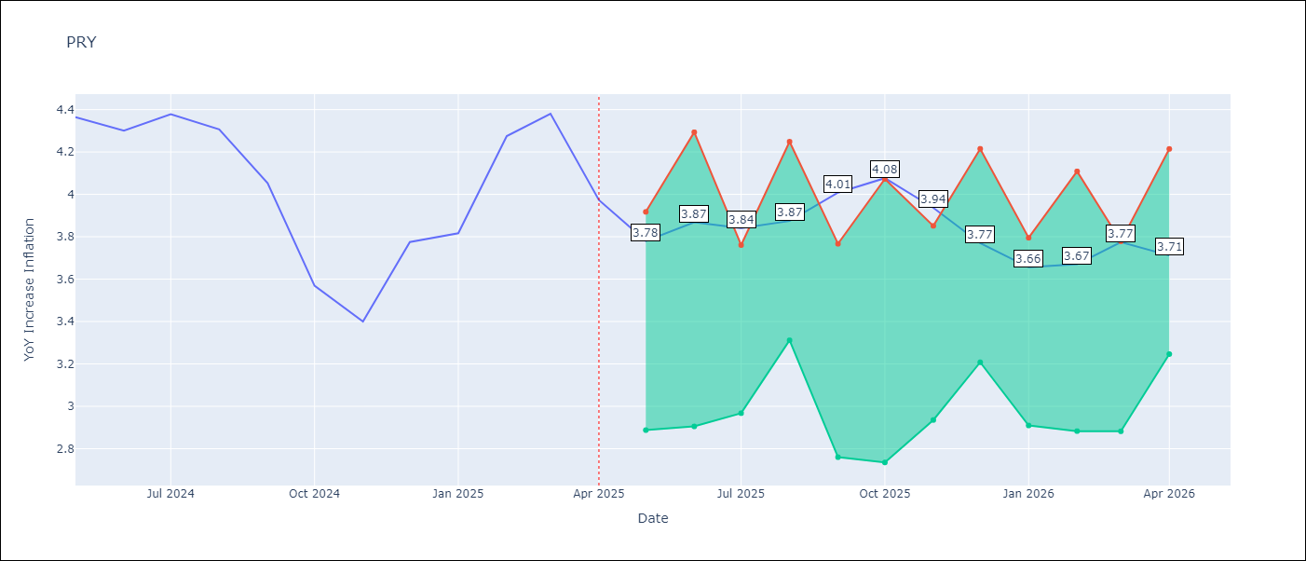

Test Metrics
RMSE | 0.56
Naive RMSE | 0.28
MAPE | 11.17%

Test Predictions
Date | Predicted | Actual
2024-05-01 | 3.52 | 4.36
2024-06-01 | 3.6 | 4.3
2024-07-01 | 3.5 | 4.38
2024-08-01 | 3.51 | 4.31
2024-09-01 | 3.6 | 4.05
2024-10-01 | 3.59 | 3.57
2024-11-01 | 3.69 | 3.4
2024-12-01 | 3.64 | 3.78
2025-01-01 | 3.72 | 3.82
2025-02-01 | 3.74 | 4.27
2025-03-01 | 3.72 | 4.38
2025-04-01 | 3.77 | 3.97

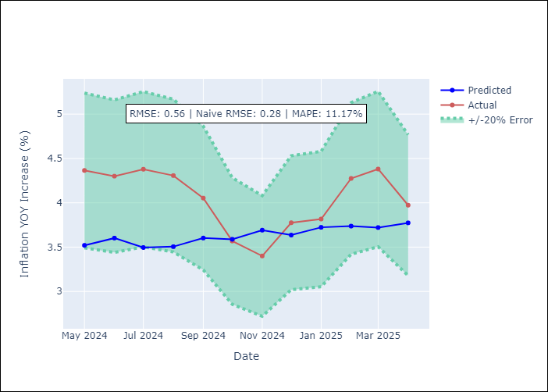

Appendix A: Model Summary
Model | Random Forest
Sample | 1995-12-01 to 2025-04-01
No. of Observations | 353
Terms | P-value (Statistical significance)

Assumptions | P-value



Appendix C: Residuals Analysis
Mean

URY
URY - Inflation - Next 12 months forecast as of: 2025-04-01

Model | Random Forest - [(0, 2, 1), (3, 0, 0, 12)]
Training Data | 1992-01-01 to 2024-05-01
Test Data | 2024-05-01 to 2025-04-01

Date | Inflation Change YoY % | Lower Bound - 95% Confidence Interval | Upper Bound - 95% Confidence Interval
2025-05-01 | 8.64 | 4.15 | 8.36
2025-06-01 | 8.7 | 7.72 | 13.74
2025-07-01 | 8.8 | 5.47 | 8.86
2025-08-01 | 8.82 | 6.55 | 7.69
2025-09-01 | 8.77 | 7.15 | 8.2
2025-10-01 | 8.81 | 7.97 | 9.34
2025-11-01 | 8.89 | 8.27 | 9.01
2025-12-01 | 8.87 | 8.32 | 9.03
2026-01-01 | 8.73 | 8.3 | 9.05
2026-02-01 | 8.74 | 8.33 | 9.11
2026-03-01 | 8.67 | 8.26 | 9.09
2026-04-01 | 8.62 | 8.33 | 9.05

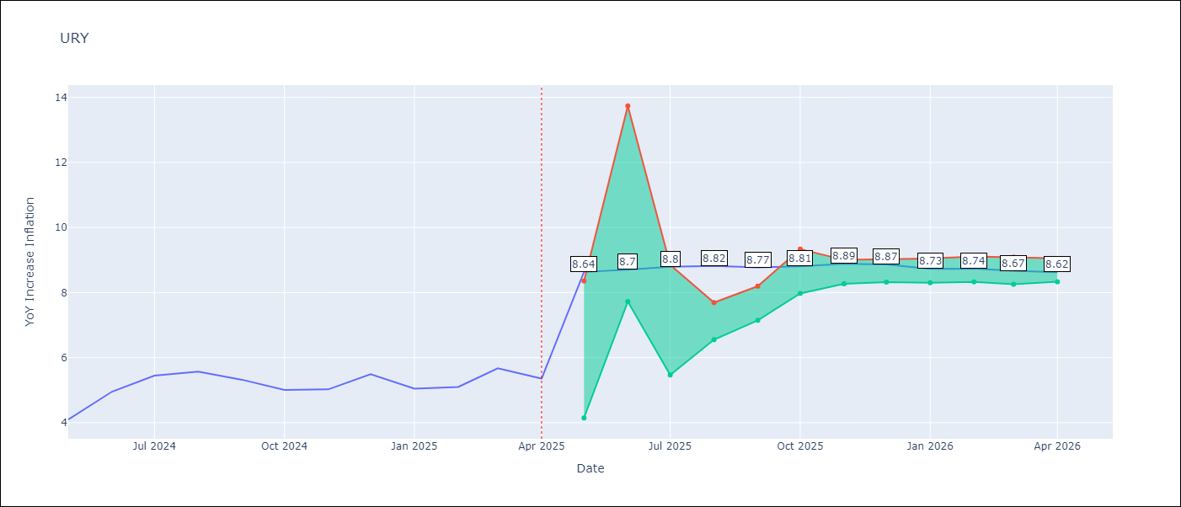

Test Metrics
RMSE | 3.97
Naive RMSE | 0.43
MAPE | 54.63%

Test Predictions
Date | Predicted | Actual
2024-05-01 | 4.33 | 4.1
2024-06-01 | 4.59 | 4.96
2024-07-01 | 4.97 | 5.45
2024-08-01 | 5.47 | 5.57
2024-09-01 | 5.85 | 5.32
2024-10-01 | 6.15 | 5.01
2024-11-01 | 6.49 | 5.03
2024-12-01 | 7.16 | 5.49
2025-01-01 | 8.61 | 5.05
2025-02-01 | 10.79 | 5.1
2025-03-01 | 13.19 | 5.67
2025-04-01 | 14.34 | 5.36

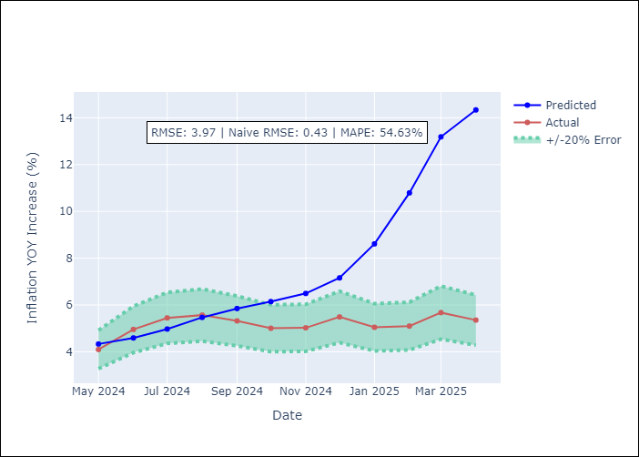

Appendix A: Model Summary
Model | Random Forest
Sample | 1992-01-01 to 2025-04-01
No. of Observations | 400
Terms | P-value (Statistical significance)

Assumptions | P-value

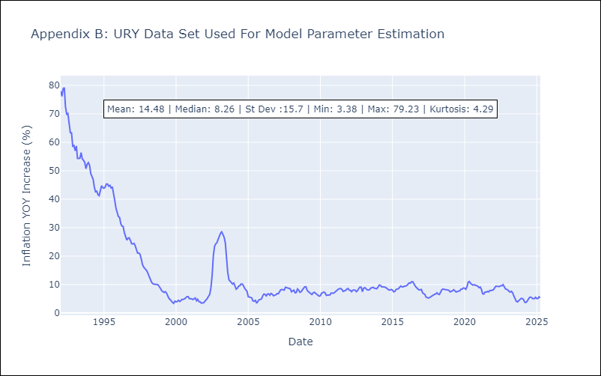

Appendix C: Residuals Analysis
Mean

VEN
VEN - Inflation - Next 12 months forecast as of: 2016-12-01

Model | Random Forest - [(3, 0, 0), (0, 0, 0, 12)]
Training Data | 2013-01-01 to 2016-01-01
Test Data | 2016-01-01 to 2016-12-01

Date | Inflation Change YoY % | Lower Bound - 95% Confidence Interval | Upper Bound - 95% Confidence Interval
2017-01-01 | 174.74 | 157.85 | 288.08
2017-02-01 | 180.98 | 139.63 | 288.42
2017-03-01 | 190.43 | 163.34 | 290
2017-04-01 | 203.11 | 156.27 | 289.88
2017-05-01 | 222.89 | 161.64 | 288.43
2017-06-01 | 251.09 | 150.41 | 288.56
2017-07-01 | 280.88 | 158.81 | 289.77
2017-08-01 | 284.87 | 170.17 | 290.4
2017-09-01 | 274.9 | 159.8 | 289.2
2017-10-01 | 267.55 | 165.61 | 289.35
2017-11-01 | 257.2 | 154.41 | 288.8
2017-12-01 | 255.05 | 161.38 | 289.87

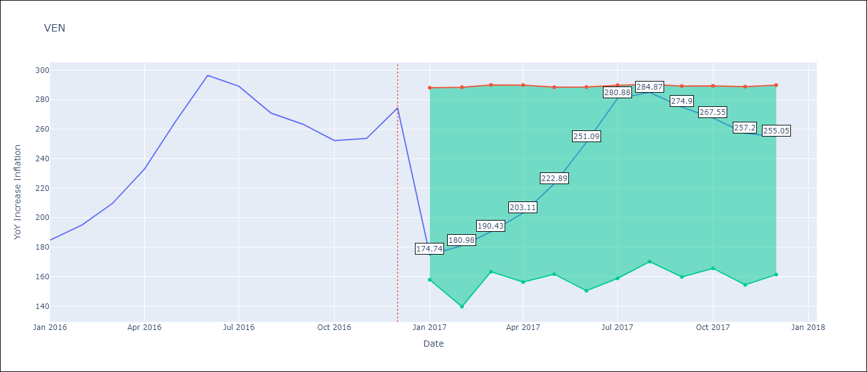

Test Metrics
RMSE | 23.13
Naive RMSE | 18.77
MAPE | 17.52%

Test Predictions
Date | Predicted | Actual
2016-01-01 | 174.74 | 184.76
2016-02-01 | 180.98 | 195.13
2016-03-01 | 190.43 | 209.56
2016-04-01 | 203.11 | 232.92
2016-05-01 | 222.89 | 265.24
2016-06-01 | 251.09 | 296.44
2016-07-01 | 280.88 | 289.06
2016-08-01 | 284.87 | 270.87
2016-09-01 | 274.9 | 263.24
2016-10-01 | 267.55 | 252.27
2016-11-01 | 257.2 | 253.65
2016-12-01 | 255.05 | 274.35

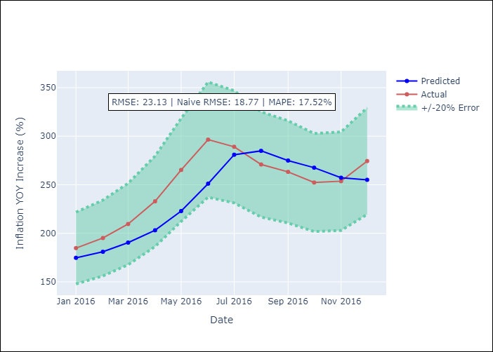

Appendix A: Model Summary
Model | Random Forest
Sample | 2013-01-01 to 2016-12-01
No. of Observations | 48
Terms | P-value (Statistical significance)

Assumptions | P-value

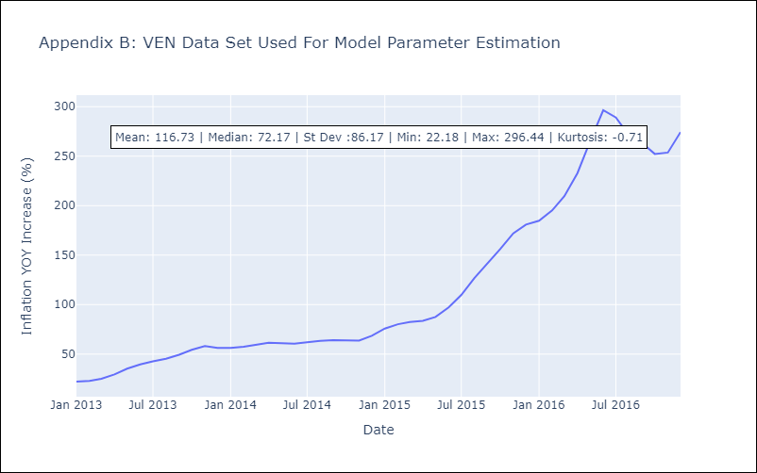

Appendix C: Residuals Analysis
Mean

