ARG
ARG - Inflation - Next 12 months forecast as of: 2025-04-01

Model | Random Forest - [(2, 2, 2), (0, 0, 1, 12)]
Training Data | 2007-01-01 to 2024-05-01
Test Data | 2024-05-01 to 2025-04-01

Date | Inflation Change YoY % | Lower Bound - 95% Confidence Interval | Upper Bound - 95% Confidence Interval
2025-05-01 | 244.43 | 101.06 | 175.46
2025-06-01 | 252.68 | 157.27 | 248.35
2025-07-01 | 256.51 | 82.69 | 279.83
2025-08-01 | 259.09 | 131.99 | 245.12
2025-09-01 | 253.95 | 99.07 | 273.3
2025-10-01 | 241.08 | 116.36 | 261
2025-11-01 | 227.93 | 105.58 | 268.39
2025-12-01 | 211.38 | 123.39 | 262.79
2026-01-01 | 184.43 | 104.56 | 271.5
2026-02-01 | 155.78 | 111.7 | 260.94
2026-03-01 | 132.5 | 107.09 | 270.84
2026-04-01 | 111.85 | 115.69 | 261.26

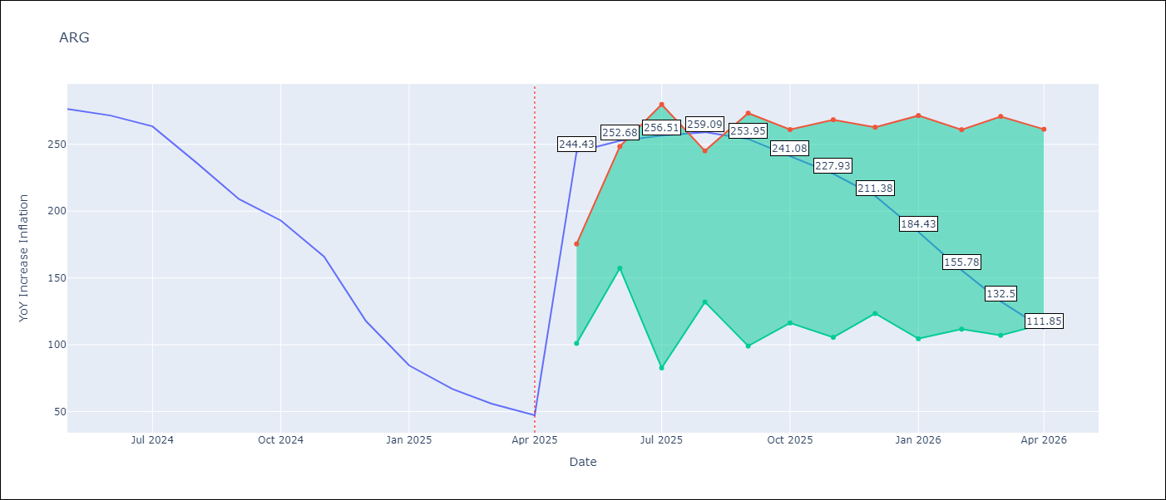

Test Metrics
RMSE | 34.46
Naive RMSE | 24.3
MAPE | 100.82%

Test Predictions
Date | Predicted | Actual
2024-05-01 | 286.74 | 276.41
2024-06-01 | 281.18 | 271.53
2024-07-01 | 274.46 | 263.45
2024-08-01 | 267.61 | 236.72
2024-09-01 | 248.87 | 209
2024-10-01 | 223.07 | 192.99
2024-11-01 | 202.82 | 166.03
2024-12-01 | 179.73 | 117.76
2025-01-01 | 140.95 | 84.54
2025-02-01 | 103.32 | 66.87
2025-03-01 | 78.67 | 55.93
2025-04-01 | 63.42 | 47.26

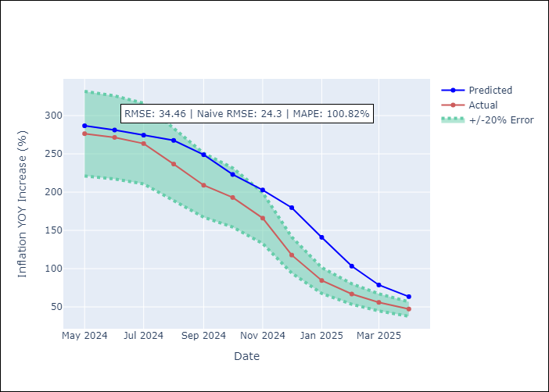

Appendix A: Model Summary
Model | Random Forest
Sample | 2007-01-01 to 2025-04-01
No. of Observations | 220
Terms | P-value (Statistical significance)

Assumptions | P-value

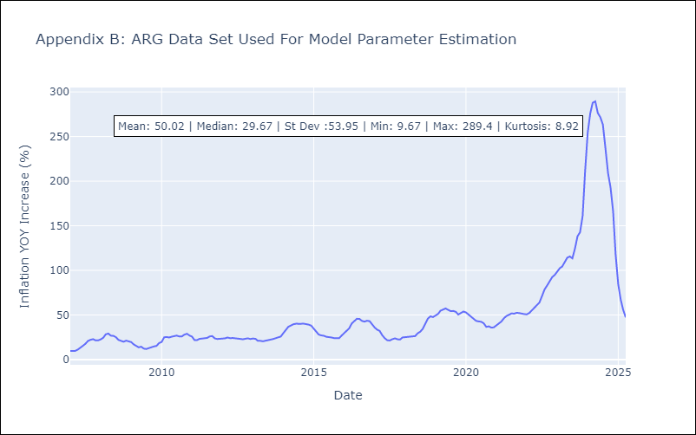

Appendix C: Residuals Analysis
Mean

BOL
BOL - Inflation - Next 12 months forecast as of: 2025-04-01

Model | Random Forest - [(1, 1, 2), (0, 0, 2, 12)]
Training Data | 2021-01-01 to 2024-05-01
Test Data | 2024-05-01 to 2025-04-01

Date | Inflation Change YoY % | Lower Bound - 95% Confidence Interval | Upper Bound - 95% Confidence Interval
2025-05-01 | 2.55 | 2.25 | 11.21
2025-06-01 | 2.79 | 2.44 | 11.23
2025-07-01 | 3.07 | 2.52 | 11.69
2025-08-01 | 3.3 | 2.34 | 11.58
2025-09-01 | 3.79 | 2.39 | 11.6
2025-10-01 | 4.37 | 2.38 | 11.8
2025-11-01 | 5.23 | 2.44 | 11.28
2025-12-01 | 6.24 | 2.52 | 11.33
2026-01-01 | 7.23 | 2.42 | 11.44
2026-02-01 | 8.45 | 2.44 | 11.82
2026-03-01 | 9.71 | 2.39 | 11.07
2026-04-01 | 11.1 | 2.42 | 11.53

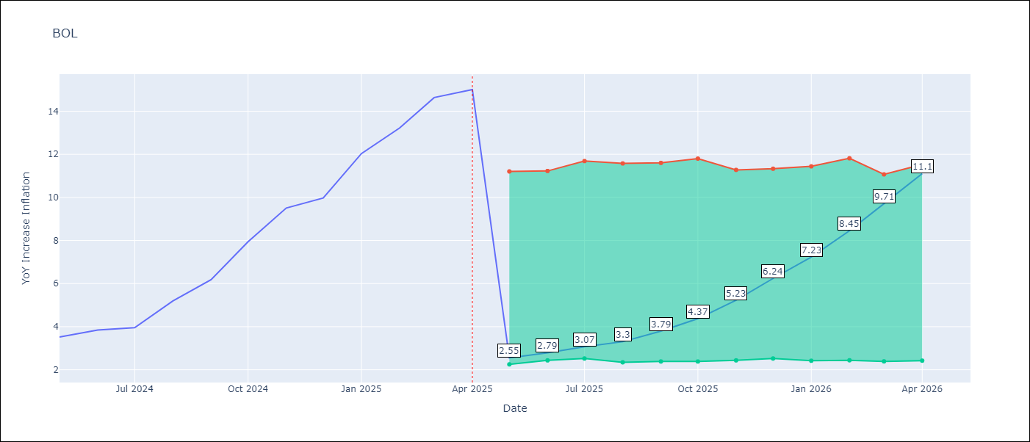

Test Metrics
RMSE | 3.6
Naive RMSE | 1.21
MAPE | 53.13%

Test Predictions
Date | Predicted | Actual
2024-05-01 | 2.64 | 3.52
2024-06-01 | 2.75 | 3.84
2024-07-01 | 3.05 | 3.95
2024-08-01 | 3.14 | 5.19
2024-09-01 | 3.73 | 6.18
2024-10-01 | 4.3 | 7.94
2024-11-01 | 5.25 | 9.51
2024-12-01 | 6.19 | 9.97
2025-01-01 | 7.06 | 12.03
2025-02-01 | 8.18 | 13.22
2025-03-01 | 9.33 | 14.63
2025-04-01 | 10.67 | 15.01

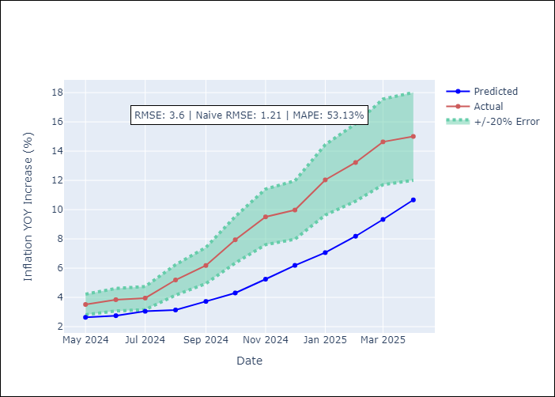

Appendix A: Model Summary
Model | Random Forest
Sample | 2021-01-01 to 2025-04-01
No. of Observations | 52
Terms | P-value (Statistical significance)

Assumptions | P-value

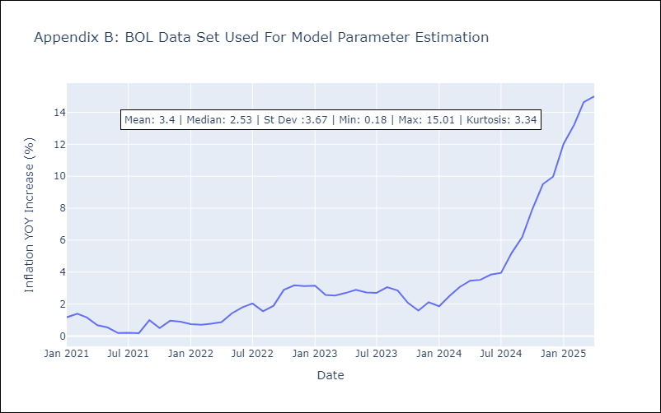

Appendix C: Residuals Analysis
Mean

BRA
BRA - Inflation - Next 12 months forecast as of: 2025-04-01

Model | Random Forest - [(1, 2, 1), (0, 0, 1, 12)]
Training Data | 1998-01-01 to 2024-05-01
Test Data | 2024-05-01 to 2025-04-01

Date | Inflation Change YoY % | Lower Bound - 95% Confidence Interval | Upper Bound - 95% Confidence Interval
2025-05-01 | 3.07 | 5.4 | 6.34
2025-06-01 | 3.18 | 4.82 | 6.51
2025-07-01 | 3.26 | 6.19 | 7.78
2025-08-01 | 3.28 | 6.67 | 11.01
2025-09-01 | 3.3 | 8.4 | 14.6
2025-10-01 | 3.21 | 4.75 | 9.64
2025-11-01 | 3.17 | 4.08 | 6.7
2025-12-01 | 3.02 | 5.63 | 7.05
2026-01-01 | 3.07 | 6.43 | 8.73
2026-02-01 | 3.2 | 8.45 | 11.04
2026-03-01 | 3.96 | 3.12 | 9.01
2026-04-01 | 4.26 | 2.76 | 4.26

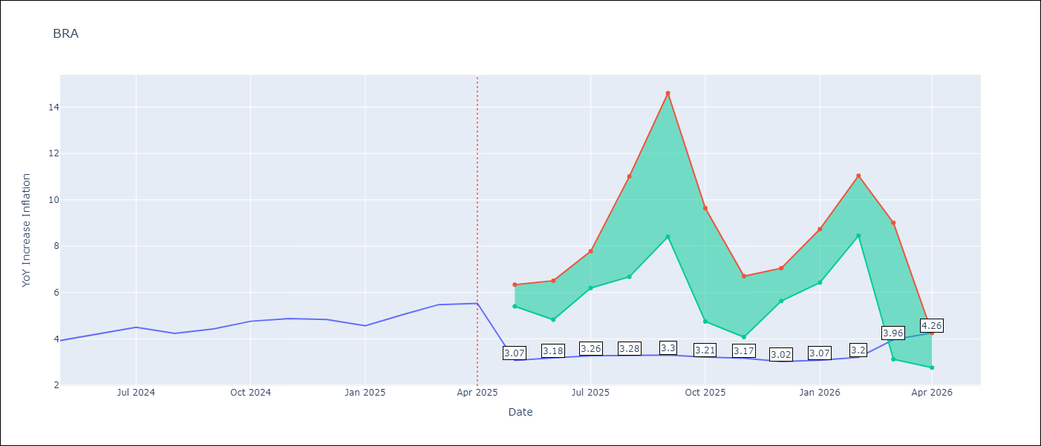

Test Metrics
RMSE | 1.29
Naive RMSE | 0.29
MAPE | 23.94%

Test Predictions
Date | Predicted | Actual
2024-05-01 | 3.74 | 3.93
2024-06-01 | 3.9 | 4.23
2024-07-01 | 3.9 | 4.5
2024-08-01 | 3.69 | 4.24
2024-09-01 | 3.46 | 4.42
2024-10-01 | 3.27 | 4.76
2024-11-01 | 3.13 | 4.87
2024-12-01 | 3.06 | 4.83
2025-01-01 | 3.14 | 4.56
2025-02-01 | 3.4 | 5.06
2025-03-01 | 3.76 | 5.48
2025-04-01 | 4.07 | 5.53

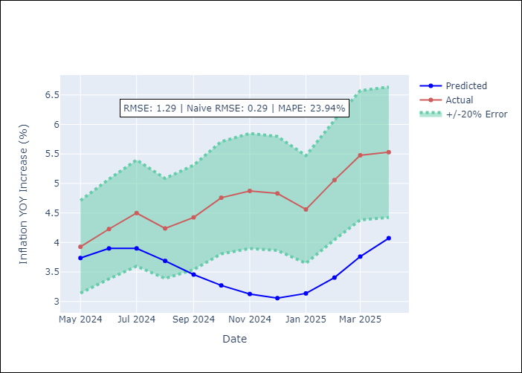

Appendix A: Model Summary
Model | Random Forest
Sample | 1998-01-01 to 2025-04-01
No. of Observations | 328
Terms | P-value (Statistical significance)

Assumptions | P-value



Appendix C: Residuals Analysis
Mean

CHL
CHL - Inflation - Next 12 months forecast as of: 2025-04-01

Model | Random Forest - [(2, 0, 0), (0, 0, 1, 12)]
Training Data | 2012-12-01 to 2024-05-01
Test Data | 2024-05-01 to 2025-04-01

Date | Inflation Change YoY % | Lower Bound - 95% Confidence Interval | Upper Bound - 95% Confidence Interval
2025-05-01 | 9.49 | 3.26 | 4.55
2025-06-01 | 8.4 | 2.73 | 6.36
2025-07-01 | 7.36 | 3 | 5.58
2025-08-01 | 6.5 | 2.45 | 6.31
2025-09-01 | 5.79 | 3.07 | 5.17
2025-10-01 | 5.27 | 2.32 | 4.26
2025-11-01 | 4.89 | 1.83 | 3.68
2025-12-01 | 4.62 | 2.37 | 2.94
2026-01-01 | 4.34 | 2.46 | 3.37
2026-02-01 | 4.14 | 3.17 | 9.11
2026-03-01 | 4.11 | 8.31 | 13.51
2026-04-01 | 4.08 | 3.99 | 10.15

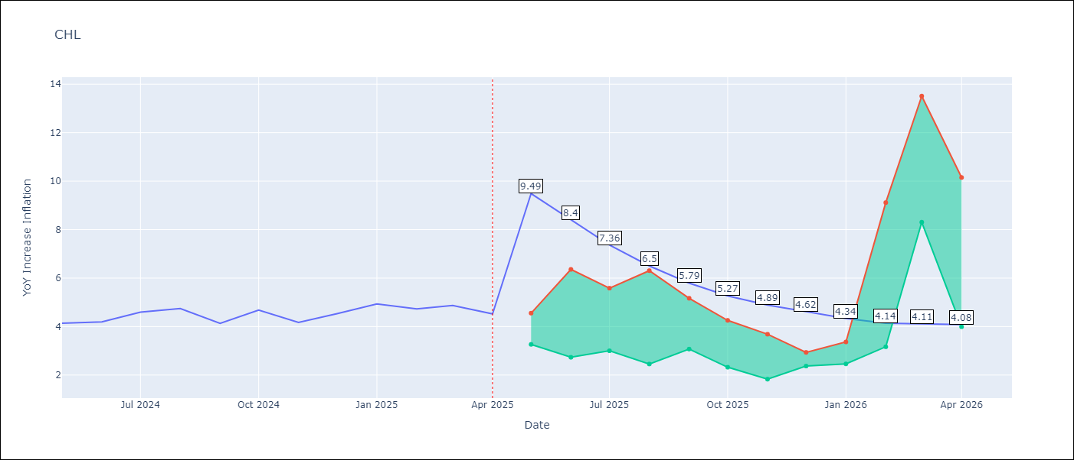

Test Metrics
RMSE | 0.24
Naive RMSE | 0.38
MAPE | 6.66%

Test Predictions
Date | Predicted | Actual
2024-05-01 | 4.25 | 4.13
2024-06-01 | 4.33 | 4.19
2024-07-01 | 4.39 | 4.6
2024-08-01 | 4.46 | 4.74
2024-09-01 | 4.47 | 4.13
2024-10-01 | 4.42 | 4.68
2024-11-01 | 4.6 | 4.17
2024-12-01 | 4.71 | 4.53
2025-01-01 | 4.81 | 4.94
2025-02-01 | 4.88 | 4.73
2025-03-01 | 4.81 | 4.87
2025-04-01 | 4.82 | 4.52

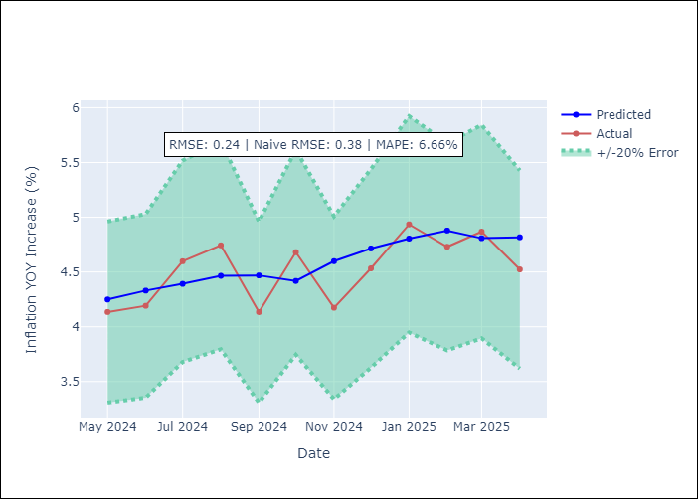

Appendix A: Model Summary
Model | Random Forest
Sample | 2012-12-01 to 2025-04-01
No. of Observations | 149
Terms | P-value (Statistical significance)

Assumptions | P-value



Appendix C: Residuals Analysis
Mean

COL
COL - Inflation - Next 12 months forecast as of: 2025-04-01

Model | Random Forest - [(1, 0, 1), (0, 0, 0, 12)]
Training Data | 2006-01-01 to 2024-05-01
Test Data | 2024-05-01 to 2025-04-01

Date | Inflation Change YoY % | Lower Bound - 95% Confidence Interval | Upper Bound - 95% Confidence Interval
2025-05-01 | 3.51 | 3.93 | 7.43
2025-06-01 | 3.19 | 2.58 | 6.66
2025-07-01 | 2.81 | 1.94 | 2.99
2025-08-01 | 2.5 | 2.83 | 4.47
2025-09-01 | 2.32 | 2.56 | 4.97
2025-10-01 | 2.18 | 1.89 | 3.29
2025-11-01 | 2.03 | 2.07 | 3.56
2025-12-01 | 1.88 | 3.21 | 4.38
2026-01-01 | 1.78 | 1.79 | 3.62
2026-02-01 | 1.73 | 2.11 | 3.35
2026-03-01 | 1.71 | 3.17 | 4.31
2026-04-01 | 1.75 | 1.67 | 3.61

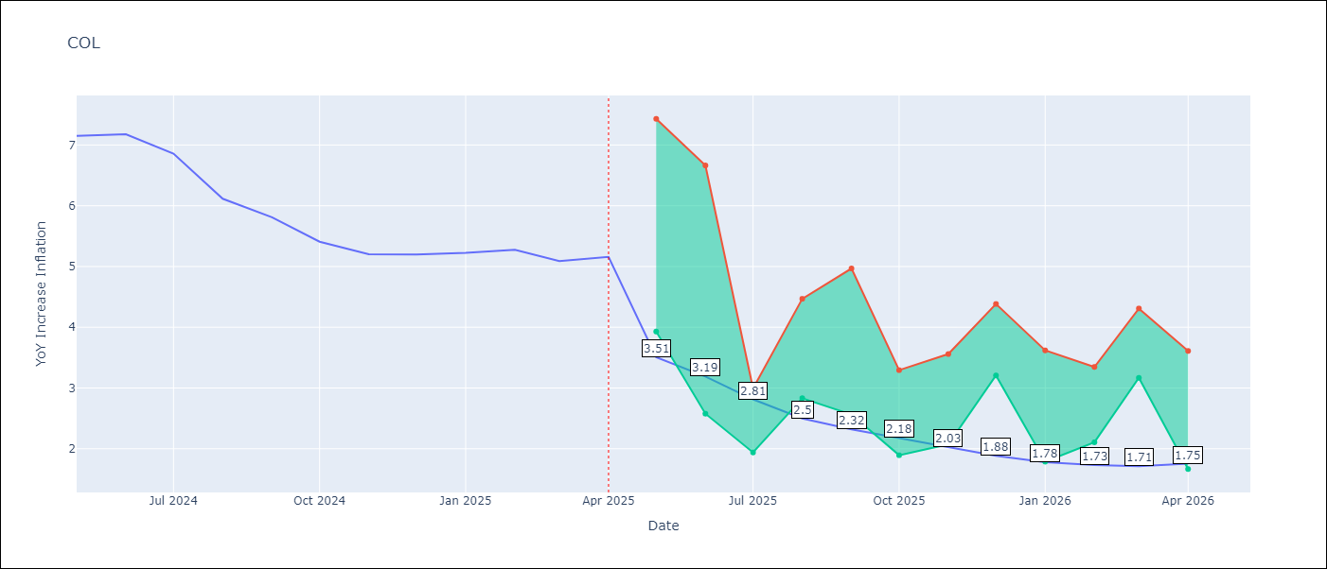

Test Metrics
RMSE | 1.19
Naive RMSE | 0.3
MAPE | 21.25%

Test Predictions
Date | Predicted | Actual
2024-05-01 | 5.91 | 7.15
2024-06-01 | 5.65 | 7.18
2024-07-01 | 5.38 | 6.86
2024-08-01 | 5.11 | 6.12
2024-09-01 | 4.71 | 5.81
2024-10-01 | 4.49 | 5.41
2024-11-01 | 4.26 | 5.2
2024-12-01 | 4.13 | 5.2
2025-01-01 | 3.99 | 5.22
2025-02-01 | 4.04 | 5.27
2025-03-01 | 4.03 | 5.09
2025-04-01 | 3.94 | 5.16

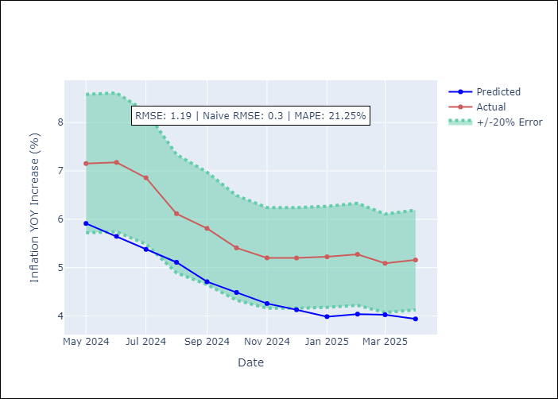

Appendix A: Model Summary
Model | Random Forest
Sample | 2006-01-01 to 2025-04-01
No. of Observations | 232
Terms | P-value (Statistical significance)

Assumptions | P-value

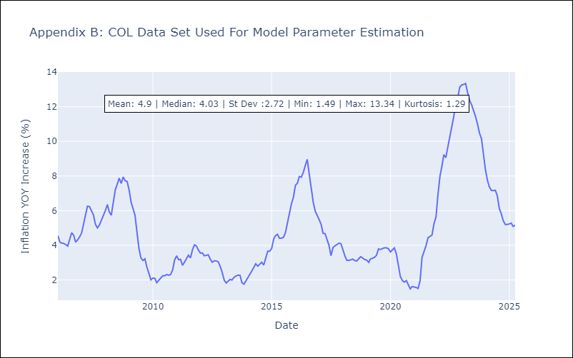

Appendix C: Residuals Analysis
Mean

ECU
ECU - Inflation - Next 12 months forecast as of: 2025-04-01

Model | Random Forest - [(2, 1, 1), (3, 0, 0, 12)]
Training Data | 2009-01-01 to 2024-05-01
Test Data | 2024-05-01 to 2025-04-01

Date | Inflation Change YoY % | Lower Bound - 95% Confidence Interval | Upper Bound - 95% Confidence Interval
2025-05-01 | -0.44 | -0.63 | 0.35
2025-06-01 | -0.45 | -0.12 | 3.23
2025-07-01 | -0.42 | -0.65 | 0.79
2025-08-01 | -0.26 | -0.73 | 0.64
2025-09-01 | -0.16 | -0.17 | 0.98
2025-10-01 | -0.06 | -0.62 | 0.68
2025-11-01 | 0.05 | -0.39 | 1.37
2025-12-01 | 0.12 | -0.73 | 0.41
2026-01-01 | 0.11 | -0.47 | 1.81
2026-02-01 | 0.11 | -0.25 | 3.15
2026-03-01 | 0.18 | -0.72 | 0.56
2026-04-01 | 0.25 | -0.63 | 0.58

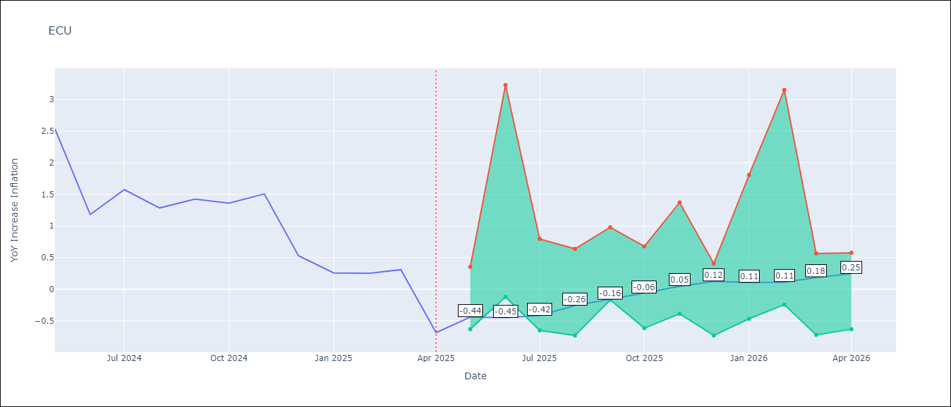

Test Metrics
RMSE | 2.64
Naive RMSE | 0.61
MAPE | 467.77%

Test Predictions
Date | Predicted | Actual
2024-05-01 | 2.98 | 2.53
2024-06-01 | 3.06 | 1.18
2024-07-01 | 3.22 | 1.57
2024-08-01 | 3.39 | 1.28
2024-09-01 | 3.59 | 1.42
2024-10-01 | 3.7 | 1.36
2024-11-01 | 3.72 | 1.51
2024-12-01 | 3.7 | 0.53
2025-01-01 | 3.65 | 0.26
2025-02-01 | 3.52 | 0.25
2025-03-01 | 3.4 | 0.31
2025-04-01 | 3.3 | -0.69

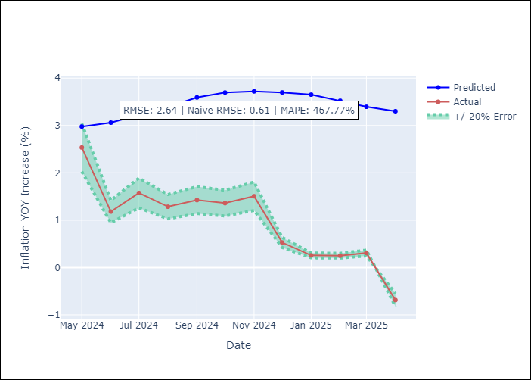

Appendix A: Model Summary
Model | Random Forest
Sample | 2009-01-01 to 2025-04-01
No. of Observations | 196
Terms | P-value (Statistical significance)

Assumptions | P-value

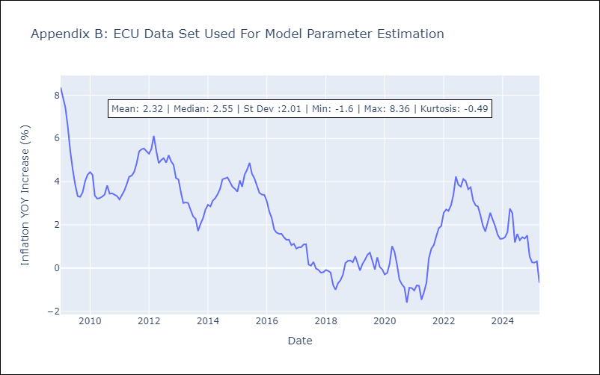

Appendix C: Residuals Analysis
Mean

PER
PER - Inflation - Next 12 months forecast as of: 2025-04-01

Model | Random Forest - [(3, 2, 0), (3, 0, 0, 12)]
Training Data | 1994-01-01 to 2024-05-01
Test Data | 2024-05-01 to 2025-04-01

Date | Inflation Change YoY % | Lower Bound - 95% Confidence Interval | Upper Bound - 95% Confidence Interval
2025-05-01 | 3.08 | 1.58 | 3.11
2025-06-01 | 3.11 | 2.98 | 5.99
2025-07-01 | 3.11 | 2.18 | 5.5
2025-08-01 | 3.11 | 1.41 | 3.17
2025-09-01 | 3.12 | 2.79 | 3.64
2025-10-01 | 3.13 | 2.39 | 3.37
2025-11-01 | 3.18 | 2.97 | 3.61
2025-12-01 | 3.22 | 2.58 | 3.56
2026-01-01 | 3.28 | 2.24 | 3.7
2026-02-01 | 3.28 | 2.63 | 3.59
2026-03-01 | 3.3 | 2.26 | 3.6
2026-04-01 | 3.29 | 2.75 | 3.5

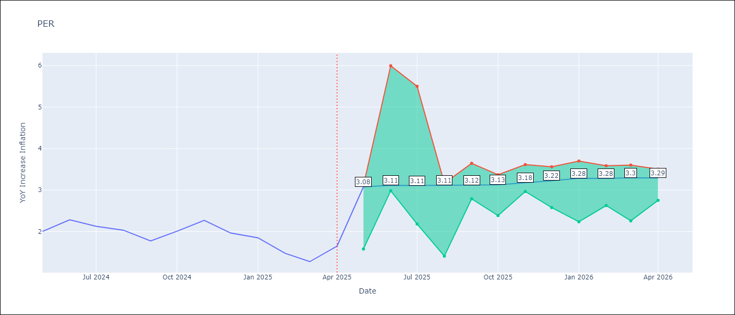

Test Metrics
RMSE | 1.24
Naive RMSE | 0.26
MAPE | 68.9%

Test Predictions
Date | Predicted | Actual
2024-05-01 | 2.82 | 2
2024-06-01 | 3.09 | 2.29
2024-07-01 | 3.2 | 2.13
2024-08-01 | 3.24 | 2.03
2024-09-01 | 3.2 | 1.78
2024-10-01 | 3.24 | 2.01
2024-11-01 | 3.27 | 2.27
2024-12-01 | 3.26 | 1.97
2025-01-01 | 3.11 | 1.85
2025-02-01 | 2.92 | 1.48
2025-03-01 | 2.93 | 1.28
2025-04-01 | 3.08 | 1.65

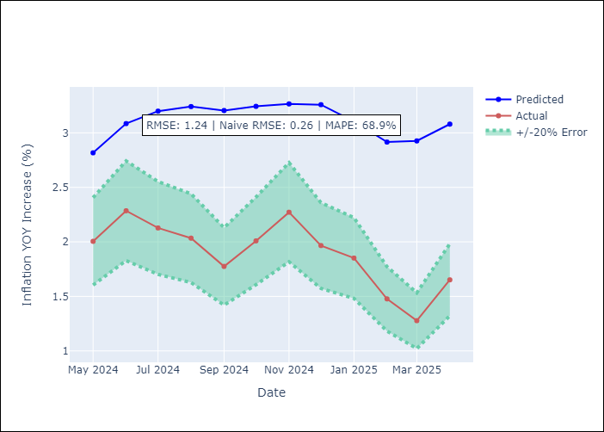

Appendix A: Model Summary
Model | Random Forest
Sample | 1994-01-01 to 2025-04-01
No. of Observations | 376
Terms | P-value (Statistical significance)

Assumptions | P-value

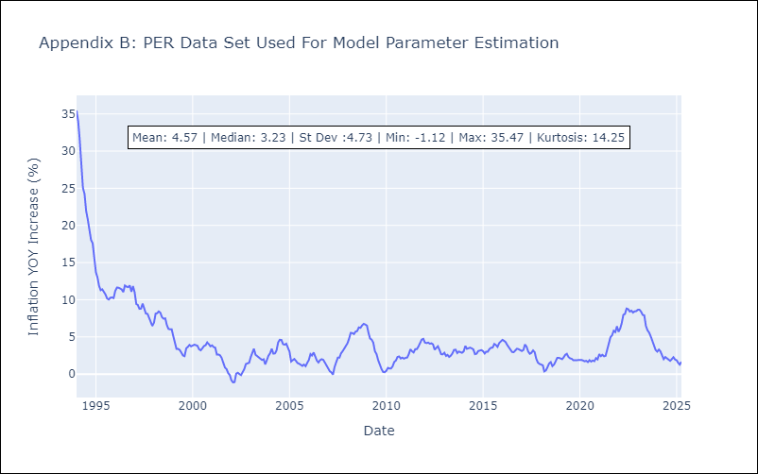

Appendix C: Residuals Analysis
Mean

PRY
PRY - Inflation - Next 12 months forecast as of: 2025-04-01

Model | Random Forest - [(2, 1, 1), (1, 0, 1, 12)]
Training Data | 1995-12-01 to 2024-05-01
Test Data | 2024-05-01 to 2025-04-01

Date | Inflation Change YoY % | Lower Bound - 95% Confidence Interval | Upper Bound - 95% Confidence Interval
2025-05-01 | 3.64 | 2.85 | 3.81
2025-06-01 | 3.76 | 2.96 | 4.18
2025-07-01 | 3.85 | 2.92 | 3.74
2025-08-01 | 3.89 | 2.71 | 4.18
2025-09-01 | 3.8 | 2.94 | 3.77
2025-10-01 | 3.78 | 3.26 | 4.3
2025-11-01 | 3.56 | 2.96 | 3.74
2025-12-01 | 3.41 | 2.92 | 4.19
2026-01-01 | 3.33 | 2.96 | 3.83
2026-02-01 | 3.2 | 3.09 | 4.31
2026-03-01 | 3.26 | 2.88 | 3.7
2026-04-01 | 3.25 | 2.68 | 4.21

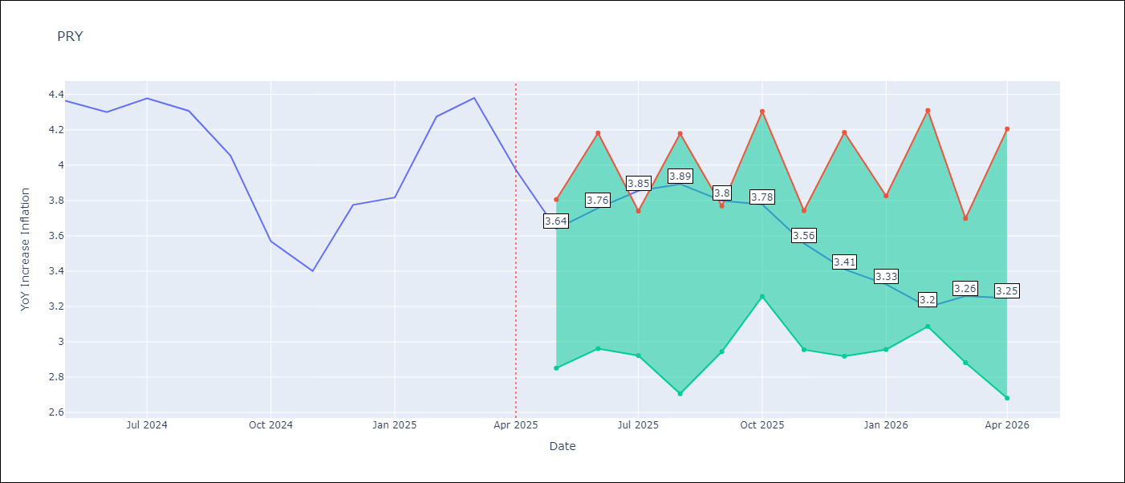

Test Metrics
RMSE | 0.6
Naive RMSE | 0.28
MAPE | 12.66%

Test Predictions
Date | Predicted | Actual
2024-05-01 | 3.59 | 4.36
2024-06-01 | 3.6 | 4.3
2024-07-01 | 3.48 | 4.38
2024-08-01 | 3.57 | 4.31
2024-09-01 | 3.62 | 4.05
2024-10-01 | 3.58 | 3.57
2024-11-01 | 3.53 | 3.4
2024-12-01 | 3.44 | 3.78
2025-01-01 | 3.46 | 3.82
2025-02-01 | 3.53 | 4.27
2025-03-01 | 3.6 | 4.38
2025-04-01 | 3.51 | 3.97

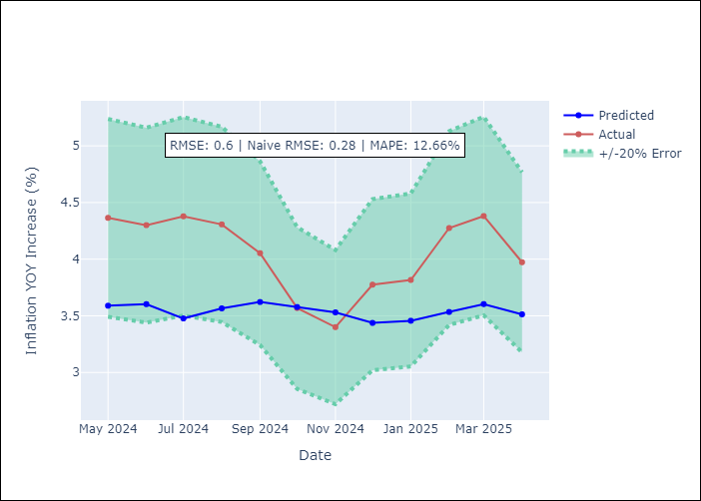

Appendix A: Model Summary
Model | Random Forest
Sample | 1995-12-01 to 2025-04-01
No. of Observations | 353
Terms | P-value (Statistical significance)

Assumptions | P-value



Appendix C: Residuals Analysis
Mean

URY
URY - Inflation - Next 12 months forecast as of: 2025-04-01

Model | Random Forest - [(0, 2, 1), (3, 0, 0, 12)]
Training Data | 1992-01-01 to 2024-05-01
Test Data | 2024-05-01 to 2025-04-01

Date | Inflation Change YoY % | Lower Bound - 95% Confidence Interval | Upper Bound - 95% Confidence Interval
2025-05-01 | 8.58 | 4.01 | 8.49
2025-06-01 | 8.67 | 7.56 | 14.06
2025-07-01 | 8.74 | 5.45 | 9.27
2025-08-01 | 8.74 | 4.86 | 7.69
2025-09-01 | 8.72 | 7.54 | 8.58
2025-10-01 | 8.78 | 7.76 | 9.4
2025-11-01 | 8.8 | 8.37 | 9.19
2025-12-01 | 8.76 | 8.42 | 9.06
2026-01-01 | 8.77 | 8.34 | 8.99
2026-02-01 | 8.74 | 8.38 | 9.11
2026-03-01 | 8.58 | 8.27 | 9.06
2026-04-01 | 8.55 | 8.32 | 9.11

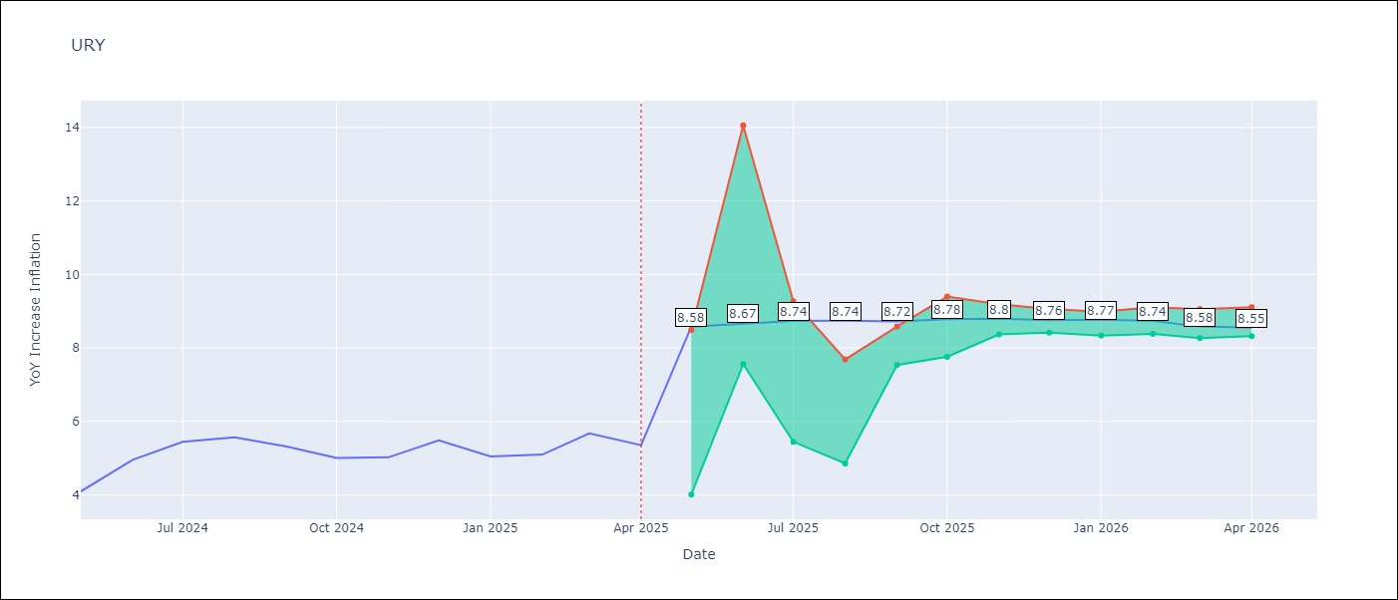

Test Metrics
RMSE | 3.71
Naive RMSE | 0.43
MAPE | 49.86%

Test Predictions
Date | Predicted | Actual
2024-05-01 | 4.21 | 4.1
2024-06-01 | 4.34 | 4.96
2024-07-01 | 4.67 | 5.45
2024-08-01 | 5.11 | 5.57
2024-09-01 | 5.47 | 5.32
2024-10-01 | 5.75 | 5.01
2024-11-01 | 6.11 | 5.03
2024-12-01 | 6.77 | 5.49
2025-01-01 | 8.06 | 5.05
2025-02-01 | 10.18 | 5.1
2025-03-01 | 12.7 | 5.67
2025-04-01 | 14.07 | 5.36

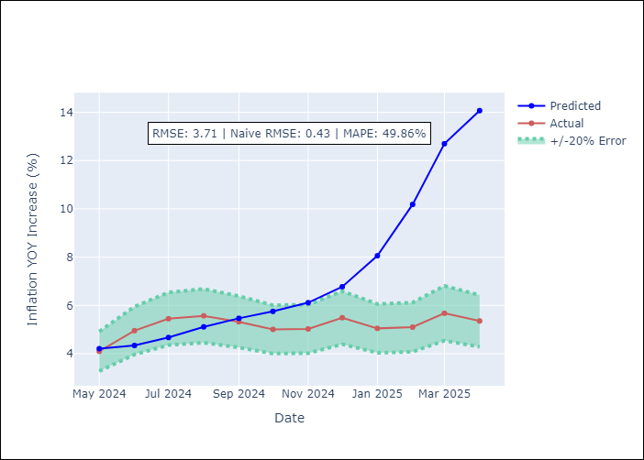

Appendix A: Model Summary
Model | Random Forest
Sample | 1992-01-01 to 2025-04-01
No. of Observations | 400
Terms | P-value (Statistical significance)

Assumptions | P-value

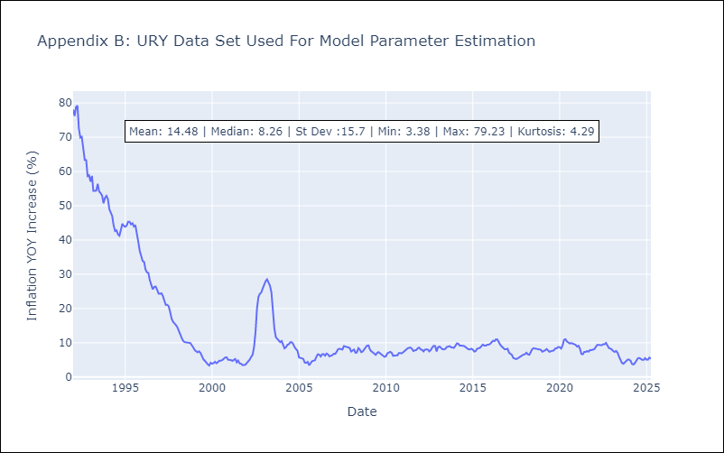

Appendix C: Residuals Analysis
Mean

VEN
VEN - Inflation - Next 12 months forecast as of: 2016-12-01

Model | Random Forest - [(3, 0, 0), (0, 0, 0, 12)]
Training Data | 2013-01-01 to 2016-01-01
Test Data | 2016-01-01 to 2016-12-01

Date | Inflation Change YoY % | Lower Bound - 95% Confidence Interval | Upper Bound - 95% Confidence Interval
2017-01-01 | 172.36 | 166.94 | 289.94
2017-02-01 | 179.36 | 141.17 | 288.87
2017-03-01 | 188.95 | 163.96 | 290.2
2017-04-01 | 201.22 | 157.25 | 289.38
2017-05-01 | 220.09 | 162.46 | 289.43
2017-06-01 | 246.87 | 167.65 | 289.87
2017-07-01 | 275.75 | 161.03 | 289.53
2017-08-01 | 281.69 | 158.99 | 289.8
2017-09-01 | 274.92 | 162.96 | 289.11
2017-10-01 | 268.88 | 144.39 | 289.08
2017-11-01 | 259.08 | 155.79 | 289.13
2017-12-01 | 256.33 | 159.63 | 289.51

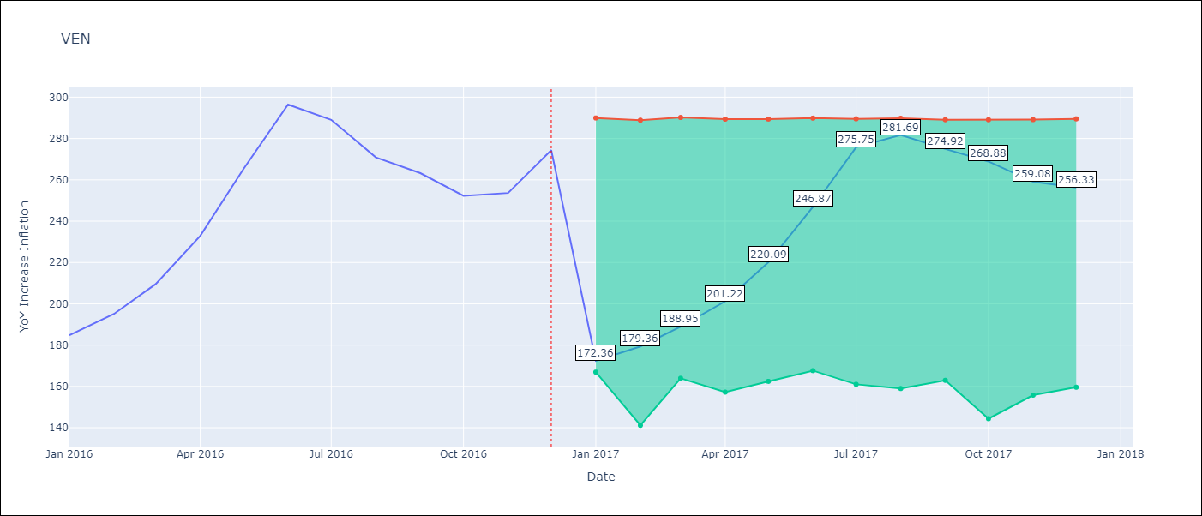

Test Metrics
RMSE | 24.81
Naive RMSE | 18.77
MAPE | 17.63%

Test Predictions
Date | Predicted | Actual
2016-01-01 | 172.36 | 184.76
2016-02-01 | 179.36 | 195.13
2016-03-01 | 188.95 | 209.56
2016-04-01 | 201.22 | 232.92
2016-05-01 | 220.09 | 265.24
2016-06-01 | 246.87 | 296.44
2016-07-01 | 275.75 | 289.06
2016-08-01 | 281.69 | 270.87
2016-09-01 | 274.92 | 263.24
2016-10-01 | 268.88 | 252.27
2016-11-01 | 259.08 | 253.65
2016-12-01 | 256.33 | 274.35

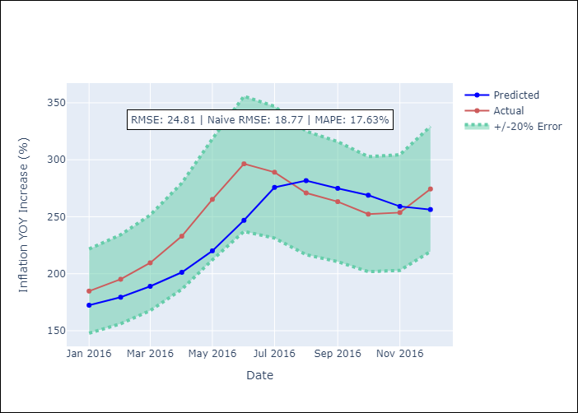

Appendix A: Model Summary
Model | Random Forest
Sample | 2013-01-01 to 2016-12-01
No. of Observations | 48
Terms | P-value (Statistical significance)

Assumptions | P-value

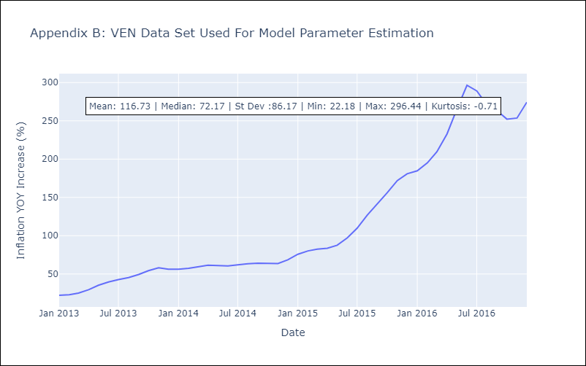

Appendix C: Residuals Analysis
Mean

