ARG
ARG - Inflation - Next 12 months forecast as of: 2025-04-01

Model | Random Forest - [(2, 2, 2), (0, 0, 1, 12)]
Training Data | 2007-01-01 to 2024-05-01
Test Data | 2024-05-01 to 2025-04-01

Date | Inflation Change YoY % | Lower Bound - 95% Confidence Interval | Upper Bound - 95% Confidence Interval
2025-05-01 | 245.02 | 85.88 | 161.74
2025-06-01 | 254.26 | 124.52 | 269.86
2025-07-01 | 258.98 | 89.38 | 279.03
2025-08-01 | 261.03 | 126.39 | 265.11
2025-09-01 | 257.17 | 94.51 | 278.36
2025-10-01 | 246.38 | 116.27 | 264.86
2025-11-01 | 233.52 | 99.71 | 278.39
2025-12-01 | 216.99 | 113.32 | 270.8
2026-01-01 | 191.51 | 99.04 | 275.25
2026-02-01 | 162.92 | 105.67 | 269.08
2026-03-01 | 137.33 | 106.11 | 271.04
2026-04-01 | 115.61 | 108.14 | 271.67

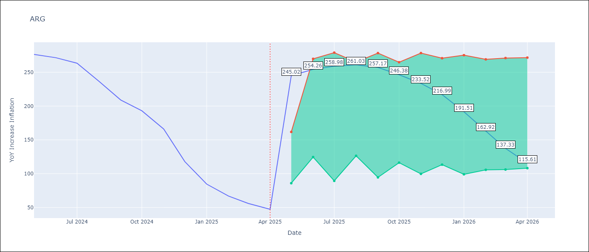

Test Metrics
RMSE | 40.18
Naive RMSE | 24.3
MAPE | 102.4%

Test Predictions
Date | Predicted | Actual
2024-05-01 | 282.81 | 276.41
2024-06-01 | 280.86 | 271.53
2024-07-01 | 276.34 | 263.45
2024-08-01 | 269.68 | 236.72
2024-09-01 | 252.69 | 209
2024-10-01 | 229.61 | 192.99
2024-11-01 | 209.74 | 166.03
2024-12-01 | 186.33 | 117.76
2025-01-01 | 150.1 | 84.54
2025-02-01 | 114.68 | 66.87
2025-03-01 | 88.17 | 55.93
2025-04-01 | 69.73 | 47.26

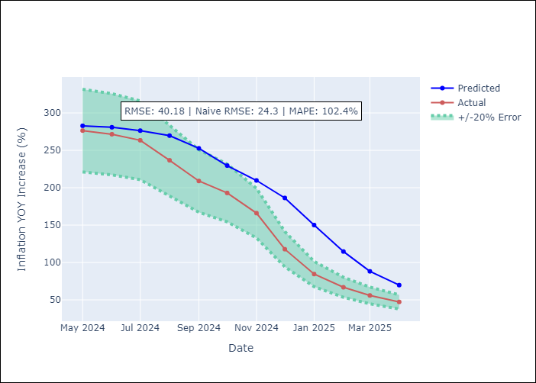

Appendix A: Model Summary
Model | Random Forest
Sample | 2007-01-01 to 2025-04-01
No. of Observations | 220
Terms | P-value (Statistical significance)

Assumptions | P-value

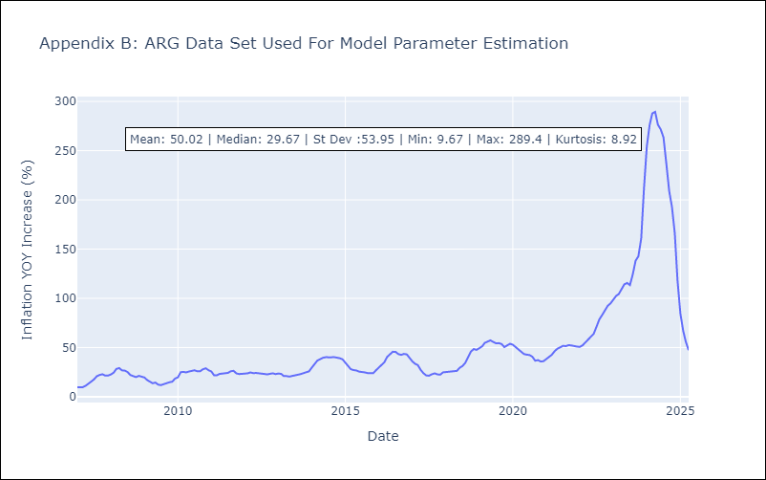

Appendix C: Residuals Analysis
Mean

BOL
BOL - Inflation - Next 12 months forecast as of: 2025-04-01

Model | Random Forest - [(1, 1, 2), (0, 0, 2, 12)]
Training Data | 2021-01-01 to 2024-05-01
Test Data | 2024-05-01 to 2025-04-01

Date | Inflation Change YoY % | Lower Bound - 95% Confidence Interval | Upper Bound - 95% Confidence Interval
2025-05-01 | 2.51 | 2.25 | 11.48
2025-06-01 | 2.75 | 2.3 | 8.99
2025-07-01 | 3.08 | 2.43 | 11.74
2025-08-01 | 3.26 | 2.41 | 11.38
2025-09-01 | 3.75 | 2.5 | 11.23
2025-10-01 | 4.28 | 2.47 | 11.72
2025-11-01 | 5.15 | 2.42 | 10.98
2025-12-01 | 6.13 | 2.31 | 11.31
2026-01-01 | 7.15 | 2.37 | 11.58
2026-02-01 | 8.38 | 2.48 | 11.32
2026-03-01 | 9.56 | 2.52 | 11.76
2026-04-01 | 10.97 | 2.34 | 11.39

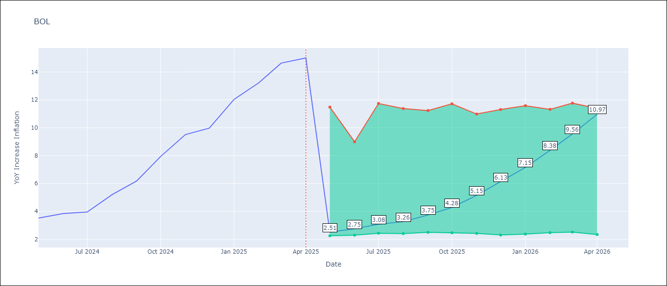

Test Metrics
RMSE | 3.56
Naive RMSE | 1.21
MAPE | 53.43%

Test Predictions
Date | Predicted | Actual
2024-05-01 | 2.59 | 3.52
2024-06-01 | 2.68 | 3.84
2024-07-01 | 3.02 | 3.95
2024-08-01 | 3.19 | 5.19
2024-09-01 | 3.78 | 6.18
2024-10-01 | 4.36 | 7.94
2024-11-01 | 5.27 | 9.51
2024-12-01 | 6.17 | 9.97
2025-01-01 | 7.05 | 12.03
2025-02-01 | 8.22 | 13.22
2025-03-01 | 9.46 | 14.63
2025-04-01 | 10.85 | 15.01

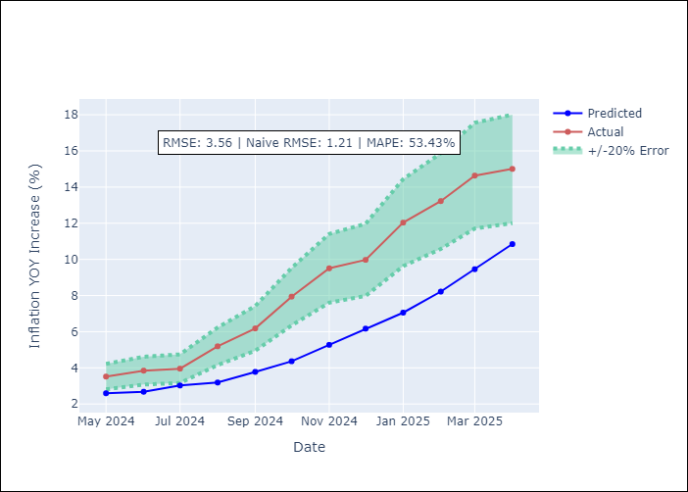

Appendix A: Model Summary
Model | Random Forest
Sample | 2021-01-01 to 2025-04-01
No. of Observations | 52
Terms | P-value (Statistical significance)

Assumptions | P-value

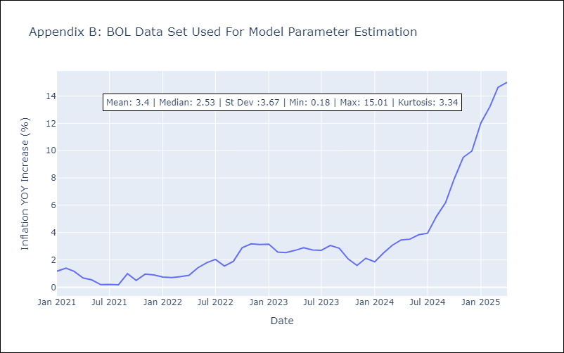

Appendix C: Residuals Analysis
Mean

BRA
BRA - Inflation - Next 12 months forecast as of: 2025-04-01

Model | Random Forest - [(1, 2, 1), (0, 0, 1, 12)]
Training Data | 1998-01-01 to 2024-05-01
Test Data | 2024-05-01 to 2025-04-01

Date | Inflation Change YoY % | Lower Bound - 95% Confidence Interval | Upper Bound - 95% Confidence Interval
2025-05-01 | 6.28 | 5.42 | 6.25
2025-06-01 | 6.28 | 5.13 | 6.92
2025-07-01 | 6.28 | 5.96 | 7.26
2025-08-01 | 6.28 | 5.75 | 7.56
2025-09-01 | 6.26 | 5.67 | 8.21
2025-10-01 | 6.36 | 6.64 | 8.37
2025-11-01 | 6.52 | 7.43 | 13.67
2025-12-01 | 6.71 | 6.64 | 14.24
2026-01-01 | 6.91 | 4.21 | 6.98
2026-02-01 | 7.12 | 5.01 | 6.4
2026-03-01 | 7.3 | 5.5 | 6.47
2026-04-01 | 7.5 | 5.86 | 8

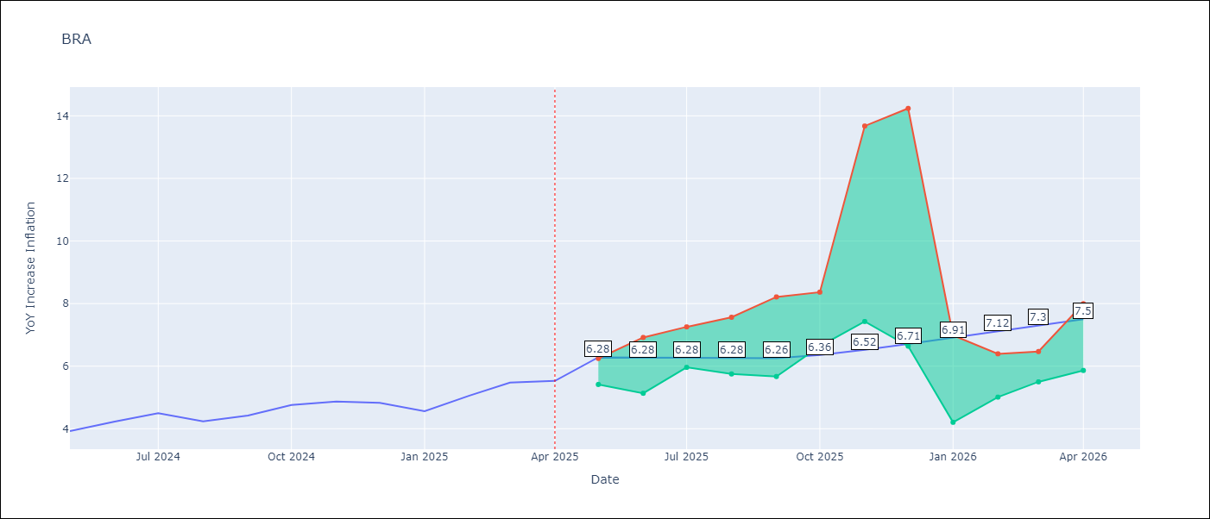

Test Metrics
RMSE | 1.12
Naive RMSE | 0.29
MAPE | 21.13%

Test Predictions
Date | Predicted | Actual
2024-05-01 | 3.65 | 3.93
2024-06-01 | 3.81 | 4.23
2024-07-01 | 3.92 | 4.5
2024-08-01 | 3.88 | 4.24
2024-09-01 | 3.62 | 4.42
2024-10-01 | 3.38 | 4.76
2024-11-01 | 3.31 | 4.87
2024-12-01 | 3.34 | 4.83
2025-01-01 | 3.38 | 4.56
2025-02-01 | 3.55 | 5.06
2025-03-01 | 3.99 | 5.48
2025-04-01 | 4.37 | 5.53

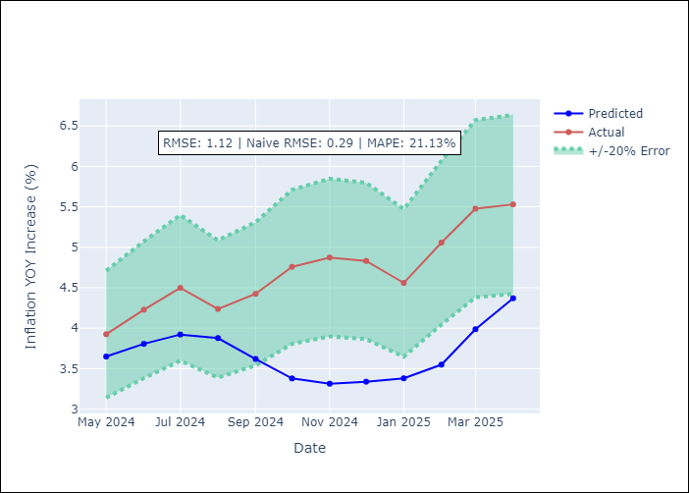

Appendix A: Model Summary
Model | Random Forest
Sample | 1998-01-01 to 2025-04-01
No. of Observations | 328
Terms | P-value (Statistical significance)

Assumptions | P-value



Appendix C: Residuals Analysis
Mean

CHL
CHL - Inflation - Next 12 months forecast as of: 2025-04-01

Model | Random Forest - [(2, 0, 0), (0, 0, 1, 12)]
Training Data | 2012-12-01 to 2024-05-01
Test Data | 2024-05-01 to 2025-04-01

Date | Inflation Change YoY % | Lower Bound - 95% Confidence Interval | Upper Bound - 95% Confidence Interval
2025-05-01 | 3.56 | 3.18 | 4.58
2025-06-01 | 3.58 | 2.83 | 6.44
2025-07-01 | 3.65 | 3.08 | 4.92
2025-08-01 | 3.71 | 2.8 | 6.68
2025-09-01 | 3.87 | 3.08 | 5.77
2025-10-01 | 3.95 | 2.35 | 7.14
2025-11-01 | 4.06 | 3.19 | 4.81
2025-12-01 | 4.17 | 2.33 | 6.39
2026-01-01 | 4.33 | 3.07 | 4.93
2026-02-01 | 4.48 | 2.42 | 6.15
2026-03-01 | 4.7 | 3.07 | 4.62
2026-04-01 | 4.94 | 2.67 | 7.16

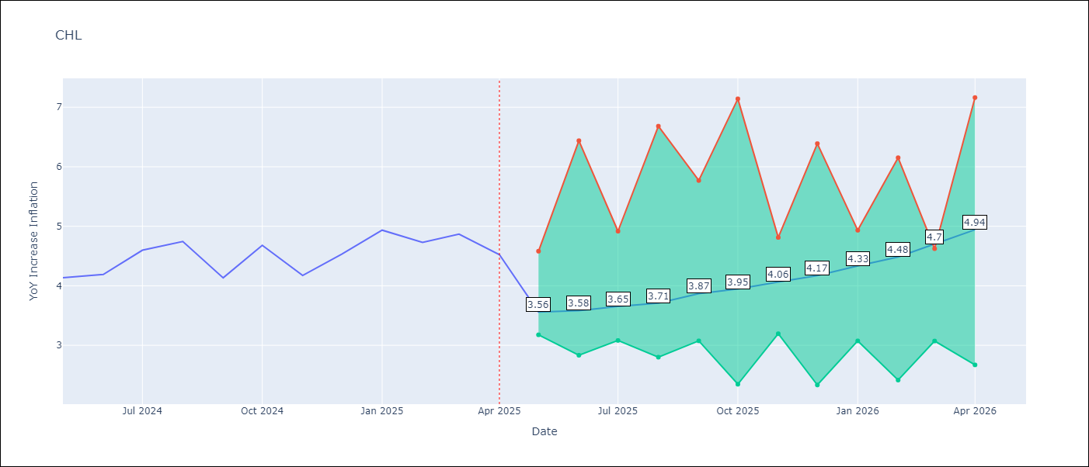

Test Metrics
RMSE | 0.23
Naive RMSE | 0.38
MAPE | 6.07%

Test Predictions
Date | Predicted | Actual
2024-05-01 | 4.21 | 4.13
2024-06-01 | 4.31 | 4.19
2024-07-01 | 4.36 | 4.6
2024-08-01 | 4.4 | 4.74
2024-09-01 | 4.4 | 4.13
2024-10-01 | 4.33 | 4.68
2024-11-01 | 4.46 | 4.17
2024-12-01 | 4.52 | 4.53
2025-01-01 | 4.6 | 4.94
2025-02-01 | 4.66 | 4.73
2025-03-01 | 4.63 | 4.87
2025-04-01 | 4.6 | 4.52

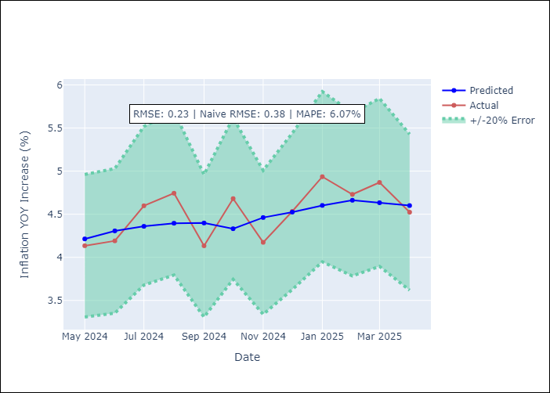

Appendix A: Model Summary
Model | Random Forest
Sample | 2012-12-01 to 2025-04-01
No. of Observations | 149
Terms | P-value (Statistical significance)

Assumptions | P-value



Appendix C: Residuals Analysis
Mean

COL
COL - Inflation - Next 12 months forecast as of: 2025-04-01

Model | Random Forest - [(1, 0, 1), (0, 0, 0, 12)]
Training Data | 2006-01-01 to 2024-05-01
Test Data | 2024-05-01 to 2025-04-01

Date | Inflation Change YoY % | Lower Bound - 95% Confidence Interval | Upper Bound - 95% Confidence Interval
2025-05-01 | 3.56 | 4.92 | 7.32
2025-06-01 | 3.5 | 2.87 | 6.39
2025-07-01 | 3.35 | 2.13 | 3.54
2025-08-01 | 3.13 | 2.12 | 3.49
2025-09-01 | 2.89 | 3.08 | 4.08
2025-10-01 | 2.68 | 1.8 | 3.72
2025-11-01 | 2.45 | 2.05 | 3.23
2025-12-01 | 2.27 | 3.07 | 3.98
2026-01-01 | 2.07 | 2.24 | 4.72
2026-02-01 | 1.91 | 2.28 | 3.62
2026-03-01 | 1.85 | 2.69 | 4.07
2026-04-01 | 1.8 | 1.8 | 3.59

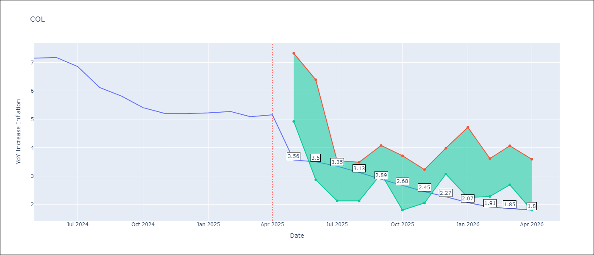

Test Metrics
RMSE | 1.21
Naive RMSE | 0.3
MAPE | 21.94%

Test Predictions
Date | Predicted | Actual
2024-05-01 | 5.96 | 7.15
2024-06-01 | 5.7 | 7.18
2024-07-01 | 5.41 | 6.86
2024-08-01 | 5.08 | 6.12
2024-09-01 | 4.69 | 5.81
2024-10-01 | 4.47 | 5.41
2024-11-01 | 4.19 | 5.2
2024-12-01 | 4.05 | 5.2
2025-01-01 | 3.92 | 5.22
2025-02-01 | 3.97 | 5.27
2025-03-01 | 3.96 | 5.09
2025-04-01 | 3.9 | 5.16

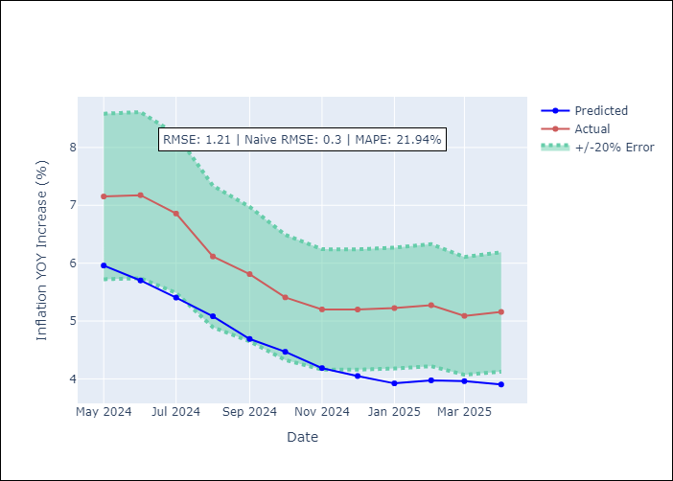

Appendix A: Model Summary
Model | Random Forest
Sample | 2006-01-01 to 2025-04-01
No. of Observations | 232
Terms | P-value (Statistical significance)

Assumptions | P-value

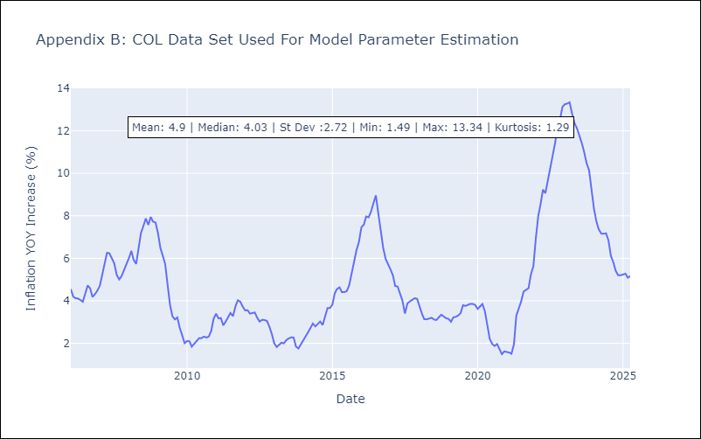

Appendix C: Residuals Analysis
Mean

ECU
ECU - Inflation - Next 12 months forecast as of: 2025-04-01

Model | Random Forest - [(2, 1, 1), (3, 0, 0, 12)]
Training Data | 2009-01-01 to 2024-05-01
Test Data | 2024-05-01 to 2025-04-01

Date | Inflation Change YoY % | Lower Bound - 95% Confidence Interval | Upper Bound - 95% Confidence Interval
2025-05-01 | 0.13 | -0.66 | 0.48
2025-06-01 | -0.01 | -0.09 | 1.15
2025-07-01 | -0.13 | -0.91 | 0.27
2025-08-01 | -0.19 | -0.61 | 1.4
2025-09-01 | -0.01 | -0.27 | 1.89
2025-10-01 | 0 | -0.78 | 1.45
2025-11-01 | -0.1 | -0.73 | 0.28
2025-12-01 | -0.16 | -0.06 | 2.43
2026-01-01 | -0.36 | -0.79 | 0.35
2026-02-01 | -0.58 | -0.81 | 1.17
2026-03-01 | -0.65 | 0.02 | 0.99
2026-04-01 | -0.66 | -0.79 | 0.3

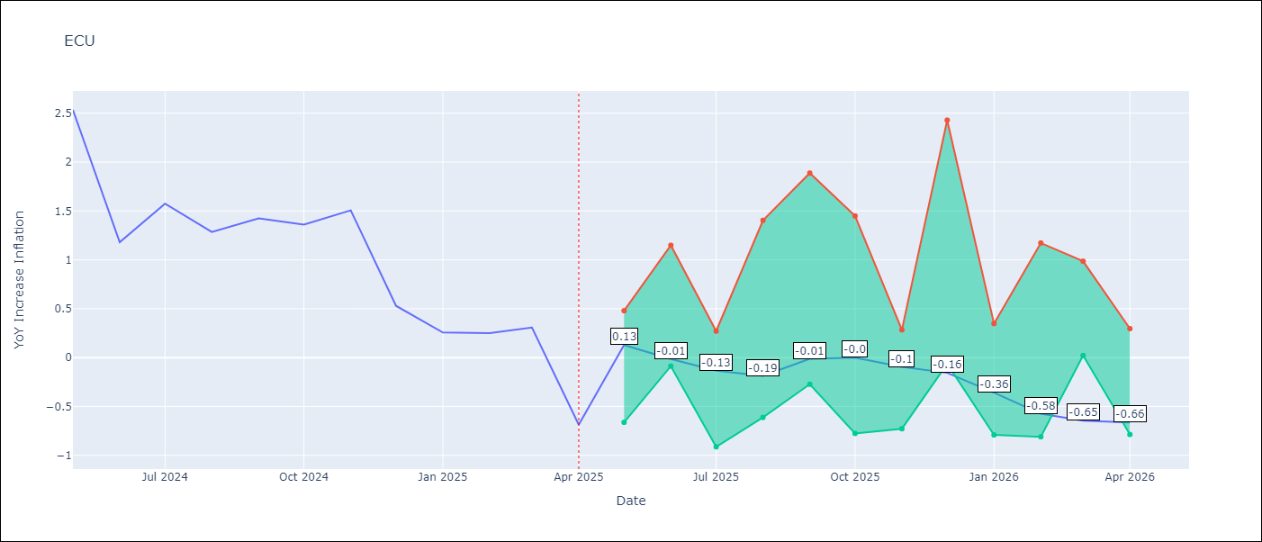

Test Metrics
RMSE | 2.61
Naive RMSE | 0.61
MAPE | 464.47%

Test Predictions
Date | Predicted | Actual
2024-05-01 | 3.05 | 2.53
2024-06-01 | 3.12 | 1.18
2024-07-01 | 3.23 | 1.57
2024-08-01 | 3.36 | 1.28
2024-09-01 | 3.53 | 1.42
2024-10-01 | 3.57 | 1.36
2024-11-01 | 3.69 | 1.51
2024-12-01 | 3.67 | 0.53
2025-01-01 | 3.6 | 0.26
2025-02-01 | 3.46 | 0.25
2025-03-01 | 3.41 | 0.31
2025-04-01 | 3.29 | -0.69

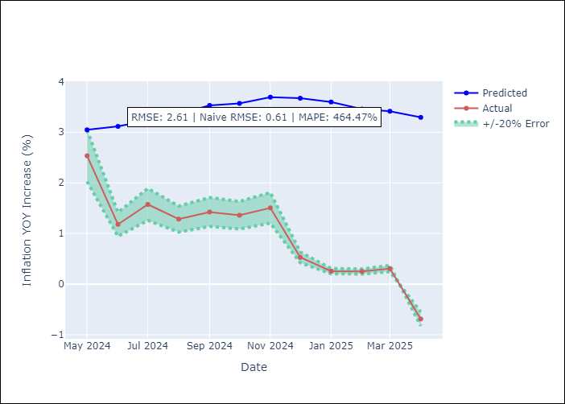

Appendix A: Model Summary
Model | Random Forest
Sample | 2009-01-01 to 2025-04-01
No. of Observations | 196
Terms | P-value (Statistical significance)

Assumptions | P-value

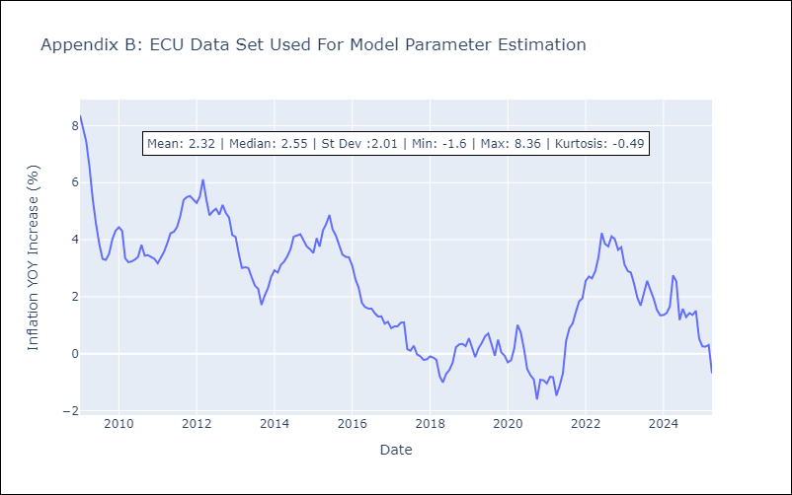

Appendix C: Residuals Analysis
Mean

PER
PER - Inflation - Next 12 months forecast as of: 2025-04-01

Model | Random Forest - [(3, 2, 0), (3, 0, 0, 12)]
Training Data | 1994-01-01 to 2024-05-01
Test Data | 2024-05-01 to 2025-04-01

Date | Inflation Change YoY % | Lower Bound - 95% Confidence Interval | Upper Bound - 95% Confidence Interval
2025-05-01 | 3.29 | 1.58 | 3.11
2025-06-01 | 3.27 | 3.19 | 6.78
2025-07-01 | 3.25 | 2.42 | 6.66
2025-08-01 | 3.28 | 1.11 | 2.86
2025-09-01 | 3.31 | 1.86 | 4.34
2025-10-01 | 3.35 | 2.97 | 4.72
2025-11-01 | 3.35 | 1.79 | 3.33
2025-12-01 | 3.37 | 0.82 | 2.57
2026-01-01 | 3.37 | 1.87 | 2.93
2026-02-01 | 3.41 | 2.59 | 3.98
2026-03-01 | 3.36 | 2.62 | 3.42
2026-04-01 | 3.33 | 2.72 | 3.82

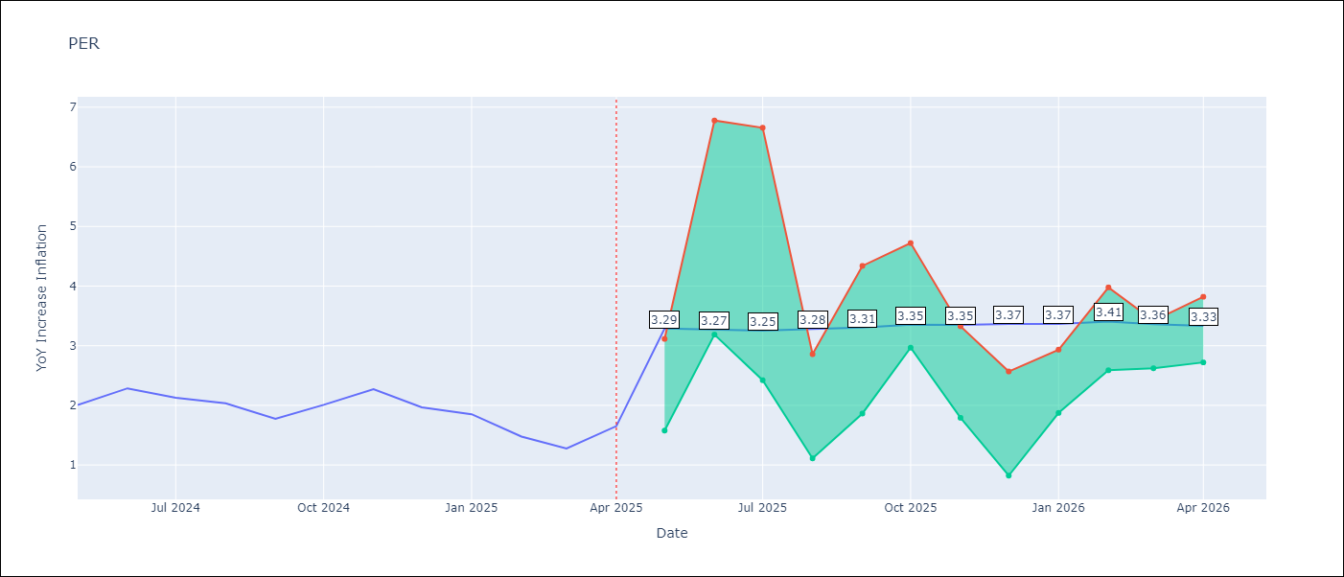

Test Metrics
RMSE | 1.19
Naive RMSE | 0.26
MAPE | 65.69%

Test Predictions
Date | Predicted | Actual
2024-05-01 | 2.88 | 2
2024-06-01 | 3 | 2.29
2024-07-01 | 3.11 | 2.13
2024-08-01 | 3.12 | 2.03
2024-09-01 | 3.14 | 1.78
2024-10-01 | 3.16 | 2.01
2024-11-01 | 3.17 | 2.27
2024-12-01 | 3.13 | 1.97
2025-01-01 | 2.99 | 1.85
2025-02-01 | 2.92 | 1.48
2025-03-01 | 2.96 | 1.28
2025-04-01 | 3.07 | 1.65

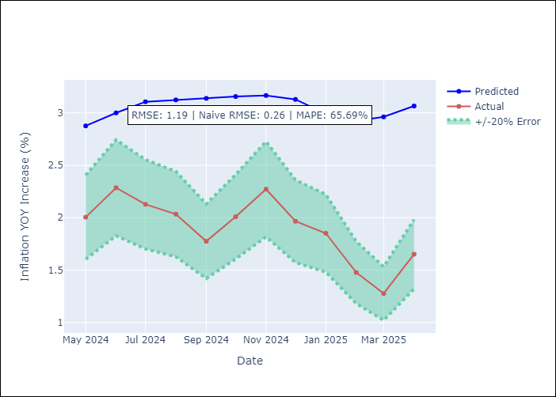

Appendix A: Model Summary
Model | Random Forest
Sample | 1994-01-01 to 2025-04-01
No. of Observations | 376
Terms | P-value (Statistical significance)

Assumptions | P-value

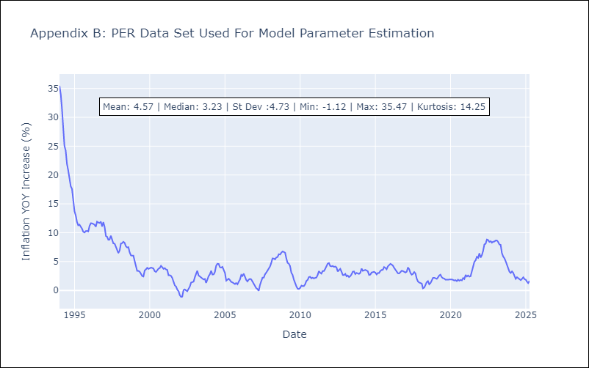

Appendix C: Residuals Analysis
Mean

PRY
PRY - Inflation - Next 12 months forecast as of: 2025-04-01

Model | Random Forest - [(2, 1, 1), (1, 0, 1, 12)]
Training Data | 1995-12-01 to 2024-05-01
Test Data | 2024-05-01 to 2025-04-01

Date | Inflation Change YoY % | Lower Bound - 95% Confidence Interval | Upper Bound - 95% Confidence Interval
2025-05-01 | 3.69 | 2.85 | 3.81
2025-06-01 | 3.83 | 3.09 | 4.35
2025-07-01 | 3.89 | 2.92 | 3.79
2025-08-01 | 3.95 | 3.28 | 4.31
2025-09-01 | 3.97 | 2.98 | 3.86
2025-10-01 | 3.96 | 3.31 | 4.26
2025-11-01 | 3.85 | 2.96 | 3.81
2025-12-01 | 3.67 | 3.1 | 4.28
2026-01-01 | 3.58 | 3.02 | 3.88
2026-02-01 | 3.59 | 3.27 | 4.23
2026-03-01 | 3.62 | 2.97 | 3.82
2026-04-01 | 3.69 | 3.2 | 4.28

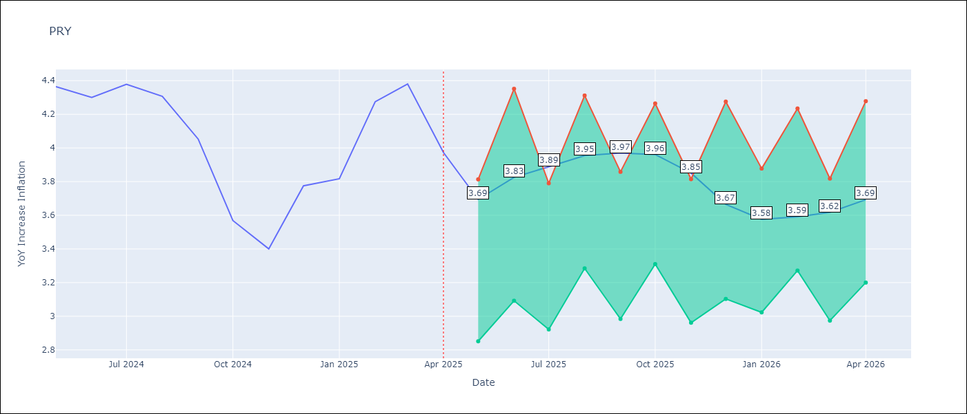

Test Metrics
RMSE | 0.56
Naive RMSE | 0.28
MAPE | 12.12%

Test Predictions
Date | Predicted | Actual
2024-05-01 | 3.71 | 4.36
2024-06-01 | 3.72 | 4.3
2024-07-01 | 3.63 | 4.38
2024-08-01 | 3.58 | 4.31
2024-09-01 | 3.56 | 4.05
2024-10-01 | 3.55 | 3.57
2024-11-01 | 3.55 | 3.4
2024-12-01 | 3.45 | 3.78
2025-01-01 | 3.51 | 3.82
2025-02-01 | 3.53 | 4.27
2025-03-01 | 3.56 | 4.38
2025-04-01 | 3.53 | 3.97

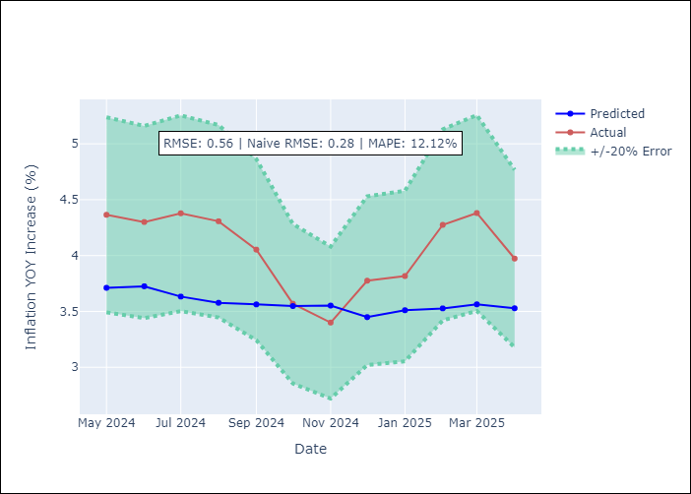

Appendix A: Model Summary
Model | Random Forest
Sample | 1995-12-01 to 2025-04-01
No. of Observations | 353
Terms | P-value (Statistical significance)

Assumptions | P-value



Appendix C: Residuals Analysis
Mean

URY
URY - Inflation - Next 12 months forecast as of: 2025-04-01

Model | Random Forest - [(0, 2, 1), (3, 0, 0, 12)]
Training Data | 1992-01-01 to 2024-05-01
Test Data | 2024-05-01 to 2025-04-01

Date | Inflation Change YoY % | Lower Bound - 95% Confidence Interval | Upper Bound - 95% Confidence Interval
2025-05-01 | 8.71 | 3.85 | 8.46
2025-06-01 | 8.78 | 7.32 | 10.31
2025-07-01 | 8.77 | 5.26 | 8.78
2025-08-01 | 8.82 | 6.6 | 7.79
2025-09-01 | 8.83 | 7.03 | 8.31
2025-10-01 | 8.83 | 8.3 | 9.55
2025-11-01 | 8.8 | 7.48 | 8.86
2025-12-01 | 8.74 | 8.27 | 9.26
2026-01-01 | 8.65 | 8.34 | 9.1
2026-02-01 | 8.7 | 8.2 | 9.12
2026-03-01 | 8.69 | 8.34 | 9.08
2026-04-01 | 8.61 | 8.25 | 9.1

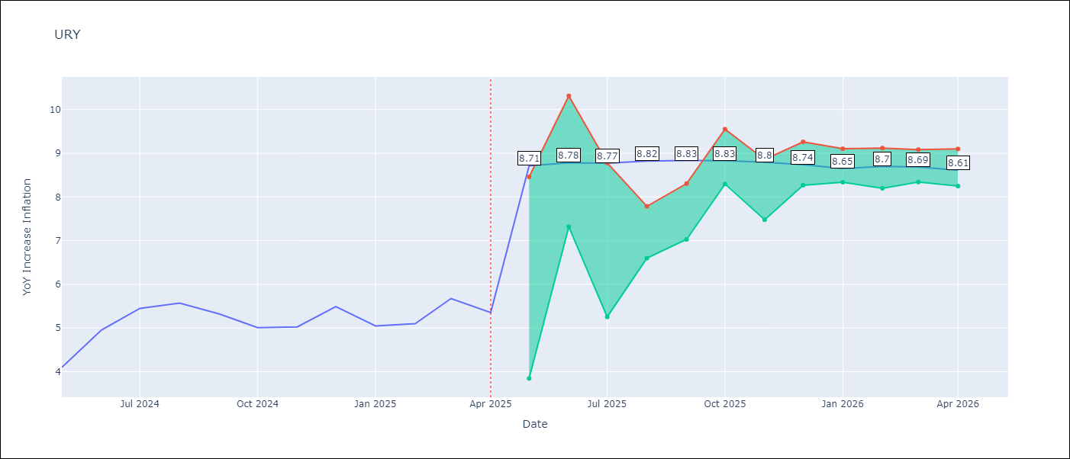

Test Metrics
RMSE | 3.77
Naive RMSE | 0.43
MAPE | 50.59%

Test Predictions
Date | Predicted | Actual
2024-05-01 | 4.12 | 4.1
2024-06-01 | 4.3 | 4.96
2024-07-01 | 4.61 | 5.45
2024-08-01 | 5.1 | 5.57
2024-09-01 | 5.4 | 5.32
2024-10-01 | 5.76 | 5.01
2024-11-01 | 6.13 | 5.03
2024-12-01 | 6.74 | 5.49
2025-01-01 | 8.07 | 5.05
2025-02-01 | 10.21 | 5.1
2025-03-01 | 12.8 | 5.67
2025-04-01 | 14.27 | 5.36

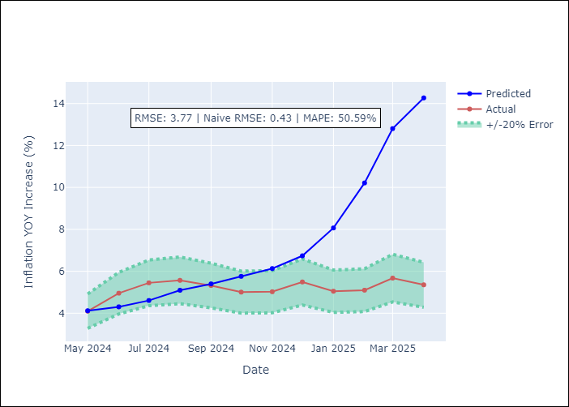

Appendix A: Model Summary
Model | Random Forest
Sample | 1992-01-01 to 2025-04-01
No. of Observations | 400
Terms | P-value (Statistical significance)

Assumptions | P-value

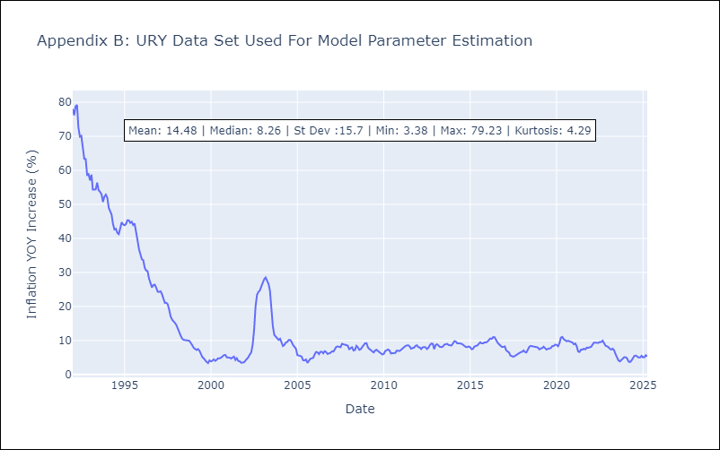

Appendix C: Residuals Analysis
Mean

VEN
VEN - Inflation - Next 12 months forecast as of: 2016-12-01

Model | Random Forest - [(3, 0, 0), (0, 0, 0, 12)]
Training Data | 2013-01-01 to 2016-01-01
Test Data | 2016-01-01 to 2016-12-01

Date | Inflation Change YoY % | Lower Bound - 95% Confidence Interval | Upper Bound - 95% Confidence Interval
2017-01-01 | 173.7 | 161.55 | 290.69
2017-02-01 | 180.3 | 150.31 | 288.86
2017-03-01 | 189.86 | 154.62 | 290.24
2017-04-01 | 202.3 | 148.53 | 288.62
2017-05-01 | 221.96 | 151.85 | 289.78
2017-06-01 | 249.69 | 150.53 | 290.06
2017-07-01 | 279.03 | 160.38 | 288.1
2017-08-01 | 283.32 | 159.32 | 289.94
2017-09-01 | 274.82 | 156.33 | 290.56
2017-10-01 | 267.72 | 151.85 | 289.05
2017-11-01 | 257.37 | 163.12 | 289.05
2017-12-01 | 255.73 | 162.09 | 288.89

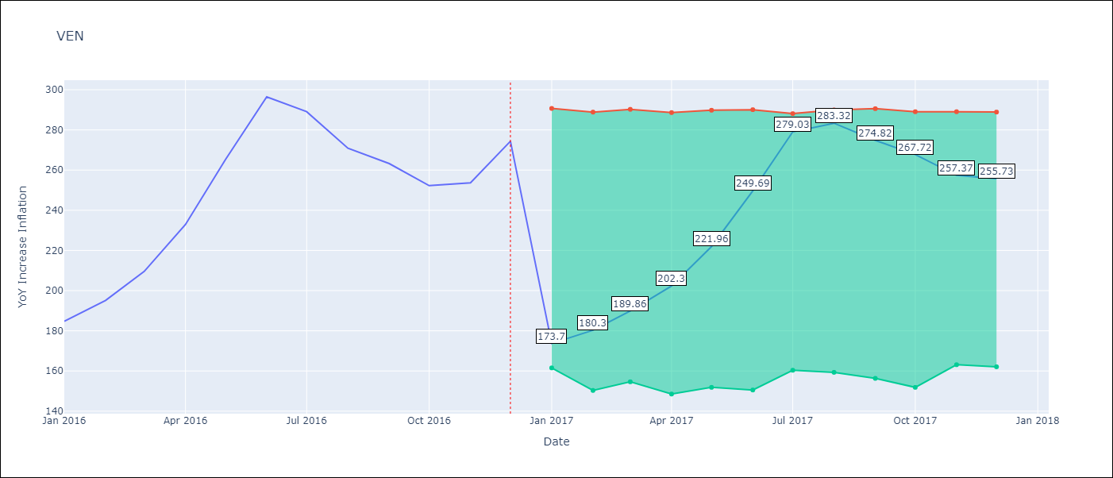

Test Metrics
RMSE | 23.66
Naive RMSE | 18.77
MAPE | 17.55%

Test Predictions
Date | Predicted | Actual
2016-01-01 | 173.7 | 184.76
2016-02-01 | 180.3 | 195.13
2016-03-01 | 189.86 | 209.56
2016-04-01 | 202.3 | 232.92
2016-05-01 | 221.96 | 265.24
2016-06-01 | 249.69 | 296.44
2016-07-01 | 279.03 | 289.06
2016-08-01 | 283.32 | 270.87
2016-09-01 | 274.82 | 263.24
2016-10-01 | 267.72 | 252.27
2016-11-01 | 257.37 | 253.65
2016-12-01 | 255.73 | 274.35

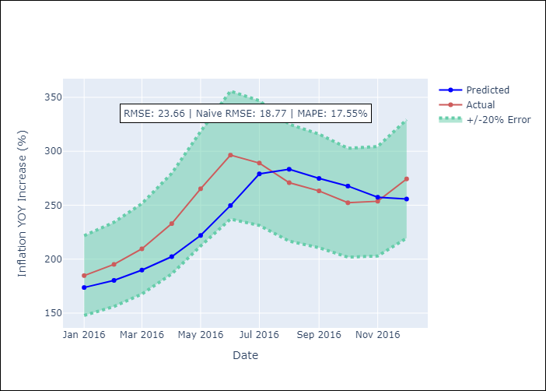

Appendix A: Model Summary
Model | Random Forest
Sample | 2013-01-01 to 2016-12-01
No. of Observations | 48
Terms | P-value (Statistical significance)

Assumptions | P-value

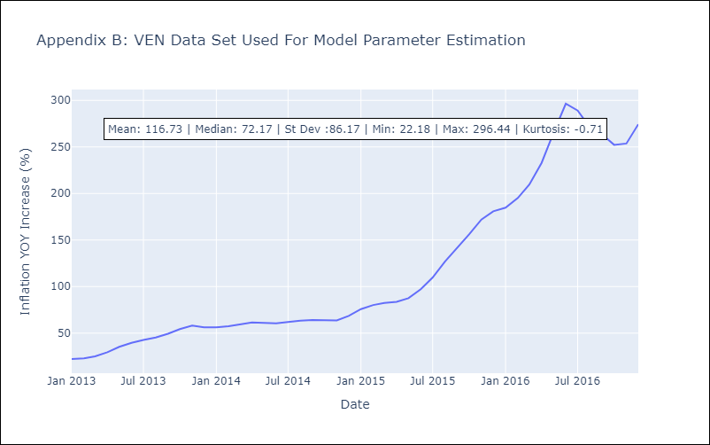

Appendix C: Residuals Analysis
Mean

