CRI
CRI - Inflation - Next 12 months forecast as of: 2025-04-01

Model | Random Forest - [(2, 1, 1), (2, 0, 1, 12)]
Training Data | 1994-07-01 to 2024-05-01
Test Data | 2024-05-01 to 2025-04-01

Date | Inflation Change YoY % | Lower Bound - 95% Confidence Interval | Upper Bound - 95% Confidence Interval
2025-05-01 | 1.94 | 1.03 | 6.8
2025-06-01 | 2.06 | 3.19 | 10.04
2025-07-01 | 2.14 | 1.69 | 5.24
2025-08-01 | 2.22 | 0.08 | 5.47
2025-09-01 | 2.17 | -0.94 | 5.32
2025-10-01 | 2.07 | 0.52 | 4.06
2025-11-01 | 1.91 | 1.93 | 3.71
2025-12-01 | 1.79 | 0.94 | 2.28
2026-01-01 | 1.74 | 1.42 | 2.42
2026-02-01 | 1.77 | 1.46 | 2.41
2026-03-01 | 1.73 | 1.15 | 2.48
2026-04-01 | 1.61 | 1.01 | 2.44

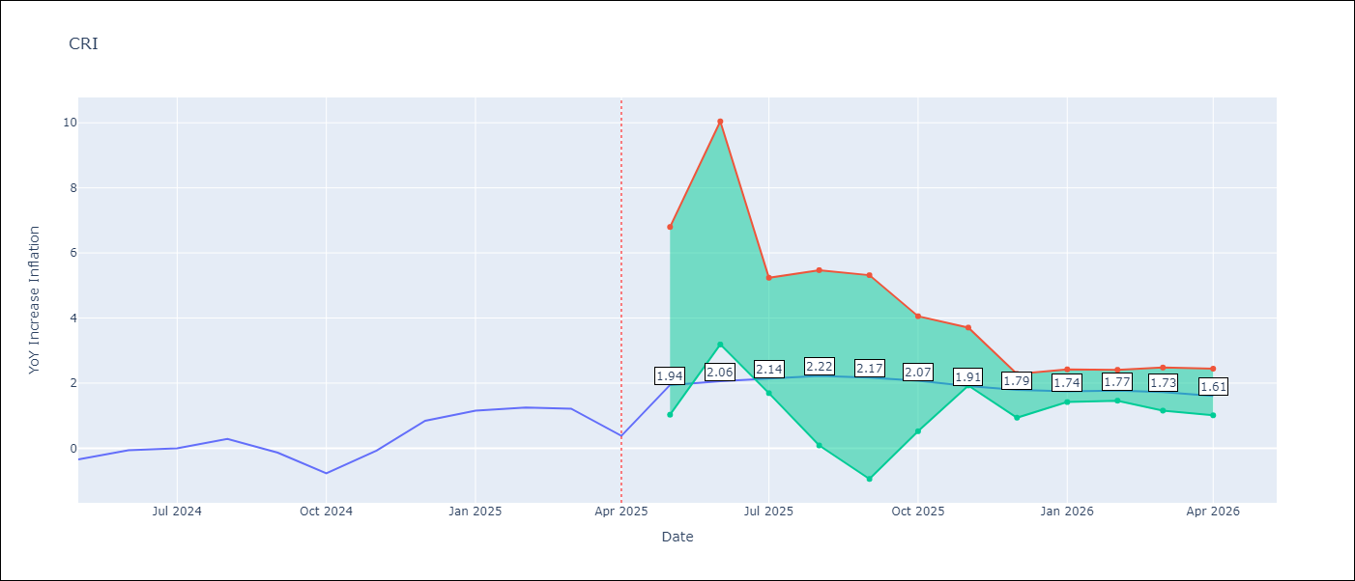

Test Metrics
RMSE | 3.67
Naive RMSE | 0.51
MAPE | inf%

Test Predictions
Date | Predicted | Actual
2024-05-01 | 1.79 | -0.35
2024-06-01 | 2.35 | -0.06
2024-07-01 | 2.9 | 0
2024-08-01 | 3.04 | 0.28
2024-09-01 | 3.22 | -0.14
2024-10-01 | 3.67 | -0.77
2024-11-01 | 4.31 | -0.07
2024-12-01 | 4.65 | 0.84
2025-01-01 | 4.83 | 1.15
2025-02-01 | 5.02 | 1.25
2025-03-01 | 5.29 | 1.21
2025-04-01 | 5.48 | 0.38

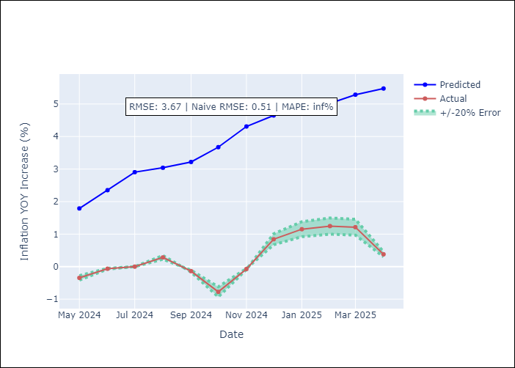

Appendix A: Model Summary
Model | Random Forest
Sample | 1994-07-01 to 2025-04-01
No. of Observations | 370
Terms | P-value (Statistical significance)

Assumptions | P-value

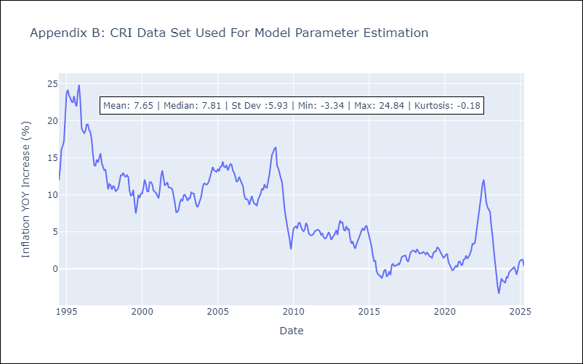

Appendix C: Residuals Analysis
Mean

CUB
CUB - Inflation - Next 12 months forecast as of: 2024-01-01

Model | Random Forest - [(0, 2, 1), (0, 0, 1, 12)]
Training Data | 2003-01-01 to 2023-02-01
Test Data | 2023-02-01 to 2024-01-01

Date | Inflation Change YoY % | Lower Bound - 95% Confidence Interval | Upper Bound - 95% Confidence Interval
2024-02-01 | 42.71 | 37.05 | 50.09
2024-03-01 | 43.13 | 32.31 | 54.02
2024-04-01 | 44.45 | 38.26 | 53.84
2024-05-01 | 48.29 | 33.56 | 52.91
2024-06-01 | 50.14 | 36.44 | 53.35
2024-07-01 | 46.9 | 39.11 | 53.47
2024-08-01 | 43.95 | 35.28 | 52.48
2024-09-01 | 43.7 | 38.42 | 53.65
2024-10-01 | 43.46 | 39 | 53.29
2024-11-01 | 42.6 | 36.79 | 51.51
2024-12-01 | 41.1 | 38.69 | 53.86
2025-01-01 | 39.93 | 37.3 | 53.92

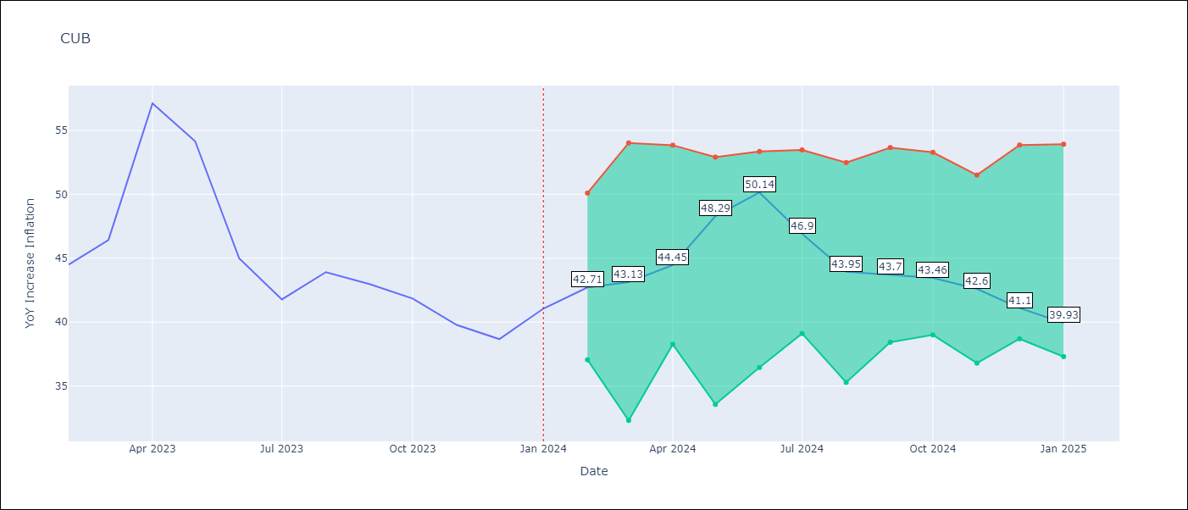

Test Metrics
RMSE | 4.54
Naive RMSE | 4.66
MAPE | 11.05%

Test Predictions
Date | Predicted | Actual
2023-02-01 | 45.57 | 44.5
2023-03-01 | 45.34 | 46.42
2023-04-01 | 45.3 | 57.12
2023-05-01 | 47.06 | 54.15
2023-06-01 | 47.2 | 44.99
2023-07-01 | 42.61 | 41.77
2023-08-01 | 39.77 | 43.91
2023-09-01 | 39.34 | 42.96
2023-10-01 | 39.39 | 41.84
2023-11-01 | 38.86 | 39.78
2023-12-01 | 38.14 | 38.67
2024-01-01 | 37.54 | 41.06

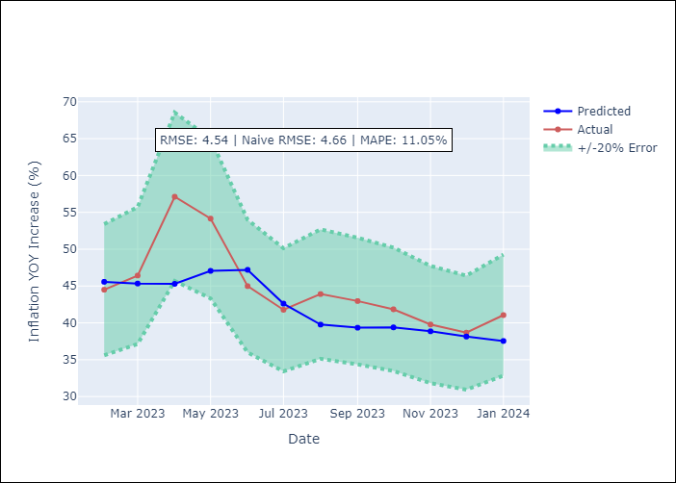

Appendix A: Model Summary
Model | Random Forest
Sample | 2003-01-01 to 2024-01-01
No. of Observations | 253
Terms | P-value (Statistical significance)

Assumptions | P-value

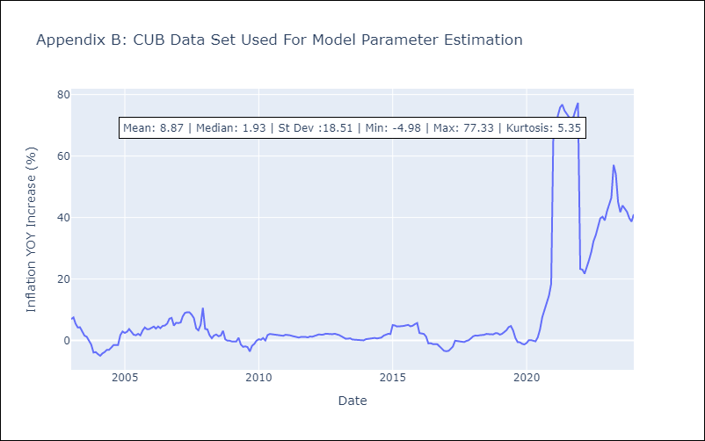

Appendix C: Residuals Analysis
Mean

DOM
DOM - Inflation - Next 12 months forecast as of: 2025-04-01

Model | Random Forest - [(0, 2, 2), (0, 0, 1, 12)]
Training Data | 1994-01-01 to 2024-05-01
Test Data | 2024-05-01 to 2025-04-01

Date | Inflation Change YoY % | Lower Bound - 95% Confidence Interval | Upper Bound - 95% Confidence Interval
2025-05-01 | 3.53 | 1.06 | 3.89
2025-06-01 | 3.41 | 0.68 | 2.65
2025-07-01 | 3.49 | 1.85 | 4.54
2025-08-01 | 3.84 | 1.77 | 7.55
2025-09-01 | 4.07 | 1.06 | 3.4
2025-10-01 | 4.11 | 0.92 | 2.81
2025-11-01 | 4.05 | 2.19 | 4.75
2025-12-01 | 4.03 | 2.39 | 8.87
2026-01-01 | 3.95 | 1.03 | 3.56
2026-02-01 | 3.94 | 0.77 | 2.67
2026-03-01 | 3.88 | 1.92 | 4.41
2026-04-01 | 3.84 | 2.82 | 5.78

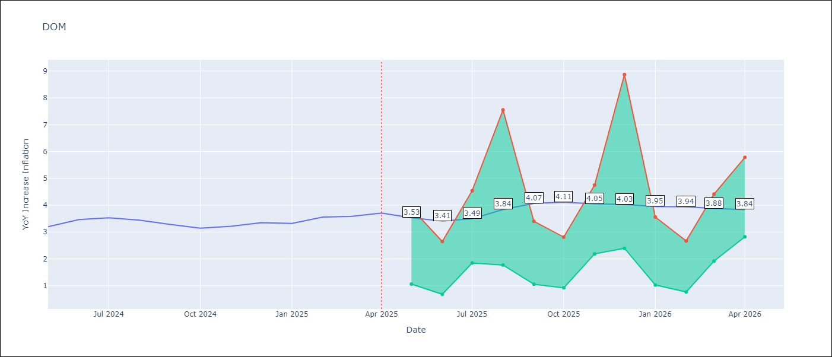

Test Metrics
RMSE | 1.43
Naive RMSE | 0.14
MAPE | 35.86%

Test Predictions
Date | Predicted | Actual
2024-05-01 | 3.24 | 3.2
2024-06-01 | 3.15 | 3.47
2024-07-01 | 2.98 | 3.53
2024-08-01 | 2.69 | 3.44
2024-09-01 | 2.43 | 3.28
2024-10-01 | 2.23 | 3.15
2024-11-01 | 1.95 | 3.21
2024-12-01 | 1.67 | 3.35
2025-01-01 | 1.54 | 3.32
2025-02-01 | 1.48 | 3.56
2025-03-01 | 1.41 | 3.58
2025-04-01 | 1.37 | 3.71

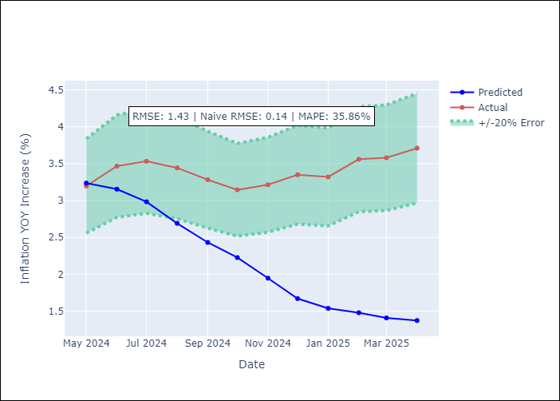

Appendix A: Model Summary
Model | Random Forest
Sample | 1994-01-01 to 2025-04-01
No. of Observations | 376
Terms | P-value (Statistical significance)

Assumptions | P-value

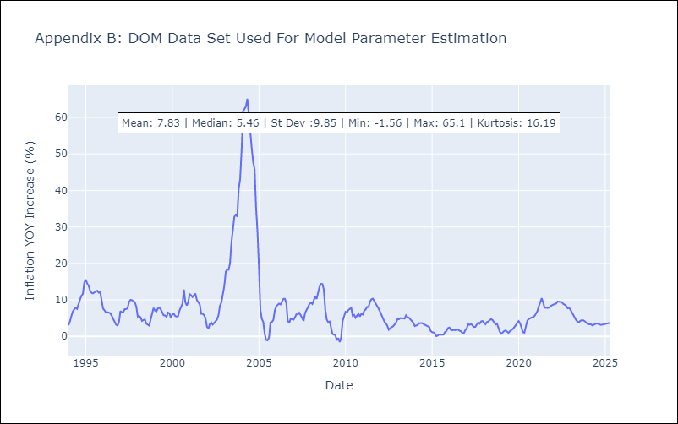

Appendix C: Residuals Analysis
Mean

GTM
GTM - Inflation - Next 12 months forecast as of: 2025-04-01

Model | Random Forest - [(1, 1, 0), (0, 0, 2, 12)]
Training Data | 1994-07-01 to 2024-05-01
Test Data | 2024-05-01 to 2025-04-01

Date | Inflation Change YoY % | Lower Bound - 95% Confidence Interval | Upper Bound - 95% Confidence Interval
2025-05-01 | 8.28 | 2.23 | 4.9
2025-06-01 | 8.41 | 3.67 | 5.21
2025-07-01 | 8.51 | 3.56 | 5.66
2025-08-01 | 8.57 | 3.83 | 5.83
2025-09-01 | 8.62 | 3.39 | 5.76
2025-10-01 | 8.59 | 3.47 | 5.95
2025-11-01 | 8.58 | 3.54 | 6.48
2025-12-01 | 8.45 | 4.26 | 7.35
2026-01-01 | 8.43 | 3.73 | 6.89
2026-02-01 | 8.46 | 4.53 | 8.07
2026-03-01 | 8.34 | 5.37 | 8.69
2026-04-01 | 8.18 | 7.67 | 10.15

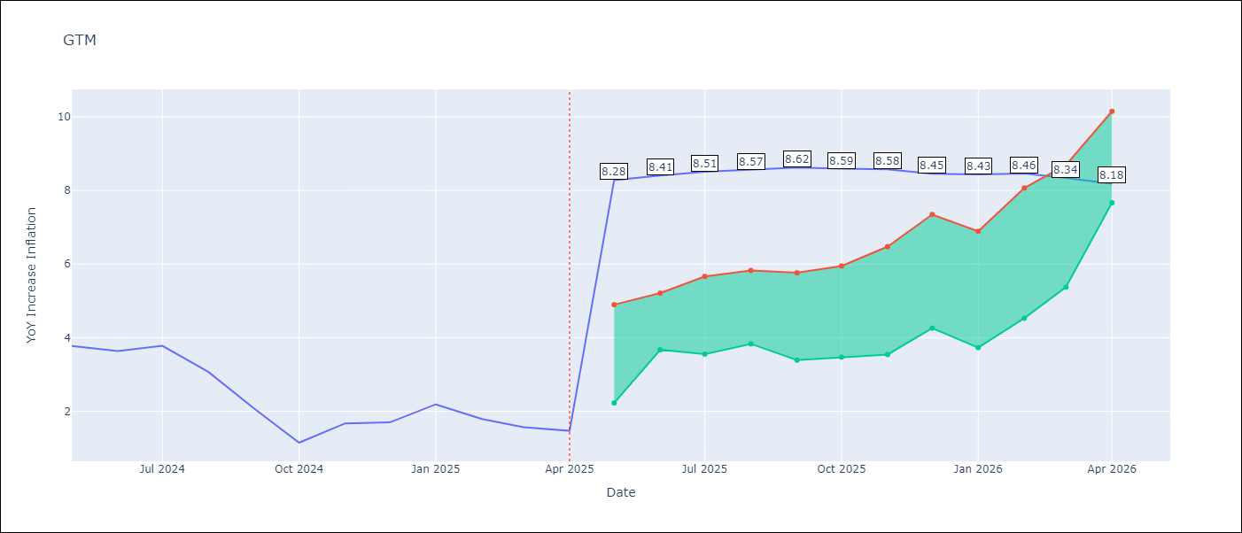

Test Metrics
RMSE | 2.03
Naive RMSE | 0.53
MAPE | 100.07%

Test Predictions
Date | Predicted | Actual
2024-05-01 | 3.34 | 3.77
2024-06-01 | 3.54 | 3.64
2024-07-01 | 3.82 | 3.78
2024-08-01 | 4.02 | 3.07
2024-09-01 | 4.04 | 2.07
2024-10-01 | 4.04 | 1.15
2024-11-01 | 4.05 | 1.67
2024-12-01 | 4.1 | 1.7
2025-01-01 | 4.09 | 2.19
2025-02-01 | 4.19 | 1.79
2025-03-01 | 4.26 | 1.57
2025-04-01 | 4.33 | 1.47

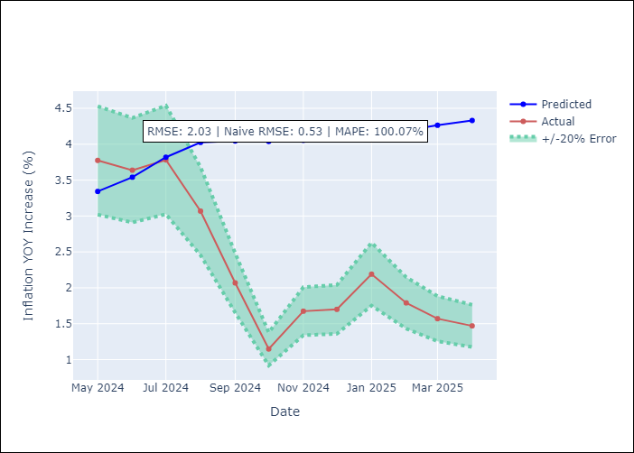

Appendix A: Model Summary
Model | Random Forest
Sample | 1994-07-01 to 2025-04-01
No. of Observations | 370
Terms | P-value (Statistical significance)

Assumptions | P-value

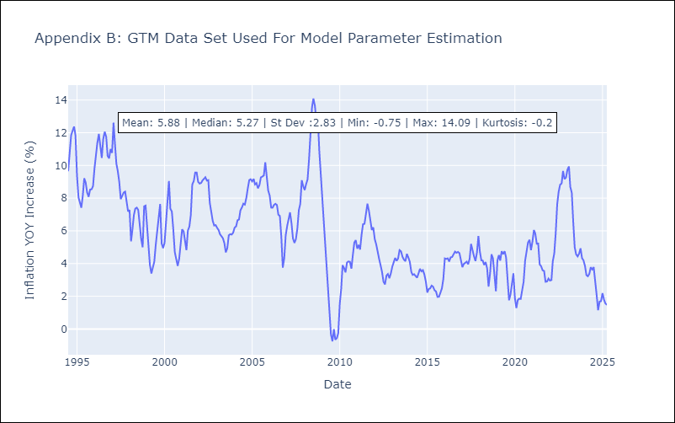

Appendix C: Residuals Analysis
Mean

HND
HND - Inflation - Next 12 months forecast as of: 2025-04-01

Model | Random Forest - [(2, 0, 1), (0, 0, 2, 12)]
Training Data | 1994-07-01 to 2024-05-01
Test Data | 2024-05-01 to 2025-04-01

Date | Inflation Change YoY % | Lower Bound - 95% Confidence Interval | Upper Bound - 95% Confidence Interval
2025-05-01 | 5.35 | 3.76 | 5.21
2025-06-01 | 5.3 | 3.87 | 6.21
2025-07-01 | 5.29 | 4.02 | 5.96
2025-08-01 | 5.39 | 5.1 | 6.33
2025-09-01 | 5.49 | 4.87 | 5.72
2025-10-01 | 5.49 | 4.67 | 5.93
2025-11-01 | 5.52 | 5.06 | 5.99
2025-12-01 | 5.51 | 4.6 | 5.86
2026-01-01 | 5.41 | 5.02 | 6
2026-02-01 | 5.3 | 4.64 | 6.37
2026-03-01 | 5.37 | 4.99 | 5.98
2026-04-01 | 5.35 | 4.85 | 5.88

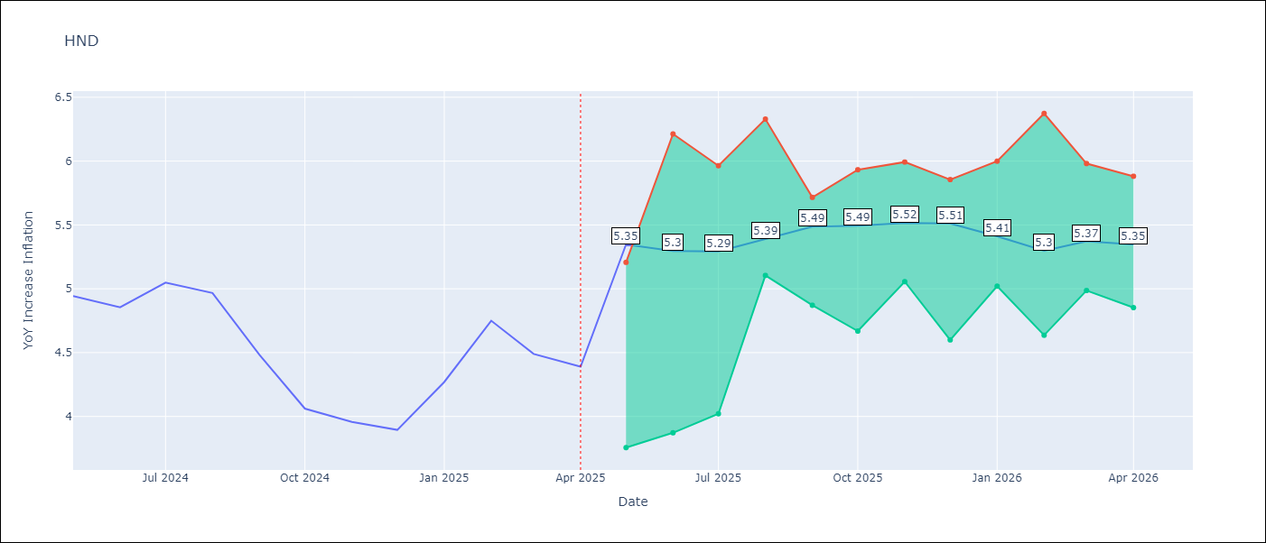

Test Metrics
RMSE | 1.41
Naive RMSE | 0.29
MAPE | 29.71%

Test Predictions
Date | Predicted | Actual
2024-05-01 | 5.3 | 4.94
2024-06-01 | 5.4 | 4.86
2024-07-01 | 5.55 | 5.05
2024-08-01 | 5.75 | 4.97
2024-09-01 | 5.78 | 4.48
2024-10-01 | 5.69 | 4.06
2024-11-01 | 5.66 | 3.96
2024-12-01 | 5.75 | 3.89
2025-01-01 | 5.91 | 4.27
2025-02-01 | 6.16 | 4.75
2025-03-01 | 6.39 | 4.49
2025-04-01 | 6.31 | 4.39

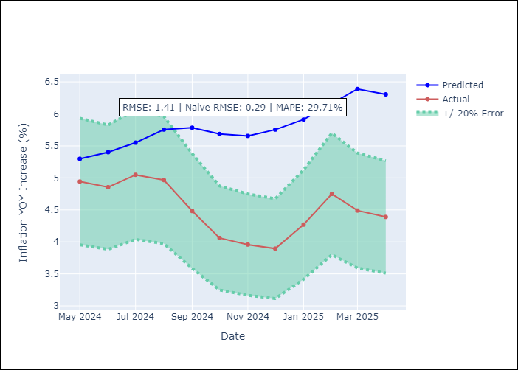

Appendix A: Model Summary
Model | Random Forest
Sample | 1994-07-01 to 2025-04-01
No. of Observations | 370
Terms | P-value (Statistical significance)

Assumptions | P-value

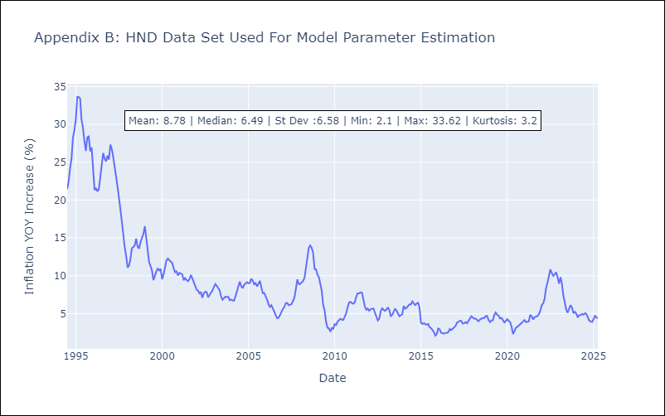

Appendix C: Residuals Analysis
Mean

HTI
HTI - Inflation - Next 12 months forecast as of: 2024-03-01

Model | Random Forest - [(2, 0, 1), (3, 0, 0, 12)]
Training Data | 1998-01-01 to 2023-04-01
Test Data | 2023-04-01 to 2024-03-01

Date | Inflation Change YoY % | Lower Bound - 95% Confidence Interval | Upper Bound - 95% Confidence Interval
2024-04-01 | 16 | 15.74 | 36.9
2024-05-01 | 15.52 | 13.88 | 22.29
2024-06-01 | 15.42 | 14.27 | 19.96
2024-07-01 | 15.33 | 11.31 | 18.75
2024-08-01 | 15.26 | 11.44 | 15.74
2024-09-01 | 15.38 | 13.73 | 17.62
2024-10-01 | 15.59 | 10.44 | 17.82
2024-11-01 | 15.69 | 13.85 | 17.45
2024-12-01 | 15.89 | 9.62 | 17.35
2025-01-01 | 16.3 | 14 | 18.3
2025-02-01 | 16.67 | 12.21 | 20.34
2025-03-01 | 17.1 | 11.82 | 19.28

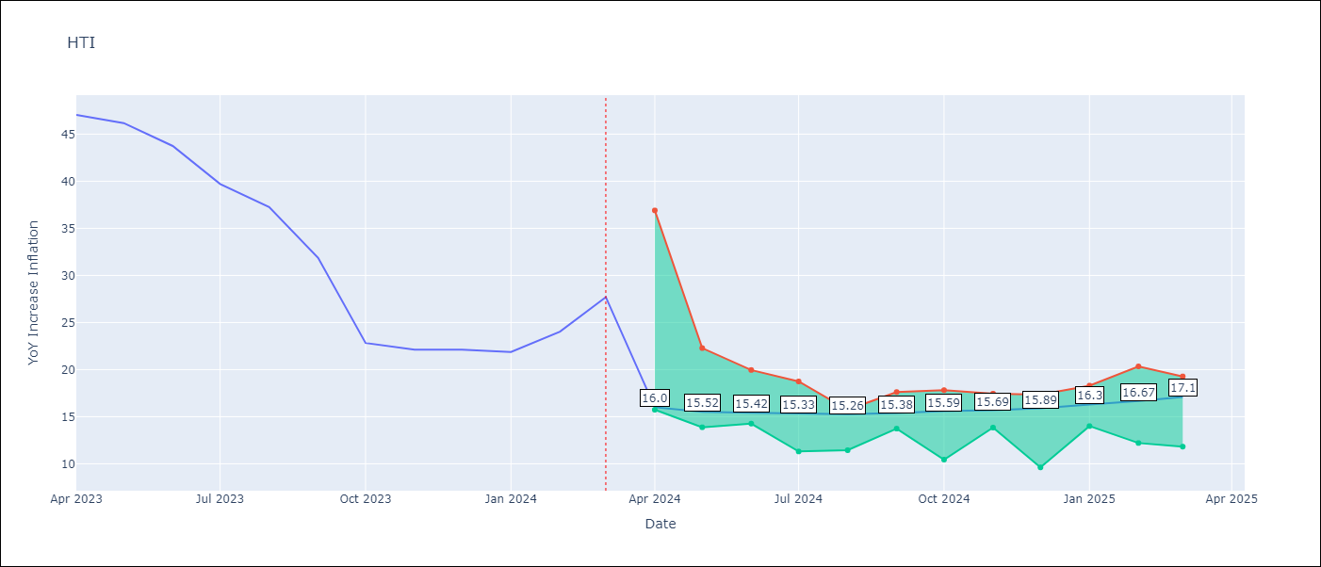

Test Metrics
RMSE | 5.5
Naive RMSE | 3.79
MAPE | 28.95%

Test Predictions
Date | Predicted | Actual
2023-04-01 | 41.76 | 47.04
2023-05-01 | 38.2 | 46.18
2023-06-01 | 35.73 | 43.75
2023-07-01 | 32.14 | 39.71
2023-08-01 | 29.33 | 37.27
2023-09-01 | 27.95 | 31.86
2023-10-01 | 27.08 | 22.83
2023-11-01 | 25.62 | 22.12
2023-12-01 | 24.29 | 22.12
2024-01-01 | 23.19 | 21.87
2024-02-01 | 22.29 | 24.04
2024-03-01 | 22 | 27.7

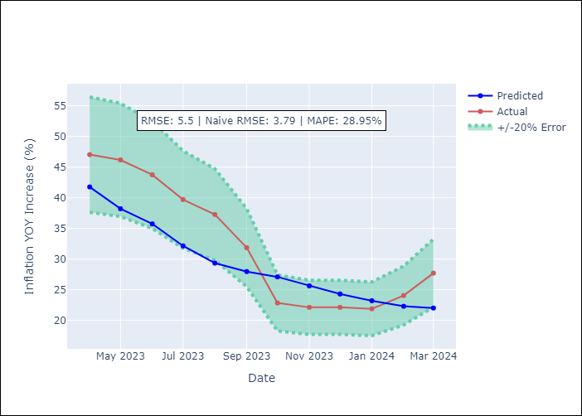

Appendix A: Model Summary
Model | Random Forest
Sample | 1998-01-01 to 2024-03-01
No. of Observations | 315
Terms | P-value (Statistical significance)

Assumptions | P-value

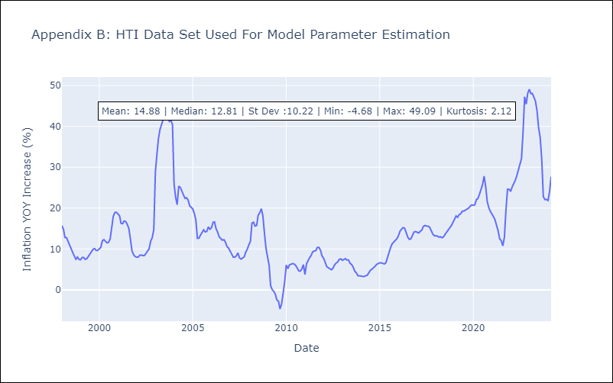

Appendix C: Residuals Analysis
Mean

MEX
MEX - Inflation - Next 12 months forecast as of: 2025-04-01

Model | Random Forest - [(3, 1, 1), (0, 0, 2, 12)]
Training Data | 1992-01-01 to 2024-05-01
Test Data | 2024-05-01 to 2025-04-01

Date | Inflation Change YoY % | Lower Bound - 95% Confidence Interval | Upper Bound - 95% Confidence Interval
2025-05-01 | 5.66 | 3.36 | 4.52
2025-06-01 | 5.49 | 3.55 | 4.79
2025-07-01 | 5.37 | 3.86 | 5.2
2025-08-01 | 5.21 | 3.78 | 5.77
2025-09-01 | 5.05 | 3.82 | 4.6
2025-10-01 | 4.85 | 3.68 | 4.94
2025-11-01 | 4.7 | 4.08 | 6.16
2025-12-01 | 4.56 | 3.69 | 4.88
2026-01-01 | 4.46 | 3.47 | 4.88
2026-02-01 | 4.33 | 3.53 | 4.87
2026-03-01 | 4.21 | 3.81 | 5.94
2026-04-01 | 4.11 | 4.13 | 6.01

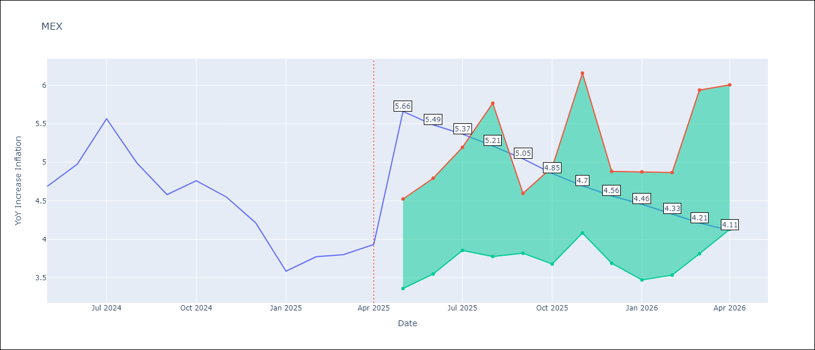

Test Metrics
RMSE | 0.5
Naive RMSE | 0.38
MAPE | 12.71%

Test Predictions
Date | Predicted | Actual
2024-05-01 | 4.47 | 4.69
2024-06-01 | 4.36 | 4.98
2024-07-01 | 4.29 | 5.57
2024-08-01 | 4.36 | 4.99
2024-09-01 | 4.39 | 4.58
2024-10-01 | 4.37 | 4.76
2024-11-01 | 4.27 | 4.55
2024-12-01 | 4.12 | 4.21
2025-01-01 | 3.97 | 3.59
2025-02-01 | 3.83 | 3.77
2025-03-01 | 3.7 | 3.8
2025-04-01 | 3.62 | 3.93

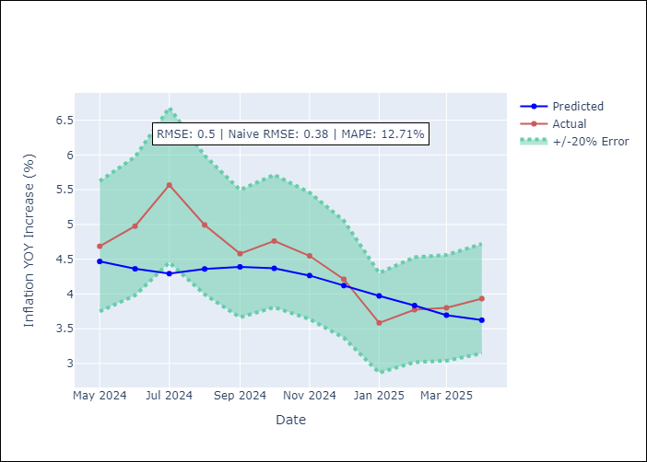

Appendix A: Model Summary
Model | Random Forest
Sample | 1992-01-01 to 2025-04-01
No. of Observations | 400
Terms | P-value (Statistical significance)

Assumptions | P-value

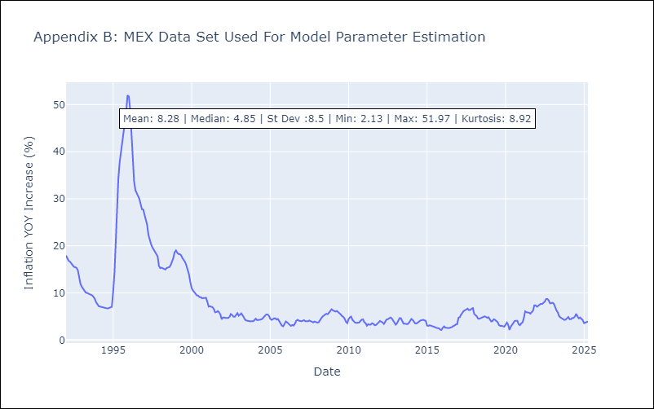

Appendix C: Residuals Analysis
Mean

NIC
NIC - Inflation - Next 12 months forecast as of: 2025-04-01

Model | Random Forest - [(1, 1, 0), (2, 0, 1, 12)]
Training Data | 2012-12-01 to 2024-04-01
Test Data | 2024-04-01 to 2025-04-01

Date | Inflation Change YoY % | Lower Bound - 95% Confidence Interval | Upper Bound - 95% Confidence Interval
2025-05-01 | 5.53 | 3.17 | 5.91
2025-06-01 | 5.4 | 3.95 | 5.58
2025-07-01 | 5.1 | 4.18 | 5.87
2025-08-01 | 4.53 | 3.41 | 5.54
2025-09-01 | 4.1 | 3.53 | 5.49
2025-10-01 | 3.83 | 4.25 | 5.73
2025-11-01 | 3.73 | 3.61 | 5.73
2025-12-01 | 3.76 | 3.53 | 5.77
2026-01-01 | 3.6 | 4.26 | 5.68
2026-02-01 | 3.59 | 3.76 | 5.66
2026-03-01 | 3.67 | 4.09 | 5.85
2026-04-01 | 3.79 | 3.31 | 5.58

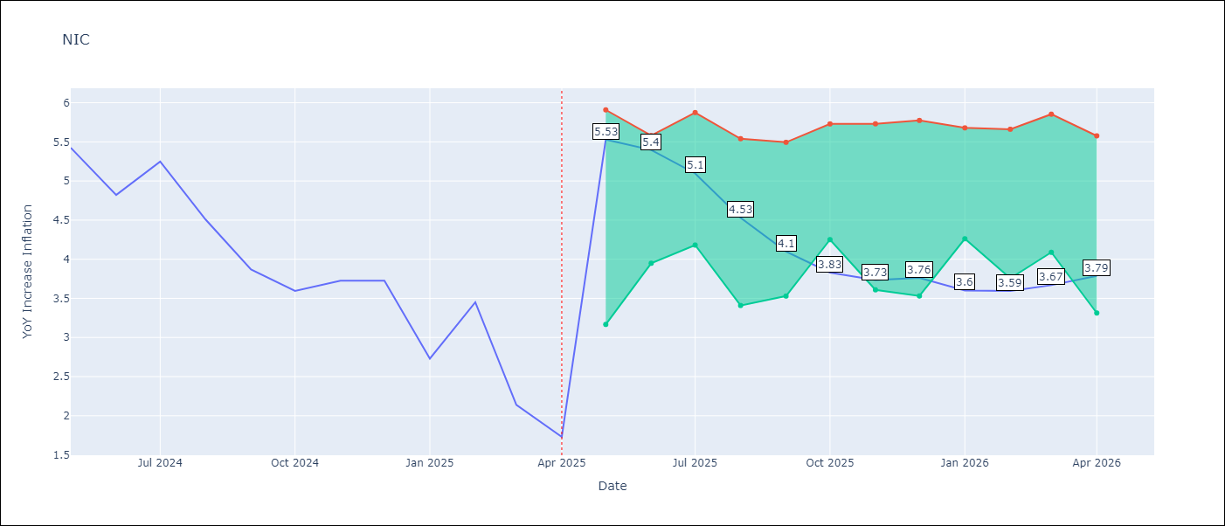

Test Metrics
RMSE | 1.67
Naive RMSE | 0.67
MAPE | 57.13%

Test Predictions
Date | Predicted | Actual
2024-04-01 | 5.29 | 5.42
2024-05-01 | 5.57 | 5.43
2024-06-01 | 5.77 | 4.82
2024-07-01 | 5.79 | 5.25
2024-08-01 | 5.85 | 4.51
2024-09-01 | 5.72 | 3.87
2024-10-01 | 5.64 | 3.59
2024-11-01 | 5.28 | 3.73
2025-01-01 | 5.08 | 2.73
2025-02-01 | 4.74 | 3.45
2025-03-01 | 4.66 | 2.14
2025-04-01 | 4.37 | 1.73

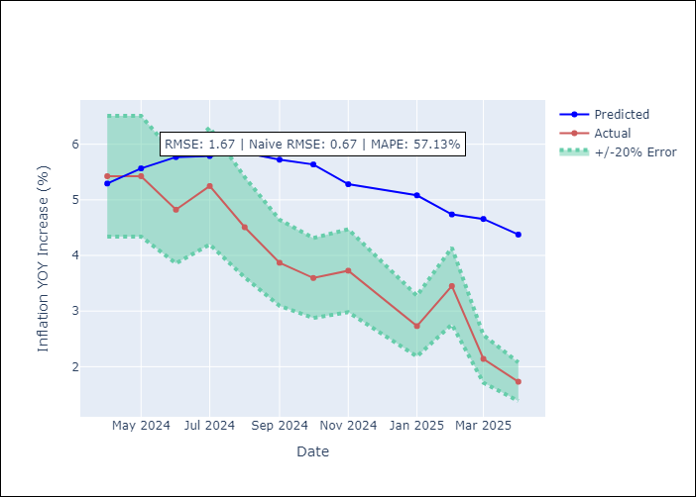

Appendix A: Model Summary
Model | Random Forest
Sample | 2012-12-01 to 2025-04-01
No. of Observations | 148
Terms | P-value (Statistical significance)

Assumptions | P-value

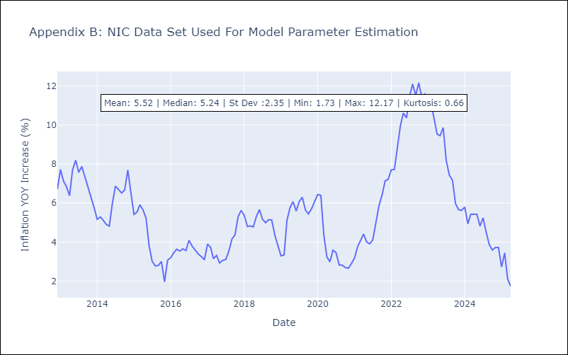

Appendix C: Residuals Analysis
Mean

PAN
PAN - Inflation - Next 12 months forecast as of: 2025-04-01

Model | Random Forest - [(2, 1, 1), (2, 0, 1, 12)]
Training Data | 1994-07-01 to 2024-05-01
Test Data | 2024-05-01 to 2025-04-01

Date | Inflation Change YoY % | Lower Bound - 95% Confidence Interval | Upper Bound - 95% Confidence Interval
2025-05-01 | 1.11 | -2.07 | 0.18
2025-06-01 | 1.09 | -1.42 | 2.02
2025-07-01 | 1.11 | 1.26 | 3.14
2025-08-01 | 1.12 | 2.54 | 5.38
2025-09-01 | 1.17 | 2.8 | 5.89
2025-10-01 | 1.26 | 1.06 | 3.68
2025-11-01 | 1.33 | 0.31 | 2.46
2025-12-01 | 1.37 | 0.65 | 1.66
2026-01-01 | 1.41 | 0.79 | 1.58
2026-02-01 | 1.42 | 0.9 | 1.57
2026-03-01 | 1.37 | 0.94 | 1.54
2026-04-01 | 1.38 | 1 | 1.57

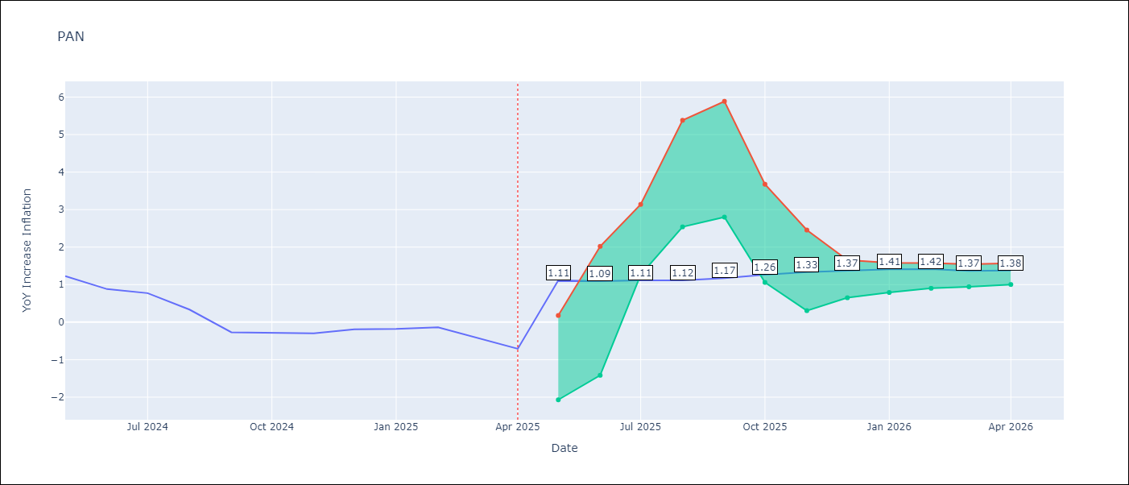

Test Metrics
RMSE | 0.89
Naive RMSE | 0.28
MAPE | 322.81%

Test Predictions
Date | Predicted | Actual
2024-05-01 | 1.49 | 1.23
2024-06-01 | 1.4 | 0.88
2024-07-01 | 1.07 | 0.77
2024-08-01 | 0.93 | 0.33
2024-09-01 | 0.6 | -0.27
2024-10-01 | 0.6 | -0.29
2024-11-01 | 0.32 | -0.3
2024-12-01 | 0.62 | -0.19
2025-01-01 | 0.91 | -0.18
2025-02-01 | 0.78 | -0.14
2025-03-01 | 0.86 | -0.41
2025-04-01 | 0.89 | -0.71

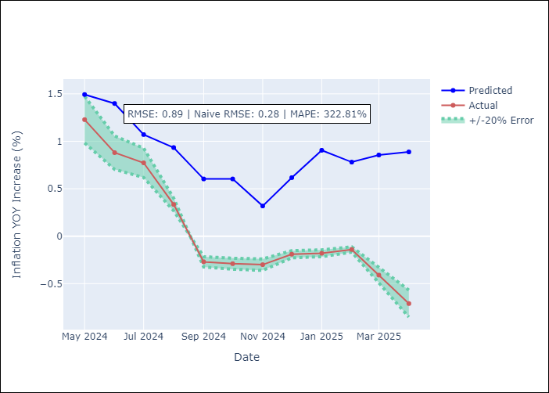

Appendix A: Model Summary
Model | Random Forest
Sample | 1994-07-01 to 2025-04-01
No. of Observations | 370
Terms | P-value (Statistical significance)

Assumptions | P-value

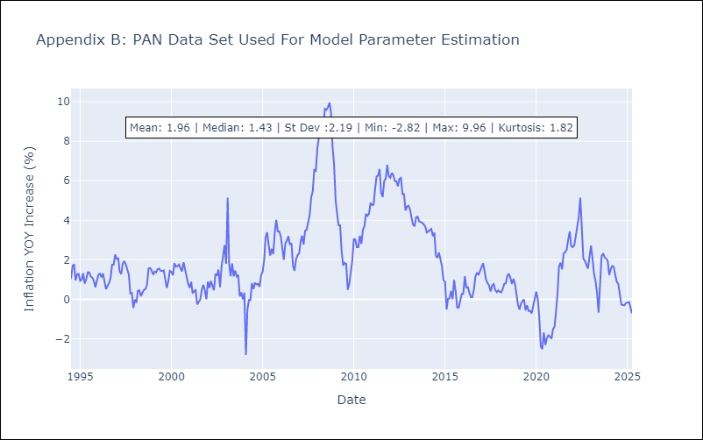

Appendix C: Residuals Analysis
Mean

SLV
SLV - Inflation - Next 12 months forecast as of: 2025-04-01

Model | Random Forest - [(1, 1, 0), (2, 0, 1, 12)]
Training Data | 1994-07-01 to 2024-05-01
Test Data | 2024-05-01 to 2025-04-01

Date | Inflation Change YoY % | Lower Bound - 95% Confidence Interval | Upper Bound - 95% Confidence Interval
2025-05-01 | 4.8 | -0.73 | 1.2
2025-06-01 | 4.31 | 0.69 | 4.99
2025-07-01 | 3.97 | 2.88 | 5.22
2025-08-01 | 3.87 | 3.79 | 5.28
2025-09-01 | 4.09 | 3.78 | 5.46
2025-10-01 | 4.33 | 3.77 | 5.12
2025-11-01 | 4.76 | 3.68 | 4.81
2025-12-01 | 5 | 3.67 | 5.31
2026-01-01 | 4.92 | 3.68 | 5.06
2026-02-01 | 4.5 | 3.85 | 5.05
2026-03-01 | 4.11 | 3.58 | 5.14
2026-04-01 | 4.11 | 3.69 | 5.08

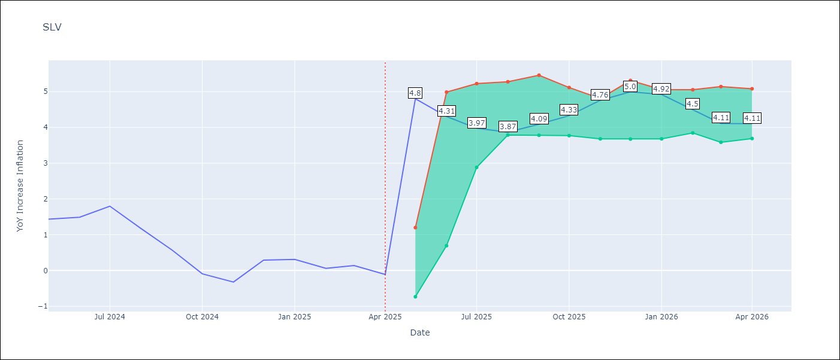

Test Metrics
RMSE | 0.96
Naive RMSE | 0.41
MAPE | 590.04%

Test Predictions
Date | Predicted | Actual
2024-05-01 | 1.27 | 1.44
2024-06-01 | 1.46 | 1.49
2024-07-01 | 1.42 | 1.8
2024-08-01 | 1.49 | 1.17
2024-09-01 | 1.47 | 0.57
2024-10-01 | 1.11 | -0.09
2024-11-01 | 0.88 | -0.32
2024-12-01 | 1.13 | 0.29
2025-01-01 | 1.37 | 0.31
2025-02-01 | 1.41 | 0.06
2025-03-01 | 1.37 | 0.14
2025-04-01 | 1.3 | -0.11

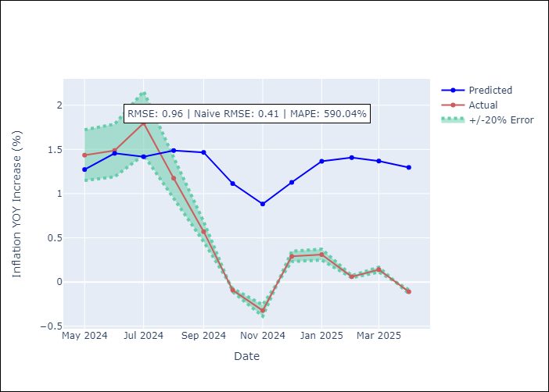

Appendix A: Model Summary
Model | Random Forest
Sample | 1994-07-01 to 2025-04-01
No. of Observations | 370
Terms | P-value (Statistical significance)

Assumptions | P-value

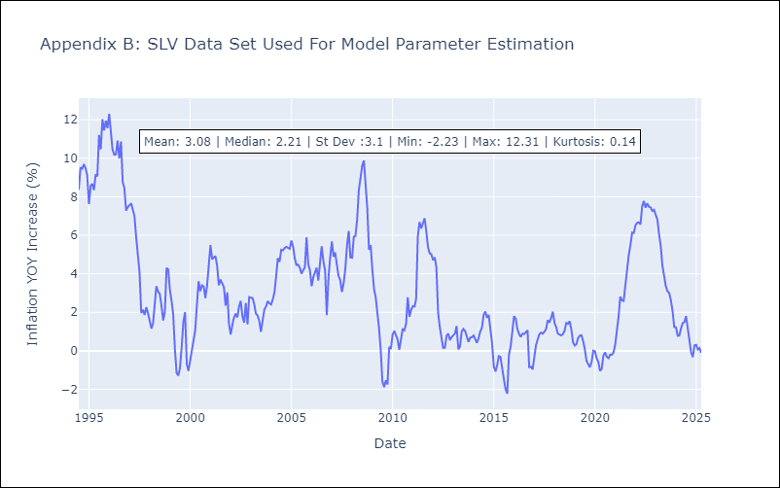

Appendix C: Residuals Analysis
Mean

