CRI
CRI - Inflation - Next 12 months forecast as of: 2025-04-01

Model | Random Forest - [(2, 1, 1), (2, 0, 1, 12)]
Training Data | 1994-07-01 to 2024-05-01
Test Data | 2024-05-01 to 2025-04-01

Date | Inflation Change YoY % | Lower Bound - 95% Confidence Interval | Upper Bound - 95% Confidence Interval
2025-05-01 | 4.74 | 1.16 | 7.25
2025-06-01 | 4.7 | 0.21 | 5.95
2025-07-01 | 4.72 | -0.89 | 0.77
2025-08-01 | 4.73 | 0.63 | 17.81
2025-09-01 | 4.71 | 2.71 | 10.78
2025-10-01 | 4.65 | 4.26 | 5.4
2025-11-01 | 4.64 | 4.45 | 5.29
2025-12-01 | 4.7 | 4.31 | 5.11
2026-01-01 | 4.74 | 4.52 | 5.38
2026-02-01 | 4.8 | 4.4 | 5.3
2026-03-01 | 4.82 | 4.33 | 5.4
2026-04-01 | 4.86 | 4.38 | 5.26

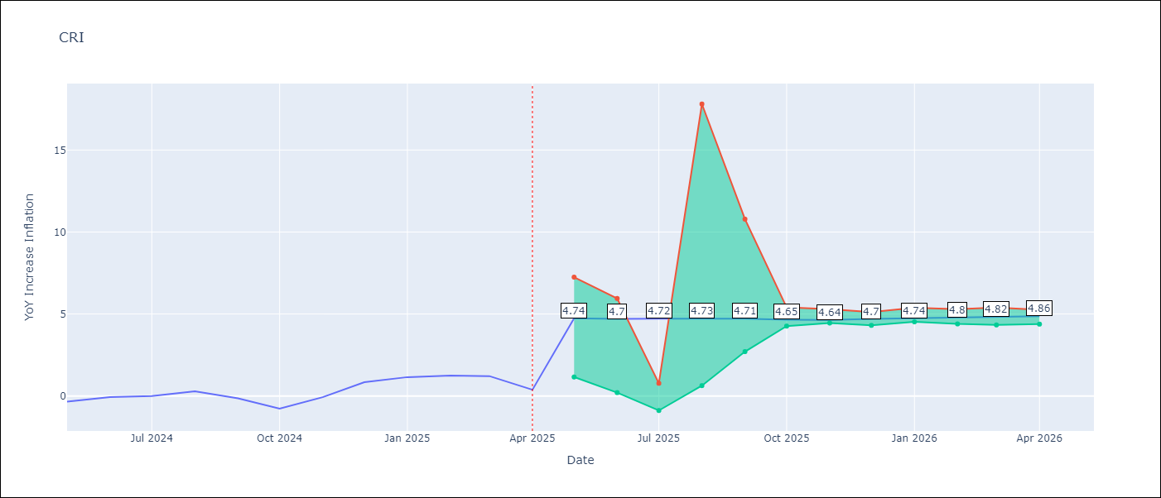

Test Metrics
RMSE | 3.02
Naive RMSE | 0.51
MAPE | inf%

Test Predictions
Date | Predicted | Actual
2024-05-01 | 1.37 | -0.35
2024-06-01 | 1.94 | -0.06
2024-07-01 | 2.31 | 0
2024-08-01 | 2.48 | 0.28
2024-09-01 | 2.68 | -0.14
2024-10-01 | 3.03 | -0.77
2024-11-01 | 3.53 | -0.07
2024-12-01 | 3.86 | 0.84
2025-01-01 | 4.13 | 1.15
2025-02-01 | 4.3 | 1.25
2025-03-01 | 4.52 | 1.21
2025-04-01 | 4.7 | 0.38

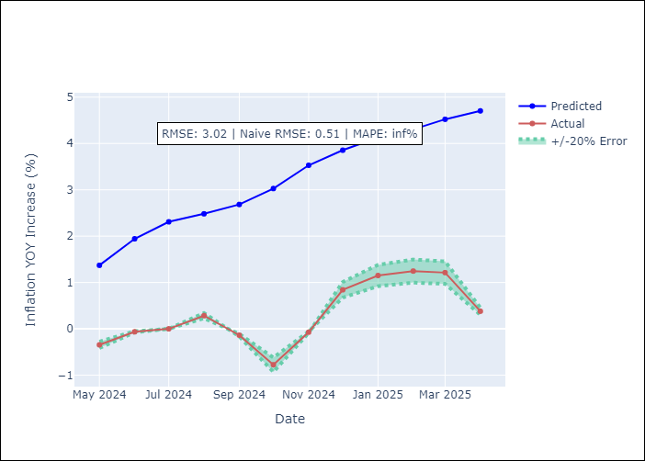

Appendix A: Model Summary
Model | Random Forest
Sample | 1994-07-01 to 2025-04-01
No. of Observations | 370
Terms | P-value (Statistical significance)

Assumptions | P-value

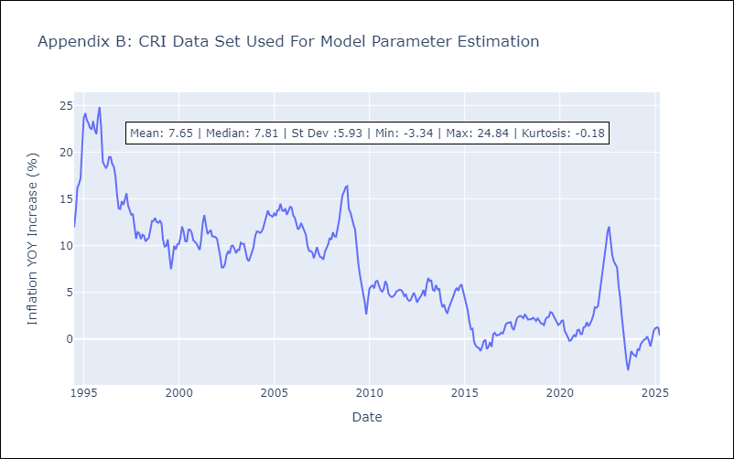

Appendix C: Residuals Analysis
Mean

CUB
CUB - Inflation - Next 12 months forecast as of: 2024-01-01

Model | Random Forest - [(0, 2, 1), (0, 0, 1, 12)]
Training Data | 2003-01-01 to 2023-02-01
Test Data | 2023-02-01 to 2024-01-01

Date | Inflation Change YoY % | Lower Bound - 95% Confidence Interval | Upper Bound - 95% Confidence Interval
2024-02-01 | 43.51 | 38.23 | 50.55
2024-03-01 | 44.6 | 35.47 | 53.01
2024-04-01 | 43.23 | 34.92 | 51.12
2024-05-01 | 47.88 | 33.19 | 53.38
2024-06-01 | 49.66 | 35.83 | 51.68
2024-07-01 | 45.71 | 37.67 | 52.71
2024-08-01 | 42.09 | 35.38 | 51.93
2024-09-01 | 41.9 | 32.71 | 51.94
2024-10-01 | 42.46 | 36.6 | 51.82
2024-11-01 | 42.01 | 32.2 | 52.6
2024-12-01 | 40.9 | 35.76 | 51.49
2025-01-01 | 39.89 | 36.25 | 51.71

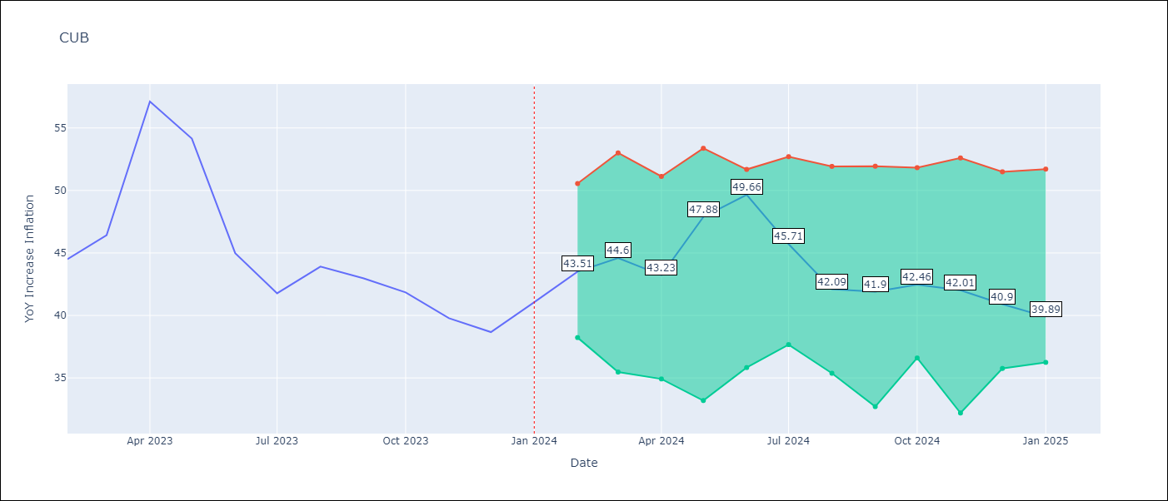

Test Metrics
RMSE | 4.15
Naive RMSE | 4.66
MAPE | 10.83%

Test Predictions
Date | Predicted | Actual
2023-02-01 | 44.98 | 44.5
2023-03-01 | 45.98 | 46.42
2023-04-01 | 45.65 | 57.12
2023-05-01 | 50.34 | 54.15
2023-06-01 | 50.44 | 44.99
2023-07-01 | 45.69 | 41.77
2023-08-01 | 41.62 | 43.91
2023-09-01 | 41.34 | 42.96
2023-10-01 | 41.18 | 41.84
2023-11-01 | 40.56 | 39.78
2023-12-01 | 39.48 | 38.67
2024-01-01 | 38.65 | 41.06

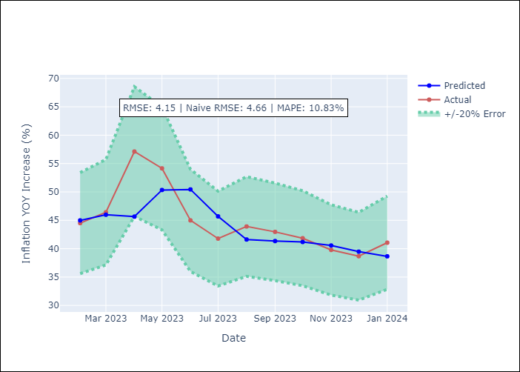

Appendix A: Model Summary
Model | Random Forest
Sample | 2003-01-01 to 2024-01-01
No. of Observations | 253
Terms | P-value (Statistical significance)

Assumptions | P-value

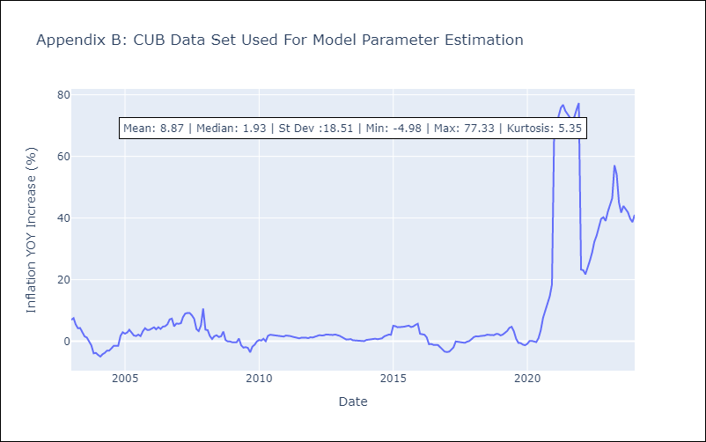

Appendix C: Residuals Analysis
Mean

DOM
DOM - Inflation - Next 12 months forecast as of: 2025-04-01

Model | Random Forest - [(0, 2, 2), (0, 0, 1, 12)]
Training Data | 1994-01-01 to 2024-05-01
Test Data | 2024-05-01 to 2025-04-01

Date | Inflation Change YoY % | Lower Bound - 95% Confidence Interval | Upper Bound - 95% Confidence Interval
2025-05-01 | 3.07 | 1.11 | 3.76
2025-06-01 | 3.16 | 0.79 | 2.74
2025-07-01 | 3.46 | 1.88 | 4.52
2025-08-01 | 3.79 | 2.89 | 5.09
2025-09-01 | 4.02 | 2.3 | 5.22
2025-10-01 | 4.16 | 1.1 | 2.79
2025-11-01 | 4.15 | 1.92 | 4.22
2025-12-01 | 4.11 | 2.98 | 4.39
2026-01-01 | 4.15 | 1.38 | 3.84
2026-02-01 | 4.31 | 1.02 | 3.05
2026-03-01 | 4.51 | 1.83 | 4.39
2026-04-01 | 4.76 | 2.84 | 5.22

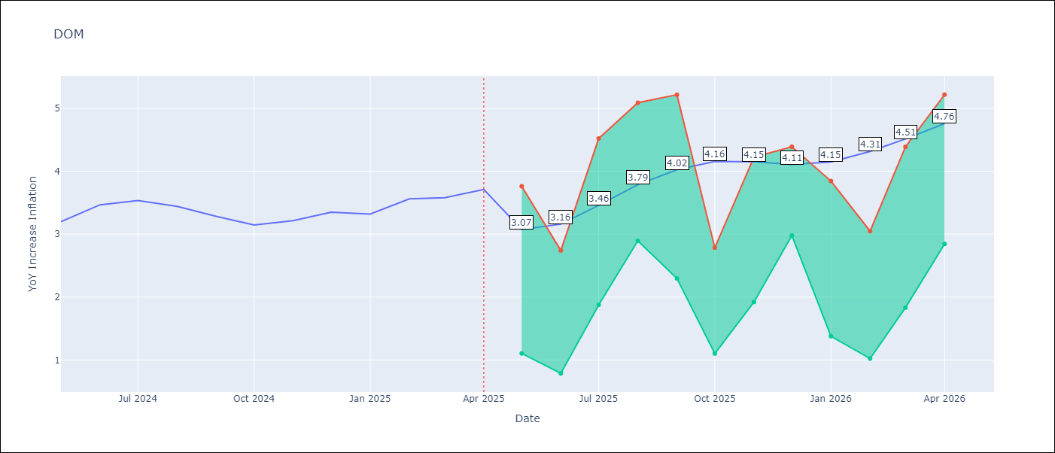

Test Metrics
RMSE | 1.27
Naive RMSE | 0.14
MAPE | 32.61%

Test Predictions
Date | Predicted | Actual
2024-05-01 | 3.14 | 3.2
2024-06-01 | 3.01 | 3.47
2024-07-01 | 2.91 | 3.53
2024-08-01 | 2.71 | 3.44
2024-09-01 | 2.55 | 3.28
2024-10-01 | 2.3 | 3.15
2024-11-01 | 2.03 | 3.21
2024-12-01 | 1.83 | 3.35
2025-01-01 | 1.78 | 3.32
2025-02-01 | 1.76 | 3.56
2025-03-01 | 1.71 | 3.58
2025-04-01 | 1.69 | 3.71

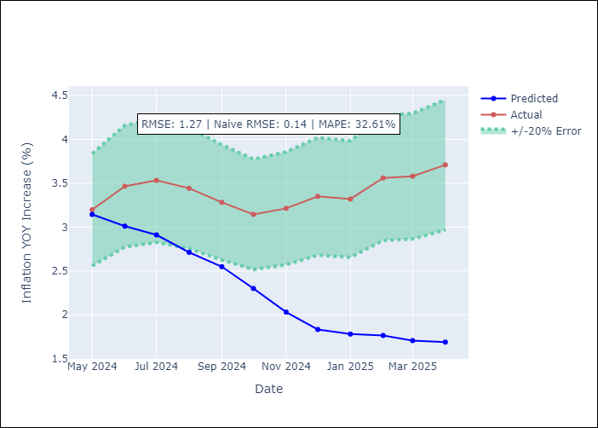

Appendix A: Model Summary
Model | Random Forest
Sample | 1994-01-01 to 2025-04-01
No. of Observations | 376
Terms | P-value (Statistical significance)

Assumptions | P-value

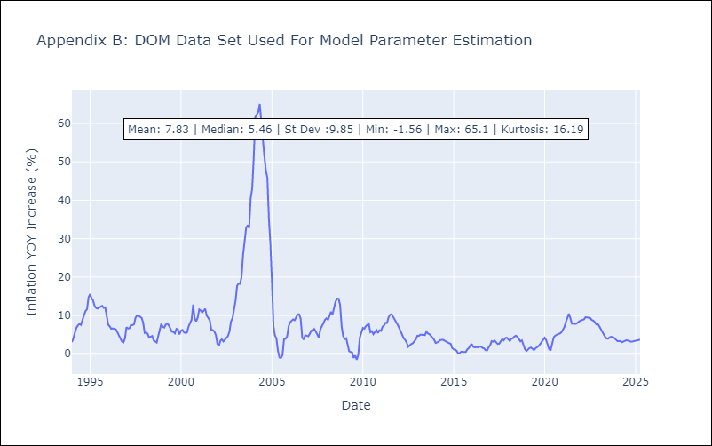

Appendix C: Residuals Analysis
Mean

GTM
GTM - Inflation - Next 12 months forecast as of: 2025-04-01

Model | Random Forest - [(1, 1, 0), (0, 0, 2, 12)]
Training Data | 1994-07-01 to 2024-05-01
Test Data | 2024-05-01 to 2025-04-01

Date | Inflation Change YoY % | Lower Bound - 95% Confidence Interval | Upper Bound - 95% Confidence Interval
2025-05-01 | 2.52 | 2.23 | 5.02
2025-06-01 | 2.55 | 3.55 | 4.85
2025-07-01 | 2.59 | 3.52 | 4.71
2025-08-01 | 2.67 | 3.39 | 4.59
2025-09-01 | 2.79 | 3.34 | 4.48
2025-10-01 | 3.05 | 2.7 | 3.84
2025-11-01 | 3.41 | 2.32 | 4.65
2025-12-01 | 3.75 | 3.73 | 4.69
2026-01-01 | 3.97 | 3.52 | 4.66
2026-02-01 | 4.2 | 3.28 | 4.31
2026-03-01 | 4.33 | 2.67 | 4
2026-04-01 | 4.44 | 2.35 | 4.81

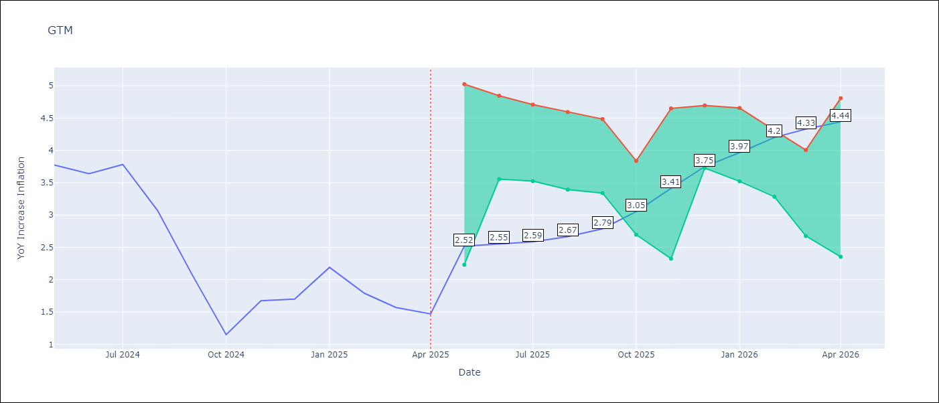

Test Metrics
RMSE | 1.9
Naive RMSE | 0.53
MAPE | 94.56%

Test Predictions
Date | Predicted | Actual
2024-05-01 | 3.4 | 3.77
2024-06-01 | 3.61 | 3.64
2024-07-01 | 3.81 | 3.78
2024-08-01 | 3.89 | 3.07
2024-09-01 | 3.83 | 2.07
2024-10-01 | 3.76 | 1.15
2024-11-01 | 3.81 | 1.67
2024-12-01 | 3.91 | 1.7
2025-01-01 | 4.04 | 2.19
2025-02-01 | 4.16 | 1.79
2025-03-01 | 4.15 | 1.57
2025-04-01 | 4.17 | 1.47

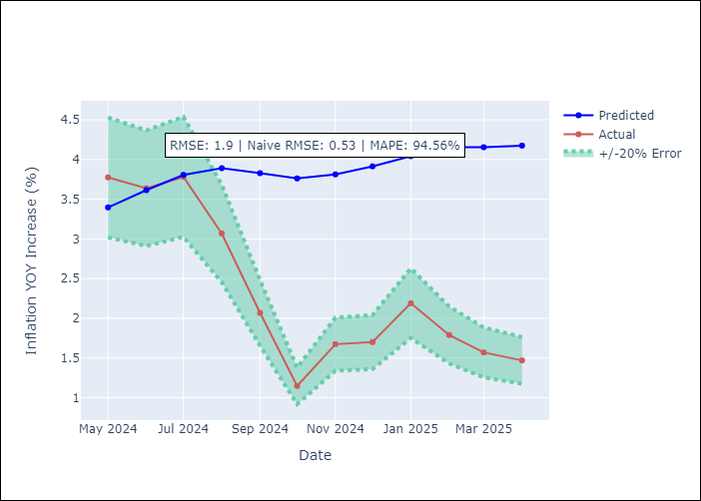

Appendix A: Model Summary
Model | Random Forest
Sample | 1994-07-01 to 2025-04-01
No. of Observations | 370
Terms | P-value (Statistical significance)

Assumptions | P-value

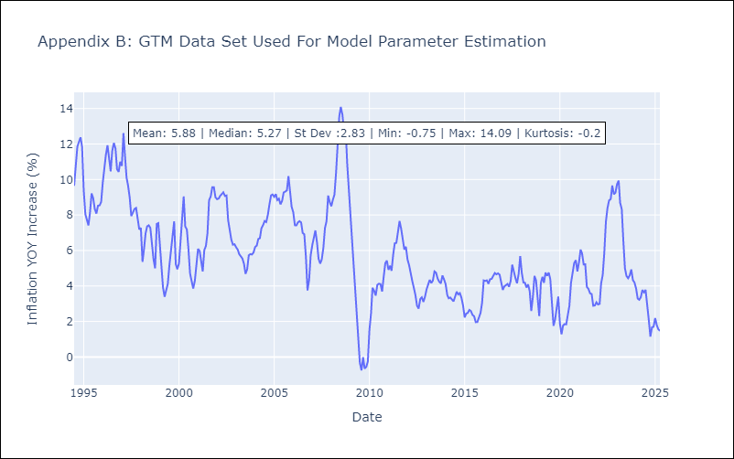

Appendix C: Residuals Analysis
Mean

HND
HND - Inflation - Next 12 months forecast as of: 2025-04-01

Model | Random Forest - [(2, 0, 1), (0, 0, 2, 12)]
Training Data | 1994-07-01 to 2024-05-01
Test Data | 2024-05-01 to 2025-04-01

Date | Inflation Change YoY % | Lower Bound - 95% Confidence Interval | Upper Bound - 95% Confidence Interval
2025-05-01 | 5.38 | 3.86 | 5.54
2025-06-01 | 5.4 | 4.19 | 7.2
2025-07-01 | 5.44 | 4.48 | 5.83
2025-08-01 | 5.53 | 5.06 | 6.26
2025-09-01 | 5.55 | 4.4 | 5.75
2025-10-01 | 5.59 | 5.05 | 6.21
2025-11-01 | 5.56 | 4.58 | 5.89
2025-12-01 | 5.58 | 5.14 | 6.2
2026-01-01 | 5.5 | 4.62 | 5.79
2026-02-01 | 5.46 | 5.08 | 6.22
2026-03-01 | 5.45 | 5 | 5.84
2026-04-01 | 5.47 | 4.89 | 5.86

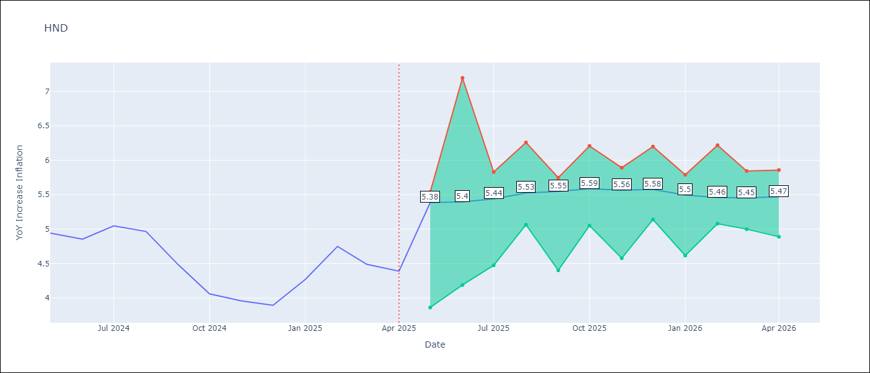

Test Metrics
RMSE | 1.59
Naive RMSE | 0.29
MAPE | 33.42%

Test Predictions
Date | Predicted | Actual
2024-05-01 | 5.39 | 4.94
2024-06-01 | 5.5 | 4.86
2024-07-01 | 5.66 | 5.05
2024-08-01 | 5.87 | 4.97
2024-09-01 | 5.87 | 4.48
2024-10-01 | 5.79 | 4.06
2024-11-01 | 5.77 | 3.96
2024-12-01 | 5.9 | 3.89
2025-01-01 | 6.12 | 4.27
2025-02-01 | 6.49 | 4.75
2025-03-01 | 6.73 | 4.49
2025-04-01 | 6.58 | 4.39

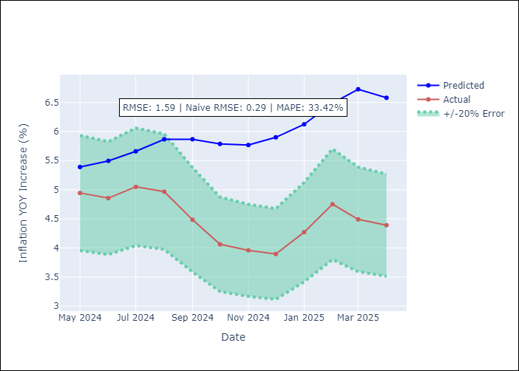

Appendix A: Model Summary
Model | Random Forest
Sample | 1994-07-01 to 2025-04-01
No. of Observations | 370
Terms | P-value (Statistical significance)

Assumptions | P-value

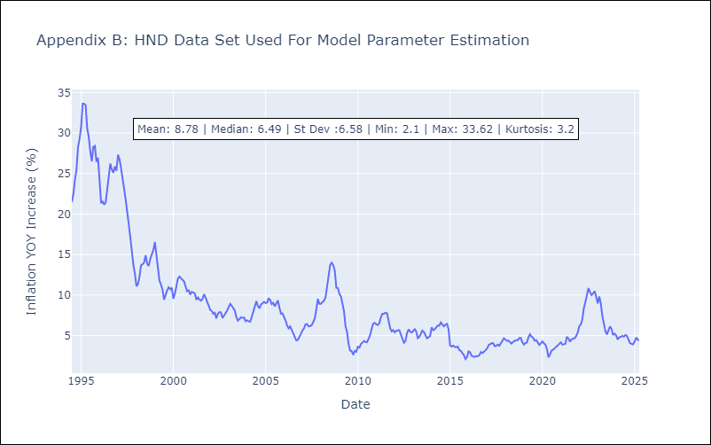

Appendix C: Residuals Analysis
Mean

HTI
HTI - Inflation - Next 12 months forecast as of: 2024-03-01

Model | Random Forest - [(2, 0, 1), (3, 0, 0, 12)]
Training Data | 1998-01-01 to 2023-04-01
Test Data | 2023-04-01 to 2024-03-01

Date | Inflation Change YoY % | Lower Bound - 95% Confidence Interval | Upper Bound - 95% Confidence Interval
2024-04-01 | 12.53 | 16.4 | 42.05
2024-05-01 | 12.61 | 13.83 | 22.68
2024-06-01 | 12.6 | 12.35 | 20.46
2024-07-01 | 12.6 | 11.2 | 18.38
2024-08-01 | 12.75 | 12.59 | 17.6
2024-09-01 | 13.03 | 12.97 | 17.82
2024-10-01 | 13.32 | 11.81 | 16.5
2024-11-01 | 13.63 | 13.63 | 18.28
2024-12-01 | 13.7 | 11.53 | 20.36
2025-01-01 | 13.66 | 12.2 | 18.92
2025-02-01 | 13.87 | 12.43 | 15.78
2025-03-01 | 14.14 | 11.97 | 17.16

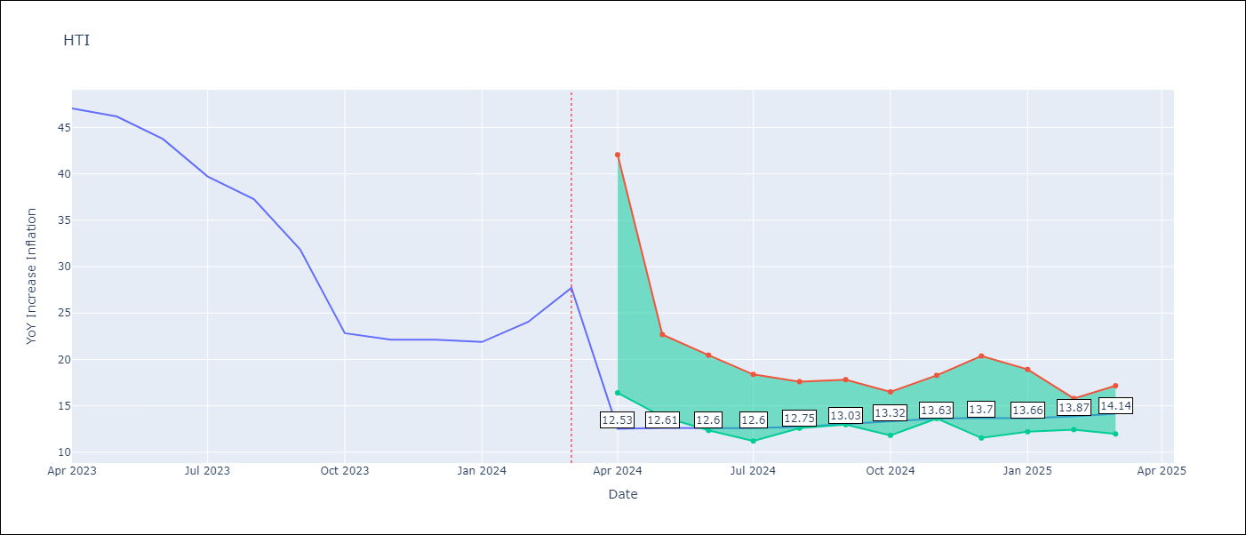

Test Metrics
RMSE | 5.75
Naive RMSE | 3.79
MAPE | 28.6%

Test Predictions
Date | Predicted | Actual
2023-04-01 | 40.84 | 47.04
2023-05-01 | 37.86 | 46.18
2023-06-01 | 35.34 | 43.75
2023-07-01 | 31.7 | 39.71
2023-08-01 | 28.63 | 37.27
2023-09-01 | 27.09 | 31.86
2023-10-01 | 26.23 | 22.83
2023-11-01 | 24.57 | 22.12
2023-12-01 | 23.37 | 22.12
2024-01-01 | 22.64 | 21.87
2024-02-01 | 22.04 | 24.04
2024-03-01 | 21.88 | 27.7

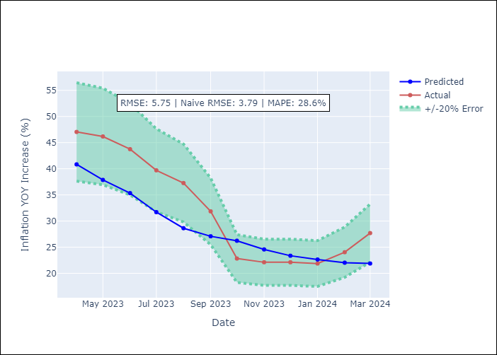

Appendix A: Model Summary
Model | Random Forest
Sample | 1998-01-01 to 2024-03-01
No. of Observations | 315
Terms | P-value (Statistical significance)

Assumptions | P-value

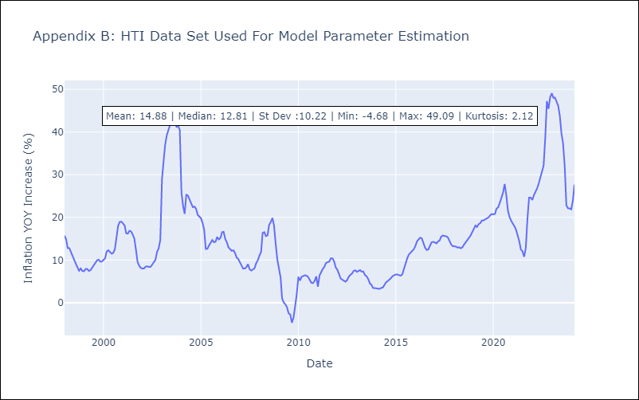

Appendix C: Residuals Analysis
Mean

MEX
MEX - Inflation - Next 12 months forecast as of: 2025-04-01

Model | Random Forest - [(3, 1, 1), (0, 0, 2, 12)]
Training Data | 1992-01-01 to 2024-05-01
Test Data | 2024-05-01 to 2025-04-01

Date | Inflation Change YoY % | Lower Bound - 95% Confidence Interval | Upper Bound - 95% Confidence Interval
2025-05-01 | 3.99 | 3.47 | 4.51
2025-06-01 | 3.99 | 3.64 | 4.77
2025-07-01 | 4 | 3.55 | 4.67
2025-08-01 | 4.02 | 3.72 | 5.05
2025-09-01 | 4.08 | 4.18 | 6.01
2025-10-01 | 4.17 | 3.6 | 4.96
2025-11-01 | 4.31 | 3.6 | 5.03
2025-12-01 | 4.48 | 4.13 | 6.15
2026-01-01 | 4.67 | 3.88 | 5.11
2026-02-01 | 4.85 | 3.27 | 4.58
2026-03-01 | 4.98 | 3.69 | 4.51
2026-04-01 | 5.13 | 3.73 | 4.93

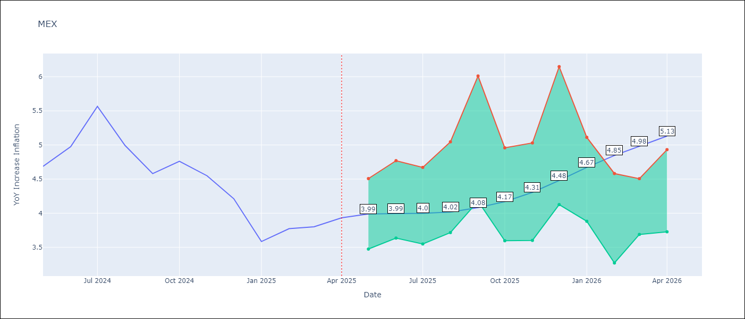

Test Metrics
RMSE | 0.49
Naive RMSE | 0.38
MAPE | 12.47%

Test Predictions
Date | Predicted | Actual
2024-05-01 | 4.41 | 4.69
2024-06-01 | 4.38 | 4.98
2024-07-01 | 4.39 | 5.57
2024-08-01 | 4.41 | 4.99
2024-09-01 | 4.31 | 4.58
2024-10-01 | 4.28 | 4.76
2024-11-01 | 4.21 | 4.55
2024-12-01 | 4.11 | 4.21
2025-01-01 | 4 | 3.59
2025-02-01 | 3.86 | 3.77
2025-03-01 | 3.77 | 3.8
2025-04-01 | 3.69 | 3.93

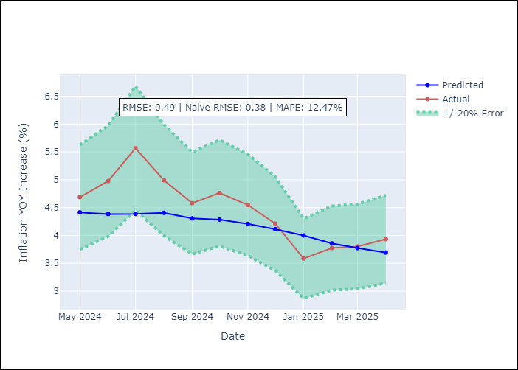

Appendix A: Model Summary
Model | Random Forest
Sample | 1992-01-01 to 2025-04-01
No. of Observations | 400
Terms | P-value (Statistical significance)

Assumptions | P-value

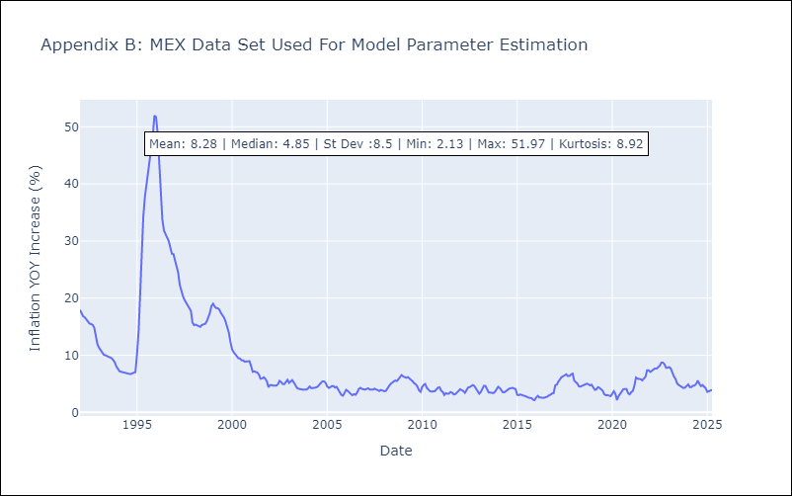

Appendix C: Residuals Analysis
Mean

NIC
NIC - Inflation - Next 12 months forecast as of: 2025-04-01

Model | Random Forest - [(1, 1, 0), (2, 0, 1, 12)]
Training Data | 2012-12-01 to 2024-04-01
Test Data | 2024-04-01 to 2025-04-01

Date | Inflation Change YoY % | Lower Bound - 95% Confidence Interval | Upper Bound - 95% Confidence Interval
2025-05-01 | 5.23 | 3.14 | 5.83
2025-06-01 | 5.02 | 4.01 | 5.95
2025-07-01 | 4.86 | 3.65 | 6.11
2025-08-01 | 4.83 | 3.4 | 5.7
2025-09-01 | 5 | 3.15 | 4.8
2025-10-01 | 5.12 | 4.2 | 6.2
2025-11-01 | 5.17 | 4.26 | 5.63
2025-12-01 | 5.2 | 4.16 | 5.92
2026-01-01 | 5.26 | 3.19 | 5.7
2026-02-01 | 5.25 | 3.23 | 4.87
2026-03-01 | 4.99 | 4.14 | 5.99
2026-04-01 | 4.74 | 4.22 | 5.64

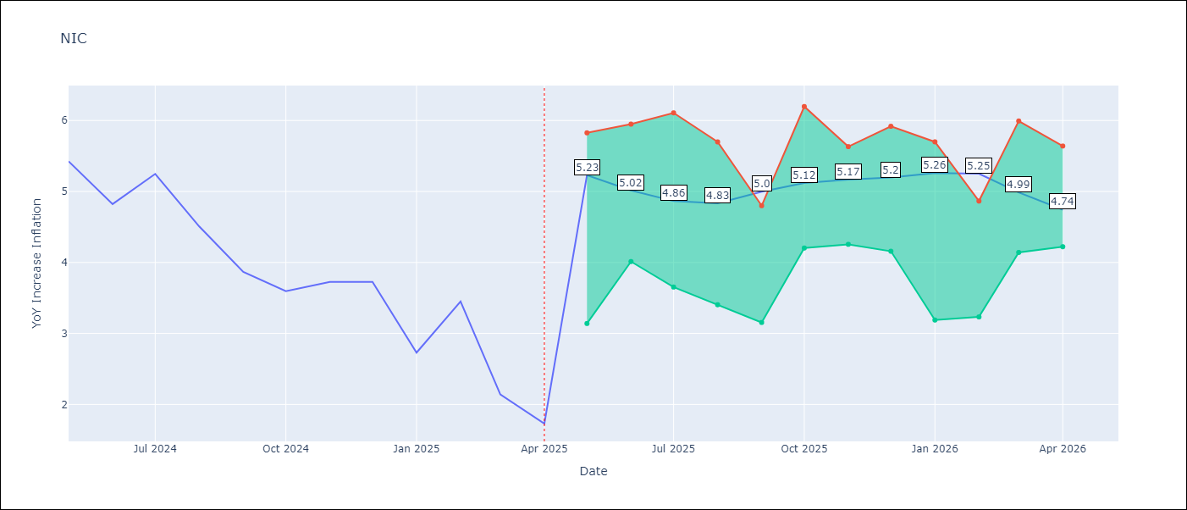

Test Metrics
RMSE | 1.82
Naive RMSE | 0.67
MAPE | 60.59%

Test Predictions
Date | Predicted | Actual
2024-04-01 | 5.37 | 5.42
2024-05-01 | 5.6 | 5.43
2024-06-01 | 5.83 | 4.82
2024-07-01 | 5.88 | 5.25
2024-08-01 | 5.93 | 4.51
2024-09-01 | 5.96 | 3.87
2024-10-01 | 5.83 | 3.59
2024-11-01 | 5.54 | 3.73
2025-01-01 | 5.3 | 2.73
2025-02-01 | 4.92 | 3.45
2025-03-01 | 4.84 | 2.14
2025-04-01 | 4.49 | 1.73

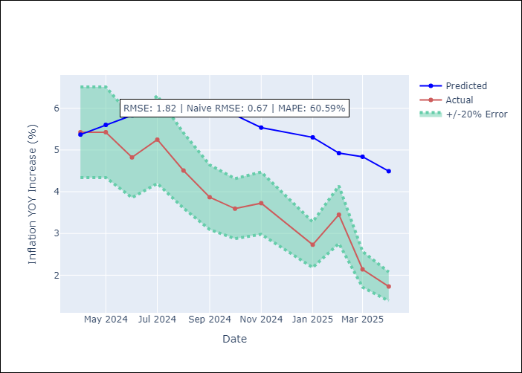

Appendix A: Model Summary
Model | Random Forest
Sample | 2012-12-01 to 2025-04-01
No. of Observations | 148
Terms | P-value (Statistical significance)

Assumptions | P-value

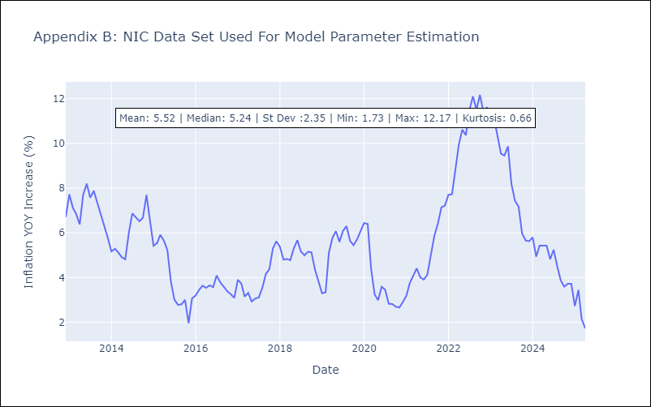

Appendix C: Residuals Analysis
Mean

PAN
PAN - Inflation - Next 12 months forecast as of: 2025-04-01

Model | Random Forest - [(2, 1, 1), (2, 0, 1, 12)]
Training Data | 1994-07-01 to 2024-05-01
Test Data | 2024-05-01 to 2025-04-01

Date | Inflation Change YoY % | Lower Bound - 95% Confidence Interval | Upper Bound - 95% Confidence Interval
2025-05-01 | 0.6 | -2.04 | 0.37
2025-06-01 | 0.69 | -1.47 | 1.26
2025-07-01 | 0.77 | 0.96 | 3.24
2025-08-01 | 0.86 | 2.31 | 4.49
2025-09-01 | 1.06 | 2.27 | 5.14
2025-10-01 | 0.95 | 3.55 | 7.43
2025-11-01 | 0.99 | 4.25 | 6.84
2025-12-01 | 1.04 | 3.6 | 4.74
2026-01-01 | 1.05 | 0.94 | 3.81
2026-02-01 | 1.09 | 0.1 | 2.69
2026-03-01 | 0.96 | 0.08 | 1.27
2026-04-01 | 0.91 | 0.51 | 1.39

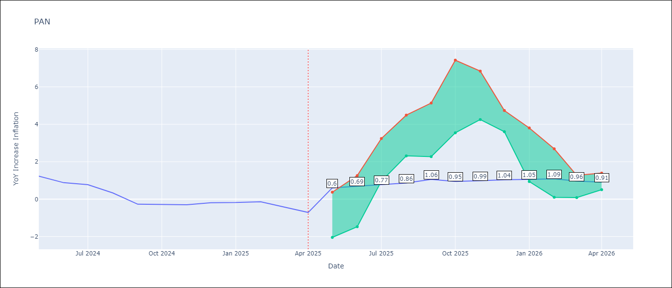

Test Metrics
RMSE | 0.96
Naive RMSE | 0.28
MAPE | 341.47%

Test Predictions
Date | Predicted | Actual
2024-05-01 | 1.46 | 1.23
2024-06-01 | 1.47 | 0.88
2024-07-01 | 1.07 | 0.77
2024-08-01 | 0.97 | 0.33
2024-09-01 | 0.64 | -0.27
2024-10-01 | 0.72 | -0.29
2024-11-01 | 0.3 | -0.3
2024-12-01 | 0.85 | -0.19
2025-01-01 | 0.98 | -0.18
2025-02-01 | 0.89 | -0.14
2025-03-01 | 0.96 | -0.41
2025-04-01 | 0.92 | -0.71

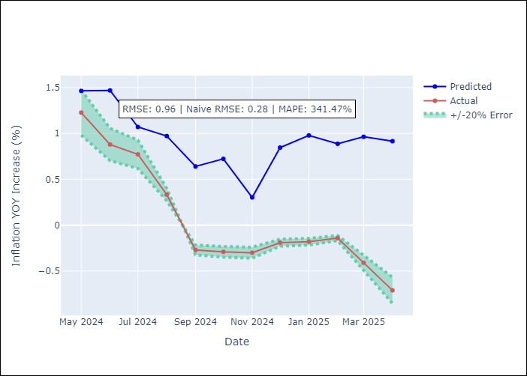

Appendix A: Model Summary
Model | Random Forest
Sample | 1994-07-01 to 2025-04-01
No. of Observations | 370
Terms | P-value (Statistical significance)

Assumptions | P-value

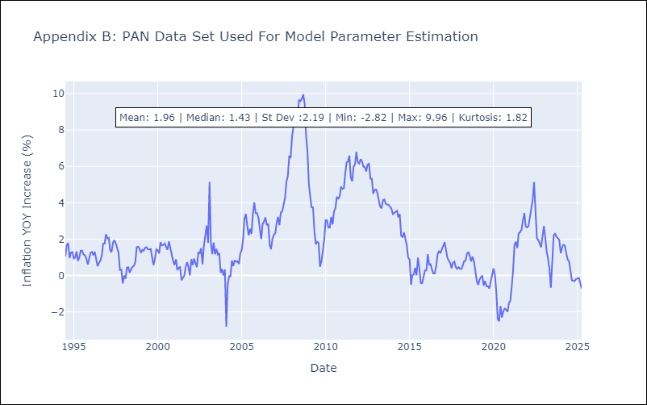

Appendix C: Residuals Analysis
Mean

SLV
SLV - Inflation - Next 12 months forecast as of: 2025-04-01

Model | Random Forest - [(1, 1, 0), (2, 0, 1, 12)]
Training Data | 1994-07-01 to 2024-05-01
Test Data | 2024-05-01 to 2025-04-01

Date | Inflation Change YoY % | Lower Bound - 95% Confidence Interval | Upper Bound - 95% Confidence Interval
2025-05-01 | 4.78 | -0.64 | 1.35
2025-06-01 | 4.53 | 0.72 | 4.57
2025-07-01 | 4.43 | 2.5 | 5.03
2025-08-01 | 4.07 | 2.99 | 5.62
2025-09-01 | 4 | 4.02 | 5.2
2025-10-01 | 3.81 | 3.93 | 5.31
2025-11-01 | 4.24 | 3.7 | 4.93
2025-12-01 | 4.45 | 3.78 | 5.03
2026-01-01 | 4.84 | 3.68 | 5.52
2026-02-01 | 4.87 | 3.91 | 6.29
2026-03-01 | 4.69 | 3.63 | 4.98
2026-04-01 | 4.4 | 3.78 | 4.92

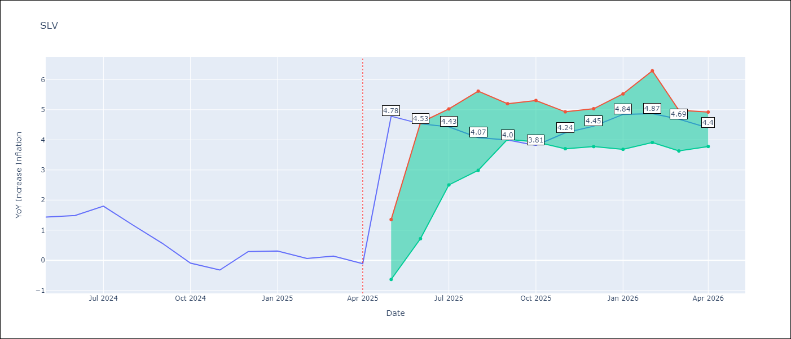

Test Metrics
RMSE | 0.82
Naive RMSE | 0.41
MAPE | 511.94%

Test Predictions
Date | Predicted | Actual
2024-05-01 | 1.2 | 1.44
2024-06-01 | 1.29 | 1.49
2024-07-01 | 1.28 | 1.8
2024-08-01 | 1.36 | 1.17
2024-09-01 | 1.25 | 0.57
2024-10-01 | 1.03 | -0.09
2024-11-01 | 0.86 | -0.32
2024-12-01 | 0.84 | 0.29
2025-01-01 | 1.1 | 0.31
2025-02-01 | 1.21 | 0.06
2025-03-01 | 1.13 | 0.14
2025-04-01 | 1.03 | -0.11

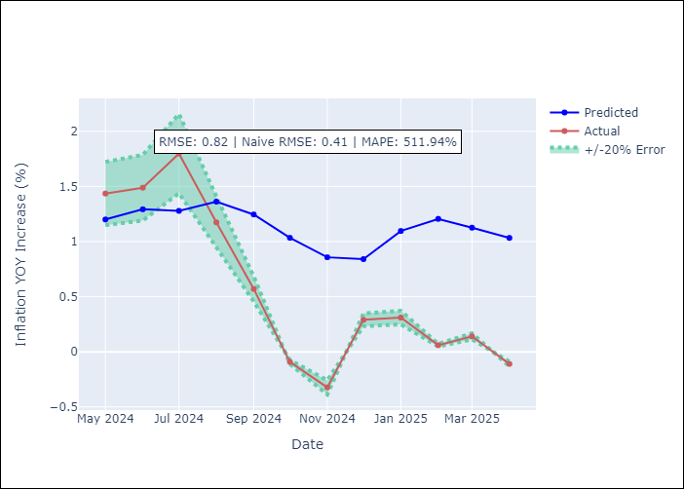

Appendix A: Model Summary
Model | Random Forest
Sample | 1994-07-01 to 2025-04-01
No. of Observations | 370
Terms | P-value (Statistical significance)

Assumptions | P-value

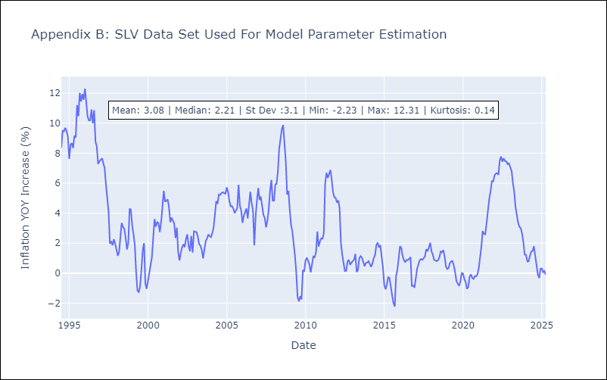

Appendix C: Residuals Analysis
Mean

