CRI
CRI - Inflation - Next 12 months forecast as of: 2025-04-01

Model | Random Forest - [(2, 1, 1), (2, 0, 1, 12)]
Training Data | 1994-07-01 to 2024-05-01
Test Data | 2024-05-01 to 2025-04-01

Date | Inflation Change YoY % | Lower Bound - 95% Confidence Interval | Upper Bound - 95% Confidence Interval
2025-05-01 | 6.1 | 1.17 | 8.54
2025-06-01 | 7.3 | 1.5 | 7.88
2025-07-01 | 8.59 | -0.95 | 1.72
2025-08-01 | 9.86 | 0.62 | 13.64
2025-09-01 | 10.74 | -0.66 | 6.94
2025-10-01 | 10.64 | -0.9 | 0.96
2025-11-01 | 9.82 | 0.56 | 7.58
2025-12-01 | 8.91 | 1.53 | 8.05
2026-01-01 | 8.22 | -0.37 | 4.89
2026-02-01 | 7.65 | -0.36 | 1.32
2026-03-01 | 6.68 | 0.81 | 5.4
2026-04-01 | 5.42 | 3.86 | 11.17

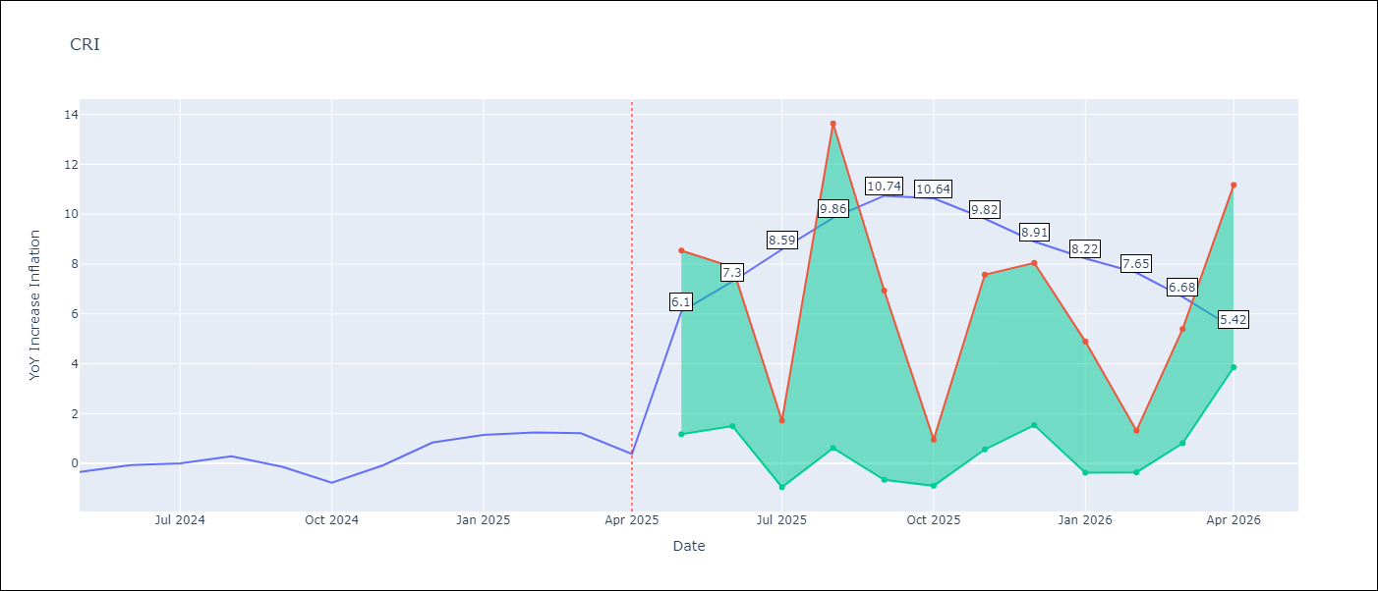

Test Metrics
RMSE | 4.67
Naive RMSE | 0.51
MAPE | inf%

Test Predictions
Date | Predicted | Actual
2024-05-01 | 2.49 | -0.35
2024-06-01 | 3.1 | -0.06
2024-07-01 | 3.7 | 0
2024-08-01 | 3.86 | 0.28
2024-09-01 | 4.06 | -0.14
2024-10-01 | 4.69 | -0.77
2024-11-01 | 5.55 | -0.07
2024-12-01 | 5.89 | 0.84
2025-01-01 | 6.07 | 1.15
2025-02-01 | 6.23 | 1.25
2025-03-01 | 6.34 | 1.21
2025-04-01 | 6.47 | 0.38

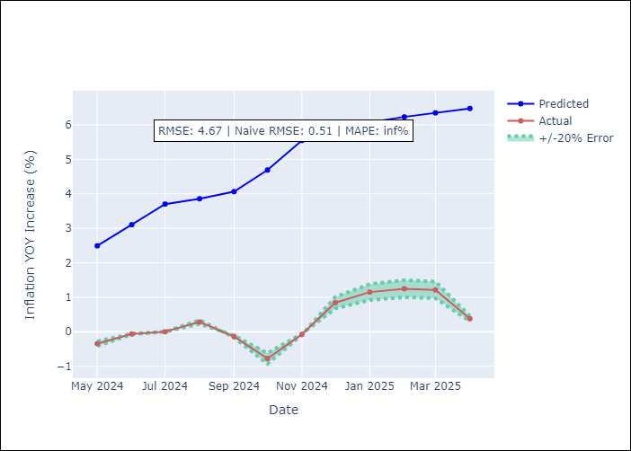

Appendix A: Model Summary
Model | Random Forest
Sample | 1994-07-01 to 2025-04-01
No. of Observations | 370
Terms | P-value (Statistical significance)

Assumptions | P-value

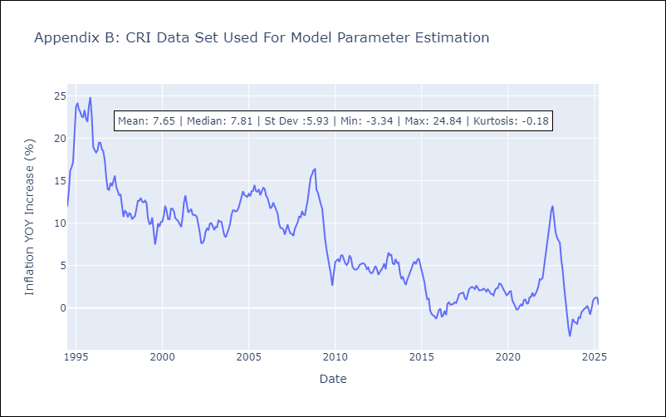

Appendix C: Residuals Analysis
Mean

CUB
CUB - Inflation - Next 12 months forecast as of: 2024-01-01

Model | Random Forest - [(0, 2, 1), (0, 0, 1, 12)]
Training Data | 2003-01-01 to 2023-02-01
Test Data | 2023-02-01 to 2024-01-01

Date | Inflation Change YoY % | Lower Bound - 95% Confidence Interval | Upper Bound - 95% Confidence Interval
2024-02-01 | 46.11 | 37.51 | 49.92
2024-03-01 | 41.48 | 35.97 | 53.39
2024-04-01 | 39.95 | 38.18 | 53.06
2024-05-01 | 43.49 | 35.52 | 52.61
2024-06-01 | 46.4 | 38.75 | 54.37
2024-07-01 | 44.28 | 36.22 | 52.34
2024-08-01 | 41.02 | 39 | 54.1
2024-09-01 | 40.64 | 36.37 | 52.06
2024-10-01 | 41.53 | 36.97 | 53.3
2024-11-01 | 41.84 | 36.26 | 52.16
2024-12-01 | 41.28 | 39.02 | 54.04
2025-01-01 | 40.13 | 35.36 | 52.53

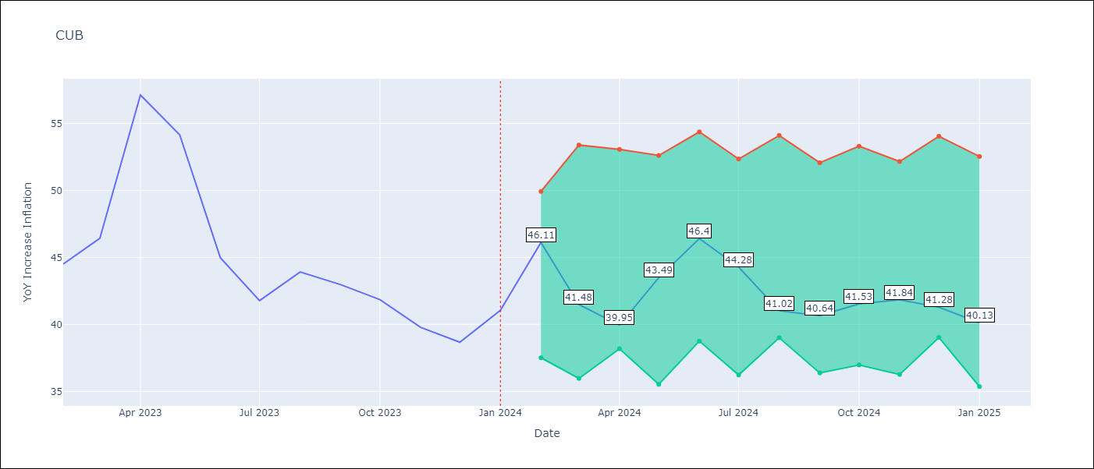

Test Metrics
RMSE | 5.3
Naive RMSE | 4.66
MAPE | 9.73%

Test Predictions
Date | Predicted | Actual
2023-02-01 | 46.91 | 44.5
2023-03-01 | 43.93 | 46.42
2023-04-01 | 42.46 | 57.12
2023-05-01 | 46.23 | 54.15
2023-06-01 | 48.71 | 44.99
2023-07-01 | 45.16 | 41.77
2023-08-01 | 41 | 43.91
2023-09-01 | 40.58 | 42.96
2023-10-01 | 41 | 41.84
2023-11-01 | 41.08 | 39.78
2023-12-01 | 40.36 | 38.67
2024-01-01 | 39.45 | 41.06

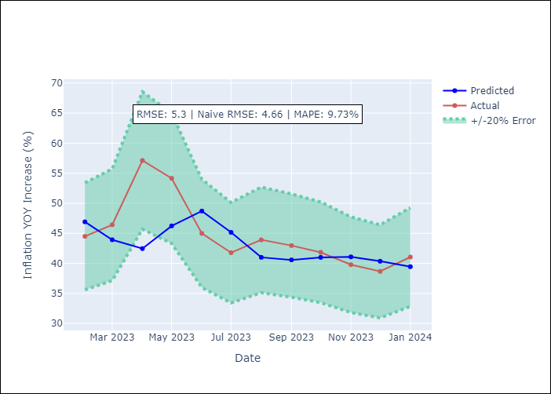

Appendix A: Model Summary
Model | Random Forest
Sample | 2003-01-01 to 2024-01-01
No. of Observations | 253
Terms | P-value (Statistical significance)

Assumptions | P-value

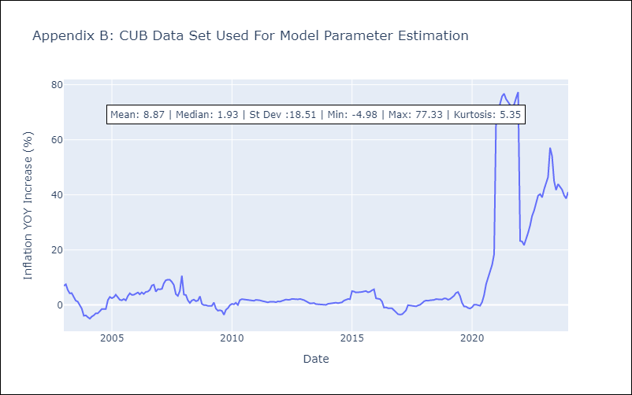

Appendix C: Residuals Analysis
Mean

DOM
DOM - Inflation - Next 12 months forecast as of: 2025-04-01

Model | Random Forest - [(0, 2, 2), (0, 0, 1, 12)]
Training Data | 1994-01-01 to 2024-05-01
Test Data | 2024-05-01 to 2025-04-01

Date | Inflation Change YoY % | Lower Bound - 95% Confidence Interval | Upper Bound - 95% Confidence Interval
2025-05-01 | 3.1 | 1.19 | 4.01
2025-06-01 | 2.78 | 0.86 | 2.93
2025-07-01 | 2.49 | 2.03 | 4.89
2025-08-01 | 2.21 | 3.14 | 7.3
2025-09-01 | 2.02 | 1.24 | 3.56
2025-10-01 | 1.78 | 0.96 | 3.01
2025-11-01 | 1.51 | 2.44 | 4.96
2025-12-01 | 1.3 | 1.92 | 10.58
2026-01-01 | 1.27 | 1.22 | 2.84
2026-02-01 | 1.27 | 2.05 | 4.09
2026-03-01 | 1.29 | 2.01 | 4.65
2026-04-01 | 1.41 | 1.05 | 3.22

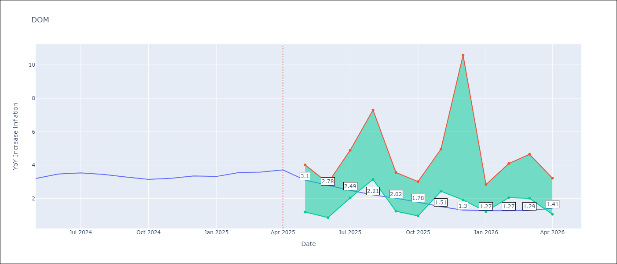

Test Metrics
RMSE | 1.4
Naive RMSE | 0.14
MAPE | 36.52%

Test Predictions
Date | Predicted | Actual
2024-05-01 | 3.11 | 3.2
2024-06-01 | 2.95 | 3.47
2024-07-01 | 2.81 | 3.53
2024-08-01 | 2.56 | 3.44
2024-09-01 | 2.36 | 3.28
2024-10-01 | 2.18 | 3.15
2024-11-01 | 1.96 | 3.21
2024-12-01 | 1.66 | 3.35
2025-01-01 | 1.58 | 3.32
2025-02-01 | 1.59 | 3.56
2025-03-01 | 1.56 | 3.58
2025-04-01 | 1.52 | 3.71

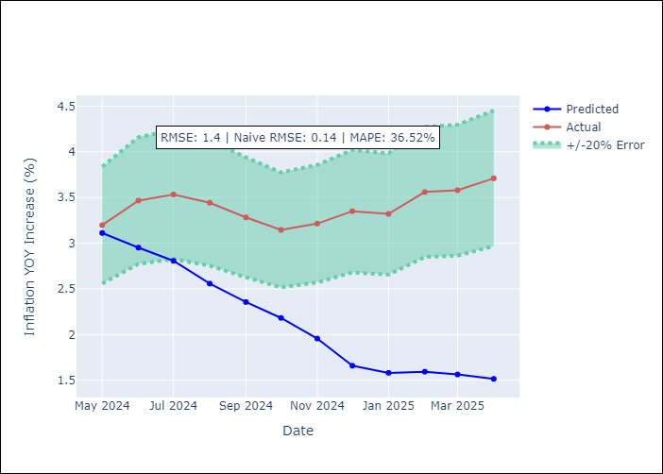

Appendix A: Model Summary
Model | Random Forest
Sample | 1994-01-01 to 2025-04-01
No. of Observations | 376
Terms | P-value (Statistical significance)

Assumptions | P-value

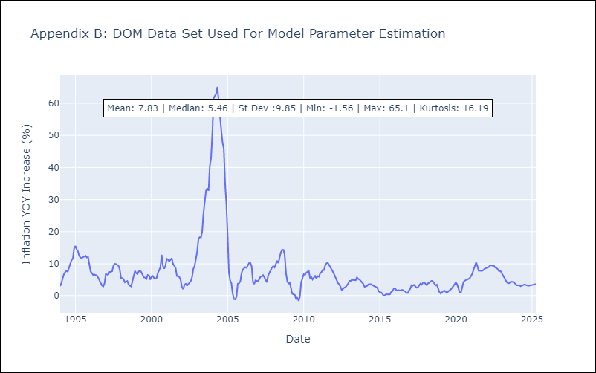

Appendix C: Residuals Analysis
Mean

GTM
GTM - Inflation - Next 12 months forecast as of: 2025-04-01

Model | Random Forest - [(1, 1, 0), (0, 0, 2, 12)]
Training Data | 1994-07-01 to 2024-05-01
Test Data | 2024-05-01 to 2025-04-01

Date | Inflation Change YoY % | Lower Bound - 95% Confidence Interval | Upper Bound - 95% Confidence Interval
2025-05-01 | 9.3 | 2.23 | 5.07
2025-06-01 | 8.76 | 3.72 | 5.48
2025-07-01 | 8.39 | 3.61 | 6.04
2025-08-01 | 8.23 | 3.76 | 5.84
2025-09-01 | 8.05 | 3.62 | 7.04
2025-10-01 | 7.79 | 4.33 | 7.3
2025-11-01 | 7.46 | 3.91 | 7
2025-12-01 | 7.04 | 4.71 | 7.51
2026-01-01 | 6.61 | 5.68 | 8.94
2026-02-01 | 6.33 | 6.81 | 9.21
2026-03-01 | 6.58 | 8.05 | 11.24
2026-04-01 | 6.63 | 6.17 | 9.93

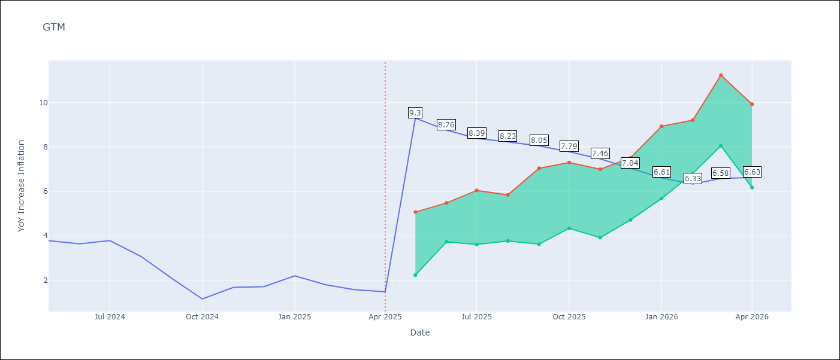

Test Metrics
RMSE | 1.94
Naive RMSE | 0.53
MAPE | 96.9%

Test Predictions
Date | Predicted | Actual
2024-05-01 | 3.37 | 3.77
2024-06-01 | 3.69 | 3.64
2024-07-01 | 3.87 | 3.78
2024-08-01 | 3.97 | 3.07
2024-09-01 | 3.99 | 2.07
2024-10-01 | 3.91 | 1.15
2024-11-01 | 3.93 | 1.67
2024-12-01 | 3.96 | 1.7
2025-01-01 | 4 | 2.19
2025-02-01 | 4.19 | 1.79
2025-03-01 | 4.19 | 1.57
2025-04-01 | 4.07 | 1.47

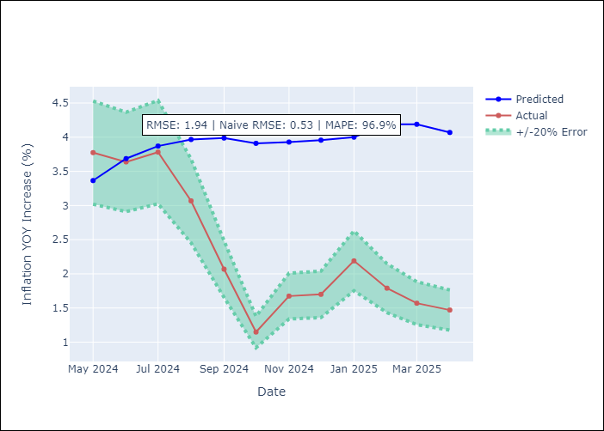

Appendix A: Model Summary
Model | Random Forest
Sample | 1994-07-01 to 2025-04-01
No. of Observations | 370
Terms | P-value (Statistical significance)

Assumptions | P-value

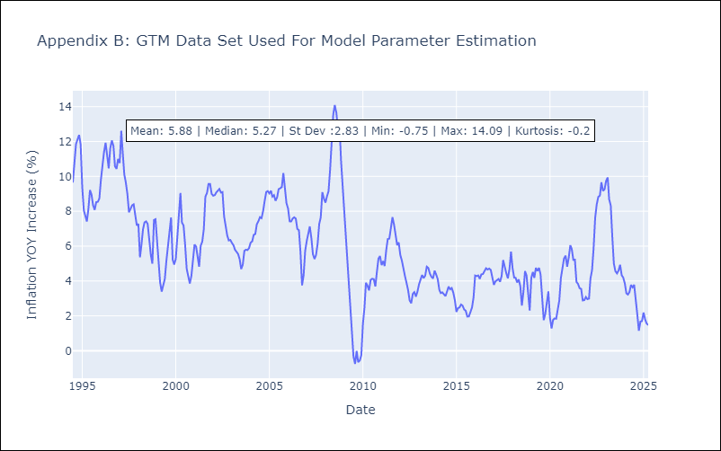

Appendix C: Residuals Analysis
Mean

HND
HND - Inflation - Next 12 months forecast as of: 2025-04-01

Model | Random Forest - [(2, 0, 1), (0, 0, 2, 12)]
Training Data | 1994-07-01 to 2024-05-01
Test Data | 2024-05-01 to 2025-04-01

Date | Inflation Change YoY % | Lower Bound - 95% Confidence Interval | Upper Bound - 95% Confidence Interval
2025-05-01 | 5.21 | 3.93 | 5.3
2025-06-01 | 5.16 | 3.74 | 6.05
2025-07-01 | 5.35 | 3.77 | 6.17
2025-08-01 | 5.48 | 4.35 | 5.74
2025-09-01 | 5.68 | 4.54 | 5.95
2025-10-01 | 5.75 | 5.01 | 6.03
2025-11-01 | 5.77 | 4.28 | 6.02
2025-12-01 | 5.78 | 5.06 | 6.02
2026-01-01 | 5.8 | 4.49 | 5.75
2026-02-01 | 5.83 | 5.06 | 6.03
2026-03-01 | 5.81 | 4.64 | 5.76
2026-04-01 | 5.72 | 5.08 | 6.2

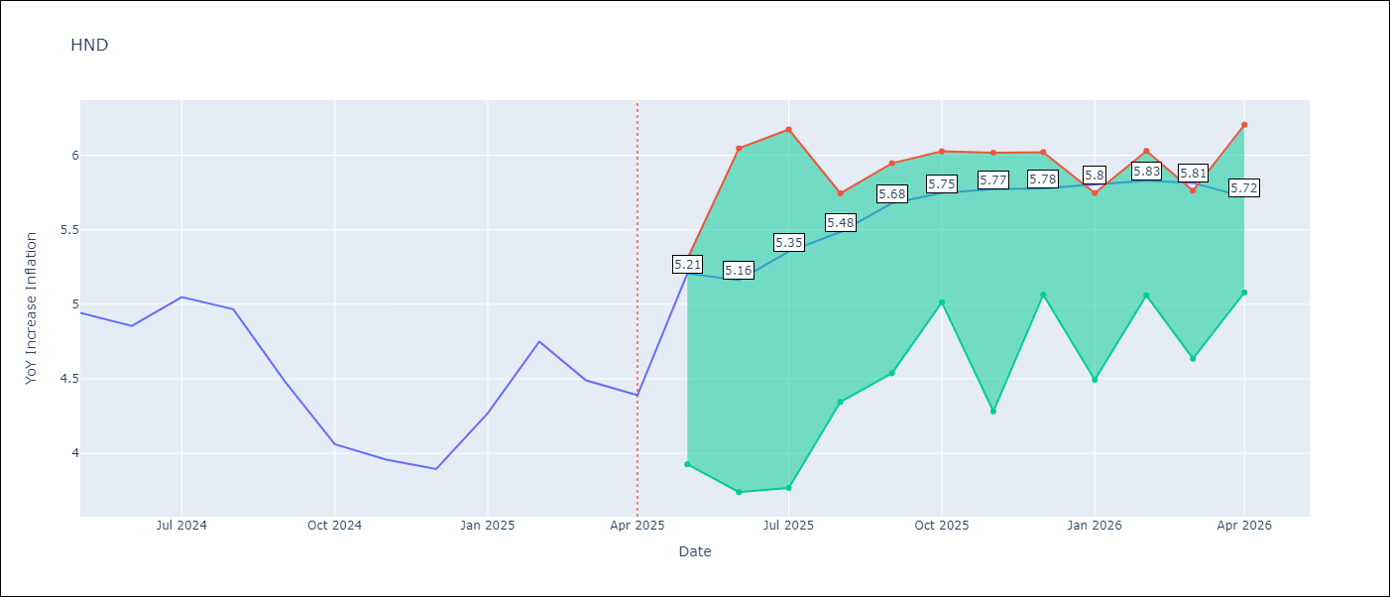

Test Metrics
RMSE | 1.7
Naive RMSE | 0.29
MAPE | 35.36%

Test Predictions
Date | Predicted | Actual
2024-05-01 | 5.3 | 4.94
2024-06-01 | 5.46 | 4.86
2024-07-01 | 5.64 | 5.05
2024-08-01 | 5.89 | 4.97
2024-09-01 | 5.91 | 4.48
2024-10-01 | 5.9 | 4.06
2024-11-01 | 5.97 | 3.96
2024-12-01 | 6.09 | 3.89
2025-01-01 | 6.3 | 4.27
2025-02-01 | 6.59 | 4.75
2025-03-01 | 6.82 | 4.49
2025-04-01 | 6.82 | 4.39

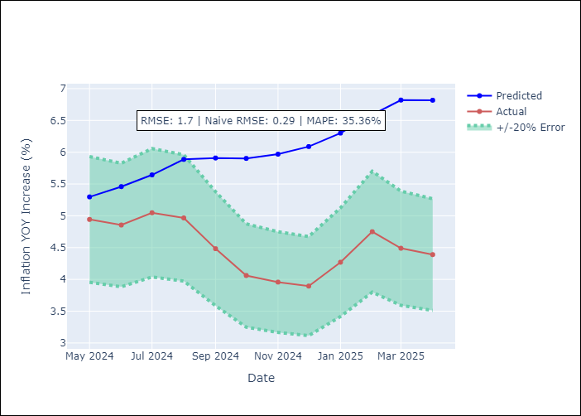

Appendix A: Model Summary
Model | Random Forest
Sample | 1994-07-01 to 2025-04-01
No. of Observations | 370
Terms | P-value (Statistical significance)

Assumptions | P-value

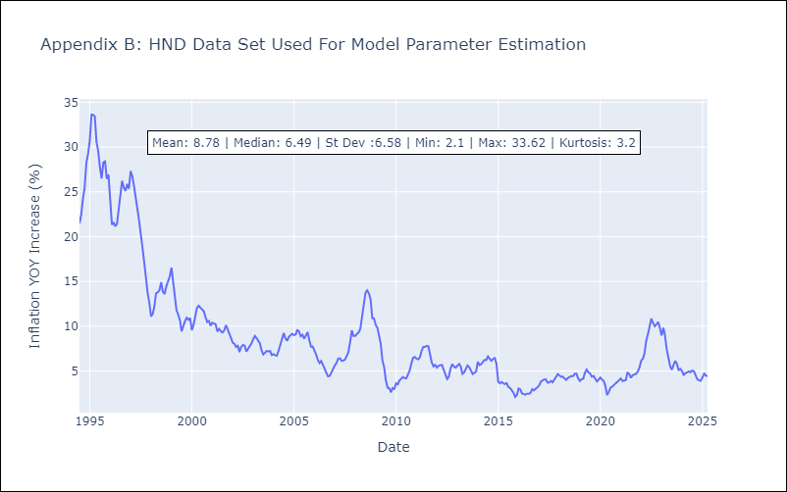

Appendix C: Residuals Analysis
Mean

HTI
HTI - Inflation - Next 12 months forecast as of: 2024-03-01

Model | Random Forest - [(2, 0, 1), (3, 0, 0, 12)]
Training Data | 1998-01-01 to 2023-04-01
Test Data | 2023-04-01 to 2024-03-01

Date | Inflation Change YoY % | Lower Bound - 95% Confidence Interval | Upper Bound - 95% Confidence Interval
2024-04-01 | 16.46 | 16.66 | 42.31
2024-05-01 | 15.95 | 12.91 | 21.38
2024-06-01 | 15.5 | 13.3 | 21.02
2024-07-01 | 15.25 | 14.63 | 22.88
2024-08-01 | 15.12 | 18.1 | 25.38
2024-09-01 | 15.15 | 13.21 | 24.01
2024-10-01 | 15.32 | 11.79 | 17.31
2024-11-01 | 15.58 | 11.03 | 14.24
2024-12-01 | 15.9 | 11.43 | 19.37
2025-01-01 | 16.44 | 11.5 | 14.82
2025-02-01 | 17.05 | 14.1 | 20.62
2025-03-01 | 17.52 | 12.62 | 22.72

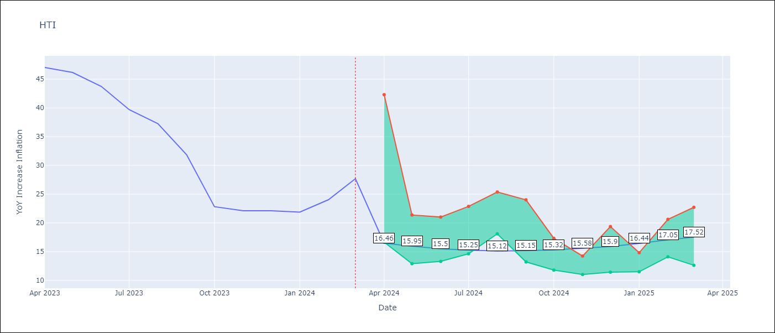

Test Metrics
RMSE | 5.66
Naive RMSE | 3.79
MAPE | 28.97%

Test Predictions
Date | Predicted | Actual
2023-04-01 | 42.07 | 47.04
2023-05-01 | 39 | 46.18
2023-06-01 | 34.67 | 43.75
2023-07-01 | 31.03 | 39.71
2023-08-01 | 28.87 | 37.27
2023-09-01 | 28.41 | 31.86
2023-10-01 | 27.41 | 22.83
2023-11-01 | 25.19 | 22.12
2023-12-01 | 23.47 | 22.12
2024-01-01 | 22.54 | 21.87
2024-02-01 | 22.13 | 24.04
2024-03-01 | 22.05 | 27.7

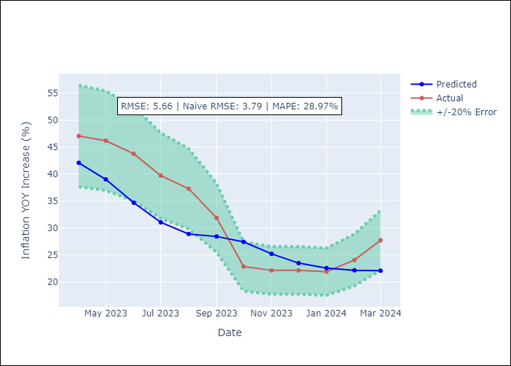

Appendix A: Model Summary
Model | Random Forest
Sample | 1998-01-01 to 2024-03-01
No. of Observations | 315
Terms | P-value (Statistical significance)

Assumptions | P-value

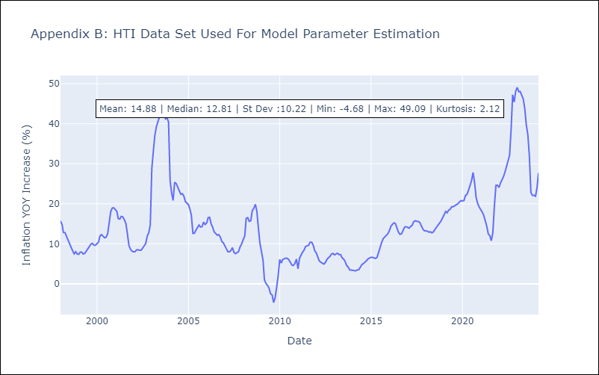

Appendix C: Residuals Analysis
Mean

MEX
MEX - Inflation - Next 12 months forecast as of: 2025-04-01

Model | Random Forest - [(3, 1, 1), (0, 0, 2, 12)]
Training Data | 1992-01-01 to 2024-05-01
Test Data | 2024-05-01 to 2025-04-01

Date | Inflation Change YoY % | Lower Bound - 95% Confidence Interval | Upper Bound - 95% Confidence Interval
2025-05-01 | 3.15 | 3.45 | 4.43
2025-06-01 | 3.3 | 3.44 | 4.46
2025-07-01 | 3.46 | 3.82 | 4.82
2025-08-01 | 3.54 | 3.88 | 5.04
2025-09-01 | 3.53 | 3.13 | 4.26
2025-10-01 | 3.44 | 3.25 | 4.41
2025-11-01 | 3.39 | 3.55 | 4.89
2025-12-01 | 3.54 | 3.4 | 4.82
2026-01-01 | 3.71 | 3.46 | 4.86
2026-02-01 | 3.81 | 3.95 | 4.94
2026-03-01 | 3.93 | 3.08 | 4.3
2026-04-01 | 4.04 | 3.07 | 4.32

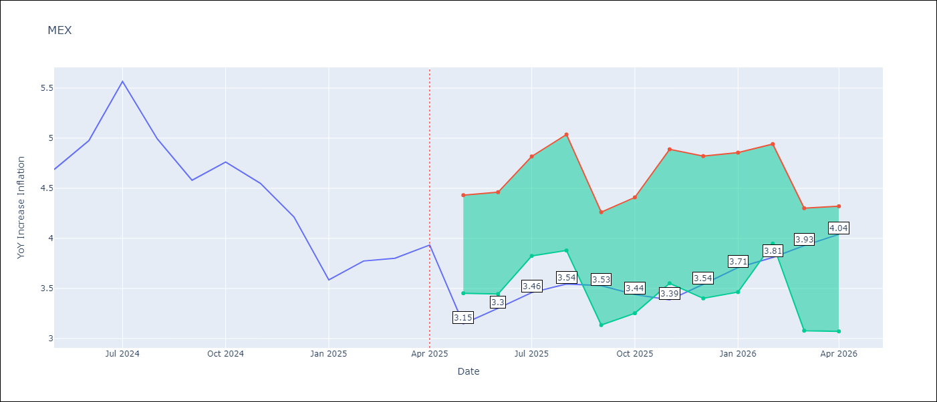

Test Metrics
RMSE | 0.56
Naive RMSE | 0.38
MAPE | 13.13%

Test Predictions
Date | Predicted | Actual
2024-05-01 | 4.44 | 4.69
2024-06-01 | 4.34 | 4.98
2024-07-01 | 4.2 | 5.57
2024-08-01 | 4.19 | 4.99
2024-09-01 | 4.2 | 4.58
2024-10-01 | 4.23 | 4.76
2024-11-01 | 4.19 | 4.55
2024-12-01 | 4.09 | 4.21
2025-01-01 | 3.93 | 3.59
2025-02-01 | 3.72 | 3.77
2025-03-01 | 3.64 | 3.8
2025-04-01 | 3.58 | 3.93

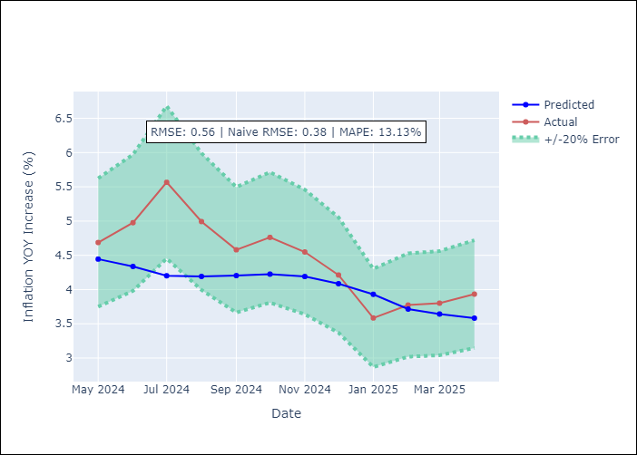

Appendix A: Model Summary
Model | Random Forest
Sample | 1992-01-01 to 2025-04-01
No. of Observations | 400
Terms | P-value (Statistical significance)

Assumptions | P-value

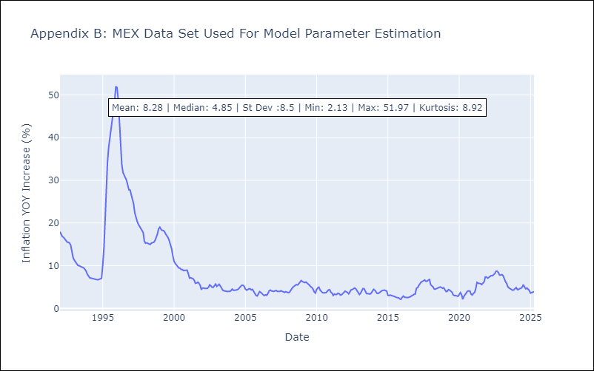

Appendix C: Residuals Analysis
Mean

NIC
NIC - Inflation - Next 12 months forecast as of: 2025-04-01

Model | Random Forest - [(1, 1, 0), (2, 0, 1, 12)]
Training Data | 2012-12-01 to 2024-04-01
Test Data | 2024-04-01 to 2025-04-01

Date | Inflation Change YoY % | Lower Bound - 95% Confidence Interval | Upper Bound - 95% Confidence Interval
2025-05-01 | 4.65 | 3.14 | 5.76
2025-06-01 | 4.88 | 3.76 | 5.61
2025-07-01 | 4.94 | 3.82 | 5.85
2025-08-01 | 4.88 | 3.16 | 5.75
2025-09-01 | 4.87 | 3.14 | 4.91
2025-10-01 | 4.91 | 4.22 | 5.94
2025-11-01 | 4.91 | 4.24 | 5.81
2025-12-01 | 4.9 | 3.72 | 5.59
2026-01-01 | 4.89 | 3.64 | 5.83
2026-02-01 | 4.88 | 3.29 | 5.71
2026-03-01 | 4.95 | 3.09 | 4.8
2026-04-01 | 5.24 | 4.2 | 7

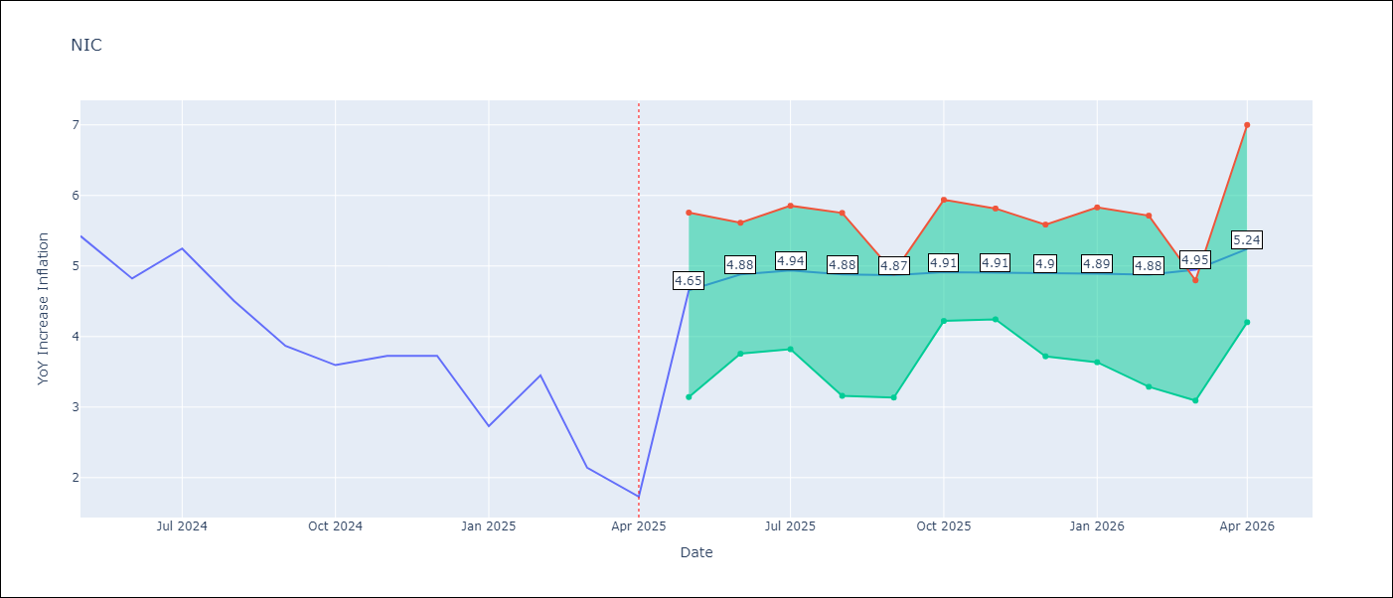

Test Metrics
RMSE | 1.71
Naive RMSE | 0.67
MAPE | 56.97%

Test Predictions
Date | Predicted | Actual
2024-04-01 | 5.19 | 5.42
2024-05-01 | 5.39 | 5.43
2024-06-01 | 5.7 | 4.82
2024-07-01 | 5.77 | 5.25
2024-08-01 | 5.79 | 4.51
2024-09-01 | 5.7 | 3.87
2024-10-01 | 5.79 | 3.59
2024-11-01 | 5.41 | 3.73
2025-01-01 | 5.07 | 2.73
2025-02-01 | 4.81 | 3.45
2025-03-01 | 4.7 | 2.14
2025-04-01 | 4.47 | 1.73

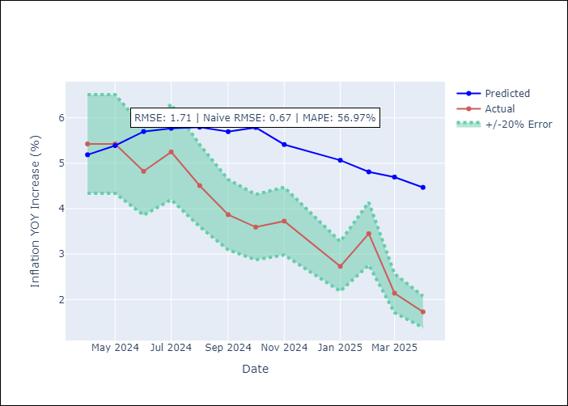

Appendix A: Model Summary
Model | Random Forest
Sample | 2012-12-01 to 2025-04-01
No. of Observations | 148
Terms | P-value (Statistical significance)

Assumptions | P-value

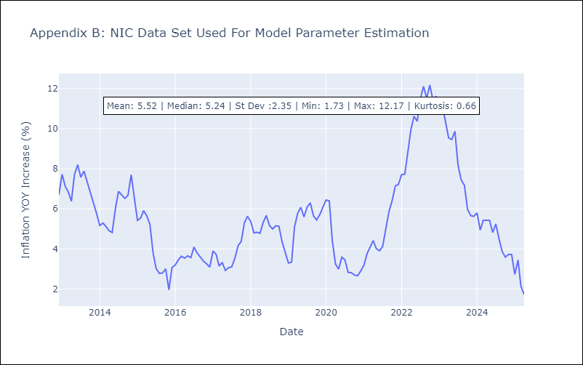

Appendix C: Residuals Analysis
Mean

PAN
PAN - Inflation - Next 12 months forecast as of: 2025-04-01

Model | Random Forest - [(2, 1, 1), (2, 0, 1, 12)]
Training Data | 1994-07-01 to 2024-05-01
Test Data | 2024-05-01 to 2025-04-01

Date | Inflation Change YoY % | Lower Bound - 95% Confidence Interval | Upper Bound - 95% Confidence Interval
2025-05-01 | 1.18 | -1.9 | 0.42
2025-06-01 | 1.11 | -1.45 | 1.24
2025-07-01 | 1.14 | 1.04 | 3.29
2025-08-01 | 1.07 | 2.48 | 4.79
2025-09-01 | 1.06 | 1.18 | 4.1
2025-10-01 | 1.14 | 0.16 | 2.74
2025-11-01 | 1.21 | 0.5 | 1.79
2025-12-01 | 1.27 | 0.61 | 1.43
2026-01-01 | 1.35 | 0.96 | 1.6
2026-02-01 | 1.42 | 0.91 | 1.63
2026-03-01 | 1.44 | 0.96 | 1.62
2026-04-01 | 1.46 | 0.92 | 1.55

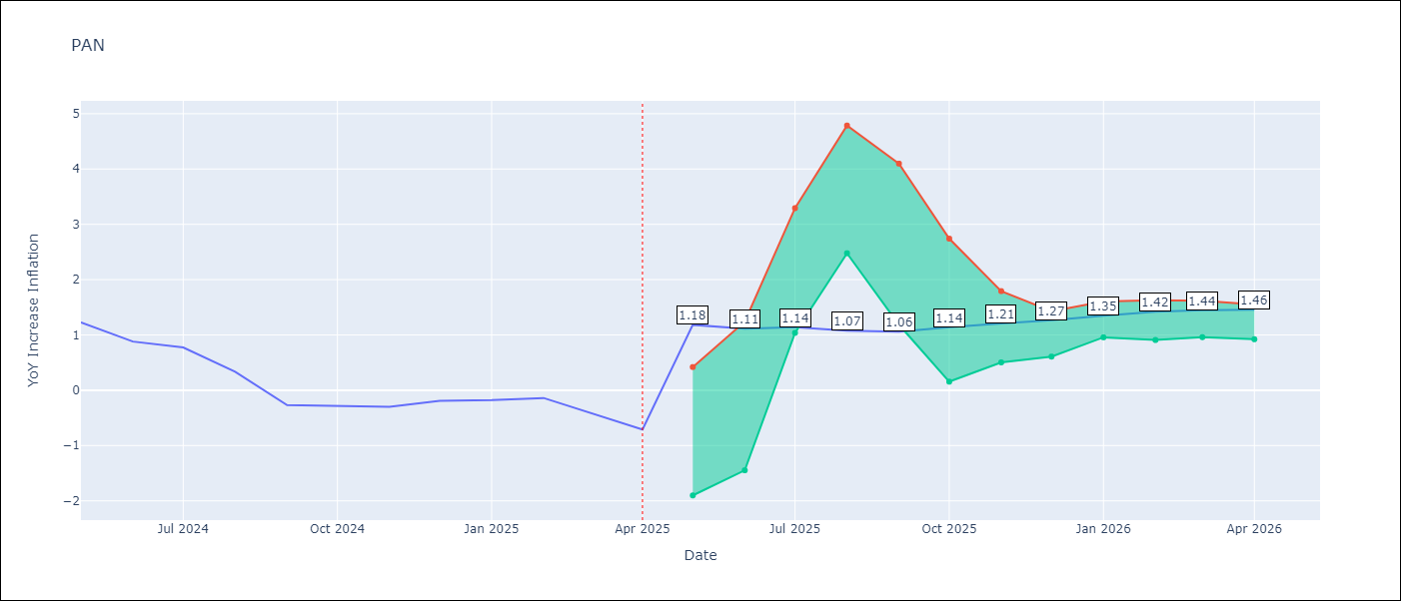

Test Metrics
RMSE | 0.95
Naive RMSE | 0.28
MAPE | 342.94%

Test Predictions
Date | Predicted | Actual
2024-05-01 | 1.48 | 1.23
2024-06-01 | 1.43 | 0.88
2024-07-01 | 1.22 | 0.77
2024-08-01 | 0.96 | 0.33
2024-09-01 | 0.64 | -0.27
2024-10-01 | 0.52 | -0.29
2024-11-01 | 0.56 | -0.3
2024-12-01 | 0.77 | -0.19
2025-01-01 | 1 | -0.18
2025-02-01 | 0.95 | -0.14
2025-03-01 | 0.88 | -0.41
2025-04-01 | 0.89 | -0.71

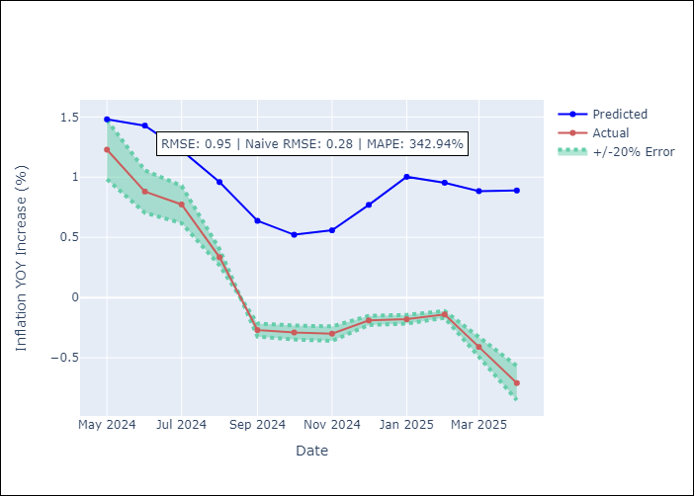

Appendix A: Model Summary
Model | Random Forest
Sample | 1994-07-01 to 2025-04-01
No. of Observations | 370
Terms | P-value (Statistical significance)

Assumptions | P-value

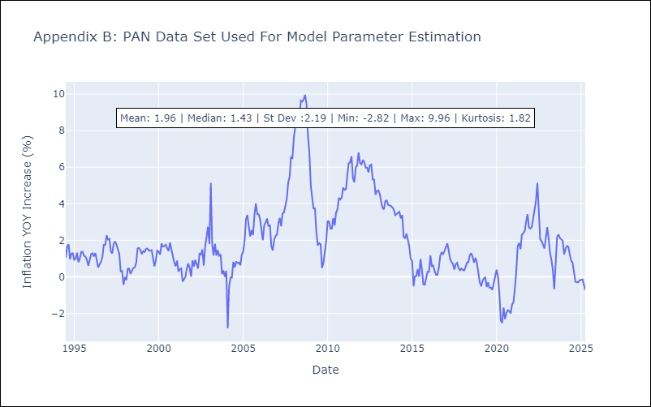

Appendix C: Residuals Analysis
Mean

SLV
SLV - Inflation - Next 12 months forecast as of: 2025-04-01

Model | Random Forest - [(1, 1, 0), (2, 0, 1, 12)]
Training Data | 1994-07-01 to 2024-05-01
Test Data | 2024-05-01 to 2025-04-01

Date | Inflation Change YoY % | Lower Bound - 95% Confidence Interval | Upper Bound - 95% Confidence Interval
2025-05-01 | 4.36 | -0.64 | 1.17
2025-06-01 | 4.25 | 0.92 | 4.53
2025-07-01 | 4.13 | 2.22 | 5.08
2025-08-01 | 3.94 | 1.32 | 3.39
2025-09-01 | 3.67 | 2.09 | 4.19
2025-10-01 | 3.54 | 2.4 | 4.51
2025-11-01 | 3.39 | 2.13 | 4.29
2025-12-01 | 3.28 | 1.8 | 3.42
2026-01-01 | 3.33 | 1.93 | 4.23
2026-02-01 | 3.3 | 1.54 | 3.29
2026-03-01 | 3.19 | 1.87 | 4.16
2026-04-01 | 3.03 | 2.42 | 4.81

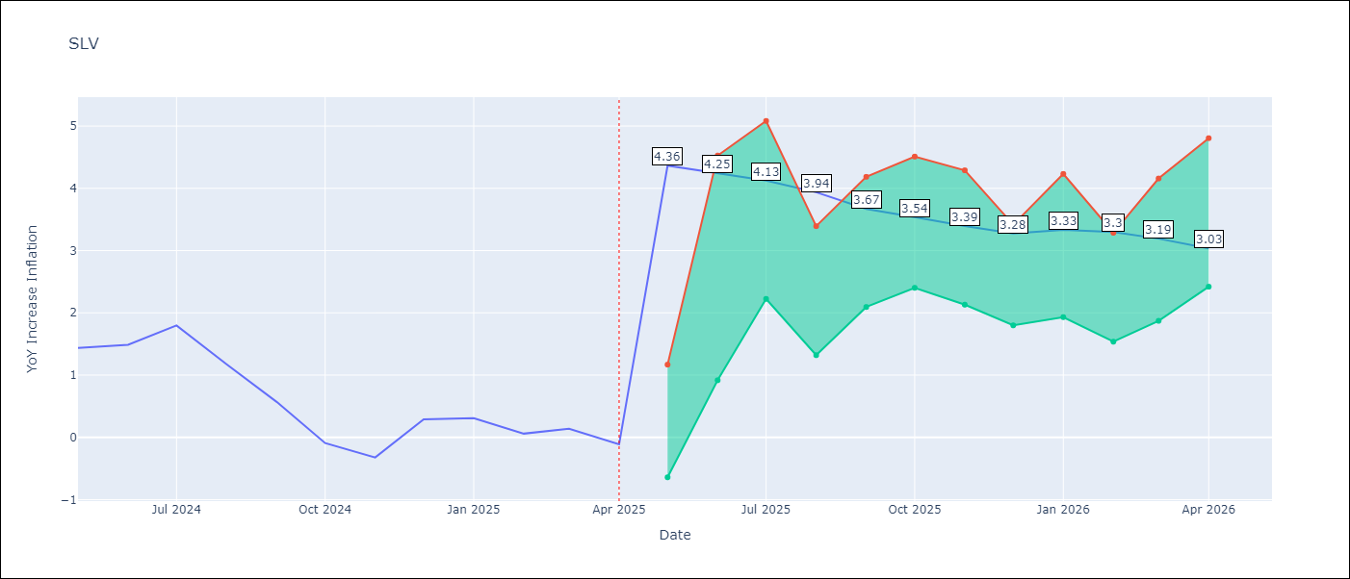

Test Metrics
RMSE | 0.85
Naive RMSE | 0.41
MAPE | 533.53%

Test Predictions
Date | Predicted | Actual
2024-05-01 | 1.2 | 1.44
2024-06-01 | 1.34 | 1.49
2024-07-01 | 1.33 | 1.8
2024-08-01 | 1.43 | 1.17
2024-09-01 | 1.34 | 0.57
2024-10-01 | 1.13 | -0.09
2024-11-01 | 0.86 | -0.32
2024-12-01 | 0.98 | 0.29
2025-01-01 | 1.11 | 0.31
2025-02-01 | 1.2 | 0.06
2025-03-01 | 1.17 | 0.14
2025-04-01 | 1.07 | -0.11

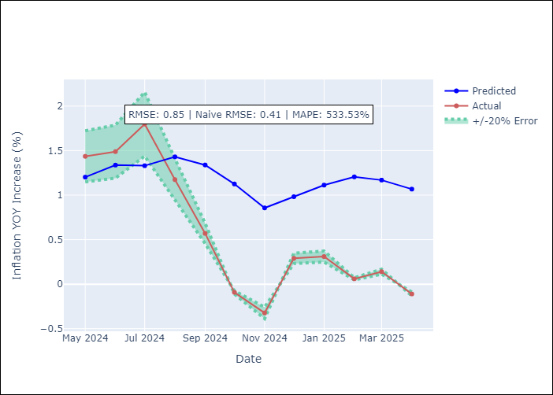

Appendix A: Model Summary
Model | Random Forest
Sample | 1994-07-01 to 2025-04-01
No. of Observations | 370
Terms | P-value (Statistical significance)

Assumptions | P-value

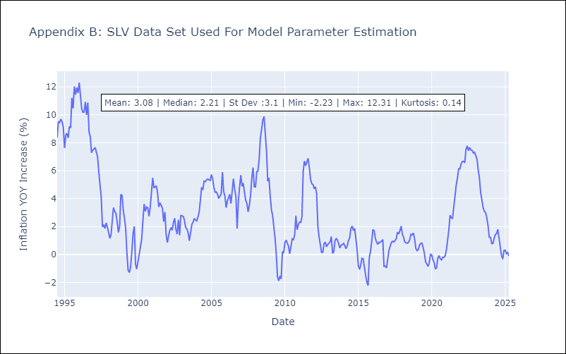

Appendix C: Residuals Analysis
Mean

