CRI
CRI - Inflation - Next 12 months forecast as of: 2025-04-01

Model | Random Forest - [(2, 1, 1), (2, 0, 1, 12)]
Training Data | 1994-07-01 to 2024-05-01
Test Data | 2024-05-01 to 2025-04-01

Date | Inflation Change YoY % | Lower Bound - 95% Confidence Interval | Upper Bound - 95% Confidence Interval
2025-05-01 | 10.56 | 1.1 | 6.39
2025-06-01 | 10.52 | 0.82 | 7
2025-07-01 | 10.64 | -0.91 | 1.09
2025-08-01 | 11.06 | 0.61 | 18.89
2025-09-01 | 11.36 | 6.83 | 11.17
2025-10-01 | 11.33 | 6.05 | 13.22
2025-11-01 | 11.18 | 9.7 | 13.98
2025-12-01 | 11.13 | 9.5 | 11.47
2026-01-01 | 11.05 | 10.19 | 11.89
2026-02-01 | 10.7 | 9.42 | 11.46
2026-03-01 | 10.54 | 9.98 | 11.42
2026-04-01 | 10.42 | 9.9 | 11.74

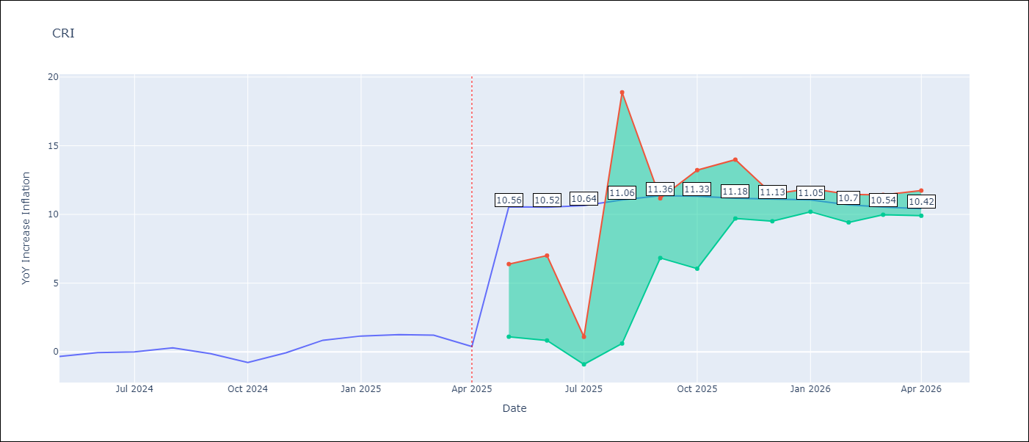

Test Metrics
RMSE | 2.93
Naive RMSE | 0.51
MAPE | inf%

Test Predictions
Date | Predicted | Actual
2024-05-01 | 1.37 | -0.35
2024-06-01 | 1.88 | -0.06
2024-07-01 | 2.21 | 0
2024-08-01 | 2.37 | 0.28
2024-09-01 | 2.54 | -0.14
2024-10-01 | 2.93 | -0.77
2024-11-01 | 3.42 | -0.07
2024-12-01 | 3.75 | 0.84
2025-01-01 | 4.02 | 1.15
2025-02-01 | 4.23 | 1.25
2025-03-01 | 4.44 | 1.21
2025-04-01 | 4.65 | 0.38

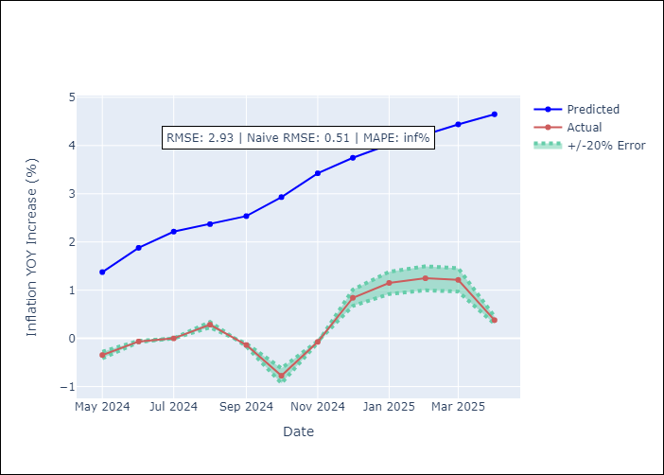

Appendix A: Model Summary
Model | Random Forest
Sample | 1994-07-01 to 2025-04-01
No. of Observations | 370
Terms | P-value (Statistical significance)

Assumptions | P-value

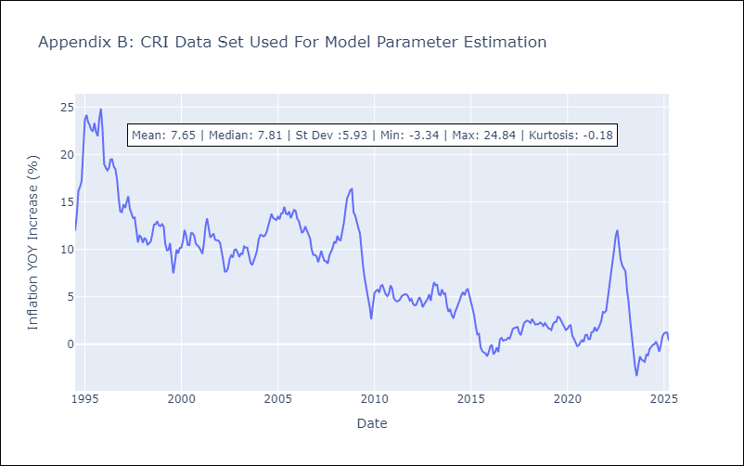

Appendix C: Residuals Analysis
Mean

CUB
CUB - Inflation - Next 12 months forecast as of: 2024-01-01

Model | Random Forest - [(0, 2, 1), (0, 0, 1, 12)]
Training Data | 2003-01-01 to 2023-02-01
Test Data | 2023-02-01 to 2024-01-01

Date | Inflation Change YoY % | Lower Bound - 95% Confidence Interval | Upper Bound - 95% Confidence Interval
2024-02-01 | 43.31 | 38.02 | 50.12
2024-03-01 | 43.99 | 36.51 | 50.67
2024-04-01 | 44.11 | 35.47 | 53.06
2024-05-01 | 47.69 | 37.67 | 51.26
2024-06-01 | 48.17 | 35.36 | 53.47
2024-07-01 | 43.65 | 38.32 | 51.04
2024-08-01 | 41.48 | 34.25 | 50.8
2024-09-01 | 42.63 | 34.63 | 53.34
2024-10-01 | 43.09 | 35.71 | 51.12
2024-11-01 | 42.82 | 35.54 | 53.02
2024-12-01 | 41.39 | 35.02 | 51.52
2025-01-01 | 39.94 | 38 | 50.98

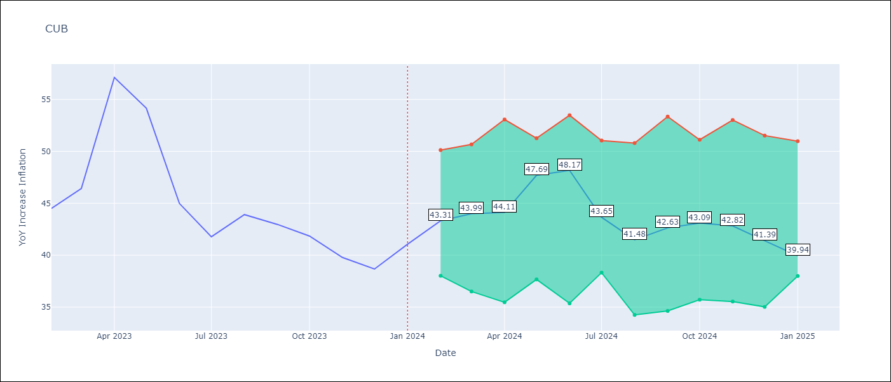

Test Metrics
RMSE | 4.61
Naive RMSE | 4.66
MAPE | 10.04%

Test Predictions
Date | Predicted | Actual
2023-02-01 | 43.17 | 44.5
2023-03-01 | 43.77 | 46.42
2023-04-01 | 43.76 | 57.12
2023-05-01 | 49.35 | 54.15
2023-06-01 | 49.76 | 44.99
2023-07-01 | 44.29 | 41.77
2023-08-01 | 41.3 | 43.91
2023-09-01 | 42.03 | 42.96
2023-10-01 | 41.62 | 41.84
2023-11-01 | 40.63 | 39.78
2023-12-01 | 39.5 | 38.67
2024-01-01 | 38.54 | 41.06

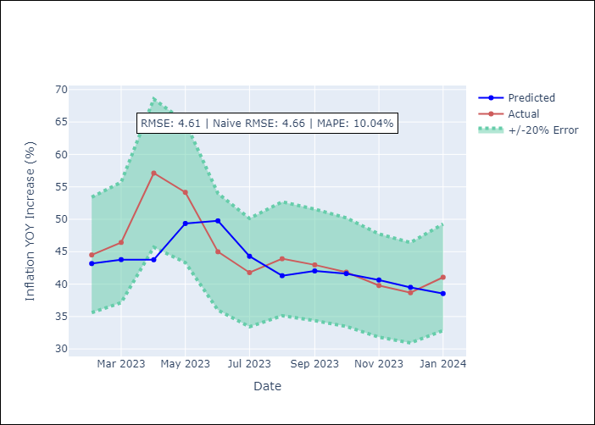

Appendix A: Model Summary
Model | Random Forest
Sample | 2003-01-01 to 2024-01-01
No. of Observations | 253
Terms | P-value (Statistical significance)

Assumptions | P-value

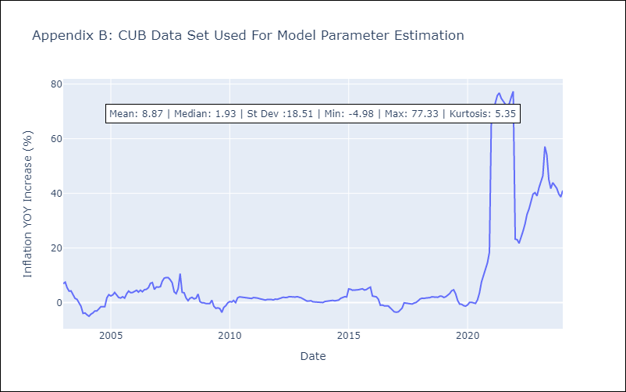

Appendix C: Residuals Analysis
Mean

DOM
DOM - Inflation - Next 12 months forecast as of: 2025-04-01

Model | Random Forest - [(0, 2, 2), (0, 0, 1, 12)]
Training Data | 1994-01-01 to 2024-05-01
Test Data | 2024-05-01 to 2025-04-01

Date | Inflation Change YoY % | Lower Bound - 95% Confidence Interval | Upper Bound - 95% Confidence Interval
2025-05-01 | 3.53 | 1.24 | 4.02
2025-06-01 | 3.38 | 0.73 | 2.87
2025-07-01 | 3.62 | 1.79 | 4.56
2025-08-01 | 4.05 | 2.92 | 4.67
2025-09-01 | 4.34 | 1.22 | 3.92
2025-10-01 | 4.45 | 0.78 | 2.82
2025-11-01 | 4.47 | 1.76 | 4.25
2025-12-01 | 4.37 | 3.02 | 4.69
2026-01-01 | 4.18 | 1.19 | 3.86
2026-02-01 | 4.2 | 0.77 | 2.96
2026-03-01 | 4.26 | 1.85 | 4.7
2026-04-01 | 4.22 | 2.84 | 5.38

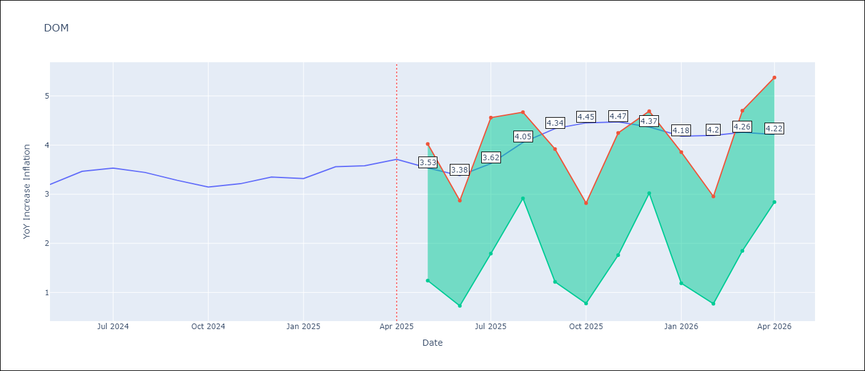

Test Metrics
RMSE | 1.37
Naive RMSE | 0.14
MAPE | 34.49%

Test Predictions
Date | Predicted | Actual
2024-05-01 | 3.24 | 3.2
2024-06-01 | 3.11 | 3.47
2024-07-01 | 2.87 | 3.53
2024-08-01 | 2.63 | 3.44
2024-09-01 | 2.5 | 3.28
2024-10-01 | 2.32 | 3.15
2024-11-01 | 2.07 | 3.21
2024-12-01 | 1.83 | 3.35
2025-01-01 | 1.66 | 3.32
2025-02-01 | 1.55 | 3.56
2025-03-01 | 1.47 | 3.58
2025-04-01 | 1.44 | 3.71

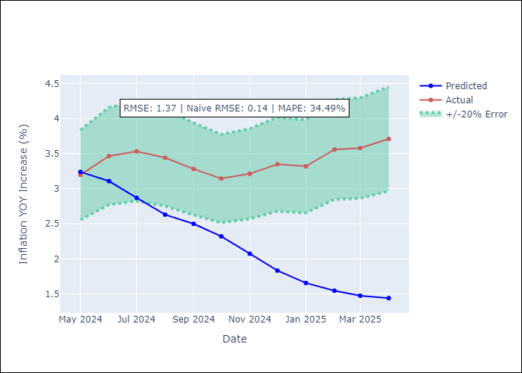

Appendix A: Model Summary
Model | Random Forest
Sample | 1994-01-01 to 2025-04-01
No. of Observations | 376
Terms | P-value (Statistical significance)

Assumptions | P-value

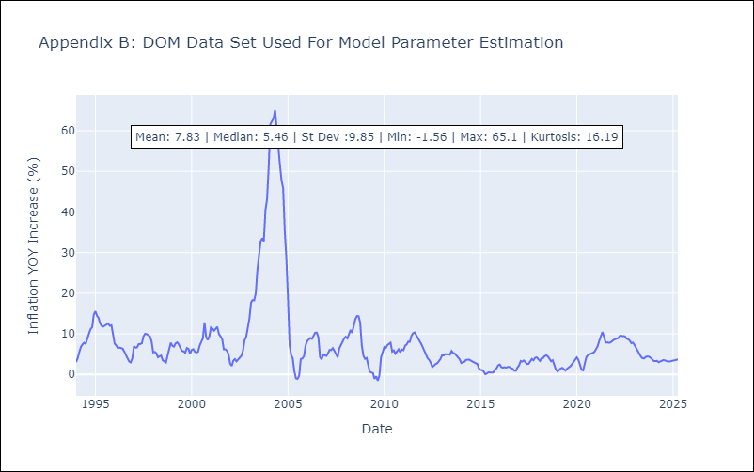

Appendix C: Residuals Analysis
Mean

GTM
GTM - Inflation - Next 12 months forecast as of: 2025-04-01

Model | Random Forest - [(1, 1, 0), (0, 0, 2, 12)]
Training Data | 1994-07-01 to 2024-05-01
Test Data | 2024-05-01 to 2025-04-01

Date | Inflation Change YoY % | Lower Bound - 95% Confidence Interval | Upper Bound - 95% Confidence Interval
2025-05-01 | 4.56 | 2.25 | 5.02
2025-06-01 | 4.57 | 3.29 | 4.66
2025-07-01 | 4.51 | 3.19 | 4.41
2025-08-01 | 4.45 | 2.47 | 3.8
2025-09-01 | 4.35 | 2.46 | 4.65
2025-10-01 | 4.29 | 3.5 | 4.61
2025-11-01 | 4.15 | 3.52 | 4.63
2025-12-01 | 4.05 | 3.49 | 4.64
2026-01-01 | 3.97 | 3.27 | 4.52
2026-02-01 | 3.94 | 2.53 | 3.82
2026-03-01 | 4.04 | 2.25 | 4.53
2026-04-01 | 4.11 | 3.68 | 4.67

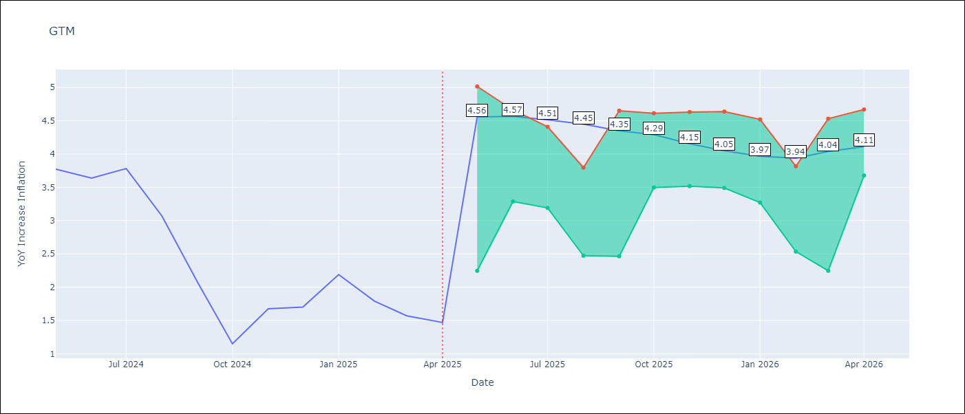

Test Metrics
RMSE | 1.92
Naive RMSE | 0.53
MAPE | 94.4%

Test Predictions
Date | Predicted | Actual
2024-05-01 | 3.26 | 3.77
2024-06-01 | 3.5 | 3.64
2024-07-01 | 3.74 | 3.78
2024-08-01 | 3.83 | 3.07
2024-09-01 | 3.86 | 2.07
2024-10-01 | 3.81 | 1.15
2024-11-01 | 3.94 | 1.67
2024-12-01 | 4 | 1.7
2025-01-01 | 4.05 | 2.19
2025-02-01 | 4.16 | 1.79
2025-03-01 | 4.16 | 1.57
2025-04-01 | 4.13 | 1.47

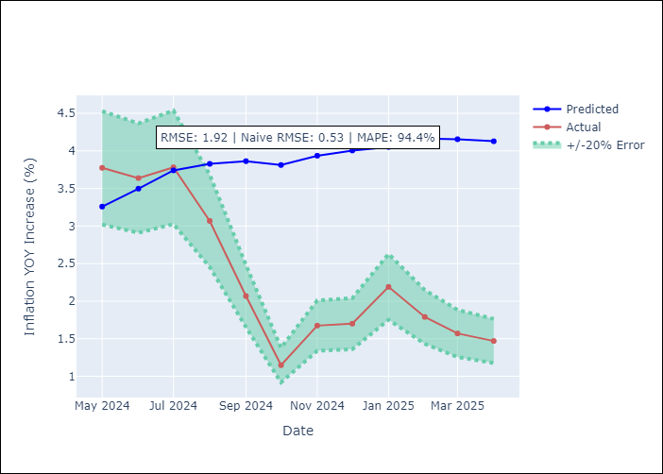

Appendix A: Model Summary
Model | Random Forest
Sample | 1994-07-01 to 2025-04-01
No. of Observations | 370
Terms | P-value (Statistical significance)

Assumptions | P-value

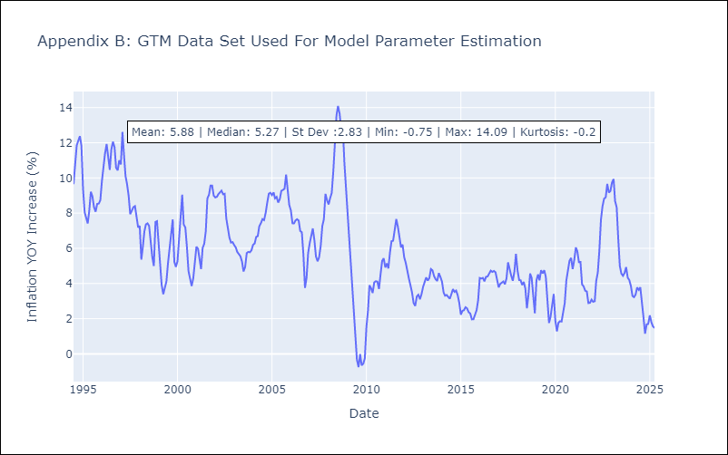

Appendix C: Residuals Analysis
Mean

HND
HND - Inflation - Next 12 months forecast as of: 2025-04-01

Model | Random Forest - [(2, 0, 1), (0, 0, 2, 12)]
Training Data | 1994-07-01 to 2024-05-01
Test Data | 2024-05-01 to 2025-04-01

Date | Inflation Change YoY % | Lower Bound - 95% Confidence Interval | Upper Bound - 95% Confidence Interval
2025-05-01 | 5.16 | 3.9 | 5.13
2025-06-01 | 5.21 | 4.14 | 6.45
2025-07-01 | 5.33 | 4.45 | 5.93
2025-08-01 | 5.46 | 5.04 | 5.96
2025-09-01 | 5.51 | 4.6 | 5.8
2025-10-01 | 5.53 | 5 | 6.09
2025-11-01 | 5.6 | 4.44 | 5.82
2025-12-01 | 5.76 | 4.94 | 6.12
2026-01-01 | 5.8 | 4.39 | 5.85
2026-02-01 | 5.78 | 5.15 | 6.42
2026-03-01 | 5.7 | 4.62 | 6.19
2026-04-01 | 5.77 | 5.1 | 6.1

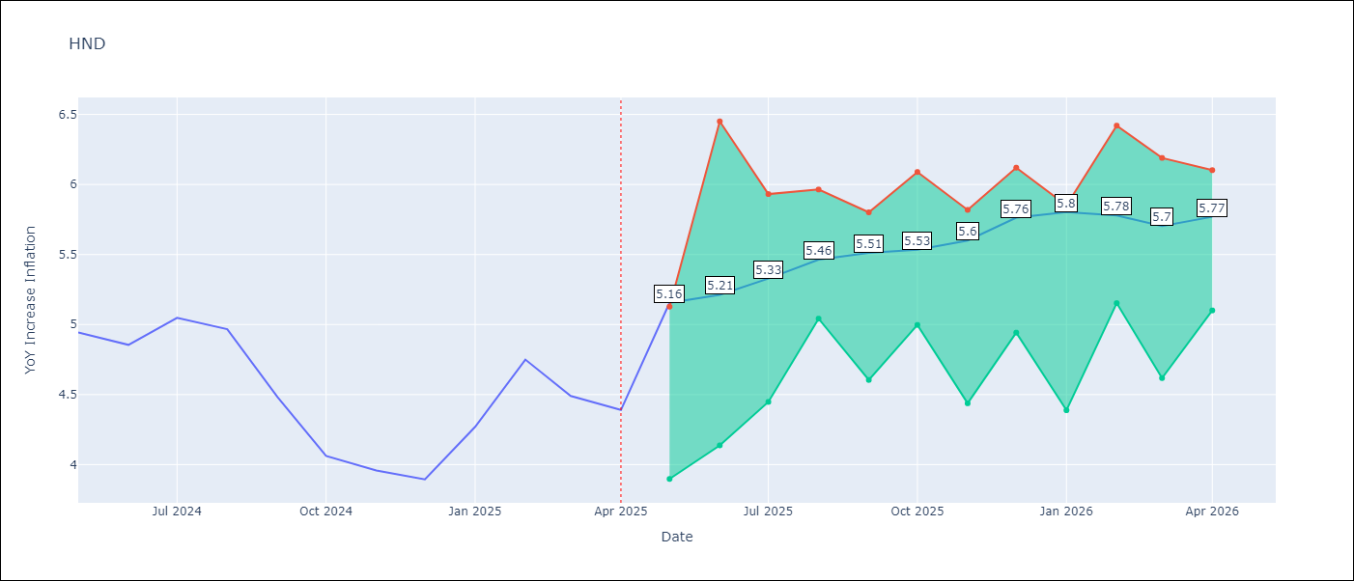

Test Metrics
RMSE | 1.55
Naive RMSE | 0.29
MAPE | 32.27%

Test Predictions
Date | Predicted | Actual
2024-05-01 | 5.28 | 4.94
2024-06-01 | 5.43 | 4.86
2024-07-01 | 5.6 | 5.05
2024-08-01 | 5.76 | 4.97
2024-09-01 | 5.82 | 4.48
2024-10-01 | 5.79 | 4.06
2024-11-01 | 5.76 | 3.96
2024-12-01 | 5.9 | 3.89
2025-01-01 | 6.11 | 4.27
2025-02-01 | 6.37 | 4.75
2025-03-01 | 6.61 | 4.49
2025-04-01 | 6.61 | 4.39

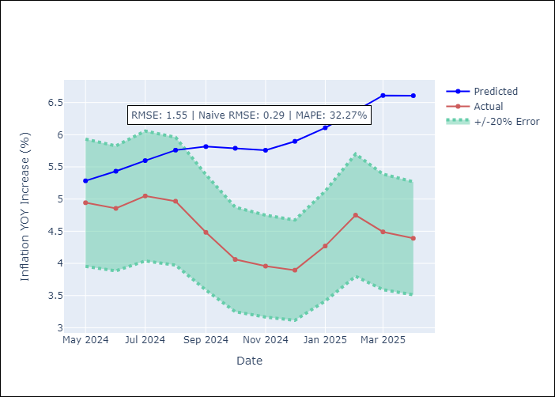

Appendix A: Model Summary
Model | Random Forest
Sample | 1994-07-01 to 2025-04-01
No. of Observations | 370
Terms | P-value (Statistical significance)

Assumptions | P-value

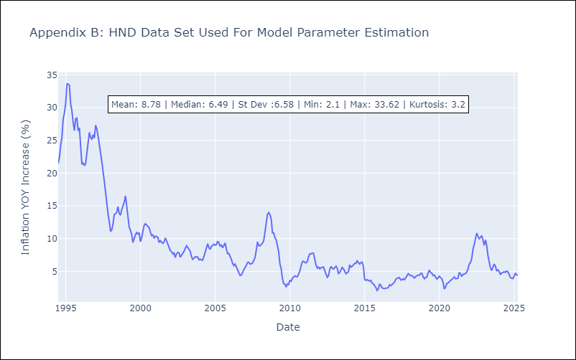

Appendix C: Residuals Analysis
Mean

HTI
HTI - Inflation - Next 12 months forecast as of: 2024-03-01

Model | Random Forest - [(2, 0, 1), (3, 0, 0, 12)]
Training Data | 1998-01-01 to 2023-04-01
Test Data | 2023-04-01 to 2024-03-01

Date | Inflation Change YoY % | Lower Bound - 95% Confidence Interval | Upper Bound - 95% Confidence Interval
2024-04-01 | 14.35 | 15.62 | 42.93
2024-05-01 | 14.81 | 13.28 | 20.56
2024-06-01 | 15.35 | 14.74 | 20.81
2024-07-01 | 15.96 | 18.93 | 25.67
2024-08-01 | 16.59 | 12.88 | 22.49
2024-09-01 | 17.08 | 13.23 | 18.75
2024-10-01 | 17.32 | 11.34 | 14.67
2024-11-01 | 17.52 | 12.87 | 20.13
2024-12-01 | 17.81 | 11.41 | 20.83
2025-01-01 | 18.02 | 12.46 | 19.23
2025-02-01 | 18.18 | 11.2 | 18.6
2025-03-01 | 18.29 | 14.24 | 18.71

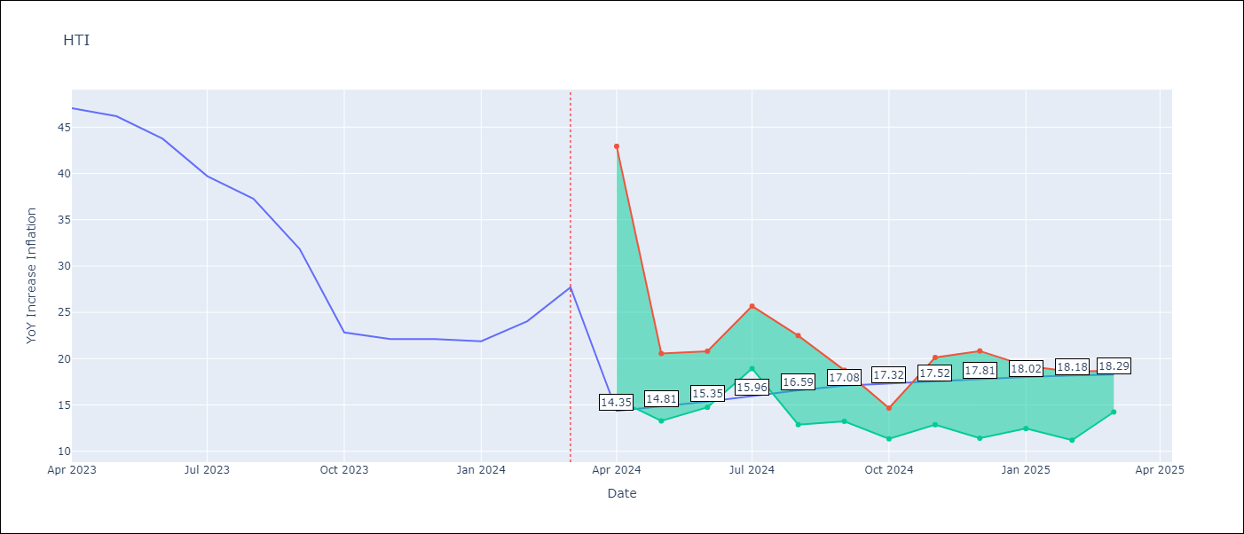

Test Metrics
RMSE | 5.45
Naive RMSE | 3.79
MAPE | 29.08%

Test Predictions
Date | Predicted | Actual
2023-04-01 | 42.07 | 47.04
2023-05-01 | 38.62 | 46.18
2023-06-01 | 35.39 | 43.75
2023-07-01 | 31.57 | 39.71
2023-08-01 | 29.67 | 37.27
2023-09-01 | 28.76 | 31.86
2023-10-01 | 27.72 | 22.83
2023-11-01 | 25.23 | 22.12
2023-12-01 | 23.74 | 22.12
2024-01-01 | 22.8 | 21.87
2024-02-01 | 22.17 | 24.04
2024-03-01 | 22.11 | 27.7

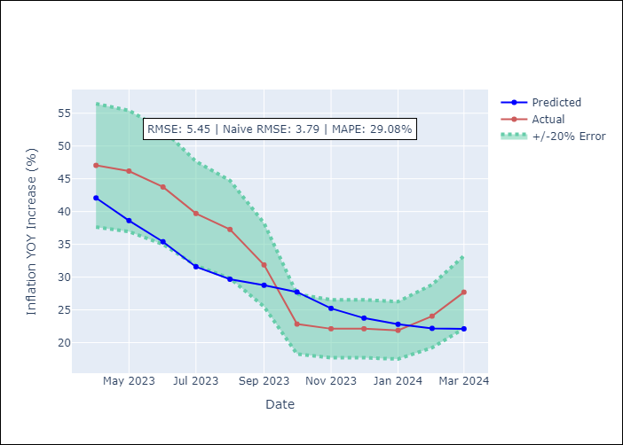

Appendix A: Model Summary
Model | Random Forest
Sample | 1998-01-01 to 2024-03-01
No. of Observations | 315
Terms | P-value (Statistical significance)

Assumptions | P-value

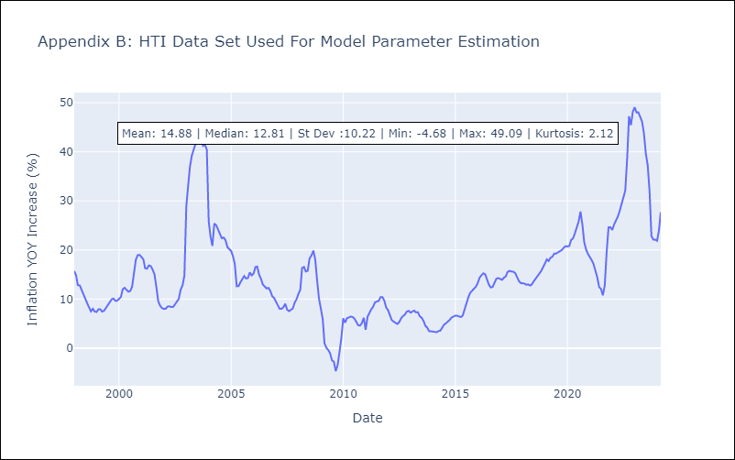

Appendix C: Residuals Analysis
Mean

MEX
MEX - Inflation - Next 12 months forecast as of: 2025-04-01

Model | Random Forest - [(3, 1, 1), (0, 0, 2, 12)]
Training Data | 1992-01-01 to 2024-05-01
Test Data | 2024-05-01 to 2025-04-01

Date | Inflation Change YoY % | Lower Bound - 95% Confidence Interval | Upper Bound - 95% Confidence Interval
2025-05-01 | 3.82 | 3.4 | 4.5
2025-06-01 | 3.84 | 3.65 | 4.74
2025-07-01 | 3.87 | 3.75 | 4.91
2025-08-01 | 3.89 | 4.23 | 6.28
2025-09-01 | 3.93 | 3.89 | 5.15
2025-10-01 | 3.93 | 3.42 | 4.49
2025-11-01 | 3.97 | 3.53 | 4.31
2025-12-01 | 4.02 | 3.85 | 5.44
2026-01-01 | 4.12 | 3.56 | 5.33
2026-02-01 | 4.22 | 3.26 | 4.13
2026-03-01 | 4.32 | 3.67 | 4.3
2026-04-01 | 4.41 | 3.74 | 4.84

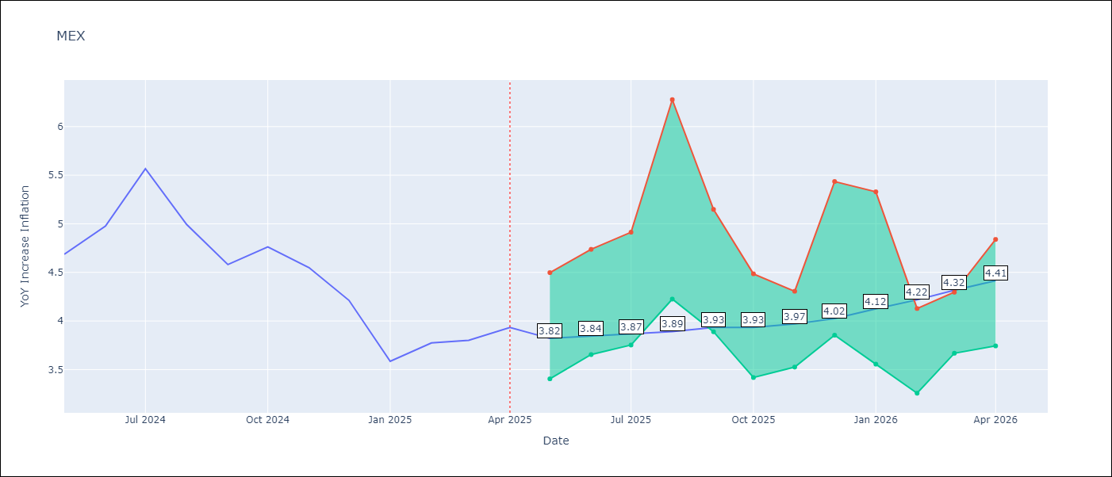

Test Metrics
RMSE | 0.61
Naive RMSE | 0.38
MAPE | 12.69%

Test Predictions
Date | Predicted | Actual
2024-05-01 | 4.29 | 4.69
2024-06-01 | 4.18 | 4.98
2024-07-01 | 4.13 | 5.57
2024-08-01 | 4.15 | 4.99
2024-09-01 | 4.15 | 4.58
2024-10-01 | 4.18 | 4.76
2024-11-01 | 4.13 | 4.55
2024-12-01 | 4.07 | 4.21
2025-01-01 | 3.97 | 3.59
2025-02-01 | 3.87 | 3.77
2025-03-01 | 3.77 | 3.8
2025-04-01 | 3.71 | 3.93

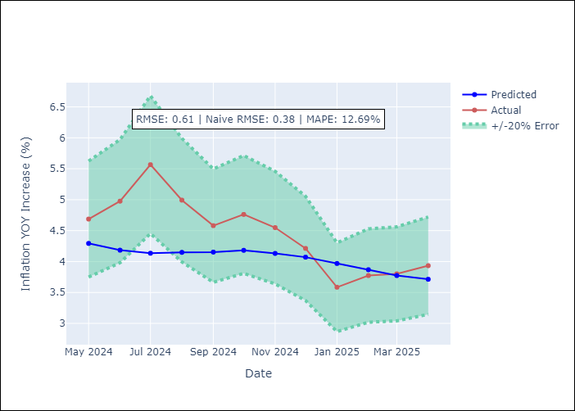

Appendix A: Model Summary
Model | Random Forest
Sample | 1992-01-01 to 2025-04-01
No. of Observations | 400
Terms | P-value (Statistical significance)

Assumptions | P-value

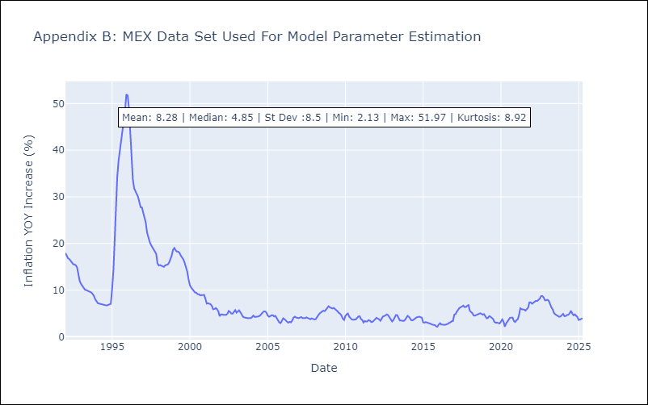

Appendix C: Residuals Analysis
Mean

NIC
NIC - Inflation - Next 12 months forecast as of: 2025-04-01

Model | Random Forest - [(1, 1, 0), (2, 0, 1, 12)]
Training Data | 2012-12-01 to 2024-04-01
Test Data | 2024-04-01 to 2025-04-01

Date | Inflation Change YoY % | Lower Bound - 95% Confidence Interval | Upper Bound - 95% Confidence Interval
2025-05-01 | 5.33 | 3.14 | 5.75
2025-06-01 | 5.23 | 4.42 | 5.78
2025-07-01 | 5.23 | 4.41 | 6.01
2025-08-01 | 5.21 | 3.4 | 5.66
2025-09-01 | 5.01 | 3.61 | 5.87
2025-10-01 | 4.68 | 3.72 | 5.53
2025-11-01 | 4.44 | 4.03 | 5.91
2025-12-01 | 4.29 | 3.42 | 5.62
2026-01-01 | 4.31 | 3.24 | 5.11
2026-02-01 | 4.17 | 4.64 | 5.9
2026-03-01 | 4.18 | 4.31 | 6
2026-04-01 | 4.07 | 3.39 | 5.65

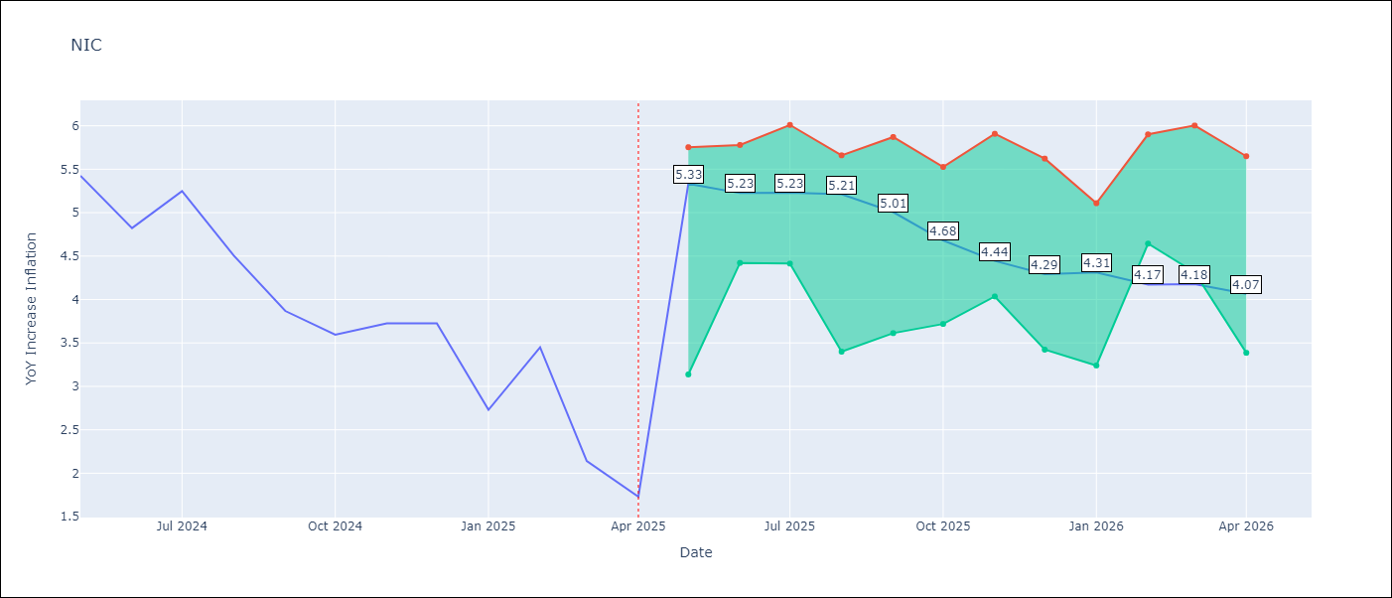

Test Metrics
RMSE | 1.68
Naive RMSE | 0.67
MAPE | 57.6%

Test Predictions
Date | Predicted | Actual
2024-04-01 | 5.46 | 5.42
2024-05-01 | 5.61 | 5.43
2024-06-01 | 5.74 | 4.82
2024-07-01 | 5.75 | 5.25
2024-08-01 | 5.84 | 4.51
2024-09-01 | 5.78 | 3.87
2024-10-01 | 5.65 | 3.59
2024-11-01 | 5.22 | 3.73
2025-01-01 | 4.99 | 2.73
2025-02-01 | 4.87 | 3.45
2025-03-01 | 4.74 | 2.14
2025-04-01 | 4.37 | 1.73

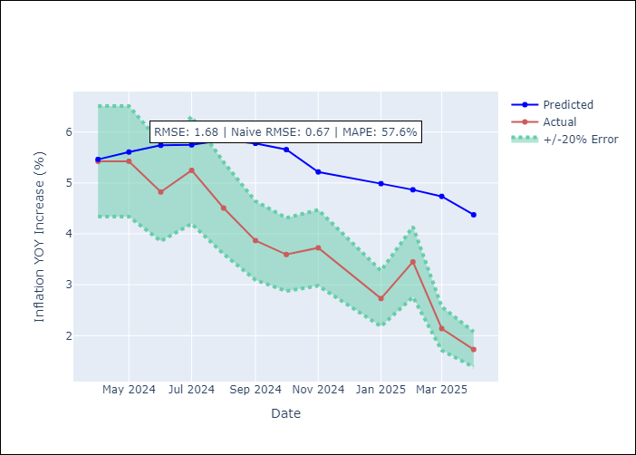

Appendix A: Model Summary
Model | Random Forest
Sample | 2012-12-01 to 2025-04-01
No. of Observations | 148
Terms | P-value (Statistical significance)

Assumptions | P-value

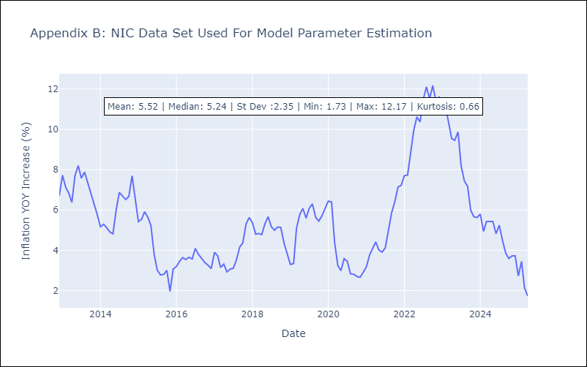

Appendix C: Residuals Analysis
Mean

PAN
PAN - Inflation - Next 12 months forecast as of: 2025-04-01

Model | Random Forest - [(2, 1, 1), (2, 0, 1, 12)]
Training Data | 1994-07-01 to 2024-05-01
Test Data | 2024-05-01 to 2025-04-01

Date | Inflation Change YoY % | Lower Bound - 95% Confidence Interval | Upper Bound - 95% Confidence Interval
2025-05-01 | 0.47 | -2 | 0.33
2025-06-01 | 0.57 | -1.46 | 2.11
2025-07-01 | 0.65 | 1.43 | 3.44
2025-08-01 | 0.71 | 2.35 | 5.62
2025-09-01 | 0.7 | 3.26 | 6.07
2025-10-01 | 0.63 | 2.85 | 5.3
2025-11-01 | 0.65 | 0.7 | 2.93
2025-12-01 | 0.62 | 0.26 | 1.5
2026-01-01 | 0.62 | 0.29 | 1.25
2026-02-01 | 0.48 | 0.23 | 1.08
2026-03-01 | 0.53 | 0.04 | 0.92
2026-04-01 | 0.56 | 0.24 | 1.03

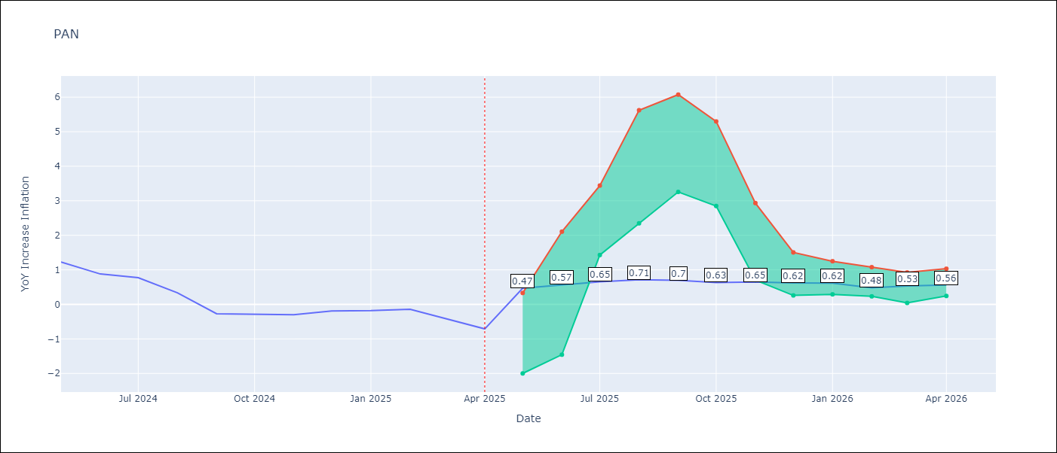

Test Metrics
RMSE | 1.06
Naive RMSE | 0.28
MAPE | 371.37%

Test Predictions
Date | Predicted | Actual
2024-05-01 | 1.46 | 1.23
2024-06-01 | 1.45 | 0.88
2024-07-01 | 1.28 | 0.77
2024-08-01 | 1.06 | 0.33
2024-09-01 | 0.72 | -0.27
2024-10-01 | 0.71 | -0.29
2024-11-01 | 0.69 | -0.3
2024-12-01 | 0.84 | -0.19
2025-01-01 | 1.14 | -0.18
2025-02-01 | 1.03 | -0.14
2025-03-01 | 1.03 | -0.41
2025-04-01 | 1.07 | -0.71

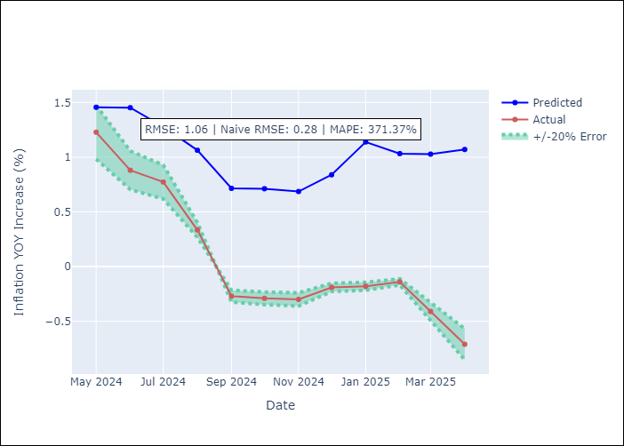

Appendix A: Model Summary
Model | Random Forest
Sample | 1994-07-01 to 2025-04-01
No. of Observations | 370
Terms | P-value (Statistical significance)

Assumptions | P-value

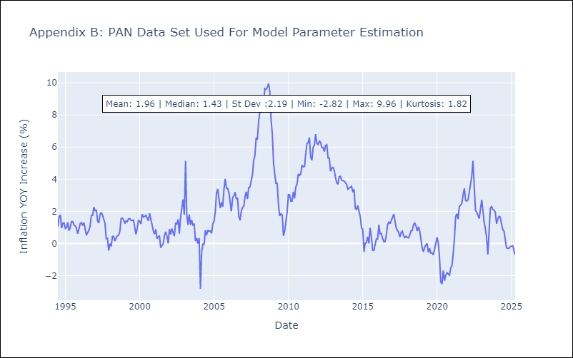

Appendix C: Residuals Analysis
Mean

SLV
SLV - Inflation - Next 12 months forecast as of: 2025-04-01

Model | Random Forest - [(1, 1, 0), (2, 0, 1, 12)]
Training Data | 1994-07-01 to 2024-05-01
Test Data | 2024-05-01 to 2025-04-01

Date | Inflation Change YoY % | Lower Bound - 95% Confidence Interval | Upper Bound - 95% Confidence Interval
2025-05-01 | 4.19 | -0.71 | 1.25
2025-06-01 | 3.93 | 1.08 | 4.81
2025-07-01 | 4.08 | 2.42 | 5.46
2025-08-01 | 4.53 | 3.94 | 4.84
2025-09-01 | 4.73 | 3.87 | 4.85
2025-10-01 | 4.82 | 3.7 | 4.94
2025-11-01 | 4.88 | 3.49 | 5.52
2025-12-01 | 4.51 | 3.71 | 5.55
2026-01-01 | 4.37 | 3.87 | 5.33
2026-02-01 | 4.13 | 3.77 | 5.54
2026-03-01 | 4.14 | 3.78 | 5.29
2026-04-01 | 4.34 | 3.71 | 5.1

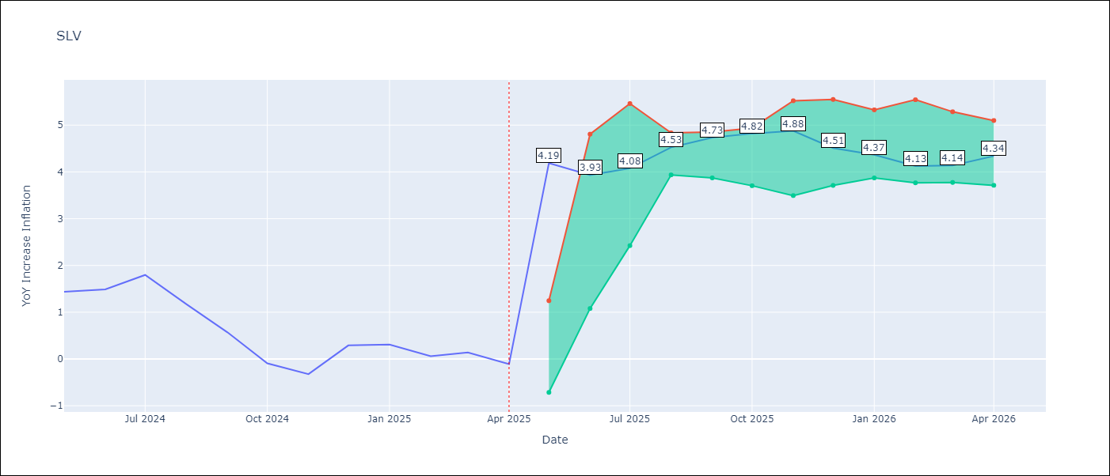

Test Metrics
RMSE | 0.94
Naive RMSE | 0.41
MAPE | 579.36%

Test Predictions
Date | Predicted | Actual
2024-05-01 | 1.27 | 1.44
2024-06-01 | 1.37 | 1.49
2024-07-01 | 1.46 | 1.8
2024-08-01 | 1.51 | 1.17
2024-09-01 | 1.35 | 0.57
2024-10-01 | 1.07 | -0.09
2024-11-01 | 0.9 | -0.32
2024-12-01 | 1.01 | 0.29
2025-01-01 | 1.41 | 0.31
2025-02-01 | 1.46 | 0.06
2025-03-01 | 1.34 | 0.14
2025-04-01 | 1.21 | -0.11

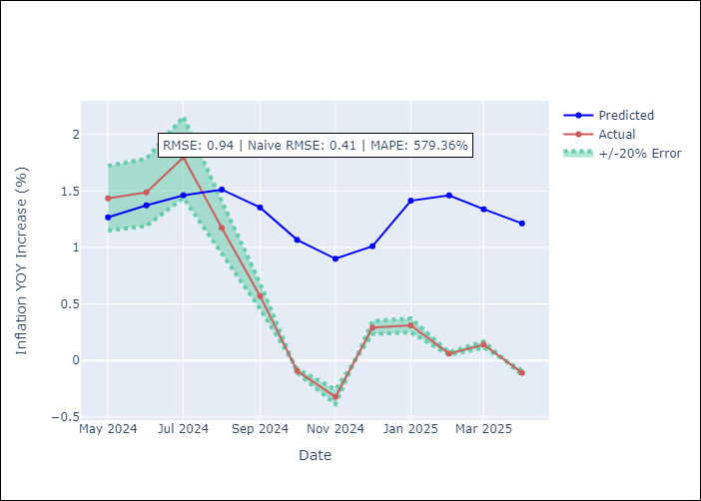

Appendix A: Model Summary
Model | Random Forest
Sample | 1994-07-01 to 2025-04-01
No. of Observations | 370
Terms | P-value (Statistical significance)

Assumptions | P-value

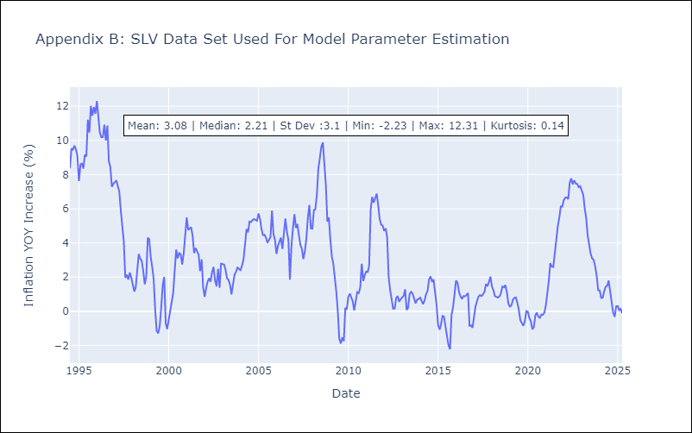

Appendix C: Residuals Analysis
Mean

