CRI
CRI - Inflation - Next 12 months forecast as of: 2025-04-01

Model | Random Forest - [(2, 1, 1), (2, 0, 1, 12)]
Training Data | 1994-07-01 to 2024-05-01
Test Data | 2024-05-01 to 2025-04-01

Date | Inflation Change YoY % | Lower Bound - 95% Confidence Interval | Upper Bound - 95% Confidence Interval
2025-05-01 | 0.82 | 1.01 | 7.79
2025-06-01 | 0.99 | 2.81 | 9.66
2025-07-01 | 1.23 | 2.81 | 5.63
2025-08-01 | 1.44 | -0.07 | 5.28
2025-09-01 | 1.53 | -0.89 | 0.56
2025-10-01 | 1.54 | 0.57 | 17.58
2025-11-01 | 1.55 | -1 | 9.4
2025-12-01 | 1.56 | -1.37 | 0.4
2026-01-01 | 1.72 | 0.45 | 17.92
2026-02-01 | 2.01 | -0.61 | 4.89
2026-03-01 | 2.28 | -0.68 | 1.17
2026-04-01 | 2.45 | 0.79 | 3.81

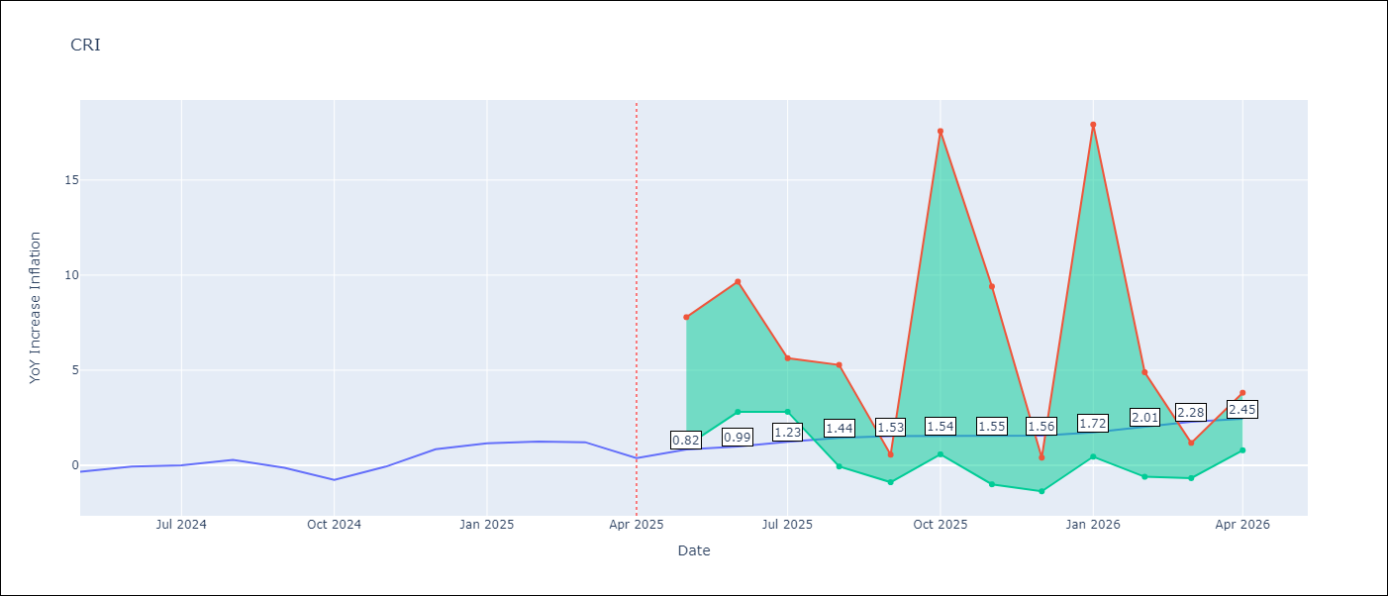

Test Metrics
RMSE | 4.19
Naive RMSE | 0.51
MAPE | inf%

Test Predictions
Date | Predicted | Actual
2024-05-01 | 2.15 | -0.35
2024-06-01 | 2.79 | -0.06
2024-07-01 | 3.32 | 0
2024-08-01 | 3.44 | 0.28
2024-09-01 | 3.67 | -0.14
2024-10-01 | 4.21 | -0.77
2024-11-01 | 4.97 | -0.07
2024-12-01 | 5.33 | 0.84
2025-01-01 | 5.48 | 1.15
2025-02-01 | 5.61 | 1.25
2025-03-01 | 5.82 | 1.21
2025-04-01 | 5.97 | 0.38

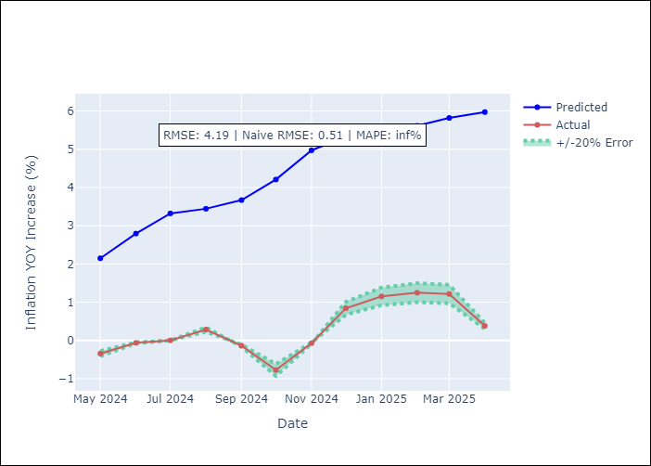

Appendix A: Model Summary
Model | Random Forest
Sample | 1994-07-01 to 2025-04-01
No. of Observations | 370
Terms | P-value (Statistical significance)

Assumptions | P-value

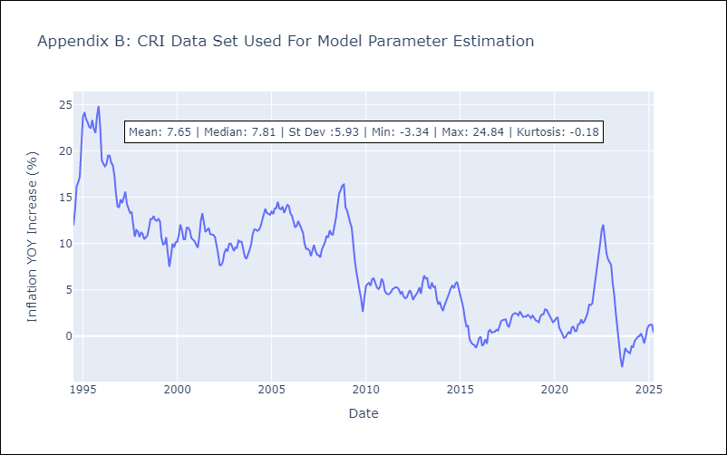

Appendix C: Residuals Analysis
Mean

CUB
CUB - Inflation - Next 12 months forecast as of: 2024-01-01

Model | Random Forest - [(0, 2, 1), (0, 0, 1, 12)]
Training Data | 2003-01-01 to 2023-02-01
Test Data | 2023-02-01 to 2024-01-01

Date | Inflation Change YoY % | Lower Bound - 95% Confidence Interval | Upper Bound - 95% Confidence Interval
2024-02-01 | 45.68 | 38.41 | 50.31
2024-03-01 | 42.26 | 34.86 | 53.27
2024-04-01 | 41.82 | 37.21 | 53.25
2024-05-01 | 45.63 | 32.94 | 51.48
2024-06-01 | 46.98 | 39.03 | 53.86
2024-07-01 | 43.5 | 33.15 | 52.4
2024-08-01 | 41.45 | 39.14 | 53.07
2024-09-01 | 41.97 | 33.12 | 51.4
2024-10-01 | 42.51 | 37.99 | 53.67
2024-11-01 | 42.63 | 35.1 | 50.92
2024-12-01 | 41.63 | 37.62 | 54.15
2025-01-01 | 40.42 | 34.92 | 51.42

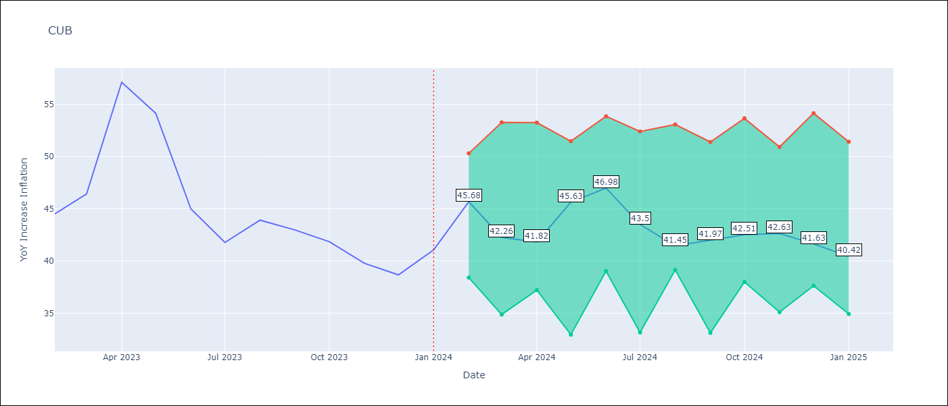

Test Metrics
RMSE | 4.75
Naive RMSE | 4.66
MAPE | 9.69%

Test Predictions
Date | Predicted | Actual
2023-02-01 | 45.39 | 44.5
2023-03-01 | 43.56 | 46.42
2023-04-01 | 43.54 | 57.12
2023-05-01 | 47.55 | 54.15
2023-06-01 | 48.38 | 44.99
2023-07-01 | 43.8 | 41.77
2023-08-01 | 40.92 | 43.91
2023-09-01 | 41.31 | 42.96
2023-10-01 | 41.26 | 41.84
2023-11-01 | 40.68 | 39.78
2023-12-01 | 39.75 | 38.67
2024-01-01 | 38.98 | 41.06

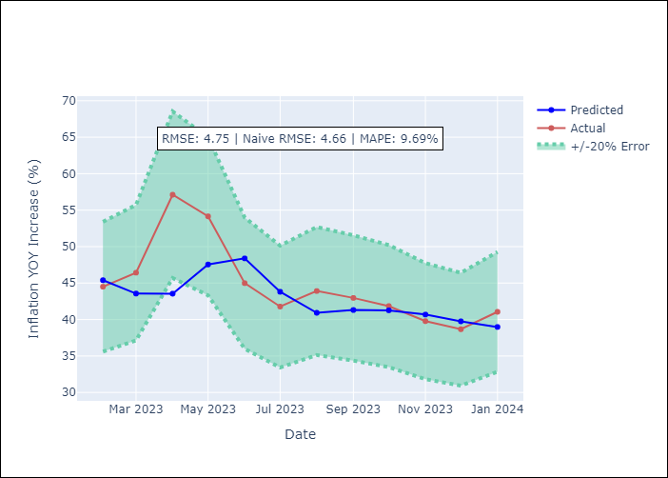

Appendix A: Model Summary
Model | Random Forest
Sample | 2003-01-01 to 2024-01-01
No. of Observations | 253
Terms | P-value (Statistical significance)

Assumptions | P-value

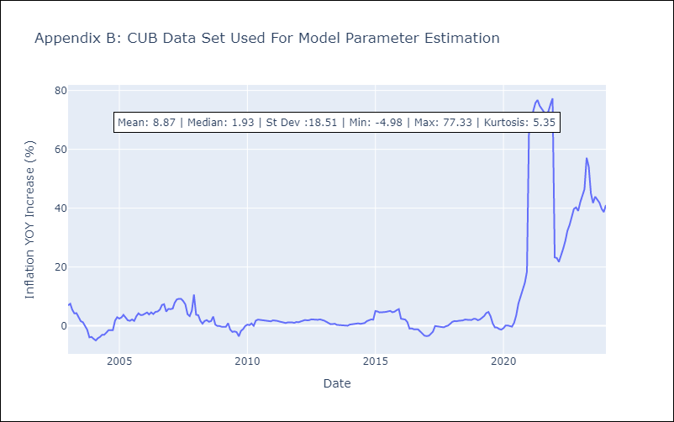

Appendix C: Residuals Analysis
Mean

DOM
DOM - Inflation - Next 12 months forecast as of: 2025-04-01

Model | Random Forest - [(0, 2, 2), (0, 0, 1, 12)]
Training Data | 1994-01-01 to 2024-05-01
Test Data | 2024-05-01 to 2025-04-01

Date | Inflation Change YoY % | Lower Bound - 95% Confidence Interval | Upper Bound - 95% Confidence Interval
2025-05-01 | 3.36 | 1.04 | 4.03
2025-06-01 | 3.35 | 0.88 | 2.84
2025-07-01 | 3.43 | 1.69 | 4.19
2025-08-01 | 3.6 | 2.8 | 4.93
2025-09-01 | 3.78 | 1.49 | 4.03
2025-10-01 | 3.93 | 0.84 | 2.92
2025-11-01 | 4.01 | 1.75 | 4.25
2025-12-01 | 4.06 | 3.1 | 4.79
2026-01-01 | 4.01 | 1.42 | 4.1
2026-02-01 | 4.01 | 0.85 | 2.94
2026-03-01 | 3.97 | 1.78 | 4.1
2026-04-01 | 3.9 | 2.89 | 4.81

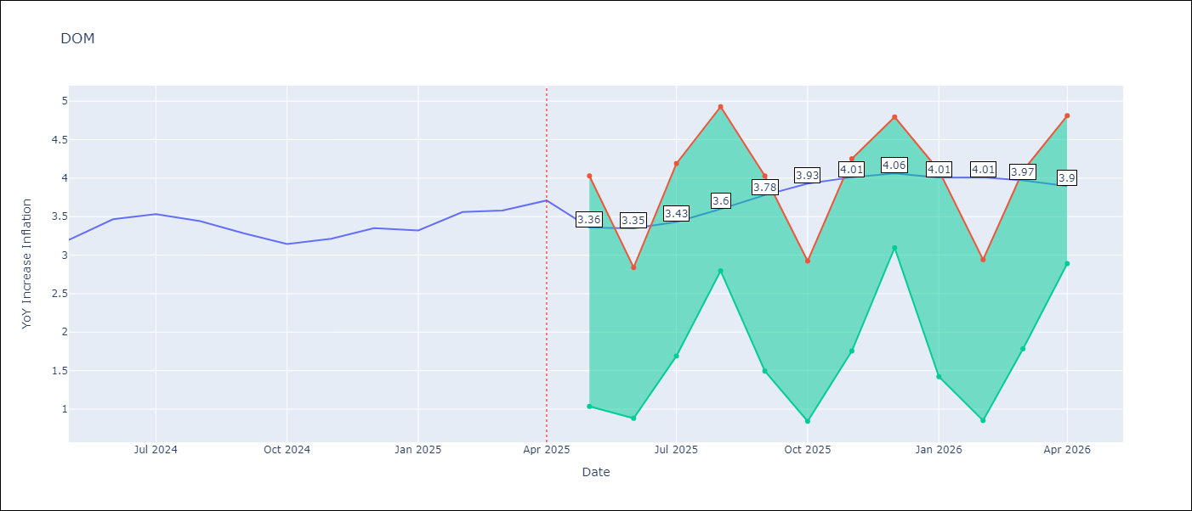

Test Metrics
RMSE | 1.4
Naive RMSE | 0.14
MAPE | 36.53%

Test Predictions
Date | Predicted | Actual
2024-05-01 | 3.12 | 3.2
2024-06-01 | 2.94 | 3.47
2024-07-01 | 2.74 | 3.53
2024-08-01 | 2.56 | 3.44
2024-09-01 | 2.35 | 3.28
2024-10-01 | 2.16 | 3.15
2024-11-01 | 1.98 | 3.21
2024-12-01 | 1.74 | 3.35
2025-01-01 | 1.58 | 3.32
2025-02-01 | 1.53 | 3.56
2025-03-01 | 1.55 | 3.58
2025-04-01 | 1.57 | 3.71

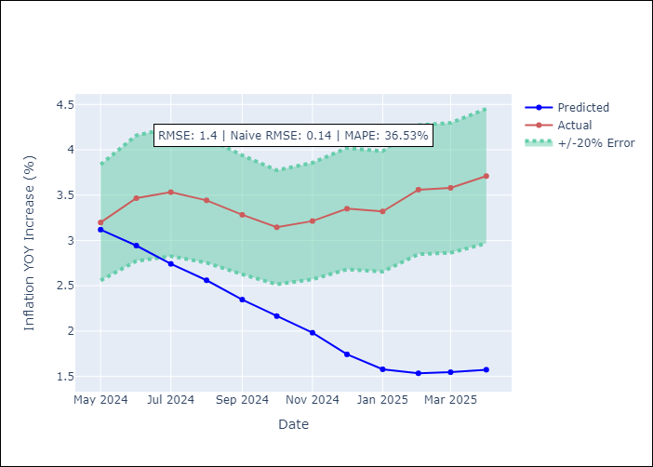

Appendix A: Model Summary
Model | Random Forest
Sample | 1994-01-01 to 2025-04-01
No. of Observations | 376
Terms | P-value (Statistical significance)

Assumptions | P-value

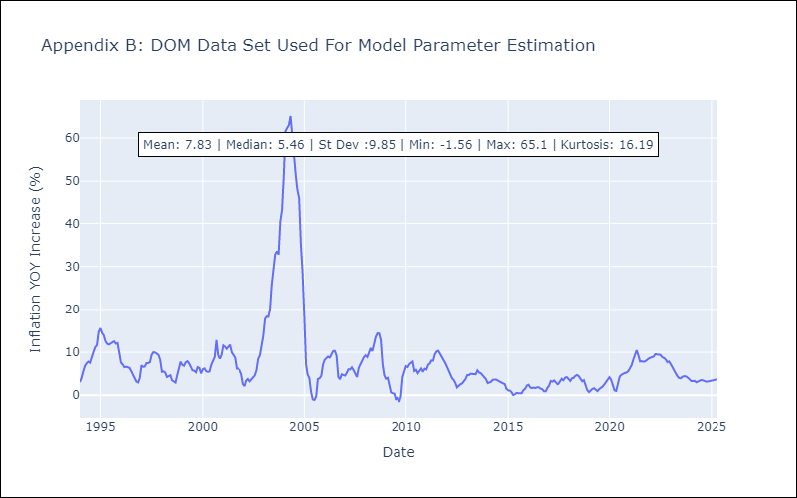

Appendix C: Residuals Analysis
Mean

GTM
GTM - Inflation - Next 12 months forecast as of: 2025-04-01

Model | Random Forest - [(1, 1, 0), (0, 0, 2, 12)]
Training Data | 1994-07-01 to 2024-05-01
Test Data | 2024-05-01 to 2025-04-01

Date | Inflation Change YoY % | Lower Bound - 95% Confidence Interval | Upper Bound - 95% Confidence Interval
2025-05-01 | 2.62 | 2.16 | 4.98
2025-06-01 | 2.59 | 3.59 | 5.43
2025-07-01 | 2.56 | 3.41 | 4.65
2025-08-01 | 2.59 | 2.68 | 4.03
2025-09-01 | 2.65 | 2.41 | 5.1
2025-10-01 | 2.8 | 3.7 | 4.67
2025-11-01 | 3.03 | 3.27 | 4.22
2025-12-01 | 3.31 | 2.49 | 4.01
2026-01-01 | 3.61 | 2.36 | 4.65
2026-02-01 | 3.87 | 3.5 | 4.65
2026-03-01 | 4.09 | 2.79 | 3.96
2026-04-01 | 4.21 | 2.42 | 5.27

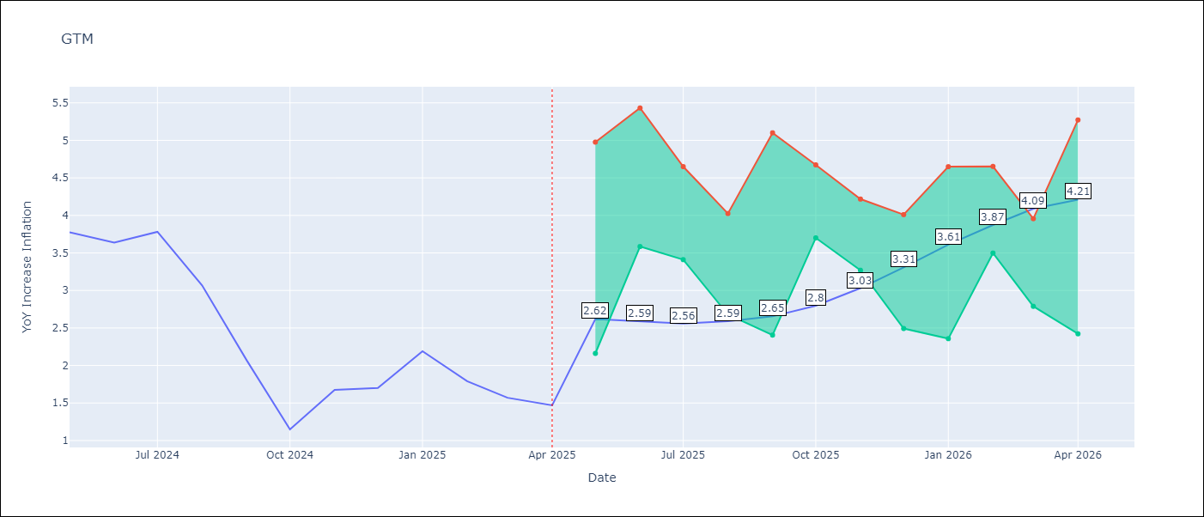

Test Metrics
RMSE | 2.03
Naive RMSE | 0.53
MAPE | 98.18%

Test Predictions
Date | Predicted | Actual
2024-05-01 | 3.21 | 3.77
2024-06-01 | 3.49 | 3.64
2024-07-01 | 3.74 | 3.78
2024-08-01 | 3.79 | 3.07
2024-09-01 | 3.81 | 2.07
2024-10-01 | 3.9 | 1.15
2024-11-01 | 4.07 | 1.67
2024-12-01 | 4.13 | 1.7
2025-01-01 | 4.2 | 2.19
2025-02-01 | 4.37 | 1.79
2025-03-01 | 4.34 | 1.57
2025-04-01 | 4.28 | 1.47

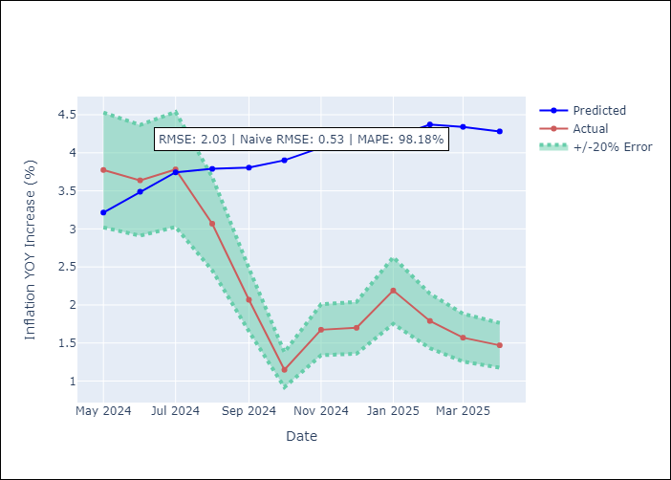

Appendix A: Model Summary
Model | Random Forest
Sample | 1994-07-01 to 2025-04-01
No. of Observations | 370
Terms | P-value (Statistical significance)

Assumptions | P-value

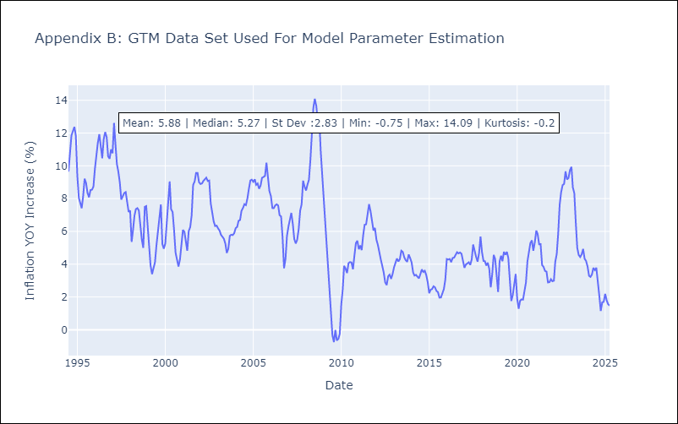

Appendix C: Residuals Analysis
Mean

HND
HND - Inflation - Next 12 months forecast as of: 2025-04-01

Model | Random Forest - [(2, 0, 1), (0, 0, 2, 12)]
Training Data | 1994-07-01 to 2024-05-01
Test Data | 2024-05-01 to 2025-04-01

Date | Inflation Change YoY % | Lower Bound - 95% Confidence Interval | Upper Bound - 95% Confidence Interval
2025-05-01 | 5.26 | 3.94 | 5.18
2025-06-01 | 5.22 | 4.28 | 6.8
2025-07-01 | 5.26 | 4.26 | 5.73
2025-08-01 | 5.34 | 5 | 5.98
2025-09-01 | 5.41 | 4.53 | 5.8
2025-10-01 | 5.49 | 5.13 | 6.2
2025-11-01 | 5.55 | 4.44 | 5.64
2025-12-01 | 5.63 | 5.08 | 6
2026-01-01 | 5.66 | 4.65 | 5.83
2026-02-01 | 5.71 | 5.01 | 5.8
2026-03-01 | 5.73 | 4.76 | 5.96
2026-04-01 | 5.81 | 5.06 | 5.94

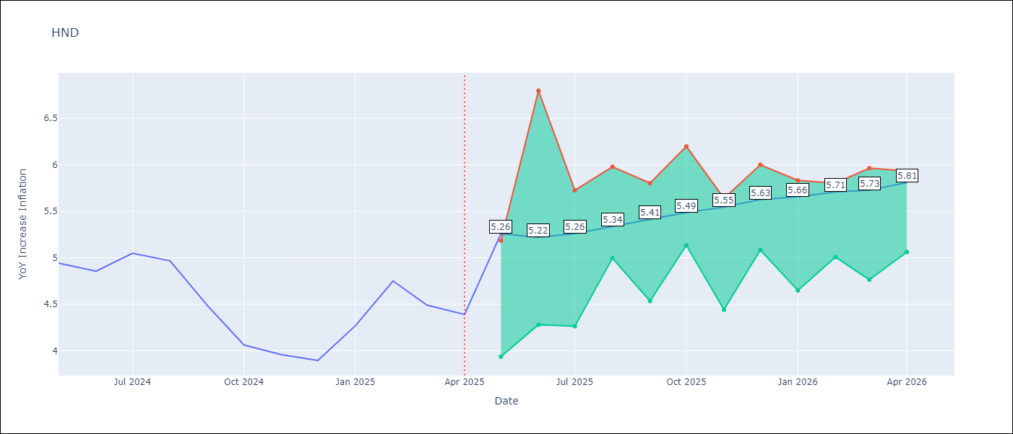

Test Metrics
RMSE | 1.55
Naive RMSE | 0.29
MAPE | 32.22%

Test Predictions
Date | Predicted | Actual
2024-05-01 | 5.25 | 4.94
2024-06-01 | 5.42 | 4.86
2024-07-01 | 5.59 | 5.05
2024-08-01 | 5.79 | 4.97
2024-09-01 | 5.84 | 4.48
2024-10-01 | 5.8 | 4.06
2024-11-01 | 5.84 | 3.96
2024-12-01 | 5.92 | 3.89
2025-01-01 | 6.04 | 4.27
2025-02-01 | 6.3 | 4.75
2025-03-01 | 6.6 | 4.49
2025-04-01 | 6.63 | 4.39

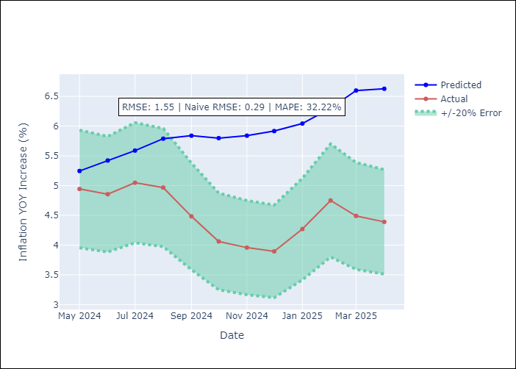

Appendix A: Model Summary
Model | Random Forest
Sample | 1994-07-01 to 2025-04-01
No. of Observations | 370
Terms | P-value (Statistical significance)

Assumptions | P-value

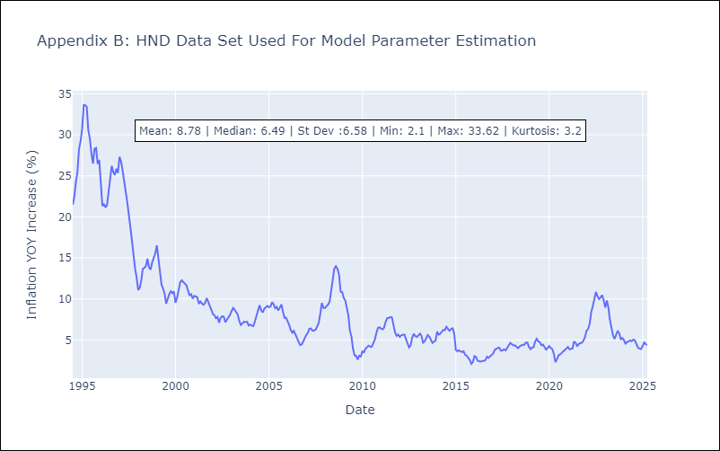

Appendix C: Residuals Analysis
Mean

HTI
HTI - Inflation - Next 12 months forecast as of: 2024-03-01

Model | Random Forest - [(2, 0, 1), (3, 0, 0, 12)]
Training Data | 1998-01-01 to 2023-04-01
Test Data | 2023-04-01 to 2024-03-01

Date | Inflation Change YoY % | Lower Bound - 95% Confidence Interval | Upper Bound - 95% Confidence Interval
2024-04-01 | 14.9 | 15.92 | 40.47
2024-05-01 | 16.02 | 13.65 | 20.88
2024-06-01 | 16.65 | 16.27 | 31.09
2024-07-01 | 17.1 | 15.71 | 27.64
2024-08-01 | 17.49 | 13.19 | 22.3
2024-09-01 | 17.63 | 17.63 | 27.69
2024-10-01 | 17.77 | 14.06 | 25.69
2024-11-01 | 17.88 | 11.82 | 20.02
2024-12-01 | 18.13 | 10.76 | 17.52
2025-01-01 | 18.29 | 14.01 | 17.03
2025-02-01 | 18.47 | 9.84 | 16.21
2025-03-01 | 18.86 | 13.98 | 19.37

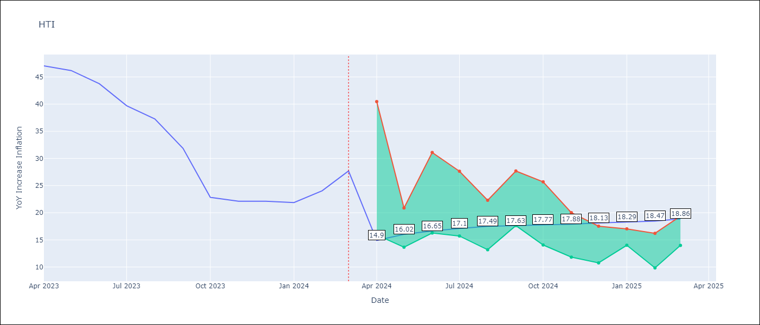

Test Metrics
RMSE | 5.81
Naive RMSE | 3.79
MAPE | 28.57%

Test Predictions
Date | Predicted | Actual
2023-04-01 | 40.87 | 47.04
2023-05-01 | 38.38 | 46.18
2023-06-01 | 34.52 | 43.75
2023-07-01 | 31.4 | 39.71
2023-08-01 | 28.79 | 37.27
2023-09-01 | 28.01 | 31.86
2023-10-01 | 27.05 | 22.83
2023-11-01 | 25 | 22.12
2023-12-01 | 23.58 | 22.12
2024-01-01 | 22.8 | 21.87
2024-02-01 | 22.16 | 24.04
2024-03-01 | 22.03 | 27.7

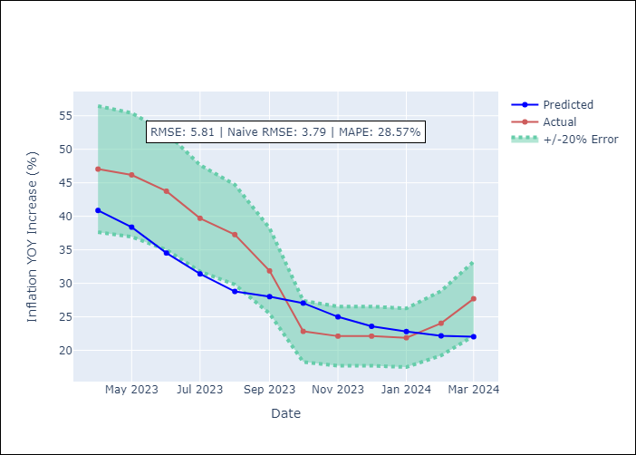

Appendix A: Model Summary
Model | Random Forest
Sample | 1998-01-01 to 2024-03-01
No. of Observations | 315
Terms | P-value (Statistical significance)

Assumptions | P-value

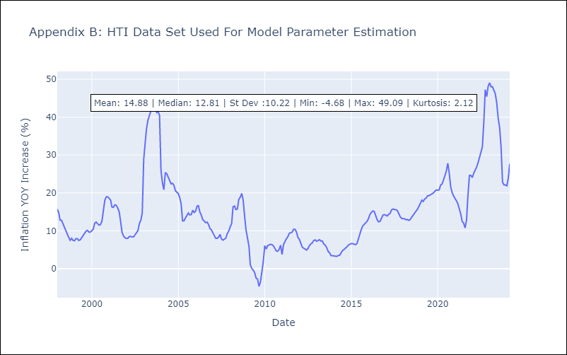

Appendix C: Residuals Analysis
Mean

MEX
MEX - Inflation - Next 12 months forecast as of: 2025-04-01

Model | Random Forest - [(3, 1, 1), (0, 0, 2, 12)]
Training Data | 1992-01-01 to 2024-05-01
Test Data | 2024-05-01 to 2025-04-01

Date | Inflation Change YoY % | Lower Bound - 95% Confidence Interval | Upper Bound - 95% Confidence Interval
2025-05-01 | 4.1 | 3.39 | 4.35
2025-06-01 | 4.27 | 3.5 | 5.01
2025-07-01 | 4.48 | 3.87 | 5.52
2025-08-01 | 4.66 | 4.16 | 6.1
2025-09-01 | 4.8 | 3.82 | 4.81
2025-10-01 | 4.91 | 3.6 | 4.7
2025-11-01 | 4.97 | 3.42 | 4.6
2025-12-01 | 5.12 | 3.77 | 5.59
2026-01-01 | 5.26 | 3.73 | 5.37
2026-02-01 | 5.36 | 3.25 | 4.45
2026-03-01 | 5.4 | 3.6 | 4.45
2026-04-01 | 5.41 | 3.9 | 5.74

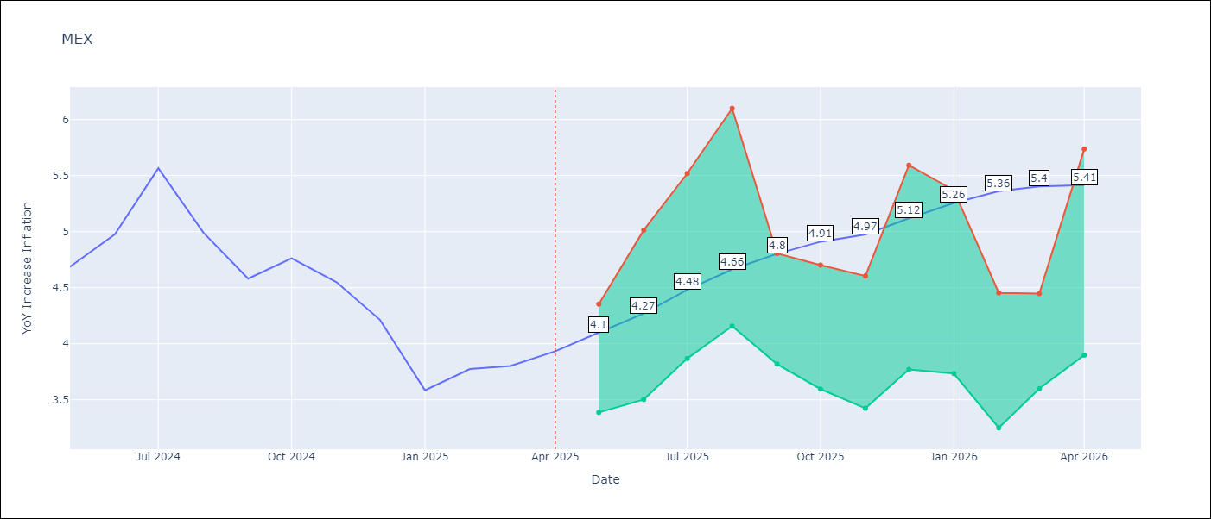

Test Metrics
RMSE | 0.53
Naive RMSE | 0.38
MAPE | 13.12%

Test Predictions
Date | Predicted | Actual
2024-05-01 | 4.45 | 4.69
2024-06-01 | 4.32 | 4.98
2024-07-01 | 4.26 | 5.57
2024-08-01 | 4.3 | 4.99
2024-09-01 | 4.31 | 4.58
2024-10-01 | 4.29 | 4.76
2024-11-01 | 4.23 | 4.55
2024-12-01 | 4.07 | 4.21
2025-01-01 | 3.91 | 3.59
2025-02-01 | 3.74 | 3.77
2025-03-01 | 3.63 | 3.8
2025-04-01 | 3.56 | 3.93

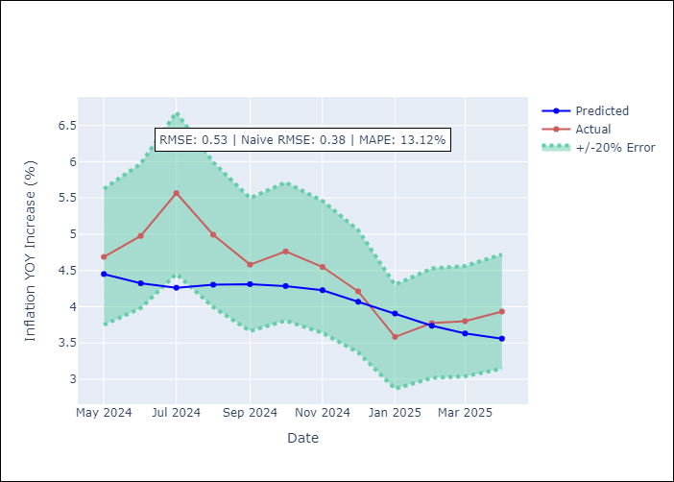

Appendix A: Model Summary
Model | Random Forest
Sample | 1992-01-01 to 2025-04-01
No. of Observations | 400
Terms | P-value (Statistical significance)

Assumptions | P-value

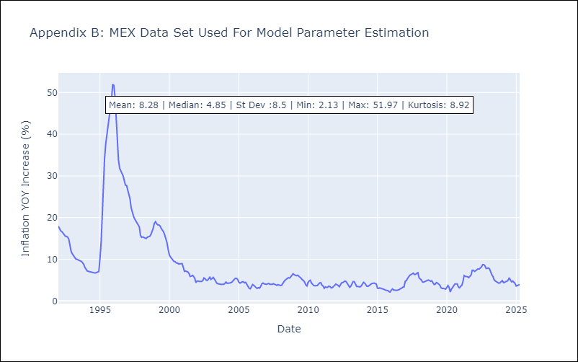

Appendix C: Residuals Analysis
Mean

NIC
NIC - Inflation - Next 12 months forecast as of: 2025-04-01

Model | Random Forest - [(1, 1, 0), (2, 0, 1, 12)]
Training Data | 2012-12-01 to 2024-04-01
Test Data | 2024-04-01 to 2025-04-01

Date | Inflation Change YoY % | Lower Bound - 95% Confidence Interval | Upper Bound - 95% Confidence Interval
2025-05-01 | 3.74 | 3.2 | 5.84
2025-06-01 | 3.76 | 4.11 | 5.71
2025-07-01 | 4.09 | 3.89 | 5.93
2025-08-01 | 4.49 | 3.38 | 5.68
2025-09-01 | 4.69 | 3.24 | 5.24
2025-10-01 | 4.81 | 4.56 | 6.02
2025-11-01 | 4.86 | 4.13 | 5.97
2025-12-01 | 4.96 | 3.43 | 5.54
2026-01-01 | 4.99 | 3.4 | 5.7
2026-02-01 | 5.01 | 4.34 | 5.66
2026-03-01 | 5.06 | 3.82 | 5.74
2026-04-01 | 5.13 | 3.53 | 6

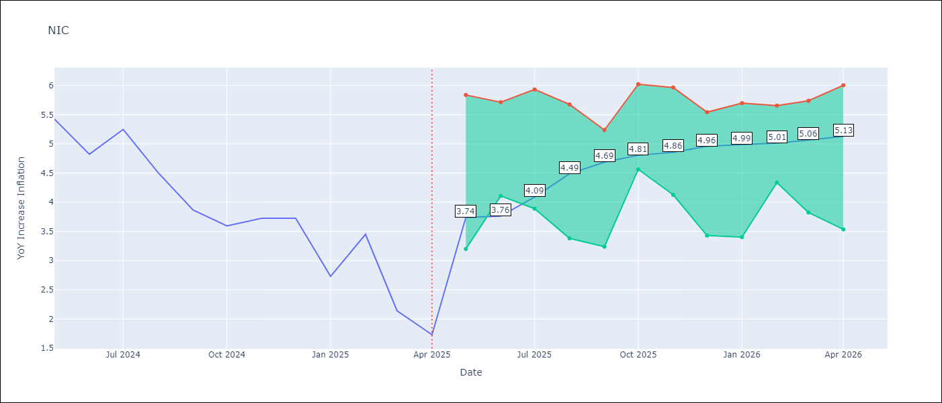

Test Metrics
RMSE | 1.58
Naive RMSE | 0.67
MAPE | 54.34%

Test Predictions
Date | Predicted | Actual
2024-04-01 | 5.22 | 5.42
2024-05-01 | 5.39 | 5.43
2024-06-01 | 5.56 | 4.82
2024-07-01 | 5.66 | 5.25
2024-08-01 | 5.71 | 4.51
2024-09-01 | 5.66 | 3.87
2024-10-01 | 5.54 | 3.59
2024-11-01 | 5.19 | 3.73
2025-01-01 | 4.94 | 2.73
2025-02-01 | 4.71 | 3.45
2025-03-01 | 4.45 | 2.14
2025-04-01 | 4.32 | 1.73

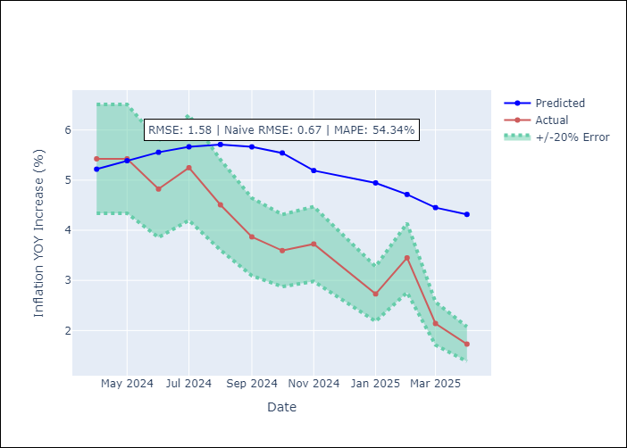

Appendix A: Model Summary
Model | Random Forest
Sample | 2012-12-01 to 2025-04-01
No. of Observations | 148
Terms | P-value (Statistical significance)

Assumptions | P-value

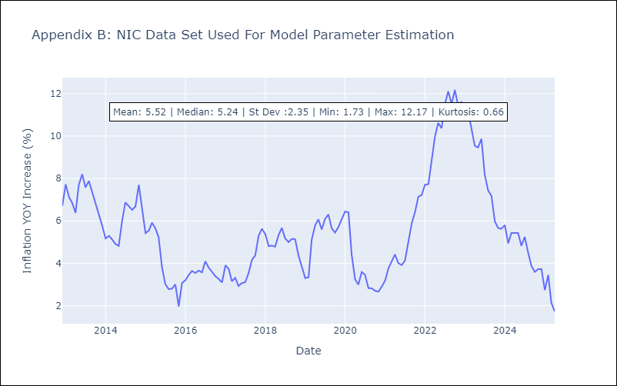

Appendix C: Residuals Analysis
Mean

PAN
PAN - Inflation - Next 12 months forecast as of: 2025-04-01

Model | Random Forest - [(2, 1, 1), (2, 0, 1, 12)]
Training Data | 1994-07-01 to 2024-05-01
Test Data | 2024-05-01 to 2025-04-01

Date | Inflation Change YoY % | Lower Bound - 95% Confidence Interval | Upper Bound - 95% Confidence Interval
2025-05-01 | 0.87 | -1.86 | 0.6
2025-06-01 | 0.97 | -1.23 | 1.85
2025-07-01 | 1.11 | 1.21 | 3.27
2025-08-01 | 1.22 | 1.36 | 4.55
2025-09-01 | 1.37 | 2.78 | 5.67
2025-10-01 | 1.48 | 3.32 | 5.69
2025-11-01 | 1.53 | 1.66 | 3.77
2025-12-01 | 1.5 | 0.29 | 3.15
2026-01-01 | 1.43 | 0.81 | 1.54
2026-02-01 | 1.37 | 0.79 | 1.61
2026-03-01 | 1.39 | 0.77 | 1.59
2026-04-01 | 1.51 | 0.86 | 1.62

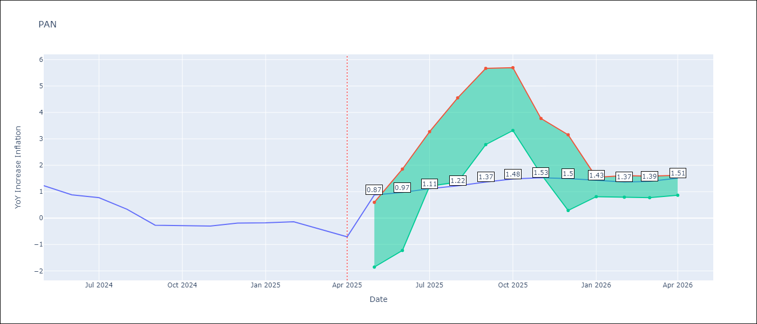

Test Metrics
RMSE | 0.95
Naive RMSE | 0.28
MAPE | 340.7%

Test Predictions
Date | Predicted | Actual
2024-05-01 | 1.54 | 1.23
2024-06-01 | 1.47 | 0.88
2024-07-01 | 1.2 | 0.77
2024-08-01 | 0.95 | 0.33
2024-09-01 | 0.58 | -0.27
2024-10-01 | 0.57 | -0.29
2024-11-01 | 0.55 | -0.3
2024-12-01 | 0.56 | -0.19
2025-01-01 | 1.09 | -0.18
2025-02-01 | 0.81 | -0.14
2025-03-01 | 0.92 | -0.41
2025-04-01 | 0.95 | -0.71

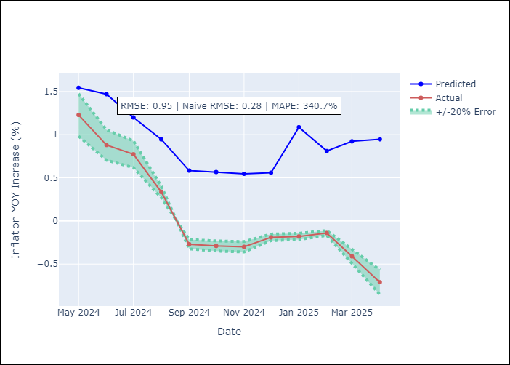

Appendix A: Model Summary
Model | Random Forest
Sample | 1994-07-01 to 2025-04-01
No. of Observations | 370
Terms | P-value (Statistical significance)

Assumptions | P-value

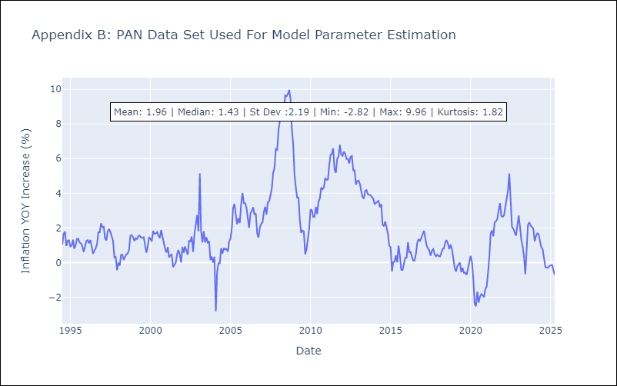

Appendix C: Residuals Analysis
Mean

SLV
SLV - Inflation - Next 12 months forecast as of: 2025-04-01

Model | Random Forest - [(1, 1, 0), (2, 0, 1, 12)]
Training Data | 1994-07-01 to 2024-05-01
Test Data | 2024-05-01 to 2025-04-01

Date | Inflation Change YoY % | Lower Bound - 95% Confidence Interval | Upper Bound - 95% Confidence Interval
2025-05-01 | 1.63 | -0.66 | 1.52
2025-06-01 | 1.73 | 0.69 | 4.36
2025-07-01 | 1.9 | 1.85 | 4.95
2025-08-01 | 2.13 | 1.72 | 3.47
2025-09-01 | 2.37 | 2.1 | 4.21
2025-10-01 | 2.31 | 2.59 | 4.7
2025-11-01 | 2.48 | 1.65 | 4.77
2025-12-01 | 2.51 | 1.94 | 3.74
2026-01-01 | 2.81 | 1.73 | 3.69
2026-02-01 | 3.1 | 1.47 | 3.4
2026-03-01 | 3.59 | 1.16 | 4.92
2026-04-01 | 3.89 | 1.45 | 3.98

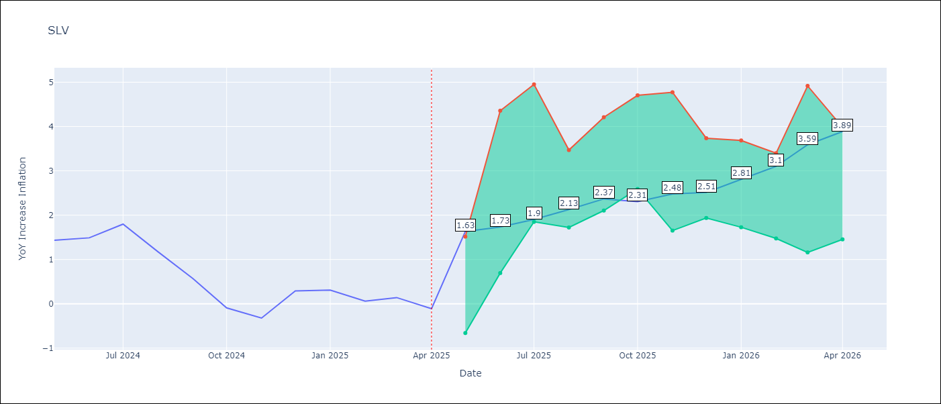

Test Metrics
RMSE | 0.97
Naive RMSE | 0.41
MAPE | 591.62%

Test Predictions
Date | Predicted | Actual
2024-05-01 | 1.26 | 1.44
2024-06-01 | 1.38 | 1.49
2024-07-01 | 1.48 | 1.8
2024-08-01 | 1.56 | 1.17
2024-09-01 | 1.45 | 0.57
2024-10-01 | 1.24 | -0.09
2024-11-01 | 1.01 | -0.32
2024-12-01 | 1.05 | 0.29
2025-01-01 | 1.41 | 0.31
2025-02-01 | 1.39 | 0.06
2025-03-01 | 1.29 | 0.14
2025-04-01 | 1.18 | -0.11

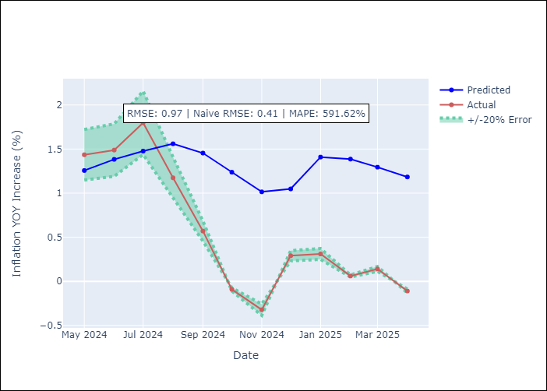

Appendix A: Model Summary
Model | Random Forest
Sample | 1994-07-01 to 2025-04-01
No. of Observations | 370
Terms | P-value (Statistical significance)

Assumptions | P-value

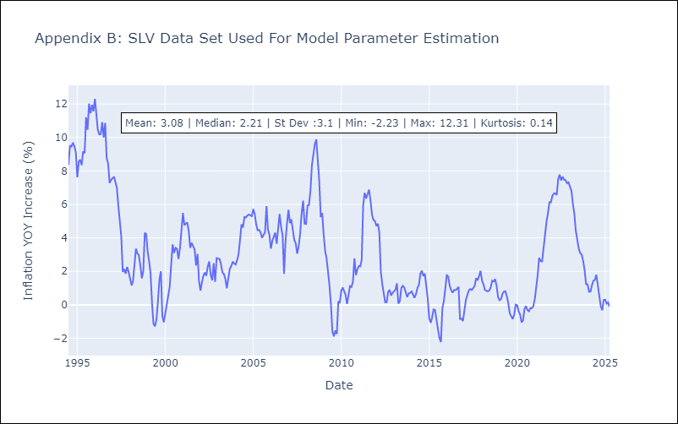

Appendix C: Residuals Analysis
Mean

