CRI
CRI - Inflation - Next 12 months forecast as of: 2025-04-01

Model | Random Forest - [(2, 1, 1), (2, 0, 1, 12)]
Training Data | 1994-07-01 to 2024-05-01
Test Data | 2024-05-01 to 2025-04-01

Date | Inflation Change YoY % | Lower Bound - 95% Confidence Interval | Upper Bound - 95% Confidence Interval
2025-05-01 | 1.79 | 1.11 | 8.23
2025-06-01 | 1.92 | 2.42 | 9.85
2025-07-01 | 2.09 | 2.67 | 5.28
2025-08-01 | 2.23 | 0.89 | 5.46
2025-09-01 | 2.26 | -0.83 | 2.39
2025-10-01 | 2.24 | 0.47 | 14.24
2025-11-01 | 2.19 | -0.4 | 7.98
2025-12-01 | 2.07 | -0.89 | 0.84
2026-01-01 | 1.94 | 0.64 | 3.71
2026-02-01 | 1.81 | 2.01 | 4.18
2026-03-01 | 1.7 | 0.93 | 2.25
2026-04-01 | 1.62 | 1.53 | 2.37

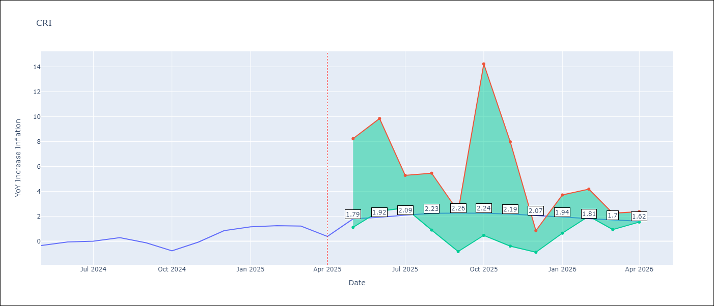

Test Metrics
RMSE | 2.4
Naive RMSE | 0.51
MAPE | inf%

Test Predictions
Date | Predicted | Actual
2024-05-01 | 1.04 | -0.35
2024-06-01 | 1.48 | -0.06
2024-07-01 | 1.82 | 0
2024-08-01 | 1.9 | 0.28
2024-09-01 | 2.07 | -0.14
2024-10-01 | 2.37 | -0.77
2024-11-01 | 2.76 | -0.07
2024-12-01 | 3.12 | 0.84
2025-01-01 | 3.37 | 1.15
2025-02-01 | 3.58 | 1.25
2025-03-01 | 3.85 | 1.21
2025-04-01 | 4.03 | 0.38

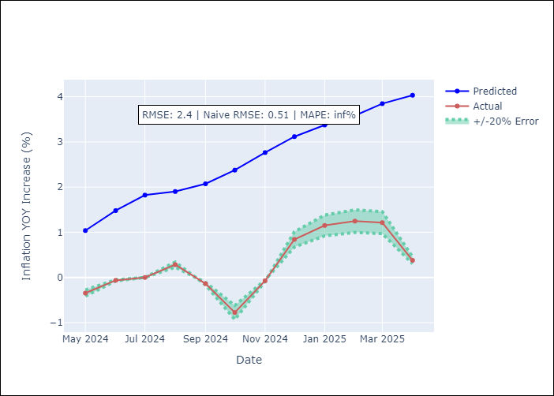

Appendix A: Model Summary
Model | Random Forest
Sample | 1994-07-01 to 2025-04-01
No. of Observations | 370
Terms | P-value (Statistical significance)

Assumptions | P-value

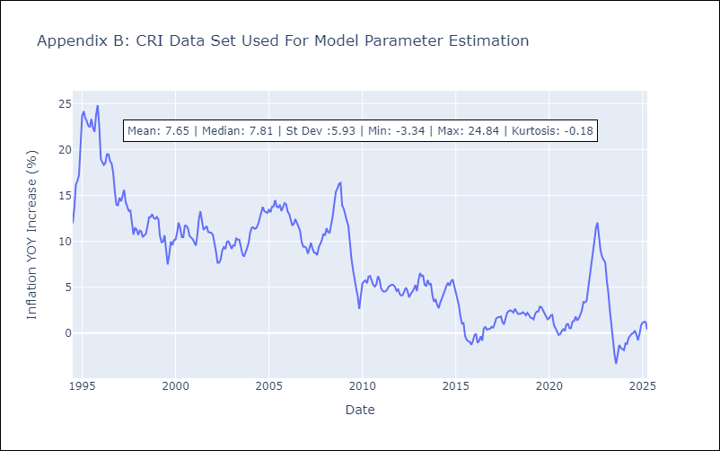

Appendix C: Residuals Analysis
Mean

CUB
CUB - Inflation - Next 12 months forecast as of: 2024-01-01

Model | Random Forest - [(0, 2, 1), (0, 0, 1, 12)]
Training Data | 2003-01-01 to 2023-02-01
Test Data | 2023-02-01 to 2024-01-01

Date | Inflation Change YoY % | Lower Bound - 95% Confidence Interval | Upper Bound - 95% Confidence Interval
2024-02-01 | 44.68 | 35.17 | 50.01
2024-03-01 | 42.86 | 33.56 | 53.17
2024-04-01 | 41.87 | 36.91 | 53.91
2024-05-01 | 45.49 | 35.15 | 51.54
2024-06-01 | 47.82 | 36.62 | 53.64
2024-07-01 | 45.31 | 37.73 | 51.38
2024-08-01 | 42.59 | 33.61 | 52.21
2024-09-01 | 42.17 | 38.29 | 53.72
2024-10-01 | 42.32 | 35.93 | 50.56
2024-11-01 | 42.06 | 35.4 | 53.39
2024-12-01 | 41.35 | 38.52 | 52.68
2025-01-01 | 40.25 | 36.25 | 51.06

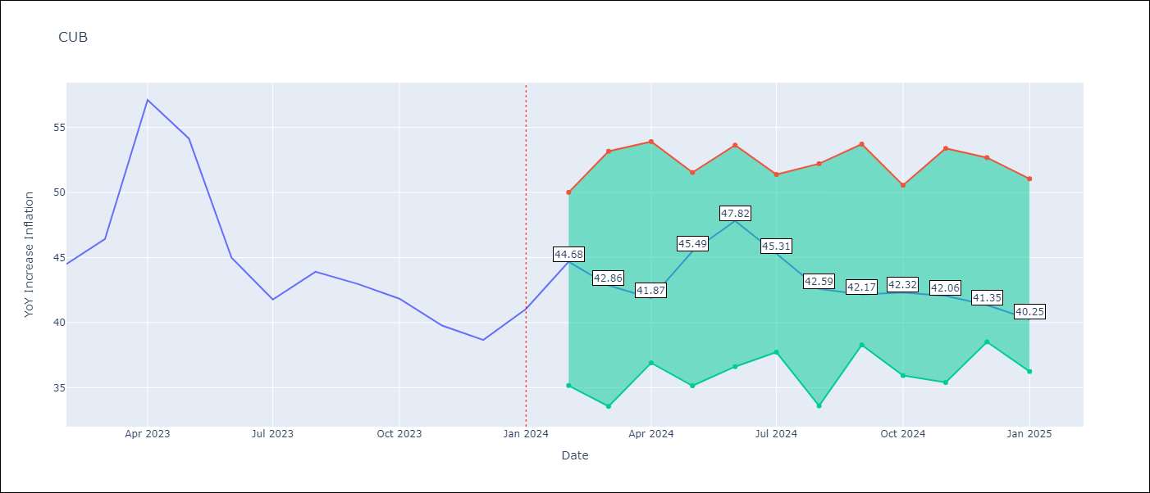

Test Metrics
RMSE | 4.9
Naive RMSE | 4.66
MAPE | 9.49%

Test Predictions
Date | Predicted | Actual
2023-02-01 | 45.69 | 44.5
2023-03-01 | 44.33 | 46.42
2023-04-01 | 43.31 | 57.12
2023-05-01 | 47.6 | 54.15
2023-06-01 | 49.31 | 44.99
2023-07-01 | 46.08 | 41.77
2023-08-01 | 42.63 | 43.91
2023-09-01 | 42.36 | 42.96
2023-10-01 | 42.24 | 41.84
2023-11-01 | 41.8 | 39.78
2023-12-01 | 40.84 | 38.67
2024-01-01 | 39.95 | 41.06

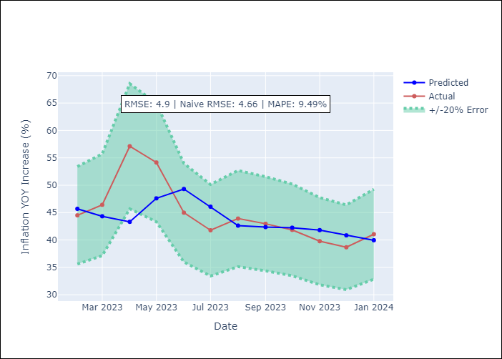

Appendix A: Model Summary
Model | Random Forest
Sample | 2003-01-01 to 2024-01-01
No. of Observations | 253
Terms | P-value (Statistical significance)

Assumptions | P-value

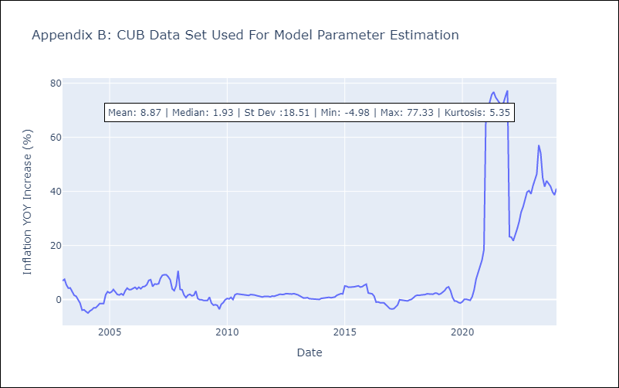

Appendix C: Residuals Analysis
Mean

DOM
DOM - Inflation - Next 12 months forecast as of: 2025-04-01

Model | Random Forest - [(0, 2, 2), (0, 0, 1, 12)]
Training Data | 1994-01-01 to 2024-05-01
Test Data | 2024-05-01 to 2025-04-01

Date | Inflation Change YoY % | Lower Bound - 95% Confidence Interval | Upper Bound - 95% Confidence Interval
2025-05-01 | 1.42 | 1.03 | 3.81
2025-06-01 | 1.34 | 0.82 | 2.75
2025-07-01 | 1.23 | 2.04 | 4.49
2025-08-01 | 1.21 | 2.03 | 6.36
2025-09-01 | 1.37 | 1.17 | 3.47
2025-10-01 | 1.5 | 1.88 | 4.11
2025-11-01 | 1.7 | 2.1 | 4.27
2025-12-01 | 1.99 | 1.34 | 3.5
2026-01-01 | 2.42 | 1.12 | 3.01
2026-02-01 | 2.8 | 2.86 | 4.95
2026-03-01 | 3.03 | 1.57 | 5.51
2026-04-01 | 2.9 | 1.03 | 3.13

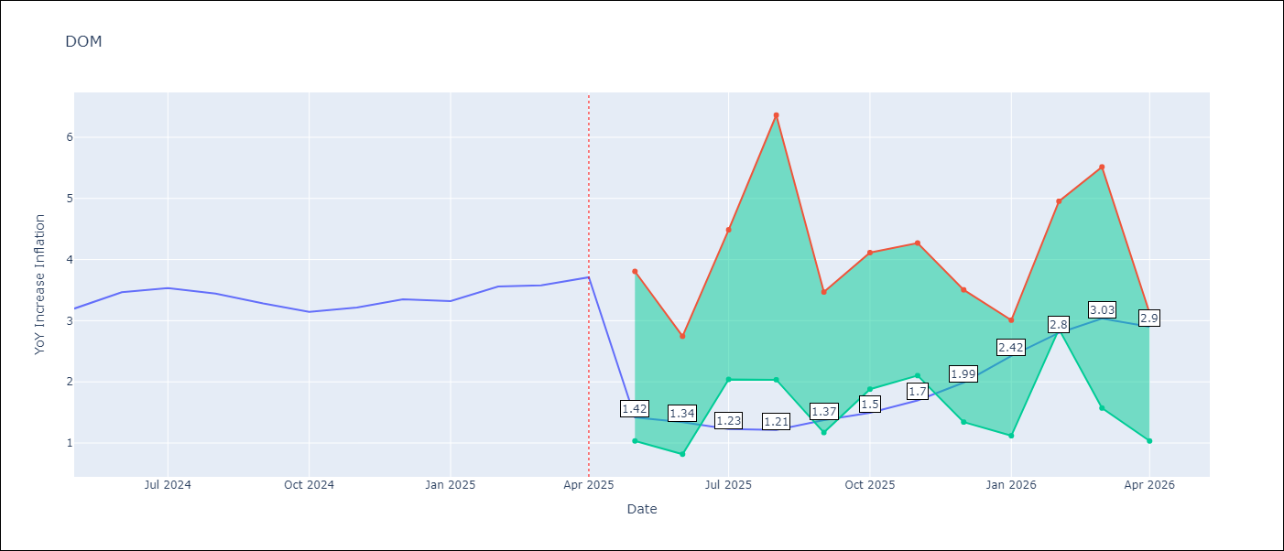

Test Metrics
RMSE | 1.35
Naive RMSE | 0.14
MAPE | 34.09%

Test Predictions
Date | Predicted | Actual
2024-05-01 | 3.22 | 3.2
2024-06-01 | 3.1 | 3.47
2024-07-01 | 2.9 | 3.53
2024-08-01 | 2.69 | 3.44
2024-09-01 | 2.5 | 3.28
2024-10-01 | 2.31 | 3.15
2024-11-01 | 2.05 | 3.21
2024-12-01 | 1.79 | 3.35
2025-01-01 | 1.65 | 3.32
2025-02-01 | 1.53 | 3.56
2025-03-01 | 1.54 | 3.58
2025-04-01 | 1.55 | 3.71

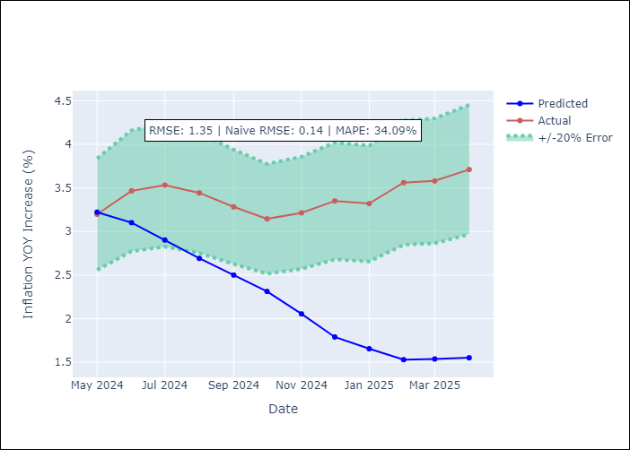

Appendix A: Model Summary
Model | Random Forest
Sample | 1994-01-01 to 2025-04-01
No. of Observations | 376
Terms | P-value (Statistical significance)

Assumptions | P-value

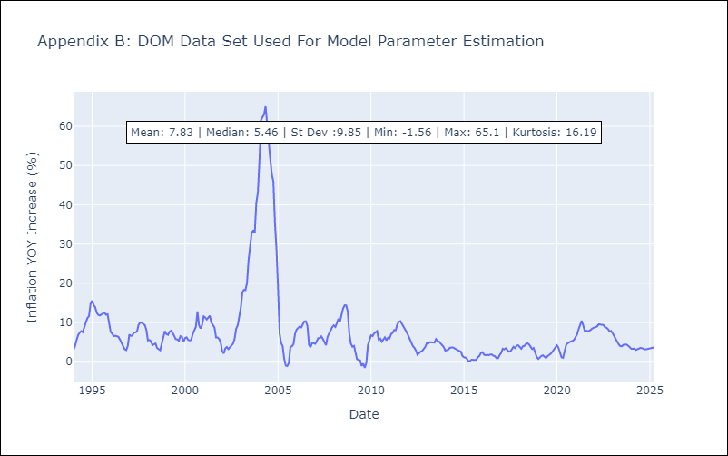

Appendix C: Residuals Analysis
Mean

GTM
GTM - Inflation - Next 12 months forecast as of: 2025-04-01

Model | Random Forest - [(1, 1, 0), (0, 0, 2, 12)]
Training Data | 1994-07-01 to 2024-05-01
Test Data | 2024-05-01 to 2025-04-01

Date | Inflation Change YoY % | Lower Bound - 95% Confidence Interval | Upper Bound - 95% Confidence Interval
2025-05-01 | 3.51 | 2.23 | 5.1
2025-06-01 | 3.37 | 3.61 | 5.1
2025-07-01 | 3.26 | 3.48 | 4.58
2025-08-01 | 3.2 | 2.61 | 3.77
2025-09-01 | 3.07 | 2.35 | 4.52
2025-10-01 | 2.99 | 3.82 | 4.65
2025-11-01 | 2.91 | 3.53 | 4.48
2025-12-01 | 2.78 | 2.93 | 3.93
2026-01-01 | 2.61 | 2.4 | 3.8
2026-02-01 | 2.51 | 2.68 | 4.62
2026-03-01 | 2.44 | 3.4 | 4.52
2026-04-01 | 2.44 | 2.47 | 4.24

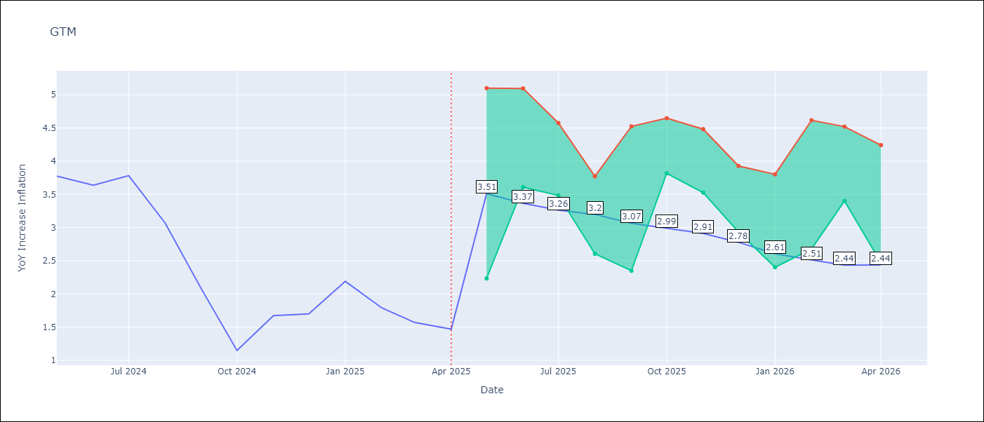

Test Metrics
RMSE | 2.05
Naive RMSE | 0.53
MAPE | 100.71%

Test Predictions
Date | Predicted | Actual
2024-05-01 | 3.34 | 3.77
2024-06-01 | 3.56 | 3.64
2024-07-01 | 3.83 | 3.78
2024-08-01 | 3.97 | 3.07
2024-09-01 | 3.9 | 2.07
2024-10-01 | 3.91 | 1.15
2024-11-01 | 4.04 | 1.67
2024-12-01 | 4.14 | 1.7
2025-01-01 | 4.21 | 2.19
2025-02-01 | 4.34 | 1.79
2025-03-01 | 4.37 | 1.57
2025-04-01 | 4.39 | 1.47

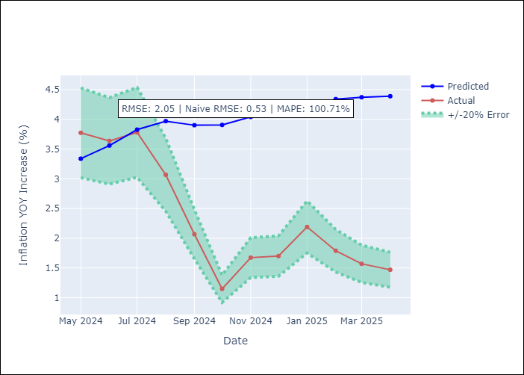

Appendix A: Model Summary
Model | Random Forest
Sample | 1994-07-01 to 2025-04-01
No. of Observations | 370
Terms | P-value (Statistical significance)

Assumptions | P-value

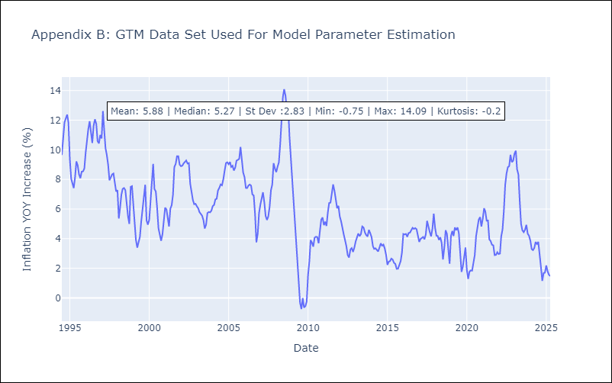

Appendix C: Residuals Analysis
Mean

HND
HND - Inflation - Next 12 months forecast as of: 2025-04-01

Model | Random Forest - [(2, 0, 1), (0, 0, 2, 12)]
Training Data | 1994-07-01 to 2024-05-01
Test Data | 2024-05-01 to 2025-04-01

Date | Inflation Change YoY % | Lower Bound - 95% Confidence Interval | Upper Bound - 95% Confidence Interval
2025-05-01 | 5.22 | 3.95 | 5.27
2025-06-01 | 5.08 | 4.44 | 7.68
2025-07-01 | 5.16 | 4.31 | 5.8
2025-08-01 | 5.29 | 5.12 | 6.4
2025-09-01 | 5.36 | 4.66 | 5.64
2025-10-01 | 5.37 | 5.02 | 6.12
2025-11-01 | 5.33 | 4.84 | 5.83
2025-12-01 | 5.39 | 5.06 | 5.87
2026-01-01 | 5.55 | 4.78 | 5.76
2026-02-01 | 5.63 | 5.03 | 5.82
2026-03-01 | 5.6 | 5.02 | 5.94
2026-04-01 | 5.59 | 4.96 | 5.82

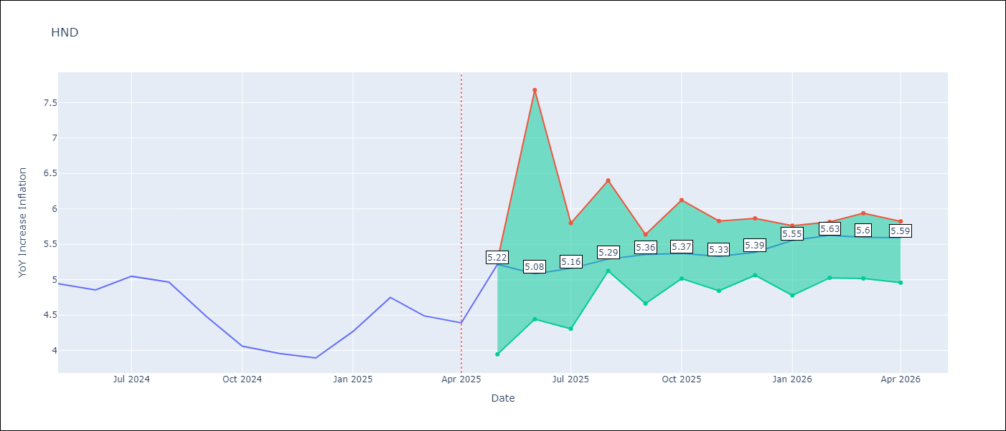

Test Metrics
RMSE | 1.55
Naive RMSE | 0.29
MAPE | 32.89%

Test Predictions
Date | Predicted | Actual
2024-05-01 | 5.41 | 4.94
2024-06-01 | 5.52 | 4.86
2024-07-01 | 5.72 | 5.05
2024-08-01 | 5.86 | 4.97
2024-09-01 | 5.83 | 4.48
2024-10-01 | 5.77 | 4.06
2024-11-01 | 5.79 | 3.96
2024-12-01 | 5.88 | 3.89
2025-01-01 | 6.04 | 4.27
2025-02-01 | 6.4 | 4.75
2025-03-01 | 6.69 | 4.49
2025-04-01 | 6.45 | 4.39

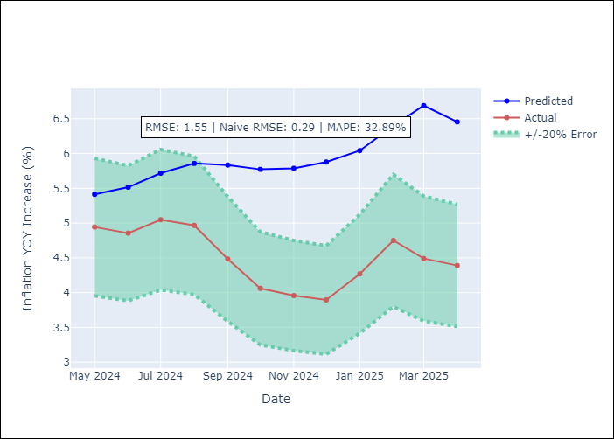

Appendix A: Model Summary
Model | Random Forest
Sample | 1994-07-01 to 2025-04-01
No. of Observations | 370
Terms | P-value (Statistical significance)

Assumptions | P-value

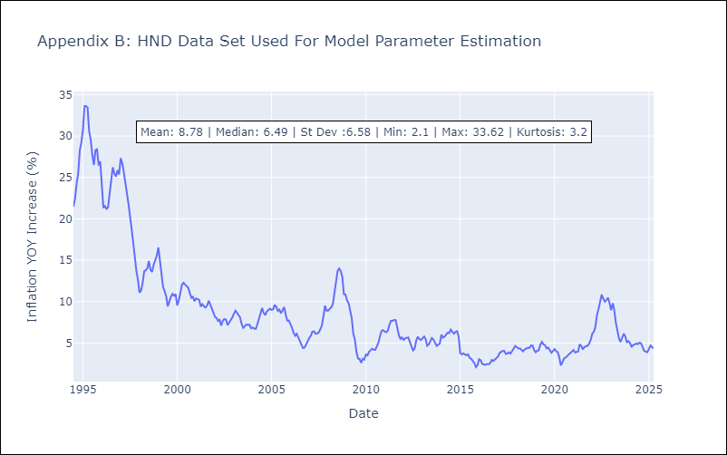

Appendix C: Residuals Analysis
Mean

HTI
HTI - Inflation - Next 12 months forecast as of: 2024-03-01

Model | Random Forest - [(2, 0, 1), (3, 0, 0, 12)]
Training Data | 1998-01-01 to 2023-04-01
Test Data | 2023-04-01 to 2024-03-01

Date | Inflation Change YoY % | Lower Bound - 95% Confidence Interval | Upper Bound - 95% Confidence Interval
2024-04-01 | 16.81 | 15.26 | 39.72
2024-05-01 | 16.6 | 13.69 | 19.9
2024-06-01 | 16.36 | 12.98 | 18.68
2024-07-01 | 16.19 | 11.85 | 16.3
2024-08-01 | 16.06 | 14.39 | 19.76
2024-09-01 | 16 | 11.87 | 22.55
2024-10-01 | 16.04 | 11.57 | 18.2
2024-11-01 | 16.27 | 11.61 | 20.41
2024-12-01 | 16.56 | 11.43 | 17.64
2025-01-01 | 16.87 | 12.06 | 15.12
2025-02-01 | 17.29 | 13.63 | 18.41
2025-03-01 | 17.92 | 11.99 | 20.64

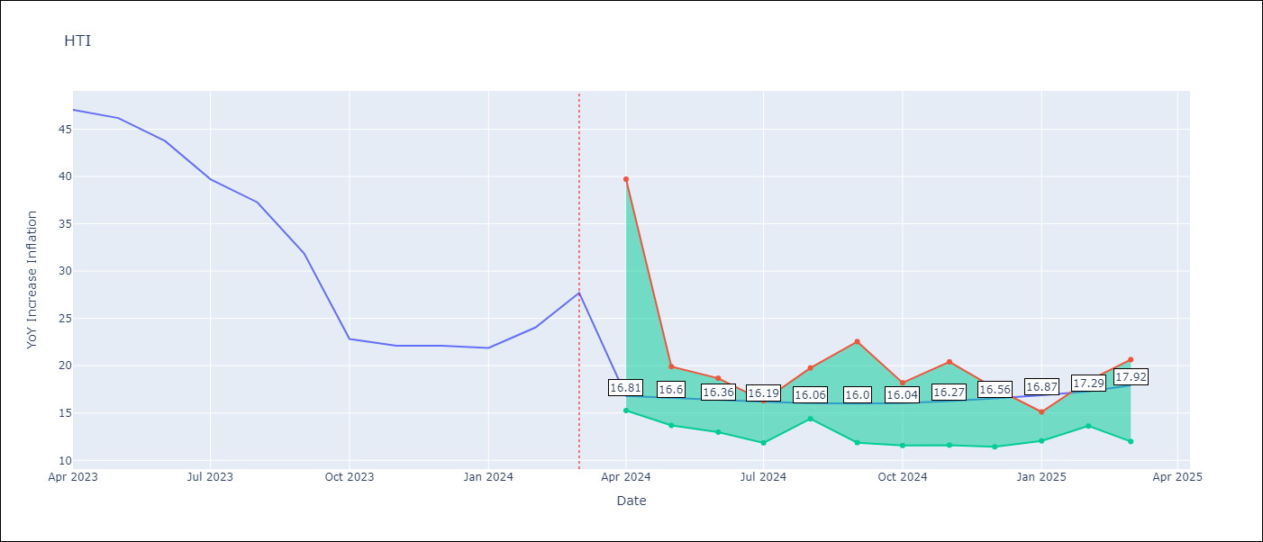

Test Metrics
RMSE | 5.69
Naive RMSE | 3.79
MAPE | 28.82%

Test Predictions
Date | Predicted | Actual
2023-04-01 | 41.69 | 47.04
2023-05-01 | 39.2 | 46.18
2023-06-01 | 35.7 | 43.75
2023-07-01 | 30.97 | 39.71
2023-08-01 | 28.05 | 37.27
2023-09-01 | 27.05 | 31.86
2023-10-01 | 26.77 | 22.83
2023-11-01 | 25.12 | 22.12
2023-12-01 | 23.69 | 22.12
2024-01-01 | 22.95 | 21.87
2024-02-01 | 22.31 | 24.04
2024-03-01 | 22.13 | 27.7

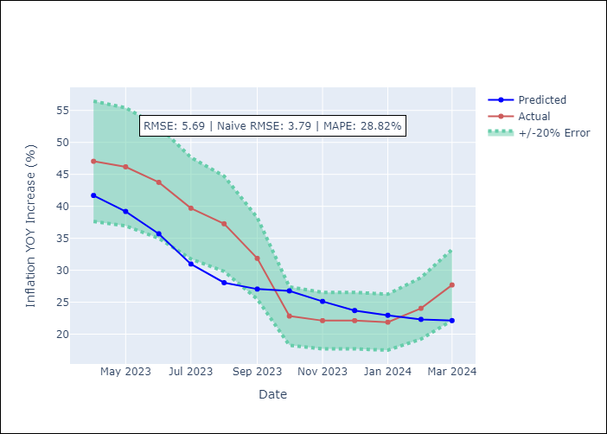

Appendix A: Model Summary
Model | Random Forest
Sample | 1998-01-01 to 2024-03-01
No. of Observations | 315
Terms | P-value (Statistical significance)

Assumptions | P-value

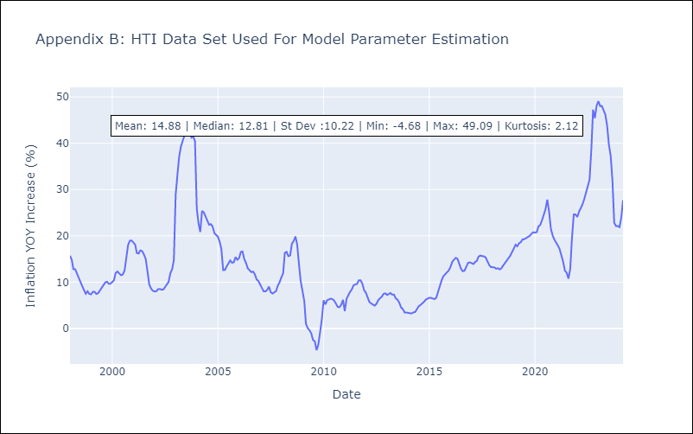

Appendix C: Residuals Analysis
Mean

MEX
MEX - Inflation - Next 12 months forecast as of: 2025-04-01

Model | Random Forest - [(3, 1, 1), (0, 0, 2, 12)]
Training Data | 1992-01-01 to 2024-05-01
Test Data | 2024-05-01 to 2025-04-01

Date | Inflation Change YoY % | Lower Bound - 95% Confidence Interval | Upper Bound - 95% Confidence Interval
2025-05-01 | 3.87 | 3.44 | 4.42
2025-06-01 | 3.97 | 3.64 | 4.85
2025-07-01 | 4.11 | 3.93 | 5.05
2025-08-01 | 4.16 | 3.67 | 5.82
2025-09-01 | 4.19 | 3.23 | 4.03
2025-10-01 | 4.23 | 3.66 | 4.4
2025-11-01 | 4.27 | 3.78 | 4.7
2025-12-01 | 4.35 | 4.05 | 4.77
2026-01-01 | 4.45 | 3.08 | 4.08
2026-02-01 | 4.53 | 3.46 | 4.37
2026-03-01 | 4.62 | 3.48 | 4.34
2026-04-01 | 4.69 | 3.8 | 5.36

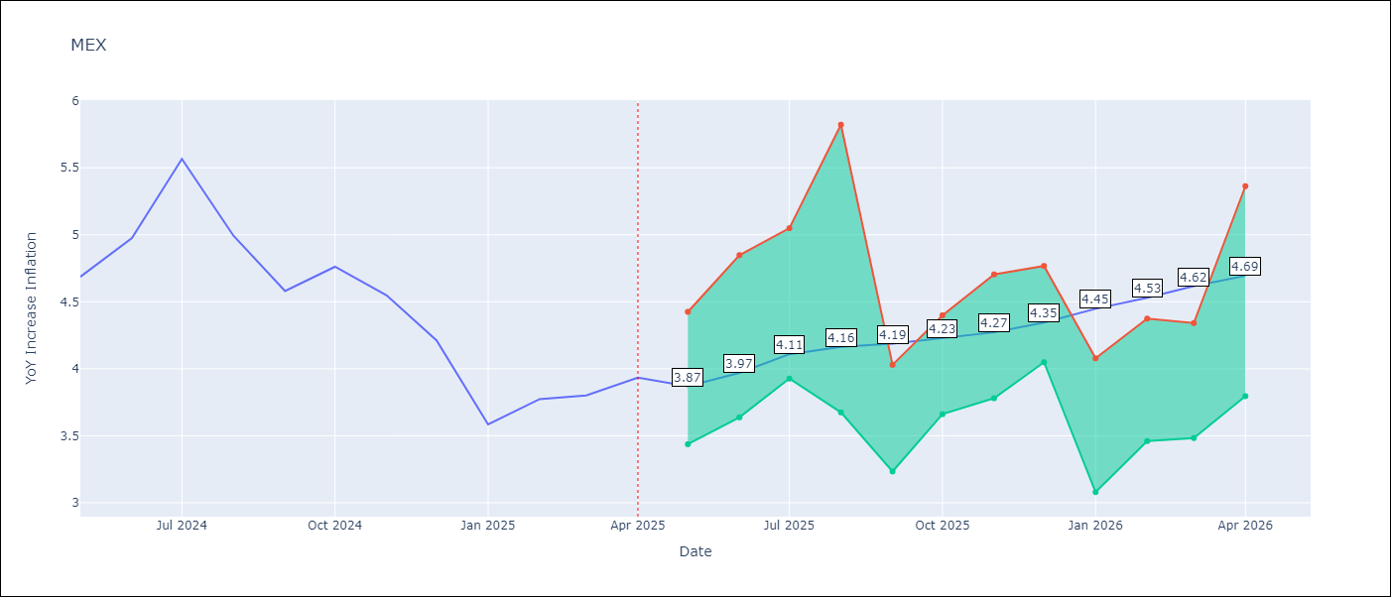

Test Metrics
RMSE | 0.54
Naive RMSE | 0.38
MAPE | 13.31%

Test Predictions
Date | Predicted | Actual
2024-05-01 | 4.45 | 4.69
2024-06-01 | 4.33 | 4.98
2024-07-01 | 4.26 | 5.57
2024-08-01 | 4.29 | 4.99
2024-09-01 | 4.3 | 4.58
2024-10-01 | 4.26 | 4.76
2024-11-01 | 4.15 | 4.55
2024-12-01 | 4.01 | 4.21
2025-01-01 | 3.86 | 3.59
2025-02-01 | 3.71 | 3.77
2025-03-01 | 3.62 | 3.8
2025-04-01 | 3.54 | 3.93

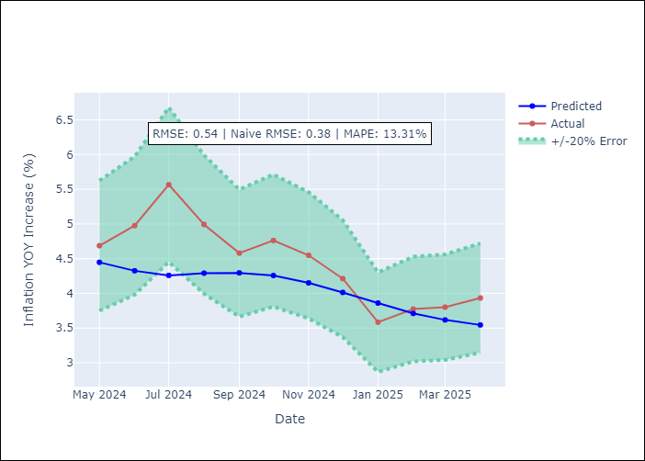

Appendix A: Model Summary
Model | Random Forest
Sample | 1992-01-01 to 2025-04-01
No. of Observations | 400
Terms | P-value (Statistical significance)

Assumptions | P-value

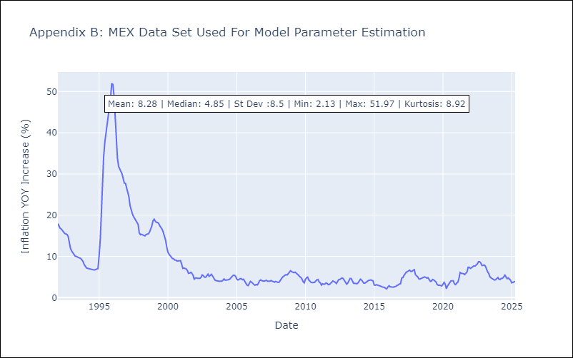

Appendix C: Residuals Analysis
Mean

NIC
NIC - Inflation - Next 12 months forecast as of: 2025-04-01

Model | Random Forest - [(1, 1, 0), (2, 0, 1, 12)]
Training Data | 2012-12-01 to 2024-04-01
Test Data | 2024-04-01 to 2025-04-01

Date | Inflation Change YoY % | Lower Bound - 95% Confidence Interval | Upper Bound - 95% Confidence Interval
2025-05-01 | 3.17 | 3.15 | 5.88
2025-06-01 | 3.21 | 4.24 | 5.45
2025-07-01 | 3.27 | 4.28 | 5.88
2025-08-01 | 3.39 | 3.4 | 5.57
2025-09-01 | 3.51 | 3.54 | 5.69
2025-10-01 | 3.65 | 4.23 | 5.77
2025-11-01 | 3.82 | 3.49 | 5.73
2025-12-01 | 3.92 | 3.02 | 4.89
2026-01-01 | 3.97 | 3.9 | 5.98
2026-02-01 | 4.03 | 4.1 | 5.88
2026-03-01 | 4.14 | 3.47 | 5.61
2026-04-01 | 4.28 | 3.12 | 4.81

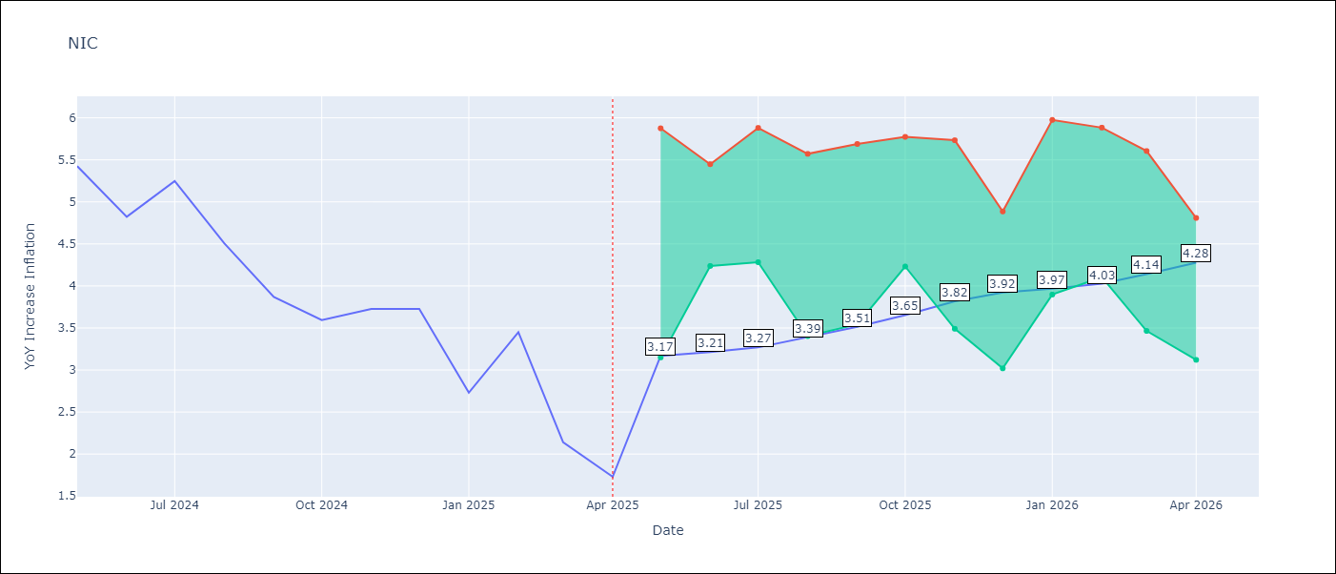

Test Metrics
RMSE | 1.64
Naive RMSE | 0.67
MAPE | 55.4%

Test Predictions
Date | Predicted | Actual
2024-04-01 | 5.3 | 5.42
2024-05-01 | 5.43 | 5.43
2024-06-01 | 5.54 | 4.82
2024-07-01 | 5.7 | 5.25
2024-08-01 | 5.81 | 4.51
2024-09-01 | 5.66 | 3.87
2024-10-01 | 5.49 | 3.59
2024-11-01 | 5.23 | 3.73
2025-01-01 | 5.11 | 2.73
2025-02-01 | 4.78 | 3.45
2025-03-01 | 4.59 | 2.14
2025-04-01 | 4.41 | 1.73

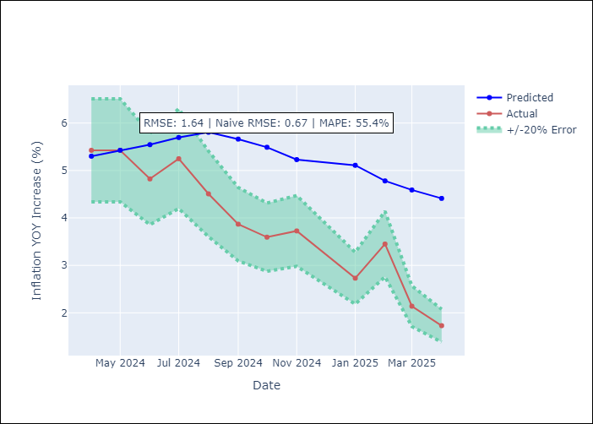

Appendix A: Model Summary
Model | Random Forest
Sample | 2012-12-01 to 2025-04-01
No. of Observations | 148
Terms | P-value (Statistical significance)

Assumptions | P-value

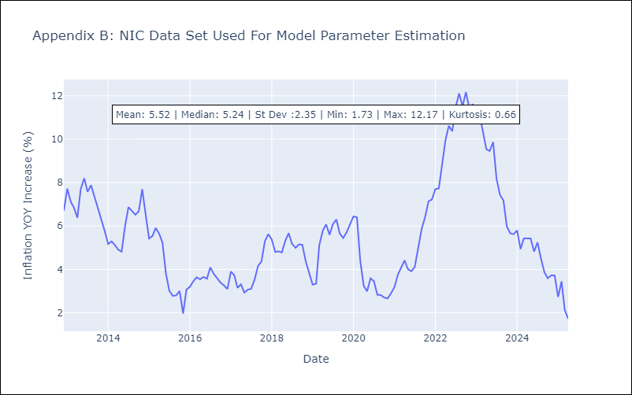

Appendix C: Residuals Analysis
Mean

PAN
PAN - Inflation - Next 12 months forecast as of: 2025-04-01

Model | Random Forest - [(2, 1, 1), (2, 0, 1, 12)]
Training Data | 1994-07-01 to 2024-05-01
Test Data | 2024-05-01 to 2025-04-01

Date | Inflation Change YoY % | Lower Bound - 95% Confidence Interval | Upper Bound - 95% Confidence Interval
2025-05-01 | 0.93 | -2.06 | 0.14
2025-06-01 | 1.05 | -1.4 | 2.09
2025-07-01 | 1.14 | 1.59 | 3.32
2025-08-01 | 1.26 | 2.65 | 5.8
2025-09-01 | 1.39 | 2.92 | 6.13
2025-10-01 | 1.42 | 3.2 | 5.72
2025-11-01 | 1.43 | 2.08 | 3.85
2025-12-01 | 1.43 | 0.3 | 2.56
2026-01-01 | 1.32 | 0.84 | 1.62
2026-02-01 | 1.3 | 0.86 | 1.55
2026-03-01 | 1.39 | 0.61 | 1.64
2026-04-01 | 1.37 | 0.78 | 1.53

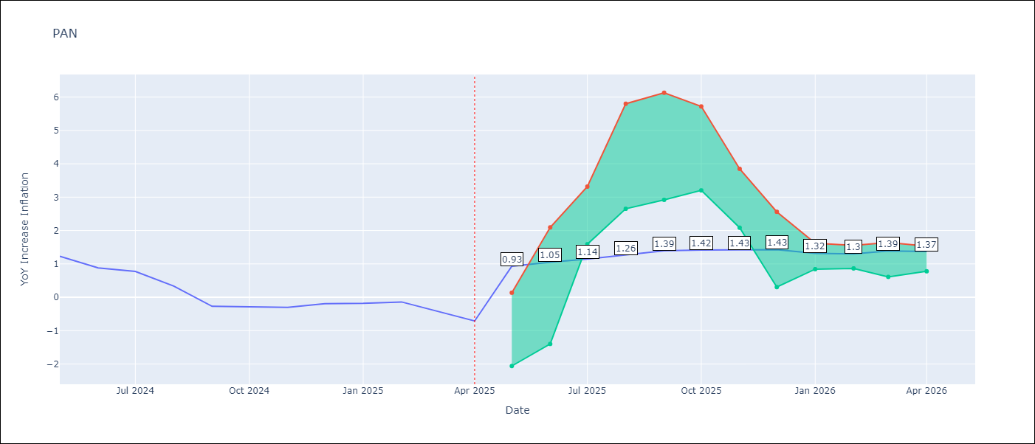

Test Metrics
RMSE | 0.91
Naive RMSE | 0.28
MAPE | 327.61%

Test Predictions
Date | Predicted | Actual
2024-05-01 | 1.4 | 1.23
2024-06-01 | 1.35 | 0.88
2024-07-01 | 1.11 | 0.77
2024-08-01 | 0.96 | 0.33
2024-09-01 | 0.67 | -0.27
2024-10-01 | 0.58 | -0.29
2024-11-01 | 0.37 | -0.3
2024-12-01 | 0.78 | -0.19
2025-01-01 | 0.85 | -0.18
2025-02-01 | 0.96 | -0.14
2025-03-01 | 0.82 | -0.41
2025-04-01 | 0.86 | -0.71

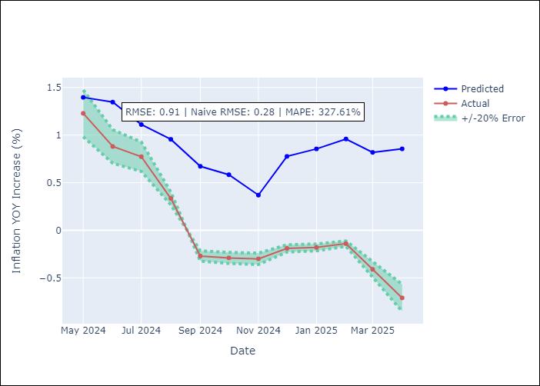

Appendix A: Model Summary
Model | Random Forest
Sample | 1994-07-01 to 2025-04-01
No. of Observations | 370
Terms | P-value (Statistical significance)

Assumptions | P-value

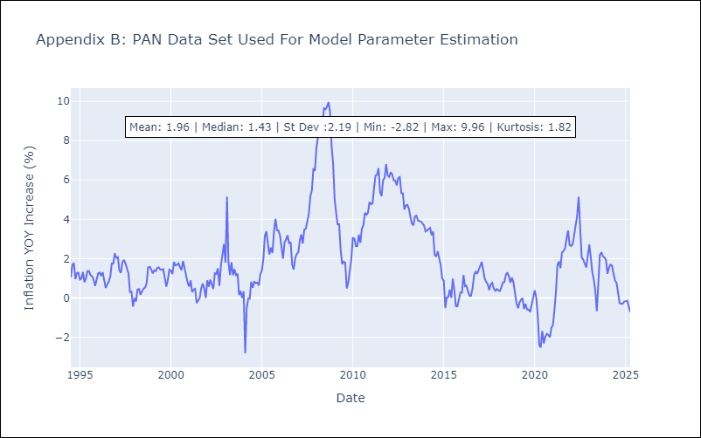

Appendix C: Residuals Analysis
Mean

SLV
SLV - Inflation - Next 12 months forecast as of: 2025-04-01

Model | Random Forest - [(1, 1, 0), (2, 0, 1, 12)]
Training Data | 1994-07-01 to 2024-05-01
Test Data | 2024-05-01 to 2025-04-01

Date | Inflation Change YoY % | Lower Bound - 95% Confidence Interval | Upper Bound - 95% Confidence Interval
2025-05-01 | 4.82 | -0.66 | 1.17
2025-06-01 | 4.68 | 0.83 | 4.89
2025-07-01 | 4.42 | 2.53 | 4.95
2025-08-01 | 4.04 | 1.91 | 5.13
2025-09-01 | 3.88 | 1.62 | 3.29
2025-10-01 | 3.94 | 1.74 | 4.15
2025-11-01 | 4.18 | 2.52 | 5.14
2025-12-01 | 4.28 | 3.01 | 5.43
2026-01-01 | 4.54 | 3.85 | 5.15
2026-02-01 | 4.77 | 3.72 | 5.21
2026-03-01 | 4.73 | 3.64 | 5.16
2026-04-01 | 4.47 | 3.73 | 5.33

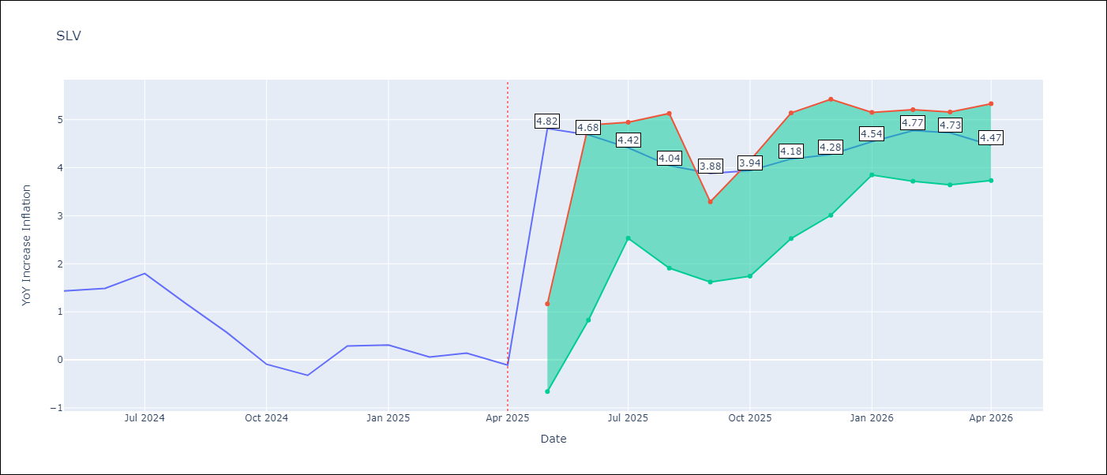

Test Metrics
RMSE | 0.91
Naive RMSE | 0.41
MAPE | 573.54%

Test Predictions
Date | Predicted | Actual
2024-05-01 | 1.24 | 1.44
2024-06-01 | 1.42 | 1.49
2024-07-01 | 1.5 | 1.8
2024-08-01 | 1.53 | 1.17
2024-09-01 | 1.38 | 0.57
2024-10-01 | 1.07 | -0.09
2024-11-01 | 0.93 | -0.32
2024-12-01 | 1.08 | 0.29
2025-01-01 | 1.36 | 0.31
2025-02-01 | 1.33 | 0.06
2025-03-01 | 1.25 | 0.14
2025-04-01 | 1.13 | -0.11

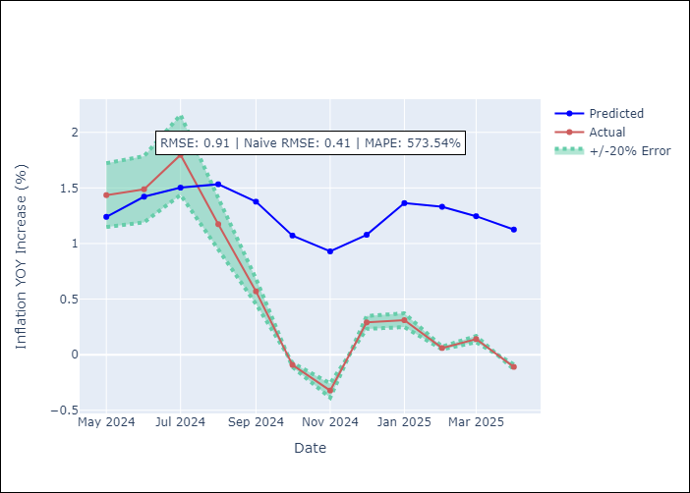

Appendix A: Model Summary
Model | Random Forest
Sample | 1994-07-01 to 2025-04-01
No. of Observations | 370
Terms | P-value (Statistical significance)

Assumptions | P-value

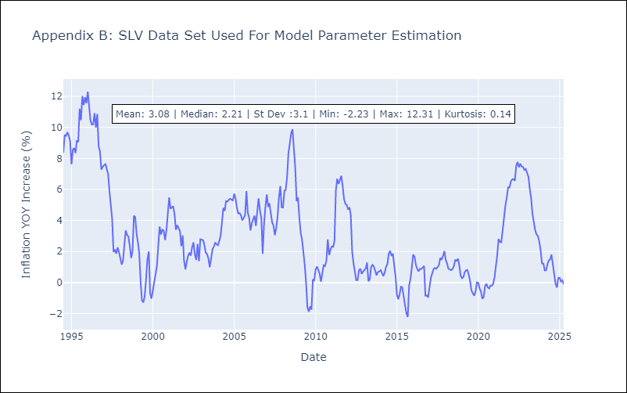

Appendix C: Residuals Analysis
Mean

