CRI
CRI - Inflation - Next 12 months forecast as of: 2025-04-01

Model | Random Forest - [(2, 1, 1), (2, 0, 1, 12)]
Training Data | 1994-07-01 to 2024-05-01
Test Data | 2024-05-01 to 2025-04-01

Date | Inflation Change YoY % | Lower Bound - 95% Confidence Interval | Upper Bound - 95% Confidence Interval
2025-05-01 | 1.77 | 1.06 | 7.67
2025-06-01 | 1.85 | 1.73 | 8.04
2025-07-01 | 1.95 | -1.02 | 2.35
2025-08-01 | 2.17 | 0.63 | 13.38
2025-09-01 | 2.25 | -1.34 | 7.67
2025-10-01 | 2.22 | -0.97 | 1.92
2025-11-01 | 2.14 | 0.56 | 3.34
2025-12-01 | 2.02 | 2.05 | 4.4
2026-01-01 | 1.87 | 0.72 | 2.24
2026-02-01 | 1.79 | 1.17 | 2.49
2026-03-01 | 1.84 | 1.49 | 2.32
2026-04-01 | 1.83 | 1.53 | 2.42

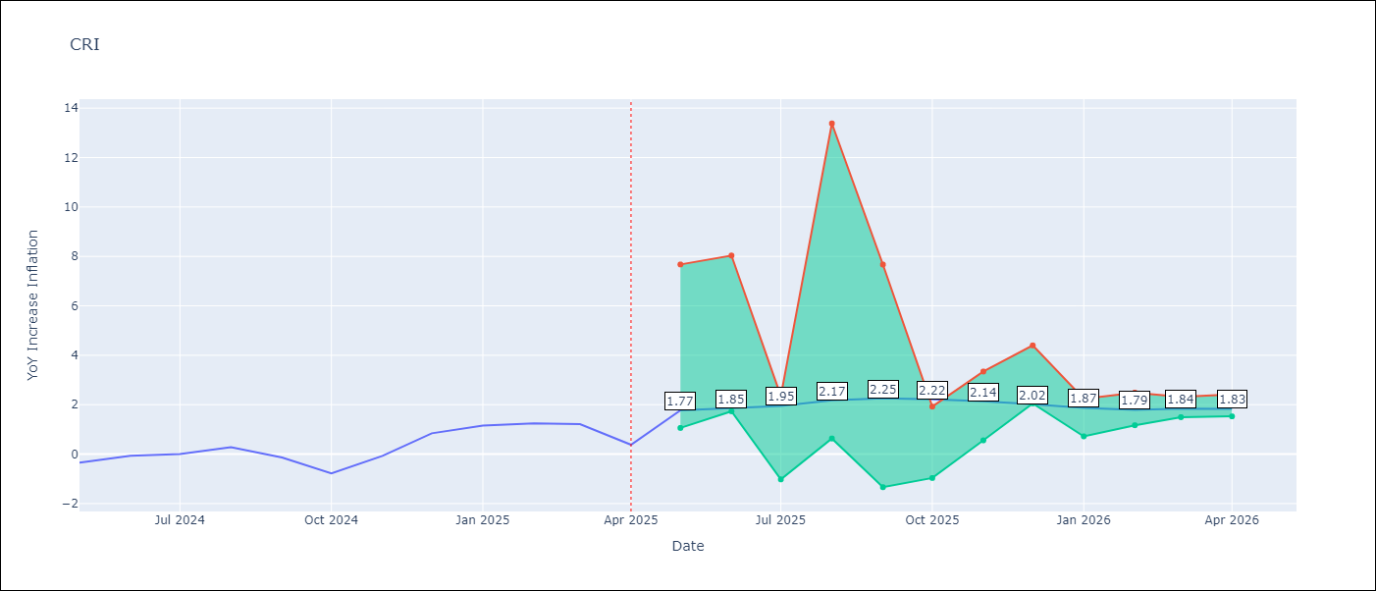

Test Metrics
RMSE | 3.02
Naive RMSE | 0.51
MAPE | inf%

Test Predictions
Date | Predicted | Actual
2024-05-01 | 1.46 | -0.35
2024-06-01 | 1.9 | -0.06
2024-07-01 | 2.32 | 0
2024-08-01 | 2.44 | 0.28
2024-09-01 | 2.6 | -0.14
2024-10-01 | 2.97 | -0.77
2024-11-01 | 3.51 | -0.07
2024-12-01 | 3.9 | 0.84
2025-01-01 | 4.09 | 1.15
2025-02-01 | 4.27 | 1.25
2025-03-01 | 4.59 | 1.21
2025-04-01 | 4.77 | 0.38

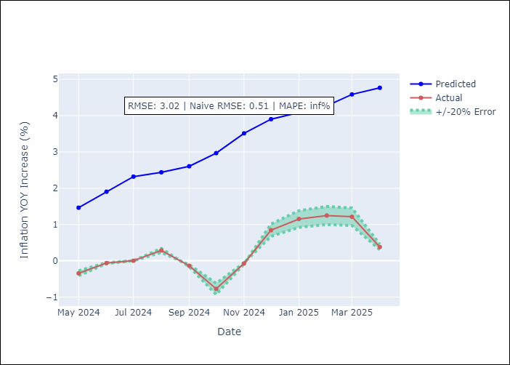

Appendix A: Model Summary
Model | Random Forest
Sample | 1994-07-01 to 2025-04-01
No. of Observations | 370
Terms | P-value (Statistical significance)

Assumptions | P-value

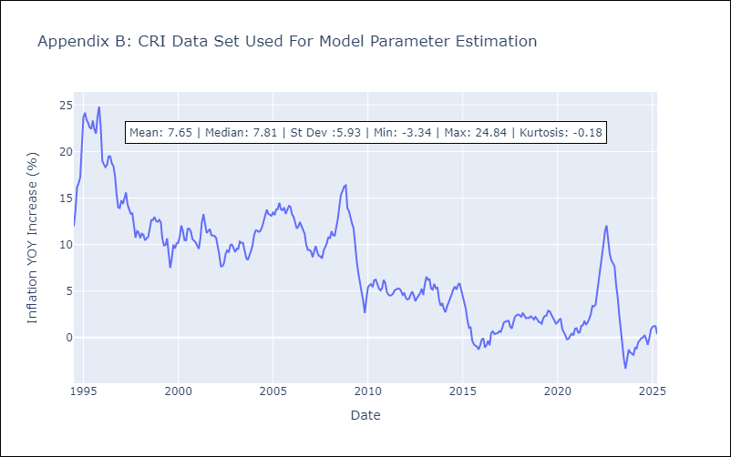

Appendix C: Residuals Analysis
Mean

CUB
CUB - Inflation - Next 12 months forecast as of: 2024-01-01

Model | Random Forest - [(0, 2, 1), (0, 0, 1, 12)]
Training Data | 2003-01-01 to 2023-02-01
Test Data | 2023-02-01 to 2024-01-01

Date | Inflation Change YoY % | Lower Bound - 95% Confidence Interval | Upper Bound - 95% Confidence Interval
2024-02-01 | 45.48 | 36.98 | 49.29
2024-03-01 | 40.97 | 34.43 | 53.14
2024-04-01 | 41.15 | 38.39 | 53.56
2024-05-01 | 43.75 | 35.98 | 51.75
2024-06-01 | 45.78 | 38.65 | 53.83
2024-07-01 | 43.29 | 35.63 | 50.55
2024-08-01 | 41.07 | 37.44 | 53.9
2024-09-01 | 41.55 | 34.77 | 50.78
2024-10-01 | 42.43 | 39.2 | 54.19
2024-11-01 | 43.18 | 35.94 | 49.93
2024-12-01 | 42.24 | 38.61 | 54.05
2025-01-01 | 40.68 | 36.26 | 50.76

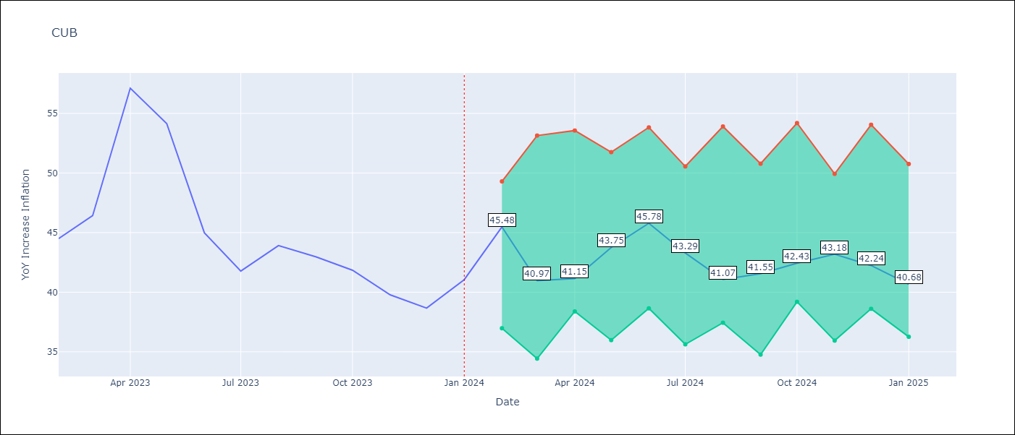

Test Metrics
RMSE | 5.09
Naive RMSE | 4.66
MAPE | 9.39%

Test Predictions
Date | Predicted | Actual
2023-02-01 | 47 | 44.5
2023-03-01 | 43.54 | 46.42
2023-04-01 | 42.59 | 57.12
2023-05-01 | 46.92 | 54.15
2023-06-01 | 47.9 | 44.99
2023-07-01 | 44.33 | 41.77
2023-08-01 | 41.27 | 43.91
2023-09-01 | 41.52 | 42.96
2023-10-01 | 41.57 | 41.84
2023-11-01 | 41.47 | 39.78
2023-12-01 | 40.6 | 38.67
2024-01-01 | 39.63 | 41.06

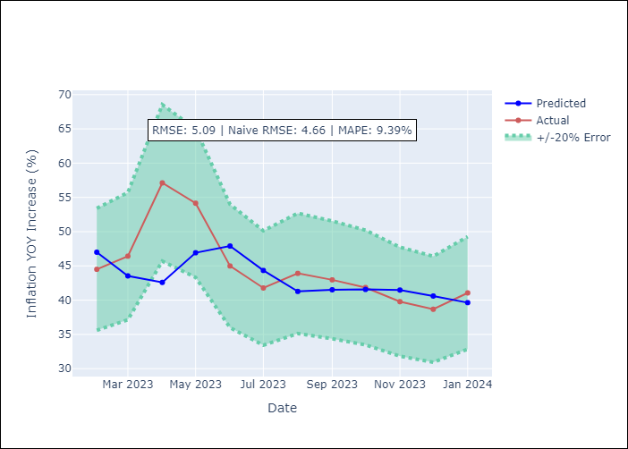

Appendix A: Model Summary
Model | Random Forest
Sample | 2003-01-01 to 2024-01-01
No. of Observations | 253
Terms | P-value (Statistical significance)

Assumptions | P-value

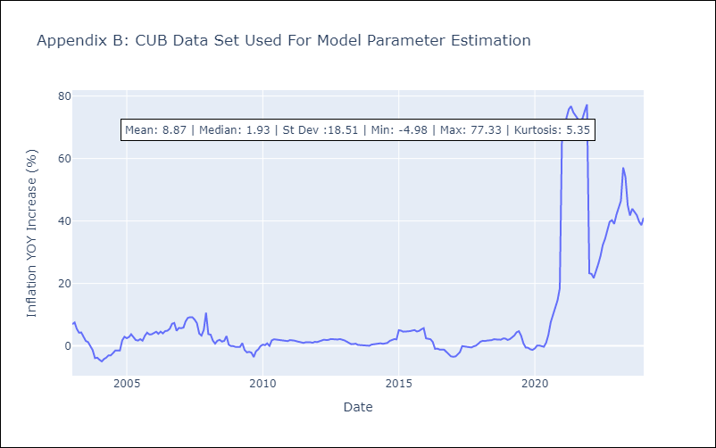

Appendix C: Residuals Analysis
Mean

DOM
DOM - Inflation - Next 12 months forecast as of: 2025-04-01

Model | Random Forest - [(0, 2, 2), (0, 0, 1, 12)]
Training Data | 1994-01-01 to 2024-05-01
Test Data | 2024-05-01 to 2025-04-01

Date | Inflation Change YoY % | Lower Bound - 95% Confidence Interval | Upper Bound - 95% Confidence Interval
2025-05-01 | 3.02 | 1.14 | 4.53
2025-06-01 | 2.74 | 0.91 | 2.91
2025-07-01 | 2.49 | 2.15 | 4.64
2025-08-01 | 2.26 | 1.87 | 7.5
2025-09-01 | 2.05 | 1.12 | 3.3
2025-10-01 | 1.78 | 1.57 | 3.9
2025-11-01 | 1.57 | 3.24 | 5.27
2025-12-01 | 1.45 | 1.85 | 3.75
2026-01-01 | 1.34 | 1.06 | 2.77
2026-02-01 | 1.26 | 1.98 | 4.48
2026-03-01 | 1.27 | 2.4 | 5.23
2026-04-01 | 1.4 | 1.13 | 3.37

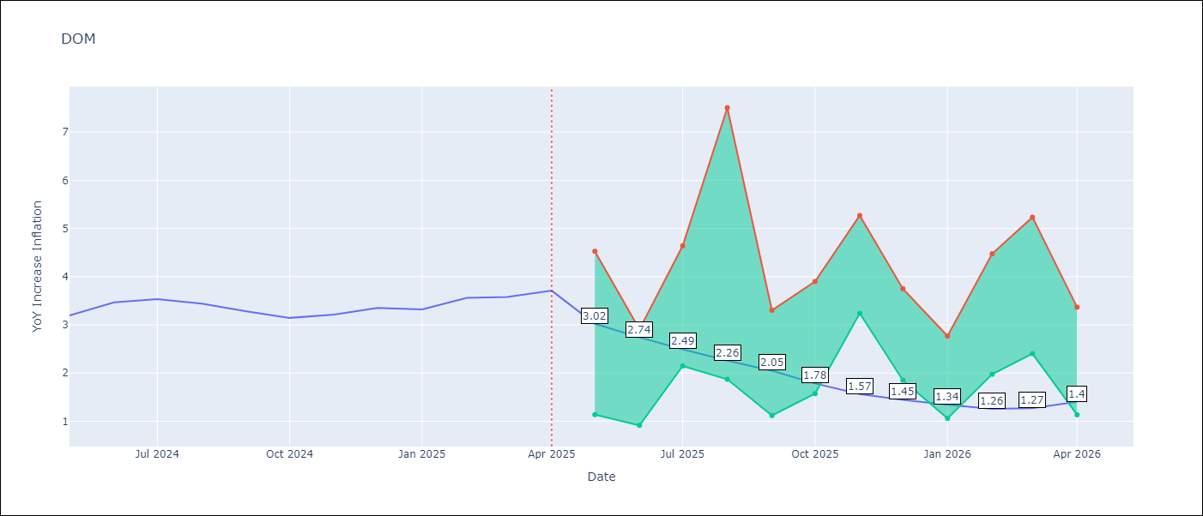

Test Metrics
RMSE | 1.37
Naive RMSE | 0.14
MAPE | 35.58%

Test Predictions
Date | Predicted | Actual
2024-05-01 | 3.1 | 3.2
2024-06-01 | 2.94 | 3.47
2024-07-01 | 2.79 | 3.53
2024-08-01 | 2.57 | 3.44
2024-09-01 | 2.42 | 3.28
2024-10-01 | 2.22 | 3.15
2024-11-01 | 2 | 3.21
2024-12-01 | 1.79 | 3.35
2025-01-01 | 1.68 | 3.32
2025-02-01 | 1.6 | 3.56
2025-03-01 | 1.54 | 3.58
2025-04-01 | 1.57 | 3.71

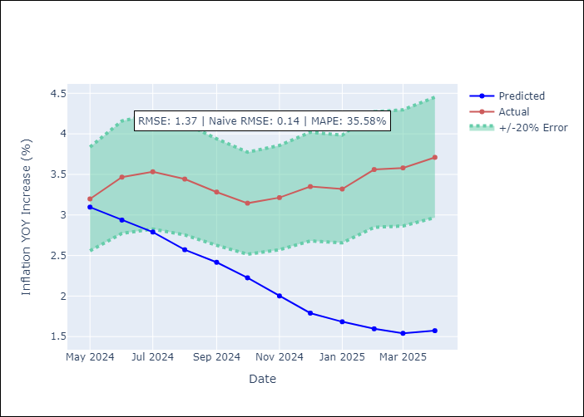

Appendix A: Model Summary
Model | Random Forest
Sample | 1994-01-01 to 2025-04-01
No. of Observations | 376
Terms | P-value (Statistical significance)

Assumptions | P-value

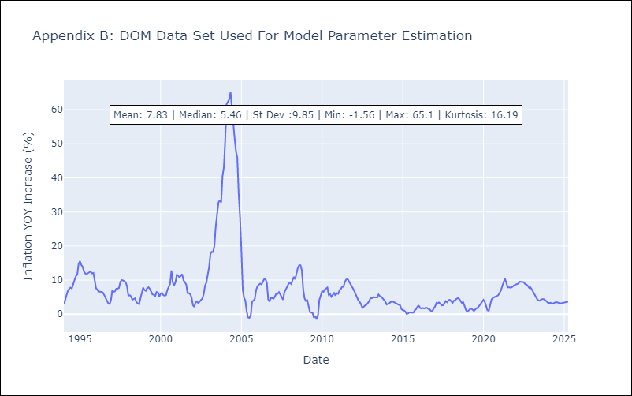

Appendix C: Residuals Analysis
Mean

GTM
GTM - Inflation - Next 12 months forecast as of: 2025-04-01

Model | Random Forest - [(1, 1, 0), (0, 0, 2, 12)]
Training Data | 1994-07-01 to 2024-05-01
Test Data | 2024-05-01 to 2025-04-01

Date | Inflation Change YoY % | Lower Bound - 95% Confidence Interval | Upper Bound - 95% Confidence Interval
2025-05-01 | 2.47 | 2.17 | 5.05
2025-06-01 | 2.49 | 3.8 | 5.63
2025-07-01 | 2.54 | 3.53 | 6.14
2025-08-01 | 2.66 | 3.72 | 6.2
2025-09-01 | 2.84 | 3.53 | 5.78
2025-10-01 | 3.18 | 3.31 | 4.42
2025-11-01 | 3.55 | 3.09 | 4.45
2025-12-01 | 3.92 | 2.45 | 3.79
2026-01-01 | 4.12 | 2.45 | 4.66
2026-02-01 | 4.23 | 3.39 | 4.59
2026-03-01 | 4.36 | 2.46 | 3.83
2026-04-01 | 4.45 | 2.3 | 4.73

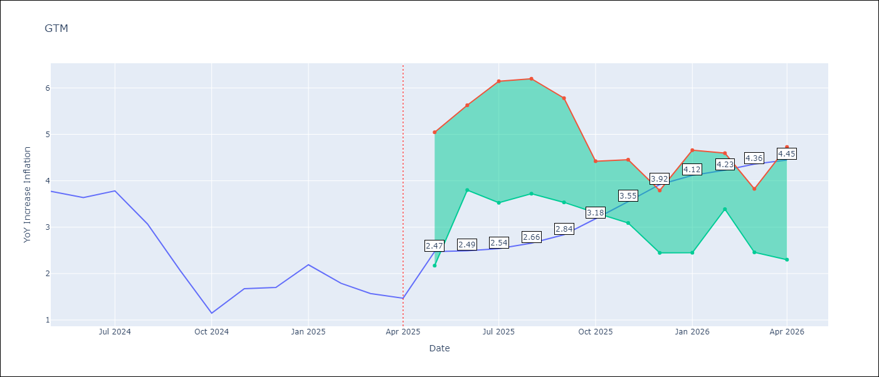

Test Metrics
RMSE | 1.92
Naive RMSE | 0.53
MAPE | 94.7%

Test Predictions
Date | Predicted | Actual
2024-05-01 | 3.27 | 3.77
2024-06-01 | 3.54 | 3.64
2024-07-01 | 3.77 | 3.78
2024-08-01 | 3.86 | 3.07
2024-09-01 | 3.84 | 2.07
2024-10-01 | 3.83 | 1.15
2024-11-01 | 3.87 | 1.67
2024-12-01 | 3.95 | 1.7
2025-01-01 | 4.1 | 2.19
2025-02-01 | 4.2 | 1.79
2025-03-01 | 4.2 | 1.57
2025-04-01 | 4.1 | 1.47

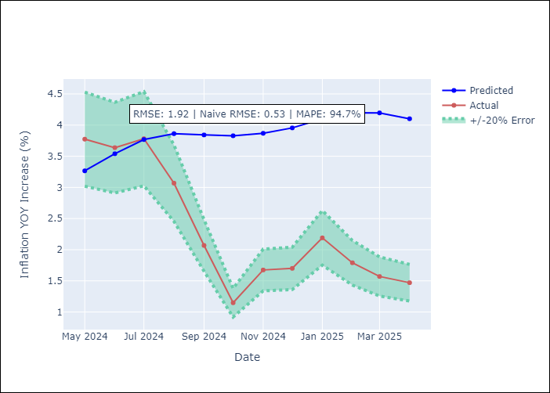

Appendix A: Model Summary
Model | Random Forest
Sample | 1994-07-01 to 2025-04-01
No. of Observations | 370
Terms | P-value (Statistical significance)

Assumptions | P-value

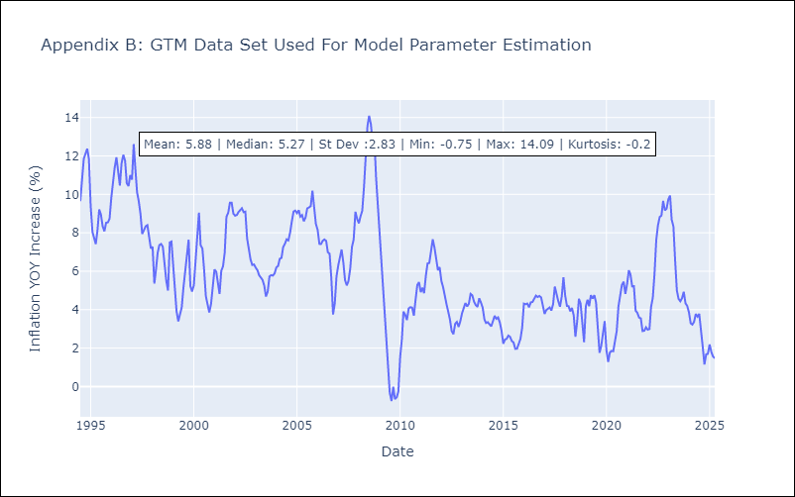

Appendix C: Residuals Analysis
Mean

HND
HND - Inflation - Next 12 months forecast as of: 2025-04-01

Model | Random Forest - [(2, 0, 1), (0, 0, 2, 12)]
Training Data | 1994-07-01 to 2024-05-01
Test Data | 2024-05-01 to 2025-04-01

Date | Inflation Change YoY % | Lower Bound - 95% Confidence Interval | Upper Bound - 95% Confidence Interval
2025-05-01 | 5.75 | 3.71 | 5.21
2025-06-01 | 5.81 | 4.13 | 7.04
2025-07-01 | 5.9 | 4.33 | 5.74
2025-08-01 | 5.99 | 5.12 | 6.31
2025-09-01 | 6.05 | 4.54 | 5.74
2025-10-01 | 6.02 | 5.21 | 6.29
2025-11-01 | 5.81 | 4.77 | 5.79
2025-12-01 | 5.6 | 4.76 | 6.16
2026-01-01 | 5.43 | 4.92 | 6.03
2026-02-01 | 5.32 | 4.73 | 5.75
2026-03-01 | 5.29 | 5.03 | 5.98
2026-04-01 | 5.34 | 4.69 | 6.33

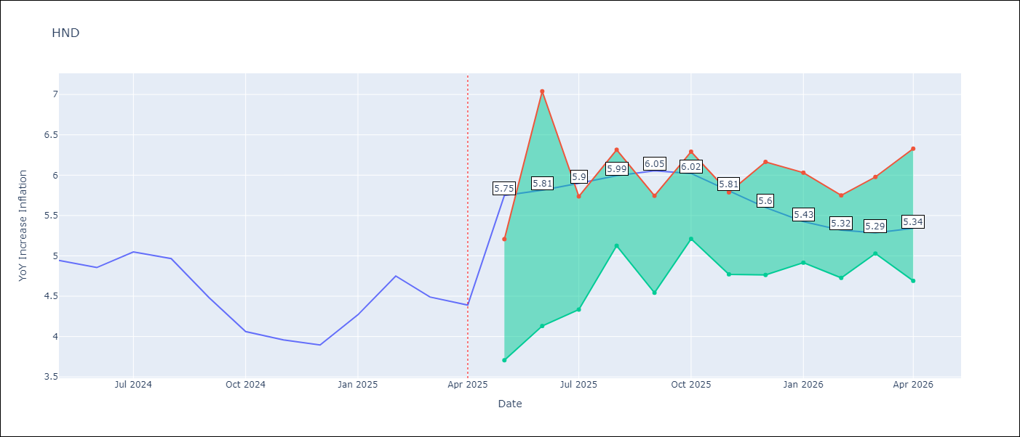

Test Metrics
RMSE | 1.48
Naive RMSE | 0.29
MAPE | 31.55%

Test Predictions
Date | Predicted | Actual
2024-05-01 | 5.45 | 4.94
2024-06-01 | 5.59 | 4.86
2024-07-01 | 5.64 | 5.05
2024-08-01 | 5.74 | 4.97
2024-09-01 | 5.79 | 4.48
2024-10-01 | 5.77 | 4.06
2024-11-01 | 5.78 | 3.96
2024-12-01 | 5.91 | 3.89
2025-01-01 | 6.1 | 4.27
2025-02-01 | 6.27 | 4.75
2025-03-01 | 6.35 | 4.49
2025-04-01 | 6.25 | 4.39

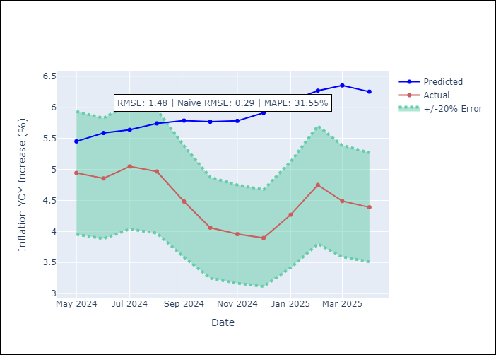

Appendix A: Model Summary
Model | Random Forest
Sample | 1994-07-01 to 2025-04-01
No. of Observations | 370
Terms | P-value (Statistical significance)

Assumptions | P-value

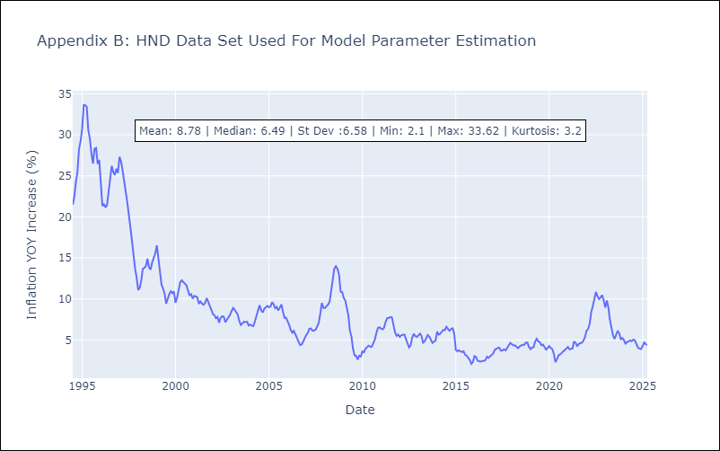

Appendix C: Residuals Analysis
Mean

HTI
HTI - Inflation - Next 12 months forecast as of: 2024-03-01

Model | Random Forest - [(2, 0, 1), (3, 0, 0, 12)]
Training Data | 1998-01-01 to 2023-04-01
Test Data | 2023-04-01 to 2024-03-01

Date | Inflation Change YoY % | Lower Bound - 95% Confidence Interval | Upper Bound - 95% Confidence Interval
2024-04-01 | 15.47 | 16.09 | 41.17
2024-05-01 | 15.06 | 13.66 | 20.81
2024-06-01 | 14.61 | 12.01 | 17.65
2024-07-01 | 14.38 | 12.98 | 17.87
2024-08-01 | 14.22 | 11.49 | 18.07
2024-09-01 | 14.13 | 13.48 | 15.16
2024-10-01 | 13.96 | 12.53 | 14.78
2024-11-01 | 13.8 | 14 | 17.95
2024-12-01 | 13.72 | 10.56 | 19.34
2025-01-01 | 13.68 | 12.23 | 15.44
2025-02-01 | 13.74 | 13.34 | 16.93
2025-03-01 | 13.94 | 11.2 | 18.08

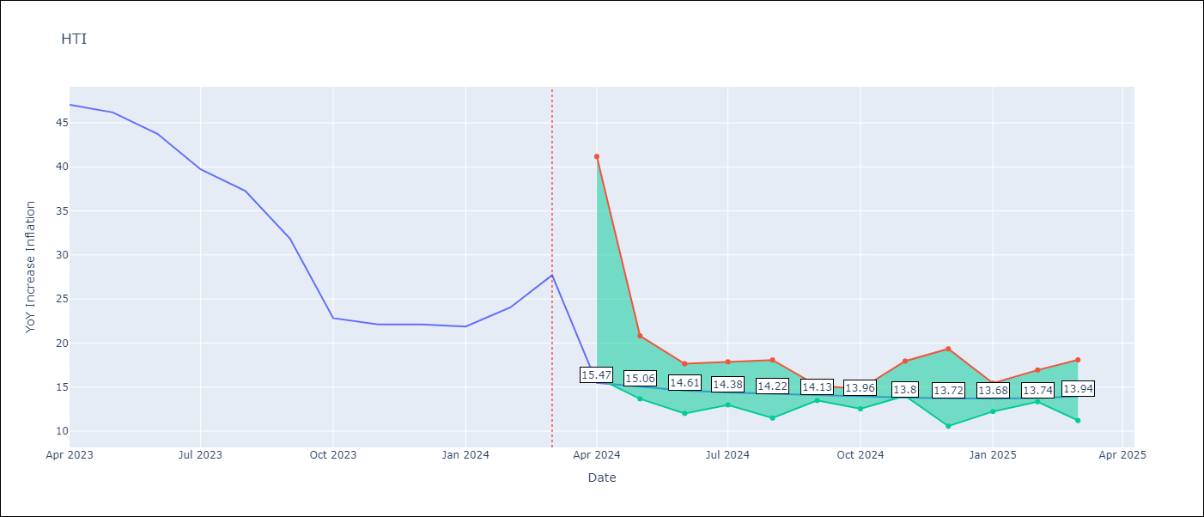

Test Metrics
RMSE | 6.12
Naive RMSE | 3.79
MAPE | 28.33%

Test Predictions
Date | Predicted | Actual
2023-04-01 | 41.32 | 47.04
2023-05-01 | 37.39 | 46.18
2023-06-01 | 34.01 | 43.75
2023-07-01 | 30.5 | 39.71
2023-08-01 | 28.23 | 37.27
2023-09-01 | 27.46 | 31.86
2023-10-01 | 26.51 | 22.83
2023-11-01 | 24.68 | 22.12
2023-12-01 | 23.38 | 22.12
2024-01-01 | 22.67 | 21.87
2024-02-01 | 22.1 | 24.04
2024-03-01 | 21.94 | 27.7

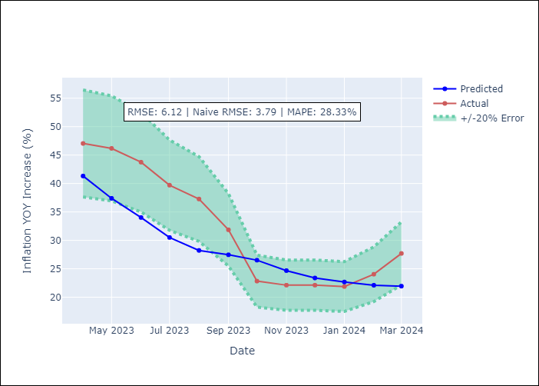

Appendix A: Model Summary
Model | Random Forest
Sample | 1998-01-01 to 2024-03-01
No. of Observations | 315
Terms | P-value (Statistical significance)

Assumptions | P-value

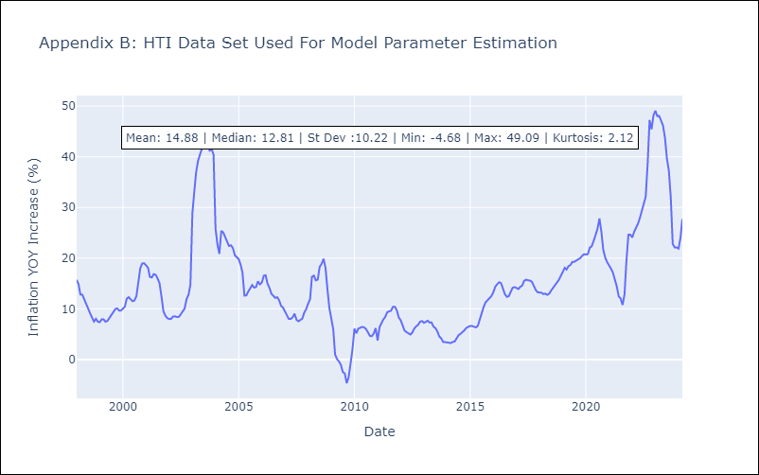

Appendix C: Residuals Analysis
Mean

MEX
MEX - Inflation - Next 12 months forecast as of: 2025-04-01

Model | Random Forest - [(3, 1, 1), (0, 0, 2, 12)]
Training Data | 1992-01-01 to 2024-05-01
Test Data | 2024-05-01 to 2025-04-01

Date | Inflation Change YoY % | Lower Bound - 95% Confidence Interval | Upper Bound - 95% Confidence Interval
2025-05-01 | 4.98 | 3.46 | 4.31
2025-06-01 | 5.04 | 3.7 | 4.48
2025-07-01 | 4.99 | 3.74 | 4.7
2025-08-01 | 4.89 | 3.75 | 4.85
2025-09-01 | 4.73 | 3.87 | 4.77
2025-10-01 | 4.71 | 3.2 | 4.4
2025-11-01 | 4.8 | 3.44 | 4.36
2025-12-01 | 4.81 | 3.34 | 4.31
2026-01-01 | 4.71 | 3.52 | 4.35
2026-02-01 | 4.51 | 3.74 | 4.68
2026-03-01 | 4.44 | 3.85 | 4.92
2026-04-01 | 4.22 | 3.77 | 5.48

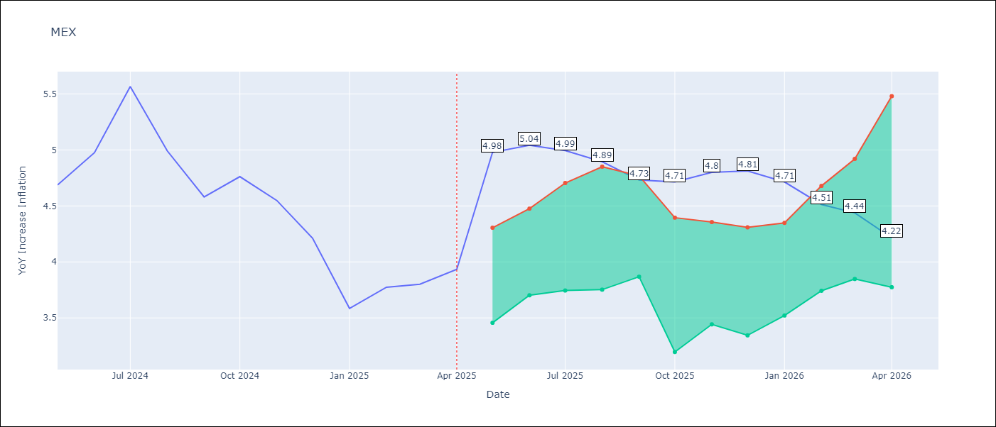

Test Metrics
RMSE | 0.54
Naive RMSE | 0.38
MAPE | 12.38%

Test Predictions
Date | Predicted | Actual
2024-05-01 | 4.38 | 4.69
2024-06-01 | 4.28 | 4.98
2024-07-01 | 4.22 | 5.57
2024-08-01 | 4.25 | 4.99
2024-09-01 | 4.32 | 4.58
2024-10-01 | 4.37 | 4.76
2024-11-01 | 4.28 | 4.55
2024-12-01 | 4.16 | 4.21
2025-01-01 | 4.03 | 3.59
2025-02-01 | 3.91 | 3.77
2025-03-01 | 3.79 | 3.8
2025-04-01 | 3.72 | 3.93

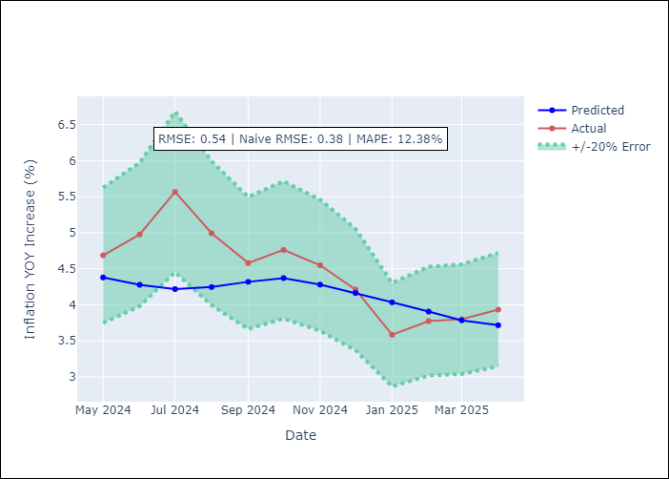

Appendix A: Model Summary
Model | Random Forest
Sample | 1992-01-01 to 2025-04-01
No. of Observations | 400
Terms | P-value (Statistical significance)

Assumptions | P-value

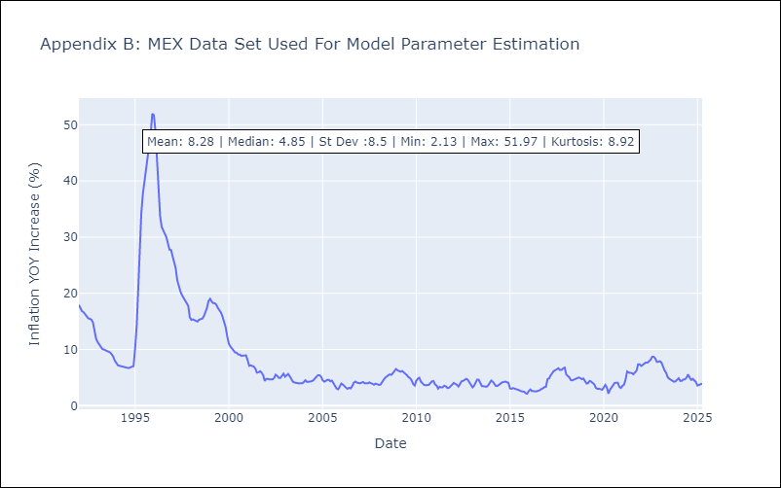

Appendix C: Residuals Analysis
Mean

NIC
NIC - Inflation - Next 12 months forecast as of: 2025-04-01

Model | Random Forest - [(1, 1, 0), (2, 0, 1, 12)]
Training Data | 2012-12-01 to 2024-04-01
Test Data | 2024-04-01 to 2025-04-01

Date | Inflation Change YoY % | Lower Bound - 95% Confidence Interval | Upper Bound - 95% Confidence Interval
2025-05-01 | 5.44 | 3.18 | 5.99
2025-06-01 | 5.48 | 4.36 | 5.88
2025-07-01 | 5.47 | 4.39 | 6
2025-08-01 | 5.06 | 3.27 | 5.66
2025-09-01 | 4.48 | 3.18 | 4.76
2025-10-01 | 3.87 | 4.55 | 5.91
2025-11-01 | 3.8 | 4.37 | 5.91
2025-12-01 | 3.79 | 3.11 | 5.67
2026-01-01 | 3.67 | 3.19 | 4.93
2026-02-01 | 3.43 | 4.63 | 5.99
2026-03-01 | 3.41 | 4.23 | 5.91
2026-04-01 | 3.55 | 3.36 | 5.48

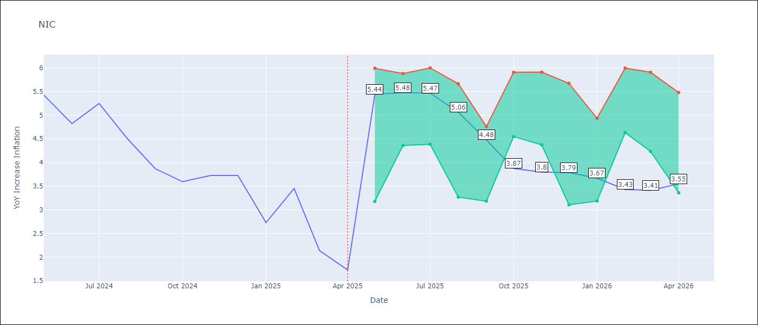

Test Metrics
RMSE | 1.57
Naive RMSE | 0.67
MAPE | 52.95%

Test Predictions
Date | Predicted | Actual
2024-04-01 | 5.17 | 5.42
2024-05-01 | 5.3 | 5.43
2024-06-01 | 5.44 | 4.82
2024-07-01 | 5.55 | 5.25
2024-08-01 | 5.64 | 4.51
2024-09-01 | 5.57 | 3.87
2024-10-01 | 5.41 | 3.59
2024-11-01 | 5.11 | 3.73
2025-01-01 | 4.97 | 2.73
2025-02-01 | 4.75 | 3.45
2025-03-01 | 4.56 | 2.14
2025-04-01 | 4.37 | 1.73

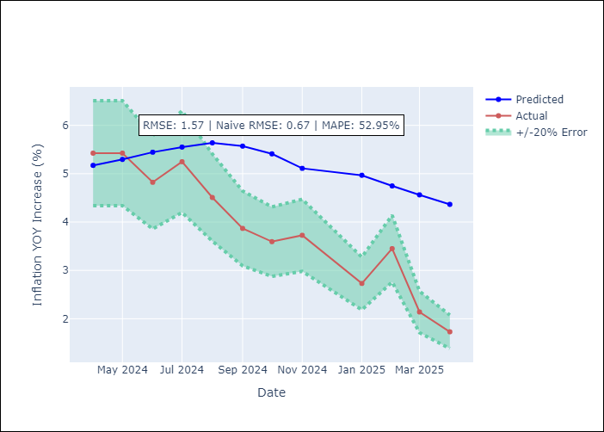

Appendix A: Model Summary
Model | Random Forest
Sample | 2012-12-01 to 2025-04-01
No. of Observations | 148
Terms | P-value (Statistical significance)

Assumptions | P-value

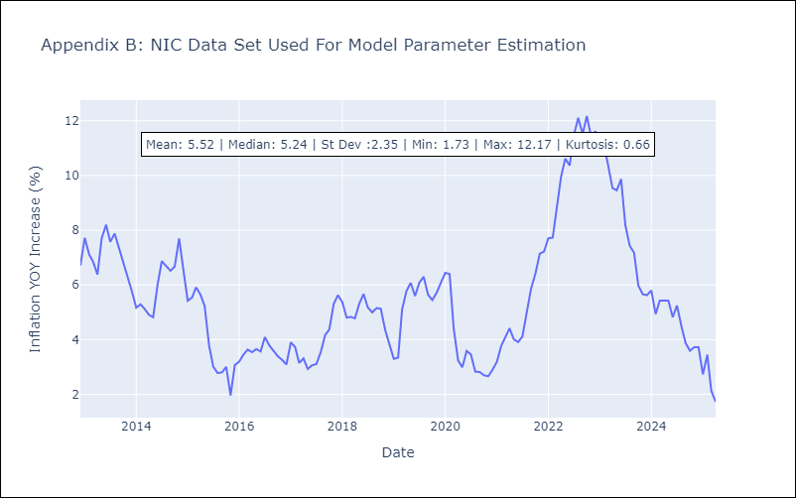

Appendix C: Residuals Analysis
Mean

PAN
PAN - Inflation - Next 12 months forecast as of: 2025-04-01

Model | Random Forest - [(2, 1, 1), (2, 0, 1, 12)]
Training Data | 1994-07-01 to 2024-05-01
Test Data | 2024-05-01 to 2025-04-01

Date | Inflation Change YoY % | Lower Bound - 95% Confidence Interval | Upper Bound - 95% Confidence Interval
2025-05-01 | 1.07 | -1.77 | 0.39
2025-06-01 | 1.04 | -1.33 | 1.97
2025-07-01 | 1.08 | 1.65 | 3.35
2025-08-01 | 1.09 | 2.56 | 5.76
2025-09-01 | 1.16 | 3.46 | 5.88
2025-10-01 | 1.29 | 1.7 | 4.11
2025-11-01 | 1.36 | 0.26 | 2.61
2025-12-01 | 1.4 | 0.55 | 1.72
2026-01-01 | 1.38 | 0.82 | 1.63
2026-02-01 | 1.34 | 0.94 | 1.63
2026-03-01 | 1.35 | 0.97 | 1.49
2026-04-01 | 1.39 | 0.96 | 1.56

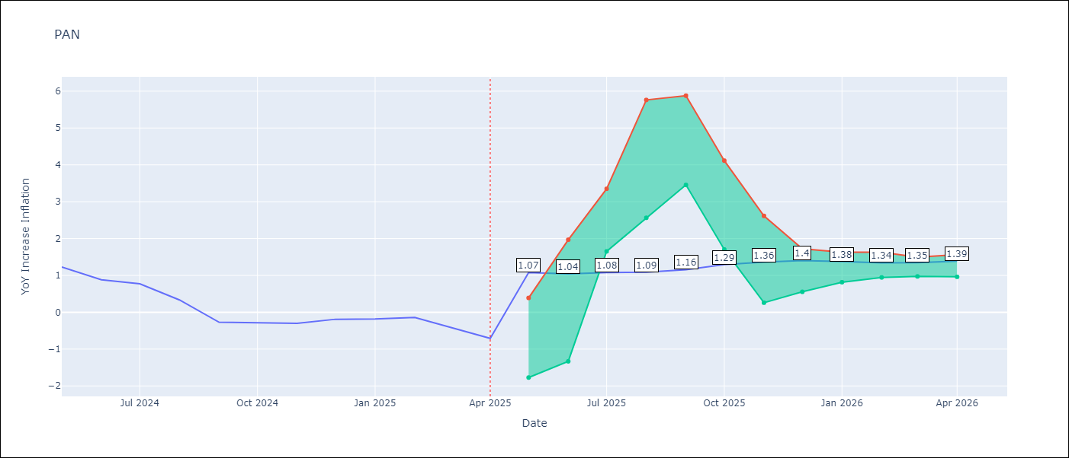

Test Metrics
RMSE | 1.02
Naive RMSE | 0.28
MAPE | 364.24%

Test Predictions
Date | Predicted | Actual
2024-05-01 | 1.54 | 1.23
2024-06-01 | 1.56 | 0.88
2024-07-01 | 1.32 | 0.77
2024-08-01 | 1.1 | 0.33
2024-09-01 | 0.68 | -0.27
2024-10-01 | 0.58 | -0.29
2024-11-01 | 0.47 | -0.3
2024-12-01 | 0.76 | -0.19
2025-01-01 | 1.1 | -0.18
2025-02-01 | 1.07 | -0.14
2025-03-01 | 1.01 | -0.41
2025-04-01 | 0.93 | -0.71

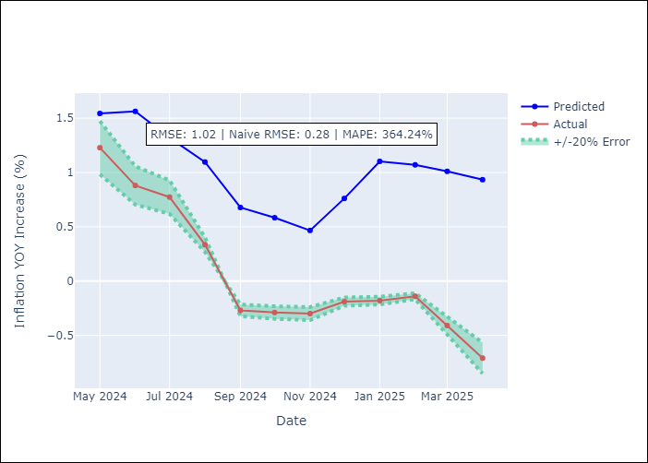

Appendix A: Model Summary
Model | Random Forest
Sample | 1994-07-01 to 2025-04-01
No. of Observations | 370
Terms | P-value (Statistical significance)

Assumptions | P-value

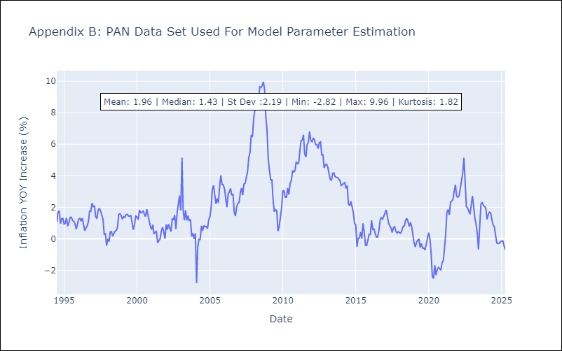

Appendix C: Residuals Analysis
Mean

SLV
SLV - Inflation - Next 12 months forecast as of: 2025-04-01

Model | Random Forest - [(1, 1, 0), (2, 0, 1, 12)]
Training Data | 1994-07-01 to 2024-05-01
Test Data | 2024-05-01 to 2025-04-01

Date | Inflation Change YoY % | Lower Bound - 95% Confidence Interval | Upper Bound - 95% Confidence Interval
2025-05-01 | 4.51 | -0.64 | 1.48
2025-06-01 | 4.19 | 0.83 | 4.28
2025-07-01 | 4.05 | 2.9 | 5.21
2025-08-01 | 4.26 | 2.46 | 5.2
2025-09-01 | 4.53 | 2.95 | 4.78
2025-10-01 | 4.65 | 3.77 | 4.84
2025-11-01 | 4.74 | 3.93 | 4.9
2025-12-01 | 4.7 | 3.84 | 4.81
2026-01-01 | 4.48 | 3.65 | 5.17
2026-02-01 | 4.34 | 3.74 | 5.65
2026-03-01 | 4.16 | 3.96 | 5.01
2026-04-01 | 4.29 | 3.75 | 5.13

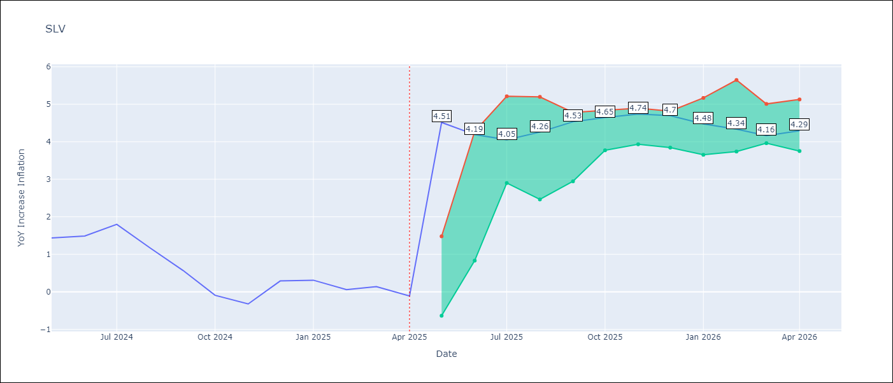

Test Metrics
RMSE | 0.83
Naive RMSE | 0.41
MAPE | 495.4%

Test Predictions
Date | Predicted | Actual
2024-05-01 | 1.08 | 1.44
2024-06-01 | 1.18 | 1.49
2024-07-01 | 1.2 | 1.8
2024-08-01 | 1.23 | 1.17
2024-09-01 | 1.15 | 0.57
2024-10-01 | 1.05 | -0.09
2024-11-01 | 0.83 | -0.32
2024-12-01 | 0.86 | 0.29
2025-01-01 | 1.2 | 0.31
2025-02-01 | 1.21 | 0.06
2025-03-01 | 1.12 | 0.14
2025-04-01 | 1.02 | -0.11

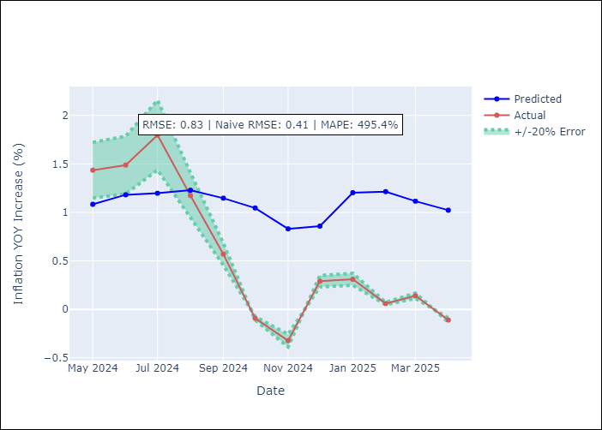

Appendix A: Model Summary
Model | Random Forest
Sample | 1994-07-01 to 2025-04-01
No. of Observations | 370
Terms | P-value (Statistical significance)

Assumptions | P-value

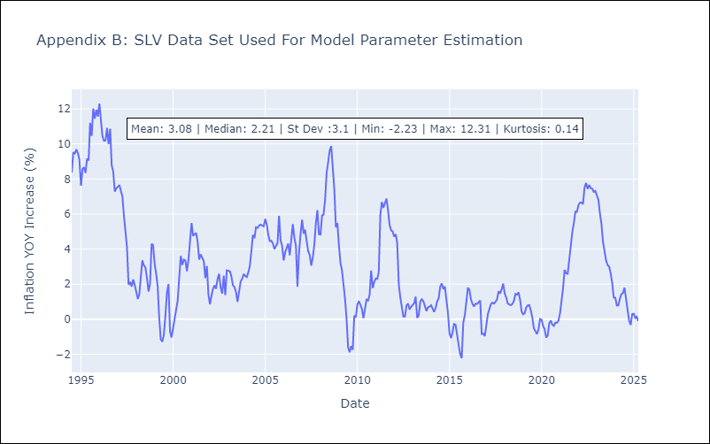

Appendix C: Residuals Analysis
Mean

