CRI
CRI - Inflation - Next 12 months forecast as of: 2025-04-01

Model | Random Forest - [(2, 1, 1), (2, 0, 1, 12)]
Training Data | 1994-07-01 to 2024-05-01
Test Data | 2024-05-01 to 2025-04-01

Date | Inflation Change YoY % | Lower Bound - 95% Confidence Interval | Upper Bound - 95% Confidence Interval
2025-05-01 | 10.13 | 1.24 | 8.19
2025-06-01 | 10.17 | 0.42 | 6.62
2025-07-01 | 10.23 | -0.89 | 0.54
2025-08-01 | 10.38 | 0.47 | 19.03
2025-09-01 | 10.76 | 8.27 | 11.71
2025-10-01 | 11.17 | 9.54 | 11.87
2025-11-01 | 11.36 | 10.42 | 12.77
2025-12-01 | 11.27 | 9.25 | 11.39
2026-01-01 | 11.25 | 9.93 | 11.33
2026-02-01 | 11.33 | 9.85 | 11.83
2026-03-01 | 11.41 | 9.32 | 11.15
2026-04-01 | 11.42 | 9.78 | 11.87

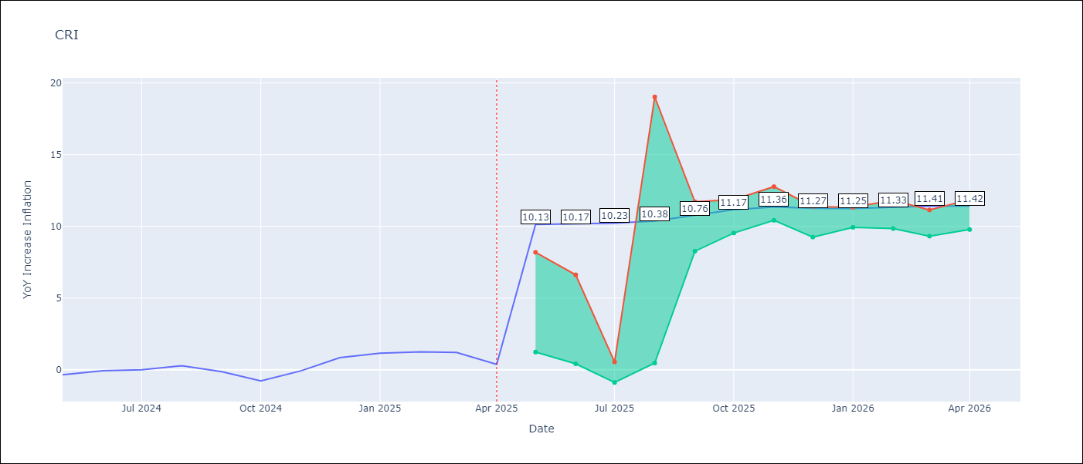

Test Metrics
RMSE | 3.48
Naive RMSE | 0.51
MAPE | inf%

Test Predictions
Date | Predicted | Actual
2024-05-01 | 1.72 | -0.35
2024-06-01 | 2.28 | -0.06
2024-07-01 | 2.77 | 0
2024-08-01 | 2.83 | 0.28
2024-09-01 | 3.01 | -0.14
2024-10-01 | 3.48 | -0.77
2024-11-01 | 4.1 | -0.07
2024-12-01 | 4.45 | 0.84
2025-01-01 | 4.66 | 1.15
2025-02-01 | 4.84 | 1.25
2025-03-01 | 5.05 | 1.21
2025-04-01 | 5.16 | 0.38

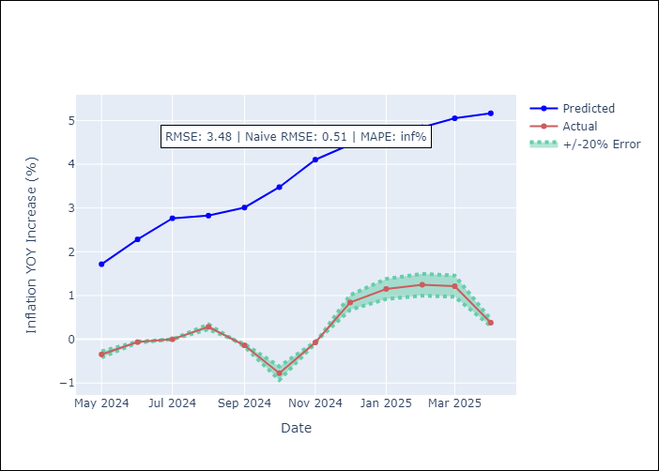

Appendix A: Model Summary
Model | Random Forest
Sample | 1994-07-01 to 2025-04-01
No. of Observations | 370
Terms | P-value (Statistical significance)

Assumptions | P-value

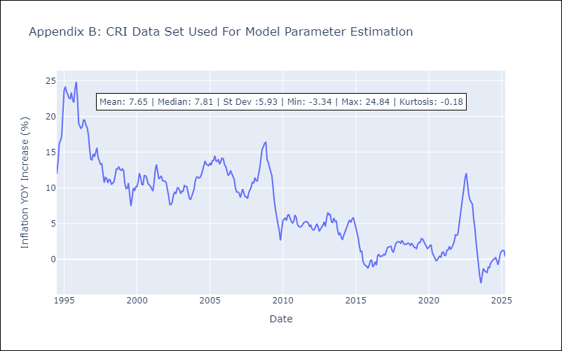

Appendix C: Residuals Analysis
Mean

CUB
CUB - Inflation - Next 12 months forecast as of: 2024-01-01

Model | Random Forest - [(0, 2, 1), (0, 0, 1, 12)]
Training Data | 2003-01-01 to 2023-02-01
Test Data | 2023-02-01 to 2024-01-01

Date | Inflation Change YoY % | Lower Bound - 95% Confidence Interval | Upper Bound - 95% Confidence Interval
2024-02-01 | 44.34 | 37.24 | 50.76
2024-03-01 | 42.07 | 35.28 | 53.18
2024-04-01 | 41.12 | 37.25 | 52.76
2024-05-01 | 45.04 | 33.79 | 50.84
2024-06-01 | 46.96 | 37.54 | 54.33
2024-07-01 | 43.87 | 33.36 | 50.13
2024-08-01 | 41.8 | 39.02 | 53.43
2024-09-01 | 42.08 | 33.66 | 51.71
2024-10-01 | 42.98 | 37.87 | 53.45
2024-11-01 | 43.16 | 36.61 | 49.29
2024-12-01 | 42.15 | 38.09 | 53.68
2025-01-01 | 40.73 | 34.82 | 50.49

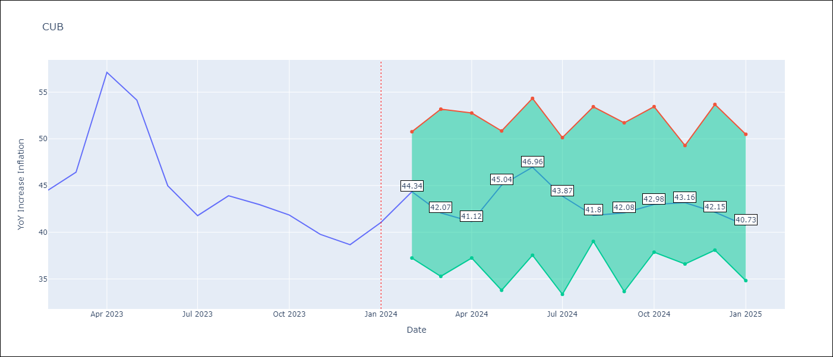

Test Metrics
RMSE | 4.97
Naive RMSE | 4.66
MAPE | 10.34%

Test Predictions
Date | Predicted | Actual
2023-02-01 | 44.95 | 44.5
2023-03-01 | 43.59 | 46.42
2023-04-01 | 43.1 | 57.12
2023-05-01 | 47.75 | 54.15
2023-06-01 | 48.6 | 44.99
2023-07-01 | 44.1 | 41.77
2023-08-01 | 40.39 | 43.91
2023-09-01 | 40.09 | 42.96
2023-10-01 | 40.31 | 41.84
2023-11-01 | 40 | 39.78
2023-12-01 | 39.09 | 38.67
2024-01-01 | 38.13 | 41.06

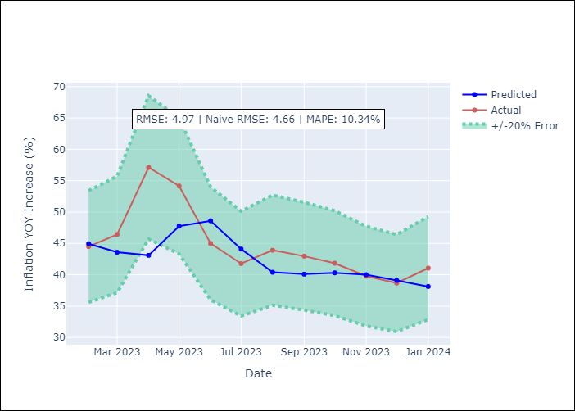

Appendix A: Model Summary
Model | Random Forest
Sample | 2003-01-01 to 2024-01-01
No. of Observations | 253
Terms | P-value (Statistical significance)

Assumptions | P-value

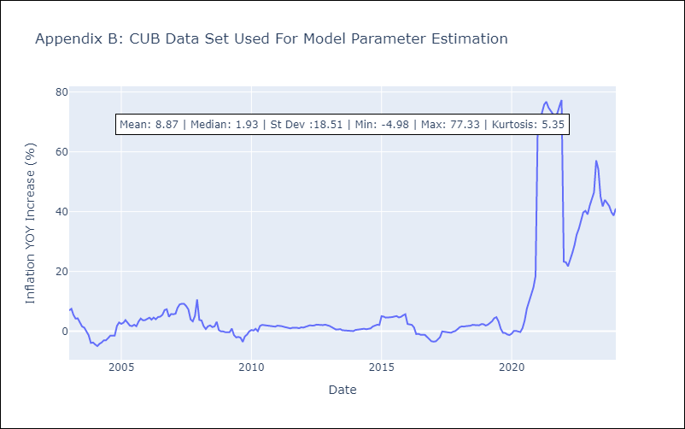

Appendix C: Residuals Analysis
Mean

DOM
DOM - Inflation - Next 12 months forecast as of: 2025-04-01

Model | Random Forest - [(0, 2, 2), (0, 0, 1, 12)]
Training Data | 1994-01-01 to 2024-05-01
Test Data | 2024-05-01 to 2025-04-01

Date | Inflation Change YoY % | Lower Bound - 95% Confidence Interval | Upper Bound - 95% Confidence Interval
2025-05-01 | 3.13 | 1.14 | 4.07
2025-06-01 | 3.08 | 0.92 | 2.76
2025-07-01 | 3.35 | 2.24 | 4.81
2025-08-01 | 3.72 | 2.09 | 8.72
2025-09-01 | 4.02 | 1.2 | 3.58
2025-10-01 | 4.13 | 0.59 | 2.78
2025-11-01 | 4.07 | 1.77 | 4.44
2025-12-01 | 4.04 | 3 | 4.68
2026-01-01 | 4.07 | 1.08 | 3.83
2026-02-01 | 4.14 | 0.82 | 2.77
2026-03-01 | 4.16 | 1.73 | 4.31
2026-04-01 | 4.17 | 2.82 | 5.61

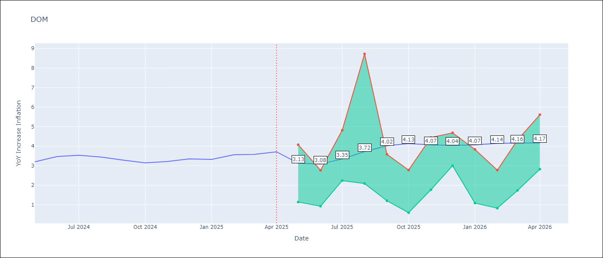

Test Metrics
RMSE | 1.17
Naive RMSE | 0.14
MAPE | 28.1%

Test Predictions
Date | Predicted | Actual
2024-05-01 | 3.39 | 3.2
2024-06-01 | 3.3 | 3.47
2024-07-01 | 3.15 | 3.53
2024-08-01 | 2.93 | 3.44
2024-09-01 | 2.74 | 3.28
2024-10-01 | 2.57 | 3.15
2024-11-01 | 2.3 | 3.21
2024-12-01 | 2.03 | 3.35
2025-01-01 | 1.88 | 3.32
2025-02-01 | 1.8 | 3.56
2025-03-01 | 1.72 | 3.58
2025-04-01 | 1.66 | 3.71

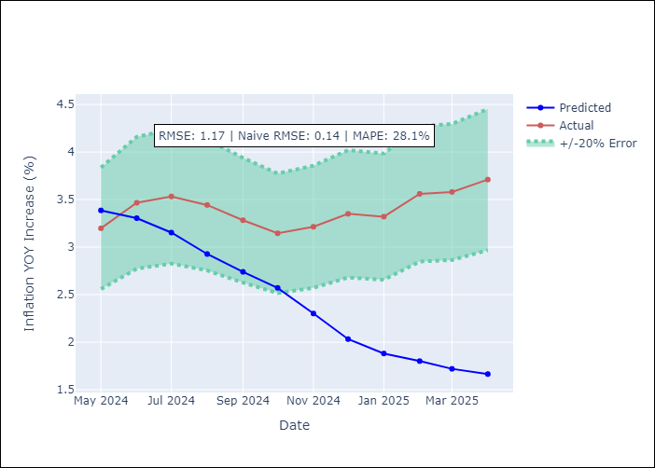

Appendix A: Model Summary
Model | Random Forest
Sample | 1994-01-01 to 2025-04-01
No. of Observations | 376
Terms | P-value (Statistical significance)

Assumptions | P-value

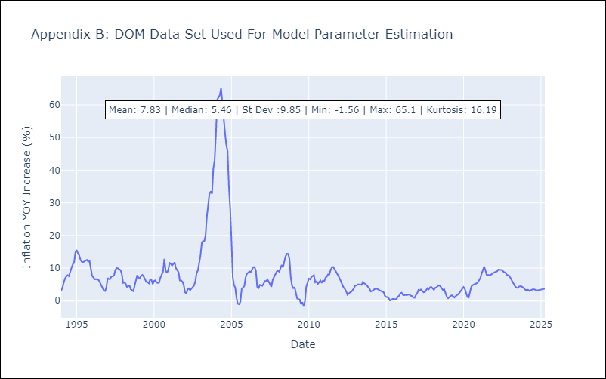

Appendix C: Residuals Analysis
Mean

GTM
GTM - Inflation - Next 12 months forecast as of: 2025-04-01

Model | Random Forest - [(1, 1, 0), (0, 0, 2, 12)]
Training Data | 1994-07-01 to 2024-05-01
Test Data | 2024-05-01 to 2025-04-01

Date | Inflation Change YoY % | Lower Bound - 95% Confidence Interval | Upper Bound - 95% Confidence Interval
2025-05-01 | 4.42 | 2.18 | 5.03
2025-06-01 | 4.47 | 3.63 | 5.39
2025-07-01 | 4.42 | 3.42 | 6.02
2025-08-01 | 4.36 | 3.84 | 6.17
2025-09-01 | 4.32 | 3.49 | 4.88
2025-10-01 | 4.32 | 3.3 | 5.23
2025-11-01 | 4.26 | 2.66 | 4.14
2025-12-01 | 4.17 | 2.58 | 4.85
2026-01-01 | 4 | 3.4 | 4.61
2026-02-01 | 3.83 | 2.52 | 3.97
2026-03-01 | 3.67 | 2.55 | 5.12
2026-04-01 | 3.63 | 3.51 | 4.61

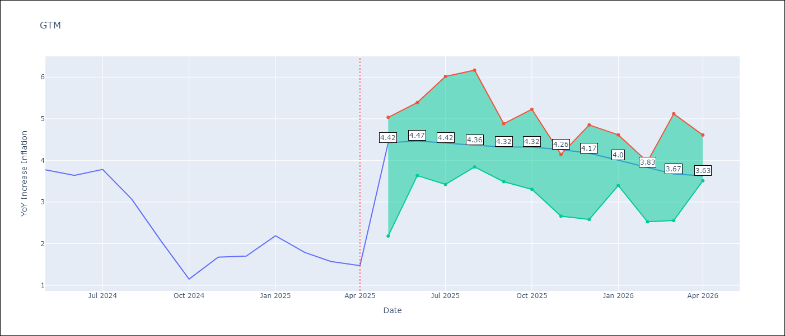

Test Metrics
RMSE | 1.98
Naive RMSE | 0.53
MAPE | 98.2%

Test Predictions
Date | Predicted | Actual
2024-05-01 | 3.36 | 3.77
2024-06-01 | 3.62 | 3.64
2024-07-01 | 3.88 | 3.78
2024-08-01 | 3.93 | 3.07
2024-09-01 | 3.91 | 2.07
2024-10-01 | 3.97 | 1.15
2024-11-01 | 4.06 | 1.67
2024-12-01 | 4.08 | 1.7
2025-01-01 | 4.08 | 2.19
2025-02-01 | 4.15 | 1.79
2025-03-01 | 4.2 | 1.57
2025-04-01 | 4.18 | 1.47

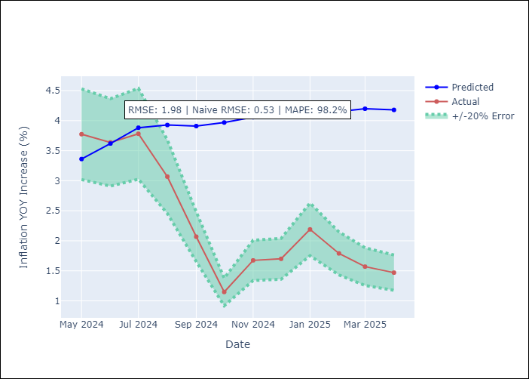

Appendix A: Model Summary
Model | Random Forest
Sample | 1994-07-01 to 2025-04-01
No. of Observations | 370
Terms | P-value (Statistical significance)

Assumptions | P-value

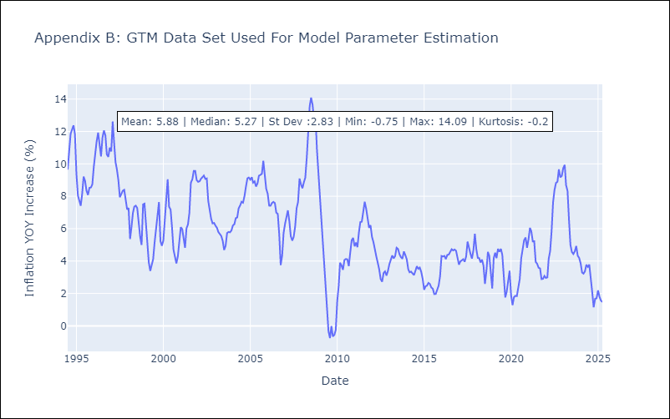

Appendix C: Residuals Analysis
Mean

HND
HND - Inflation - Next 12 months forecast as of: 2025-04-01

Model | Random Forest - [(2, 0, 1), (0, 0, 2, 12)]
Training Data | 1994-07-01 to 2024-05-01
Test Data | 2024-05-01 to 2025-04-01

Date | Inflation Change YoY % | Lower Bound - 95% Confidence Interval | Upper Bound - 95% Confidence Interval
2025-05-01 | 4.49 | 3.85 | 5.3
2025-06-01 | 4.54 | 4.1 | 6.61
2025-07-01 | 4.41 | 3.41 | 5.4
2025-08-01 | 4.23 | 3.85 | 4.69
2025-09-01 | 4.16 | 3.68 | 4.85
2025-10-01 | 4.14 | 3.9 | 4.73
2025-11-01 | 4.17 | 3.97 | 4.82
2025-12-01 | 4.34 | 3.83 | 4.7
2026-01-01 | 4.46 | 3.95 | 4.61
2026-02-01 | 4.37 | 4.02 | 4.95
2026-03-01 | 4.19 | 3.8 | 4.7
2026-04-01 | 4.03 | 3.85 | 4.79

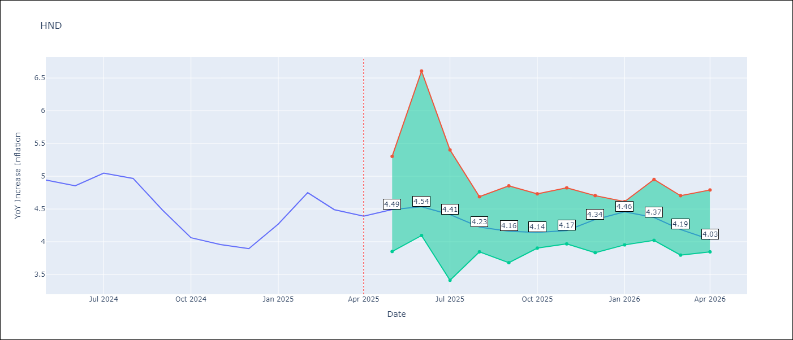

Test Metrics
RMSE | 1.57
Naive RMSE | 0.29
MAPE | 32.86%

Test Predictions
Date | Predicted | Actual
2024-05-01 | 5.38 | 4.94
2024-06-01 | 5.46 | 4.86
2024-07-01 | 5.58 | 5.05
2024-08-01 | 5.75 | 4.97
2024-09-01 | 5.81 | 4.48
2024-10-01 | 5.77 | 4.06
2024-11-01 | 5.83 | 3.96
2024-12-01 | 6 | 3.89
2025-01-01 | 6.2 | 4.27
2025-02-01 | 6.44 | 4.75
2025-03-01 | 6.62 | 4.49
2025-04-01 | 6.49 | 4.39

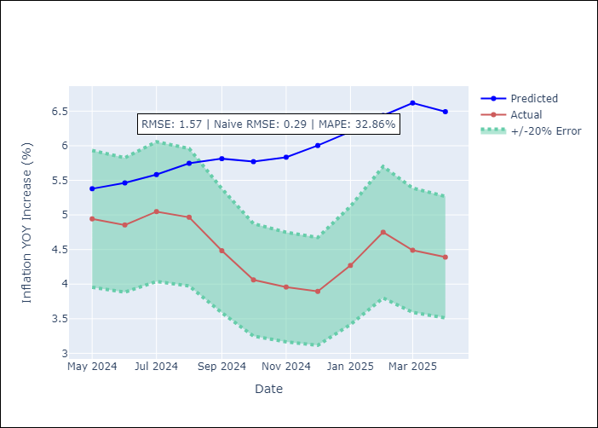

Appendix A: Model Summary
Model | Random Forest
Sample | 1994-07-01 to 2025-04-01
No. of Observations | 370
Terms | P-value (Statistical significance)

Assumptions | P-value

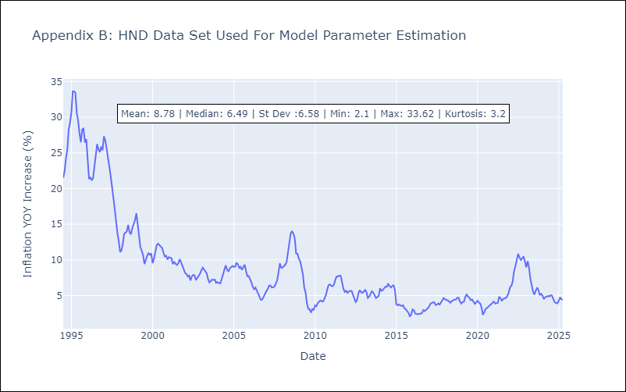

Appendix C: Residuals Analysis
Mean

HTI
HTI - Inflation - Next 12 months forecast as of: 2024-03-01

Model | Random Forest - [(2, 0, 1), (3, 0, 0, 12)]
Training Data | 1998-01-01 to 2023-04-01
Test Data | 2023-04-01 to 2024-03-01

Date | Inflation Change YoY % | Lower Bound - 95% Confidence Interval | Upper Bound - 95% Confidence Interval
2024-04-01 | 15.32 | 14.73 | 43.93
2024-05-01 | 15.91 | 13.55 | 19.96
2024-06-01 | 16.48 | 13.49 | 20.11
2024-07-01 | 17.01 | 13.4 | 23.32
2024-08-01 | 17.27 | 15.27 | 25.13
2024-09-01 | 17.5 | 15.33 | 27.27
2024-10-01 | 17.68 | 12.61 | 24.11
2024-11-01 | 17.9 | 17.74 | 33.68
2024-12-01 | 18.01 | 13.45 | 23.9
2025-01-01 | 18.07 | 12.61 | 17.66
2025-02-01 | 18.16 | 12.38 | 15.61
2025-03-01 | 18.32 | 14.51 | 18.69

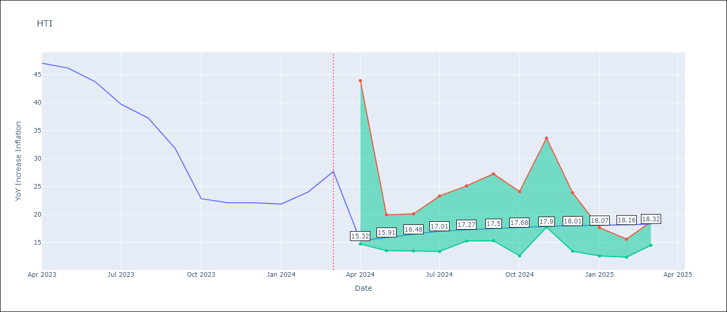

Test Metrics
RMSE | 5.48
Naive RMSE | 3.79
MAPE | 28.98%

Test Predictions
Date | Predicted | Actual
2023-04-01 | 41.38 | 47.04
2023-05-01 | 38.76 | 46.18
2023-06-01 | 36.06 | 43.75
2023-07-01 | 31.87 | 39.71
2023-08-01 | 28.95 | 37.27
2023-09-01 | 27.74 | 31.86
2023-10-01 | 27.07 | 22.83
2023-11-01 | 25.15 | 22.12
2023-12-01 | 23.56 | 22.12
2024-01-01 | 22.67 | 21.87
2024-02-01 | 22.06 | 24.04
2024-03-01 | 22 | 27.7

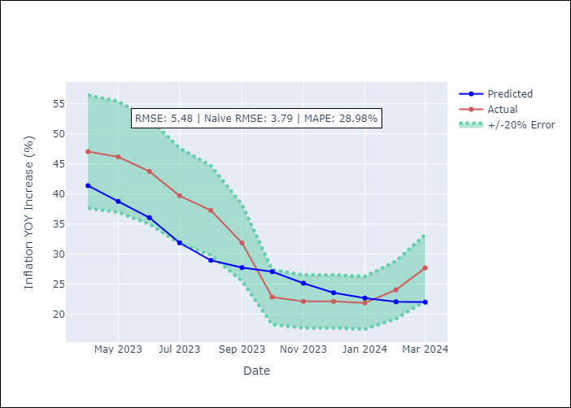

Appendix A: Model Summary
Model | Random Forest
Sample | 1998-01-01 to 2024-03-01
No. of Observations | 315
Terms | P-value (Statistical significance)

Assumptions | P-value

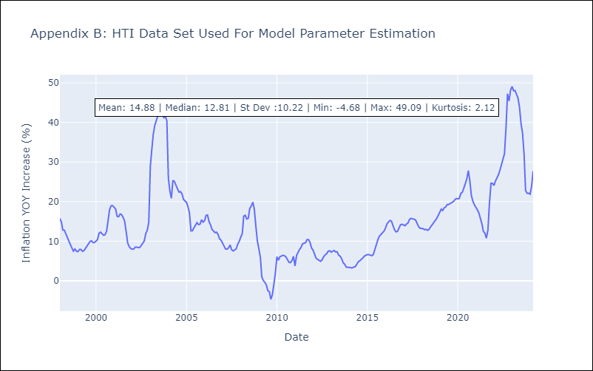

Appendix C: Residuals Analysis
Mean

MEX
MEX - Inflation - Next 12 months forecast as of: 2025-04-01

Model | Random Forest - [(3, 1, 1), (0, 0, 2, 12)]
Training Data | 1992-01-01 to 2024-05-01
Test Data | 2024-05-01 to 2025-04-01

Date | Inflation Change YoY % | Lower Bound - 95% Confidence Interval | Upper Bound - 95% Confidence Interval
2025-05-01 | 4.16 | 3.43 | 4.46
2025-06-01 | 4.01 | 3.72 | 4.9
2025-07-01 | 3.77 | 3.35 | 4.61
2025-08-01 | 3.54 | 3.81 | 5.85
2025-09-01 | 3.43 | 4.09 | 6.18
2025-10-01 | 3.37 | 3.75 | 4.68
2025-11-01 | 3.3 | 3.38 | 4.64
2025-12-01 | 3.31 | 3.49 | 4.66
2026-01-01 | 3.36 | 3.36 | 4.71
2026-02-01 | 3.28 | 3.79 | 4.8
2026-03-01 | 3.12 | 3.76 | 4.98
2026-04-01 | 3.13 | 3.09 | 4.29

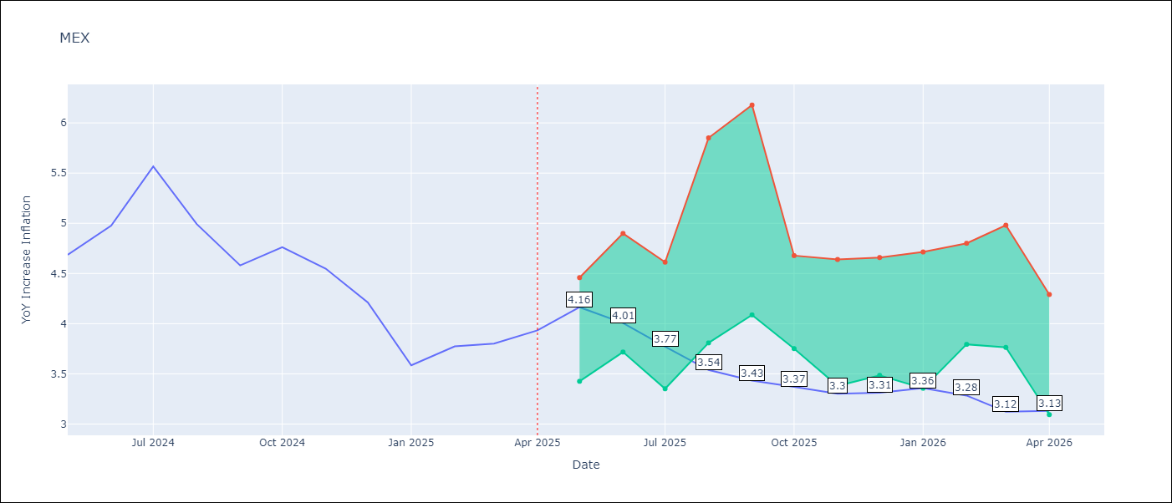

Test Metrics
RMSE | 0.52
Naive RMSE | 0.38
MAPE | 12.84%

Test Predictions
Date | Predicted | Actual
2024-05-01 | 4.43 | 4.69
2024-06-01 | 4.31 | 4.98
2024-07-01 | 4.27 | 5.57
2024-08-01 | 4.31 | 4.99
2024-09-01 | 4.34 | 4.58
2024-10-01 | 4.34 | 4.76
2024-11-01 | 4.22 | 4.55
2024-12-01 | 4.1 | 4.21
2025-01-01 | 3.96 | 3.59
2025-02-01 | 3.81 | 3.77
2025-03-01 | 3.68 | 3.8
2025-04-01 | 3.6 | 3.93

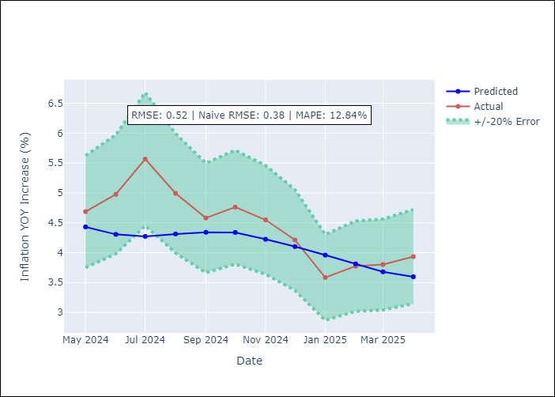

Appendix A: Model Summary
Model | Random Forest
Sample | 1992-01-01 to 2025-04-01
No. of Observations | 400
Terms | P-value (Statistical significance)

Assumptions | P-value

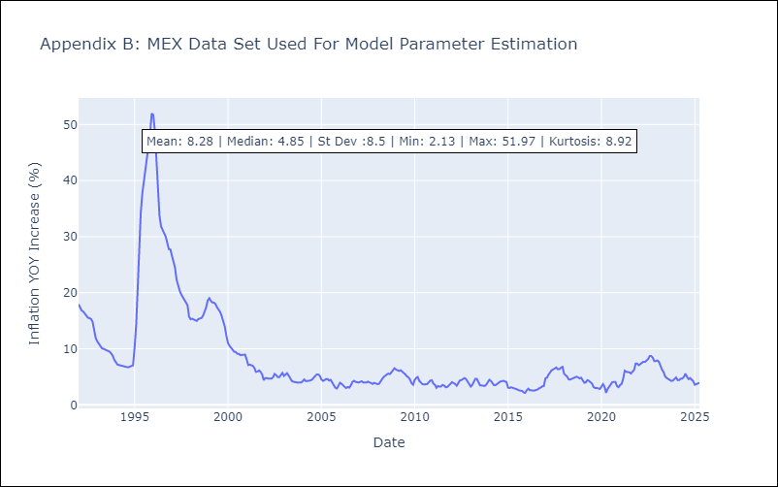

Appendix C: Residuals Analysis
Mean

NIC
NIC - Inflation - Next 12 months forecast as of: 2025-04-01

Model | Random Forest - [(1, 1, 0), (2, 0, 1, 12)]
Training Data | 2012-12-01 to 2024-04-01
Test Data | 2024-04-01 to 2025-04-01

Date | Inflation Change YoY % | Lower Bound - 95% Confidence Interval | Upper Bound - 95% Confidence Interval
2025-05-01 | 3.74 | 3.12 | 6.07
2025-06-01 | 3.92 | 4.3 | 5.62
2025-07-01 | 4.24 | 4.23 | 5.96
2025-08-01 | 4.35 | 3.43 | 5.58
2025-09-01 | 4.48 | 3.15 | 5.11
2025-10-01 | 4.66 | 4.33 | 6.26
2025-11-01 | 4.83 | 3.24 | 5.8
2025-12-01 | 4.93 | 3.26 | 5.07
2026-01-01 | 4.91 | 4.55 | 5.52
2026-02-01 | 5 | 4.23 | 5.91
2026-03-01 | 5.11 | 3.51 | 5.5
2026-04-01 | 5.17 | 3.31 | 5.71

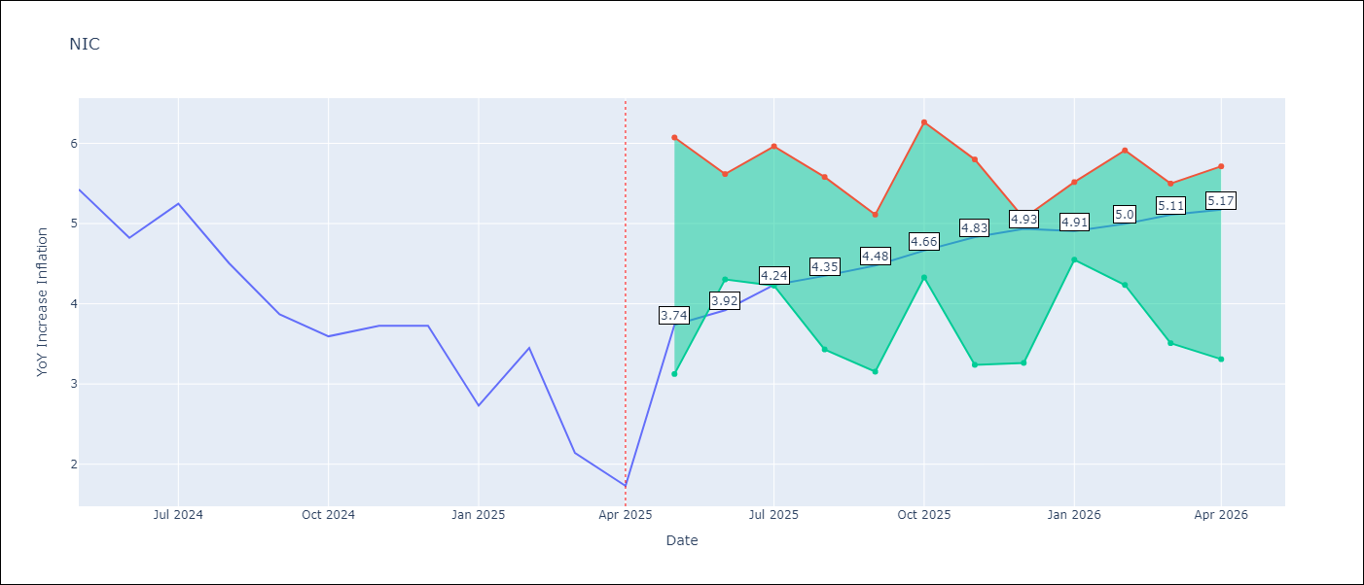

Test Metrics
RMSE | 1.66
Naive RMSE | 0.67
MAPE | 56.13%

Test Predictions
Date | Predicted | Actual
2024-04-01 | 5.22 | 5.42
2024-05-01 | 5.46 | 5.43
2024-06-01 | 5.62 | 4.82
2024-07-01 | 5.72 | 5.25
2024-08-01 | 5.83 | 4.51
2024-09-01 | 5.76 | 3.87
2024-10-01 | 5.64 | 3.59
2024-11-01 | 5.2 | 3.73
2025-01-01 | 5.02 | 2.73
2025-02-01 | 4.79 | 3.45
2025-03-01 | 4.63 | 2.14
2025-04-01 | 4.41 | 1.73

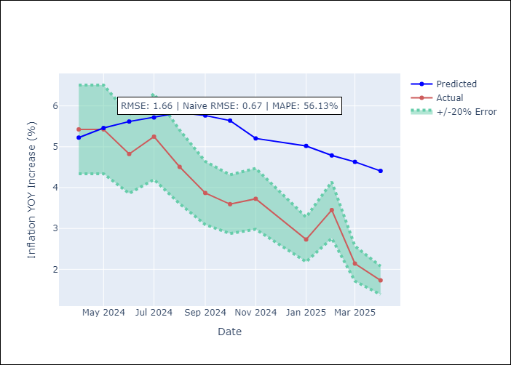

Appendix A: Model Summary
Model | Random Forest
Sample | 2012-12-01 to 2025-04-01
No. of Observations | 148
Terms | P-value (Statistical significance)

Assumptions | P-value

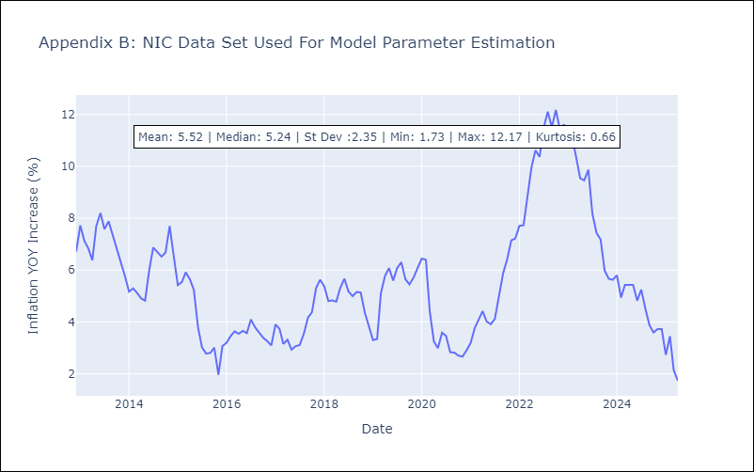

Appendix C: Residuals Analysis
Mean

PAN
PAN - Inflation - Next 12 months forecast as of: 2025-04-01

Model | Random Forest - [(2, 1, 1), (2, 0, 1, 12)]
Training Data | 1994-07-01 to 2024-05-01
Test Data | 2024-05-01 to 2025-04-01

Date | Inflation Change YoY % | Lower Bound - 95% Confidence Interval | Upper Bound - 95% Confidence Interval
2025-05-01 | 1.19 | -2.04 | 0.34
2025-06-01 | 1.13 | -1.69 | 1.97
2025-07-01 | 1.08 | 1.41 | 3.52
2025-08-01 | 1.11 | 2.21 | 5.61
2025-09-01 | 1.13 | 3.18 | 5.63
2025-10-01 | 1.16 | 2.47 | 5.14
2025-11-01 | 1.2 | 0.5 | 2.8
2025-12-01 | 1.24 | 0.44 | 1.56
2026-01-01 | 1.29 | 0.48 | 1.3
2026-02-01 | 1.31 | 0.5 | 1.36
2026-03-01 | 1.31 | 0.87 | 1.65
2026-04-01 | 1.3 | 0.93 | 1.45

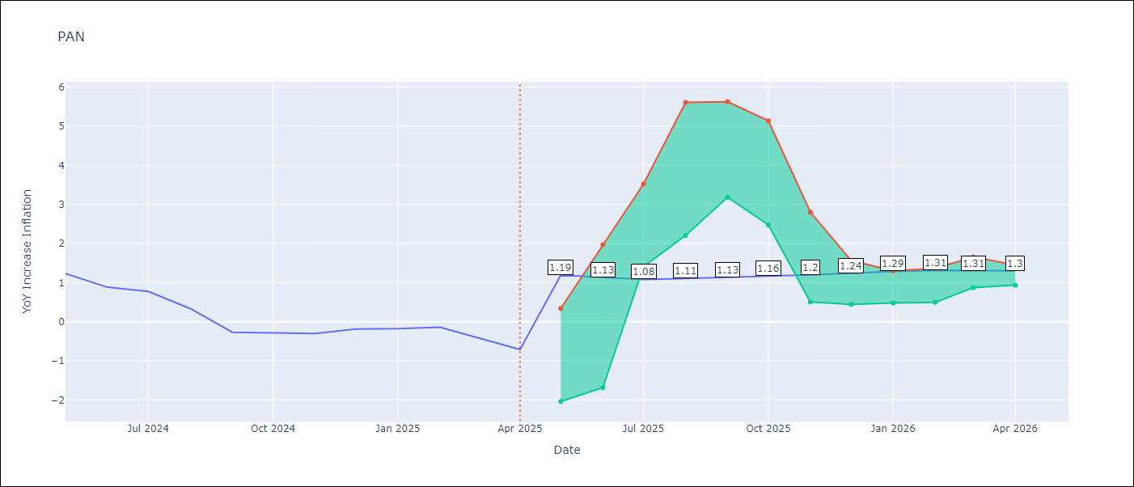

Test Metrics
RMSE | 0.85
Naive RMSE | 0.28
MAPE | 310.39%

Test Predictions
Date | Predicted | Actual
2024-05-01 | 1.46 | 1.23
2024-06-01 | 1.4 | 0.88
2024-07-01 | 1.04 | 0.77
2024-08-01 | 0.99 | 0.33
2024-09-01 | 0.61 | -0.27
2024-10-01 | 0.57 | -0.29
2024-11-01 | 0.12 | -0.3
2024-12-01 | 0.6 | -0.19
2025-01-01 | 0.72 | -0.18
2025-02-01 | 0.78 | -0.14
2025-03-01 | 0.82 | -0.41
2025-04-01 | 0.8 | -0.71

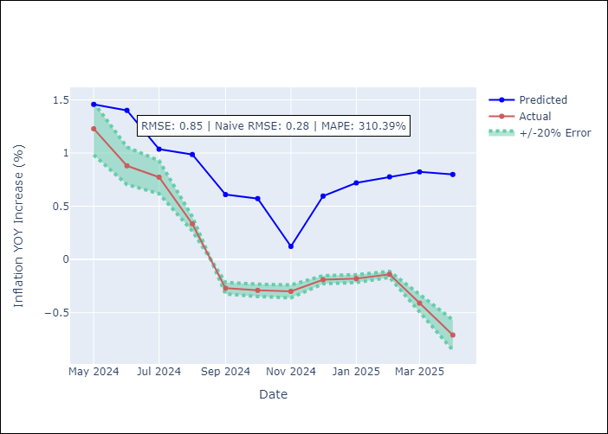

Appendix A: Model Summary
Model | Random Forest
Sample | 1994-07-01 to 2025-04-01
No. of Observations | 370
Terms | P-value (Statistical significance)

Assumptions | P-value

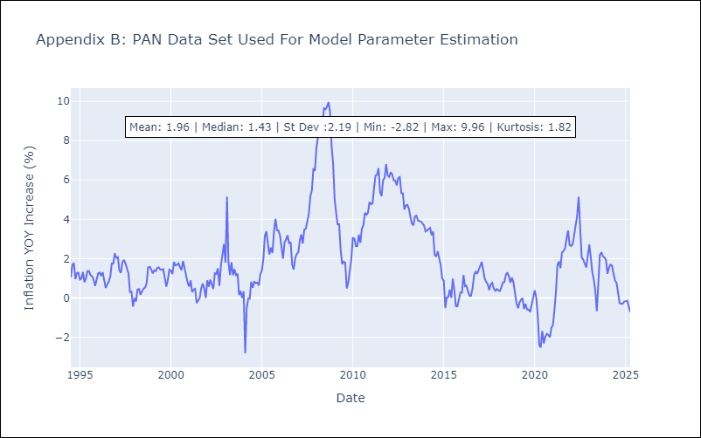

Appendix C: Residuals Analysis
Mean

SLV
SLV - Inflation - Next 12 months forecast as of: 2025-04-01

Model | Random Forest - [(1, 1, 0), (2, 0, 1, 12)]
Training Data | 1994-07-01 to 2024-05-01
Test Data | 2024-05-01 to 2025-04-01

Date | Inflation Change YoY % | Lower Bound - 95% Confidence Interval | Upper Bound - 95% Confidence Interval
2025-05-01 | 4.35 | -0.71 | 1.19
2025-06-01 | 4.77 | 0.67 | 4.57
2025-07-01 | 4.62 | 3.34 | 5.23
2025-08-01 | 4.57 | 3.82 | 5.03
2025-09-01 | 4.14 | 3.76 | 4.92
2025-10-01 | 3.95 | 3.71 | 5.11
2025-11-01 | 3.83 | 3.71 | 4.87
2025-12-01 | 3.88 | 3.63 | 5.97
2026-01-01 | 4.2 | 3.91 | 6.89
2026-02-01 | 4.58 | 3.12 | 5.04
2026-03-01 | 4.91 | 3.67 | 4.83
2026-04-01 | 4.95 | 3.62 | 5.26

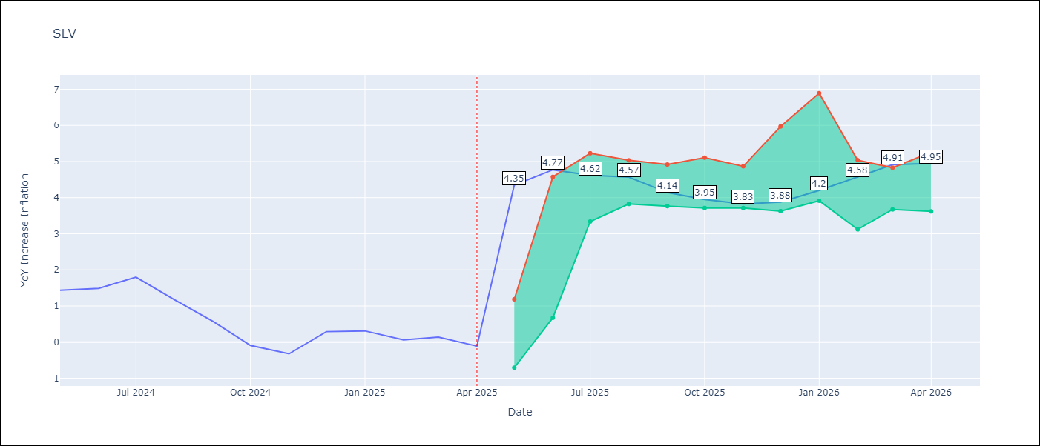

Test Metrics
RMSE | 0.75
Naive RMSE | 0.41
MAPE | 478.35%

Test Predictions
Date | Predicted | Actual
2024-05-01 | 1.17 | 1.44
2024-06-01 | 1.28 | 1.49
2024-07-01 | 1.22 | 1.8
2024-08-01 | 1.29 | 1.17
2024-09-01 | 1.15 | 0.57
2024-10-01 | 0.91 | -0.09
2024-11-01 | 0.76 | -0.32
2024-12-01 | 0.82 | 0.29
2025-01-01 | 1.04 | 0.31
2025-02-01 | 1.11 | 0.06
2025-03-01 | 1 | 0.14
2025-04-01 | 0.91 | -0.11

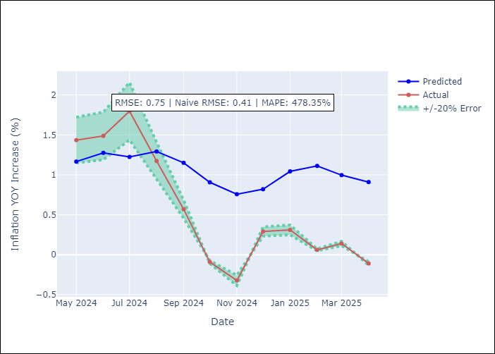

Appendix A: Model Summary
Model | Random Forest
Sample | 1994-07-01 to 2025-04-01
No. of Observations | 370
Terms | P-value (Statistical significance)

Assumptions | P-value

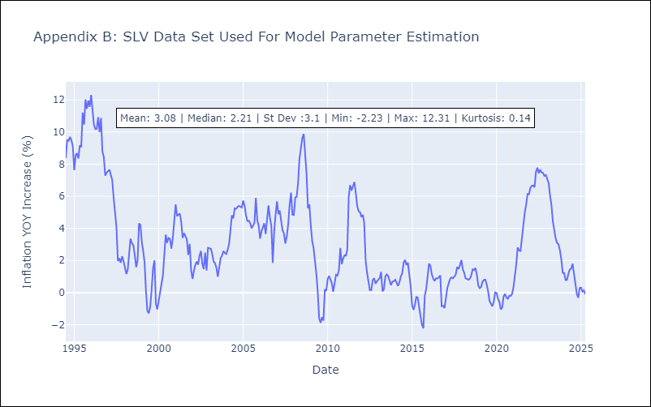

Appendix C: Residuals Analysis
Mean

