CRI
CRI - Inflation - Next 12 months forecast as of: 2025-04-01

Model | Random Forest - [(2, 1, 1), (2, 0, 1, 12)]
Training Data | 1994-07-01 to 2024-05-01
Test Data | 2024-05-01 to 2025-04-01

Date | Inflation Change YoY % | Lower Bound - 95% Confidence Interval | Upper Bound - 95% Confidence Interval
2025-05-01 | 0.8 | 1.08 | 7.48
2025-06-01 | 0.41 | 1.69 | 8.39
2025-07-01 | -0.03 | 2.23 | 5.29
2025-08-01 | -0.15 | -0.66 | 4.88
2025-09-01 | -0.21 | -0.82 | 0.7
2025-10-01 | -0.19 | 0.75 | 3.22
2025-11-01 | -0.11 | 1.97 | 8.51
2025-12-01 | 0.21 | -0.65 | 4.29
2026-01-01 | 0.32 | -0.58 | 1.63
2026-02-01 | 0.17 | 1.46 | 6.81
2026-03-01 | -0.01 | 0.93 | 7.83
2026-04-01 | 0.01 | -1 | 1.84

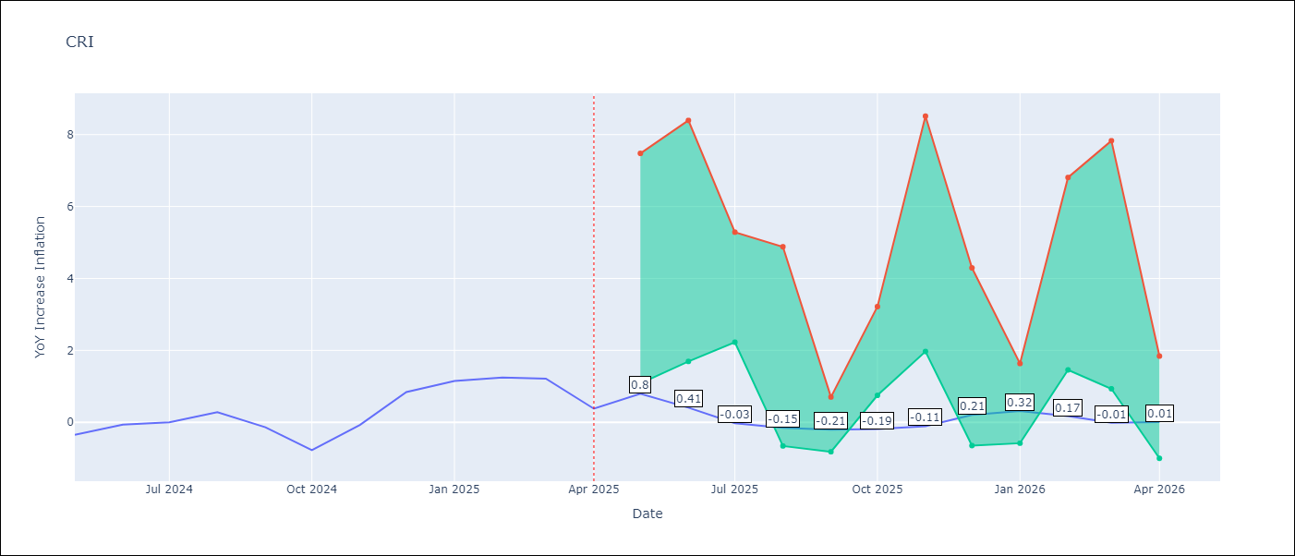

Test Metrics
RMSE | 3.73
Naive RMSE | 0.51
MAPE | inf%

Test Predictions
Date | Predicted | Actual
2024-05-01 | 1.84 | -0.35
2024-06-01 | 2.38 | -0.06
2024-07-01 | 2.96 | 0
2024-08-01 | 3.11 | 0.28
2024-09-01 | 3.3 | -0.14
2024-10-01 | 3.76 | -0.77
2024-11-01 | 4.38 | -0.07
2024-12-01 | 4.73 | 0.84
2025-01-01 | 4.93 | 1.15
2025-02-01 | 5.14 | 1.25
2025-03-01 | 5.33 | 1.21
2025-04-01 | 5.47 | 0.38

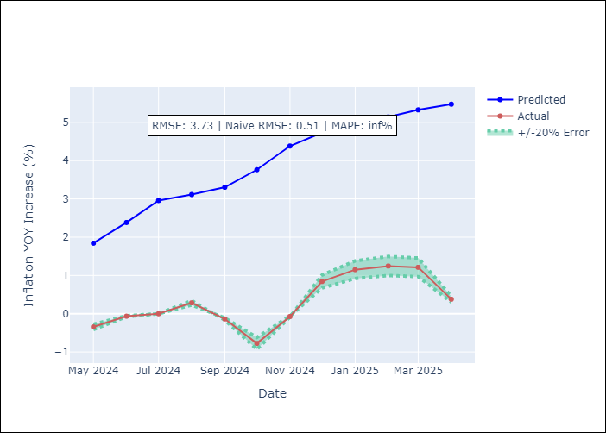

Appendix A: Model Summary
Model | Random Forest
Sample | 1994-07-01 to 2025-04-01
No. of Observations | 370
Terms | P-value (Statistical significance)

Assumptions | P-value

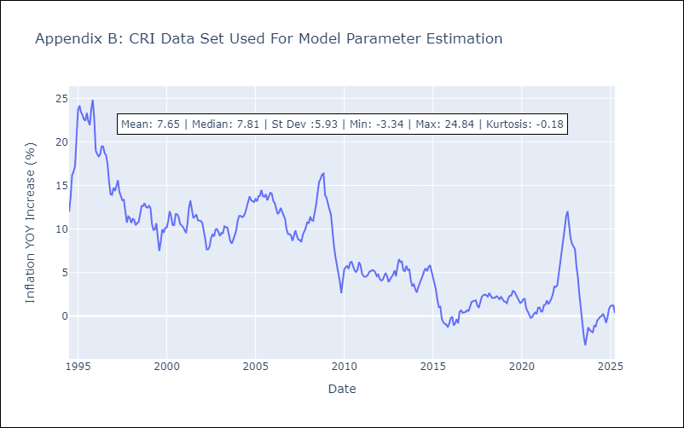

Appendix C: Residuals Analysis
Mean

CUB
CUB - Inflation - Next 12 months forecast as of: 2024-01-01

Model | Random Forest - [(0, 2, 1), (0, 0, 1, 12)]
Training Data | 2003-01-01 to 2023-02-01
Test Data | 2023-02-01 to 2024-01-01

Date | Inflation Change YoY % | Lower Bound - 95% Confidence Interval | Upper Bound - 95% Confidence Interval
2024-02-01 | 45.92 | 37.32 | 51.08
2024-03-01 | 44.75 | 34.69 | 50.03
2024-04-01 | 45.49 | 38.81 | 53.77
2024-05-01 | 49.16 | 34.97 | 49.72
2024-06-01 | 50.31 | 34.45 | 54.47
2024-07-01 | 45.51 | 37.16 | 50.85
2024-08-01 | 41.5 | 35.43 | 51.83
2024-09-01 | 41.54 | 38.35 | 53.09
2024-10-01 | 41.58 | 36.8 | 50.49
2024-11-01 | 41.13 | 39.11 | 53.21
2024-12-01 | 40.11 | 35.83 | 51.98
2025-01-01 | 39.21 | 38.36 | 53.34

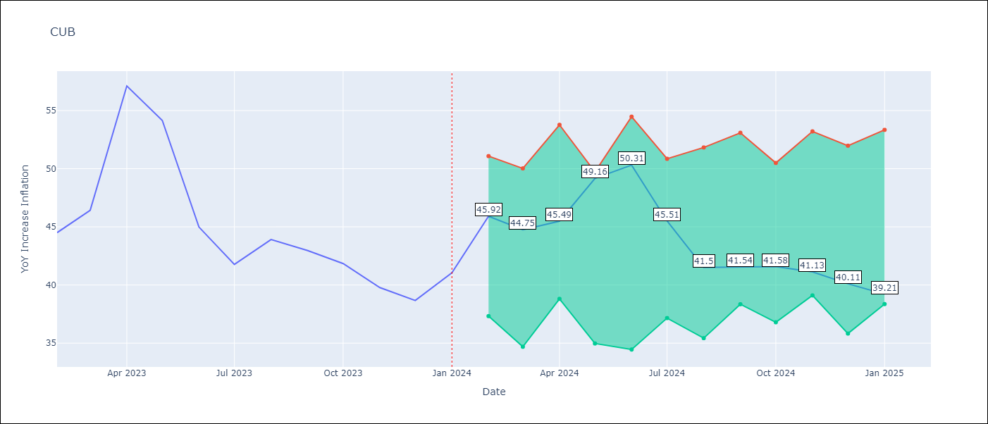

Test Metrics
RMSE | 4.24
Naive RMSE | 4.66
MAPE | 10.6%

Test Predictions
Date | Predicted | Actual
2023-02-01 | 45.92 | 44.5
2023-03-01 | 45.26 | 46.42
2023-04-01 | 45.43 | 57.12
2023-05-01 | 49.2 | 54.15
2023-06-01 | 49.52 | 44.99
2023-07-01 | 44.65 | 41.77
2023-08-01 | 40.76 | 43.91
2023-09-01 | 40.79 | 42.96
2023-10-01 | 40.86 | 41.84
2023-11-01 | 40.51 | 39.78
2023-12-01 | 39.55 | 38.67
2024-01-01 | 38.7 | 41.06

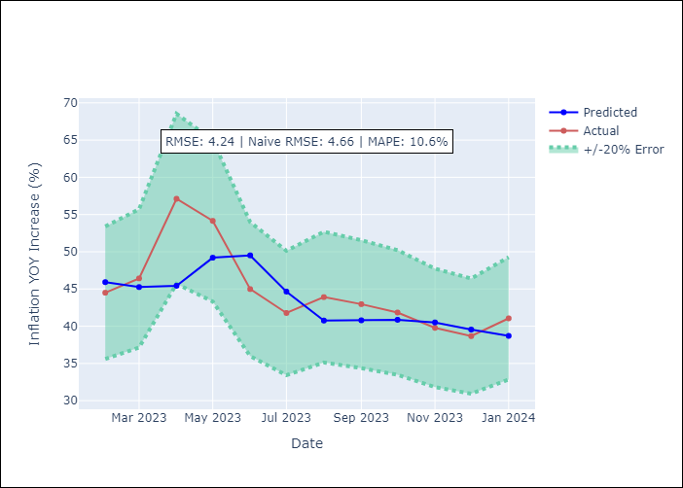

Appendix A: Model Summary
Model | Random Forest
Sample | 2003-01-01 to 2024-01-01
No. of Observations | 253
Terms | P-value (Statistical significance)

Assumptions | P-value

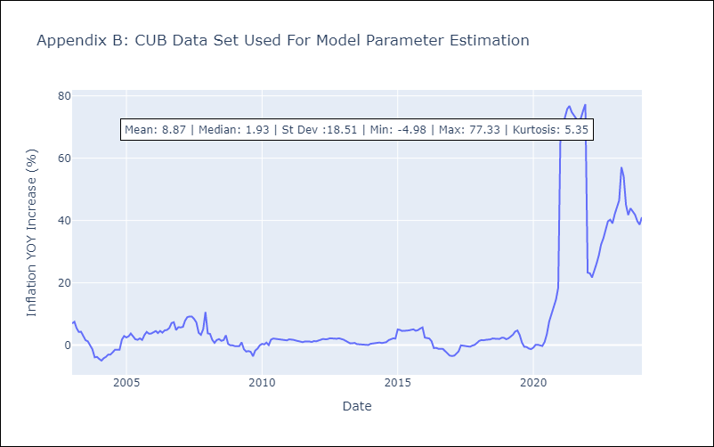

Appendix C: Residuals Analysis
Mean

DOM
DOM - Inflation - Next 12 months forecast as of: 2025-04-01

Model | Random Forest - [(0, 2, 2), (0, 0, 1, 12)]
Training Data | 1994-01-01 to 2024-05-01
Test Data | 2024-05-01 to 2025-04-01

Date | Inflation Change YoY % | Lower Bound - 95% Confidence Interval | Upper Bound - 95% Confidence Interval
2025-05-01 | 3.3 | 1.11 | 3.95
2025-06-01 | 3.17 | 0.89 | 2.89
2025-07-01 | 3.33 | 1.62 | 4.28
2025-08-01 | 3.59 | 3.01 | 4.85
2025-09-01 | 3.91 | 1.27 | 3.71
2025-10-01 | 4.03 | 0.74 | 2.84
2025-11-01 | 4.06 | 1.79 | 4.7
2025-12-01 | 4.05 | 2.91 | 5.11
2026-01-01 | 4.01 | 1.25 | 3.72
2026-02-01 | 3.97 | 0.66 | 2.79
2026-03-01 | 3.94 | 1.77 | 4.42
2026-04-01 | 3.95 | 2.98 | 5.55

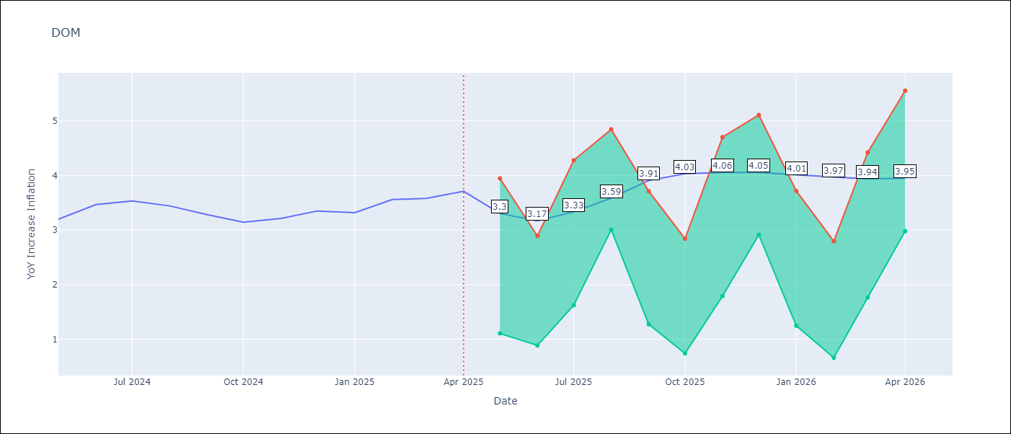

Test Metrics
RMSE | 1.48
Naive RMSE | 0.14
MAPE | 38.5%

Test Predictions
Date | Predicted | Actual
2024-05-01 | 3.14 | 3.2
2024-06-01 | 2.99 | 3.47
2024-07-01 | 2.79 | 3.53
2024-08-01 | 2.48 | 3.44
2024-09-01 | 2.3 | 3.28
2024-10-01 | 2.11 | 3.15
2024-11-01 | 1.84 | 3.21
2024-12-01 | 1.61 | 3.35
2025-01-01 | 1.53 | 3.32
2025-02-01 | 1.47 | 3.56
2025-03-01 | 1.41 | 3.58
2025-04-01 | 1.39 | 3.71

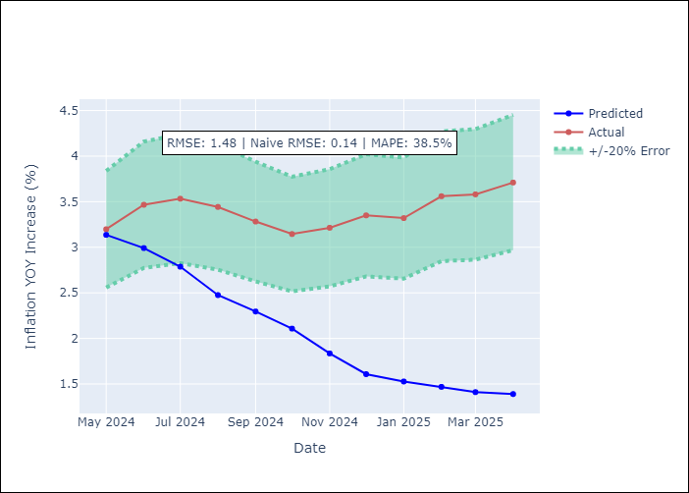

Appendix A: Model Summary
Model | Random Forest
Sample | 1994-01-01 to 2025-04-01
No. of Observations | 376
Terms | P-value (Statistical significance)

Assumptions | P-value

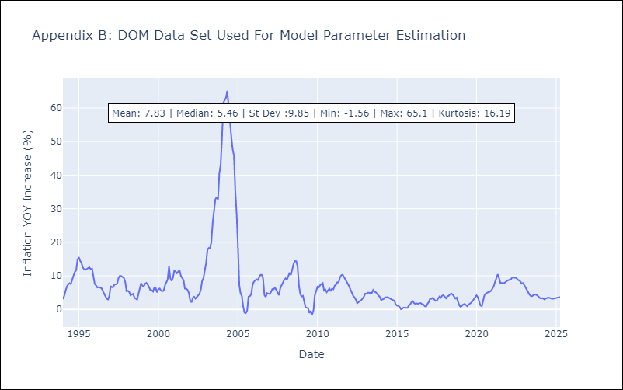

Appendix C: Residuals Analysis
Mean

GTM
GTM - Inflation - Next 12 months forecast as of: 2025-04-01

Model | Random Forest - [(1, 1, 0), (0, 0, 2, 12)]
Training Data | 1994-07-01 to 2024-05-01
Test Data | 2024-05-01 to 2025-04-01

Date | Inflation Change YoY % | Lower Bound - 95% Confidence Interval | Upper Bound - 95% Confidence Interval
2025-05-01 | 3.85 | 2.24 | 5.01
2025-06-01 | 3.95 | 3.62 | 5.1
2025-07-01 | 3.98 | 3.44 | 5.91
2025-08-01 | 3.98 | 3.25 | 4.4
2025-09-01 | 4.01 | 2.34 | 3.7
2025-10-01 | 4.18 | 2.94 | 4.87
2025-11-01 | 4.23 | 3.31 | 4.34
2025-12-01 | 4.04 | 3.07 | 4.33
2026-01-01 | 3.84 | 2.63 | 3.78
2026-02-01 | 3.72 | 2.47 | 5.06
2026-03-01 | 3.62 | 3.49 | 4.6
2026-04-01 | 3.48 | 3.05 | 4.36

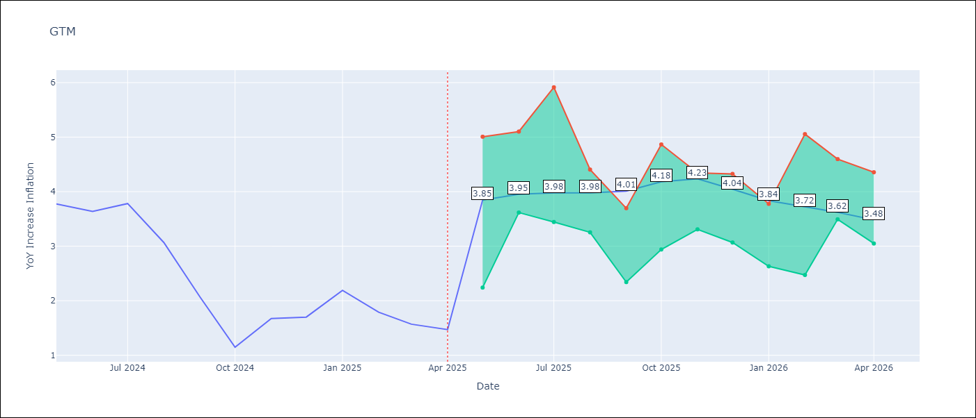

Test Metrics
RMSE | 2.16
Naive RMSE | 0.53
MAPE | 105.19%

Test Predictions
Date | Predicted | Actual
2024-05-01 | 3.33 | 3.77
2024-06-01 | 3.54 | 3.64
2024-07-01 | 3.87 | 3.78
2024-08-01 | 3.99 | 3.07
2024-09-01 | 3.92 | 2.07
2024-10-01 | 3.94 | 1.15
2024-11-01 | 4.14 | 1.67
2024-12-01 | 4.4 | 1.7
2025-01-01 | 4.39 | 2.19
2025-02-01 | 4.46 | 1.79
2025-03-01 | 4.56 | 1.57
2025-04-01 | 4.53 | 1.47

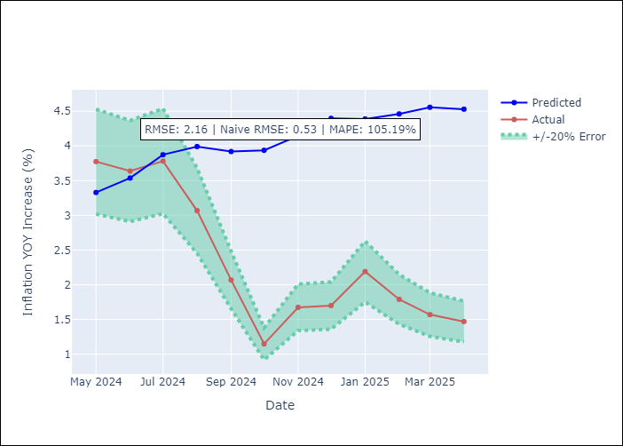

Appendix A: Model Summary
Model | Random Forest
Sample | 1994-07-01 to 2025-04-01
No. of Observations | 370
Terms | P-value (Statistical significance)

Assumptions | P-value

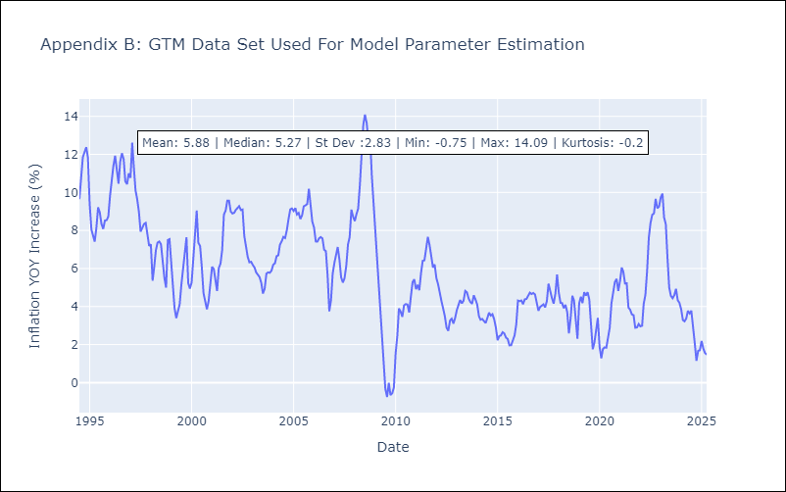

Appendix C: Residuals Analysis
Mean

HND
HND - Inflation - Next 12 months forecast as of: 2025-04-01

Model | Random Forest - [(2, 0, 1), (0, 0, 2, 12)]
Training Data | 1994-07-01 to 2024-05-01
Test Data | 2024-05-01 to 2025-04-01

Date | Inflation Change YoY % | Lower Bound - 95% Confidence Interval | Upper Bound - 95% Confidence Interval
2025-05-01 | 5.13 | 3.84 | 5.36
2025-06-01 | 5.2 | 4.31 | 7.8
2025-07-01 | 5.28 | 4.23 | 5.91
2025-08-01 | 5.38 | 5.01 | 6.16
2025-09-01 | 5.56 | 4.57 | 5.71
2025-10-01 | 5.59 | 5.11 | 6.09
2025-11-01 | 5.69 | 4.63 | 5.79
2025-12-01 | 5.76 | 5.13 | 6.27
2026-01-01 | 5.83 | 3.93 | 5.94
2026-02-01 | 5.88 | 3.97 | 6.11
2026-03-01 | 5.91 | 4.5 | 5.93
2026-04-01 | 5.84 | 5.02 | 6.1

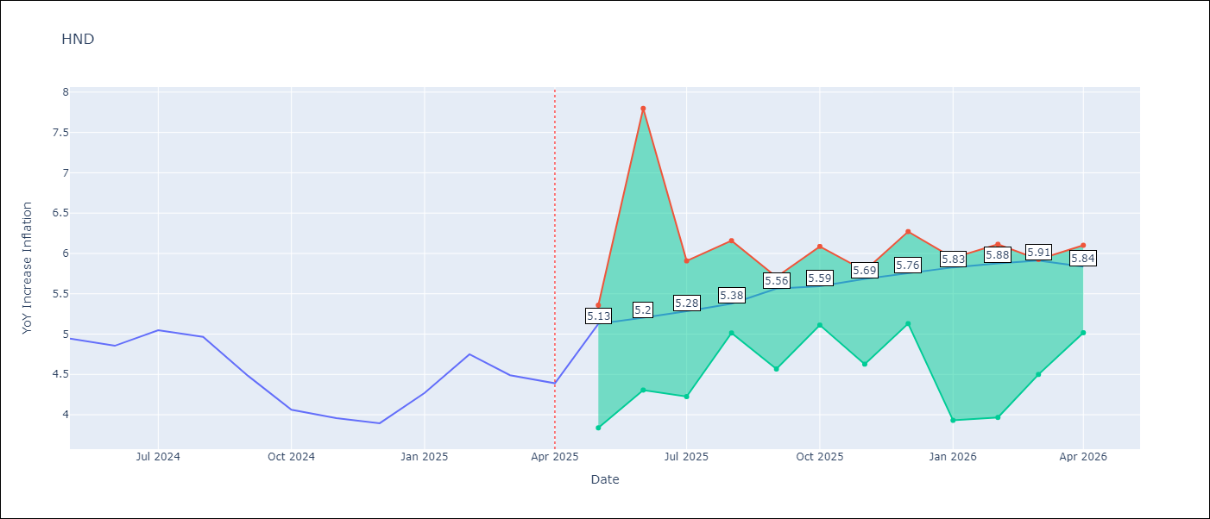

Test Metrics
RMSE | 1.57
Naive RMSE | 0.29
MAPE | 32.92%

Test Predictions
Date | Predicted | Actual
2024-05-01 | 5.38 | 4.94
2024-06-01 | 5.47 | 4.86
2024-07-01 | 5.63 | 5.05
2024-08-01 | 5.77 | 4.97
2024-09-01 | 5.82 | 4.48
2024-10-01 | 5.75 | 4.06
2024-11-01 | 5.8 | 3.96
2024-12-01 | 5.91 | 3.89
2025-01-01 | 6.18 | 4.27
2025-02-01 | 6.47 | 4.75
2025-03-01 | 6.64 | 4.49
2025-04-01 | 6.55 | 4.39

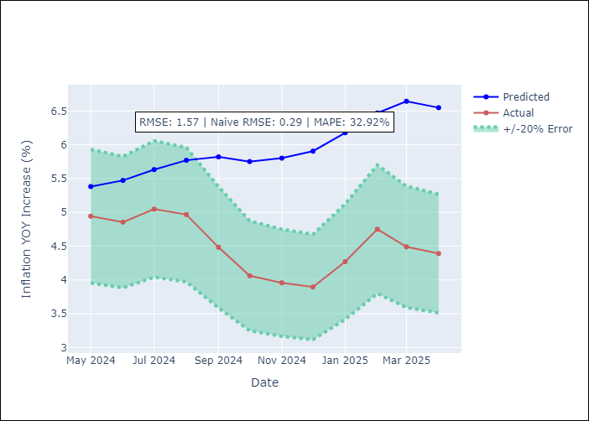

Appendix A: Model Summary
Model | Random Forest
Sample | 1994-07-01 to 2025-04-01
No. of Observations | 370
Terms | P-value (Statistical significance)

Assumptions | P-value

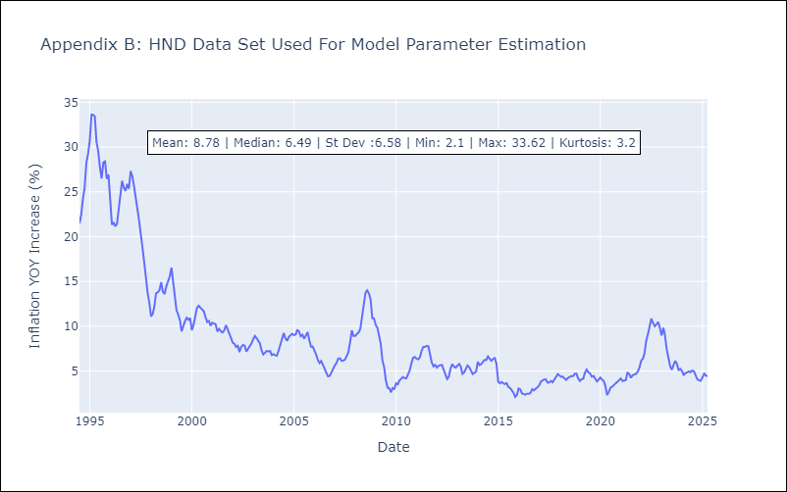

Appendix C: Residuals Analysis
Mean

HTI
HTI - Inflation - Next 12 months forecast as of: 2024-03-01

Model | Random Forest - [(2, 0, 1), (3, 0, 0, 12)]
Training Data | 1998-01-01 to 2023-04-01
Test Data | 2023-04-01 to 2024-03-01

Date | Inflation Change YoY % | Lower Bound - 95% Confidence Interval | Upper Bound - 95% Confidence Interval
2024-04-01 | 14.39 | 15.03 | 40.93
2024-05-01 | 14.49 | 13.88 | 22.74
2024-06-01 | 14.62 | 13.44 | 21.45
2024-07-01 | 14.77 | 10.98 | 20.01
2024-08-01 | 14.79 | 11.99 | 18.64
2024-09-01 | 14.52 | 12.39 | 14.85
2024-10-01 | 14.23 | 13.46 | 17.69
2024-11-01 | 13.84 | 9.95 | 18.01
2024-12-01 | 13.54 | 11.9 | 16.63
2025-01-01 | 13.39 | 12.06 | 18.01
2025-02-01 | 13.28 | 13.11 | 15.81
2025-03-01 | 13.2 | 13.2 | 15.27

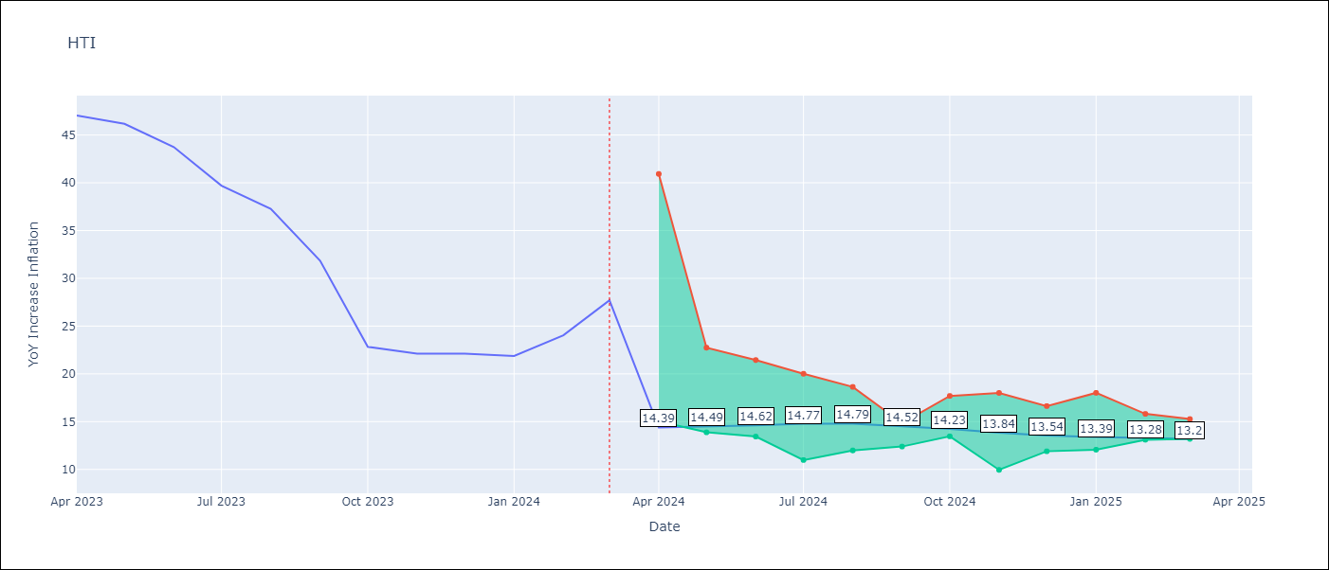

Test Metrics
RMSE | 6.29
Naive RMSE | 3.79
MAPE | 28.3%

Test Predictions
Date | Predicted | Actual
2023-04-01 | 41.79 | 47.04
2023-05-01 | 37.67 | 46.18
2023-06-01 | 33.43 | 43.75
2023-07-01 | 29.98 | 39.71
2023-08-01 | 27.88 | 37.27
2023-09-01 | 27.41 | 31.86
2023-10-01 | 26.6 | 22.83
2023-11-01 | 25.26 | 22.12
2023-12-01 | 24.1 | 22.12
2024-01-01 | 23.09 | 21.87
2024-02-01 | 22.26 | 24.04
2024-03-01 | 21.89 | 27.7

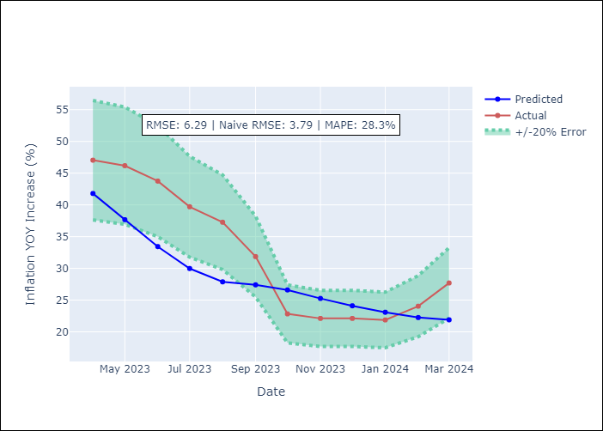

Appendix A: Model Summary
Model | Random Forest
Sample | 1998-01-01 to 2024-03-01
No. of Observations | 315
Terms | P-value (Statistical significance)

Assumptions | P-value

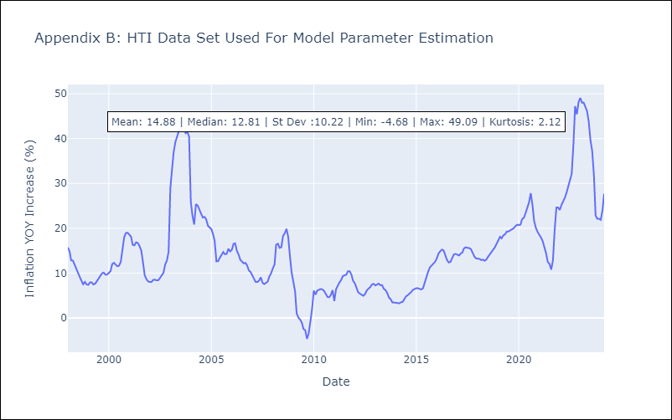

Appendix C: Residuals Analysis
Mean

MEX
MEX - Inflation - Next 12 months forecast as of: 2025-04-01

Model | Random Forest - [(3, 1, 1), (0, 0, 2, 12)]
Training Data | 1992-01-01 to 2024-05-01
Test Data | 2024-05-01 to 2025-04-01

Date | Inflation Change YoY % | Lower Bound - 95% Confidence Interval | Upper Bound - 95% Confidence Interval
2025-05-01 | 4.93 | 3.45 | 4.49
2025-06-01 | 4.86 | 3.75 | 4.79
2025-07-01 | 4.71 | 3.67 | 4.62
2025-08-01 | 4.64 | 3.23 | 4.21
2025-09-01 | 4.7 | 3.35 | 4.4
2025-10-01 | 4.86 | 3.62 | 4.61
2025-11-01 | 4.94 | 3.72 | 5.62
2025-12-01 | 4.93 | 3.72 | 5.47
2026-01-01 | 4.81 | 3.41 | 4.35
2026-02-01 | 4.59 | 3.68 | 4.48
2026-03-01 | 4.47 | 3.83 | 5.25
2026-04-01 | 4.32 | 3.88 | 5.61

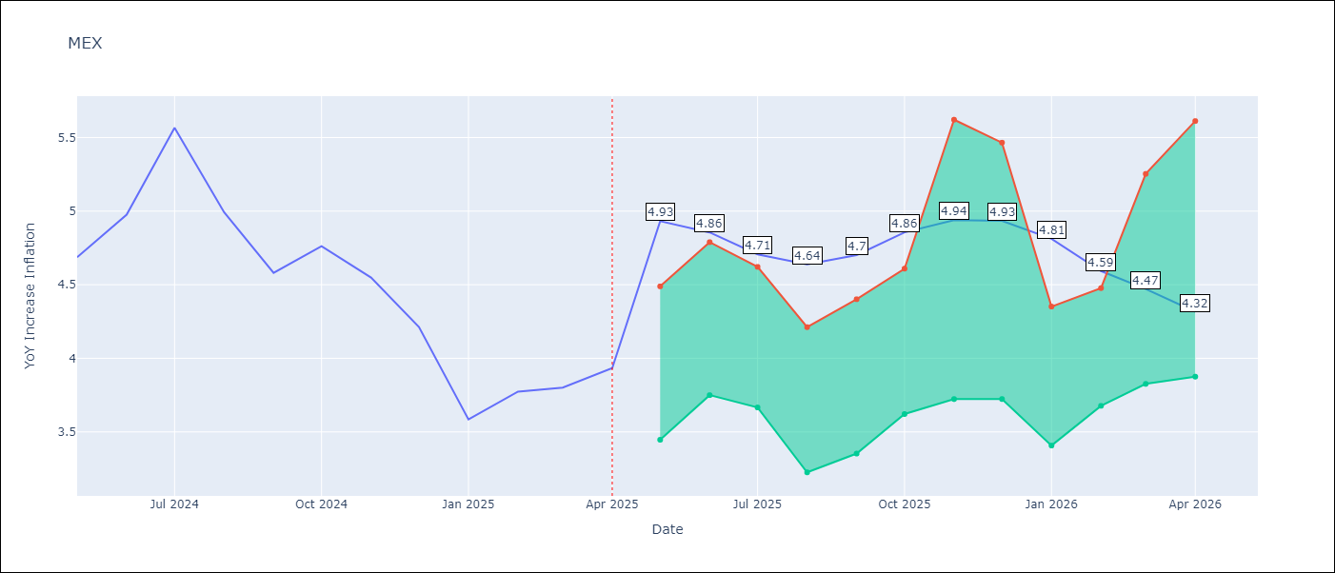

Test Metrics
RMSE | 0.57
Naive RMSE | 0.38
MAPE | 13.16%

Test Predictions
Date | Predicted | Actual
2024-05-01 | 4.38 | 4.69
2024-06-01 | 4.27 | 4.98
2024-07-01 | 4.23 | 5.57
2024-08-01 | 4.26 | 4.99
2024-09-01 | 4.18 | 4.58
2024-10-01 | 4.15 | 4.76
2024-11-01 | 4.12 | 4.55
2024-12-01 | 4 | 4.21
2025-01-01 | 3.9 | 3.59
2025-02-01 | 3.74 | 3.77
2025-03-01 | 3.66 | 3.8
2025-04-01 | 3.6 | 3.93

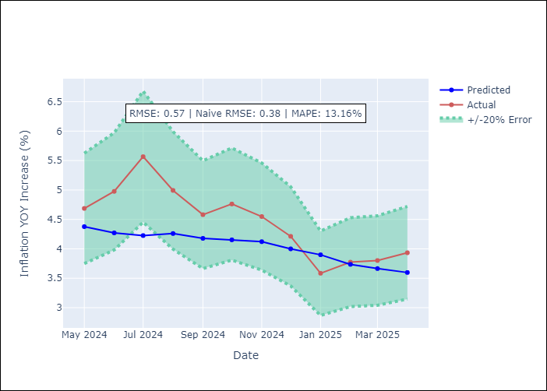

Appendix A: Model Summary
Model | Random Forest
Sample | 1992-01-01 to 2025-04-01
No. of Observations | 400
Terms | P-value (Statistical significance)

Assumptions | P-value

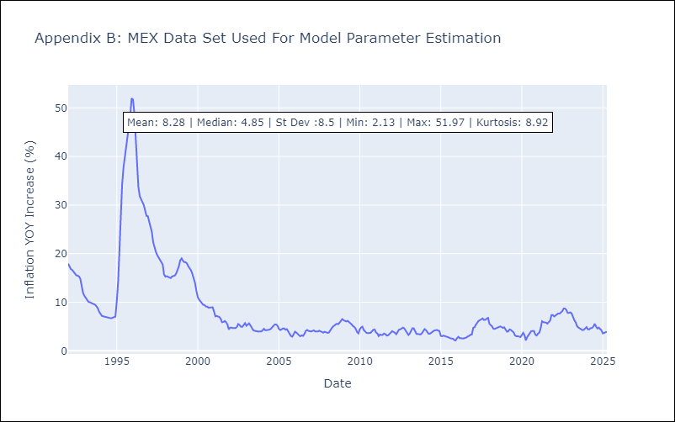

Appendix C: Residuals Analysis
Mean

NIC
NIC - Inflation - Next 12 months forecast as of: 2025-04-01

Model | Random Forest - [(1, 1, 0), (2, 0, 1, 12)]
Training Data | 2012-12-01 to 2024-04-01
Test Data | 2024-04-01 to 2025-04-01

Date | Inflation Change YoY % | Lower Bound - 95% Confidence Interval | Upper Bound - 95% Confidence Interval
2025-05-01 | 5.63 | 3.17 | 6.02
2025-06-01 | 5.53 | 4.02 | 6.46
2025-07-01 | 5.51 | 3.93 | 5.9
2025-08-01 | 5.42 | 3.08 | 5.83
2025-09-01 | 4.98 | 3.26 | 4.94
2025-10-01 | 4.36 | 4.65 | 6.02
2025-11-01 | 3.9 | 4.2 | 5.96
2025-12-01 | 3.68 | 3.2 | 5.68
2026-01-01 | 3.54 | 3.17 | 4.87
2026-02-01 | 3.38 | 4.53 | 6.2
2026-03-01 | 3.29 | 4.12 | 5.9
2026-04-01 | 3.3 | 3.23 | 5.8

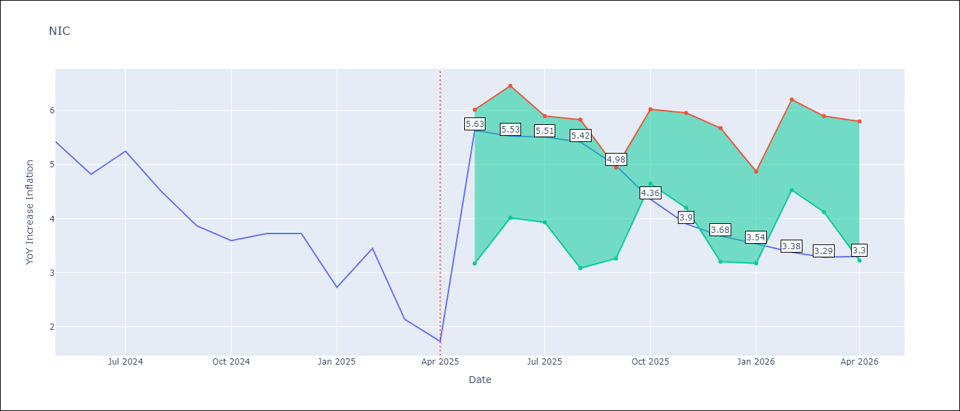

Test Metrics
RMSE | 1.62
Naive RMSE | 0.67
MAPE | 54.04%

Test Predictions
Date | Predicted | Actual
2024-04-01 | 5.13 | 5.42
2024-05-01 | 5.32 | 5.43
2024-06-01 | 5.56 | 4.82
2024-07-01 | 5.63 | 5.25
2024-08-01 | 5.61 | 4.51
2024-09-01 | 5.54 | 3.87
2024-10-01 | 5.53 | 3.59
2024-11-01 | 5.25 | 3.73
2025-01-01 | 4.97 | 2.73
2025-02-01 | 4.77 | 3.45
2025-03-01 | 4.65 | 2.14
2025-04-01 | 4.47 | 1.73

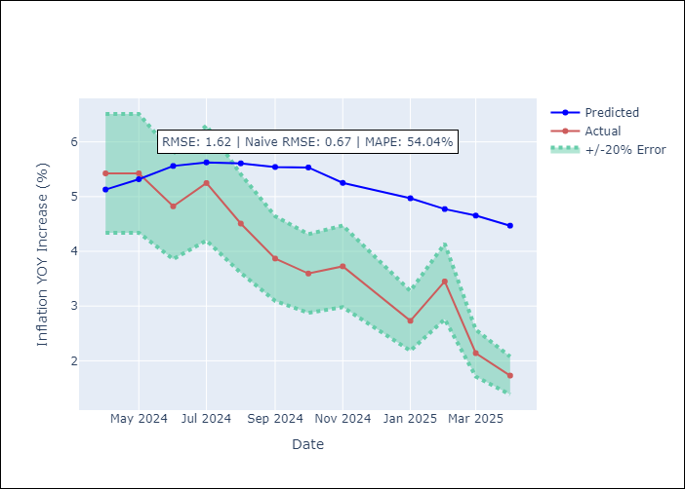

Appendix A: Model Summary
Model | Random Forest
Sample | 2012-12-01 to 2025-04-01
No. of Observations | 148
Terms | P-value (Statistical significance)

Assumptions | P-value

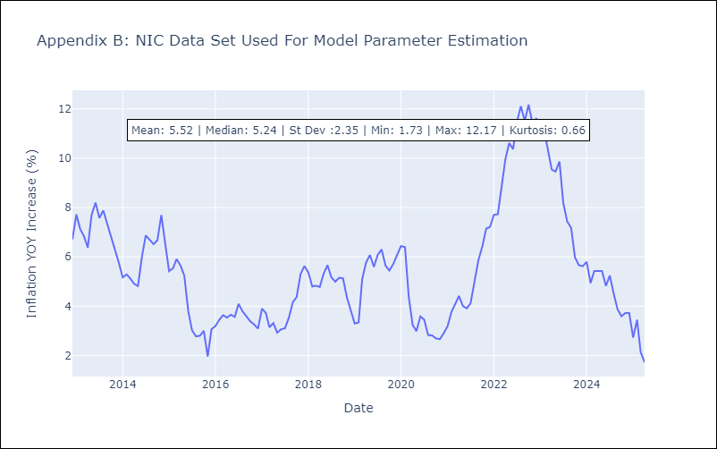

Appendix C: Residuals Analysis
Mean

PAN
PAN - Inflation - Next 12 months forecast as of: 2025-04-01

Model | Random Forest - [(2, 1, 1), (2, 0, 1, 12)]
Training Data | 1994-07-01 to 2024-05-01
Test Data | 2024-05-01 to 2025-04-01

Date | Inflation Change YoY % | Lower Bound - 95% Confidence Interval | Upper Bound - 95% Confidence Interval
2025-05-01 | 4.04 | -1.83 | 0.2
2025-06-01 | 3.97 | -1.26 | 1.73
2025-07-01 | 3.9 | 1.37 | 3.15
2025-08-01 | 3.87 | 2.67 | 6.16
2025-09-01 | 3.8 | 3.38 | 6.31
2025-10-01 | 3.71 | 2.45 | 4.5
2025-11-01 | 3.54 | 0.99 | 2.81
2025-12-01 | 3.46 | 0.63 | 4
2026-01-01 | 3.41 | 2.77 | 6.09
2026-02-01 | 3.4 | 5.7 | 8.15
2026-03-01 | 3.22 | 3.36 | 6.66
2026-04-01 | 3.09 | 2.84 | 4.04

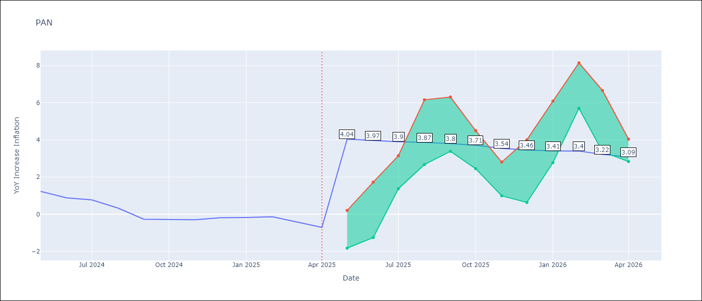

Test Metrics
RMSE | 1.08
Naive RMSE | 0.28
MAPE | 376.49%

Test Predictions
Date | Predicted | Actual
2024-05-01 | 1.5 | 1.23
2024-06-01 | 1.49 | 0.88
2024-07-01 | 1.26 | 0.77
2024-08-01 | 1.1 | 0.33
2024-09-01 | 0.78 | -0.27
2024-10-01 | 0.71 | -0.29
2024-11-01 | 0.54 | -0.3
2024-12-01 | 0.85 | -0.19
2025-01-01 | 1.03 | -0.18
2025-02-01 | 1.09 | -0.14
2025-03-01 | 1.13 | -0.41
2025-04-01 | 1.19 | -0.71

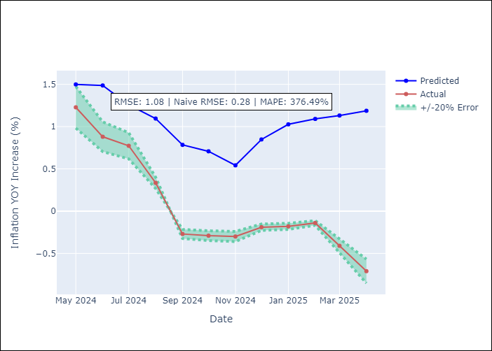

Appendix A: Model Summary
Model | Random Forest
Sample | 1994-07-01 to 2025-04-01
No. of Observations | 370
Terms | P-value (Statistical significance)

Assumptions | P-value

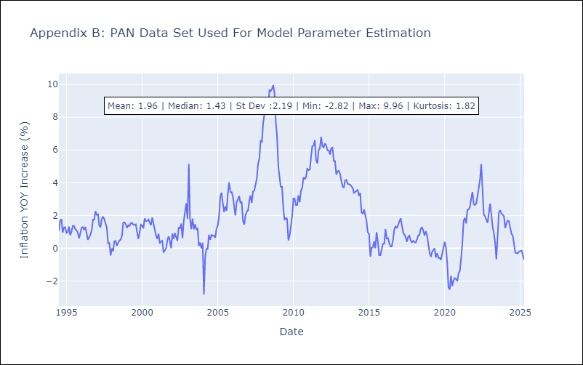

Appendix C: Residuals Analysis
Mean

SLV
SLV - Inflation - Next 12 months forecast as of: 2025-04-01

Model | Random Forest - [(1, 1, 0), (2, 0, 1, 12)]
Training Data | 1994-07-01 to 2024-05-01
Test Data | 2024-05-01 to 2025-04-01

Date | Inflation Change YoY % | Lower Bound - 95% Confidence Interval | Upper Bound - 95% Confidence Interval
2025-05-01 | 4.17 | -0.67 | 1.13
2025-06-01 | 4 | 0.63 | 5.36
2025-07-01 | 4.15 | 2.77 | 5.47
2025-08-01 | 4.4 | 2.37 | 5.26
2025-09-01 | 4.65 | 3.85 | 5.14
2025-10-01 | 4.74 | 3.88 | 4.89
2025-11-01 | 4.6 | 3.69 | 4.99
2025-12-01 | 4.19 | 3.56 | 4.95
2026-01-01 | 4.22 | 3.55 | 5.38
2026-02-01 | 4.24 | 3.58 | 5.28
2026-03-01 | 4.4 | 3.8 | 5.06
2026-04-01 | 4.64 | 3.78 | 4.97

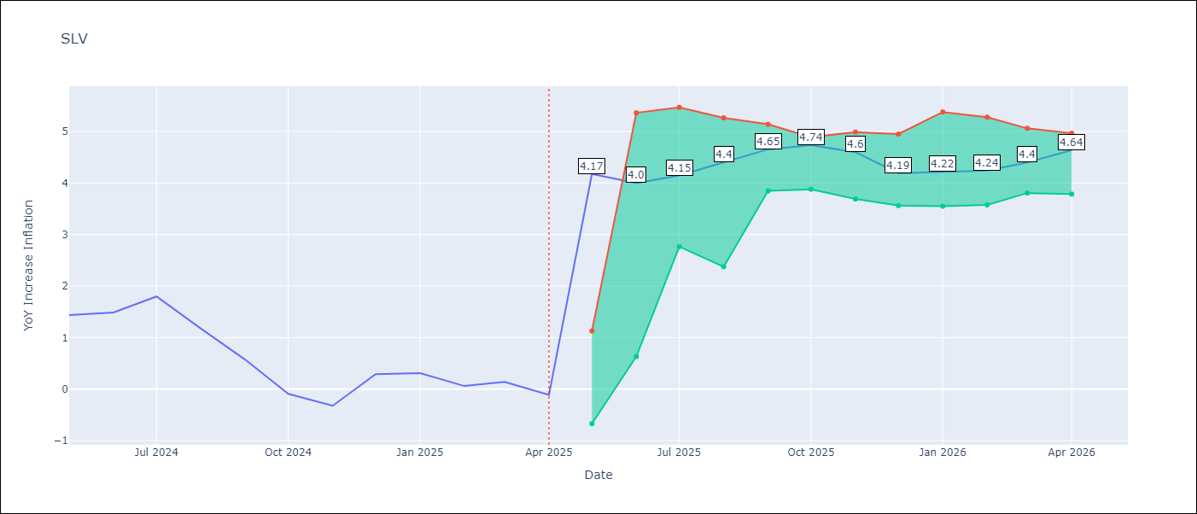

Test Metrics
RMSE | 1.01
Naive RMSE | 0.41
MAPE | 580.99%

Test Predictions
Date | Predicted | Actual
2024-05-01 | 1.16 | 1.44
2024-06-01 | 1.26 | 1.49
2024-07-01 | 1.3 | 1.8
2024-08-01 | 1.39 | 1.17
2024-09-01 | 1.36 | 0.57
2024-10-01 | 1.21 | -0.09
2024-11-01 | 1 | -0.32
2024-12-01 | 1.08 | 0.29
2025-01-01 | 1.33 | 0.31
2025-02-01 | 1.47 | 0.06
2025-03-01 | 1.48 | 0.14
2025-04-01 | 1.38 | -0.11

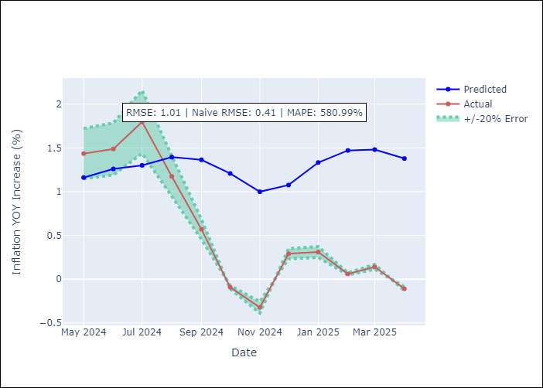

Appendix A: Model Summary
Model | Random Forest
Sample | 1994-07-01 to 2025-04-01
No. of Observations | 370
Terms | P-value (Statistical significance)

Assumptions | P-value

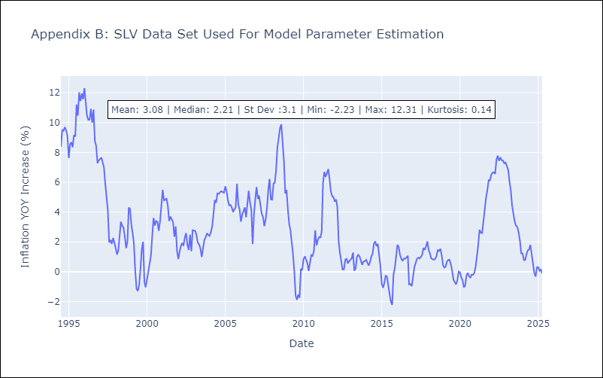

Appendix C: Residuals Analysis
Mean

