CRI
CRI - Inflation - Next 12 months forecast as of: 2025-04-01

Model | Random Forest - [(2, 1, 1), (2, 0, 1, 12)]
Training Data | 1994-07-01 to 2024-05-01
Test Data | 2024-05-01 to 2025-04-01

Date | Inflation Change YoY % | Lower Bound - 95% Confidence Interval | Upper Bound - 95% Confidence Interval
2025-05-01 | 1.83 | 1.02 | 6.96
2025-06-01 | 1.83 | 1.1 | 8.27
2025-07-01 | 1.94 | -0.93 | 3.01
2025-08-01 | 2.11 | 0.68 | 14.55
2025-09-01 | 2.15 | -0.5 | 7
2025-10-01 | 2.1 | -0.88 | 0.74
2025-11-01 | 1.97 | 0.65 | 5.88
2025-12-01 | 1.87 | 2.03 | 3.62
2026-01-01 | 1.78 | 1.02 | 2.26
2026-02-01 | 1.76 | 1.24 | 2.3
2026-03-01 | 1.79 | 1.59 | 2.51
2026-04-01 | 1.79 | 1.51 | 2.4

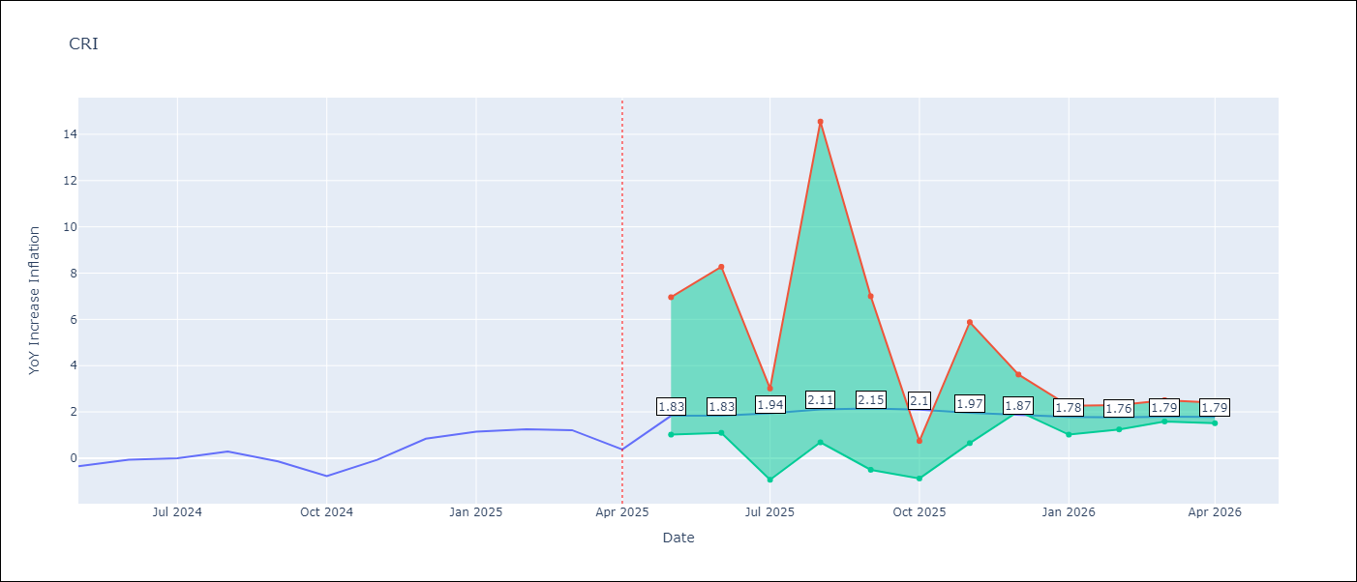

Test Metrics
RMSE | 2.4
Naive RMSE | 0.51
MAPE | inf%

Test Predictions
Date | Predicted | Actual
2024-05-01 | 0.98 | -0.35
2024-06-01 | 1.51 | -0.06
2024-07-01 | 1.83 | 0
2024-08-01 | 1.89 | 0.28
2024-09-01 | 2.06 | -0.14
2024-10-01 | 2.35 | -0.77
2024-11-01 | 2.76 | -0.07
2024-12-01 | 3.09 | 0.84
2025-01-01 | 3.37 | 1.15
2025-02-01 | 3.61 | 1.25
2025-03-01 | 3.85 | 1.21
2025-04-01 | 4.08 | 0.38

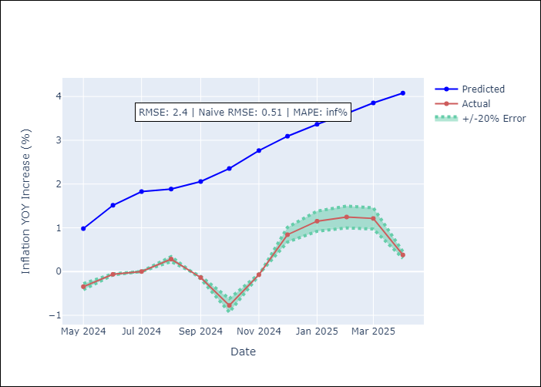

Appendix A: Model Summary
Model | Random Forest
Sample | 1994-07-01 to 2025-04-01
No. of Observations | 370
Terms | P-value (Statistical significance)

Assumptions | P-value

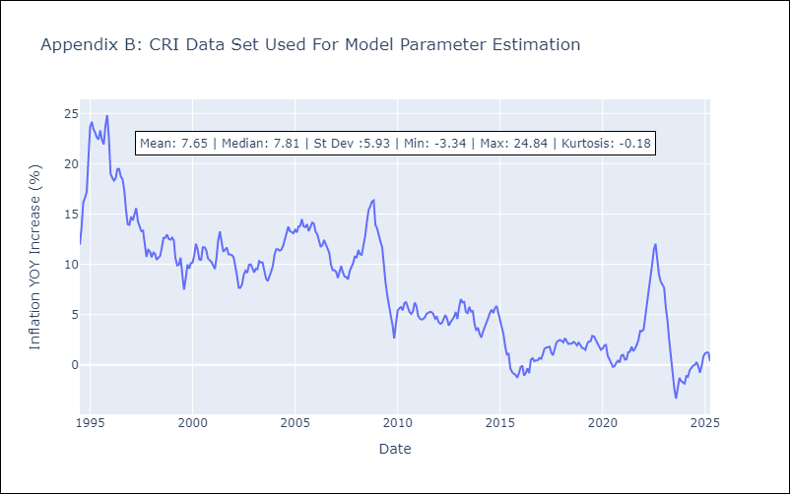

Appendix C: Residuals Analysis
Mean

CUB
CUB - Inflation - Next 12 months forecast as of: 2024-01-01

Model | Random Forest - [(0, 2, 1), (0, 0, 1, 12)]
Training Data | 2003-01-01 to 2023-02-01
Test Data | 2023-02-01 to 2024-01-01

Date | Inflation Change YoY % | Lower Bound - 95% Confidence Interval | Upper Bound - 95% Confidence Interval
2024-02-01 | 44.27 | 37.62 | 50.38
2024-03-01 | 43.02 | 37.55 | 52.73
2024-04-01 | 41.01 | 38.34 | 52.61
2024-05-01 | 45.57 | 35.49 | 50.36
2024-06-01 | 46.19 | 38.67 | 53.43
2024-07-01 | 43.85 | 32.27 | 51.17
2024-08-01 | 41.31 | 37.71 | 53.68
2024-09-01 | 41.7 | 33.49 | 52.84
2024-10-01 | 42.76 | 38.9 | 53.77
2024-11-01 | 42.6 | 36.11 | 50.26
2024-12-01 | 41.44 | 39.07 | 53.41
2025-01-01 | 40.24 | 32.56 | 51.71

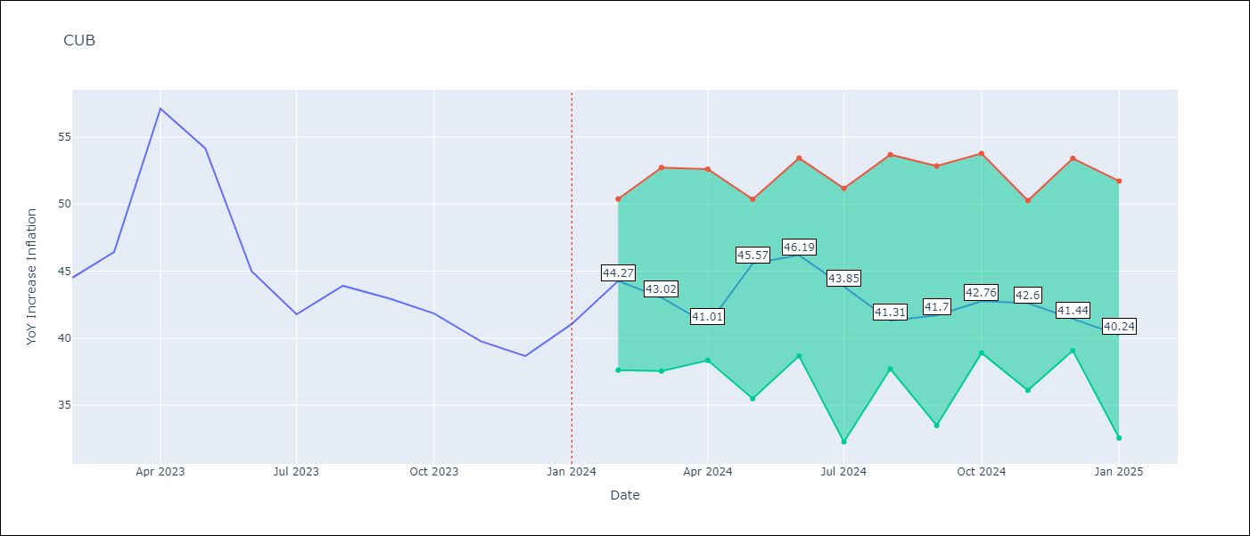

Test Metrics
RMSE | 4.94
Naive RMSE | 4.66
MAPE | 9.52%

Test Predictions
Date | Predicted | Actual
2023-02-01 | 45.99 | 44.5
2023-03-01 | 44.73 | 46.42
2023-04-01 | 42.69 | 57.12
2023-05-01 | 48.09 | 54.15
2023-06-01 | 49.16 | 44.99
2023-07-01 | 45.19 | 41.77
2023-08-01 | 42 | 43.91
2023-09-01 | 42.15 | 42.96
2023-10-01 | 42.36 | 41.84
2023-11-01 | 41.81 | 39.78
2023-12-01 | 40.77 | 38.67
2024-01-01 | 39.95 | 41.06

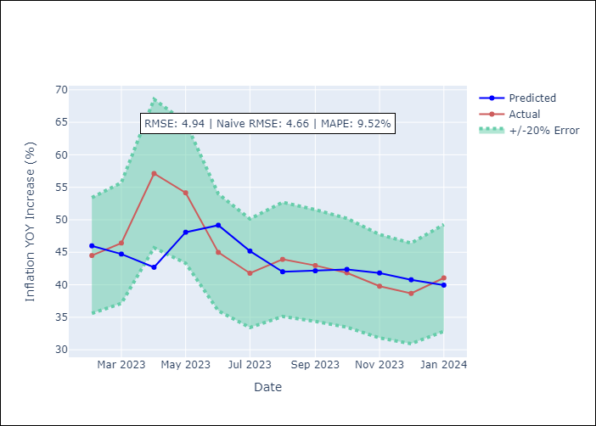

Appendix A: Model Summary
Model | Random Forest
Sample | 2003-01-01 to 2024-01-01
No. of Observations | 253
Terms | P-value (Statistical significance)

Assumptions | P-value

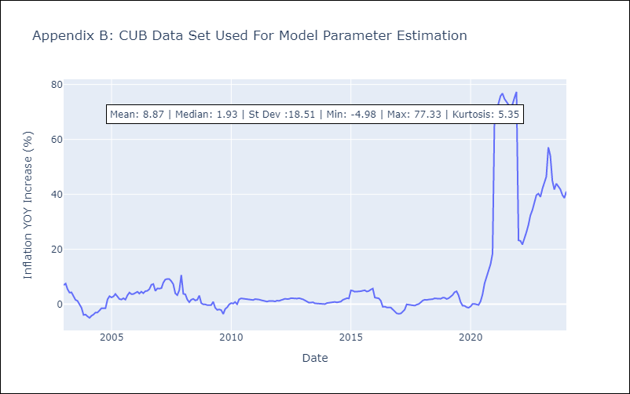

Appendix C: Residuals Analysis
Mean

DOM
DOM - Inflation - Next 12 months forecast as of: 2025-04-01

Model | Random Forest - [(0, 2, 2), (0, 0, 1, 12)]
Training Data | 1994-01-01 to 2024-05-01
Test Data | 2024-05-01 to 2025-04-01

Date | Inflation Change YoY % | Lower Bound - 95% Confidence Interval | Upper Bound - 95% Confidence Interval
2025-05-01 | 3.04 | 1.13 | 4.11
2025-06-01 | 2.99 | 0.91 | 2.92
2025-07-01 | 2.81 | 2.2 | 4.65
2025-08-01 | 2.69 | 1.75 | 6.09
2025-09-01 | 2.71 | 1.18 | 3.16
2025-10-01 | 3.15 | 2.44 | 4.72
2025-11-01 | 3.62 | 1.51 | 9.42
2025-12-01 | 3.93 | 1.02 | 3.05
2026-01-01 | 4.07 | 2.35 | 4.67
2026-02-01 | 4.18 | 1.88 | 6.12
2026-03-01 | 4.33 | 1.07 | 3.02
2026-04-01 | 4.52 | 2.44 | 5

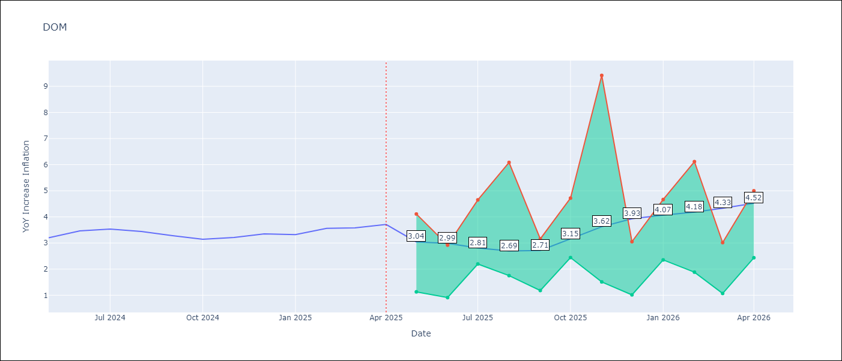

Test Metrics
RMSE | 1.3
Naive RMSE | 0.14
MAPE | 32.88%

Test Predictions
Date | Predicted | Actual
2024-05-01 | 3.25 | 3.2
2024-06-01 | 3.09 | 3.47
2024-07-01 | 2.93 | 3.53
2024-08-01 | 2.72 | 3.44
2024-09-01 | 2.53 | 3.28
2024-10-01 | 2.31 | 3.15
2024-11-01 | 2.08 | 3.21
2024-12-01 | 1.87 | 3.35
2025-01-01 | 1.7 | 3.32
2025-02-01 | 1.62 | 3.56
2025-03-01 | 1.59 | 3.58
2025-04-01 | 1.64 | 3.71

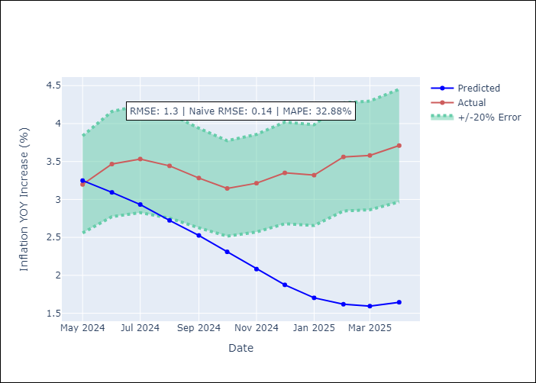

Appendix A: Model Summary
Model | Random Forest
Sample | 1994-01-01 to 2025-04-01
No. of Observations | 376
Terms | P-value (Statistical significance)

Assumptions | P-value

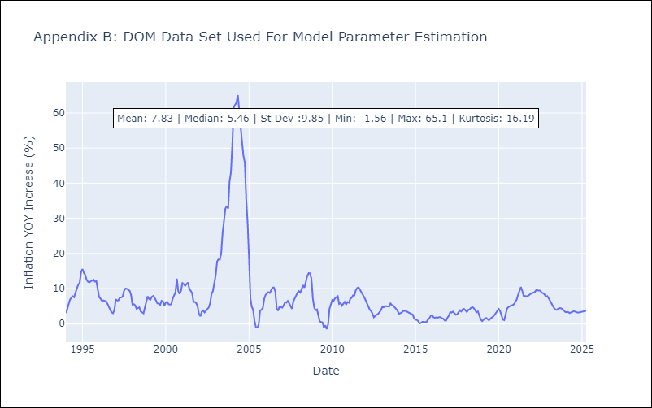

Appendix C: Residuals Analysis
Mean

GTM
GTM - Inflation - Next 12 months forecast as of: 2025-04-01

Model | Random Forest - [(1, 1, 0), (0, 0, 2, 12)]
Training Data | 1994-07-01 to 2024-05-01
Test Data | 2024-05-01 to 2025-04-01

Date | Inflation Change YoY % | Lower Bound - 95% Confidence Interval | Upper Bound - 95% Confidence Interval
2025-05-01 | 2.95 | 2.17 | 5.03
2025-06-01 | 2.94 | 3.59 | 5.5
2025-07-01 | 2.92 | 3.61 | 5.74
2025-08-01 | 2.91 | 3.63 | 6.31
2025-09-01 | 2.72 | 3.43 | 5.26
2025-10-01 | 2.53 | 3.2 | 4.88
2025-11-01 | 2.46 | 2.34 | 3.65
2025-12-01 | 2.41 | 2.43 | 4.59
2026-01-01 | 2.45 | 3.53 | 4.62
2026-02-01 | 2.59 | 3.67 | 4.76
2026-03-01 | 2.73 | 2.78 | 4.07
2026-04-01 | 2.96 | 2.34 | 3.56

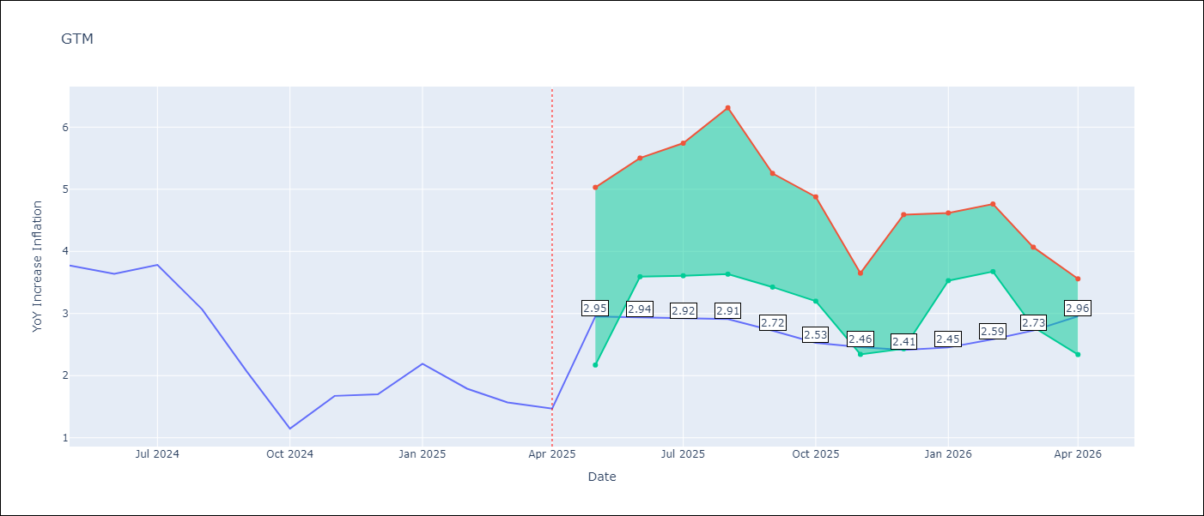

Test Metrics
RMSE | 2.16
Naive RMSE | 0.53
MAPE | 104.89%

Test Predictions
Date | Predicted | Actual
2024-05-01 | 3.34 | 3.77
2024-06-01 | 3.6 | 3.64
2024-07-01 | 3.81 | 3.78
2024-08-01 | 3.85 | 3.07
2024-09-01 | 3.88 | 2.07
2024-10-01 | 4.02 | 1.15
2024-11-01 | 4.22 | 1.67
2024-12-01 | 4.3 | 1.7
2025-01-01 | 4.42 | 2.19
2025-02-01 | 4.52 | 1.79
2025-03-01 | 4.53 | 1.57
2025-04-01 | 4.53 | 1.47

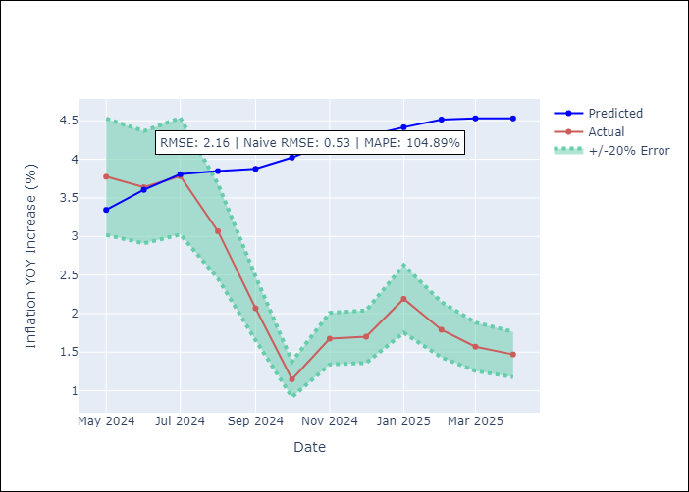

Appendix A: Model Summary
Model | Random Forest
Sample | 1994-07-01 to 2025-04-01
No. of Observations | 370
Terms | P-value (Statistical significance)

Assumptions | P-value

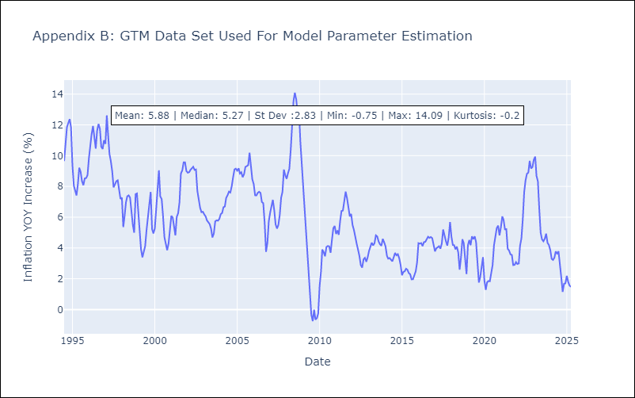

Appendix C: Residuals Analysis
Mean

HND
HND - Inflation - Next 12 months forecast as of: 2025-04-01

Model | Random Forest - [(2, 0, 1), (0, 0, 2, 12)]
Training Data | 1994-07-01 to 2024-05-01
Test Data | 2024-05-01 to 2025-04-01

Date | Inflation Change YoY % | Lower Bound - 95% Confidence Interval | Upper Bound - 95% Confidence Interval
2025-05-01 | 5.21 | 3.94 | 5.33
2025-06-01 | 5.2 | 4.17 | 6.21
2025-07-01 | 5.22 | 4.06 | 6.12
2025-08-01 | 5.25 | 4.99 | 5.91
2025-09-01 | 5.36 | 4.85 | 5.79
2025-10-01 | 5.31 | 5.01 | 5.82
2025-11-01 | 5.38 | 4.88 | 5.81
2025-12-01 | 5.5 | 5.07 | 5.82
2026-01-01 | 5.58 | 4.98 | 5.78
2026-02-01 | 5.6 | 4.97 | 5.96
2026-03-01 | 5.65 | 4.56 | 5.88
2026-04-01 | 5.66 | 5.01 | 5.81

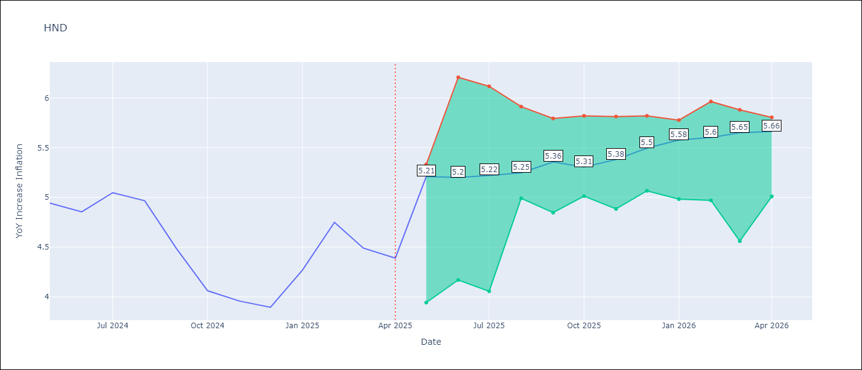

Test Metrics
RMSE | 1.57
Naive RMSE | 0.29
MAPE | 32.47%

Test Predictions
Date | Predicted | Actual
2024-05-01 | 5.31 | 4.94
2024-06-01 | 5.37 | 4.86
2024-07-01 | 5.57 | 5.05
2024-08-01 | 5.75 | 4.97
2024-09-01 | 5.76 | 4.48
2024-10-01 | 5.76 | 4.06
2024-11-01 | 5.78 | 3.96
2024-12-01 | 5.9 | 3.89
2025-01-01 | 6.11 | 4.27
2025-02-01 | 6.47 | 4.75
2025-03-01 | 6.74 | 4.49
2025-04-01 | 6.61 | 4.39

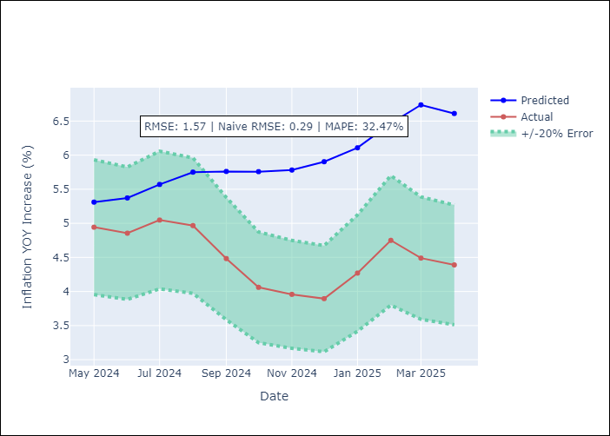

Appendix A: Model Summary
Model | Random Forest
Sample | 1994-07-01 to 2025-04-01
No. of Observations | 370
Terms | P-value (Statistical significance)

Assumptions | P-value

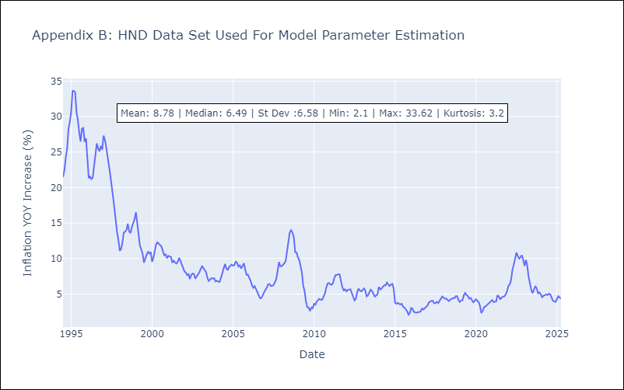

Appendix C: Residuals Analysis
Mean

HTI
HTI - Inflation - Next 12 months forecast as of: 2024-03-01

Model | Random Forest - [(2, 0, 1), (3, 0, 0, 12)]
Training Data | 1998-01-01 to 2023-04-01
Test Data | 2023-04-01 to 2024-03-01

Date | Inflation Change YoY % | Lower Bound - 95% Confidence Interval | Upper Bound - 95% Confidence Interval
2024-04-01 | 17.13 | 14.25 | 41.26
2024-05-01 | 16.87 | 13.37 | 20.29
2024-06-01 | 16.5 | 15.58 | 20.15
2024-07-01 | 16.01 | 15.12 | 22.4
2024-08-01 | 15.69 | 12.9 | 21.61
2024-09-01 | 15.47 | 13.27 | 21.16
2024-10-01 | 15.49 | 11.75 | 20.19
2024-11-01 | 15.76 | 11.17 | 16.41
2024-12-01 | 16.12 | 14.02 | 16.38
2025-01-01 | 16.63 | 11.36 | 14.27
2025-02-01 | 17.26 | 14.4 | 18.97
2025-03-01 | 17.98 | 12.5 | 22

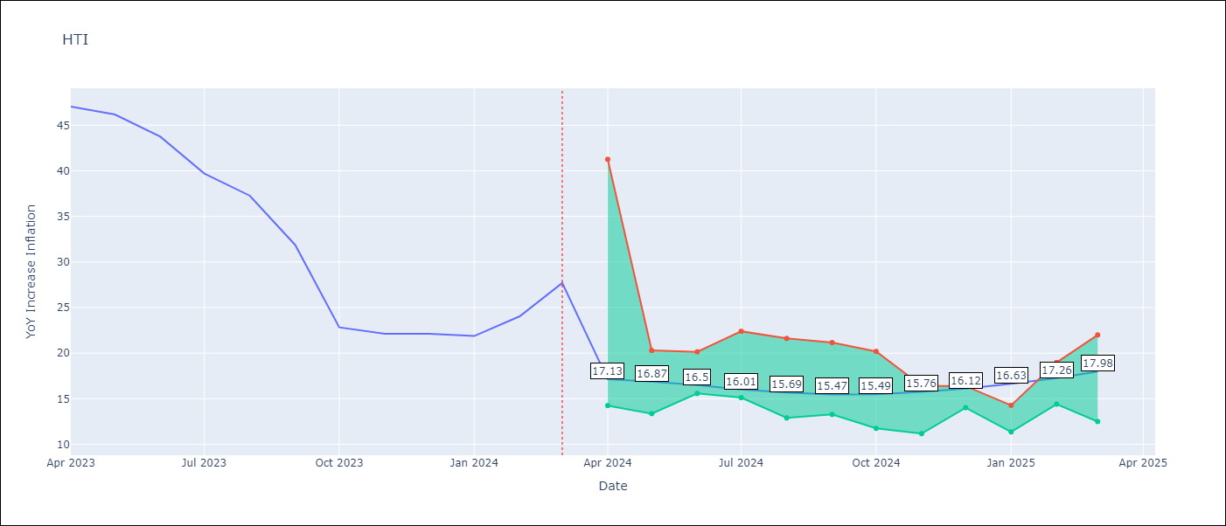

Test Metrics
RMSE | 5.62
Naive RMSE | 3.79
MAPE | 28.87%

Test Predictions
Date | Predicted | Actual
2023-04-01 | 41.39 | 47.04
2023-05-01 | 38.46 | 46.18
2023-06-01 | 35.73 | 43.75
2023-07-01 | 31.64 | 39.71
2023-08-01 | 29.03 | 37.27
2023-09-01 | 27.98 | 31.86
2023-10-01 | 27.35 | 22.83
2023-11-01 | 25.62 | 22.12
2023-12-01 | 24.18 | 22.12
2024-01-01 | 23.18 | 21.87
2024-02-01 | 22.28 | 24.04
2024-03-01 | 21.95 | 27.7

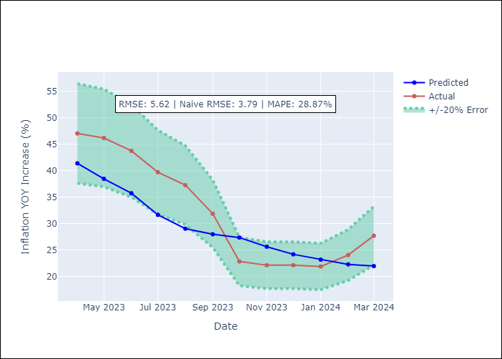

Appendix A: Model Summary
Model | Random Forest
Sample | 1998-01-01 to 2024-03-01
No. of Observations | 315
Terms | P-value (Statistical significance)

Assumptions | P-value

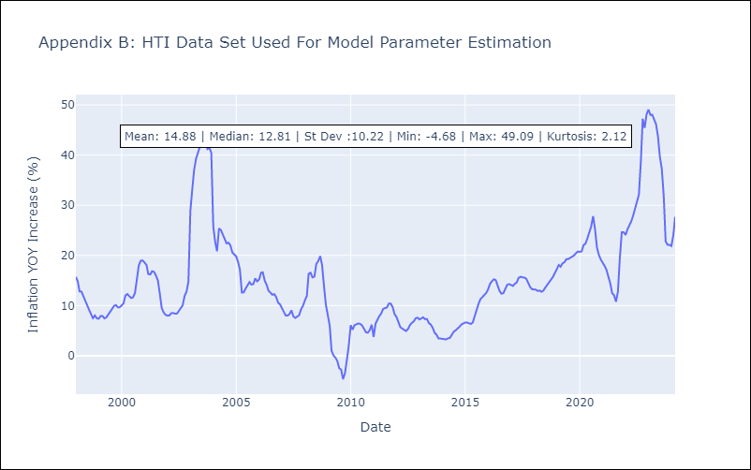

Appendix C: Residuals Analysis
Mean

MEX
MEX - Inflation - Next 12 months forecast as of: 2025-04-01

Model | Random Forest - [(3, 1, 1), (0, 0, 2, 12)]
Training Data | 1992-01-01 to 2024-05-01
Test Data | 2024-05-01 to 2025-04-01

Date | Inflation Change YoY % | Lower Bound - 95% Confidence Interval | Upper Bound - 95% Confidence Interval
2025-05-01 | 3.82 | 3.49 | 4.65
2025-06-01 | 3.84 | 3.45 | 4.77
2025-07-01 | 3.91 | 3.85 | 5.33
2025-08-01 | 3.91 | 3.98 | 5.92
2025-09-01 | 3.88 | 3.86 | 5.01
2025-10-01 | 3.86 | 3.23 | 4.11
2025-11-01 | 3.85 | 3.68 | 4.26
2025-12-01 | 3.88 | 3.8 | 5.19
2026-01-01 | 3.93 | 3.64 | 5.02
2026-02-01 | 4.01 | 3.06 | 3.92
2026-03-01 | 4.09 | 3.6 | 4.23
2026-04-01 | 4.18 | 3.39 | 4.57

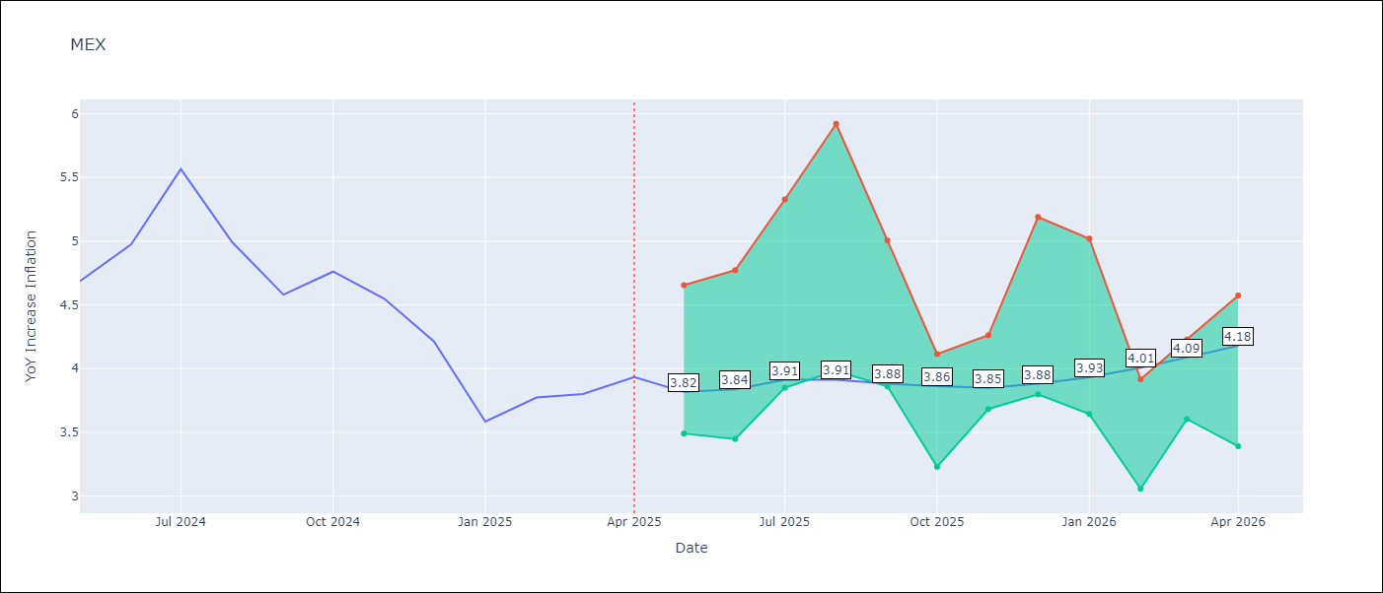

Test Metrics
RMSE | 0.57
Naive RMSE | 0.38
MAPE | 12.66%

Test Predictions
Date | Predicted | Actual
2024-05-01 | 4.38 | 4.69
2024-06-01 | 4.27 | 4.98
2024-07-01 | 4.21 | 5.57
2024-08-01 | 4.21 | 4.99
2024-09-01 | 4.23 | 4.58
2024-10-01 | 4.24 | 4.76
2024-11-01 | 4.14 | 4.55
2024-12-01 | 4.02 | 4.21
2025-01-01 | 3.97 | 3.59
2025-02-01 | 3.91 | 3.77
2025-03-01 | 3.77 | 3.8
2025-04-01 | 3.65 | 3.93

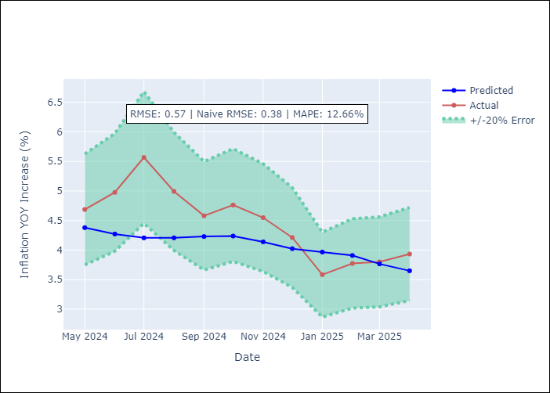

Appendix A: Model Summary
Model | Random Forest
Sample | 1992-01-01 to 2025-04-01
No. of Observations | 400
Terms | P-value (Statistical significance)

Assumptions | P-value

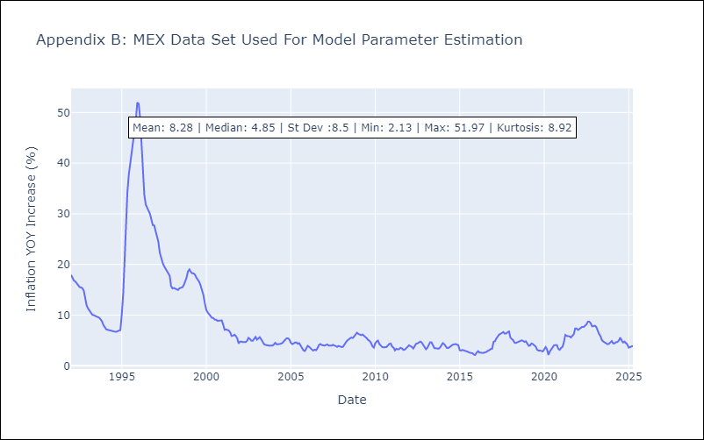

Appendix C: Residuals Analysis
Mean

NIC
NIC - Inflation - Next 12 months forecast as of: 2025-04-01

Model | Random Forest - [(1, 1, 0), (2, 0, 1, 12)]
Training Data | 2012-12-01 to 2024-04-01
Test Data | 2024-04-01 to 2025-04-01

Date | Inflation Change YoY % | Lower Bound - 95% Confidence Interval | Upper Bound - 95% Confidence Interval
2025-05-01 | 5.66 | 3.17 | 5.72
2025-06-01 | 5.61 | 4.39 | 5.65
2025-07-01 | 5.56 | 4.52 | 5.91
2025-08-01 | 5.41 | 3.26 | 5.65
2025-09-01 | 5.14 | 3.24 | 4.95
2025-10-01 | 4.74 | 4.24 | 6.05
2025-11-01 | 4.41 | 4.31 | 5.77
2025-12-01 | 3.99 | 3.37 | 5.68
2026-01-01 | 3.68 | 3.14 | 4.81
2026-02-01 | 3.6 | 4.15 | 6.26
2026-03-01 | 3.56 | 4.17 | 5.86
2026-04-01 | 3.73 | 3.31 | 5.75

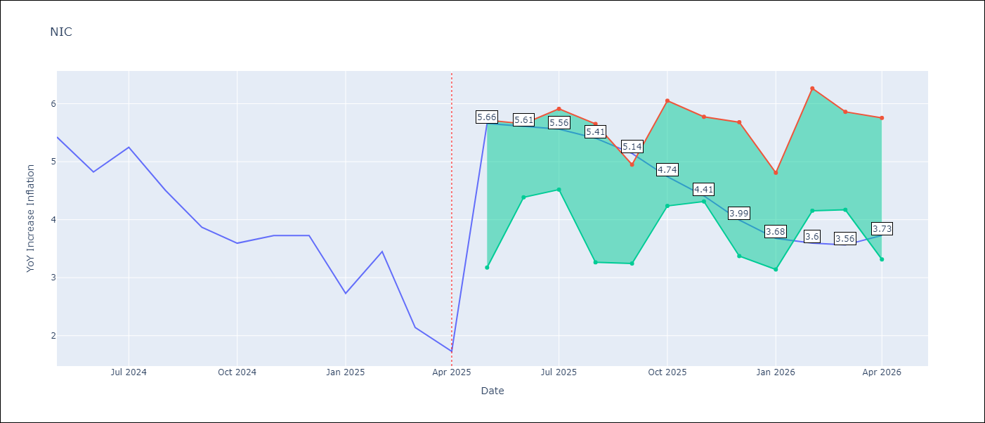

Test Metrics
RMSE | 1.46
Naive RMSE | 0.67
MAPE | 52.29%

Test Predictions
Date | Predicted | Actual
2024-04-01 | 5.21 | 5.42
2024-05-01 | 5.46 | 5.43
2024-06-01 | 5.6 | 4.82
2024-07-01 | 5.63 | 5.25
2024-08-01 | 5.58 | 4.51
2024-09-01 | 5.53 | 3.87
2024-10-01 | 5.37 | 3.59
2024-11-01 | 4.96 | 3.73
2025-01-01 | 4.72 | 2.73
2025-02-01 | 4.55 | 3.45
2025-03-01 | 4.32 | 2.14
2025-04-01 | 4.24 | 1.73

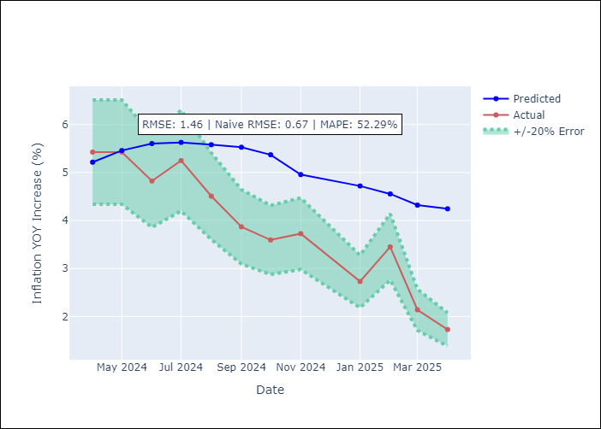

Appendix A: Model Summary
Model | Random Forest
Sample | 2012-12-01 to 2025-04-01
No. of Observations | 148
Terms | P-value (Statistical significance)

Assumptions | P-value

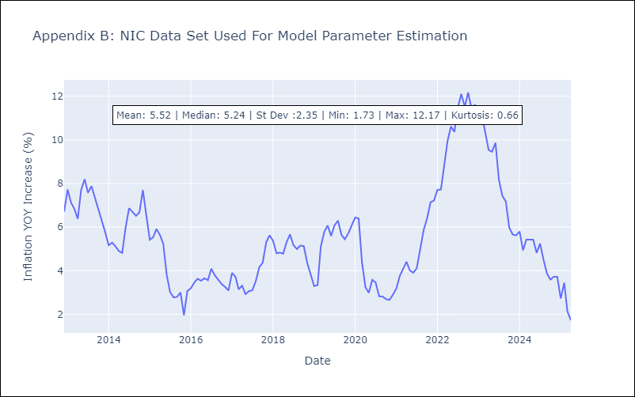

Appendix C: Residuals Analysis
Mean

PAN
PAN - Inflation - Next 12 months forecast as of: 2025-04-01

Model | Random Forest - [(2, 1, 1), (2, 0, 1, 12)]
Training Data | 1994-07-01 to 2024-05-01
Test Data | 2024-05-01 to 2025-04-01

Date | Inflation Change YoY % | Lower Bound - 95% Confidence Interval | Upper Bound - 95% Confidence Interval
2025-05-01 | 0.34 | -1.75 | 0.92
2025-06-01 | 0.5 | -1.29 | 1.73
2025-07-01 | 0.63 | 1.12 | 3.12
2025-08-01 | 0.65 | 2.32 | 5.03
2025-09-01 | 0.78 | 0.76 | 3.58
2025-10-01 | 0.81 | 0.01 | 2.2
2025-11-01 | 0.77 | 0 | 1.16
2025-12-01 | 0.76 | 0.2 | 1.07
2026-01-01 | 0.72 | 0.07 | 1.23
2026-02-01 | 0.71 | 0.26 | 1.2
2026-03-01 | 0.69 | 0.01 | 1.1
2026-04-01 | 0.67 | 0.24 | 1.09

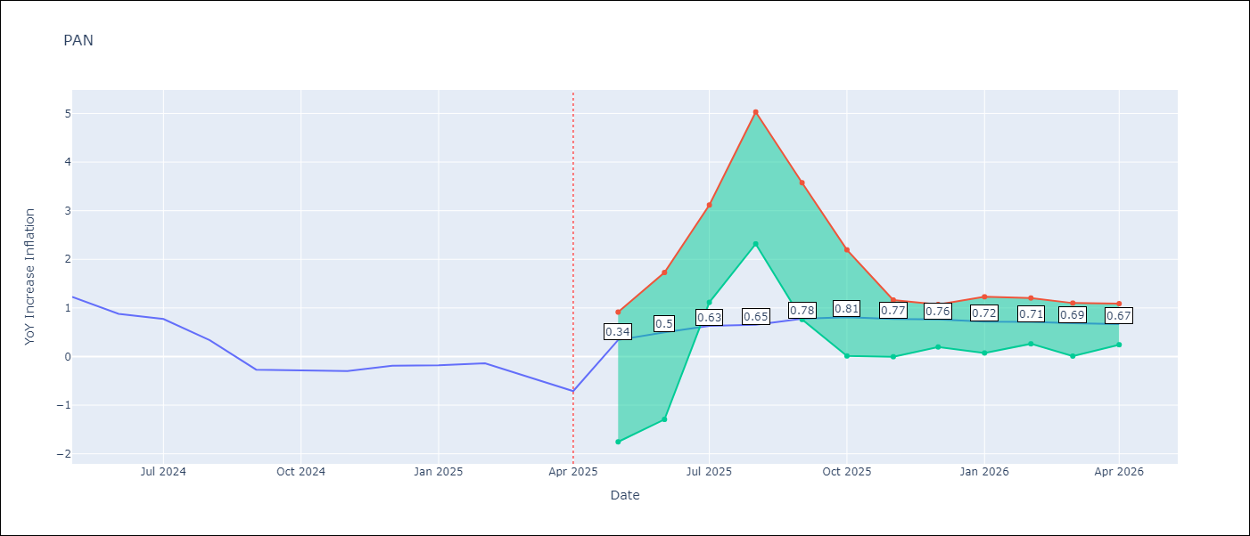

Test Metrics
RMSE | 0.8
Naive RMSE | 0.28
MAPE | 301.05%

Test Predictions
Date | Predicted | Actual
2024-05-01 | 1.46 | 1.23
2024-06-01 | 1.39 | 0.88
2024-07-01 | 1.11 | 0.77
2024-08-01 | 0.96 | 0.33
2024-09-01 | 0.56 | -0.27
2024-10-01 | 0.48 | -0.29
2024-11-01 | 0.22 | -0.3
2024-12-01 | 0.47 | -0.19
2025-01-01 | 0.66 | -0.18
2025-02-01 | 0.63 | -0.14
2025-03-01 | 0.76 | -0.41
2025-04-01 | 0.79 | -0.71

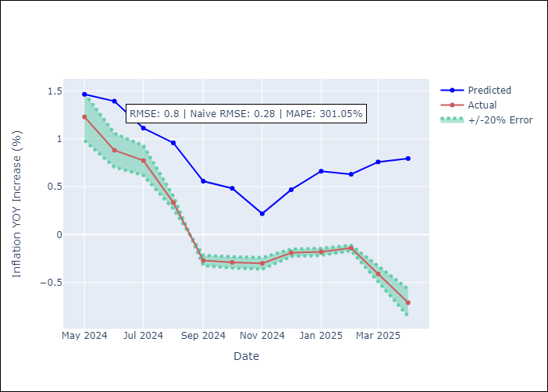

Appendix A: Model Summary
Model | Random Forest
Sample | 1994-07-01 to 2025-04-01
No. of Observations | 370
Terms | P-value (Statistical significance)

Assumptions | P-value

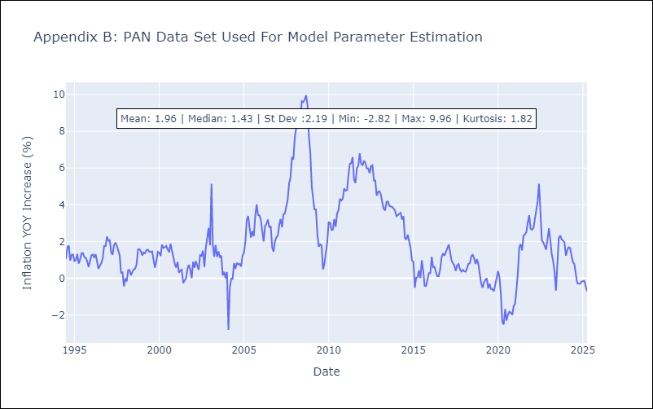

Appendix C: Residuals Analysis
Mean

SLV
SLV - Inflation - Next 12 months forecast as of: 2025-04-01

Model | Random Forest - [(1, 1, 0), (2, 0, 1, 12)]
Training Data | 1994-07-01 to 2024-05-01
Test Data | 2024-05-01 to 2025-04-01

Date | Inflation Change YoY % | Lower Bound - 95% Confidence Interval | Upper Bound - 95% Confidence Interval
2025-05-01 | 4.87 | -0.77 | 1.95
2025-06-01 | 4.71 | 0.47 | 4.81
2025-07-01 | 4.35 | 2.58 | 5.23
2025-08-01 | 4.12 | 2.35 | 4.99
2025-09-01 | 3.96 | 2.79 | 5.03
2025-10-01 | 4.11 | 3.62 | 5.12
2025-11-01 | 4.28 | 3.82 | 5.09
2025-12-01 | 4.53 | 3.93 | 5.1
2026-01-01 | 4.76 | 3.61 | 4.98
2026-02-01 | 4.91 | 3.58 | 5.12
2026-03-01 | 4.62 | 3.75 | 5.23
2026-04-01 | 4.41 | 3.9 | 5.14

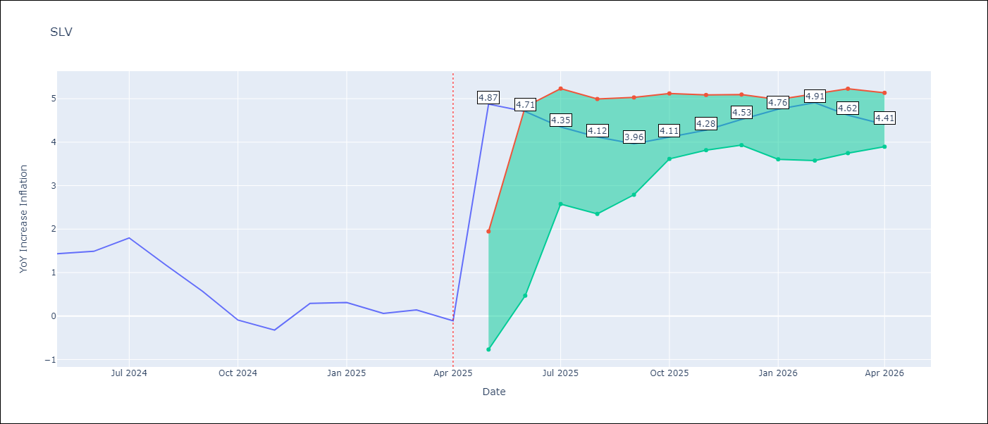

Test Metrics
RMSE | 0.96
Naive RMSE | 0.41
MAPE | 583.76%

Test Predictions
Date | Predicted | Actual
2024-05-01 | 1.24 | 1.44
2024-06-01 | 1.33 | 1.49
2024-07-01 | 1.41 | 1.8
2024-08-01 | 1.51 | 1.17
2024-09-01 | 1.36 | 0.57
2024-10-01 | 1.14 | -0.09
2024-11-01 | 0.99 | -0.32
2024-12-01 | 1.12 | 0.29
2025-01-01 | 1.4 | 0.31
2025-02-01 | 1.44 | 0.06
2025-03-01 | 1.35 | 0.14
2025-04-01 | 1.2 | -0.11

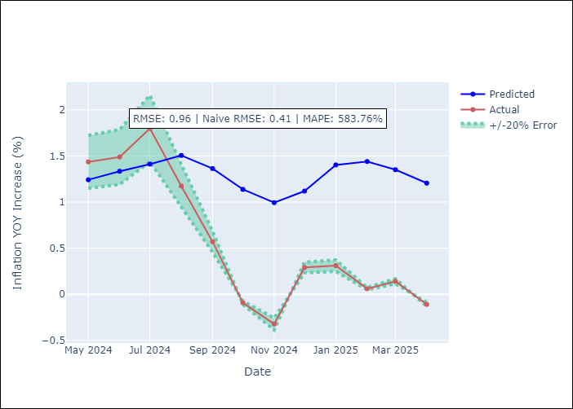

Appendix A: Model Summary
Model | Random Forest
Sample | 1994-07-01 to 2025-04-01
No. of Observations | 370
Terms | P-value (Statistical significance)

Assumptions | P-value

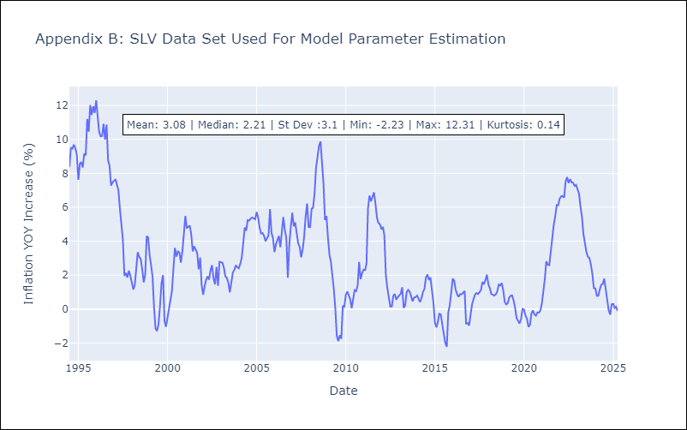

Appendix C: Residuals Analysis
Mean

