ATG
ATG - Inflation - Next 12 months forecast as of: 2025-01-01

Model | Random Forest - [(0, 1, 1), (0, 0, 1, 12)]
Training Data | 2004-01-01 to 2024-02-01
Test Data | 2024-02-01 to 2025-01-01

Date | Inflation Change YoY % | Lower Bound - 95% Confidence Interval | Upper Bound - 95% Confidence Interval
2025-02-01 | 1.06 | -0.71 | 4.76
2025-03-01 | 1.16 | 1.88 | 5.94
2025-04-01 | 1.06 | 0.98 | 3.39
2025-05-01 | 1.22 | 1.14 | 2.1
2025-06-01 | 1.07 | 0.75 | 1.75
2025-07-01 | 0.98 | 0.13 | 1.41
2025-08-01 | 0.87 | 0.22 | 1.34
2025-09-01 | 0.83 | 0.21 | 3.47
2025-10-01 | 0.67 | 0.66 | 1.37
2025-11-01 | 0.69 | 0.46 | 1.34
2025-12-01 | 0.78 | 0.35 | 1.37
2026-01-01 | 0.7 | 0.24 | 1.36

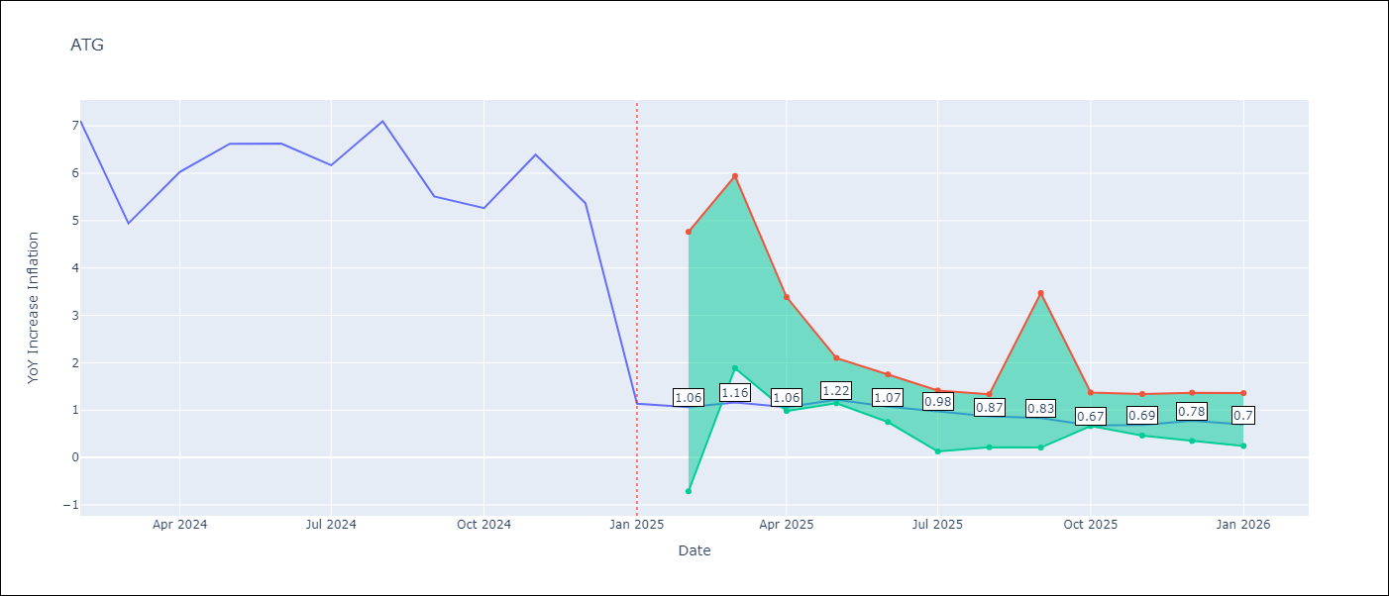

Test Metrics
RMSE | 1.65
Naive RMSE | 1.65
MAPE | 47.74%

Test Predictions
Date | Predicted | Actual
2024-02-01 | 6.55 | 7.11
2024-03-01 | 5.97 | 4.94
2024-04-01 | 5.62 | 6.03
2024-05-01 | 5.61 | 6.62
2024-06-01 | 5.13 | 6.63
2024-07-01 | 4.91 | 6.17
2024-08-01 | 4.46 | 7.1
2024-09-01 | 4.01 | 5.51
2024-10-01 | 4.31 | 5.27
2024-11-01 | 4.19 | 6.39
2024-12-01 | 3.93 | 5.37
2025-01-01 | 4.14 | 1.14

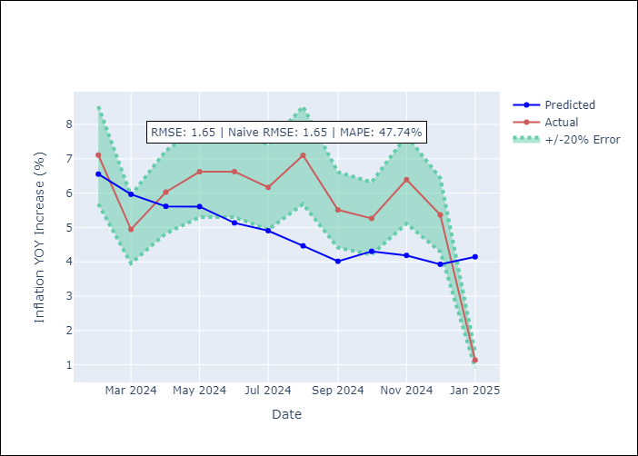

Appendix A: Model Summary
Model | Random Forest
Sample | 2004-01-01 to 2025-01-01
No. of Observations | 253
Terms | P-value (Statistical significance)

Assumptions | P-value

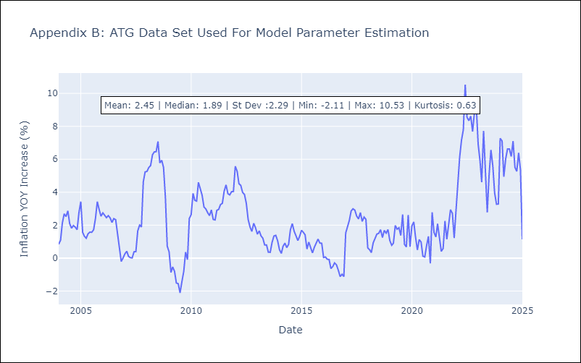

Appendix C: Residuals Analysis
Mean

BHS
BHS - Inflation - Next 12 months forecast as of: 2025-02-01

Model | Random Forest - [(1, 0, 0), (3, 0, 1, 12)]
Training Data | 2000-01-01 to 2024-03-01
Test Data | 2024-03-01 to 2025-02-01

Date | Inflation Change YoY % | Lower Bound - 95% Confidence Interval | Upper Bound - 95% Confidence Interval
2025-03-01 | 1.05 | 0.89 | 3.02
2025-04-01 | 1.18 | 1.81 | 2.97
2025-05-01 | 1.19 | 2.18 | 4.45
2025-06-01 | 1.35 | 1.48 | 5.35
2025-07-01 | 1.44 | -0.26 | 1.91
2025-08-01 | 1.49 | -0.28 | 2.33
2025-09-01 | 1.56 | 1.43 | 2.59
2025-10-01 | 1.81 | 1.68 | 2.74
2025-11-01 | 2.05 | 1.54 | 4.45
2025-12-01 | 2.24 | 2.06 | 5.44
2026-01-01 | 2.27 | 0.32 | 2.46
2026-02-01 | 2.32 | 0.84 | 2.52

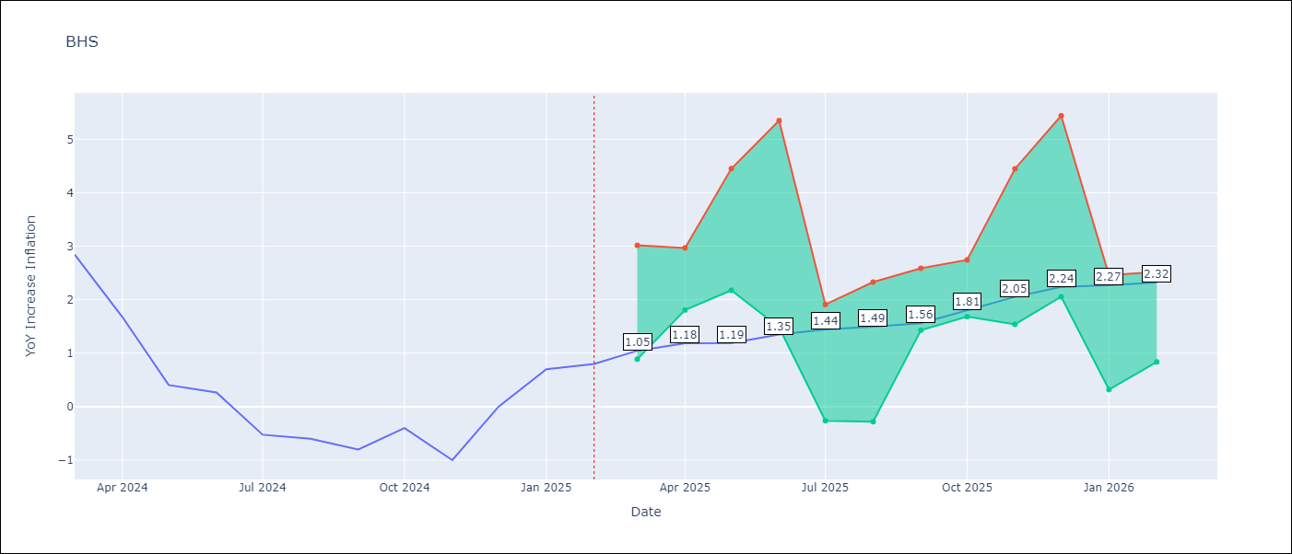

Test Metrics
RMSE | 0.87
Naive RMSE | 0.72
MAPE | inf%

Test Predictions
Date | Predicted | Actual
2024-03-01 | 1.24 | 2.85
2024-04-01 | 1.42 | 1.68
2024-05-01 | 1.08 | 0.4
2024-06-01 | 0.78 | 0.26
2024-07-01 | 0.6 | -0.52
2024-08-01 | 0.32 | -0.6
2024-09-01 | 0.3 | -0.8
2024-10-01 | 0.18 | -0.4
2024-11-01 | 0.4 | -1
2024-12-01 | 0.27 | 0
2025-01-01 | 0.58 | 0.7
2025-02-01 | 0.85 | 0.8

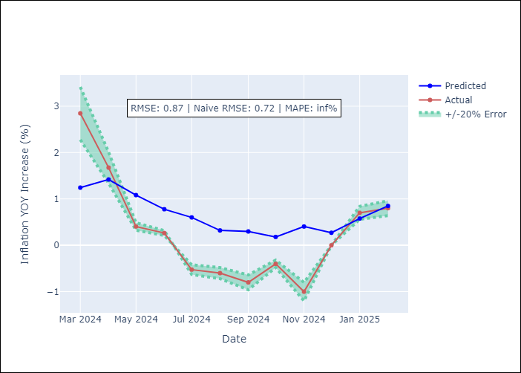

Appendix A: Model Summary
Model | Random Forest
Sample | 2000-01-01 to 2025-02-01
No. of Observations | 302
Terms | P-value (Statistical significance)

Assumptions | P-value

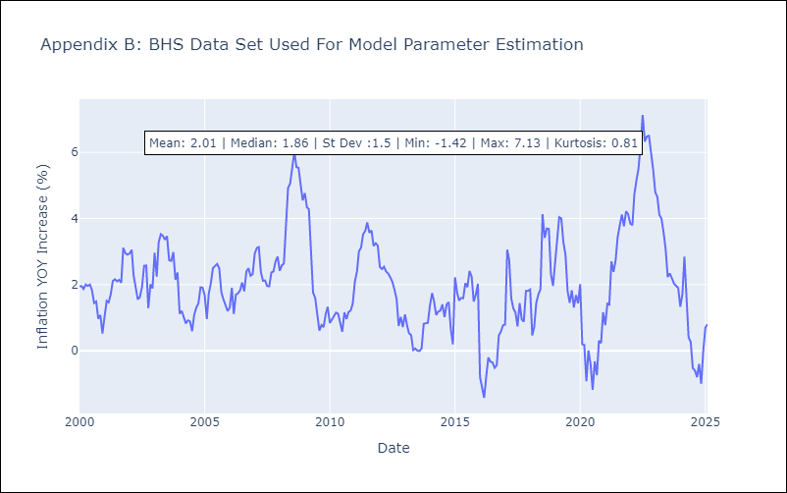

Appendix C: Residuals Analysis
Mean

BLZ
BLZ - Inflation - Next 12 months forecast as of: 2025-03-01

Model | Random Forest - [(2, 0, 0), (1, 0, 0, 12)]
Training Data | 2015-01-01 to 2024-04-01
Test Data | 2024-04-01 to 2025-03-01

Date | Inflation Change YoY % | Lower Bound - 95% Confidence Interval | Upper Bound - 95% Confidence Interval
2025-04-01 | 5.26 | 0.45 | 4.3
2025-05-01 | 5.11 | 0.08 | 1.06
2025-06-01 | 5 | 0.06 | 0.99
2025-07-01 | 4.84 | 0.16 | 3.15
2025-08-01 | 4.6 | 3.26 | 6.69
2025-09-01 | 4.26 | 3.23 | 6.77
2025-10-01 | 3.91 | 2.85 | 4.2
2025-11-01 | 3.5 | 3.2 | 6.31
2025-12-01 | 3.21 | 2.97 | 4.26
2026-01-01 | 3.11 | 2.81 | 5.9
2026-02-01 | 3.05 | 2.98 | 5.27
2026-03-01 | 2.97 | 2.57 | 5.34

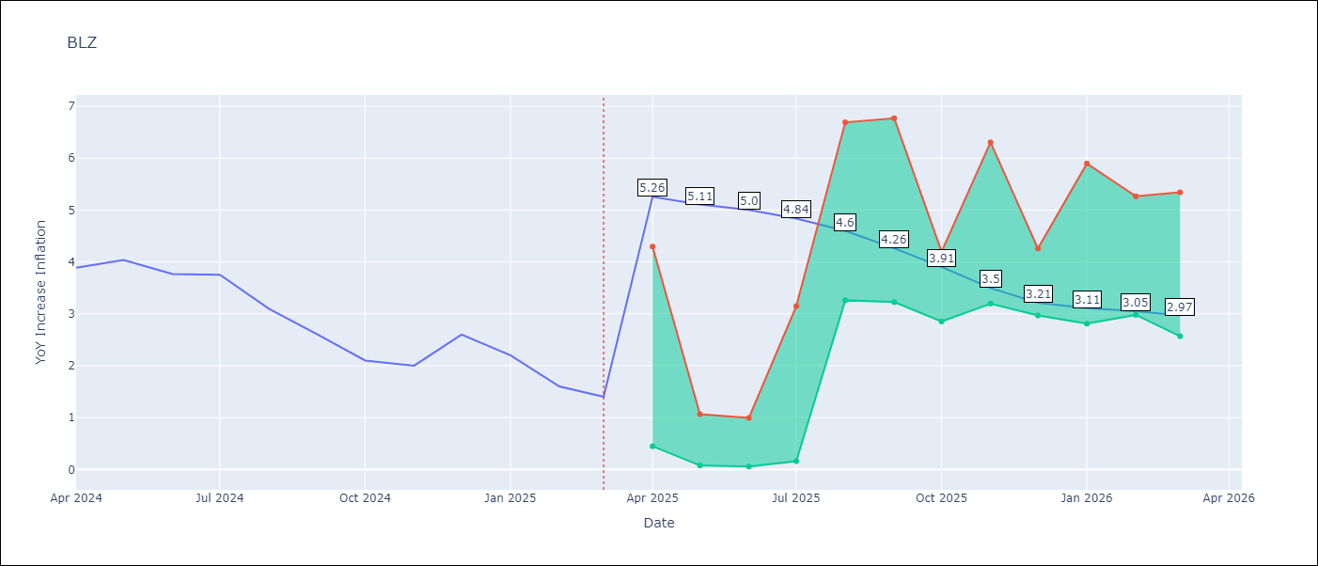

Test Metrics
RMSE | 2.21
Naive RMSE | 0.42
MAPE | 100.34%

Test Predictions
Date | Predicted | Actual
2024-04-01 | 5.29 | 3.89
2024-05-01 | 5.37 | 4.04
2024-06-01 | 5.47 | 3.77
2024-07-01 | 5.42 | 3.75
2024-08-01 | 5.34 | 3.1
2024-09-01 | 5.16 | 2.6
2024-10-01 | 4.98 | 2.1
2024-11-01 | 4.77 | 2
2024-12-01 | 4.54 | 2.6
2025-01-01 | 4.45 | 2.2
2025-02-01 | 4.2 | 1.6
2025-03-01 | 3.9 | 1.4

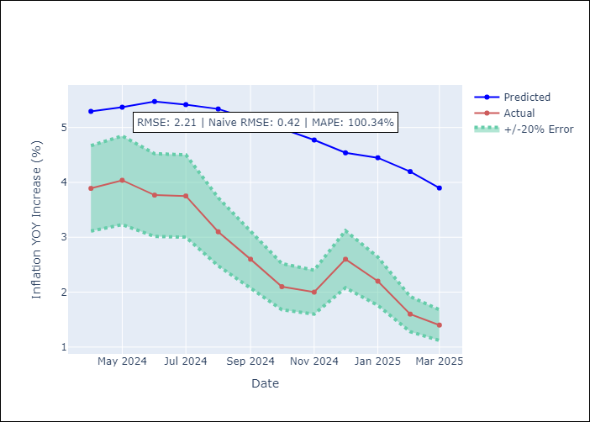

Appendix A: Model Summary
Model | Random Forest
Sample | 2015-01-01 to 2025-03-01
No. of Observations | 123
Terms | P-value (Statistical significance)

Assumptions | P-value

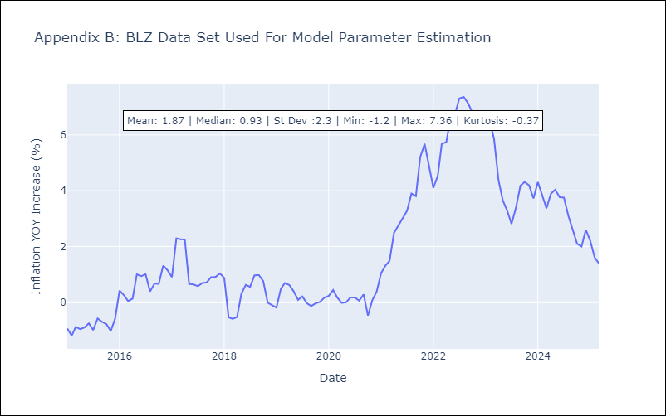

Appendix C: Residuals Analysis
Mean

BRB
BRB - Inflation - Next 12 months forecast as of: 2025-03-01

Model | Random Forest - [(3, 0, 0), (0, 0, 1, 12)]
Training Data | 2003-01-01 to 2024-04-01
Test Data | 2024-04-01 to 2025-03-01

Date | Inflation Change YoY % | Lower Bound - 95% Confidence Interval | Upper Bound - 95% Confidence Interval
2025-04-01 | 4.93 | 0.35 | 4.54
2025-05-01 | 5.39 | 4.14 | 8.84
2025-06-01 | 5.73 | 4.16 | 9.29
2025-07-01 | 6.38 | 2.99 | 6.18
2025-08-01 | 6.88 | 5.68 | 9.96
2025-09-01 | 7.53 | 2.73 | 7.22
2025-10-01 | 8 | 4.43 | 9.59
2025-11-01 | 8.32 | 3.24 | 9.78
2025-12-01 | 8.63 | 2.82 | 7.63
2026-01-01 | 8.52 | 3.34 | 8.19
2026-02-01 | 8.38 | 2.48 | 5.05
2026-03-01 | 7.98 | 4.76 | 9.19

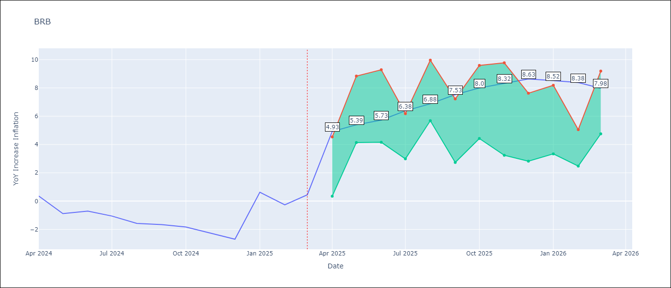

Test Metrics
RMSE | 4.2
Naive RMSE | 1.16
MAPE | 456.39%

Test Predictions
Date | Predicted | Actual
2024-04-01 | 1.54 | 0.36
2024-05-01 | 1.55 | -0.88
2024-06-01 | 1.59 | -0.7
2024-07-01 | 1.84 | -1.06
2024-08-01 | 2.31 | -1.58
2024-09-01 | 2.65 | -1.66
2024-10-01 | 2.92 | -1.83
2024-11-01 | 3.51 | -2.26
2024-12-01 | 3.99 | -2.69
2025-01-01 | 4.4 | 0.63
2025-02-01 | 4.87 | -0.27
2025-03-01 | 4.37 | 0.45

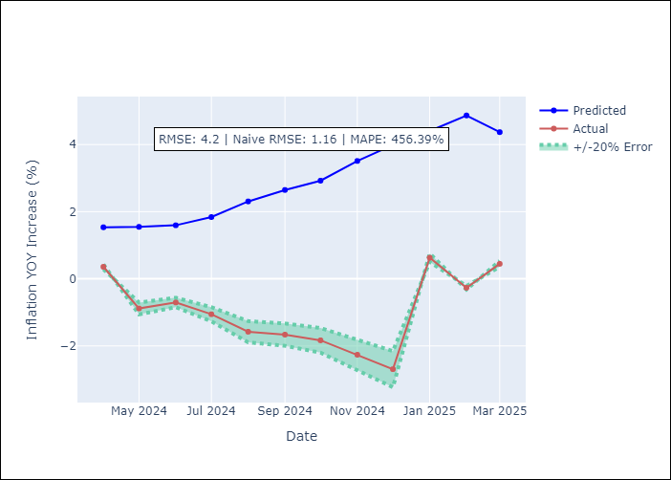

Appendix A: Model Summary
Model | Random Forest
Sample | 2003-01-01 to 2025-03-01
No. of Observations | 263
Terms | P-value (Statistical significance)

Assumptions | P-value

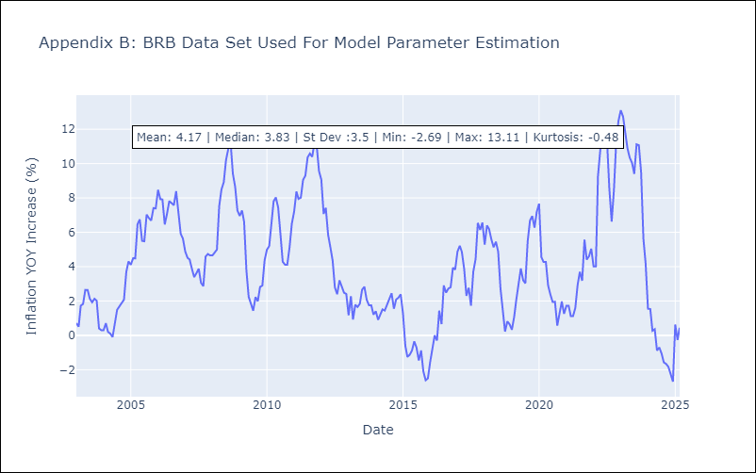

Appendix C: Residuals Analysis
Mean

DMA
DMA - Inflation - Next 12 months forecast as of: 2025-01-01

Model | Random Forest - [(0, 1, 0), (3, 0, 0, 12)]
Training Data | 2004-01-01 to 2024-02-01
Test Data | 2024-02-01 to 2025-01-01

Date | Inflation Change YoY % | Lower Bound - 95% Confidence Interval | Upper Bound - 95% Confidence Interval
2025-02-01 | 0.75 | 0.1 | 1.64
2025-03-01 | 0.7 | -0.32 | 0.65
2025-04-01 | 0.42 | 0.24 | 1.5
2025-05-01 | 0.57 | -0.23 | 0.92
2025-06-01 | 0.6 | -0.07 | 1.15
2025-07-01 | 0.22 | -0.1 | 0.99
2025-08-01 | 0.36 | -0.15 | 1.12
2025-09-01 | 0.39 | -0.11 | 1.11
2025-10-01 | 0.19 | -0.11 | 0.93
2025-11-01 | 0.23 | -0.11 | 0.89
2025-12-01 | 0.51 | 0.09 | 1.19
2026-01-01 | 0.26 | -0.04 | 1.1

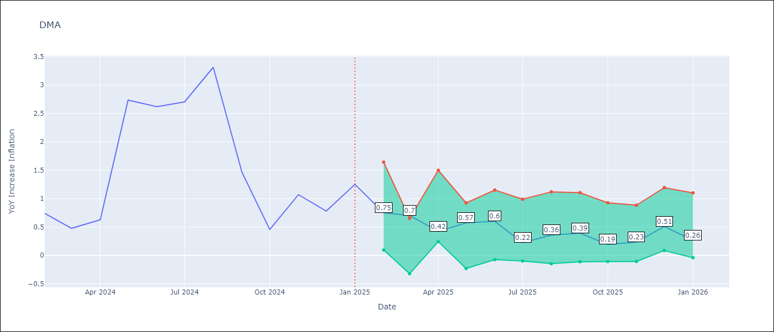

Test Metrics
RMSE | 1.2
Naive RMSE | 0.96
MAPE | 99.87%

Test Predictions
Date | Predicted | Actual
2024-02-01 | 1.42 | 0.74
2024-03-01 | 1.29 | 0.48
2024-04-01 | 1.26 | 0.63
2024-05-01 | 1.19 | 2.74
2024-06-01 | 1.36 | 2.62
2024-07-01 | 1.48 | 2.7
2024-08-01 | 1.91 | 3.31
2024-09-01 | 2.24 | 1.46
2024-10-01 | 1.22 | 0.46
2024-11-01 | 0.42 | 1.07
2024-12-01 | -0.91 | 0.78
2025-01-01 | -0.74 | 1.25

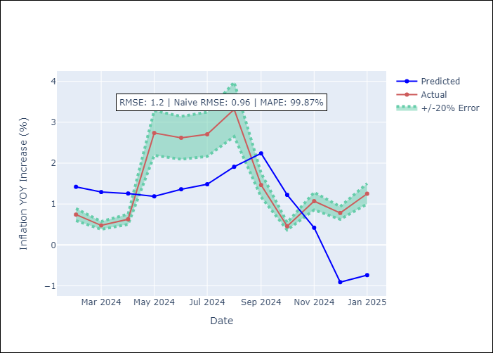

Appendix A: Model Summary
Model | Random Forest
Sample | 2004-01-01 to 2025-01-01
No. of Observations | 253
Terms | P-value (Statistical significance)

Assumptions | P-value

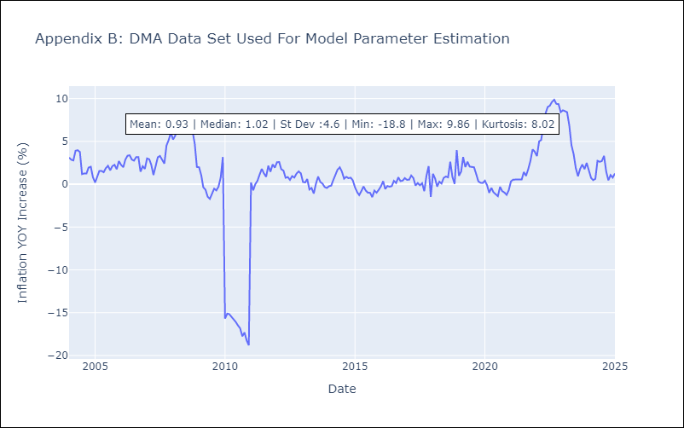

Appendix C: Residuals Analysis
Mean

GRD
GRD - Inflation - Next 12 months forecast as of: 2025-01-01

Model | Random Forest - [(1, 1, 1), (3, 0, 0, 12)]
Training Data | 2004-01-01 to 2024-02-01
Test Data | 2024-02-01 to 2025-01-01

Date | Inflation Change YoY % | Lower Bound - 95% Confidence Interval | Upper Bound - 95% Confidence Interval
2025-02-01 | 0.81 | 0.15 | 0.97
2025-03-01 | 0.89 | 0.6 | 1.18
2025-04-01 | 0.84 | -0.09 | 1.08
2025-05-01 | 0.85 | -1.01 | 0.12
2025-06-01 | 0.87 | -0.55 | 2.03
2025-07-01 | 0.8 | 1.93 | 3.44
2025-08-01 | 0.75 | 2.65 | 4.46
2025-09-01 | 0.73 | 0.52 | 2.88
2025-10-01 | 0.73 | -0.12 | 0.88
2025-11-01 | 0.61 | 0.1 | 1.04
2025-12-01 | 0.5 | 0.16 | 1.16
2026-01-01 | 0.36 | 0.13 | 1.01

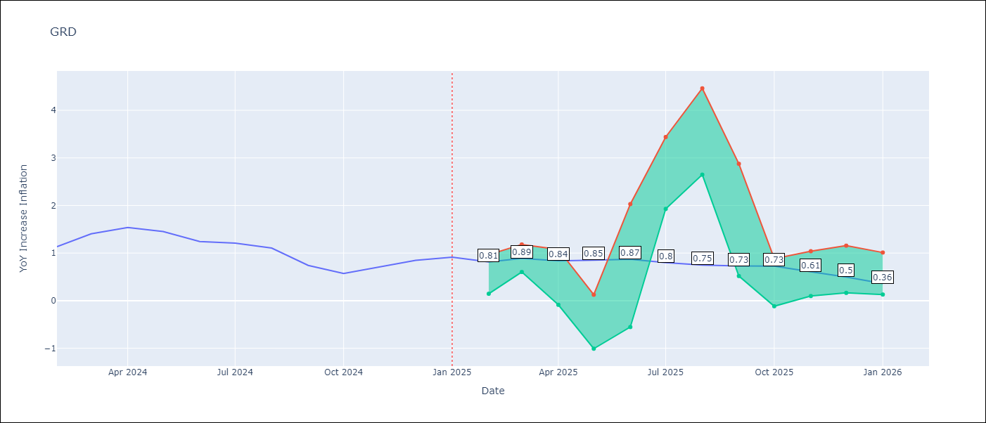

Test Metrics
RMSE | 0.75
Naive RMSE | 0.18
MAPE | 71.11%

Test Predictions
Date | Predicted | Actual
2024-02-01 | 0.84 | 1.14
2024-03-01 | 0.67 | 1.41
2024-04-01 | 0.7 | 1.54
2024-05-01 | 0.99 | 1.45
2024-06-01 | 1.17 | 1.24
2024-07-01 | 1.16 | 1.21
2024-08-01 | 0.29 | 1.11
2024-09-01 | -0.12 | 0.74
2024-10-01 | -0.22 | 0.57
2024-11-01 | -0.25 | 0.71
2024-12-01 | -0.22 | 0.85
2025-01-01 | -0.18 | 0.92

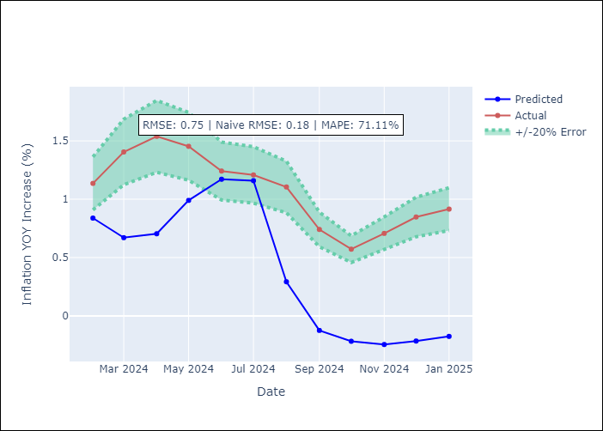

Appendix A: Model Summary
Model | Random Forest
Sample | 2004-01-01 to 2025-01-01
No. of Observations | 253
Terms | P-value (Statistical significance)

Assumptions | P-value

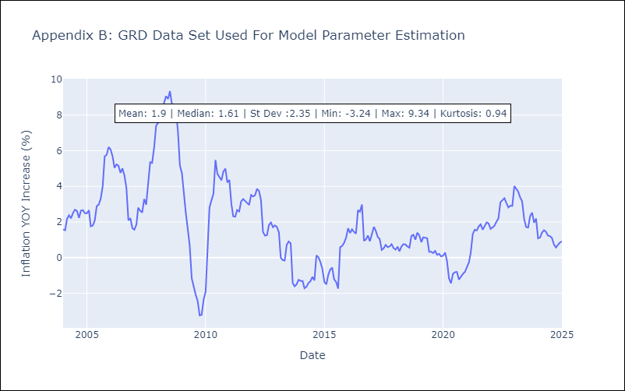

Appendix C: Residuals Analysis
Mean

GUY
GUY - Inflation - Next 12 months forecast as of: 2025-03-01

Model | Random Forest - [(3, 0, 1), (1, 0, 0, 12)]
Training Data | 2008-01-01 to 2024-04-01
Test Data | 2024-04-01 to 2025-03-01

Date | Inflation Change YoY % | Lower Bound - 95% Confidence Interval | Upper Bound - 95% Confidence Interval
2025-04-01 | 0.85 | 1.61 | 4.23
2025-05-01 | 0.73 | 1.09 | 2.75
2025-06-01 | 0.77 | 0.78 | 1.86
2025-07-01 | 0.86 | 1.32 | 2.36
2025-08-01 | 0.89 | 0.81 | 1.78
2025-09-01 | 0.89 | 1.12 | 2.41
2025-10-01 | 1.1 | 1.04 | 1.89
2025-11-01 | 1.47 | 1.23 | 2.22
2025-12-01 | 1.91 | 0.9 | 2.14
2026-01-01 | 1.9 | 0.89 | 2.59
2026-02-01 | 1.9 | 0.76 | 2.63
2026-03-01 | 2.29 | 0.68 | 2.36

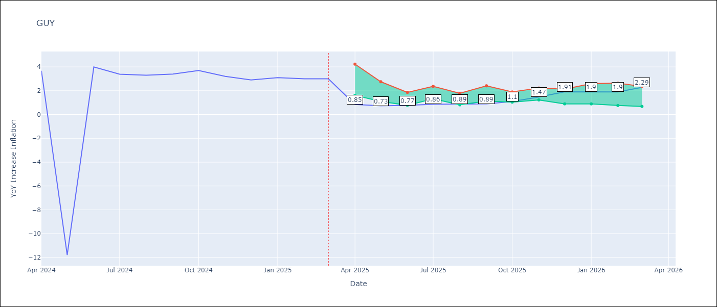

Test Metrics
RMSE | 4.2
Naive RMSE | 6.67
MAPE | 43.95%

Test Predictions
Date | Predicted | Actual
2024-04-01 | 2.23 | 3.67
2024-05-01 | 2.13 | -11.79
2024-06-01 | 2.14 | 3.99
2024-07-01 | 2.2 | 3.39
2024-08-01 | 2.33 | 3.3
2024-09-01 | 2.22 | 3.4
2024-10-01 | 2.13 | 3.7
2024-11-01 | 1.97 | 3.2
2024-12-01 | 1.96 | 2.9
2025-01-01 | 1.88 | 3.1
2025-02-01 | 1.82 | 3
2025-03-01 | 1.85 | 3

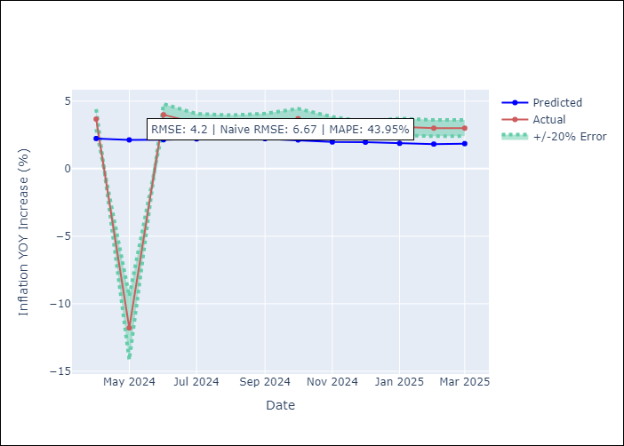

Appendix A: Model Summary
Model | Random Forest
Sample | 2008-01-01 to 2025-03-01
No. of Observations | 207
Terms | P-value (Statistical significance)

Assumptions | P-value

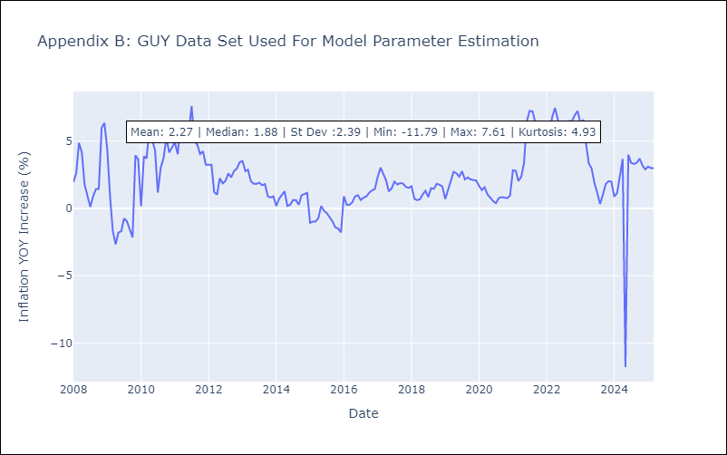

Appendix C: Residuals Analysis
Mean

JAM
JAM - Inflation - Next 12 months forecast as of: 2025-04-01

Model | Random Forest - [(2, 1, 0), (0, 0, 2, 12)]
Training Data | 1994-07-01 to 2024-05-01
Test Data | 2024-05-01 to 2025-04-01

Date | Inflation Change YoY % | Lower Bound - 95% Confidence Interval | Upper Bound - 95% Confidence Interval
2025-05-01 | 4.7 | 4.01 | 8.06
2025-06-01 | 4.57 | 6.53 | 9.7
2025-07-01 | 4.63 | 6.48 | 8.78
2025-08-01 | 4.67 | 8.06 | 14.13
2025-09-01 | 4.89 | 7.59 | 13.11
2025-10-01 | 5.2 | 5.29 | 7.96
2025-11-01 | 5.66 | 6.42 | 10.66
2025-12-01 | 5.94 | 7.54 | 9.83
2026-01-01 | 6.14 | 4.23 | 8.49
2026-02-01 | 6.08 | 2.98 | 8.33
2026-03-01 | 5.85 | 3.92 | 6.76
2026-04-01 | 5.83 | 4.04 | 7.4

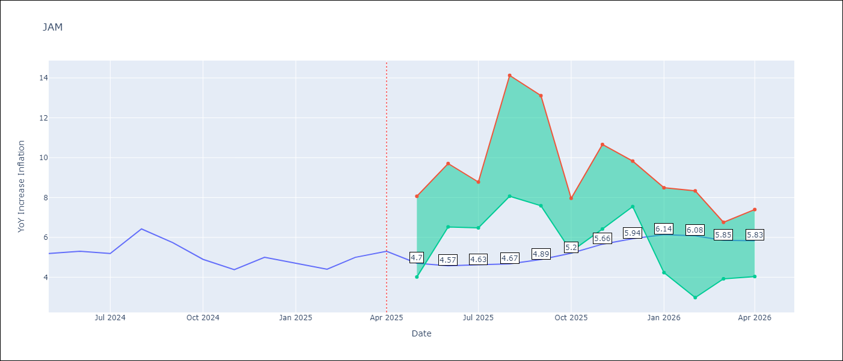

Test Metrics
RMSE | 2.29
Naive RMSE | 0.6
MAPE | 38.4%

Test Predictions
Date | Predicted | Actual
2024-05-01 | 5.74 | 5.19
2024-06-01 | 5.88 | 5.3
2024-07-01 | 6.12 | 5.19
2024-08-01 | 6.16 | 6.42
2024-09-01 | 6.32 | 5.74
2024-10-01 | 6.98 | 4.9
2024-11-01 | 6.95 | 4.38
2024-12-01 | 7.17 | 5
2025-01-01 | 7.15 | 4.7
2025-02-01 | 8.08 | 4.4
2025-03-01 | 8.5 | 5
2025-04-01 | 8.97 | 5.3

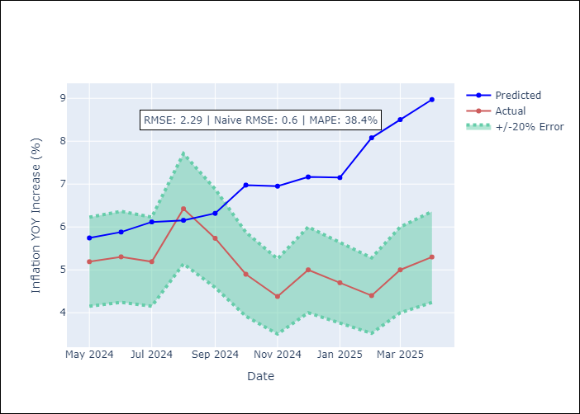

Appendix A: Model Summary
Model | Random Forest
Sample | 1994-07-01 to 2025-04-01
No. of Observations | 370
Terms | P-value (Statistical significance)

Assumptions | P-value

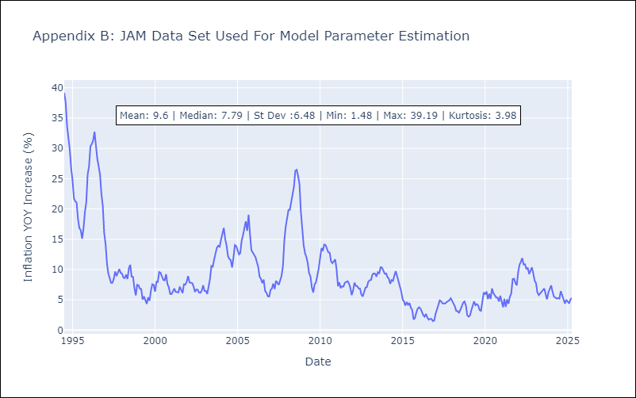

Appendix C: Residuals Analysis
Mean

KNA
KNA - Inflation - Next 12 months forecast as of: 2025-02-01

Model | Random Forest - [(0, 1, 0), (3, 0, 0, 12)]
Training Data | 2006-01-01 to 2024-03-01
Test Data | 2024-03-01 to 2025-02-01

Date | Inflation Change YoY % | Lower Bound - 95% Confidence Interval | Upper Bound - 95% Confidence Interval
2025-03-01 | 0.77 | -0.36 | 2.17
2025-04-01 | 0.92 | -0.63 | 1.15
2025-05-01 | 0.94 | -2.48 | 0.12
2025-06-01 | 0.72 | -0.61 | 1.19
2025-07-01 | 0.72 | -0.57 | 1
2025-08-01 | 0.61 | -2.36 | 0.46
2025-09-01 | 0.7 | -1.48 | 1.03
2025-10-01 | 0.46 | -0.04 | 1.12
2025-11-01 | 0.2 | -0.93 | 2.17
2025-12-01 | 0.18 | -2.24 | -0.29
2026-01-01 | -0.01 | -0.62 | 1.41
2026-02-01 | -0.26 | -0.4 | 1.44

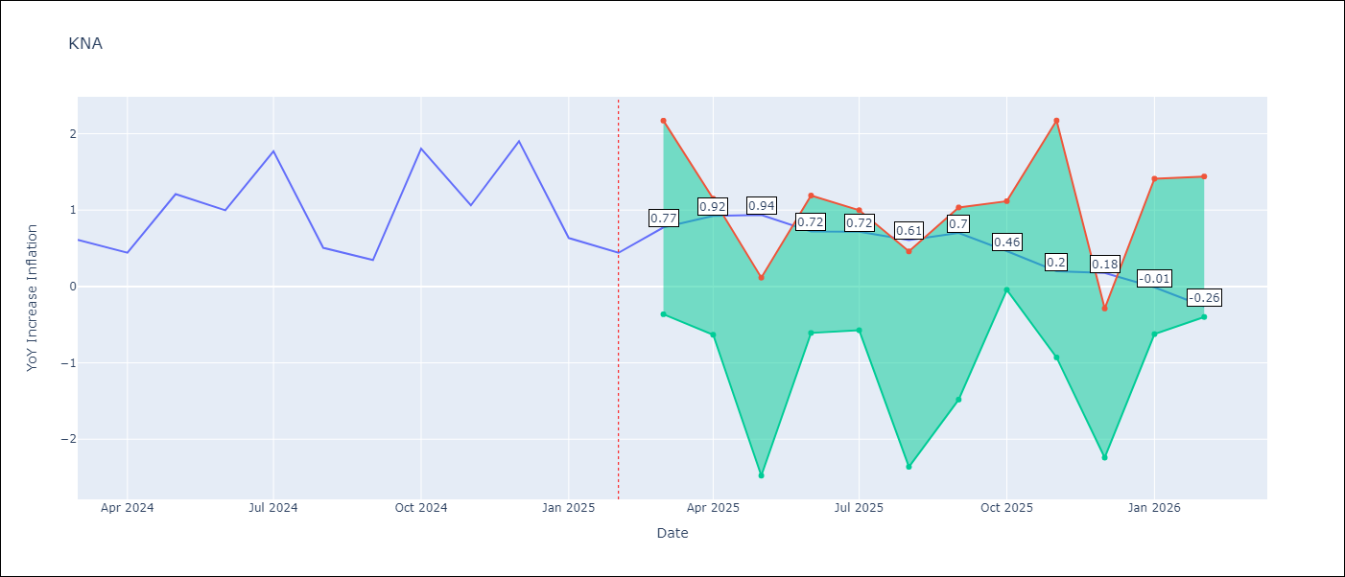

Test Metrics
RMSE | 0.64
Naive RMSE | 0.85
MAPE | 79.92%

Test Predictions
Date | Predicted | Actual
2024-03-01 | 1.1 | 0.61
2024-04-01 | 0.81 | 0.44
2024-05-01 | 0.73 | 1.21
2024-06-01 | 0.92 | 1
2024-07-01 | 0.86 | 1.77
2024-08-01 | 1.2 | 0.51
2024-09-01 | 1.09 | 0.35
2024-10-01 | 1.04 | 1.8
2024-11-01 | 1.31 | 1.06
2024-12-01 | 1.31 | 1.9
2025-01-01 | 1.56 | 0.63
2025-02-01 | 1.23 | 0.44

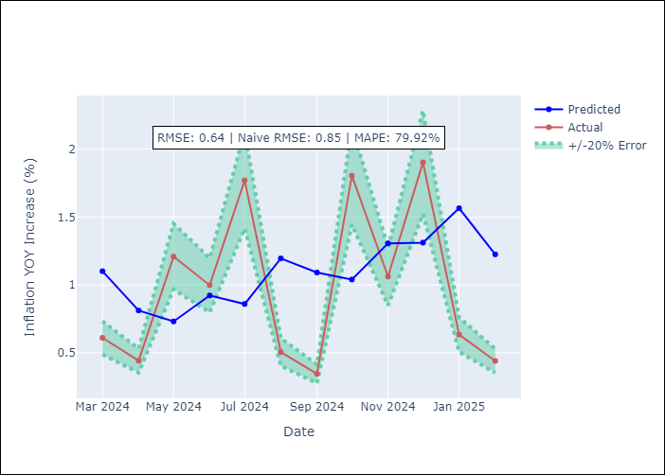

Appendix A: Model Summary
Model | Random Forest
Sample | 2006-01-01 to 2025-02-01
No. of Observations | 230
Terms | P-value (Statistical significance)

Assumptions | P-value

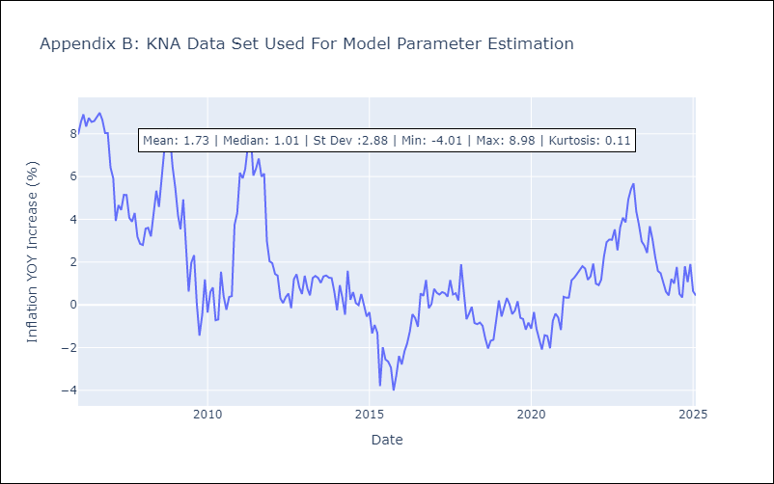

Appendix C: Residuals Analysis
Mean

LCA
LCA - Inflation - Next 12 months forecast as of: 2025-01-01

Model | Random Forest - [(0, 1, 0), (3, 0, 1, 12)]
Training Data | 2008-01-01 to 2024-02-01
Test Data | 2024-02-01 to 2025-01-01

Date | Inflation Change YoY % | Lower Bound - 95% Confidence Interval | Upper Bound - 95% Confidence Interval
2025-02-01 | 2.67 | 1.38 | 3.92
2025-03-01 | 3.01 | 0.5 | 3.72
2025-04-01 | 3.41 | 1 | 3.7
2025-05-01 | 3.85 | 2.21 | 4.22
2025-06-01 | 3.84 | 1.83 | 4.39
2025-07-01 | 3.83 | 2.42 | 4.48
2025-08-01 | 3.99 | 2.09 | 4.88
2025-09-01 | 3.62 | 1.78 | 4.99
2025-10-01 | 3.43 | 0.02 | 4.31
2025-11-01 | 3.16 | 1.57 | 4.21
2025-12-01 | 3.02 | 2.36 | 4.36
2026-01-01 | 2.73 | 2.13 | 4.41

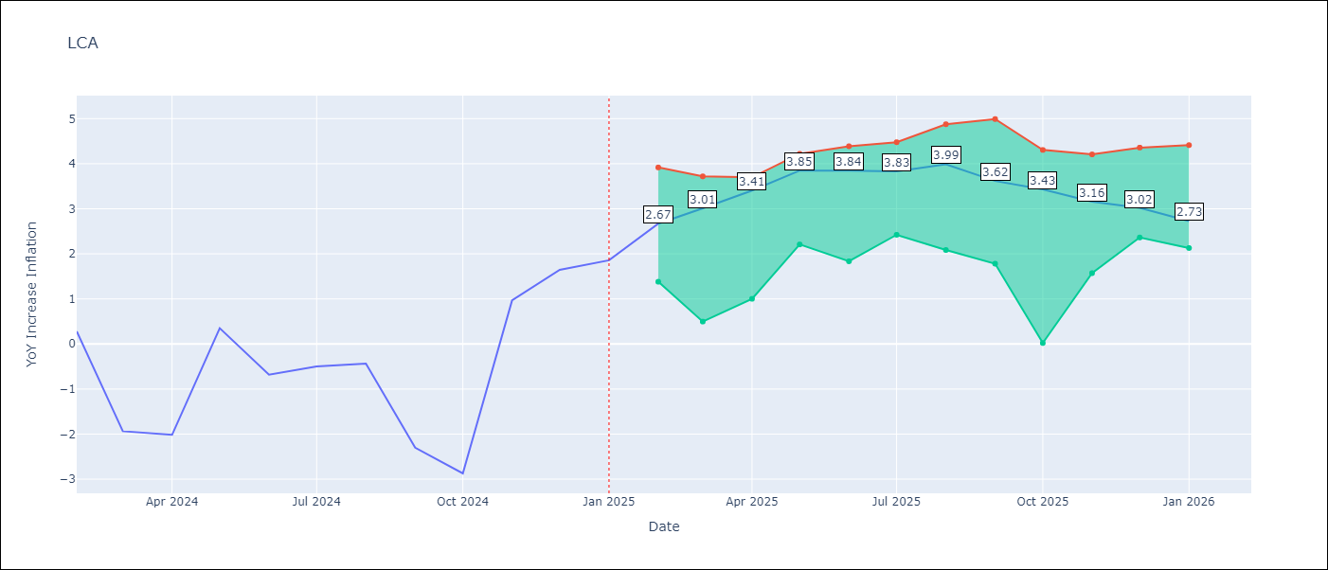

Test Metrics
RMSE | 1.56
Naive RMSE | 1.67
MAPE | 162.18%

Test Predictions
Date | Predicted | Actual
2024-02-01 | -0.39 | 0.28
2024-03-01 | -0.83 | -1.94
2024-04-01 | -0.86 | -2.02
2024-05-01 | -0.99 | 0.35
2024-06-01 | 0.31 | -0.68
2024-07-01 | 0.72 | -0.5
2024-08-01 | 0.73 | -0.43
2024-09-01 | 0.58 | -2.3
2024-10-01 | 0.53 | -2.87
2024-11-01 | 0.65 | 0.97
2024-12-01 | 2.22 | 1.65
2025-01-01 | 2.47 | 1.86

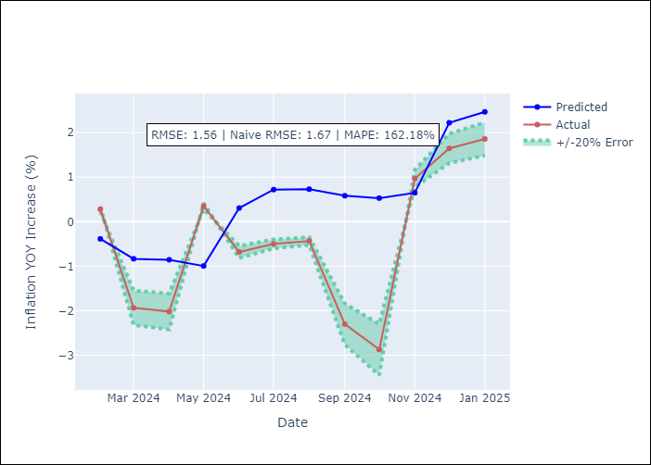

Appendix A: Model Summary
Model | Random Forest
Sample | 2008-01-01 to 2025-01-01
No. of Observations | 205
Terms | P-value (Statistical significance)

Assumptions | P-value

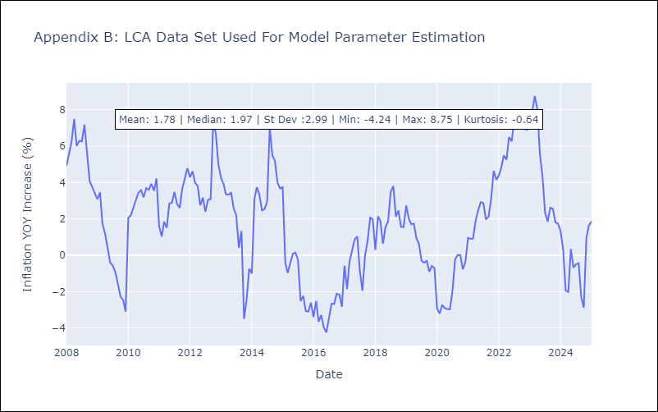

Appendix C: Residuals Analysis
Mean

SUR
SUR - Inflation - Next 12 months forecast as of: 2024-08-01

Model | Random Forest - [(3, 2, 0), (1, 0, 0, 12)]
Training Data | 2012-04-01 to 2023-09-01
Test Data | 2023-09-01 to 2024-08-01

Date | Inflation Change YoY % | Lower Bound - 95% Confidence Interval | Upper Bound - 95% Confidence Interval
2024-09-01 | 51.13 | -5.47 | 23.84
2024-10-01 | 53.88 | 5.58 | 54.35
2024-11-01 | 55.42 | 19.99 | 61.97
2024-12-01 | 56.49 | 44.16 | 62.43
2025-01-01 | 58.17 | 38.81 | 60.93
2025-02-01 | 58.52 | 44.15 | 60.83
2025-03-01 | 57.56 | 40.59 | 60.19
2025-04-01 | 57 | 46.76 | 61.19
2025-05-01 | 56.02 | 41.11 | 61.06
2025-06-01 | 53.43 | 45.94 | 61.49
2025-07-01 | 50.68 | 45.45 | 61.19
2025-08-01 | 47.45 | 45.61 | 61.27

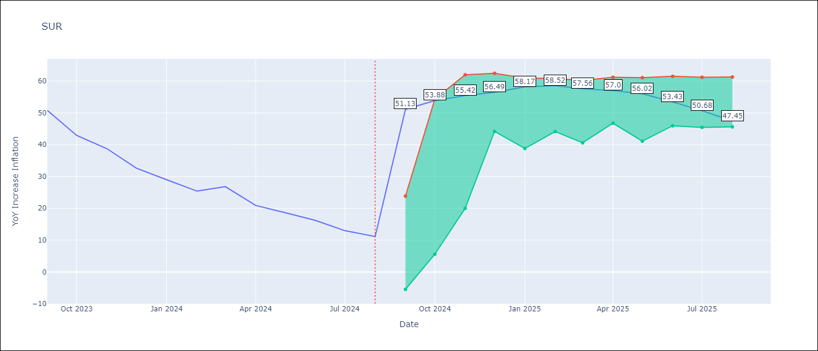

Test Metrics
RMSE | 18.04
Naive RMSE | 4.32
MAPE | 101.38%

Test Predictions
Date | Predicted | Actual
2023-09-01 | 52.8 | 50.79
2023-10-01 | 51.93 | 42.92
2023-11-01 | 50.64 | 38.74
2023-12-01 | 47.8 | 32.63
2024-01-01 | 44.72 | 28.98
2024-02-01 | 43.09 | 25.4
2024-03-01 | 41.95 | 26.83
2024-04-01 | 41.74 | 20.9
2024-05-01 | 40.63 | 18.62
2024-06-01 | 40.13 | 16.21
2024-07-01 | 37.17 | 12.99
2024-08-01 | 35.3 | 11.13

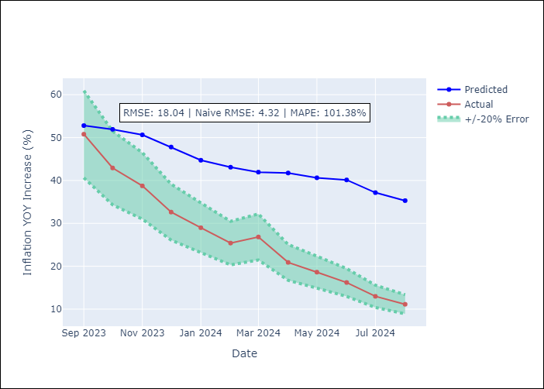

Appendix A: Model Summary
Model | Random Forest
Sample | 2012-04-01 to 2024-08-01
No. of Observations | 145
Terms | P-value (Statistical significance)

Assumptions | P-value

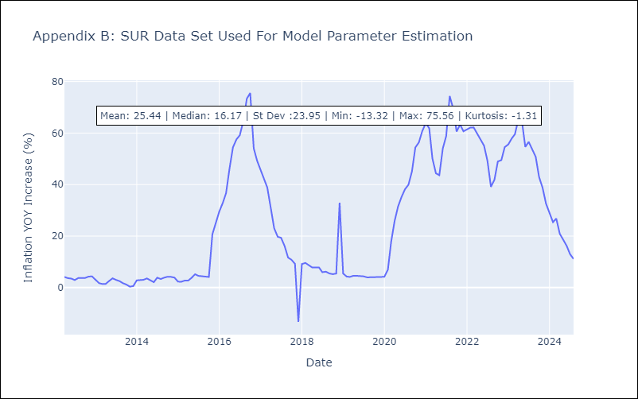

Appendix C: Residuals Analysis
Mean

TTO
TTO - Inflation - Next 12 months forecast as of: 2025-04-01

Model | Random Forest - [(3, 2, 0), (3, 0, 0, 12)]
Training Data | 1994-07-01 to 2024-05-01
Test Data | 2024-05-01 to 2025-04-01

Date | Inflation Change YoY % | Lower Bound - 95% Confidence Interval | Upper Bound - 95% Confidence Interval
2025-05-01 | 4.65 | 0.83 | 6.14
2025-06-01 | 4.45 | 4.13 | 6.63
2025-07-01 | 4.26 | 3 | 4.66
2025-08-01 | 4.02 | 3.43 | 6.03
2025-09-01 | 3.77 | 3.15 | 4.88
2025-10-01 | 3.73 | 3.36 | 5.56
2025-11-01 | 3.61 | 3.39 | 6.16
2025-12-01 | 3.46 | 3.15 | 4.43
2026-01-01 | 3.43 | 4.07 | 6.57
2026-02-01 | 3.34 | 2.93 | 4.77
2026-03-01 | 3.3 | 3.47 | 5.63
2026-04-01 | 3.38 | 3.2 | 5.33

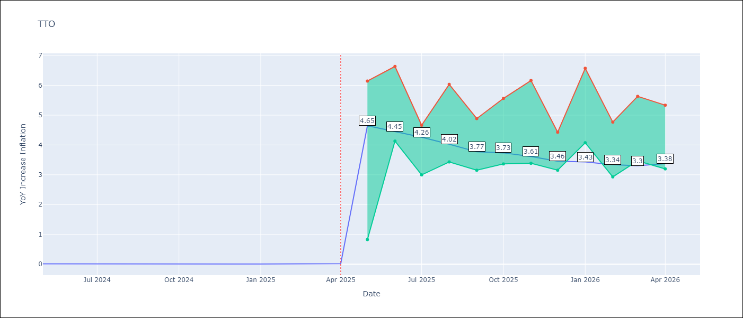

Test Metrics
RMSE | 0.81
Naive RMSE | 0.0
MAPE | 16394.91%

Test Predictions
Date | Predicted | Actual
2024-05-01 | 0.82 | 0.01
2024-06-01 | 0.9 | 0.01
2024-07-01 | 0.88 | 0
2024-08-01 | 0.76 | 0
2024-09-01 | 0.71 | 0
2024-10-01 | 0.76 | 0
2024-11-01 | 0.77 | 0
2024-12-01 | 0.76 | 0
2025-01-01 | 0.8 | 0.01
2025-02-01 | 0.84 | 0.01
2025-03-01 | 0.88 | 0.01
2025-04-01 | 0.87 | 0.02

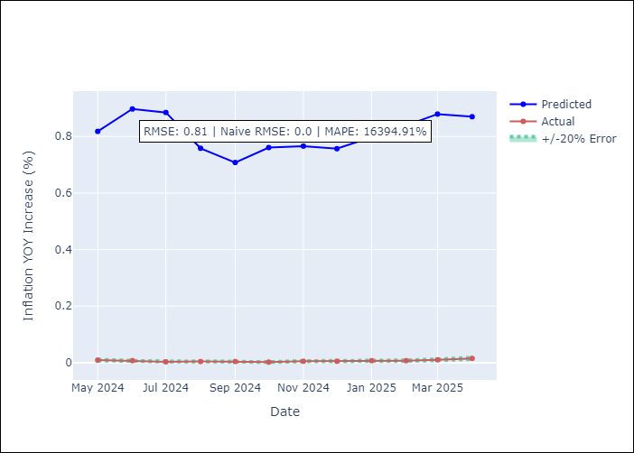

Appendix A: Model Summary
Model | Random Forest
Sample | 1994-07-01 to 2025-04-01
No. of Observations | 370
Terms | P-value (Statistical significance)

Assumptions | P-value

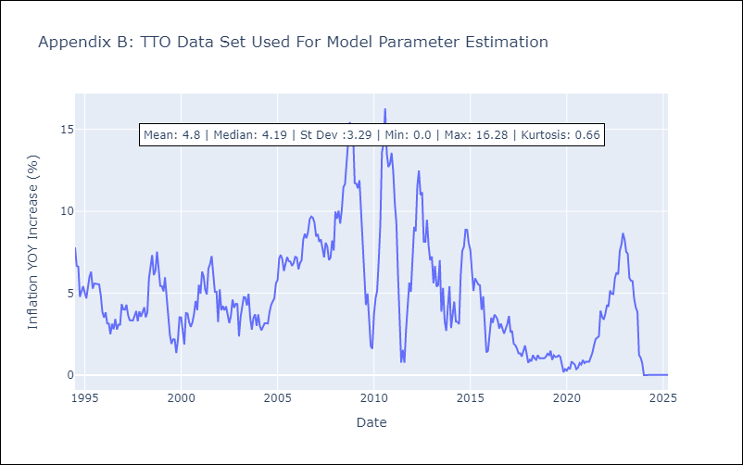

Appendix C: Residuals Analysis
Mean

VCT
VCT - Inflation - Next 12 months forecast as of: 2025-01-01

Model | Random Forest - [(1, 0, 0), (3, 0, 0, 12)]
Training Data | 2004-01-01 to 2024-02-01
Test Data | 2024-02-01 to 2025-01-01

Date | Inflation Change YoY % | Lower Bound - 95% Confidence Interval | Upper Bound - 95% Confidence Interval
2025-02-01 | -0.9 | 2.08 | 5.22
2025-03-01 | -0.92 | 2.56 | 6.14
2025-04-01 | -0.87 | 1.69 | 4.24
2025-05-01 | -0.92 | 0.83 | 2.97
2025-06-01 | -0.91 | -0.7 | 0.77
2025-07-01 | -0.81 | -1.28 | 1.19
2025-08-01 | -0.67 | 0.15 | 3.28
2025-09-01 | -0.48 | 2.33 | 4
2025-10-01 | -0.06 | 1.72 | 3.37
2025-11-01 | 0.27 | 1.03 | 3.06
2025-12-01 | 0.67 | -0.69 | 0.89
2026-01-01 | 1.09 | -1.28 | 1.23

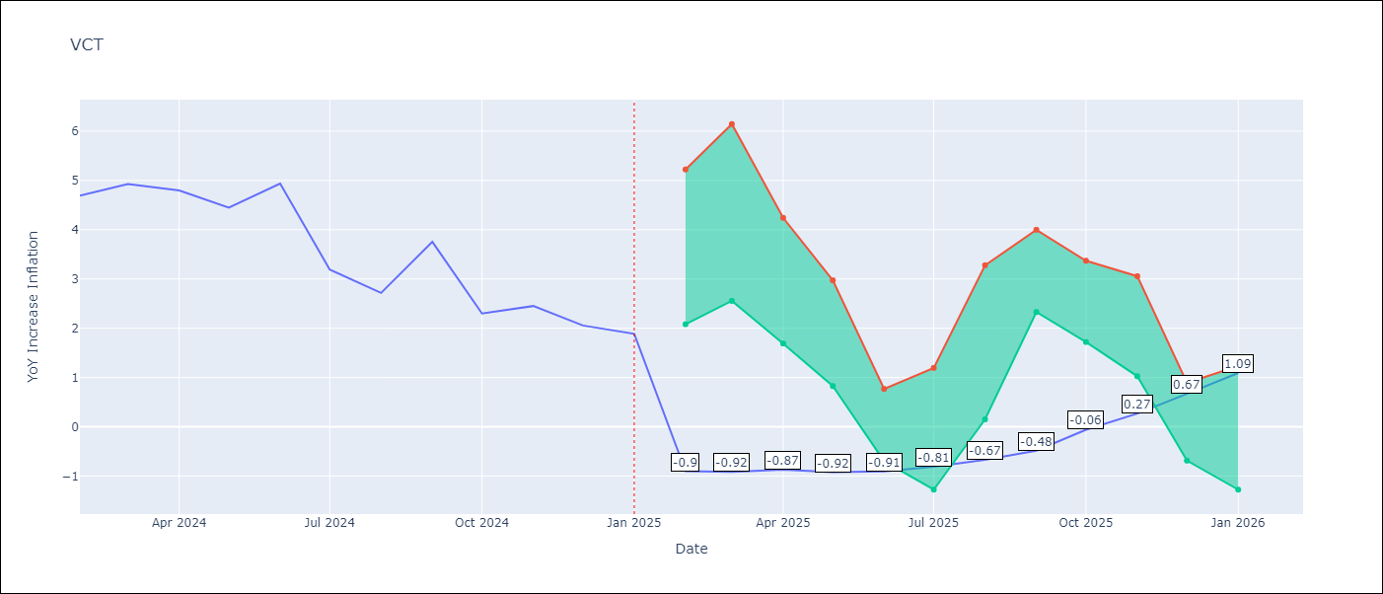

Test Metrics
RMSE | 1.39
Naive RMSE | 0.8
MAPE | 46.91%

Test Predictions
Date | Predicted | Actual
2024-02-01 | 4.29 | 4.69
2024-03-01 | 4.32 | 4.93
2024-04-01 | 4.4 | 4.8
2024-05-01 | 4.49 | 4.45
2024-06-01 | 4.39 | 4.94
2024-07-01 | 4.56 | 3.19
2024-08-01 | 4.39 | 2.72
2024-09-01 | 4.34 | 3.75
2024-10-01 | 4.35 | 2.3
2024-11-01 | 4.17 | 2.45
2024-12-01 | 4.21 | 2.06
2025-01-01 | 4.17 | 1.89

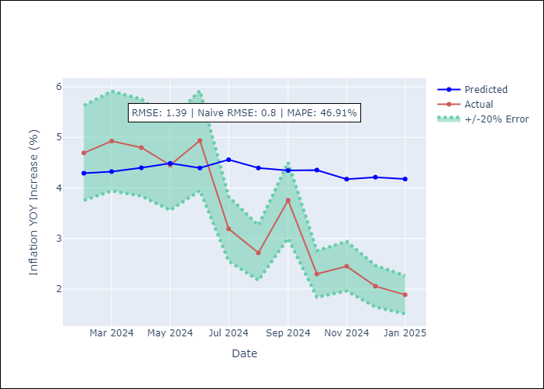

Appendix A: Model Summary
Model | Random Forest
Sample | 2004-01-01 to 2025-01-01
No. of Observations | 253
Terms | P-value (Statistical significance)

Assumptions | P-value

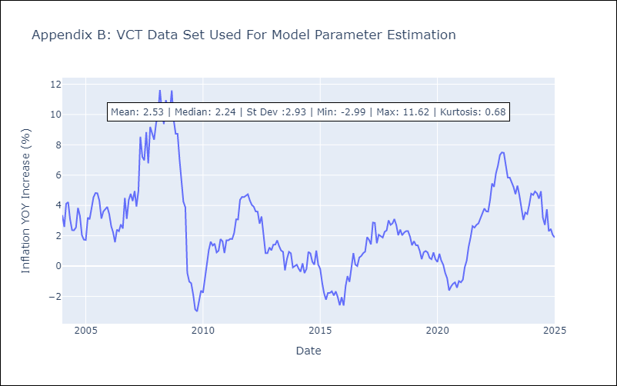

Appendix C: Residuals Analysis
Mean

