ATG
ATG - Inflation - Next 12 months forecast as of: 2025-01-01

Model | Random Forest - [(0, 1, 1), (0, 0, 1, 12)]
Training Data | 2004-01-01 to 2024-02-01
Test Data | 2024-02-01 to 2025-01-01

Date | Inflation Change YoY % | Lower Bound - 95% Confidence Interval | Upper Bound - 95% Confidence Interval
2025-02-01 | 1.08 | -0.7 | 4.14
2025-03-01 | 1.11 | 1.69 | 4.92
2025-04-01 | 1.08 | 1.07 | 2.37
2025-05-01 | 1.05 | 1.01 | 2.01
2025-06-01 | 0.89 | 0.89 | 1.97
2025-07-01 | 0.89 | 0.5 | 1.54
2025-08-01 | 0.82 | 0.21 | 1.38
2025-09-01 | 0.85 | -0.01 | 1.26
2025-10-01 | 0.71 | 0.05 | 1.28
2025-11-01 | 0.7 | 0.27 | 2.6
2025-12-01 | 0.66 | 0.66 | 1.41
2026-01-01 | 0.64 | 0.04 | 1.34

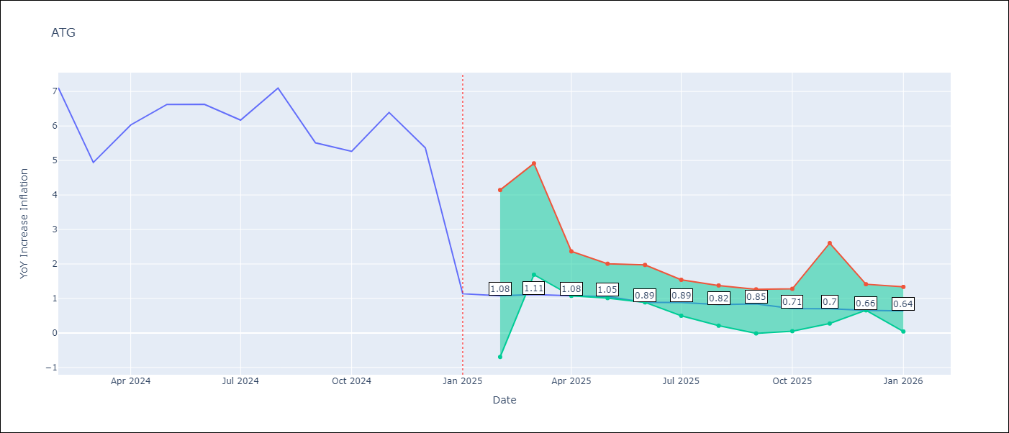

Test Metrics
RMSE | 1.99
Naive RMSE | 1.65
MAPE | 50.79%

Test Predictions
Date | Predicted | Actual
2024-02-01 | 6.27 | 7.11
2024-03-01 | 5.45 | 4.94
2024-04-01 | 5.01 | 6.03
2024-05-01 | 4.8 | 6.62
2024-06-01 | 4.34 | 6.63
2024-07-01 | 4.28 | 6.17
2024-08-01 | 3.96 | 7.1
2024-09-01 | 3.56 | 5.51
2024-10-01 | 3.71 | 5.27
2024-11-01 | 3.41 | 6.39
2024-12-01 | 3.41 | 5.37
2025-01-01 | 3.3 | 1.14

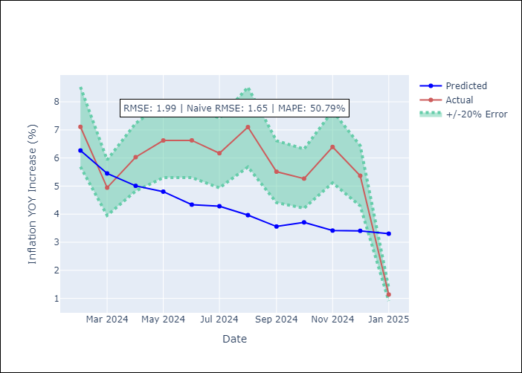

Appendix A: Model Summary
Model | Random Forest
Sample | 2004-01-01 to 2025-01-01
No. of Observations | 253
Terms | P-value (Statistical significance)

Assumptions | P-value

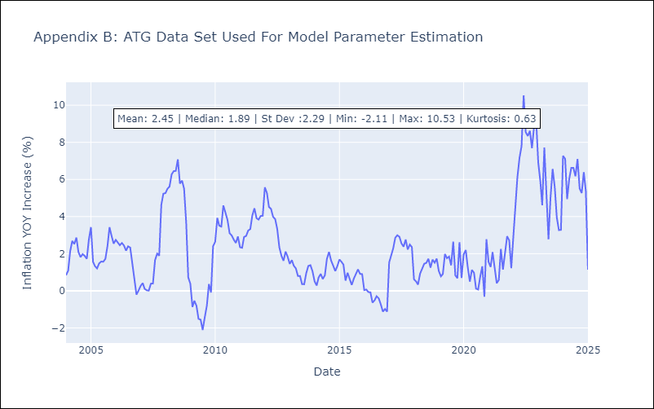

Appendix C: Residuals Analysis
Mean

BHS
BHS - Inflation - Next 12 months forecast as of: 2025-02-01

Model | Random Forest - [(1, 0, 0), (3, 0, 1, 12)]
Training Data | 2000-01-01 to 2024-03-01
Test Data | 2024-03-01 to 2025-02-01

Date | Inflation Change YoY % | Lower Bound - 95% Confidence Interval | Upper Bound - 95% Confidence Interval
2025-03-01 | 1.9 | 0.9 | 3.17
2025-04-01 | 2 | 1.72 | 2.84
2025-05-01 | 2.03 | 2.35 | 4.07
2025-06-01 | 2.14 | 1.31 | 3.4
2025-07-01 | 2.27 | 0.64 | 3.21
2025-08-01 | 2.23 | 1.88 | 3.62
2025-09-01 | 2.28 | 2.25 | 5
2025-10-01 | 2.33 | 1.14 | 4.98
2025-11-01 | 2.26 | -0.15 | 2.07
2025-12-01 | 2.18 | -0.19 | 2.24
2026-01-01 | 2.07 | 1.18 | 2.21
2026-02-01 | 1.96 | 1.66 | 2.63

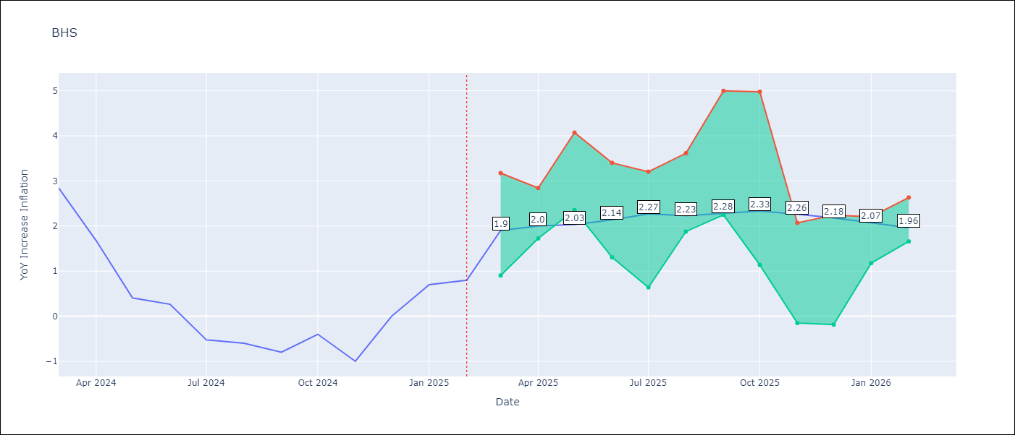

Test Metrics
RMSE | 0.92
Naive RMSE | 0.72
MAPE | inf%

Test Predictions
Date | Predicted | Actual
2024-03-01 | 1.14 | 2.85
2024-04-01 | 1.33 | 1.68
2024-05-01 | 1.01 | 0.4
2024-06-01 | 0.85 | 0.26
2024-07-01 | 0.63 | -0.52
2024-08-01 | 0.4 | -0.6
2024-09-01 | 0.35 | -0.8
2024-10-01 | 0.23 | -0.4
2024-11-01 | 0.46 | -1
2024-12-01 | 0.35 | 0
2025-01-01 | 0.7 | 0.7
2025-02-01 | 0.86 | 0.8

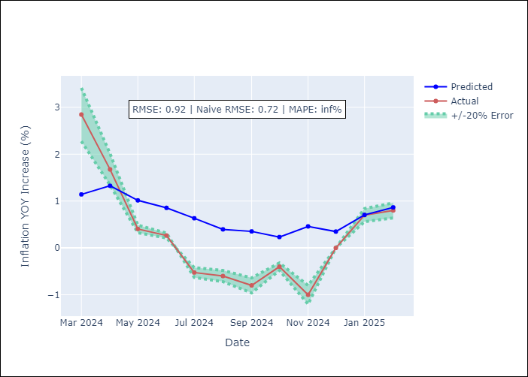

Appendix A: Model Summary
Model | Random Forest
Sample | 2000-01-01 to 2025-02-01
No. of Observations | 302
Terms | P-value (Statistical significance)

Assumptions | P-value

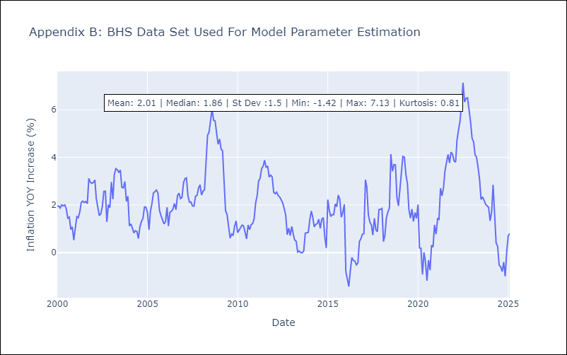

Appendix C: Residuals Analysis
Mean

BLZ
BLZ - Inflation - Next 12 months forecast as of: 2025-03-01

Model | Random Forest - [(2, 0, 0), (1, 0, 0, 12)]
Training Data | 2015-01-01 to 2024-04-01
Test Data | 2024-04-01 to 2025-03-01

Date | Inflation Change YoY % | Lower Bound - 95% Confidence Interval | Upper Bound - 95% Confidence Interval
2025-04-01 | 1.09 | 0.53 | 3.8
2025-05-01 | 0.99 | 0.19 | 3.24
2025-06-01 | 0.97 | 0.02 | 0.82
2025-07-01 | 1.04 | 0.03 | 1.04
2025-08-01 | 1.01 | 0.15 | 2.53
2025-09-01 | 0.95 | 0.42 | 5.37
2025-10-01 | 0.99 | 0.23 | 4.65
2025-11-01 | 1.02 | 0.37 | 2.79
2025-12-01 | 0.93 | -0.01 | 0.95
2026-01-01 | 0.7 | 0.05 | 1.07
2026-02-01 | 0.54 | 0.28 | 1.85
2026-03-01 | 0.53 | 0.05 | 4.87

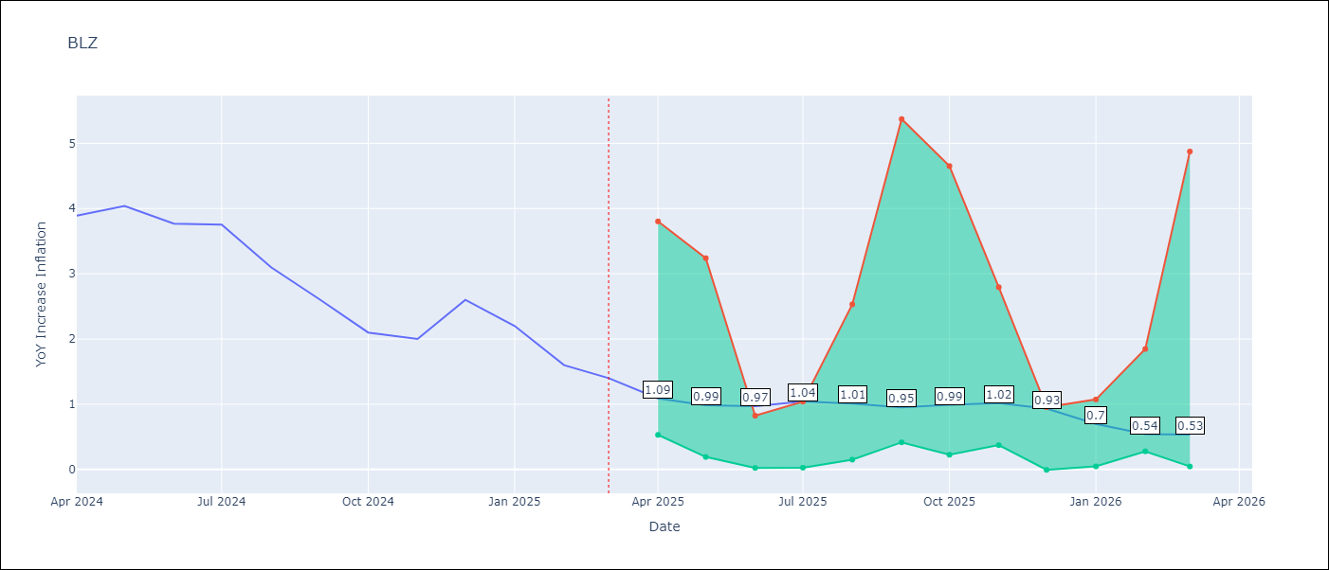

Test Metrics
RMSE | 1.85
Naive RMSE | 0.42
MAPE | 86.06%

Test Predictions
Date | Predicted | Actual
2024-04-01 | 5.14 | 3.89
2024-05-01 | 5.18 | 4.04
2024-06-01 | 5.15 | 3.77
2024-07-01 | 5.09 | 3.75
2024-08-01 | 5 | 3.1
2024-09-01 | 4.77 | 2.6
2024-10-01 | 4.48 | 2.1
2024-11-01 | 4.26 | 2
2024-12-01 | 4.02 | 2.6
2025-01-01 | 3.94 | 2.2
2025-02-01 | 3.88 | 1.6
2025-03-01 | 3.7 | 1.4

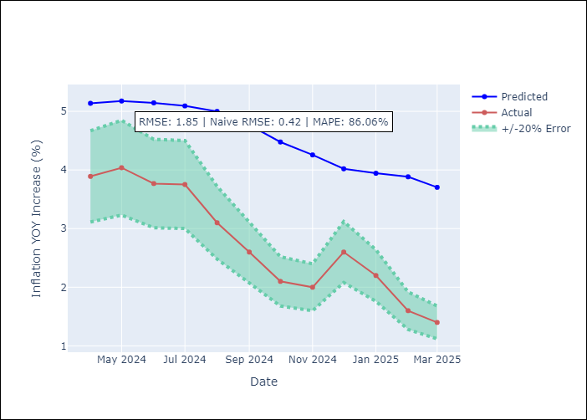

Appendix A: Model Summary
Model | Random Forest
Sample | 2015-01-01 to 2025-03-01
No. of Observations | 123
Terms | P-value (Statistical significance)

Assumptions | P-value

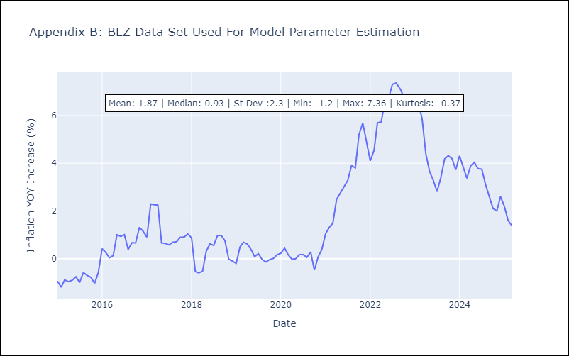

Appendix C: Residuals Analysis
Mean

BRB
BRB - Inflation - Next 12 months forecast as of: 2025-03-01

Model | Random Forest - [(3, 0, 0), (0, 0, 1, 12)]
Training Data | 2003-01-01 to 2024-04-01
Test Data | 2024-04-01 to 2025-03-01

Date | Inflation Change YoY % | Lower Bound - 95% Confidence Interval | Upper Bound - 95% Confidence Interval
2025-04-01 | 4.77 | 0.74 | 4.16
2025-05-01 | 5.12 | 4.28 | 9.02
2025-06-01 | 5.48 | 4.34 | 8.6
2025-07-01 | 6.35 | 2.75 | 5.58
2025-08-01 | 7.25 | 5.46 | 9.07
2025-09-01 | 7.89 | 3.11 | 5.63
2025-10-01 | 8.2 | 4.91 | 9.8
2025-11-01 | 8.65 | 2.85 | 8.85
2025-12-01 | 8.59 | 3.4 | 8.65
2026-01-01 | 8.3 | 4.74 | 8.63
2026-02-01 | 7.91 | 2.42 | 5.24
2026-03-01 | 7.58 | 4.6 | 8.84

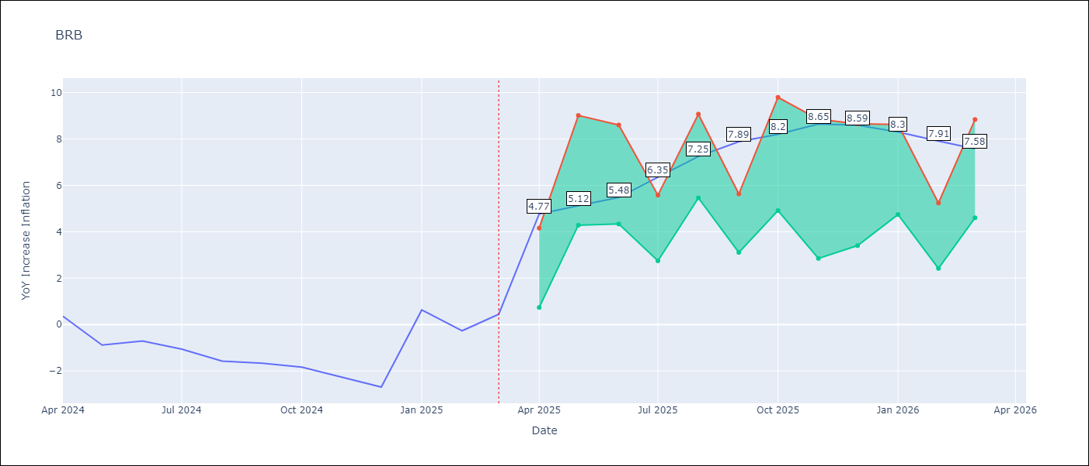

Test Metrics
RMSE | 4.66
Naive RMSE | 1.16
MAPE | 513.26%

Test Predictions
Date | Predicted | Actual
2024-04-01 | 1.55 | 0.36
2024-05-01 | 1.6 | -0.88
2024-06-01 | 1.77 | -0.7
2024-07-01 | 2.18 | -1.06
2024-08-01 | 2.71 | -1.58
2024-09-01 | 3.17 | -1.66
2024-10-01 | 3.46 | -1.83
2024-11-01 | 4 | -2.26
2024-12-01 | 4.85 | -2.69
2025-01-01 | 5.12 | 0.63
2025-02-01 | 5.44 | -0.27
2025-03-01 | 4.65 | 0.45

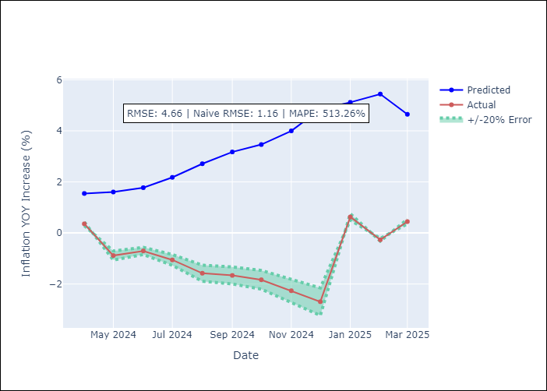

Appendix A: Model Summary
Model | Random Forest
Sample | 2003-01-01 to 2025-03-01
No. of Observations | 263
Terms | P-value (Statistical significance)

Assumptions | P-value

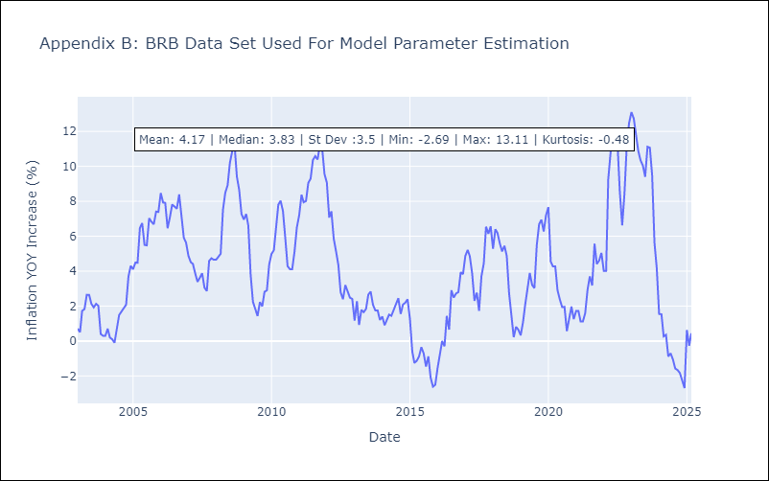

Appendix C: Residuals Analysis
Mean

DMA
DMA - Inflation - Next 12 months forecast as of: 2025-01-01

Model | Random Forest - [(0, 1, 0), (3, 0, 0, 12)]
Training Data | 2004-01-01 to 2024-02-01
Test Data | 2024-02-01 to 2025-01-01

Date | Inflation Change YoY % | Lower Bound - 95% Confidence Interval | Upper Bound - 95% Confidence Interval
2025-02-01 | 0.46 | -0.03 | 1.59
2025-03-01 | 0.59 | 0.05 | 1.29
2025-04-01 | 0.42 | -0.1 | 0.8
2025-05-01 | 0.33 | -0.18 | 1.38
2025-06-01 | 0.6 | -0.27 | 0.85
2025-07-01 | 0.27 | -0.11 | 1.12
2025-08-01 | 0.54 | -0.28 | 0.89
2025-09-01 | 0.51 | -0.21 | 1.25
2025-10-01 | 0.42 | -0.26 | 0.68
2025-11-01 | 0.72 | 0.07 | 1.46
2025-12-01 | 0.5 | -0.26 | 1.05
2026-01-01 | 0.71 | -0.06 | 0.94

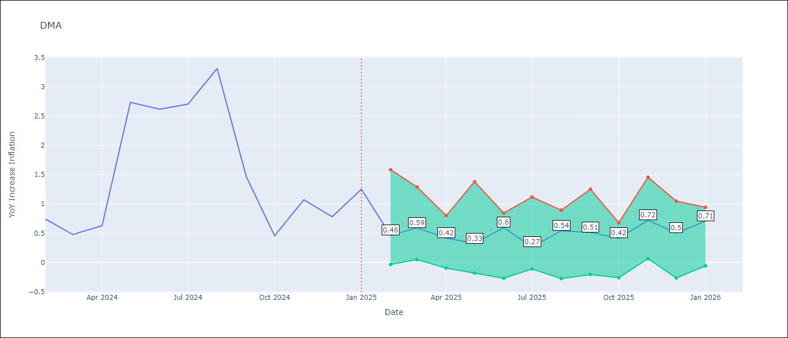

Test Metrics
RMSE | 1.27
Naive RMSE | 0.96
MAPE | 80.96%

Test Predictions
Date | Predicted | Actual
2024-02-01 | 1.56 | 0.74
2024-03-01 | 1.47 | 0.48
2024-04-01 | 1.37 | 0.63
2024-05-01 | 1.1 | 2.74
2024-06-01 | 0.82 | 2.62
2024-07-01 | 1.25 | 2.7
2024-08-01 | 1.33 | 3.31
2024-09-01 | 1.38 | 1.46
2024-10-01 | 0.9 | 0.46
2024-11-01 | 0.41 | 1.07
2024-12-01 | -0.16 | 0.78
2025-01-01 | -0.67 | 1.25

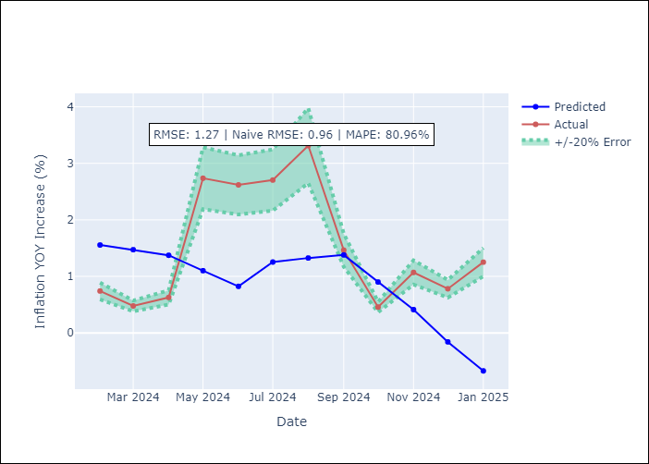

Appendix A: Model Summary
Model | Random Forest
Sample | 2004-01-01 to 2025-01-01
No. of Observations | 253
Terms | P-value (Statistical significance)

Assumptions | P-value

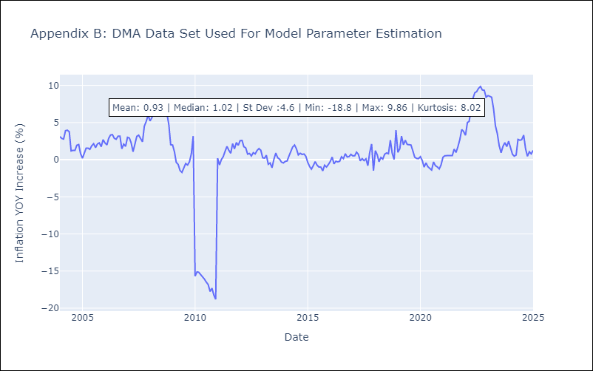

Appendix C: Residuals Analysis
Mean

GRD
GRD - Inflation - Next 12 months forecast as of: 2025-01-01

Model | Random Forest - [(1, 1, 1), (3, 0, 0, 12)]
Training Data | 2004-01-01 to 2024-02-01
Test Data | 2024-02-01 to 2025-01-01

Date | Inflation Change YoY % | Lower Bound - 95% Confidence Interval | Upper Bound - 95% Confidence Interval
2025-02-01 | -0.23 | 0.21 | 1.03
2025-03-01 | 0.25 | 0.59 | 1.17
2025-04-01 | 0.73 | 0 | 1.11
2025-05-01 | 1.08 | -1.03 | 0.06
2025-06-01 | 1.3 | -0.35 | 2.02
2025-07-01 | 1.52 | 1.54 | 3.13
2025-08-01 | 1.67 | 2.34 | 5.3
2025-09-01 | 1.72 | 2.19 | 4.43
2025-10-01 | 1.7 | 0.99 | 3.06
2025-11-01 | 1.85 | 0.1 | 1.19
2025-12-01 | 1.98 | -0.89 | 0.26
2026-01-01 | 2.05 | -0.43 | 2.08

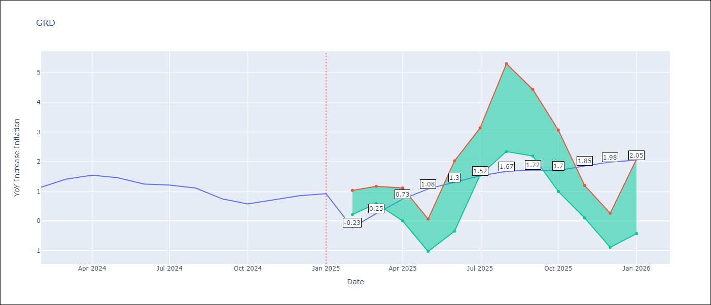

Test Metrics
RMSE | 0.72
Naive RMSE | 0.18
MAPE | 65.37%

Test Predictions
Date | Predicted | Actual
2024-02-01 | 0.73 | 1.14
2024-03-01 | 0.52 | 1.41
2024-04-01 | 0.52 | 1.54
2024-05-01 | 0.76 | 1.45
2024-06-01 | 1.01 | 1.24
2024-07-01 | 1.08 | 1.21
2024-08-01 | 0.45 | 1.11
2024-09-01 | 0.03 | 0.74
2024-10-01 | -0.07 | 0.57
2024-11-01 | -0.09 | 0.71
2024-12-01 | -0.05 | 0.85
2025-01-01 | -0.02 | 0.92

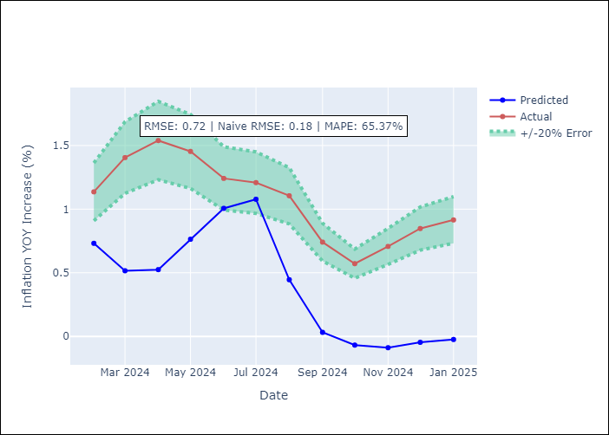

Appendix A: Model Summary
Model | Random Forest
Sample | 2004-01-01 to 2025-01-01
No. of Observations | 253
Terms | P-value (Statistical significance)

Assumptions | P-value

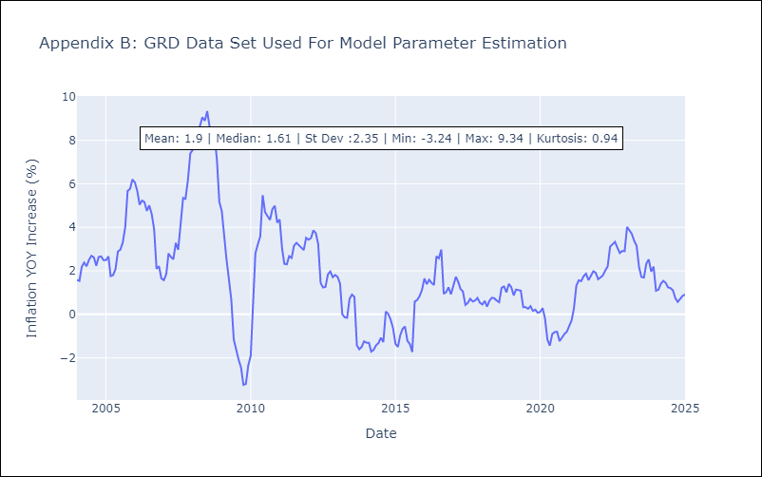

Appendix C: Residuals Analysis
Mean

GUY
GUY - Inflation - Next 12 months forecast as of: 2025-03-01

Model | Random Forest - [(3, 0, 1), (1, 0, 0, 12)]
Training Data | 2008-01-01 to 2024-04-01
Test Data | 2024-04-01 to 2025-03-01

Date | Inflation Change YoY % | Lower Bound - 95% Confidence Interval | Upper Bound - 95% Confidence Interval
2025-04-01 | 2.44 | 1.36 | 4.11
2025-05-01 | 2.47 | 1.05 | 2.96
2025-06-01 | 2.57 | 0.78 | 2.6
2025-07-01 | 2.55 | 1.33 | 4.74
2025-08-01 | 2.4 | 0.62 | 1.59
2025-09-01 | 2.27 | 0.63 | 2.88
2025-10-01 | 1.98 | 0.72 | 2.04
2025-11-01 | 1.77 | 0.94 | 4.52
2025-12-01 | 1.71 | 0.71 | 2.71
2026-01-01 | 1.63 | 0.74 | 3.66
2026-02-01 | 1.55 | 1.23 | 6.24
2026-03-01 | 1.2 | 1.12 | 2.94

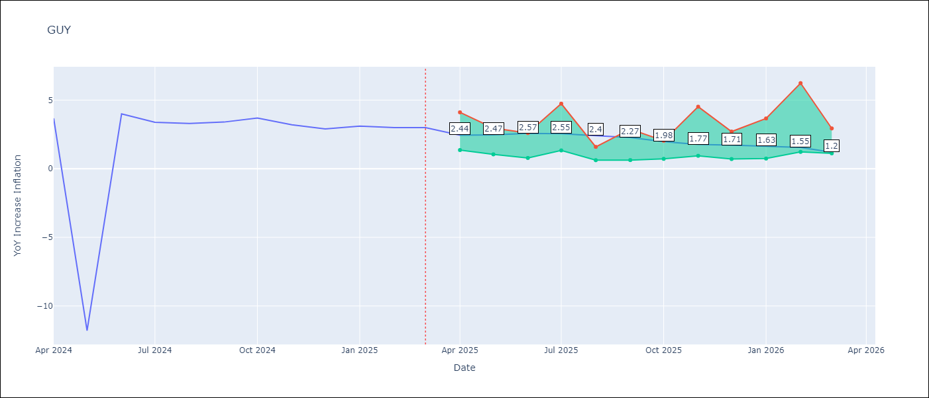

Test Metrics
RMSE | 4.25
Naive RMSE | 6.67
MAPE | 44.43%

Test Predictions
Date | Predicted | Actual
2024-04-01 | 2.22 | 3.67
2024-05-01 | 2.25 | -11.79
2024-06-01 | 2.05 | 3.99
2024-07-01 | 2.26 | 3.39
2024-08-01 | 2.34 | 3.3
2024-09-01 | 2.2 | 3.4
2024-10-01 | 2.12 | 3.7
2024-11-01 | 1.96 | 3.2
2024-12-01 | 2 | 2.9
2025-01-01 | 1.92 | 3.1
2025-02-01 | 1.77 | 3
2025-03-01 | 1.55 | 3

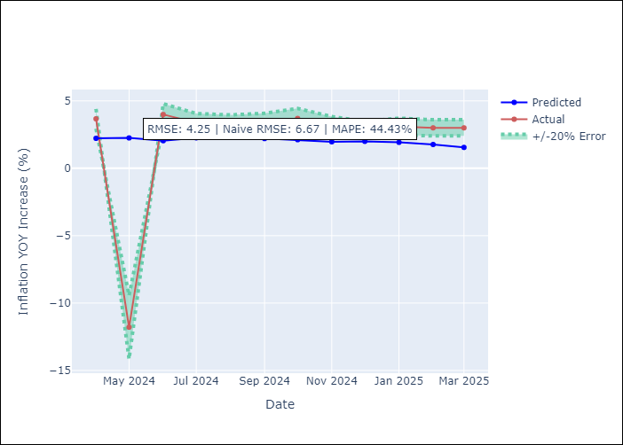

Appendix A: Model Summary
Model | Random Forest
Sample | 2008-01-01 to 2025-03-01
No. of Observations | 207
Terms | P-value (Statistical significance)

Assumptions | P-value

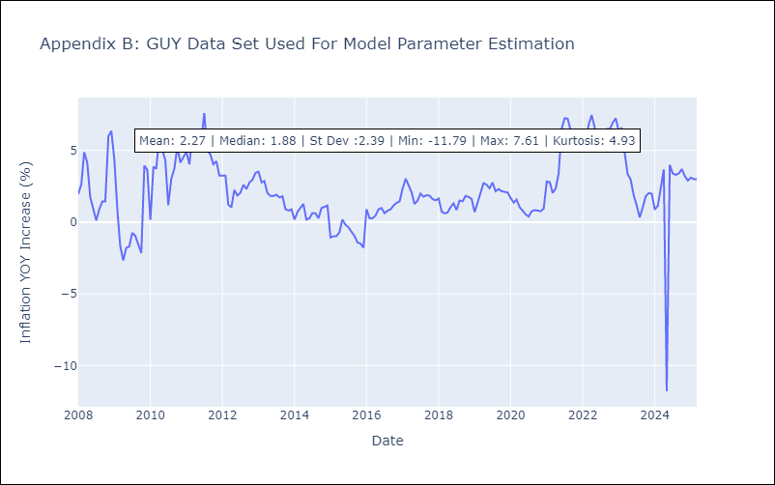

Appendix C: Residuals Analysis
Mean

JAM
JAM - Inflation - Next 12 months forecast as of: 2025-04-01

Model | Random Forest - [(2, 1, 0), (0, 0, 2, 12)]
Training Data | 1994-07-01 to 2024-05-01
Test Data | 2024-05-01 to 2025-04-01

Date | Inflation Change YoY % | Lower Bound - 95% Confidence Interval | Upper Bound - 95% Confidence Interval
2025-05-01 | 9.23 | 3.41 | 8.94
2025-06-01 | 8.94 | 7.01 | 10.6
2025-07-01 | 8.69 | 6.2 | 8.75
2025-08-01 | 8.35 | 6.95 | 13.15
2025-09-01 | 8.02 | 8.06 | 13.87
2025-10-01 | 8.09 | 5.95 | 8.8
2025-11-01 | 8.09 | 6.42 | 10.2
2025-12-01 | 7.91 | 7.26 | 9.79
2026-01-01 | 7.58 | 4.57 | 8.44
2026-02-01 | 6.91 | 4.79 | 9.46
2026-03-01 | 6.44 | 7.49 | 13.87
2026-04-01 | 5.83 | 5.73 | 9.29

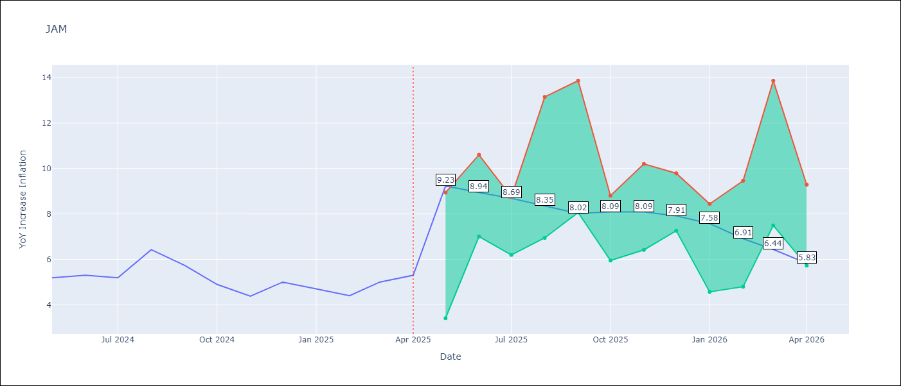

Test Metrics
RMSE | 1.93
Naive RMSE | 0.6
MAPE | 31.61%

Test Predictions
Date | Predicted | Actual
2024-05-01 | 5.55 | 5.19
2024-06-01 | 5.72 | 5.3
2024-07-01 | 5.73 | 5.19
2024-08-01 | 5.91 | 6.42
2024-09-01 | 6.16 | 5.74
2024-10-01 | 6.61 | 4.9
2024-11-01 | 6.44 | 4.38
2024-12-01 | 6.69 | 5
2025-01-01 | 6.98 | 4.7
2025-02-01 | 7.67 | 4.4
2025-03-01 | 8.02 | 5
2025-04-01 | 8.21 | 5.3

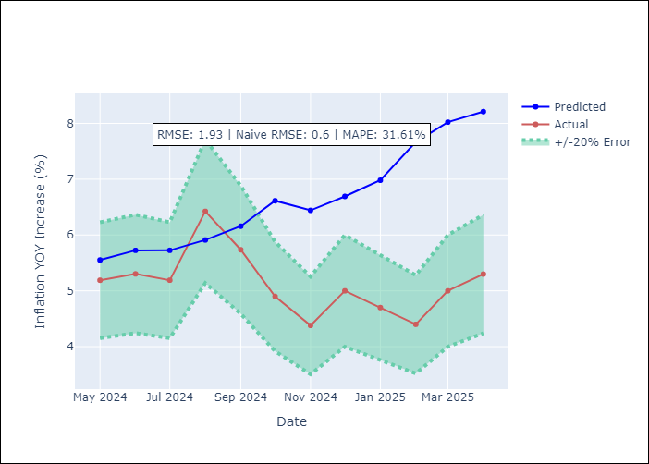

Appendix A: Model Summary
Model | Random Forest
Sample | 1994-07-01 to 2025-04-01
No. of Observations | 370
Terms | P-value (Statistical significance)

Assumptions | P-value

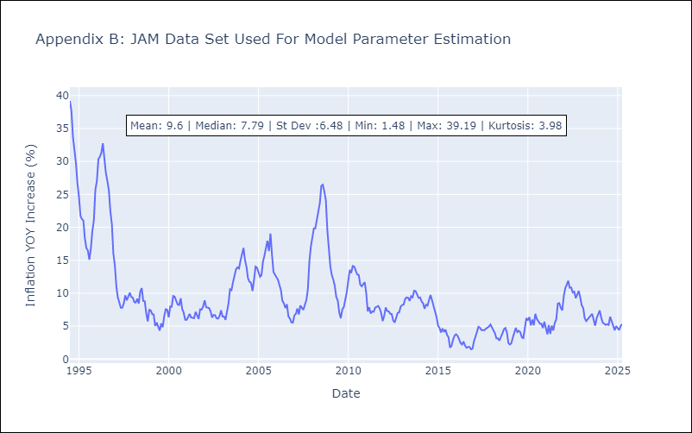

Appendix C: Residuals Analysis
Mean

KNA
KNA - Inflation - Next 12 months forecast as of: 2025-02-01

Model | Random Forest - [(0, 1, 0), (3, 0, 0, 12)]
Training Data | 2006-01-01 to 2024-03-01
Test Data | 2024-03-01 to 2025-02-01

Date | Inflation Change YoY % | Lower Bound - 95% Confidence Interval | Upper Bound - 95% Confidence Interval
2025-03-01 | 1.26 | -0.21 | 2.48
2025-04-01 | 1.12 | 0.2 | 2.64
2025-05-01 | 1.12 | -0.04 | 1.99
2025-06-01 | 1.33 | -0.46 | 1.2
2025-07-01 | 1.32 | -2.21 | 0.58
2025-08-01 | 1.46 | -2.08 | 0.45
2025-09-01 | 1.68 | -0.62 | 1.83
2025-10-01 | 1.53 | -1.84 | 1.38
2025-11-01 | 1.56 | -2.11 | 0.48
2025-12-01 | 1.66 | -0.63 | 1.62
2026-01-01 | 1.79 | 0.88 | 2.91
2026-02-01 | 1.71 | 0.68 | 2.6

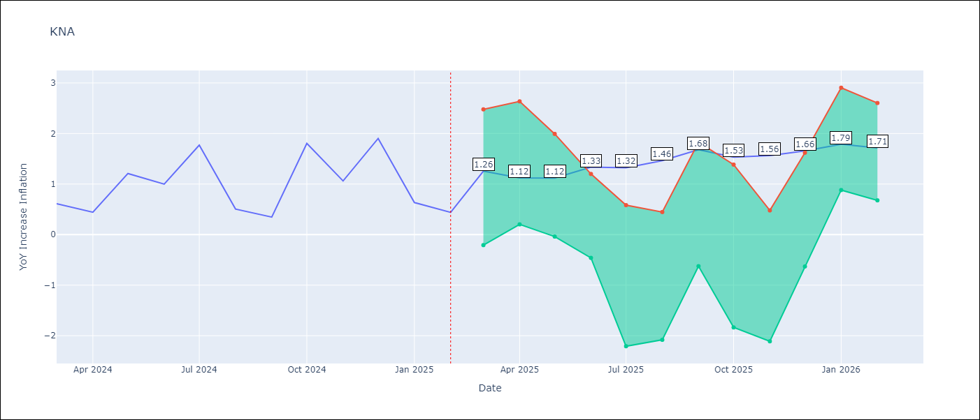

Test Metrics
RMSE | 0.7
Naive RMSE | 0.85
MAPE | 89.92%

Test Predictions
Date | Predicted | Actual
2024-03-01 | 1.05 | 0.61
2024-04-01 | 0.88 | 0.44
2024-05-01 | 0.83 | 1.21
2024-06-01 | 1.04 | 1
2024-07-01 | 0.99 | 1.77
2024-08-01 | 1.3 | 0.51
2024-09-01 | 1.13 | 0.35
2024-10-01 | 0.97 | 1.8
2024-11-01 | 1.42 | 1.06
2024-12-01 | 1.46 | 1.9
2025-01-01 | 1.8 | 0.63
2025-02-01 | 1.48 | 0.44

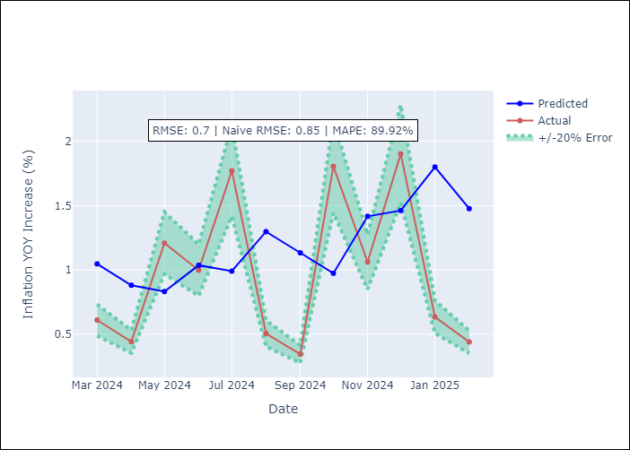

Appendix A: Model Summary
Model | Random Forest
Sample | 2006-01-01 to 2025-02-01
No. of Observations | 230
Terms | P-value (Statistical significance)

Assumptions | P-value

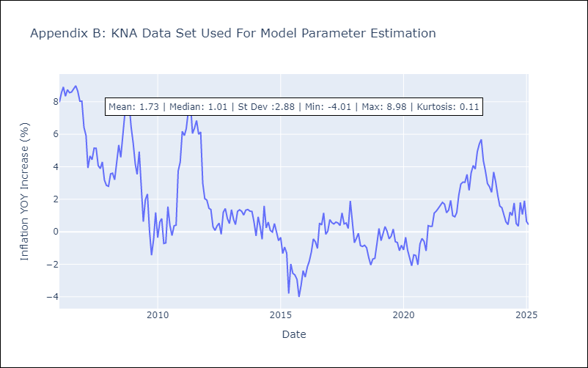

Appendix C: Residuals Analysis
Mean

LCA
LCA - Inflation - Next 12 months forecast as of: 2025-01-01

Model | Random Forest - [(0, 1, 0), (3, 0, 1, 12)]
Training Data | 2008-01-01 to 2024-02-01
Test Data | 2024-02-01 to 2025-01-01

Date | Inflation Change YoY % | Lower Bound - 95% Confidence Interval | Upper Bound - 95% Confidence Interval
2025-02-01 | 3.02 | 1.69 | 3.73
2025-03-01 | 3.26 | 2.17 | 3.75
2025-04-01 | 3.61 | 2.25 | 4.16
2025-05-01 | 3.98 | 2.24 | 4.65
2025-06-01 | 4.18 | 1.41 | 4.98
2025-07-01 | 4.32 | 1.2 | 4.31
2025-08-01 | 4.27 | 1.9 | 3.98
2025-09-01 | 3.86 | 2.37 | 4.36
2025-10-01 | 3.63 | 1.91 | 4.6
2025-11-01 | 3.36 | 1.2 | 4.85
2025-12-01 | 3.31 | 0.93 | 3.94
2026-01-01 | 3.26 | 2.36 | 4.33

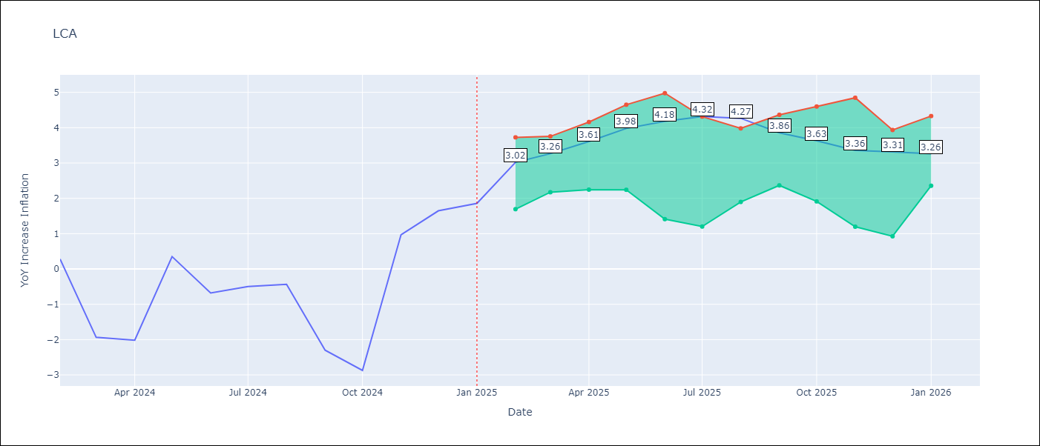

Test Metrics
RMSE | 1.55
Naive RMSE | 1.67
MAPE | 172.82%

Test Predictions
Date | Predicted | Actual
2024-02-01 | -0.41 | 0.28
2024-03-01 | -1.04 | -1.94
2024-04-01 | -1.23 | -2.02
2024-05-01 | -1.26 | 0.35
2024-06-01 | -0.33 | -0.68
2024-07-01 | 0.05 | -0.5
2024-08-01 | 0.18 | -0.43
2024-09-01 | 0.78 | -2.3
2024-10-01 | 0.72 | -2.87
2024-11-01 | 0.89 | 0.97
2024-12-01 | 2.34 | 1.65
2025-01-01 | 2.72 | 1.86

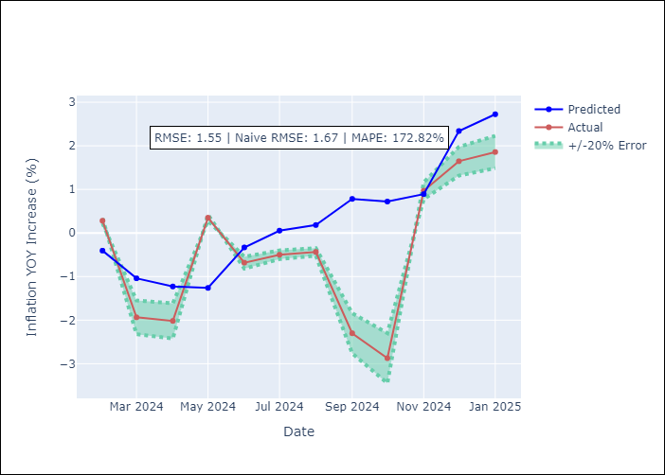

Appendix A: Model Summary
Model | Random Forest
Sample | 2008-01-01 to 2025-01-01
No. of Observations | 205
Terms | P-value (Statistical significance)

Assumptions | P-value

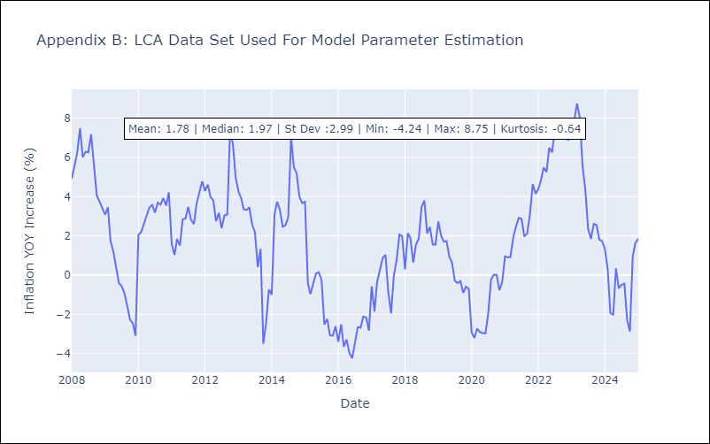

Appendix C: Residuals Analysis
Mean

SUR
SUR - Inflation - Next 12 months forecast as of: 2024-08-01

Model | Random Forest - [(3, 2, 0), (1, 0, 0, 12)]
Training Data | 2012-04-01 to 2023-09-01
Test Data | 2023-09-01 to 2024-08-01

Date | Inflation Change YoY % | Lower Bound - 95% Confidence Interval | Upper Bound - 95% Confidence Interval
2024-09-01 | 50.3 | -5.42 | 23.57
2024-10-01 | 53.5 | 7.58 | 57.88
2024-11-01 | 56.67 | 20.12 | 62.35
2024-12-01 | 58.2 | 42.08 | 62.45
2025-01-01 | 58.77 | 45.83 | 61.56
2025-02-01 | 59.53 | 45.76 | 59.41
2025-03-01 | 59.66 | 41.81 | 61.2
2025-04-01 | 59.38 | 42.05 | 60.04
2025-05-01 | 58.27 | 46.22 | 60.37
2025-06-01 | 55.76 | 43.72 | 59.3
2025-07-01 | 53.59 | 44.62 | 60.03
2025-08-01 | 50.07 | 47.34 | 61.4

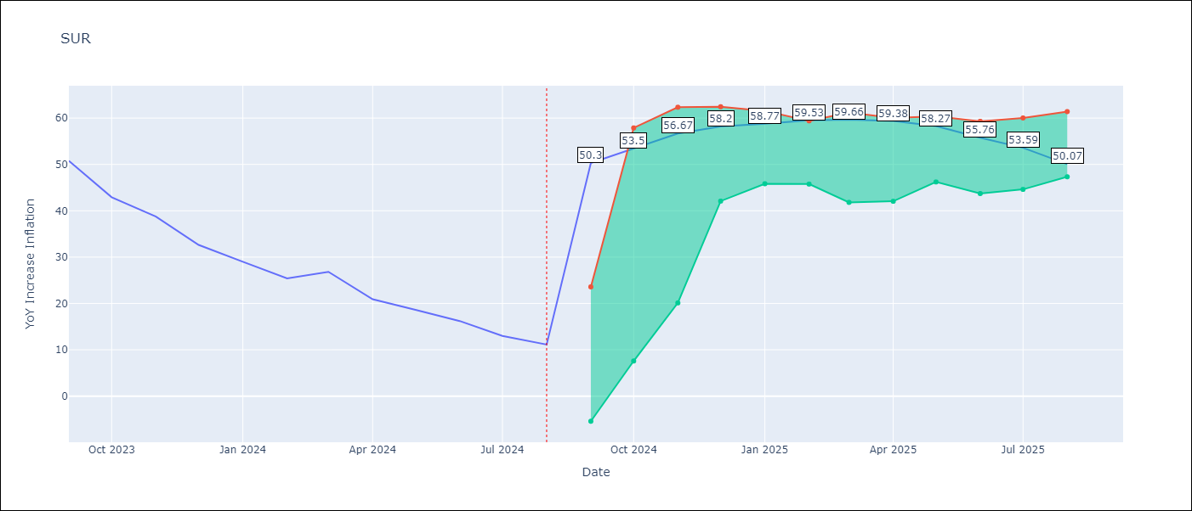

Test Metrics
RMSE | 19.56
Naive RMSE | 4.32
MAPE | 107.13%

Test Predictions
Date | Predicted | Actual
2023-09-01 | 52.41 | 50.79
2023-10-01 | 52.76 | 42.92
2023-11-01 | 51.57 | 38.74
2023-12-01 | 48.79 | 32.63
2024-01-01 | 46.53 | 28.98
2024-02-01 | 45.51 | 25.4
2024-03-01 | 44.64 | 26.83
2024-04-01 | 44.3 | 20.9
2024-05-01 | 42.76 | 18.62
2024-06-01 | 41.65 | 16.21
2024-07-01 | 39.17 | 12.99
2024-08-01 | 35.06 | 11.13

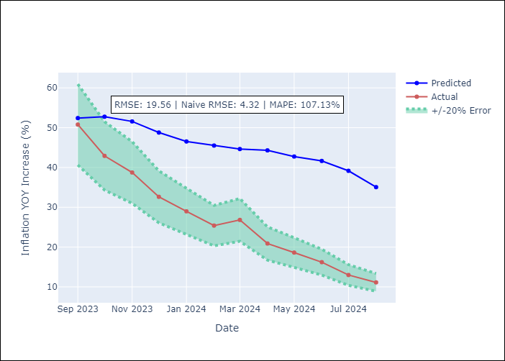

Appendix A: Model Summary
Model | Random Forest
Sample | 2012-04-01 to 2024-08-01
No. of Observations | 145
Terms | P-value (Statistical significance)

Assumptions | P-value

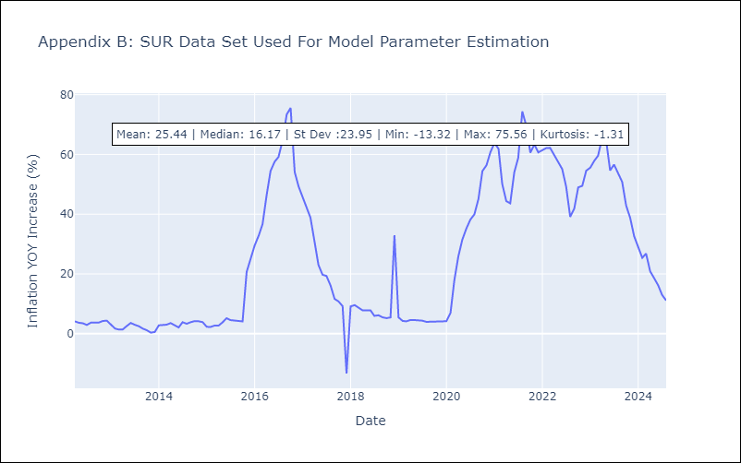

Appendix C: Residuals Analysis
Mean

TTO
TTO - Inflation - Next 12 months forecast as of: 2025-04-01

Model | Random Forest - [(3, 2, 0), (3, 0, 0, 12)]
Training Data | 1994-07-01 to 2024-05-01
Test Data | 2024-05-01 to 2025-04-01

Date | Inflation Change YoY % | Lower Bound - 95% Confidence Interval | Upper Bound - 95% Confidence Interval
2025-05-01 | 4.51 | 0.82 | 6.11
2025-06-01 | 4.43 | 3.9 | 6.41
2025-07-01 | 4.47 | 3.13 | 4.46
2025-08-01 | 4.42 | 3.52 | 6.27
2025-09-01 | 4.47 | 2.97 | 5.22
2025-10-01 | 4.44 | 3.24 | 5.57
2025-11-01 | 4.29 | 3.36 | 5.38
2025-12-01 | 4.15 | 3.28 | 4.47
2026-01-01 | 3.91 | 4.05 | 6.41
2026-02-01 | 3.77 | 2.72 | 4.96
2026-03-01 | 3.75 | 3.31 | 5.39
2026-04-01 | 3.74 | 3.34 | 5.5

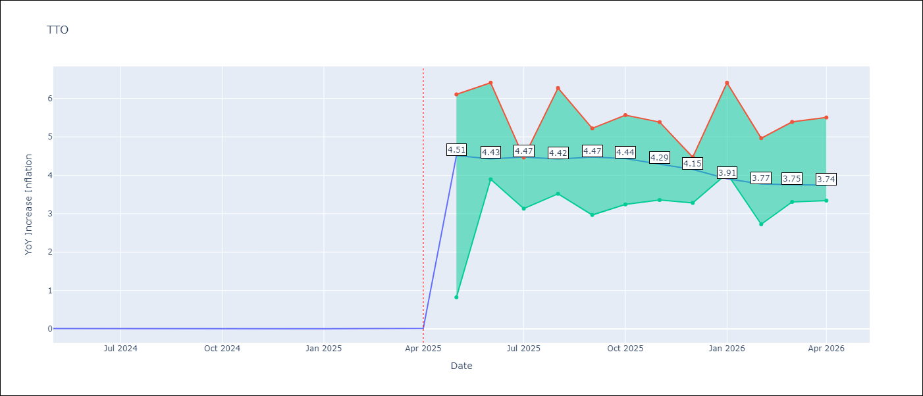

Test Metrics
RMSE | 0.8
Naive RMSE | 0.0
MAPE | 16187.73%

Test Predictions
Date | Predicted | Actual
2024-05-01 | 0.86 | 0.01
2024-06-01 | 0.86 | 0.01
2024-07-01 | 0.84 | 0
2024-08-01 | 0.74 | 0
2024-09-01 | 0.69 | 0
2024-10-01 | 0.76 | 0
2024-11-01 | 0.76 | 0
2024-12-01 | 0.74 | 0
2025-01-01 | 0.8 | 0.01
2025-02-01 | 0.83 | 0.01
2025-03-01 | 0.86 | 0.01
2025-04-01 | 0.87 | 0.02

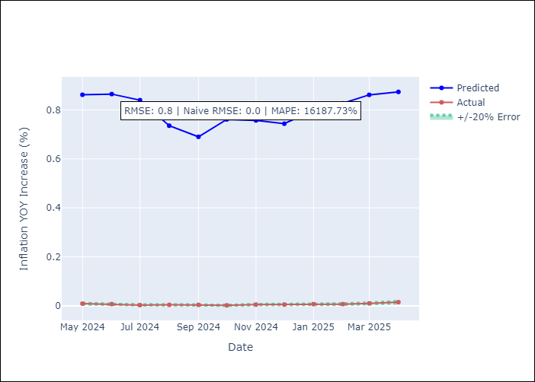

Appendix A: Model Summary
Model | Random Forest
Sample | 1994-07-01 to 2025-04-01
No. of Observations | 370
Terms | P-value (Statistical significance)

Assumptions | P-value

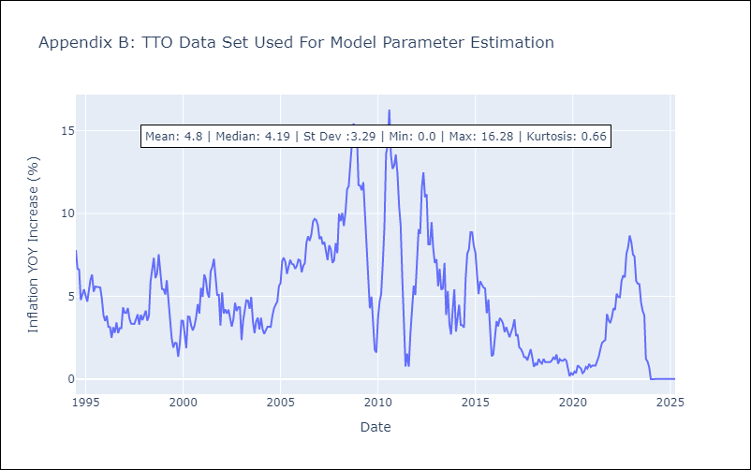

Appendix C: Residuals Analysis
Mean

VCT
VCT - Inflation - Next 12 months forecast as of: 2025-01-01

Model | Random Forest - [(1, 0, 0), (3, 0, 0, 12)]
Training Data | 2004-01-01 to 2024-02-01
Test Data | 2024-02-01 to 2025-01-01

Date | Inflation Change YoY % | Lower Bound - 95% Confidence Interval | Upper Bound - 95% Confidence Interval
2025-02-01 | 2.49 | 1.59 | 5.25
2025-03-01 | 2.49 | 2.39 | 5.81
2025-04-01 | 2.49 | 2.28 | 4.39
2025-05-01 | 2.62 | 1.29 | 3.42
2025-06-01 | 2.56 | 1.17 | 3.92
2025-07-01 | 2.67 | 0.84 | 3.06
2025-08-01 | 2.63 | -0.43 | 1.04
2025-09-01 | 2.6 | -1.36 | 0.38
2025-10-01 | 2.83 | -1.17 | 2.48
2025-11-01 | 2.87 | 1.18 | 3.72
2025-12-01 | 2.81 | 2.18 | 5.04
2026-01-01 | 2.87 | 1.24 | 3.44

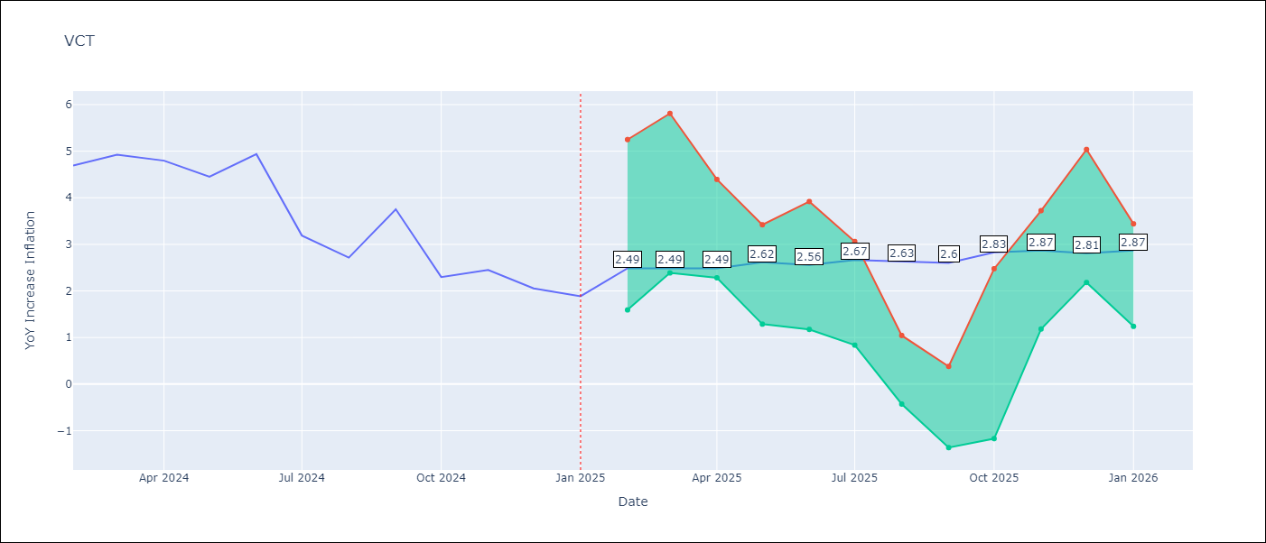

Test Metrics
RMSE | 1.71
Naive RMSE | 0.8
MAPE | 53.65%

Test Predictions
Date | Predicted | Actual
2024-02-01 | 4.56 | 4.69
2024-03-01 | 4.51 | 4.93
2024-04-01 | 4.49 | 4.8
2024-05-01 | 4.81 | 4.45
2024-06-01 | 4.73 | 4.94
2024-07-01 | 5.03 | 3.19
2024-08-01 | 4.74 | 2.72
2024-09-01 | 4.77 | 3.75
2024-10-01 | 4.78 | 2.3
2024-11-01 | 4.67 | 2.45
2024-12-01 | 4.84 | 2.06
2025-01-01 | 4.61 | 1.89

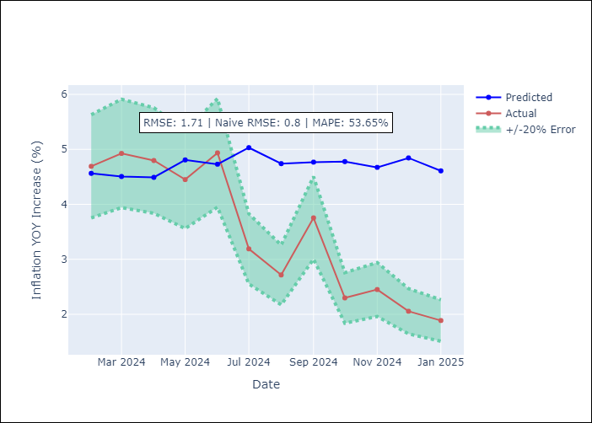

Appendix A: Model Summary
Model | Random Forest
Sample | 2004-01-01 to 2025-01-01
No. of Observations | 253
Terms | P-value (Statistical significance)

Assumptions | P-value

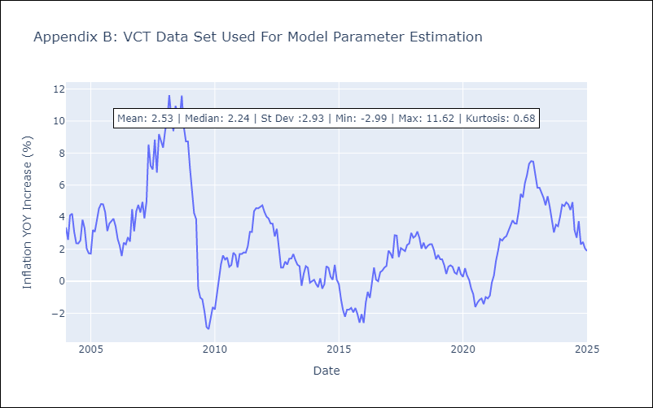

Appendix C: Residuals Analysis
Mean

