ATG
ATG - Inflation - Next 12 months forecast as of: 2025-01-01

Model | Random Forest - [(0, 1, 1), (0, 0, 1, 12)]
Training Data | 2004-01-01 to 2024-02-01
Test Data | 2024-02-01 to 2025-01-01

Date | Inflation Change YoY % | Lower Bound - 95% Confidence Interval | Upper Bound - 95% Confidence Interval
2025-02-01 | 0.97 | -0.55 | 3.74
2025-03-01 | 1.17 | 2.23 | 6.69
2025-04-01 | 1.19 | 0.79 | 4.45
2025-05-01 | 1.15 | 0.64 | 1.41
2025-06-01 | 1.05 | 0.78 | 1.67
2025-07-01 | 0.98 | 0.24 | 1.38
2025-08-01 | 0.92 | 0.2 | 1.4
2025-09-01 | 0.94 | 0.38 | 1.41
2025-10-01 | 0.87 | 0.35 | 2
2025-11-01 | 0.76 | 0.82 | 1.41
2025-12-01 | 0.73 | 0.43 | 1.46
2026-01-01 | 0.73 | 0.36 | 1.37

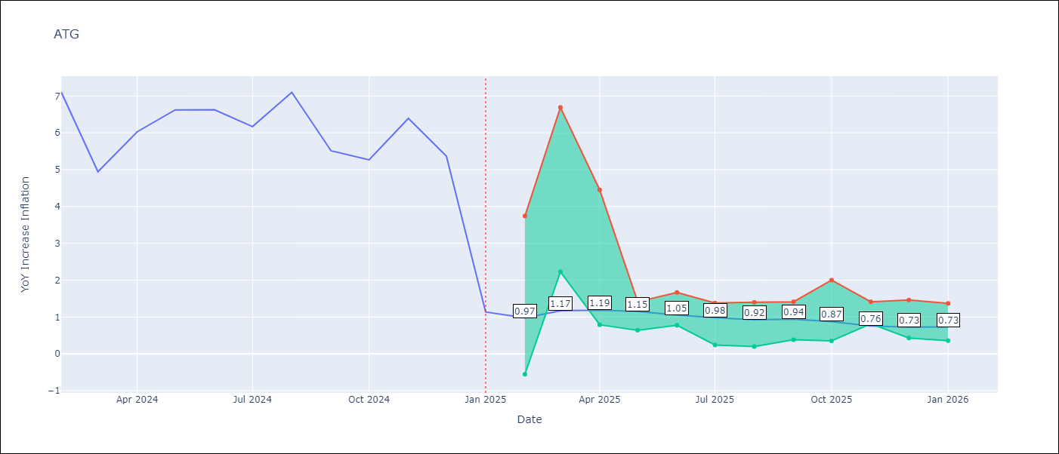

Test Metrics
RMSE | 1.65
Naive RMSE | 1.65
MAPE | 47.4%

Test Predictions
Date | Predicted | Actual
2024-02-01 | 6.22 | 7.11
2024-03-01 | 5.68 | 4.94
2024-04-01 | 5.65 | 6.03
2024-05-01 | 5.44 | 6.62
2024-06-01 | 5.23 | 6.63
2024-07-01 | 4.78 | 6.17
2024-08-01 | 4.28 | 7.1
2024-09-01 | 4.13 | 5.51
2024-10-01 | 4.34 | 5.27
2024-11-01 | 4.19 | 6.39
2024-12-01 | 3.97 | 5.37
2025-01-01 | 4.02 | 1.14

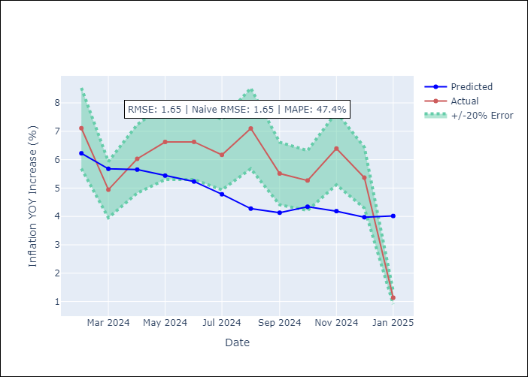

Appendix A: Model Summary
Model | Random Forest
Sample | 2004-01-01 to 2025-01-01
No. of Observations | 253
Terms | P-value (Statistical significance)

Assumptions | P-value

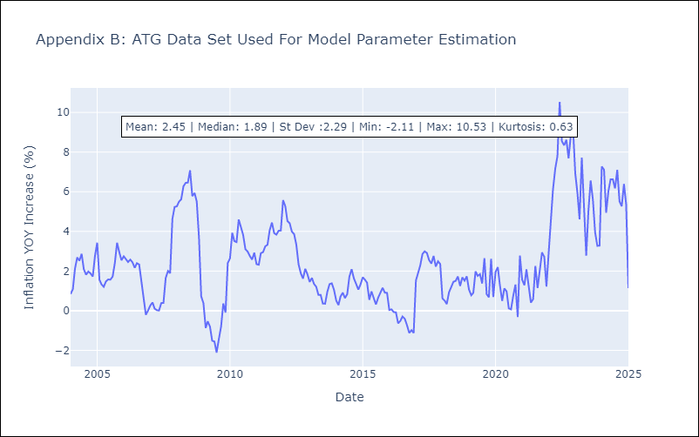

Appendix C: Residuals Analysis
Mean

BHS
BHS - Inflation - Next 12 months forecast as of: 2025-02-01

Model | Random Forest - [(1, 0, 0), (3, 0, 1, 12)]
Training Data | 2000-01-01 to 2024-03-01
Test Data | 2024-03-01 to 2025-02-01

Date | Inflation Change YoY % | Lower Bound - 95% Confidence Interval | Upper Bound - 95% Confidence Interval
2025-03-01 | 2.57 | 0.89 | 3.19
2025-04-01 | 2.82 | 1.91 | 3.03
2025-05-01 | 3.11 | 1.18 | 3.96
2025-06-01 | 3.39 | 1.7 | 3.34
2025-07-01 | 3.69 | 2 | 4.52
2025-08-01 | 3.96 | 1.9 | 5.49
2025-09-01 | 4.12 | 0.28 | 2.79
2025-10-01 | 4.26 | 0.39 | 2.39
2025-11-01 | 4.21 | 1.57 | 2.78
2025-12-01 | 4.32 | 1.03 | 3.18
2026-01-01 | 4.22 | 1.97 | 2.92
2026-02-01 | 4.15 | 2.29 | 4.59

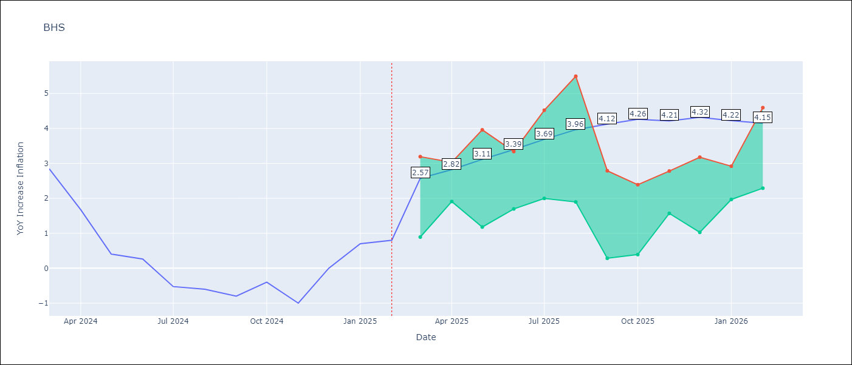

Test Metrics
RMSE | 0.89
Naive RMSE | 0.72
MAPE | inf%

Test Predictions
Date | Predicted | Actual
2024-03-01 | 1.17 | 2.85
2024-04-01 | 1.46 | 1.68
2024-05-01 | 1.19 | 0.4
2024-06-01 | 0.93 | 0.26
2024-07-01 | 0.63 | -0.52
2024-08-01 | 0.35 | -0.6
2024-09-01 | 0.26 | -0.8
2024-10-01 | 0.14 | -0.4
2024-11-01 | 0.31 | -1
2024-12-01 | 0.18 | 0
2025-01-01 | 0.46 | 0.7
2025-02-01 | 0.75 | 0.8

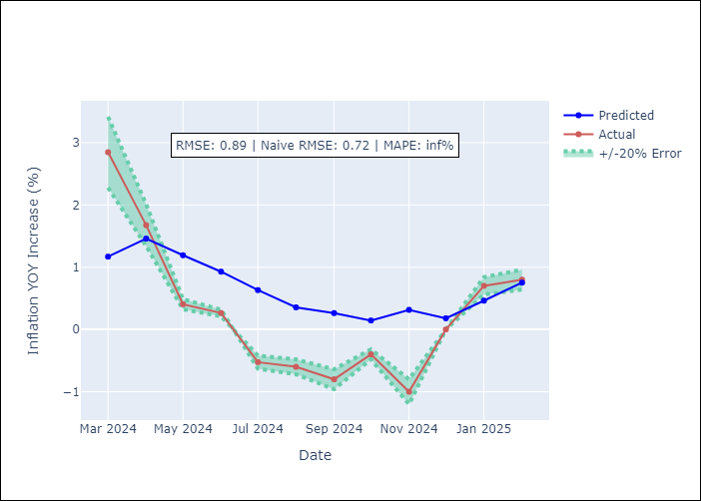

Appendix A: Model Summary
Model | Random Forest
Sample | 2000-01-01 to 2025-02-01
No. of Observations | 302
Terms | P-value (Statistical significance)

Assumptions | P-value

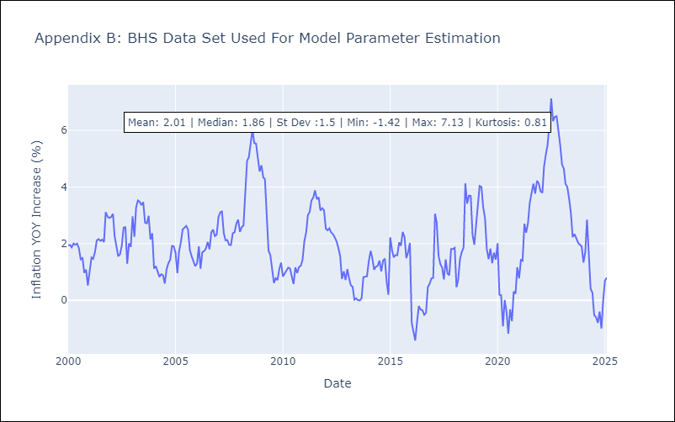

Appendix C: Residuals Analysis
Mean

BLZ
BLZ - Inflation - Next 12 months forecast as of: 2025-03-01

Model | Random Forest - [(2, 0, 0), (1, 0, 0, 12)]
Training Data | 2015-01-01 to 2024-04-01
Test Data | 2024-04-01 to 2025-03-01

Date | Inflation Change YoY % | Lower Bound - 95% Confidence Interval | Upper Bound - 95% Confidence Interval
2025-04-01 | 5.02 | 0.23 | 4.65
2025-05-01 | 4.95 | 0.49 | 3.29
2025-06-01 | 4.95 | 0.03 | 0.84
2025-07-01 | 4.72 | 0.08 | 1.3
2025-08-01 | 4.44 | 0.13 | 3.37
2025-09-01 | 4.08 | 3.53 | 7.07
2025-10-01 | 3.68 | 3.29 | 6.39
2025-11-01 | 3.3 | 2.4 | 5.05
2025-12-01 | 3.06 | 1.99 | 5.2
2026-01-01 | 3.04 | 2.55 | 5.52
2026-02-01 | 3.05 | 2.62 | 5.28
2026-03-01 | 2.94 | 2.62 | 5.26

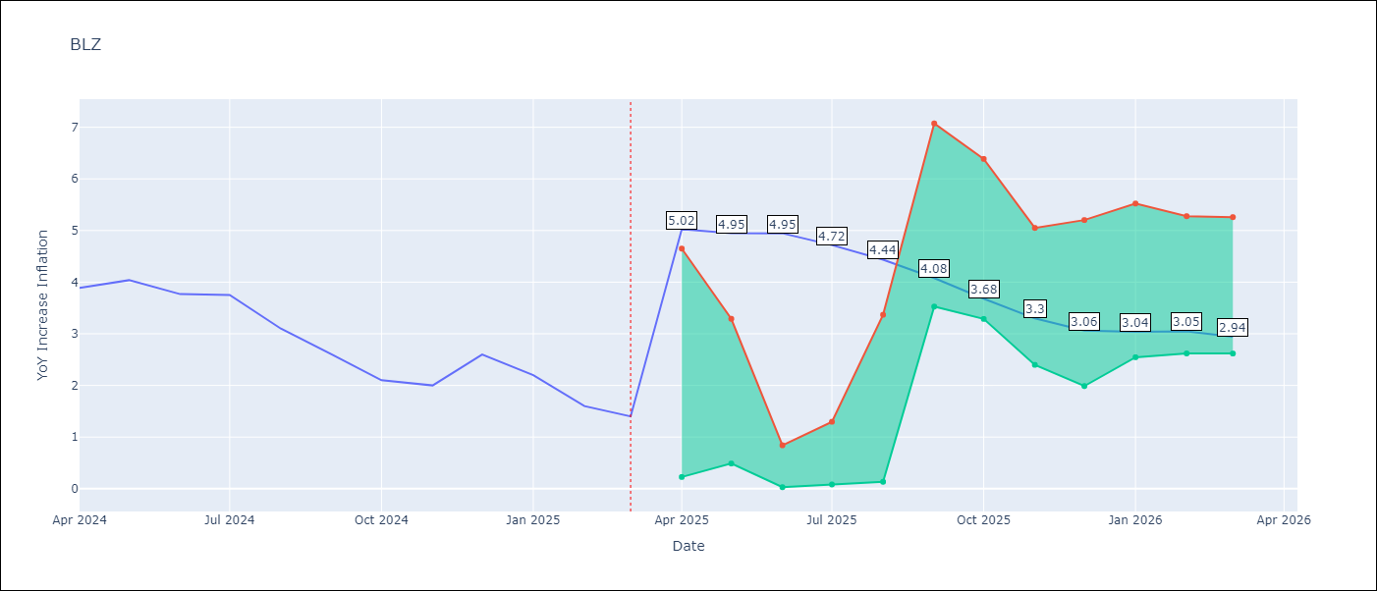

Test Metrics
RMSE | 2.02
Naive RMSE | 0.42
MAPE | 93.21%

Test Predictions
Date | Predicted | Actual
2024-04-01 | 5.27 | 3.89
2024-05-01 | 5.36 | 4.04
2024-06-01 | 5.42 | 3.77
2024-07-01 | 5.3 | 3.75
2024-08-01 | 5.15 | 3.1
2024-09-01 | 4.92 | 2.6
2024-10-01 | 4.68 | 2.1
2024-11-01 | 4.44 | 2
2024-12-01 | 4.28 | 2.6
2025-01-01 | 4.19 | 2.2
2025-02-01 | 4 | 1.6
2025-03-01 | 3.74 | 1.4

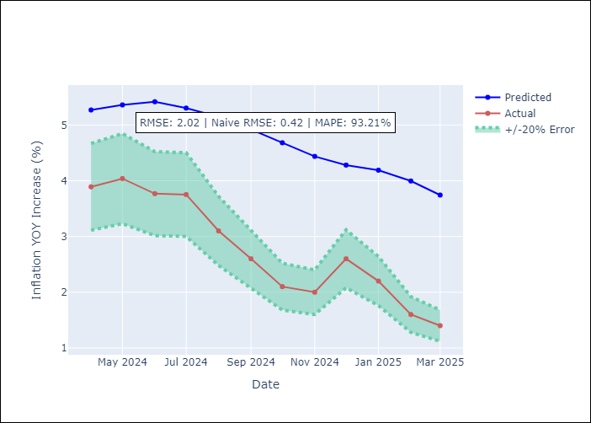

Appendix A: Model Summary
Model | Random Forest
Sample | 2015-01-01 to 2025-03-01
No. of Observations | 123
Terms | P-value (Statistical significance)

Assumptions | P-value

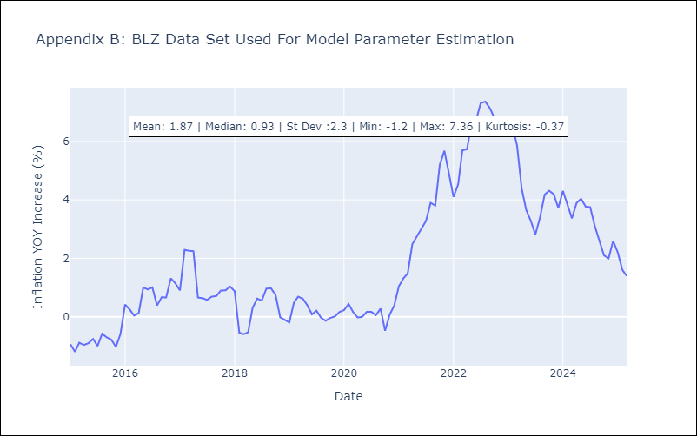

Appendix C: Residuals Analysis
Mean

BRB
BRB - Inflation - Next 12 months forecast as of: 2025-03-01

Model | Random Forest - [(3, 0, 0), (0, 0, 1, 12)]
Training Data | 2003-01-01 to 2024-04-01
Test Data | 2024-04-01 to 2025-03-01

Date | Inflation Change YoY % | Lower Bound - 95% Confidence Interval | Upper Bound - 95% Confidence Interval
2025-04-01 | 4.38 | 0.52 | 4.27
2025-05-01 | 4.69 | 2.94 | 8.61
2025-06-01 | 5.2 | 4.15 | 7.67
2025-07-01 | 5.52 | 2.08 | 5.39
2025-08-01 | 5.74 | 4.76 | 8.88
2025-09-01 | 5.87 | 3.8 | 7.46
2025-10-01 | 6.13 | 3.72 | 7.76
2025-11-01 | 6.66 | 3.88 | 7.26
2025-12-01 | 7.65 | 2.9 | 7.37
2026-01-01 | 8.38 | 5.3 | 9.63
2026-02-01 | 8.84 | 3.69 | 7.64
2026-03-01 | 9.18 | 3.87 | 9.51

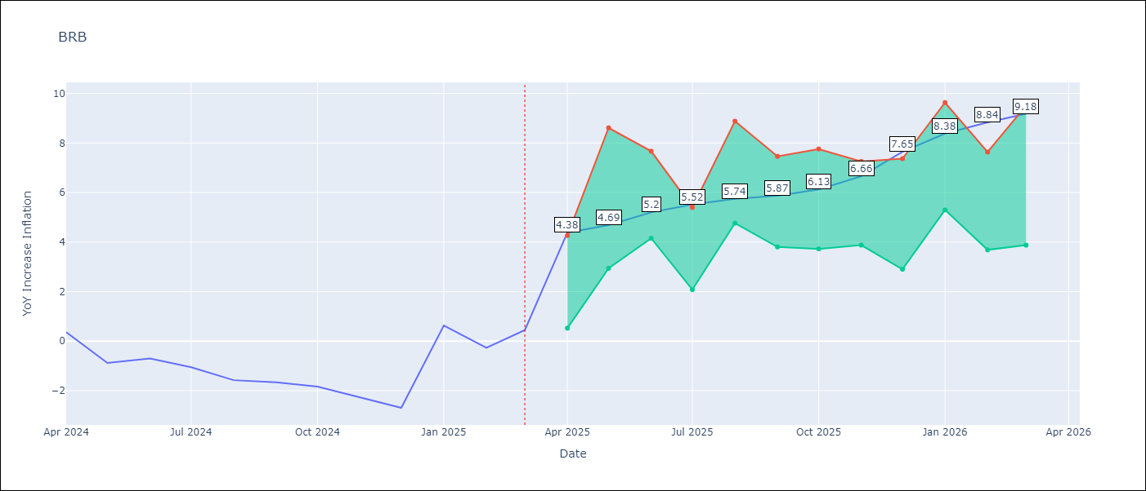

Test Metrics
RMSE | 3.73
Naive RMSE | 1.16
MAPE | 395.13%

Test Predictions
Date | Predicted | Actual
2024-04-01 | 1.36 | 0.36
2024-05-01 | 1.34 | -0.88
2024-06-01 | 1.3 | -0.7
2024-07-01 | 1.52 | -1.06
2024-08-01 | 1.79 | -1.58
2024-09-01 | 2.16 | -1.66
2024-10-01 | 2.51 | -1.83
2024-11-01 | 2.8 | -2.26
2024-12-01 | 3.27 | -2.69
2025-01-01 | 3.68 | 0.63
2025-02-01 | 4.28 | -0.27
2025-03-01 | 4.19 | 0.45

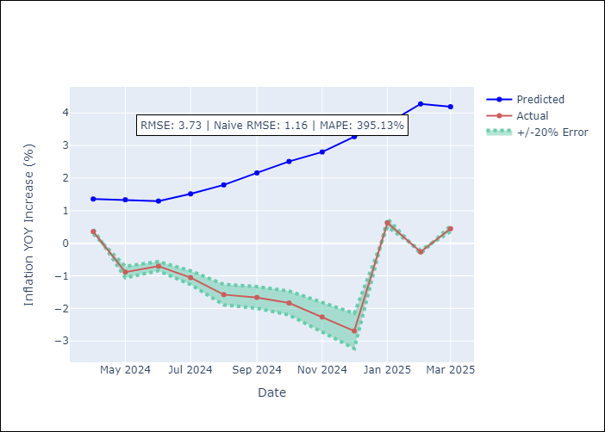

Appendix A: Model Summary
Model | Random Forest
Sample | 2003-01-01 to 2025-03-01
No. of Observations | 263
Terms | P-value (Statistical significance)

Assumptions | P-value

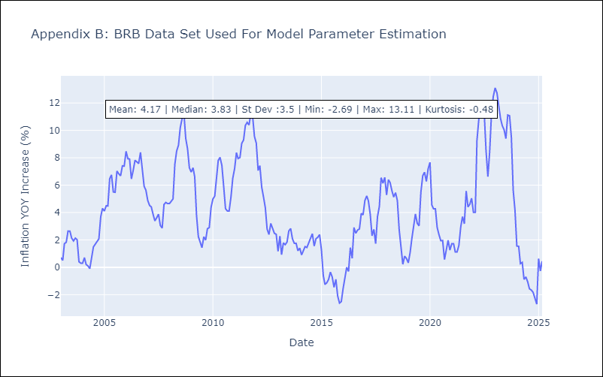

Appendix C: Residuals Analysis
Mean

DMA
DMA - Inflation - Next 12 months forecast as of: 2025-01-01

Model | Random Forest - [(0, 1, 0), (3, 0, 0, 12)]
Training Data | 2004-01-01 to 2024-02-01
Test Data | 2024-02-01 to 2025-01-01

Date | Inflation Change YoY % | Lower Bound - 95% Confidence Interval | Upper Bound - 95% Confidence Interval
2025-02-01 | 0.51 | 0.25 | 1.53
2025-03-01 | 0.58 | -0.31 | 0.66
2025-04-01 | 0.7 | 0.2 | 1.19
2025-05-01 | 0.81 | -0.23 | 0.65
2025-06-01 | 0.9 | 0.21 | 1.88
2025-07-01 | 1 | -2.37 | 1
2025-08-01 | 0.76 | -2.19 | 1.03
2025-09-01 | 0.63 | 0.24 | 1.49
2025-10-01 | 0.7 | -0.27 | 0.68
2025-11-01 | 0.95 | 0.15 | 1.86
2025-12-01 | 0.72 | -0.29 | 0.96
2026-01-01 | 0.68 | 0.09 | 1.28

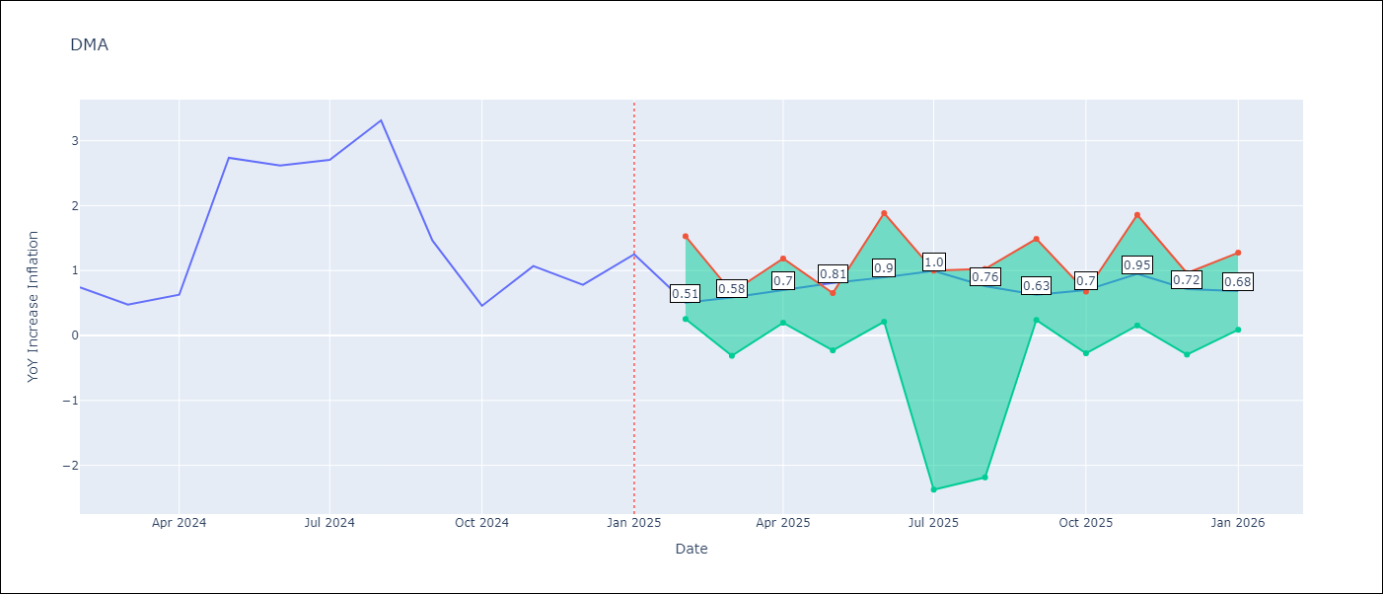

Test Metrics
RMSE | 1.26
Naive RMSE | 0.96
MAPE | 84.53%

Test Predictions
Date | Predicted | Actual
2024-02-01 | 1.64 | 0.74
2024-03-01 | 1.5 | 0.48
2024-04-01 | 1.23 | 0.63
2024-05-01 | 1.17 | 2.74
2024-06-01 | 0.95 | 2.62
2024-07-01 | 1.21 | 2.7
2024-08-01 | 1.42 | 3.31
2024-09-01 | 1.24 | 1.46
2024-10-01 | 0.98 | 0.46
2024-11-01 | 0.03 | 1.07
2024-12-01 | -0.22 | 0.78
2025-01-01 | -0.59 | 1.25

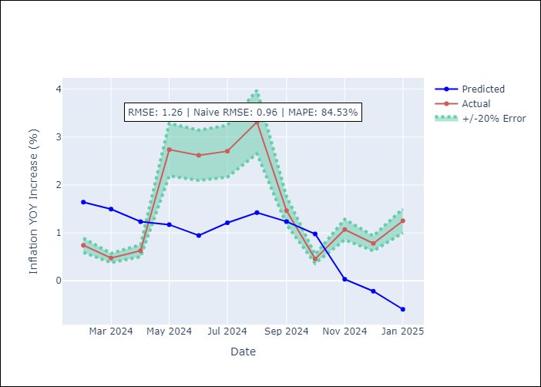

Appendix A: Model Summary
Model | Random Forest
Sample | 2004-01-01 to 2025-01-01
No. of Observations | 253
Terms | P-value (Statistical significance)

Assumptions | P-value

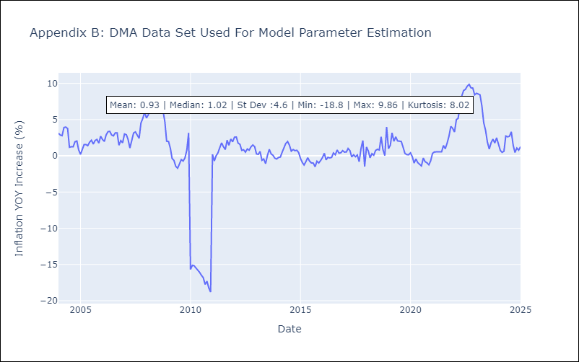

Appendix C: Residuals Analysis
Mean

GRD
GRD - Inflation - Next 12 months forecast as of: 2025-01-01

Model | Random Forest - [(1, 1, 1), (3, 0, 0, 12)]
Training Data | 2004-01-01 to 2024-02-01
Test Data | 2024-02-01 to 2025-01-01

Date | Inflation Change YoY % | Lower Bound - 95% Confidence Interval | Upper Bound - 95% Confidence Interval
2025-02-01 | 3.45 | 0.22 | 0.95
2025-03-01 | 3 | 0.56 | 1.14
2025-04-01 | 2.75 | -0.02 | 1.07
2025-05-01 | 2.78 | -1.03 | 0.09
2025-06-01 | 2.82 | -0.33 | 1.94
2025-07-01 | 2.89 | 1.7 | 3.12
2025-08-01 | 2.94 | 2.73 | 4.71
2025-09-01 | 2.92 | 1.47 | 3.56
2025-10-01 | 2.91 | 2.26 | 5.01
2025-11-01 | 2.93 | 1.77 | 3.35
2025-12-01 | 3.02 | 1.79 | 5.31
2026-01-01 | 3.04 | 2.28 | 3.7

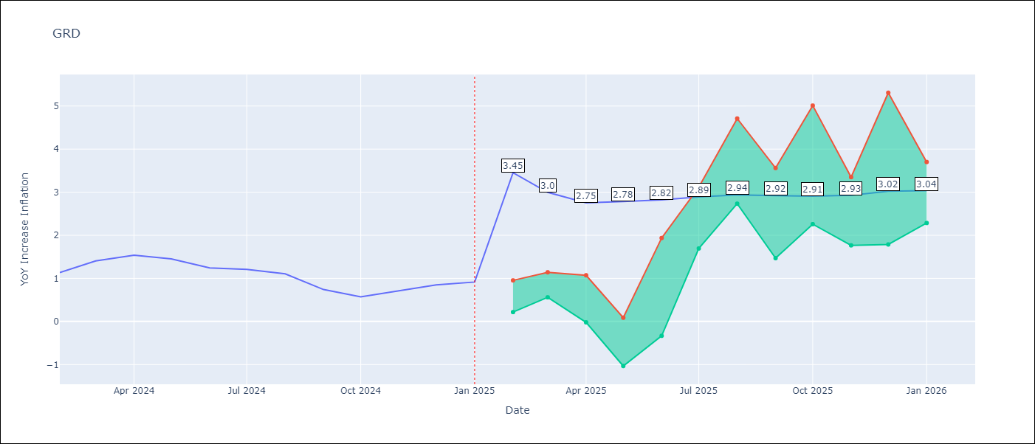

Test Metrics
RMSE | 1.01
Naive RMSE | 0.18
MAPE | 90.94%

Test Predictions
Date | Predicted | Actual
2024-02-01 | 0.7 | 1.14
2024-03-01 | 0.41 | 1.41
2024-04-01 | 0.41 | 1.54
2024-05-01 | 0.78 | 1.45
2024-06-01 | 0.98 | 1.24
2024-07-01 | 0.9 | 1.21
2024-08-01 | -0.15 | 1.11
2024-09-01 | -0.56 | 0.74
2024-10-01 | -0.57 | 0.57
2024-11-01 | -0.42 | 0.71
2024-12-01 | -0.4 | 0.85
2025-01-01 | -0.44 | 0.92

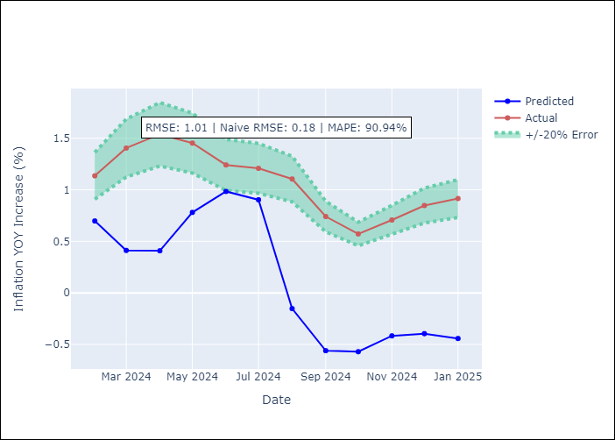

Appendix A: Model Summary
Model | Random Forest
Sample | 2004-01-01 to 2025-01-01
No. of Observations | 253
Terms | P-value (Statistical significance)

Assumptions | P-value

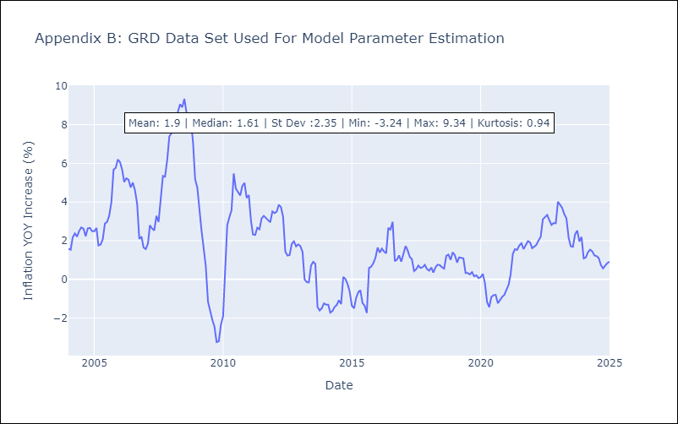

Appendix C: Residuals Analysis
Mean

GUY
GUY - Inflation - Next 12 months forecast as of: 2025-03-01

Model | Random Forest - [(3, 0, 1), (1, 0, 0, 12)]
Training Data | 2008-01-01 to 2024-04-01
Test Data | 2024-04-01 to 2025-03-01

Date | Inflation Change YoY % | Lower Bound - 95% Confidence Interval | Upper Bound - 95% Confidence Interval
2025-04-01 | 2.91 | 1.43 | 4.18
2025-05-01 | 2.8 | 1.32 | 3.37
2025-06-01 | 2.7 | 0.66 | 2
2025-07-01 | 2.57 | 1.47 | 3.33
2025-08-01 | 2.46 | 0.71 | 3.13
2025-09-01 | 2.38 | 0.87 | 2.6
2025-10-01 | 2.15 | 1.06 | 4.31
2025-11-01 | 1.91 | 0.63 | 2.19
2025-12-01 | 1.84 | 1.44 | 3.05
2026-01-01 | 1.7 | 0.72 | 2.04
2026-02-01 | 1.81 | 0.93 | 4.03
2026-03-01 | 1.65 | 0.86 | 4.1

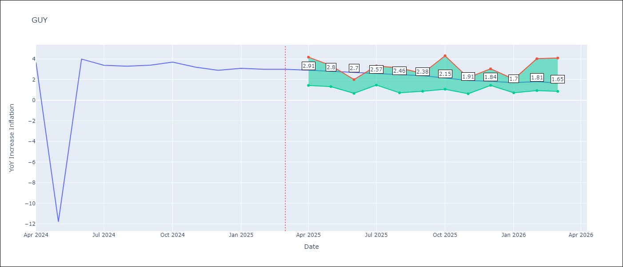

Test Metrics
RMSE | 4.18
Naive RMSE | 6.67
MAPE | 33.22%

Test Predictions
Date | Predicted | Actual
2024-04-01 | 2.31 | 3.67
2024-05-01 | 2.35 | -11.79
2024-06-01 | 2.39 | 3.99
2024-07-01 | 2.53 | 3.39
2024-08-01 | 2.84 | 3.3
2024-09-01 | 2.77 | 3.4
2024-10-01 | 2.69 | 3.7
2024-11-01 | 2.5 | 3.2
2024-12-01 | 2.46 | 2.9
2025-01-01 | 2.38 | 3.1
2025-02-01 | 2.26 | 3
2025-03-01 | 2.14 | 3

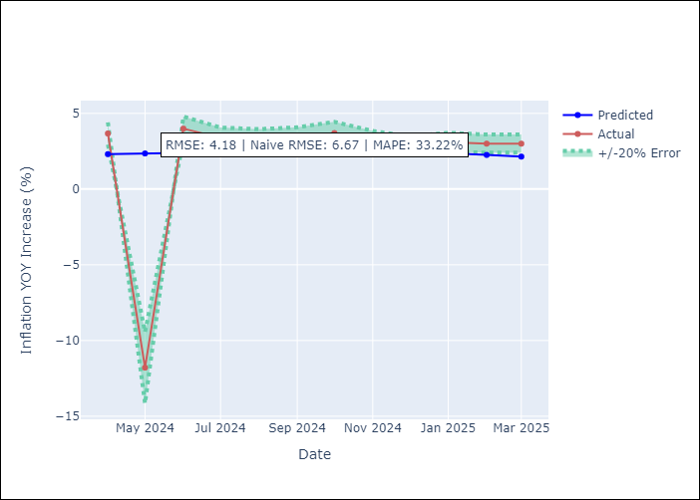

Appendix A: Model Summary
Model | Random Forest
Sample | 2008-01-01 to 2025-03-01
No. of Observations | 207
Terms | P-value (Statistical significance)

Assumptions | P-value

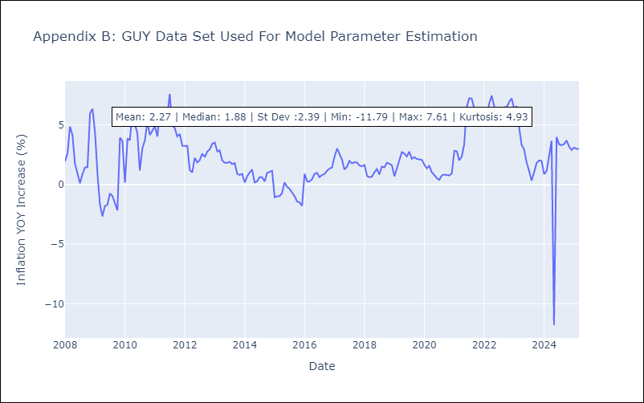

Appendix C: Residuals Analysis
Mean

JAM
JAM - Inflation - Next 12 months forecast as of: 2025-04-01

Model | Random Forest - [(2, 1, 0), (0, 0, 2, 12)]
Training Data | 1994-07-01 to 2024-05-01
Test Data | 2024-05-01 to 2025-04-01

Date | Inflation Change YoY % | Lower Bound - 95% Confidence Interval | Upper Bound - 95% Confidence Interval
2025-05-01 | 7.1 | 3.93 | 8.54
2025-06-01 | 6.66 | 7.23 | 10.75
2025-07-01 | 6.3 | 6.11 | 9.63
2025-08-01 | 6.25 | 6.16 | 9.52
2025-09-01 | 6.15 | 7.05 | 11.73
2025-10-01 | 5.95 | 6.69 | 10.11
2025-11-01 | 6 | 4.99 | 7.16
2025-12-01 | 6.01 | 6.28 | 10.32
2026-01-01 | 6.08 | 6.07 | 8.73
2026-02-01 | 6.04 | 6.7 | 10.62
2026-03-01 | 6.12 | 6.58 | 8.76
2026-04-01 | 6.4 | 5.46 | 7.65

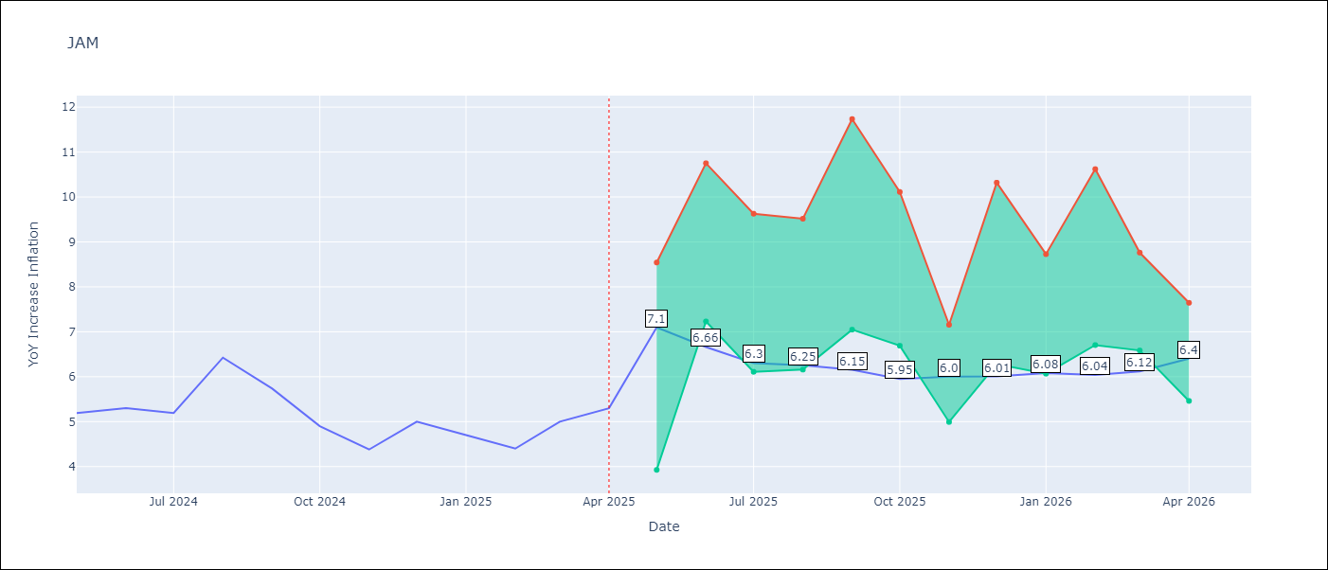

Test Metrics
RMSE | 2.34
Naive RMSE | 0.6
MAPE | 39.03%

Test Predictions
Date | Predicted | Actual
2024-05-01 | 5.64 | 5.19
2024-06-01 | 5.94 | 5.3
2024-07-01 | 6.01 | 5.19
2024-08-01 | 6.16 | 6.42
2024-09-01 | 6.37 | 5.74
2024-10-01 | 6.9 | 4.9
2024-11-01 | 6.91 | 4.38
2024-12-01 | 7.22 | 5
2025-01-01 | 7.27 | 4.7
2025-02-01 | 8.14 | 4.4
2025-03-01 | 8.7 | 5
2025-04-01 | 9.11 | 5.3

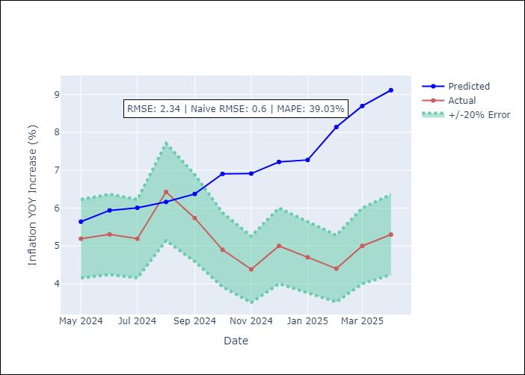

Appendix A: Model Summary
Model | Random Forest
Sample | 1994-07-01 to 2025-04-01
No. of Observations | 370
Terms | P-value (Statistical significance)

Assumptions | P-value

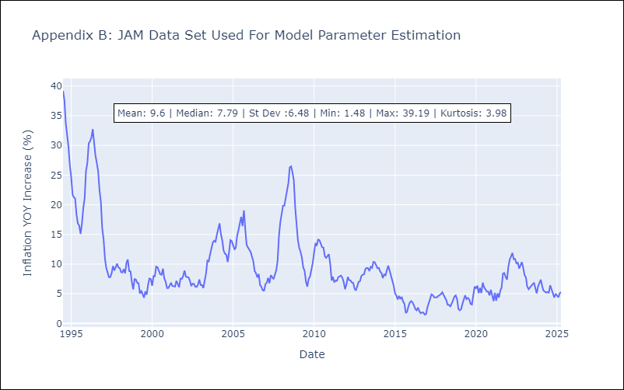

Appendix C: Residuals Analysis
Mean

KNA
KNA - Inflation - Next 12 months forecast as of: 2025-02-01

Model | Random Forest - [(0, 1, 0), (3, 0, 0, 12)]
Training Data | 2006-01-01 to 2024-03-01
Test Data | 2024-03-01 to 2025-02-01

Date | Inflation Change YoY % | Lower Bound - 95% Confidence Interval | Upper Bound - 95% Confidence Interval
2025-03-01 | 0.71 | -0.29 | 2.49
2025-04-01 | 0.78 | -0.57 | 0.98
2025-05-01 | 0.91 | -2.41 | -0.09
2025-06-01 | 1.02 | -0.83 | 1.18
2025-07-01 | 0.99 | -0.31 | 1.22
2025-08-01 | 0.99 | -2.51 | 0.58
2025-09-01 | 0.94 | -1.33 | 1.11
2025-10-01 | 0.99 | 0.36 | 1.81
2025-11-01 | 0.99 | -0.56 | 1.27
2025-12-01 | 0.67 | -2.35 | 2.11
2026-01-01 | 0.58 | -1.98 | 0.75
2026-02-01 | 0.64 | 0.16 | 1.63

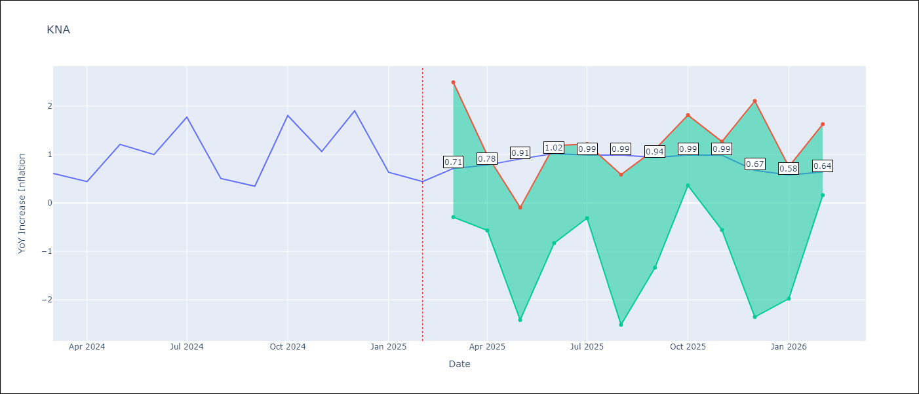

Test Metrics
RMSE | 0.69
Naive RMSE | 0.85
MAPE | 95.13%

Test Predictions
Date | Predicted | Actual
2024-03-01 | 0.99 | 0.61
2024-04-01 | 0.96 | 0.44
2024-05-01 | 0.95 | 1.21
2024-06-01 | 1.04 | 1
2024-07-01 | 1.01 | 1.77
2024-08-01 | 1.42 | 0.51
2024-09-01 | 1.18 | 0.35
2024-10-01 | 1.21 | 1.8
2024-11-01 | 1.49 | 1.06
2024-12-01 | 1.48 | 1.9
2025-01-01 | 1.76 | 0.63
2025-02-01 | 1.52 | 0.44

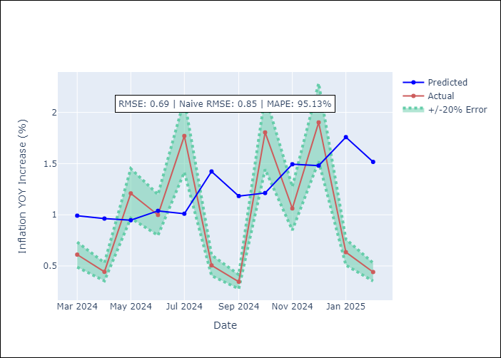

Appendix A: Model Summary
Model | Random Forest
Sample | 2006-01-01 to 2025-02-01
No. of Observations | 230
Terms | P-value (Statistical significance)

Assumptions | P-value

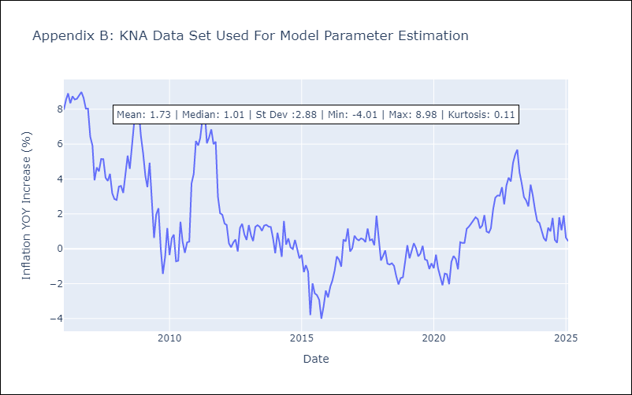

Appendix C: Residuals Analysis
Mean

LCA
LCA - Inflation - Next 12 months forecast as of: 2025-01-01

Model | Random Forest - [(0, 1, 0), (3, 0, 1, 12)]
Training Data | 2008-01-01 to 2024-02-01
Test Data | 2024-02-01 to 2025-01-01

Date | Inflation Change YoY % | Lower Bound - 95% Confidence Interval | Upper Bound - 95% Confidence Interval
2025-02-01 | 2.77 | 1.58 | 3.79
2025-03-01 | 3 | 1.76 | 3.68
2025-04-01 | 3.01 | 1.94 | 4.61
2025-05-01 | 3.06 | 2.28 | 4.72
2025-06-01 | 2.98 | 1.6 | 4.73
2025-07-01 | 2.87 | 1.02 | 4.74
2025-08-01 | 2.93 | 0.74 | 3.61
2025-09-01 | 2.98 | 2.43 | 4.45
2025-10-01 | 2.9 | 2.31 | 4.65
2025-11-01 | 2.91 | 2 | 5.31
2025-12-01 | 2.8 | 0.7 | 4.87
2026-01-01 | 3.06 | 0.54 | 3.74

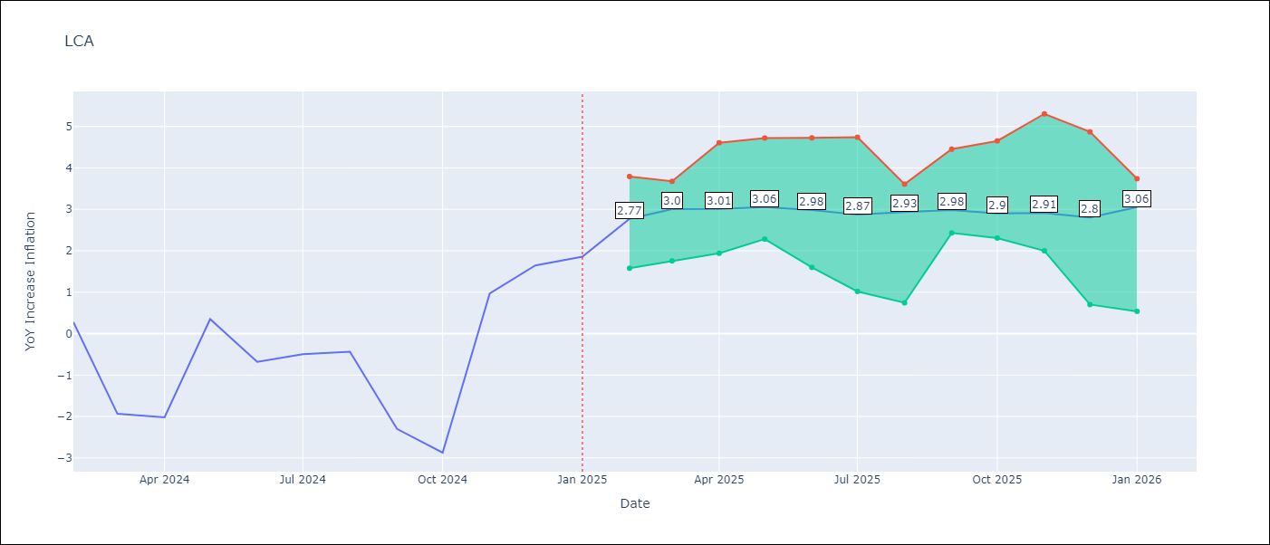

Test Metrics
RMSE | 1.55
Naive RMSE | 1.67
MAPE | 154.64%

Test Predictions
Date | Predicted | Actual
2024-02-01 | 0.03 | 0.28
2024-03-01 | -0.6 | -1.94
2024-04-01 | -0.95 | -2.02
2024-05-01 | -0.99 | 0.35
2024-06-01 | 0.05 | -0.68
2024-07-01 | 0.55 | -0.5
2024-08-01 | 0.55 | -0.43
2024-09-01 | 0.75 | -2.3
2024-10-01 | 0.46 | -2.87
2024-11-01 | 0.4 | 0.97
2024-12-01 | 1.96 | 1.65
2025-01-01 | 2.54 | 1.86

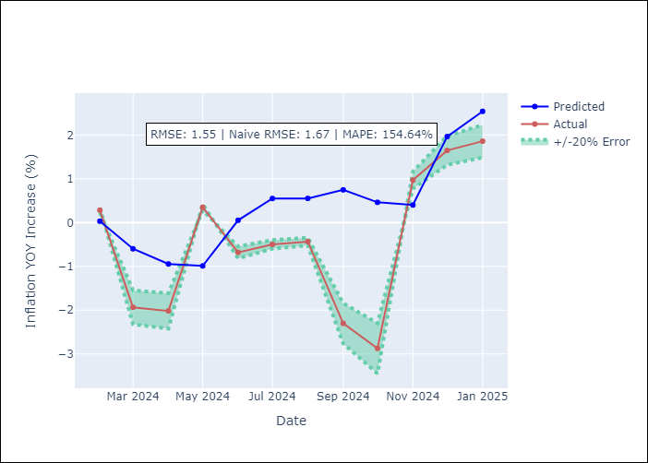

Appendix A: Model Summary
Model | Random Forest
Sample | 2008-01-01 to 2025-01-01
No. of Observations | 205
Terms | P-value (Statistical significance)

Assumptions | P-value

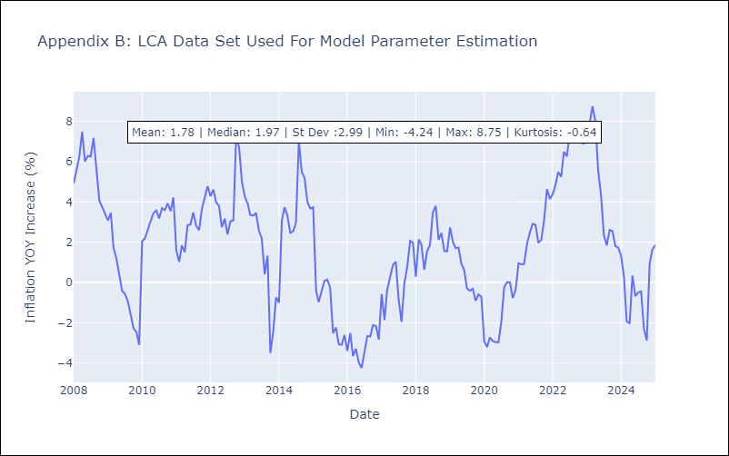

Appendix C: Residuals Analysis
Mean

SUR
SUR - Inflation - Next 12 months forecast as of: 2024-08-01

Model | Random Forest - [(3, 2, 0), (1, 0, 0, 12)]
Training Data | 2012-04-01 to 2023-09-01
Test Data | 2023-09-01 to 2024-08-01

Date | Inflation Change YoY % | Lower Bound - 95% Confidence Interval | Upper Bound - 95% Confidence Interval
2024-09-01 | 49.64 | -5.65 | 24.62
2024-10-01 | 53.41 | 5.92 | 46.85
2024-11-01 | 56.24 | 10.92 | 62.1
2024-12-01 | 57.49 | 44.83 | 63.11
2025-01-01 | 57.88 | 45.97 | 61.34
2025-02-01 | 58.21 | 44.24 | 60.61
2025-03-01 | 58.14 | 45.93 | 60.86
2025-04-01 | 57.97 | 42.95 | 60.84
2025-05-01 | 57.03 | 45.55 | 61.1
2025-06-01 | 54.11 | 43.48 | 61.6
2025-07-01 | 51.78 | 37.55 | 60.91
2025-08-01 | 49 | 43.74 | 61.53

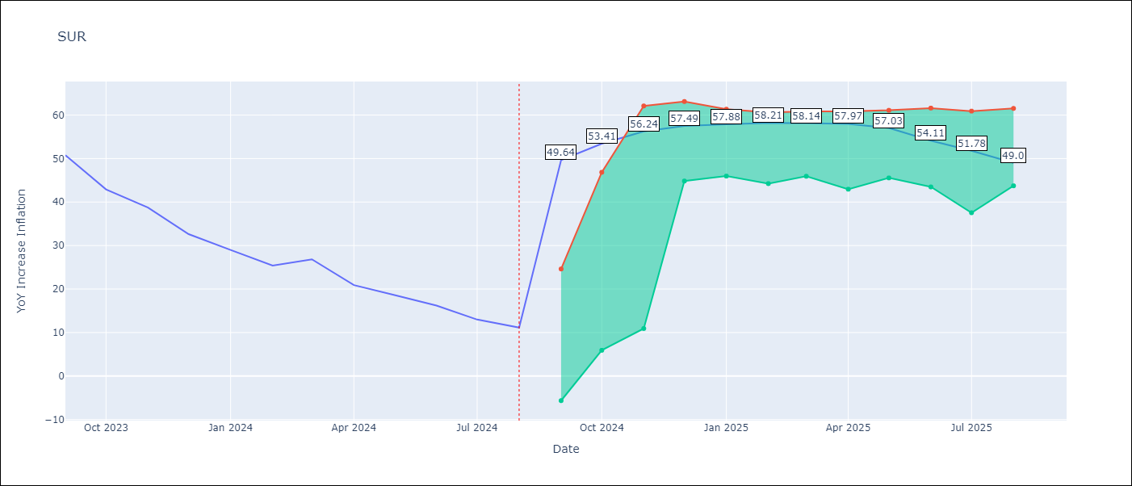

Test Metrics
RMSE | 20.63
Naive RMSE | 4.32
MAPE | 110.64%

Test Predictions
Date | Predicted | Actual
2023-09-01 | 52.52 | 50.79
2023-10-01 | 53.13 | 42.92
2023-11-01 | 52.34 | 38.74
2023-12-01 | 48.92 | 32.63
2024-01-01 | 46.76 | 28.98
2024-02-01 | 45.66 | 25.4
2024-03-01 | 44.89 | 26.83
2024-04-01 | 44.82 | 20.9
2024-05-01 | 44.33 | 18.62
2024-06-01 | 43.91 | 16.21
2024-07-01 | 39.93 | 12.99
2024-08-01 | 38.84 | 11.13

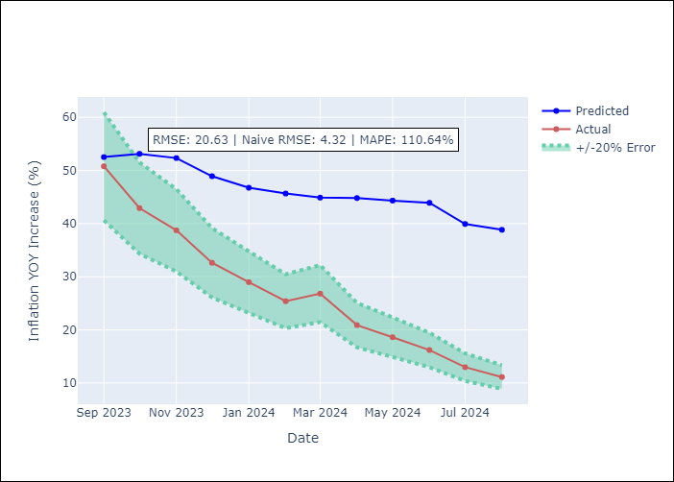

Appendix A: Model Summary
Model | Random Forest
Sample | 2012-04-01 to 2024-08-01
No. of Observations | 145
Terms | P-value (Statistical significance)

Assumptions | P-value

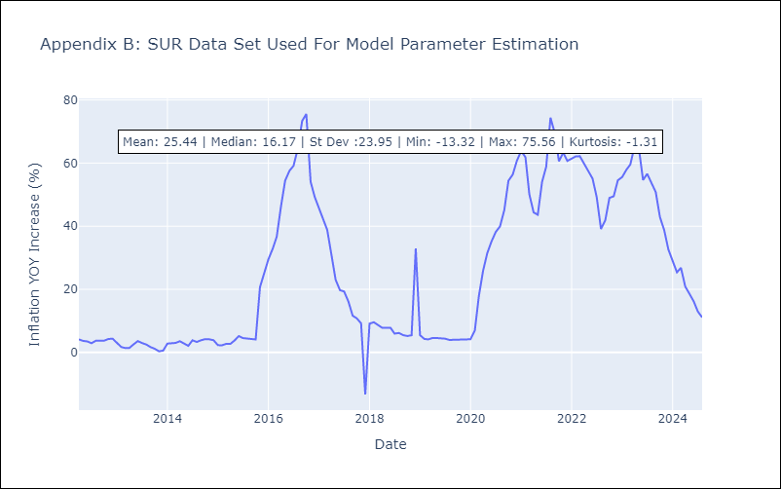

Appendix C: Residuals Analysis
Mean

TTO
TTO - Inflation - Next 12 months forecast as of: 2025-04-01

Model | Random Forest - [(3, 2, 0), (3, 0, 0, 12)]
Training Data | 1994-07-01 to 2024-05-01
Test Data | 2024-05-01 to 2025-04-01

Date | Inflation Change YoY % | Lower Bound - 95% Confidence Interval | Upper Bound - 95% Confidence Interval
2025-05-01 | 5.06 | 0.86 | 5.92
2025-06-01 | 4.88 | 3.82 | 6.01
2025-07-01 | 4.75 | 3.11 | 4.22
2025-08-01 | 4.52 | 3.54 | 6.2
2025-09-01 | 4.27 | 2.96 | 5.26
2025-10-01 | 4.12 | 3.21 | 5.56
2025-11-01 | 3.87 | 3.45 | 5.93
2025-12-01 | 3.79 | 3.2 | 4.34
2026-01-01 | 3.61 | 4.02 | 6.42
2026-02-01 | 3.54 | 2.8 | 4.94
2026-03-01 | 3.53 | 3.34 | 5.48
2026-04-01 | 3.5 | 3.38 | 5.85

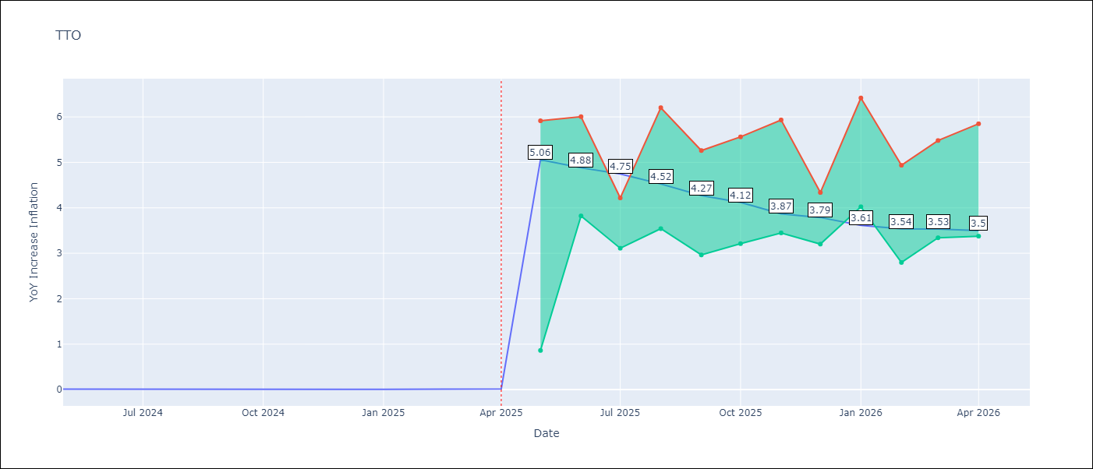

Test Metrics
RMSE | 0.97
Naive RMSE | 0.0
MAPE | 19727.0%

Test Predictions
Date | Predicted | Actual
2024-05-01 | 1.03 | 0.01
2024-06-01 | 1.07 | 0.01
2024-07-01 | 1.02 | 0
2024-08-01 | 0.89 | 0
2024-09-01 | 0.83 | 0
2024-10-01 | 0.94 | 0
2024-11-01 | 0.96 | 0
2024-12-01 | 0.9 | 0
2025-01-01 | 0.97 | 0.01
2025-02-01 | 0.99 | 0.01
2025-03-01 | 1.05 | 0.01
2025-04-01 | 1.05 | 0.02

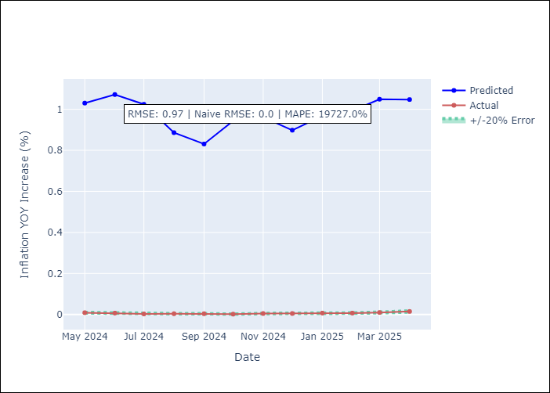

Appendix A: Model Summary
Model | Random Forest
Sample | 1994-07-01 to 2025-04-01
No. of Observations | 370
Terms | P-value (Statistical significance)

Assumptions | P-value

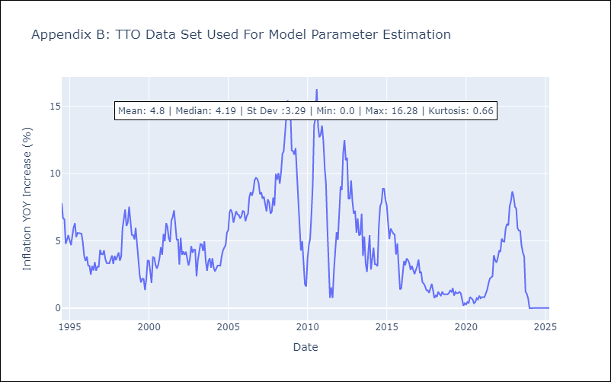

Appendix C: Residuals Analysis
Mean

VCT
VCT - Inflation - Next 12 months forecast as of: 2025-01-01

Model | Random Forest - [(1, 0, 0), (3, 0, 0, 12)]
Training Data | 2004-01-01 to 2024-02-01
Test Data | 2024-02-01 to 2025-01-01

Date | Inflation Change YoY % | Lower Bound - 95% Confidence Interval | Upper Bound - 95% Confidence Interval
2025-02-01 | 2.61 | 1.93 | 5.12
2025-03-01 | 2.73 | 2.4 | 5.81
2025-04-01 | 2.82 | 2.26 | 4.37
2025-05-01 | 3.07 | 1.91 | 4.59
2025-06-01 | 3.03 | 2.07 | 4.83
2025-07-01 | 3.2 | 1.92 | 4.25
2025-08-01 | 3.03 | 1.9 | 4.2
2025-09-01 | 3.18 | 1.75 | 4.59
2025-10-01 | 3.43 | 1.83 | 4.74
2025-11-01 | 3.54 | 2.1 | 5.12
2025-12-01 | 3.42 | 2.2 | 4.62
2026-01-01 | 3.35 | 1.93 | 4.71

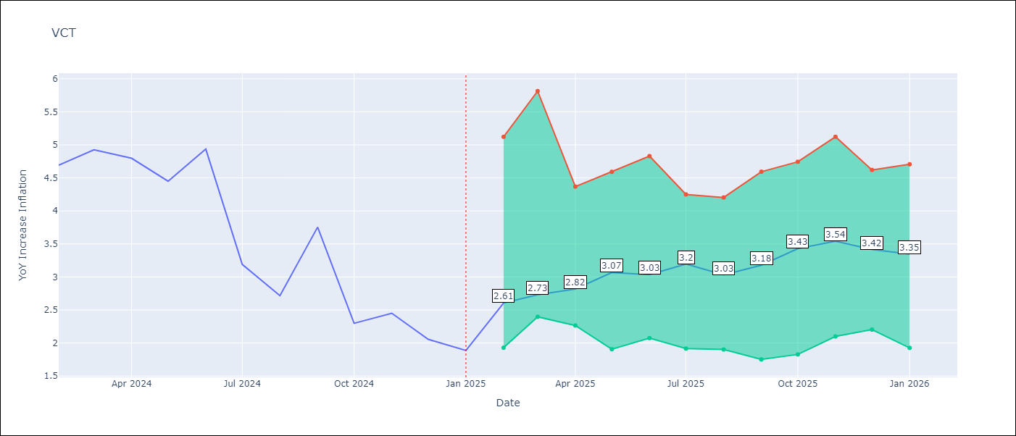

Test Metrics
RMSE | 1.62
Naive RMSE | 0.8
MAPE | 50.99%

Test Predictions
Date | Predicted | Actual
2024-02-01 | 4.44 | 4.69
2024-03-01 | 4.47 | 4.93
2024-04-01 | 4.38 | 4.8
2024-05-01 | 4.49 | 4.45
2024-06-01 | 4.62 | 4.94
2024-07-01 | 4.83 | 3.19
2024-08-01 | 4.58 | 2.72
2024-09-01 | 4.8 | 3.75
2024-10-01 | 4.69 | 2.3
2024-11-01 | 4.48 | 2.45
2024-12-01 | 4.75 | 2.06
2025-01-01 | 4.41 | 1.89

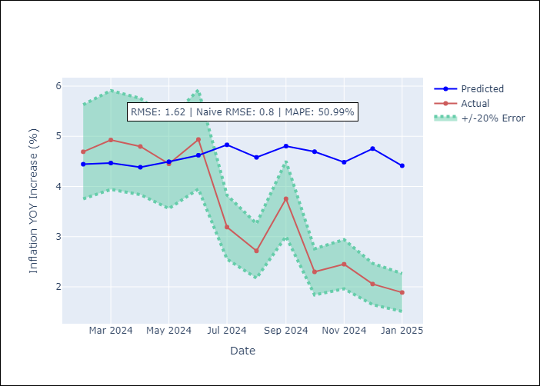

Appendix A: Model Summary
Model | Random Forest
Sample | 2004-01-01 to 2025-01-01
No. of Observations | 253
Terms | P-value (Statistical significance)

Assumptions | P-value

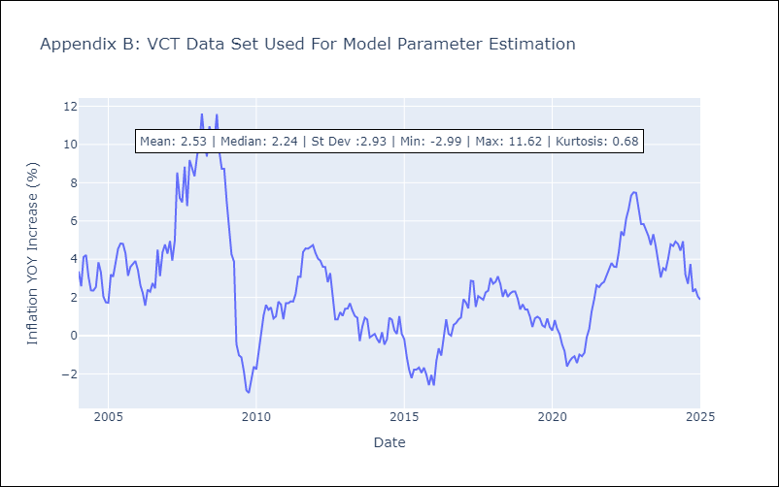

Appendix C: Residuals Analysis
Mean

