ATG
ATG - Inflation - Next 12 months forecast as of: 2025-01-01

Model | Random Forest - [(0, 1, 1), (0, 0, 1, 12)]
Training Data | 2004-01-01 to 2024-02-01
Test Data | 2024-02-01 to 2025-01-01

Date | Inflation Change YoY % | Lower Bound - 95% Confidence Interval | Upper Bound - 95% Confidence Interval
2025-02-01 | 0.89 | -0.38 | 3.53
2025-03-01 | 0.93 | 2.23 | 6.27
2025-04-01 | 0.96 | 1.26 | 3.72
2025-05-01 | 0.88 | 0.74 | 1.69
2025-06-01 | 0.86 | 0.69 | 1.45
2025-07-01 | 0.79 | 0.23 | 1.36
2025-08-01 | 0.75 | 0.21 | 1.76
2025-09-01 | 0.68 | 0.22 | 1.85
2025-10-01 | 0.71 | 0.53 | 1.99
2025-11-01 | 0.66 | 0.77 | 1.46
2025-12-01 | 0.64 | 0.38 | 1.32
2026-01-01 | 0.59 | 0.39 | 1.4

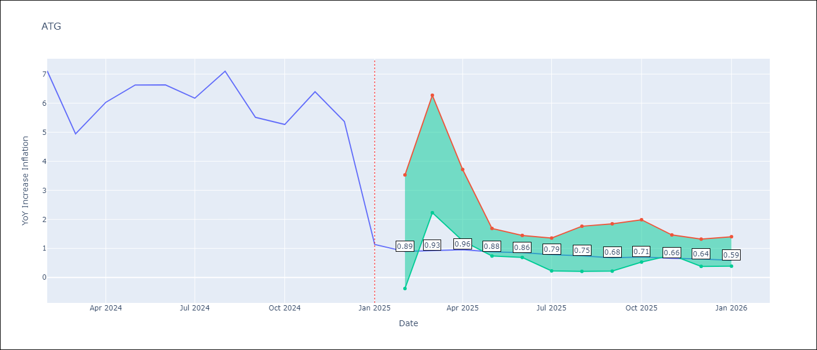

Test Metrics
RMSE | 1.7
Naive RMSE | 1.65
MAPE | 48.27%

Test Predictions
Date | Predicted | Actual
2024-02-01 | 6.34 | 7.11
2024-03-01 | 5.82 | 4.94
2024-04-01 | 5.45 | 6.03
2024-05-01 | 5.3 | 6.62
2024-06-01 | 5.35 | 6.63
2024-07-01 | 4.79 | 6.17
2024-08-01 | 4.31 | 7.1
2024-09-01 | 4.03 | 5.51
2024-10-01 | 4 | 5.27
2024-11-01 | 3.9 | 6.39
2024-12-01 | 3.67 | 5.37
2025-01-01 | 3.79 | 1.14

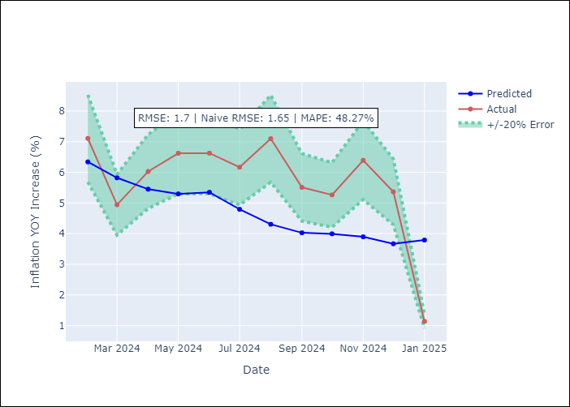

Appendix A: Model Summary
Model | Random Forest
Sample | 2004-01-01 to 2025-01-01
No. of Observations | 253
Terms | P-value (Statistical significance)

Assumptions | P-value

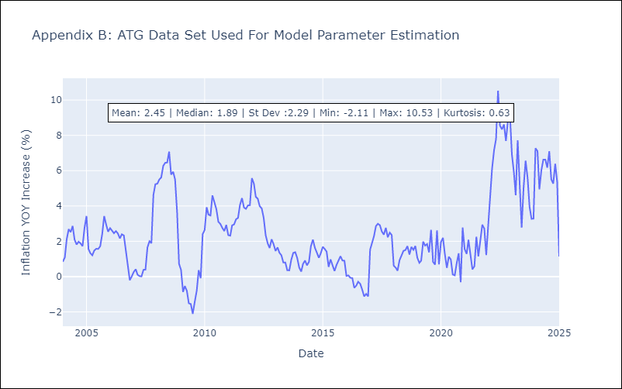

Appendix C: Residuals Analysis
Mean

BHS
BHS - Inflation - Next 12 months forecast as of: 2025-02-01

Model | Random Forest - [(1, 0, 0), (3, 0, 1, 12)]
Training Data | 2000-01-01 to 2024-03-01
Test Data | 2024-03-01 to 2025-02-01

Date | Inflation Change YoY % | Lower Bound - 95% Confidence Interval | Upper Bound - 95% Confidence Interval
2025-03-01 | 2.25 | 0.87 | 3.27
2025-04-01 | 2.09 | 1.72 | 2.96
2025-05-01 | 1.93 | 1.51 | 3.32
2025-06-01 | 1.75 | 2.09 | 3.89
2025-07-01 | 1.62 | 2.21 | 3.86
2025-08-01 | 1.57 | 1.73 | 3.86
2025-09-01 | 1.53 | 1.41 | 3.87
2025-10-01 | 1.24 | 2.13 | 4.3
2025-11-01 | 0.87 | 1.58 | 3.4
2025-12-01 | 0.63 | 1.79 | 4.12
2026-01-01 | 0.43 | 1.91 | 5.23
2026-02-01 | 0.39 | 0.25 | 2.38

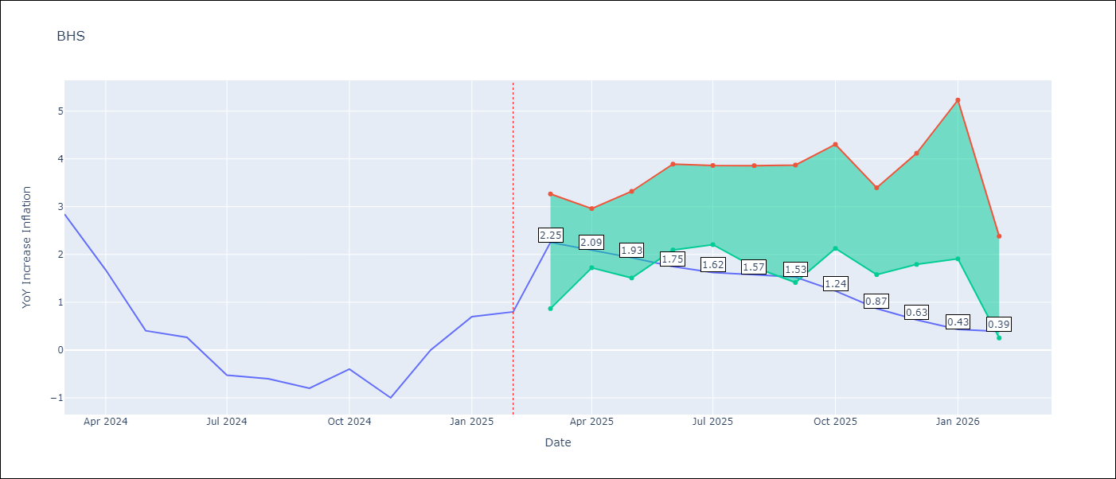

Test Metrics
RMSE | 0.91
Naive RMSE | 0.72
MAPE | inf%

Test Predictions
Date | Predicted | Actual
2024-03-01 | 1.21 | 2.85
2024-04-01 | 1.55 | 1.68
2024-05-01 | 1.22 | 0.4
2024-06-01 | 0.96 | 0.26
2024-07-01 | 0.66 | -0.52
2024-08-01 | 0.46 | -0.6
2024-09-01 | 0.29 | -0.8
2024-10-01 | 0.25 | -0.4
2024-11-01 | 0.37 | -1
2024-12-01 | 0.26 | 0
2025-01-01 | 0.65 | 0.7
2025-02-01 | 0.88 | 0.8

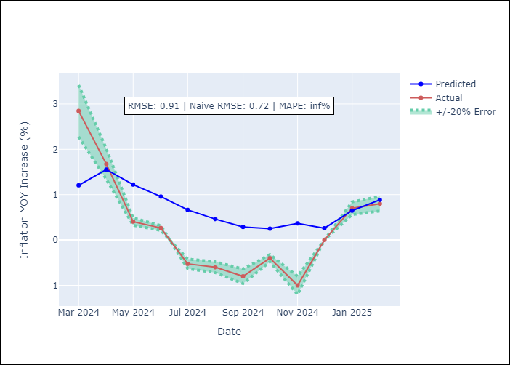

Appendix A: Model Summary
Model | Random Forest
Sample | 2000-01-01 to 2025-02-01
No. of Observations | 302
Terms | P-value (Statistical significance)

Assumptions | P-value

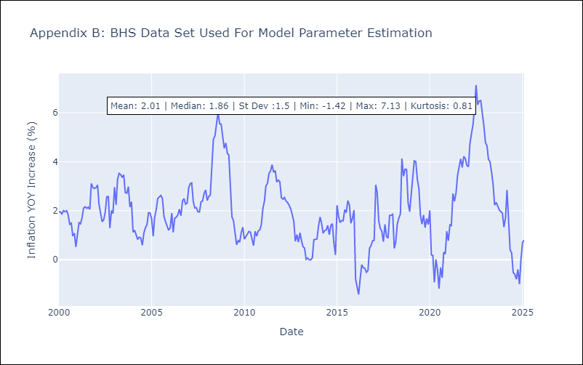

Appendix C: Residuals Analysis
Mean

BLZ
BLZ - Inflation - Next 12 months forecast as of: 2025-03-01

Model | Random Forest - [(2, 0, 0), (1, 0, 0, 12)]
Training Data | 2015-01-01 to 2024-04-01
Test Data | 2024-04-01 to 2025-03-01

Date | Inflation Change YoY % | Lower Bound - 95% Confidence Interval | Upper Bound - 95% Confidence Interval
2025-04-01 | 4.49 | 0.46 | 4.23
2025-05-01 | 4.38 | 0.13 | 4.43
2025-06-01 | 4.36 | 0.03 | 0.64
2025-07-01 | 4.26 | 0.13 | 3.14
2025-08-01 | 4.2 | 0.69 | 4.74
2025-09-01 | 4.09 | 0.29 | 4.89
2025-10-01 | 3.79 | 0.1 | 1.33
2025-11-01 | 3.39 | 0.06 | 0.94
2025-12-01 | 2.98 | 0.26 | 3.76
2026-01-01 | 2.75 | 4.11 | 6.85
2026-02-01 | 2.62 | 3.28 | 6.34
2026-03-01 | 2.49 | 2.32 | 5.39

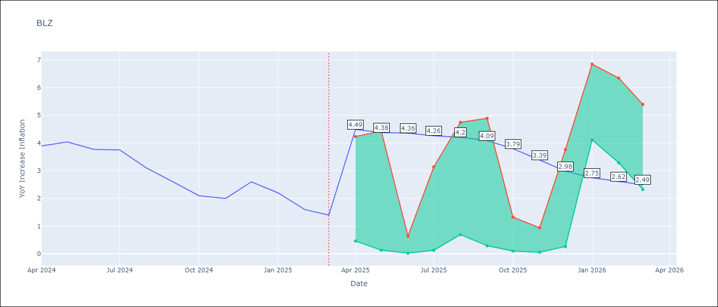

Test Metrics
RMSE | 2.01
Naive RMSE | 0.42
MAPE | 91.97%

Test Predictions
Date | Predicted | Actual
2024-04-01 | 5.09 | 3.89
2024-05-01 | 5.21 | 4.04
2024-06-01 | 5.31 | 3.77
2024-07-01 | 5.23 | 3.75
2024-08-01 | 5.17 | 3.1
2024-09-01 | 4.9 | 2.6
2024-10-01 | 4.64 | 2.1
2024-11-01 | 4.4 | 2
2024-12-01 | 4.23 | 2.6
2025-01-01 | 4.28 | 2.2
2025-02-01 | 4.11 | 1.6
2025-03-01 | 3.84 | 1.4

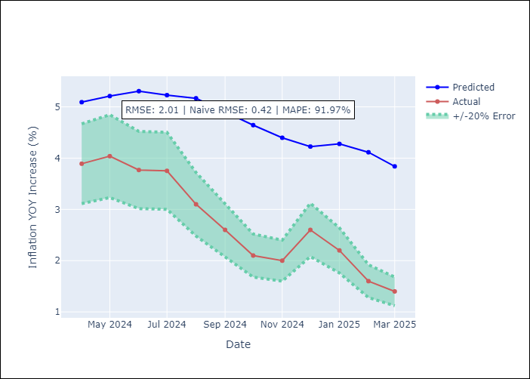

Appendix A: Model Summary
Model | Random Forest
Sample | 2015-01-01 to 2025-03-01
No. of Observations | 123
Terms | P-value (Statistical significance)

Assumptions | P-value

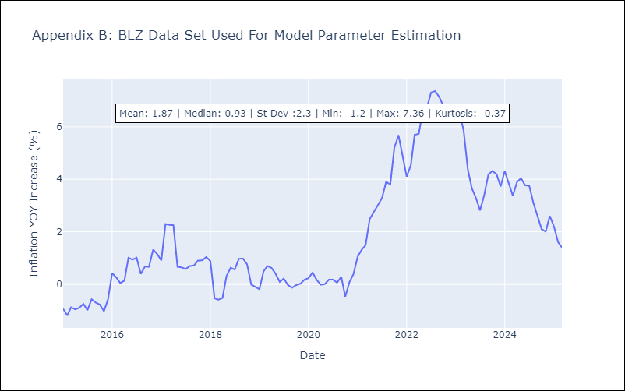

Appendix C: Residuals Analysis
Mean

BRB
BRB - Inflation - Next 12 months forecast as of: 2025-03-01

Model | Random Forest - [(3, 0, 0), (0, 0, 1, 12)]
Training Data | 2003-01-01 to 2024-04-01
Test Data | 2024-04-01 to 2025-03-01

Date | Inflation Change YoY % | Lower Bound - 95% Confidence Interval | Upper Bound - 95% Confidence Interval
2025-04-01 | 4.4 | 0.44 | 4.29
2025-05-01 | 4.78 | 3.93 | 8.76
2025-06-01 | 5.15 | 4.34 | 8.37
2025-07-01 | 5.65 | 2.96 | 6.03
2025-08-01 | 5.96 | 4.48 | 9.27
2025-09-01 | 6.48 | 3.06 | 6.06
2025-10-01 | 6.75 | 4.62 | 9.65
2025-11-01 | 7.26 | 2.97 | 9.4
2025-12-01 | 7.6 | 3.04 | 7.79
2026-01-01 | 7.73 | 4.61 | 8.63
2026-02-01 | 7.63 | 2.22 | 5.82
2026-03-01 | 7.5 | 4.37 | 8.73

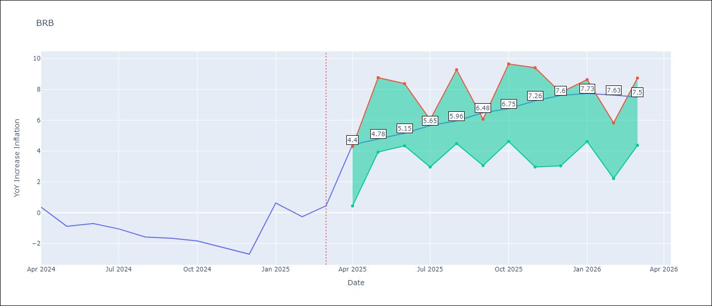

Test Metrics
RMSE | 3.86
Naive RMSE | 1.16
MAPE | 410.79%

Test Predictions
Date | Predicted | Actual
2024-04-01 | 1.29 | 0.36
2024-05-01 | 1.3 | -0.88
2024-06-01 | 1.33 | -0.7
2024-07-01 | 1.61 | -1.06
2024-08-01 | 1.97 | -1.58
2024-09-01 | 2.2 | -1.66
2024-10-01 | 2.54 | -1.83
2024-11-01 | 2.97 | -2.26
2024-12-01 | 3.45 | -2.69
2025-01-01 | 3.89 | 0.63
2025-02-01 | 4.58 | -0.27
2025-03-01 | 4.42 | 0.45

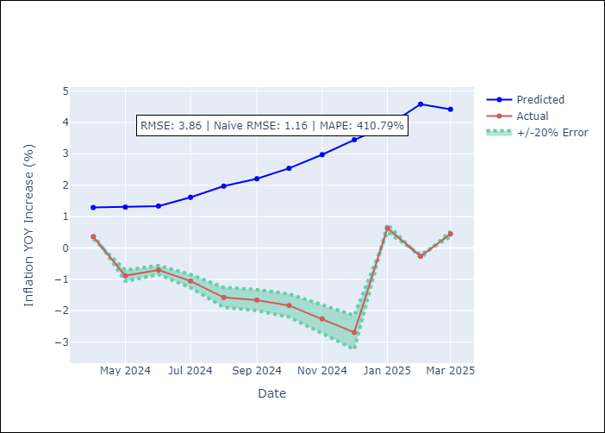

Appendix A: Model Summary
Model | Random Forest
Sample | 2003-01-01 to 2025-03-01
No. of Observations | 263
Terms | P-value (Statistical significance)

Assumptions | P-value

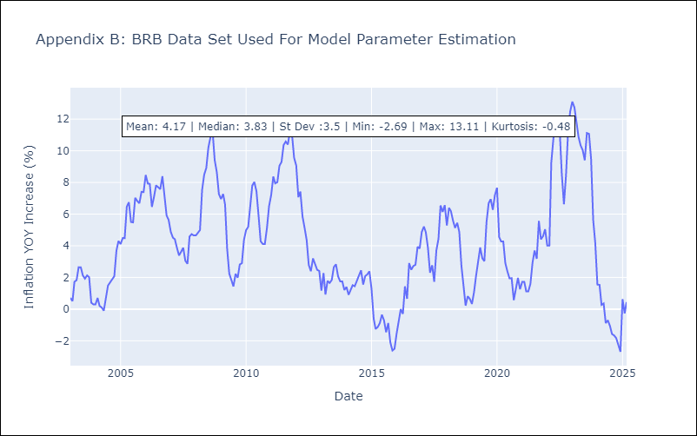

Appendix C: Residuals Analysis
Mean

DMA
DMA - Inflation - Next 12 months forecast as of: 2025-01-01

Model | Random Forest - [(0, 1, 0), (3, 0, 0, 12)]
Training Data | 2004-01-01 to 2024-02-01
Test Data | 2024-02-01 to 2025-01-01

Date | Inflation Change YoY % | Lower Bound - 95% Confidence Interval | Upper Bound - 95% Confidence Interval
2025-02-01 | 0.18 | 0.1 | 1.54
2025-03-01 | 0.03 | -0.15 | 0.83
2025-04-01 | -0.04 | 0.15 | 2.1
2025-05-01 | -0.2 | -0.31 | 0.79
2025-06-01 | 0.1 | 0.13 | 1.36
2025-07-01 | 0.34 | -0.24 | 0.83
2025-08-01 | -0.14 | 0.12 | 1.3
2025-09-01 | 0.19 | -0.28 | 0.76
2025-10-01 | 0.37 | 0.27 | 1.96
2025-11-01 | 0.26 | -0.45 | 0.7
2025-12-01 | 0.17 | 0.15 | 1.5
2026-01-01 | 0.46 | -0.23 | 1.08

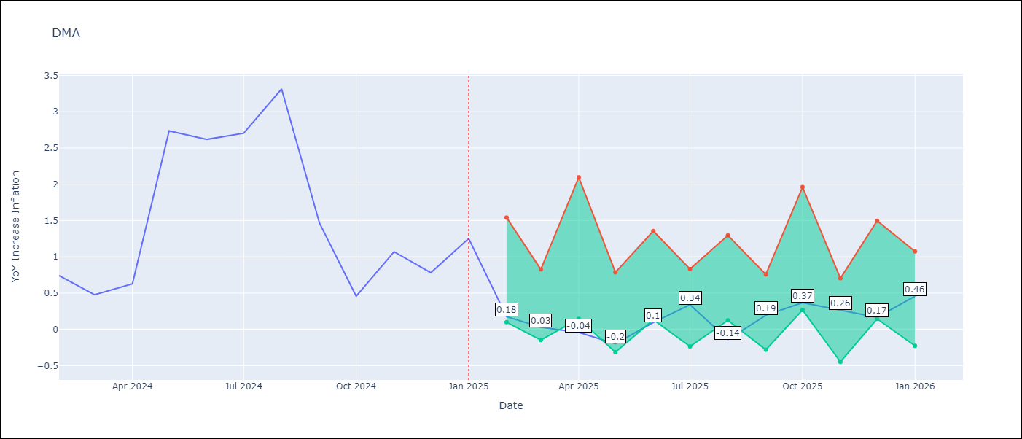

Test Metrics
RMSE | 2.05
Naive RMSE | 0.96
MAPE | 115.51%

Test Predictions
Date | Predicted | Actual
2024-02-01 | 1.21 | 0.74
2024-03-01 | 1.15 | 0.48
2024-04-01 | 0.39 | 0.63
2024-05-01 | 0.3 | 2.74
2024-06-01 | 0.55 | 2.62
2024-07-01 | 0.66 | 2.7
2024-08-01 | 0.79 | 3.31
2024-09-01 | 0.96 | 1.46
2024-10-01 | 0.66 | 0.46
2024-11-01 | -0.5 | 1.07
2024-12-01 | -2.47 | 0.78
2025-01-01 | -2.7 | 1.25

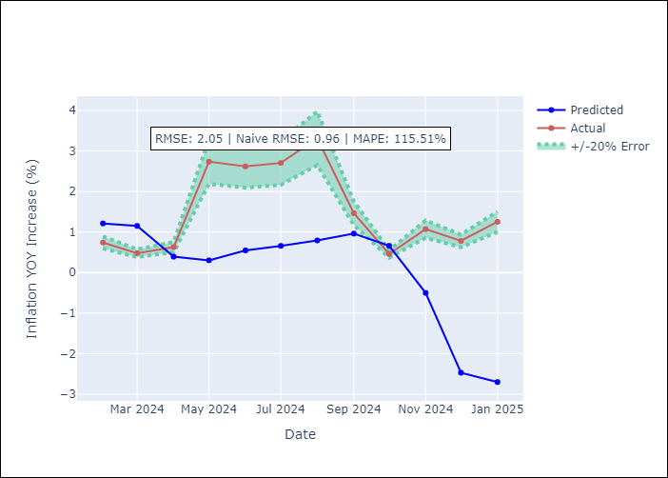

Appendix A: Model Summary
Model | Random Forest
Sample | 2004-01-01 to 2025-01-01
No. of Observations | 253
Terms | P-value (Statistical significance)

Assumptions | P-value

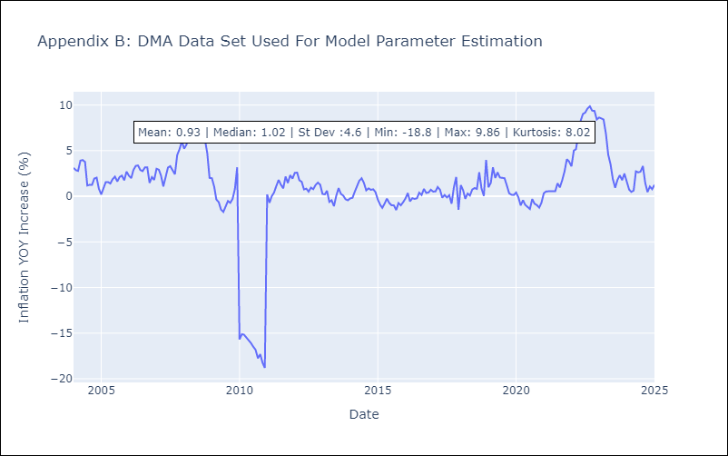

Appendix C: Residuals Analysis
Mean

GRD
GRD - Inflation - Next 12 months forecast as of: 2025-01-01

Model | Random Forest - [(1, 1, 1), (3, 0, 0, 12)]
Training Data | 2004-01-01 to 2024-02-01
Test Data | 2024-02-01 to 2025-01-01

Date | Inflation Change YoY % | Lower Bound - 95% Confidence Interval | Upper Bound - 95% Confidence Interval
2025-02-01 | 3.22 | 0.35 | 1.01
2025-03-01 | 2.95 | -0.22 | 1.17
2025-04-01 | 2.73 | 0.04 | 1.06
2025-05-01 | 2.62 | -0.99 | 0.32
2025-06-01 | 2.47 | -0.66 | 1.99
2025-07-01 | 2.22 | 1.77 | 3.01
2025-08-01 | 2.12 | 2.36 | 5.36
2025-09-01 | 2.06 | 2.51 | 7.34
2025-10-01 | 2.05 | 1.93 | 4.84
2025-11-01 | 1.96 | 2.27 | 5.57
2025-12-01 | 1.76 | 2.38 | 3.72
2026-01-01 | 1.5 | 1.34 | 3.48

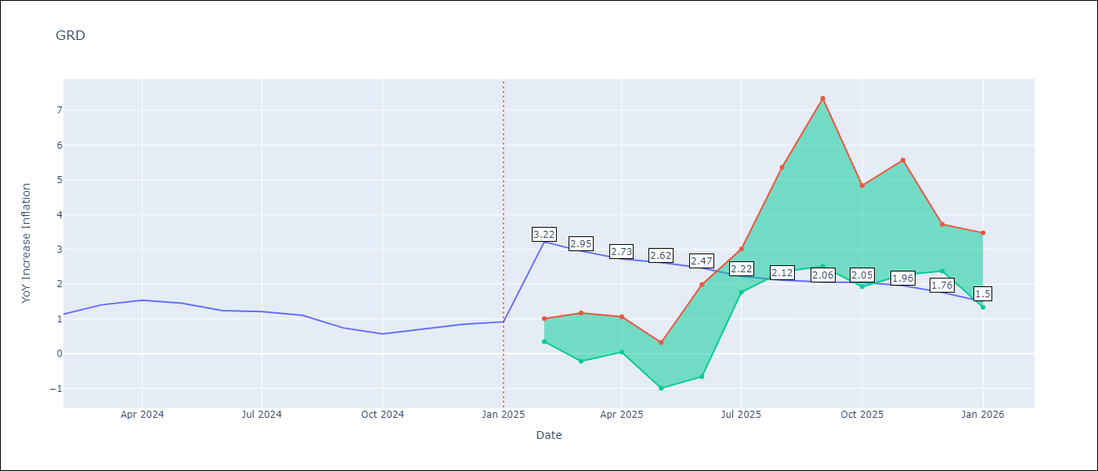

Test Metrics
RMSE | 0.54
Naive RMSE | 0.18
MAPE | 56.05%

Test Predictions
Date | Predicted | Actual
2024-02-01 | 0.89 | 1.14
2024-03-01 | 0.86 | 1.41
2024-04-01 | 0.92 | 1.54
2024-05-01 | 1.12 | 1.45
2024-06-01 | 1.21 | 1.24
2024-07-01 | 1.11 | 1.21
2024-08-01 | 0.42 | 1.11
2024-09-01 | 0.16 | 0.74
2024-10-01 | 0.11 | 0.57
2024-11-01 | 0.06 | 0.71
2024-12-01 | 0.1 | 0.85
2025-01-01 | 0.12 | 0.92

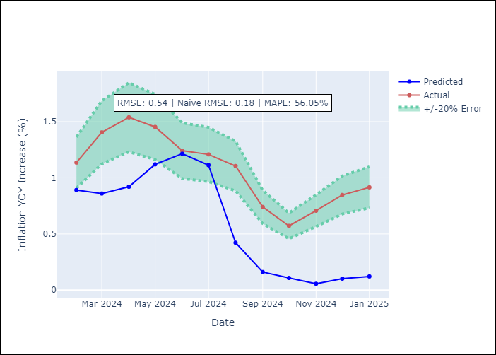

Appendix A: Model Summary
Model | Random Forest
Sample | 2004-01-01 to 2025-01-01
No. of Observations | 253
Terms | P-value (Statistical significance)

Assumptions | P-value

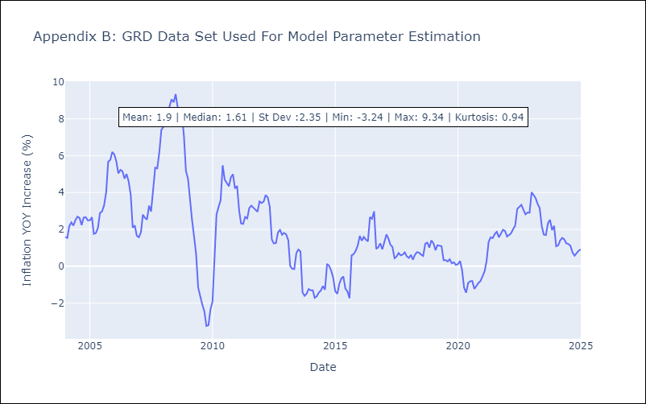

Appendix C: Residuals Analysis
Mean

GUY
GUY - Inflation - Next 12 months forecast as of: 2025-03-01

Model | Random Forest - [(3, 0, 1), (1, 0, 0, 12)]
Training Data | 2008-01-01 to 2024-04-01
Test Data | 2024-04-01 to 2025-03-01

Date | Inflation Change YoY % | Lower Bound - 95% Confidence Interval | Upper Bound - 95% Confidence Interval
2025-04-01 | 1.24 | 1.47 | 4.24
2025-05-01 | 1.33 | 1.04 | 2.92
2025-06-01 | 1.39 | 0.87 | 1.91
2025-07-01 | 1.47 | 1.25 | 2.33
2025-08-01 | 1.47 | 0.92 | 1.78
2025-09-01 | 1.48 | 1.43 | 2.31
2025-10-01 | 1.53 | 0.85 | 1.73
2025-11-01 | 1.58 | 1.32 | 2.43
2025-12-01 | 1.77 | 0.94 | 1.9
2026-01-01 | 1.95 | 1.2 | 2.18
2026-02-01 | 1.97 | 1.07 | 2.14
2026-03-01 | 1.9 | 1.07 | 2.11

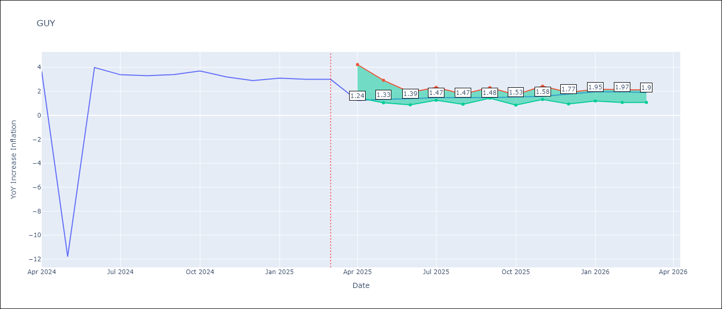

Test Metrics
RMSE | 4.22
Naive RMSE | 6.67
MAPE | 43.99%

Test Predictions
Date | Predicted | Actual
2024-04-01 | 2.22 | 3.67
2024-05-01 | 2.16 | -11.79
2024-06-01 | 1.86 | 3.99
2024-07-01 | 2.22 | 3.39
2024-08-01 | 2.14 | 3.3
2024-09-01 | 2.18 | 3.4
2024-10-01 | 2.12 | 3.7
2024-11-01 | 2.09 | 3.2
2024-12-01 | 2.22 | 2.9
2025-01-01 | 2.11 | 3.1
2025-02-01 | 1.84 | 3
2025-03-01 | 1.68 | 3

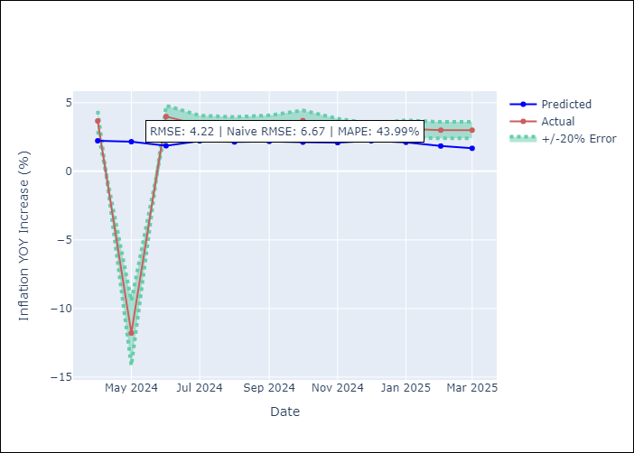

Appendix A: Model Summary
Model | Random Forest
Sample | 2008-01-01 to 2025-03-01
No. of Observations | 207
Terms | P-value (Statistical significance)

Assumptions | P-value

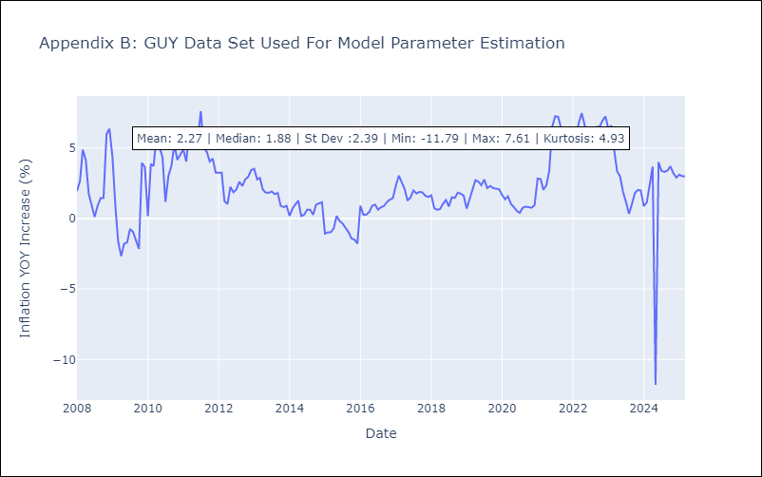

Appendix C: Residuals Analysis
Mean

JAM
JAM - Inflation - Next 12 months forecast as of: 2025-04-01

Model | Random Forest - [(2, 1, 0), (0, 0, 2, 12)]
Training Data | 1994-07-01 to 2024-05-01
Test Data | 2024-05-01 to 2025-04-01

Date | Inflation Change YoY % | Lower Bound - 95% Confidence Interval | Upper Bound - 95% Confidence Interval
2025-05-01 | 7.1 | 3.79 | 8.13
2025-06-01 | 7.45 | 5.27 | 9.71
2025-07-01 | 7.77 | 6.39 | 8.67
2025-08-01 | 8.24 | 7.41 | 13.8
2025-09-01 | 8.55 | 6.31 | 9.43
2025-10-01 | 8.68 | 5.4 | 7.61
2025-11-01 | 8.9 | 6.6 | 9.37
2025-12-01 | 8.95 | 6.29 | 7.78
2026-01-01 | 9.11 | 7.07 | 12.16
2026-02-01 | 9.31 | 6.6 | 10.88
2026-03-01 | 9.46 | 5.96 | 7.15
2026-04-01 | 9.44 | 6.85 | 11.35

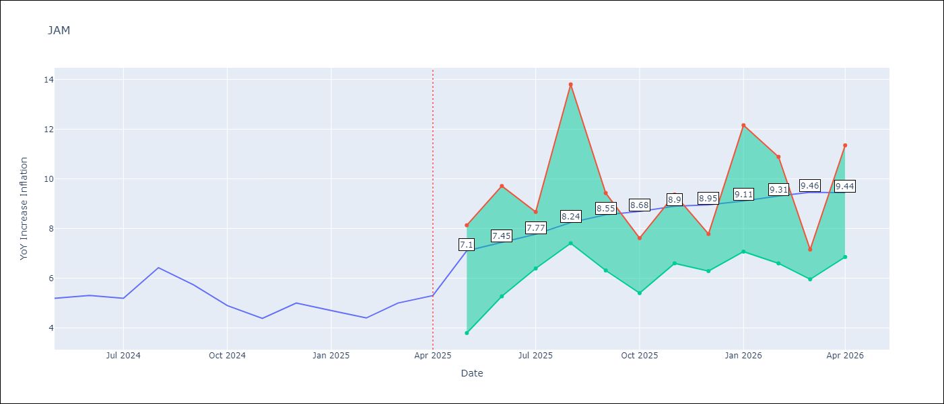

Test Metrics
RMSE | 2.41
Naive RMSE | 0.6
MAPE | 40.33%

Test Predictions
Date | Predicted | Actual
2024-05-01 | 5.58 | 5.19
2024-06-01 | 5.85 | 5.3
2024-07-01 | 6.02 | 5.19
2024-08-01 | 6.22 | 6.42
2024-09-01 | 6.52 | 5.74
2024-10-01 | 7 | 4.9
2024-11-01 | 7.05 | 4.38
2024-12-01 | 7.37 | 5
2025-01-01 | 7.57 | 4.7
2025-02-01 | 8.3 | 4.4
2025-03-01 | 8.69 | 5
2025-04-01 | 8.99 | 5.3

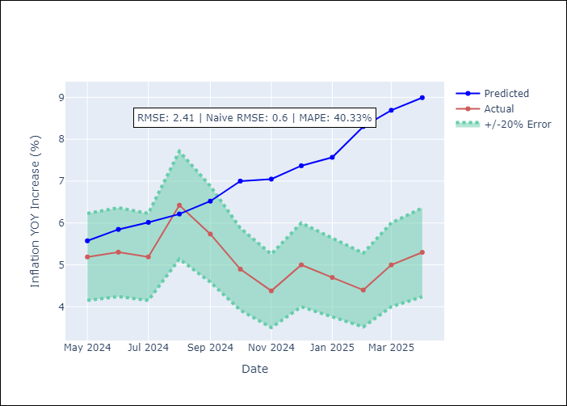

Appendix A: Model Summary
Model | Random Forest
Sample | 1994-07-01 to 2025-04-01
No. of Observations | 370
Terms | P-value (Statistical significance)

Assumptions | P-value

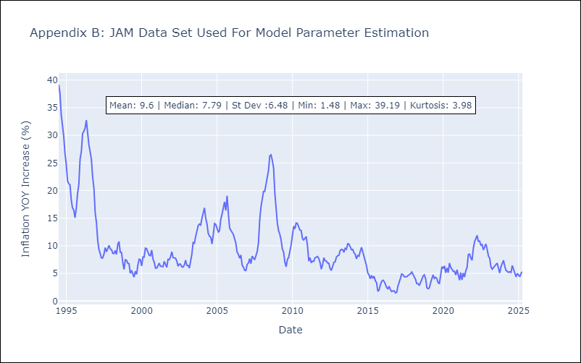

Appendix C: Residuals Analysis
Mean

KNA
KNA - Inflation - Next 12 months forecast as of: 2025-02-01

Model | Random Forest - [(0, 1, 0), (3, 0, 0, 12)]
Training Data | 2006-01-01 to 2024-03-01
Test Data | 2024-03-01 to 2025-02-01

Date | Inflation Change YoY % | Lower Bound - 95% Confidence Interval | Upper Bound - 95% Confidence Interval
2025-03-01 | 0.87 | -0.18 | 1.94
2025-04-01 | 1.05 | 0.35 | 2.38
2025-05-01 | 0.96 | -0.03 | 1.99
2025-06-01 | 0.89 | -0.17 | 1.8
2025-07-01 | 1.1 | -0.5 | 1.79
2025-08-01 | 0.89 | -0.1 | 1.93
2025-09-01 | 0.93 | -0.03 | 1.83
2025-10-01 | 0.92 | -0.77 | 1.01
2025-11-01 | 0.74 | -2.35 | 0.74
2025-12-01 | 0.78 | -1.72 | 0.73
2026-01-01 | 0.77 | -0.09 | 1.74
2026-02-01 | 0.59 | -0.33 | 1.19

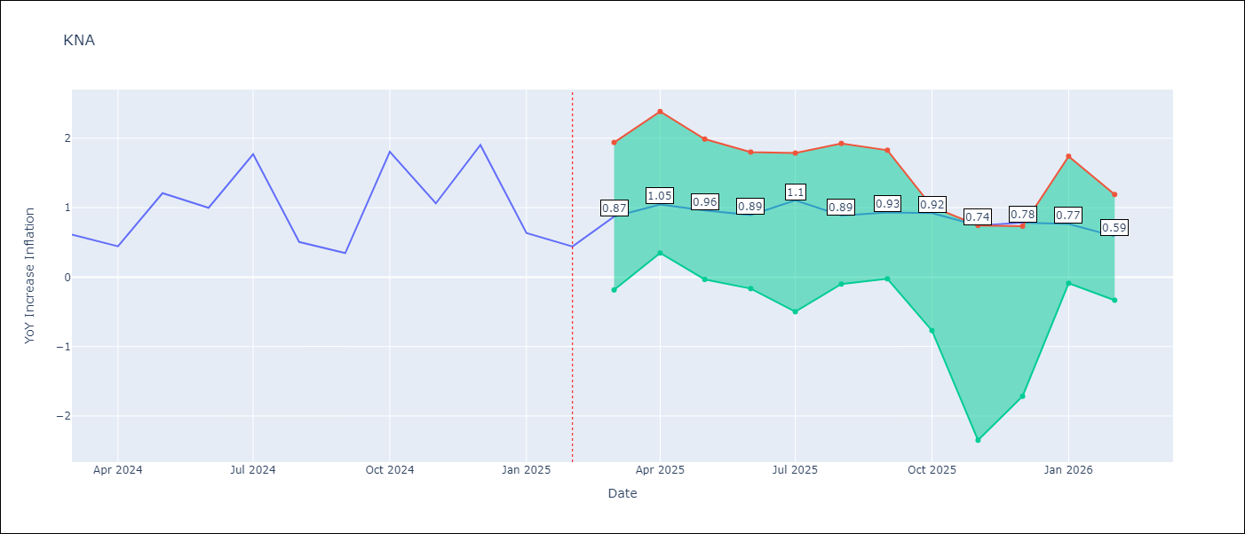

Test Metrics
RMSE | 0.67
Naive RMSE | 0.85
MAPE | 83.6%

Test Predictions
Date | Predicted | Actual
2024-03-01 | 1.05 | 0.61
2024-04-01 | 0.99 | 0.44
2024-05-01 | 0.8 | 1.21
2024-06-01 | 0.87 | 1
2024-07-01 | 0.99 | 1.77
2024-08-01 | 1.4 | 0.51
2024-09-01 | 1.12 | 0.35
2024-10-01 | 0.96 | 1.8
2024-11-01 | 1.31 | 1.06
2024-12-01 | 1.31 | 1.9
2025-01-01 | 1.52 | 0.63
2025-02-01 | 1.33 | 0.44

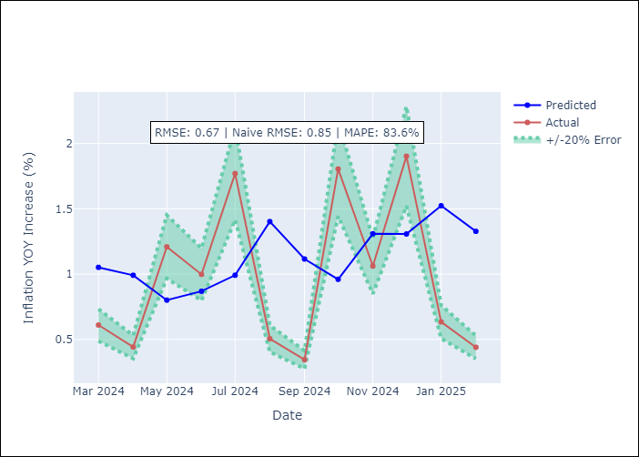

Appendix A: Model Summary
Model | Random Forest
Sample | 2006-01-01 to 2025-02-01
No. of Observations | 230
Terms | P-value (Statistical significance)

Assumptions | P-value

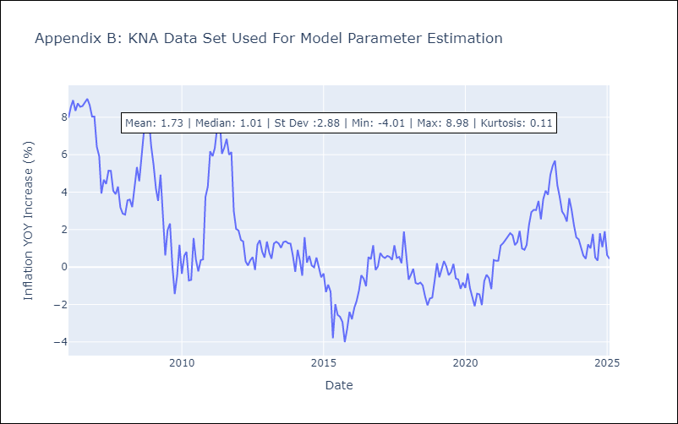

Appendix C: Residuals Analysis
Mean

LCA
LCA - Inflation - Next 12 months forecast as of: 2025-01-01

Model | Random Forest - [(0, 1, 0), (3, 0, 1, 12)]
Training Data | 2008-01-01 to 2024-02-01
Test Data | 2024-02-01 to 2025-01-01

Date | Inflation Change YoY % | Lower Bound - 95% Confidence Interval | Upper Bound - 95% Confidence Interval
2025-02-01 | 3.21 | 1.23 | 3.65
2025-03-01 | 3.34 | 1.03 | 3.76
2025-04-01 | 2.86 | 0.7 | 3.97
2025-05-01 | 2.71 | -0.34 | 3.65
2025-06-01 | 2.49 | -1.14 | 2.2
2025-07-01 | 2.49 | -1.75 | 2.06
2025-08-01 | 2.63 | 1.1 | 4.01
2025-09-01 | 2.65 | 2.1 | 4
2025-10-01 | 2.54 | 2.33 | 4.35
2025-11-01 | 2.37 | 1.94 | 5.04
2025-12-01 | 1.87 | 1.08 | 5.12
2026-01-01 | 2.22 | 0.69 | 3.59

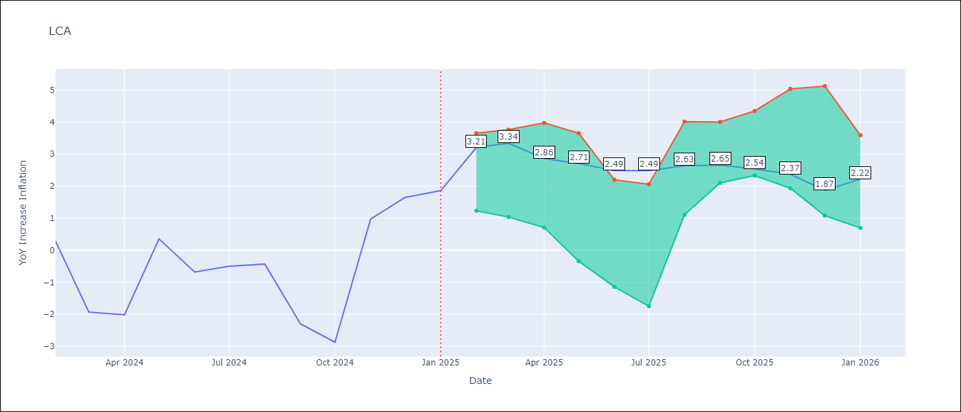

Test Metrics
RMSE | 1.39
Naive RMSE | 1.67
MAPE | 138.46%

Test Predictions
Date | Predicted | Actual
2024-02-01 | 0.16 | 0.28
2024-03-01 | -0.49 | -1.94
2024-04-01 | -0.91 | -2.02
2024-05-01 | -1.05 | 0.35
2024-06-01 | -0.33 | -0.68
2024-07-01 | -0.27 | -0.5
2024-08-01 | -0.22 | -0.43
2024-09-01 | 0.38 | -2.3
2024-10-01 | 0.27 | -2.87
2024-11-01 | 0.3 | 0.97
2024-12-01 | 1.65 | 1.65
2025-01-01 | 2.12 | 1.86

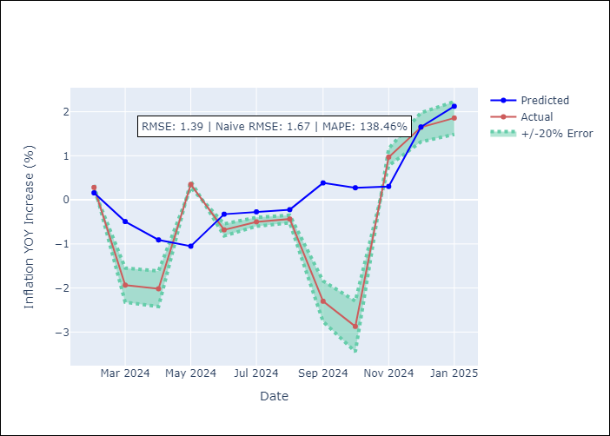

Appendix A: Model Summary
Model | Random Forest
Sample | 2008-01-01 to 2025-01-01
No. of Observations | 205
Terms | P-value (Statistical significance)

Assumptions | P-value

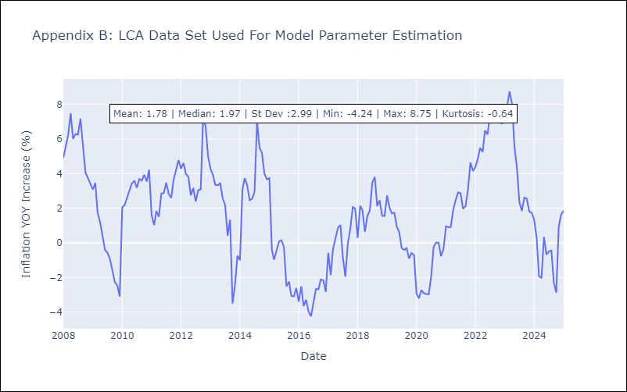

Appendix C: Residuals Analysis
Mean

SUR
SUR - Inflation - Next 12 months forecast as of: 2024-08-01

Model | Random Forest - [(3, 2, 0), (1, 0, 0, 12)]
Training Data | 2012-04-01 to 2023-09-01
Test Data | 2023-09-01 to 2024-08-01

Date | Inflation Change YoY % | Lower Bound - 95% Confidence Interval | Upper Bound - 95% Confidence Interval
2024-09-01 | 50.02 | -6.55 | 24.82
2024-10-01 | 51.88 | 6.68 | 54.97
2024-11-01 | 54.37 | 6.34 | 55.08
2024-12-01 | 56.36 | 20.23 | 62.95
2025-01-01 | 57.95 | 38.97 | 62.03
2025-02-01 | 56.78 | 46.63 | 60.76
2025-03-01 | 55.84 | 47.45 | 61.38
2025-04-01 | 55.59 | 42.66 | 61.05
2025-05-01 | 54.36 | 44.97 | 61.18
2025-06-01 | 52.3 | 43.19 | 61.12
2025-07-01 | 49.76 | 46.54 | 60.03
2025-08-01 | 47.46 | 46.61 | 61.31

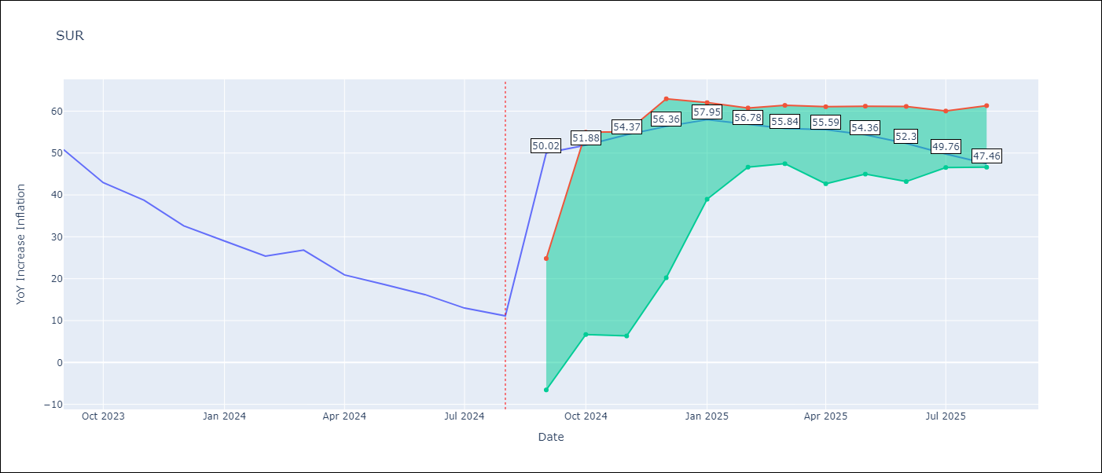

Test Metrics
RMSE | 18.22
Naive RMSE | 4.32
MAPE | 99.58%

Test Predictions
Date | Predicted | Actual
2023-09-01 | 50.95 | 50.79
2023-10-01 | 50.14 | 42.92
2023-11-01 | 47.96 | 38.74
2023-12-01 | 45.62 | 32.63
2024-01-01 | 43.33 | 28.98
2024-02-01 | 42.5 | 25.4
2024-03-01 | 42.78 | 26.83
2024-04-01 | 42.41 | 20.9
2024-05-01 | 41.86 | 18.62
2024-06-01 | 40.9 | 16.21
2024-07-01 | 37.81 | 12.99
2024-08-01 | 37.56 | 11.13

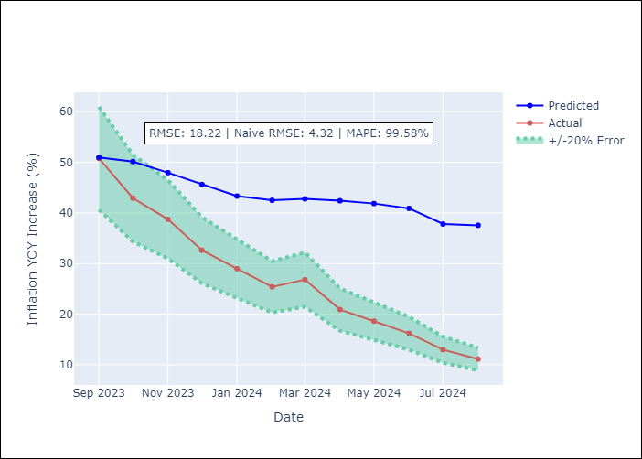

Appendix A: Model Summary
Model | Random Forest
Sample | 2012-04-01 to 2024-08-01
No. of Observations | 145
Terms | P-value (Statistical significance)

Assumptions | P-value

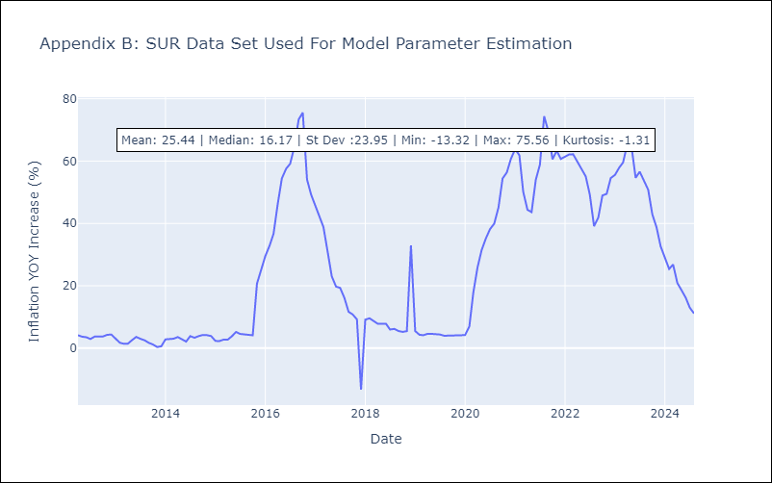

Appendix C: Residuals Analysis
Mean

TTO
TTO - Inflation - Next 12 months forecast as of: 2025-04-01

Model | Random Forest - [(3, 2, 0), (3, 0, 0, 12)]
Training Data | 1994-07-01 to 2024-05-01
Test Data | 2024-05-01 to 2025-04-01

Date | Inflation Change YoY % | Lower Bound - 95% Confidence Interval | Upper Bound - 95% Confidence Interval
2025-05-01 | 5.24 | 0.82 | 6.17
2025-06-01 | 4.9 | 4.08 | 6.49
2025-07-01 | 4.48 | 3.06 | 4.24
2025-08-01 | 4.28 | 3.7 | 6.43
2025-09-01 | 3.83 | 2.92 | 5.43
2025-10-01 | 3.74 | 3.2 | 5.23
2025-11-01 | 3.39 | 3.46 | 5.19
2025-12-01 | 3.24 | 3.4 | 4.49
2026-01-01 | 3.16 | 4.16 | 6.56
2026-02-01 | 3.2 | 3 | 4.58
2026-03-01 | 3.25 | 3.47 | 6.01
2026-04-01 | 3.25 | 3.13 | 5.24

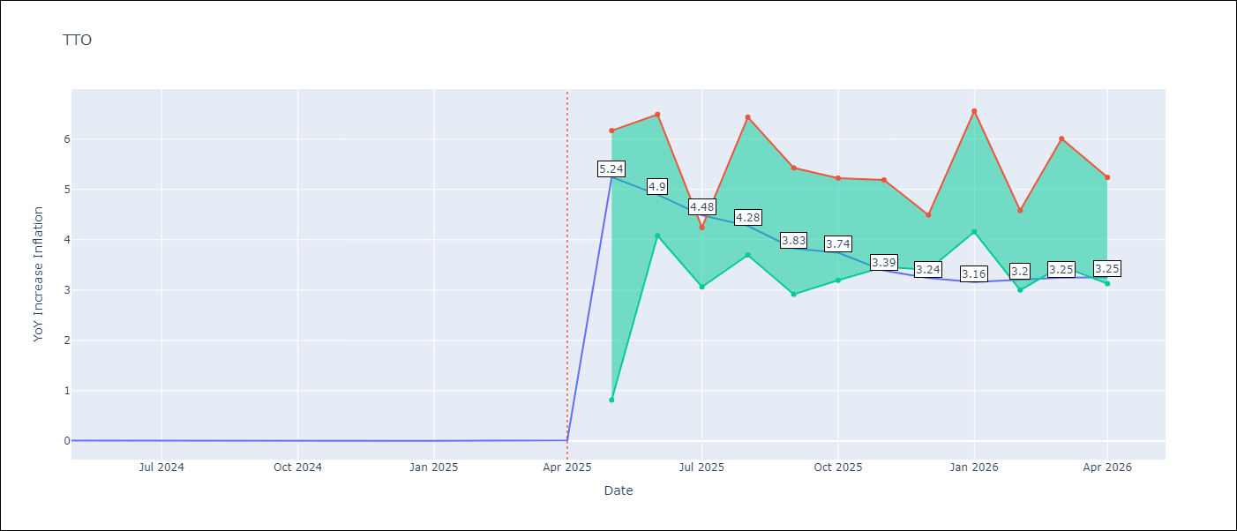

Test Metrics
RMSE | 0.68
Naive RMSE | 0.0
MAPE | 13731.89%

Test Predictions
Date | Predicted | Actual
2024-05-01 | 0.75 | 0.01
2024-06-01 | 0.77 | 0.01
2024-07-01 | 0.73 | 0
2024-08-01 | 0.63 | 0
2024-09-01 | 0.59 | 0
2024-10-01 | 0.62 | 0
2024-11-01 | 0.64 | 0
2024-12-01 | 0.65 | 0
2025-01-01 | 0.68 | 0.01
2025-02-01 | 0.71 | 0.01
2025-03-01 | 0.7 | 0.01
2025-04-01 | 0.69 | 0.02

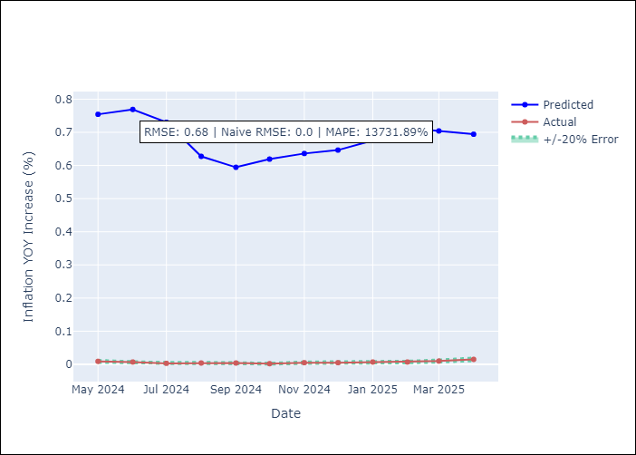

Appendix A: Model Summary
Model | Random Forest
Sample | 1994-07-01 to 2025-04-01
No. of Observations | 370
Terms | P-value (Statistical significance)

Assumptions | P-value

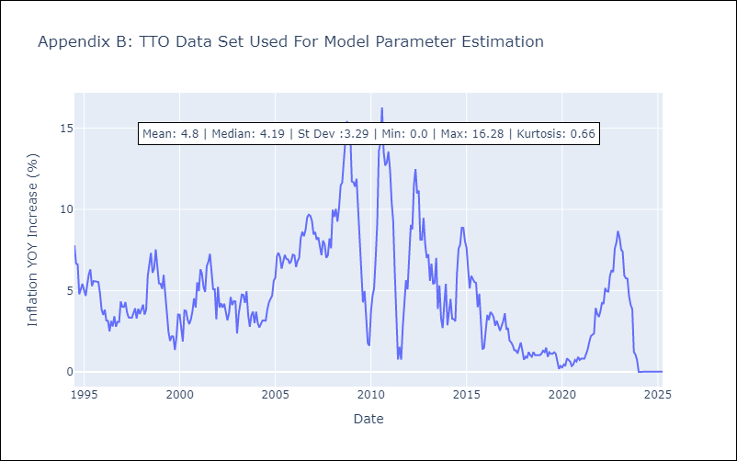

Appendix C: Residuals Analysis
Mean

VCT
VCT - Inflation - Next 12 months forecast as of: 2025-01-01

Model | Random Forest - [(1, 0, 0), (3, 0, 0, 12)]
Training Data | 2004-01-01 to 2024-02-01
Test Data | 2024-02-01 to 2025-01-01

Date | Inflation Change YoY % | Lower Bound - 95% Confidence Interval | Upper Bound - 95% Confidence Interval
2025-02-01 | 2.26 | 1.92 | 5.39
2025-03-01 | 2.08 | 3.19 | 6.13
2025-04-01 | 1.93 | 2.16 | 4.26
2025-05-01 | 1.82 | 1.11 | 2.99
2025-06-01 | 1.68 | -0.47 | 1.03
2025-07-01 | 1.54 | -1.24 | 0.19
2025-08-01 | 1.46 | -1.36 | 2.01
2025-09-01 | 1.34 | -0.54 | 2.73
2025-10-01 | 1.33 | 2.19 | 4.33
2025-11-01 | 1.24 | 1.67 | 3.75
2025-12-01 | 1.08 | 1.35 | 4.35
2026-01-01 | 1.02 | 1.04 | 3.94

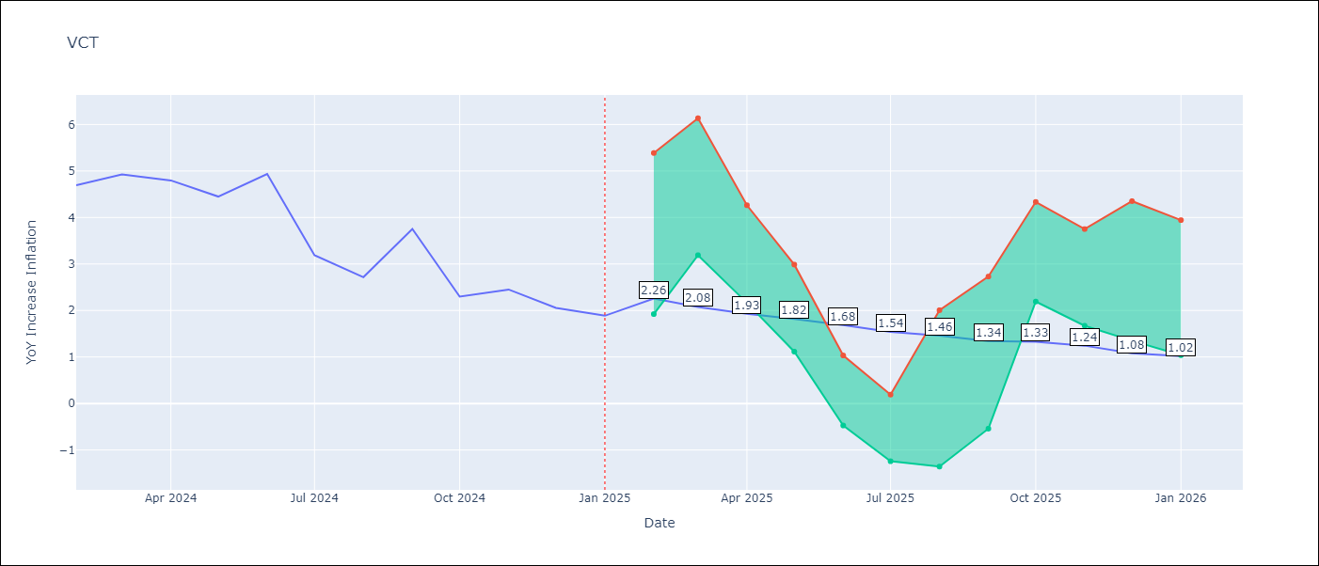

Test Metrics
RMSE | 1.65
Naive RMSE | 0.8
MAPE | 52.3%

Test Predictions
Date | Predicted | Actual
2024-02-01 | 4.39 | 4.69
2024-03-01 | 4.53 | 4.93
2024-04-01 | 4.52 | 4.8
2024-05-01 | 4.63 | 4.45
2024-06-01 | 4.76 | 4.94
2024-07-01 | 4.9 | 3.19
2024-08-01 | 4.63 | 2.72
2024-09-01 | 4.83 | 3.75
2024-10-01 | 4.67 | 2.3
2024-11-01 | 4.61 | 2.45
2024-12-01 | 4.85 | 2.06
2025-01-01 | 4.43 | 1.89

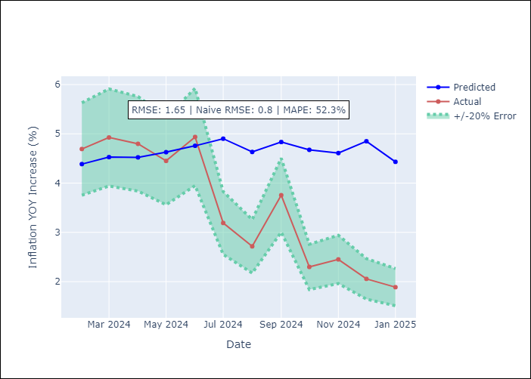

Appendix A: Model Summary
Model | Random Forest
Sample | 2004-01-01 to 2025-01-01
No. of Observations | 253
Terms | P-value (Statistical significance)

Assumptions | P-value

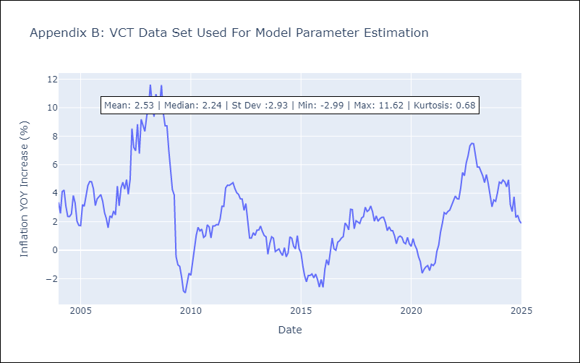

Appendix C: Residuals Analysis
Mean

