ATG
ATG - Inflation - Next 12 months forecast as of: 2025-01-01

Model | Random Forest - [(0, 1, 1), (0, 0, 1, 12)]
Training Data | 2004-01-01 to 2024-02-01
Test Data | 2024-02-01 to 2025-01-01

Date | Inflation Change YoY % | Lower Bound - 95% Confidence Interval | Upper Bound - 95% Confidence Interval
2025-02-01 | 0.93 | -0.64 | 4.06
2025-03-01 | 1.08 | 2.63 | 6.54
2025-04-01 | 1 | 0.91 | 4.82
2025-05-01 | 0.9 | 0.63 | 1.42
2025-06-01 | 0.85 | 0.48 | 1.5
2025-07-01 | 0.77 | 0.19 | 1.38
2025-08-01 | 0.71 | 0.16 | 1.3
2025-09-01 | 0.66 | 0.37 | 2.49
2025-10-01 | 0.55 | 0.27 | 1.36
2025-11-01 | 0.43 | 0.05 | 1.41
2025-12-01 | 0.42 | 0.26 | 2.01
2026-01-01 | 0.47 | 0.25 | 1.4

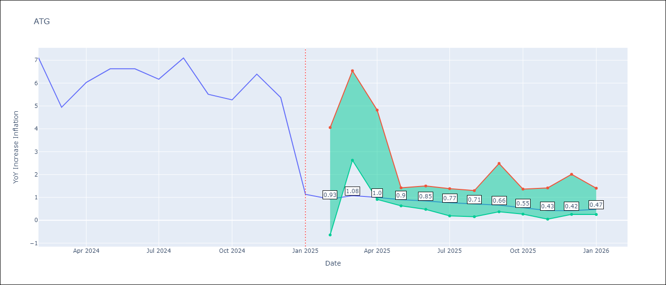

Test Metrics
RMSE | 1.76
Naive RMSE | 1.65
MAPE | 49.28%

Test Predictions
Date | Predicted | Actual
2024-02-01 | 6.38 | 7.11
2024-03-01 | 6.17 | 4.94
2024-04-01 | 5.57 | 6.03
2024-05-01 | 5.43 | 6.62
2024-06-01 | 5.4 | 6.63
2024-07-01 | 4.81 | 6.17
2024-08-01 | 4.31 | 7.1
2024-09-01 | 4.04 | 5.51
2024-10-01 | 4.04 | 5.27
2024-11-01 | 3.61 | 6.39
2024-12-01 | 3.06 | 5.37
2025-01-01 | 3.46 | 1.14

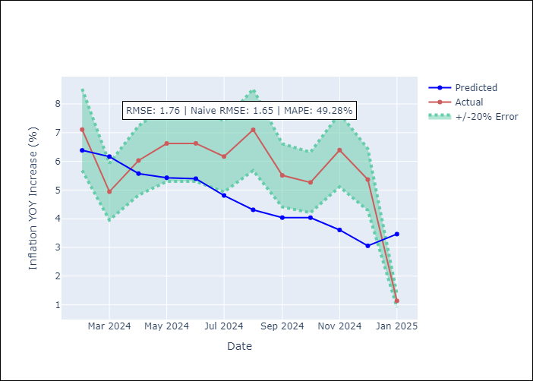

Appendix A: Model Summary
Model | Random Forest
Sample | 2004-01-01 to 2025-01-01
No. of Observations | 253
Terms | P-value (Statistical significance)

Assumptions | P-value

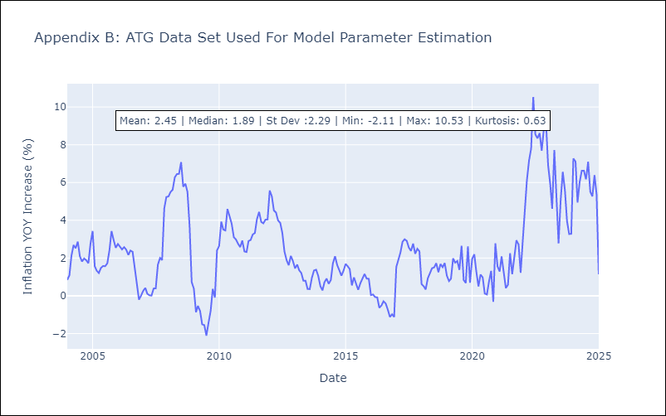

Appendix C: Residuals Analysis
Mean

BHS
BHS - Inflation - Next 12 months forecast as of: 2025-02-01

Model | Random Forest - [(1, 0, 0), (3, 0, 1, 12)]
Training Data | 2000-01-01 to 2024-03-01
Test Data | 2024-03-01 to 2025-02-01

Date | Inflation Change YoY % | Lower Bound - 95% Confidence Interval | Upper Bound - 95% Confidence Interval
2025-03-01 | 2.47 | 0.9 | 3.14
2025-04-01 | 2.2 | 1.9 | 3.15
2025-05-01 | 2.04 | 1.64 | 4.01
2025-06-01 | 1.96 | 1.43 | 3.72
2025-07-01 | 2.04 | 0.06 | 3.05
2025-08-01 | 2.22 | 1.37 | 2.57
2025-09-01 | 2.26 | 1.08 | 2.46
2025-10-01 | 2.15 | 1.64 | 2.63
2025-11-01 | 2.13 | 1.62 | 4.2
2025-12-01 | 2.08 | 1.39 | 3.42
2026-01-01 | 2.32 | 0.31 | 3.04
2026-02-01 | 2.47 | 1.95 | 3.12

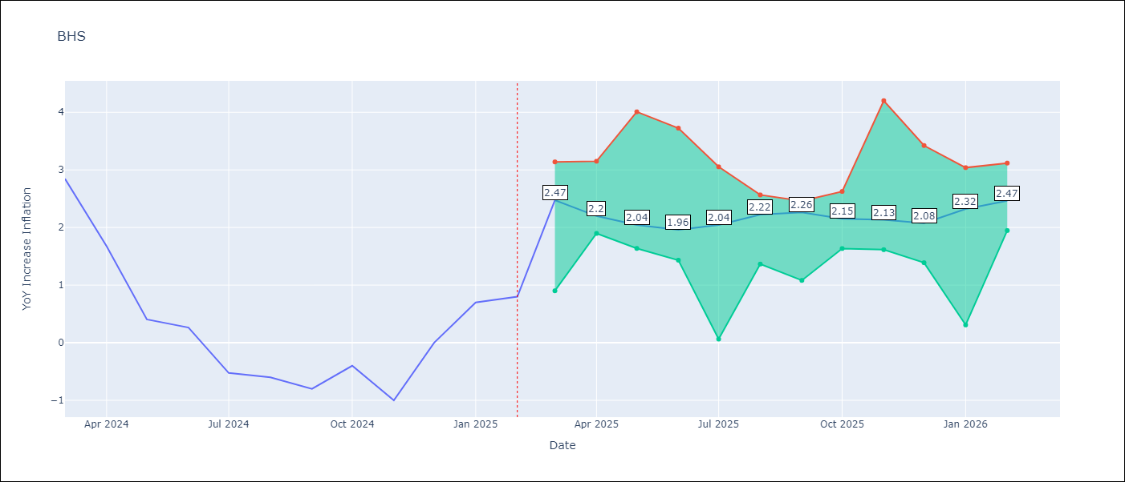

Test Metrics
RMSE | 0.89
Naive RMSE | 0.72
MAPE | inf%

Test Predictions
Date | Predicted | Actual
2024-03-01 | 1.25 | 2.85
2024-04-01 | 1.5 | 1.68
2024-05-01 | 1.28 | 0.4
2024-06-01 | 0.92 | 0.26
2024-07-01 | 0.63 | -0.52
2024-08-01 | 0.39 | -0.6
2024-09-01 | 0.24 | -0.8
2024-10-01 | 0.22 | -0.4
2024-11-01 | 0.37 | -1
2024-12-01 | 0.26 | 0
2025-01-01 | 0.57 | 0.7
2025-02-01 | 0.89 | 0.8

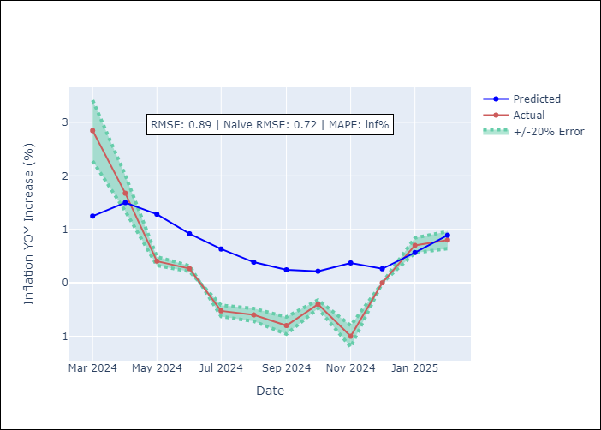

Appendix A: Model Summary
Model | Random Forest
Sample | 2000-01-01 to 2025-02-01
No. of Observations | 302
Terms | P-value (Statistical significance)

Assumptions | P-value

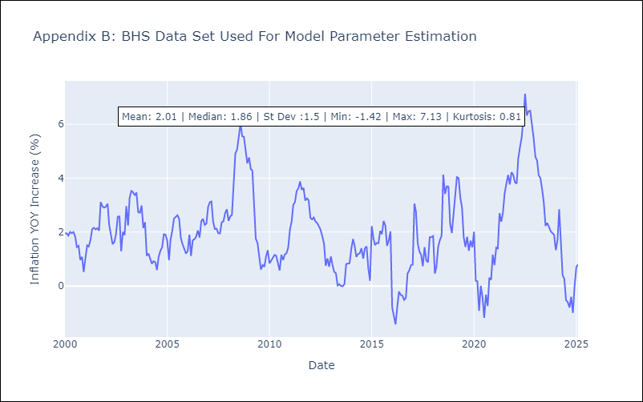

Appendix C: Residuals Analysis
Mean

BLZ
BLZ - Inflation - Next 12 months forecast as of: 2025-03-01

Model | Random Forest - [(2, 0, 0), (1, 0, 0, 12)]
Training Data | 2015-01-01 to 2024-04-01
Test Data | 2024-04-01 to 2025-03-01

Date | Inflation Change YoY % | Lower Bound - 95% Confidence Interval | Upper Bound - 95% Confidence Interval
2025-04-01 | 5.02 | 0.56 | 4.77
2025-05-01 | 4.96 | 0.4 | 3.36
2025-06-01 | 4.92 | 0.07 | 0.73
2025-07-01 | 4.71 | 0.06 | 1.11
2025-08-01 | 4.56 | 0.29 | 3.08
2025-09-01 | 4.24 | 2.01 | 6.71
2025-10-01 | 3.85 | 3.23 | 6.55
2025-11-01 | 3.52 | 2.58 | 4.98
2025-12-01 | 3.24 | 2.68 | 5.79
2026-01-01 | 3.12 | 2.66 | 5.35
2026-02-01 | 3.05 | 2.64 | 5.34
2026-03-01 | 2.91 | 2.65 | 5.79

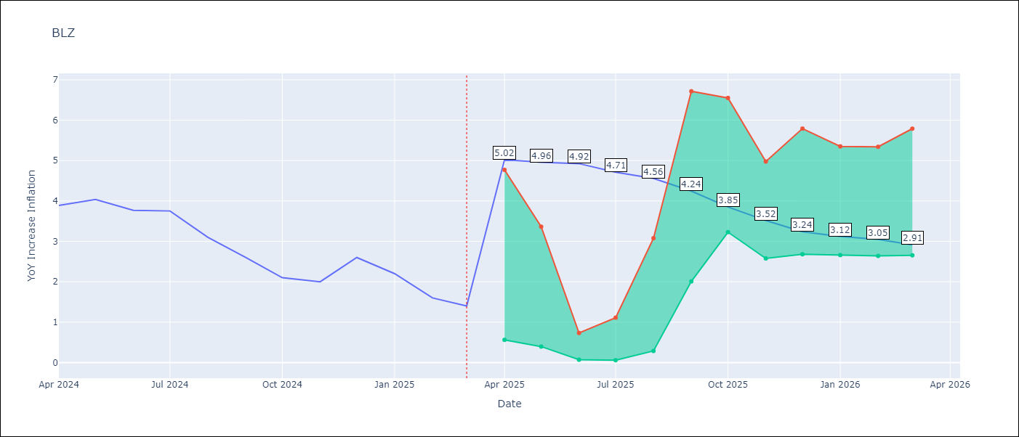

Test Metrics
RMSE | 2.33
Naive RMSE | 0.42
MAPE | 104.25%

Test Predictions
Date | Predicted | Actual
2024-04-01 | 5.19 | 3.89
2024-05-01 | 5.31 | 4.04
2024-06-01 | 5.45 | 3.77
2024-07-01 | 5.44 | 3.75
2024-08-01 | 5.44 | 3.1
2024-09-01 | 5.26 | 2.6
2024-10-01 | 5.04 | 2.1
2024-11-01 | 4.89 | 2
2024-12-01 | 4.72 | 2.6
2025-01-01 | 4.64 | 2.2
2025-02-01 | 4.46 | 1.6
2025-03-01 | 4.22 | 1.4

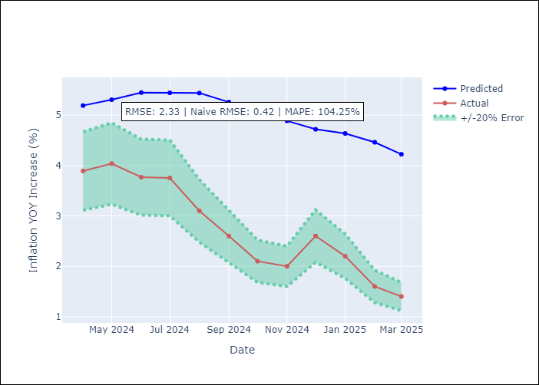

Appendix A: Model Summary
Model | Random Forest
Sample | 2015-01-01 to 2025-03-01
No. of Observations | 123
Terms | P-value (Statistical significance)

Assumptions | P-value

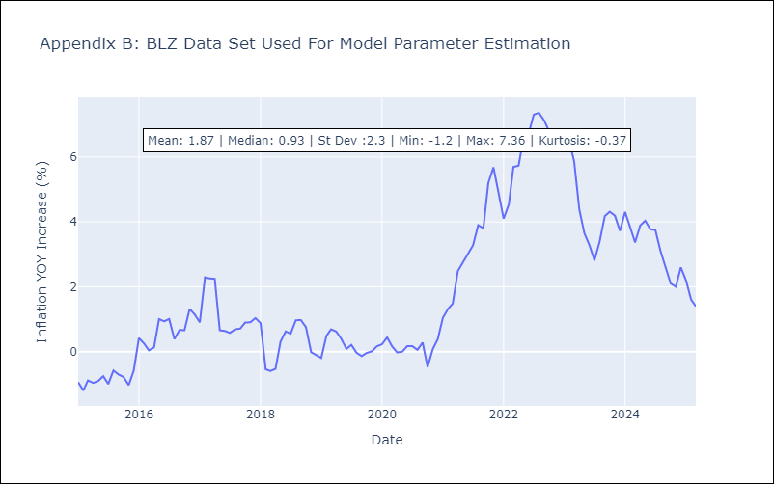

Appendix C: Residuals Analysis
Mean

BRB
BRB - Inflation - Next 12 months forecast as of: 2025-03-01

Model | Random Forest - [(3, 0, 0), (0, 0, 1, 12)]
Training Data | 2003-01-01 to 2024-04-01
Test Data | 2024-04-01 to 2025-03-01

Date | Inflation Change YoY % | Lower Bound - 95% Confidence Interval | Upper Bound - 95% Confidence Interval
2025-04-01 | 3.96 | 0.61 | 4.48
2025-05-01 | 3.99 | 3.66 | 8.71
2025-06-01 | 4.19 | 4.33 | 7.83
2025-07-01 | 4.74 | 2.3 | 5.1
2025-08-01 | 4.96 | 4.53 | 8.71
2025-09-01 | 5.14 | 3.86 | 7.78
2025-10-01 | 5.25 | 4.05 | 8.03
2025-11-01 | 5.59 | 4 | 7.58
2025-12-01 | 6.23 | 2 | 5.55
2026-01-01 | 7.39 | 4.96 | 8.8
2026-02-01 | 8.21 | 3.54 | 7.88
2026-03-01 | 8.73 | 3.48 | 8.74

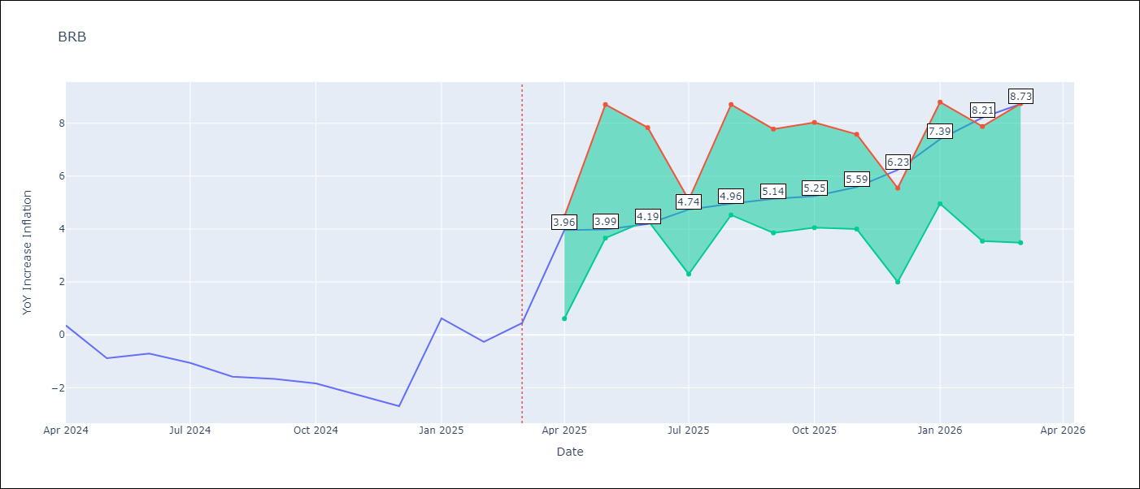

Test Metrics
RMSE | 4.52
Naive RMSE | 1.16
MAPE | 494.68%

Test Predictions
Date | Predicted | Actual
2024-04-01 | 1.49 | 0.36
2024-05-01 | 1.53 | -0.88
2024-06-01 | 1.64 | -0.7
2024-07-01 | 2 | -1.06
2024-08-01 | 2.51 | -1.58
2024-09-01 | 3 | -1.66
2024-10-01 | 3.36 | -1.83
2024-11-01 | 3.91 | -2.26
2024-12-01 | 4.46 | -2.69
2025-01-01 | 4.86 | 0.63
2025-02-01 | 5.28 | -0.27
2025-03-01 | 4.86 | 0.45

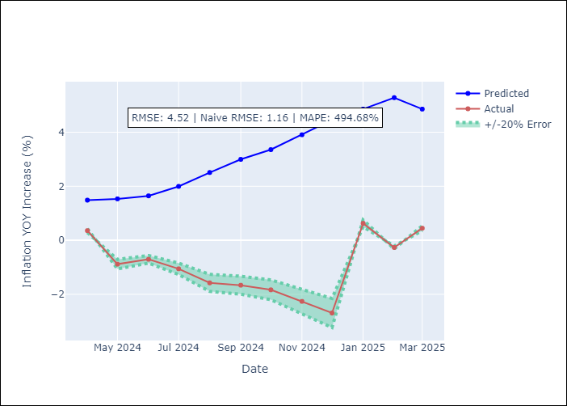

Appendix A: Model Summary
Model | Random Forest
Sample | 2003-01-01 to 2025-03-01
No. of Observations | 263
Terms | P-value (Statistical significance)

Assumptions | P-value

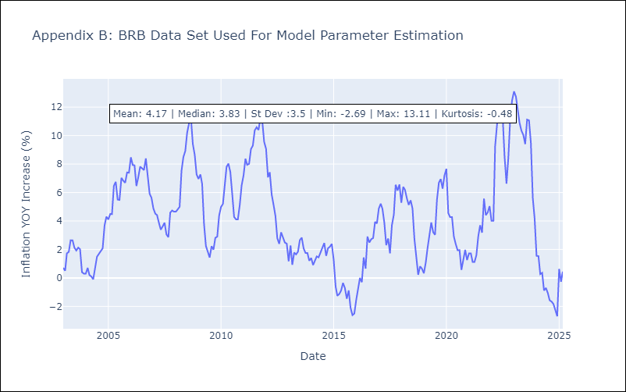

Appendix C: Residuals Analysis
Mean

DMA
DMA - Inflation - Next 12 months forecast as of: 2025-01-01

Model | Random Forest - [(0, 1, 0), (3, 0, 0, 12)]
Training Data | 2004-01-01 to 2024-02-01
Test Data | 2024-02-01 to 2025-01-01

Date | Inflation Change YoY % | Lower Bound - 95% Confidence Interval | Upper Bound - 95% Confidence Interval
2025-02-01 | 0.57 | 0.02 | 1.67
2025-03-01 | 0.44 | -1.08 | 0.87
2025-04-01 | 0.75 | -0.81 | 1.18
2025-05-01 | 0.58 | -0.06 | 1.42
2025-06-01 | 0.35 | -0.13 | 0.93
2025-07-01 | 0.45 | -0.07 | 1.33
2025-08-01 | 0.6 | -0.04 | 1.03
2025-09-01 | 0.34 | -0.1 | 0.98
2025-10-01 | 0.3 | -0.16 | 1.04
2025-11-01 | 0.75 | -0.04 | 1.02
2025-12-01 | 0.61 | -0.1 | 1.17
2026-01-01 | 0.37 | -0.19 | 0.95

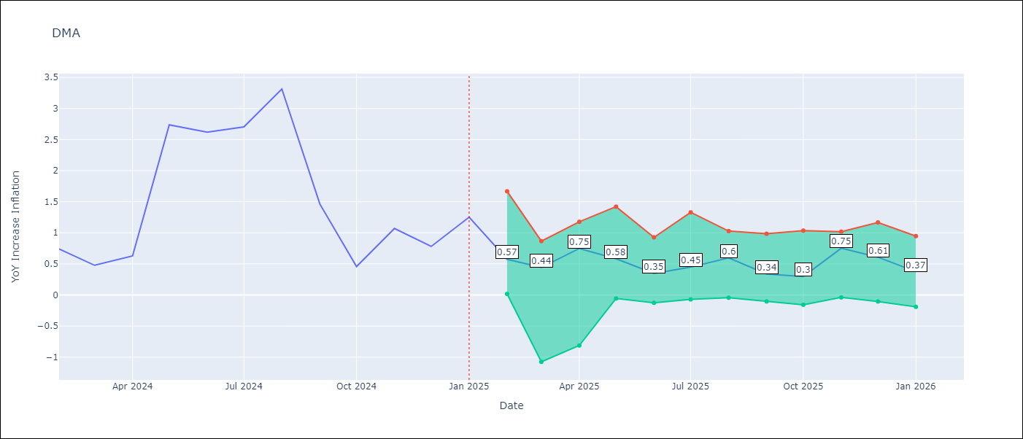

Test Metrics
RMSE | 1.71
Naive RMSE | 0.96
MAPE | 107.26%

Test Predictions
Date | Predicted | Actual
2024-02-01 | 1.25 | 0.74
2024-03-01 | 1.31 | 0.48
2024-04-01 | 0.83 | 0.63
2024-05-01 | 0.9 | 2.74
2024-06-01 | 0.4 | 2.62
2024-07-01 | 0.74 | 2.7
2024-08-01 | 1.15 | 3.31
2024-09-01 | 1.15 | 1.46
2024-10-01 | -0.2 | 0.46
2024-11-01 | -0.71 | 1.07
2024-12-01 | -1.62 | 0.78
2025-01-01 | -1.52 | 1.25

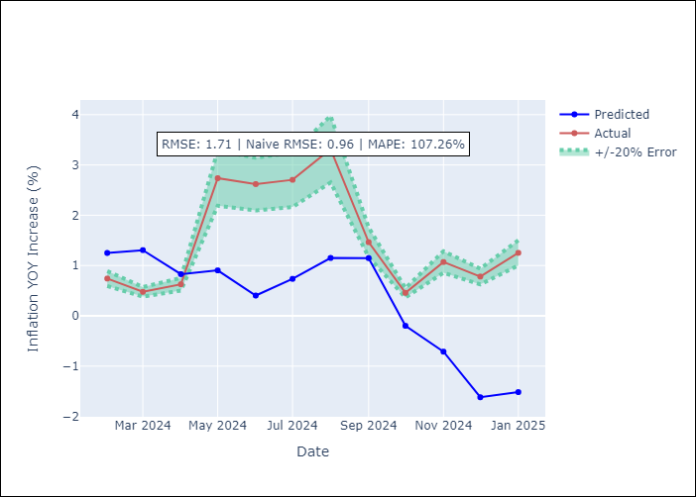

Appendix A: Model Summary
Model | Random Forest
Sample | 2004-01-01 to 2025-01-01
No. of Observations | 253
Terms | P-value (Statistical significance)

Assumptions | P-value

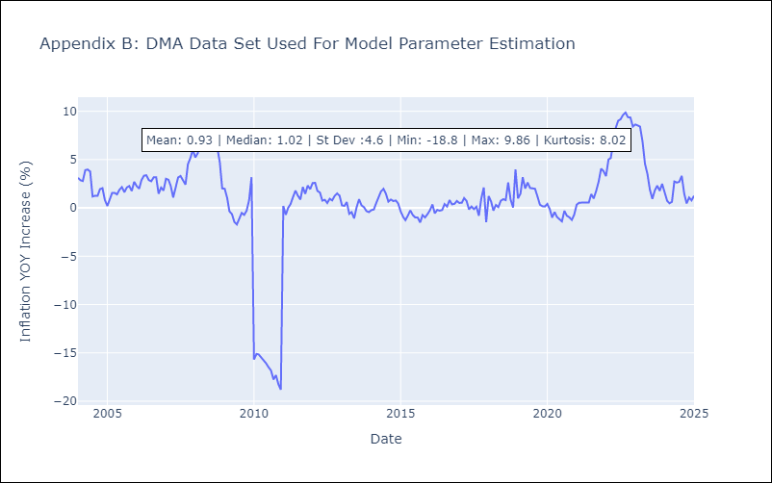

Appendix C: Residuals Analysis
Mean

GRD
GRD - Inflation - Next 12 months forecast as of: 2025-01-01

Model | Random Forest - [(1, 1, 1), (3, 0, 0, 12)]
Training Data | 2004-01-01 to 2024-02-01
Test Data | 2024-02-01 to 2025-01-01

Date | Inflation Change YoY % | Lower Bound - 95% Confidence Interval | Upper Bound - 95% Confidence Interval
2025-02-01 | -0.32 | 0.25 | 1.03
2025-03-01 | 0.12 | 0.54 | 1.17
2025-04-01 | 0.73 | -0.08 | 1.09
2025-05-01 | 1.09 | -1 | 0.13
2025-06-01 | 1.33 | -0.44 | 1.99
2025-07-01 | 1.58 | 1.8 | 3.16
2025-08-01 | 1.67 | 2.36 | 5.13
2025-09-01 | 1.69 | 2.32 | 4.71
2025-10-01 | 1.75 | 1.12 | 3.14
2025-11-01 | 1.91 | 0.01 | 1.28
2025-12-01 | 1.91 | -0.92 | 0.23
2026-01-01 | 1.96 | -0.68 | 2.02

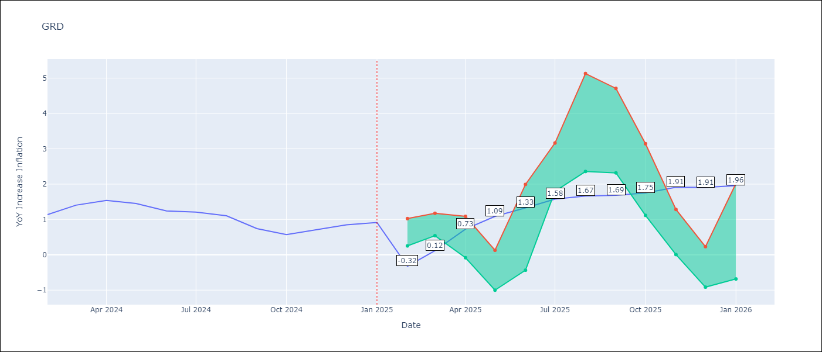

Test Metrics
RMSE | 0.7
Naive RMSE | 0.18
MAPE | 67.15%

Test Predictions
Date | Predicted | Actual
2024-02-01 | 0.76 | 1.14
2024-03-01 | 0.63 | 1.41
2024-04-01 | 0.72 | 1.54
2024-05-01 | 1.04 | 1.45
2024-06-01 | 1.19 | 1.24
2024-07-01 | 1.12 | 1.21
2024-08-01 | 0.29 | 1.11
2024-09-01 | -0.1 | 0.74
2024-10-01 | -0.15 | 0.57
2024-11-01 | -0.12 | 0.71
2024-12-01 | -0.08 | 0.85
2025-01-01 | -0.02 | 0.92

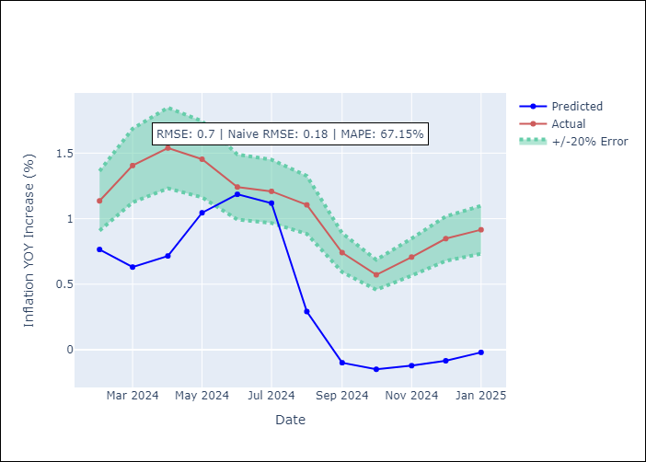

Appendix A: Model Summary
Model | Random Forest
Sample | 2004-01-01 to 2025-01-01
No. of Observations | 253
Terms | P-value (Statistical significance)

Assumptions | P-value

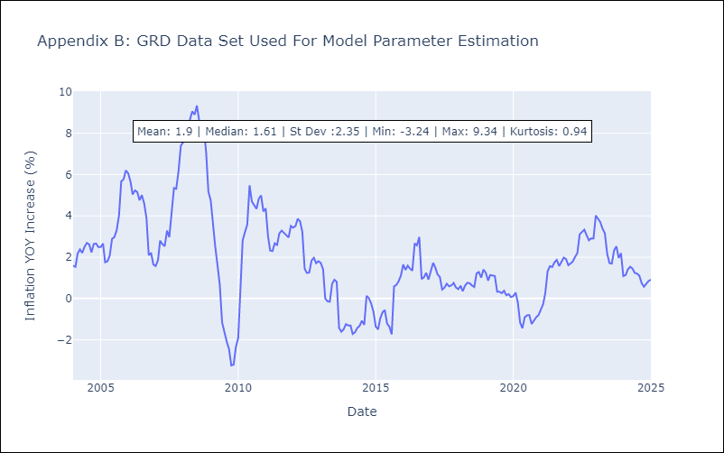

Appendix C: Residuals Analysis
Mean

GUY
GUY - Inflation - Next 12 months forecast as of: 2025-03-01

Model | Random Forest - [(3, 0, 1), (1, 0, 0, 12)]
Training Data | 2008-01-01 to 2024-04-01
Test Data | 2024-04-01 to 2025-03-01

Date | Inflation Change YoY % | Lower Bound - 95% Confidence Interval | Upper Bound - 95% Confidence Interval
2025-04-01 | 1.64 | 1.22 | 4.13
2025-05-01 | 1.7 | 0.89 | 3.24
2025-06-01 | 1.64 | 0.78 | 2.7
2025-07-01 | 1.71 | 1.06 | 2.3
2025-08-01 | 1.93 | 0.77 | 2.09
2025-09-01 | 2.1 | 1.11 | 2.72
2025-10-01 | 2.21 | 0.88 | 2.19
2025-11-01 | 2.19 | 1.34 | 2.3
2025-12-01 | 2.12 | 0.89 | 1.77
2026-01-01 | 2.11 | 1.39 | 2.25
2026-02-01 | 1.95 | 0.82 | 1.72
2026-03-01 | 1.92 | 1.37 | 2.38

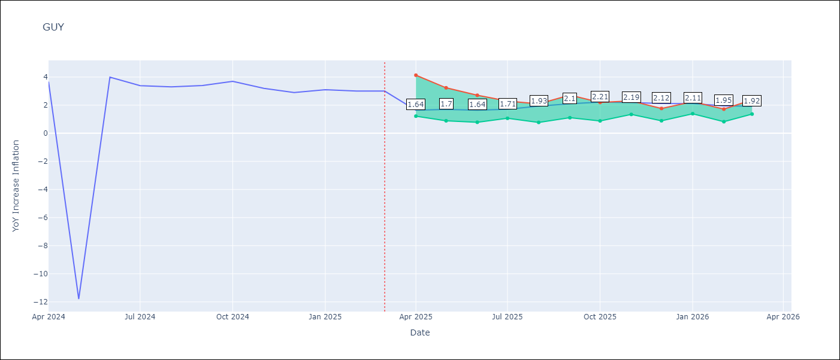

Test Metrics
RMSE | 4.17
Naive RMSE | 6.67
MAPE | 40.93%

Test Predictions
Date | Predicted | Actual
2024-04-01 | 2.11 | 3.67
2024-05-01 | 2.09 | -11.79
2024-06-01 | 1.94 | 3.99
2024-07-01 | 2.26 | 3.39
2024-08-01 | 2.49 | 3.3
2024-09-01 | 2.37 | 3.4
2024-10-01 | 2.36 | 3.7
2024-11-01 | 2.2 | 3.2
2024-12-01 | 2.26 | 2.9
2025-01-01 | 2.2 | 3.1
2025-02-01 | 2.05 | 3
2025-03-01 | 1.87 | 3

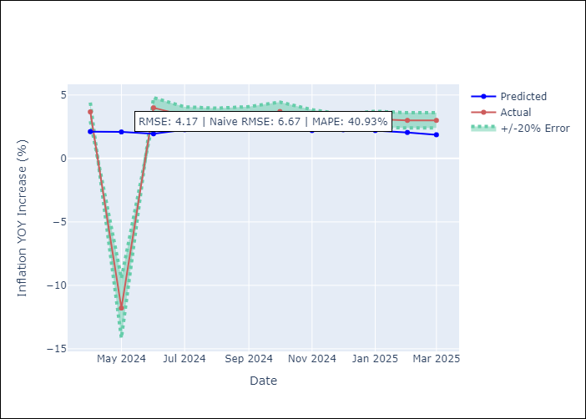

Appendix A: Model Summary
Model | Random Forest
Sample | 2008-01-01 to 2025-03-01
No. of Observations | 207
Terms | P-value (Statistical significance)

Assumptions | P-value

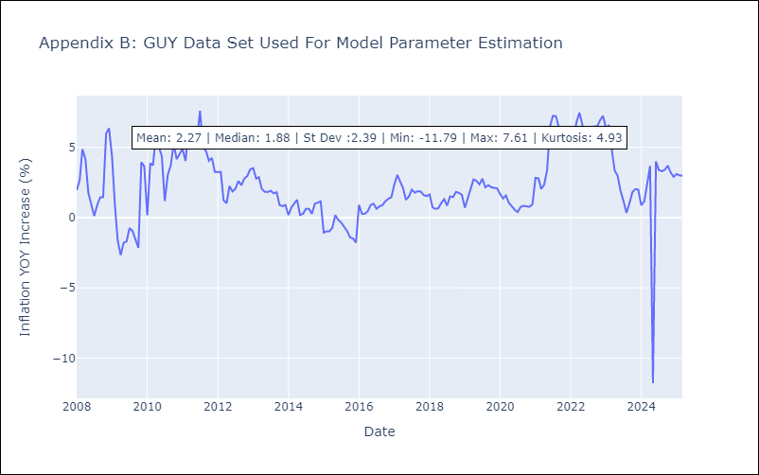

Appendix C: Residuals Analysis
Mean

JAM
JAM - Inflation - Next 12 months forecast as of: 2025-04-01

Model | Random Forest - [(2, 1, 0), (0, 0, 2, 12)]
Training Data | 1994-07-01 to 2024-05-01
Test Data | 2024-05-01 to 2025-04-01

Date | Inflation Change YoY % | Lower Bound - 95% Confidence Interval | Upper Bound - 95% Confidence Interval
2025-05-01 | 7.56 | 4.02 | 8.72
2025-06-01 | 7.29 | 6.04 | 9.52
2025-07-01 | 7.11 | 6.68 | 9.17
2025-08-01 | 7.12 | 6.74 | 11.32
2025-09-01 | 7.05 | 5.13 | 7.91
2025-10-01 | 7.04 | 5.71 | 10.75
2025-11-01 | 7.1 | 7.5 | 9.98
2025-12-01 | 7.22 | 4.57 | 8.94
2026-01-01 | 7.23 | 3.49 | 7.62
2026-02-01 | 7.22 | 4.91 | 7.73
2026-03-01 | 7.23 | 5.88 | 9.29
2026-04-01 | 7.64 | 6.45 | 8.6

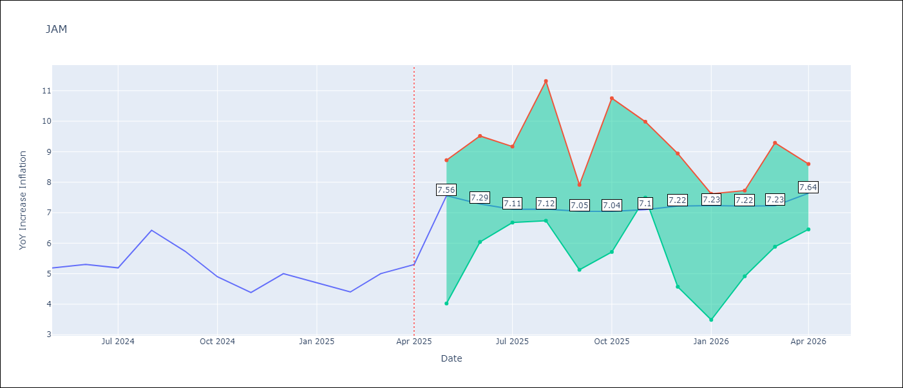

Test Metrics
RMSE | 2.28
Naive RMSE | 0.6
MAPE | 37.58%

Test Predictions
Date | Predicted | Actual
2024-05-01 | 5.72 | 5.19
2024-06-01 | 5.8 | 5.3
2024-07-01 | 5.99 | 5.19
2024-08-01 | 6.07 | 6.42
2024-09-01 | 6.14 | 5.74
2024-10-01 | 6.75 | 4.9
2024-11-01 | 6.79 | 4.38
2024-12-01 | 7.2 | 5
2025-01-01 | 7.36 | 4.7
2025-02-01 | 8.16 | 4.4
2025-03-01 | 8.5 | 5
2025-04-01 | 8.97 | 5.3

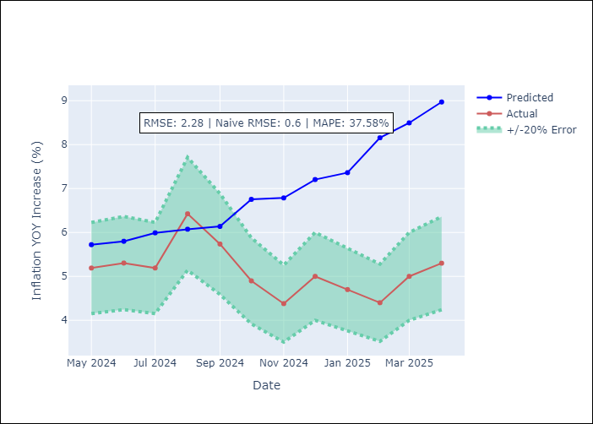

Appendix A: Model Summary
Model | Random Forest
Sample | 1994-07-01 to 2025-04-01
No. of Observations | 370
Terms | P-value (Statistical significance)

Assumptions | P-value

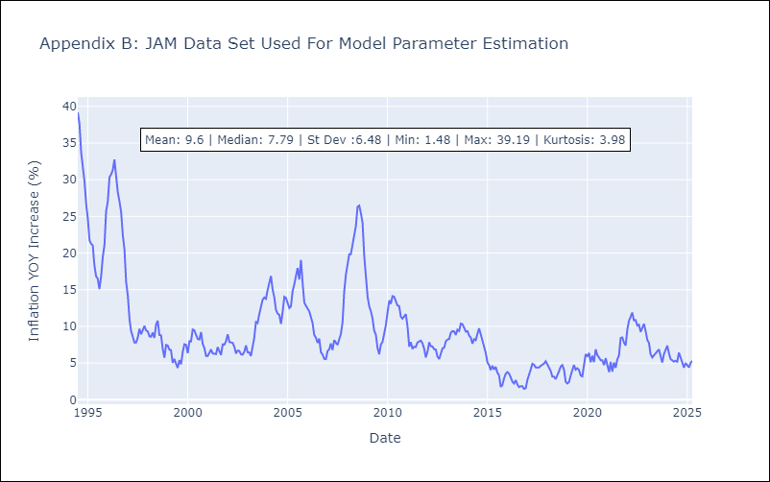

Appendix C: Residuals Analysis
Mean

KNA
KNA - Inflation - Next 12 months forecast as of: 2025-02-01

Model | Random Forest - [(0, 1, 0), (3, 0, 0, 12)]
Training Data | 2006-01-01 to 2024-03-01
Test Data | 2024-03-01 to 2025-02-01

Date | Inflation Change YoY % | Lower Bound - 95% Confidence Interval | Upper Bound - 95% Confidence Interval
2025-03-01 | 0.15 | 0.05 | 1.98
2025-04-01 | 0.36 | -1.91 | 0.68
2025-05-01 | 0.61 | -2.47 | 0.18
2025-06-01 | 0.69 | -0.21 | 2.73
2025-07-01 | 0.75 | -0.08 | 1.45
2025-08-01 | 0.84 | -0.76 | 1.12
2025-09-01 | 0.9 | -2.37 | -0.18
2025-10-01 | 1.02 | -0.52 | 1.27
2025-11-01 | 0.94 | -0.33 | 1.38
2025-12-01 | 0.86 | -1.72 | 1.51
2026-01-01 | 0.91 | -2.63 | 0.08
2026-02-01 | 1.1 | -0.26 | 1.76

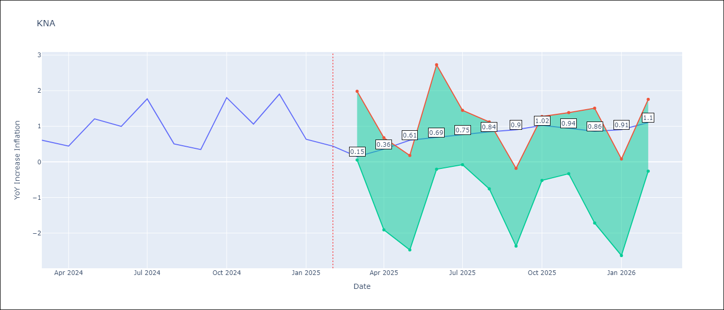

Test Metrics
RMSE | 0.69
Naive RMSE | 0.85
MAPE | 85.94%

Test Predictions
Date | Predicted | Actual
2024-03-01 | 1.11 | 0.61
2024-04-01 | 0.94 | 0.44
2024-05-01 | 0.89 | 1.21
2024-06-01 | 1.01 | 1
2024-07-01 | 0.86 | 1.77
2024-08-01 | 1.28 | 0.51
2024-09-01 | 1.05 | 0.35
2024-10-01 | 0.96 | 1.8
2024-11-01 | 1.38 | 1.06
2024-12-01 | 1.34 | 1.9
2025-01-01 | 1.74 | 0.63
2025-02-01 | 1.34 | 0.44

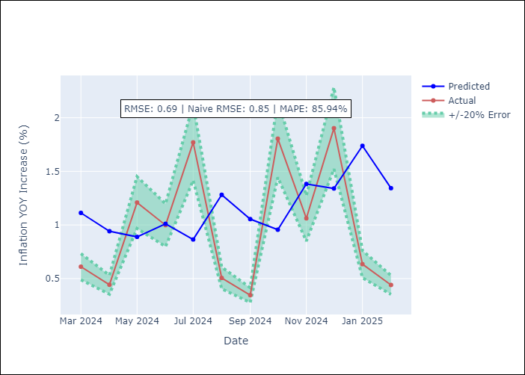

Appendix A: Model Summary
Model | Random Forest
Sample | 2006-01-01 to 2025-02-01
No. of Observations | 230
Terms | P-value (Statistical significance)

Assumptions | P-value

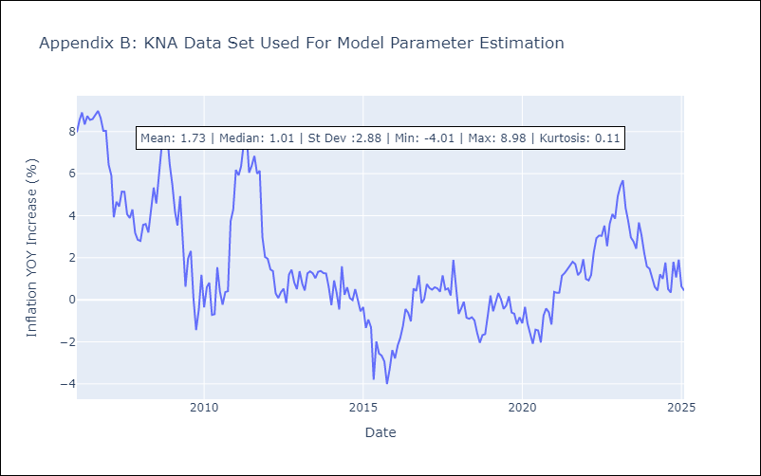

Appendix C: Residuals Analysis
Mean

LCA
LCA - Inflation - Next 12 months forecast as of: 2025-01-01

Model | Random Forest - [(0, 1, 0), (3, 0, 1, 12)]
Training Data | 2008-01-01 to 2024-02-01
Test Data | 2024-02-01 to 2025-01-01

Date | Inflation Change YoY % | Lower Bound - 95% Confidence Interval | Upper Bound - 95% Confidence Interval
2025-02-01 | 3.26 | 1.16 | 3.97
2025-03-01 | 4.26 | 0.99 | 3.53
2025-04-01 | 4.97 | -1.27 | 2.64
2025-05-01 | 5.1 | -2.12 | 1.54
2025-06-01 | 4.68 | 0.91 | 3.96
2025-07-01 | 4.32 | 2.17 | 4.05
2025-08-01 | 3.88 | 2.2 | 4.45
2025-09-01 | 3.56 | 2.06 | 4.99
2025-10-01 | 3.28 | 1.22 | 5.29
2025-11-01 | 2.96 | 0.46 | 3.98
2025-12-01 | 2.51 | 2 | 4.47
2026-01-01 | 2.08 | 1.79 | 5.16

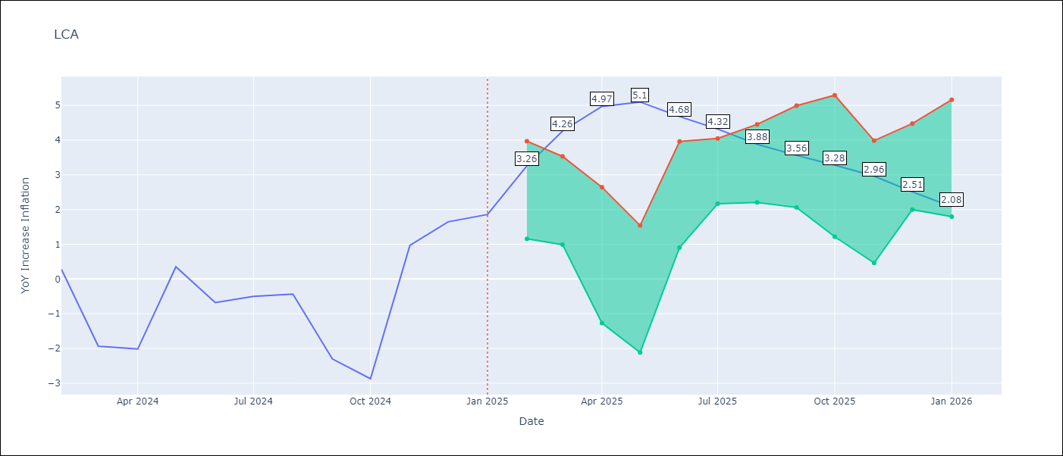

Test Metrics
RMSE | 1.53
Naive RMSE | 1.67
MAPE | 162.48%

Test Predictions
Date | Predicted | Actual
2024-02-01 | -0.26 | 0.28
2024-03-01 | -0.78 | -1.94
2024-04-01 | -1.06 | -2.02
2024-05-01 | -1.01 | 0.35
2024-06-01 | -0.01 | -0.68
2024-07-01 | 0.2 | -0.5
2024-08-01 | 0.37 | -0.43
2024-09-01 | 0.63 | -2.3
2024-10-01 | 0.66 | -2.87
2024-11-01 | 0.81 | 0.97
2024-12-01 | 2.29 | 1.65
2025-01-01 | 2.59 | 1.86

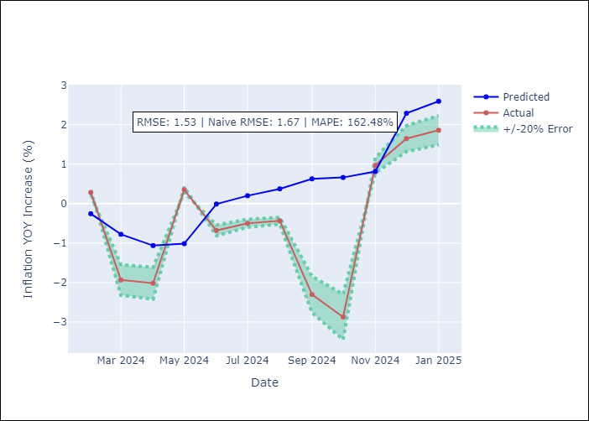

Appendix A: Model Summary
Model | Random Forest
Sample | 2008-01-01 to 2025-01-01
No. of Observations | 205
Terms | P-value (Statistical significance)

Assumptions | P-value

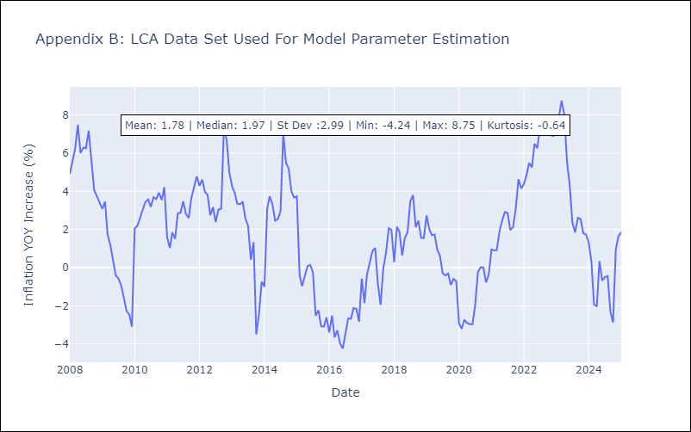

Appendix C: Residuals Analysis
Mean

SUR
SUR - Inflation - Next 12 months forecast as of: 2024-08-01

Model | Random Forest - [(3, 2, 0), (1, 0, 0, 12)]
Training Data | 2012-04-01 to 2023-09-01
Test Data | 2023-09-01 to 2024-08-01

Date | Inflation Change YoY % | Lower Bound - 95% Confidence Interval | Upper Bound - 95% Confidence Interval
2024-09-01 | 49.44 | -4.94 | 23.26
2024-10-01 | 52.63 | 7.47 | 35.89
2024-11-01 | 54.01 | 13.25 | 58.99
2024-12-01 | 55.38 | 44.73 | 62.21
2025-01-01 | 57.53 | 45.98 | 61.22
2025-02-01 | 58 | 46.01 | 59.43
2025-03-01 | 58.36 | 44.47 | 60.09
2025-04-01 | 59.18 | 44.06 | 61.33
2025-05-01 | 58.56 | 42.17 | 61.49
2025-06-01 | 56.22 | 43.58 | 59.46
2025-07-01 | 52.98 | 44.97 | 61.18
2025-08-01 | 50.77 | 46.26 | 60.86

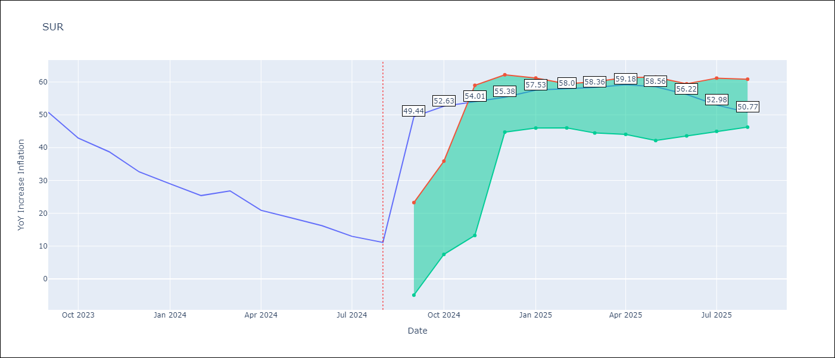

Test Metrics
RMSE | 19.05
Naive RMSE | 4.32
MAPE | 104.59%

Test Predictions
Date | Predicted | Actual
2023-09-01 | 51.77 | 50.79
2023-10-01 | 52.69 | 42.92
2023-11-01 | 50.97 | 38.74
2023-12-01 | 48.39 | 32.63
2024-01-01 | 45.76 | 28.98
2024-02-01 | 43.91 | 25.4
2024-03-01 | 42.96 | 26.83
2024-04-01 | 43.04 | 20.9
2024-05-01 | 42.04 | 18.62
2024-06-01 | 41.47 | 16.21
2024-07-01 | 38.56 | 12.99
2024-08-01 | 36.52 | 11.13

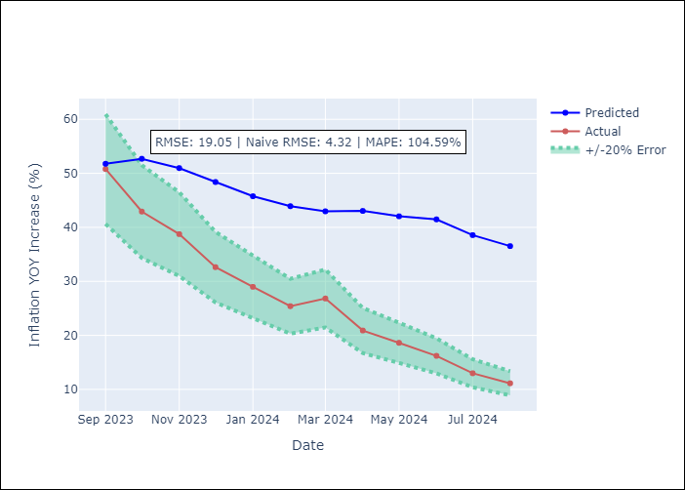

Appendix A: Model Summary
Model | Random Forest
Sample | 2012-04-01 to 2024-08-01
No. of Observations | 145
Terms | P-value (Statistical significance)

Assumptions | P-value

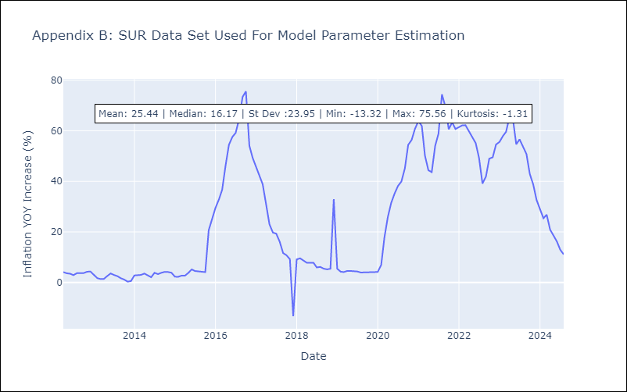

Appendix C: Residuals Analysis
Mean

TTO
TTO - Inflation - Next 12 months forecast as of: 2025-04-01

Model | Random Forest - [(3, 2, 0), (3, 0, 0, 12)]
Training Data | 1994-07-01 to 2024-05-01
Test Data | 2024-05-01 to 2025-04-01

Date | Inflation Change YoY % | Lower Bound - 95% Confidence Interval | Upper Bound - 95% Confidence Interval
2025-05-01 | 4.36 | 0.84 | 5.75
2025-06-01 | 4.09 | 3.94 | 6.22
2025-07-01 | 3.92 | 3.12 | 4.27
2025-08-01 | 3.7 | 3.6 | 6.19
2025-09-01 | 3.56 | 3.05 | 5.18
2025-10-01 | 3.52 | 3.3 | 5.62
2025-11-01 | 3.32 | 3.4 | 5.7
2025-12-01 | 3.29 | 3.25 | 4.5
2026-01-01 | 3.23 | 4.14 | 6.38
2026-02-01 | 3.22 | 3.02 | 4.23
2026-03-01 | 3.3 | 3.53 | 6.03
2026-04-01 | 3.41 | 3.15 | 5.07

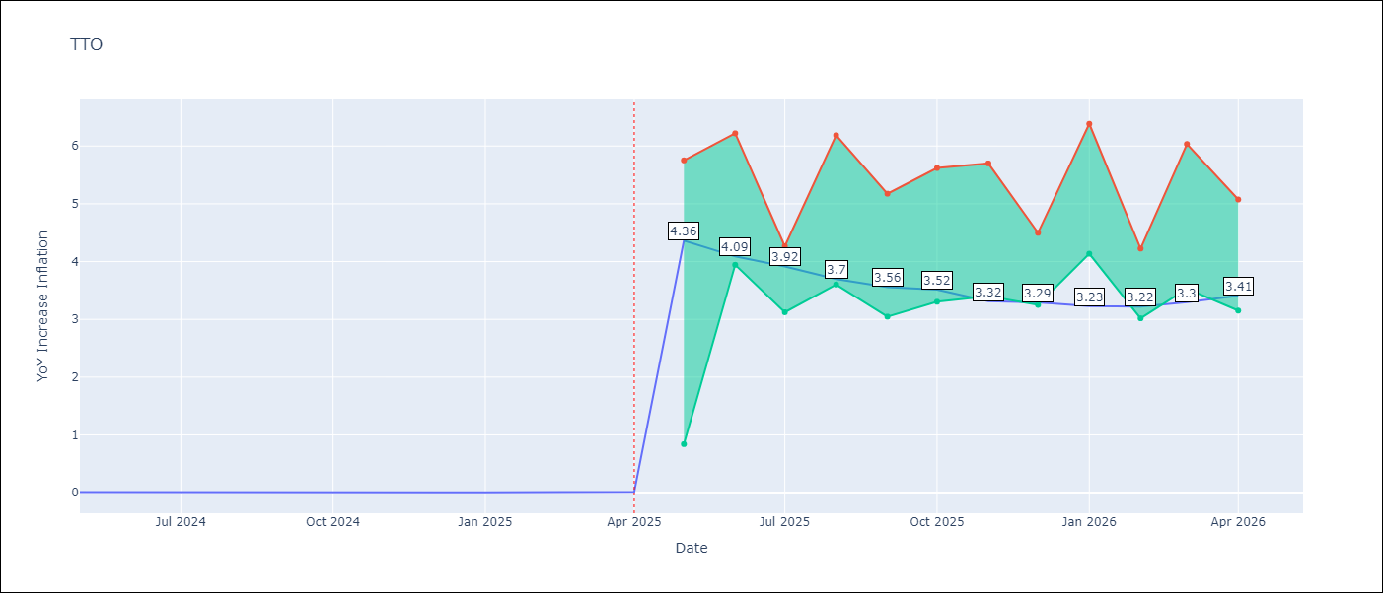

Test Metrics
RMSE | 0.84
Naive RMSE | 0.0
MAPE | 17015.83%

Test Predictions
Date | Predicted | Actual
2024-05-01 | 0.84 | 0.01
2024-06-01 | 0.91 | 0.01
2024-07-01 | 0.84 | 0
2024-08-01 | 0.76 | 0
2024-09-01 | 0.69 | 0
2024-10-01 | 0.84 | 0
2024-11-01 | 0.84 | 0
2024-12-01 | 0.81 | 0
2025-01-01 | 0.84 | 0.01
2025-02-01 | 0.87 | 0.01
2025-03-01 | 0.91 | 0.01
2025-04-01 | 0.95 | 0.02

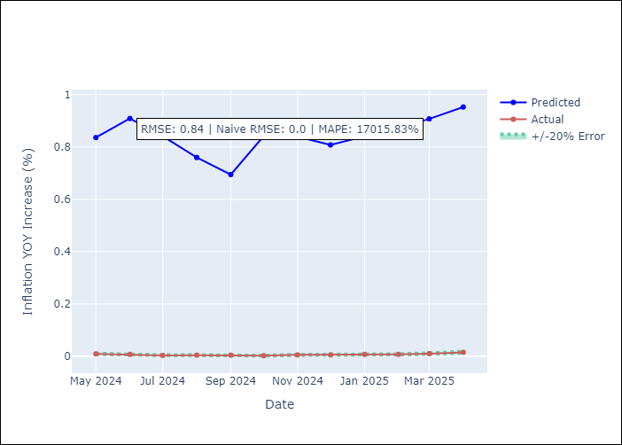

Appendix A: Model Summary
Model | Random Forest
Sample | 1994-07-01 to 2025-04-01
No. of Observations | 370
Terms | P-value (Statistical significance)

Assumptions | P-value

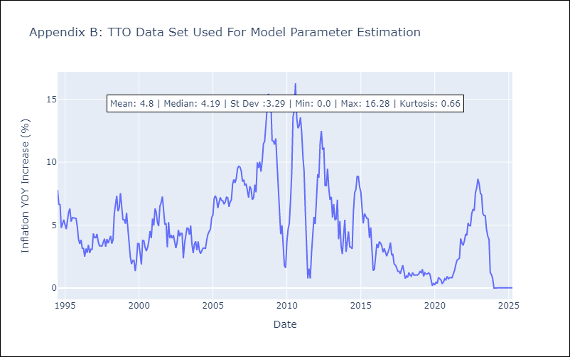

Appendix C: Residuals Analysis
Mean

VCT
VCT - Inflation - Next 12 months forecast as of: 2025-01-01

Model | Random Forest - [(1, 0, 0), (3, 0, 0, 12)]
Training Data | 2004-01-01 to 2024-02-01
Test Data | 2024-02-01 to 2025-01-01

Date | Inflation Change YoY % | Lower Bound - 95% Confidence Interval | Upper Bound - 95% Confidence Interval
2025-02-01 | 2.92 | 2.1 | 5.31
2025-03-01 | 2.97 | 4.04 | 7.21
2025-04-01 | 3.18 | 3.83 | 5.67
2025-05-01 | 3.37 | 2.56 | 5.03
2025-06-01 | 3.39 | 2.57 | 4.58
2025-07-01 | 3.74 | 2.48 | 4.04
2025-08-01 | 3.76 | 2.05 | 4.22
2025-09-01 | 3.85 | 2.38 | 4.41
2025-10-01 | 4.44 | 1.77 | 3.8
2025-11-01 | 4.56 | 1.8 | 5.16
2025-12-01 | 4.61 | 1.88 | 4.53
2026-01-01 | 5.04 | 2.27 | 6.27

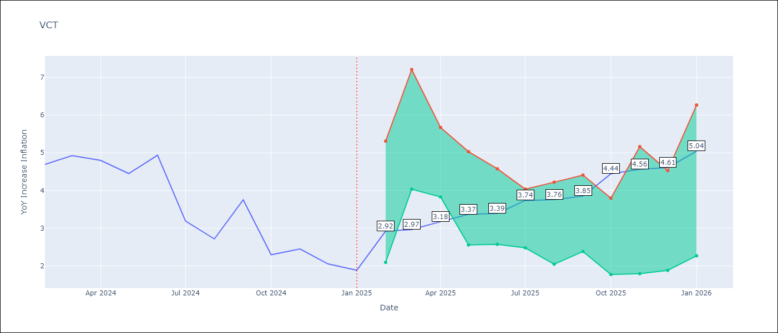

Test Metrics
RMSE | 1.75
Naive RMSE | 0.8
MAPE | 55.11%

Test Predictions
Date | Predicted | Actual
2024-02-01 | 4.4 | 4.69
2024-03-01 | 4.6 | 4.93
2024-04-01 | 4.67 | 4.8
2024-05-01 | 4.81 | 4.45
2024-06-01 | 4.96 | 4.94
2024-07-01 | 5.01 | 3.19
2024-08-01 | 4.76 | 2.72
2024-09-01 | 4.96 | 3.75
2024-10-01 | 4.84 | 2.3
2024-11-01 | 4.78 | 2.45
2024-12-01 | 4.84 | 2.06
2025-01-01 | 4.66 | 1.89

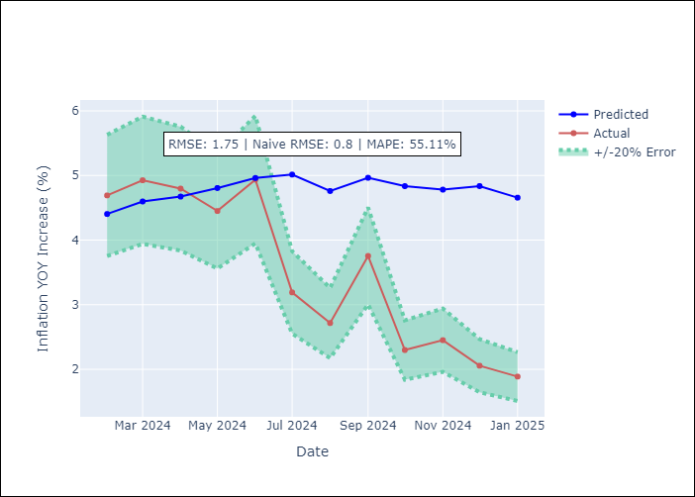

Appendix A: Model Summary
Model | Random Forest
Sample | 2004-01-01 to 2025-01-01
No. of Observations | 253
Terms | P-value (Statistical significance)

Assumptions | P-value

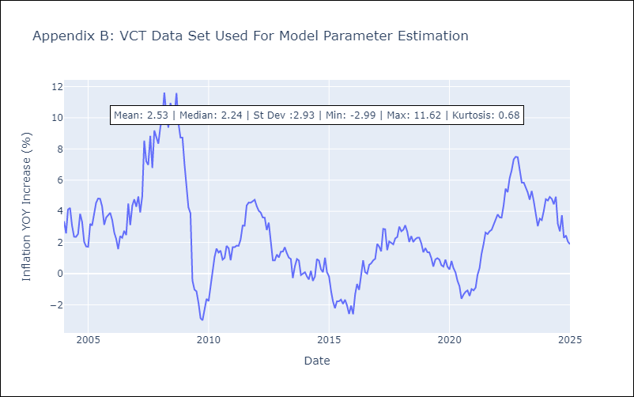

Appendix C: Residuals Analysis
Mean

