ATG
ATG - Inflation - Next 12 months forecast as of: 2025-01-01

Model | Random Forest - [(0, 1, 1), (0, 0, 1, 12)]
Training Data | 2004-01-01 to 2024-02-01
Test Data | 2024-02-01 to 2025-01-01

Date | Inflation Change YoY % | Lower Bound - 95% Confidence Interval | Upper Bound - 95% Confidence Interval
2025-02-01 | 0.96 | -0.55 | 3.79
2025-03-01 | 0.96 | 2.19 | 6.57
2025-04-01 | 0.97 | 1.61 | 3.54
2025-05-01 | 0.93 | 0.4 | 1.72
2025-06-01 | 0.77 | 0.72 | 1.51
2025-07-01 | 0.66 | 0.4 | 1.39
2025-08-01 | 0.7 | 0.33 | 1.44
2025-09-01 | 0.73 | 0.16 | 1.33
2025-10-01 | 0.69 | 0.5 | 2.57
2025-11-01 | 0.65 | 0.78 | 1.53
2025-12-01 | 0.7 | 0.41 | 1.39
2026-01-01 | 0.65 | 0.13 | 1.52

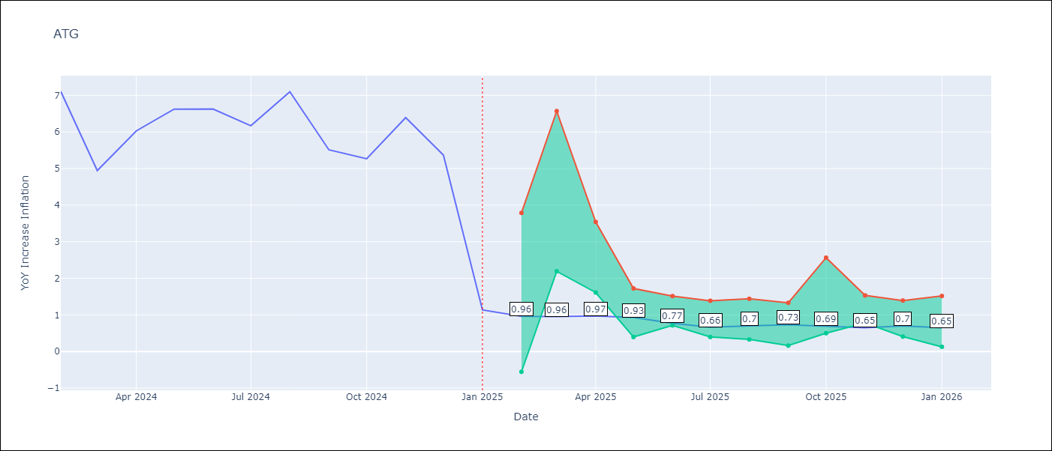

Test Metrics
RMSE | 1.64
Naive RMSE | 1.65
MAPE | 47.64%

Test Predictions
Date | Predicted | Actual
2024-02-01 | 6.37 | 7.11
2024-03-01 | 6.03 | 4.94
2024-04-01 | 5.69 | 6.03
2024-05-01 | 5.56 | 6.62
2024-06-01 | 5.22 | 6.63
2024-07-01 | 4.73 | 6.17
2024-08-01 | 4.55 | 7.1
2024-09-01 | 4.46 | 5.51
2024-10-01 | 4.29 | 5.27
2024-11-01 | 4.01 | 6.39
2024-12-01 | 3.75 | 5.37
2025-01-01 | 4.03 | 1.14

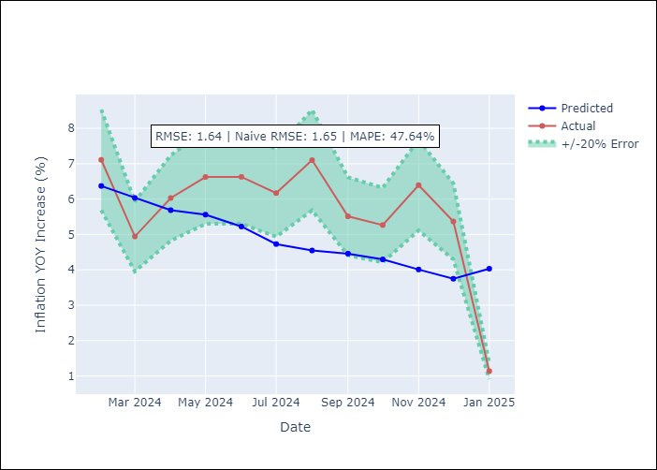

Appendix A: Model Summary
Model | Random Forest
Sample | 2004-01-01 to 2025-01-01
No. of Observations | 253
Terms | P-value (Statistical significance)

Assumptions | P-value

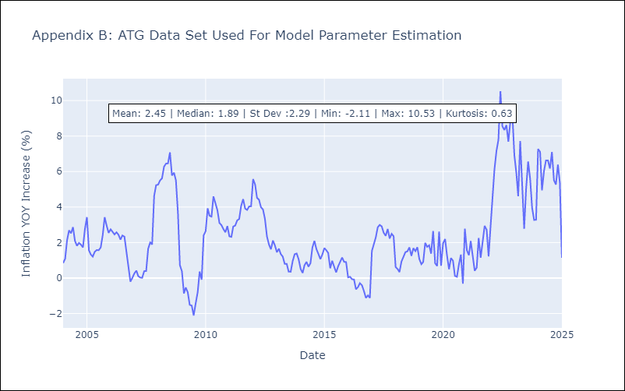

Appendix C: Residuals Analysis
Mean

BHS
BHS - Inflation - Next 12 months forecast as of: 2025-02-01

Model | Random Forest - [(1, 0, 0), (3, 0, 1, 12)]
Training Data | 2000-01-01 to 2024-03-01
Test Data | 2024-03-01 to 2025-02-01

Date | Inflation Change YoY % | Lower Bound - 95% Confidence Interval | Upper Bound - 95% Confidence Interval
2025-03-01 | 2.77 | 0.85 | 3.27
2025-04-01 | 3.02 | 1.78 | 3.29
2025-05-01 | 3.28 | 1.86 | 4.03
2025-06-01 | 3.55 | 1.43 | 4.72
2025-07-01 | 3.93 | -0.17 | 1.57
2025-08-01 | 4.17 | 0.72 | 2.62
2025-09-01 | 4.39 | 1.28 | 2.82
2025-10-01 | 4.53 | 1.44 | 3.56
2025-11-01 | 4.55 | 1.45 | 3.45
2025-12-01 | 4.55 | 1.16 | 2.95
2026-01-01 | 4.4 | 1.92 | 3.59
2026-02-01 | 4.3 | 2.36 | 5.12

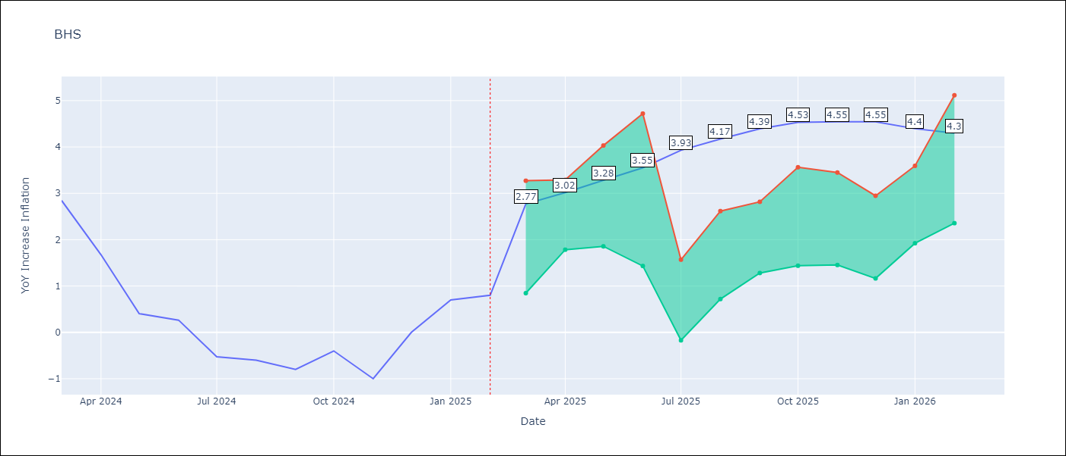

Test Metrics
RMSE | 0.87
Naive RMSE | 0.72
MAPE | inf%

Test Predictions
Date | Predicted | Actual
2024-03-01 | 1.18 | 2.85
2024-04-01 | 1.41 | 1.68
2024-05-01 | 1.01 | 0.4
2024-06-01 | 0.88 | 0.26
2024-07-01 | 0.6 | -0.52
2024-08-01 | 0.27 | -0.6
2024-09-01 | 0.28 | -0.8
2024-10-01 | 0.18 | -0.4
2024-11-01 | 0.41 | -1
2024-12-01 | 0.23 | 0
2025-01-01 | 0.65 | 0.7
2025-02-01 | 0.8 | 0.8

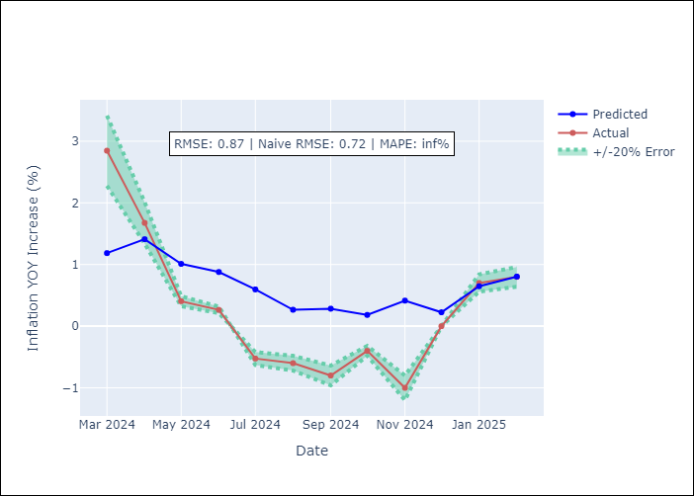

Appendix A: Model Summary
Model | Random Forest
Sample | 2000-01-01 to 2025-02-01
No. of Observations | 302
Terms | P-value (Statistical significance)

Assumptions | P-value

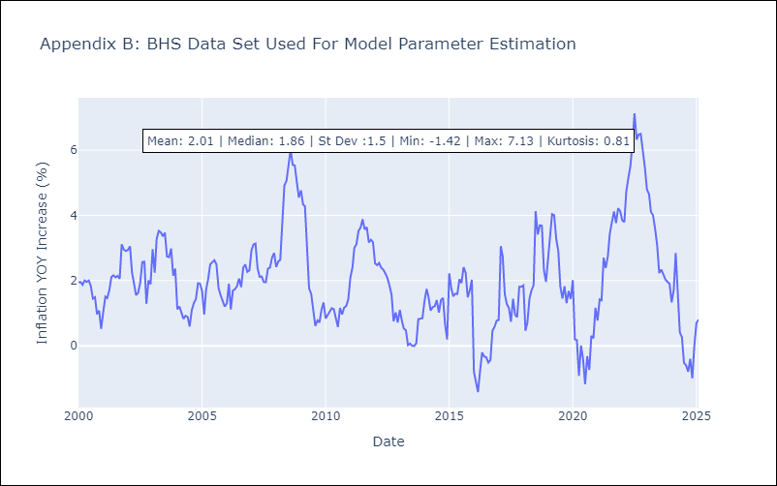

Appendix C: Residuals Analysis
Mean

BLZ
BLZ - Inflation - Next 12 months forecast as of: 2025-03-01

Model | Random Forest - [(2, 0, 0), (1, 0, 0, 12)]
Training Data | 2015-01-01 to 2024-04-01
Test Data | 2024-04-01 to 2025-03-01

Date | Inflation Change YoY % | Lower Bound - 95% Confidence Interval | Upper Bound - 95% Confidence Interval
2025-04-01 | 1.64 | 0.4 | 4.54
2025-05-01 | 1.63 | 0.53 | 5.16
2025-06-01 | 1.62 | 0.21 | 5.45
2025-07-01 | 1.65 | 0.38 | 4.46
2025-08-01 | 1.57 | 0.46 | 4.68
2025-09-01 | 1.54 | 0.28 | 4.67
2025-10-01 | 1.56 | 0.44 | 5.39
2025-11-01 | 1.64 | 0.44 | 3.43
2025-12-01 | 1.67 | 0.23 | 4.47
2026-01-01 | 1.5 | 0.56 | 5.11
2026-02-01 | 1.38 | 0.41 | 4.79
2026-03-01 | 1.37 | 0.3 | 4.39

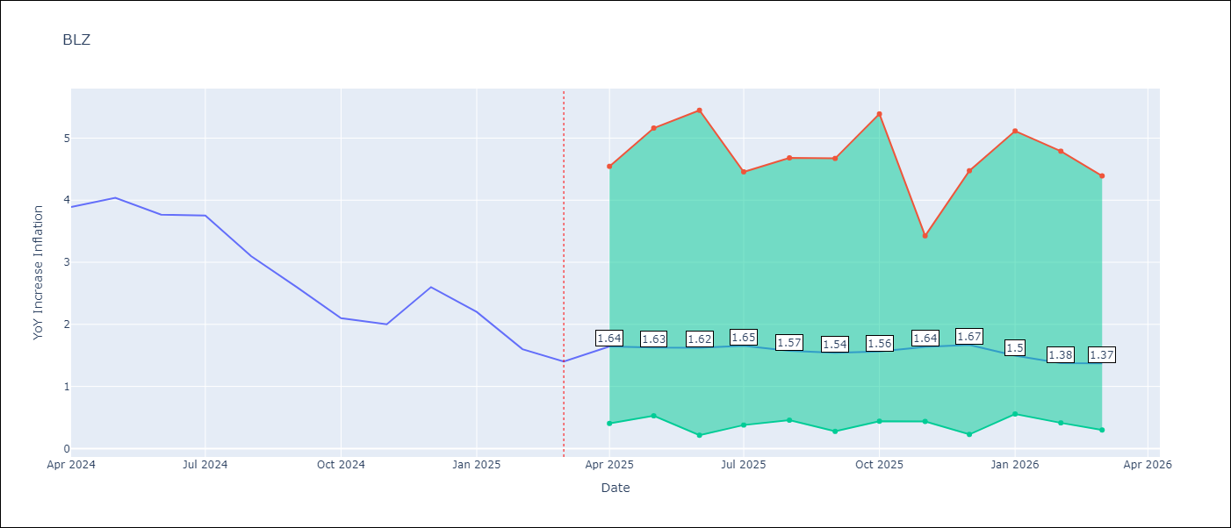

Test Metrics
RMSE | 2.46
Naive RMSE | 0.42
MAPE | 110.2%

Test Predictions
Date | Predicted | Actual
2024-04-01 | 5.34 | 3.89
2024-05-01 | 5.55 | 4.04
2024-06-01 | 5.64 | 3.77
2024-07-01 | 5.63 | 3.75
2024-08-01 | 5.61 | 3.1
2024-09-01 | 5.44 | 2.6
2024-10-01 | 5.21 | 2.1
2024-11-01 | 5.01 | 2
2024-12-01 | 4.88 | 2.6
2025-01-01 | 4.79 | 2.2
2025-02-01 | 4.54 | 1.6
2025-03-01 | 4.15 | 1.4

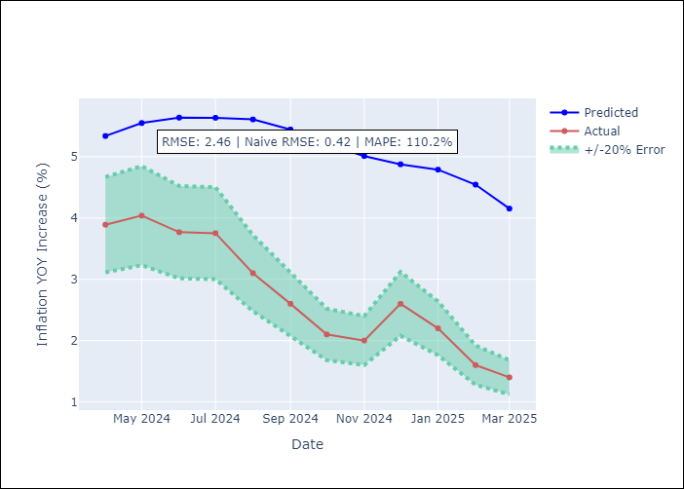

Appendix A: Model Summary
Model | Random Forest
Sample | 2015-01-01 to 2025-03-01
No. of Observations | 123
Terms | P-value (Statistical significance)

Assumptions | P-value

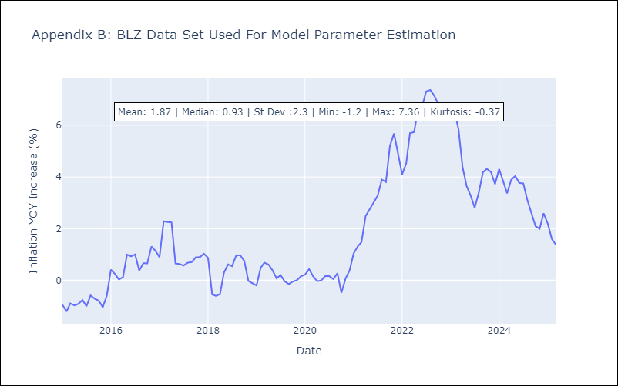

Appendix C: Residuals Analysis
Mean

BRB
BRB - Inflation - Next 12 months forecast as of: 2025-03-01

Model | Random Forest - [(3, 0, 0), (0, 0, 1, 12)]
Training Data | 2003-01-01 to 2024-04-01
Test Data | 2024-04-01 to 2025-03-01

Date | Inflation Change YoY % | Lower Bound - 95% Confidence Interval | Upper Bound - 95% Confidence Interval
2025-04-01 | 5.15 | 0.43 | 4.34
2025-05-01 | 5.63 | 4.32 | 8.99
2025-06-01 | 6.62 | 4.38 | 8.48
2025-07-01 | 7.8 | 2.93 | 6.14
2025-08-01 | 8.62 | 5.19 | 8.92
2025-09-01 | 9.22 | 3.28 | 6.54
2025-10-01 | 9.6 | 4.61 | 9.92
2025-11-01 | 9.79 | 2.47 | 9.67
2025-12-01 | 9.41 | 2.53 | 7.15
2026-01-01 | 8.89 | 4.74 | 7.49
2026-02-01 | 8.24 | 2.35 | 6.8
2026-03-01 | 7.61 | 4.99 | 9.73

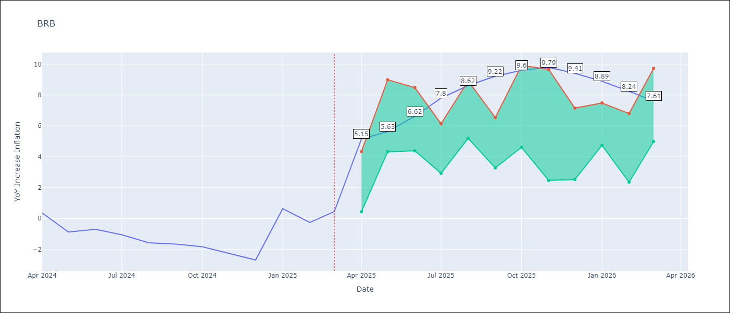

Test Metrics
RMSE | 4.1
Naive RMSE | 1.16
MAPE | 441.66%

Test Predictions
Date | Predicted | Actual
2024-04-01 | 1.41 | 0.36
2024-05-01 | 1.42 | -0.88
2024-06-01 | 1.44 | -0.7
2024-07-01 | 1.81 | -1.06
2024-08-01 | 2.24 | -1.58
2024-09-01 | 2.54 | -1.66
2024-10-01 | 2.94 | -1.83
2024-11-01 | 3.39 | -2.26
2024-12-01 | 3.89 | -2.69
2025-01-01 | 4.11 | 0.63
2025-02-01 | 4.77 | -0.27
2025-03-01 | 4.29 | 0.45

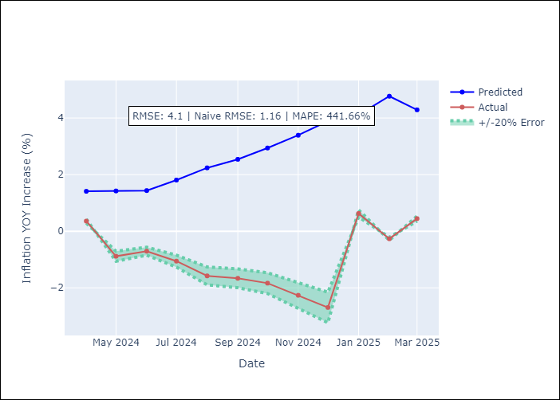

Appendix A: Model Summary
Model | Random Forest
Sample | 2003-01-01 to 2025-03-01
No. of Observations | 263
Terms | P-value (Statistical significance)

Assumptions | P-value

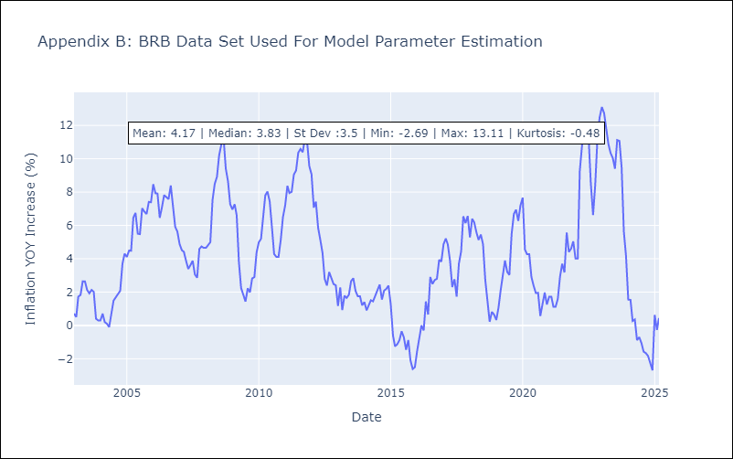

Appendix C: Residuals Analysis
Mean

DMA
DMA - Inflation - Next 12 months forecast as of: 2025-01-01

Model | Random Forest - [(0, 1, 0), (3, 0, 0, 12)]
Training Data | 2004-01-01 to 2024-02-01
Test Data | 2024-02-01 to 2025-01-01

Date | Inflation Change YoY % | Lower Bound - 95% Confidence Interval | Upper Bound - 95% Confidence Interval
2025-02-01 | 0.72 | 0.09 | 1.73
2025-03-01 | 0.46 | -0.24 | 0.97
2025-04-01 | 0.5 | -0.06 | 0.88
2025-05-01 | 0.38 | -0.07 | 0.87
2025-06-01 | 0.46 | -0.06 | 0.92
2025-07-01 | 0.19 | -0.29 | 1.07
2025-08-01 | 0.3 | 0 | 1.02
2025-09-01 | 0.39 | -0.63 | 0.92
2025-10-01 | 0.1 | -0.04 | 1
2025-11-01 | 0.15 | -0.17 | 0.87
2025-12-01 | 0.37 | 0.05 | 1.09
2026-01-01 | 0.03 | -0.06 | 0.95

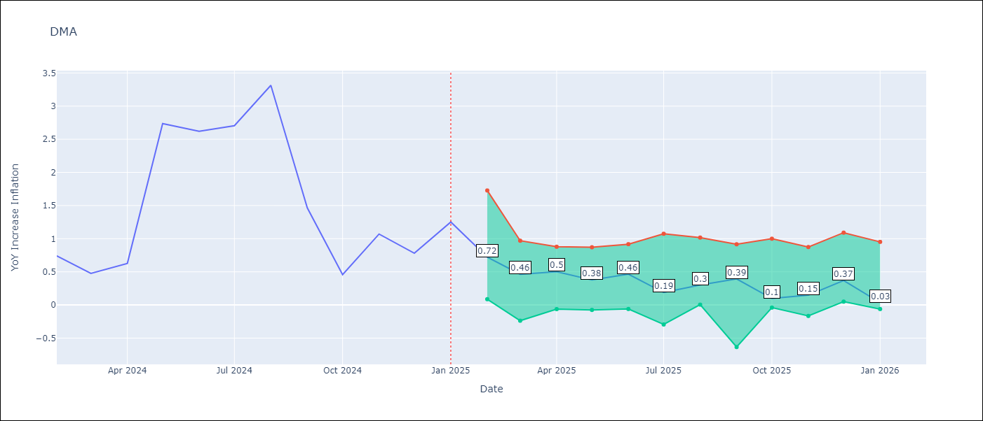

Test Metrics
RMSE | 1.6
Naive RMSE | 0.96
MAPE | 113.9%

Test Predictions
Date | Predicted | Actual
2024-02-01 | 1.26 | 0.74
2024-03-01 | 1.22 | 0.48
2024-04-01 | 1.06 | 0.63
2024-05-01 | 0.86 | 2.74
2024-06-01 | 1.13 | 2.62
2024-07-01 | 1.61 | 2.7
2024-08-01 | 1.58 | 3.31
2024-09-01 | 1.68 | 1.46
2024-10-01 | 0.59 | 0.46
2024-11-01 | -0.17 | 1.07
2024-12-01 | -2.03 | 0.78
2025-01-01 | -1.96 | 1.25

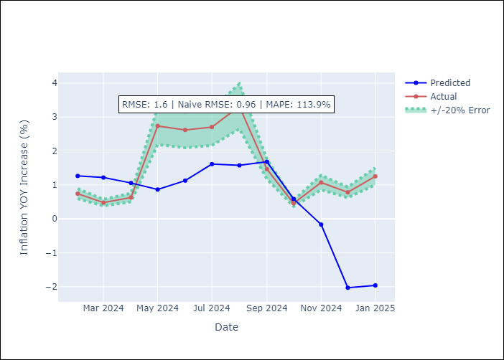

Appendix A: Model Summary
Model | Random Forest
Sample | 2004-01-01 to 2025-01-01
No. of Observations | 253
Terms | P-value (Statistical significance)

Assumptions | P-value

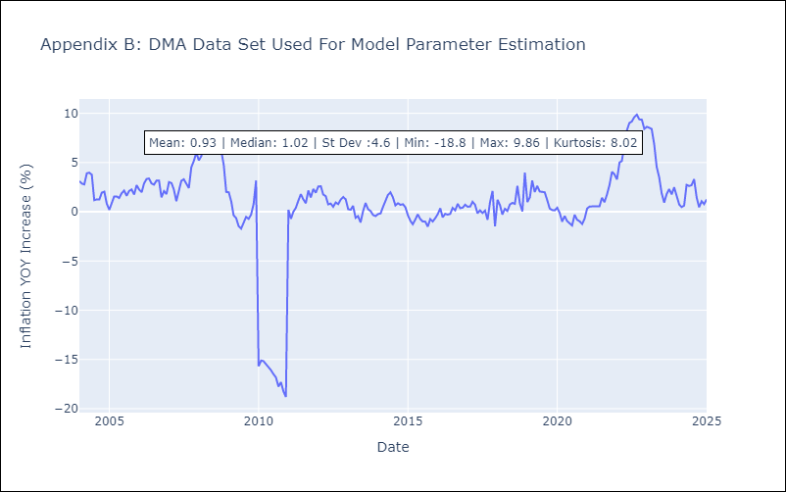

Appendix C: Residuals Analysis
Mean

GRD
GRD - Inflation - Next 12 months forecast as of: 2025-01-01

Model | Random Forest - [(1, 1, 1), (3, 0, 0, 12)]
Training Data | 2004-01-01 to 2024-02-01
Test Data | 2024-02-01 to 2025-01-01

Date | Inflation Change YoY % | Lower Bound - 95% Confidence Interval | Upper Bound - 95% Confidence Interval
2025-02-01 | 1.53 | 0.19 | 1.07
2025-03-01 | 1.74 | 0.6 | 1.18
2025-04-01 | 1.79 | -0.09 | 1.05
2025-05-01 | 1.99 | -0.98 | 0.14
2025-06-01 | 2.01 | -0.09 | 1.93
2025-07-01 | 2.15 | 1.75 | 3.32
2025-08-01 | 1.98 | 2.56 | 4.56
2025-09-01 | 2.01 | 0.68 | 3.24
2025-10-01 | 2 | -0.56 | 0.91
2025-11-01 | 1.83 | -0.15 | 0.87
2025-12-01 | 1.82 | -0.85 | 1.1
2026-01-01 | 1.83 | 1.07 | 2.25

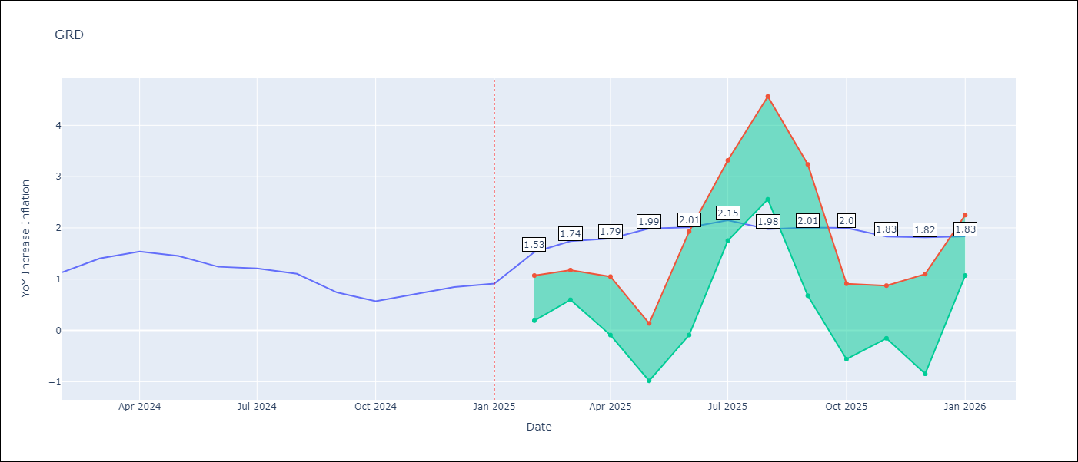

Test Metrics
RMSE | 0.63
Naive RMSE | 0.18
MAPE | 62.54%

Test Predictions
Date | Predicted | Actual
2024-02-01 | 0.87 | 1.14
2024-03-01 | 0.8 | 1.41
2024-04-01 | 0.87 | 1.54
2024-05-01 | 1.06 | 1.45
2024-06-01 | 1.21 | 1.24
2024-07-01 | 1.15 | 1.21
2024-08-01 | 0.42 | 1.11
2024-09-01 | 0.07 | 0.74
2024-10-01 | -0.01 | 0.57
2024-11-01 | -0.11 | 0.71
2024-12-01 | -0.09 | 0.85
2025-01-01 | -0.05 | 0.92

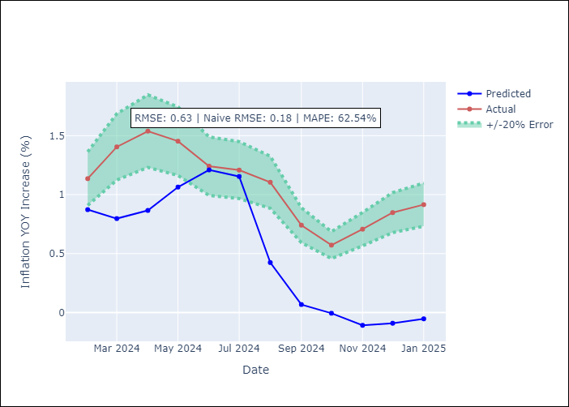

Appendix A: Model Summary
Model | Random Forest
Sample | 2004-01-01 to 2025-01-01
No. of Observations | 253
Terms | P-value (Statistical significance)

Assumptions | P-value

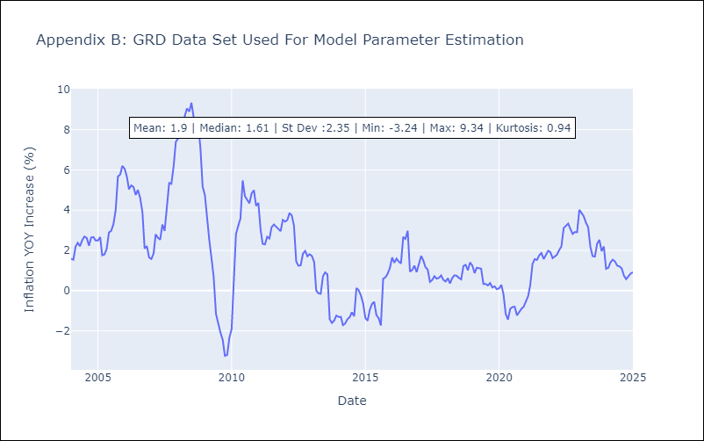

Appendix C: Residuals Analysis
Mean

GUY
GUY - Inflation - Next 12 months forecast as of: 2025-03-01

Model | Random Forest - [(3, 0, 1), (1, 0, 0, 12)]
Training Data | 2008-01-01 to 2024-04-01
Test Data | 2024-04-01 to 2025-03-01

Date | Inflation Change YoY % | Lower Bound - 95% Confidence Interval | Upper Bound - 95% Confidence Interval
2025-04-01 | 1.48 | 1.33 | 4.52
2025-05-01 | 1.47 | 0.8 | 2.41
2025-06-01 | 1.51 | 1.06 | 2.4
2025-07-01 | 1.55 | 1.03 | 2.27
2025-08-01 | 1.62 | 0.78 | 2.29
2025-09-01 | 1.73 | 1.28 | 2.32
2025-10-01 | 1.88 | 0.82 | 1.97
2025-11-01 | 2.04 | 1.43 | 2.24
2025-12-01 | 2.17 | 0.91 | 1.81
2026-01-01 | 2.15 | 1.34 | 2.3
2026-02-01 | 2.13 | 0.86 | 1.79
2026-03-01 | 1.96 | 1.24 | 2.24

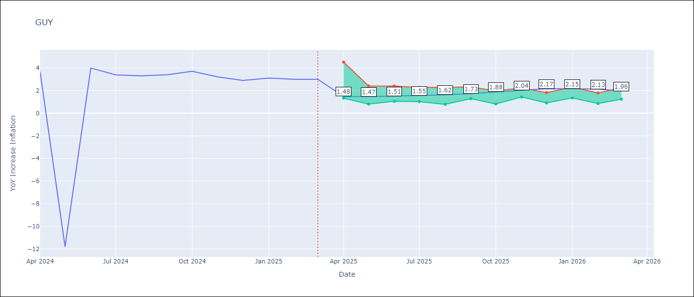

Test Metrics
RMSE | 4.18
Naive RMSE | 6.67
MAPE | 35.91%

Test Predictions
Date | Predicted | Actual
2024-04-01 | 2.45 | 3.67
2024-05-01 | 2.31 | -11.79
2024-06-01 | 2.25 | 3.99
2024-07-01 | 2.39 | 3.39
2024-08-01 | 2.5 | 3.3
2024-09-01 | 2.48 | 3.4
2024-10-01 | 2.65 | 3.7
2024-11-01 | 2.5 | 3.2
2024-12-01 | 2.42 | 2.9
2025-01-01 | 2.34 | 3.1
2025-02-01 | 2.19 | 3
2025-03-01 | 1.93 | 3

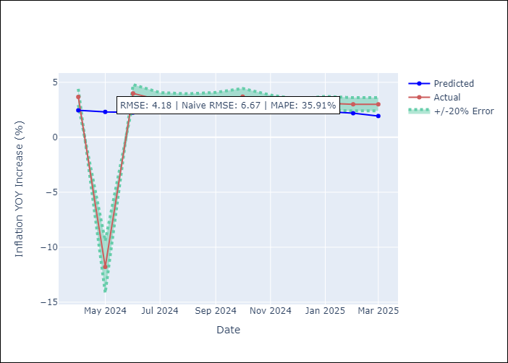

Appendix A: Model Summary
Model | Random Forest
Sample | 2008-01-01 to 2025-03-01
No. of Observations | 207
Terms | P-value (Statistical significance)

Assumptions | P-value

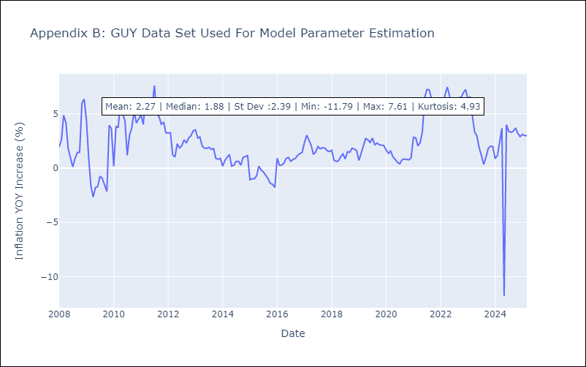

Appendix C: Residuals Analysis
Mean

JAM
JAM - Inflation - Next 12 months forecast as of: 2025-04-01

Model | Random Forest - [(2, 1, 0), (0, 0, 2, 12)]
Training Data | 1994-07-01 to 2024-05-01
Test Data | 2024-05-01 to 2025-04-01

Date | Inflation Change YoY % | Lower Bound - 95% Confidence Interval | Upper Bound - 95% Confidence Interval
2025-05-01 | 6.51 | 3.7 | 8.75
2025-06-01 | 6.25 | 6.98 | 9.71
2025-07-01 | 6.17 | 5.83 | 8.66
2025-08-01 | 6.15 | 6.59 | 12.6
2025-09-01 | 6.1 | 7.57 | 13.14
2025-10-01 | 6.01 | 5.88 | 8.05
2025-11-01 | 5.87 | 6.68 | 11.04
2025-12-01 | 5.91 | 6.93 | 11.03
2026-01-01 | 5.88 | 5.97 | 7.31
2026-02-01 | 6.09 | 6.89 | 11.93
2026-03-01 | 6.32 | 6.59 | 10.21
2026-04-01 | 6.73 | 5.73 | 7.77

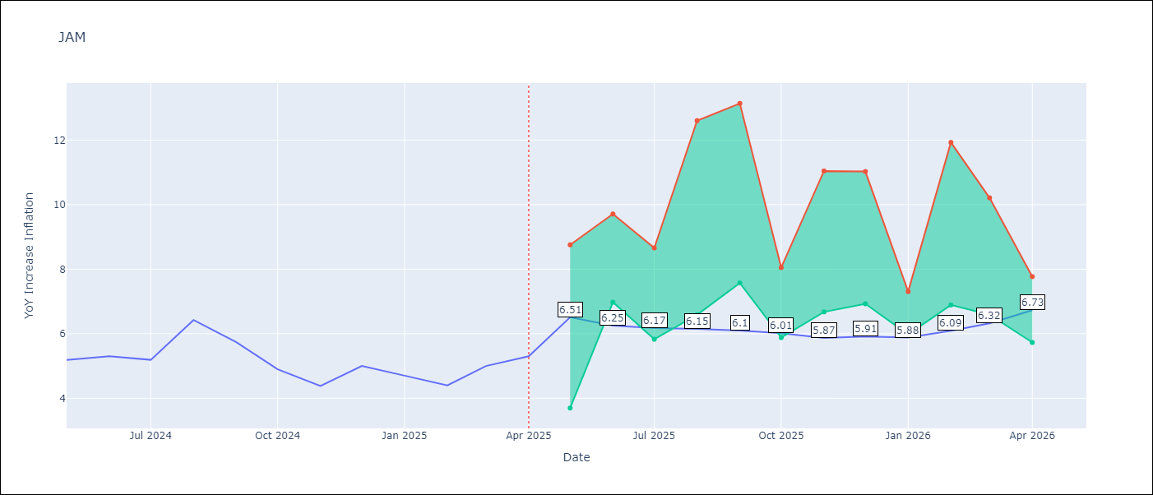

Test Metrics
RMSE | 2.44
Naive RMSE | 0.6
MAPE | 41.0%

Test Predictions
Date | Predicted | Actual
2024-05-01 | 5.78 | 5.19
2024-06-01 | 5.97 | 5.3
2024-07-01 | 6.16 | 5.19
2024-08-01 | 6.17 | 6.42
2024-09-01 | 6.42 | 5.74
2024-10-01 | 6.93 | 4.9
2024-11-01 | 7.03 | 4.38
2024-12-01 | 7.43 | 5
2025-01-01 | 7.6 | 4.7
2025-02-01 | 8.28 | 4.4
2025-03-01 | 8.74 | 5
2025-04-01 | 9.14 | 5.3

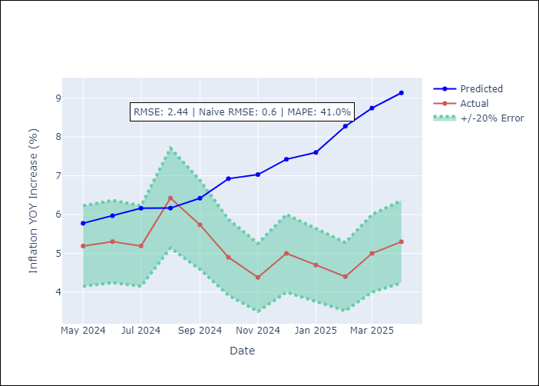

Appendix A: Model Summary
Model | Random Forest
Sample | 1994-07-01 to 2025-04-01
No. of Observations | 370
Terms | P-value (Statistical significance)

Assumptions | P-value

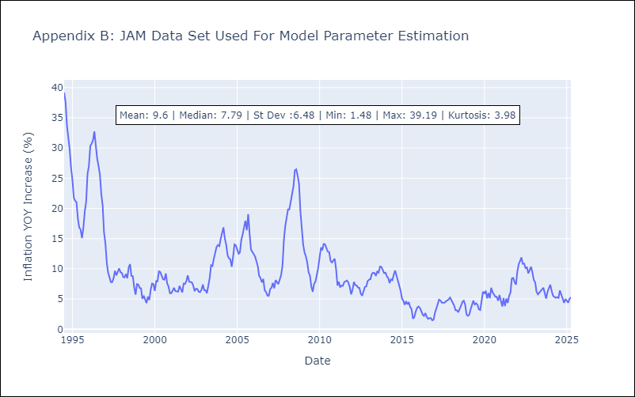

Appendix C: Residuals Analysis
Mean

KNA
KNA - Inflation - Next 12 months forecast as of: 2025-02-01

Model | Random Forest - [(0, 1, 0), (3, 0, 0, 12)]
Training Data | 2006-01-01 to 2024-03-01
Test Data | 2024-03-01 to 2025-02-01

Date | Inflation Change YoY % | Lower Bound - 95% Confidence Interval | Upper Bound - 95% Confidence Interval
2025-03-01 | 0.58 | -0.01 | 1.93
2025-04-01 | 0.79 | -0.52 | 1.22
2025-05-01 | 0.8 | -2.38 | 0.06
2025-06-01 | 0.72 | -1.58 | 0.96
2025-07-01 | 0.64 | -0.15 | 1.45
2025-08-01 | 0.51 | -2.03 | 3.09
2025-09-01 | 0.58 | -2.05 | 0.31
2025-10-01 | 0.25 | -1.06 | 2.26
2025-11-01 | -0.11 | -2.03 | 2.95
2025-12-01 | -0.09 | -1.5 | 0.63
2026-01-01 | -0.36 | -0.37 | 2.61
2026-02-01 | -0.58 | -0.81 | 0.97

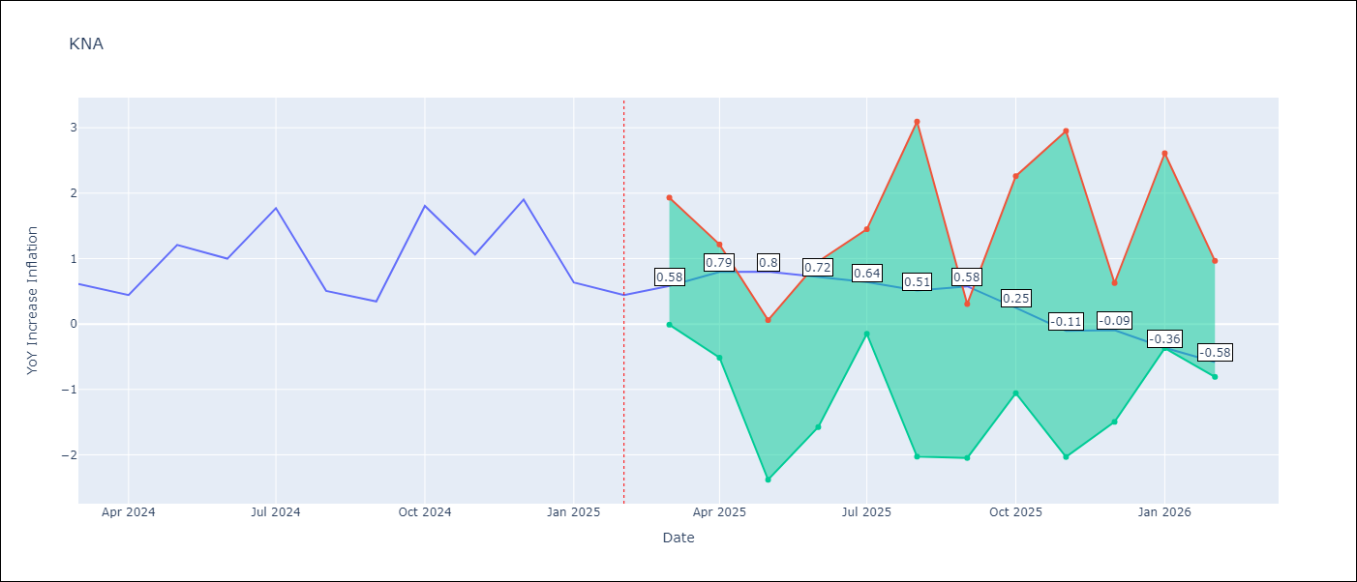

Test Metrics
RMSE | 0.68
Naive RMSE | 0.85
MAPE | 88.3%

Test Predictions
Date | Predicted | Actual
2024-03-01 | 1.11 | 0.61
2024-04-01 | 1.05 | 0.44
2024-05-01 | 0.96 | 1.21
2024-06-01 | 1 | 1
2024-07-01 | 0.96 | 1.77
2024-08-01 | 1.41 | 0.51
2024-09-01 | 1.12 | 0.35
2024-10-01 | 1.02 | 1.8
2024-11-01 | 1.39 | 1.06
2024-12-01 | 1.32 | 1.9
2025-01-01 | 1.62 | 0.63
2025-02-01 | 1.34 | 0.44

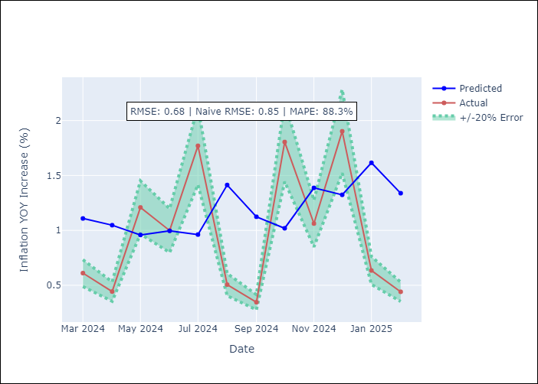

Appendix A: Model Summary
Model | Random Forest
Sample | 2006-01-01 to 2025-02-01
No. of Observations | 230
Terms | P-value (Statistical significance)

Assumptions | P-value

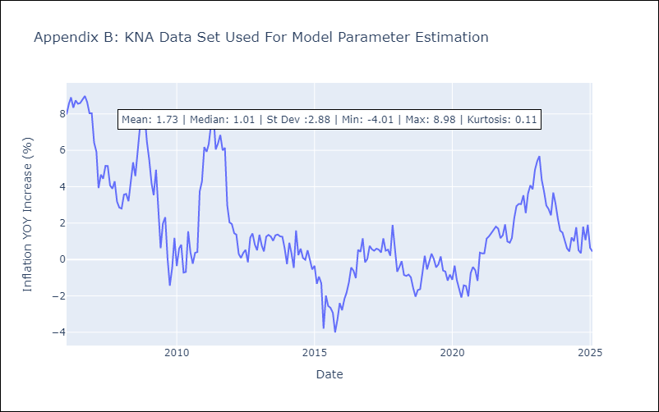

Appendix C: Residuals Analysis
Mean

LCA
LCA - Inflation - Next 12 months forecast as of: 2025-01-01

Model | Random Forest - [(0, 1, 0), (3, 0, 1, 12)]
Training Data | 2008-01-01 to 2024-02-01
Test Data | 2024-02-01 to 2025-01-01

Date | Inflation Change YoY % | Lower Bound - 95% Confidence Interval | Upper Bound - 95% Confidence Interval
2025-02-01 | 2.88 | 1.35 | 3.62
2025-03-01 | 3.23 | 1.09 | 3.39
2025-04-01 | 3.87 | -1.7 | 2.53
2025-05-01 | 3.94 | -0.84 | 3.7
2025-06-01 | 4.06 | -1.15 | 2.48
2025-07-01 | 3.87 | -1.92 | 2.52
2025-08-01 | 3.83 | 1.04 | 3.21
2025-09-01 | 3.61 | 1.55 | 3.87
2025-10-01 | 3.5 | 1.32 | 4.02
2025-11-01 | 3.19 | 0.87 | 3.62
2025-12-01 | 3.03 | 1.79 | 4.23
2026-01-01 | 2.62 | 1.9 | 4.18

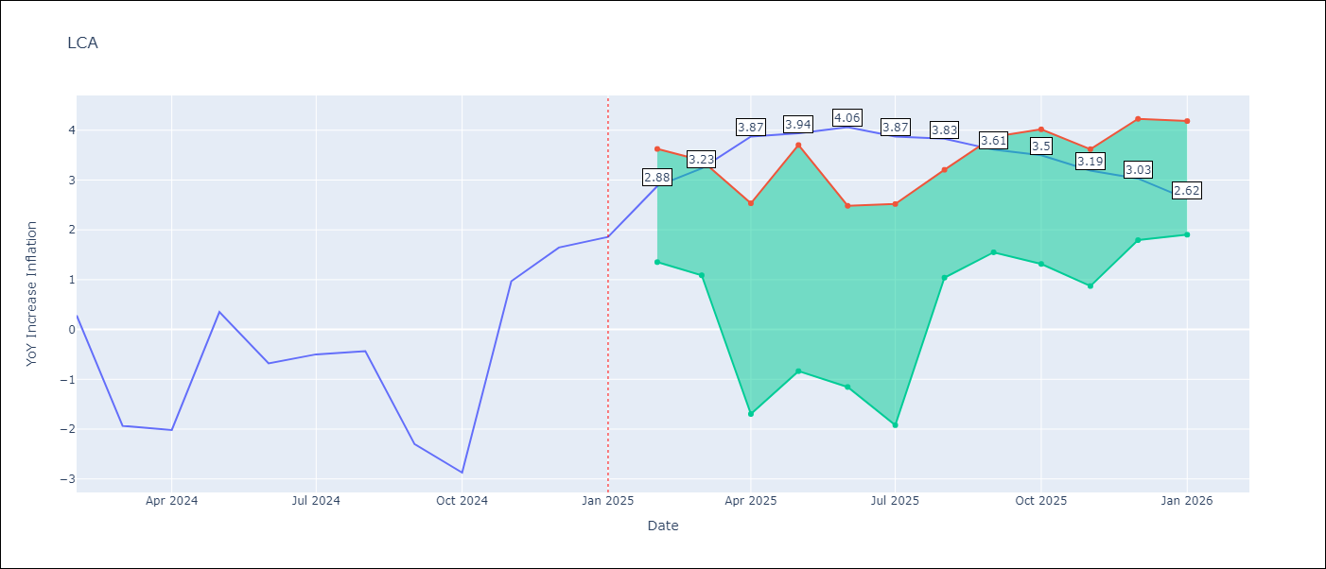

Test Metrics
RMSE | 1.33
Naive RMSE | 1.67
MAPE | 129.39%

Test Predictions
Date | Predicted | Actual
2024-02-01 | -0.02 | 0.28
2024-03-01 | -0.49 | -1.94
2024-04-01 | -0.83 | -2.02
2024-05-01 | -0.97 | 0.35
2024-06-01 | -0.16 | -0.68
2024-07-01 | -0.07 | -0.5
2024-08-01 | -0.21 | -0.43
2024-09-01 | 0.13 | -2.3
2024-10-01 | 0.07 | -2.87
2024-11-01 | 0.07 | 0.97
2024-12-01 | 1.4 | 1.65
2025-01-01 | 1.68 | 1.86

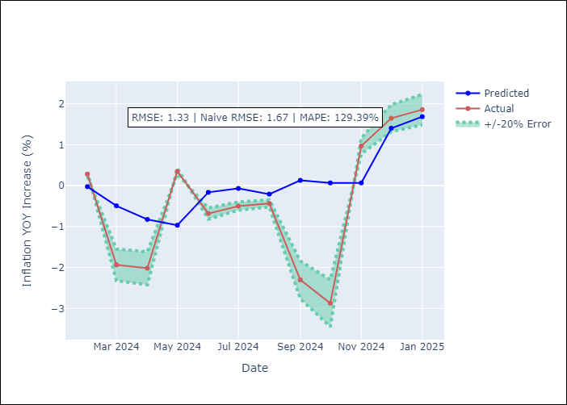

Appendix A: Model Summary
Model | Random Forest
Sample | 2008-01-01 to 2025-01-01
No. of Observations | 205
Terms | P-value (Statistical significance)

Assumptions | P-value

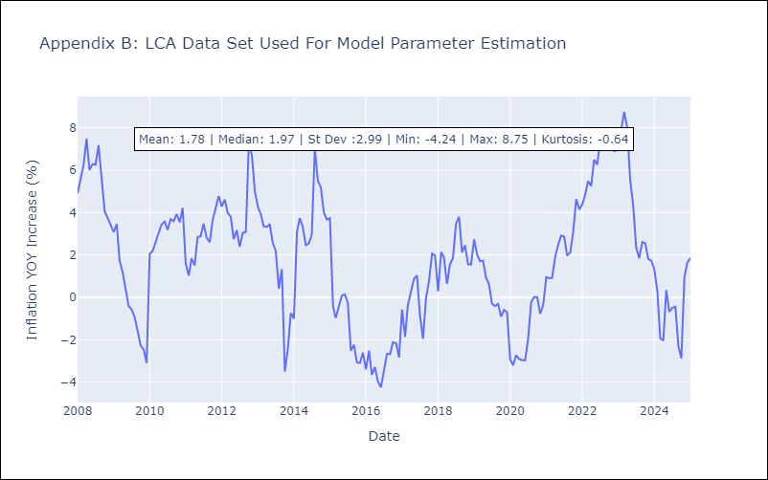

Appendix C: Residuals Analysis
Mean

SUR
SUR - Inflation - Next 12 months forecast as of: 2024-08-01

Model | Random Forest - [(3, 2, 0), (1, 0, 0, 12)]
Training Data | 2012-04-01 to 2023-09-01
Test Data | 2023-09-01 to 2024-08-01

Date | Inflation Change YoY % | Lower Bound - 95% Confidence Interval | Upper Bound - 95% Confidence Interval
2024-09-01 | 48.3 | -7.3 | 25.71
2024-10-01 | 51.33 | 6.71 | 53.43
2024-11-01 | 54.85 | 35.4 | 62.33
2024-12-01 | 55.96 | 34.56 | 61.85
2025-01-01 | 57.19 | 45.3 | 61.08
2025-02-01 | 58.42 | 42.76 | 59.07
2025-03-01 | 59.42 | 44.24 | 59.63
2025-04-01 | 59.62 | 43.64 | 60.76
2025-05-01 | 59.52 | 47.7 | 59.46
2025-06-01 | 57.11 | 41.59 | 58.28
2025-07-01 | 54.48 | 43.11 | 62.39
2025-08-01 | 51.91 | 43.58 | 61.52

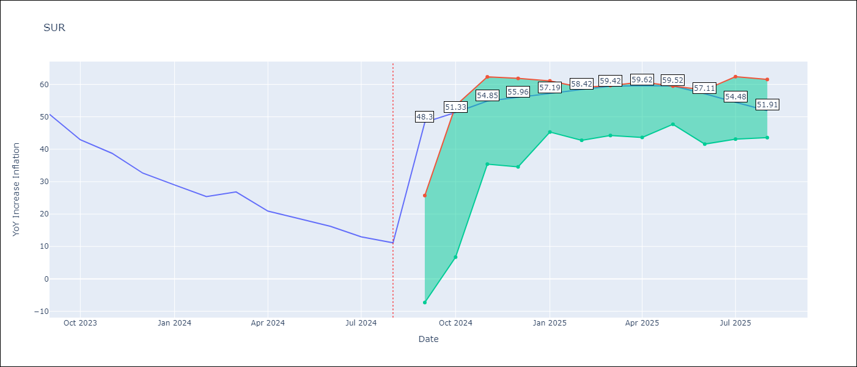

Test Metrics
RMSE | 18.42
Naive RMSE | 4.32
MAPE | 101.48%

Test Predictions
Date | Predicted | Actual
2023-09-01 | 52.39 | 50.79
2023-10-01 | 51.68 | 42.92
2023-11-01 | 49.61 | 38.74
2023-12-01 | 47.04 | 32.63
2024-01-01 | 43.46 | 28.98
2024-02-01 | 41.91 | 25.4
2024-03-01 | 41.7 | 26.83
2024-04-01 | 42.02 | 20.9
2024-05-01 | 41.81 | 18.62
2024-06-01 | 41.56 | 16.21
2024-07-01 | 39.26 | 12.99
2024-08-01 | 36.55 | 11.13

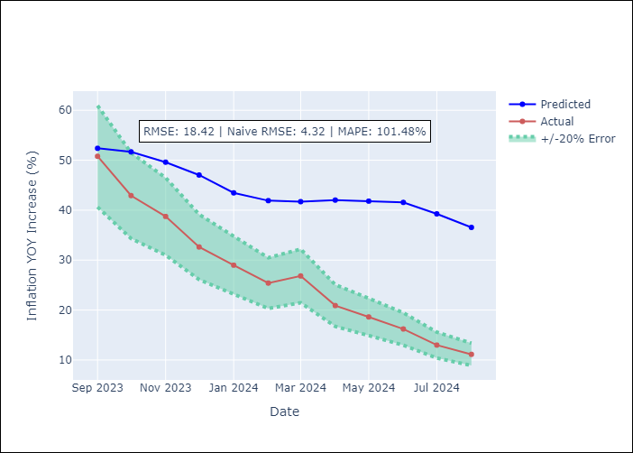

Appendix A: Model Summary
Model | Random Forest
Sample | 2012-04-01 to 2024-08-01
No. of Observations | 145
Terms | P-value (Statistical significance)

Assumptions | P-value

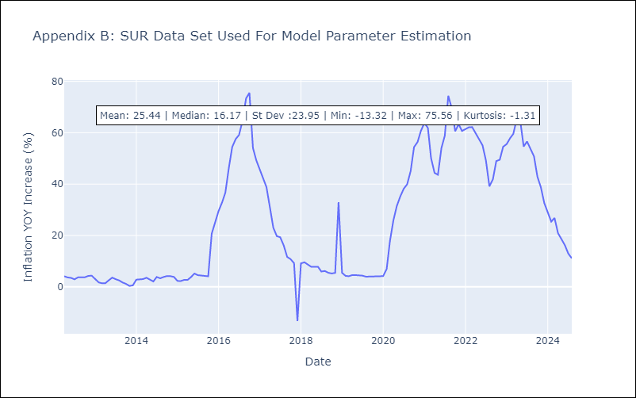

Appendix C: Residuals Analysis
Mean

TTO
TTO - Inflation - Next 12 months forecast as of: 2025-04-01

Model | Random Forest - [(3, 2, 0), (3, 0, 0, 12)]
Training Data | 1994-07-01 to 2024-05-01
Test Data | 2024-05-01 to 2025-04-01

Date | Inflation Change YoY % | Lower Bound - 95% Confidence Interval | Upper Bound - 95% Confidence Interval
2025-05-01 | 4.84 | 0.86 | 5.86
2025-06-01 | 5.01 | 4 | 6.37
2025-07-01 | 4.87 | 3.01 | 4.21
2025-08-01 | 4.74 | 3.49 | 6.11
2025-09-01 | 4.57 | 3.07 | 5.24
2025-10-01 | 4.44 | 3.3 | 5.64
2025-11-01 | 4.45 | 3.28 | 6.15
2025-12-01 | 4.14 | 3.17 | 4.31
2026-01-01 | 3.98 | 3.99 | 6.37
2026-02-01 | 3.85 | 2.67 | 5.22
2026-03-01 | 3.7 | 3.28 | 5.39
2026-04-01 | 3.64 | 3.44 | 5.63

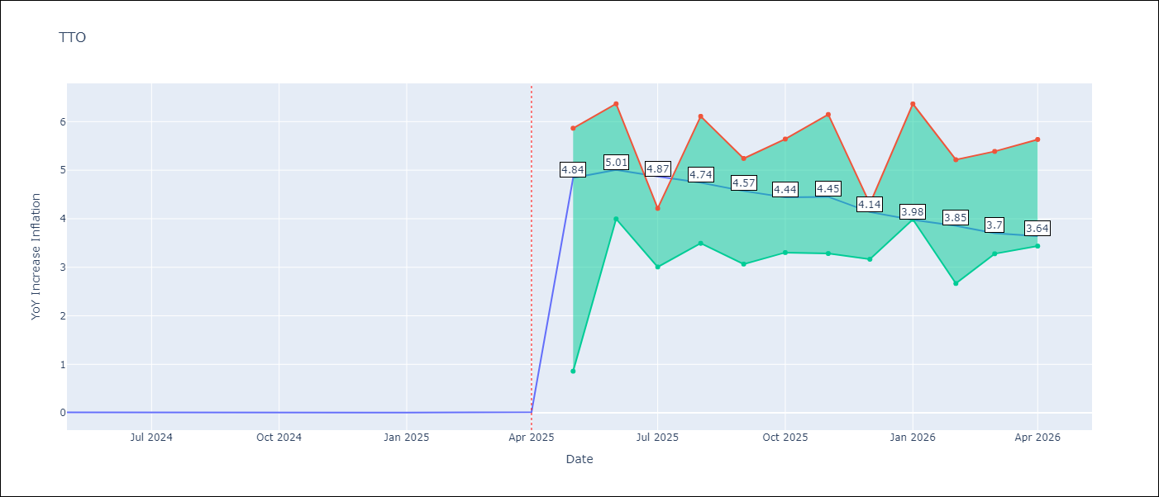

Test Metrics
RMSE | 0.65
Naive RMSE | 0.0
MAPE | 13136.0%

Test Predictions
Date | Predicted | Actual
2024-05-01 | 0.67 | 0.01
2024-06-01 | 0.69 | 0.01
2024-07-01 | 0.64 | 0
2024-08-01 | 0.62 | 0
2024-09-01 | 0.59 | 0
2024-10-01 | 0.63 | 0
2024-11-01 | 0.62 | 0
2024-12-01 | 0.61 | 0
2025-01-01 | 0.67 | 0.01
2025-02-01 | 0.66 | 0.01
2025-03-01 | 0.7 | 0.01
2025-04-01 | 0.69 | 0.02

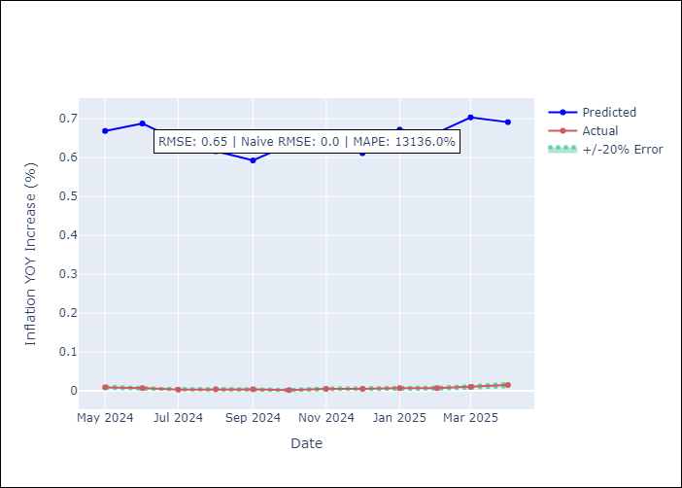

Appendix A: Model Summary
Model | Random Forest
Sample | 1994-07-01 to 2025-04-01
No. of Observations | 370
Terms | P-value (Statistical significance)

Assumptions | P-value

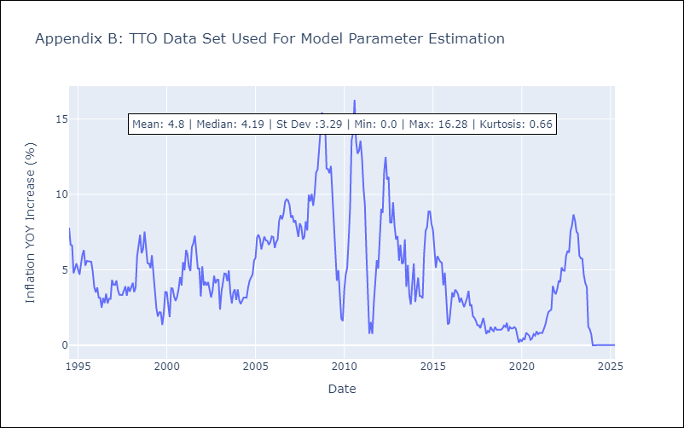

Appendix C: Residuals Analysis
Mean

VCT
VCT - Inflation - Next 12 months forecast as of: 2025-01-01

Model | Random Forest - [(1, 0, 0), (3, 0, 0, 12)]
Training Data | 2004-01-01 to 2024-02-01
Test Data | 2024-02-01 to 2025-01-01

Date | Inflation Change YoY % | Lower Bound - 95% Confidence Interval | Upper Bound - 95% Confidence Interval
2025-02-01 | 3.57 | 1.87 | 5.4
2025-03-01 | 3.59 | 2.96 | 5.62
2025-04-01 | 3.58 | 2.13 | 4.11
2025-05-01 | 3.44 | 1.8 | 4.45
2025-06-01 | 3.27 | 2.1 | 5.41
2025-07-01 | 3.34 | 1.81 | 4.72
2025-08-01 | 3.31 | 2.14 | 5.62
2025-09-01 | 3.47 | 1.8 | 4.24
2025-10-01 | 3.43 | 1.94 | 4.11
2025-11-01 | 3.59 | 2.42 | 5.35
2025-12-01 | 3.46 | 2.38 | 4.49
2026-01-01 | 3.48 | 2.54 | 4.07

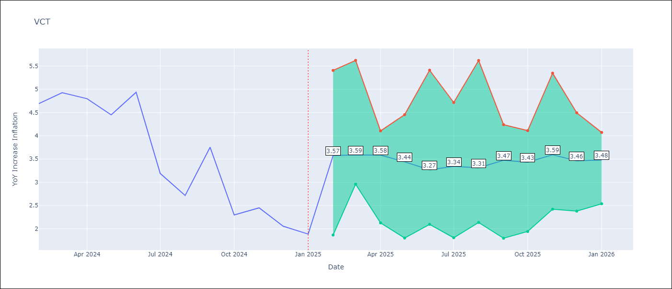

Test Metrics
RMSE | 1.54
Naive RMSE | 0.8
MAPE | 51.1%

Test Predictions
Date | Predicted | Actual
2024-02-01 | 4.55 | 4.69
2024-03-01 | 4.47 | 4.93
2024-04-01 | 4.57 | 4.8
2024-05-01 | 4.67 | 4.45
2024-06-01 | 4.73 | 4.94
2024-07-01 | 4.99 | 3.19
2024-08-01 | 4.71 | 2.72
2024-09-01 | 4.63 | 3.75
2024-10-01 | 4.52 | 2.3
2024-11-01 | 4.43 | 2.45
2024-12-01 | 4.43 | 2.06
2025-01-01 | 4.24 | 1.89

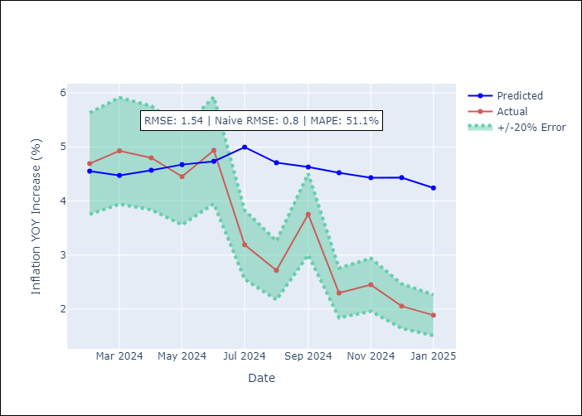

Appendix A: Model Summary
Model | Random Forest
Sample | 2004-01-01 to 2025-01-01
No. of Observations | 253
Terms | P-value (Statistical significance)

Assumptions | P-value

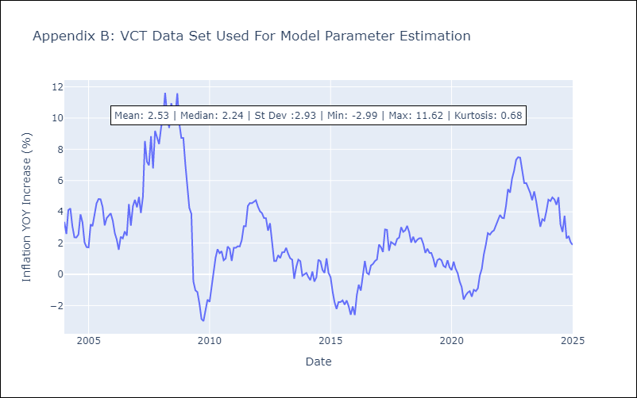

Appendix C: Residuals Analysis
Mean

