ATG
ATG - Inflation - Next 12 months forecast as of: 2025-01-01

Model | Random Forest - [(0, 1, 1), (0, 0, 1, 12)]
Training Data | 2004-01-01 to 2024-02-01
Test Data | 2024-02-01 to 2025-01-01

Date | Inflation Change YoY % | Lower Bound - 95% Confidence Interval | Upper Bound - 95% Confidence Interval
2025-02-01 | 0.96 | -0.41 | 3.91
2025-03-01 | 1.01 | 1.69 | 6.42
2025-04-01 | 1.02 | 1.23 | 4.19
2025-05-01 | 0.84 | 0.69 | 1.56
2025-06-01 | 0.74 | 0.8 | 1.41
2025-07-01 | 0.7 | 0.32 | 1.37
2025-08-01 | 0.6 | 0.28 | 1.4
2025-09-01 | 0.51 | 0.06 | 2.04
2025-10-01 | 0.47 | 0.08 | 1.32
2025-11-01 | 0.53 | 0.36 | 2.18
2025-12-01 | 0.46 | 0.15 | 1.32
2026-01-01 | 0.42 | 0.4 | 1.39

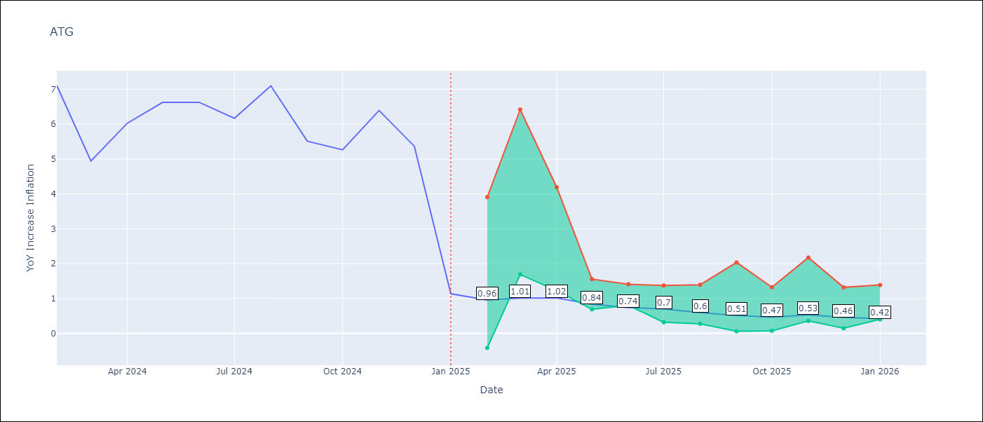

Test Metrics
RMSE | 1.77
Naive RMSE | 1.65
MAPE | 50.14%

Test Predictions
Date | Predicted | Actual
2024-02-01 | 6.81 | 7.11
2024-03-01 | 6.29 | 4.94
2024-04-01 | 5.96 | 6.03
2024-05-01 | 5.65 | 6.62
2024-06-01 | 5.13 | 6.63
2024-07-01 | 4.79 | 6.17
2024-08-01 | 4.17 | 7.1
2024-09-01 | 3.94 | 5.51
2024-10-01 | 3.89 | 5.27
2024-11-01 | 3.57 | 6.39
2024-12-01 | 3.44 | 5.37
2025-01-01 | 3.59 | 1.14

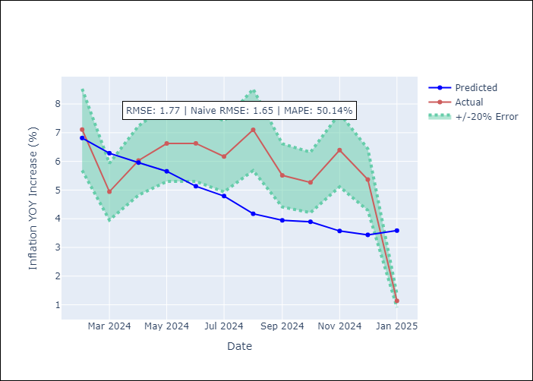

Appendix A: Model Summary
Model | Random Forest
Sample | 2004-01-01 to 2025-01-01
No. of Observations | 253
Terms | P-value (Statistical significance)

Assumptions | P-value

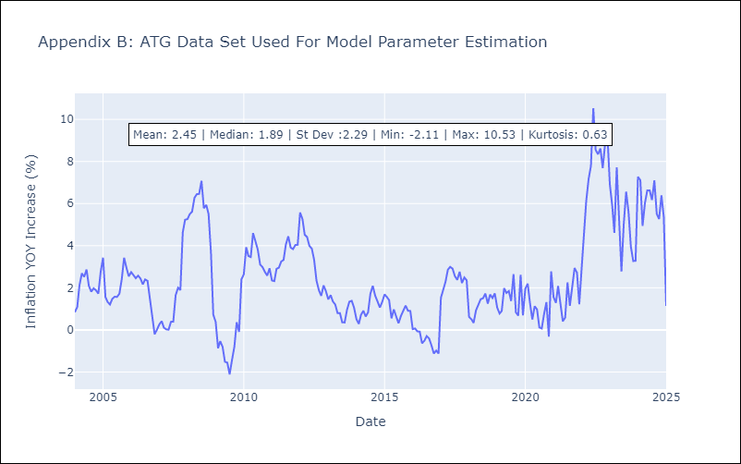

Appendix C: Residuals Analysis
Mean

BHS
BHS - Inflation - Next 12 months forecast as of: 2025-02-01

Model | Random Forest - [(1, 0, 0), (3, 0, 1, 12)]
Training Data | 2000-01-01 to 2024-03-01
Test Data | 2024-03-01 to 2025-02-01

Date | Inflation Change YoY % | Lower Bound - 95% Confidence Interval | Upper Bound - 95% Confidence Interval
2025-03-01 | 3.57 | 0.85 | 3.19
2025-04-01 | 3.54 | 1.75 | 3.35
2025-05-01 | 3.51 | 1.69 | 3.88
2025-06-01 | 3.55 | 1.73 | 3.28
2025-07-01 | 3.56 | 1.83 | 4.28
2025-08-01 | 3.39 | 0.97 | 3.39
2025-09-01 | 3.22 | 0.82 | 2.64
2025-10-01 | 3.01 | 1.26 | 2.6
2025-11-01 | 2.76 | 0.56 | 2.98
2025-12-01 | 2.57 | 1.63 | 2.83
2026-01-01 | 2.28 | 1.59 | 4.27
2026-02-01 | 1.99 | 1.56 | 4.45

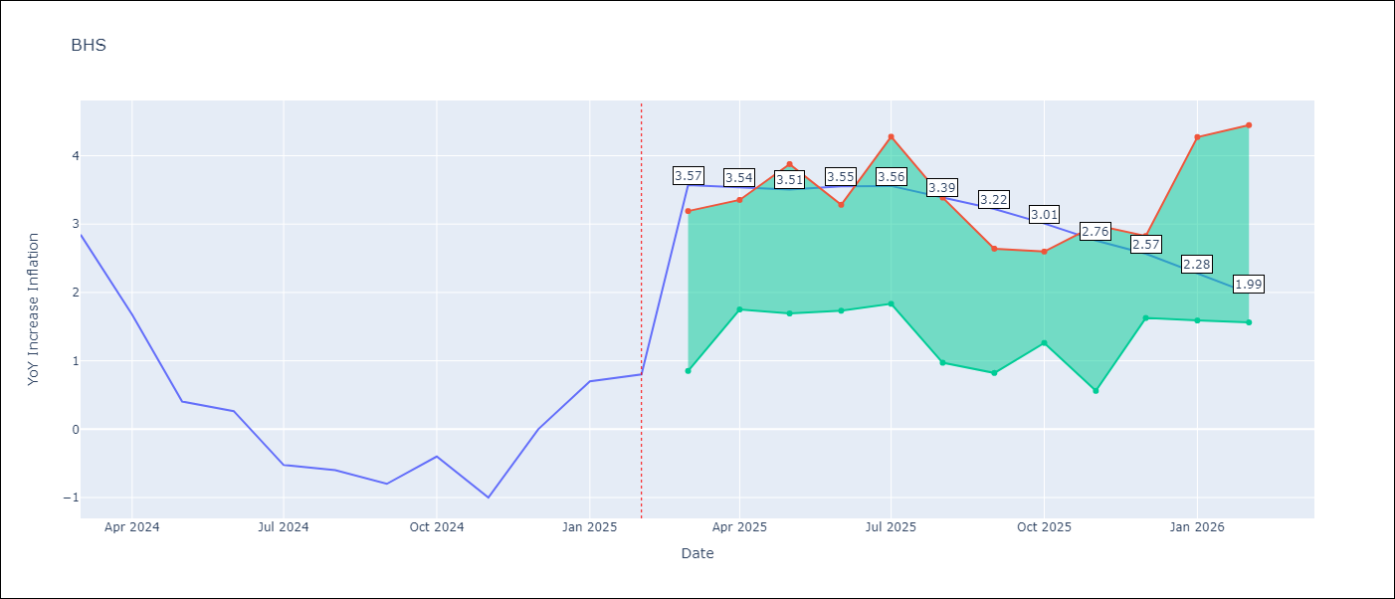

Test Metrics
RMSE | 0.82
Naive RMSE | 0.72
MAPE | inf%

Test Predictions
Date | Predicted | Actual
2024-03-01 | 1.17 | 2.85
2024-04-01 | 1.33 | 1.68
2024-05-01 | 1.04 | 0.4
2024-06-01 | 0.72 | 0.26
2024-07-01 | 0.54 | -0.52
2024-08-01 | 0.21 | -0.6
2024-09-01 | 0.12 | -0.8
2024-10-01 | 0.11 | -0.4
2024-11-01 | 0.24 | -1
2024-12-01 | 0.19 | 0
2025-01-01 | 0.55 | 0.7
2025-02-01 | 0.8 | 0.8

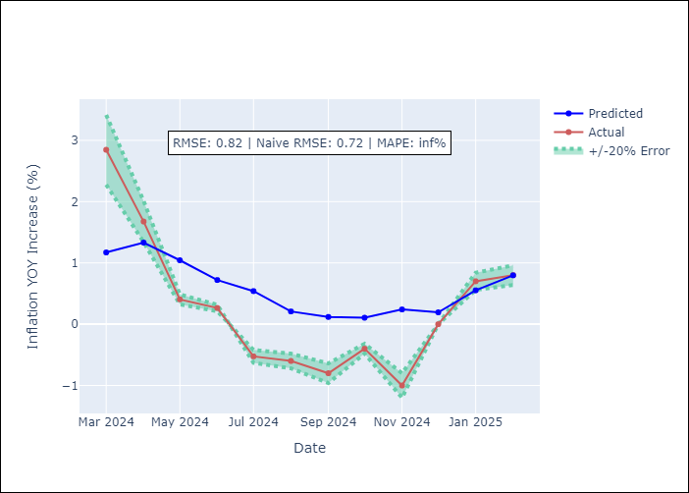

Appendix A: Model Summary
Model | Random Forest
Sample | 2000-01-01 to 2025-02-01
No. of Observations | 302
Terms | P-value (Statistical significance)

Assumptions | P-value

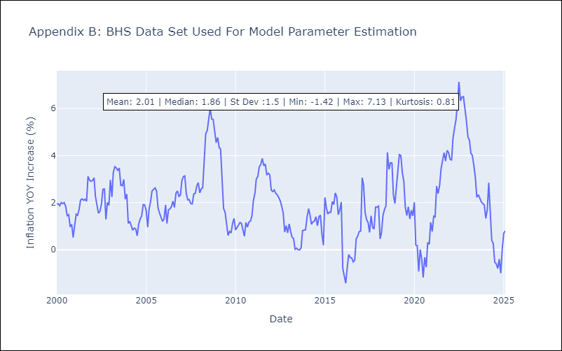

Appendix C: Residuals Analysis
Mean

BLZ
BLZ - Inflation - Next 12 months forecast as of: 2025-03-01

Model | Random Forest - [(2, 0, 0), (1, 0, 0, 12)]
Training Data | 2015-01-01 to 2024-04-01
Test Data | 2024-04-01 to 2025-03-01

Date | Inflation Change YoY % | Lower Bound - 95% Confidence Interval | Upper Bound - 95% Confidence Interval
2025-04-01 | 5.48 | 0.59 | 4.48
2025-05-01 | 5.61 | 0.26 | 2.92
2025-06-01 | 5.66 | 0.01 | 0.77
2025-07-01 | 5.71 | 0.1 | 2.02
2025-08-01 | 5.74 | 0.29 | 4.1
2025-09-01 | 5.68 | 0.05 | 0.69
2025-10-01 | 5.52 | 0.07 | 1.26
2025-11-01 | 5.27 | 0.29 | 3.15
2025-12-01 | 4.98 | 2.25 | 6.22
2026-01-01 | 4.75 | 3.91 | 6.86
2026-02-01 | 4.53 | 3.19 | 4.21
2026-03-01 | 4.22 | 2.98 | 6.18

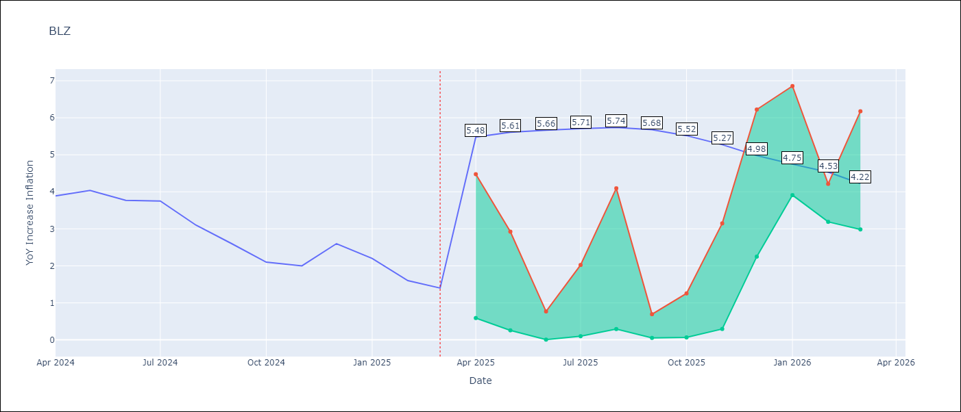

Test Metrics
RMSE | 2.17
Naive RMSE | 0.42
MAPE | 98.27%

Test Predictions
Date | Predicted | Actual
2024-04-01 | 5.18 | 3.89
2024-05-01 | 5.31 | 4.04
2024-06-01 | 5.38 | 3.77
2024-07-01 | 5.36 | 3.75
2024-08-01 | 5.3 | 3.1
2024-09-01 | 5.14 | 2.6
2024-10-01 | 4.98 | 2.1
2024-11-01 | 4.75 | 2
2024-12-01 | 4.51 | 2.6
2025-01-01 | 4.37 | 2.2
2025-02-01 | 4.15 | 1.6
2025-03-01 | 3.83 | 1.4

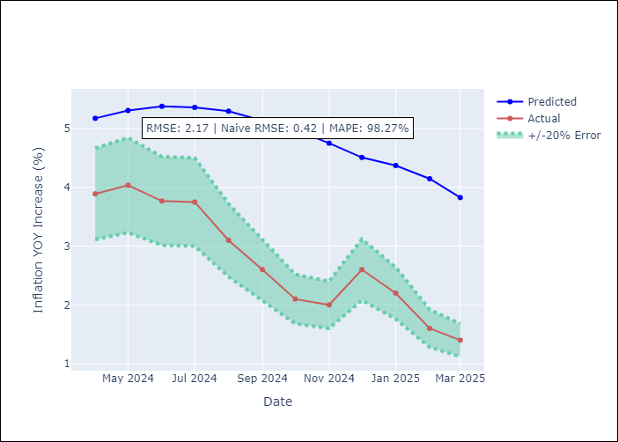

Appendix A: Model Summary
Model | Random Forest
Sample | 2015-01-01 to 2025-03-01
No. of Observations | 123
Terms | P-value (Statistical significance)

Assumptions | P-value

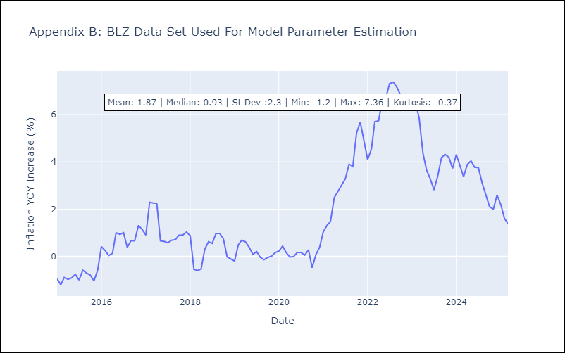

Appendix C: Residuals Analysis
Mean

BRB
BRB - Inflation - Next 12 months forecast as of: 2025-03-01

Model | Random Forest - [(3, 0, 0), (0, 0, 1, 12)]
Training Data | 2003-01-01 to 2024-04-01
Test Data | 2024-04-01 to 2025-03-01

Date | Inflation Change YoY % | Lower Bound - 95% Confidence Interval | Upper Bound - 95% Confidence Interval
2025-04-01 | 6.47 | 0.67 | 4.36
2025-05-01 | 5.88 | 4.19 | 8.36
2025-06-01 | 5.22 | 4 | 8.97
2025-07-01 | 4.68 | 2.82 | 7.12
2025-08-01 | 4.24 | 4.44 | 8.15
2025-09-01 | 3.89 | 4.07 | 8.78
2025-10-01 | 3.7 | 3.4 | 7.27
2025-11-01 | 3.7 | 4.1 | 7.61
2025-12-01 | 3.73 | 3.63 | 7.4
2026-01-01 | 3.76 | 3.48 | 6.23
2026-02-01 | 3.97 | 5.43 | 8.95
2026-03-01 | 4.34 | 3.37 | 6.79

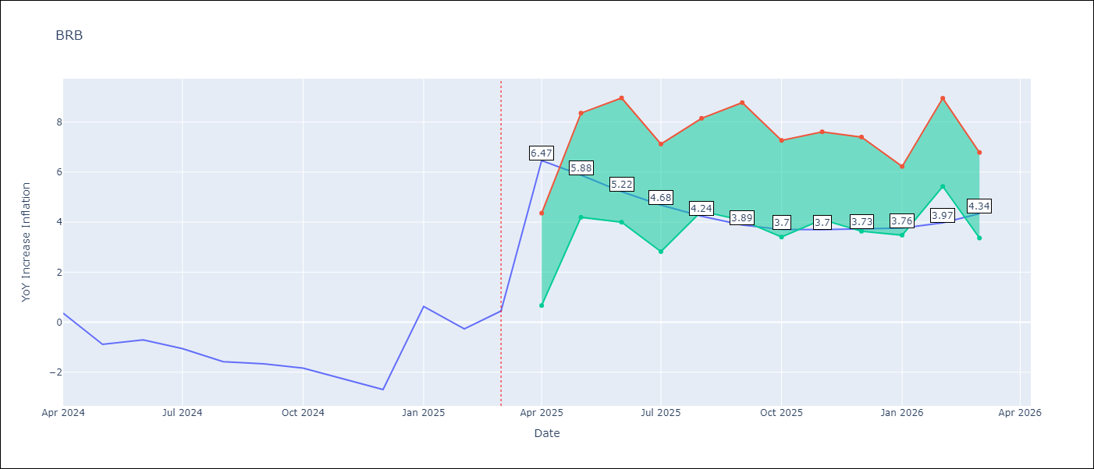

Test Metrics
RMSE | 4.05
Naive RMSE | 1.16
MAPE | 436.33%

Test Predictions
Date | Predicted | Actual
2024-04-01 | 1.4 | 0.36
2024-05-01 | 1.42 | -0.88
2024-06-01 | 1.4 | -0.7
2024-07-01 | 1.77 | -1.06
2024-08-01 | 2.08 | -1.58
2024-09-01 | 2.48 | -1.66
2024-10-01 | 2.73 | -1.83
2024-11-01 | 3.23 | -2.26
2024-12-01 | 3.79 | -2.69
2025-01-01 | 4.28 | 0.63
2025-02-01 | 4.81 | -0.27
2025-03-01 | 4.4 | 0.45

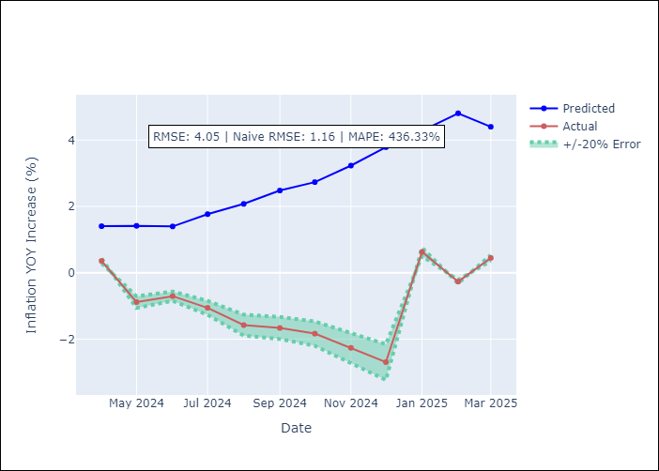

Appendix A: Model Summary
Model | Random Forest
Sample | 2003-01-01 to 2025-03-01
No. of Observations | 263
Terms | P-value (Statistical significance)

Assumptions | P-value

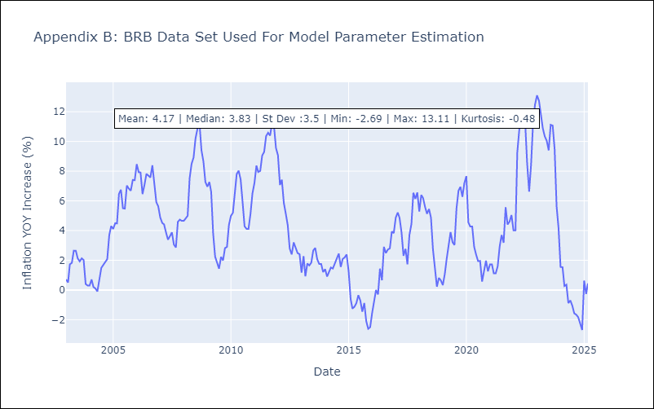

Appendix C: Residuals Analysis
Mean

DMA
DMA - Inflation - Next 12 months forecast as of: 2025-01-01

Model | Random Forest - [(0, 1, 0), (3, 0, 0, 12)]
Training Data | 2004-01-01 to 2024-02-01
Test Data | 2024-02-01 to 2025-01-01

Date | Inflation Change YoY % | Lower Bound - 95% Confidence Interval | Upper Bound - 95% Confidence Interval
2025-02-01 | 0.21 | -0.02 | 1.61
2025-03-01 | 0.37 | -0.18 | 0.79
2025-04-01 | 0.53 | 0.17 | 1.18
2025-05-01 | 0.46 | -0.1 | 1.13
2025-06-01 | 0.54 | 0.16 | 1.08
2025-07-01 | 0.58 | -0.15 | 1.18
2025-08-01 | 0.51 | -0.06 | 1.06
2025-09-01 | 0.42 | -0.01 | 1.29
2025-10-01 | 0.47 | -0.09 | 1.06
2025-11-01 | 0.69 | -0.01 | 0.95
2025-12-01 | 0.52 | -0.13 | 0.93
2026-01-01 | 0.68 | 0.07 | 0.92

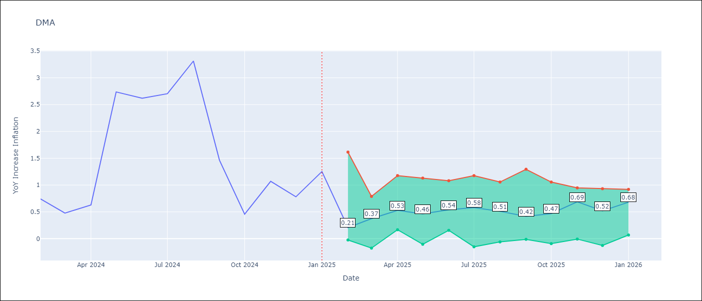

Test Metrics
RMSE | 1.83
Naive RMSE | 0.96
MAPE | 104.27%

Test Predictions
Date | Predicted | Actual
2024-02-01 | 1.48 | 0.74
2024-03-01 | 1.35 | 0.48
2024-04-01 | 1.03 | 0.63
2024-05-01 | 0.99 | 2.74
2024-06-01 | 0.62 | 2.62
2024-07-01 | 0.36 | 2.7
2024-08-01 | 0.71 | 3.31
2024-09-01 | 0.86 | 1.46
2024-10-01 | 0.49 | 0.46
2024-11-01 | -0.25 | 1.07
2024-12-01 | -1.9 | 0.78
2025-01-01 | -1.96 | 1.25

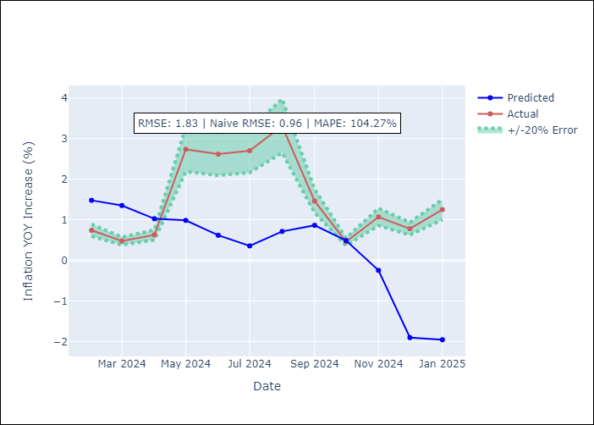

Appendix A: Model Summary
Model | Random Forest
Sample | 2004-01-01 to 2025-01-01
No. of Observations | 253
Terms | P-value (Statistical significance)

Assumptions | P-value

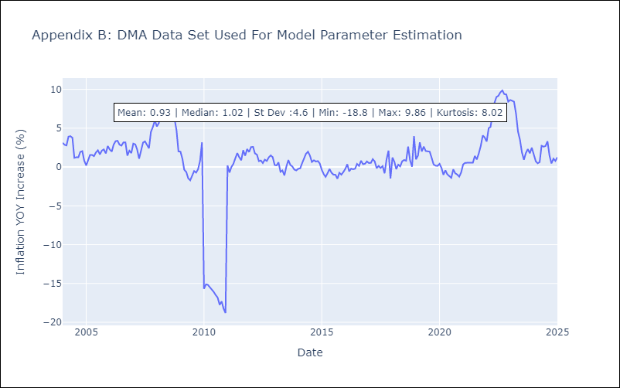

Appendix C: Residuals Analysis
Mean

GRD
GRD - Inflation - Next 12 months forecast as of: 2025-01-01

Model | Random Forest - [(1, 1, 1), (3, 0, 0, 12)]
Training Data | 2004-01-01 to 2024-02-01
Test Data | 2024-02-01 to 2025-01-01

Date | Inflation Change YoY % | Lower Bound - 95% Confidence Interval | Upper Bound - 95% Confidence Interval
2025-02-01 | 3.08 | 0.32 | 1.09
2025-03-01 | 3.06 | 0.59 | 1.18
2025-04-01 | 3.13 | -0.25 | 1.07
2025-05-01 | 3.12 | -1.04 | 0.04
2025-06-01 | 2.86 | -0.24 | 2
2025-07-01 | 2.51 | 1.77 | 3.17
2025-08-01 | 2.24 | 2.34 | 5.36
2025-09-01 | 2.25 | 2.33 | 4.57
2025-10-01 | 2.31 | 1.81 | 3.78
2025-11-01 | 2.29 | 2.08 | 4.76
2025-12-01 | 2.22 | 2 | 3.91
2026-01-01 | 2.01 | 1.71 | 3.63

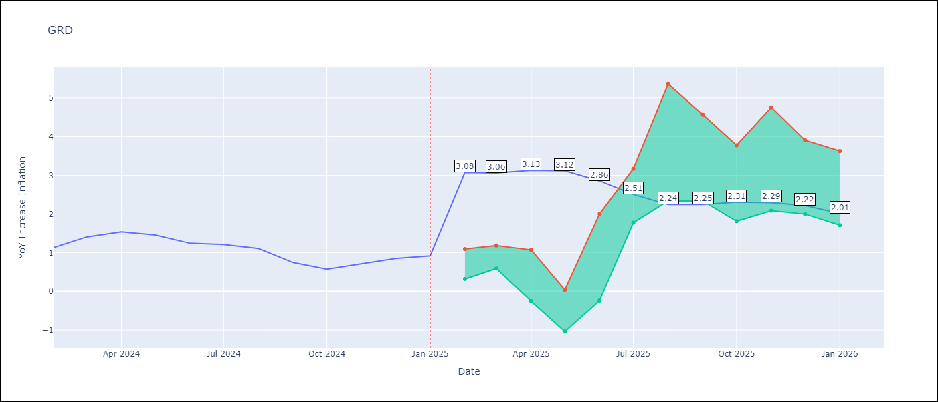

Test Metrics
RMSE | 0.67
Naive RMSE | 0.18
MAPE | 62.78%

Test Predictions
Date | Predicted | Actual
2024-02-01 | 0.74 | 1.14
2024-03-01 | 0.7 | 1.41
2024-04-01 | 0.72 | 1.54
2024-05-01 | 0.91 | 1.45
2024-06-01 | 1.05 | 1.24
2024-07-01 | 1.01 | 1.21
2024-08-01 | 0.29 | 1.11
2024-09-01 | 0.04 | 0.74
2024-10-01 | 0 | 0.57
2024-11-01 | -0.08 | 0.71
2024-12-01 | -0.02 | 0.85
2025-01-01 | -0.01 | 0.92

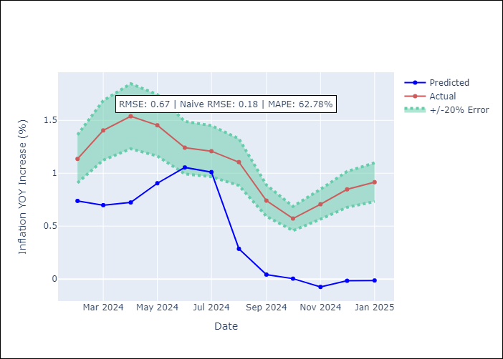

Appendix A: Model Summary
Model | Random Forest
Sample | 2004-01-01 to 2025-01-01
No. of Observations | 253
Terms | P-value (Statistical significance)

Assumptions | P-value

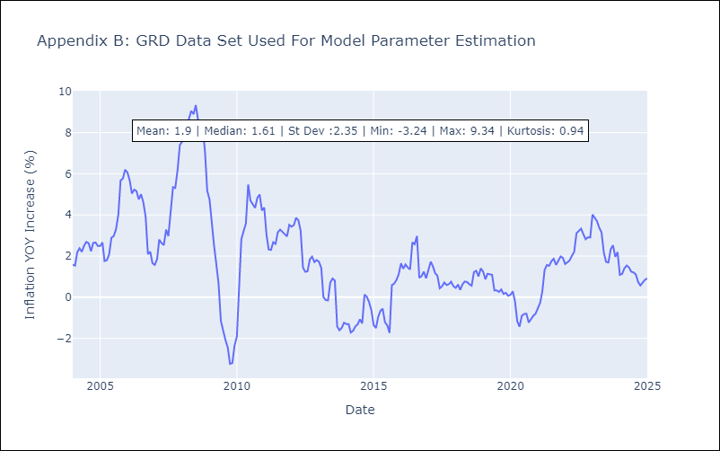

Appendix C: Residuals Analysis
Mean

GUY
GUY - Inflation - Next 12 months forecast as of: 2025-03-01

Model | Random Forest - [(3, 0, 1), (1, 0, 0, 12)]
Training Data | 2008-01-01 to 2024-04-01
Test Data | 2024-04-01 to 2025-03-01

Date | Inflation Change YoY % | Lower Bound - 95% Confidence Interval | Upper Bound - 95% Confidence Interval
2025-04-01 | 1.16 | 1.37 | 4.38
2025-05-01 | 0.95 | 1.05 | 3.08
2025-06-01 | 0.76 | 0.68 | 1.88
2025-07-01 | 0.74 | 1.48 | 2.78
2025-08-01 | 0.83 | 0.74 | 1.95
2025-09-01 | 0.95 | 0.97 | 3.44
2025-10-01 | 1.05 | 0.84 | 2.09
2025-11-01 | 1.16 | 0.94 | 2.41
2025-12-01 | 1.6 | 1.12 | 2.32
2026-01-01 | 1.89 | 0.72 | 2.09
2026-02-01 | 1.97 | 0.99 | 2.97
2026-03-01 | 2 | 0.74 | 2.1

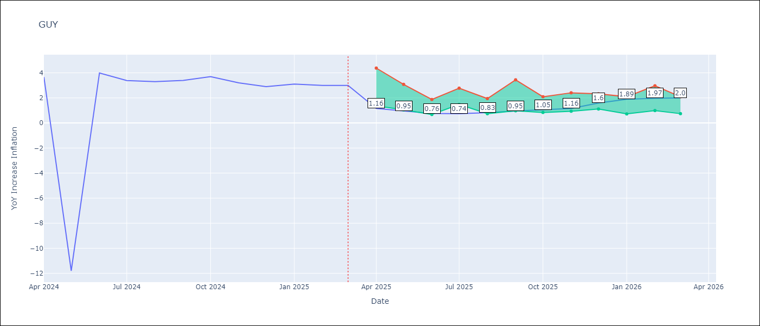

Test Metrics
RMSE | 4.14
Naive RMSE | 6.67
MAPE | 33.23%

Test Predictions
Date | Predicted | Actual
2024-04-01 | 2.28 | 3.67
2024-05-01 | 2.22 | -11.79
2024-06-01 | 2.32 | 3.99
2024-07-01 | 2.62 | 3.39
2024-08-01 | 2.87 | 3.3
2024-09-01 | 2.82 | 3.4
2024-10-01 | 2.76 | 3.7
2024-11-01 | 2.53 | 3.2
2024-12-01 | 2.47 | 2.9
2025-01-01 | 2.39 | 3.1
2025-02-01 | 2.24 | 3
2025-03-01 | 2.1 | 3

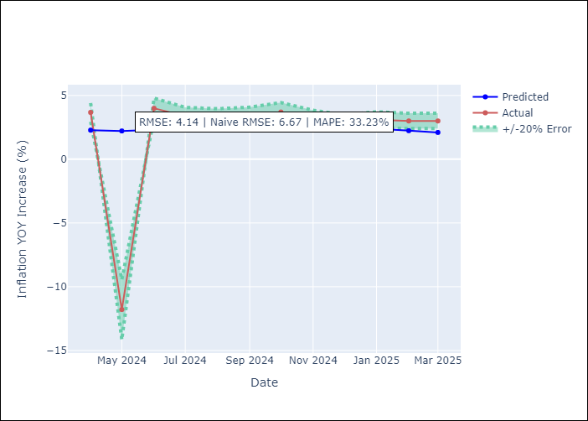

Appendix A: Model Summary
Model | Random Forest
Sample | 2008-01-01 to 2025-03-01
No. of Observations | 207
Terms | P-value (Statistical significance)

Assumptions | P-value

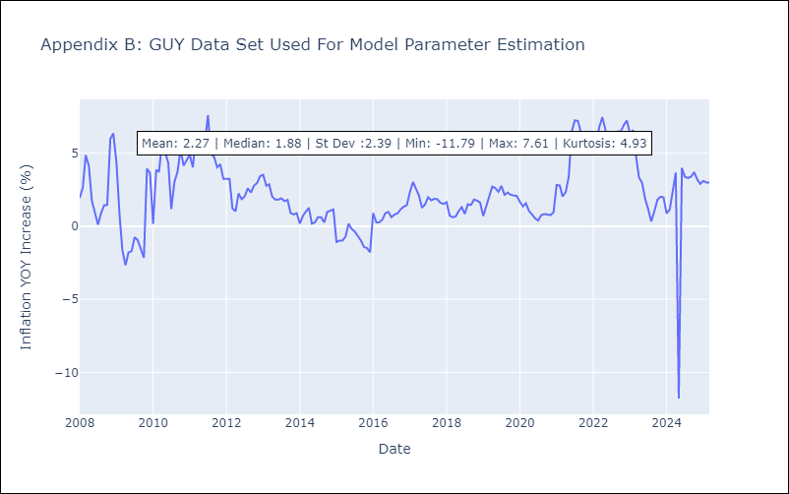

Appendix C: Residuals Analysis
Mean

JAM
JAM - Inflation - Next 12 months forecast as of: 2025-04-01

Model | Random Forest - [(2, 1, 0), (0, 0, 2, 12)]
Training Data | 1994-07-01 to 2024-05-01
Test Data | 2024-05-01 to 2025-04-01

Date | Inflation Change YoY % | Lower Bound - 95% Confidence Interval | Upper Bound - 95% Confidence Interval
2025-05-01 | 7.58 | 3.98 | 8.41
2025-06-01 | 7.2 | 7.35 | 12.38
2025-07-01 | 6.93 | 5.87 | 9.31
2025-08-01 | 6.84 | 5.68 | 8.06
2025-09-01 | 6.7 | 6.57 | 10.13
2025-10-01 | 6.46 | 5.73 | 8.37
2025-11-01 | 6.16 | 6.62 | 11.57
2025-12-01 | 5.87 | 7.45 | 13.36
2026-01-01 | 5.87 | 5.46 | 8.26
2026-02-01 | 6.19 | 6.4 | 10.85
2026-03-01 | 6.21 | 7.51 | 12.21
2026-04-01 | 6.18 | 5.31 | 8.07

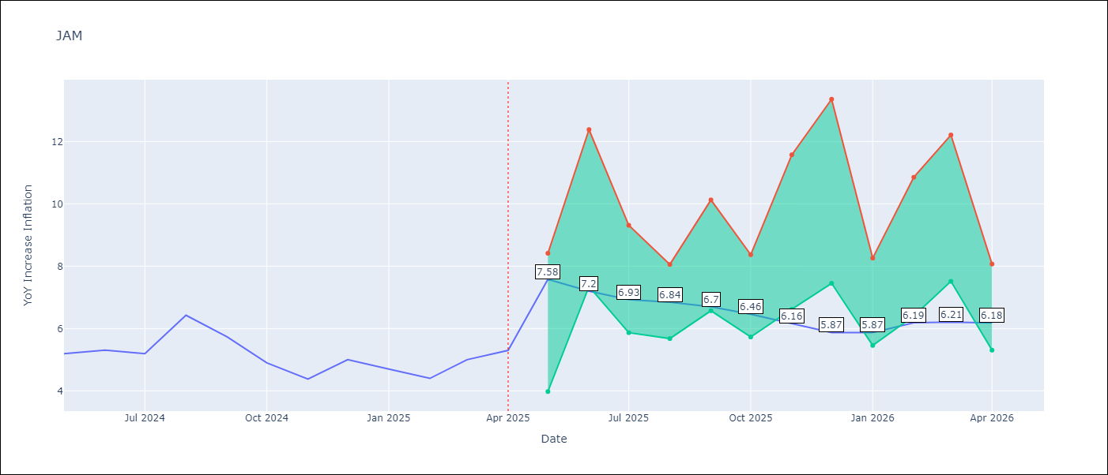

Test Metrics
RMSE | 2.22
Naive RMSE | 0.6
MAPE | 35.05%

Test Predictions
Date | Predicted | Actual
2024-05-01 | 5.55 | 5.19
2024-06-01 | 5.64 | 5.3
2024-07-01 | 5.64 | 5.19
2024-08-01 | 5.84 | 6.42
2024-09-01 | 6 | 5.74
2024-10-01 | 6.53 | 4.9
2024-11-01 | 6.61 | 4.38
2024-12-01 | 6.98 | 5
2025-01-01 | 7.29 | 4.7
2025-02-01 | 8.14 | 4.4
2025-03-01 | 8.55 | 5
2025-04-01 | 8.96 | 5.3

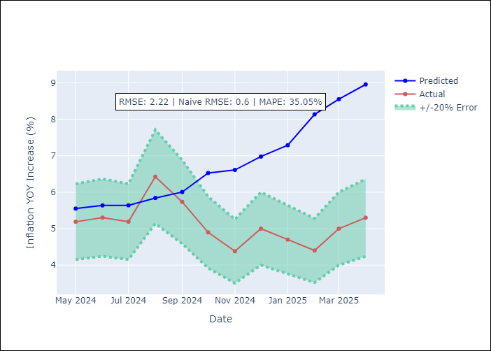

Appendix A: Model Summary
Model | Random Forest
Sample | 1994-07-01 to 2025-04-01
No. of Observations | 370
Terms | P-value (Statistical significance)

Assumptions | P-value

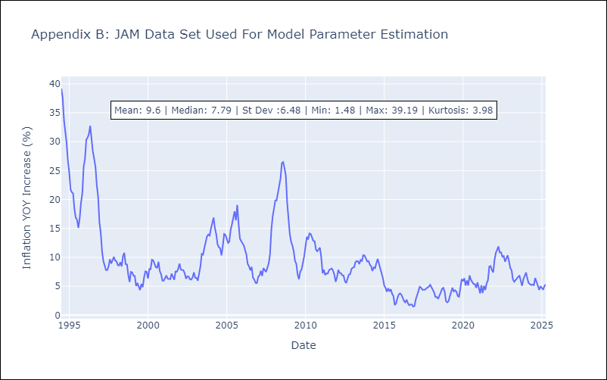

Appendix C: Residuals Analysis
Mean

KNA
KNA - Inflation - Next 12 months forecast as of: 2025-02-01

Model | Random Forest - [(0, 1, 0), (3, 0, 0, 12)]
Training Data | 2006-01-01 to 2024-03-01
Test Data | 2024-03-01 to 2025-02-01

Date | Inflation Change YoY % | Lower Bound - 95% Confidence Interval | Upper Bound - 95% Confidence Interval
2025-03-01 | 1.01 | 0.17 | 2.36
2025-04-01 | 1.1 | 0.36 | 2.06
2025-05-01 | 1.18 | -0.2 | 2.15
2025-06-01 | 1.22 | -0.77 | 1.05
2025-07-01 | 1.19 | -2.39 | -0.27
2025-08-01 | 1.16 | -1 | 1.24
2025-09-01 | 1.22 | 0.61 | 1.99
2025-10-01 | 1.06 | 0.37 | 2.17
2025-11-01 | 1.01 | -0.62 | 0.96
2025-12-01 | 1.02 | -2.45 | -0.17
2026-01-01 | 0.84 | -1.23 | 1.08
2026-02-01 | 0.96 | 0.3 | 1.74

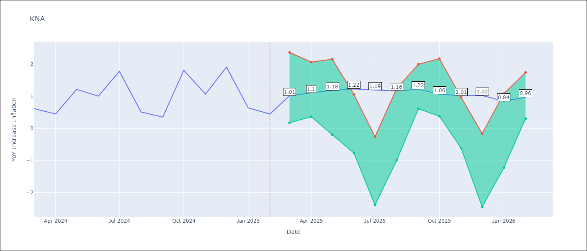

Test Metrics
RMSE | 0.69
Naive RMSE | 0.85
MAPE | 84.94%

Test Predictions
Date | Predicted | Actual
2024-03-01 | 1 | 0.61
2024-04-01 | 0.88 | 0.44
2024-05-01 | 0.8 | 1.21
2024-06-01 | 0.98 | 1
2024-07-01 | 0.87 | 1.77
2024-08-01 | 1.29 | 0.51
2024-09-01 | 1.12 | 0.35
2024-10-01 | 0.97 | 1.8
2024-11-01 | 1.38 | 1.06
2024-12-01 | 1.34 | 1.9
2025-01-01 | 1.71 | 0.63
2025-02-01 | 1.39 | 0.44

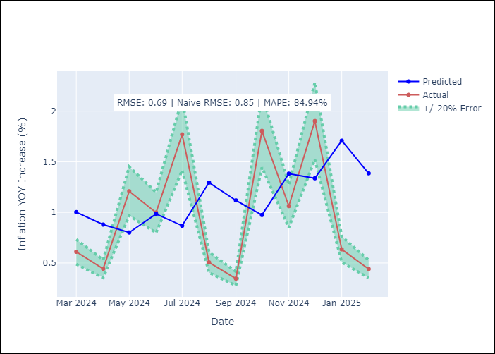

Appendix A: Model Summary
Model | Random Forest
Sample | 2006-01-01 to 2025-02-01
No. of Observations | 230
Terms | P-value (Statistical significance)

Assumptions | P-value

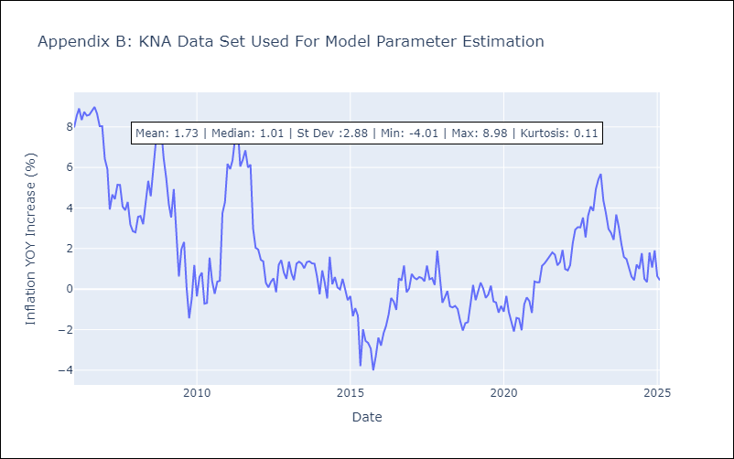

Appendix C: Residuals Analysis
Mean

LCA
LCA - Inflation - Next 12 months forecast as of: 2025-01-01

Model | Random Forest - [(0, 1, 0), (3, 0, 1, 12)]
Training Data | 2008-01-01 to 2024-02-01
Test Data | 2024-02-01 to 2025-01-01

Date | Inflation Change YoY % | Lower Bound - 95% Confidence Interval | Upper Bound - 95% Confidence Interval
2025-02-01 | 1.9 | 1.11 | 3.76
2025-03-01 | 2.45 | 1.53 | 3.68
2025-04-01 | 2.79 | -0.77 | 2.91
2025-05-01 | 3.07 | -1.03 | 4.34
2025-06-01 | 2.66 | 0.02 | 2.6
2025-07-01 | 2.71 | -1.35 | 2.2
2025-08-01 | 2.81 | -1.96 | 1.8
2025-09-01 | 3.18 | 0.96 | 3.42
2025-10-01 | 3.3 | 1.04 | 3.89
2025-11-01 | 3.07 | -1.11 | 2.66
2025-12-01 | 3.04 | -1.5 | 2.25
2026-01-01 | 3.16 | 1.21 | 4.15

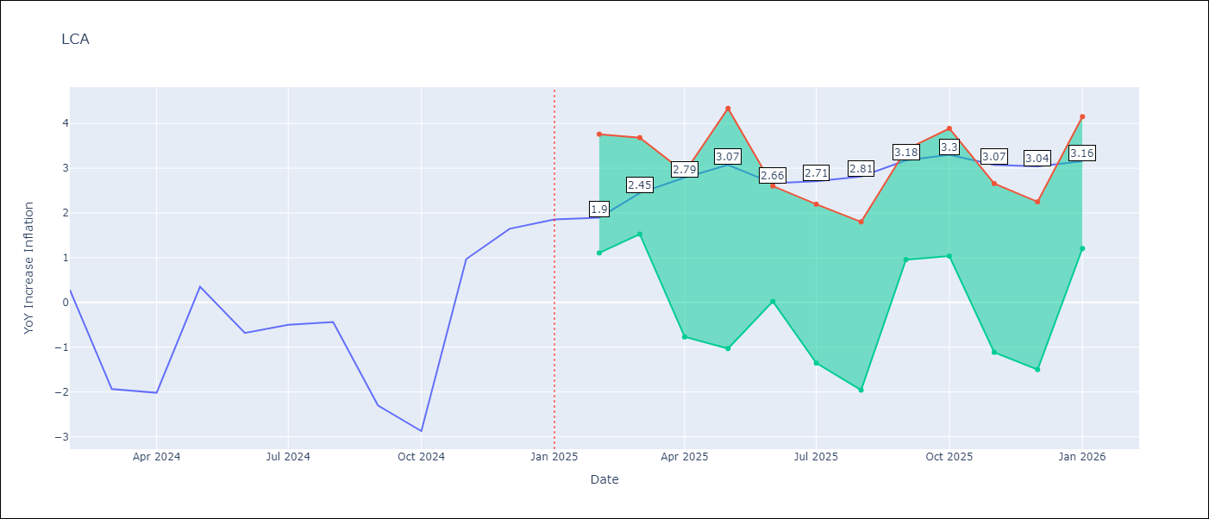

Test Metrics
RMSE | 1.54
Naive RMSE | 1.67
MAPE | 154.65%

Test Predictions
Date | Predicted | Actual
2024-02-01 | -0.15 | 0.28
2024-03-01 | -0.56 | -1.94
2024-04-01 | -0.82 | -2.02
2024-05-01 | -0.88 | 0.35
2024-06-01 | -0.01 | -0.68
2024-07-01 | 0.23 | -0.5
2024-08-01 | 0.4 | -0.43
2024-09-01 | 0.64 | -2.3
2024-10-01 | 0.66 | -2.87
2024-11-01 | 0.81 | 0.97
2024-12-01 | 2.22 | 1.65
2025-01-01 | 2.38 | 1.86

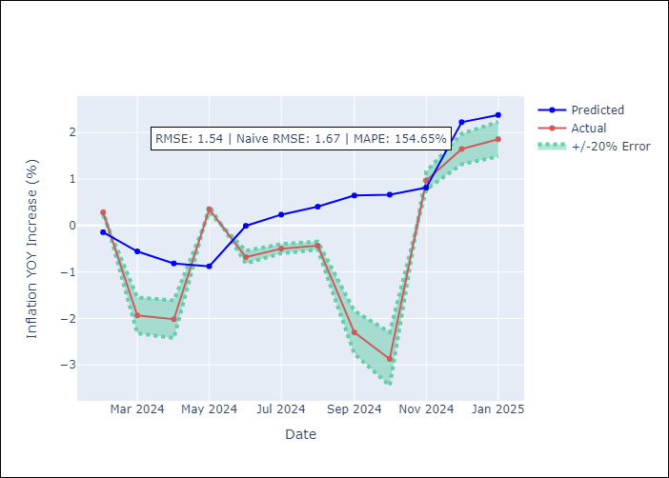

Appendix A: Model Summary
Model | Random Forest
Sample | 2008-01-01 to 2025-01-01
No. of Observations | 205
Terms | P-value (Statistical significance)

Assumptions | P-value

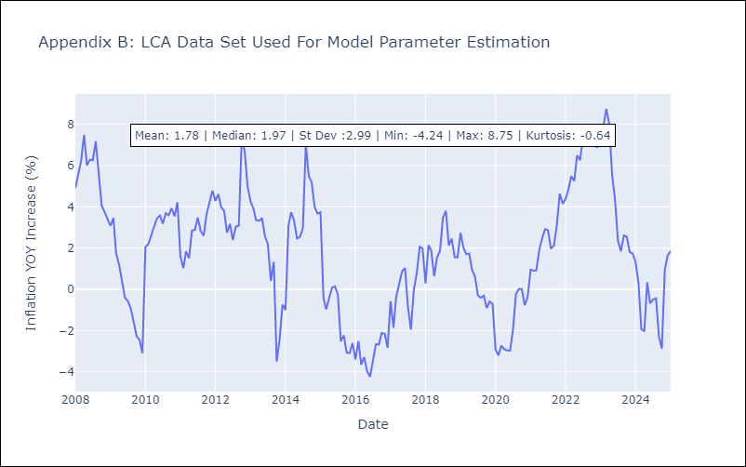

Appendix C: Residuals Analysis
Mean

SUR
SUR - Inflation - Next 12 months forecast as of: 2024-08-01

Model | Random Forest - [(3, 2, 0), (1, 0, 0, 12)]
Training Data | 2012-04-01 to 2023-09-01
Test Data | 2023-09-01 to 2024-08-01

Date | Inflation Change YoY % | Lower Bound - 95% Confidence Interval | Upper Bound - 95% Confidence Interval
2024-09-01 | 49.38 | -6.17 | 23.94
2024-10-01 | 52.62 | 6.21 | 41.99
2024-11-01 | 55.45 | 23.47 | 61.18
2024-12-01 | 56.94 | 38.12 | 63.12
2025-01-01 | 57.93 | 47.02 | 62.11
2025-02-01 | 58.3 | 44.24 | 60.88
2025-03-01 | 58.42 | 44.85 | 60.89
2025-04-01 | 58.03 | 42.41 | 59.48
2025-05-01 | 57.23 | 45.48 | 61.36
2025-06-01 | 55.08 | 42.29 | 60.64
2025-07-01 | 52.28 | 45.52 | 59.63
2025-08-01 | 49.61 | 43.26 | 60.31

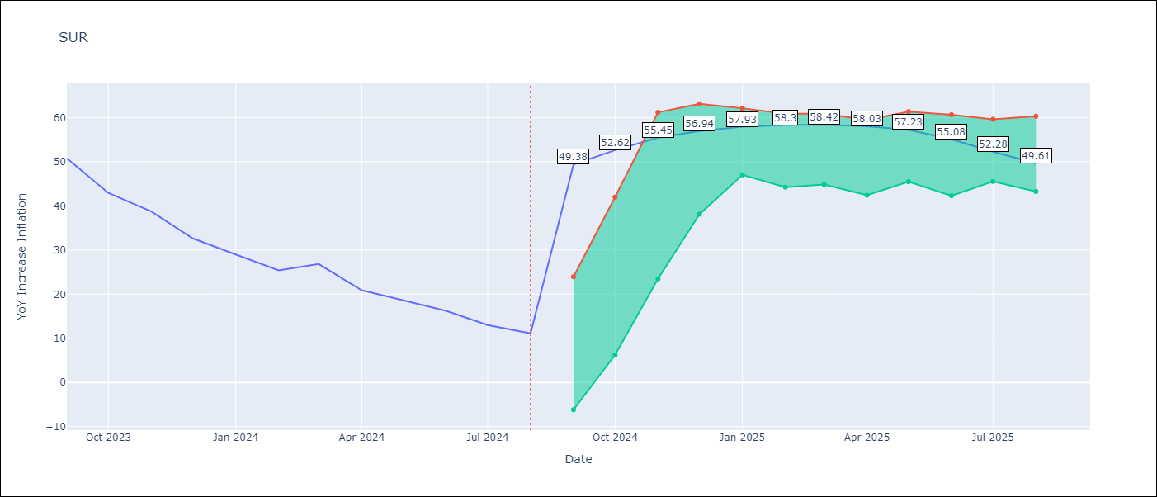

Test Metrics
RMSE | 20.86
Naive RMSE | 4.32
MAPE | 112.12%

Test Predictions
Date | Predicted | Actual
2023-09-01 | 52.93 | 50.79
2023-10-01 | 53.97 | 42.92
2023-11-01 | 52.3 | 38.74
2023-12-01 | 49.97 | 32.63
2024-01-01 | 48.08 | 28.98
2024-02-01 | 46.49 | 25.4
2024-03-01 | 45.43 | 26.83
2024-04-01 | 44.73 | 20.9
2024-05-01 | 43.97 | 18.62
2024-06-01 | 42.9 | 16.21
2024-07-01 | 41.21 | 12.99
2024-08-01 | 38.28 | 11.13

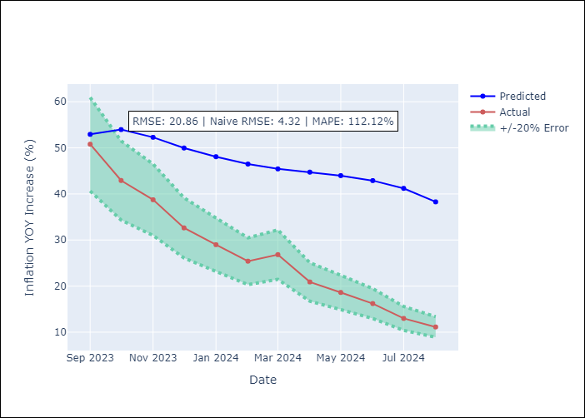

Appendix A: Model Summary
Model | Random Forest
Sample | 2012-04-01 to 2024-08-01
No. of Observations | 145
Terms | P-value (Statistical significance)

Assumptions | P-value

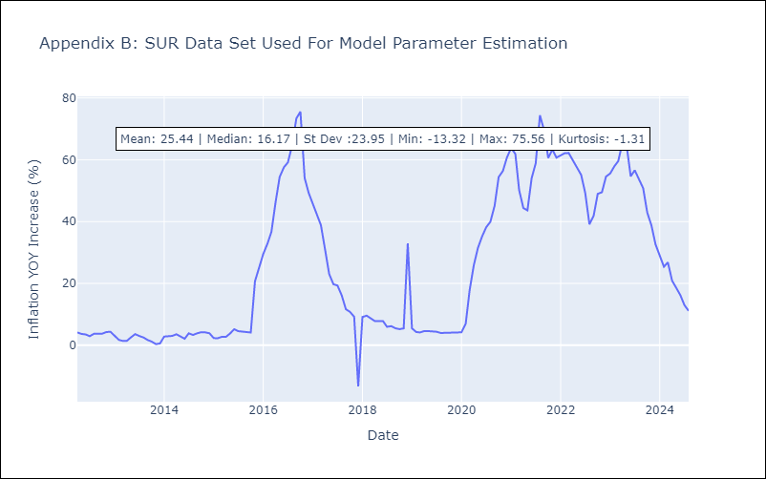

Appendix C: Residuals Analysis
Mean

TTO
TTO - Inflation - Next 12 months forecast as of: 2025-04-01

Model | Random Forest - [(3, 2, 0), (3, 0, 0, 12)]
Training Data | 1994-07-01 to 2024-05-01
Test Data | 2024-05-01 to 2025-04-01

Date | Inflation Change YoY % | Lower Bound - 95% Confidence Interval | Upper Bound - 95% Confidence Interval
2025-05-01 | 5.01 | 0.82 | 5.96
2025-06-01 | 4.71 | 4.05 | 6.41
2025-07-01 | 4.35 | 3.08 | 4.38
2025-08-01 | 3.84 | 3.63 | 6.25
2025-09-01 | 3.39 | 3.01 | 5.07
2025-10-01 | 3.3 | 3.27 | 5.26
2025-11-01 | 3.18 | 3.3 | 5.4
2025-12-01 | 3.11 | 3.35 | 5.1
2026-01-01 | 3.06 | 3.71 | 5.93
2026-02-01 | 3.31 | 3.28 | 4.1
2026-03-01 | 3.34 | 3.84 | 6.22
2026-04-01 | 3.43 | 2.77 | 5.12

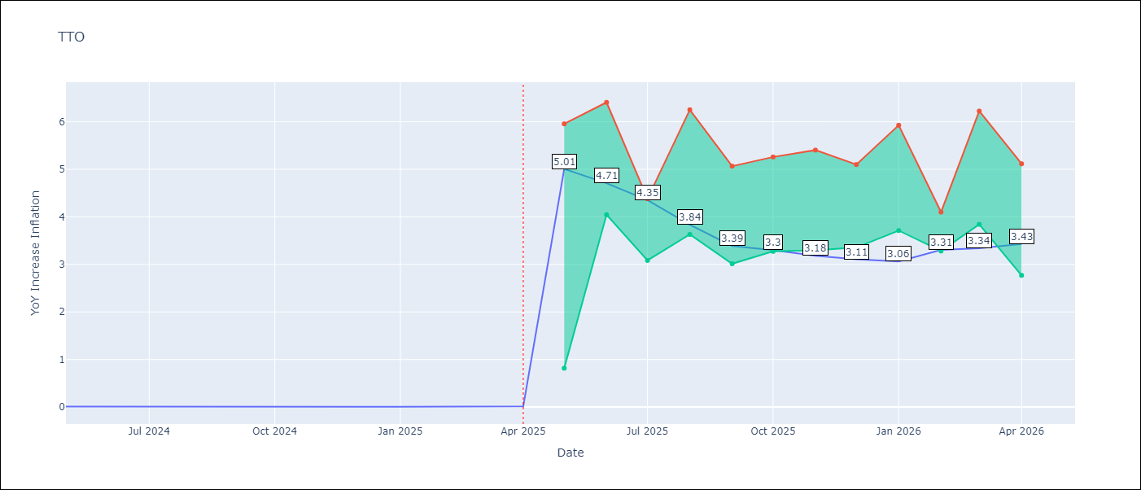

Test Metrics
RMSE | 0.68
Naive RMSE | 0.0
MAPE | 13757.69%

Test Predictions
Date | Predicted | Actual
2024-05-01 | 0.68 | 0.01
2024-06-01 | 0.76 | 0.01
2024-07-01 | 0.69 | 0
2024-08-01 | 0.59 | 0
2024-09-01 | 0.55 | 0
2024-10-01 | 0.66 | 0
2024-11-01 | 0.68 | 0
2024-12-01 | 0.65 | 0
2025-01-01 | 0.69 | 0.01
2025-02-01 | 0.7 | 0.01
2025-03-01 | 0.74 | 0.01
2025-04-01 | 0.78 | 0.02

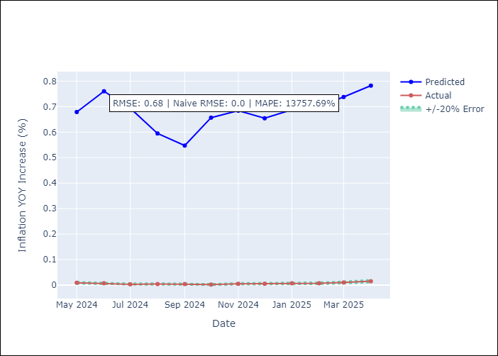

Appendix A: Model Summary
Model | Random Forest
Sample | 1994-07-01 to 2025-04-01
No. of Observations | 370
Terms | P-value (Statistical significance)

Assumptions | P-value

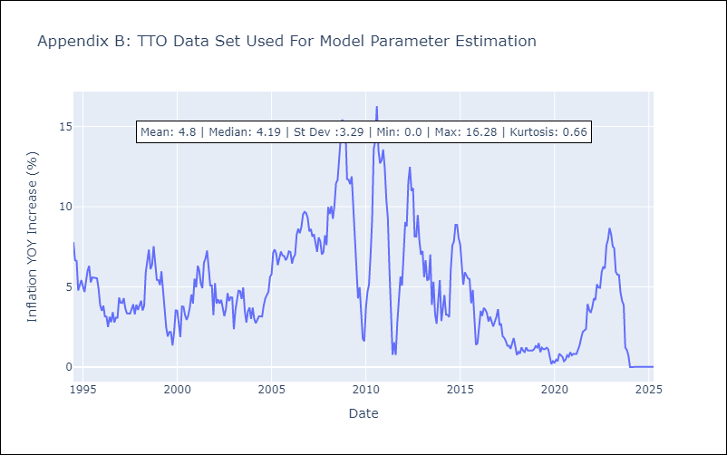

Appendix C: Residuals Analysis
Mean

VCT
VCT - Inflation - Next 12 months forecast as of: 2025-01-01

Model | Random Forest - [(1, 0, 0), (3, 0, 0, 12)]
Training Data | 2004-01-01 to 2024-02-01
Test Data | 2024-02-01 to 2025-01-01

Date | Inflation Change YoY % | Lower Bound - 95% Confidence Interval | Upper Bound - 95% Confidence Interval
2025-02-01 | 3.27 | 1.88 | 5.39
2025-03-01 | 3.26 | 1.77 | 4.99
2025-04-01 | 3.24 | 1.27 | 6
2025-05-01 | 3.34 | 4.14 | 7.05
2025-06-01 | 3.16 | 3.8 | 6
2025-07-01 | 3.26 | 3.01 | 5.07
2025-08-01 | 3.27 | 2.5 | 4.41
2025-09-01 | 3.56 | 2.48 | 4.34
2025-10-01 | 3.54 | 2.09 | 4.4
2025-11-01 | 3.61 | 2.76 | 4.41
2025-12-01 | 3.57 | 2.68 | 4.54
2026-01-01 | 3.45 | 2.58 | 4.43

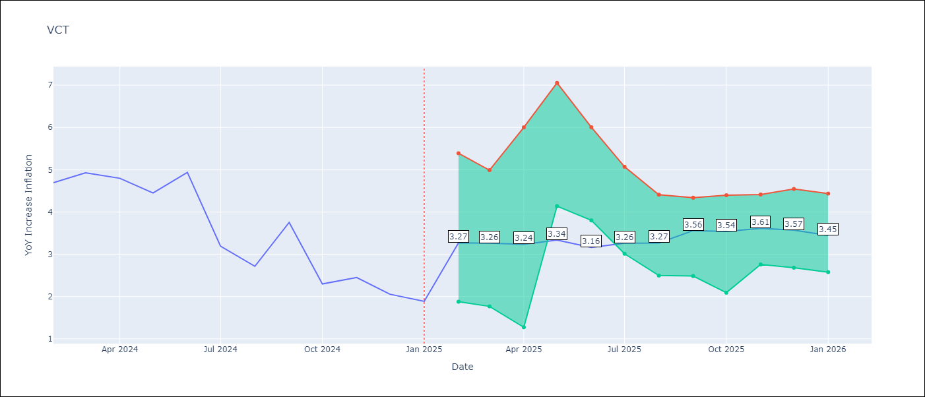

Test Metrics
RMSE | 1.55
Naive RMSE | 0.8
MAPE | 50.7%

Test Predictions
Date | Predicted | Actual
2024-02-01 | 4.52 | 4.69
2024-03-01 | 4.51 | 4.93
2024-04-01 | 4.47 | 4.8
2024-05-01 | 4.6 | 4.45
2024-06-01 | 4.71 | 4.94
2024-07-01 | 4.81 | 3.19
2024-08-01 | 4.55 | 2.72
2024-09-01 | 4.58 | 3.75
2024-10-01 | 4.6 | 2.3
2024-11-01 | 4.59 | 2.45
2024-12-01 | 4.55 | 2.06
2025-01-01 | 4.3 | 1.89

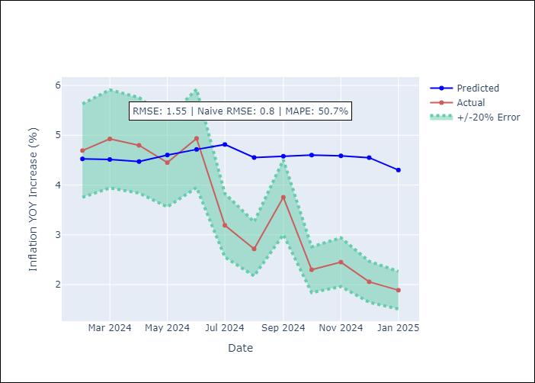

Appendix A: Model Summary
Model | Random Forest
Sample | 2004-01-01 to 2025-01-01
No. of Observations | 253
Terms | P-value (Statistical significance)

Assumptions | P-value

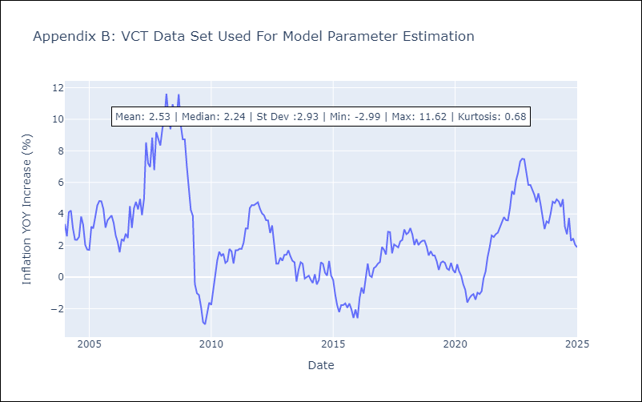

Appendix C: Residuals Analysis
Mean

