ATG
ATG - Inflation - Next 12 months forecast as of: 2025-01-01

Model | Random Forest - [(0, 1, 1), (0, 0, 1, 12)]
Training Data | 2004-01-01 to 2024-02-01
Test Data | 2024-02-01 to 2025-01-01

Date | Inflation Change YoY % | Lower Bound - 95% Confidence Interval | Upper Bound - 95% Confidence Interval
2025-02-01 | 1.04 | -0.59 | 4.27
2025-03-01 | 1.1 | 1.97 | 5.95
2025-04-01 | 1.15 | 0.98 | 4.68
2025-05-01 | 1.06 | 0.68 | 1.4
2025-06-01 | 0.85 | 0.49 | 1.5
2025-07-01 | 0.72 | 0.23 | 1.38
2025-08-01 | 0.83 | 0.38 | 1.33
2025-09-01 | 0.79 | -0.04 | 2.43
2025-10-01 | 0.69 | 0.32 | 1.33
2025-11-01 | 0.57 | 0.27 | 1.27
2025-12-01 | 0.7 | 0.1 | 1.43
2026-01-01 | 0.64 | 0.37 | 1.31

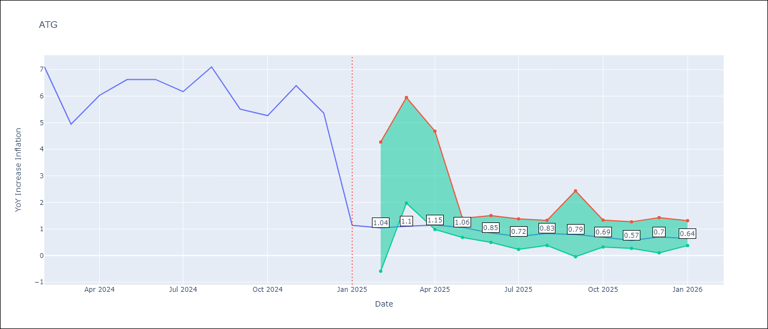

Test Metrics
RMSE | 1.75
Naive RMSE | 1.65
MAPE | 48.33%

Test Predictions
Date | Predicted | Actual
2024-02-01 | 6.44 | 7.11
2024-03-01 | 5.5 | 4.94
2024-04-01 | 5.34 | 6.03
2024-05-01 | 5.33 | 6.62
2024-06-01 | 5.25 | 6.63
2024-07-01 | 4.58 | 6.17
2024-08-01 | 3.97 | 7.1
2024-09-01 | 3.94 | 5.51
2024-10-01 | 4.34 | 5.27
2024-11-01 | 4.04 | 6.39
2024-12-01 | 3.62 | 5.37
2025-01-01 | 3.88 | 1.14

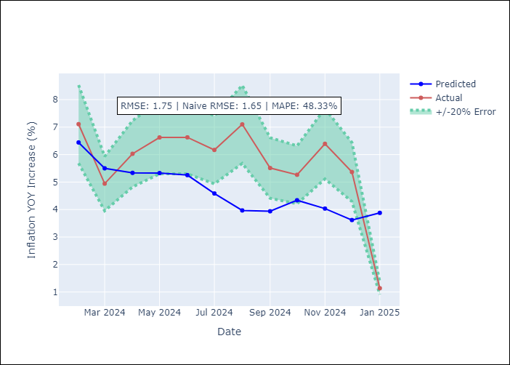

Appendix A: Model Summary
Model | Random Forest
Sample | 2004-01-01 to 2025-01-01
No. of Observations | 253
Terms | P-value (Statistical significance)

Assumptions | P-value

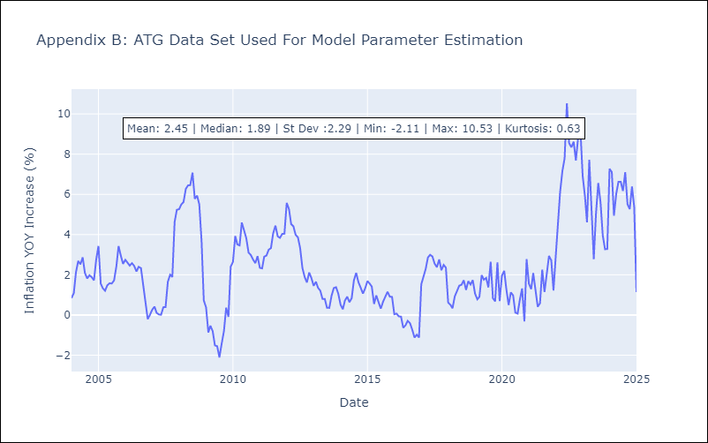

Appendix C: Residuals Analysis
Mean

BHS
BHS - Inflation - Next 12 months forecast as of: 2025-02-01

Model | Random Forest - [(1, 0, 0), (3, 0, 1, 12)]
Training Data | 2000-01-01 to 2024-03-01
Test Data | 2024-03-01 to 2025-02-01

Date | Inflation Change YoY % | Lower Bound - 95% Confidence Interval | Upper Bound - 95% Confidence Interval
2025-03-01 | 1.71 | 0.87 | 3.34
2025-04-01 | 1.61 | 1.83 | 3.46
2025-05-01 | 1.64 | 0.93 | 3.63
2025-06-01 | 1.69 | 1.77 | 3.81
2025-07-01 | 1.58 | 0.93 | 3.29
2025-08-01 | 1.69 | 1.83 | 3
2025-09-01 | 1.89 | 2.19 | 4.45
2025-10-01 | 2.07 | 1.49 | 5.43
2025-11-01 | 2.09 | 0.16 | 2.35
2025-12-01 | 2.18 | 0.41 | 2.42
2026-01-01 | 2.18 | 1.32 | 2.69
2026-02-01 | 2.17 | 1.06 | 2.81

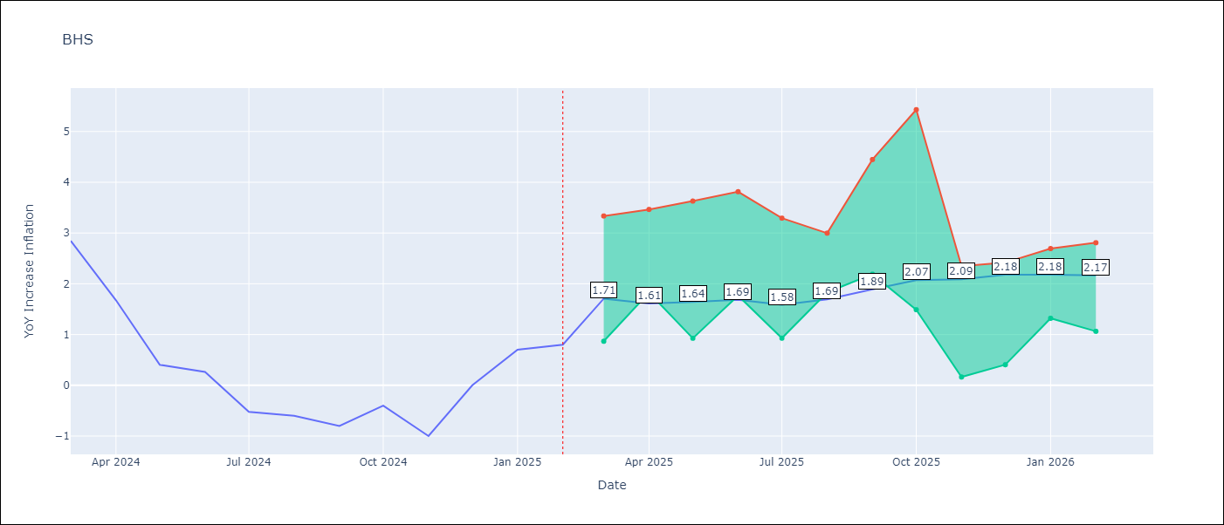

Test Metrics
RMSE | 0.89
Naive RMSE | 0.72
MAPE | inf%

Test Predictions
Date | Predicted | Actual
2024-03-01 | 1.18 | 2.85
2024-04-01 | 1.39 | 1.68
2024-05-01 | 1.08 | 0.4
2024-06-01 | 0.82 | 0.26
2024-07-01 | 0.63 | -0.52
2024-08-01 | 0.31 | -0.6
2024-09-01 | 0.3 | -0.8
2024-10-01 | 0.2 | -0.4
2024-11-01 | 0.42 | -1
2024-12-01 | 0.28 | 0
2025-01-01 | 0.63 | 0.7
2025-02-01 | 0.88 | 0.8

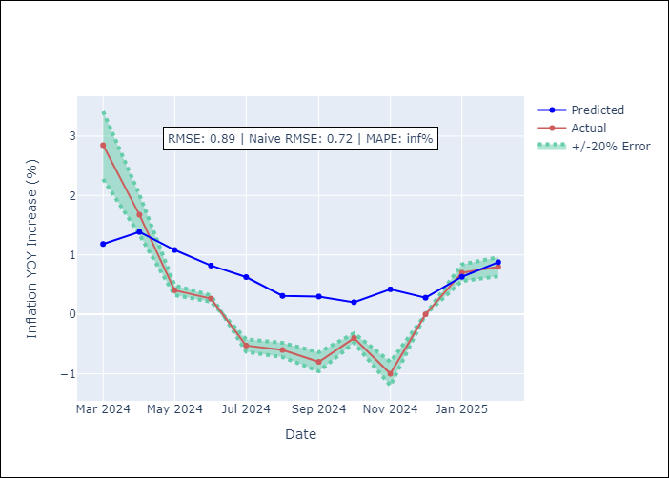

Appendix A: Model Summary
Model | Random Forest
Sample | 2000-01-01 to 2025-02-01
No. of Observations | 302
Terms | P-value (Statistical significance)

Assumptions | P-value

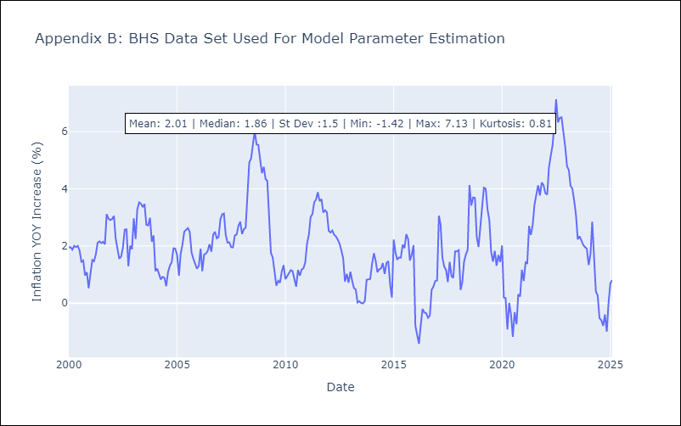

Appendix C: Residuals Analysis
Mean

BLZ
BLZ - Inflation - Next 12 months forecast as of: 2025-03-01

Model | Random Forest - [(2, 0, 0), (1, 0, 0, 12)]
Training Data | 2015-01-01 to 2024-04-01
Test Data | 2024-04-01 to 2025-03-01

Date | Inflation Change YoY % | Lower Bound - 95% Confidence Interval | Upper Bound - 95% Confidence Interval
2025-04-01 | 5.03 | 0.45 | 3.91
2025-05-01 | 4.97 | 0.15 | 1.27
2025-06-01 | 4.9 | 0.03 | 0.82
2025-07-01 | 4.63 | 0.3 | 3.74
2025-08-01 | 4.43 | 3.69 | 6.71
2025-09-01 | 4.2 | 3.19 | 6.3
2025-10-01 | 3.86 | 2.36 | 4.91
2025-11-01 | 3.51 | 2.35 | 4.9
2025-12-01 | 3.27 | 2.22 | 5.32
2026-01-01 | 3.17 | 2.31 | 5.56
2026-02-01 | 3.03 | 2.79 | 5.43
2026-03-01 | 2.85 | 2.71 | 5.26

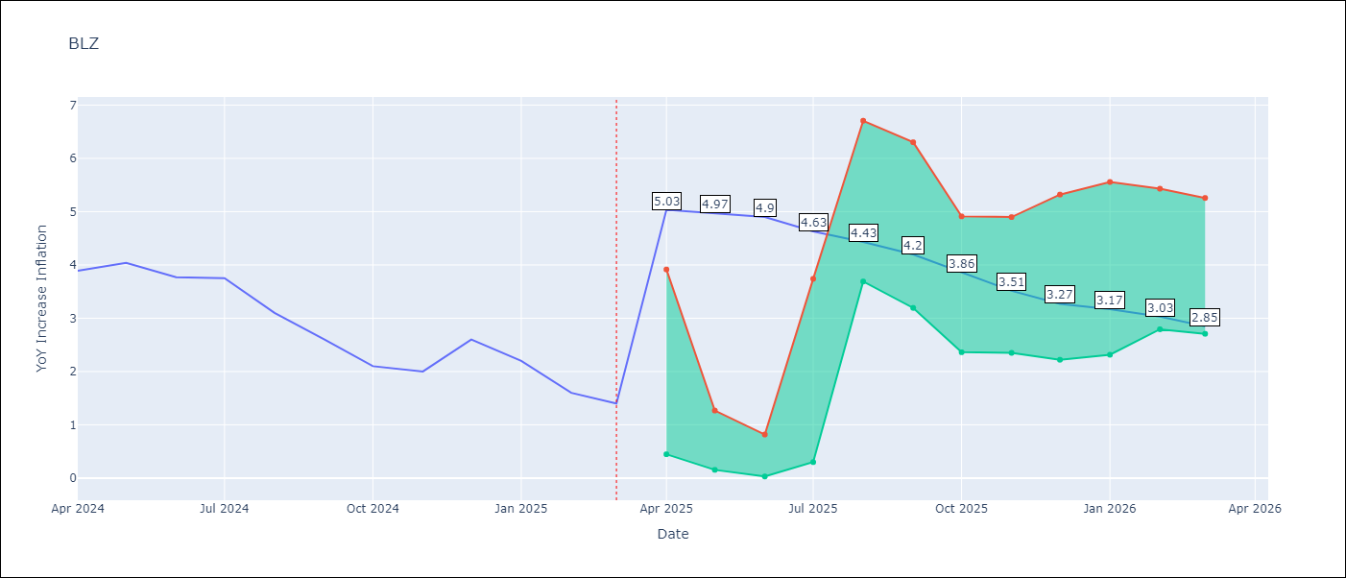

Test Metrics
RMSE | 2.2
Naive RMSE | 0.42
MAPE | 99.8%

Test Predictions
Date | Predicted | Actual
2024-04-01 | 5.31 | 3.89
2024-05-01 | 5.38 | 4.04
2024-06-01 | 5.41 | 3.77
2024-07-01 | 5.32 | 3.75
2024-08-01 | 5.31 | 3.1
2024-09-01 | 5.09 | 2.6
2024-10-01 | 4.89 | 2.1
2024-11-01 | 4.68 | 2
2024-12-01 | 4.52 | 2.6
2025-01-01 | 4.48 | 2.2
2025-02-01 | 4.29 | 1.6
2025-03-01 | 4.05 | 1.4

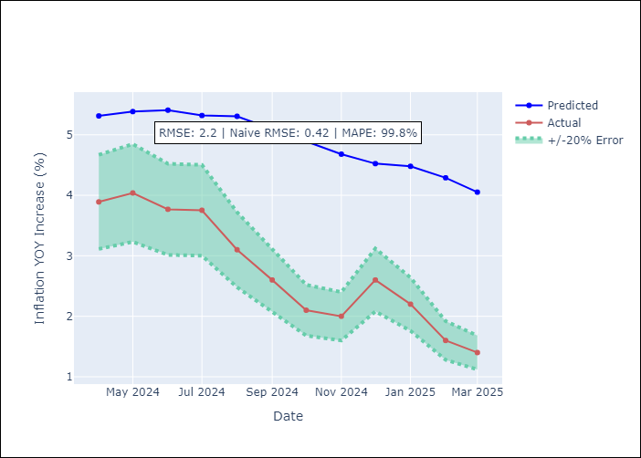

Appendix A: Model Summary
Model | Random Forest
Sample | 2015-01-01 to 2025-03-01
No. of Observations | 123
Terms | P-value (Statistical significance)

Assumptions | P-value

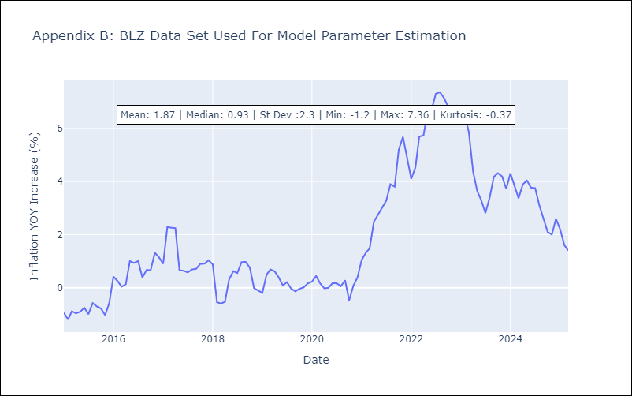

Appendix C: Residuals Analysis
Mean

BRB
BRB - Inflation - Next 12 months forecast as of: 2025-03-01

Model | Random Forest - [(3, 0, 0), (0, 0, 1, 12)]
Training Data | 2003-01-01 to 2024-04-01
Test Data | 2024-04-01 to 2025-03-01

Date | Inflation Change YoY % | Lower Bound - 95% Confidence Interval | Upper Bound - 95% Confidence Interval
2025-04-01 | 5.45 | 0.62 | 4.53
2025-05-01 | 5.86 | 3.93 | 8.77
2025-06-01 | 6.54 | 3.87 | 9.21
2025-07-01 | 7.17 | 2.91 | 6.22
2025-08-01 | 7.78 | 5.7 | 9.26
2025-09-01 | 8.23 | 3.26 | 6.11
2025-10-01 | 8.33 | 4.93 | 9.9
2025-11-01 | 8.3 | 3.23 | 8.78
2025-12-01 | 7.94 | 3.44 | 8.96
2026-01-01 | 7.68 | 4.4 | 10.08
2026-02-01 | 7.29 | 2.24 | 5.22
2026-03-01 | 6.96 | 5.05 | 9.18

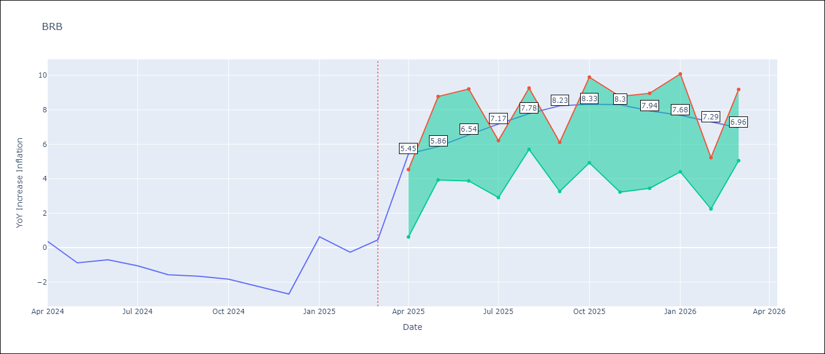

Test Metrics
RMSE | 4.17
Naive RMSE | 1.16
MAPE | 449.04%

Test Predictions
Date | Predicted | Actual
2024-04-01 | 1.37 | 0.36
2024-05-01 | 1.42 | -0.88
2024-06-01 | 1.46 | -0.7
2024-07-01 | 1.8 | -1.06
2024-08-01 | 2.25 | -1.58
2024-09-01 | 2.5 | -1.66
2024-10-01 | 2.99 | -1.83
2024-11-01 | 3.54 | -2.26
2024-12-01 | 3.98 | -2.69
2025-01-01 | 4.29 | 0.63
2025-02-01 | 4.88 | -0.27
2025-03-01 | 4.44 | 0.45

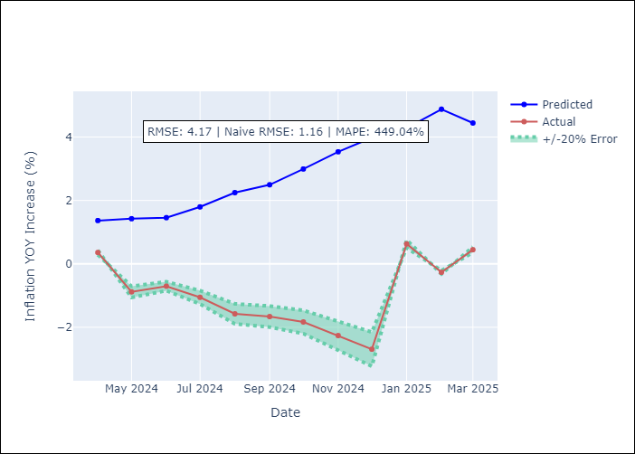

Appendix A: Model Summary
Model | Random Forest
Sample | 2003-01-01 to 2025-03-01
No. of Observations | 263
Terms | P-value (Statistical significance)

Assumptions | P-value

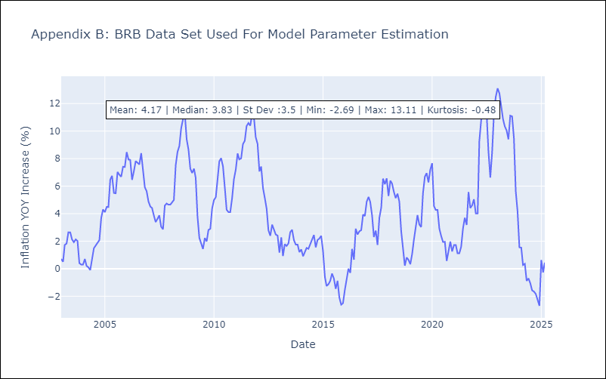

Appendix C: Residuals Analysis
Mean

DMA
DMA - Inflation - Next 12 months forecast as of: 2025-01-01

Model | Random Forest - [(0, 1, 0), (3, 0, 0, 12)]
Training Data | 2004-01-01 to 2024-02-01
Test Data | 2024-02-01 to 2025-01-01

Date | Inflation Change YoY % | Lower Bound - 95% Confidence Interval | Upper Bound - 95% Confidence Interval
2025-02-01 | 0.38 | -0.16 | 1.47
2025-03-01 | 0.44 | -0.04 | 1.2
2025-04-01 | 0.39 | -0.16 | 0.91
2025-05-01 | 0.59 | -0.14 | 0.91
2025-06-01 | 0.58 | -0.05 | 0.9
2025-07-01 | 0.43 | -0.11 | 1.24
2025-08-01 | 0.51 | -0.38 | 1.02
2025-09-01 | 0.31 | -0.05 | 0.93
2025-10-01 | 0.35 | -0.27 | 0.9
2025-11-01 | 0.52 | 0.01 | 1.12
2025-12-01 | 0.43 | -0.15 | 0.79
2026-01-01 | 0.52 | 0.1 | 1.06

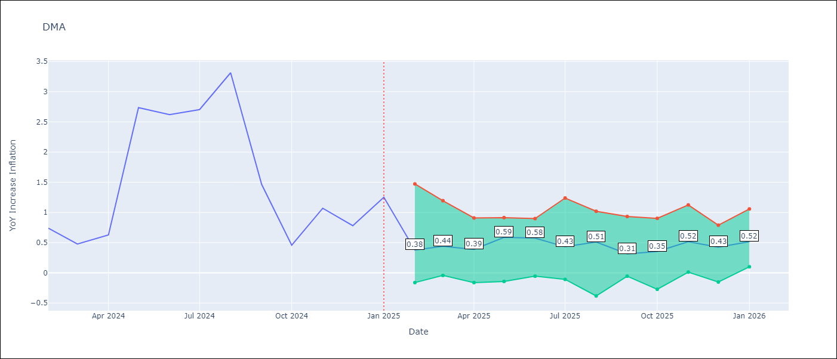

Test Metrics
RMSE | 1.51
Naive RMSE | 0.96
MAPE | 96.79%

Test Predictions
Date | Predicted | Actual
2024-02-01 | 1.42 | 0.74
2024-03-01 | 1.47 | 0.48
2024-04-01 | 1.3 | 0.63
2024-05-01 | 1.04 | 2.74
2024-06-01 | 0.45 | 2.62
2024-07-01 | 1.21 | 2.7
2024-08-01 | 1.37 | 3.31
2024-09-01 | 1.41 | 1.46
2024-10-01 | 0.89 | 0.46
2024-11-01 | 0.32 | 1.07
2024-12-01 | -1.43 | 0.78
2025-01-01 | -1.25 | 1.25

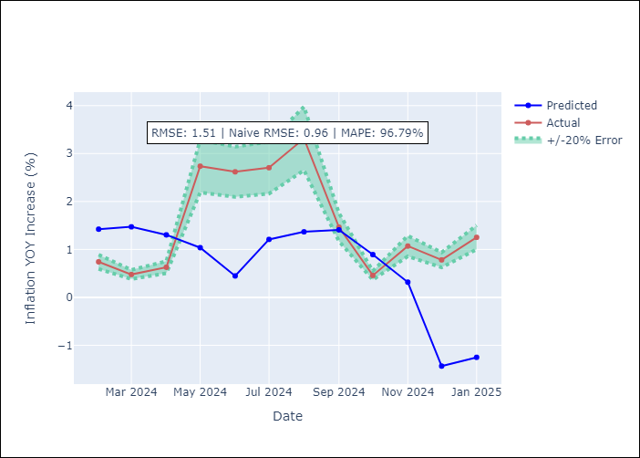

Appendix A: Model Summary
Model | Random Forest
Sample | 2004-01-01 to 2025-01-01
No. of Observations | 253
Terms | P-value (Statistical significance)

Assumptions | P-value

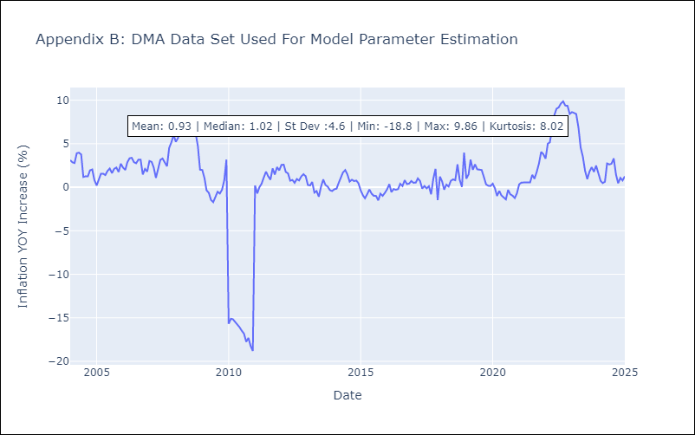

Appendix C: Residuals Analysis
Mean

GRD
GRD - Inflation - Next 12 months forecast as of: 2025-01-01

Model | Random Forest - [(1, 1, 1), (3, 0, 0, 12)]
Training Data | 2004-01-01 to 2024-02-01
Test Data | 2024-02-01 to 2025-01-01

Date | Inflation Change YoY % | Lower Bound - 95% Confidence Interval | Upper Bound - 95% Confidence Interval
2025-02-01 | 1.1 | 0.25 | 1.12
2025-03-01 | 1.1 | 0.5 | 1.13
2025-04-01 | 1.04 | -0.1 | 1.1
2025-05-01 | 1.01 | -1.01 | 0.02
2025-06-01 | 0.92 | -0.49 | 1.99
2025-07-01 | 0.85 | 1.9 | 3.36
2025-08-01 | 0.74 | 1.74 | 3.75
2025-09-01 | 0.6 | 2 | 4.72
2025-10-01 | 0.45 | 1.28 | 3.41
2025-11-01 | 0.34 | 0.02 | 1.46
2025-12-01 | 0.23 | -0.01 | 1.14
2026-01-01 | 0.13 | 0.06 | 1.14

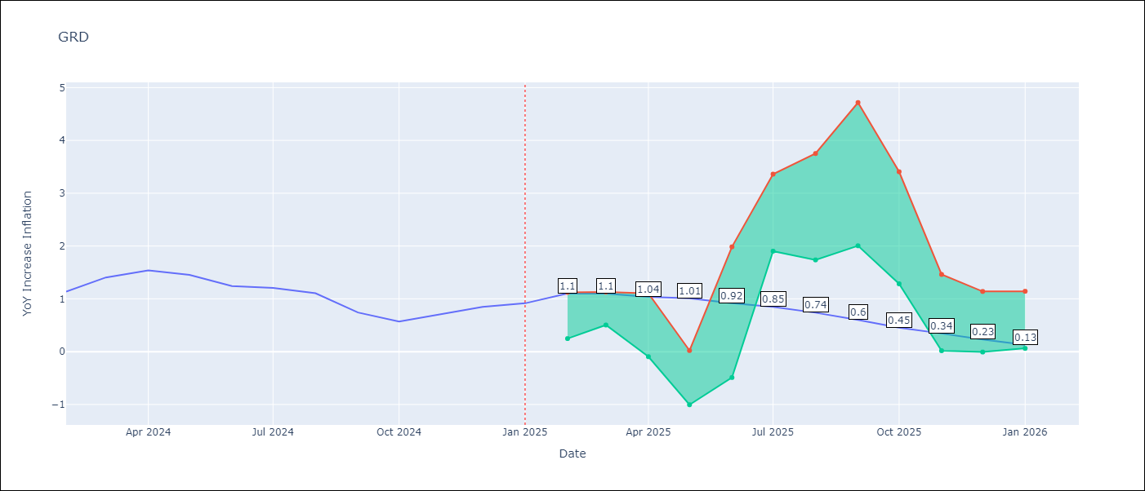

Test Metrics
RMSE | 0.77
Naive RMSE | 0.18
MAPE | 71.01%

Test Predictions
Date | Predicted | Actual
2024-02-01 | 0.86 | 1.14
2024-03-01 | 0.69 | 1.41
2024-04-01 | 0.66 | 1.54
2024-05-01 | 0.85 | 1.45
2024-06-01 | 1.02 | 1.24
2024-07-01 | 0.96 | 1.21
2024-08-01 | 0.2 | 1.11
2024-09-01 | -0.12 | 0.74
2024-10-01 | -0.21 | 0.57
2024-11-01 | -0.25 | 0.71
2024-12-01 | -0.2 | 0.85
2025-01-01 | -0.15 | 0.92

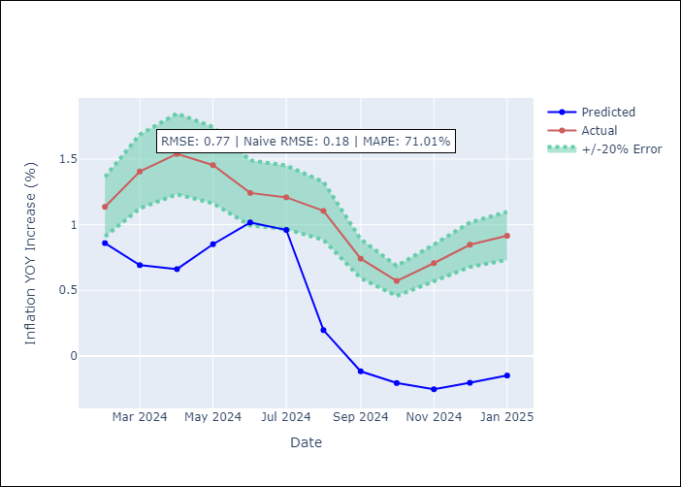

Appendix A: Model Summary
Model | Random Forest
Sample | 2004-01-01 to 2025-01-01
No. of Observations | 253
Terms | P-value (Statistical significance)

Assumptions | P-value

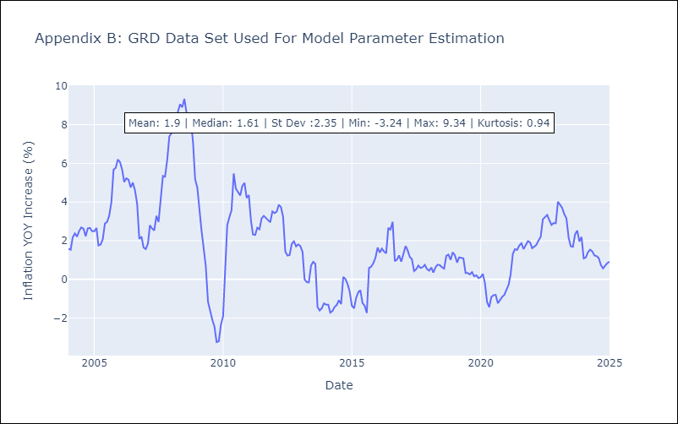

Appendix C: Residuals Analysis
Mean

GUY
GUY - Inflation - Next 12 months forecast as of: 2025-03-01

Model | Random Forest - [(3, 0, 1), (1, 0, 0, 12)]
Training Data | 2008-01-01 to 2024-04-01
Test Data | 2024-04-01 to 2025-03-01

Date | Inflation Change YoY % | Lower Bound - 95% Confidence Interval | Upper Bound - 95% Confidence Interval
2025-04-01 | 1.66 | 1.62 | 4.31
2025-05-01 | 2.01 | 0.69 | 1.82
2025-06-01 | 2.22 | 0.67 | 2.3
2025-07-01 | 2.25 | 1.18 | 1.9
2025-08-01 | 2.14 | 1.28 | 2
2025-09-01 | 2 | 1.15 | 1.96
2025-10-01 | 2.04 | 1.24 | 2.17
2025-11-01 | 1.97 | 0.97 | 2.27
2025-12-01 | 1.93 | 0.71 | 2.48
2026-01-01 | 1.82 | 1.08 | 3.59
2026-02-01 | 1.72 | 0.61 | 2.19
2026-03-01 | 1.56 | 1.26 | 2.39

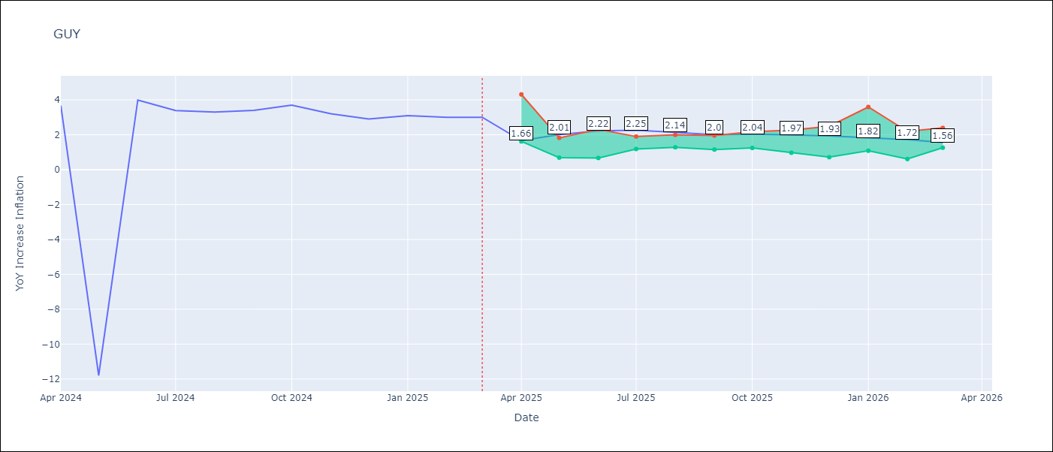

Test Metrics
RMSE | 4.2
Naive RMSE | 6.67
MAPE | 40.28%

Test Predictions
Date | Predicted | Actual
2024-04-01 | 2.18 | 3.67
2024-05-01 | 2.23 | -11.79
2024-06-01 | 2.26 | 3.99
2024-07-01 | 2.44 | 3.39
2024-08-01 | 2.47 | 3.3
2024-09-01 | 2.36 | 3.4
2024-10-01 | 2.31 | 3.7
2024-11-01 | 2.22 | 3.2
2024-12-01 | 2.18 | 2.9
2025-01-01 | 2.15 | 3.1
2025-02-01 | 1.95 | 3
2025-03-01 | 1.76 | 3

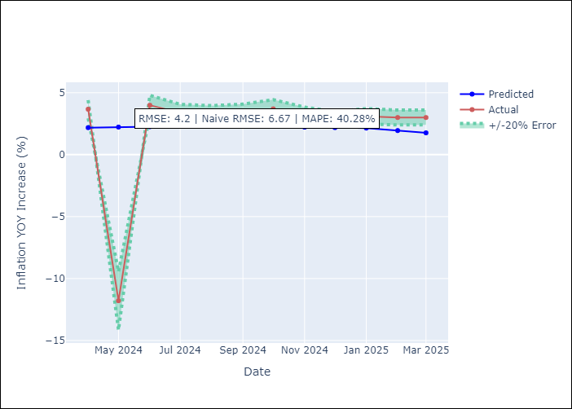

Appendix A: Model Summary
Model | Random Forest
Sample | 2008-01-01 to 2025-03-01
No. of Observations | 207
Terms | P-value (Statistical significance)

Assumptions | P-value

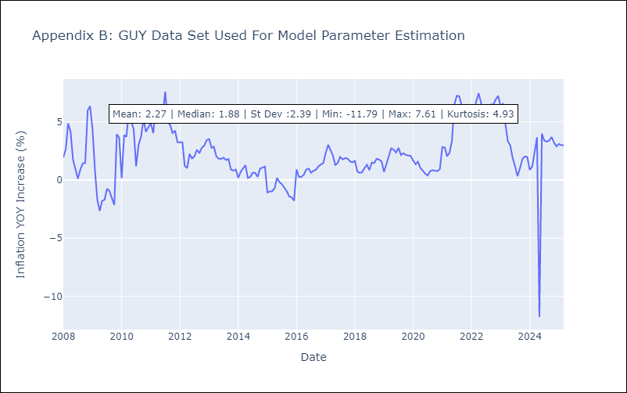

Appendix C: Residuals Analysis
Mean

JAM
JAM - Inflation - Next 12 months forecast as of: 2025-04-01

Model | Random Forest - [(2, 1, 0), (0, 0, 2, 12)]
Training Data | 1994-07-01 to 2024-05-01
Test Data | 2024-05-01 to 2025-04-01

Date | Inflation Change YoY % | Lower Bound - 95% Confidence Interval | Upper Bound - 95% Confidence Interval
2025-05-01 | 6.71 | 3.85 | 8.81
2025-06-01 | 6.81 | 6.84 | 9.74
2025-07-01 | 6.7 | 6.38 | 8.36
2025-08-01 | 6.61 | 7.91 | 14.36
2025-09-01 | 6.43 | 6.36 | 12.93
2025-10-01 | 6.24 | 5.46 | 7.53
2025-11-01 | 6.32 | 6.2 | 10.6
2025-12-01 | 6.16 | 6.73 | 9.62
2026-01-01 | 6.11 | 5.96 | 8.72
2026-02-01 | 6.26 | 7.48 | 12.96
2026-03-01 | 6.38 | 6.35 | 11
2026-04-01 | 6.63 | 5.87 | 7.2

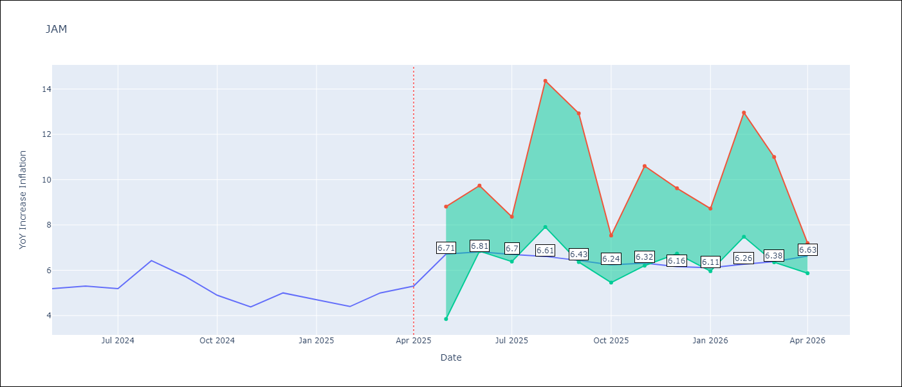

Test Metrics
RMSE | 2.25
Naive RMSE | 0.6
MAPE | 37.31%

Test Predictions
Date | Predicted | Actual
2024-05-01 | 5.67 | 5.19
2024-06-01 | 5.88 | 5.3
2024-07-01 | 5.96 | 5.19
2024-08-01 | 5.98 | 6.42
2024-09-01 | 6.26 | 5.74
2024-10-01 | 6.82 | 4.9
2024-11-01 | 7 | 4.38
2024-12-01 | 7.15 | 5
2025-01-01 | 7.19 | 4.7
2025-02-01 | 7.91 | 4.4
2025-03-01 | 8.5 | 5
2025-04-01 | 8.95 | 5.3

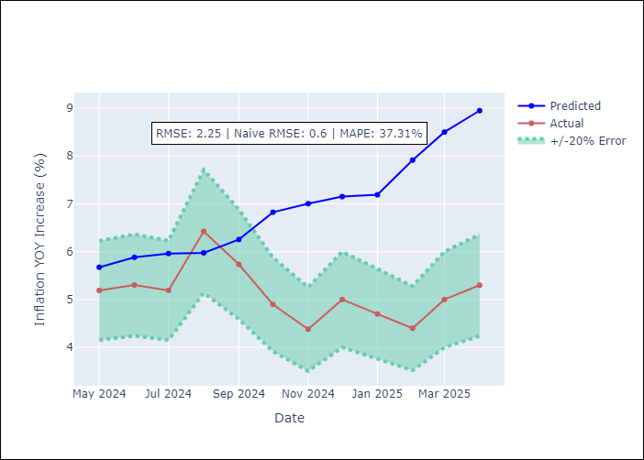

Appendix A: Model Summary
Model | Random Forest
Sample | 1994-07-01 to 2025-04-01
No. of Observations | 370
Terms | P-value (Statistical significance)

Assumptions | P-value

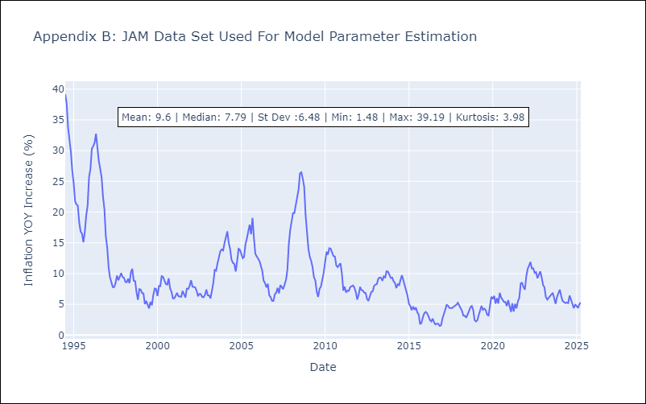

Appendix C: Residuals Analysis
Mean

KNA
KNA - Inflation - Next 12 months forecast as of: 2025-02-01

Model | Random Forest - [(0, 1, 0), (3, 0, 0, 12)]
Training Data | 2006-01-01 to 2024-03-01
Test Data | 2024-03-01 to 2025-02-01

Date | Inflation Change YoY % | Lower Bound - 95% Confidence Interval | Upper Bound - 95% Confidence Interval
2025-03-01 | 2.08 | 0.14 | 1.67
2025-04-01 | 2.07 | -1.25 | 0.9
2025-05-01 | 2.09 | -2.42 | -0.14
2025-06-01 | 2.34 | -0.46 | 1.12
2025-07-01 | 2.33 | 0.23 | 1.67
2025-08-01 | 2.59 | 0.44 | 2.23
2025-09-01 | 2.57 | -0.24 | 2.35
2025-10-01 | 2.56 | -1.28 | 0.94
2025-11-01 | 2.7 | -2.13 | -0.21
2025-12-01 | 2.81 | -0.49 | 1.29
2026-01-01 | 2.81 | 0.93 | 2.66
2026-02-01 | 2.44 | 1.2 | 3.88

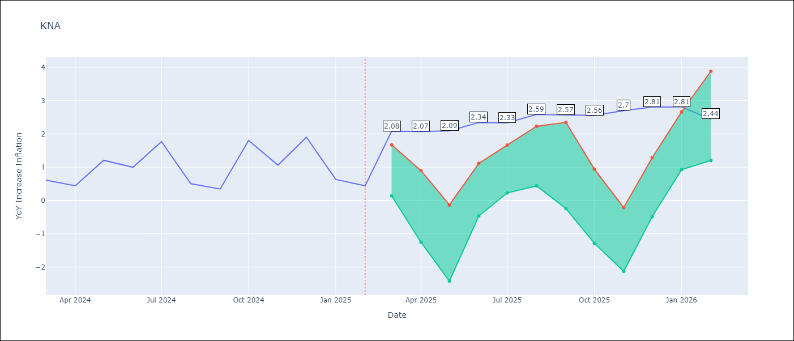

Test Metrics
RMSE | 0.79
Naive RMSE | 0.85
MAPE | 111.42%

Test Predictions
Date | Predicted | Actual
2024-03-01 | 1.25 | 0.61
2024-04-01 | 1.15 | 0.44
2024-05-01 | 1.07 | 1.21
2024-06-01 | 1.18 | 1
2024-07-01 | 1.11 | 1.77
2024-08-01 | 1.49 | 0.51
2024-09-01 | 1.3 | 0.35
2024-10-01 | 1.31 | 1.8
2024-11-01 | 1.63 | 1.06
2024-12-01 | 1.62 | 1.9
2025-01-01 | 2.07 | 0.63
2025-02-01 | 1.65 | 0.44

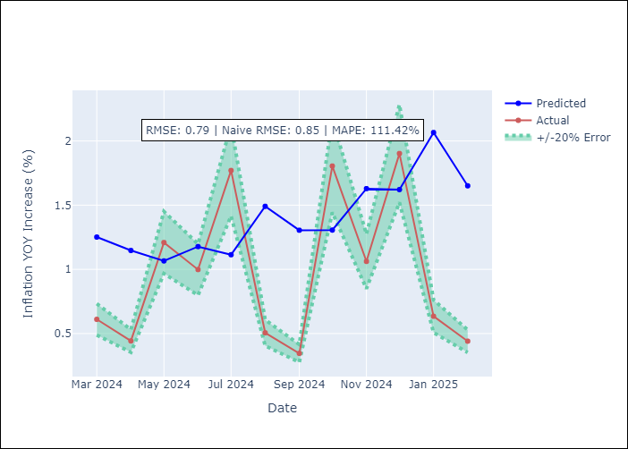

Appendix A: Model Summary
Model | Random Forest
Sample | 2006-01-01 to 2025-02-01
No. of Observations | 230
Terms | P-value (Statistical significance)

Assumptions | P-value

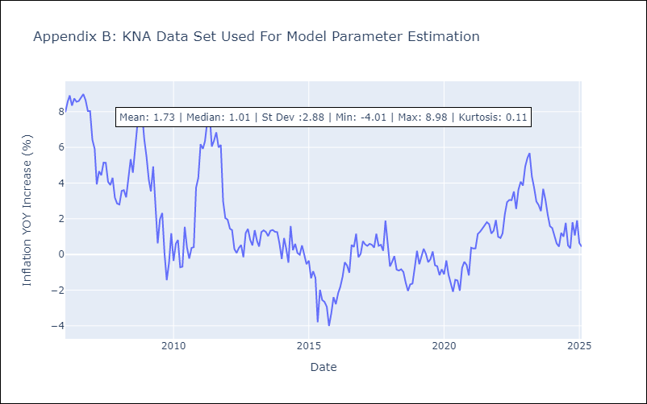

Appendix C: Residuals Analysis
Mean

LCA
LCA - Inflation - Next 12 months forecast as of: 2025-01-01

Model | Random Forest - [(0, 1, 0), (3, 0, 1, 12)]
Training Data | 2008-01-01 to 2024-02-01
Test Data | 2024-02-01 to 2025-01-01

Date | Inflation Change YoY % | Lower Bound - 95% Confidence Interval | Upper Bound - 95% Confidence Interval
2025-02-01 | 2.89 | 1.65 | 3.65
2025-03-01 | 3.24 | 1.6 | 3.67
2025-04-01 | 4.11 | 2.76 | 4.65
2025-05-01 | 4.4 | 1.97 | 4.97
2025-06-01 | 4.42 | 1.51 | 4.91
2025-07-01 | 4.37 | -0.08 | 2.77
2025-08-01 | 4.04 | 1.01 | 4.56
2025-09-01 | 3.79 | 0.57 | 3.79
2025-10-01 | 3.48 | 1.73 | 4.03
2025-11-01 | 3.26 | 1.98 | 4.37
2025-12-01 | 2.95 | 2.26 | 4.7
2026-01-01 | 2.63 | 2.08 | 5.08

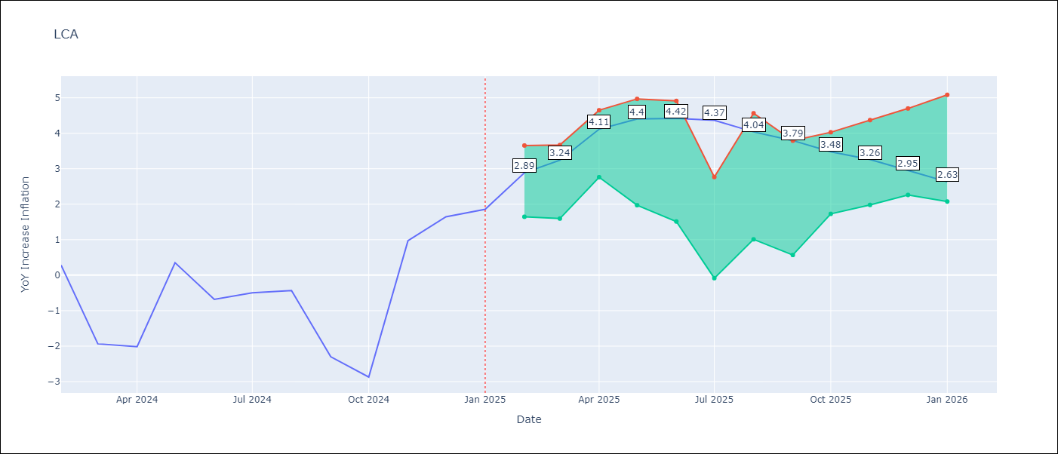

Test Metrics
RMSE | 1.51
Naive RMSE | 1.67
MAPE | 153.29%

Test Predictions
Date | Predicted | Actual
2024-02-01 | -0.08 | 0.28
2024-03-01 | -0.57 | -1.94
2024-04-01 | -0.99 | -2.02
2024-05-01 | -1.05 | 0.35
2024-06-01 | -0.05 | -0.68
2024-07-01 | 0.18 | -0.5
2024-08-01 | 0.33 | -0.43
2024-09-01 | 0.63 | -2.3
2024-10-01 | 0.57 | -2.87
2024-11-01 | 0.65 | 0.97
2024-12-01 | 2.08 | 1.65
2025-01-01 | 2.37 | 1.86

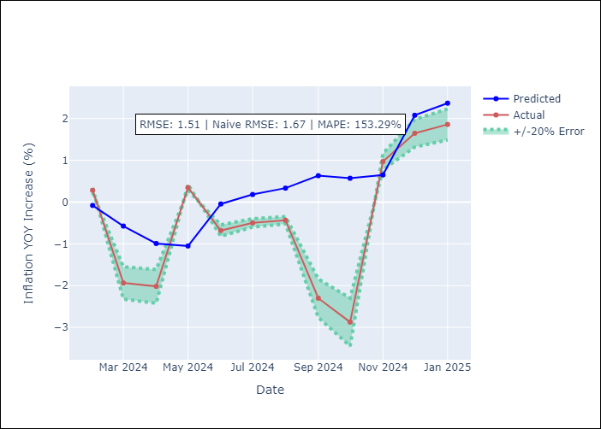

Appendix A: Model Summary
Model | Random Forest
Sample | 2008-01-01 to 2025-01-01
No. of Observations | 205
Terms | P-value (Statistical significance)

Assumptions | P-value

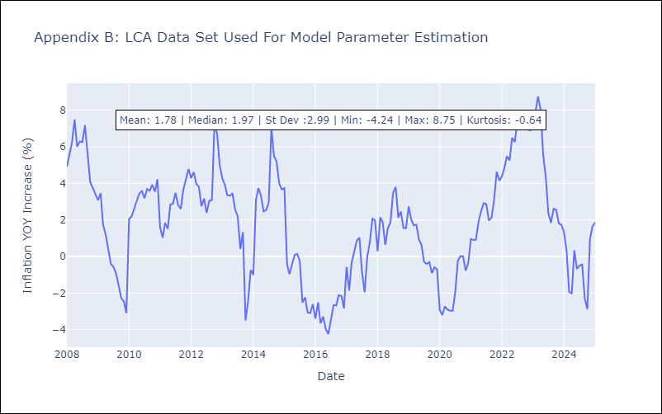

Appendix C: Residuals Analysis
Mean

SUR
SUR - Inflation - Next 12 months forecast as of: 2024-08-01

Model | Random Forest - [(3, 2, 0), (1, 0, 0, 12)]
Training Data | 2012-04-01 to 2023-09-01
Test Data | 2023-09-01 to 2024-08-01

Date | Inflation Change YoY % | Lower Bound - 95% Confidence Interval | Upper Bound - 95% Confidence Interval
2024-09-01 | 48.81 | -4.65 | 22.18
2024-10-01 | 50.77 | 6.35 | 35.26
2024-11-01 | 53.95 | 6.51 | 52.96
2024-12-01 | 56.13 | 13.25 | 61.87
2025-01-01 | 58.52 | 31.14 | 63.15
2025-02-01 | 58.58 | 45.02 | 59.97
2025-03-01 | 58.57 | 45.47 | 60.78
2025-04-01 | 58.72 | 41.33 | 60.31
2025-05-01 | 58.34 | 42.76 | 60.57
2025-06-01 | 56.94 | 44.05 | 59.81
2025-07-01 | 53.23 | 40.89 | 59.85
2025-08-01 | 51.08 | 46.28 | 60.19

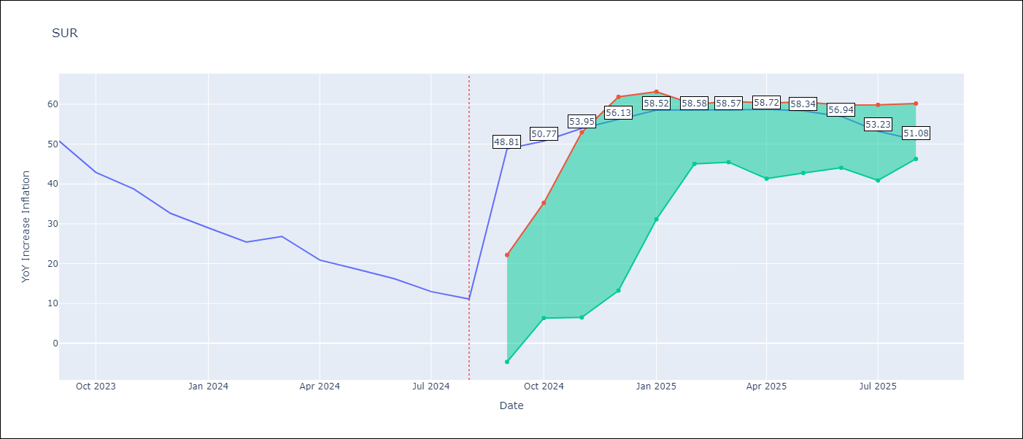

Test Metrics
RMSE | 21.29
Naive RMSE | 4.32
MAPE | 113.34%

Test Predictions
Date | Predicted | Actual
2023-09-01 | 53.1 | 50.79
2023-10-01 | 53.59 | 42.92
2023-11-01 | 51.98 | 38.74
2023-12-01 | 50.18 | 32.63
2024-01-01 | 48 | 28.98
2024-02-01 | 46.3 | 25.4
2024-03-01 | 45.45 | 26.83
2024-04-01 | 45.14 | 20.9
2024-05-01 | 44.9 | 18.62
2024-06-01 | 43.9 | 16.21
2024-07-01 | 41.7 | 12.99
2024-08-01 | 39.79 | 11.13

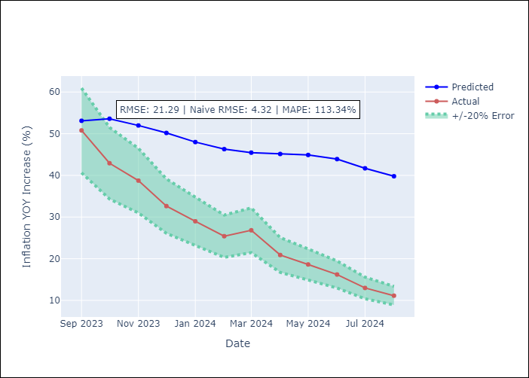

Appendix A: Model Summary
Model | Random Forest
Sample | 2012-04-01 to 2024-08-01
No. of Observations | 145
Terms | P-value (Statistical significance)

Assumptions | P-value

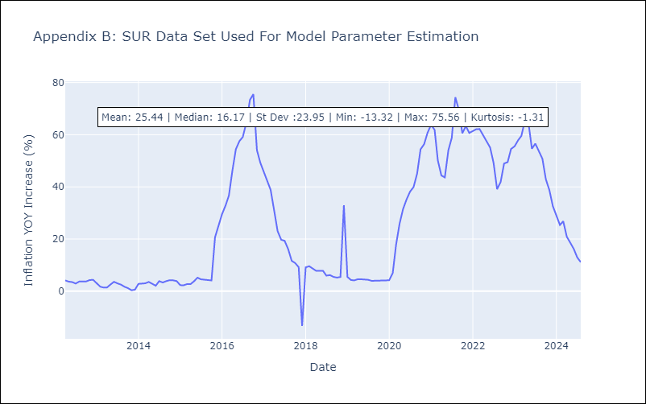

Appendix C: Residuals Analysis
Mean

TTO
TTO - Inflation - Next 12 months forecast as of: 2025-04-01

Model | Random Forest - [(3, 2, 0), (3, 0, 0, 12)]
Training Data | 1994-07-01 to 2024-05-01
Test Data | 2024-05-01 to 2025-04-01

Date | Inflation Change YoY % | Lower Bound - 95% Confidence Interval | Upper Bound - 95% Confidence Interval
2025-05-01 | 4.85 | 0.84 | 5.97
2025-06-01 | 4.96 | 3.9 | 6.25
2025-07-01 | 4.91 | 3.06 | 4.35
2025-08-01 | 4.71 | 3.49 | 6.22
2025-09-01 | 4.76 | 3.05 | 5.37
2025-10-01 | 4.71 | 3.31 | 5.48
2025-11-01 | 4.54 | 3.48 | 6.5
2025-12-01 | 4.42 | 3.14 | 4.3
2026-01-01 | 4.11 | 3.94 | 6.45
2026-02-01 | 3.91 | 2.73 | 5.37
2026-03-01 | 3.8 | 3.24 | 5.24
2026-04-01 | 3.71 | 3.57 | 5.32

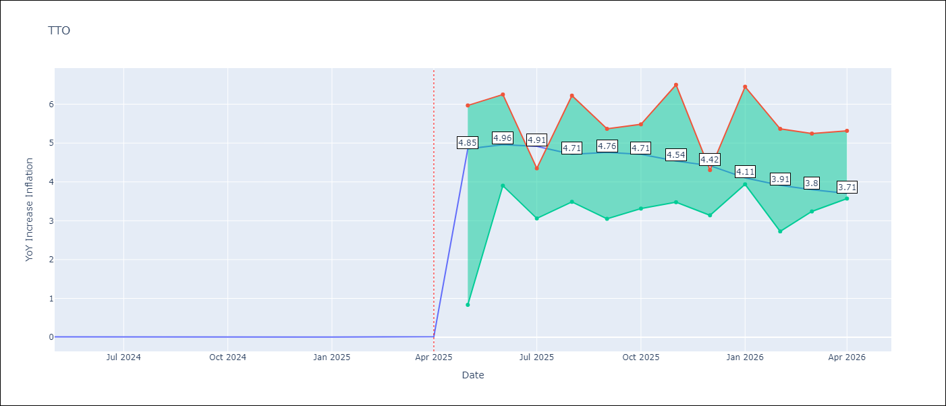

Test Metrics
RMSE | 1.03
Naive RMSE | 0.0
MAPE | 20977.17%

Test Predictions
Date | Predicted | Actual
2024-05-01 | 1.07 | 0.01
2024-06-01 | 1.14 | 0.01
2024-07-01 | 1.1 | 0
2024-08-01 | 0.96 | 0
2024-09-01 | 0.91 | 0
2024-10-01 | 0.99 | 0
2024-11-01 | 0.98 | 0
2024-12-01 | 0.95 | 0
2025-01-01 | 1.02 | 0.01
2025-02-01 | 1.08 | 0.01
2025-03-01 | 1.1 | 0.01
2025-04-01 | 1.12 | 0.02

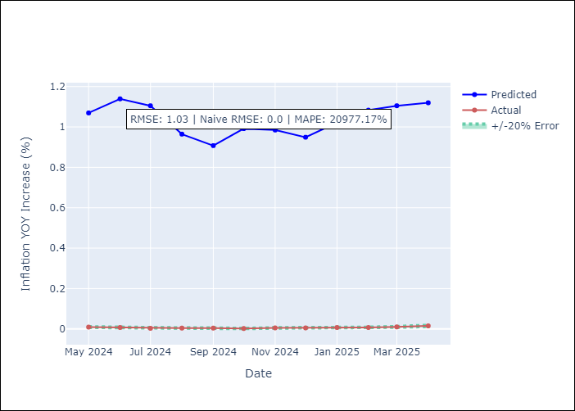

Appendix A: Model Summary
Model | Random Forest
Sample | 1994-07-01 to 2025-04-01
No. of Observations | 370
Terms | P-value (Statistical significance)

Assumptions | P-value

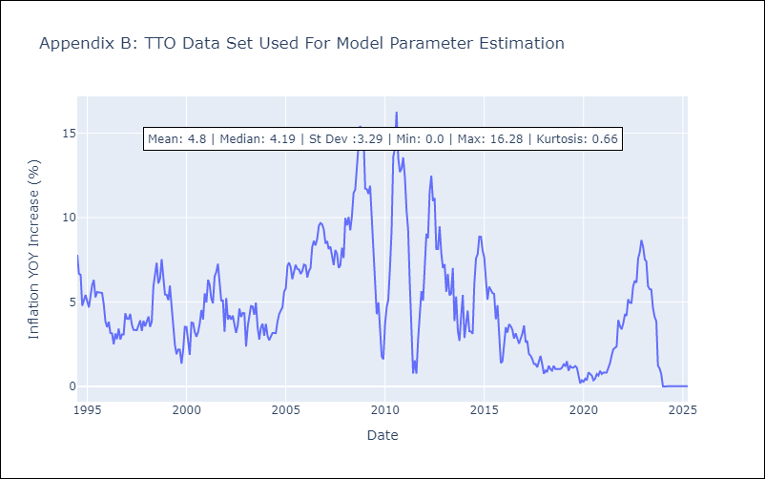

Appendix C: Residuals Analysis
Mean

VCT
VCT - Inflation - Next 12 months forecast as of: 2025-01-01

Model | Random Forest - [(1, 0, 0), (3, 0, 0, 12)]
Training Data | 2004-01-01 to 2024-02-01
Test Data | 2024-02-01 to 2025-01-01

Date | Inflation Change YoY % | Lower Bound - 95% Confidence Interval | Upper Bound - 95% Confidence Interval
2025-02-01 | 4.84 | 2.01 | 5.27
2025-03-01 | 4.96 | 2.34 | 5.34
2025-04-01 | 5.07 | 2.1 | 3.99
2025-05-01 | 5.3 | 1.77 | 3.29
2025-06-01 | 5.58 | 1.36 | 3.68
2025-07-01 | 5.43 | 0.93 | 2.88
2025-08-01 | 5.01 | 0.4 | 2.37
2025-09-01 | 4.87 | -0.7 | 0.52
2025-10-01 | 4.45 | -1.68 | 1.53
2025-11-01 | 4.42 | -1.4 | 2.15
2025-12-01 | 4.51 | 2.1 | 5.62
2026-01-01 | 4.48 | 2.46 | 6.33

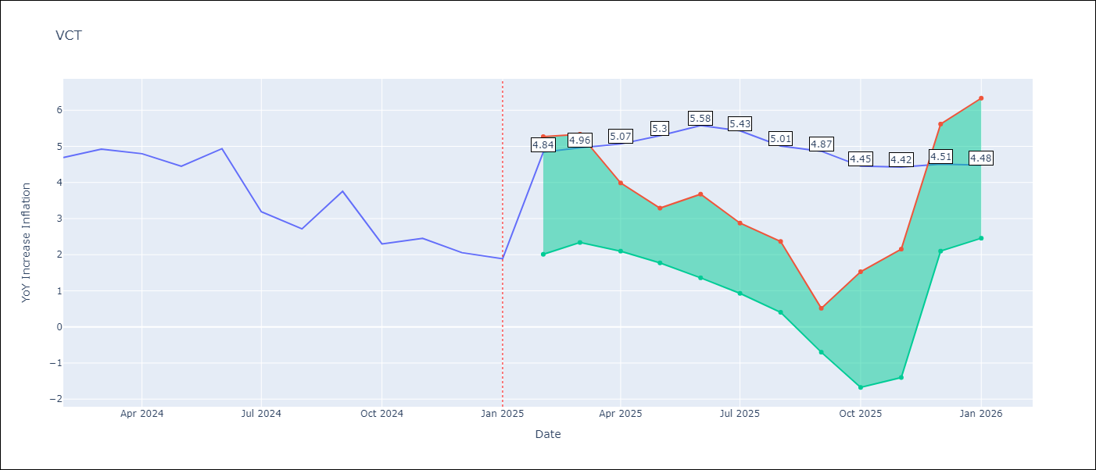

Test Metrics
RMSE | 1.32
Naive RMSE | 0.8
MAPE | 47.36%

Test Predictions
Date | Predicted | Actual
2024-02-01 | 4.4 | 4.69
2024-03-01 | 4.46 | 4.93
2024-04-01 | 4.39 | 4.8
2024-05-01 | 4.48 | 4.45
2024-06-01 | 4.69 | 4.94
2024-07-01 | 4.82 | 3.19
2024-08-01 | 4.45 | 2.72
2024-09-01 | 4.37 | 3.75
2024-10-01 | 4.2 | 2.3
2024-11-01 | 4.06 | 2.45
2024-12-01 | 4.1 | 2.06
2025-01-01 | 3.9 | 1.89

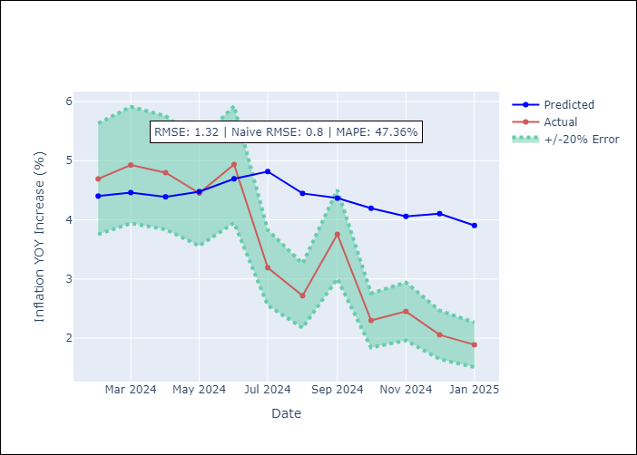

Appendix A: Model Summary
Model | Random Forest
Sample | 2004-01-01 to 2025-01-01
No. of Observations | 253
Terms | P-value (Statistical significance)

Assumptions | P-value

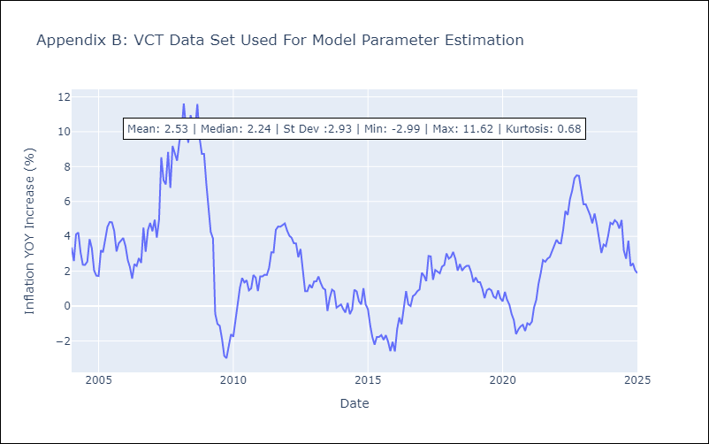

Appendix C: Residuals Analysis
Mean

