ATG
ATG - Inflation - Next 12 months forecast as of: 2025-01-01

Model | Random Forest - [(0, 1, 1), (0, 0, 1, 12)]
Training Data | 2004-01-01 to 2024-02-01
Test Data | 2024-02-01 to 2025-01-01

Date | Inflation Change YoY % | Lower Bound - 95% Confidence Interval | Upper Bound - 95% Confidence Interval
2025-02-01 | 1 | -0.81 | 3.03
2025-03-01 | 1.15 | 1.46 | 3.77
2025-04-01 | 1.17 | 0.52 | 2.09
2025-05-01 | 1.26 | 0.81 | 1.63
2025-06-01 | 1.18 | 0.74 | 2.47
2025-07-01 | 1.11 | 0.44 | 1.35
2025-08-01 | 1.11 | 0.1 | 1.41
2025-09-01 | 1.08 | 0.32 | 1.41
2025-10-01 | 1.11 | 0.46 | 1.38
2025-11-01 | 1.09 | 0.66 | 1.41
2025-12-01 | 0.99 | 0.55 | 1.37
2026-01-01 | 0.92 | 0.54 | 1.4

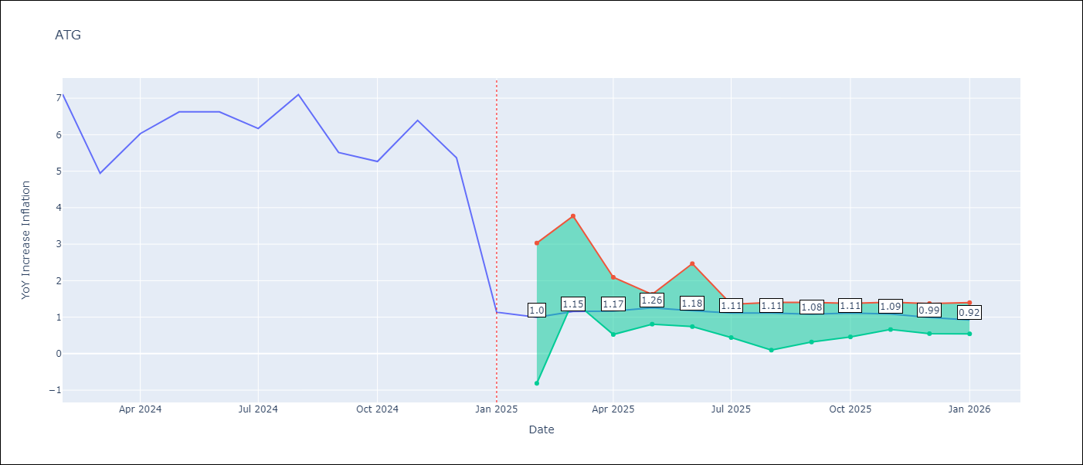

Test Metrics
RMSE | 1.55
Naive RMSE | 1.65
MAPE | 47.67%

Test Predictions
Date | Predicted | Actual
2024-02-01 | 6.69 | 7.11
2024-03-01 | 6.05 | 4.94
2024-04-01 | 5.84 | 6.03
2024-05-01 | 5.85 | 6.62
2024-06-01 | 5.25 | 6.63
2024-07-01 | 4.92 | 6.17
2024-08-01 | 4.62 | 7.1
2024-09-01 | 4.41 | 5.51
2024-10-01 | 4.51 | 5.27
2024-11-01 | 4.13 | 6.39
2024-12-01 | 3.96 | 5.37
2025-01-01 | 4.04 | 1.14

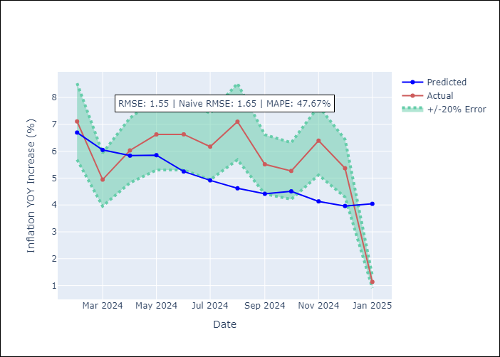

Appendix A: Model Summary
Model | Random Forest
Sample | 2004-01-01 to 2025-01-01
No. of Observations | 253
Terms | P-value (Statistical significance)

Assumptions | P-value

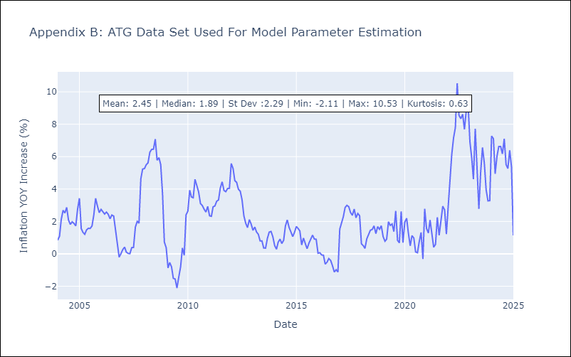

Appendix C: Residuals Analysis
Mean

BHS
BHS - Inflation - Next 12 months forecast as of: 2025-02-01

Model | Random Forest - [(1, 0, 0), (3, 0, 1, 12)]
Training Data | 2000-01-01 to 2024-03-01
Test Data | 2024-03-01 to 2025-02-01

Date | Inflation Change YoY % | Lower Bound - 95% Confidence Interval | Upper Bound - 95% Confidence Interval
2025-03-01 | 1.95 | 0.94 | 3.11
2025-04-01 | 1.76 | 1.82 | 3.41
2025-05-01 | 1.54 | 2.27 | 4.67
2025-06-01 | 1.43 | 1.07 | 5.1
2025-07-01 | 1.52 | 0.31 | 2.37
2025-08-01 | 1.38 | 0.04 | 2.19
2025-09-01 | 0.98 | 1.33 | 2.36
2025-10-01 | 0.57 | 1.38 | 2.9
2025-11-01 | 0.29 | 2.12 | 3.62
2025-12-01 | 0.05 | 2.49 | 5.04
2026-01-01 | -0.08 | 1.16 | 5.42
2026-02-01 | -0.16 | -0.19 | 2.02

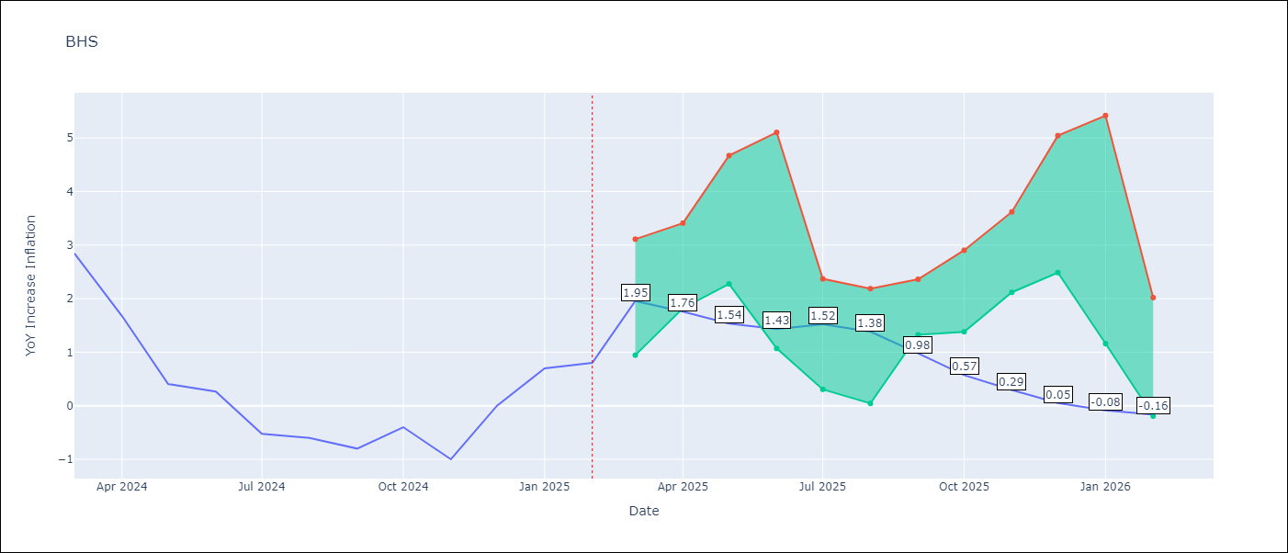

Test Metrics
RMSE | 0.81
Naive RMSE | 0.72
MAPE | inf%

Test Predictions
Date | Predicted | Actual
2024-03-01 | 1.28 | 2.85
2024-04-01 | 1.45 | 1.68
2024-05-01 | 1.08 | 0.4
2024-06-01 | 0.84 | 0.26
2024-07-01 | 0.51 | -0.52
2024-08-01 | 0.28 | -0.6
2024-09-01 | 0.16 | -0.8
2024-10-01 | 0.11 | -0.4
2024-11-01 | 0.27 | -1
2024-12-01 | 0.14 | 0
2025-01-01 | 0.55 | 0.7
2025-02-01 | 0.75 | 0.8

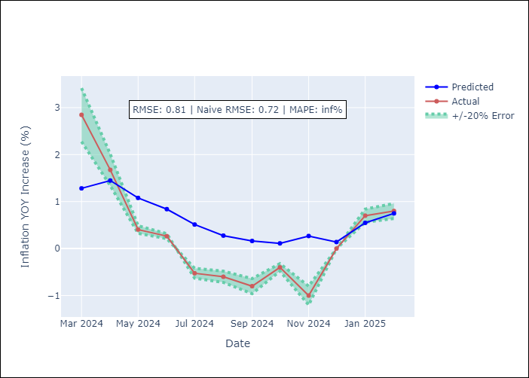

Appendix A: Model Summary
Model | Random Forest
Sample | 2000-01-01 to 2025-02-01
No. of Observations | 302
Terms | P-value (Statistical significance)

Assumptions | P-value

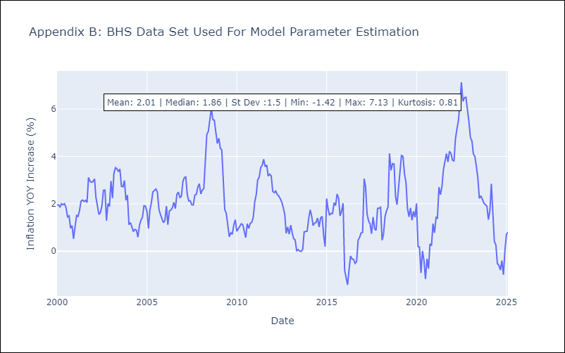

Appendix C: Residuals Analysis
Mean

BLZ
BLZ - Inflation - Next 12 months forecast as of: 2025-03-01

Model | Random Forest - [(2, 0, 0), (1, 0, 0, 12)]
Training Data | 2015-01-01 to 2024-04-01
Test Data | 2024-04-01 to 2025-03-01

Date | Inflation Change YoY % | Lower Bound - 95% Confidence Interval | Upper Bound - 95% Confidence Interval
2025-04-01 | 0.69 | 0.5 | 5.02
2025-05-01 | 0.71 | 0.31 | 2.46
2025-06-01 | 0.81 | 0.06 | 0.77
2025-07-01 | 0.7 | 0.06 | 1.3
2025-08-01 | 0.59 | 0.3 | 2.74
2025-09-01 | 0.34 | 0.32 | 5.06
2025-10-01 | 0.19 | 0.3 | 2.33
2025-11-01 | 0.08 | 0.01 | 0.78
2025-12-01 | 0.16 | 0.05 | 1.45
2026-01-01 | 0.31 | 0.32 | 2.53
2026-02-01 | 0.44 | 0.25 | 3.2
2026-03-01 | 0.53 | -0.1 | 0.93

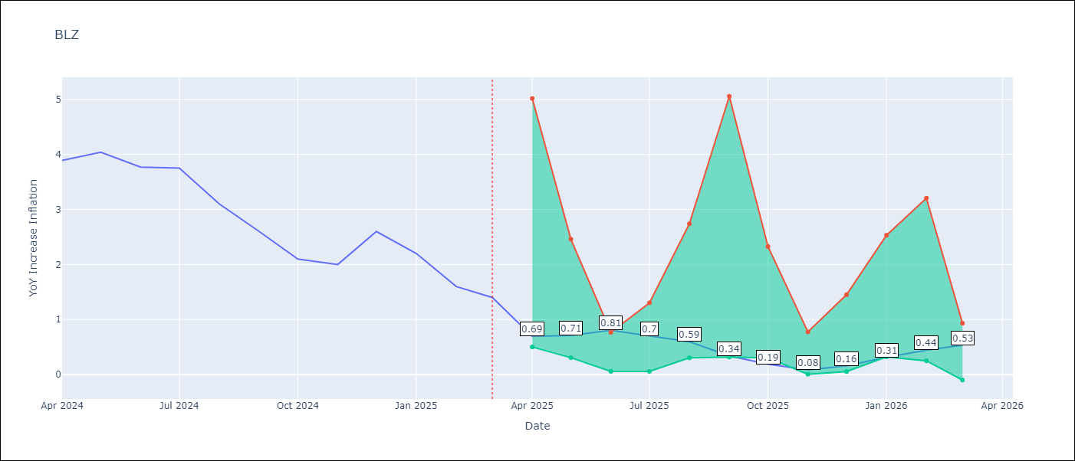

Test Metrics
RMSE | 2.35
Naive RMSE | 0.42
MAPE | 106.49%

Test Predictions
Date | Predicted | Actual
2024-04-01 | 5.48 | 3.89
2024-05-01 | 5.65 | 4.04
2024-06-01 | 5.69 | 3.77
2024-07-01 | 5.65 | 3.75
2024-08-01 | 5.53 | 3.1
2024-09-01 | 5.35 | 2.6
2024-10-01 | 5.07 | 2.1
2024-11-01 | 4.84 | 2
2024-12-01 | 4.63 | 2.6
2025-01-01 | 4.46 | 2.2
2025-02-01 | 4.32 | 1.6
2025-03-01 | 4.01 | 1.4

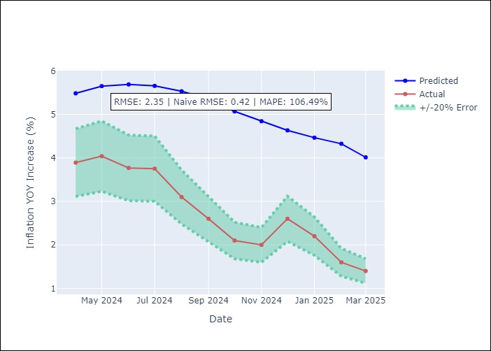

Appendix A: Model Summary
Model | Random Forest
Sample | 2015-01-01 to 2025-03-01
No. of Observations | 123
Terms | P-value (Statistical significance)

Assumptions | P-value

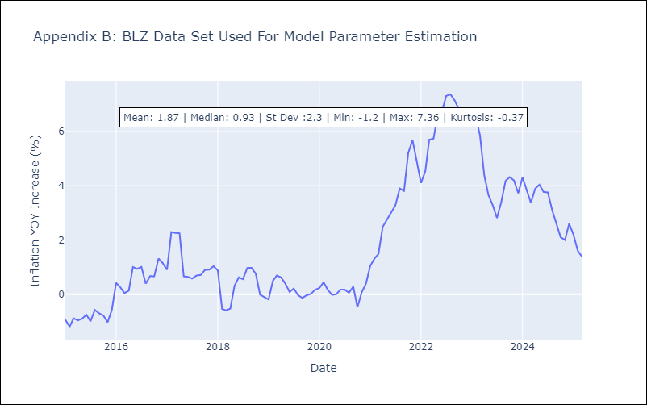

Appendix C: Residuals Analysis
Mean

BRB
BRB - Inflation - Next 12 months forecast as of: 2025-03-01

Model | Random Forest - [(3, 0, 0), (0, 0, 1, 12)]
Training Data | 2003-01-01 to 2024-04-01
Test Data | 2024-04-01 to 2025-03-01

Date | Inflation Change YoY % | Lower Bound - 95% Confidence Interval | Upper Bound - 95% Confidence Interval
2025-04-01 | 9.06 | 0.59 | 4.37
2025-05-01 | 8.85 | 0.66 | 4.9
2025-06-01 | 8.57 | 0.06 | 2.44
2025-07-01 | 8.3 | -1.02 | 1.89
2025-08-01 | 7.8 | -1.31 | 3.28
2025-09-01 | 7.35 | 1.05 | 4.15
2025-10-01 | 6.71 | 3.31 | 7.06
2025-11-01 | 5.89 | 2.77 | 7.58
2025-12-01 | 5.21 | 5.17 | 9.93
2026-01-01 | 4.44 | 2.86 | 7.65
2026-02-01 | 4 | 4.34 | 9.43
2026-03-01 | 3.58 | 3.48 | 9.59

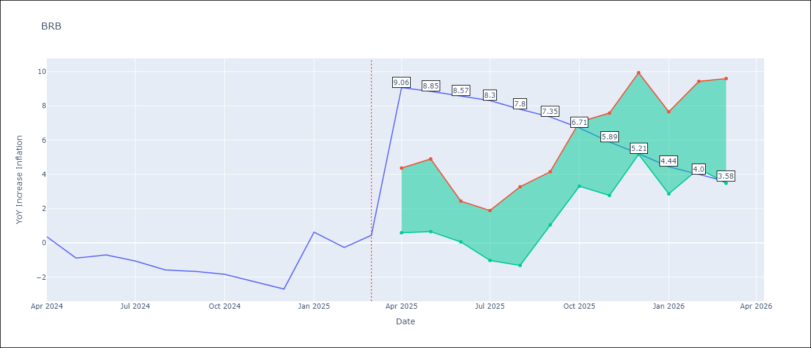

Test Metrics
RMSE | 4.35
Naive RMSE | 1.16
MAPE | 475.42%

Test Predictions
Date | Predicted | Actual
2024-04-01 | 1.47 | 0.36
2024-05-01 | 1.51 | -0.88
2024-06-01 | 1.62 | -0.7
2024-07-01 | 1.97 | -1.06
2024-08-01 | 2.47 | -1.58
2024-09-01 | 2.78 | -1.66
2024-10-01 | 3.15 | -1.83
2024-11-01 | 3.67 | -2.26
2024-12-01 | 4.23 | -2.69
2025-01-01 | 4.7 | 0.63
2025-02-01 | 4.98 | -0.27
2025-03-01 | 4.65 | 0.45

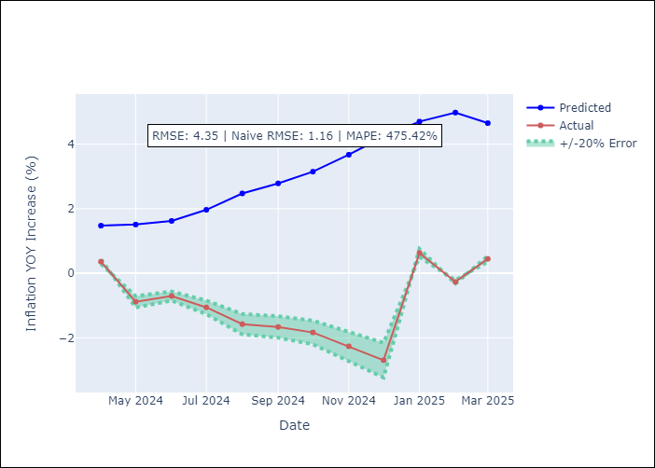

Appendix A: Model Summary
Model | Random Forest
Sample | 2003-01-01 to 2025-03-01
No. of Observations | 263
Terms | P-value (Statistical significance)

Assumptions | P-value

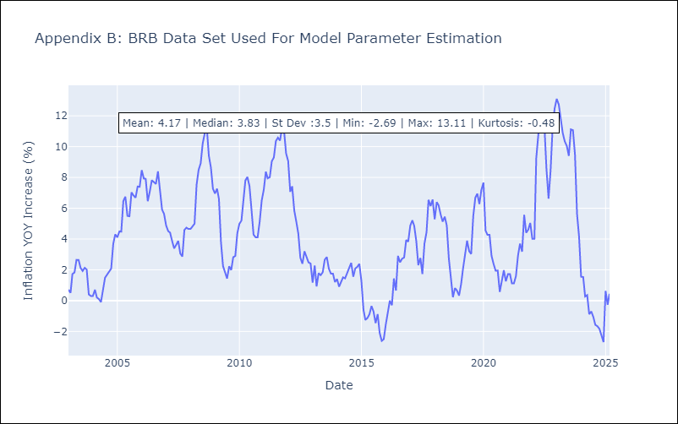

Appendix C: Residuals Analysis
Mean

DMA
DMA - Inflation - Next 12 months forecast as of: 2025-01-01

Model | Random Forest - [(0, 1, 0), (3, 0, 0, 12)]
Training Data | 2004-01-01 to 2024-02-01
Test Data | 2024-02-01 to 2025-01-01

Date | Inflation Change YoY % | Lower Bound - 95% Confidence Interval | Upper Bound - 95% Confidence Interval
2025-02-01 | 0.39 | 0.02 | 1.61
2025-03-01 | 0.44 | -0.04 | 1.08
2025-04-01 | 0.38 | -0.18 | 0.85
2025-05-01 | 0.39 | 0.01 | 1.03
2025-06-01 | 0.64 | -0.18 | 0.88
2025-07-01 | 0.33 | 0.1 | 1.25
2025-08-01 | 0.35 | -0.34 | 0.7
2025-09-01 | 0.47 | 0.12 | 1.35
2025-10-01 | 0.46 | -0.17 | 1.02
2025-11-01 | 0.56 | 0.03 | 0.97
2025-12-01 | 0.32 | -0.14 | 0.93
2026-01-01 | 0.75 | -0.02 | 0.94

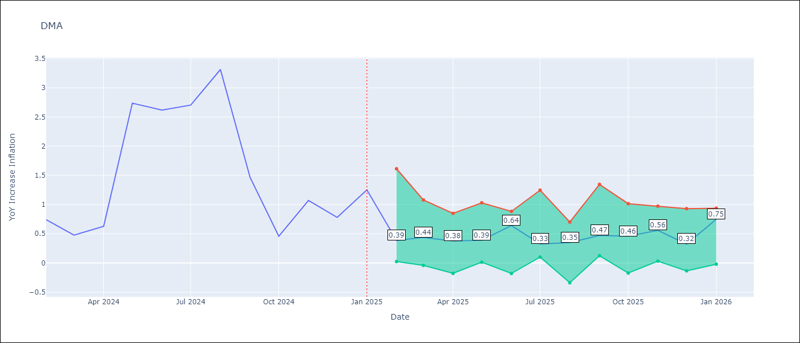

Test Metrics
RMSE | 1.01
Naive RMSE | 0.96
MAPE | 84.17%

Test Predictions
Date | Predicted | Actual
2024-02-01 | 1.5 | 0.74
2024-03-01 | 1.53 | 0.48
2024-04-01 | 1.52 | 0.63
2024-05-01 | 1.54 | 2.74
2024-06-01 | 1.13 | 2.62
2024-07-01 | 1.45 | 2.7
2024-08-01 | 1.82 | 3.31
2024-09-01 | 1.78 | 1.46
2024-10-01 | 1.26 | 0.46
2024-11-01 | 1.13 | 1.07
2024-12-01 | 0.07 | 0.78
2025-01-01 | 0.23 | 1.25

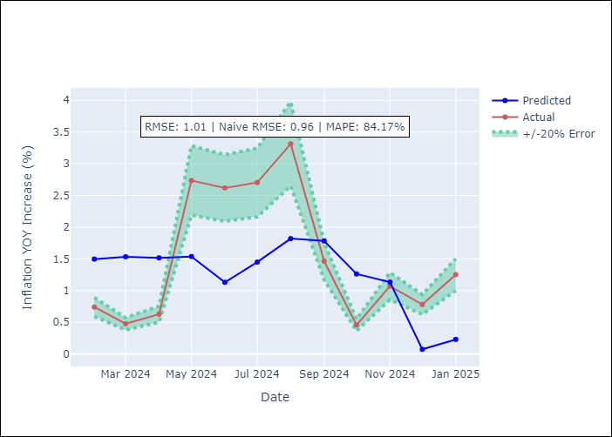

Appendix A: Model Summary
Model | Random Forest
Sample | 2004-01-01 to 2025-01-01
No. of Observations | 253
Terms | P-value (Statistical significance)

Assumptions | P-value

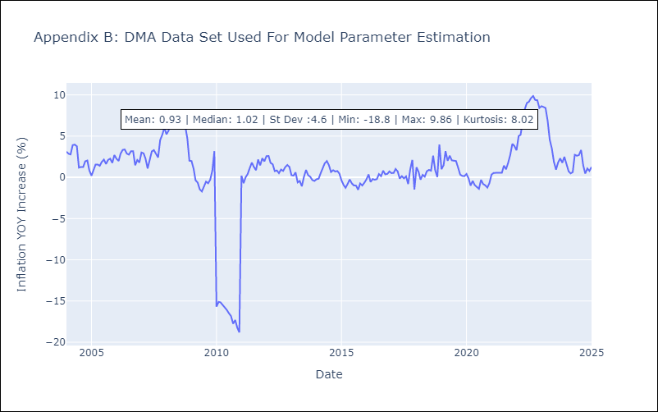

Appendix C: Residuals Analysis
Mean

GRD
GRD - Inflation - Next 12 months forecast as of: 2025-01-01

Model | Random Forest - [(1, 1, 1), (3, 0, 0, 12)]
Training Data | 2004-01-01 to 2024-02-01
Test Data | 2024-02-01 to 2025-01-01

Date | Inflation Change YoY % | Lower Bound - 95% Confidence Interval | Upper Bound - 95% Confidence Interval
2025-02-01 | 0.11 | 0.32 | 1
2025-03-01 | -0.07 | 0.62 | 1.16
2025-04-01 | -0.26 | 0.01 | 1.08
2025-05-01 | -0.22 | -0.97 | 0.09
2025-06-01 | -0.18 | -0.37 | 2.01
2025-07-01 | -0.26 | 1.87 | 3.09
2025-08-01 | -0.47 | 2.43 | 5.26
2025-09-01 | -0.56 | 1.97 | 4.1
2025-10-01 | -0.49 | 1.9 | 4.83
2025-11-01 | -0.45 | 0.8 | 3.23
2025-12-01 | -0.35 | -0.44 | 0.87
2026-01-01 | -0.28 | -0.78 | 0.24

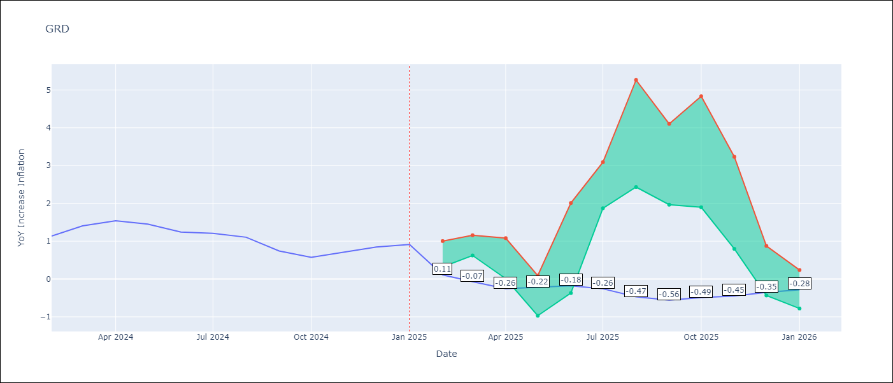

Test Metrics
RMSE | 0.75
Naive RMSE | 0.18
MAPE | 69.49%

Test Predictions
Date | Predicted | Actual
2024-02-01 | 0.76 | 1.14
2024-03-01 | 0.63 | 1.41
2024-04-01 | 0.62 | 1.54
2024-05-01 | 0.92 | 1.45
2024-06-01 | 1.11 | 1.24
2024-07-01 | 1.07 | 1.21
2024-08-01 | 0.26 | 1.11
2024-09-01 | -0.15 | 0.74
2024-10-01 | -0.22 | 0.57
2024-11-01 | -0.18 | 0.71
2024-12-01 | -0.1 | 0.85
2025-01-01 | -0.05 | 0.92

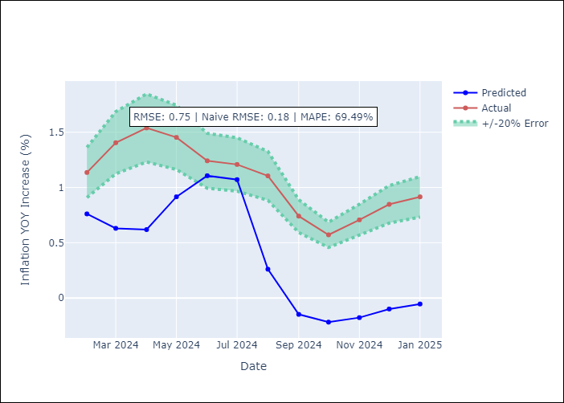

Appendix A: Model Summary
Model | Random Forest
Sample | 2004-01-01 to 2025-01-01
No. of Observations | 253
Terms | P-value (Statistical significance)

Assumptions | P-value

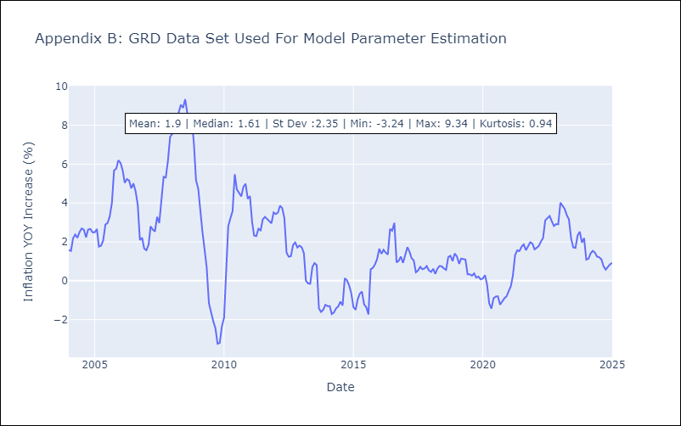

Appendix C: Residuals Analysis
Mean

GUY
GUY - Inflation - Next 12 months forecast as of: 2025-03-01

Model | Random Forest - [(3, 0, 1), (1, 0, 0, 12)]
Training Data | 2008-01-01 to 2024-04-01
Test Data | 2024-04-01 to 2025-03-01

Date | Inflation Change YoY % | Lower Bound - 95% Confidence Interval | Upper Bound - 95% Confidence Interval
2025-04-01 | 1.26 | 1.47 | 4.07
2025-05-01 | 0.97 | 1.01 | 3
2025-06-01 | 0.8 | 0.61 | 2.3
2025-07-01 | 0.7 | 1.14 | 2.79
2025-08-01 | 0.69 | 0.65 | 2.17
2025-09-01 | 0.78 | 1.52 | 2.67
2025-10-01 | 0.81 | 0.67 | 1.95
2025-11-01 | 0.87 | 1.07 | 3.16
2025-12-01 | 0.95 | 0.71 | 2.3
2026-01-01 | 1.21 | 0.86 | 3.04
2026-02-01 | 1.44 | 0.95 | 3.75
2026-03-01 | 1.46 | 0.63 | 1.93

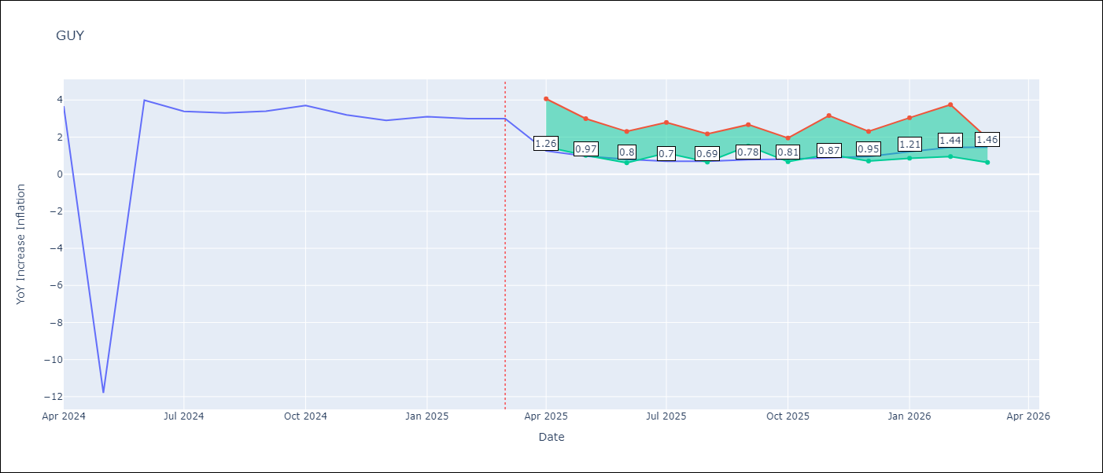

Test Metrics
RMSE | 4.2
Naive RMSE | 6.67
MAPE | 39.51%

Test Predictions
Date | Predicted | Actual
2024-04-01 | 2.22 | 3.67
2024-05-01 | 2.24 | -11.79
2024-06-01 | 2.21 | 3.99
2024-07-01 | 2.4 | 3.39
2024-08-01 | 2.55 | 3.3
2024-09-01 | 2.47 | 3.4
2024-10-01 | 2.31 | 3.7
2024-11-01 | 2.13 | 3.2
2024-12-01 | 2.26 | 2.9
2025-01-01 | 2.2 | 3.1
2025-02-01 | 1.99 | 3
2025-03-01 | 1.84 | 3

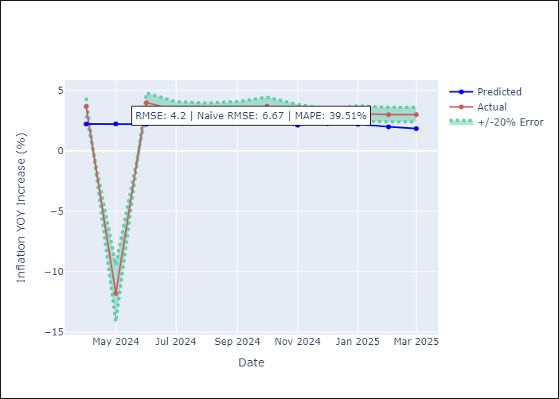

Appendix A: Model Summary
Model | Random Forest
Sample | 2008-01-01 to 2025-03-01
No. of Observations | 207
Terms | P-value (Statistical significance)

Assumptions | P-value

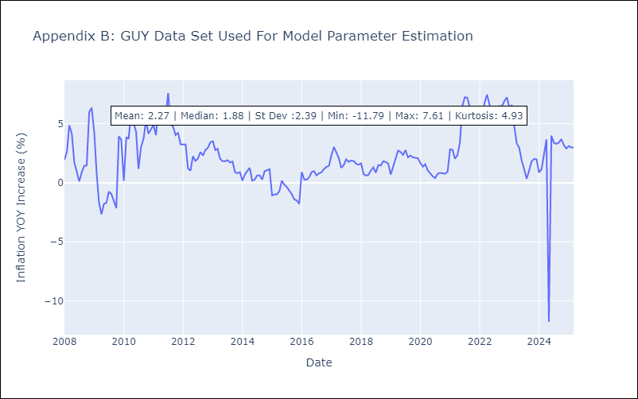

Appendix C: Residuals Analysis
Mean

JAM
JAM - Inflation - Next 12 months forecast as of: 2025-04-01

Model | Random Forest - [(2, 1, 0), (0, 0, 2, 12)]
Training Data | 1994-07-01 to 2024-05-01
Test Data | 2024-05-01 to 2025-04-01

Date | Inflation Change YoY % | Lower Bound - 95% Confidence Interval | Upper Bound - 95% Confidence Interval
2025-05-01 | 7.11 | 4.09 | 8.56
2025-06-01 | 6.82 | 6.5 | 11.31
2025-07-01 | 6.76 | 5.96 | 9.24
2025-08-01 | 6.74 | 6.12 | 8.59
2025-09-01 | 6.68 | 6.69 | 11.17
2025-10-01 | 6.63 | 5.67 | 9.11
2025-11-01 | 6.82 | 6.23 | 9.77
2025-12-01 | 6.86 | 6.97 | 11.95
2026-01-01 | 6.9 | 4.99 | 8.95
2026-02-01 | 6.86 | 4.76 | 8.63
2026-03-01 | 7.12 | 6.59 | 9.68
2026-04-01 | 7.76 | 6.37 | 7.99

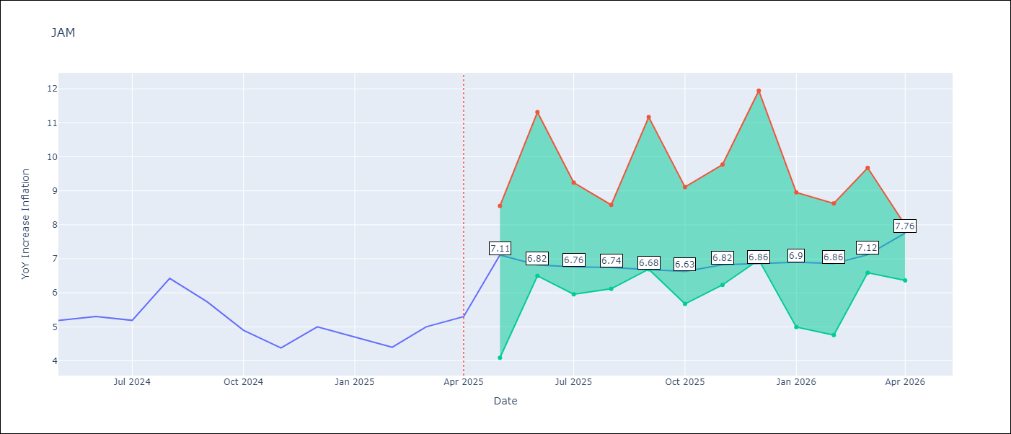

Test Metrics
RMSE | 2.42
Naive RMSE | 0.6
MAPE | 40.59%

Test Predictions
Date | Predicted | Actual
2024-05-01 | 5.79 | 5.19
2024-06-01 | 5.96 | 5.3
2024-07-01 | 6.23 | 5.19
2024-08-01 | 6.28 | 6.42
2024-09-01 | 6.26 | 5.74
2024-10-01 | 6.93 | 4.9
2024-11-01 | 6.85 | 4.38
2024-12-01 | 7.38 | 5
2025-01-01 | 7.4 | 4.7
2025-02-01 | 8.26 | 4.4
2025-03-01 | 8.7 | 5
2025-04-01 | 9.35 | 5.3

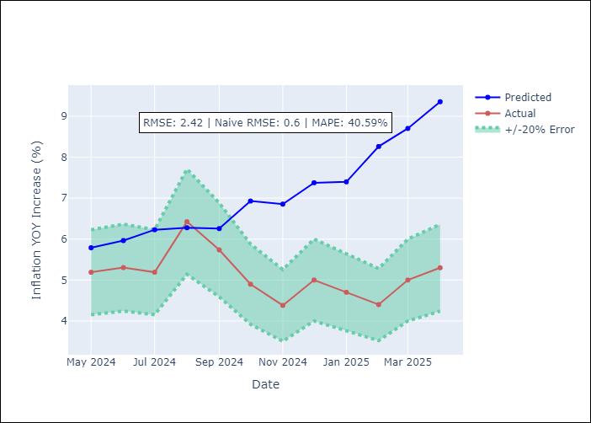

Appendix A: Model Summary
Model | Random Forest
Sample | 1994-07-01 to 2025-04-01
No. of Observations | 370
Terms | P-value (Statistical significance)

Assumptions | P-value

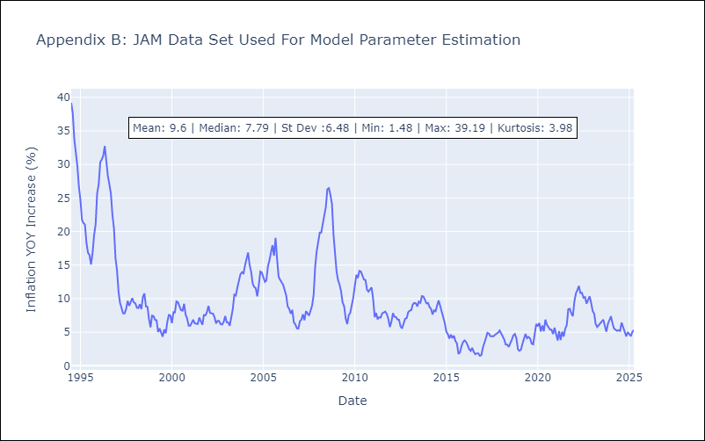

Appendix C: Residuals Analysis
Mean

KNA
KNA - Inflation - Next 12 months forecast as of: 2025-02-01

Model | Random Forest - [(0, 1, 0), (3, 0, 0, 12)]
Training Data | 2006-01-01 to 2024-03-01
Test Data | 2024-03-01 to 2025-02-01

Date | Inflation Change YoY % | Lower Bound - 95% Confidence Interval | Upper Bound - 95% Confidence Interval
2025-03-01 | -1.37 | -0.08 | 2.33
2025-04-01 | -0.94 | 0.35 | 2.14
2025-05-01 | -0.72 | -0.05 | 1.9
2025-06-01 | -0.57 | -0.03 | 2.1
2025-07-01 | -0.18 | 0.18 | 2.73
2025-08-01 | 0.08 | 0.15 | 1.84
2025-09-01 | 0.17 | -0.88 | 0.97
2025-10-01 | 0.61 | -2.02 | -0.3
2025-11-01 | 0.78 | -0.48 | 1.25
2025-12-01 | 0.88 | -0.57 | 1.11
2026-01-01 | 0.85 | -2.36 | 1.6
2026-02-01 | 1 | -1.34 | 1.12

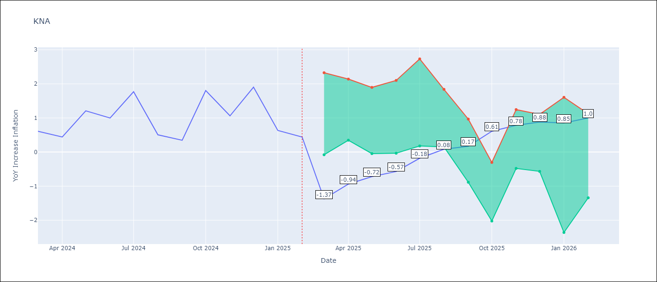

Test Metrics
RMSE | 0.66
Naive RMSE | 0.85
MAPE | 91.83%

Test Predictions
Date | Predicted | Actual
2024-03-01 | 1.05 | 0.61
2024-04-01 | 0.96 | 0.44
2024-05-01 | 0.86 | 1.21
2024-06-01 | 1.04 | 1
2024-07-01 | 1.08 | 1.77
2024-08-01 | 1.33 | 0.51
2024-09-01 | 1.08 | 0.35
2024-10-01 | 1.16 | 1.8
2024-11-01 | 1.48 | 1.06
2024-12-01 | 1.45 | 1.9
2025-01-01 | 1.74 | 0.63
2025-02-01 | 1.42 | 0.44

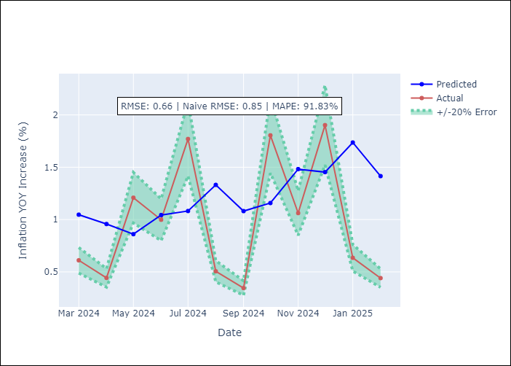

Appendix A: Model Summary
Model | Random Forest
Sample | 2006-01-01 to 2025-02-01
No. of Observations | 230
Terms | P-value (Statistical significance)

Assumptions | P-value

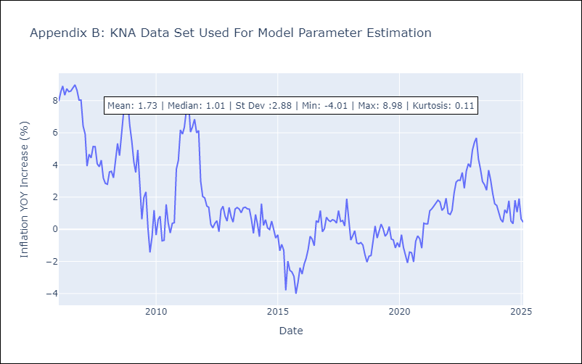

Appendix C: Residuals Analysis
Mean

LCA
LCA - Inflation - Next 12 months forecast as of: 2025-01-01

Model | Random Forest - [(0, 1, 0), (3, 0, 1, 12)]
Training Data | 2008-01-01 to 2024-02-01
Test Data | 2024-02-01 to 2025-01-01

Date | Inflation Change YoY % | Lower Bound - 95% Confidence Interval | Upper Bound - 95% Confidence Interval
2025-02-01 | 3.17 | 1.54 | 3.67
2025-03-01 | 3.48 | 1.04 | 3.54
2025-04-01 | 3.63 | -1.28 | 2.77
2025-05-01 | 4.09 | -2.02 | 2.77
2025-06-01 | 4.1 | -0.12 | 3.4
2025-07-01 | 4.49 | 1.05 | 4.48
2025-08-01 | 4.33 | 1.91 | 4.16
2025-09-01 | 4.03 | 2.36 | 4.8
2025-10-01 | 3.66 | 1.33 | 5.02
2025-11-01 | 3.45 | -0.07 | 4.62
2025-12-01 | 3.12 | 0.75 | 4.04
2026-01-01 | 2.82 | 1.92 | 4.74

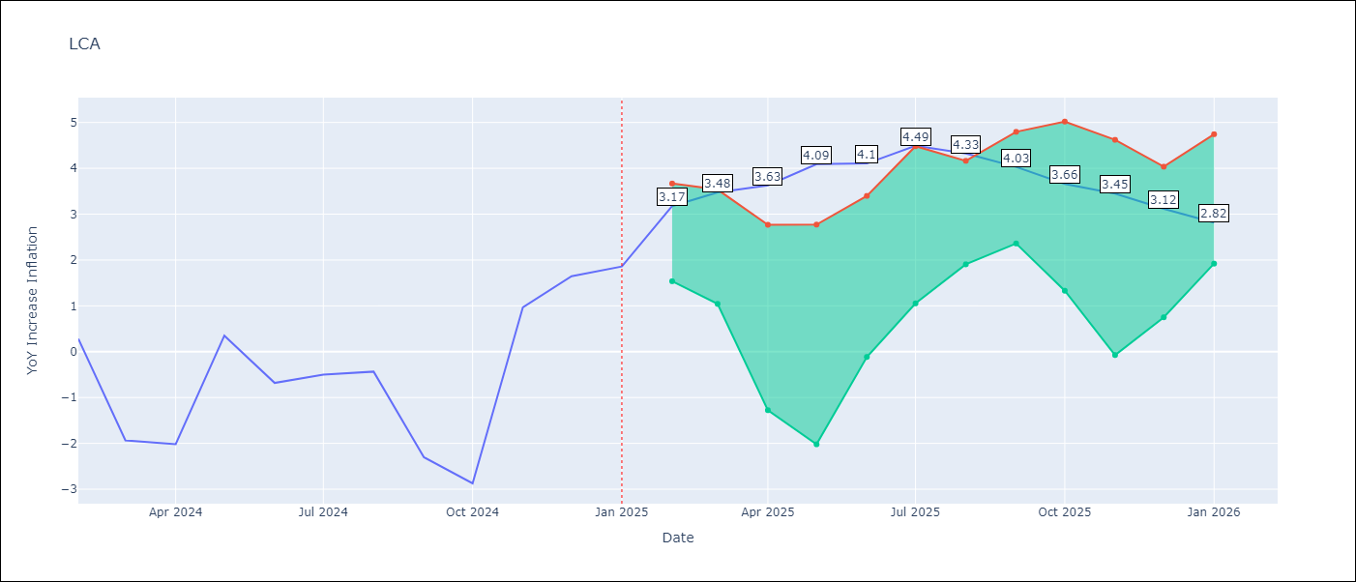

Test Metrics
RMSE | 1.69
Naive RMSE | 1.67
MAPE | 166.39%

Test Predictions
Date | Predicted | Actual
2024-02-01 | 0.14 | 0.28
2024-03-01 | -0.48 | -1.94
2024-04-01 | -0.68 | -2.02
2024-05-01 | -0.57 | 0.35
2024-06-01 | 0.18 | -0.68
2024-07-01 | 0.54 | -0.5
2024-08-01 | 0.89 | -0.43
2024-09-01 | 0.98 | -2.3
2024-10-01 | 0.92 | -2.87
2024-11-01 | 1.13 | 0.97
2024-12-01 | 2.22 | 1.65
2025-01-01 | 2.62 | 1.86

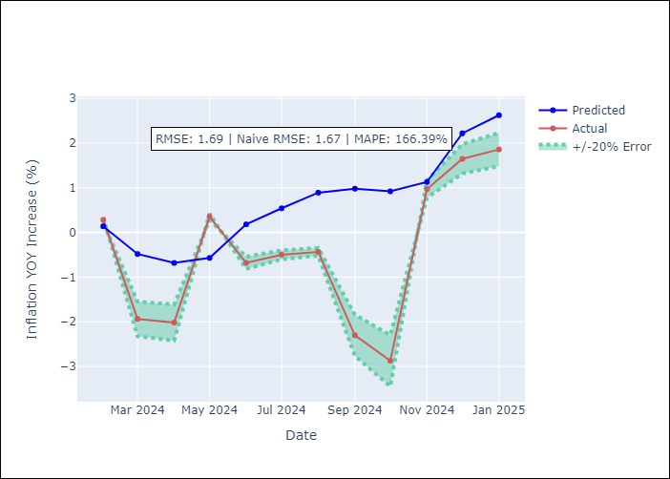

Appendix A: Model Summary
Model | Random Forest
Sample | 2008-01-01 to 2025-01-01
No. of Observations | 205
Terms | P-value (Statistical significance)

Assumptions | P-value

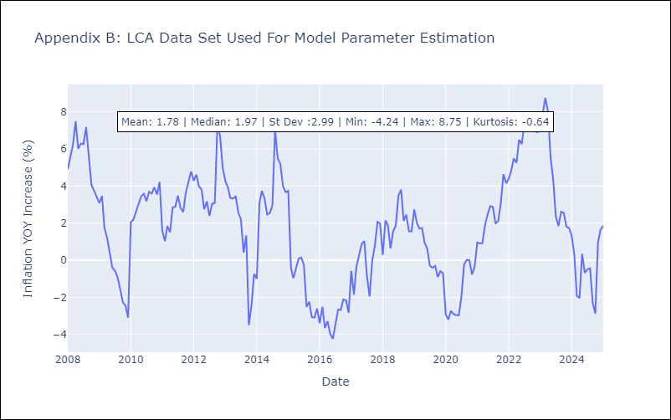

Appendix C: Residuals Analysis
Mean

SUR
SUR - Inflation - Next 12 months forecast as of: 2024-08-01

Model | Random Forest - [(3, 2, 0), (1, 0, 0, 12)]
Training Data | 2012-04-01 to 2023-09-01
Test Data | 2023-09-01 to 2024-08-01

Date | Inflation Change YoY % | Lower Bound - 95% Confidence Interval | Upper Bound - 95% Confidence Interval
2024-09-01 | 49.32 | -4.31 | 22.32
2024-10-01 | 52.45 | 5.32 | 39.71
2024-11-01 | 55.61 | 20.95 | 62.82
2024-12-01 | 56.59 | 46.17 | 62.38
2025-01-01 | 57.95 | 45.92 | 61.12
2025-02-01 | 58.36 | 45.23 | 60.49
2025-03-01 | 57.78 | 44.71 | 60.92
2025-04-01 | 57.28 | 39.26 | 60.97
2025-05-01 | 57.13 | 45.11 | 61.55
2025-06-01 | 55.17 | 44.33 | 61.13
2025-07-01 | 52.06 | 40.2 | 61.32
2025-08-01 | 49.43 | 45.41 | 60.72

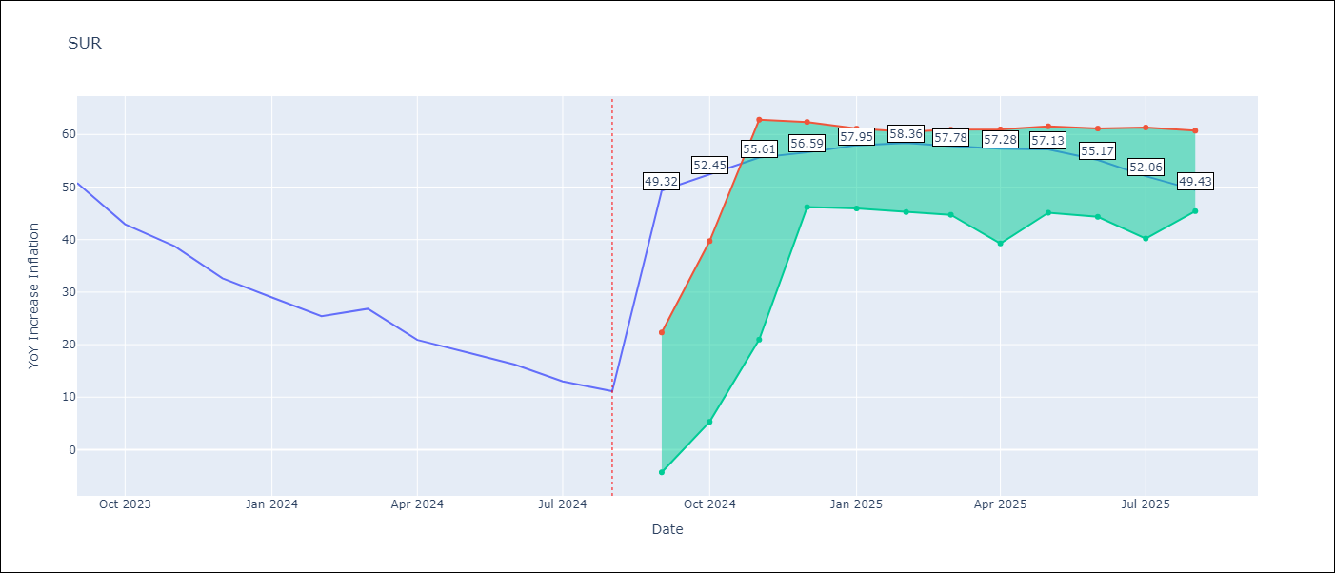

Test Metrics
RMSE | 21.89
Naive RMSE | 4.32
MAPE | 115.98%

Test Predictions
Date | Predicted | Actual
2023-09-01 | 54.18 | 50.79
2023-10-01 | 55.07 | 42.92
2023-11-01 | 52.38 | 38.74
2023-12-01 | 49.38 | 32.63
2024-01-01 | 47.6 | 28.98
2024-02-01 | 46.31 | 25.4
2024-03-01 | 46.22 | 26.83
2024-04-01 | 46.47 | 20.9
2024-05-01 | 45.72 | 18.62
2024-06-01 | 44.93 | 16.21
2024-07-01 | 43.02 | 12.99
2024-08-01 | 40.27 | 11.13

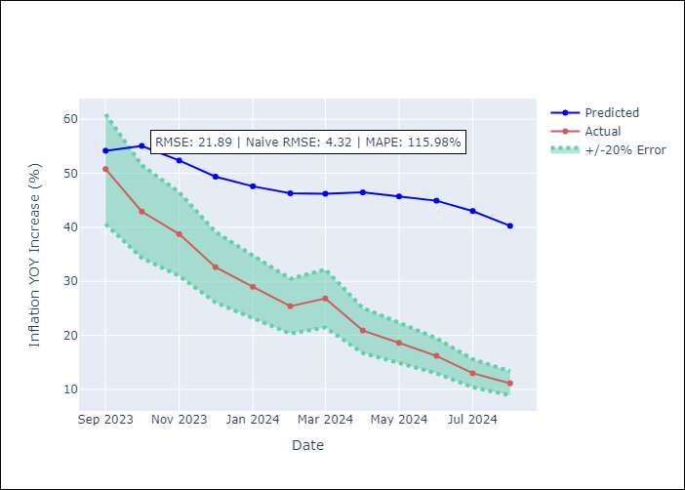

Appendix A: Model Summary
Model | Random Forest
Sample | 2012-04-01 to 2024-08-01
No. of Observations | 145
Terms | P-value (Statistical significance)

Assumptions | P-value

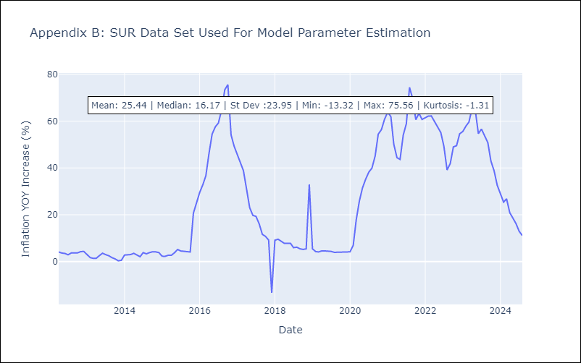

Appendix C: Residuals Analysis
Mean

TTO
TTO - Inflation - Next 12 months forecast as of: 2025-04-01

Model | Random Forest - [(3, 2, 0), (3, 0, 0, 12)]
Training Data | 1994-07-01 to 2024-05-01
Test Data | 2024-05-01 to 2025-04-01

Date | Inflation Change YoY % | Lower Bound - 95% Confidence Interval | Upper Bound - 95% Confidence Interval
2025-05-01 | 5.04 | 0.83 | 5.83
2025-06-01 | 4.74 | 3.84 | 6.08
2025-07-01 | 4.56 | 3.08 | 4.11
2025-08-01 | 4.22 | 3.68 | 6.34
2025-09-01 | 3.82 | 2.95 | 4.97
2025-10-01 | 3.68 | 3.37 | 5.6
2025-11-01 | 3.45 | 3.26 | 5.88
2025-12-01 | 3.36 | 3.23 | 4.51
2026-01-01 | 3.29 | 4.18 | 6.57
2026-02-01 | 3.32 | 2.94 | 4.69
2026-03-01 | 3.25 | 3.45 | 5.93
2026-04-01 | 3.43 | 3.13 | 5.32

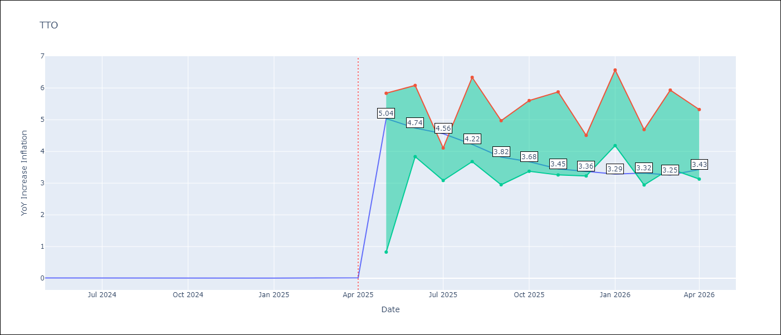

Test Metrics
RMSE | 0.74
Naive RMSE | 0.0
MAPE | 14940.5%

Test Predictions
Date | Predicted | Actual
2024-05-01 | 0.73 | 0.01
2024-06-01 | 0.82 | 0.01
2024-07-01 | 0.79 | 0
2024-08-01 | 0.67 | 0
2024-09-01 | 0.61 | 0
2024-10-01 | 0.7 | 0
2024-11-01 | 0.72 | 0
2024-12-01 | 0.72 | 0
2025-01-01 | 0.73 | 0.01
2025-02-01 | 0.77 | 0.01
2025-03-01 | 0.8 | 0.01
2025-04-01 | 0.83 | 0.02

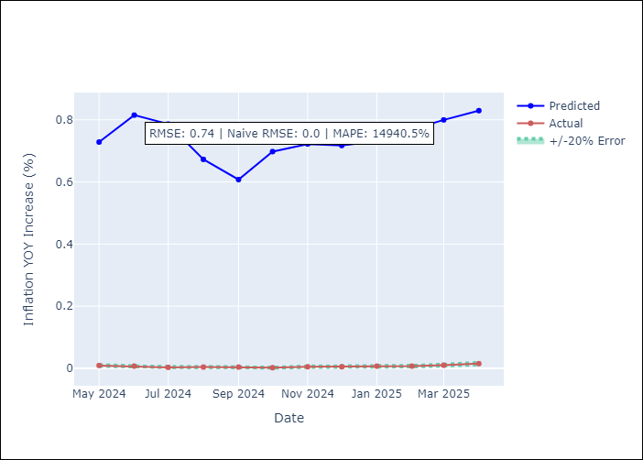

Appendix A: Model Summary
Model | Random Forest
Sample | 1994-07-01 to 2025-04-01
No. of Observations | 370
Terms | P-value (Statistical significance)

Assumptions | P-value

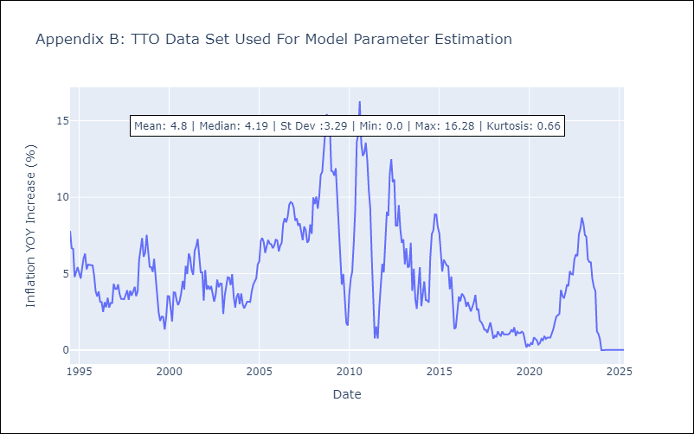

Appendix C: Residuals Analysis
Mean

VCT
VCT - Inflation - Next 12 months forecast as of: 2025-01-01

Model | Random Forest - [(1, 0, 0), (3, 0, 0, 12)]
Training Data | 2004-01-01 to 2024-02-01
Test Data | 2024-02-01 to 2025-01-01

Date | Inflation Change YoY % | Lower Bound - 95% Confidence Interval | Upper Bound - 95% Confidence Interval
2025-02-01 | -0.81 | 2.04 | 5.34
2025-03-01 | -0.56 | 3.13 | 6.4
2025-04-01 | -0.24 | 2.29 | 4.29
2025-05-01 | 0.15 | 1.7 | 5.29
2025-06-01 | 0.6 | 2.32 | 6.28
2025-07-01 | 0.93 | 1.76 | 4.06
2025-08-01 | 1.33 | 0.87 | 3.14
2025-09-01 | 1.65 | -0.37 | 1.39
2025-10-01 | 1.86 | -1.23 | 0.2
2025-11-01 | 2.1 | -1.16 | 1.78
2025-12-01 | 2.35 | -1.56 | 1.48
2026-01-01 | 2.49 | -1.23 | 2.71

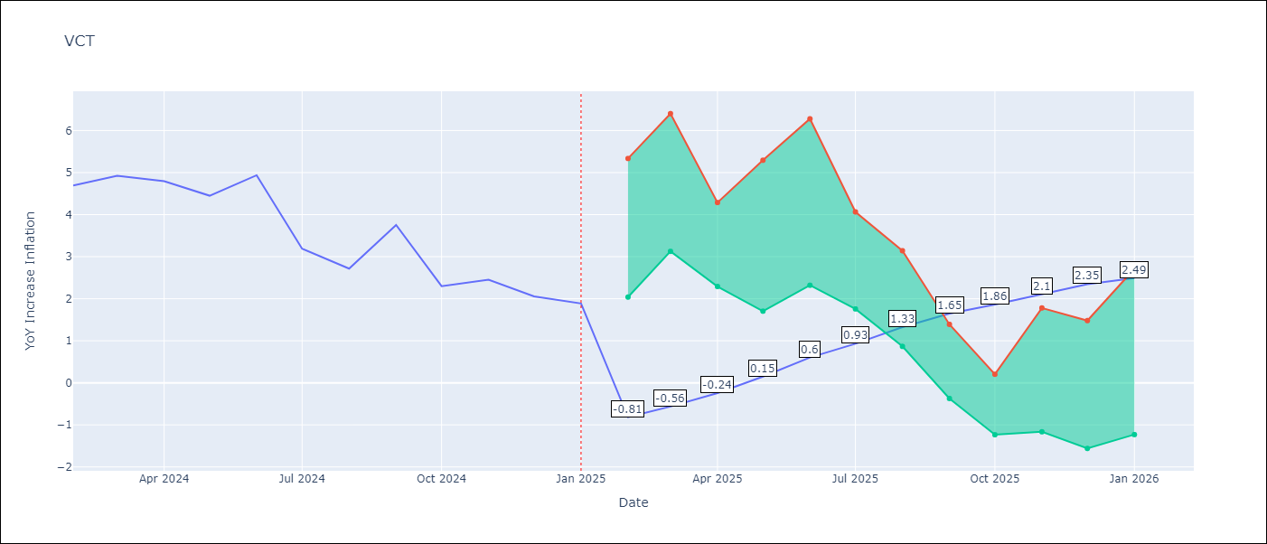

Test Metrics
RMSE | 1.53
Naive RMSE | 0.8
MAPE | 50.57%

Test Predictions
Date | Predicted | Actual
2024-02-01 | 4.47 | 4.69
2024-03-01 | 4.47 | 4.93
2024-04-01 | 4.51 | 4.8
2024-05-01 | 4.61 | 4.45
2024-06-01 | 4.72 | 4.94
2024-07-01 | 4.84 | 3.19
2024-08-01 | 4.61 | 2.72
2024-09-01 | 4.71 | 3.75
2024-10-01 | 4.57 | 2.3
2024-11-01 | 4.47 | 2.45
2024-12-01 | 4.51 | 2.06
2025-01-01 | 4.18 | 1.89

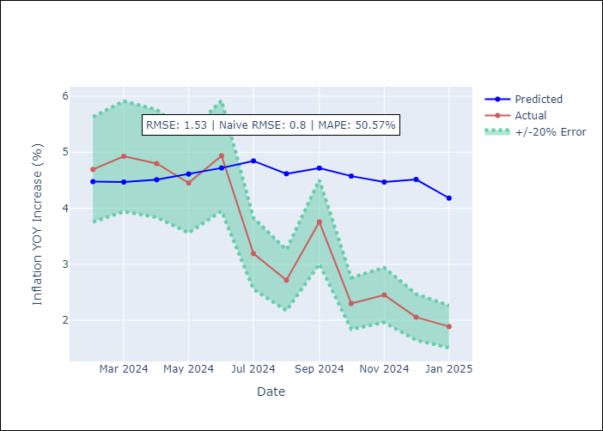

Appendix A: Model Summary
Model | Random Forest
Sample | 2004-01-01 to 2025-01-01
No. of Observations | 253
Terms | P-value (Statistical significance)

Assumptions | P-value

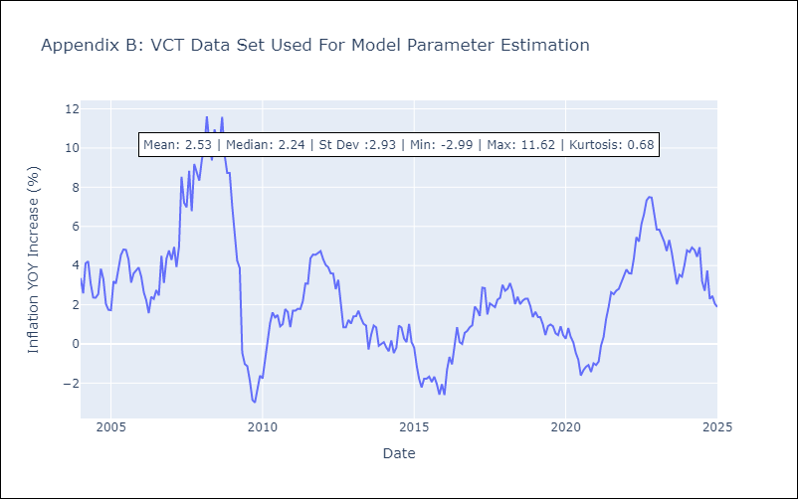

Appendix C: Residuals Analysis
Mean

