ATG
ATG - Inflation - Next 12 months forecast as of: 2025-01-01

Model | Random Forest - [(0, 1, 1), (0, 0, 1, 12)]
Training Data | 2004-01-01 to 2024-02-01
Test Data | 2024-02-01 to 2025-01-01

Date | Inflation Change YoY % | Lower Bound - 95% Confidence Interval | Upper Bound - 95% Confidence Interval
2025-02-01 | 1.22 | -0.36 | 3.7
2025-03-01 | 1.15 | 2.19 | 6.99
2025-04-01 | 1.19 | 1.12 | 3.9
2025-05-01 | 1.18 | 0.66 | 1.6
2025-06-01 | 1.14 | 0.72 | 1.36
2025-07-01 | 1.15 | 0.26 | 1.38
2025-08-01 | 1.12 | 0.24 | 1.42
2025-09-01 | 1.07 | 0.29 | 1.33
2025-10-01 | 1.15 | 0.22 | 1.48
2025-11-01 | 1.06 | 0.22 | 1.4
2025-12-01 | 1.06 | 0.32 | 2.03
2026-01-01 | 0.99 | 0.78 | 1.49

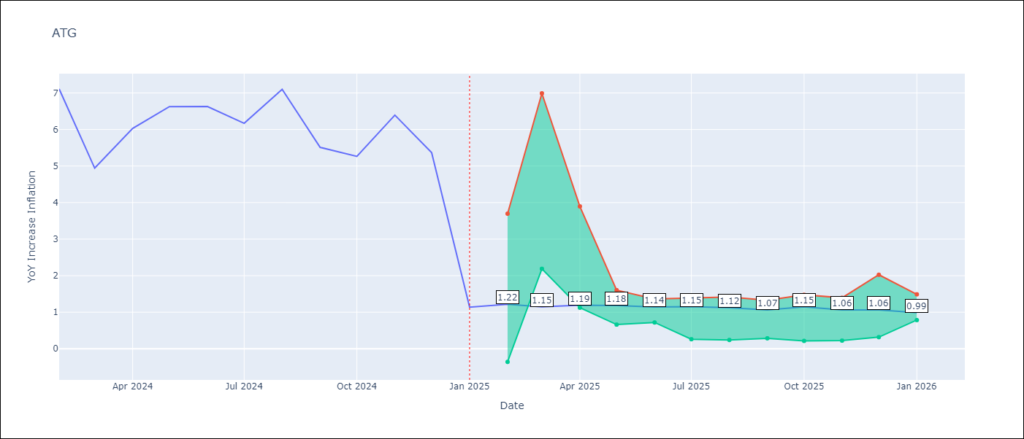

Test Metrics
RMSE | 1.65
Naive RMSE | 1.65
MAPE | 47.28%

Test Predictions
Date | Predicted | Actual
2024-02-01 | 6.23 | 7.11
2024-03-01 | 5.67 | 4.94
2024-04-01 | 5.39 | 6.03
2024-05-01 | 5.42 | 6.62
2024-06-01 | 5.44 | 6.63
2024-07-01 | 4.84 | 6.17
2024-08-01 | 4.28 | 7.1
2024-09-01 | 4.25 | 5.51
2024-10-01 | 4.52 | 5.27
2024-11-01 | 4.15 | 6.39
2024-12-01 | 3.68 | 5.37
2025-01-01 | 4.03 | 1.14

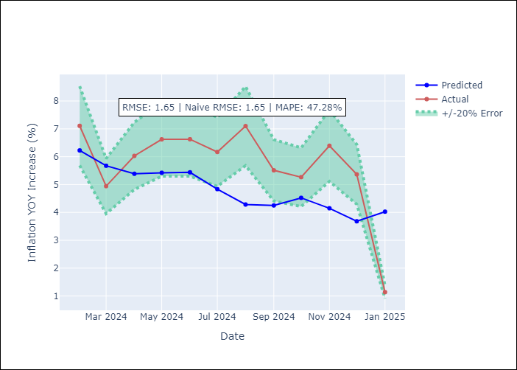

Appendix A: Model Summary
Model | Random Forest
Sample | 2004-01-01 to 2025-01-01
No. of Observations | 253
Terms | P-value (Statistical significance)

Assumptions | P-value

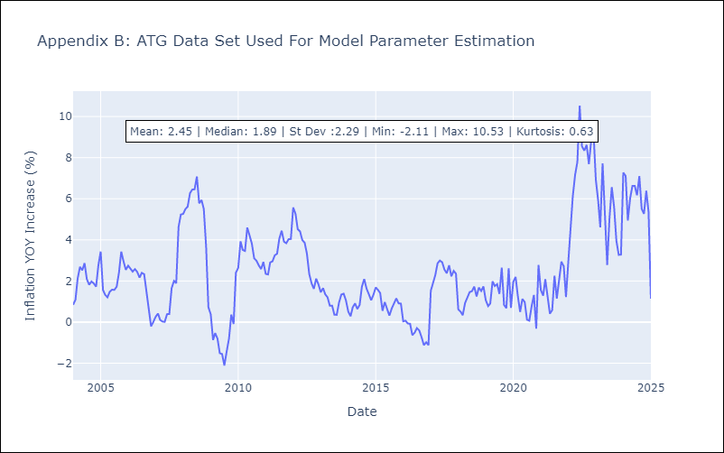

Appendix C: Residuals Analysis
Mean

BHS
BHS - Inflation - Next 12 months forecast as of: 2025-02-01

Model | Random Forest - [(1, 0, 0), (3, 0, 1, 12)]
Training Data | 2000-01-01 to 2024-03-01
Test Data | 2024-03-01 to 2025-02-01

Date | Inflation Change YoY % | Lower Bound - 95% Confidence Interval | Upper Bound - 95% Confidence Interval
2025-03-01 | 2.59 | 0.77 | 3.14
2025-04-01 | 2.88 | 1.73 | 3.29
2025-05-01 | 3.13 | 0.39 | 3.44
2025-06-01 | 3.57 | 1.91 | 2.73
2025-07-01 | 3.92 | 2.39 | 4.94
2025-08-01 | 4.12 | 1.13 | 5.11
2025-09-01 | 4.36 | -0.38 | 1.38
2025-10-01 | 4.49 | 0.97 | 2.95
2025-11-01 | 4.5 | 0.91 | 2.38
2025-12-01 | 4.53 | 1.45 | 2.97
2026-01-01 | 4.39 | 1.93 | 3.27
2026-02-01 | 4.28 | 2.33 | 4.6

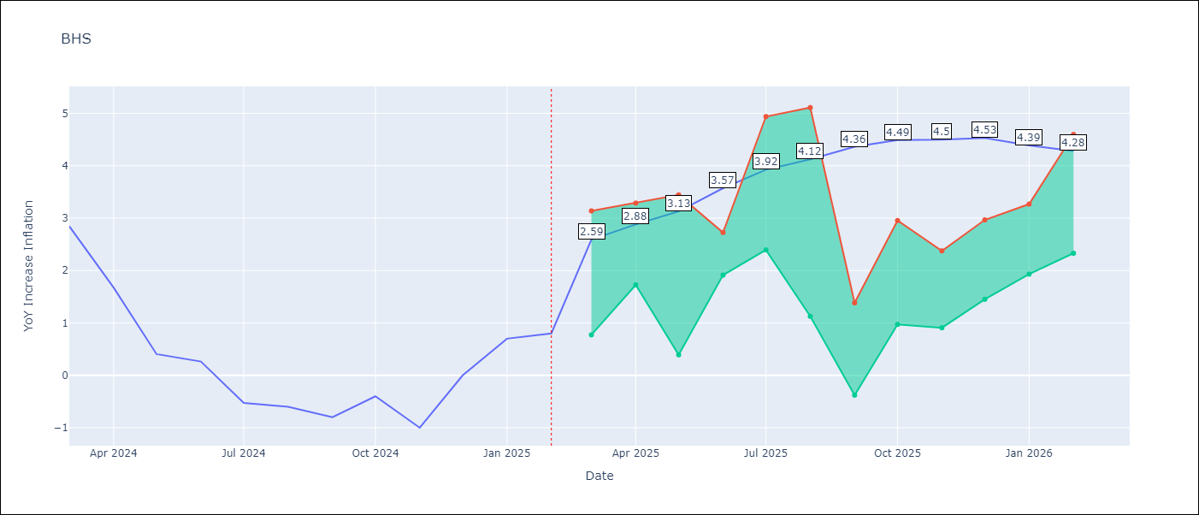

Test Metrics
RMSE | 0.83
Naive RMSE | 0.72
MAPE | inf%

Test Predictions
Date | Predicted | Actual
2024-03-01 | 1.14 | 2.85
2024-04-01 | 1.4 | 1.68
2024-05-01 | 1.14 | 0.4
2024-06-01 | 0.83 | 0.26
2024-07-01 | 0.47 | -0.52
2024-08-01 | 0.24 | -0.6
2024-09-01 | 0.11 | -0.8
2024-10-01 | 0.08 | -0.4
2024-11-01 | 0.29 | -1
2024-12-01 | 0.21 | 0
2025-01-01 | 0.53 | 0.7
2025-02-01 | 0.77 | 0.8

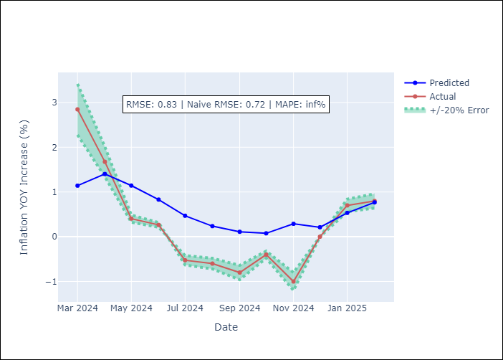

Appendix A: Model Summary
Model | Random Forest
Sample | 2000-01-01 to 2025-02-01
No. of Observations | 302
Terms | P-value (Statistical significance)

Assumptions | P-value

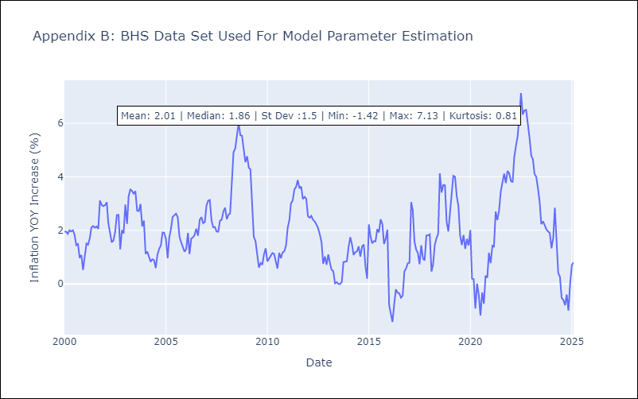

Appendix C: Residuals Analysis
Mean

BLZ
BLZ - Inflation - Next 12 months forecast as of: 2025-03-01

Model | Random Forest - [(2, 0, 0), (1, 0, 0, 12)]
Training Data | 2015-01-01 to 2024-04-01
Test Data | 2024-04-01 to 2025-03-01

Date | Inflation Change YoY % | Lower Bound - 95% Confidence Interval | Upper Bound - 95% Confidence Interval
2025-04-01 | 5.11 | 0.43 | 4.06
2025-05-01 | 4.95 | 0.24 | 2.94
2025-06-01 | 4.88 | 0.01 | 0.8
2025-07-01 | 4.71 | 0.07 | 1.19
2025-08-01 | 4.51 | 0.27 | 3.18
2025-09-01 | 4.25 | 0.72 | 5.77
2025-10-01 | 3.9 | 4.43 | 6.93
2025-11-01 | 3.54 | 3.38 | 4.65
2025-12-01 | 3.25 | 2.89 | 5.77
2026-01-01 | 3.11 | 2.7 | 5.62
2026-02-01 | 3.04 | 2.65 | 5.37
2026-03-01 | 2.98 | 2.68 | 5.33

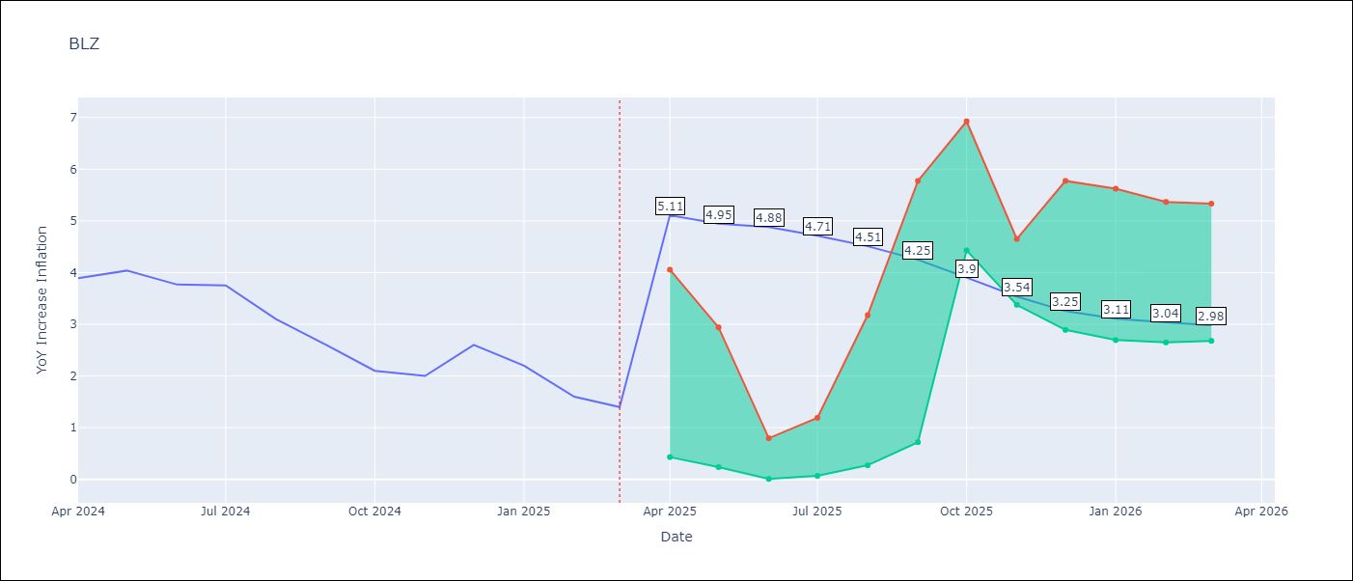

Test Metrics
RMSE | 2.1
Naive RMSE | 0.42
MAPE | 95.63%

Test Predictions
Date | Predicted | Actual
2024-04-01 | 5.09 | 3.89
2024-05-01 | 5.21 | 4.04
2024-06-01 | 5.37 | 3.77
2024-07-01 | 5.37 | 3.75
2024-08-01 | 5.23 | 3.1
2024-09-01 | 5.05 | 2.6
2024-10-01 | 4.87 | 2.1
2024-11-01 | 4.6 | 2
2024-12-01 | 4.4 | 2.6
2025-01-01 | 4.32 | 2.2
2025-02-01 | 4.13 | 1.6
2025-03-01 | 3.83 | 1.4

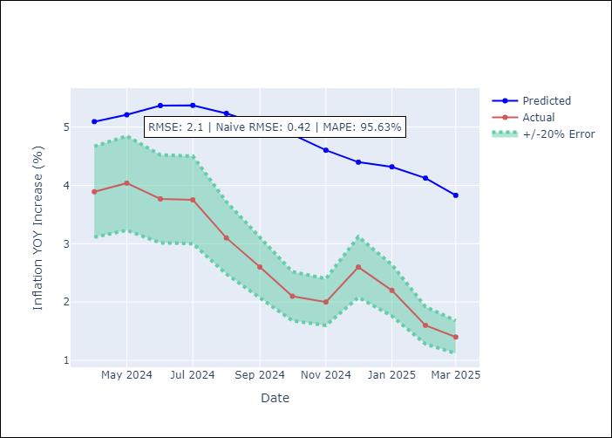

Appendix A: Model Summary
Model | Random Forest
Sample | 2015-01-01 to 2025-03-01
No. of Observations | 123
Terms | P-value (Statistical significance)

Assumptions | P-value

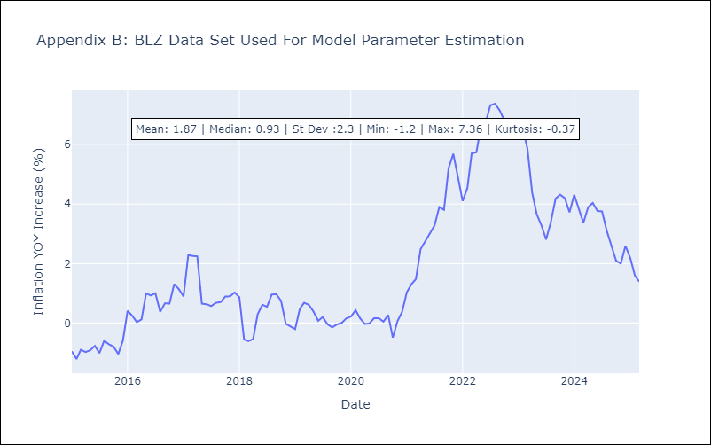

Appendix C: Residuals Analysis
Mean

BRB
BRB - Inflation - Next 12 months forecast as of: 2025-03-01

Model | Random Forest - [(3, 0, 0), (0, 0, 1, 12)]
Training Data | 2003-01-01 to 2024-04-01
Test Data | 2024-04-01 to 2025-03-01

Date | Inflation Change YoY % | Lower Bound - 95% Confidence Interval | Upper Bound - 95% Confidence Interval
2025-04-01 | 9.06 | 0.64 | 4.14
2025-05-01 | 8.43 | 3.75 | 8.65
2025-06-01 | 8.02 | 4.34 | 7.54
2025-07-01 | 7.39 | 2.89 | 7.67
2025-08-01 | 6.19 | 3.51 | 7.13
2025-09-01 | 5.05 | 3.89 | 7.49
2025-10-01 | 4.03 | 3.83 | 7.01
2025-11-01 | 3.39 | 2.15 | 7.29
2025-12-01 | 3.08 | 4.51 | 8.25
2026-01-01 | 2.79 | 3.12 | 6.47
2026-02-01 | 2.75 | 4.98 | 9.65
2026-03-01 | 2.88 | 2.54 | 9.35

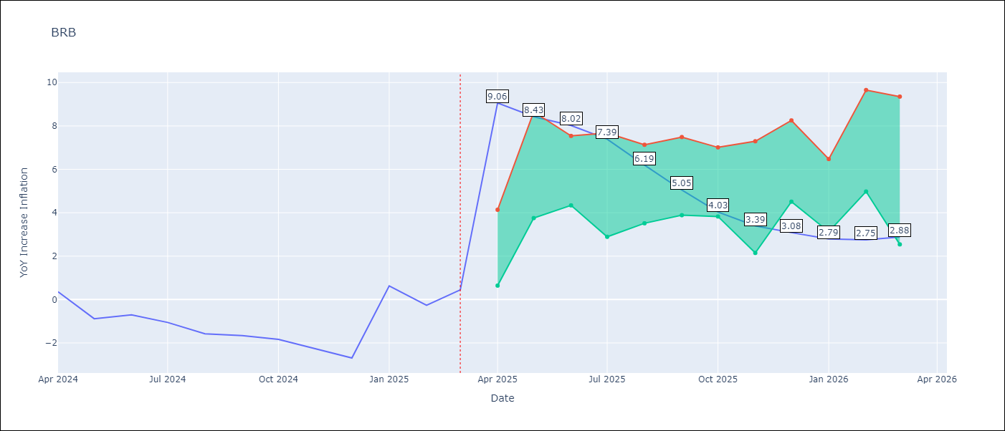

Test Metrics
RMSE | 4.14
Naive RMSE | 1.16
MAPE | 446.79%

Test Predictions
Date | Predicted | Actual
2024-04-01 | 1.38 | 0.36
2024-05-01 | 1.47 | -0.88
2024-06-01 | 1.4 | -0.7
2024-07-01 | 1.82 | -1.06
2024-08-01 | 2.2 | -1.58
2024-09-01 | 2.54 | -1.66
2024-10-01 | 3.01 | -1.83
2024-11-01 | 3.44 | -2.26
2024-12-01 | 3.92 | -2.69
2025-01-01 | 4.33 | 0.63
2025-02-01 | 4.74 | -0.27
2025-03-01 | 4.43 | 0.45

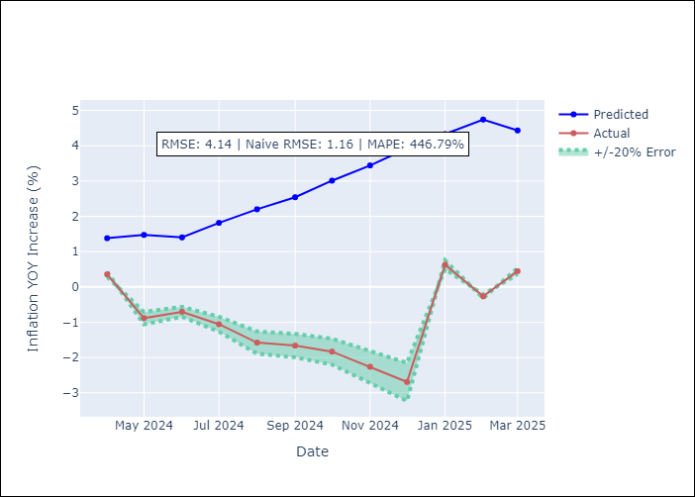

Appendix A: Model Summary
Model | Random Forest
Sample | 2003-01-01 to 2025-03-01
No. of Observations | 263
Terms | P-value (Statistical significance)

Assumptions | P-value

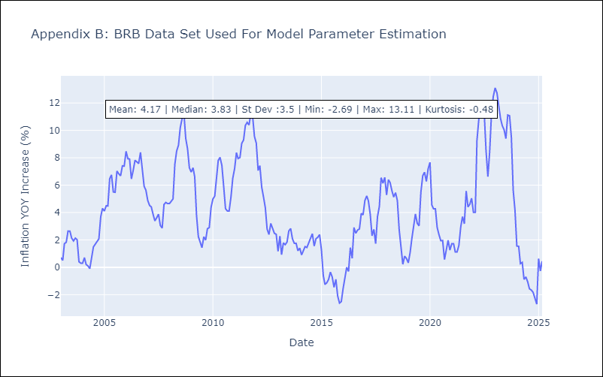

Appendix C: Residuals Analysis
Mean

DMA
DMA - Inflation - Next 12 months forecast as of: 2025-01-01

Model | Random Forest - [(0, 1, 0), (3, 0, 0, 12)]
Training Data | 2004-01-01 to 2024-02-01
Test Data | 2024-02-01 to 2025-01-01

Date | Inflation Change YoY % | Lower Bound - 95% Confidence Interval | Upper Bound - 95% Confidence Interval
2025-02-01 | 0.4 | -0.03 | 1.65
2025-03-01 | 0.35 | -0.18 | 0.82
2025-04-01 | 0.37 | 0.14 | 1.2
2025-05-01 | 0.4 | -0.33 | 0.71
2025-06-01 | 0.4 | 0.19 | 1.44
2025-07-01 | 0.56 | -0.2 | 0.69
2025-08-01 | 0.42 | 0.18 | 1.27
2025-09-01 | 0.37 | -0.2 | 1.07
2025-10-01 | 0.74 | 0.02 | 0.95
2025-11-01 | 0.54 | -0.16 | 0.95
2025-12-01 | 0.6 | -0.04 | 0.91
2026-01-01 | 0.73 | 0.05 | 1.31

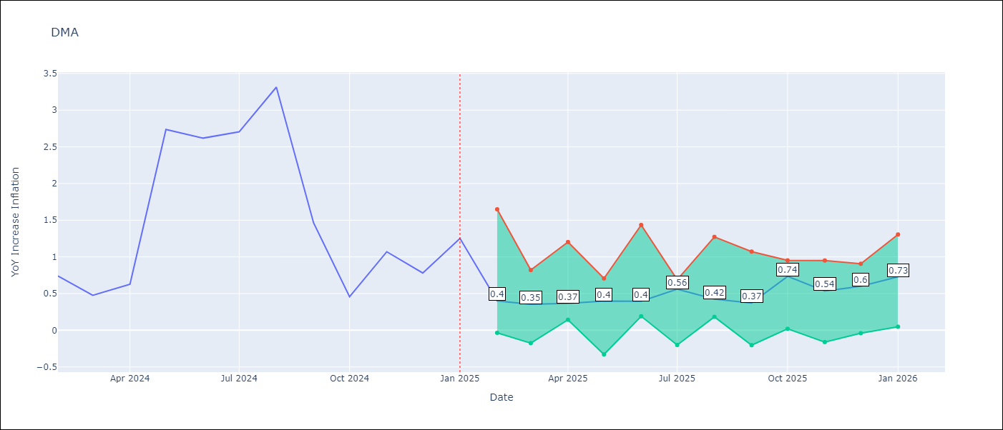

Test Metrics
RMSE | 1.83
Naive RMSE | 0.96
MAPE | 106.24%

Test Predictions
Date | Predicted | Actual
2024-02-01 | 1.37 | 0.74
2024-03-01 | 1.41 | 0.48
2024-04-01 | 1.02 | 0.63
2024-05-01 | 0.64 | 2.74
2024-06-01 | 0.49 | 2.62
2024-07-01 | 0.42 | 2.7
2024-08-01 | 0.79 | 3.31
2024-09-01 | 0.63 | 1.46
2024-10-01 | -0.14 | 0.46
2024-11-01 | -0.5 | 1.07
2024-12-01 | -1.61 | 0.78
2025-01-01 | -1.78 | 1.25

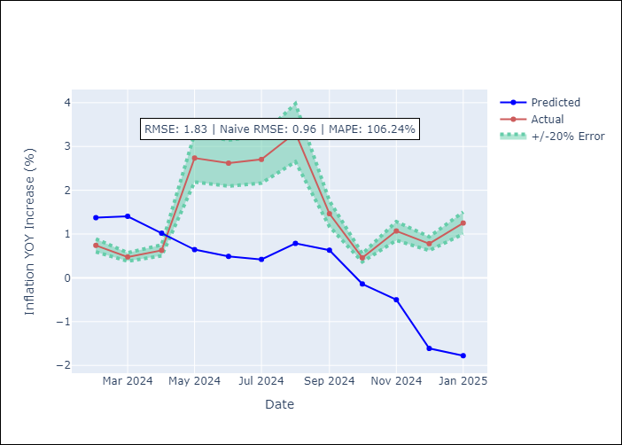

Appendix A: Model Summary
Model | Random Forest
Sample | 2004-01-01 to 2025-01-01
No. of Observations | 253
Terms | P-value (Statistical significance)

Assumptions | P-value

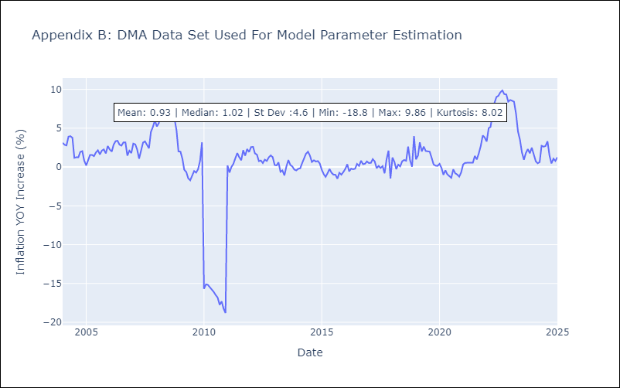

Appendix C: Residuals Analysis
Mean

GRD
GRD - Inflation - Next 12 months forecast as of: 2025-01-01

Model | Random Forest - [(1, 1, 1), (3, 0, 0, 12)]
Training Data | 2004-01-01 to 2024-02-01
Test Data | 2024-02-01 to 2025-01-01

Date | Inflation Change YoY % | Lower Bound - 95% Confidence Interval | Upper Bound - 95% Confidence Interval
2025-02-01 | 0.6 | 0.38 | 1.03
2025-03-01 | 0.59 | 0.59 | 1.17
2025-04-01 | 0.65 | -0.06 | 1.09
2025-05-01 | 0.64 | -1.01 | 0.31
2025-06-01 | 0.7 | -0.46 | 2.08
2025-07-01 | 0.79 | 1.68 | 3.08
2025-08-01 | 0.87 | 2.39 | 5.53
2025-09-01 | 0.97 | 2.18 | 4.8
2025-10-01 | 0.98 | 2.12 | 5.08
2025-11-01 | 1.04 | 0.94 | 3.26
2025-12-01 | 1.11 | -0.04 | 1.26
2026-01-01 | 1.04 | 0.34 | 1.15

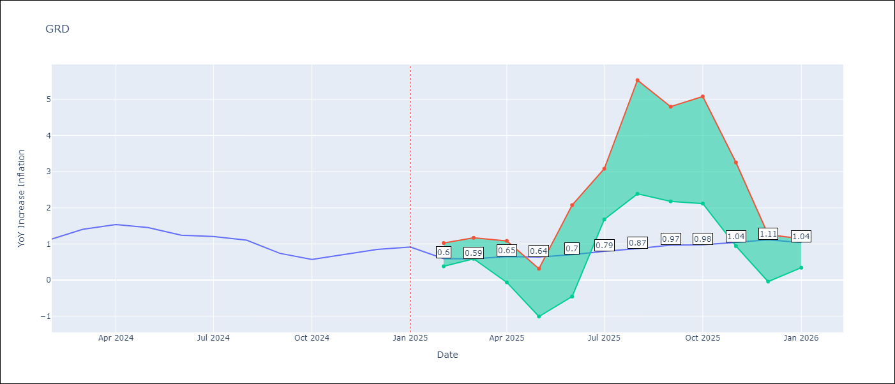

Test Metrics
RMSE | 0.9
Naive RMSE | 0.18
MAPE | 82.31%

Test Predictions
Date | Predicted | Actual
2024-02-01 | 0.73 | 1.14
2024-03-01 | 0.47 | 1.41
2024-04-01 | 0.46 | 1.54
2024-05-01 | 0.82 | 1.45
2024-06-01 | 1.05 | 1.24
2024-07-01 | 1.06 | 1.21
2024-08-01 | 0.06 | 1.11
2024-09-01 | -0.37 | 0.74
2024-10-01 | -0.38 | 0.57
2024-11-01 | -0.33 | 0.71
2024-12-01 | -0.33 | 0.85
2025-01-01 | -0.29 | 0.92

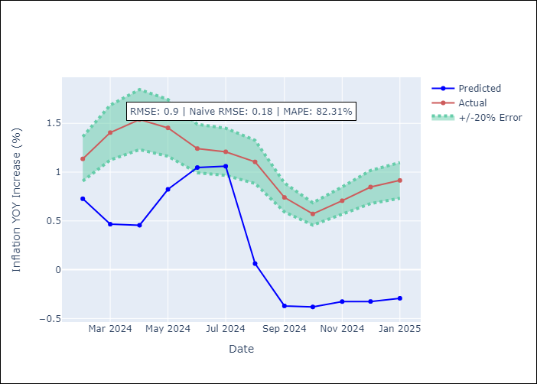

Appendix A: Model Summary
Model | Random Forest
Sample | 2004-01-01 to 2025-01-01
No. of Observations | 253
Terms | P-value (Statistical significance)

Assumptions | P-value

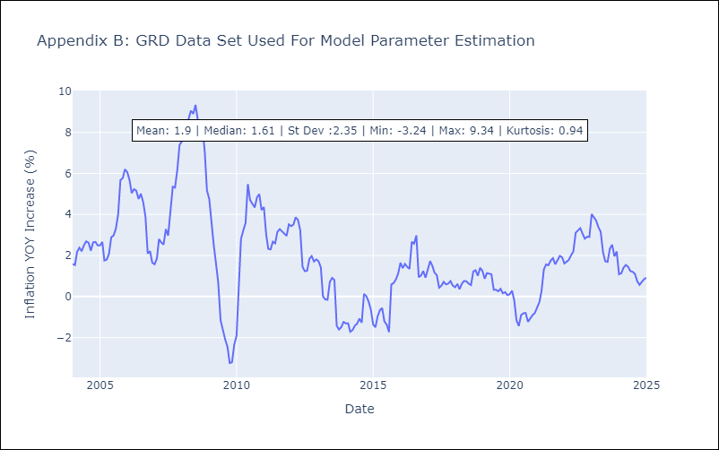

Appendix C: Residuals Analysis
Mean

GUY
GUY - Inflation - Next 12 months forecast as of: 2025-03-01

Model | Random Forest - [(3, 0, 1), (1, 0, 0, 12)]
Training Data | 2008-01-01 to 2024-04-01
Test Data | 2024-04-01 to 2025-03-01

Date | Inflation Change YoY % | Lower Bound - 95% Confidence Interval | Upper Bound - 95% Confidence Interval
2025-04-01 | 1.36 | 1.58 | 4.28
2025-05-01 | 1.48 | 0.7 | 1.93
2025-06-01 | 1.59 | 0.91 | 3.15
2025-07-01 | 1.6 | 0.76 | 2.23
2025-08-01 | 1.56 | 0.95 | 3.88
2025-09-01 | 1.68 | 0.76 | 3.11
2025-10-01 | 2.14 | 0.68 | 3.57
2025-11-01 | 2.54 | 1.14 | 3.42
2025-12-01 | 2.58 | 0.69 | 2.09
2026-01-01 | 2.33 | 1.47 | 2.73
2026-02-01 | 2.15 | 0.71 | 2.1
2026-03-01 | 2.04 | 0.88 | 3.07

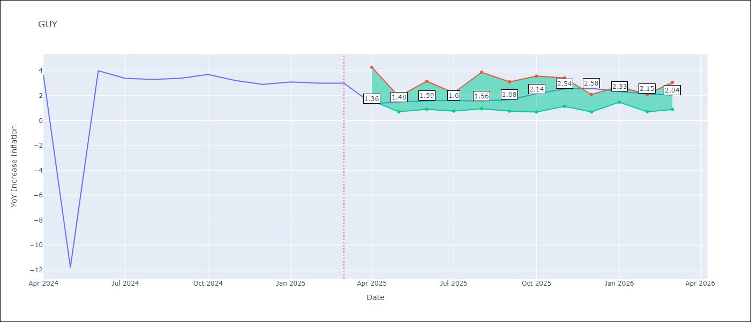

Test Metrics
RMSE | 4.18
Naive RMSE | 6.67
MAPE | 31.22%

Test Predictions
Date | Predicted | Actual
2024-04-01 | 2.29 | 3.67
2024-05-01 | 2.38 | -11.79
2024-06-01 | 2.13 | 3.99
2024-07-01 | 2.65 | 3.39
2024-08-01 | 2.94 | 3.3
2024-09-01 | 2.89 | 3.4
2024-10-01 | 2.65 | 3.7
2024-11-01 | 2.6 | 3.2
2024-12-01 | 2.62 | 2.9
2025-01-01 | 2.59 | 3.1
2025-02-01 | 2.47 | 3
2025-03-01 | 2.28 | 3

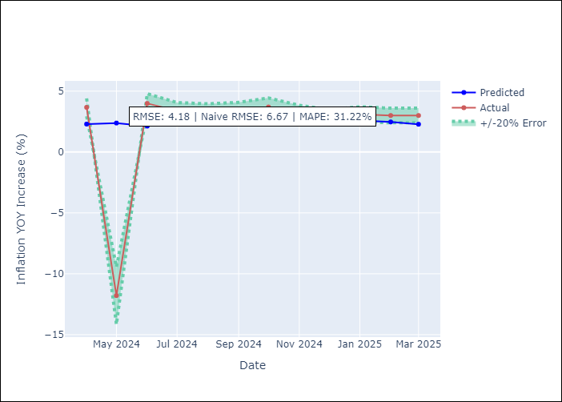

Appendix A: Model Summary
Model | Random Forest
Sample | 2008-01-01 to 2025-03-01
No. of Observations | 207
Terms | P-value (Statistical significance)

Assumptions | P-value

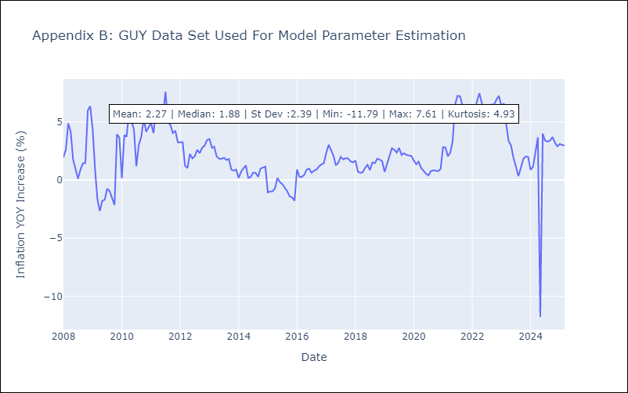

Appendix C: Residuals Analysis
Mean

JAM
JAM - Inflation - Next 12 months forecast as of: 2025-04-01

Model | Random Forest - [(2, 1, 0), (0, 0, 2, 12)]
Training Data | 1994-07-01 to 2024-05-01
Test Data | 2024-05-01 to 2025-04-01

Date | Inflation Change YoY % | Lower Bound - 95% Confidence Interval | Upper Bound - 95% Confidence Interval
2025-05-01 | 11.58 | 3.89 | 8.43
2025-06-01 | 11.38 | 6.86 | 12.44
2025-07-01 | 11.38 | 5.78 | 8.96
2025-08-01 | 11.1 | 6.12 | 8.94
2025-09-01 | 10.84 | 7.17 | 12.3
2025-10-01 | 10.36 | 5.28 | 9.1
2025-11-01 | 9.92 | 5.22 | 9.36
2025-12-01 | 9.49 | 7.81 | 12.21
2026-01-01 | 8.96 | 5.52 | 9.13
2026-02-01 | 8.65 | 5.84 | 8.31
2026-03-01 | 8.51 | 7.13 | 14.96
2026-04-01 | 8.31 | 7.08 | 14

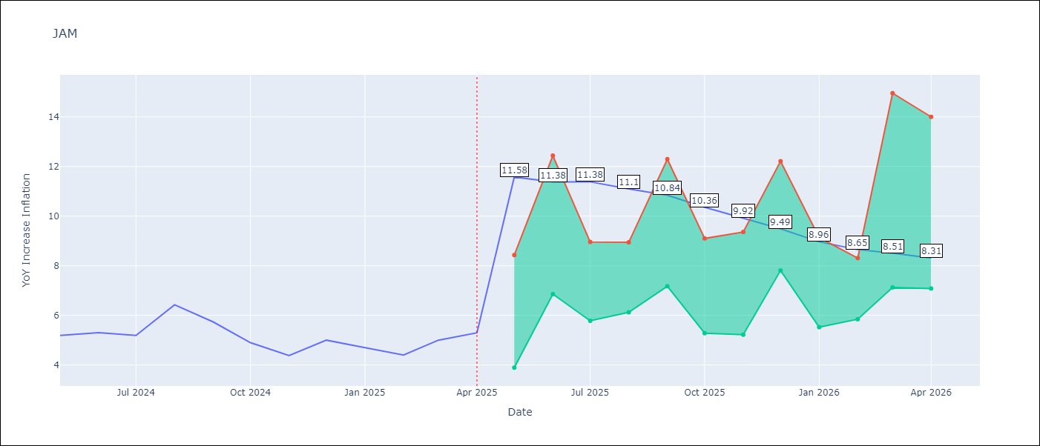

Test Metrics
RMSE | 2.33
Naive RMSE | 0.6
MAPE | 38.08%

Test Predictions
Date | Predicted | Actual
2024-05-01 | 5.69 | 5.19
2024-06-01 | 5.78 | 5.3
2024-07-01 | 5.94 | 5.19
2024-08-01 | 5.99 | 6.42
2024-09-01 | 6.22 | 5.74
2024-10-01 | 6.77 | 4.9
2024-11-01 | 6.75 | 4.38
2024-12-01 | 7.22 | 5
2025-01-01 | 7.37 | 4.7
2025-02-01 | 8.15 | 4.4
2025-03-01 | 8.6 | 5
2025-04-01 | 9.24 | 5.3

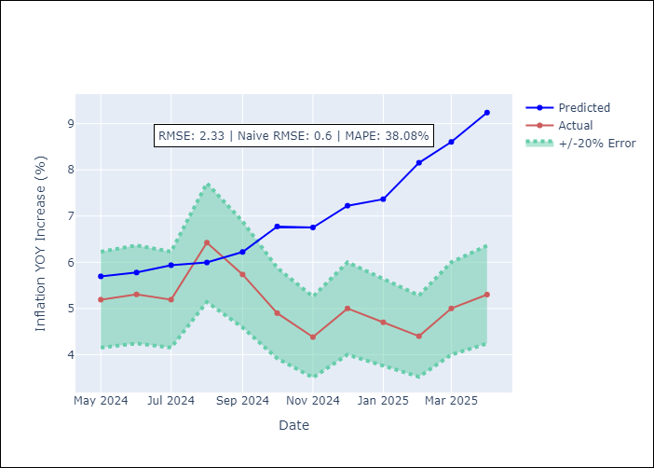

Appendix A: Model Summary
Model | Random Forest
Sample | 1994-07-01 to 2025-04-01
No. of Observations | 370
Terms | P-value (Statistical significance)

Assumptions | P-value

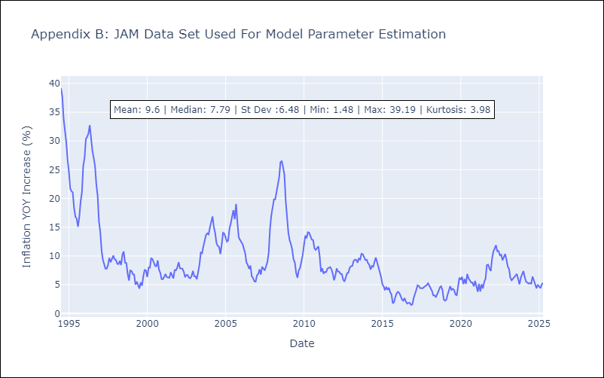

Appendix C: Residuals Analysis
Mean

KNA
KNA - Inflation - Next 12 months forecast as of: 2025-02-01

Model | Random Forest - [(0, 1, 0), (3, 0, 0, 12)]
Training Data | 2006-01-01 to 2024-03-01
Test Data | 2024-03-01 to 2025-02-01

Date | Inflation Change YoY % | Lower Bound - 95% Confidence Interval | Upper Bound - 95% Confidence Interval
2025-03-01 | 1.18 | -0.14 | 2.28
2025-04-01 | 1.13 | -0.65 | 1.09
2025-05-01 | 1.09 | -2.15 | 4.59
2025-06-01 | 1.19 | -2.07 | 0.35
2025-07-01 | 1.37 | -0.71 | 3.29
2025-08-01 | 1.5 | -1.3 | 0.97
2025-09-01 | 1.51 | -2.14 | -0.33
2025-10-01 | 1.56 | -0.4 | 1.35
2025-11-01 | 1.74 | 0.53 | 2.27
2025-12-01 | 1.73 | 0.49 | 2.38
2026-01-01 | 1.94 | 0.65 | 2.73
2026-02-01 | 1.79 | 0.84 | 2.55

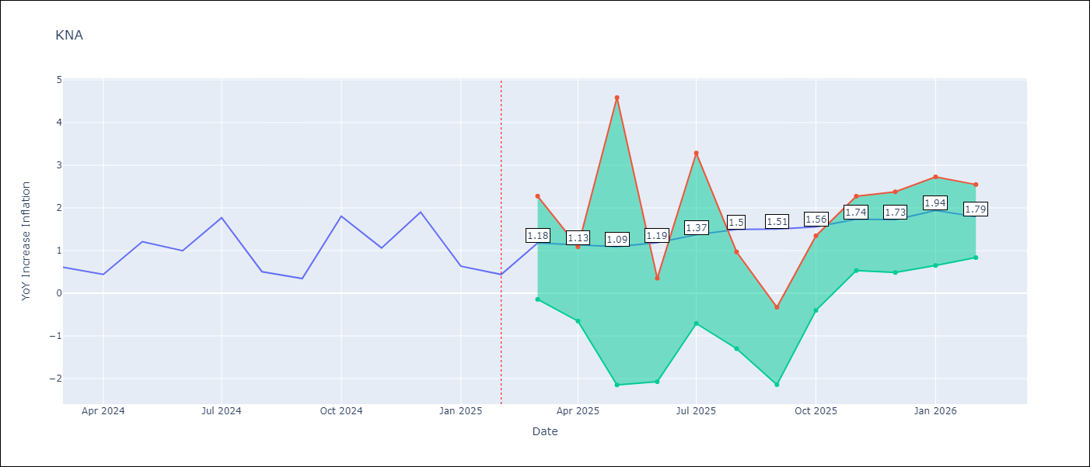

Test Metrics
RMSE | 0.73
Naive RMSE | 0.85
MAPE | 103.22%

Test Predictions
Date | Predicted | Actual
2024-03-01 | 1.1 | 0.61
2024-04-01 | 0.99 | 0.44
2024-05-01 | 0.9 | 1.21
2024-06-01 | 1.09 | 1
2024-07-01 | 1.17 | 1.77
2024-08-01 | 1.49 | 0.51
2024-09-01 | 1.36 | 0.35
2024-10-01 | 1.23 | 1.8
2024-11-01 | 1.5 | 1.06
2024-12-01 | 1.64 | 1.9
2025-01-01 | 1.88 | 0.63
2025-02-01 | 1.55 | 0.44

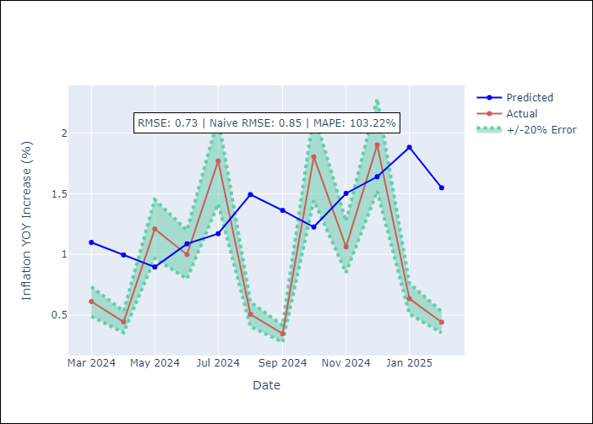

Appendix A: Model Summary
Model | Random Forest
Sample | 2006-01-01 to 2025-02-01
No. of Observations | 230
Terms | P-value (Statistical significance)

Assumptions | P-value

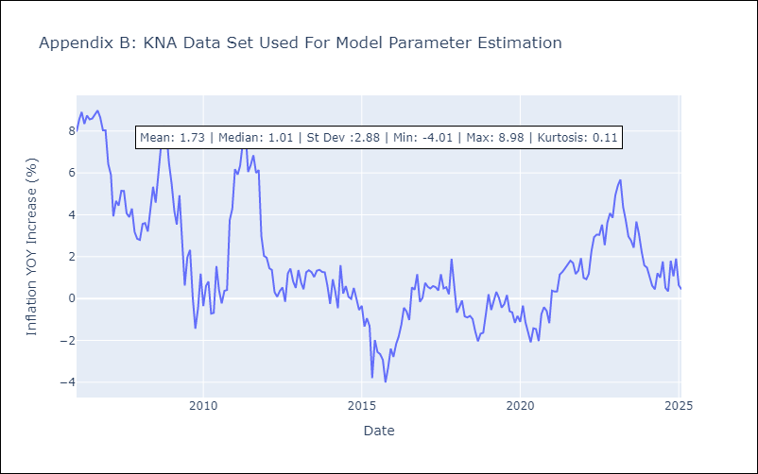

Appendix C: Residuals Analysis
Mean

LCA
LCA - Inflation - Next 12 months forecast as of: 2025-01-01

Model | Random Forest - [(0, 1, 0), (3, 0, 1, 12)]
Training Data | 2008-01-01 to 2024-02-01
Test Data | 2024-02-01 to 2025-01-01

Date | Inflation Change YoY % | Lower Bound - 95% Confidence Interval | Upper Bound - 95% Confidence Interval
2025-02-01 | 3.2 | 0.64 | 3.55
2025-03-01 | 3.86 | 1.92 | 3.68
2025-04-01 | 4.05 | 1.5 | 4.06
2025-05-01 | 3.87 | 1.66 | 4.46
2025-06-01 | 3.69 | 1.63 | 5.14
2025-07-01 | 3.4 | 0.92 | 4.84
2025-08-01 | 3.51 | 0.76 | 3.66
2025-09-01 | 3.38 | 2.15 | 4.17
2025-10-01 | 3.25 | 2.17 | 4.61
2025-11-01 | 2.88 | 1.58 | 4.82
2025-12-01 | 2.46 | 1.19 | 5.27
2026-01-01 | 2.16 | 1.34 | 4.47

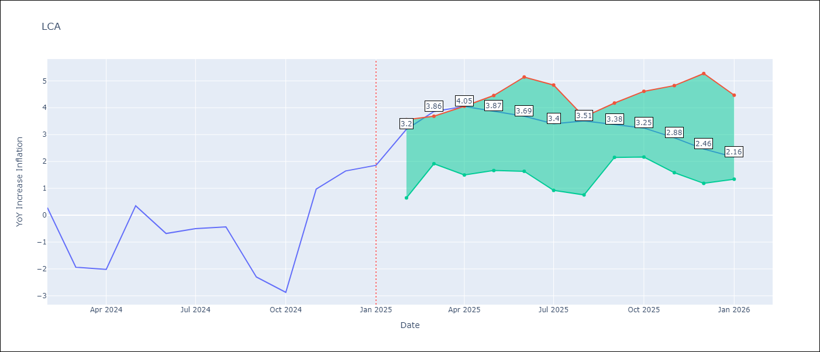

Test Metrics
RMSE | 1.5
Naive RMSE | 1.67
MAPE | 151.84%

Test Predictions
Date | Predicted | Actual
2024-02-01 | -0.33 | 0.28
2024-03-01 | -0.64 | -1.94
2024-04-01 | -0.9 | -2.02
2024-05-01 | -1.06 | 0.35
2024-06-01 | 0.05 | -0.68
2024-07-01 | 0.14 | -0.5
2024-08-01 | 0.18 | -0.43
2024-09-01 | 0.58 | -2.3
2024-10-01 | 0.53 | -2.87
2024-11-01 | 0.56 | 0.97
2024-12-01 | 2.15 | 1.65
2025-01-01 | 2.33 | 1.86

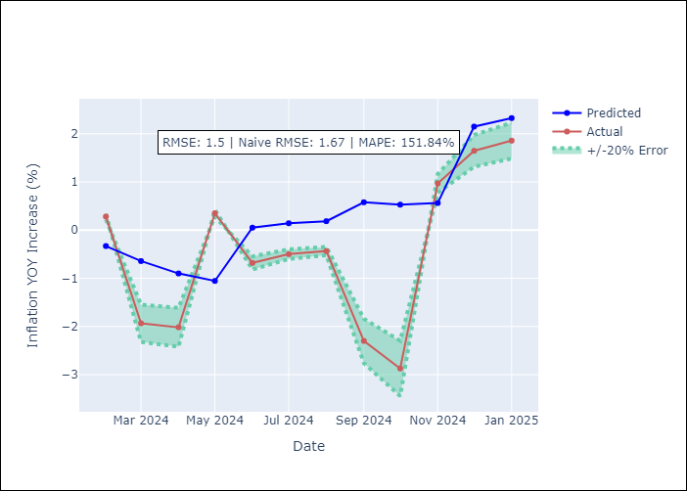

Appendix A: Model Summary
Model | Random Forest
Sample | 2008-01-01 to 2025-01-01
No. of Observations | 205
Terms | P-value (Statistical significance)

Assumptions | P-value

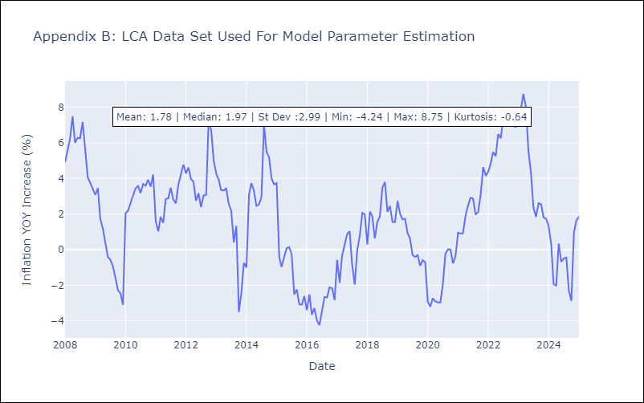

Appendix C: Residuals Analysis
Mean

SUR
SUR - Inflation - Next 12 months forecast as of: 2024-08-01

Model | Random Forest - [(3, 2, 0), (1, 0, 0, 12)]
Training Data | 2012-04-01 to 2023-09-01
Test Data | 2023-09-01 to 2024-08-01

Date | Inflation Change YoY % | Lower Bound - 95% Confidence Interval | Upper Bound - 95% Confidence Interval
2024-09-01 | 50.16 | -6.17 | 24.52
2024-10-01 | 53.07 | 6.58 | 38.75
2024-11-01 | 56.51 | 19.34 | 60.99
2024-12-01 | 56.92 | 40.88 | 62.39
2025-01-01 | 57.56 | 39.43 | 60.86
2025-02-01 | 57.14 | 43.13 | 60.89
2025-03-01 | 56.99 | 42.64 | 61.13
2025-04-01 | 57.17 | 45.79 | 61.43
2025-05-01 | 56.36 | 44.93 | 60.72
2025-06-01 | 54.39 | 43.45 | 61.33
2025-07-01 | 50.97 | 41.57 | 61.42
2025-08-01 | 48.97 | 42.26 | 60.9

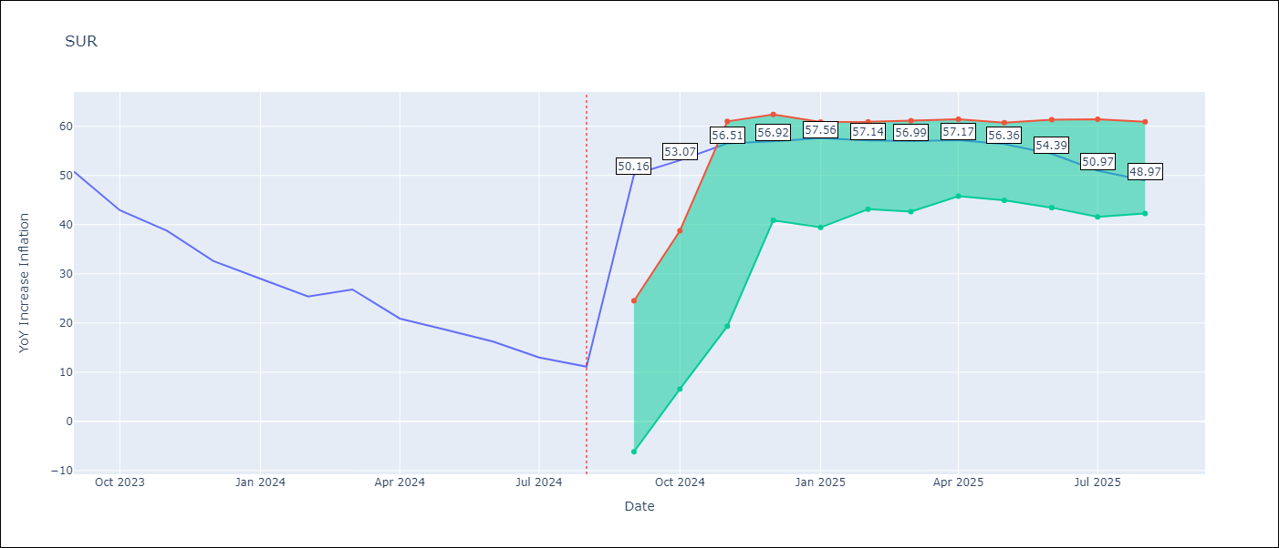

Test Metrics
RMSE | 18.5
Naive RMSE | 4.32
MAPE | 100.96%

Test Predictions
Date | Predicted | Actual
2023-09-01 | 52.03 | 50.79
2023-10-01 | 50.65 | 42.92
2023-11-01 | 47.39 | 38.74
2023-12-01 | 45.85 | 32.63
2024-01-01 | 44.23 | 28.98
2024-02-01 | 42.69 | 25.4
2024-03-01 | 42.66 | 26.83
2024-04-01 | 43.01 | 20.9
2024-05-01 | 41.63 | 18.62
2024-06-01 | 41.44 | 16.21
2024-07-01 | 39.78 | 12.99
2024-08-01 | 36.5 | 11.13

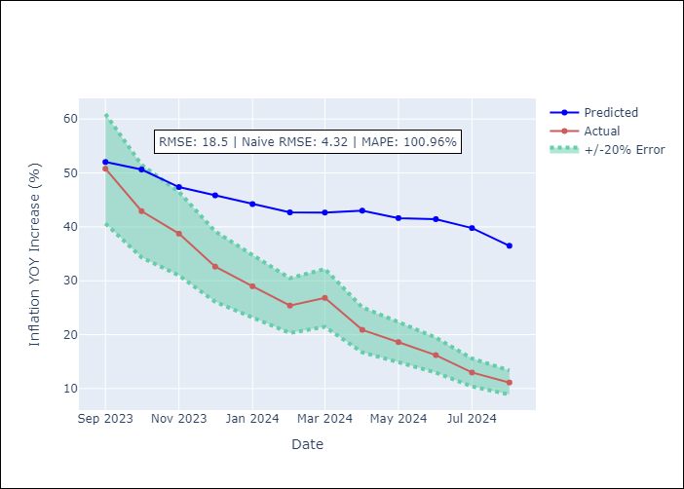

Appendix A: Model Summary
Model | Random Forest
Sample | 2012-04-01 to 2024-08-01
No. of Observations | 145
Terms | P-value (Statistical significance)

Assumptions | P-value

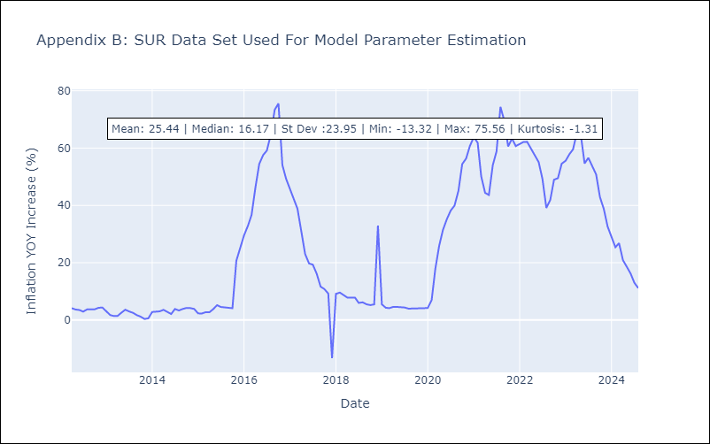

Appendix C: Residuals Analysis
Mean

TTO
TTO - Inflation - Next 12 months forecast as of: 2025-04-01

Model | Random Forest - [(3, 2, 0), (3, 0, 0, 12)]
Training Data | 1994-07-01 to 2024-05-01
Test Data | 2024-05-01 to 2025-04-01

Date | Inflation Change YoY % | Lower Bound - 95% Confidence Interval | Upper Bound - 95% Confidence Interval
2025-05-01 | 5.31 | 0.86 | 5.92
2025-06-01 | 5.1 | 3.73 | 6.15
2025-07-01 | 4.87 | 3.18 | 4.18
2025-08-01 | 4.45 | 3.72 | 6.02
2025-09-01 | 4 | 3 | 5.04
2025-10-01 | 3.82 | 3.38 | 6.05
2025-11-01 | 3.43 | 3.32 | 5.74
2025-12-01 | 3.31 | 3.27 | 4.91
2026-01-01 | 3.18 | 4.03 | 5.99
2026-02-01 | 3.23 | 3.13 | 4.38
2026-03-01 | 3.26 | 3.58 | 6.09
2026-04-01 | 3.37 | 3.06 | 5.5

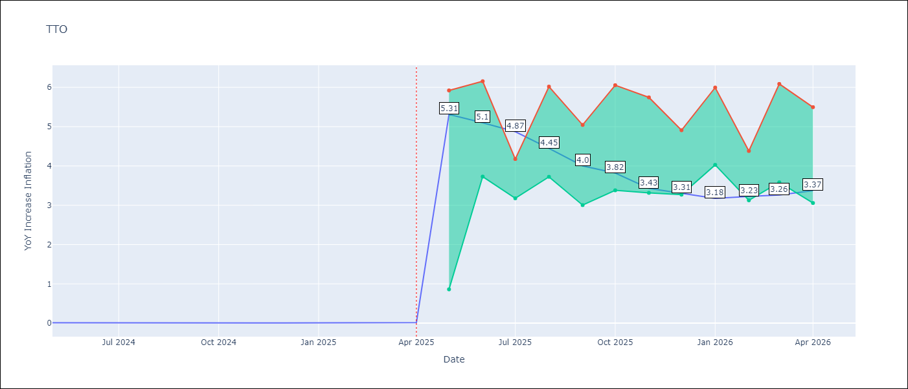

Test Metrics
RMSE | 0.6
Naive RMSE | 0.0
MAPE | 12251.29%

Test Predictions
Date | Predicted | Actual
2024-05-01 | 0.59 | 0.01
2024-06-01 | 0.68 | 0.01
2024-07-01 | 0.64 | 0
2024-08-01 | 0.56 | 0
2024-09-01 | 0.55 | 0
2024-10-01 | 0.57 | 0
2024-11-01 | 0.61 | 0
2024-12-01 | 0.59 | 0
2025-01-01 | 0.59 | 0.01
2025-02-01 | 0.63 | 0.01
2025-03-01 | 0.64 | 0.01
2025-04-01 | 0.64 | 0.02

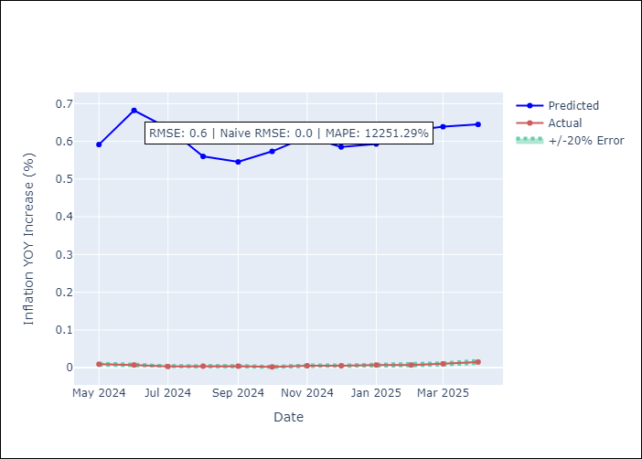

Appendix A: Model Summary
Model | Random Forest
Sample | 1994-07-01 to 2025-04-01
No. of Observations | 370
Terms | P-value (Statistical significance)

Assumptions | P-value

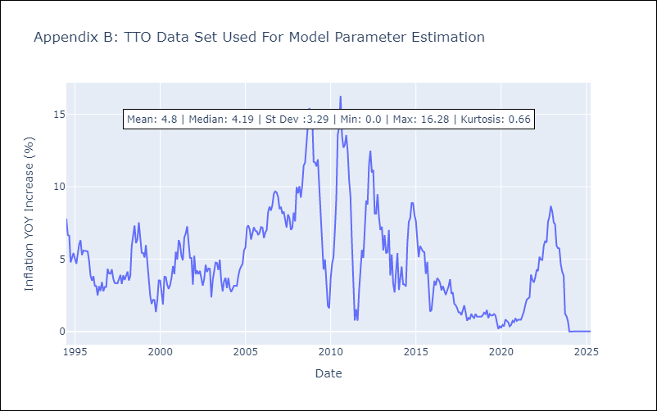

Appendix C: Residuals Analysis
Mean

VCT
VCT - Inflation - Next 12 months forecast as of: 2025-01-01

Model | Random Forest - [(1, 0, 0), (3, 0, 0, 12)]
Training Data | 2004-01-01 to 2024-02-01
Test Data | 2024-02-01 to 2025-01-01

Date | Inflation Change YoY % | Lower Bound - 95% Confidence Interval | Upper Bound - 95% Confidence Interval
2025-02-01 | 2.69 | 1.92 | 5.46
2025-03-01 | 2.81 | 2.49 | 5.31
2025-04-01 | 2.84 | 2.42 | 4.4
2025-05-01 | 3.06 | 2.21 | 4.64
2025-06-01 | 2.95 | 1.78 | 3.47
2025-07-01 | 3.11 | 0.91 | 3.07
2025-08-01 | 3.27 | -0.54 | 0.95
2025-09-01 | 3.31 | -1.29 | 0.86
2025-10-01 | 3.31 | 0.74 | 3.68
2025-11-01 | 3.34 | 2.79 | 4.89
2025-12-01 | 3.2 | 2.33 | 4.14
2026-01-01 | 3.36 | 1.91 | 5.1

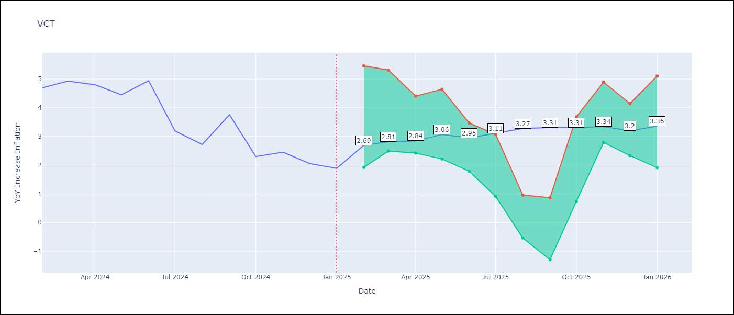

Test Metrics
RMSE | 1.7
Naive RMSE | 0.8
MAPE | 53.59%

Test Predictions
Date | Predicted | Actual
2024-02-01 | 4.55 | 4.69
2024-03-01 | 4.58 | 4.93
2024-04-01 | 4.71 | 4.8
2024-05-01 | 4.72 | 4.45
2024-06-01 | 4.71 | 4.94
2024-07-01 | 4.94 | 3.19
2024-08-01 | 4.6 | 2.72
2024-09-01 | 4.79 | 3.75
2024-10-01 | 4.72 | 2.3
2024-11-01 | 4.64 | 2.45
2024-12-01 | 4.88 | 2.06
2025-01-01 | 4.75 | 1.89

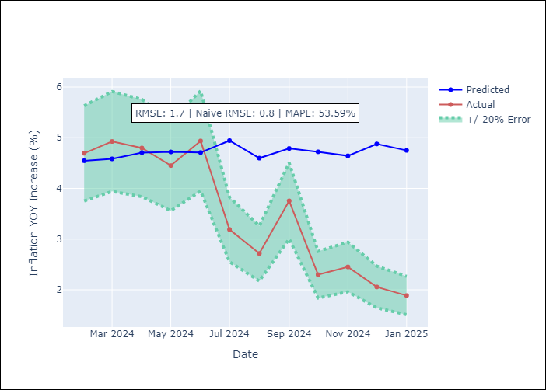

Appendix A: Model Summary
Model | Random Forest
Sample | 2004-01-01 to 2025-01-01
No. of Observations | 253
Terms | P-value (Statistical significance)

Assumptions | P-value

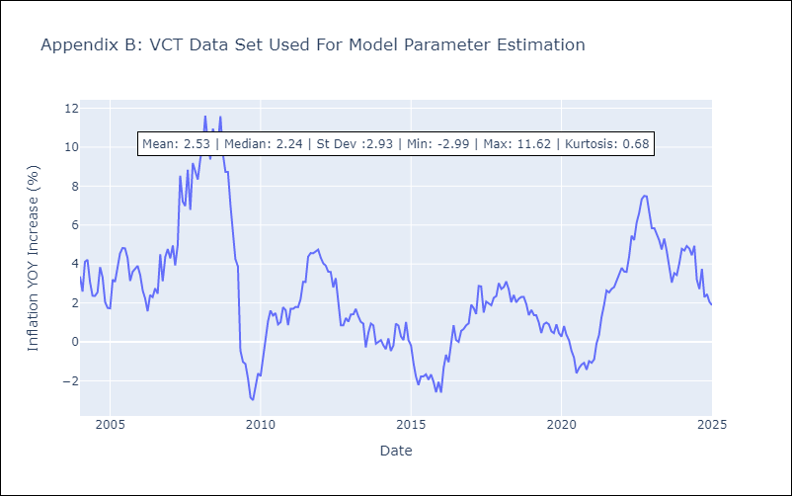

Appendix C: Residuals Analysis
Mean

