ATG
ATG - Inflation - Next 12 months forecast as of: 2025-01-01

Model | Random Forest - [(0, 1, 1), (0, 0, 1, 12)]
Training Data | 2004-01-01 to 2024-02-01
Test Data | 2024-02-01 to 2025-01-01

Date | Inflation Change YoY % | Lower Bound - 95% Confidence Interval | Upper Bound - 95% Confidence Interval
2025-02-01 | 0.98 | -0.92 | 4.21
2025-03-01 | 0.96 | 1.37 | 6.11
2025-04-01 | 0.99 | 1.54 | 3.97
2025-05-01 | 0.91 | 0.63 | 1.99
2025-06-01 | 0.79 | 0.74 | 1.56
2025-07-01 | 0.92 | 0.25 | 1.36
2025-08-01 | 0.79 | 0.1 | 1.39
2025-09-01 | 0.8 | 0.46 | 2.65
2025-10-01 | 0.87 | 0.75 | 1.49
2025-11-01 | 0.78 | 0.37 | 1.34
2025-12-01 | 0.7 | -0.03 | 1.33
2026-01-01 | 0.75 | 0.19 | 2.03

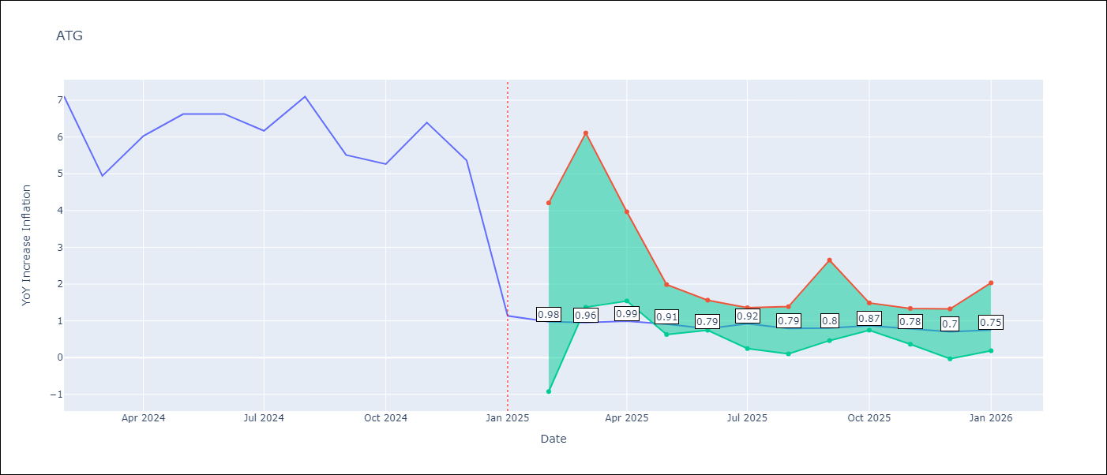

Test Metrics
RMSE | 1.92
Naive RMSE | 1.65
MAPE | 49.57%

Test Predictions
Date | Predicted | Actual
2024-02-01 | 6.15 | 7.11
2024-03-01 | 5.35 | 4.94
2024-04-01 | 4.91 | 6.03
2024-05-01 | 4.75 | 6.62
2024-06-01 | 4.76 | 6.63
2024-07-01 | 4.46 | 6.17
2024-08-01 | 3.8 | 7.1
2024-09-01 | 3.69 | 5.51
2024-10-01 | 4.04 | 5.27
2024-11-01 | 3.94 | 6.39
2024-12-01 | 3.45 | 5.37
2025-01-01 | 3.66 | 1.14

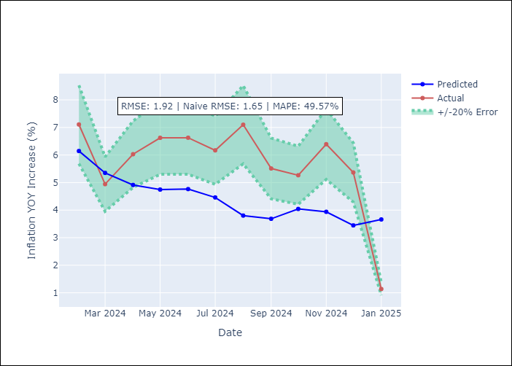

Appendix A: Model Summary
Model | Random Forest
Sample | 2004-01-01 to 2025-01-01
No. of Observations | 253
Terms | P-value (Statistical significance)

Assumptions | P-value

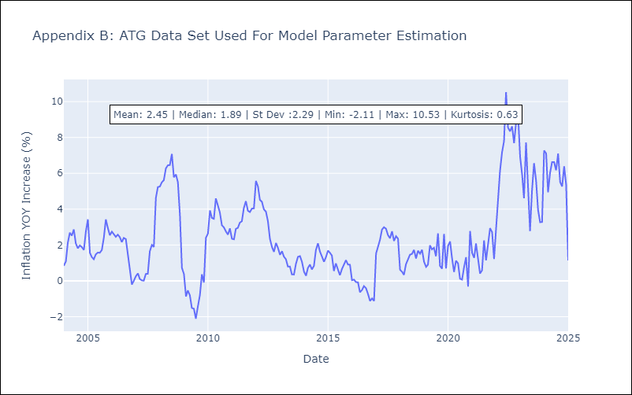

Appendix C: Residuals Analysis
Mean

BHS
BHS - Inflation - Next 12 months forecast as of: 2025-02-01

Model | Random Forest - [(1, 0, 0), (3, 0, 1, 12)]
Training Data | 2000-01-01 to 2024-03-01
Test Data | 2024-03-01 to 2025-02-01

Date | Inflation Change YoY % | Lower Bound - 95% Confidence Interval | Upper Bound - 95% Confidence Interval
2025-03-01 | 2.01 | 0.88 | 3.36
2025-04-01 | 2.12 | 1.78 | 2.92
2025-05-01 | 2.15 | 1.97 | 3.97
2025-06-01 | 2.1 | 1.93 | 5.9
2025-07-01 | 2.09 | 0.46 | 2.54
2025-08-01 | 1.91 | 0.32 | 2.38
2025-09-01 | 1.7 | 1.57 | 2.9
2025-10-01 | 1.62 | 0.54 | 3.6
2025-11-01 | 1.6 | 1.46 | 3.94
2025-12-01 | 1.63 | -0.11 | 2.2
2026-01-01 | 1.59 | 0.83 | 2.57
2026-02-01 | 1.68 | 0.94 | 2.24

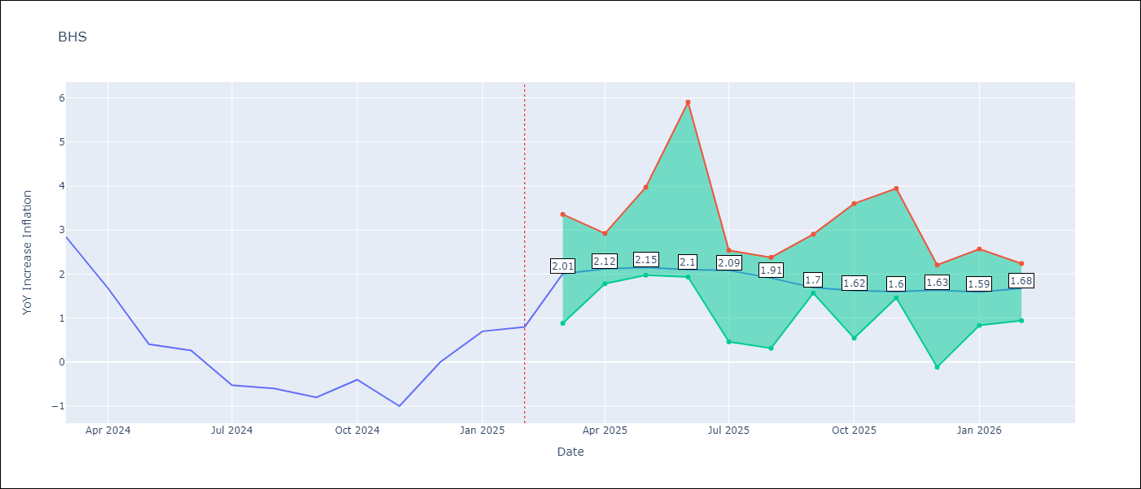

Test Metrics
RMSE | 0.87
Naive RMSE | 0.72
MAPE | inf%

Test Predictions
Date | Predicted | Actual
2024-03-01 | 1.15 | 2.85
2024-04-01 | 1.21 | 1.68
2024-05-01 | 0.82 | 0.4
2024-06-01 | 0.71 | 0.26
2024-07-01 | 0.5 | -0.52
2024-08-01 | 0.32 | -0.6
2024-09-01 | 0.27 | -0.8
2024-10-01 | 0.22 | -0.4
2024-11-01 | 0.43 | -1
2024-12-01 | 0.32 | 0
2025-01-01 | 0.65 | 0.7
2025-02-01 | 0.75 | 0.8

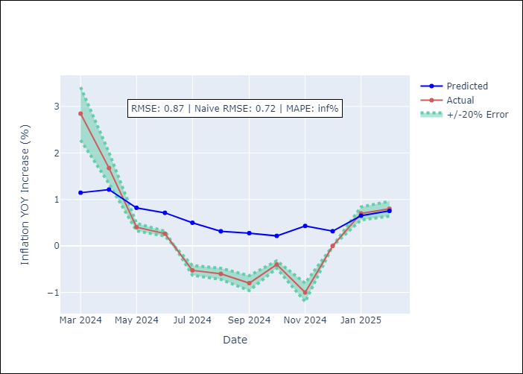

Appendix A: Model Summary
Model | Random Forest
Sample | 2000-01-01 to 2025-02-01
No. of Observations | 302
Terms | P-value (Statistical significance)

Assumptions | P-value

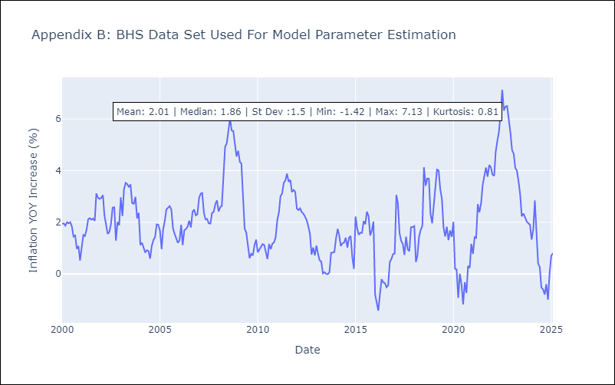

Appendix C: Residuals Analysis
Mean

BLZ
BLZ - Inflation - Next 12 months forecast as of: 2025-03-01

Model | Random Forest - [(2, 0, 0), (1, 0, 0, 12)]
Training Data | 2015-01-01 to 2024-04-01
Test Data | 2024-04-01 to 2025-03-01

Date | Inflation Change YoY % | Lower Bound - 95% Confidence Interval | Upper Bound - 95% Confidence Interval
2025-04-01 | 5.46 | 0.46 | 4.85
2025-05-01 | 5.48 | -0.03 | 0.95
2025-06-01 | 5.52 | 0.06 | 0.95
2025-07-01 | 5.43 | 0.25 | 3.29
2025-08-01 | 5.24 | 1.78 | 6.21
2025-09-01 | 5.06 | 3.29 | 6.81
2025-10-01 | 4.84 | 3.14 | 4.25
2025-11-01 | 4.61 | 3.27 | 6.33
2025-12-01 | 4.36 | 2.99 | 4.4
2026-01-01 | 4.1 | 2.98 | 6.45
2026-02-01 | 3.86 | 3.06 | 4.46
2026-03-01 | 3.64 | 3.08 | 6.06

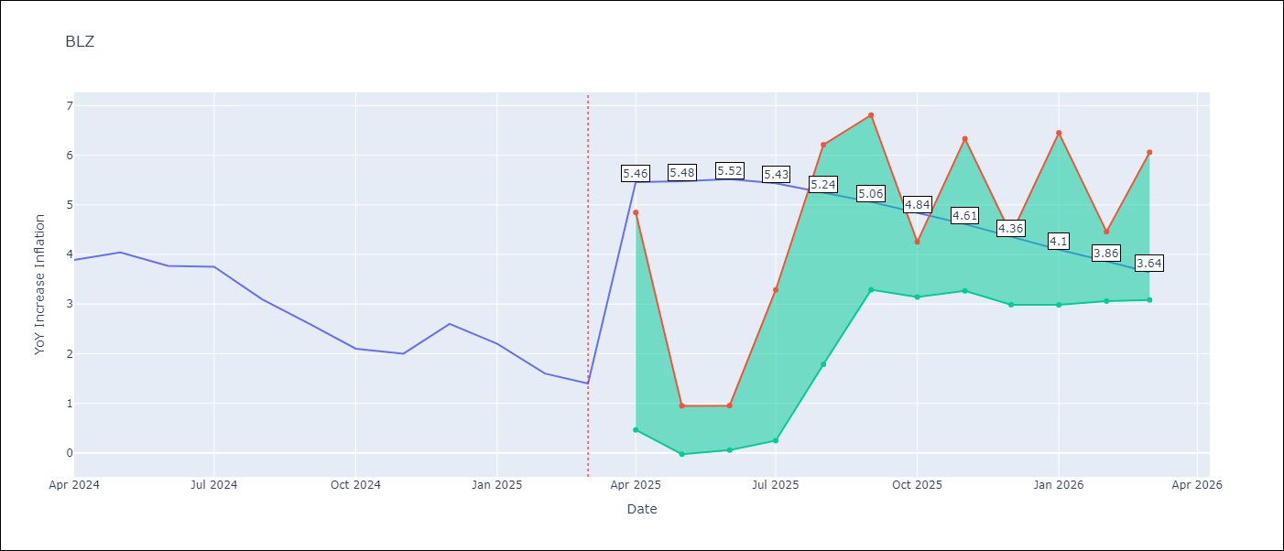

Test Metrics
RMSE | 2.14
Naive RMSE | 0.42
MAPE | 97.41%

Test Predictions
Date | Predicted | Actual
2024-04-01 | 5.28 | 3.89
2024-05-01 | 5.34 | 4.04
2024-06-01 | 5.4 | 3.77
2024-07-01 | 5.35 | 3.75
2024-08-01 | 5.24 | 3.1
2024-09-01 | 5.08 | 2.6
2024-10-01 | 4.88 | 2.1
2024-11-01 | 4.67 | 2
2024-12-01 | 4.44 | 2.6
2025-01-01 | 4.29 | 2.2
2025-02-01 | 4.12 | 1.6
2025-03-01 | 3.92 | 1.4

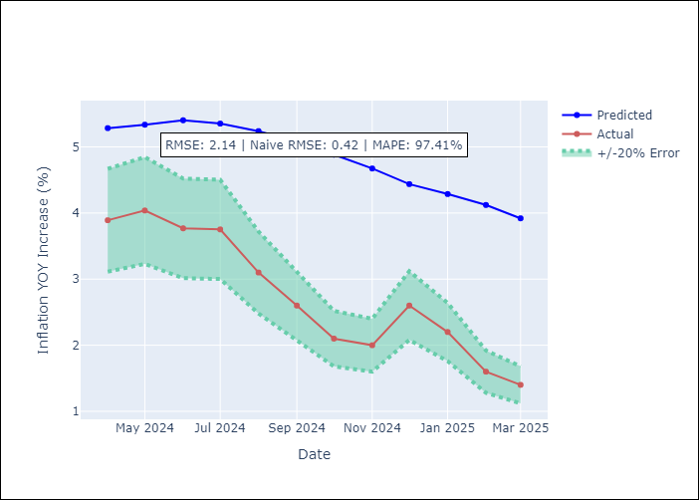

Appendix A: Model Summary
Model | Random Forest
Sample | 2015-01-01 to 2025-03-01
No. of Observations | 123
Terms | P-value (Statistical significance)

Assumptions | P-value

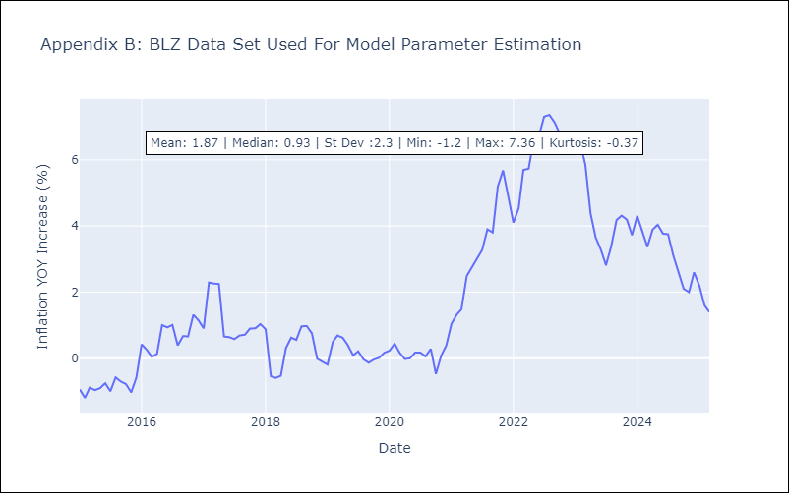

Appendix C: Residuals Analysis
Mean

BRB
BRB - Inflation - Next 12 months forecast as of: 2025-03-01

Model | Random Forest - [(3, 0, 0), (0, 0, 1, 12)]
Training Data | 2003-01-01 to 2024-04-01
Test Data | 2024-04-01 to 2025-03-01

Date | Inflation Change YoY % | Lower Bound - 95% Confidence Interval | Upper Bound - 95% Confidence Interval
2025-04-01 | 3.43 | 0.53 | 4.35
2025-05-01 | 3.72 | 4.1 | 9.11
2025-06-01 | 4.18 | 4.11 | 8.85
2025-07-01 | 4.55 | 3.06 | 6.25
2025-08-01 | 4.74 | 5.33 | 9.86
2025-09-01 | 4.9 | 2.87 | 7.58
2025-10-01 | 5.03 | 4.07 | 9.48
2025-11-01 | 5.79 | 3.05 | 9.98
2025-12-01 | 6.85 | 2.56 | 6.59
2026-01-01 | 7.75 | 5.16 | 9.35
2026-02-01 | 8.54 | 3.4 | 8.03
2026-03-01 | 9.23 | 3.48 | 9.48

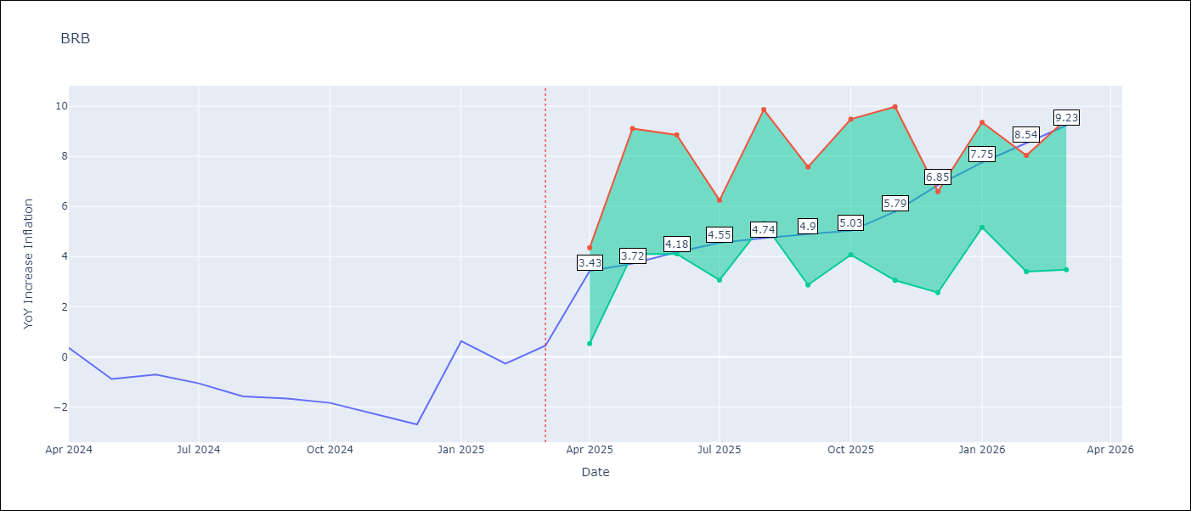

Test Metrics
RMSE | 3.77
Naive RMSE | 1.16
MAPE | 396.33%

Test Predictions
Date | Predicted | Actual
2024-04-01 | 1.22 | 0.36
2024-05-01 | 1.21 | -0.88
2024-06-01 | 1.18 | -0.7
2024-07-01 | 1.47 | -1.06
2024-08-01 | 1.91 | -1.58
2024-09-01 | 2.15 | -1.66
2024-10-01 | 2.48 | -1.83
2024-11-01 | 2.92 | -2.26
2024-12-01 | 3.35 | -2.69
2025-01-01 | 3.65 | 0.63
2025-02-01 | 4.61 | -0.27
2025-03-01 | 4.13 | 0.45

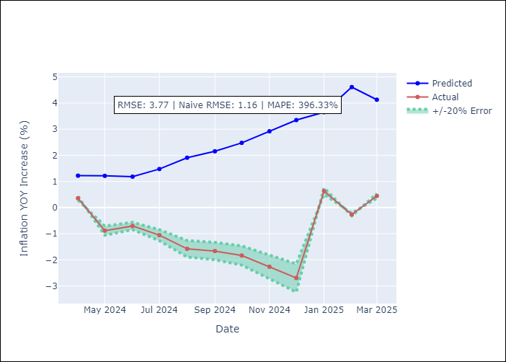

Appendix A: Model Summary
Model | Random Forest
Sample | 2003-01-01 to 2025-03-01
No. of Observations | 263
Terms | P-value (Statistical significance)

Assumptions | P-value

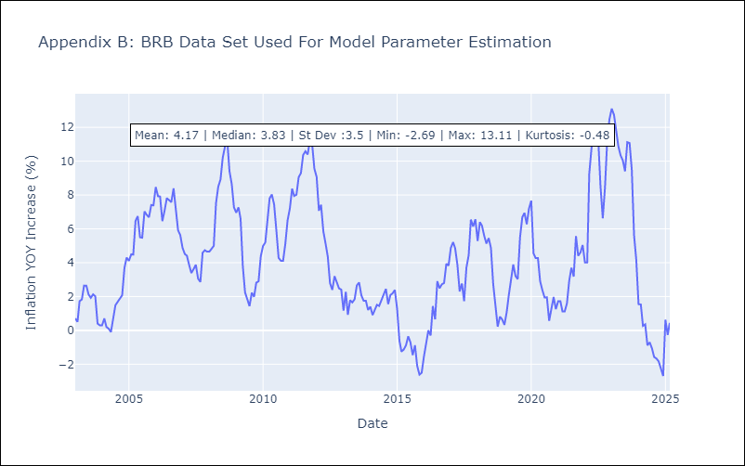

Appendix C: Residuals Analysis
Mean

DMA
DMA - Inflation - Next 12 months forecast as of: 2025-01-01

Model | Random Forest - [(0, 1, 0), (3, 0, 0, 12)]
Training Data | 2004-01-01 to 2024-02-01
Test Data | 2024-02-01 to 2025-01-01

Date | Inflation Change YoY % | Lower Bound - 95% Confidence Interval | Upper Bound - 95% Confidence Interval
2025-02-01 | 0.27 | 0.23 | 1.74
2025-03-01 | 0.18 | -0.14 | 1.89
2025-04-01 | 0.04 | -0.18 | 0.88
2025-05-01 | 0.3 | -0.07 | 1.03
2025-06-01 | 0.18 | -0.05 | 0.89
2025-07-01 | 0.06 | -0.01 | 0.94
2025-08-01 | 0.34 | -0.07 | 0.96
2025-09-01 | -0.06 | -0.14 | 0.83
2025-10-01 | 0.21 | 0.15 | 1.04
2025-11-01 | 0.31 | -0.26 | 0.76
2025-12-01 | 0.2 | 0.19 | 1.15
2026-01-01 | 0.53 | -0.11 | 0.79

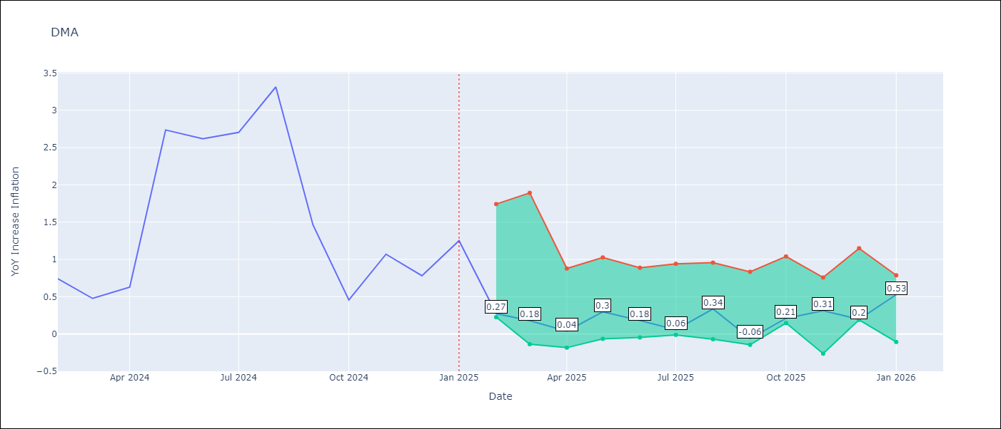

Test Metrics
RMSE | 1.41
Naive RMSE | 0.96
MAPE | 100.44%

Test Predictions
Date | Predicted | Actual
2024-02-01 | 1.38 | 0.74
2024-03-01 | 1.2 | 0.48
2024-04-01 | 1.14 | 0.63
2024-05-01 | 1.15 | 2.74
2024-06-01 | 1.02 | 2.62
2024-07-01 | 1.22 | 2.7
2024-08-01 | 1.45 | 3.31
2024-09-01 | 1.65 | 1.46
2024-10-01 | 1.06 | 0.46
2024-11-01 | -0.57 | 1.07
2024-12-01 | -1.01 | 0.78
2025-01-01 | -1.12 | 1.25

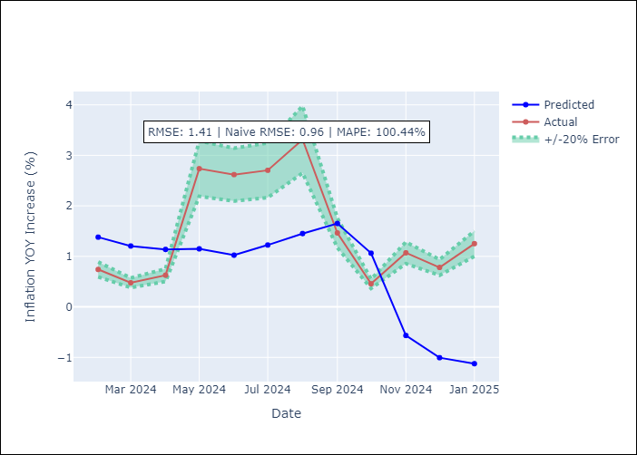

Appendix A: Model Summary
Model | Random Forest
Sample | 2004-01-01 to 2025-01-01
No. of Observations | 253
Terms | P-value (Statistical significance)

Assumptions | P-value

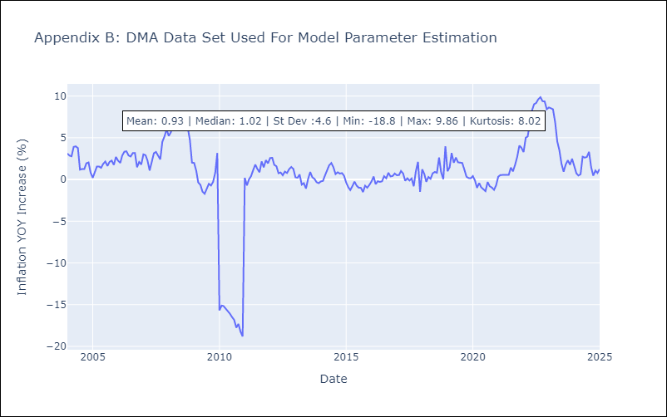

Appendix C: Residuals Analysis
Mean

GRD
GRD - Inflation - Next 12 months forecast as of: 2025-01-01

Model | Random Forest - [(1, 1, 1), (3, 0, 0, 12)]
Training Data | 2004-01-01 to 2024-02-01
Test Data | 2024-02-01 to 2025-01-01

Date | Inflation Change YoY % | Lower Bound - 95% Confidence Interval | Upper Bound - 95% Confidence Interval
2025-02-01 | 1.05 | 0.22 | 1.04
2025-03-01 | 1.04 | 0.61 | 1.15
2025-04-01 | 0.98 | 0.06 | 1.02
2025-05-01 | 0.93 | -1 | 0.13
2025-06-01 | 0.72 | -0.51 | 1.98
2025-07-01 | 0.63 | 1.8 | 3.1
2025-08-01 | 0.53 | 2.5 | 4.98
2025-09-01 | 0.46 | 0.81 | 3.36
2025-10-01 | 0.4 | -0.27 | 1.01
2025-11-01 | 0.35 | -0.6 | 0.82
2025-12-01 | 0.21 | 0.18 | 1.48
2026-01-01 | 0.1 | 0.02 | 1.13

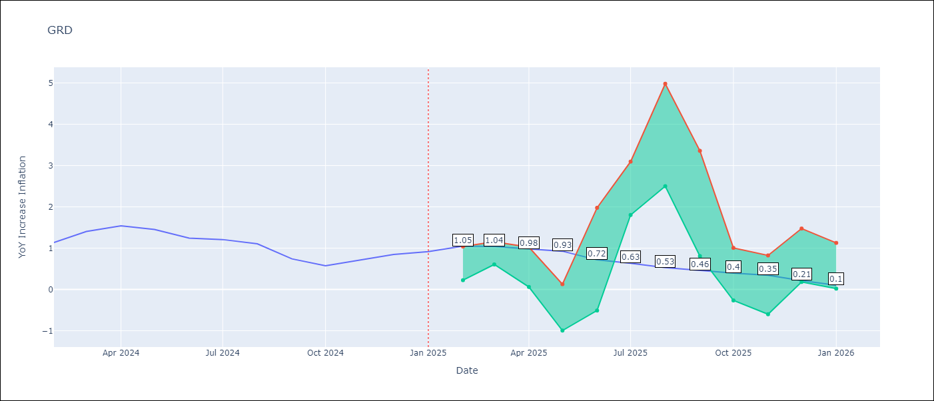

Test Metrics
RMSE | 0.68
Naive RMSE | 0.18
MAPE | 64.18%

Test Predictions
Date | Predicted | Actual
2024-02-01 | 0.73 | 1.14
2024-03-01 | 0.67 | 1.41
2024-04-01 | 0.7 | 1.54
2024-05-01 | 0.96 | 1.45
2024-06-01 | 1.09 | 1.24
2024-07-01 | 1.02 | 1.21
2024-08-01 | 0.27 | 1.11
2024-09-01 | 0.03 | 0.74
2024-10-01 | -0.03 | 0.57
2024-11-01 | -0.08 | 0.71
2024-12-01 | -0.05 | 0.85
2025-01-01 | -0.02 | 0.92

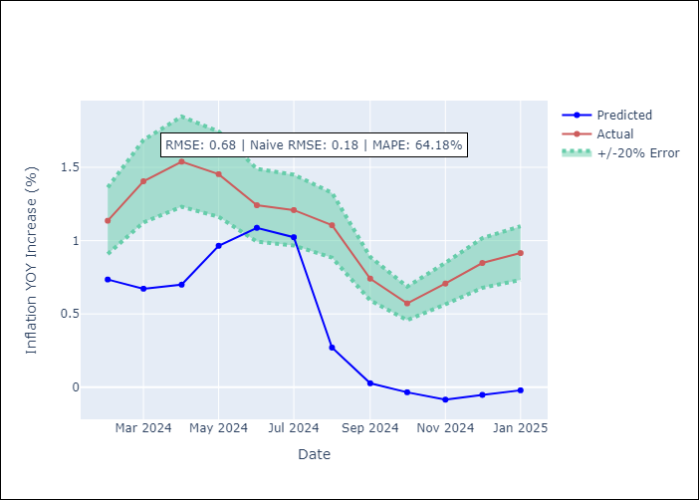

Appendix A: Model Summary
Model | Random Forest
Sample | 2004-01-01 to 2025-01-01
No. of Observations | 253
Terms | P-value (Statistical significance)

Assumptions | P-value

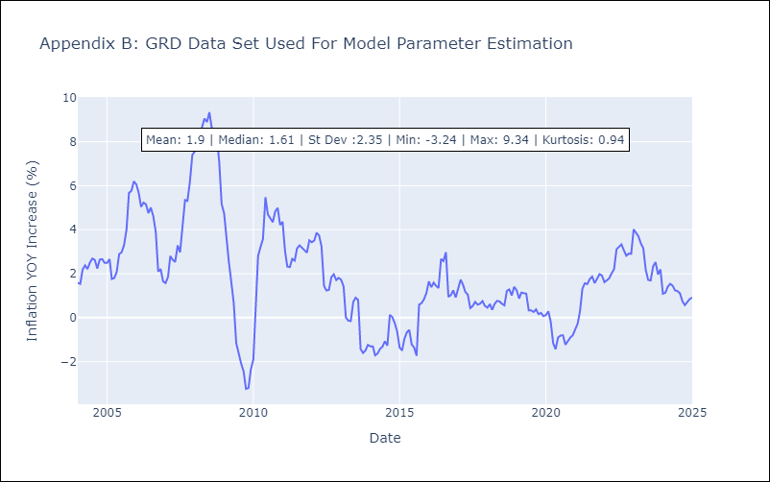

Appendix C: Residuals Analysis
Mean

GUY
GUY - Inflation - Next 12 months forecast as of: 2025-03-01

Model | Random Forest - [(3, 0, 1), (1, 0, 0, 12)]
Training Data | 2008-01-01 to 2024-04-01
Test Data | 2024-04-01 to 2025-03-01

Date | Inflation Change YoY % | Lower Bound - 95% Confidence Interval | Upper Bound - 95% Confidence Interval
2025-04-01 | 1.41 | 1.59 | 4.1
2025-05-01 | 1.54 | 1.23 | 3.29
2025-06-01 | 1.58 | 0.72 | 2.08
2025-07-01 | 1.58 | 1.33 | 2.34
2025-08-01 | 1.57 | 0.86 | 1.77
2025-09-01 | 1.64 | 1.43 | 2.36
2025-10-01 | 1.78 | 0.85 | 1.77
2025-11-01 | 1.91 | 1.2 | 2.24
2025-12-01 | 2 | 1.02 | 1.78
2026-01-01 | 2.05 | 1.32 | 2.27
2026-02-01 | 1.99 | 0.89 | 2.03
2026-03-01 | 1.94 | 1.13 | 2.43

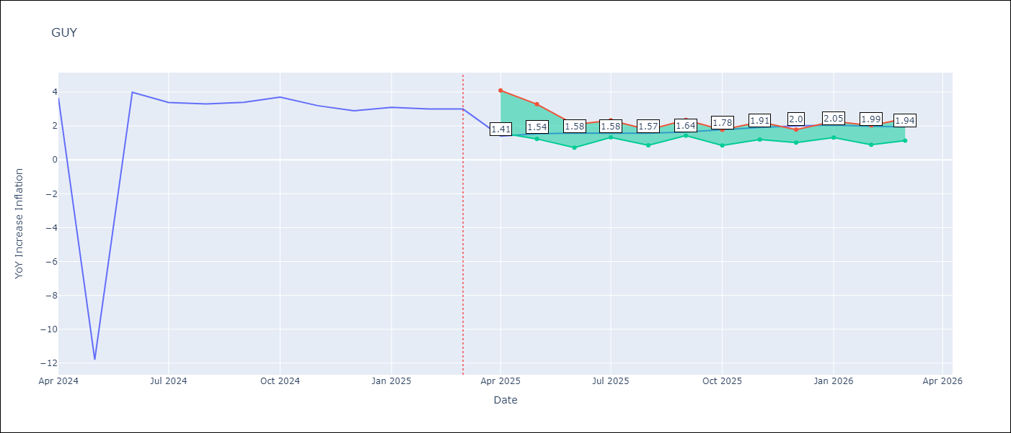

Test Metrics
RMSE | 4.18
Naive RMSE | 6.67
MAPE | 40.12%

Test Predictions
Date | Predicted | Actual
2024-04-01 | 2.21 | 3.67
2024-05-01 | 2.15 | -11.79
2024-06-01 | 2.16 | 3.99
2024-07-01 | 2.42 | 3.39
2024-08-01 | 2.5 | 3.3
2024-09-01 | 2.5 | 3.4
2024-10-01 | 2.44 | 3.7
2024-11-01 | 2.29 | 3.2
2024-12-01 | 2.17 | 2.9
2025-01-01 | 2.09 | 3.1
2025-02-01 | 1.87 | 3
2025-03-01 | 1.74 | 3

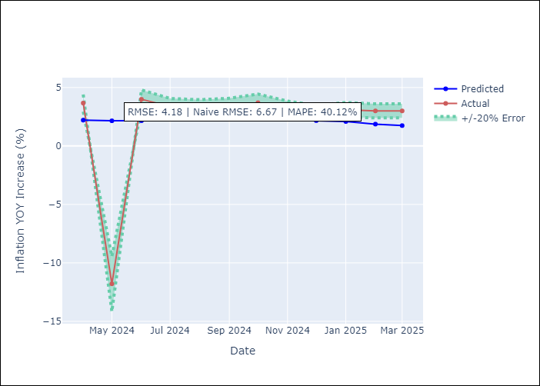

Appendix A: Model Summary
Model | Random Forest
Sample | 2008-01-01 to 2025-03-01
No. of Observations | 207
Terms | P-value (Statistical significance)

Assumptions | P-value

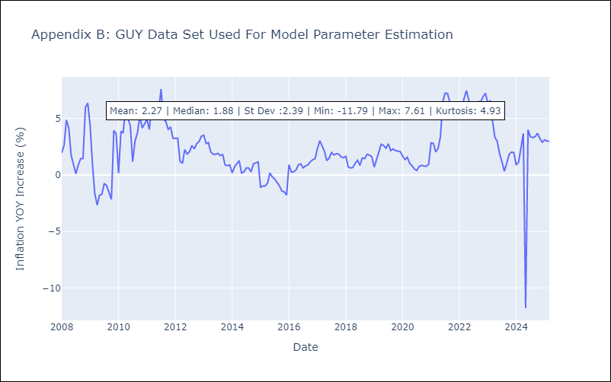

Appendix C: Residuals Analysis
Mean

JAM
JAM - Inflation - Next 12 months forecast as of: 2025-04-01

Model | Random Forest - [(2, 1, 0), (0, 0, 2, 12)]
Training Data | 1994-07-01 to 2024-05-01
Test Data | 2024-05-01 to 2025-04-01

Date | Inflation Change YoY % | Lower Bound - 95% Confidence Interval | Upper Bound - 95% Confidence Interval
2025-05-01 | 7.2 | 3.65 | 8.42
2025-06-01 | 6.83 | 7.07 | 11.2
2025-07-01 | 6.58 | 6.27 | 8.73
2025-08-01 | 6.44 | 8.1 | 14.71
2025-09-01 | 6.23 | 6.37 | 9.36
2025-10-01 | 5.96 | 5.82 | 7.84
2025-11-01 | 5.9 | 7.69 | 11.18
2025-12-01 | 5.77 | 6.59 | 9.46
2026-01-01 | 5.58 | 5.26 | 7.17
2026-02-01 | 5.46 | 6.59 | 10.07
2026-03-01 | 5.35 | 7.23 | 9.66
2026-04-01 | 5.81 | 5.04 | 7.27

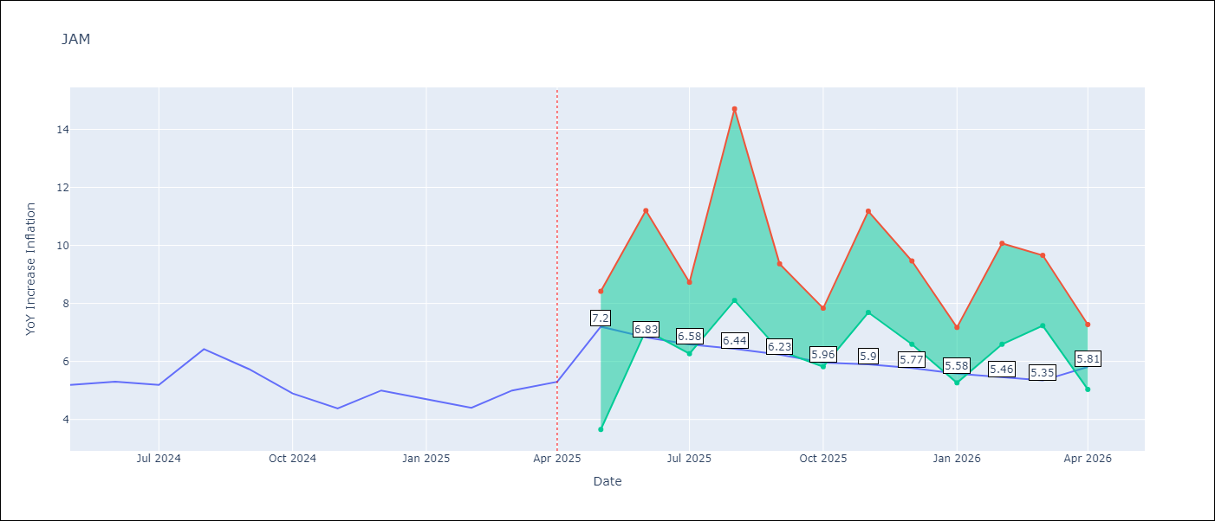

Test Metrics
RMSE | 2.01
Naive RMSE | 0.6
MAPE | 32.68%

Test Predictions
Date | Predicted | Actual
2024-05-01 | 5.67 | 5.19
2024-06-01 | 5.81 | 5.3
2024-07-01 | 5.95 | 5.19
2024-08-01 | 5.89 | 6.42
2024-09-01 | 5.89 | 5.74
2024-10-01 | 6.49 | 4.9
2024-11-01 | 6.4 | 4.38
2024-12-01 | 6.77 | 5
2025-01-01 | 6.94 | 4.7
2025-02-01 | 7.79 | 4.4
2025-03-01 | 8.21 | 5
2025-04-01 | 8.58 | 5.3

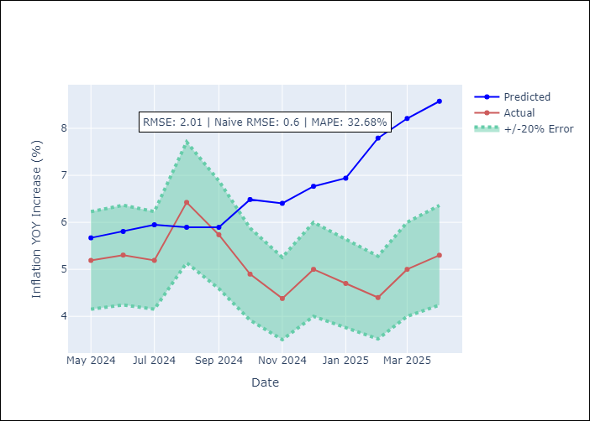

Appendix A: Model Summary
Model | Random Forest
Sample | 1994-07-01 to 2025-04-01
No. of Observations | 370
Terms | P-value (Statistical significance)

Assumptions | P-value

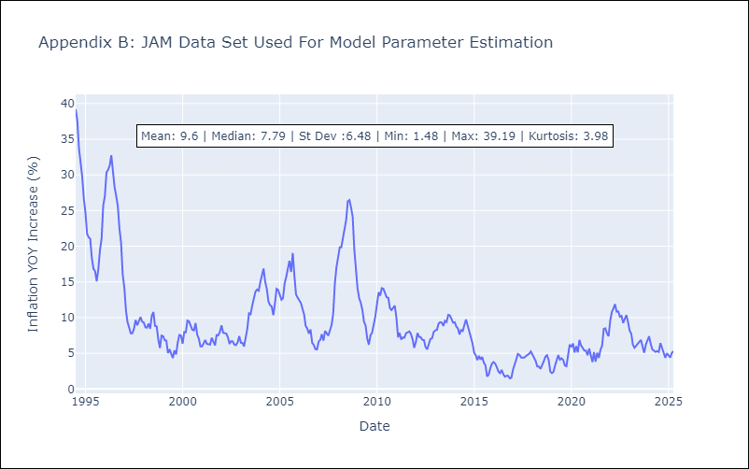

Appendix C: Residuals Analysis
Mean

KNA
KNA - Inflation - Next 12 months forecast as of: 2025-02-01

Model | Random Forest - [(0, 1, 0), (3, 0, 0, 12)]
Training Data | 2006-01-01 to 2024-03-01
Test Data | 2024-03-01 to 2025-02-01

Date | Inflation Change YoY % | Lower Bound - 95% Confidence Interval | Upper Bound - 95% Confidence Interval
2025-03-01 | -1.67 | -0.26 | 1.9
2025-04-01 | -1.68 | 0.03 | 2.45
2025-05-01 | -2.05 | 0.29 | 2.22
2025-06-01 | -2.09 | -0.16 | 1.58
2025-07-01 | -2.16 | -0.73 | 1.07
2025-08-01 | -2.11 | -2.61 | -0.11
2025-09-01 | -1.85 | -1.61 | 1.06
2025-10-01 | -1.51 | 0.76 | 2.24
2025-11-01 | -1.4 | 0.37 | 1.84
2025-12-01 | -1.06 | -0.41 | 1.4
2026-01-01 | -0.97 | -1.4 | 0.8
2026-02-01 | -0.53 | -2.5 | -0.21

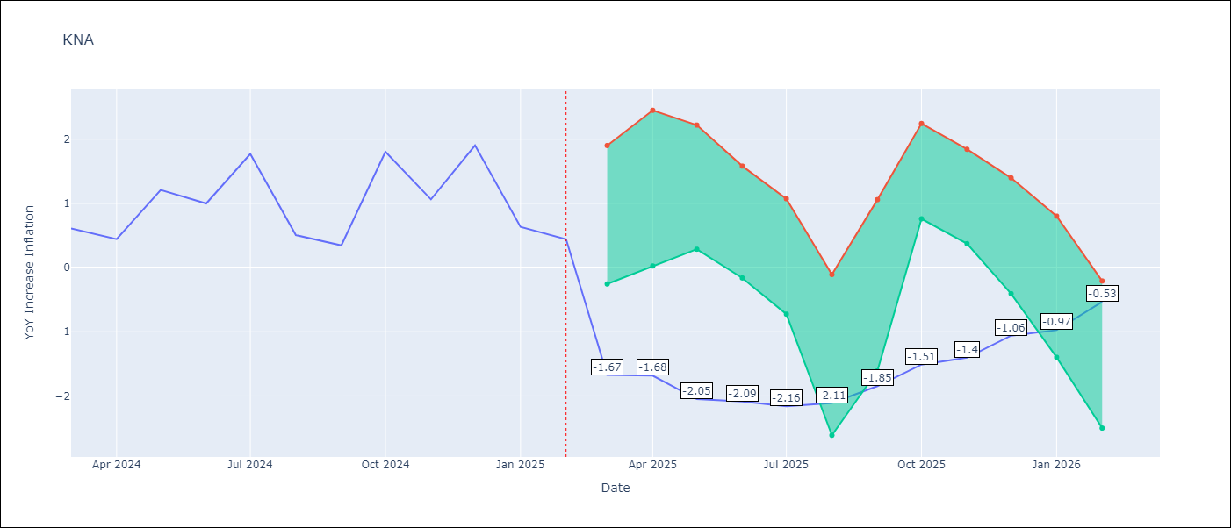

Test Metrics
RMSE | 0.68
Naive RMSE | 0.85
MAPE | 85.14%

Test Predictions
Date | Predicted | Actual
2024-03-01 | 1.07 | 0.61
2024-04-01 | 0.88 | 0.44
2024-05-01 | 0.81 | 1.21
2024-06-01 | 1.04 | 1
2024-07-01 | 0.99 | 1.77
2024-08-01 | 1.33 | 0.51
2024-09-01 | 1.01 | 0.35
2024-10-01 | 0.95 | 1.8
2024-11-01 | 1.44 | 1.06
2024-12-01 | 1.26 | 1.9
2025-01-01 | 1.7 | 0.63
2025-02-01 | 1.34 | 0.44

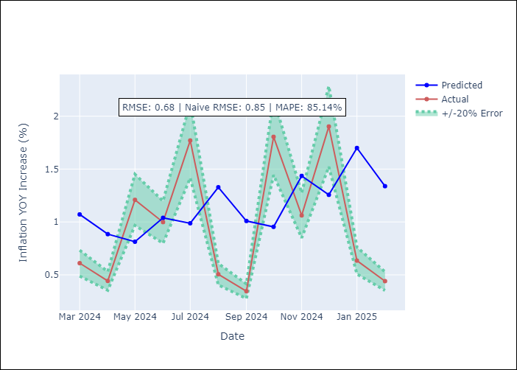

Appendix A: Model Summary
Model | Random Forest
Sample | 2006-01-01 to 2025-02-01
No. of Observations | 230
Terms | P-value (Statistical significance)

Assumptions | P-value

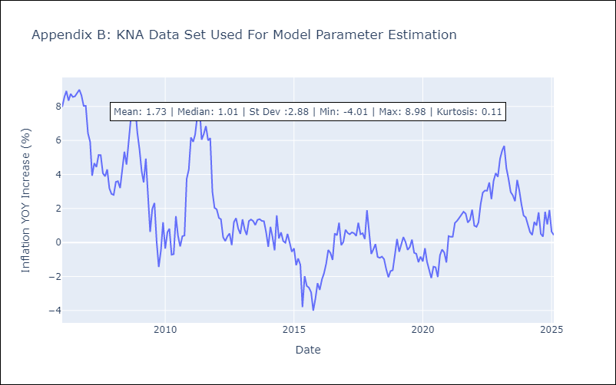

Appendix C: Residuals Analysis
Mean

LCA
LCA - Inflation - Next 12 months forecast as of: 2025-01-01

Model | Random Forest - [(0, 1, 0), (3, 0, 1, 12)]
Training Data | 2008-01-01 to 2024-02-01
Test Data | 2024-02-01 to 2025-01-01

Date | Inflation Change YoY % | Lower Bound - 95% Confidence Interval | Upper Bound - 95% Confidence Interval
2025-02-01 | 3.02 | 1.65 | 3.7
2025-03-01 | 3.27 | 2.01 | 3.74
2025-04-01 | 3.71 | 1.62 | 4.07
2025-05-01 | 3.98 | 2.35 | 4.7
2025-06-01 | 3.83 | 1.33 | 5.06
2025-07-01 | 3.7 | 1.04 | 4.74
2025-08-01 | 3.56 | 0.66 | 3.66
2025-09-01 | 3.33 | 2.39 | 4.23
2025-10-01 | 3.06 | 2.24 | 4.71
2025-11-01 | 2.87 | 1.11 | 4.91
2025-12-01 | 2.66 | 0.76 | 4
2026-01-01 | 2.8 | 1.7 | 4.14

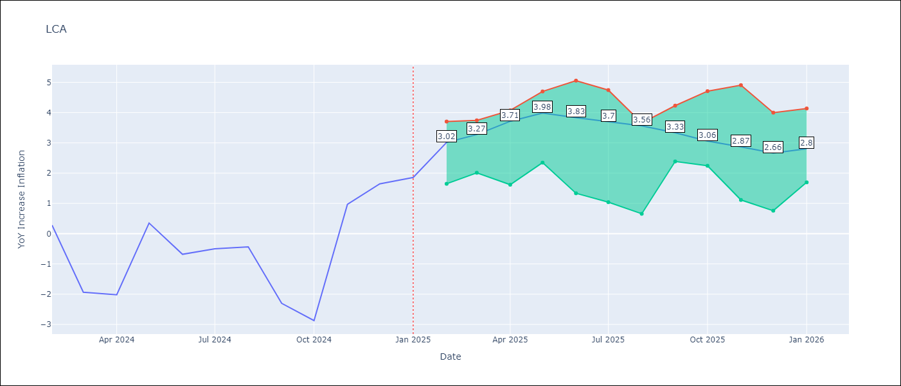

Test Metrics
RMSE | 1.55
Naive RMSE | 1.67
MAPE | 165.81%

Test Predictions
Date | Predicted | Actual
2024-02-01 | -0.46 | 0.28
2024-03-01 | -0.87 | -1.94
2024-04-01 | -1.01 | -2.02
2024-05-01 | -0.97 | 0.35
2024-06-01 | 0.13 | -0.68
2024-07-01 | 0.54 | -0.5
2024-08-01 | 0.62 | -0.43
2024-09-01 | 0.66 | -2.3
2024-10-01 | 0.59 | -2.87
2024-11-01 | 0.81 | 0.97
2024-12-01 | 2.3 | 1.65
2025-01-01 | 2.55 | 1.86

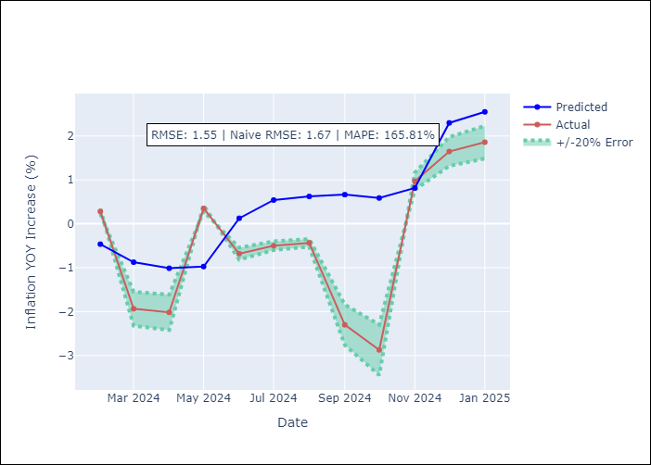

Appendix A: Model Summary
Model | Random Forest
Sample | 2008-01-01 to 2025-01-01
No. of Observations | 205
Terms | P-value (Statistical significance)

Assumptions | P-value

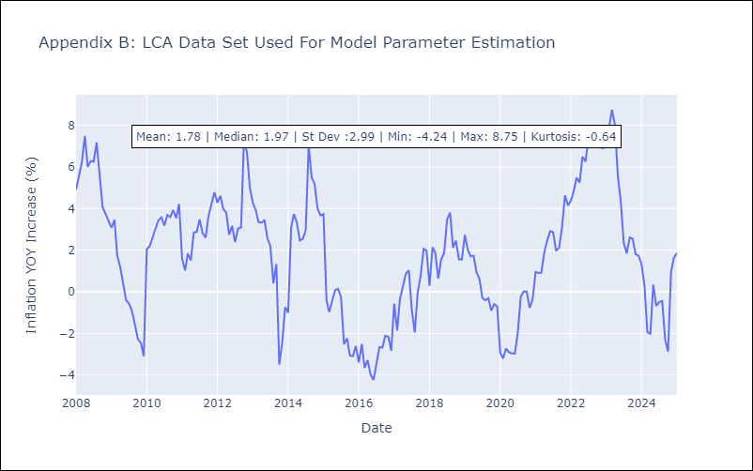

Appendix C: Residuals Analysis
Mean

SUR
SUR - Inflation - Next 12 months forecast as of: 2024-08-01

Model | Random Forest - [(3, 2, 0), (1, 0, 0, 12)]
Training Data | 2012-04-01 to 2023-09-01
Test Data | 2023-09-01 to 2024-08-01

Date | Inflation Change YoY % | Lower Bound - 95% Confidence Interval | Upper Bound - 95% Confidence Interval
2024-09-01 | 49.77 | -5.14 | 22.78
2024-10-01 | 51.89 | 6.9 | 56.87
2024-11-01 | 54.13 | 27.63 | 62.05
2024-12-01 | 56.47 | 45.94 | 62.82
2025-01-01 | 57.65 | 45.6 | 60.5
2025-02-01 | 57.43 | 46.32 | 61.15
2025-03-01 | 58.03 | 45.33 | 61.18
2025-04-01 | 57.63 | 43.49 | 61.38
2025-05-01 | 57.41 | 44.97 | 60.33
2025-06-01 | 56.41 | 42.54 | 61.11
2025-07-01 | 53.12 | 45.73 | 61.28
2025-08-01 | 50.83 | 45.41 | 60.99

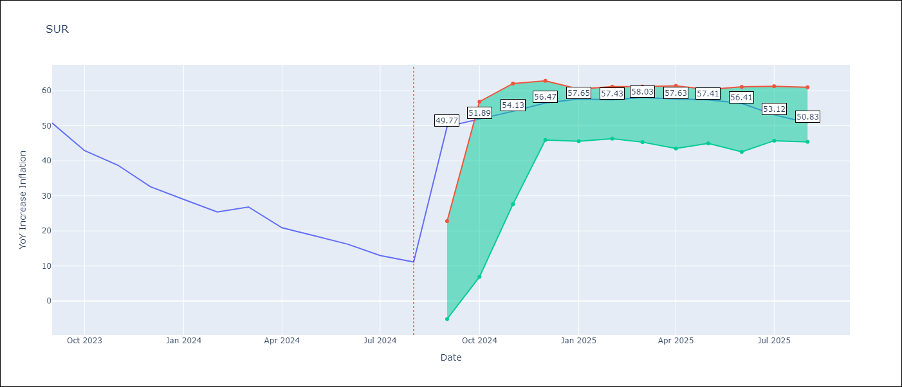

Test Metrics
RMSE | 20.49
Naive RMSE | 4.32
MAPE | 109.21%

Test Predictions
Date | Predicted | Actual
2023-09-01 | 51.92 | 50.79
2023-10-01 | 51.56 | 42.92
2023-11-01 | 51.09 | 38.74
2023-12-01 | 49.57 | 32.63
2024-01-01 | 47.04 | 28.98
2024-02-01 | 45.42 | 25.4
2024-03-01 | 44.3 | 26.83
2024-04-01 | 43.75 | 20.9
2024-05-01 | 43.56 | 18.62
2024-06-01 | 43.66 | 16.21
2024-07-01 | 41.87 | 12.99
2024-08-01 | 38.67 | 11.13

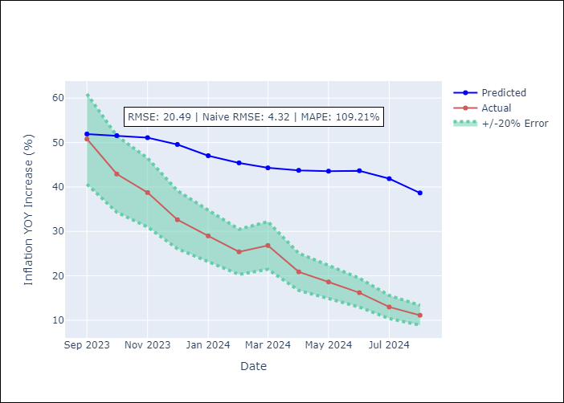

Appendix A: Model Summary
Model | Random Forest
Sample | 2012-04-01 to 2024-08-01
No. of Observations | 145
Terms | P-value (Statistical significance)

Assumptions | P-value

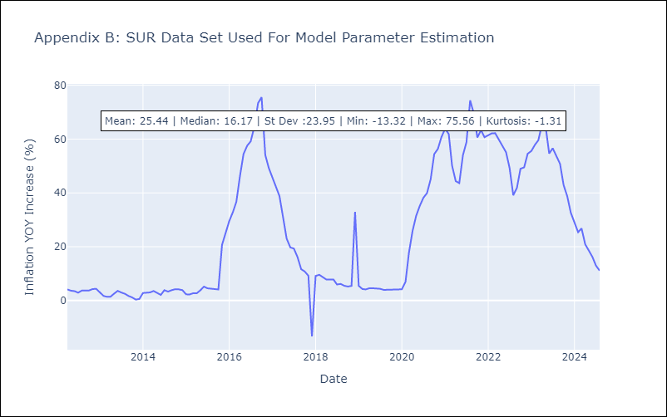

Appendix C: Residuals Analysis
Mean

TTO
TTO - Inflation - Next 12 months forecast as of: 2025-04-01

Model | Random Forest - [(3, 2, 0), (3, 0, 0, 12)]
Training Data | 1994-07-01 to 2024-05-01
Test Data | 2024-05-01 to 2025-04-01

Date | Inflation Change YoY % | Lower Bound - 95% Confidence Interval | Upper Bound - 95% Confidence Interval
2025-05-01 | 4.62 | 0.85 | 5.88
2025-06-01 | 4.83 | 3.98 | 6.23
2025-07-01 | 4.87 | 3.03 | 4.17
2025-08-01 | 4.78 | 3.56 | 6.08
2025-09-01 | 4.55 | 3.25 | 5.18
2025-10-01 | 4.41 | 3.42 | 5.57
2025-11-01 | 4.35 | 3.53 | 6.13
2025-12-01 | 4.23 | 3.2 | 4.48
2026-01-01 | 4.07 | 4.02 | 6.58
2026-02-01 | 3.89 | 2.59 | 5.23
2026-03-01 | 3.8 | 3.33 | 5.48
2026-04-01 | 3.83 | 3.33 | 5.31

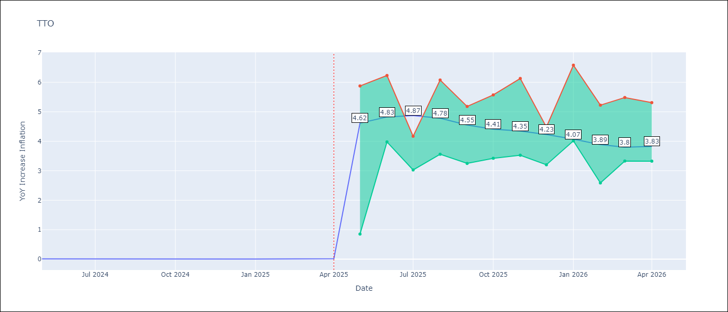

Test Metrics
RMSE | 0.78
Naive RMSE | 0.0
MAPE | 15804.58%

Test Predictions
Date | Predicted | Actual
2024-05-01 | 0.82 | 0.01
2024-06-01 | 0.86 | 0.01
2024-07-01 | 0.82 | 0
2024-08-01 | 0.69 | 0
2024-09-01 | 0.66 | 0
2024-10-01 | 0.72 | 0
2024-11-01 | 0.75 | 0
2024-12-01 | 0.73 | 0
2025-01-01 | 0.77 | 0.01
2025-02-01 | 0.84 | 0.01
2025-03-01 | 0.85 | 0.01
2025-04-01 | 0.86 | 0.02

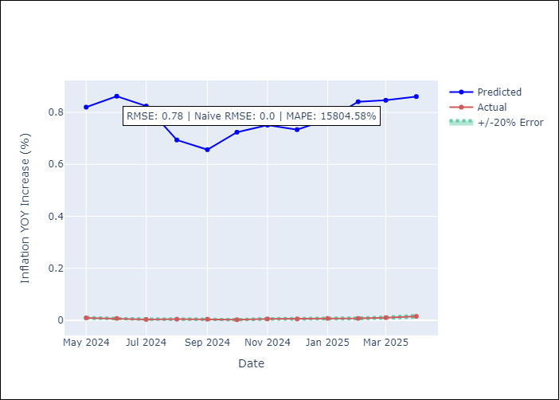

Appendix A: Model Summary
Model | Random Forest
Sample | 1994-07-01 to 2025-04-01
No. of Observations | 370
Terms | P-value (Statistical significance)

Assumptions | P-value

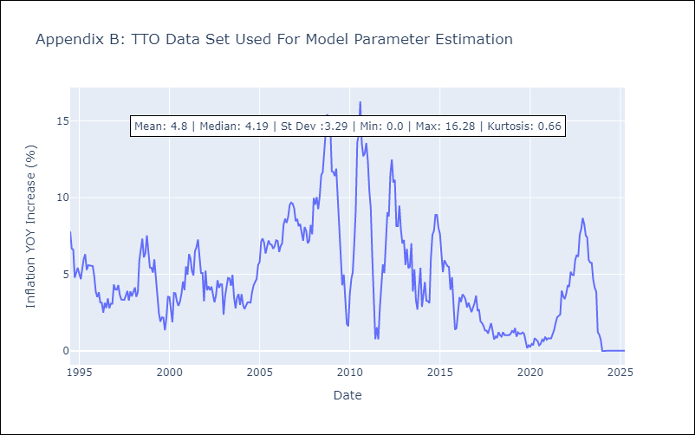

Appendix C: Residuals Analysis
Mean

VCT
VCT - Inflation - Next 12 months forecast as of: 2025-01-01

Model | Random Forest - [(1, 0, 0), (3, 0, 0, 12)]
Training Data | 2004-01-01 to 2024-02-01
Test Data | 2024-02-01 to 2025-01-01

Date | Inflation Change YoY % | Lower Bound - 95% Confidence Interval | Upper Bound - 95% Confidence Interval
2025-02-01 | 3.49 | 1.99 | 4.81
2025-03-01 | 3.36 | 2.01 | 5.66
2025-04-01 | 3.27 | 1.96 | 4.21
2025-05-01 | 3.12 | 1.12 | 4.13
2025-06-01 | 2.94 | 0.91 | 2.67
2025-07-01 | 2.97 | -0.67 | 0.94
2025-08-01 | 3.01 | -1.34 | 1.47
2025-09-01 | 3.01 | 1.04 | 3.84
2025-10-01 | 3.17 | 2.49 | 5.52
2025-11-01 | 3.16 | 2.33 | 4.22
2025-12-01 | 3.21 | 2.3 | 4.87
2026-01-01 | 3.2 | 2.03 | 4.06

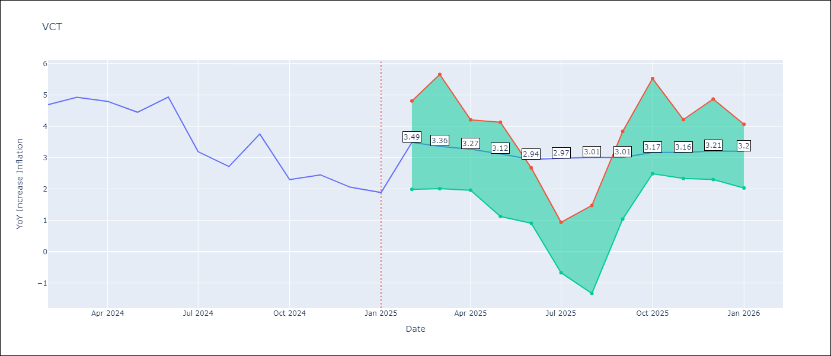

Test Metrics
RMSE | 1.46
Naive RMSE | 0.8
MAPE | 51.6%

Test Predictions
Date | Predicted | Actual
2024-02-01 | 4.82 | 4.69
2024-03-01 | 4.78 | 4.93
2024-04-01 | 4.79 | 4.8
2024-05-01 | 4.85 | 4.45
2024-06-01 | 4.77 | 4.94
2024-07-01 | 4.91 | 3.19
2024-08-01 | 4.54 | 2.72
2024-09-01 | 4.36 | 3.75
2024-10-01 | 4.53 | 2.3
2024-11-01 | 4.33 | 2.45
2024-12-01 | 4.29 | 2.06
2025-01-01 | 4.2 | 1.89

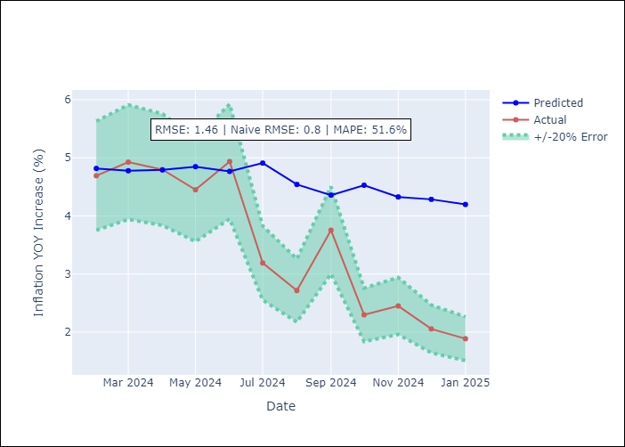

Appendix A: Model Summary
Model | Random Forest
Sample | 2004-01-01 to 2025-01-01
No. of Observations | 253
Terms | P-value (Statistical significance)

Assumptions | P-value

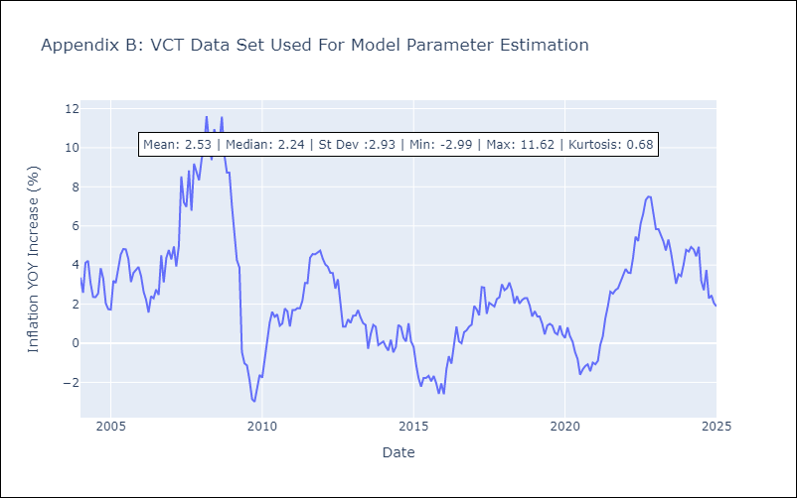

Appendix C: Residuals Analysis
Mean

