ATG
ATG - Inflation - Next 12 months forecast as of: 2025-01-01

Model | Random Forest - [(0, 1, 1), (0, 0, 1, 12)]
Training Data | 2004-01-01 to 2024-02-01
Test Data | 2024-02-01 to 2025-01-01

Date | Inflation Change YoY % | Lower Bound - 95% Confidence Interval | Upper Bound - 95% Confidence Interval
2025-02-01 | 1.12 | -0.92 | 3.36
2025-03-01 | 1.13 | 2.21 | 6.18
2025-04-01 | 1.25 | 1.36 | 3.69
2025-05-01 | 1.3 | 0.4 | 2
2025-06-01 | 1.23 | 0.5 | 2.17
2025-07-01 | 1.13 | 0.69 | 1.34
2025-08-01 | 1.18 | 0.54 | 1.43
2025-09-01 | 1.09 | 0.39 | 1.37
2025-10-01 | 1.05 | 0.51 | 1.38
2025-11-01 | 1.16 | 0.47 | 1.44
2025-12-01 | 1.11 | 0.62 | 1.37
2026-01-01 | 1.03 | 0.62 | 1.37

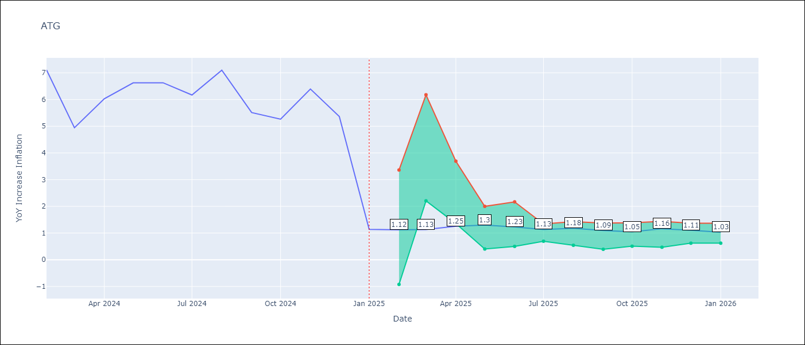

Test Metrics
RMSE | 1.72
Naive RMSE | 1.65
MAPE | 48.02%

Test Predictions
Date | Predicted | Actual
2024-02-01 | 6.33 | 7.11
2024-03-01 | 5.81 | 4.94
2024-04-01 | 5.77 | 6.03
2024-05-01 | 5.48 | 6.62
2024-06-01 | 5.08 | 6.63
2024-07-01 | 4.65 | 6.17
2024-08-01 | 4.31 | 7.1
2024-09-01 | 4.33 | 5.51
2024-10-01 | 4.29 | 5.27
2024-11-01 | 3.92 | 6.39
2024-12-01 | 3.6 | 5.37
2025-01-01 | 4.06 | 1.14

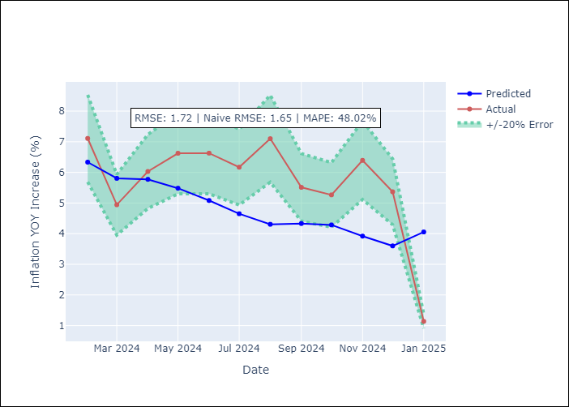

Appendix A: Model Summary
Model | Random Forest
Sample | 2004-01-01 to 2025-01-01
No. of Observations | 253
Terms | P-value (Statistical significance)

Assumptions | P-value

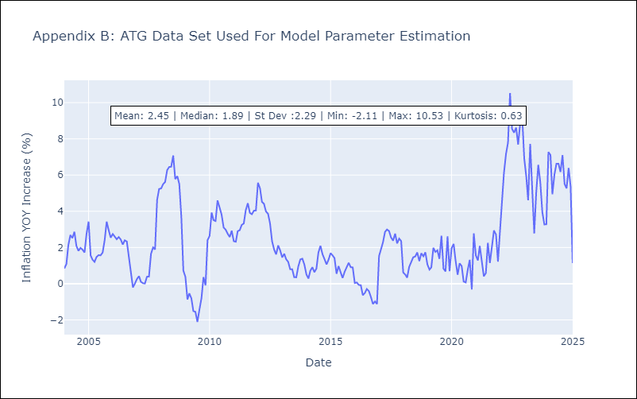

Appendix C: Residuals Analysis
Mean

BHS
BHS - Inflation - Next 12 months forecast as of: 2025-02-01

Model | Random Forest - [(1, 0, 0), (3, 0, 1, 12)]
Training Data | 2000-01-01 to 2024-03-01
Test Data | 2024-03-01 to 2025-02-01

Date | Inflation Change YoY % | Lower Bound - 95% Confidence Interval | Upper Bound - 95% Confidence Interval
2025-03-01 | 2.19 | 0.78 | 3.19
2025-04-01 | 2.36 | 1.83 | 2.98
2025-05-01 | 2.45 | 1.98 | 4.2
2025-06-01 | 2.62 | 1.06 | 3.07
2025-07-01 | 2.75 | 1.35 | 3.55
2025-08-01 | 2.84 | 2.09 | 3.74
2025-09-01 | 3.13 | 2.52 | 4.7
2025-10-01 | 3.41 | 1.22 | 5.6
2025-11-01 | 3.52 | -0.33 | 1.91
2025-12-01 | 3.64 | -0.38 | 2.43
2026-01-01 | 3.67 | 1.45 | 3.37
2026-02-01 | 3.72 | 1.96 | 4.29

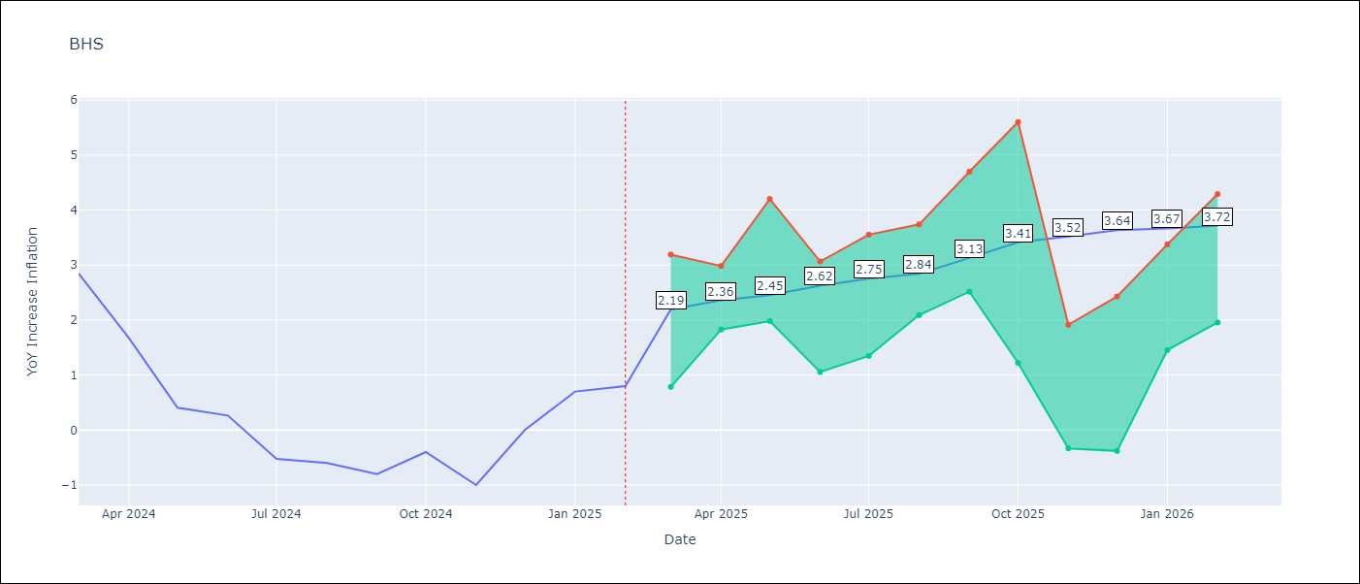

Test Metrics
RMSE | 0.88
Naive RMSE | 0.72
MAPE | inf%

Test Predictions
Date | Predicted | Actual
2024-03-01 | 1.25 | 2.85
2024-04-01 | 1.48 | 1.68
2024-05-01 | 1.01 | 0.4
2024-06-01 | 0.79 | 0.26
2024-07-01 | 0.55 | -0.52
2024-08-01 | 0.35 | -0.6
2024-09-01 | 0.37 | -0.8
2024-10-01 | 0.21 | -0.4
2024-11-01 | 0.48 | -1
2024-12-01 | 0.34 | 0
2025-01-01 | 0.74 | 0.7
2025-02-01 | 0.89 | 0.8

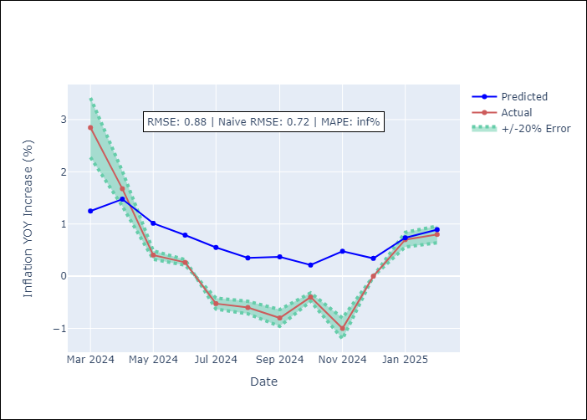

Appendix A: Model Summary
Model | Random Forest
Sample | 2000-01-01 to 2025-02-01
No. of Observations | 302
Terms | P-value (Statistical significance)

Assumptions | P-value

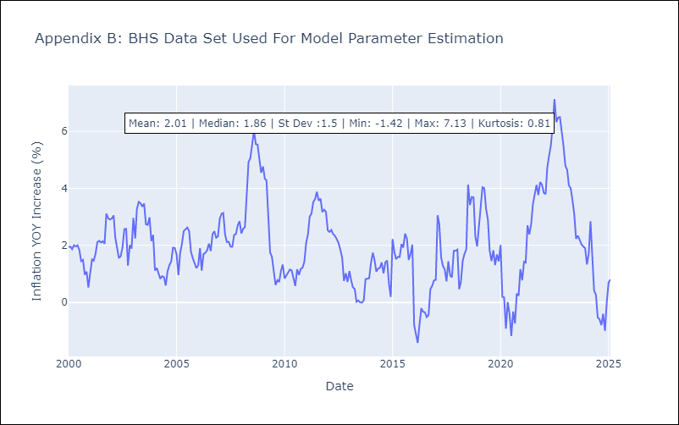

Appendix C: Residuals Analysis
Mean

BLZ
BLZ - Inflation - Next 12 months forecast as of: 2025-03-01

Model | Random Forest - [(2, 0, 0), (1, 0, 0, 12)]
Training Data | 2015-01-01 to 2024-04-01
Test Data | 2024-04-01 to 2025-03-01

Date | Inflation Change YoY % | Lower Bound - 95% Confidence Interval | Upper Bound - 95% Confidence Interval
2025-04-01 | 1.72 | 0.29 | 4.53
2025-05-01 | 1.57 | 0.17 | 1.97
2025-06-01 | 1.53 | -0.07 | 0.86
2025-07-01 | 1.55 | 0.06 | 1.1
2025-08-01 | 1.54 | 0.19 | 2.65
2025-09-01 | 1.57 | 0.38 | 4.74
2025-10-01 | 1.65 | 0.4 | 4.06
2025-11-01 | 1.69 | 0.28 | 3.84
2025-12-01 | 1.66 | -0.05 | 0.81
2026-01-01 | 1.53 | 0.02 | 0.98
2026-02-01 | 1.34 | 0.19 | 2.6
2026-03-01 | 1.36 | 0.23 | 4.77

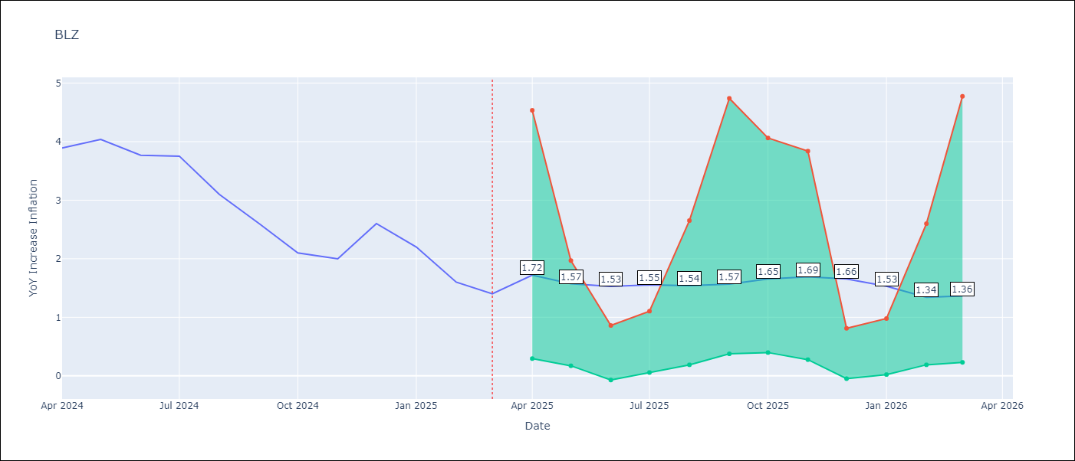

Test Metrics
RMSE | 2.37
Naive RMSE | 0.42
MAPE | 106.98%

Test Predictions
Date | Predicted | Actual
2024-04-01 | 5.4 | 3.89
2024-05-01 | 5.53 | 4.04
2024-06-01 | 5.63 | 3.77
2024-07-01 | 5.55 | 3.75
2024-08-01 | 5.46 | 3.1
2024-09-01 | 5.28 | 2.6
2024-10-01 | 5.08 | 2.1
2024-11-01 | 4.9 | 2
2024-12-01 | 4.74 | 2.6
2025-01-01 | 4.66 | 2.2
2025-02-01 | 4.45 | 1.6
2025-03-01 | 4.19 | 1.4

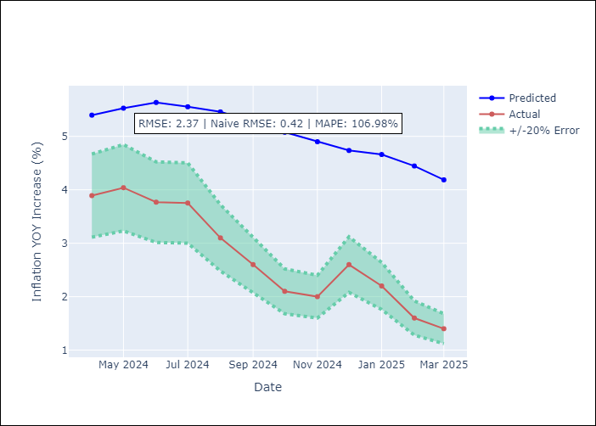

Appendix A: Model Summary
Model | Random Forest
Sample | 2015-01-01 to 2025-03-01
No. of Observations | 123
Terms | P-value (Statistical significance)

Assumptions | P-value

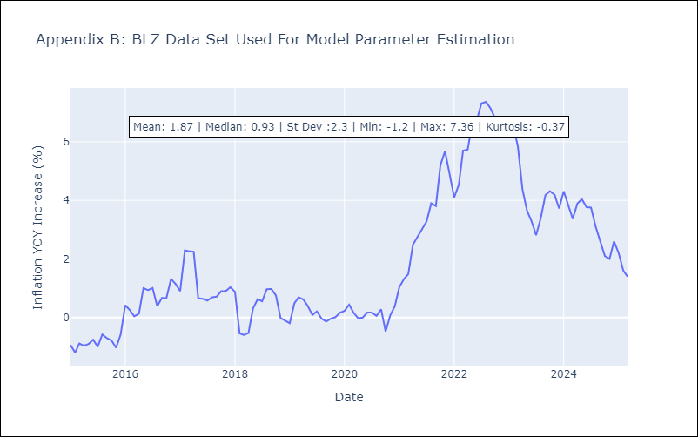

Appendix C: Residuals Analysis
Mean

BRB
BRB - Inflation - Next 12 months forecast as of: 2025-03-01

Model | Random Forest - [(3, 0, 0), (0, 0, 1, 12)]
Training Data | 2003-01-01 to 2024-04-01
Test Data | 2024-04-01 to 2025-03-01

Date | Inflation Change YoY % | Lower Bound - 95% Confidence Interval | Upper Bound - 95% Confidence Interval
2025-04-01 | 4.75 | 0.55 | 4.34
2025-05-01 | 5.04 | 4.01 | 8.39
2025-06-01 | 5.32 | 4.1 | 9.15
2025-07-01 | 5.92 | 2.98 | 6.17
2025-08-01 | 6.74 | 5.1 | 9.05
2025-09-01 | 7.73 | 2.9 | 5.61
2025-10-01 | 8.31 | 4.49 | 9.55
2025-11-01 | 9.01 | 3.1 | 9.87
2025-12-01 | 9.42 | 3.07 | 7.89
2026-01-01 | 9.49 | 5.24 | 8.76
2026-02-01 | 9.08 | 2.95 | 5.9
2026-03-01 | 8.43 | 4.74 | 9.87

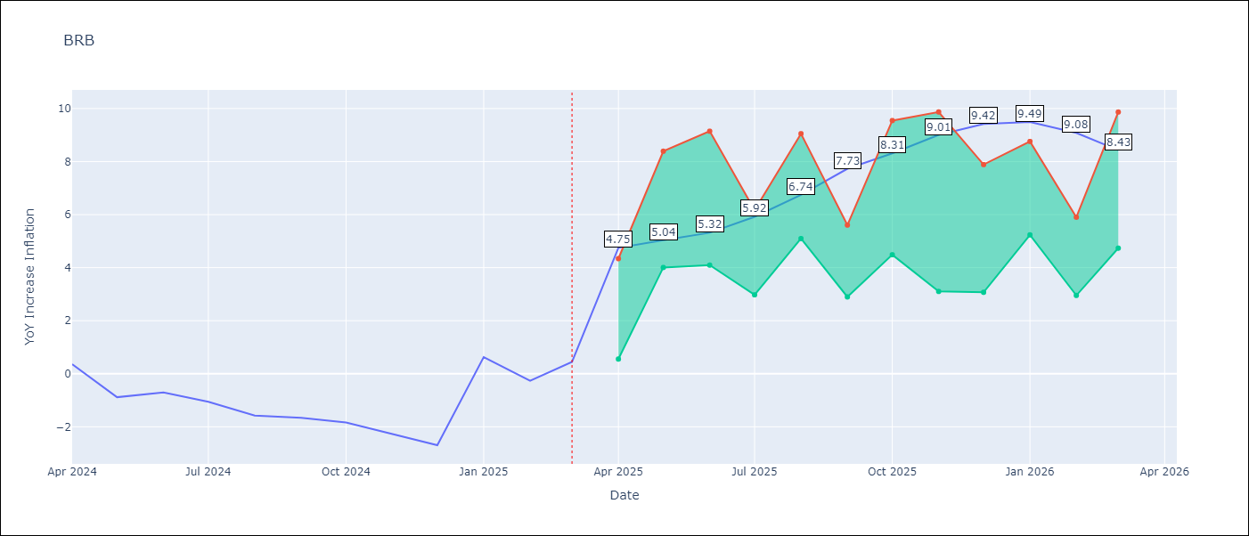

Test Metrics
RMSE | 4.14
Naive RMSE | 1.16
MAPE | 448.46%

Test Predictions
Date | Predicted | Actual
2024-04-01 | 1.4 | 0.36
2024-05-01 | 1.42 | -0.88
2024-06-01 | 1.52 | -0.7
2024-07-01 | 1.78 | -1.06
2024-08-01 | 2.27 | -1.58
2024-09-01 | 2.48 | -1.66
2024-10-01 | 2.85 | -1.83
2024-11-01 | 3.29 | -2.26
2024-12-01 | 3.8 | -2.69
2025-01-01 | 4.36 | 0.63
2025-02-01 | 5 | -0.27
2025-03-01 | 4.67 | 0.45

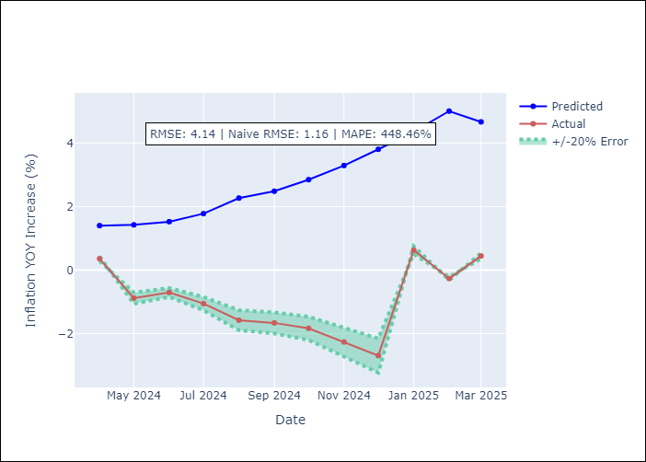

Appendix A: Model Summary
Model | Random Forest
Sample | 2003-01-01 to 2025-03-01
No. of Observations | 263
Terms | P-value (Statistical significance)

Assumptions | P-value

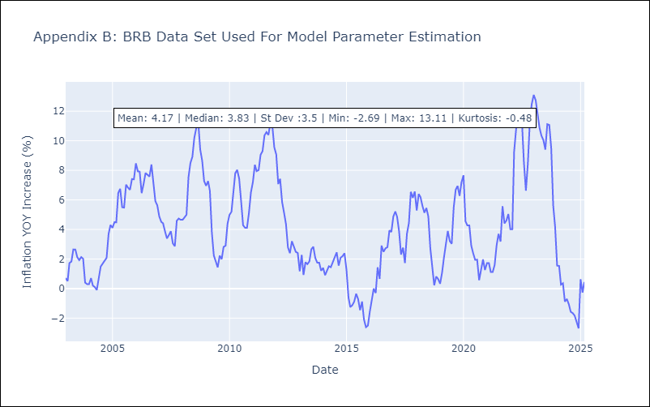

Appendix C: Residuals Analysis
Mean

DMA
DMA - Inflation - Next 12 months forecast as of: 2025-01-01

Model | Random Forest - [(0, 1, 0), (3, 0, 0, 12)]
Training Data | 2004-01-01 to 2024-02-01
Test Data | 2024-02-01 to 2025-01-01

Date | Inflation Change YoY % | Lower Bound - 95% Confidence Interval | Upper Bound - 95% Confidence Interval
2025-02-01 | 0.43 | 0.13 | 1.76
2025-03-01 | 0.36 | -0.27 | 0.91
2025-04-01 | 0.46 | 0.02 | 1.38
2025-05-01 | 0.41 | -1.21 | 0.87
2025-06-01 | 0.36 | -0.01 | 1.07
2025-07-01 | 0.53 | -0.29 | 0.81
2025-08-01 | 0.4 | 0.05 | 1.17
2025-09-01 | 0.34 | -0.08 | 0.83
2025-10-01 | 0.7 | -0.02 | 0.9
2025-11-01 | 0.5 | 0.03 | 0.93
2025-12-01 | 0.56 | -0.08 | 0.86
2026-01-01 | 0.63 | 0.01 | 1.1

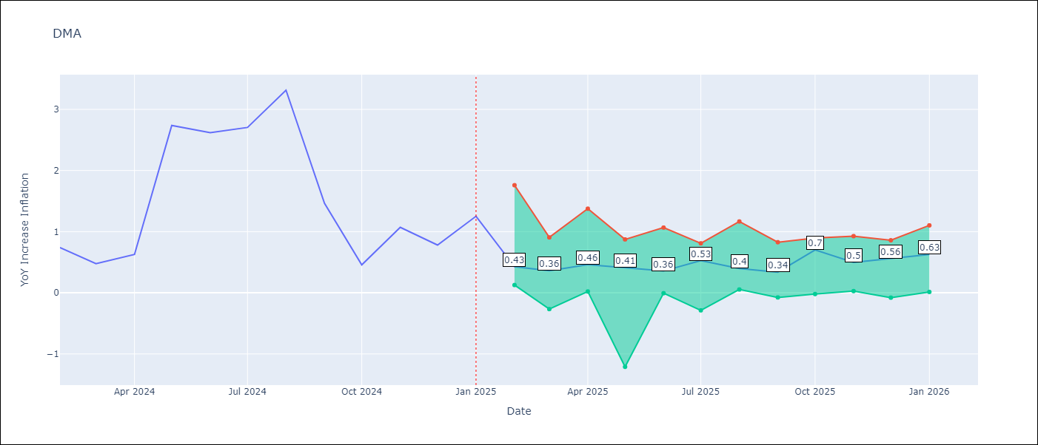

Test Metrics
RMSE | 1.1
Naive RMSE | 0.96
MAPE | 96.67%

Test Predictions
Date | Predicted | Actual
2024-02-01 | 1.42 | 0.74
2024-03-01 | 1.3 | 0.48
2024-04-01 | 1.17 | 0.63
2024-05-01 | 1.1 | 2.74
2024-06-01 | 1.47 | 2.62
2024-07-01 | 1.81 | 2.7
2024-08-01 | 2.1 | 3.31
2024-09-01 | 1.37 | 1.46
2024-10-01 | 0.72 | 0.46
2024-11-01 | -0.16 | 1.07
2024-12-01 | -0.66 | 0.78
2025-01-01 | -0.51 | 1.25

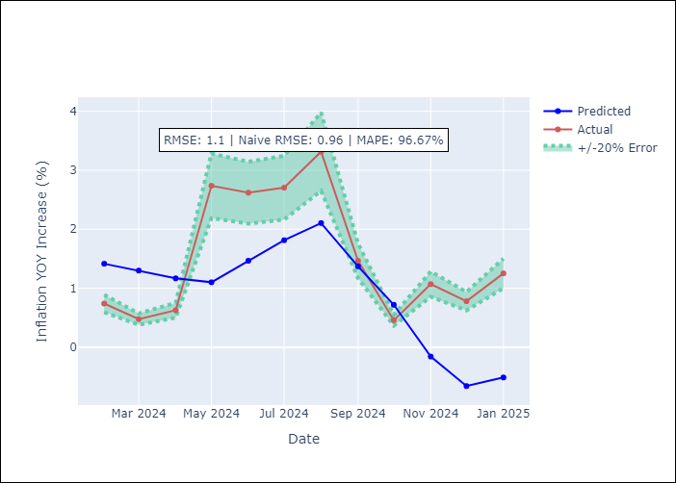

Appendix A: Model Summary
Model | Random Forest
Sample | 2004-01-01 to 2025-01-01
No. of Observations | 253
Terms | P-value (Statistical significance)

Assumptions | P-value

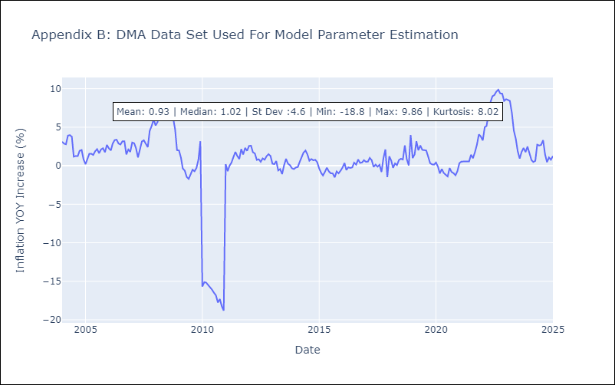

Appendix C: Residuals Analysis
Mean

GRD
GRD - Inflation - Next 12 months forecast as of: 2025-01-01

Model | Random Forest - [(1, 1, 1), (3, 0, 0, 12)]
Training Data | 2004-01-01 to 2024-02-01
Test Data | 2024-02-01 to 2025-01-01

Date | Inflation Change YoY % | Lower Bound - 95% Confidence Interval | Upper Bound - 95% Confidence Interval
2025-02-01 | 2.56 | 0.24 | 1.07
2025-03-01 | 2.8 | -0.4 | 1.03
2025-04-01 | 3.1 | -0.15 | 0.96
2025-05-01 | 3.46 | 0.16 | 1.14
2025-06-01 | 3.93 | -0.89 | 0.68
2025-07-01 | 4.35 | -0.84 | 1.62
2025-08-01 | 4.65 | 1.49 | 2.58
2025-09-01 | 4.82 | 2.31 | 5
2025-10-01 | 4.88 | 2.11 | 4.19
2025-11-01 | 4.86 | 2.36 | 5.43
2025-12-01 | 4.79 | 1.62 | 3.45
2026-01-01 | 4.66 | 2.38 | 5.22

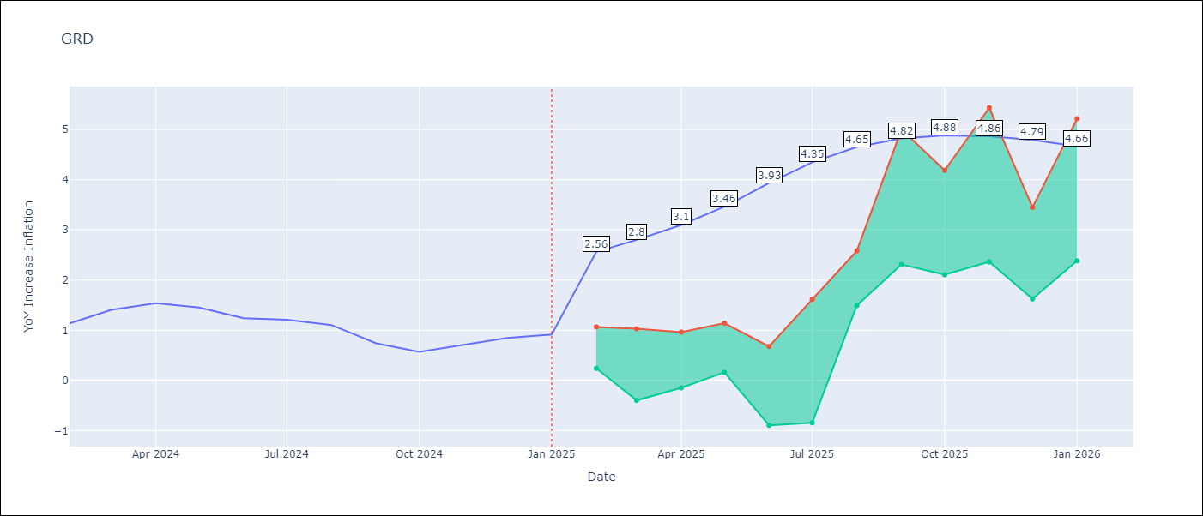

Test Metrics
RMSE | 0.71
Naive RMSE | 0.18
MAPE | 64.93%

Test Predictions
Date | Predicted | Actual
2024-02-01 | 0.77 | 1.14
2024-03-01 | 0.62 | 1.41
2024-04-01 | 0.6 | 1.54
2024-05-01 | 0.83 | 1.45
2024-06-01 | 0.96 | 1.24
2024-07-01 | 0.96 | 1.21
2024-08-01 | 0.28 | 1.11
2024-09-01 | -0.06 | 0.74
2024-10-01 | -0.14 | 0.57
2024-11-01 | -0.04 | 0.71
2024-12-01 | 0.01 | 0.85
2025-01-01 | 0.04 | 0.92

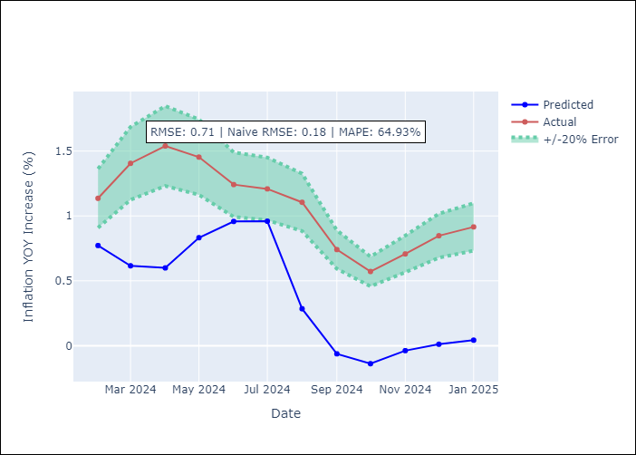

Appendix A: Model Summary
Model | Random Forest
Sample | 2004-01-01 to 2025-01-01
No. of Observations | 253
Terms | P-value (Statistical significance)

Assumptions | P-value

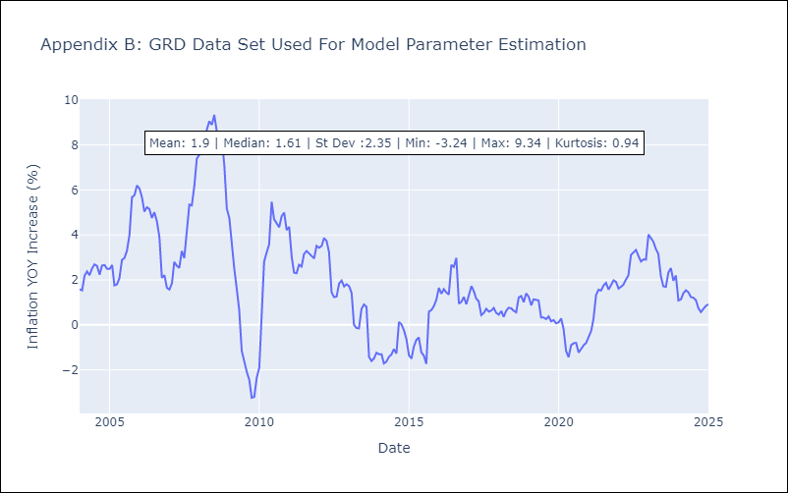

Appendix C: Residuals Analysis
Mean

GUY
GUY - Inflation - Next 12 months forecast as of: 2025-03-01

Model | Random Forest - [(3, 0, 1), (1, 0, 0, 12)]
Training Data | 2008-01-01 to 2024-04-01
Test Data | 2024-04-01 to 2025-03-01

Date | Inflation Change YoY % | Lower Bound - 95% Confidence Interval | Upper Bound - 95% Confidence Interval
2025-04-01 | 1.77 | 1.54 | 3.94
2025-05-01 | 1.67 | 1.34 | 3.18
2025-06-01 | 1.49 | 0.6 | 1.65
2025-07-01 | 1.35 | 0.85 | 4.58
2025-08-01 | 1.26 | 0.74 | 2.28
2025-09-01 | 1.14 | 0.86 | 2.72
2025-10-01 | 1.13 | 1.25 | 2.32
2025-11-01 | 1.11 | 0.91 | 1.82
2025-12-01 | 1.02 | 1.36 | 2.26
2026-01-01 | 1.13 | 0.88 | 1.77
2026-02-01 | 1.23 | 1.36 | 2.31
2026-03-01 | 1.51 | 0.87 | 1.79

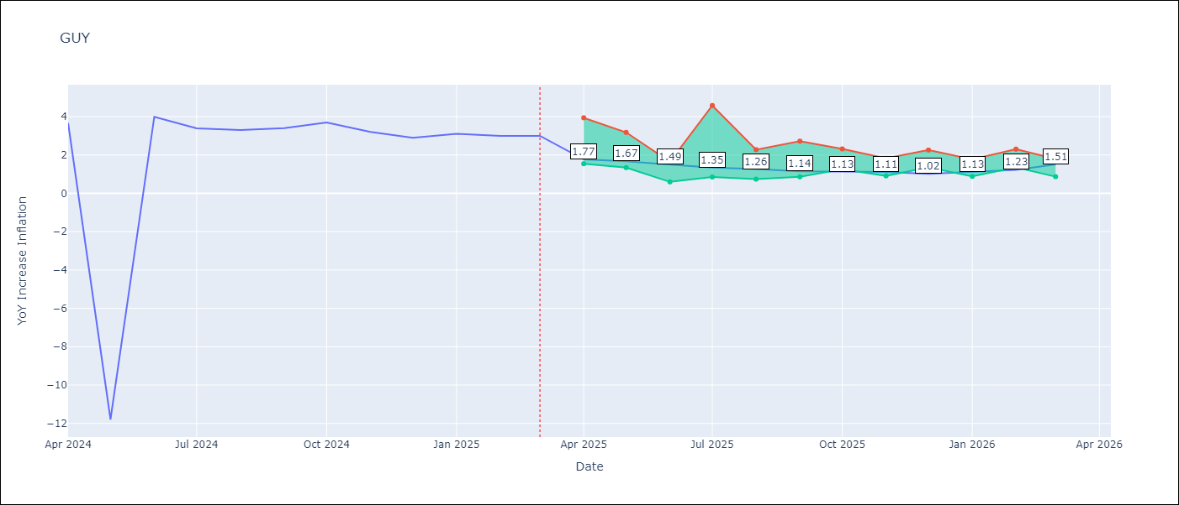

Test Metrics
RMSE | 4.19
Naive RMSE | 6.67
MAPE | 42.26%

Test Predictions
Date | Predicted | Actual
2024-04-01 | 2.2 | 3.67
2024-05-01 | 2.15 | -11.79
2024-06-01 | 2.09 | 3.99
2024-07-01 | 2.22 | 3.39
2024-08-01 | 2.39 | 3.3
2024-09-01 | 2.12 | 3.4
2024-10-01 | 2.29 | 3.7
2024-11-01 | 2.18 | 3.2
2024-12-01 | 2.15 | 2.9
2025-01-01 | 2.14 | 3.1
2025-02-01 | 1.9 | 3
2025-03-01 | 1.77 | 3

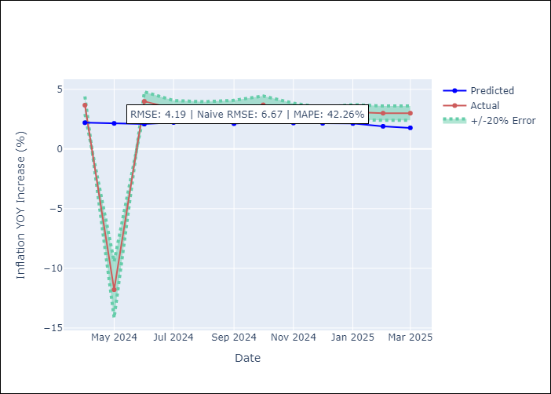

Appendix A: Model Summary
Model | Random Forest
Sample | 2008-01-01 to 2025-03-01
No. of Observations | 207
Terms | P-value (Statistical significance)

Assumptions | P-value

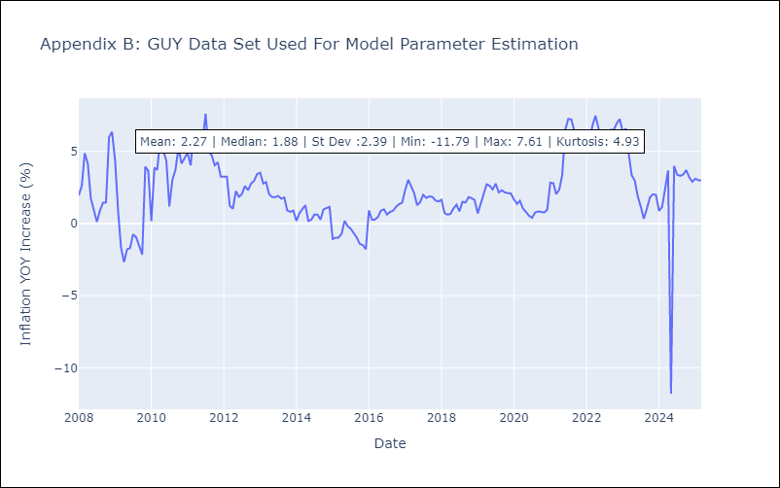

Appendix C: Residuals Analysis
Mean

JAM
JAM - Inflation - Next 12 months forecast as of: 2025-04-01

Model | Random Forest - [(2, 1, 0), (0, 0, 2, 12)]
Training Data | 1994-07-01 to 2024-05-01
Test Data | 2024-05-01 to 2025-04-01

Date | Inflation Change YoY % | Lower Bound - 95% Confidence Interval | Upper Bound - 95% Confidence Interval
2025-05-01 | 6.43 | 4.31 | 8.62
2025-06-01 | 6.48 | 6.48 | 8.82
2025-07-01 | 6.44 | 6.36 | 8.59
2025-08-01 | 6.72 | 7.6 | 13.09
2025-09-01 | 6.92 | 6.57 | 10.84
2025-10-01 | 7.26 | 5.6 | 7.16
2025-11-01 | 7.39 | 6.8 | 11.34
2025-12-01 | 7.56 | 7.26 | 9.69
2026-01-01 | 7.66 | 4.09 | 7.88
2026-02-01 | 7.92 | 3.51 | 8.36
2026-03-01 | 8.07 | 4.91 | 7.2
2026-04-01 | 8 | 6 | 9.56

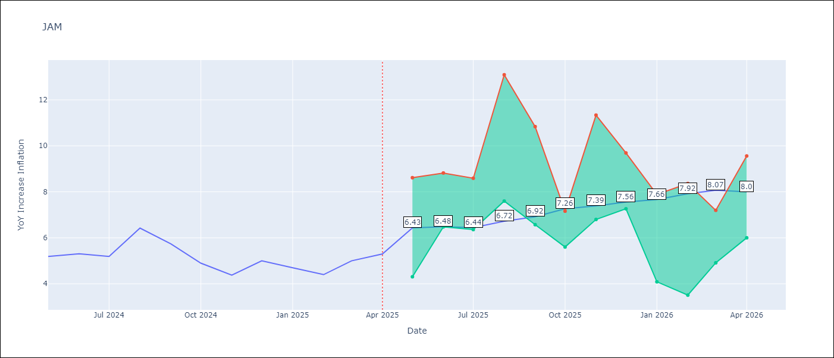

Test Metrics
RMSE | 2.53
Naive RMSE | 0.6
MAPE | 43.65%

Test Predictions
Date | Predicted | Actual
2024-05-01 | 5.95 | 5.19
2024-06-01 | 6.14 | 5.3
2024-07-01 | 6.29 | 5.19
2024-08-01 | 6.42 | 6.42
2024-09-01 | 6.63 | 5.74
2024-10-01 | 7.26 | 4.9
2024-11-01 | 7.14 | 4.38
2024-12-01 | 7.44 | 5
2025-01-01 | 7.68 | 4.7
2025-02-01 | 8.41 | 4.4
2025-03-01 | 8.8 | 5
2025-04-01 | 9.17 | 5.3

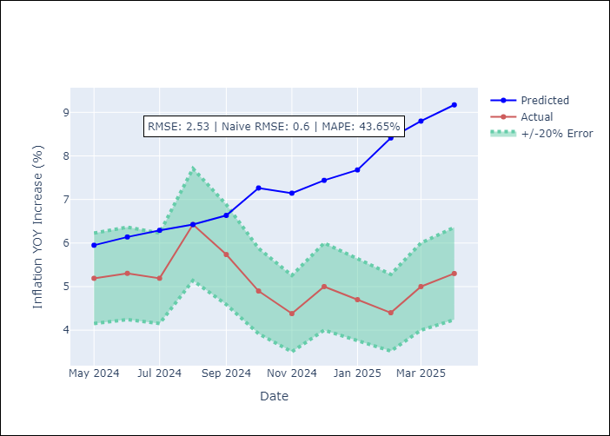

Appendix A: Model Summary
Model | Random Forest
Sample | 1994-07-01 to 2025-04-01
No. of Observations | 370
Terms | P-value (Statistical significance)

Assumptions | P-value

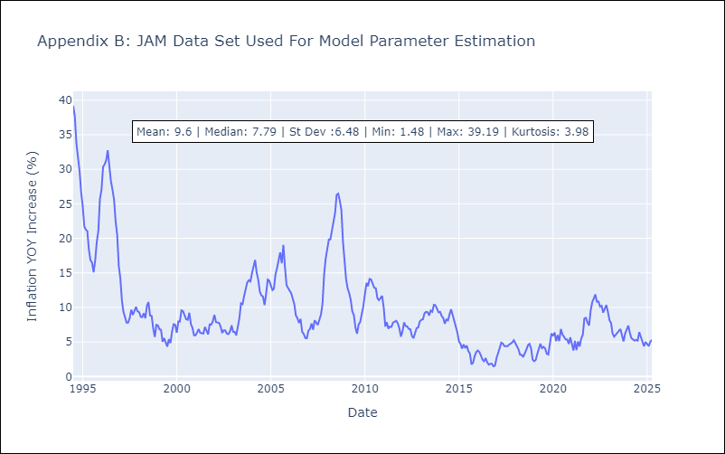

Appendix C: Residuals Analysis
Mean

KNA
KNA - Inflation - Next 12 months forecast as of: 2025-02-01

Model | Random Forest - [(0, 1, 0), (3, 0, 0, 12)]
Training Data | 2006-01-01 to 2024-03-01
Test Data | 2024-03-01 to 2025-02-01

Date | Inflation Change YoY % | Lower Bound - 95% Confidence Interval | Upper Bound - 95% Confidence Interval
2025-03-01 | -1.38 | -0.2 | 1.83
2025-04-01 | -1.34 | 0.11 | 2.1
2025-05-01 | -1.65 | -0.37 | 1.37
2025-06-01 | -1.83 | -1.85 | 0.8
2025-07-01 | -1.87 | -2.52 | 0.06
2025-08-01 | -1.91 | -0.89 | 2.89
2025-09-01 | -1.53 | -1.6 | 0.87
2025-10-01 | -1.32 | -2.4 | -0.07
2025-11-01 | -1.19 | -0.25 | 1.63
2025-12-01 | -0.91 | -0.51 | 1.25
2026-01-01 | -0.71 | -1.81 | 1.79
2026-02-01 | -0.67 | -2.14 | -0.29

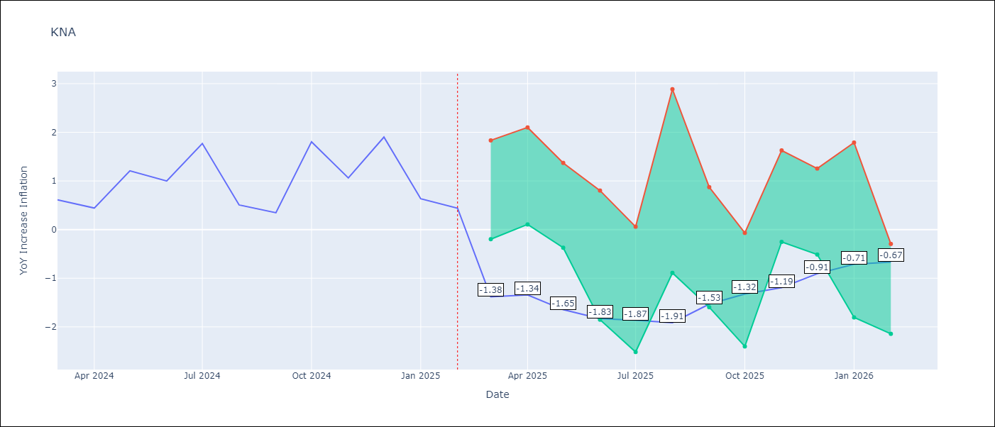

Test Metrics
RMSE | 0.71
Naive RMSE | 0.85
MAPE | 95.22%

Test Predictions
Date | Predicted | Actual
2024-03-01 | 1.17 | 0.61
2024-04-01 | 1.07 | 0.44
2024-05-01 | 0.96 | 1.21
2024-06-01 | 1.01 | 1
2024-07-01 | 1.05 | 1.77
2024-08-01 | 1.32 | 0.51
2024-09-01 | 1.21 | 0.35
2024-10-01 | 1.05 | 1.8
2024-11-01 | 1.45 | 1.06
2024-12-01 | 1.48 | 1.9
2025-01-01 | 1.77 | 0.63
2025-02-01 | 1.54 | 0.44

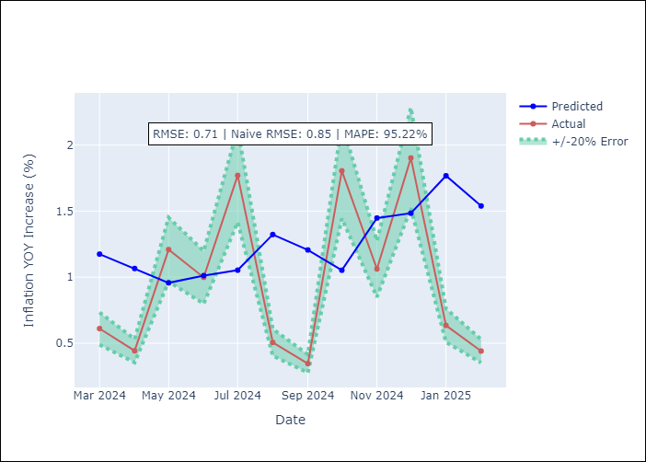

Appendix A: Model Summary
Model | Random Forest
Sample | 2006-01-01 to 2025-02-01
No. of Observations | 230
Terms | P-value (Statistical significance)

Assumptions | P-value

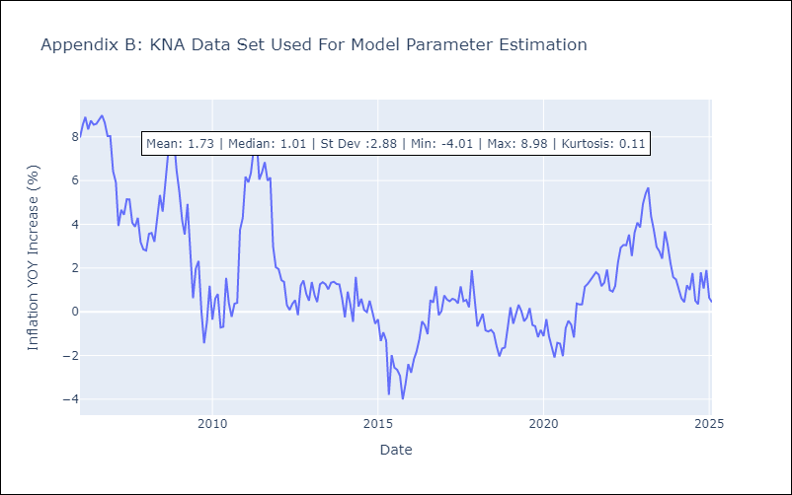

Appendix C: Residuals Analysis
Mean

LCA
LCA - Inflation - Next 12 months forecast as of: 2025-01-01

Model | Random Forest - [(0, 1, 0), (3, 0, 1, 12)]
Training Data | 2008-01-01 to 2024-02-01
Test Data | 2024-02-01 to 2025-01-01

Date | Inflation Change YoY % | Lower Bound - 95% Confidence Interval | Upper Bound - 95% Confidence Interval
2025-02-01 | 2.72 | 1.43 | 3.78
2025-03-01 | 3.11 | 1.77 | 3.92
2025-04-01 | 3.83 | 1.59 | 4.12
2025-05-01 | 3.83 | 1.9 | 4.39
2025-06-01 | 3.68 | 1.04 | 4.35
2025-07-01 | 3.55 | 1.86 | 4.41
2025-08-01 | 3.77 | 1.86 | 4.23
2025-09-01 | 3.54 | 1.43 | 4.27
2025-10-01 | 3.38 | 2.33 | 4.46
2025-11-01 | 3.19 | 2.25 | 4.62
2025-12-01 | 2.9 | 1.62 | 4.58
2026-01-01 | 2.6 | 1.63 | 4.2

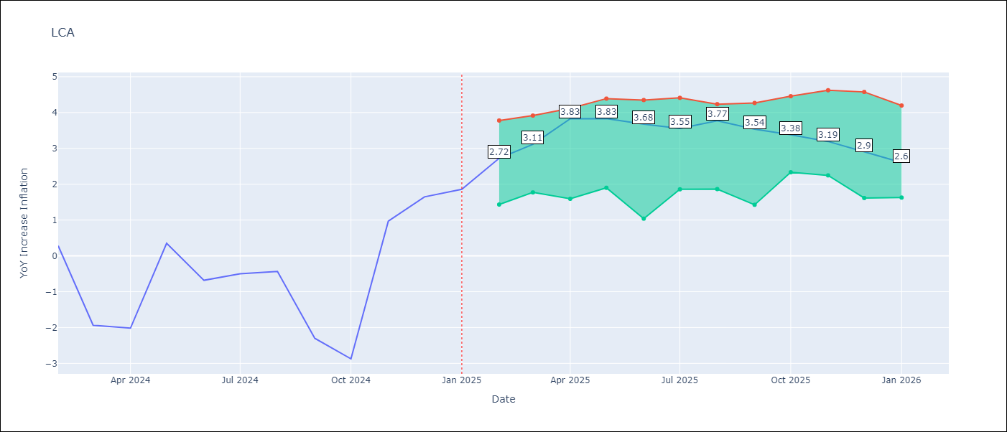

Test Metrics
RMSE | 1.74
Naive RMSE | 1.67
MAPE | 174.25%

Test Predictions
Date | Predicted | Actual
2024-02-01 | -0.07 | 0.28
2024-03-01 | -0.61 | -1.94
2024-04-01 | -0.68 | -2.02
2024-05-01 | -0.75 | 0.35
2024-06-01 | 0.38 | -0.68
2024-07-01 | 0.76 | -0.5
2024-08-01 | 1 | -0.43
2024-09-01 | 1.08 | -2.3
2024-10-01 | 0.82 | -2.87
2024-11-01 | 0.87 | 0.97
2024-12-01 | 2.5 | 1.65
2025-01-01 | 2.75 | 1.86

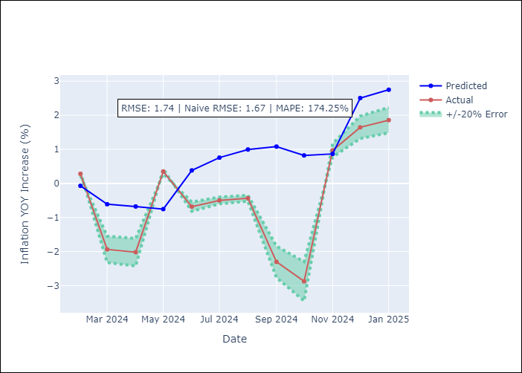

Appendix A: Model Summary
Model | Random Forest
Sample | 2008-01-01 to 2025-01-01
No. of Observations | 205
Terms | P-value (Statistical significance)

Assumptions | P-value

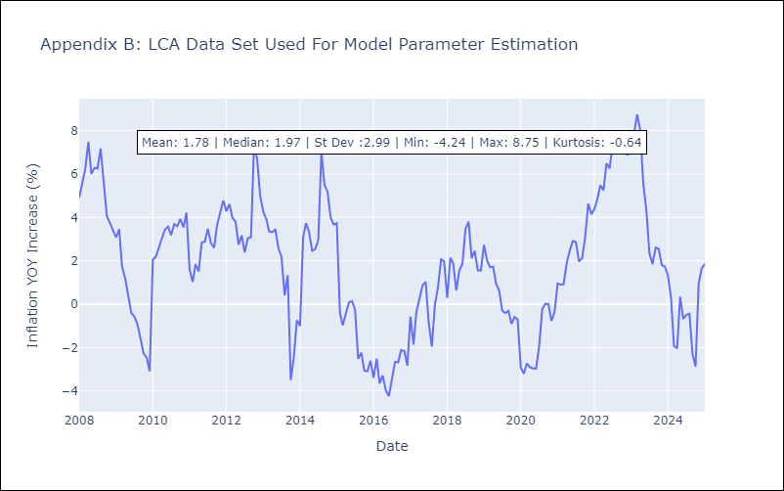

Appendix C: Residuals Analysis
Mean

SUR
SUR - Inflation - Next 12 months forecast as of: 2024-08-01

Model | Random Forest - [(3, 2, 0), (1, 0, 0, 12)]
Training Data | 2012-04-01 to 2023-09-01
Test Data | 2023-09-01 to 2024-08-01

Date | Inflation Change YoY % | Lower Bound - 95% Confidence Interval | Upper Bound - 95% Confidence Interval
2024-09-01 | 49.46 | -3.43 | 21.24
2024-10-01 | 52.03 | 6.67 | 55
2024-11-01 | 53.71 | 28.22 | 61.37
2024-12-01 | 56.03 | 39.31 | 62.27
2025-01-01 | 57.61 | 46.96 | 61.33
2025-02-01 | 57.39 | 48.23 | 60.14
2025-03-01 | 57.83 | 44.93 | 59.82
2025-04-01 | 58.26 | 42.52 | 60.42
2025-05-01 | 57.11 | 45.1 | 60.39
2025-06-01 | 54.64 | 46.68 | 60.35
2025-07-01 | 52.47 | 46.88 | 61.04
2025-08-01 | 49.88 | 46.74 | 60.42

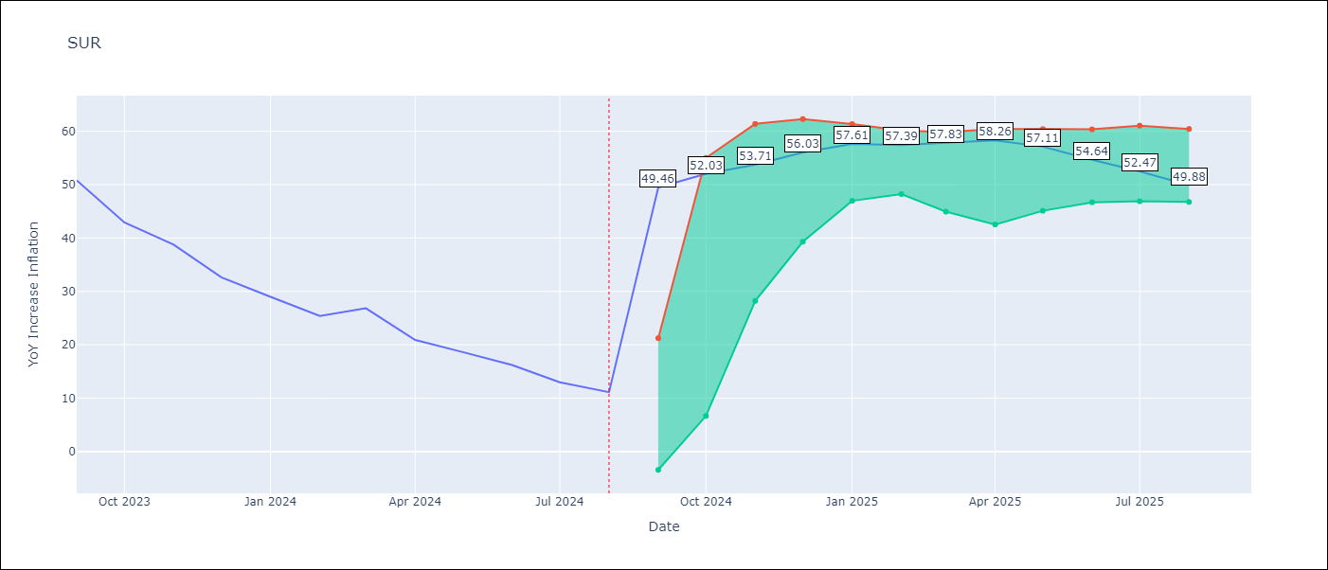

Test Metrics
RMSE | 23.11
Naive RMSE | 4.32
MAPE | 119.39%

Test Predictions
Date | Predicted | Actual
2023-09-01 | 52.33 | 50.79
2023-10-01 | 53.21 | 42.92
2023-11-01 | 52.39 | 38.74
2023-12-01 | 50.64 | 32.63
2024-01-01 | 48.91 | 28.98
2024-02-01 | 47.91 | 25.4
2024-03-01 | 47.67 | 26.83
2024-04-01 | 47.71 | 20.9
2024-05-01 | 47.56 | 18.62
2024-06-01 | 47.23 | 16.21
2024-07-01 | 43.92 | 12.99
2024-08-01 | 42.33 | 11.13

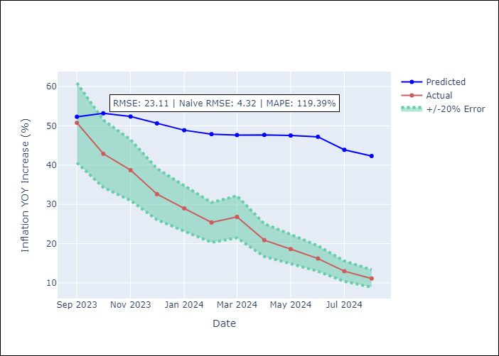

Appendix A: Model Summary
Model | Random Forest
Sample | 2012-04-01 to 2024-08-01
No. of Observations | 145
Terms | P-value (Statistical significance)

Assumptions | P-value

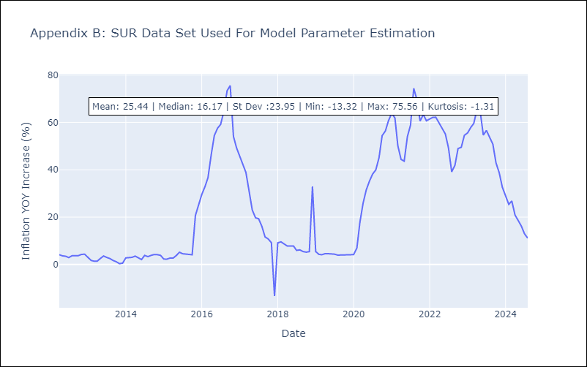

Appendix C: Residuals Analysis
Mean

TTO
TTO - Inflation - Next 12 months forecast as of: 2025-04-01

Model | Random Forest - [(3, 2, 0), (3, 0, 0, 12)]
Training Data | 1994-07-01 to 2024-05-01
Test Data | 2024-05-01 to 2025-04-01

Date | Inflation Change YoY % | Lower Bound - 95% Confidence Interval | Upper Bound - 95% Confidence Interval
2025-05-01 | 5.07 | 0.9 | 6.07
2025-06-01 | 4.82 | 3.97 | 6.12
2025-07-01 | 4.53 | 3.08 | 4.3
2025-08-01 | 4.12 | 3.58 | 5.96
2025-09-01 | 3.7 | 2.99 | 5.07
2025-10-01 | 3.46 | 3.35 | 5.72
2025-11-01 | 3.29 | 3.4 | 5.68
2025-12-01 | 3.26 | 3.17 | 4.31
2026-01-01 | 3.24 | 3.8 | 6.33
2026-02-01 | 3.36 | 3.1 | 4.3
2026-03-01 | 3.42 | 3.64 | 6.33
2026-04-01 | 3.49 | 2.95 | 5.21

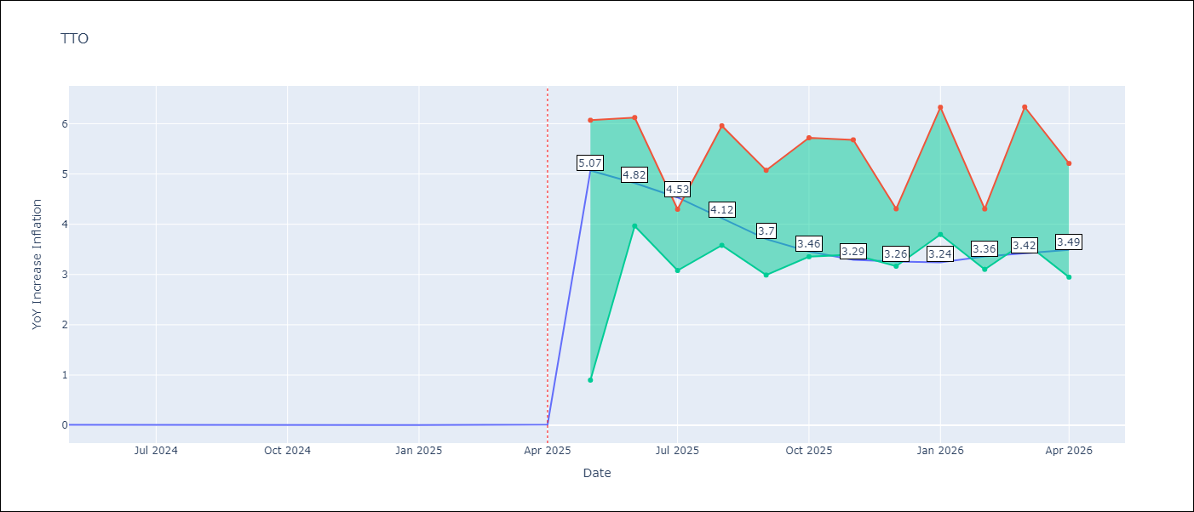

Test Metrics
RMSE | 0.9
Naive RMSE | 0.0
MAPE | 18255.38%

Test Predictions
Date | Predicted | Actual
2024-05-01 | 0.96 | 0.01
2024-06-01 | 1.03 | 0.01
2024-07-01 | 0.96 | 0
2024-08-01 | 0.8 | 0
2024-09-01 | 0.77 | 0
2024-10-01 | 0.85 | 0
2024-11-01 | 0.88 | 0
2024-12-01 | 0.84 | 0
2025-01-01 | 0.88 | 0.01
2025-02-01 | 0.94 | 0.01
2025-03-01 | 0.96 | 0.01
2025-04-01 | 0.97 | 0.02

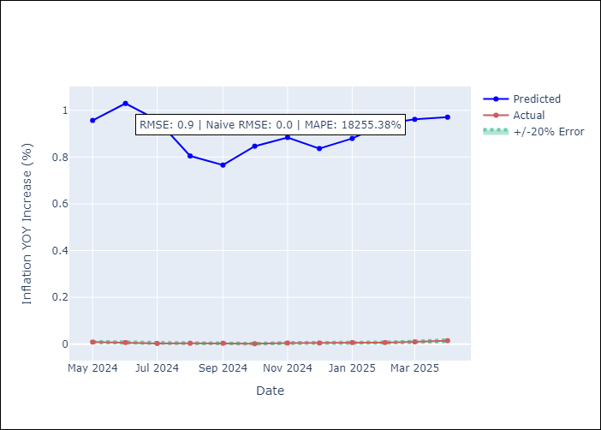

Appendix A: Model Summary
Model | Random Forest
Sample | 1994-07-01 to 2025-04-01
No. of Observations | 370
Terms | P-value (Statistical significance)

Assumptions | P-value

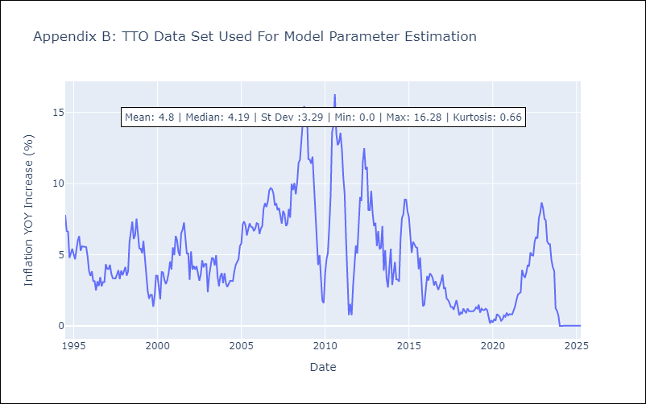

Appendix C: Residuals Analysis
Mean

VCT
VCT - Inflation - Next 12 months forecast as of: 2025-01-01

Model | Random Forest - [(1, 0, 0), (3, 0, 0, 12)]
Training Data | 2004-01-01 to 2024-02-01
Test Data | 2024-02-01 to 2025-01-01

Date | Inflation Change YoY % | Lower Bound - 95% Confidence Interval | Upper Bound - 95% Confidence Interval
2025-02-01 | 6.39 | 1.46 | 5.13
2025-03-01 | 6.43 | 4.58 | 7.33
2025-04-01 | 6.35 | 3.84 | 6.15
2025-05-01 | 6.04 | 2.54 | 5.29
2025-06-01 | 5.71 | 2.41 | 4.91
2025-07-01 | 5.54 | 1.11 | 3.12
2025-08-01 | 5.24 | 0.61 | 2.83
2025-09-01 | 5.04 | -0.09 | 0.97
2025-10-01 | 4.93 | -1.36 | 0.82
2025-11-01 | 5.03 | -1.21 | 2.84
2025-12-01 | 4.8 | 2.6 | 5.95
2026-01-01 | 4.4 | 3.86 | 7.46

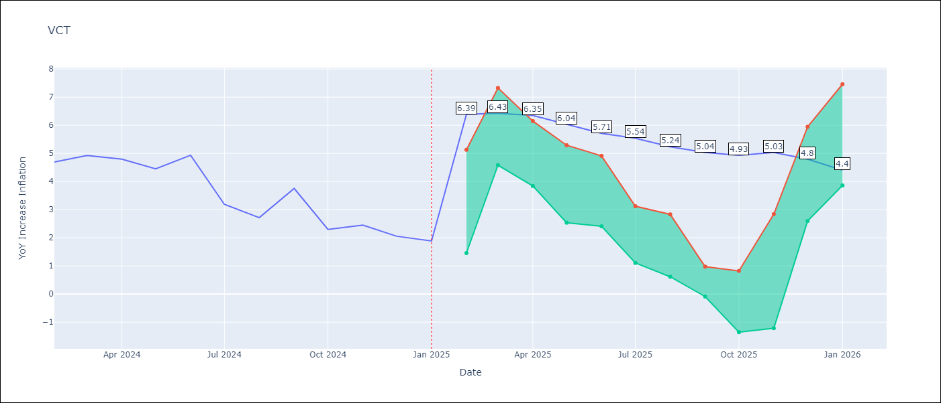

Test Metrics
RMSE | 1.32
Naive RMSE | 0.8
MAPE | 44.82%

Test Predictions
Date | Predicted | Actual
2024-02-01 | 4.19 | 4.69
2024-03-01 | 4.12 | 4.93
2024-04-01 | 4.16 | 4.8
2024-05-01 | 4.36 | 4.45
2024-06-01 | 4.24 | 4.94
2024-07-01 | 4.51 | 3.19
2024-08-01 | 4.33 | 2.72
2024-09-01 | 4.22 | 3.75
2024-10-01 | 4.22 | 2.3
2024-11-01 | 4.03 | 2.45
2024-12-01 | 4.06 | 2.06
2025-01-01 | 3.96 | 1.89

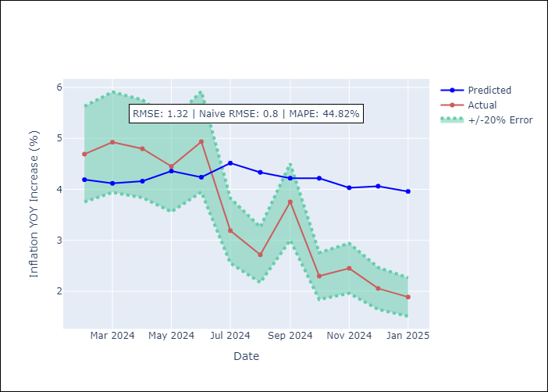

Appendix A: Model Summary
Model | Random Forest
Sample | 2004-01-01 to 2025-01-01
No. of Observations | 253
Terms | P-value (Statistical significance)

Assumptions | P-value

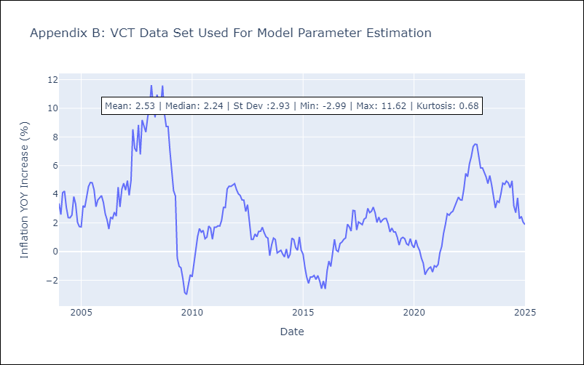

Appendix C: Residuals Analysis
Mean

