ATG
ATG - Inflation - Next 12 months forecast as of: 2025-01-01

Model | Random Forest - [(0, 1, 1), (0, 0, 1, 12)]
Training Data | 2004-01-01 to 2024-02-01
Test Data | 2024-02-01 to 2025-01-01

Date | Inflation Change YoY % | Lower Bound - 95% Confidence Interval | Upper Bound - 95% Confidence Interval
2025-02-01 | 1.05 | -0.8 | 3.4
2025-03-01 | 1.06 | 2.31 | 6.83
2025-04-01 | 1.04 | 0.62 | 4.54
2025-05-01 | 0.98 | 0.58 | 1.41
2025-06-01 | 0.97 | 0.69 | 1.5
2025-07-01 | 1.11 | 0.24 | 1.32
2025-08-01 | 1.09 | 0.04 | 1.46
2025-09-01 | 1.12 | 0.07 | 1.28
2025-10-01 | 1.29 | 0.26 | 1.37
2025-11-01 | 1.36 | 0.19 | 1.36
2025-12-01 | 1.22 | 0.16 | 1.43
2026-01-01 | 1.22 | 0.4 | 2.22

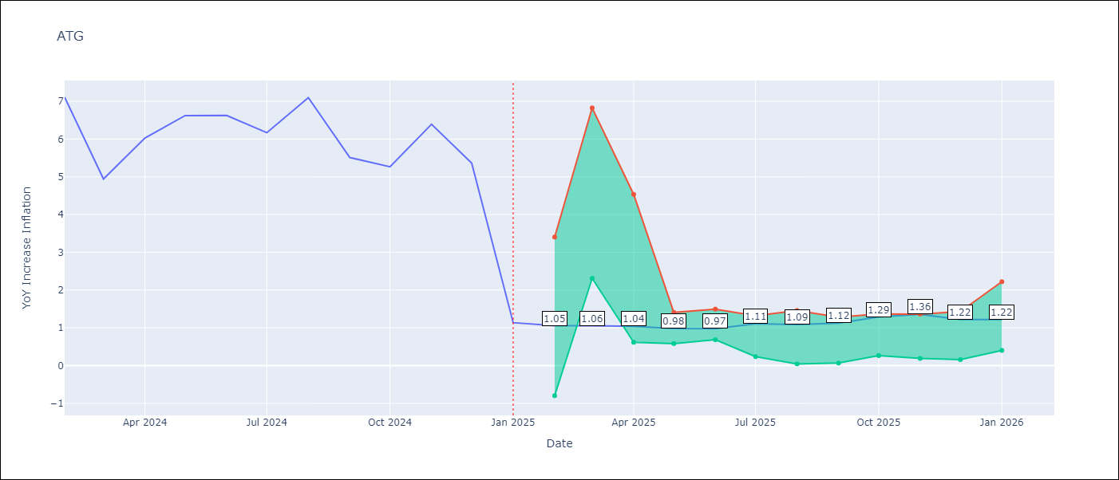

Test Metrics
RMSE | 1.83
Naive RMSE | 1.65
MAPE | 48.8%

Test Predictions
Date | Predicted | Actual
2024-02-01 | 5.86 | 7.11
2024-03-01 | 5.52 | 4.94
2024-04-01 | 5.33 | 6.03
2024-05-01 | 5.37 | 6.62
2024-06-01 | 5.07 | 6.63
2024-07-01 | 4.42 | 6.17
2024-08-01 | 4.05 | 7.1
2024-09-01 | 3.97 | 5.51
2024-10-01 | 4.06 | 5.27
2024-11-01 | 3.72 | 6.39
2024-12-01 | 3.28 | 5.37
2025-01-01 | 3.65 | 1.14

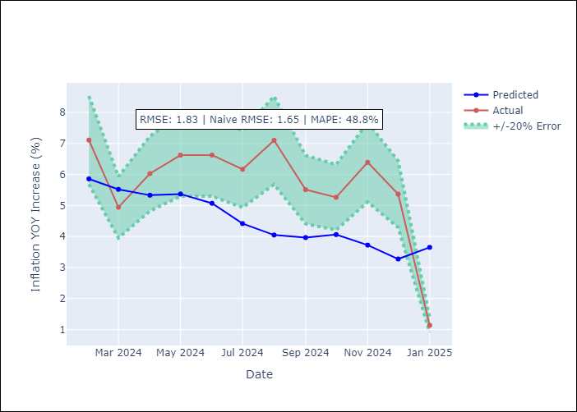

Appendix A: Model Summary
Model | Random Forest
Sample | 2004-01-01 to 2025-01-01
No. of Observations | 253
Terms | P-value (Statistical significance)

Assumptions | P-value

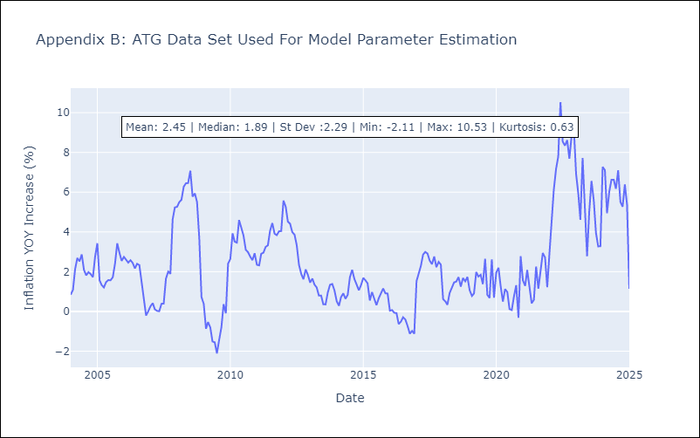

Appendix C: Residuals Analysis
Mean

BHS
BHS - Inflation - Next 12 months forecast as of: 2025-02-01

Model | Random Forest - [(1, 0, 0), (3, 0, 1, 12)]
Training Data | 2000-01-01 to 2024-03-01
Test Data | 2024-03-01 to 2025-02-01

Date | Inflation Change YoY % | Lower Bound - 95% Confidence Interval | Upper Bound - 95% Confidence Interval
2025-03-01 | 3.1 | 0.8 | 3.09
2025-04-01 | 3.01 | 1.94 | 3.13
2025-05-01 | 2.92 | 1.53 | 4.33
2025-06-01 | 2.87 | 1.36 | 3.64
2025-07-01 | 2.74 | 0.34 | 2.95
2025-08-01 | 2.6 | 1.4 | 2.67
2025-09-01 | 2.34 | 1.32 | 2.81
2025-10-01 | 2.21 | 1.89 | 2.83
2025-11-01 | 2 | 1.81 | 3.78
2025-12-01 | 1.86 | 2.02 | 3.63
2026-01-01 | 1.63 | 1.97 | 4.3
2026-02-01 | 1.49 | 1.42 | 4.05

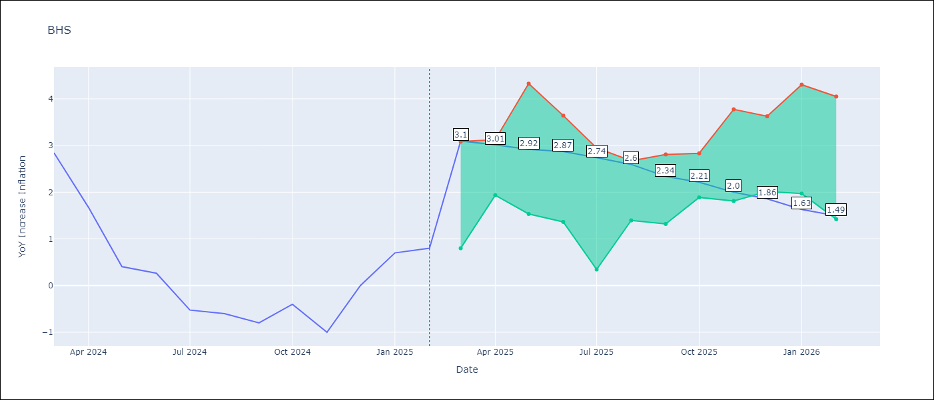

Test Metrics
RMSE | 0.78
Naive RMSE | 0.72
MAPE | inf%

Test Predictions
Date | Predicted | Actual
2024-03-01 | 1.09 | 2.85
2024-04-01 | 1.29 | 1.68
2024-05-01 | 0.98 | 0.4
2024-06-01 | 0.67 | 0.26
2024-07-01 | 0.38 | -0.52
2024-08-01 | 0.13 | -0.6
2024-09-01 | 0.05 | -0.8
2024-10-01 | -0.02 | -0.4
2024-11-01 | 0.16 | -1
2024-12-01 | 0.07 | 0
2025-01-01 | 0.45 | 0.7
2025-02-01 | 0.75 | 0.8

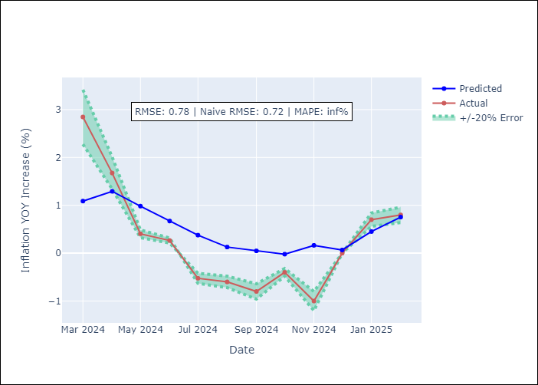

Appendix A: Model Summary
Model | Random Forest
Sample | 2000-01-01 to 2025-02-01
No. of Observations | 302
Terms | P-value (Statistical significance)

Assumptions | P-value

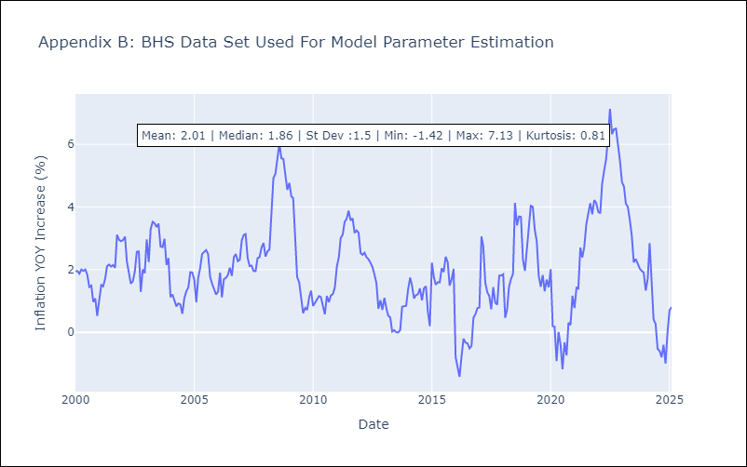

Appendix C: Residuals Analysis
Mean

BLZ
BLZ - Inflation - Next 12 months forecast as of: 2025-03-01

Model | Random Forest - [(2, 0, 0), (1, 0, 0, 12)]
Training Data | 2015-01-01 to 2024-04-01
Test Data | 2024-04-01 to 2025-03-01

Date | Inflation Change YoY % | Lower Bound - 95% Confidence Interval | Upper Bound - 95% Confidence Interval
2025-04-01 | 4.79 | 0.53 | 4.39
2025-05-01 | 4.74 | 0.16 | 2.45
2025-06-01 | 4.62 | -0.01 | 0.49
2025-07-01 | 4.4 | 0.04 | 3.62
2025-08-01 | 4.23 | 2.58 | 6.93
2025-09-01 | 3.97 | 3.33 | 6.64
2025-10-01 | 3.68 | 2.38 | 4.49
2025-11-01 | 3.41 | 2.77 | 5.44
2025-12-01 | 3.2 | 2.64 | 5.69
2026-01-01 | 3.09 | 2.69 | 5.59
2026-02-01 | 2.98 | 2.64 | 5.16
2026-03-01 | 2.88 | 2.7 | 5.44

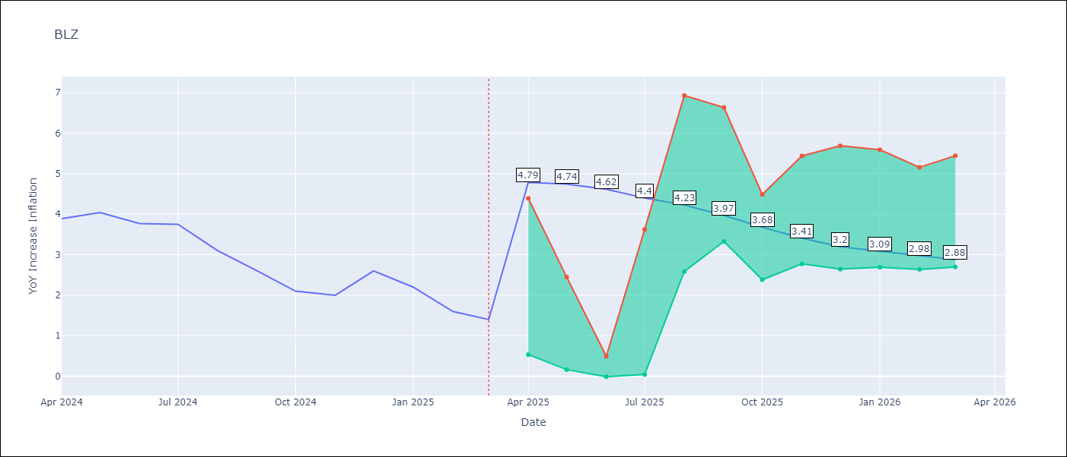

Test Metrics
RMSE | 2.24
Naive RMSE | 0.42
MAPE | 100.21%

Test Predictions
Date | Predicted | Actual
2024-04-01 | 5.05 | 3.89
2024-05-01 | 5.19 | 4.04
2024-06-01 | 5.35 | 3.77
2024-07-01 | 5.35 | 3.75
2024-08-01 | 5.36 | 3.1
2024-09-01 | 5.23 | 2.6
2024-10-01 | 5.02 | 2.1
2024-11-01 | 4.81 | 2
2024-12-01 | 4.58 | 2.6
2025-01-01 | 4.49 | 2.2
2025-02-01 | 4.36 | 1.6
2025-03-01 | 4.06 | 1.4

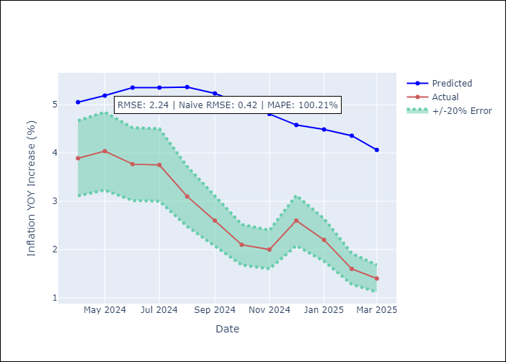

Appendix A: Model Summary
Model | Random Forest
Sample | 2015-01-01 to 2025-03-01
No. of Observations | 123
Terms | P-value (Statistical significance)

Assumptions | P-value

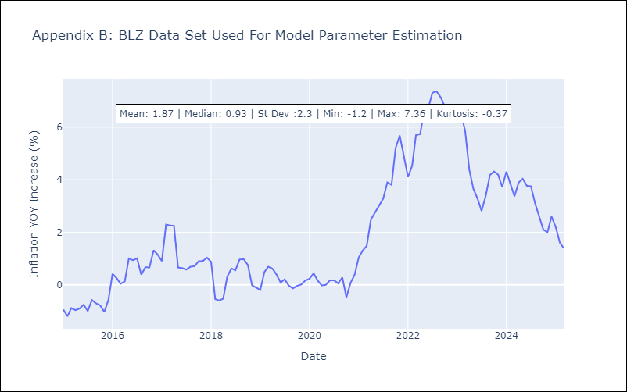

Appendix C: Residuals Analysis
Mean

BRB
BRB - Inflation - Next 12 months forecast as of: 2025-03-01

Model | Random Forest - [(3, 0, 0), (0, 0, 1, 12)]
Training Data | 2003-01-01 to 2024-04-01
Test Data | 2024-04-01 to 2025-03-01

Date | Inflation Change YoY % | Lower Bound - 95% Confidence Interval | Upper Bound - 95% Confidence Interval
2025-04-01 | 3.81 | 0.62 | 4.3
2025-05-01 | 3.39 | 4 | 8.84
2025-06-01 | 3.4 | 4.18 | 8.81
2025-07-01 | 3.42 | 3.37 | 6.55
2025-08-01 | 3.45 | 3.53 | 7.56
2025-09-01 | 3.34 | 3.31 | 7.37
2025-10-01 | 3.43 | 2.97 | 6.6
2025-11-01 | 3.73 | 5.1 | 9.44
2025-12-01 | 3.83 | 3.01 | 8.03
2026-01-01 | 4.15 | 3.57 | 8.63
2026-02-01 | 4.62 | 3.47 | 10.21
2026-03-01 | 4.86 | 2.27 | 5.41

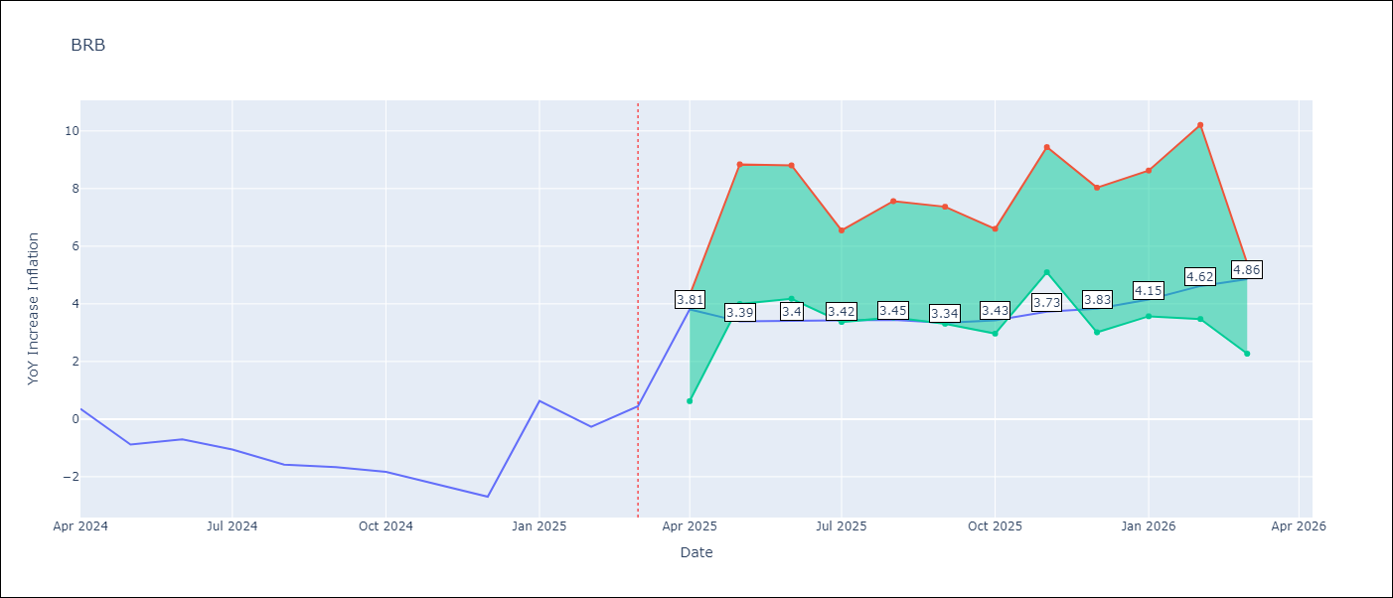

Test Metrics
RMSE | 4.49
Naive RMSE | 1.16
MAPE | 491.93%

Test Predictions
Date | Predicted | Actual
2024-04-01 | 1.46 | 0.36
2024-05-01 | 1.55 | -0.88
2024-06-01 | 1.68 | -0.7
2024-07-01 | 2.03 | -1.06
2024-08-01 | 2.62 | -1.58
2024-09-01 | 2.89 | -1.66
2024-10-01 | 3.25 | -1.83
2024-11-01 | 3.94 | -2.26
2024-12-01 | 4.43 | -2.69
2025-01-01 | 4.89 | 0.63
2025-02-01 | 5.21 | -0.27
2025-03-01 | 4.7 | 0.45

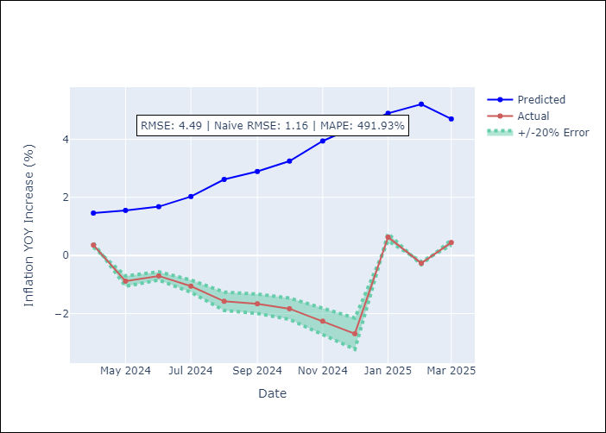

Appendix A: Model Summary
Model | Random Forest
Sample | 2003-01-01 to 2025-03-01
No. of Observations | 263
Terms | P-value (Statistical significance)

Assumptions | P-value

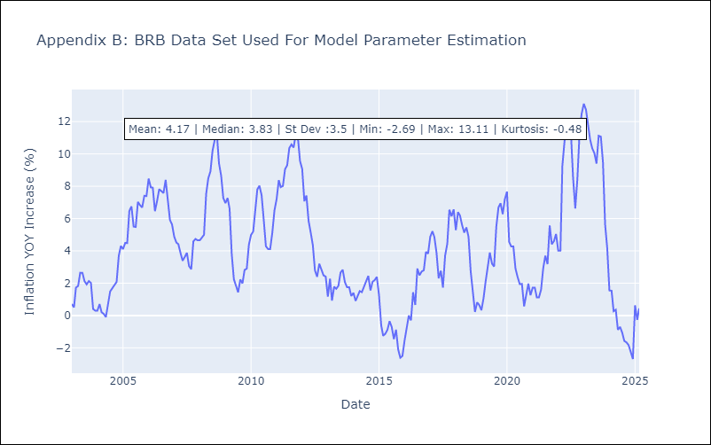

Appendix C: Residuals Analysis
Mean

DMA
DMA - Inflation - Next 12 months forecast as of: 2025-01-01

Model | Random Forest - [(0, 1, 0), (3, 0, 0, 12)]
Training Data | 2004-01-01 to 2024-02-01
Test Data | 2024-02-01 to 2025-01-01

Date | Inflation Change YoY % | Lower Bound - 95% Confidence Interval | Upper Bound - 95% Confidence Interval
2025-02-01 | 0.57 | 0.28 | 1.62
2025-03-01 | 0.48 | -0.23 | 0.7
2025-04-01 | 0.34 | 0.18 | 1.54
2025-05-01 | 0.35 | -0.3 | 0.7
2025-06-01 | 0.18 | 0.15 | 1.44
2025-07-01 | 0.26 | -0.3 | 0.78
2025-08-01 | 0.1 | 0.19 | 1.86
2025-09-01 | -0.12 | -0.17 | 1.16
2025-10-01 | -0.07 | -0.06 | 1.26
2025-11-01 | 0.12 | -0.5 | 0.83
2025-12-01 | 0.11 | 0.07 | 2.42
2026-01-01 | 0.19 | -0.49 | 0.94

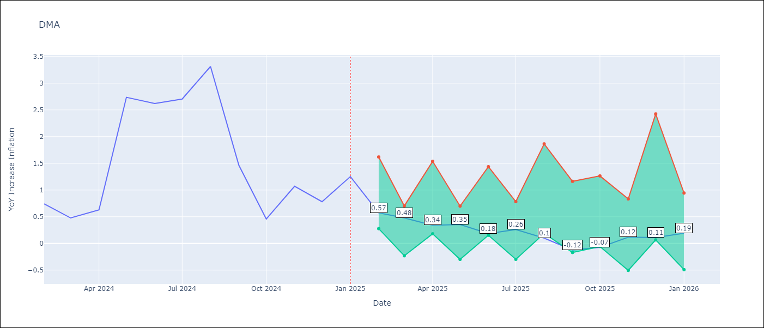

Test Metrics
RMSE | 1.55
Naive RMSE | 0.96
MAPE | 93.96%

Test Predictions
Date | Predicted | Actual
2024-02-01 | 1.39 | 0.74
2024-03-01 | 1.19 | 0.48
2024-04-01 | 0.91 | 0.63
2024-05-01 | 0.74 | 2.74
2024-06-01 | 1.09 | 2.62
2024-07-01 | 0.86 | 2.7
2024-08-01 | 1.07 | 3.31
2024-09-01 | 1.21 | 1.46
2024-10-01 | 0.84 | 0.46
2024-11-01 | -0.44 | 1.07
2024-12-01 | -1.21 | 0.78
2025-01-01 | -1.31 | 1.25

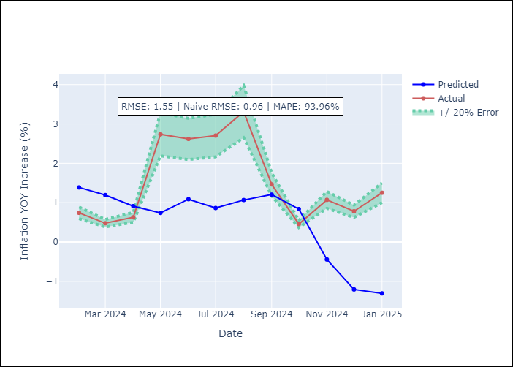

Appendix A: Model Summary
Model | Random Forest
Sample | 2004-01-01 to 2025-01-01
No. of Observations | 253
Terms | P-value (Statistical significance)

Assumptions | P-value

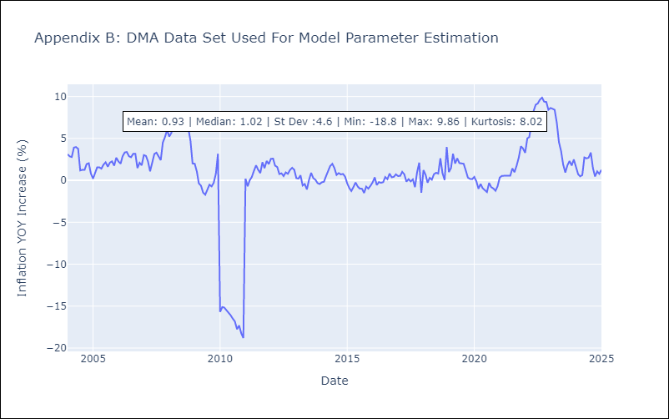

Appendix C: Residuals Analysis
Mean

GRD
GRD - Inflation - Next 12 months forecast as of: 2025-01-01

Model | Random Forest - [(1, 1, 1), (3, 0, 0, 12)]
Training Data | 2004-01-01 to 2024-02-01
Test Data | 2024-02-01 to 2025-01-01

Date | Inflation Change YoY % | Lower Bound - 95% Confidence Interval | Upper Bound - 95% Confidence Interval
2025-02-01 | -0.22 | 0.11 | 0.99
2025-03-01 | -0.08 | 0.61 | 1.17
2025-04-01 | 0.21 | -0.03 | 1.12
2025-05-01 | 0.55 | -0.98 | 0.14
2025-06-01 | 0.79 | -0.64 | 2.01
2025-07-01 | 1.04 | 1.7 | 2.9
2025-08-01 | 1.32 | 2.36 | 4.97
2025-09-01 | 1.51 | 2.11 | 4.1
2025-10-01 | 1.6 | 1.25 | 3.24
2025-11-01 | 1.8 | -0.13 | 1.29
2025-12-01 | 1.93 | -0.74 | 0.64
2026-01-01 | 1.9 | -0.68 | 2.14

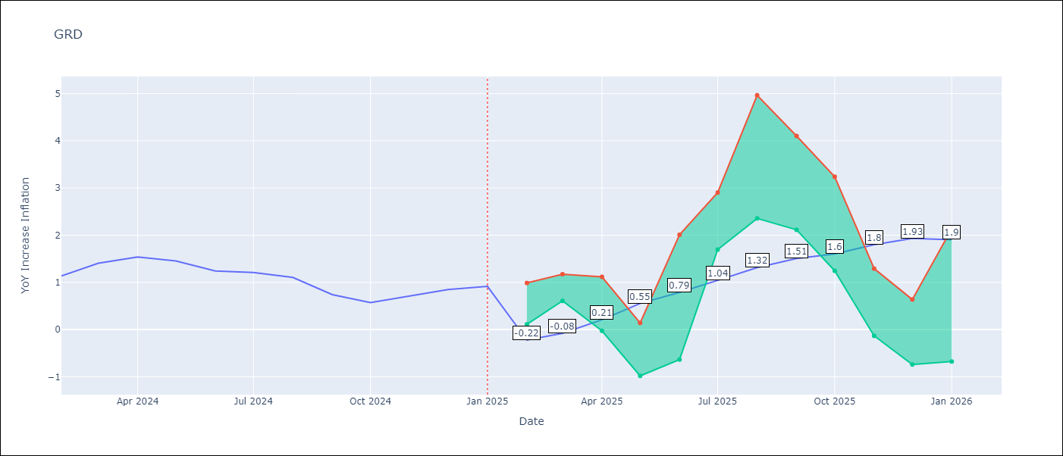

Test Metrics
RMSE | 0.87
Naive RMSE | 0.18
MAPE | 78.86%

Test Predictions
Date | Predicted | Actual
2024-02-01 | 0.81 | 1.14
2024-03-01 | 0.59 | 1.41
2024-04-01 | 0.5 | 1.54
2024-05-01 | 0.78 | 1.45
2024-06-01 | 0.99 | 1.24
2024-07-01 | 0.98 | 1.21
2024-08-01 | 0.16 | 1.11
2024-09-01 | -0.23 | 0.74
2024-10-01 | -0.37 | 0.57
2024-11-01 | -0.36 | 0.71
2024-12-01 | -0.32 | 0.85
2025-01-01 | -0.3 | 0.92

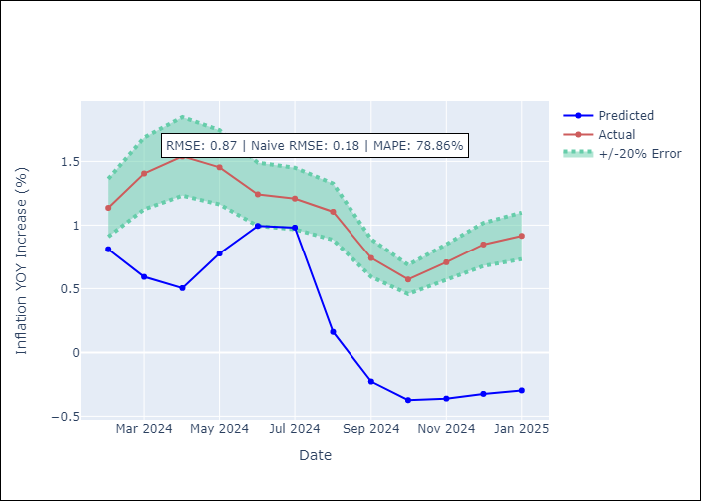

Appendix A: Model Summary
Model | Random Forest
Sample | 2004-01-01 to 2025-01-01
No. of Observations | 253
Terms | P-value (Statistical significance)

Assumptions | P-value

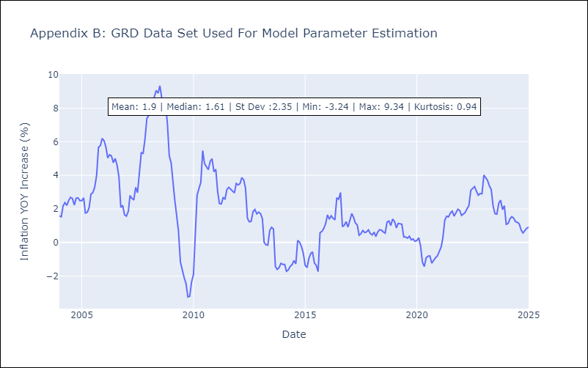

Appendix C: Residuals Analysis
Mean

GUY
GUY - Inflation - Next 12 months forecast as of: 2025-03-01

Model | Random Forest - [(3, 0, 1), (1, 0, 0, 12)]
Training Data | 2008-01-01 to 2024-04-01
Test Data | 2024-04-01 to 2025-03-01

Date | Inflation Change YoY % | Lower Bound - 95% Confidence Interval | Upper Bound - 95% Confidence Interval
2025-04-01 | 0.98 | 1.54 | 3.96
2025-05-01 | 0.82 | 1.18 | 3.55
2025-06-01 | 0.42 | 0.7 | 1.98
2025-07-01 | 0.83 | 1.36 | 2.45
2025-08-01 | 0.95 | 0.7 | 1.92
2025-09-01 | 0.96 | 0.99 | 2.92
2025-10-01 | 1.03 | 0.83 | 2.27
2025-11-01 | 1.3 | 0.94 | 2.57
2025-12-01 | 1.85 | 0.87 | 2.44
2026-01-01 | 1.77 | 0.76 | 2.85
2026-02-01 | 1.86 | 1.08 | 2.96
2026-03-01 | 2.08 | 0.61 | 2.22

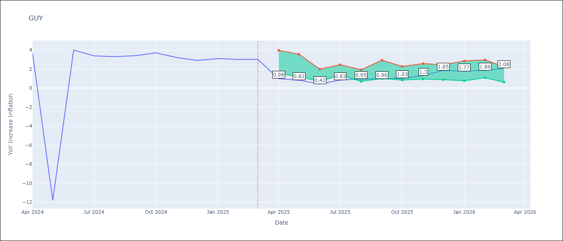

Test Metrics
RMSE | 4.17
Naive RMSE | 6.67
MAPE | 44.82%

Test Predictions
Date | Predicted | Actual
2024-04-01 | 2.2 | 3.67
2024-05-01 | 1.97 | -11.79
2024-06-01 | 2.06 | 3.99
2024-07-01 | 2.15 | 3.39
2024-08-01 | 2.29 | 3.3
2024-09-01 | 2.21 | 3.4
2024-10-01 | 2.12 | 3.7
2024-11-01 | 2.03 | 3.2
2024-12-01 | 2.05 | 2.9
2025-01-01 | 1.96 | 3.1
2025-02-01 | 1.8 | 3
2025-03-01 | 1.62 | 3

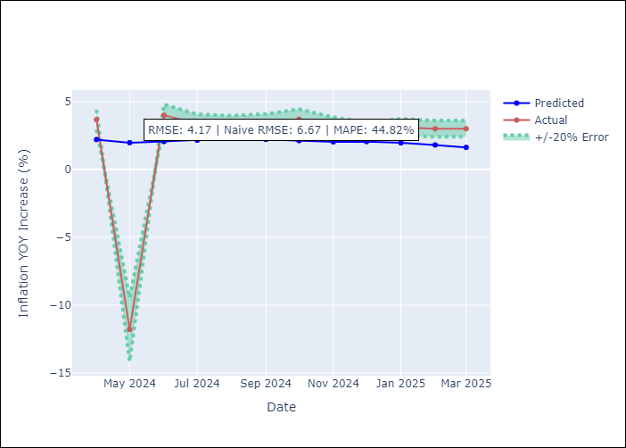

Appendix A: Model Summary
Model | Random Forest
Sample | 2008-01-01 to 2025-03-01
No. of Observations | 207
Terms | P-value (Statistical significance)

Assumptions | P-value

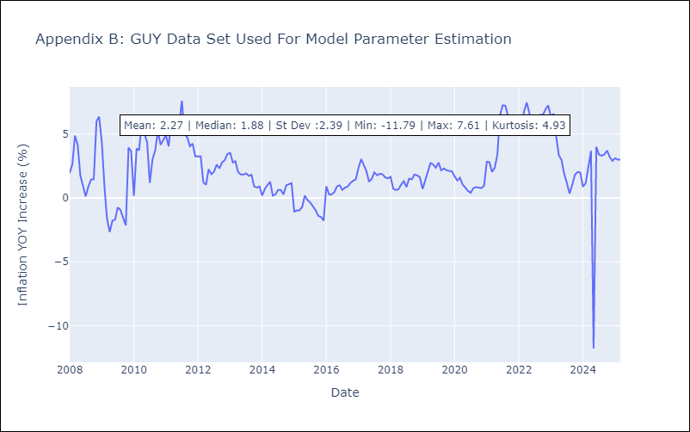

Appendix C: Residuals Analysis
Mean

JAM
JAM - Inflation - Next 12 months forecast as of: 2025-04-01

Model | Random Forest - [(2, 1, 0), (0, 0, 2, 12)]
Training Data | 1994-07-01 to 2024-05-01
Test Data | 2024-05-01 to 2025-04-01

Date | Inflation Change YoY % | Lower Bound - 95% Confidence Interval | Upper Bound - 95% Confidence Interval
2025-05-01 | 7.75 | 4.03 | 9
2025-06-01 | 7.59 | 7.19 | 11.45
2025-07-01 | 7.33 | 5.83 | 8.18
2025-08-01 | 7.12 | 6.81 | 13.04
2025-09-01 | 6.92 | 7.03 | 11.3
2025-10-01 | 6.63 | 5.99 | 7.5
2025-11-01 | 6.5 | 6.84 | 12.03
2025-12-01 | 6.24 | 6.34 | 9.32
2026-01-01 | 6.08 | 4.99 | 7.47
2026-02-01 | 6.06 | 6.03 | 10.23
2026-03-01 | 5.92 | 6.89 | 9.58
2026-04-01 | 6.03 | 5.27 | 7.87

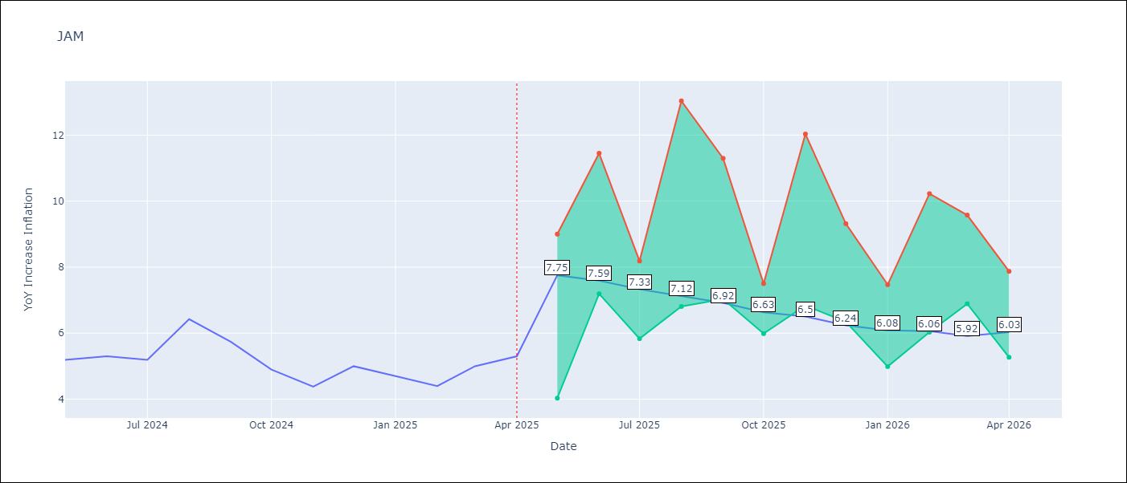

Test Metrics
RMSE | 2.21
Naive RMSE | 0.6
MAPE | 36.16%

Test Predictions
Date | Predicted | Actual
2024-05-01 | 5.57 | 5.19
2024-06-01 | 5.79 | 5.3
2024-07-01 | 5.98 | 5.19
2024-08-01 | 5.96 | 6.42
2024-09-01 | 6.08 | 5.74
2024-10-01 | 6.76 | 4.9
2024-11-01 | 6.81 | 4.38
2024-12-01 | 7.03 | 5
2025-01-01 | 7.24 | 4.7
2025-02-01 | 7.92 | 4.4
2025-03-01 | 8.45 | 5
2025-04-01 | 8.91 | 5.3

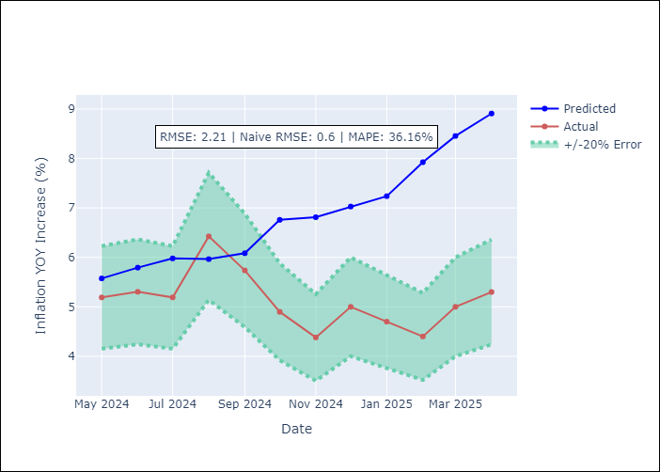

Appendix A: Model Summary
Model | Random Forest
Sample | 1994-07-01 to 2025-04-01
No. of Observations | 370
Terms | P-value (Statistical significance)

Assumptions | P-value

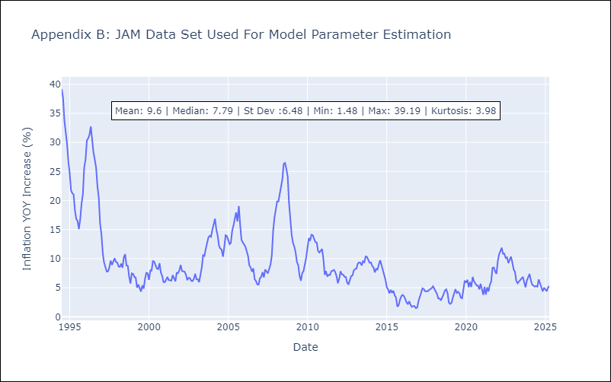

Appendix C: Residuals Analysis
Mean

KNA
KNA - Inflation - Next 12 months forecast as of: 2025-02-01

Model | Random Forest - [(0, 1, 0), (3, 0, 0, 12)]
Training Data | 2006-01-01 to 2024-03-01
Test Data | 2024-03-01 to 2025-02-01

Date | Inflation Change YoY % | Lower Bound - 95% Confidence Interval | Upper Bound - 95% Confidence Interval
2025-03-01 | 1.07 | 0.11 | 2.16
2025-04-01 | 1.13 | -0.08 | 1.87
2025-05-01 | 1.03 | 0.15 | 1.7
2025-06-01 | 1.01 | 0.21 | 1.75
2025-07-01 | 0.96 | 0.18 | 1.79
2025-08-01 | 0.83 | -0.15 | 2.93
2025-09-01 | 1.01 | 0.4 | 1.93
2025-10-01 | 0.96 | 0.07 | 1.43
2025-11-01 | 0.9 | -0.14 | 1.83
2025-12-01 | 1 | -0.03 | 1.85
2026-01-01 | 0.97 | 0.22 | 2.26
2026-02-01 | 0.88 | -0.05 | 2.05

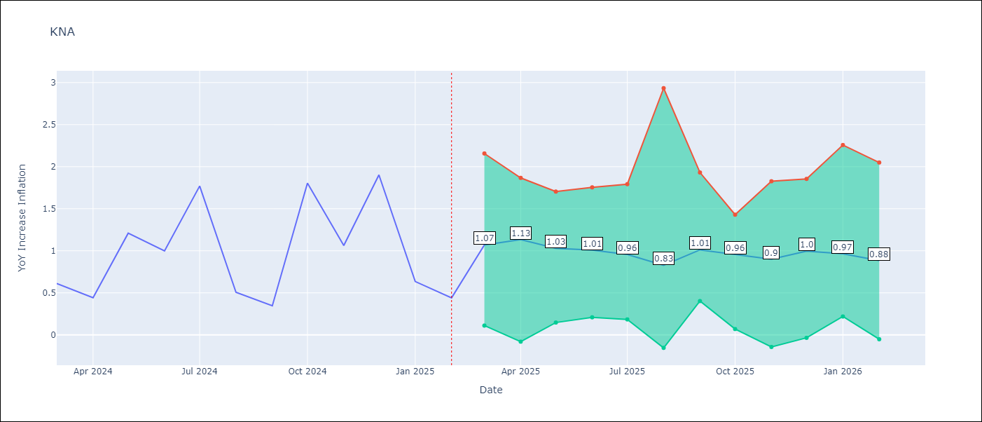

Test Metrics
RMSE | 0.71
Naive RMSE | 0.85
MAPE | 97.77%

Test Predictions
Date | Predicted | Actual
2024-03-01 | 1.09 | 0.61
2024-04-01 | 1.02 | 0.44
2024-05-01 | 0.94 | 1.21
2024-06-01 | 1.02 | 1
2024-07-01 | 1.08 | 1.77
2024-08-01 | 1.44 | 0.51
2024-09-01 | 1.22 | 0.35
2024-10-01 | 1.16 | 1.8
2024-11-01 | 1.48 | 1.06
2024-12-01 | 1.52 | 1.9
2025-01-01 | 1.81 | 0.63
2025-02-01 | 1.55 | 0.44

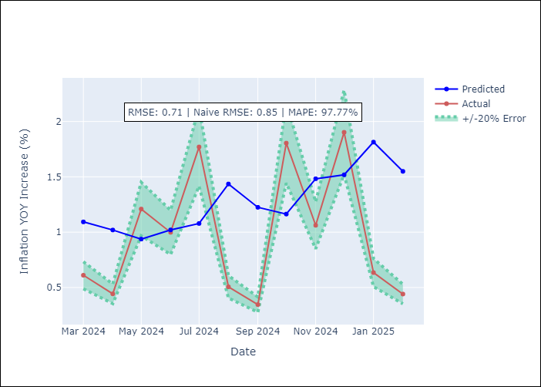

Appendix A: Model Summary
Model | Random Forest
Sample | 2006-01-01 to 2025-02-01
No. of Observations | 230
Terms | P-value (Statistical significance)

Assumptions | P-value

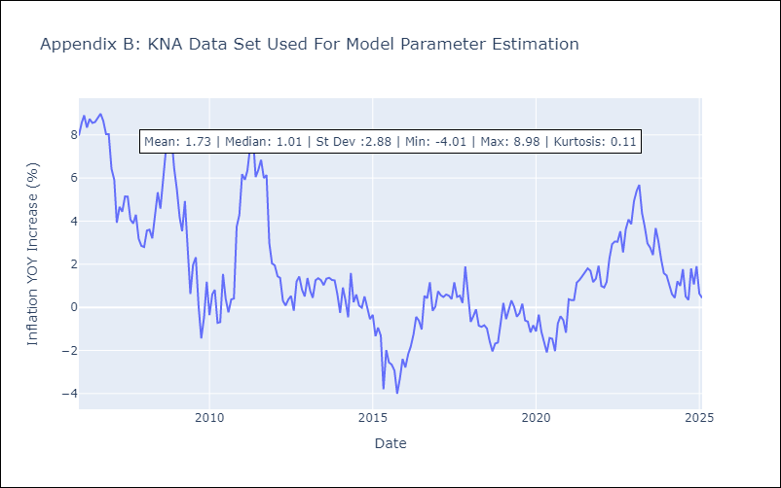

Appendix C: Residuals Analysis
Mean

LCA
LCA - Inflation - Next 12 months forecast as of: 2025-01-01

Model | Random Forest - [(0, 1, 0), (3, 0, 1, 12)]
Training Data | 2008-01-01 to 2024-02-01
Test Data | 2024-02-01 to 2025-01-01

Date | Inflation Change YoY % | Lower Bound - 95% Confidence Interval | Upper Bound - 95% Confidence Interval
2025-02-01 | 3.12 | 1.11 | 3.64
2025-03-01 | 3.41 | 1.82 | 4
2025-04-01 | 3.72 | 1.51 | 3.97
2025-05-01 | 3.86 | 2.13 | 4.49
2025-06-01 | 3.9 | 1.59 | 4.69
2025-07-01 | 3.89 | 1.29 | 4.69
2025-08-01 | 3.89 | 0.52 | 4.27
2025-09-01 | 3.67 | 1.82 | 4.29
2025-10-01 | 3.52 | 2.12 | 5.01
2025-11-01 | 3.35 | 1.4 | 5.18
2025-12-01 | 3.19 | 0.92 | 4.19
2026-01-01 | 2.96 | 2 | 4.26

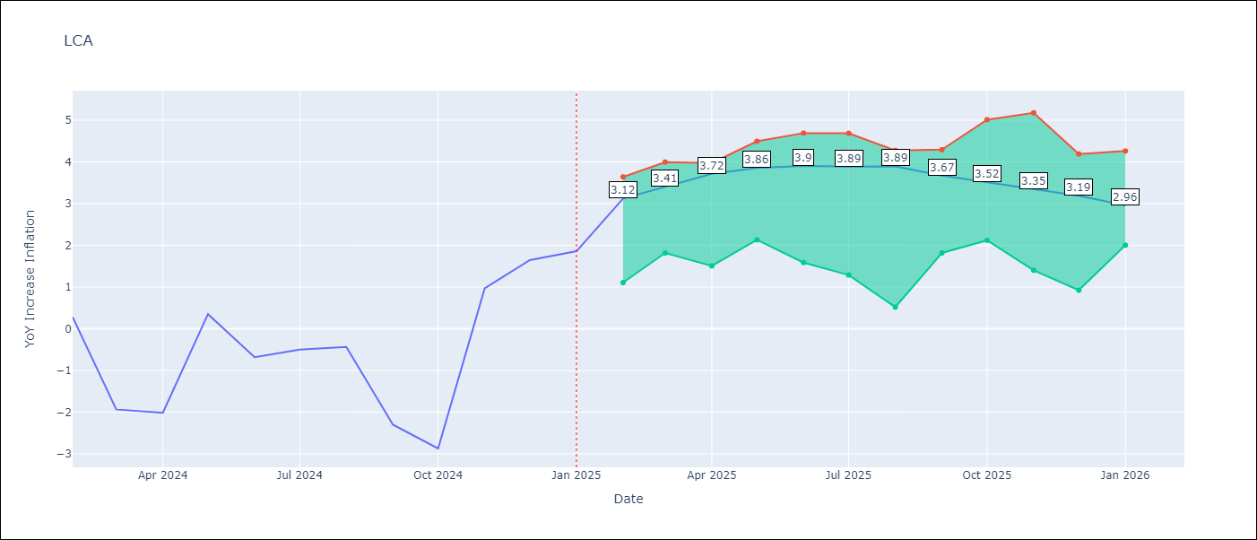

Test Metrics
RMSE | 1.4
Naive RMSE | 1.67
MAPE | 152.46%

Test Predictions
Date | Predicted | Actual
2024-02-01 | -0.11 | 0.28
2024-03-01 | -0.98 | -1.94
2024-04-01 | -1.14 | -2.02
2024-05-01 | -1.23 | 0.35
2024-06-01 | -0.32 | -0.68
2024-07-01 | 0.28 | -0.5
2024-08-01 | 0.51 | -0.43
2024-09-01 | 0.3 | -2.3
2024-10-01 | 0.3 | -2.87
2024-11-01 | 0.41 | 0.97
2024-12-01 | 1.86 | 1.65
2025-01-01 | 2.41 | 1.86

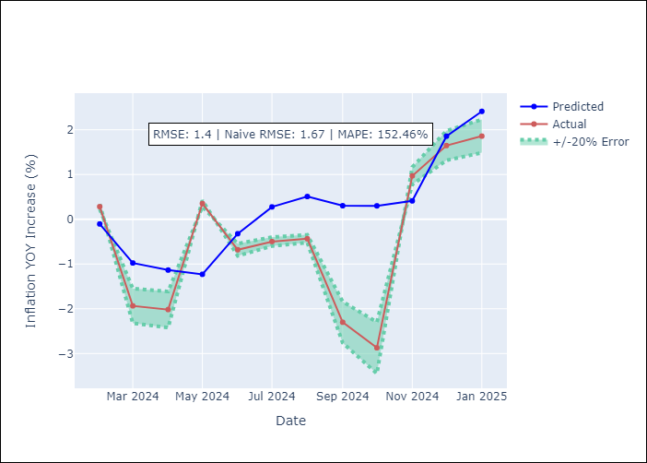

Appendix A: Model Summary
Model | Random Forest
Sample | 2008-01-01 to 2025-01-01
No. of Observations | 205
Terms | P-value (Statistical significance)

Assumptions | P-value

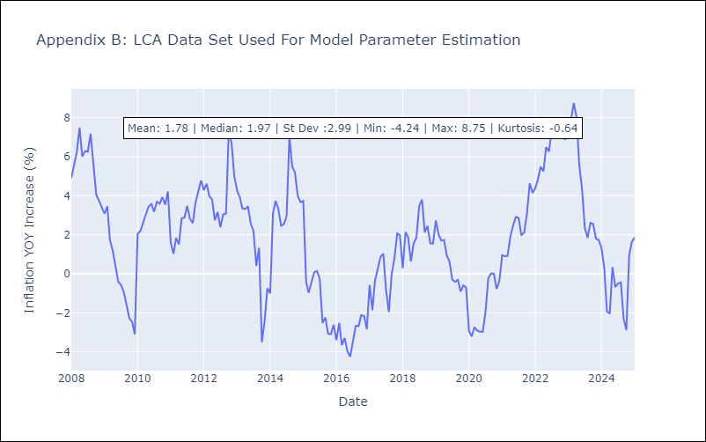

Appendix C: Residuals Analysis
Mean

SUR
SUR - Inflation - Next 12 months forecast as of: 2024-08-01

Model | Random Forest - [(3, 2, 0), (1, 0, 0, 12)]
Training Data | 2012-04-01 to 2023-09-01
Test Data | 2023-09-01 to 2024-08-01

Date | Inflation Change YoY % | Lower Bound - 95% Confidence Interval | Upper Bound - 95% Confidence Interval
2024-09-01 | 50 | -4.75 | 23.66
2024-10-01 | 52.31 | 5.69 | 41.07
2024-11-01 | 54.52 | 20.42 | 61.17
2024-12-01 | 55.98 | 34.25 | 62.41
2025-01-01 | 57.16 | 41.61 | 61.74
2025-02-01 | 57.4 | 45.5 | 60.74
2025-03-01 | 57.91 | 44.17 | 60.18
2025-04-01 | 58.24 | 41.46 | 60.95
2025-05-01 | 58.05 | 46.22 | 61.11
2025-06-01 | 56.36 | 46.74 | 61
2025-07-01 | 53.65 | 45.05 | 61.33
2025-08-01 | 51.49 | 43.84 | 60.5

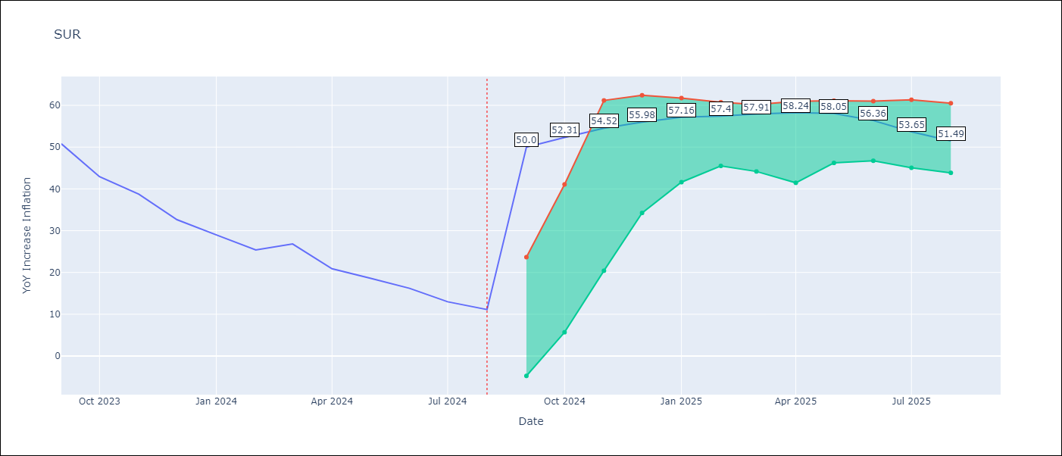

Test Metrics
RMSE | 14.26
Naive RMSE | 4.32
MAPE | 88.71%

Test Predictions
Date | Predicted | Actual
2023-09-01 | 51.89 | 50.79
2023-10-01 | 51.23 | 42.92
2023-11-01 | 49.03 | 38.74
2023-12-01 | 45.22 | 32.63
2024-01-01 | 41.02 | 28.98
2024-02-01 | 39.23 | 25.4
2024-03-01 | 38 | 26.83
2024-04-01 | 37.42 | 20.9
2024-05-01 | 36.35 | 18.62
2024-06-01 | 35.42 | 16.21
2024-07-01 | 31.95 | 12.99
2024-08-01 | 29.26 | 11.13

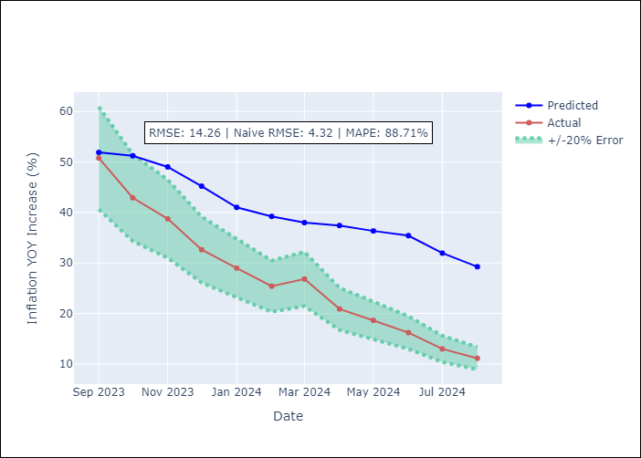

Appendix A: Model Summary
Model | Random Forest
Sample | 2012-04-01 to 2024-08-01
No. of Observations | 145
Terms | P-value (Statistical significance)

Assumptions | P-value

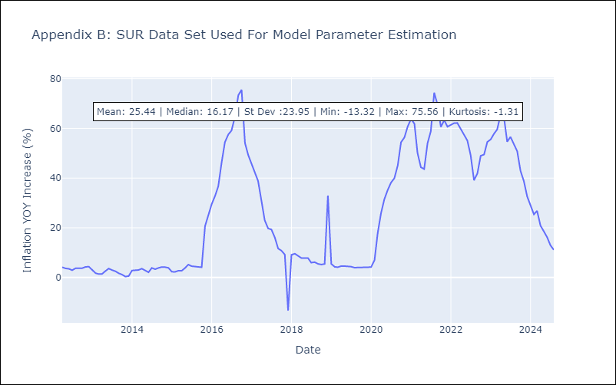

Appendix C: Residuals Analysis
Mean

TTO
TTO - Inflation - Next 12 months forecast as of: 2025-04-01

Model | Random Forest - [(3, 2, 0), (3, 0, 0, 12)]
Training Data | 1994-07-01 to 2024-05-01
Test Data | 2024-05-01 to 2025-04-01

Date | Inflation Change YoY % | Lower Bound - 95% Confidence Interval | Upper Bound - 95% Confidence Interval
2025-05-01 | 5.08 | 0.9 | 6.27
2025-06-01 | 4.76 | 3.98 | 6.18
2025-07-01 | 4.19 | 3.07 | 4.37
2025-08-01 | 3.9 | 3.47 | 5.68
2025-09-01 | 3.53 | 3.19 | 4.92
2025-10-01 | 3.23 | 3.39 | 5.65
2025-11-01 | 3.1 | 3.15 | 5.65
2025-12-01 | 3.01 | 3.28 | 4.5
2026-01-01 | 2.98 | 3.82 | 5.97
2026-02-01 | 3.04 | 3.24 | 4.05
2026-03-01 | 3.21 | 3.73 | 6.18
2026-04-01 | 3.3 | 2.86 | 5.19

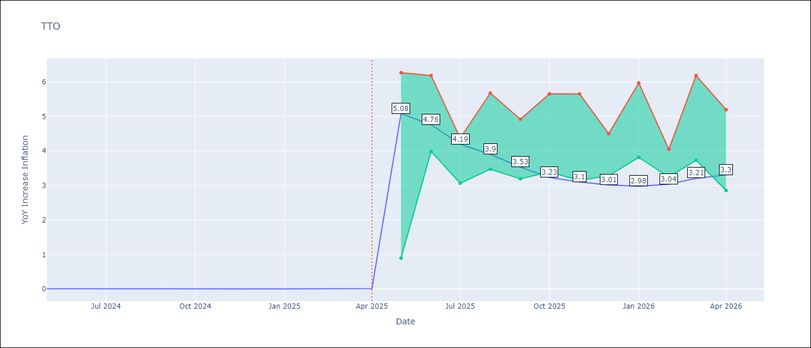

Test Metrics
RMSE | 0.75
Naive RMSE | 0.0
MAPE | 15185.43%

Test Predictions
Date | Predicted | Actual
2024-05-01 | 0.87 | 0.01
2024-06-01 | 0.82 | 0.01
2024-07-01 | 0.77 | 0
2024-08-01 | 0.67 | 0
2024-09-01 | 0.65 | 0
2024-10-01 | 0.7 | 0
2024-11-01 | 0.71 | 0
2024-12-01 | 0.68 | 0
2025-01-01 | 0.76 | 0.01
2025-02-01 | 0.79 | 0.01
2025-03-01 | 0.8 | 0.01
2025-04-01 | 0.79 | 0.02

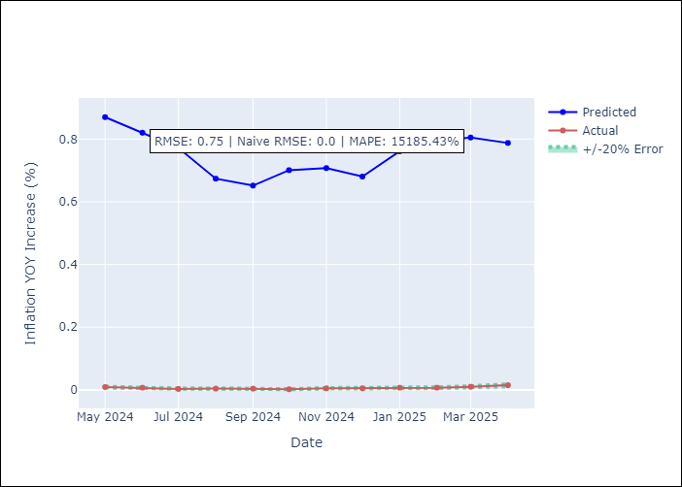

Appendix A: Model Summary
Model | Random Forest
Sample | 1994-07-01 to 2025-04-01
No. of Observations | 370
Terms | P-value (Statistical significance)

Assumptions | P-value

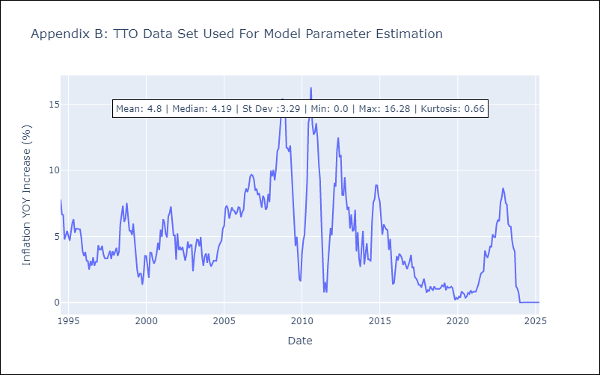

Appendix C: Residuals Analysis
Mean

VCT
VCT - Inflation - Next 12 months forecast as of: 2025-01-01

Model | Random Forest - [(1, 0, 0), (3, 0, 0, 12)]
Training Data | 2004-01-01 to 2024-02-01
Test Data | 2024-02-01 to 2025-01-01

Date | Inflation Change YoY % | Lower Bound - 95% Confidence Interval | Upper Bound - 95% Confidence Interval
2025-02-01 | 5.32 | 1.99 | 5.11
2025-03-01 | 5.15 | 2.22 | 6
2025-04-01 | 4.88 | 2.04 | 4.33
2025-05-01 | 4.81 | 1.36 | 3.03
2025-06-01 | 4.71 | 0.45 | 2.66
2025-07-01 | 4.91 | -0.22 | 0.87
2025-08-01 | 4.88 | -1.48 | 0.55
2025-09-01 | 4.8 | -1.6 | 1.97
2025-10-01 | 4.96 | 2.11 | 5.19
2025-11-01 | 4.88 | 4.07 | 8.34
2025-12-01 | 4.88 | 3.96 | 6.67
2026-01-01 | 4.93 | 4.06 | 8.06

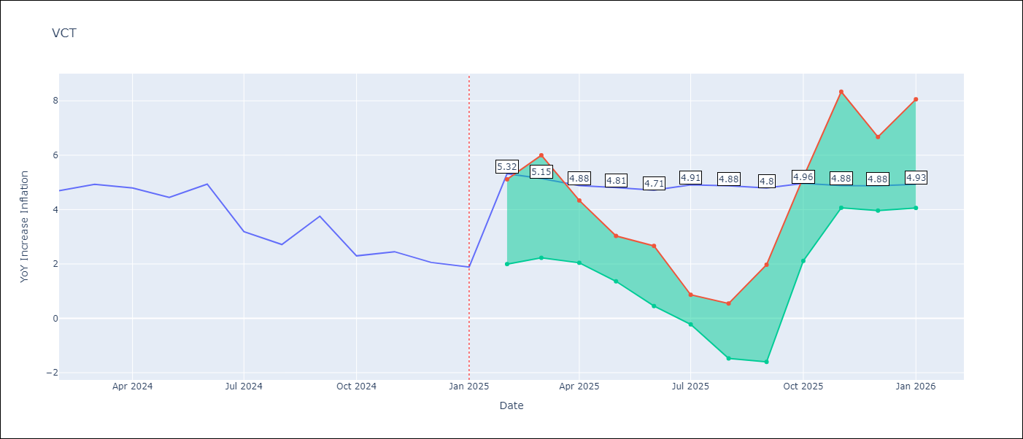

Test Metrics
RMSE | 1.37
Naive RMSE | 0.8
MAPE | 46.17%

Test Predictions
Date | Predicted | Actual
2024-02-01 | 4.24 | 4.69
2024-03-01 | 4.25 | 4.93
2024-04-01 | 4.19 | 4.8
2024-05-01 | 4.39 | 4.45
2024-06-01 | 4.43 | 4.94
2024-07-01 | 4.6 | 3.19
2024-08-01 | 4.31 | 2.72
2024-09-01 | 4.33 | 3.75
2024-10-01 | 4.2 | 2.3
2024-11-01 | 4.24 | 2.45
2024-12-01 | 4.26 | 2.06
2025-01-01 | 4.07 | 1.89

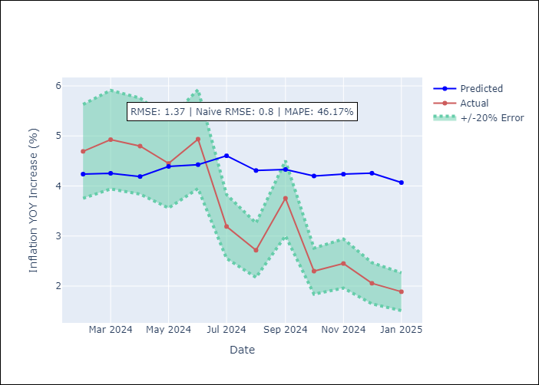

Appendix A: Model Summary
Model | Random Forest
Sample | 2004-01-01 to 2025-01-01
No. of Observations | 253
Terms | P-value (Statistical significance)

Assumptions | P-value

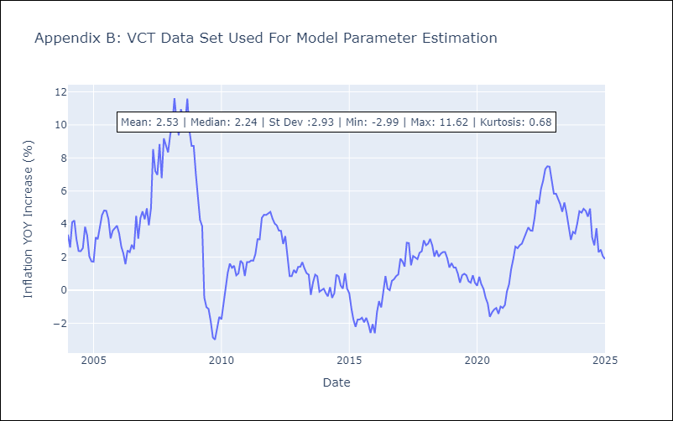

Appendix C: Residuals Analysis
Mean

