CAR13
CAR13 - Inflation - Next 12 months forecast as of: 2025-04-01

Model | Random Forest - [(2, 1, 0), (0, 0, 1, 12)]
Training Data | 1993-01-01 to 2024-05-01
Test Data | 2024-05-01 to 2025-04-01

Date | Inflation Change YoY % | Lower Bound - 95% Confidence Interval | Upper Bound - 95% Confidence Interval
2025-05-01 | 5.07 | 2.24 | 4.42
2025-06-01 | 5.06 | 4.39 | 7.44
2025-07-01 | 5.01 | 5.19 | 7.17
2025-08-01 | 5.07 | 5.73 | 8.06
2025-09-01 | 5.27 | 5.86 | 7.98
2025-10-01 | 5.48 | 6.95 | 8.45
2025-11-01 | 5.74 | 4.21 | 7.46
2025-12-01 | 5.74 | 3.51 | 7.66
2026-01-01 | 5.72 | 4.75 | 10.59
2026-02-01 | 5.57 | 5.68 | 8.16
2026-03-01 | 5.31 | 4.38 | 6.46
2026-04-01 | 4.96 | 4.38 | 6.78

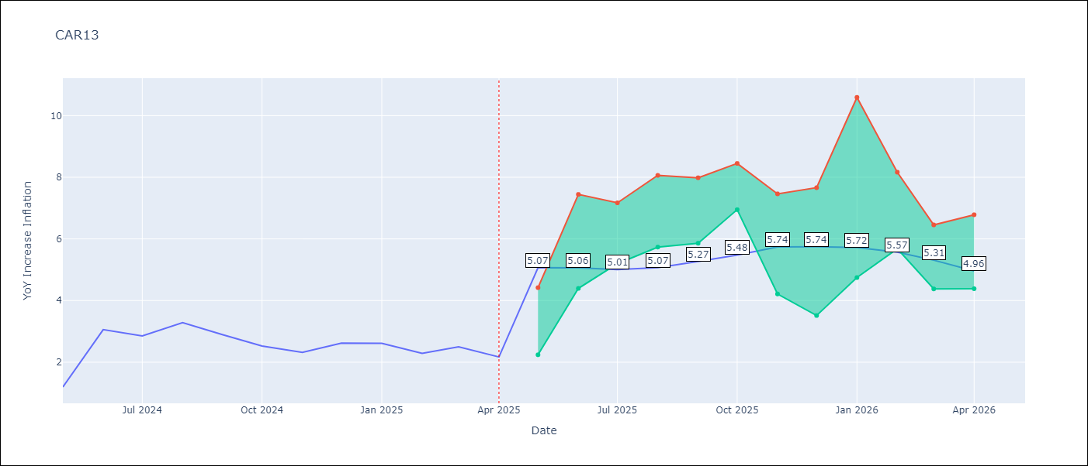

Test Metrics
RMSE | 1.13
Naive RMSE | 0.63
MAPE | 45.1%

Test Predictions
Date | Predicted | Actual
2024-05-01 | 2.83 | 1.19
2024-06-01 | 2.53 | 3.06
2024-07-01 | 2.97 | 2.85
2024-08-01 | 3.12 | 3.29
2024-09-01 | 3.38 | 2.89
2024-10-01 | 3.55 | 2.53
2024-11-01 | 3.56 | 2.32
2024-12-01 | 3.58 | 2.62
2025-01-01 | 3.74 | 2.61
2025-02-01 | 3.85 | 2.29
2025-03-01 | 3.91 | 2.5
2025-04-01 | 3.87 | 2.17

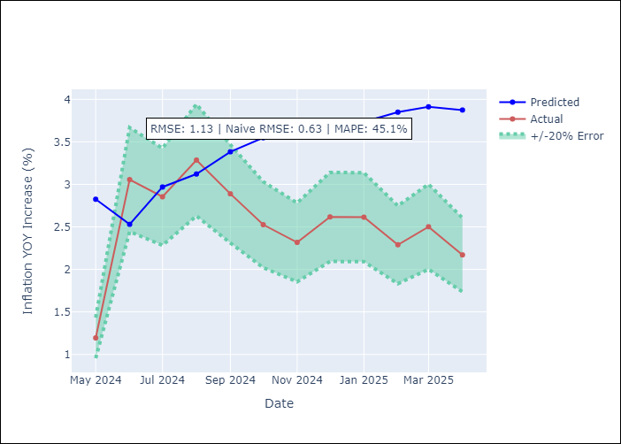

Appendix A: Model Summary
Model | Random Forest
Sample | 1993-01-01 to 2025-04-01
No. of Observations | 388
Terms | P-value (Statistical significance)

Assumptions | P-value

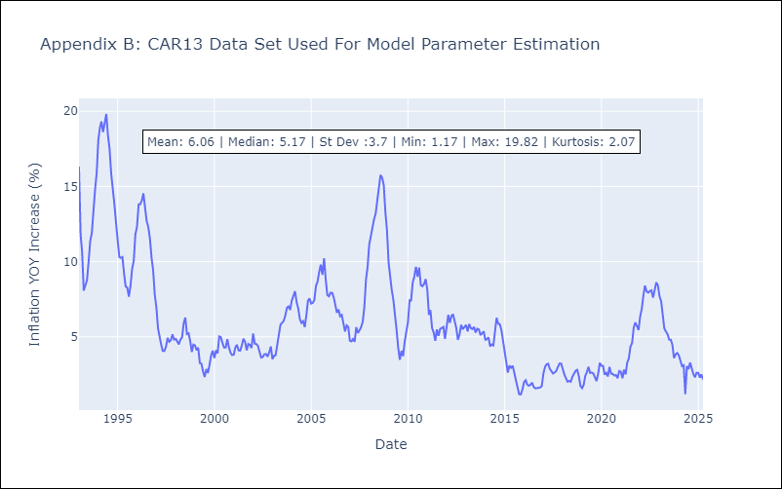

Appendix C: Residuals Analysis
Mean

CEN09
CEN09 - Inflation - Next 12 months forecast as of: 2025-04-01

Model | Random Forest - [(1, 1, 0), (0, 0, 0, 12)]
Training Data | 1992-01-01 to 2024-05-01
Test Data | 2024-05-01 to 2025-04-01

Date | Inflation Change YoY % | Lower Bound - 95% Confidence Interval | Upper Bound - 95% Confidence Interval
2025-05-01 | 6.28 | 1.83 | 7.09
2025-06-01 | 5.76 | 6.1 | 11.86
2025-07-01 | 5.1 | 6.42 | 14.8
2025-08-01 | 4.45 | 5.63 | 15.41
2025-09-01 | 3.84 | 5.32 | 11.09
2025-10-01 | 3.5 | 5.63 | 8.67
2025-11-01 | 3.36 | 4.02 | 6.4
2025-12-01 | 3.24 | 4.54 | 8.05
2026-01-01 | 3.15 | 4.99 | 8.76
2026-02-01 | 3.13 | 3.55 | 6.05
2026-03-01 | 3.23 | 4.87 | 8.03
2026-04-01 | 3.32 | 2.54 | 6.75

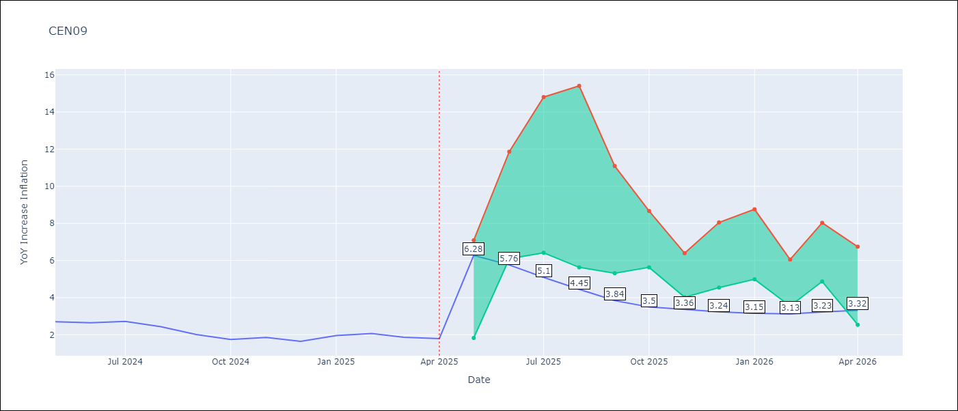

Test Metrics
RMSE | 0.7
Naive RMSE | 0.22
MAPE | 23.18%

Test Predictions
Date | Predicted | Actual
2024-05-01 | 2.24 | 2.71
2024-06-01 | 2.05 | 2.65
2024-07-01 | 1.83 | 2.72
2024-08-01 | 1.81 | 2.44
2024-09-01 | 1.8 | 2.01
2024-10-01 | 1.72 | 1.75
2024-11-01 | 1.89 | 1.85
2024-12-01 | 2.3 | 1.65
2025-01-01 | 2.54 | 1.96
2025-02-01 | 2.77 | 2.07
2025-03-01 | 2.96 | 1.87
2025-04-01 | 3.03 | 1.8

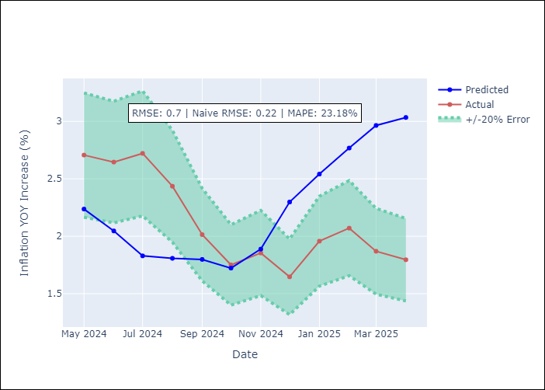

Appendix A: Model Summary
Model | Random Forest
Sample | 1992-01-01 to 2025-04-01
No. of Observations | 400
Terms | P-value (Statistical significance)

Assumptions | P-value

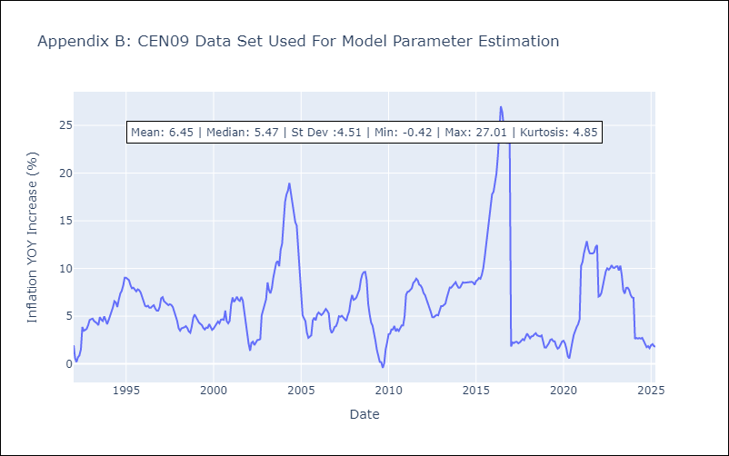

Appendix C: Residuals Analysis
Mean

CEN10
CEN10 - Inflation - Next 12 months forecast as of: 2025-04-01

Model | Random Forest - [(1, 1, 1), (0, 0, 1, 12)]
Training Data | 1992-01-01 to 2024-05-01
Test Data | 2024-05-01 to 2025-04-01

Date | Inflation Change YoY % | Lower Bound - 95% Confidence Interval | Upper Bound - 95% Confidence Interval
2025-05-01 | 10.72 | 1.14 | 1.67
2025-06-01 | 10.47 | 1.54 | 2.63
2025-07-01 | 10.16 | 2.56 | 13.05
2025-08-01 | 9.74 | 6.23 | 11.53
2025-09-01 | 9.55 | 9.31 | 14.33
2025-10-01 | 9.43 | 7.3 | 13.17
2025-11-01 | 9.36 | 7 | 10.12
2025-12-01 | 9.25 | 7.41 | 13.63
2026-01-01 | 9.25 | 8.23 | 13.74
2026-02-01 | 9.19 | 9.2 | 11.71
2026-03-01 | 9.38 | 10.26 | 12.44
2026-04-01 | 9.7 | 6.54 | 11.75

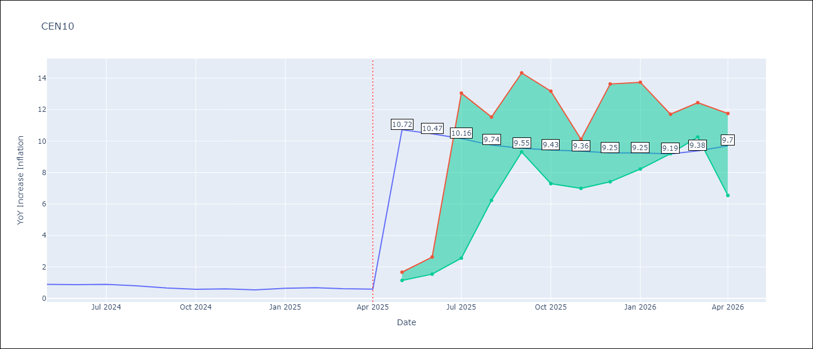

Test Metrics
RMSE | 3.63
Naive RMSE | 0.07
MAPE | 417.26%

Test Predictions
Date | Predicted | Actual
2024-05-01 | 2.9 | 0.89
2024-06-01 | 2.02 | 0.87
2024-07-01 | 1.6 | 0.9
2024-08-01 | 1.6 | 0.8
2024-09-01 | 1.38 | 0.66
2024-10-01 | 1.47 | 0.58
2024-11-01 | 2.02 | 0.61
2024-12-01 | 3.38 | 0.54
2025-01-01 | 4.75 | 0.64
2025-02-01 | 6.11 | 0.68
2025-03-01 | 7.02 | 0.62
2025-04-01 | 7.88 | 0.59

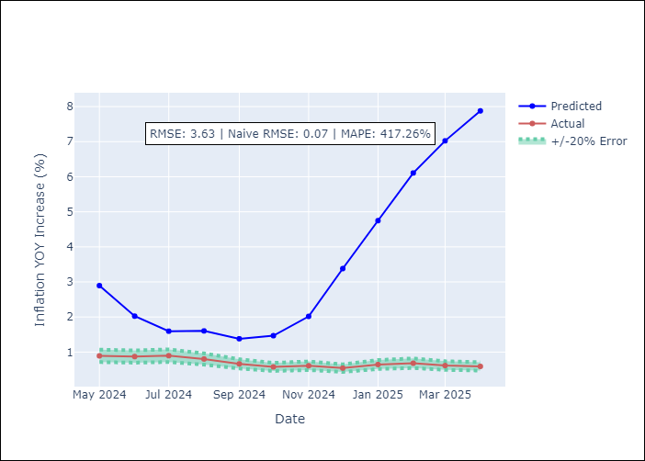

Appendix A: Model Summary
Model | Random Forest
Sample | 1992-01-01 to 2025-04-01
No. of Observations | 400
Terms | P-value (Statistical significance)

Assumptions | P-value

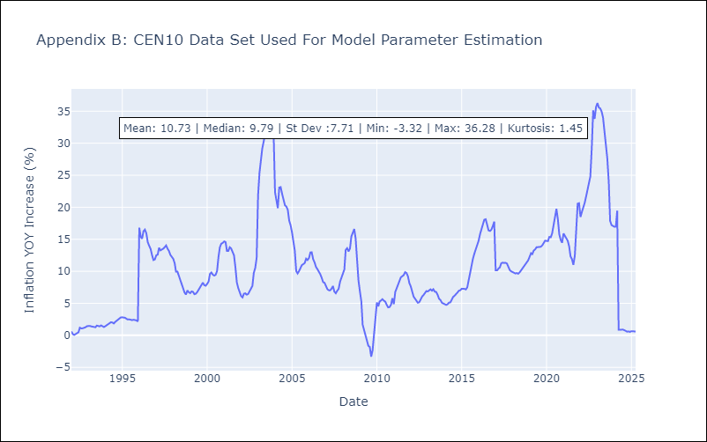

Appendix C: Residuals Analysis
Mean

R01
R01 - Inflation - Next 12 months forecast as of: 2025-04-01

Model | Random Forest - [(1, 2, 1), (1, 0, 1, 12)]
Training Data | 1998-01-01 to 2024-05-01
Test Data | 2024-05-01 to 2025-04-01

Date | Inflation Change YoY % | Lower Bound - 95% Confidence Interval | Upper Bound - 95% Confidence Interval
2025-05-01 | 7.32 | 3.66 | 6.06
2025-06-01 | 7.22 | 5.49 | 7.65
2025-07-01 | 7.08 | 6.27 | 7.95
2025-08-01 | 6.9 | 6.52 | 8.66
2025-09-01 | 6.76 | 7.12 | 12.96
2025-10-01 | 6.66 | 6.75 | 16.15
2025-11-01 | 6.63 | 10.05 | 16.23
2025-12-01 | 6.65 | 7.04 | 15.26
2026-01-01 | 6.7 | 3.52 | 8.23
2026-02-01 | 6.79 | 4.32 | 8.34
2026-03-01 | 6.92 | 6.77 | 8.09
2026-04-01 | 7 | 5.75 | 7.74

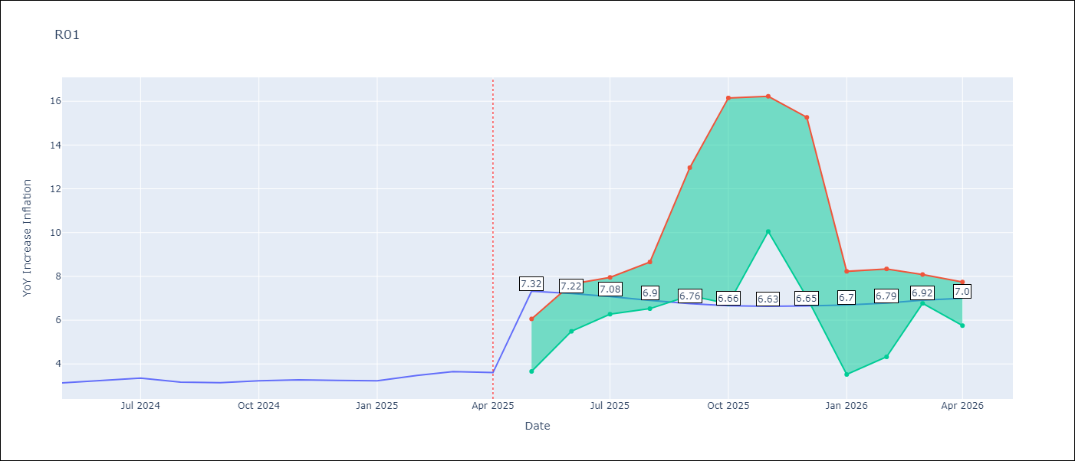

Test Metrics
RMSE | 0.7
Naive RMSE | 0.12
MAPE | 18.98%

Test Predictions
Date | Predicted | Actual
2024-05-01 | 3.83 | 3.13
2024-06-01 | 3.46 | 3.24
2024-07-01 | 3.2 | 3.36
2024-08-01 | 2.96 | 3.17
2024-09-01 | 2.9 | 3.15
2024-10-01 | 3.02 | 3.23
2024-11-01 | 3.21 | 3.28
2024-12-01 | 3.67 | 3.25
2025-01-01 | 4.07 | 3.23
2025-02-01 | 4.48 | 3.48
2025-03-01 | 4.83 | 3.65
2025-04-01 | 4.97 | 3.6

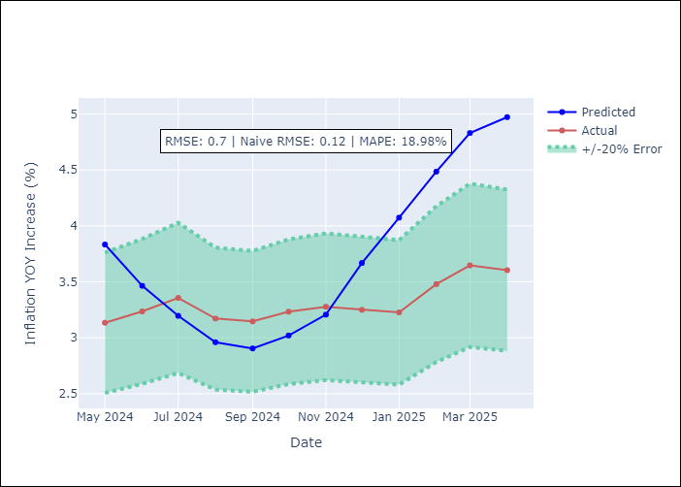

Appendix A: Model Summary
Model | Random Forest
Sample | 1998-01-01 to 2025-04-01
No. of Observations | 328
Terms | P-value (Statistical significance)

Assumptions | P-value



Appendix C: Residuals Analysis
Mean

R02
R02 - Inflation - Next 12 months forecast as of: 2025-04-01

Model | Random Forest - [(3, 1, 0), (1, 0, 1, 12)]
Training Data | 1998-01-01 to 2024-05-01
Test Data | 2024-05-01 to 2025-04-01

Date | Inflation Change YoY % | Lower Bound - 95% Confidence Interval | Upper Bound - 95% Confidence Interval
2025-05-01 | 8.93 | 3.24 | 5.97
2025-06-01 | 9.41 | 5.23 | 7.35
2025-07-01 | 9.85 | 6.36 | 7.75
2025-08-01 | 10.16 | 6.74 | 8.42
2025-09-01 | 10.41 | 6.01 | 9.64
2025-10-01 | 10.64 | 7.82 | 13.68
2025-11-01 | 10.89 | 9.94 | 16.76
2025-12-01 | 11.07 | 5.95 | 15.28
2026-01-01 | 11.25 | 4.49 | 7.08
2026-02-01 | 11.34 | 4.9 | 6.79
2026-03-01 | 11.46 | 6.41 | 9.08
2026-04-01 | 11.54 | 8.36 | 12.24

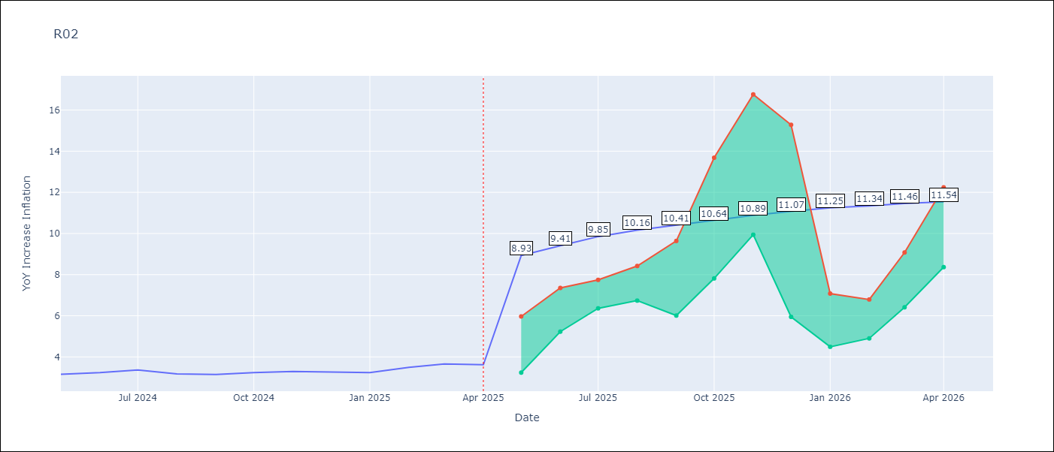

Test Metrics
RMSE | 0.7
Naive RMSE | 0.12
MAPE | 19.41%

Test Predictions
Date | Predicted | Actual
2024-05-01 | 3.84 | 3.16
2024-06-01 | 3.45 | 3.24
2024-07-01 | 3.14 | 3.36
2024-08-01 | 2.92 | 3.17
2024-09-01 | 2.82 | 3.15
2024-10-01 | 2.86 | 3.24
2024-11-01 | 3 | 3.29
2024-12-01 | 3.4 | 3.26
2025-01-01 | 3.93 | 3.23
2025-02-01 | 4.41 | 3.49
2025-03-01 | 4.84 | 3.66
2025-04-01 | 5.08 | 3.62

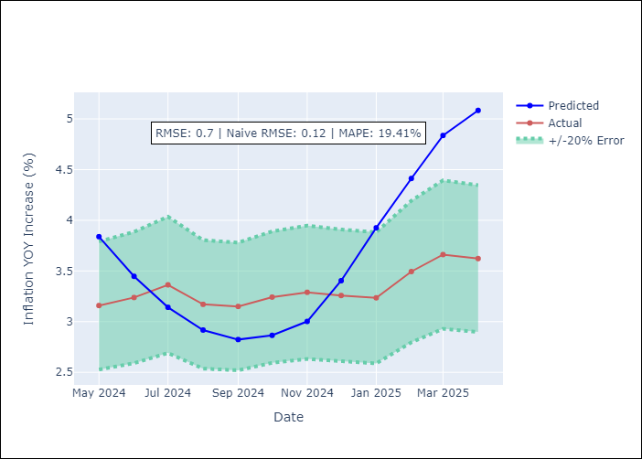

Appendix A: Model Summary
Model | Random Forest
Sample | 1998-01-01 to 2025-04-01
No. of Observations | 328
Terms | P-value (Statistical significance)

Assumptions | P-value

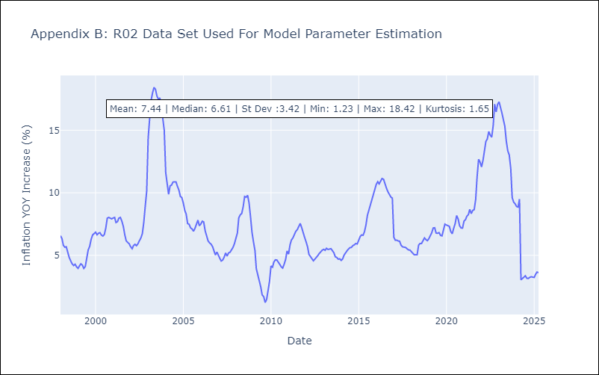

Appendix C: Residuals Analysis
Mean

R07
R07 - Inflation - Next 12 months forecast as of: 2025-04-01

Model | Random Forest - [(2, 1, 0), (0, 0, 1, 12)]
Training Data | 1993-01-01 to 2024-05-01
Test Data | 2024-05-01 to 2025-04-01

Date | Inflation Change YoY % | Lower Bound - 95% Confidence Interval | Upper Bound - 95% Confidence Interval
2025-05-01 | 6.12 | 2.18 | 4.62
2025-06-01 | 6.1 | 4.41 | 7.58
2025-07-01 | 6.22 | 6.06 | 7.56
2025-08-01 | 6.36 | 6.63 | 8.98
2025-09-01 | 6.55 | 4.56 | 7.85
2025-10-01 | 6.64 | 3.71 | 7.59
2025-11-01 | 6.72 | 5.42 | 8.97
2025-12-01 | 6.8 | 6.03 | 8.7
2026-01-01 | 6.83 | 6.16 | 9.26
2026-02-01 | 7.01 | 5.1 | 6.51
2026-03-01 | 7.23 | 5.26 | 7.91
2026-04-01 | 7.35 | 5.71 | 7.67

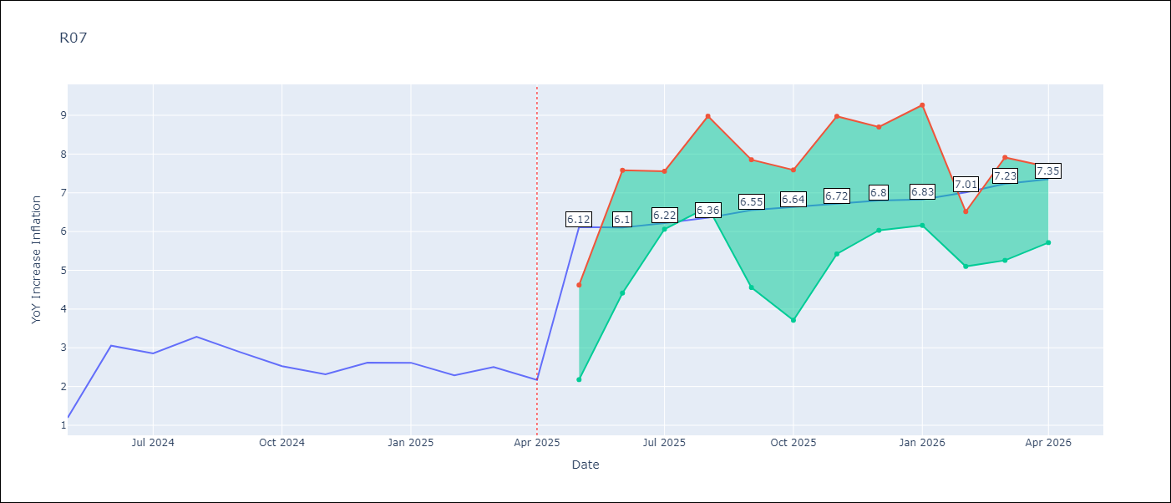

Test Metrics
RMSE | 0.97
Naive RMSE | 0.63
MAPE | 37.6%

Test Predictions
Date | Predicted | Actual
2024-05-01 | 2.84 | 1.19
2024-06-01 | 2.31 | 3.06
2024-07-01 | 2.85 | 2.85
2024-08-01 | 2.96 | 3.29
2024-09-01 | 3.22 | 2.89
2024-10-01 | 3.33 | 2.53
2024-11-01 | 3.35 | 2.32
2024-12-01 | 3.31 | 2.62
2025-01-01 | 3.51 | 2.61
2025-02-01 | 3.56 | 2.29
2025-03-01 | 3.59 | 2.5
2025-04-01 | 3.59 | 2.17

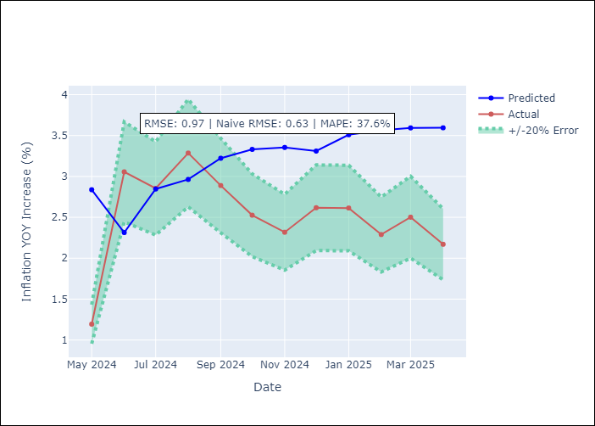

Appendix A: Model Summary
Model | Random Forest
Sample | 1993-01-01 to 2025-04-01
No. of Observations | 388
Terms | P-value (Statistical significance)

Assumptions | P-value



Appendix C: Residuals Analysis
Mean

SUR10
SUR10 - Inflation - Next 12 months forecast as of: 2025-04-01

Model | Random Forest - [(3, 2, 1), (2, 0, 1, 12)]
Training Data | 1998-01-01 to 2024-05-01
Test Data | 2024-05-01 to 2025-04-01

Date | Inflation Change YoY % | Lower Bound - 95% Confidence Interval | Upper Bound - 95% Confidence Interval
2025-05-01 | 6.15 | 4.96 | 5.94
2025-06-01 | 5.61 | 5.72 | 9.23
2025-07-01 | 5.15 | 5.16 | 9.96
2025-08-01 | 5.04 | 3.4 | 5.21
2025-09-01 | 5.06 | 3.49 | 4.69
2025-10-01 | 5.3 | 4.35 | 6.28
2025-11-01 | 5.34 | 4.44 | 6.91
2025-12-01 | 5.27 | 4.46 | 5.05
2026-01-01 | 5.1 | 4.62 | 5.61
2026-02-01 | 4.97 | 5.47 | 8.21
2026-03-01 | 4.85 | 6.29 | 10.78
2026-04-01 | 4.71 | 4.41 | 6.31

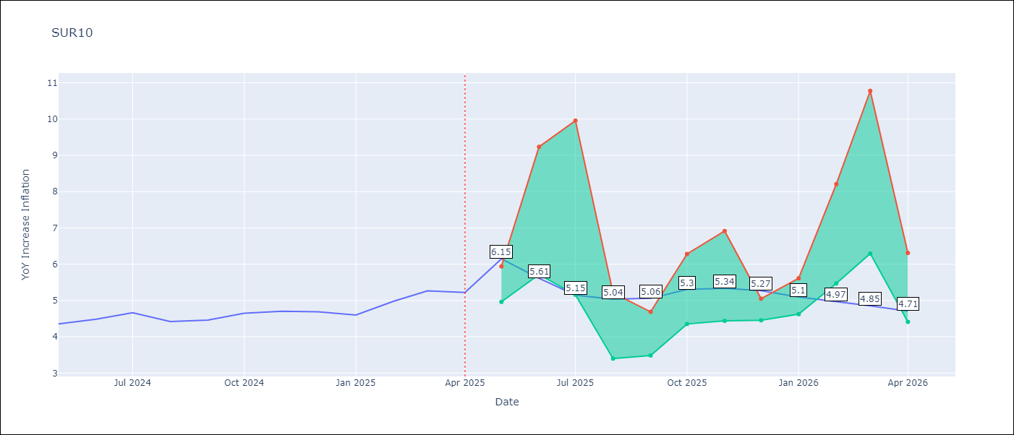

Test Metrics
RMSE | 0.22
Naive RMSE | 0.19
MAPE | 7.09%

Test Predictions
Date | Predicted | Actual
2024-05-01 | 4.54 | 4.35
2024-06-01 | 4.62 | 4.49
2024-07-01 | 4.66 | 4.66
2024-08-01 | 4.67 | 4.42
2024-09-01 | 4.65 | 4.46
2024-10-01 | 4.76 | 4.65
2024-11-01 | 4.9 | 4.7
2024-12-01 | 5.02 | 4.69
2025-01-01 | 5.07 | 4.6
2025-02-01 | 5.1 | 4.98
2025-03-01 | 5.17 | 5.27
2025-04-01 | 5.27 | 5.22

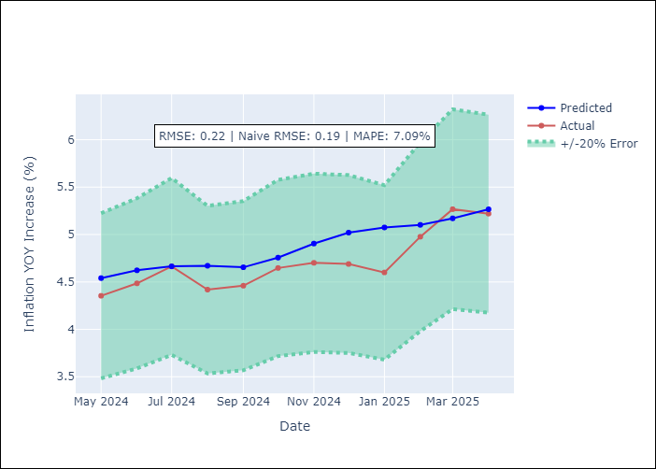

Appendix A: Model Summary
Model | Random Forest
Sample | 1998-01-01 to 2025-04-01
No. of Observations | 328
Terms | P-value (Statistical significance)

Assumptions | P-value

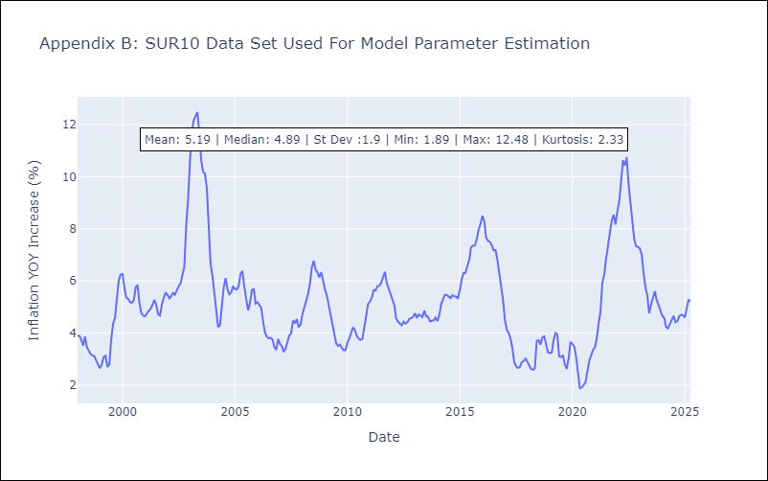

Appendix C: Residuals Analysis
Mean

