CAR13
CAR13 - Inflation - Next 12 months forecast as of: 2025-04-01

Model | Random Forest - [(2, 1, 0), (0, 0, 1, 12)]
Training Data | 1993-01-01 to 2024-05-01
Test Data | 2024-05-01 to 2025-04-01

Date | Inflation Change YoY % | Lower Bound - 95% Confidence Interval | Upper Bound - 95% Confidence Interval
2025-05-01 | 4.37 | 2.1 | 4.32
2025-06-01 | 4.39 | 4.22 | 7.74
2025-07-01 | 4.36 | 5.98 | 7.66
2025-08-01 | 4.4 | 6.13 | 8.49
2025-09-01 | 4.36 | 5.34 | 8.08
2025-10-01 | 4.31 | 4.36 | 6.51
2025-11-01 | 4.42 | 4.02 | 7.91
2025-12-01 | 4.38 | 3.68 | 6.11
2026-01-01 | 4.27 | 4.01 | 4.78
2026-02-01 | 4.24 | 3.95 | 4.67
2026-03-01 | 4.18 | 3.99 | 4.56
2026-04-01 | 4.18 | 4.01 | 4.55

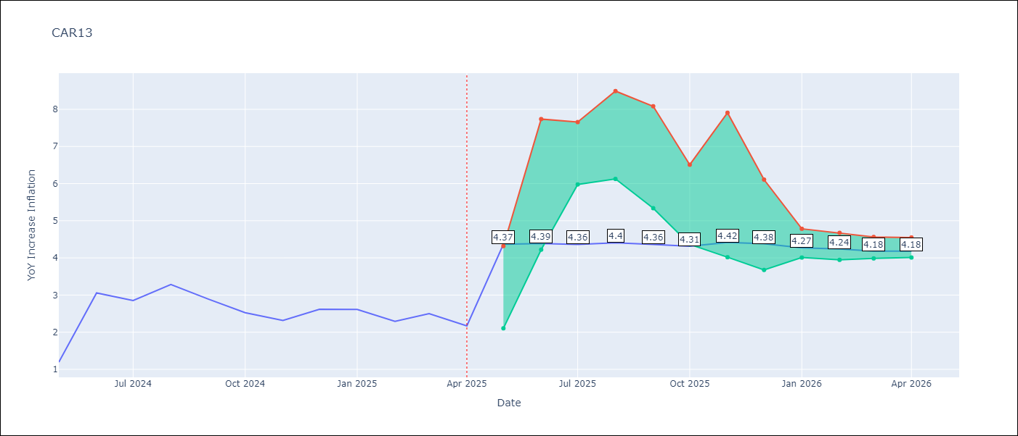

Test Metrics
RMSE | 1.1
Naive RMSE | 0.63
MAPE | 42.85%

Test Predictions
Date | Predicted | Actual
2024-05-01 | 2.73 | 1.19
2024-06-01 | 2.44 | 3.06
2024-07-01 | 2.76 | 2.85
2024-08-01 | 2.98 | 3.29
2024-09-01 | 3.28 | 2.89
2024-10-01 | 3.48 | 2.53
2024-11-01 | 3.46 | 2.32
2024-12-01 | 3.49 | 2.62
2025-01-01 | 3.69 | 2.61
2025-02-01 | 3.86 | 2.29
2025-03-01 | 3.96 | 2.5
2025-04-01 | 3.86 | 2.17

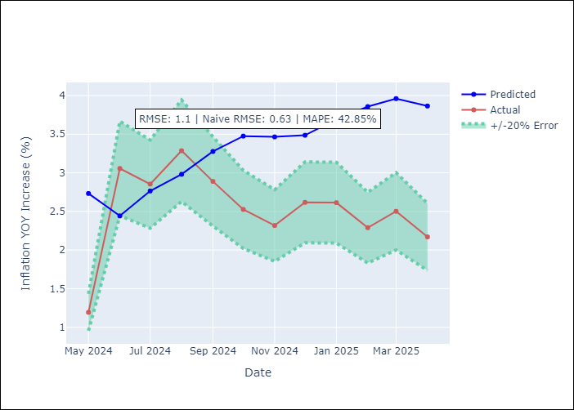

Appendix A: Model Summary
Model | Random Forest
Sample | 1993-01-01 to 2025-04-01
No. of Observations | 388
Terms | P-value (Statistical significance)

Assumptions | P-value

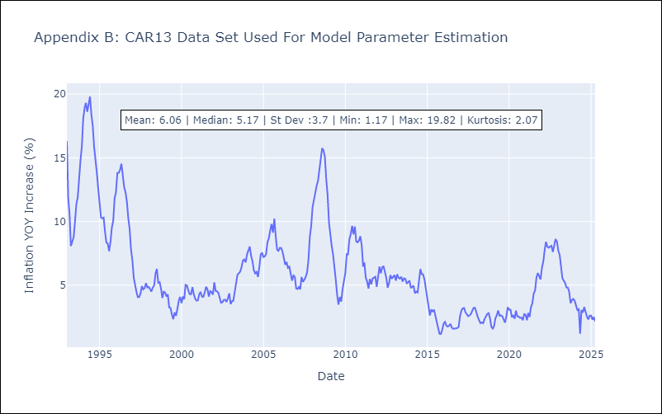

Appendix C: Residuals Analysis
Mean

CEN09
CEN09 - Inflation - Next 12 months forecast as of: 2025-04-01

Model | Random Forest - [(1, 1, 0), (0, 0, 0, 12)]
Training Data | 1992-01-01 to 2024-05-01
Test Data | 2024-05-01 to 2025-04-01

Date | Inflation Change YoY % | Lower Bound - 95% Confidence Interval | Upper Bound - 95% Confidence Interval
2025-05-01 | 6.82 | 1.78 | 6.97
2025-06-01 | 7.16 | 6.01 | 11.2
2025-07-01 | 7.38 | 6.3 | 12.95
2025-08-01 | 7.67 | 6.28 | 14.11
2025-09-01 | 7.96 | 3.66 | 8.22
2025-10-01 | 8.08 | 3.28 | 5.19
2025-11-01 | 7.97 | 4.7 | 7.57
2025-12-01 | 7.72 | 3.8 | 8.34
2026-01-01 | 7.37 | 4.38 | 7.29
2026-02-01 | 7.13 | 3.75 | 7.73
2026-03-01 | 7.02 | 3.8 | 6.65
2026-04-01 | 6.99 | 5.39 | 8.18

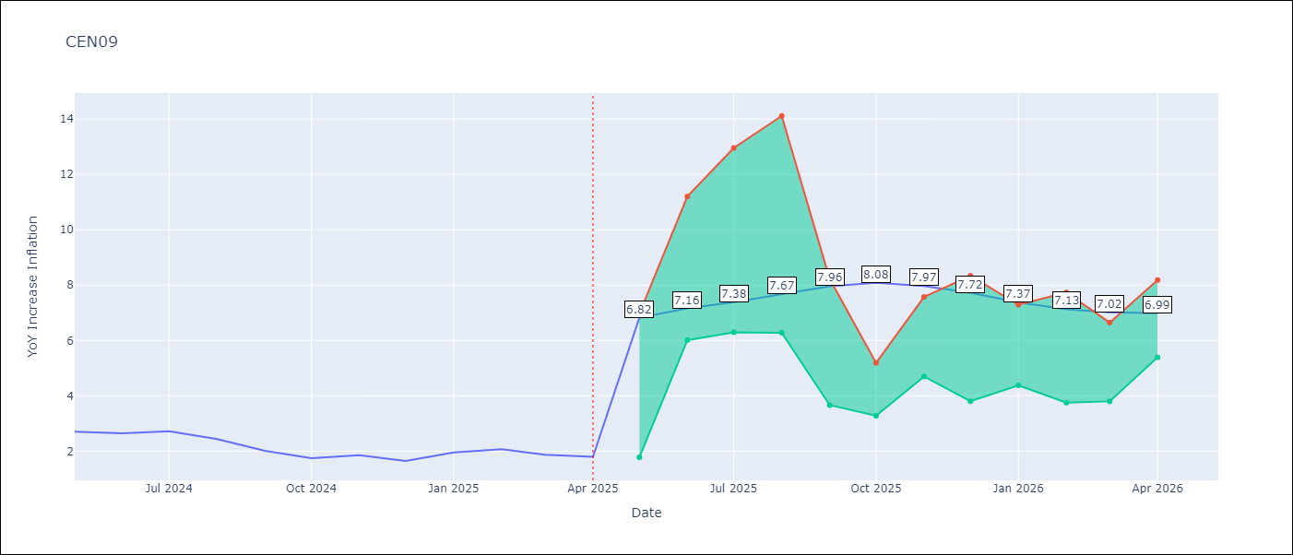

Test Metrics
RMSE | 0.88
Naive RMSE | 0.22
MAPE | 27.98%

Test Predictions
Date | Predicted | Actual
2024-05-01 | 2.09 | 2.71
2024-06-01 | 1.9 | 2.65
2024-07-01 | 1.79 | 2.72
2024-08-01 | 1.75 | 2.44
2024-09-01 | 1.77 | 2.01
2024-10-01 | 1.85 | 1.75
2024-11-01 | 2.1 | 1.85
2024-12-01 | 2.45 | 1.65
2025-01-01 | 2.78 | 1.96
2025-02-01 | 3.01 | 2.07
2025-03-01 | 3.29 | 1.87
2025-04-01 | 3.46 | 1.8

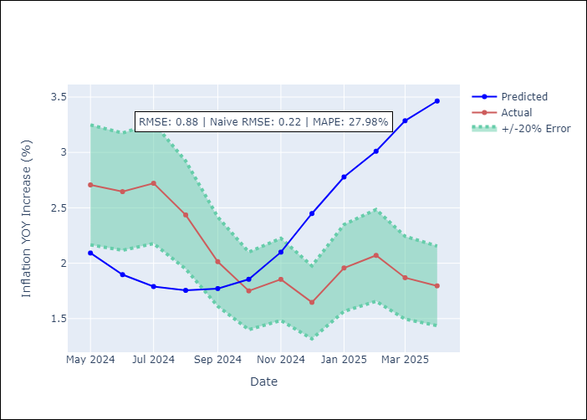

Appendix A: Model Summary
Model | Random Forest
Sample | 1992-01-01 to 2025-04-01
No. of Observations | 400
Terms | P-value (Statistical significance)

Assumptions | P-value

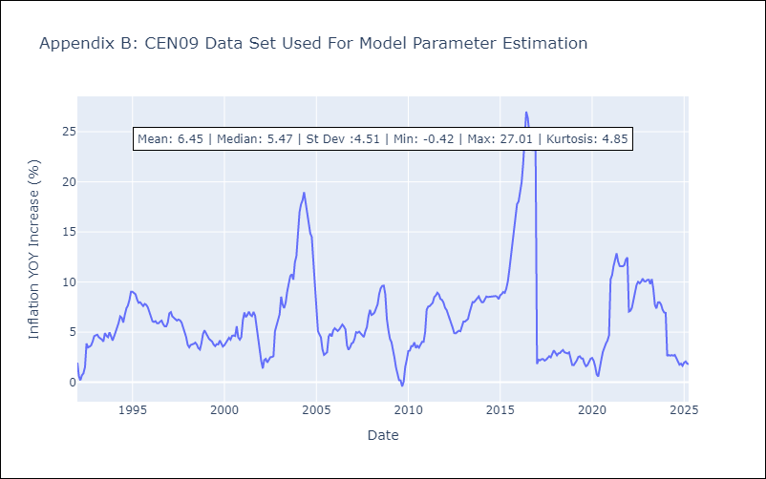

Appendix C: Residuals Analysis
Mean

CEN10
CEN10 - Inflation - Next 12 months forecast as of: 2025-04-01

Model | Random Forest - [(1, 1, 1), (0, 0, 1, 12)]
Training Data | 1992-01-01 to 2024-05-01
Test Data | 2024-05-01 to 2025-04-01

Date | Inflation Change YoY % | Lower Bound - 95% Confidence Interval | Upper Bound - 95% Confidence Interval
2025-05-01 | 9.17 | 1.08 | 1.67
2025-06-01 | 9.31 | 1.58 | 2.62
2025-07-01 | 9.49 | 2.49 | 15.26
2025-08-01 | 9.61 | 9.34 | 16.63
2025-09-01 | 9.78 | 8.24 | 10.95
2025-10-01 | 9.95 | 10.36 | 13.51
2025-11-01 | 10.04 | 8.35 | 13.04
2025-12-01 | 10.13 | 8.56 | 11.07
2026-01-01 | 10.15 | 10.04 | 13.58
2026-02-01 | 10.35 | 8.73 | 14.2
2026-03-01 | 10.63 | 8.13 | 11.02
2026-04-01 | 10.87 | 7.69 | 12.03

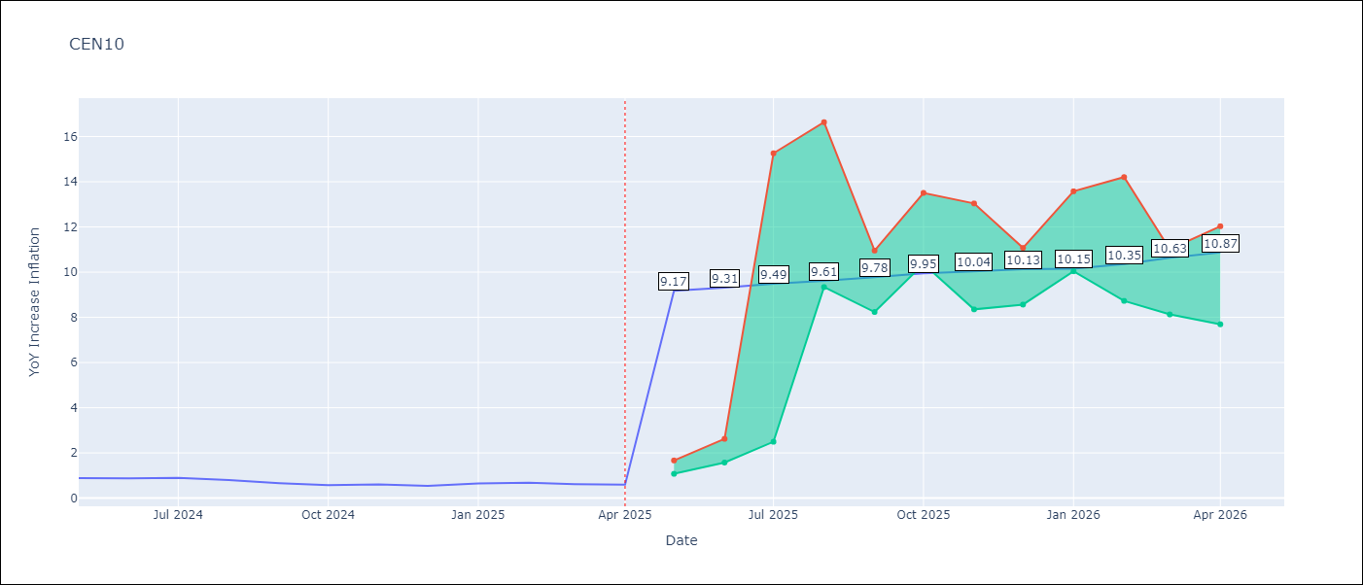

Test Metrics
RMSE | 3.48
Naive RMSE | 0.07
MAPE | 417.93%

Test Predictions
Date | Predicted | Actual
2024-05-01 | 3.27 | 0.89
2024-06-01 | 2.35 | 0.87
2024-07-01 | 1.89 | 0.9
2024-08-01 | 1.54 | 0.8
2024-09-01 | 1.57 | 0.66
2024-10-01 | 1.64 | 0.58
2024-11-01 | 2.18 | 0.61
2024-12-01 | 3.37 | 0.54
2025-01-01 | 4.53 | 0.64
2025-02-01 | 5.95 | 0.68
2025-03-01 | 6.66 | 0.62
2025-04-01 | 7.22 | 0.59

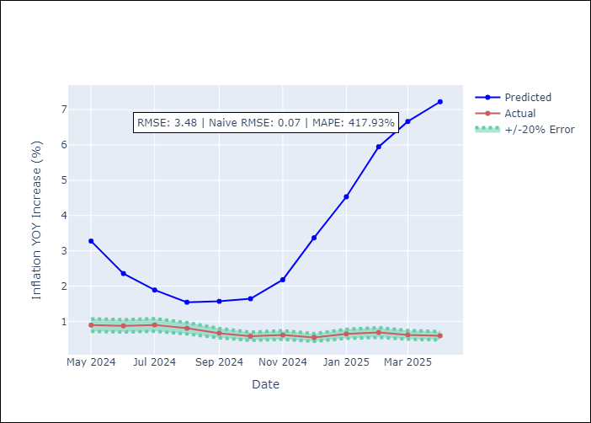

Appendix A: Model Summary
Model | Random Forest
Sample | 1992-01-01 to 2025-04-01
No. of Observations | 400
Terms | P-value (Statistical significance)

Assumptions | P-value

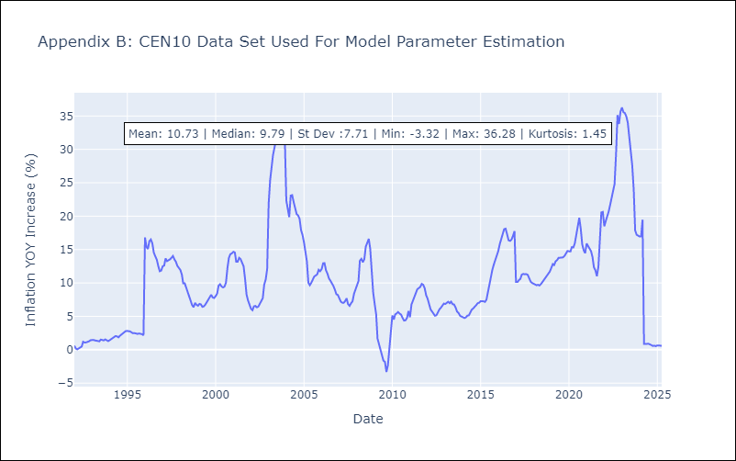

Appendix C: Residuals Analysis
Mean

R01
R01 - Inflation - Next 12 months forecast as of: 2025-04-01

Model | Random Forest - [(1, 2, 1), (1, 0, 1, 12)]
Training Data | 1998-01-01 to 2024-05-01
Test Data | 2024-05-01 to 2025-04-01

Date | Inflation Change YoY % | Lower Bound - 95% Confidence Interval | Upper Bound - 95% Confidence Interval
2025-05-01 | 7.09 | 3.52 | 6.13
2025-06-01 | 7.12 | 5.39 | 7.66
2025-07-01 | 7.18 | 6.78 | 8.81
2025-08-01 | 7.37 | 6 | 7.87
2025-09-01 | 7.46 | 7.04 | 9.6
2025-10-01 | 7.46 | 7.42 | 14.08
2025-11-01 | 7.43 | 10.34 | 16.61
2025-12-01 | 7.38 | 4.7 | 14.29
2026-01-01 | 7.39 | 2.44 | 7.38
2026-02-01 | 7.4 | 5.68 | 7.95
2026-03-01 | 7.48 | 6.1 | 8.62
2026-04-01 | 7.59 | 6.95 | 8.05

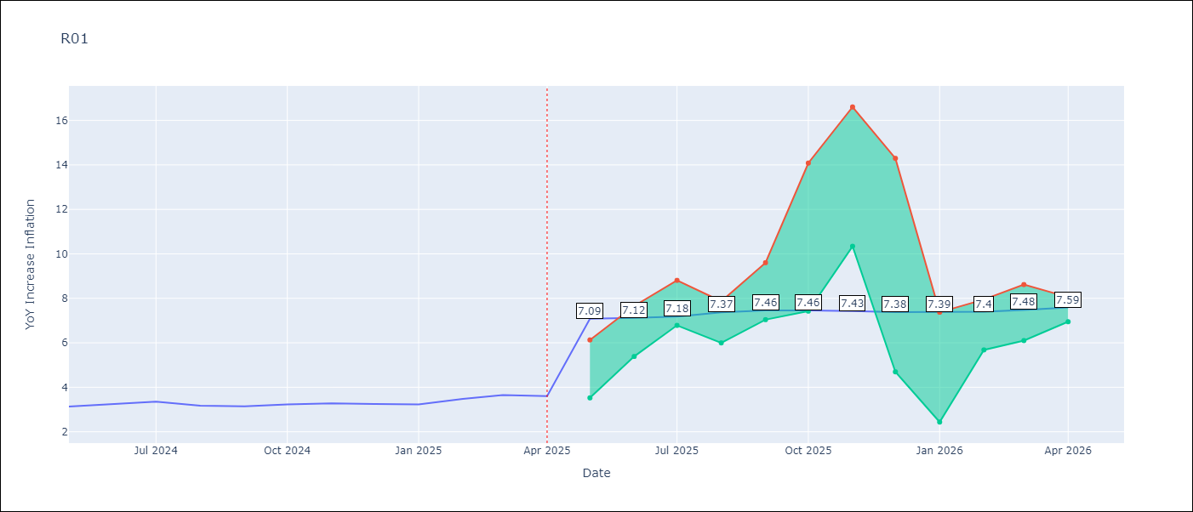

Test Metrics
RMSE | 0.69
Naive RMSE | 0.12
MAPE | 21.09%

Test Predictions
Date | Predicted | Actual
2024-05-01 | 3.62 | 3.13
2024-06-01 | 3.19 | 3.24
2024-07-01 | 2.84 | 3.36
2024-08-01 | 2.56 | 3.17
2024-09-01 | 2.43 | 3.15
2024-10-01 | 2.55 | 3.23
2024-11-01 | 2.89 | 3.28
2024-12-01 | 3.42 | 3.25
2025-01-01 | 3.94 | 3.23
2025-02-01 | 4.3 | 3.48
2025-03-01 | 4.66 | 3.65
2025-04-01 | 4.8 | 3.6

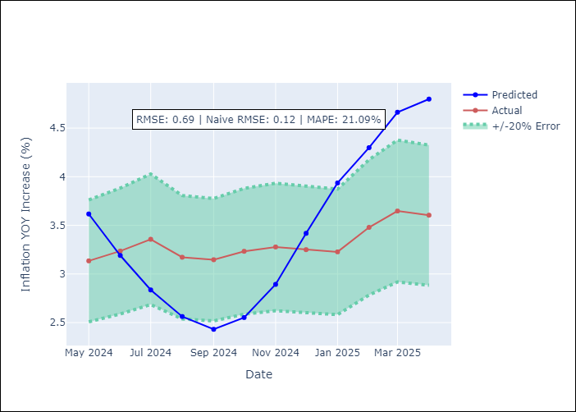

Appendix A: Model Summary
Model | Random Forest
Sample | 1998-01-01 to 2025-04-01
No. of Observations | 328
Terms | P-value (Statistical significance)

Assumptions | P-value



Appendix C: Residuals Analysis
Mean

R02
R02 - Inflation - Next 12 months forecast as of: 2025-04-01

Model | Random Forest - [(3, 1, 0), (1, 0, 1, 12)]
Training Data | 1998-01-01 to 2024-05-01
Test Data | 2024-05-01 to 2025-04-01

Date | Inflation Change YoY % | Lower Bound - 95% Confidence Interval | Upper Bound - 95% Confidence Interval
2025-05-01 | 6.8 | 3.06 | 5.98
2025-06-01 | 7.14 | 5.35 | 7.64
2025-07-01 | 7.67 | 6.37 | 8.26
2025-08-01 | 8.17 | 6.79 | 8.3
2025-09-01 | 8.49 | 5.75 | 10.88
2025-10-01 | 8.71 | 8.47 | 13.81
2025-11-01 | 8.93 | 8.8 | 16.59
2025-12-01 | 9.14 | 8.11 | 15.85
2026-01-01 | 9.3 | 3.5 | 8.98
2026-02-01 | 9.46 | 2.61 | 6.49
2026-03-01 | 9.6 | 5.04 | 7.47
2026-04-01 | 9.63 | 6.68 | 10.1

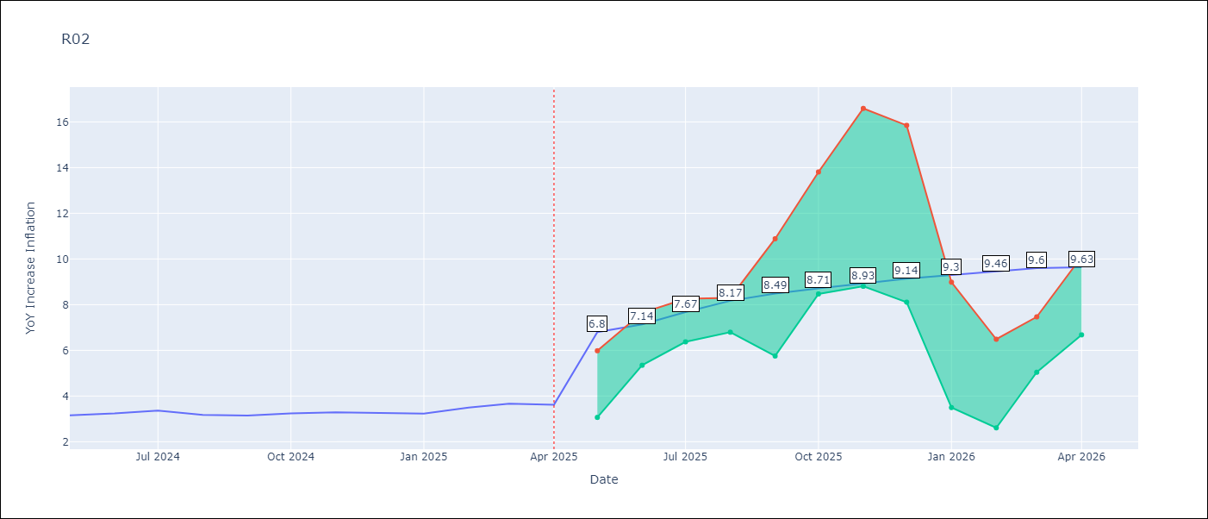

Test Metrics
RMSE | 0.79
Naive RMSE | 0.12
MAPE | 21.81%

Test Predictions
Date | Predicted | Actual
2024-05-01 | 3.78 | 3.16
2024-06-01 | 3.43 | 3.24
2024-07-01 | 3.09 | 3.36
2024-08-01 | 2.81 | 3.17
2024-09-01 | 2.71 | 3.15
2024-10-01 | 2.73 | 3.24
2024-11-01 | 2.94 | 3.29
2024-12-01 | 3.4 | 3.26
2025-01-01 | 3.98 | 3.23
2025-02-01 | 4.56 | 3.49
2025-03-01 | 4.98 | 3.66
2025-04-01 | 5.31 | 3.62

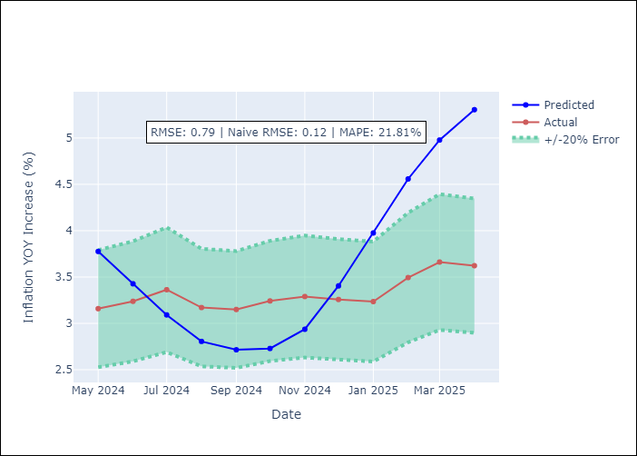

Appendix A: Model Summary
Model | Random Forest
Sample | 1998-01-01 to 2025-04-01
No. of Observations | 328
Terms | P-value (Statistical significance)

Assumptions | P-value

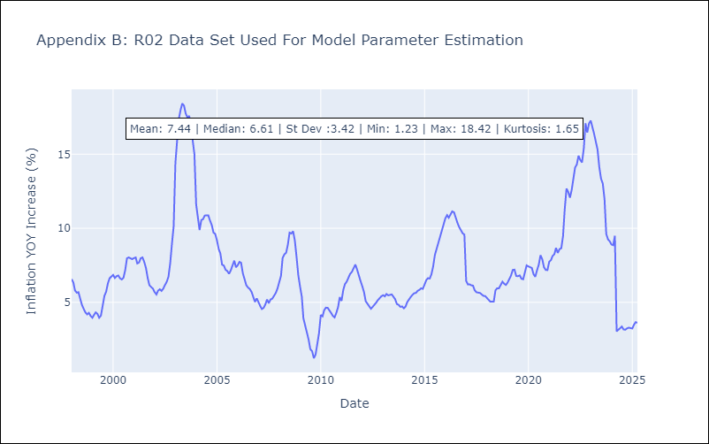

Appendix C: Residuals Analysis
Mean

R07
R07 - Inflation - Next 12 months forecast as of: 2025-04-01

Model | Random Forest - [(2, 1, 0), (0, 0, 1, 12)]
Training Data | 1993-01-01 to 2024-05-01
Test Data | 2024-05-01 to 2025-04-01

Date | Inflation Change YoY % | Lower Bound - 95% Confidence Interval | Upper Bound - 95% Confidence Interval
2025-05-01 | 4.28 | 2.12 | 4.54
2025-06-01 | 4.31 | 4.2 | 7.86
2025-07-01 | 4.26 | 6.41 | 8.11
2025-08-01 | 4.32 | 6.81 | 8.67
2025-09-01 | 4.31 | 4.46 | 8.13
2025-10-01 | 4.31 | 3.95 | 7.48
2025-11-01 | 4.31 | 4.03 | 6.79
2025-12-01 | 4.32 | 4.08 | 5.97
2026-01-01 | 4.27 | 3.53 | 5.34
2026-02-01 | 4.28 | 3.73 | 4.77
2026-03-01 | 4.31 | 3.96 | 4.52
2026-04-01 | 4.35 | 4.1 | 4.67

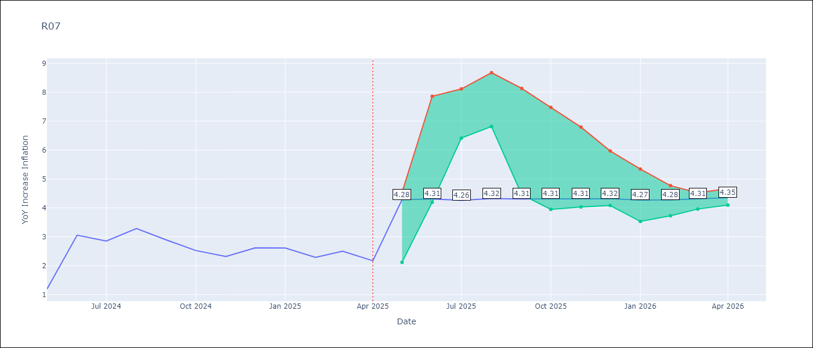

Test Metrics
RMSE | 0.92
Naive RMSE | 0.63
MAPE | 35.59%

Test Predictions
Date | Predicted | Actual
2024-05-01 | 2.75 | 1.19
2024-06-01 | 2.43 | 3.06
2024-07-01 | 2.72 | 2.85
2024-08-01 | 2.9 | 3.29
2024-09-01 | 3.13 | 2.89
2024-10-01 | 3.29 | 2.53
2024-11-01 | 3.27 | 2.32
2024-12-01 | 3.28 | 2.62
2025-01-01 | 3.41 | 2.61
2025-02-01 | 3.57 | 2.29
2025-03-01 | 3.58 | 2.5
2025-04-01 | 3.52 | 2.17

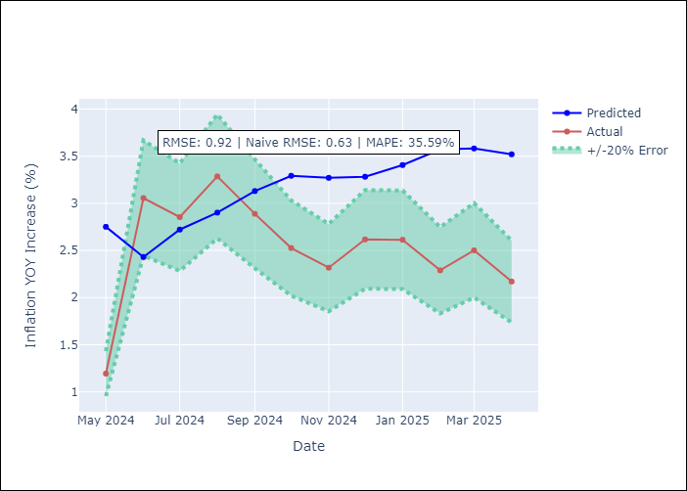

Appendix A: Model Summary
Model | Random Forest
Sample | 1993-01-01 to 2025-04-01
No. of Observations | 388
Terms | P-value (Statistical significance)

Assumptions | P-value



Appendix C: Residuals Analysis
Mean

SUR10
SUR10 - Inflation - Next 12 months forecast as of: 2025-04-01

Model | Random Forest - [(3, 2, 1), (2, 0, 1, 12)]
Training Data | 1998-01-01 to 2024-05-01
Test Data | 2024-05-01 to 2025-04-01

Date | Inflation Change YoY % | Lower Bound - 95% Confidence Interval | Upper Bound - 95% Confidence Interval
2025-05-01 | 5.72 | 4.94 | 6.07
2025-06-01 | 5.27 | 5.71 | 9.13
2025-07-01 | 5.1 | 5.27 | 9.3
2025-08-01 | 5.11 | 3.29 | 5.28
2025-09-01 | 5.21 | 3.45 | 4.43
2025-10-01 | 5.3 | 4.47 | 6.38
2025-11-01 | 5.24 | 3.84 | 6.09
2025-12-01 | 5.13 | 4.47 | 5.28
2026-01-01 | 4.97 | 4.64 | 5.73
2026-02-01 | 4.88 | 5.56 | 9.2
2026-03-01 | 4.75 | 5.87 | 10.65
2026-04-01 | 4.66 | 4.28 | 5.97

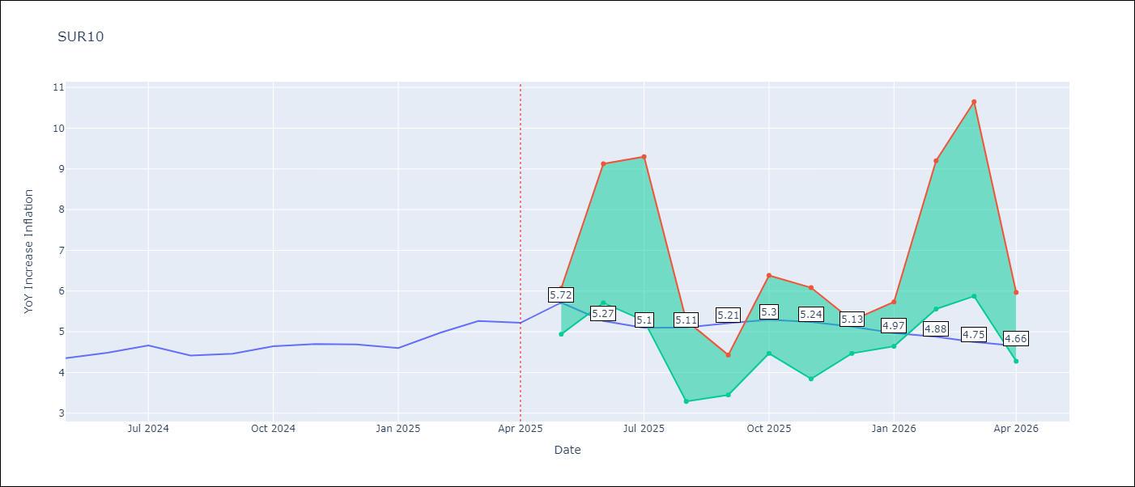

Test Metrics
RMSE | 0.23
Naive RMSE | 0.19
MAPE | 7.05%

Test Predictions
Date | Predicted | Actual
2024-05-01 | 4.61 | 4.35
2024-06-01 | 4.7 | 4.49
2024-07-01 | 4.72 | 4.66
2024-08-01 | 4.74 | 4.42
2024-09-01 | 4.71 | 4.46
2024-10-01 | 4.78 | 4.65
2024-11-01 | 4.9 | 4.7
2024-12-01 | 4.98 | 4.69
2025-01-01 | 5.02 | 4.6
2025-02-01 | 5.05 | 4.98
2025-03-01 | 5.18 | 5.27
2025-04-01 | 5.28 | 5.22

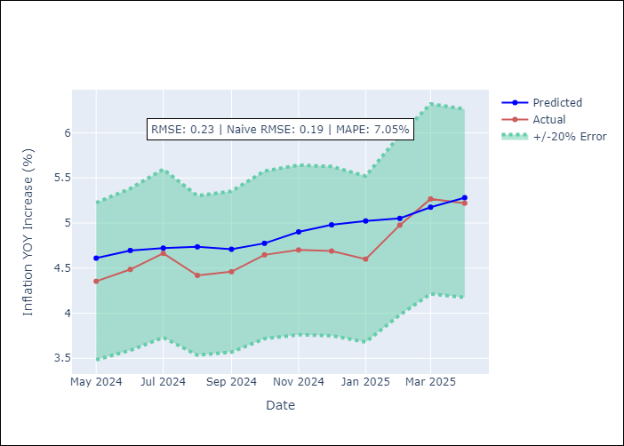

Appendix A: Model Summary
Model | Random Forest
Sample | 1998-01-01 to 2025-04-01
No. of Observations | 328
Terms | P-value (Statistical significance)

Assumptions | P-value

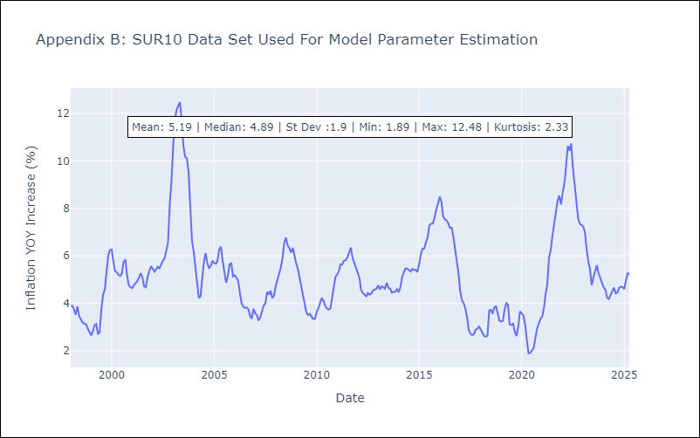

Appendix C: Residuals Analysis
Mean

