CAR13
CAR13 - Inflation - Next 12 months forecast as of: 2025-04-01

Model | Random Forest - [(2, 1, 0), (0, 0, 1, 12)]
Training Data | 1993-01-01 to 2024-05-01
Test Data | 2024-05-01 to 2025-04-01

Date | Inflation Change YoY % | Lower Bound - 95% Confidence Interval | Upper Bound - 95% Confidence Interval
2025-05-01 | 7.74 | 2.14 | 4.18
2025-06-01 | 7.74 | 4.45 | 7.58
2025-07-01 | 7.67 | 4.92 | 6.78
2025-08-01 | 7.6 | 5.38 | 7.29
2025-09-01 | 7.47 | 5.25 | 7.03
2025-10-01 | 7.45 | 5.76 | 7.34
2025-11-01 | 7.42 | 5.73 | 7.89
2025-12-01 | 7.36 | 6.18 | 8.04
2026-01-01 | 7.26 | 6.7 | 8.61
2026-02-01 | 7.13 | 4.57 | 7.35
2026-03-01 | 6.98 | 4.91 | 7.85
2026-04-01 | 6.83 | 6.42 | 8.44

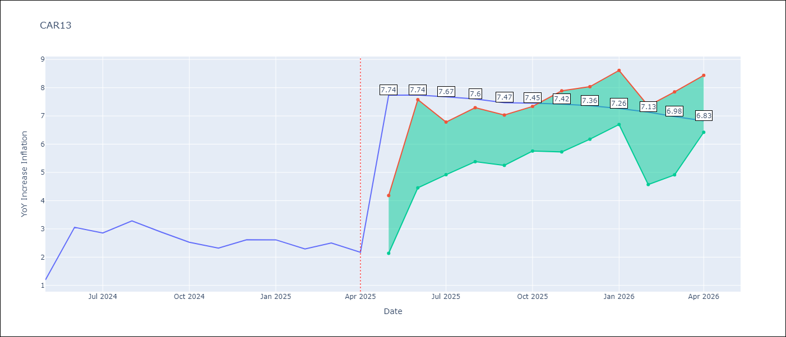

Test Metrics
RMSE | 1.03
Naive RMSE | 0.63
MAPE | 40.83%

Test Predictions
Date | Predicted | Actual
2024-05-01 | 2.84 | 1.19
2024-06-01 | 2.45 | 3.06
2024-07-01 | 2.94 | 2.85
2024-08-01 | 3.05 | 3.29
2024-09-01 | 3.26 | 2.89
2024-10-01 | 3.43 | 2.53
2024-11-01 | 3.48 | 2.32
2024-12-01 | 3.41 | 2.62
2025-01-01 | 3.61 | 2.61
2025-02-01 | 3.64 | 2.29
2025-03-01 | 3.75 | 2.5
2025-04-01 | 3.71 | 2.17

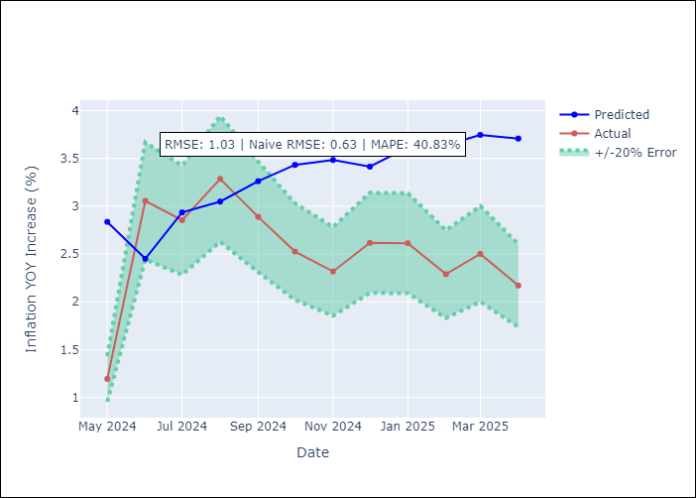

Appendix A: Model Summary
Model | Random Forest
Sample | 1993-01-01 to 2025-04-01
No. of Observations | 388
Terms | P-value (Statistical significance)

Assumptions | P-value

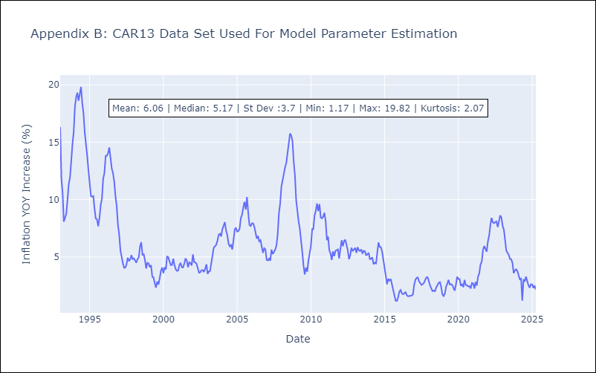

Appendix C: Residuals Analysis
Mean

CEN09
CEN09 - Inflation - Next 12 months forecast as of: 2025-04-01

Model | Random Forest - [(1, 1, 0), (0, 0, 0, 12)]
Training Data | 1992-01-01 to 2024-05-01
Test Data | 2024-05-01 to 2025-04-01

Date | Inflation Change YoY % | Lower Bound - 95% Confidence Interval | Upper Bound - 95% Confidence Interval
2025-05-01 | 5.8 | 1.61 | 7.93
2025-06-01 | 5.46 | 7.64 | 14.8
2025-07-01 | 5.36 | 9.69 | 20
2025-08-01 | 5.25 | 3.77 | 15.49
2025-09-01 | 5.14 | 4.51 | 7.67
2025-10-01 | 5.1 | 4.26 | 8.51
2025-11-01 | 5.14 | 4.16 | 6.17
2025-12-01 | 5.22 | 4.58 | 7
2026-01-01 | 5.32 | 4.38 | 6
2026-02-01 | 5.44 | 4.51 | 7.78
2026-03-01 | 5.6 | 4.93 | 8.66
2026-04-01 | 5.75 | 3.82 | 6.43

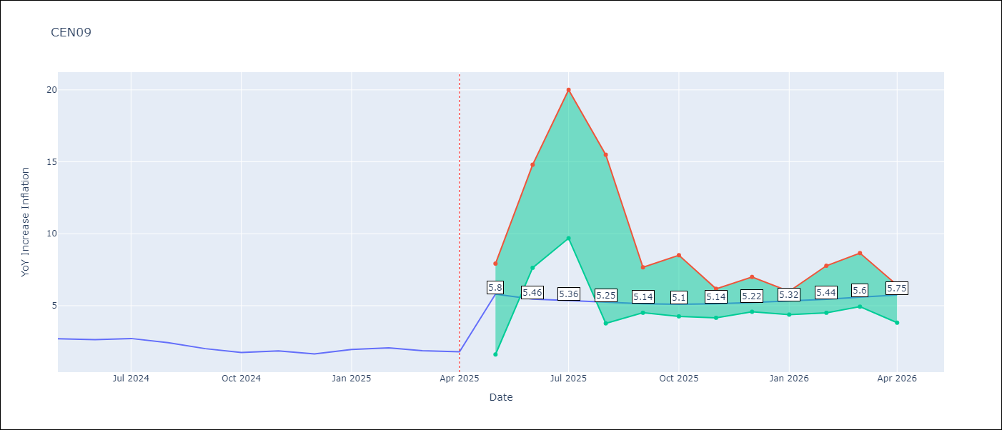

Test Metrics
RMSE | 0.67
Naive RMSE | 0.22
MAPE | 24.29%

Test Predictions
Date | Predicted | Actual
2024-05-01 | 2.36 | 2.71
2024-06-01 | 2.18 | 2.65
2024-07-01 | 2.12 | 2.72
2024-08-01 | 2.09 | 2.44
2024-09-01 | 1.99 | 2.01
2024-10-01 | 1.89 | 1.75
2024-11-01 | 2.04 | 1.85
2024-12-01 | 2.29 | 1.65
2025-01-01 | 2.5 | 1.96
2025-02-01 | 2.82 | 2.07
2025-03-01 | 3.06 | 1.87
2025-04-01 | 3.12 | 1.8

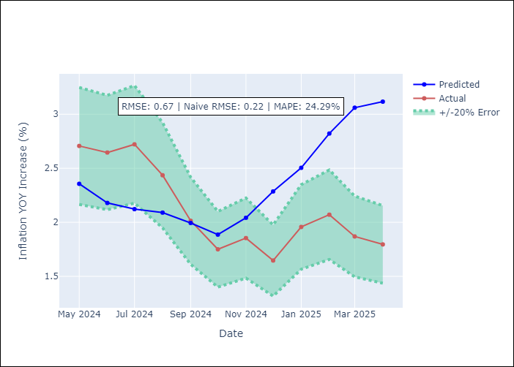

Appendix A: Model Summary
Model | Random Forest
Sample | 1992-01-01 to 2025-04-01
No. of Observations | 400
Terms | P-value (Statistical significance)

Assumptions | P-value

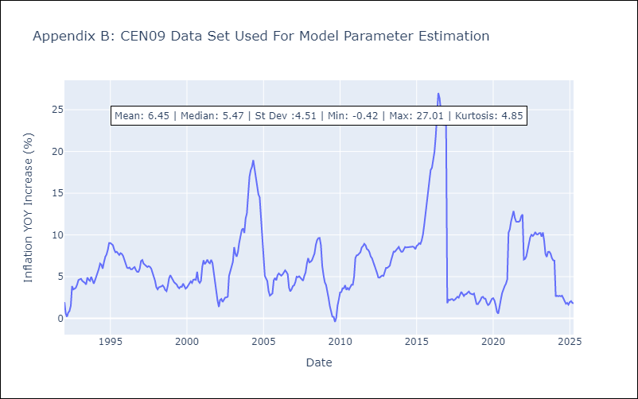

Appendix C: Residuals Analysis
Mean

CEN10
CEN10 - Inflation - Next 12 months forecast as of: 2025-04-01

Model | Random Forest - [(1, 1, 1), (0, 0, 1, 12)]
Training Data | 1992-01-01 to 2024-05-01
Test Data | 2024-05-01 to 2025-04-01

Date | Inflation Change YoY % | Lower Bound - 95% Confidence Interval | Upper Bound - 95% Confidence Interval
2025-05-01 | 9.15 | 1.13 | 1.71
2025-06-01 | 9.41 | 1.61 | 2.62
2025-07-01 | 9.91 | 2.43 | 12.98
2025-08-01 | 10.26 | 6.58 | 14.4
2025-09-01 | 10.56 | 11.02 | 15.86
2025-10-01 | 10.79 | 7.96 | 15.08
2025-11-01 | 10.95 | 7.6 | 12.21
2025-12-01 | 11.04 | 6.89 | 10.43
2026-01-01 | 11.13 | 10.34 | 15.68
2026-02-01 | 11.21 | 7.69 | 13.42
2026-03-01 | 11.17 | 7.3 | 11.8
2026-04-01 | 11.02 | 7.54 | 13.67

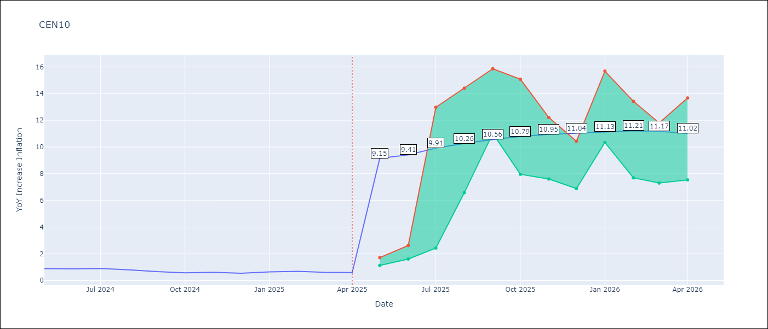

Test Metrics
RMSE | 3.38
Naive RMSE | 0.07
MAPE | 378.32%

Test Predictions
Date | Predicted | Actual
2024-05-01 | 2.96 | 0.89
2024-06-01 | 2.45 | 0.87
2024-07-01 | 1.7 | 0.9
2024-08-01 | 1.19 | 0.8
2024-09-01 | 0.99 | 0.66
2024-10-01 | 1.02 | 0.58
2024-11-01 | 1.55 | 0.61
2024-12-01 | 2.91 | 0.54
2025-01-01 | 4.35 | 0.64
2025-02-01 | 5.7 | 0.68
2025-03-01 | 6.68 | 0.62
2025-04-01 | 7.43 | 0.59

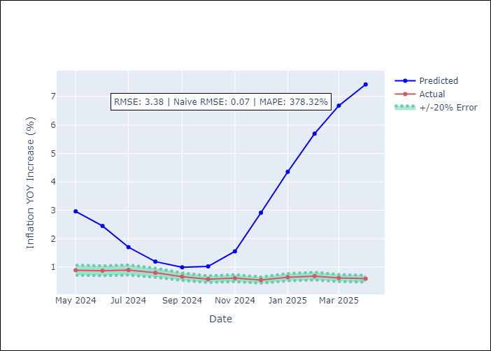

Appendix A: Model Summary
Model | Random Forest
Sample | 1992-01-01 to 2025-04-01
No. of Observations | 400
Terms | P-value (Statistical significance)

Assumptions | P-value

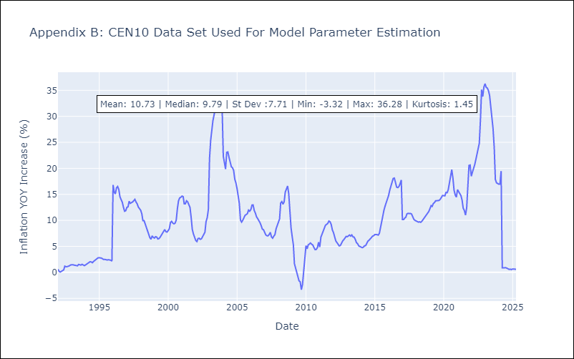

Appendix C: Residuals Analysis
Mean

R01
R01 - Inflation - Next 12 months forecast as of: 2025-04-01

Model | Random Forest - [(1, 2, 1), (1, 0, 1, 12)]
Training Data | 1998-01-01 to 2024-05-01
Test Data | 2024-05-01 to 2025-04-01

Date | Inflation Change YoY % | Lower Bound - 95% Confidence Interval | Upper Bound - 95% Confidence Interval
2025-05-01 | 13.72 | 3.65 | 6.02
2025-06-01 | 13.77 | 5.45 | 7.82
2025-07-01 | 13.93 | 6.75 | 7.7
2025-08-01 | 14.16 | 6.91 | 8.66
2025-09-01 | 14.52 | 6.93 | 11.44
2025-10-01 | 14.85 | 4.55 | 10.38
2025-11-01 | 15.42 | 5.99 | 8.39
2025-12-01 | 15.25 | 7.04 | 8.86
2026-01-01 | 15.26 | 6.29 | 8.33
2026-02-01 | 15.21 | 6.9 | 10.13
2026-03-01 | 14.92 | 7.42 | 13.9
2026-04-01 | 14.47 | 8.45 | 16.49

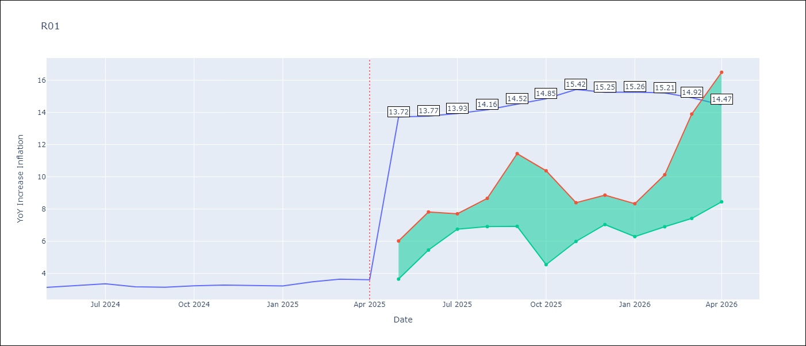

Test Metrics
RMSE | 0.68
Naive RMSE | 0.12
MAPE | 20.84%

Test Predictions
Date | Predicted | Actual
2024-05-01 | 3.6 | 3.13
2024-06-01 | 3.18 | 3.24
2024-07-01 | 2.85 | 3.36
2024-08-01 | 2.58 | 3.17
2024-09-01 | 2.49 | 3.15
2024-10-01 | 2.6 | 3.23
2024-11-01 | 2.89 | 3.28
2024-12-01 | 3.42 | 3.25
2025-01-01 | 3.9 | 3.23
2025-02-01 | 4.33 | 3.48
2025-03-01 | 4.67 | 3.65
2025-04-01 | 4.84 | 3.6

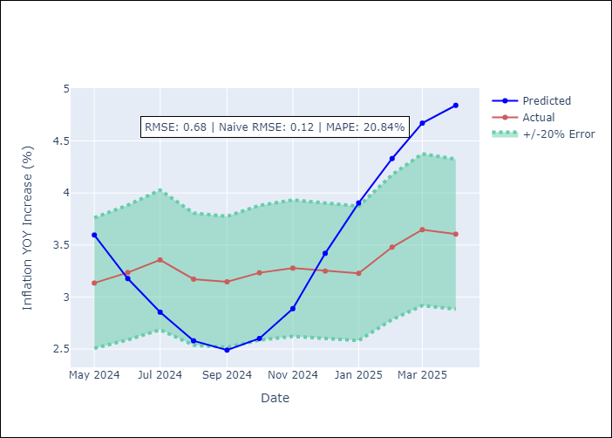

Appendix A: Model Summary
Model | Random Forest
Sample | 1998-01-01 to 2025-04-01
No. of Observations | 328
Terms | P-value (Statistical significance)

Assumptions | P-value



Appendix C: Residuals Analysis
Mean

R02
R02 - Inflation - Next 12 months forecast as of: 2025-04-01

Model | Random Forest - [(3, 1, 0), (1, 0, 1, 12)]
Training Data | 1998-01-01 to 2024-05-01
Test Data | 2024-05-01 to 2025-04-01

Date | Inflation Change YoY % | Lower Bound - 95% Confidence Interval | Upper Bound - 95% Confidence Interval
2025-05-01 | 7.01 | 3.1 | 5.68
2025-06-01 | 6.98 | 5.35 | 7.26
2025-07-01 | 6.98 | 6.46 | 7.89
2025-08-01 | 6.98 | 7.05 | 8.19
2025-09-01 | 7.06 | 6.22 | 9.25
2025-10-01 | 7.26 | 8.28 | 13.8
2025-11-01 | 7.41 | 10 | 16.39
2025-12-01 | 7.43 | 7.36 | 15.42
2026-01-01 | 7.4 | 3.46 | 8.71
2026-02-01 | 7.31 | 2.87 | 6.92
2026-03-01 | 7.2 | 5.29 | 7.63
2026-04-01 | 7.25 | 6.76 | 8.19

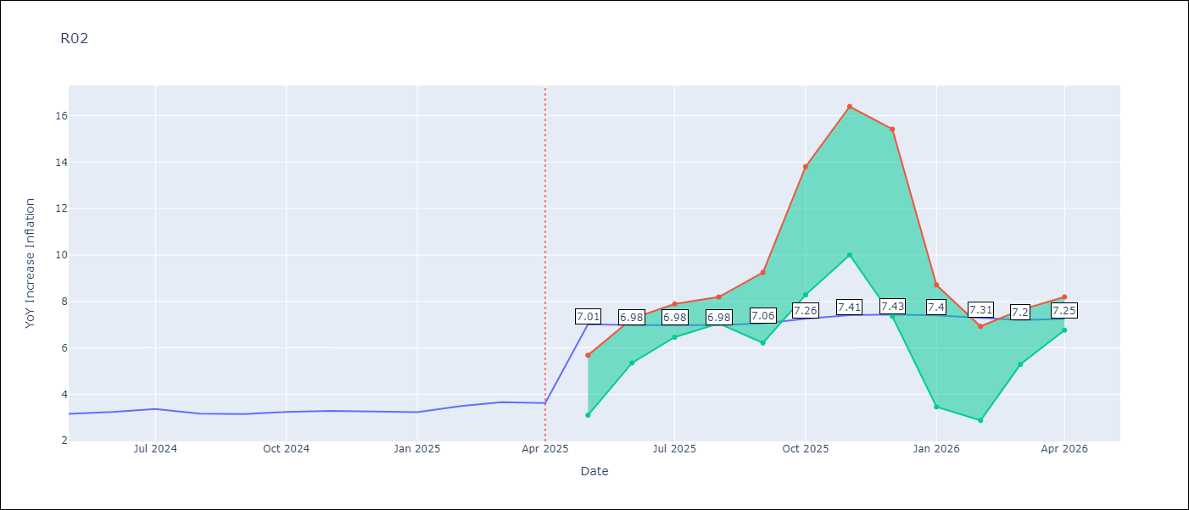

Test Metrics
RMSE | 0.68
Naive RMSE | 0.12
MAPE | 21.55%

Test Predictions
Date | Predicted | Actual
2024-05-01 | 3.42 | 3.16
2024-06-01 | 3.03 | 3.24
2024-07-01 | 2.68 | 3.36
2024-08-01 | 2.44 | 3.17
2024-09-01 | 2.37 | 3.15
2024-10-01 | 2.54 | 3.24
2024-11-01 | 2.87 | 3.29
2024-12-01 | 3.37 | 3.26
2025-01-01 | 3.89 | 3.23
2025-02-01 | 4.31 | 3.49
2025-03-01 | 4.62 | 3.66
2025-04-01 | 4.71 | 3.62

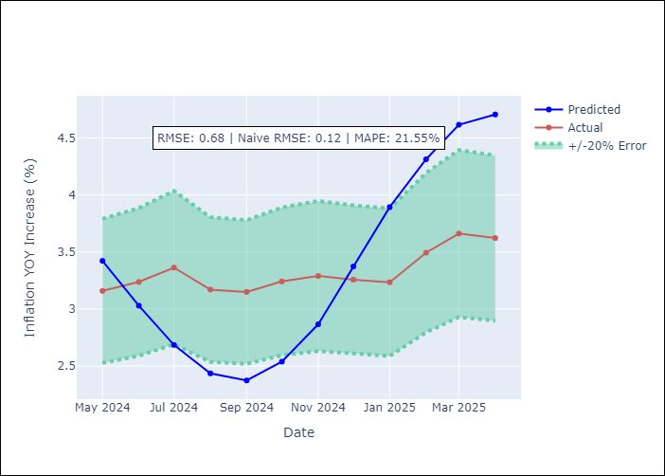

Appendix A: Model Summary
Model | Random Forest
Sample | 1998-01-01 to 2025-04-01
No. of Observations | 328
Terms | P-value (Statistical significance)

Assumptions | P-value

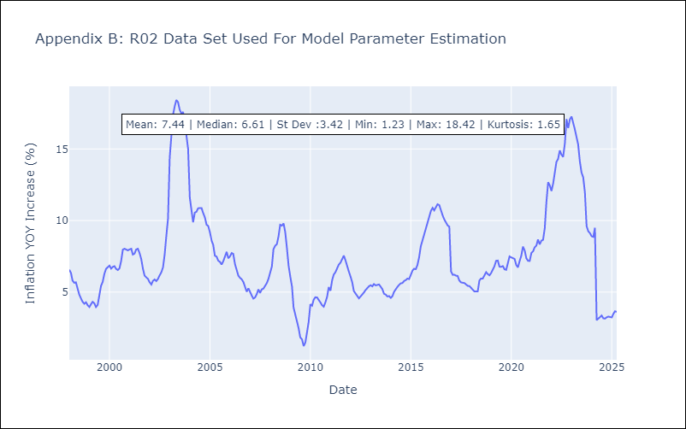

Appendix C: Residuals Analysis
Mean

R07
R07 - Inflation - Next 12 months forecast as of: 2025-04-01

Model | Random Forest - [(2, 1, 0), (0, 0, 1, 12)]
Training Data | 1993-01-01 to 2024-05-01
Test Data | 2024-05-01 to 2025-04-01

Date | Inflation Change YoY % | Lower Bound - 95% Confidence Interval | Upper Bound - 95% Confidence Interval
2025-05-01 | 7.17 | 2.16 | 4.56
2025-06-01 | 6.7 | 4.3 | 7.72
2025-07-01 | 6.39 | 6.08 | 8.03
2025-08-01 | 6.14 | 6.27 | 9.08
2025-09-01 | 5.87 | 4.48 | 7.89
2025-10-01 | 5.66 | 4.6 | 7.9
2025-11-01 | 5.43 | 5.73 | 8.61
2025-12-01 | 5.15 | 5.9 | 8.32
2026-01-01 | 5.04 | 6.03 | 7.98
2026-02-01 | 4.84 | 6.16 | 8.39
2026-03-01 | 4.72 | 6.82 | 8.57
2026-04-01 | 4.57 | 4.36 | 7.52

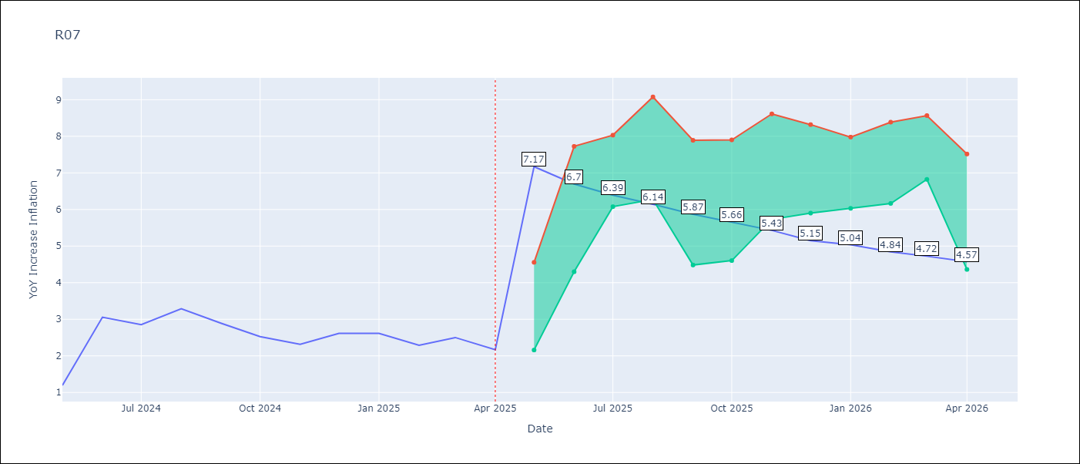

Test Metrics
RMSE | 0.93
Naive RMSE | 0.63
MAPE | 35.54%

Test Predictions
Date | Predicted | Actual
2024-05-01 | 2.81 | 1.19
2024-06-01 | 2.41 | 3.06
2024-07-01 | 2.74 | 2.85
2024-08-01 | 2.93 | 3.29
2024-09-01 | 3.13 | 2.89
2024-10-01 | 3.29 | 2.53
2024-11-01 | 3.27 | 2.32
2024-12-01 | 3.25 | 2.62
2025-01-01 | 3.41 | 2.61
2025-02-01 | 3.52 | 2.29
2025-03-01 | 3.57 | 2.5
2025-04-01 | 3.54 | 2.17

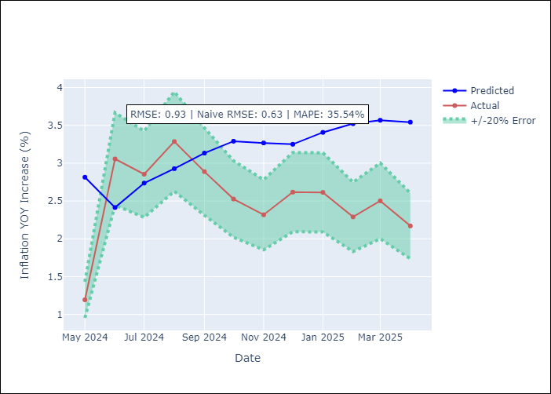

Appendix A: Model Summary
Model | Random Forest
Sample | 1993-01-01 to 2025-04-01
No. of Observations | 388
Terms | P-value (Statistical significance)

Assumptions | P-value



Appendix C: Residuals Analysis
Mean

SUR10
SUR10 - Inflation - Next 12 months forecast as of: 2025-04-01

Model | Random Forest - [(3, 2, 1), (2, 0, 1, 12)]
Training Data | 1998-01-01 to 2024-05-01
Test Data | 2024-05-01 to 2025-04-01

Date | Inflation Change YoY % | Lower Bound - 95% Confidence Interval | Upper Bound - 95% Confidence Interval
2025-05-01 | 4.73 | 4.97 | 6.02
2025-06-01 | 4.54 | 5.59 | 9.63
2025-07-01 | 4.49 | 5.42 | 10.24
2025-08-01 | 4.31 | 3.55 | 5.48
2025-09-01 | 4.02 | 3.5 | 4.58
2025-10-01 | 3.66 | 4.53 | 6.35
2025-11-01 | 3.5 | 4.03 | 6.36
2025-12-01 | 3.43 | 4.49 | 5.15
2026-01-01 | 3.41 | 4.73 | 5.78
2026-02-01 | 3.49 | 5.72 | 9.68
2026-03-01 | 3.54 | 5 | 9.57
2026-04-01 | 3.62 | 3.08 | 5.11

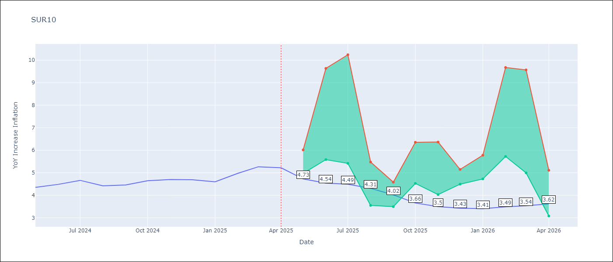

Test Metrics
RMSE | 0.26
Naive RMSE | 0.19
MAPE | 7.49%

Test Predictions
Date | Predicted | Actual
2024-05-01 | 4.6 | 4.35
2024-06-01 | 4.7 | 4.49
2024-07-01 | 4.77 | 4.66
2024-08-01 | 4.79 | 4.42
2024-09-01 | 4.78 | 4.46
2024-10-01 | 4.84 | 4.65
2024-11-01 | 4.94 | 4.7
2024-12-01 | 5.03 | 4.69
2025-01-01 | 5.07 | 4.6
2025-02-01 | 5.1 | 4.98
2025-03-01 | 5.17 | 5.27
2025-04-01 | 5.27 | 5.22

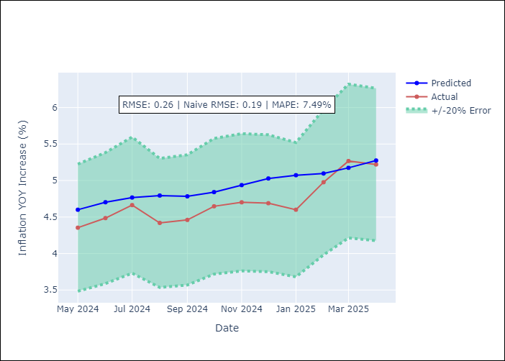

Appendix A: Model Summary
Model | Random Forest
Sample | 1998-01-01 to 2025-04-01
No. of Observations | 328
Terms | P-value (Statistical significance)

Assumptions | P-value

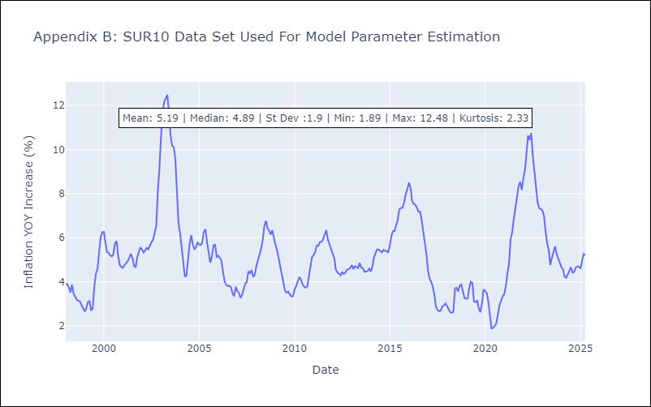

Appendix C: Residuals Analysis
Mean

