CAR13
CAR13 - Inflation - Next 12 months forecast as of: 2025-04-01

Model | Random Forest - [(2, 1, 0), (0, 0, 1, 12)]
Training Data | 1993-01-01 to 2024-05-01
Test Data | 2024-05-01 to 2025-04-01

Date | Inflation Change YoY % | Lower Bound - 95% Confidence Interval | Upper Bound - 95% Confidence Interval
2025-05-01 | 6.71 | 2.16 | 5
2025-06-01 | 6.31 | 4.24 | 7.93
2025-07-01 | 5.95 | 6.1 | 8.19
2025-08-01 | 5.8 | 5.96 | 8.31
2025-09-01 | 5.53 | 6.78 | 8.62
2025-10-01 | 5.45 | 6.2 | 8.34
2025-11-01 | 5.26 | 6.26 | 8.07
2025-12-01 | 5.1 | 6.22 | 8.41
2026-01-01 | 4.93 | 5.15 | 7.9
2026-02-01 | 4.92 | 5.4 | 8.63
2026-03-01 | 4.94 | 6.7 | 10.21
2026-04-01 | 4.88 | 4.63 | 7.01

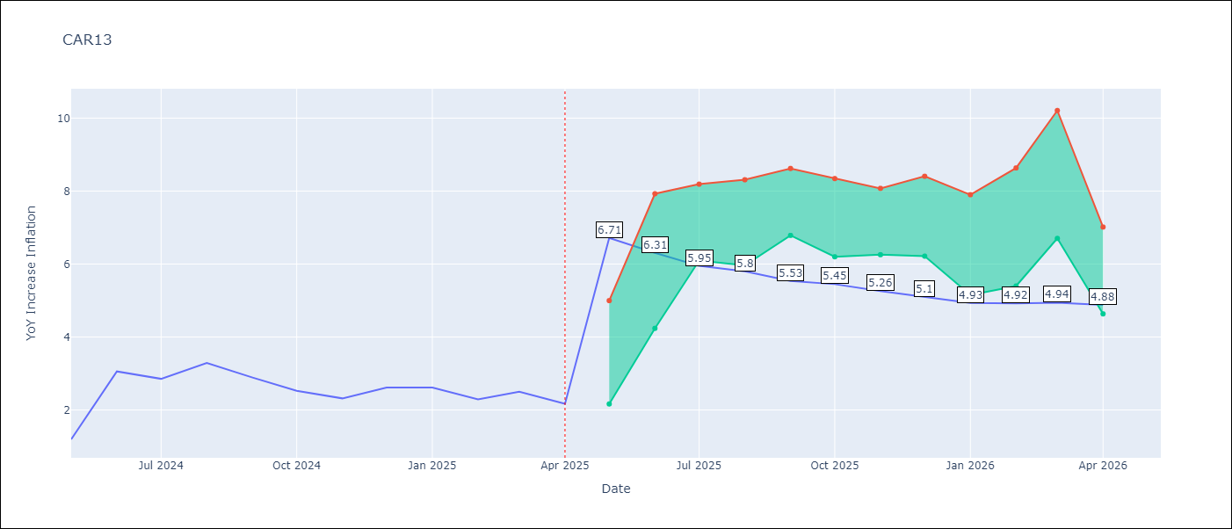

Test Metrics
RMSE | 0.97
Naive RMSE | 0.63
MAPE | 37.57%

Test Predictions
Date | Predicted | Actual
2024-05-01 | 2.83 | 1.19
2024-06-01 | 2.37 | 3.06
2024-07-01 | 2.8 | 2.85
2024-08-01 | 2.97 | 3.29
2024-09-01 | 3.23 | 2.89
2024-10-01 | 3.36 | 2.53
2024-11-01 | 3.36 | 2.32
2024-12-01 | 3.28 | 2.62
2025-01-01 | 3.46 | 2.61
2025-02-01 | 3.58 | 2.29
2025-03-01 | 3.63 | 2.5
2025-04-01 | 3.61 | 2.17

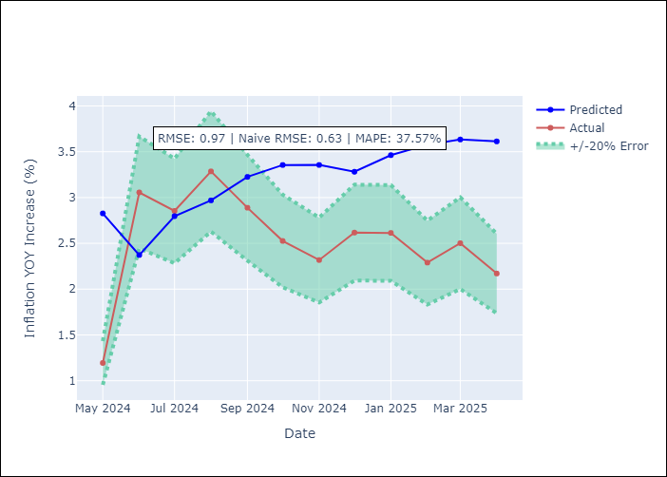

Appendix A: Model Summary
Model | Random Forest
Sample | 1993-01-01 to 2025-04-01
No. of Observations | 388
Terms | P-value (Statistical significance)

Assumptions | P-value

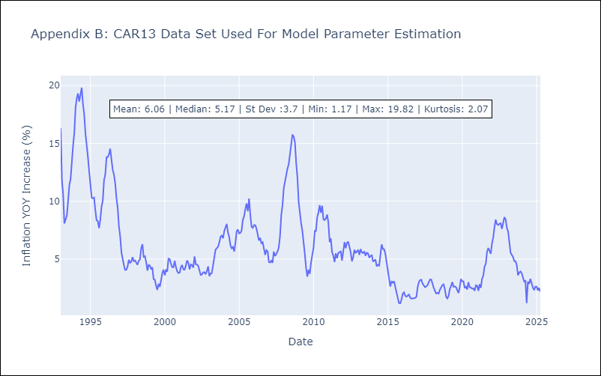

Appendix C: Residuals Analysis
Mean

CEN09
CEN09 - Inflation - Next 12 months forecast as of: 2025-04-01

Model | Random Forest - [(1, 1, 0), (0, 0, 0, 12)]
Training Data | 1992-01-01 to 2024-05-01
Test Data | 2024-05-01 to 2025-04-01

Date | Inflation Change YoY % | Lower Bound - 95% Confidence Interval | Upper Bound - 95% Confidence Interval
2025-05-01 | 3.67 | 1.64 | 7.49
2025-06-01 | 4.05 | 6.3 | 11.92
2025-07-01 | 4.39 | 8.21 | 16.72
2025-08-01 | 4.63 | 4.83 | 16.57
2025-09-01 | 4.77 | 4.4 | 7.09
2025-10-01 | 4.78 | 3.98 | 8.07
2025-11-01 | 4.77 | 4.46 | 7.08
2025-12-01 | 4.77 | 3.56 | 7.57
2026-01-01 | 4.79 | 3.28 | 5.76
2026-02-01 | 4.95 | 4.94 | 7.43
2026-03-01 | 5.2 | 2.86 | 6.46
2026-04-01 | 5.4 | 3.61 | 5.63

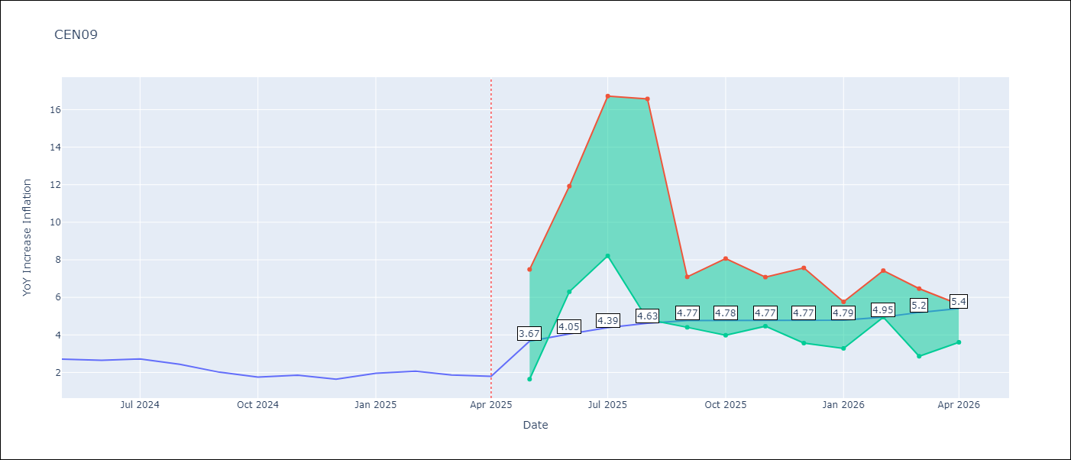

Test Metrics
RMSE | 0.84
Naive RMSE | 0.22
MAPE | 28.24%

Test Predictions
Date | Predicted | Actual
2024-05-01 | 2.25 | 2.71
2024-06-01 | 2.08 | 2.65
2024-07-01 | 1.99 | 2.72
2024-08-01 | 1.92 | 2.44
2024-09-01 | 1.95 | 2.01
2024-10-01 | 1.99 | 1.75
2024-11-01 | 2.19 | 1.85
2024-12-01 | 2.52 | 1.65
2025-01-01 | 2.74 | 1.96
2025-02-01 | 3.1 | 2.07
2025-03-01 | 3.33 | 1.87
2025-04-01 | 3.37 | 1.8

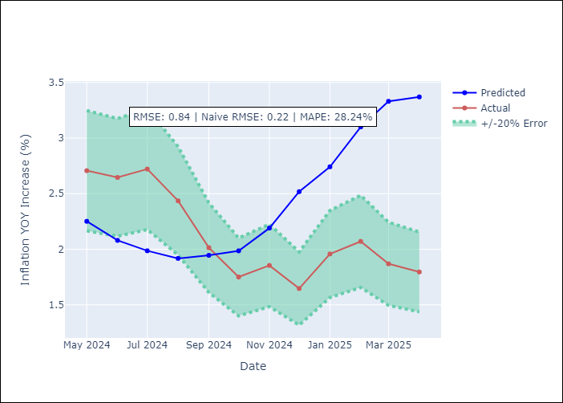

Appendix A: Model Summary
Model | Random Forest
Sample | 1992-01-01 to 2025-04-01
No. of Observations | 400
Terms | P-value (Statistical significance)

Assumptions | P-value

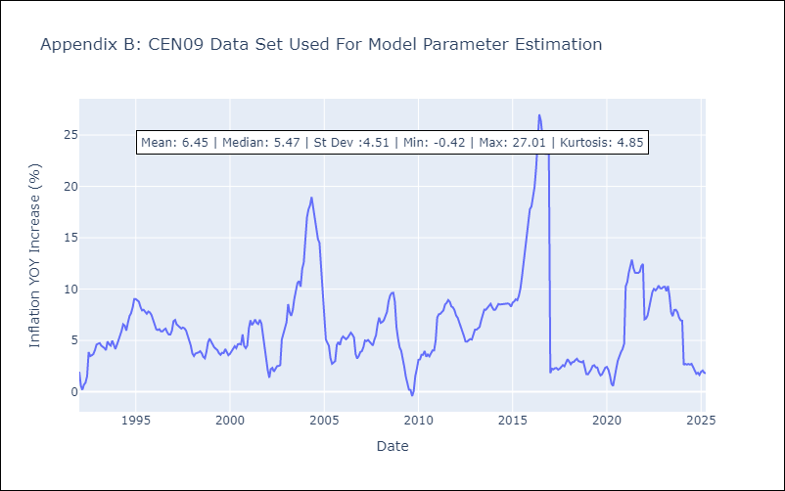

Appendix C: Residuals Analysis
Mean

CEN10
CEN10 - Inflation - Next 12 months forecast as of: 2025-04-01

Model | Random Forest - [(1, 1, 1), (0, 0, 1, 12)]
Training Data | 1992-01-01 to 2024-05-01
Test Data | 2024-05-01 to 2025-04-01

Date | Inflation Change YoY % | Lower Bound - 95% Confidence Interval | Upper Bound - 95% Confidence Interval
2025-05-01 | 12.66 | 1.12 | 1.7
2025-06-01 | 12.13 | 1.53 | 2.63
2025-07-01 | 11.45 | 2.57 | 11.27
2025-08-01 | 10.68 | 8.03 | 14.67
2025-09-01 | 10.04 | 10.28 | 13.92
2025-10-01 | 9.47 | 8.27 | 13.01
2025-11-01 | 9.12 | 7.31 | 10.61
2025-12-01 | 8.84 | 8.79 | 14.07
2026-01-01 | 8.67 | 7.24 | 12.58
2026-02-01 | 8.57 | 6.96 | 10.94
2026-03-01 | 8.54 | 10.97 | 14.56
2026-04-01 | 8.76 | 7.66 | 14.51

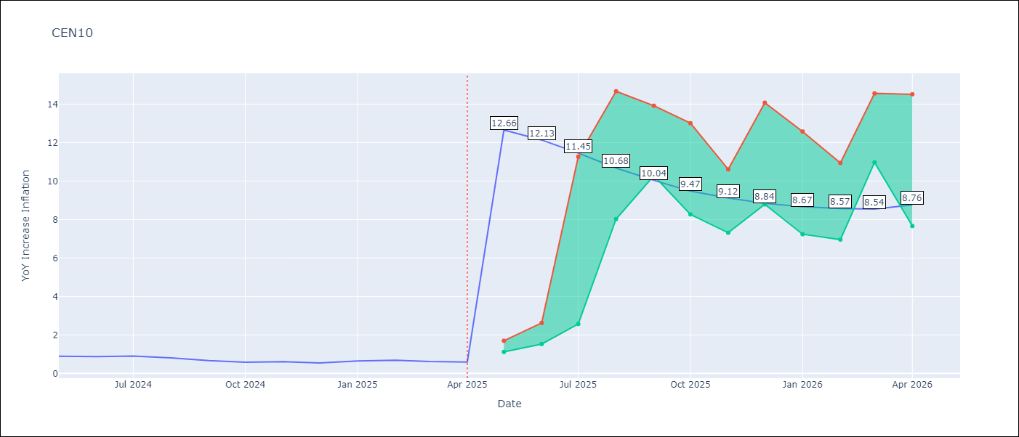

Test Metrics
RMSE | 3.47
Naive RMSE | 0.07
MAPE | 399.56%

Test Predictions
Date | Predicted | Actual
2024-05-01 | 3.53 | 0.89
2024-06-01 | 2.57 | 0.87
2024-07-01 | 1.92 | 0.9
2024-08-01 | 1.63 | 0.8
2024-09-01 | 1.29 | 0.66
2024-10-01 | 1.14 | 0.58
2024-11-01 | 1.55 | 0.61
2024-12-01 | 2.64 | 0.54
2025-01-01 | 4.21 | 0.64
2025-02-01 | 5.62 | 0.68
2025-03-01 | 6.88 | 0.62
2025-04-01 | 7.69 | 0.59

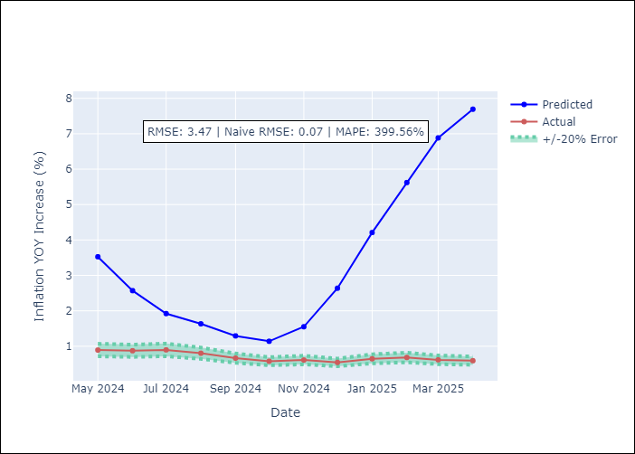

Appendix A: Model Summary
Model | Random Forest
Sample | 1992-01-01 to 2025-04-01
No. of Observations | 400
Terms | P-value (Statistical significance)

Assumptions | P-value

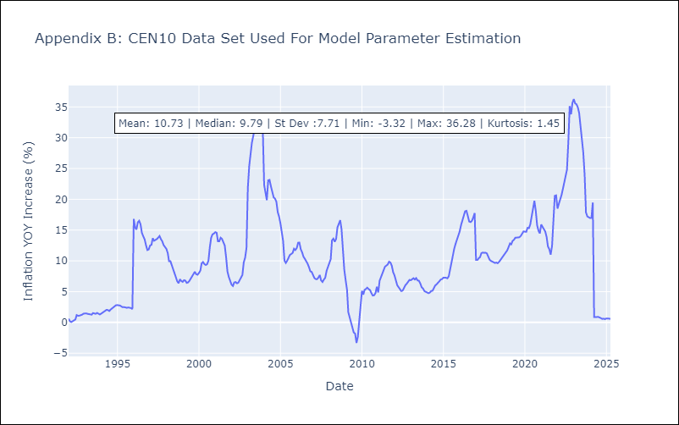

Appendix C: Residuals Analysis
Mean

R01
R01 - Inflation - Next 12 months forecast as of: 2025-04-01

Model | Random Forest - [(1, 2, 1), (1, 0, 1, 12)]
Training Data | 1998-01-01 to 2024-05-01
Test Data | 2024-05-01 to 2025-04-01

Date | Inflation Change YoY % | Lower Bound - 95% Confidence Interval | Upper Bound - 95% Confidence Interval
2025-05-01 | 8.9 | 3.47 | 5.9
2025-06-01 | 9.35 | 5.68 | 7.94
2025-07-01 | 9.95 | 6.38 | 7.99
2025-08-01 | 10.69 | 6.81 | 9.55
2025-09-01 | 11.4 | 5.87 | 12.32
2025-10-01 | 11.73 | 3.72 | 8.7
2025-11-01 | 11.91 | 4.7 | 7.99
2025-12-01 | 12.22 | 5.98 | 8.14
2026-01-01 | 12.67 | 5.45 | 9.52
2026-02-01 | 13.07 | 6.74 | 8.08
2026-03-01 | 13.35 | 6.43 | 9.55
2026-04-01 | 13.64 | 8.18 | 14

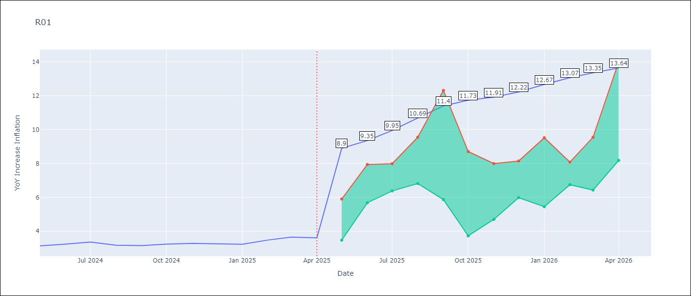

Test Metrics
RMSE | 0.81
Naive RMSE | 0.12
MAPE | 21.4%

Test Predictions
Date | Predicted | Actual
2024-05-01 | 3.63 | 3.13
2024-06-01 | 3.3 | 3.24
2024-07-01 | 3.02 | 3.36
2024-08-01 | 2.85 | 3.17
2024-09-01 | 2.86 | 3.15
2024-10-01 | 3.03 | 3.23
2024-11-01 | 3.38 | 3.28
2024-12-01 | 3.81 | 3.25
2025-01-01 | 4.28 | 3.23
2025-02-01 | 4.62 | 3.48
2025-03-01 | 5.01 | 3.65
2025-04-01 | 5.22 | 3.6

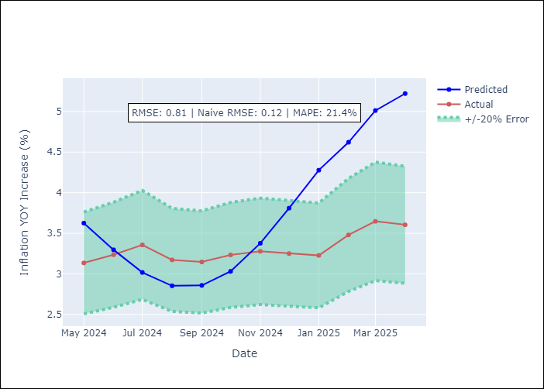

Appendix A: Model Summary
Model | Random Forest
Sample | 1998-01-01 to 2025-04-01
No. of Observations | 328
Terms | P-value (Statistical significance)

Assumptions | P-value



Appendix C: Residuals Analysis
Mean

R02
R02 - Inflation - Next 12 months forecast as of: 2025-04-01

Model | Random Forest - [(3, 1, 0), (1, 0, 1, 12)]
Training Data | 1998-01-01 to 2024-05-01
Test Data | 2024-05-01 to 2025-04-01

Date | Inflation Change YoY % | Lower Bound - 95% Confidence Interval | Upper Bound - 95% Confidence Interval
2025-05-01 | 6.59 | 3.14 | 6.17
2025-06-01 | 6.58 | 5.05 | 7.18
2025-07-01 | 6.47 | 6.84 | 8.07
2025-08-01 | 6.43 | 6.69 | 8.29
2025-09-01 | 6.4 | 5.76 | 9.67
2025-10-01 | 6.39 | 7.07 | 8.81
2025-11-01 | 6.38 | 7.48 | 12.64
2025-12-01 | 6.36 | 8.86 | 16.29
2026-01-01 | 6.44 | 10.34 | 16.3
2026-02-01 | 6.59 | 5.34 | 14.14
2026-03-01 | 6.67 | 5.97 | 7.29
2026-04-01 | 6.66 | 5.87 | 8.13

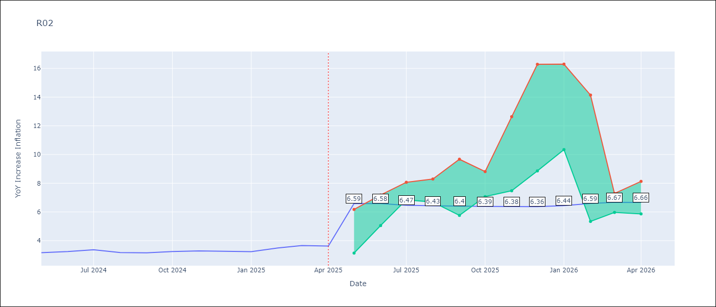

Test Metrics
RMSE | 0.78
Naive RMSE | 0.12
MAPE | 21.94%

Test Predictions
Date | Predicted | Actual
2024-05-01 | 3.77 | 3.16
2024-06-01 | 3.38 | 3.24
2024-07-01 | 3.04 | 3.36
2024-08-01 | 2.72 | 3.17
2024-09-01 | 2.66 | 3.15
2024-10-01 | 2.66 | 3.24
2024-11-01 | 2.93 | 3.29
2024-12-01 | 3.41 | 3.26
2025-01-01 | 3.91 | 3.23
2025-02-01 | 4.54 | 3.49
2025-03-01 | 4.87 | 3.66
2025-04-01 | 5.3 | 3.62

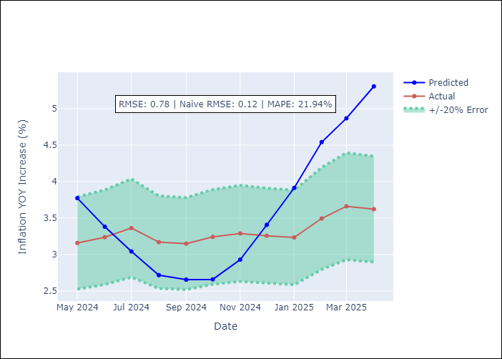

Appendix A: Model Summary
Model | Random Forest
Sample | 1998-01-01 to 2025-04-01
No. of Observations | 328
Terms | P-value (Statistical significance)

Assumptions | P-value

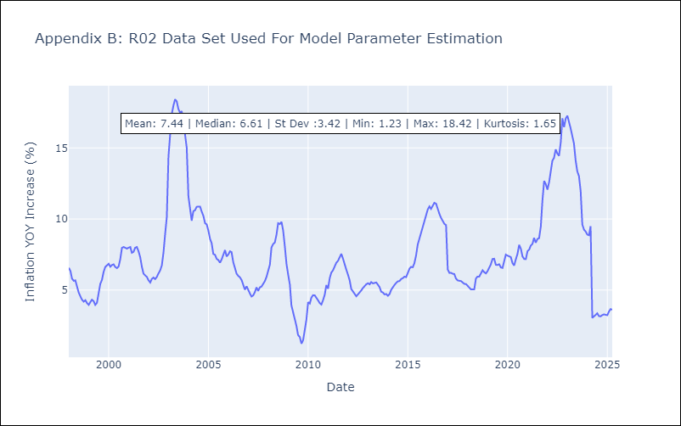

Appendix C: Residuals Analysis
Mean

R07
R07 - Inflation - Next 12 months forecast as of: 2025-04-01

Model | Random Forest - [(2, 1, 0), (0, 0, 1, 12)]
Training Data | 1993-01-01 to 2024-05-01
Test Data | 2024-05-01 to 2025-04-01

Date | Inflation Change YoY % | Lower Bound - 95% Confidence Interval | Upper Bound - 95% Confidence Interval
2025-05-01 | 5.58 | 2.14 | 4.8
2025-06-01 | 5.68 | 4.25 | 7.64
2025-07-01 | 5.88 | 6.27 | 8.02
2025-08-01 | 5.91 | 6.75 | 8.81
2025-09-01 | 6.08 | 4.41 | 8.03
2025-10-01 | 6.24 | 4.08 | 7.66
2025-11-01 | 6.25 | 4.77 | 10.46
2025-12-01 | 6.45 | 5.63 | 8.32
2026-01-01 | 6.47 | 4.94 | 6.84
2026-02-01 | 6.54 | 5.39 | 7.22
2026-03-01 | 6.72 | 5.28 | 6.79
2026-04-01 | 6.74 | 5.25 | 8.1

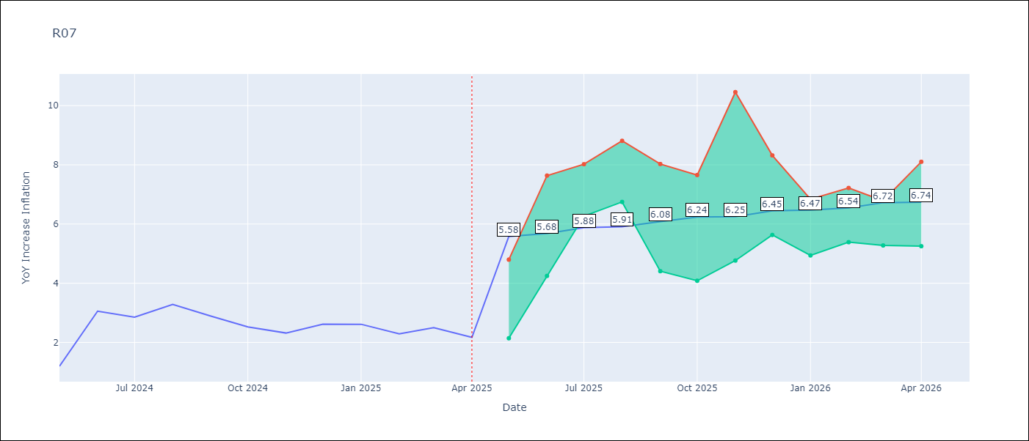

Test Metrics
RMSE | 1.0
Naive RMSE | 0.63
MAPE | 39.37%

Test Predictions
Date | Predicted | Actual
2024-05-01 | 2.78 | 1.19
2024-06-01 | 2.37 | 3.06
2024-07-01 | 2.84 | 2.85
2024-08-01 | 3 | 3.29
2024-09-01 | 3.29 | 2.89
2024-10-01 | 3.41 | 2.53
2024-11-01 | 3.36 | 2.32
2024-12-01 | 3.35 | 2.62
2025-01-01 | 3.53 | 2.61
2025-02-01 | 3.67 | 2.29
2025-03-01 | 3.72 | 2.5
2025-04-01 | 3.68 | 2.17

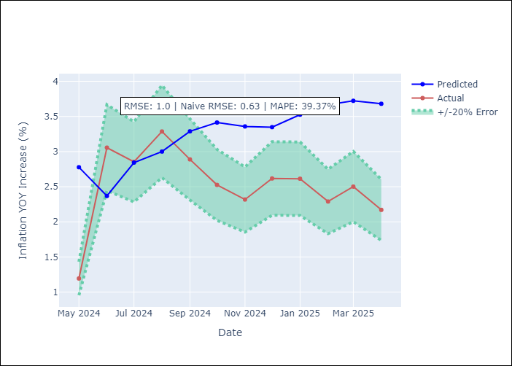

Appendix A: Model Summary
Model | Random Forest
Sample | 1993-01-01 to 2025-04-01
No. of Observations | 388
Terms | P-value (Statistical significance)

Assumptions | P-value



Appendix C: Residuals Analysis
Mean

SUR10
SUR10 - Inflation - Next 12 months forecast as of: 2025-04-01

Model | Random Forest - [(3, 2, 1), (2, 0, 1, 12)]
Training Data | 1998-01-01 to 2024-05-01
Test Data | 2024-05-01 to 2025-04-01

Date | Inflation Change YoY % | Lower Bound - 95% Confidence Interval | Upper Bound - 95% Confidence Interval
2025-05-01 | 5.74 | 4.96 | 6.09
2025-06-01 | 5.24 | 5.44 | 9.32
2025-07-01 | 5 | 6.08 | 10.97
2025-08-01 | 5.03 | 4.54 | 5.86
2025-09-01 | 5.27 | 4.74 | 6.76
2025-10-01 | 5.43 | 5.56 | 9.4
2025-11-01 | 5.36 | 5.85 | 10.71
2025-12-01 | 5.19 | 4.34 | 5.84
2026-01-01 | 5.03 | 4.72 | 6.2
2026-02-01 | 4.93 | 5.52 | 9.27
2026-03-01 | 4.81 | 5.96 | 10.94
2026-04-01 | 4.69 | 4.44 | 5.83

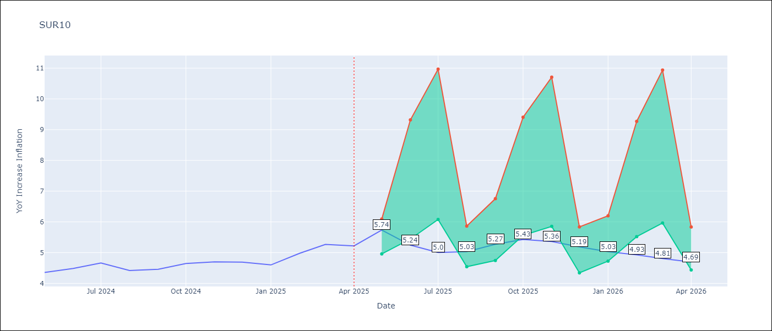

Test Metrics
RMSE | 0.22
Naive RMSE | 0.19
MAPE | 6.82%

Test Predictions
Date | Predicted | Actual
2024-05-01 | 4.54 | 4.35
2024-06-01 | 4.62 | 4.49
2024-07-01 | 4.69 | 4.66
2024-08-01 | 4.77 | 4.42
2024-09-01 | 4.77 | 4.46
2024-10-01 | 4.82 | 4.65
2024-11-01 | 4.91 | 4.7
2024-12-01 | 4.95 | 4.69
2025-01-01 | 4.97 | 4.6
2025-02-01 | 4.99 | 4.98
2025-03-01 | 5.1 | 5.27
2025-04-01 | 5.2 | 5.22

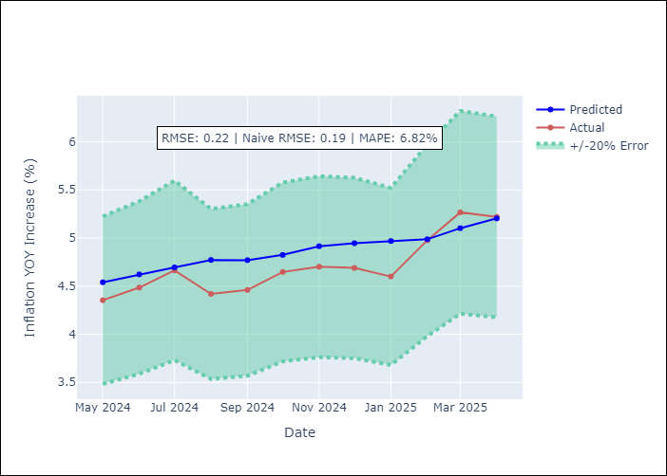

Appendix A: Model Summary
Model | Random Forest
Sample | 1998-01-01 to 2025-04-01
No. of Observations | 328
Terms | P-value (Statistical significance)

Assumptions | P-value

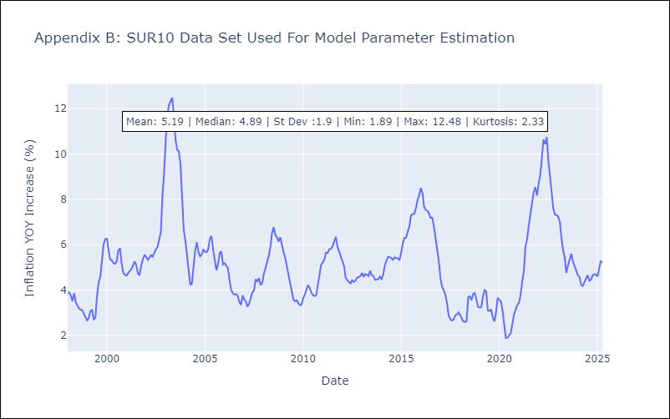

Appendix C: Residuals Analysis
Mean

