CAR13
CAR13 - Inflation - Next 12 months forecast as of: 2025-04-01

Model | Random Forest - [(2, 1, 0), (0, 0, 1, 12)]
Training Data | 1993-01-01 to 2024-05-01
Test Data | 2024-05-01 to 2025-04-01

Date | Inflation Change YoY % | Lower Bound - 95% Confidence Interval | Upper Bound - 95% Confidence Interval
2025-05-01 | 6.03 | 2.1 | 4.7
2025-06-01 | 5.98 | 4.14 | 7.69
2025-07-01 | 6.1 | 6.29 | 7.95
2025-08-01 | 6.19 | 5.63 | 8.37
2025-09-01 | 6.28 | 6.7 | 8.67
2025-10-01 | 6.31 | 5.19 | 7.63
2025-11-01 | 6.41 | 5.3 | 8.53
2025-12-01 | 6.55 | 6.35 | 9.35
2026-01-01 | 6.63 | 4.89 | 6.42
2026-02-01 | 6.71 | 5 | 7.57
2026-03-01 | 6.84 | 5.34 | 6.87
2026-04-01 | 6.77 | 5.46 | 7.13

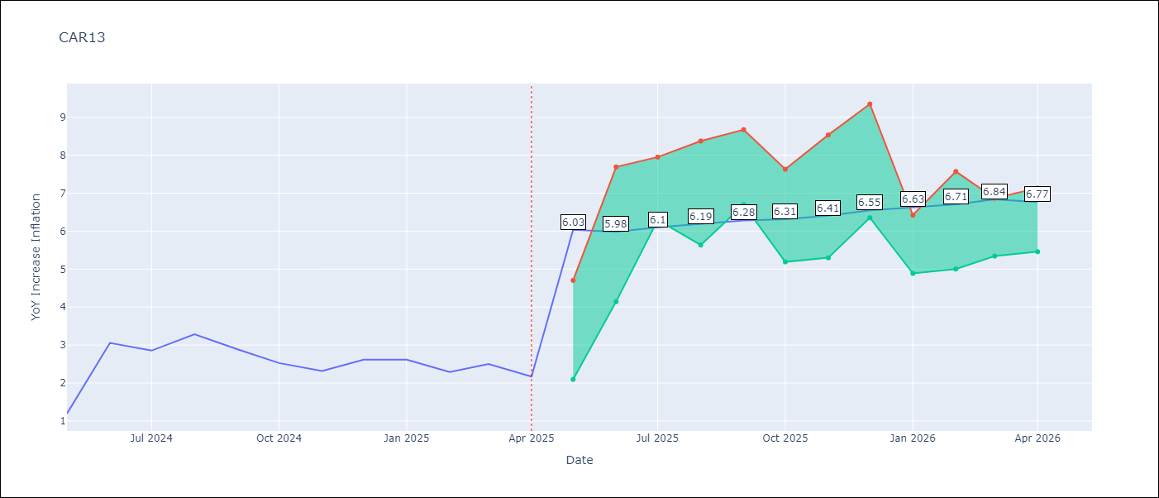

Test Metrics
RMSE | 0.83
Naive RMSE | 0.63
MAPE | 31.26%

Test Predictions
Date | Predicted | Actual
2024-05-01 | 2.8 | 1.19
2024-06-01 | 2.34 | 3.06
2024-07-01 | 2.68 | 2.85
2024-08-01 | 2.83 | 3.29
2024-09-01 | 3.05 | 2.89
2024-10-01 | 3.12 | 2.53
2024-11-01 | 3.14 | 2.32
2024-12-01 | 3.15 | 2.62
2025-01-01 | 3.28 | 2.61
2025-02-01 | 3.4 | 2.29
2025-03-01 | 3.33 | 2.5
2025-04-01 | 3.32 | 2.17

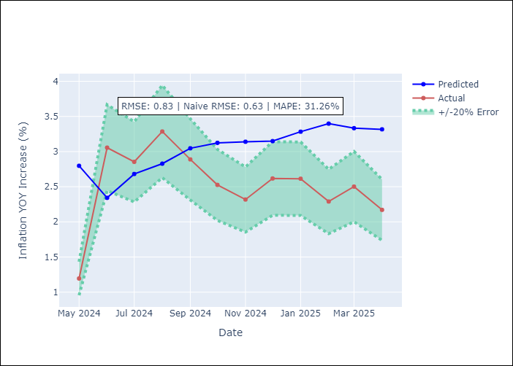

Appendix A: Model Summary
Model | Random Forest
Sample | 1993-01-01 to 2025-04-01
No. of Observations | 388
Terms | P-value (Statistical significance)

Assumptions | P-value

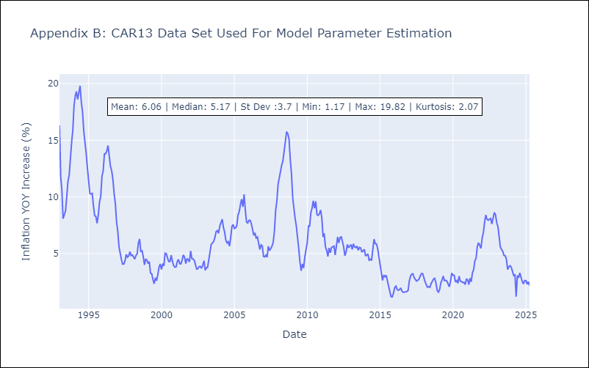

Appendix C: Residuals Analysis
Mean

CEN09
CEN09 - Inflation - Next 12 months forecast as of: 2025-04-01

Model | Random Forest - [(1, 1, 0), (0, 0, 0, 12)]
Training Data | 1992-01-01 to 2024-05-01
Test Data | 2024-05-01 to 2025-04-01

Date | Inflation Change YoY % | Lower Bound - 95% Confidence Interval | Upper Bound - 95% Confidence Interval
2025-05-01 | 5.05 | 1.69 | 7.56
2025-06-01 | 5.14 | 5.68 | 11.16
2025-07-01 | 5.11 | 5.26 | 12.71
2025-08-01 | 5.19 | 7.25 | 19.14
2025-09-01 | 5.42 | 7.07 | 14.58
2025-10-01 | 5.78 | 4.56 | 9.3
2025-11-01 | 6.11 | 5.42 | 9.66
2025-12-01 | 6.37 | 3.59 | 7.49
2026-01-01 | 6.54 | 4.33 | 7.02
2026-02-01 | 6.74 | 4.76 | 7.81
2026-03-01 | 6.83 | 3.35 | 5.85
2026-04-01 | 6.88 | 4.88 | 7.62

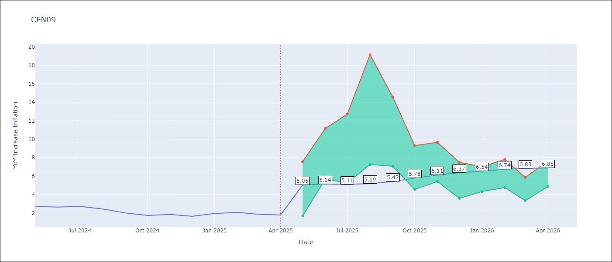

Test Metrics
RMSE | 0.75
Naive RMSE | 0.22
MAPE | 27.99%

Test Predictions
Date | Predicted | Actual
2024-05-01 | 2.36 | 2.71
2024-06-01 | 2.27 | 2.65
2024-07-01 | 2.22 | 2.72
2024-08-01 | 2.2 | 2.44
2024-09-01 | 2.15 | 2.01
2024-10-01 | 2.12 | 1.75
2024-11-01 | 2.17 | 1.85
2024-12-01 | 2.38 | 1.65
2025-01-01 | 2.66 | 1.96
2025-02-01 | 2.96 | 2.07
2025-03-01 | 3.19 | 1.87
2025-04-01 | 3.31 | 1.8

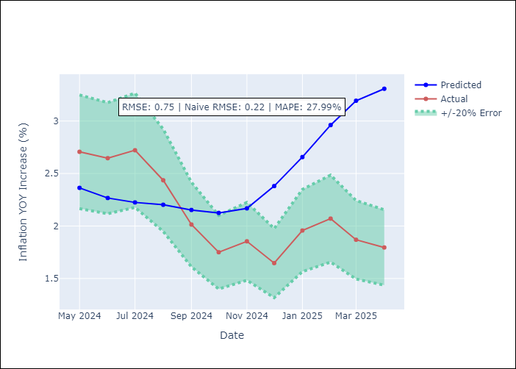

Appendix A: Model Summary
Model | Random Forest
Sample | 1992-01-01 to 2025-04-01
No. of Observations | 400
Terms | P-value (Statistical significance)

Assumptions | P-value

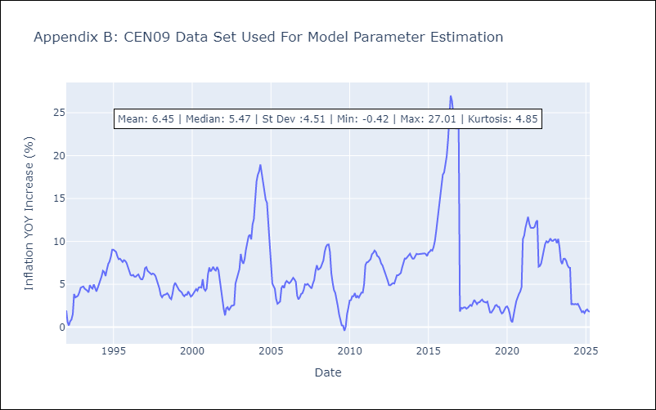

Appendix C: Residuals Analysis
Mean

CEN10
CEN10 - Inflation - Next 12 months forecast as of: 2025-04-01

Model | Random Forest - [(1, 1, 1), (0, 0, 1, 12)]
Training Data | 1992-01-01 to 2024-05-01
Test Data | 2024-05-01 to 2025-04-01

Date | Inflation Change YoY % | Lower Bound - 95% Confidence Interval | Upper Bound - 95% Confidence Interval
2025-05-01 | 18.04 | 1.18 | 1.71
2025-06-01 | 17.95 | 1.61 | 2.64
2025-07-01 | 18.36 | 2.51 | 13.82
2025-08-01 | 18.83 | 7.23 | 16.68
2025-09-01 | 19.22 | 7.18 | 13.48
2025-10-01 | 19.39 | 10.88 | 16.36
2025-11-01 | 20.01 | 11.54 | 15.66
2025-12-01 | 20.37 | 12.55 | 16.59
2026-01-01 | 20.52 | 10.5 | 17.8
2026-02-01 | 20.66 | 13.8 | 17.74
2026-03-01 | 20.78 | 12.34 | 19.34
2026-04-01 | 21.01 | 11.51 | 32.3

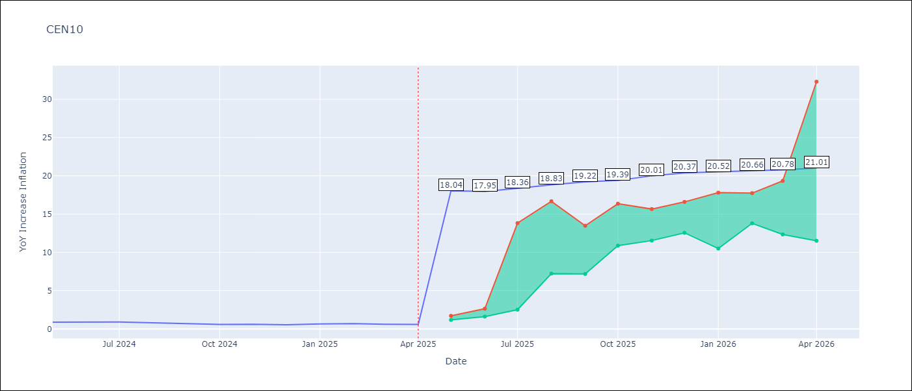

Test Metrics
RMSE | 3.59
Naive RMSE | 0.07
MAPE | 419.14%

Test Predictions
Date | Predicted | Actual
2024-05-01 | 2.77 | 0.89
2024-06-01 | 2.44 | 0.87
2024-07-01 | 2.21 | 0.9
2024-08-01 | 1.85 | 0.8
2024-09-01 | 1.38 | 0.66
2024-10-01 | 1.31 | 0.58
2024-11-01 | 1.7 | 0.61
2024-12-01 | 3.04 | 0.54
2025-01-01 | 4.75 | 0.64
2025-02-01 | 6.31 | 0.68
2025-03-01 | 6.98 | 0.62
2025-04-01 | 7.53 | 0.59

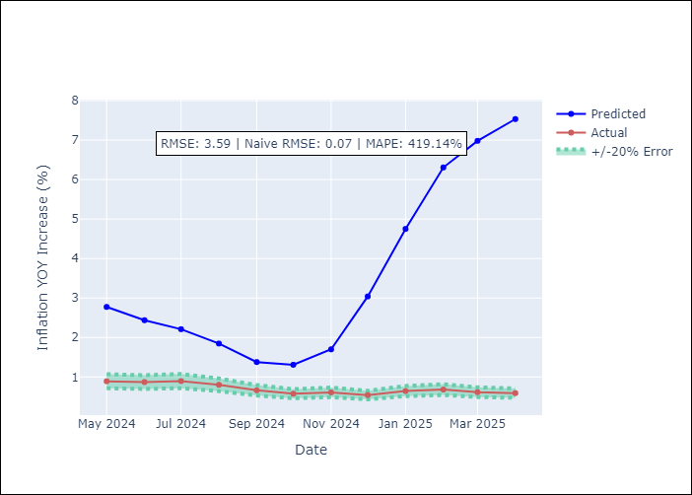

Appendix A: Model Summary
Model | Random Forest
Sample | 1992-01-01 to 2025-04-01
No. of Observations | 400
Terms | P-value (Statistical significance)

Assumptions | P-value

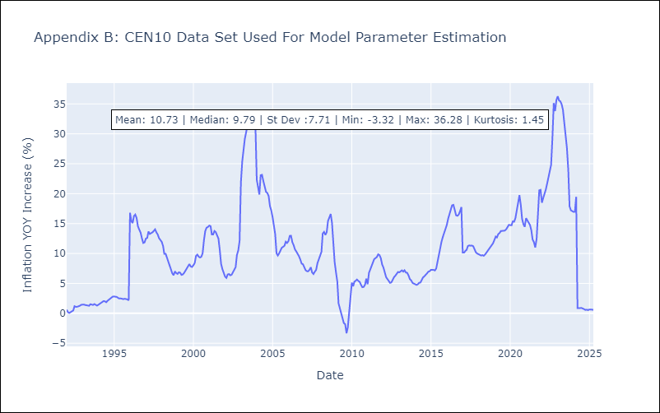

Appendix C: Residuals Analysis
Mean

R01
R01 - Inflation - Next 12 months forecast as of: 2025-04-01

Model | Random Forest - [(1, 2, 1), (1, 0, 1, 12)]
Training Data | 1998-01-01 to 2024-05-01
Test Data | 2024-05-01 to 2025-04-01

Date | Inflation Change YoY % | Lower Bound - 95% Confidence Interval | Upper Bound - 95% Confidence Interval
2025-05-01 | 15.05 | 3.69 | 5.86
2025-06-01 | 14.58 | 5.86 | 8.41
2025-07-01 | 13.96 | 6.64 | 9.81
2025-08-01 | 13.33 | 5.9 | 7.62
2025-09-01 | 12.79 | 6.69 | 11.63
2025-10-01 | 12.07 | 4.87 | 11.19
2025-11-01 | 11.33 | 5.71 | 7.39
2025-12-01 | 10.77 | 6.97 | 8.32
2026-01-01 | 9.96 | 6.08 | 9.13
2026-02-01 | 8.99 | 7.8 | 13.45
2026-03-01 | 8.52 | 9.89 | 16.63
2026-04-01 | 7.65 | 6.18 | 15.35

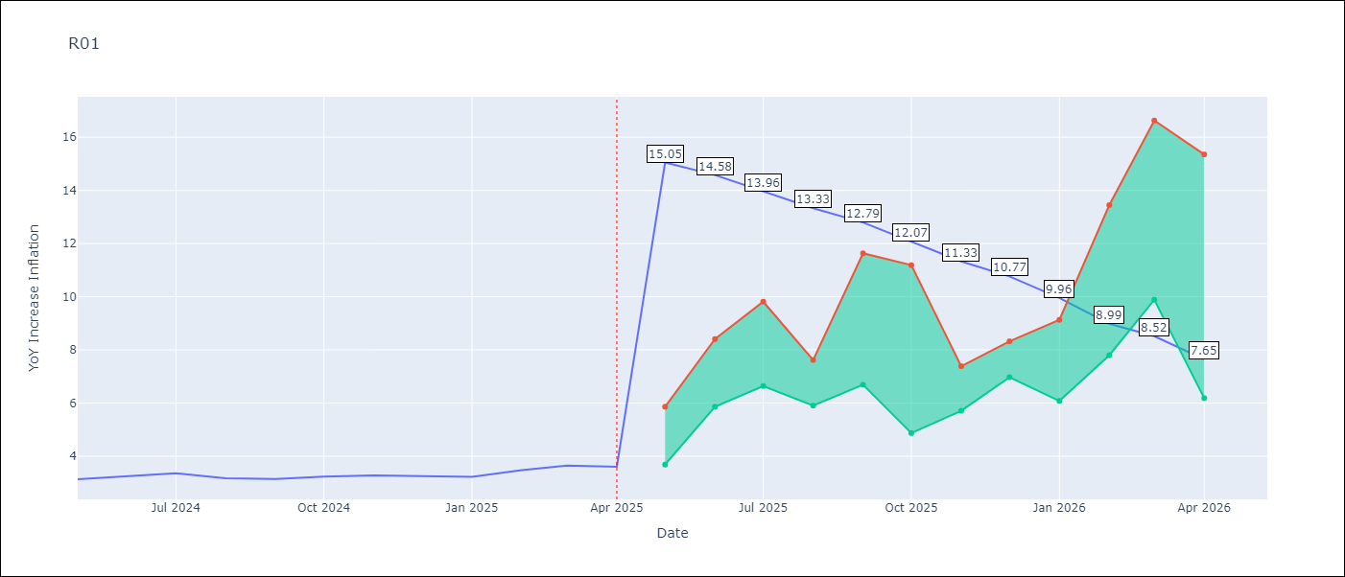

Test Metrics
RMSE | 0.73
Naive RMSE | 0.12
MAPE | 21.04%

Test Predictions
Date | Predicted | Actual
2024-05-01 | 3.66 | 3.13
2024-06-01 | 3.23 | 3.24
2024-07-01 | 2.93 | 3.36
2024-08-01 | 2.69 | 3.17
2024-09-01 | 2.59 | 3.15
2024-10-01 | 2.76 | 3.23
2024-11-01 | 3.1 | 3.28
2024-12-01 | 3.61 | 3.25
2025-01-01 | 4.07 | 3.23
2025-02-01 | 4.44 | 3.48
2025-03-01 | 4.78 | 3.65
2025-04-01 | 5.03 | 3.6

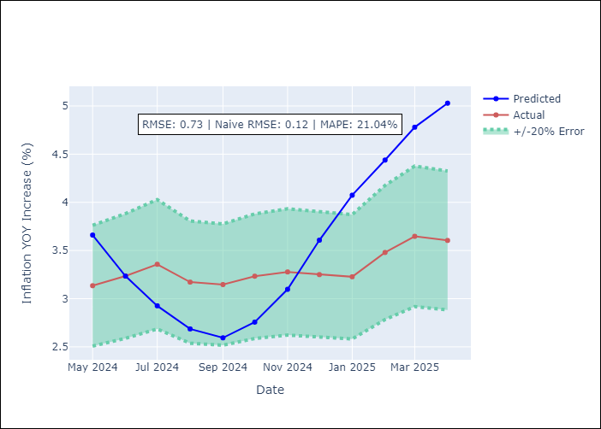

Appendix A: Model Summary
Model | Random Forest
Sample | 1998-01-01 to 2025-04-01
No. of Observations | 328
Terms | P-value (Statistical significance)

Assumptions | P-value



Appendix C: Residuals Analysis
Mean

R02
R02 - Inflation - Next 12 months forecast as of: 2025-04-01

Model | Random Forest - [(3, 1, 0), (1, 0, 1, 12)]
Training Data | 1998-01-01 to 2024-05-01
Test Data | 2024-05-01 to 2025-04-01

Date | Inflation Change YoY % | Lower Bound - 95% Confidence Interval | Upper Bound - 95% Confidence Interval
2025-05-01 | 7.31 | 3.09 | 6.07
2025-06-01 | 7.22 | 5.07 | 7.05
2025-07-01 | 7.18 | 6.58 | 7.86
2025-08-01 | 7.31 | 6.87 | 8.3
2025-09-01 | 7.59 | 5.99 | 9.54
2025-10-01 | 7.73 | 6.33 | 9.04
2025-11-01 | 7.68 | 6.41 | 9.65
2025-12-01 | 7.51 | 6.88 | 12.23
2026-01-01 | 7.4 | 6.66 | 11.41
2026-02-01 | 7.44 | 5.9 | 7.5
2026-03-01 | 7.54 | 5.92 | 8
2026-04-01 | 7.66 | 7.03 | 7.9

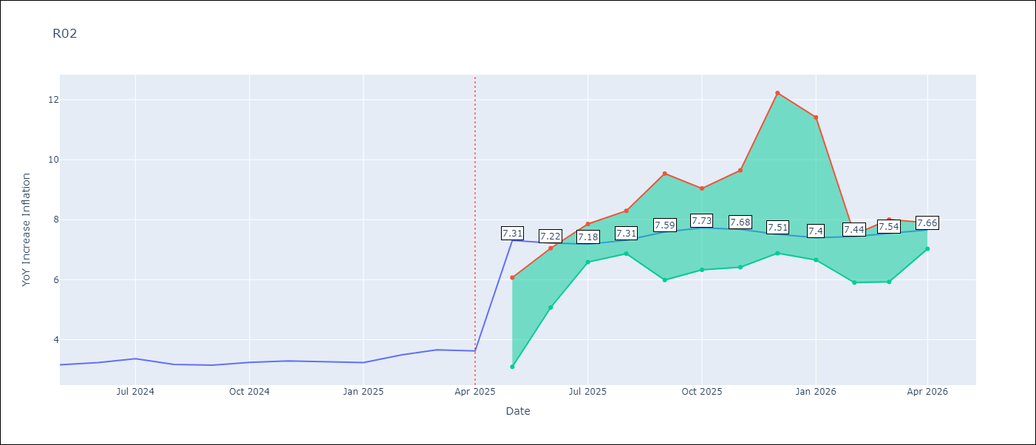

Test Metrics
RMSE | 0.64
Naive RMSE | 0.12
MAPE | 19.15%

Test Predictions
Date | Predicted | Actual
2024-05-01 | 3.83 | 3.16
2024-06-01 | 3.44 | 3.24
2024-07-01 | 3.09 | 3.36
2024-08-01 | 2.8 | 3.17
2024-09-01 | 2.69 | 3.15
2024-10-01 | 2.75 | 3.24
2024-11-01 | 3.01 | 3.29
2024-12-01 | 3.43 | 3.26
2025-01-01 | 3.89 | 3.23
2025-02-01 | 4.35 | 3.49
2025-03-01 | 4.64 | 3.66
2025-04-01 | 4.87 | 3.62

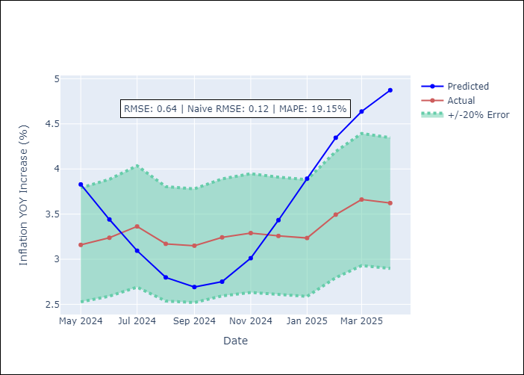

Appendix A: Model Summary
Model | Random Forest
Sample | 1998-01-01 to 2025-04-01
No. of Observations | 328
Terms | P-value (Statistical significance)

Assumptions | P-value

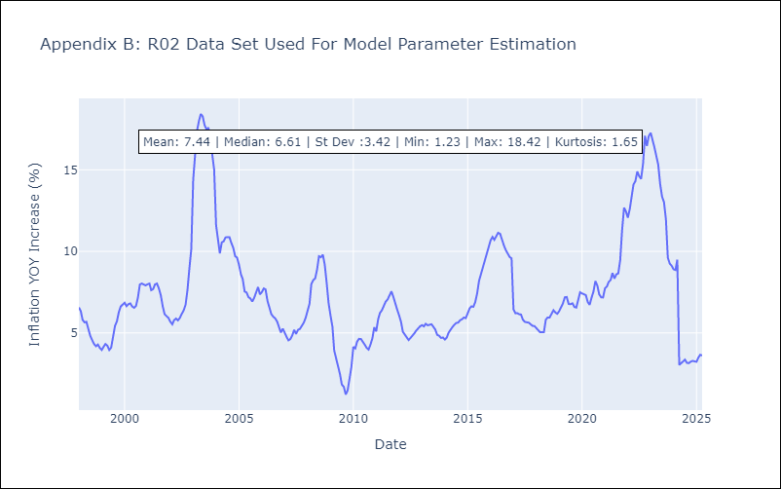

Appendix C: Residuals Analysis
Mean

R07
R07 - Inflation - Next 12 months forecast as of: 2025-04-01

Model | Random Forest - [(2, 1, 0), (0, 0, 1, 12)]
Training Data | 1993-01-01 to 2024-05-01
Test Data | 2024-05-01 to 2025-04-01

Date | Inflation Change YoY % | Lower Bound - 95% Confidence Interval | Upper Bound - 95% Confidence Interval
2025-05-01 | 7.79 | 2.09 | 4.61
2025-06-01 | 7.68 | 4.3 | 7.53
2025-07-01 | 7.48 | 6.16 | 8.78
2025-08-01 | 7.39 | 6.83 | 8.81
2025-09-01 | 7.14 | 4.5 | 7.72
2025-10-01 | 6.97 | 4 | 9.1
2025-11-01 | 6.8 | 5.78 | 10.04
2025-12-01 | 6.65 | 4.88 | 7.1
2026-01-01 | 6.5 | 5.48 | 7.81
2026-02-01 | 6.22 | 5.72 | 7.55
2026-03-01 | 6.08 | 6.58 | 8.32
2026-04-01 | 6 | 5.51 | 8.09

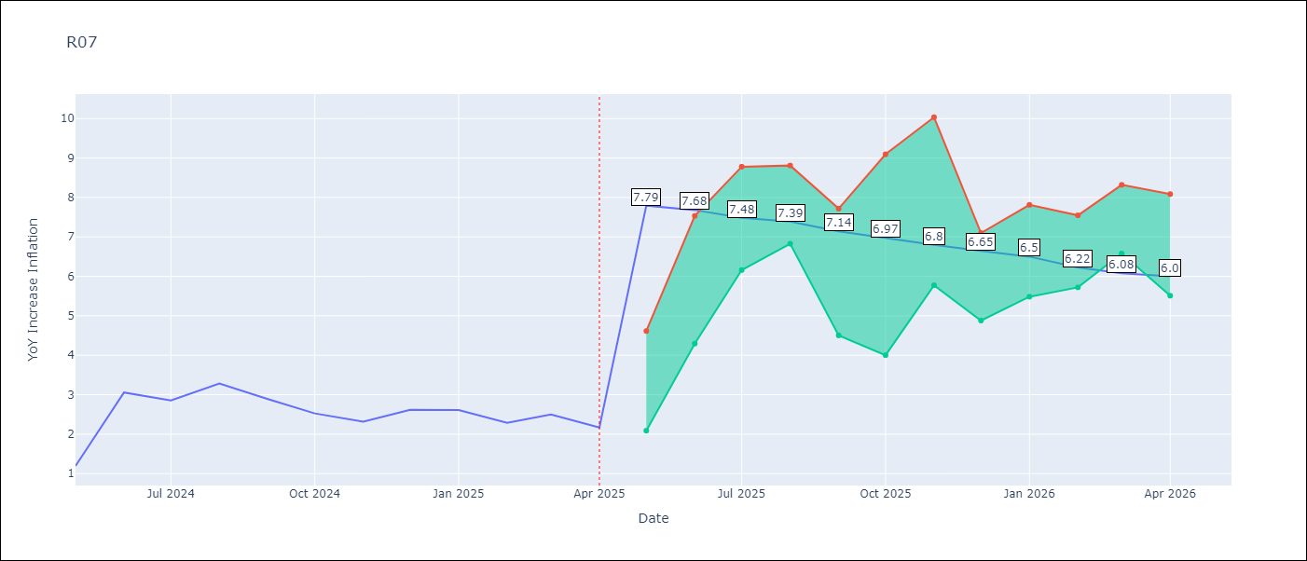

Test Metrics
RMSE | 0.86
Naive RMSE | 0.63
MAPE | 32.62%

Test Predictions
Date | Predicted | Actual
2024-05-01 | 2.77 | 1.19
2024-06-01 | 2.15 | 3.06
2024-07-01 | 2.74 | 2.85
2024-08-01 | 2.84 | 3.29
2024-09-01 | 3.13 | 2.89
2024-10-01 | 3.19 | 2.53
2024-11-01 | 3.14 | 2.32
2024-12-01 | 3.13 | 2.62
2025-01-01 | 3.31 | 2.61
2025-02-01 | 3.44 | 2.29
2025-03-01 | 3.38 | 2.5
2025-04-01 | 3.37 | 2.17

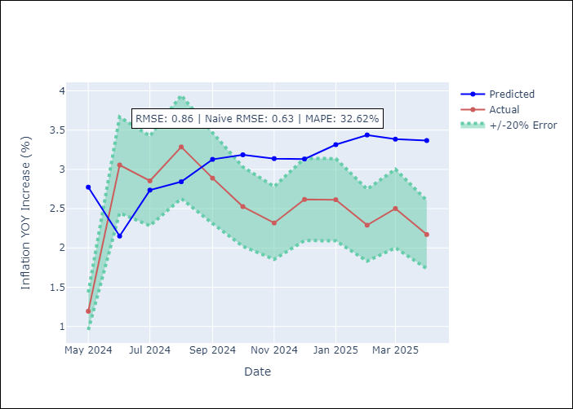

Appendix A: Model Summary
Model | Random Forest
Sample | 1993-01-01 to 2025-04-01
No. of Observations | 388
Terms | P-value (Statistical significance)

Assumptions | P-value



Appendix C: Residuals Analysis
Mean

SUR10
SUR10 - Inflation - Next 12 months forecast as of: 2025-04-01

Model | Random Forest - [(3, 2, 1), (2, 0, 1, 12)]
Training Data | 1998-01-01 to 2024-05-01
Test Data | 2024-05-01 to 2025-04-01

Date | Inflation Change YoY % | Lower Bound - 95% Confidence Interval | Upper Bound - 95% Confidence Interval
2025-05-01 | 6.03 | 4.87 | 5.92
2025-06-01 | 5.97 | 5.55 | 8.66
2025-07-01 | 5.87 | 5.58 | 9.81
2025-08-01 | 5.79 | 3.92 | 5.6
2025-09-01 | 5.6 | 4.35 | 5.93
2025-10-01 | 5.48 | 5.01 | 6.32
2025-11-01 | 5.39 | 6.07 | 9.78
2025-12-01 | 5.32 | 4.85 | 8.92
2026-01-01 | 5.25 | 3.61 | 5.04
2026-02-01 | 5.18 | 3.51 | 4.92
2026-03-01 | 5.13 | 4.49 | 6.23
2026-04-01 | 5.12 | 4.37 | 6.77

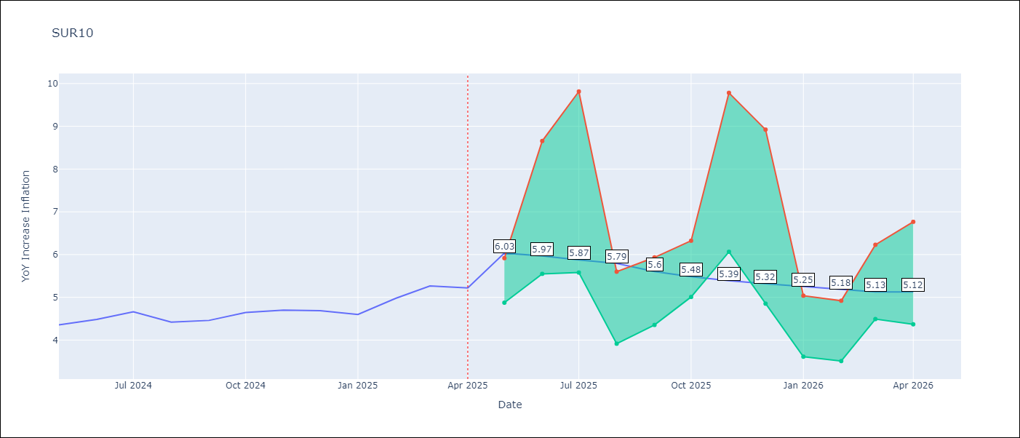

Test Metrics
RMSE | 0.18
Naive RMSE | 0.19
MAPE | 6.6%

Test Predictions
Date | Predicted | Actual
2024-05-01 | 4.55 | 4.35
2024-06-01 | 4.64 | 4.49
2024-07-01 | 4.68 | 4.66
2024-08-01 | 4.65 | 4.42
2024-09-01 | 4.61 | 4.46
2024-10-01 | 4.7 | 4.65
2024-11-01 | 4.83 | 4.7
2024-12-01 | 4.92 | 4.69
2025-01-01 | 4.98 | 4.6
2025-02-01 | 5.01 | 4.98
2025-03-01 | 5.14 | 5.27
2025-04-01 | 5.28 | 5.22

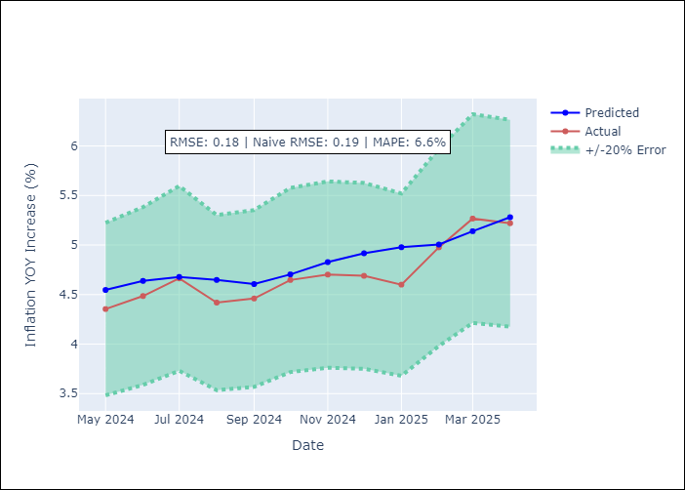

Appendix A: Model Summary
Model | Random Forest
Sample | 1998-01-01 to 2025-04-01
No. of Observations | 328
Terms | P-value (Statistical significance)

Assumptions | P-value

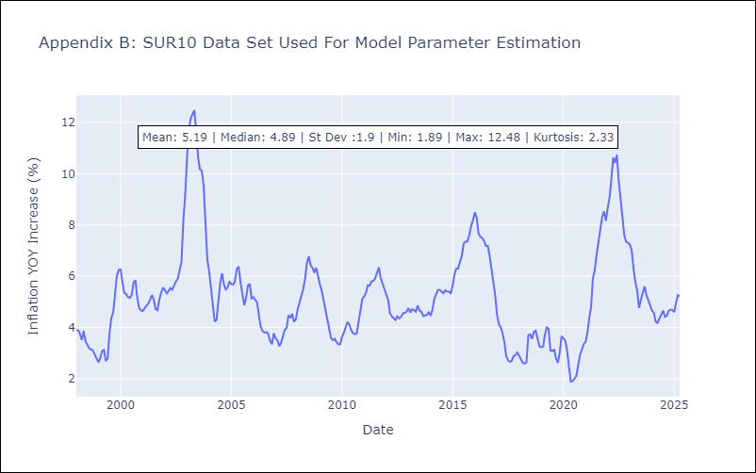

Appendix C: Residuals Analysis
Mean

