CAR13
CAR13 - Inflation - Next 12 months forecast as of: 2025-04-01

Model | Random Forest - [(2, 1, 0), (0, 0, 1, 12)]
Training Data | 1993-01-01 to 2024-05-01
Test Data | 2024-05-01 to 2025-04-01

Date | Inflation Change YoY % | Lower Bound - 95% Confidence Interval | Upper Bound - 95% Confidence Interval
2025-05-01 | 3.54 | 2.12 | 4.69
2025-06-01 | 3.52 | 4.2 | 7.5
2025-07-01 | 3.16 | 5.9 | 7.5
2025-08-01 | 3.41 | 6.1 | 8.46
2025-09-01 | 3.35 | 6.92 | 8.38
2025-10-01 | 3.24 | 4.48 | 7.66
2025-11-01 | 3.18 | 4.69 | 8.09
2025-12-01 | 3.23 | 4.94 | 6.6
2026-01-01 | 3.33 | 5.03 | 7.63
2026-02-01 | 3.54 | 4.38 | 5.67
2026-03-01 | 3.66 | 3.34 | 5.69
2026-04-01 | 3.71 | 2 | 5.02

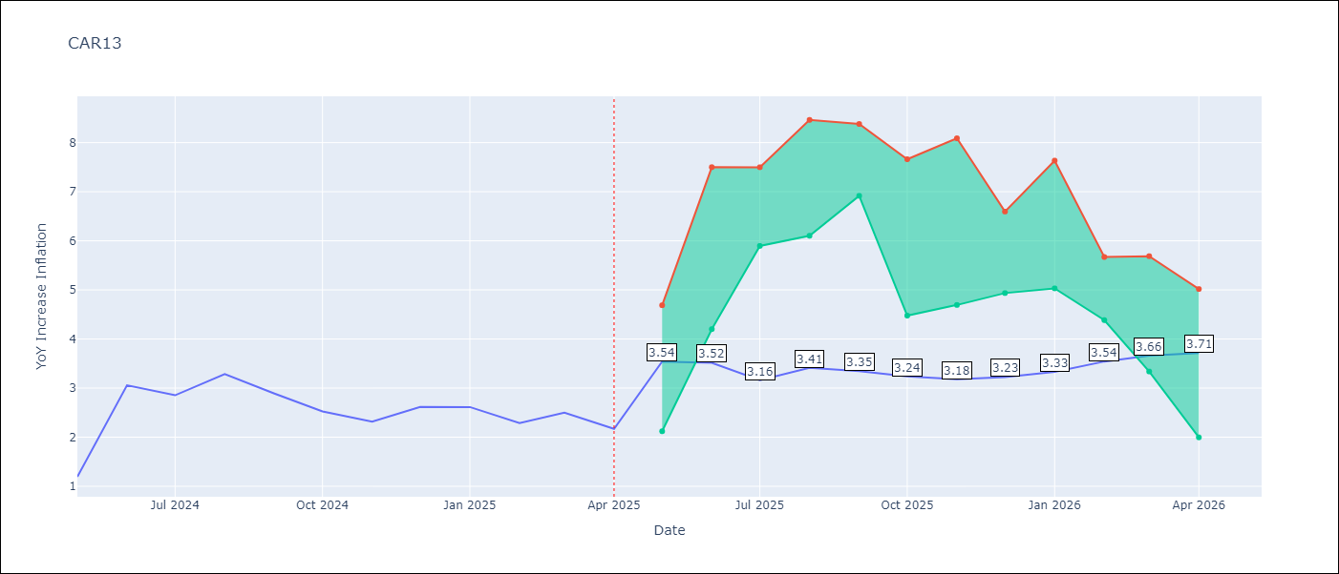

Test Metrics
RMSE | 0.95
Naive RMSE | 0.63
MAPE | 36.64%

Test Predictions
Date | Predicted | Actual
2024-05-01 | 2.82 | 1.19
2024-06-01 | 2.38 | 3.06
2024-07-01 | 2.87 | 2.85
2024-08-01 | 2.91 | 3.29
2024-09-01 | 3.21 | 2.89
2024-10-01 | 3.3 | 2.53
2024-11-01 | 3.28 | 2.32
2024-12-01 | 3.27 | 2.62
2025-01-01 | 3.4 | 2.61
2025-02-01 | 3.54 | 2.29
2025-03-01 | 3.62 | 2.5
2025-04-01 | 3.63 | 2.17

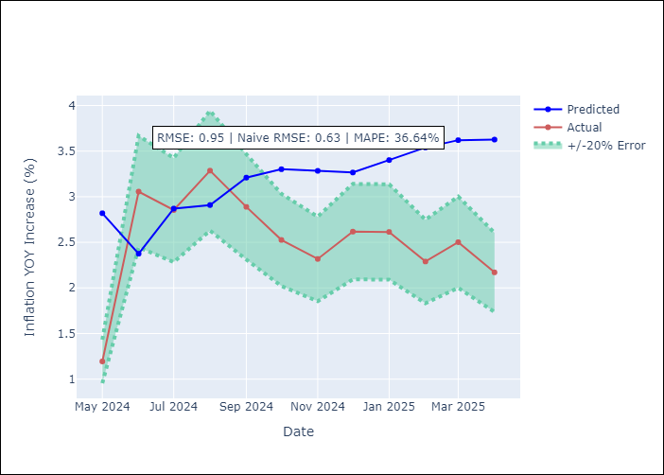

Appendix A: Model Summary
Model | Random Forest
Sample | 1993-01-01 to 2025-04-01
No. of Observations | 388
Terms | P-value (Statistical significance)

Assumptions | P-value

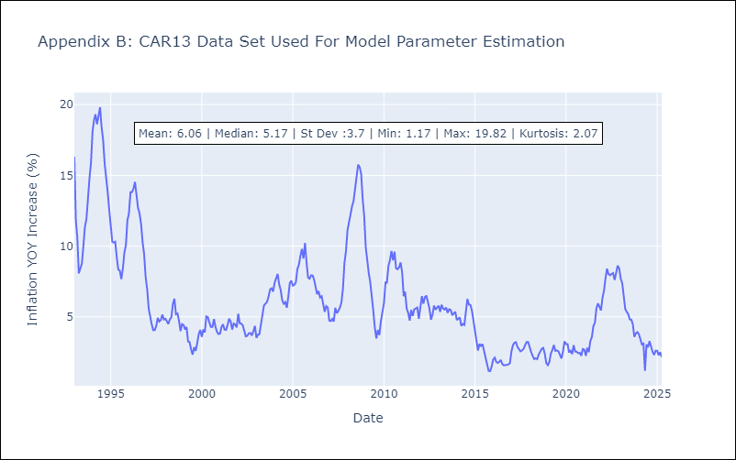

Appendix C: Residuals Analysis
Mean

CEN09
CEN09 - Inflation - Next 12 months forecast as of: 2025-04-01

Model | Random Forest - [(1, 1, 0), (0, 0, 0, 12)]
Training Data | 1992-01-01 to 2024-05-01
Test Data | 2024-05-01 to 2025-04-01

Date | Inflation Change YoY % | Lower Bound - 95% Confidence Interval | Upper Bound - 95% Confidence Interval
2025-05-01 | 5.43 | 1.81 | 7.32
2025-06-01 | 5.7 | 6.01 | 11.19
2025-07-01 | 5.84 | 7.43 | 15.16
2025-08-01 | 5.97 | 6.45 | 13.97
2025-09-01 | 6.1 | 5.68 | 11.39
2025-10-01 | 6.37 | 5.7 | 10.1
2025-11-01 | 6.73 | 3.33 | 6.32
2025-12-01 | 7.02 | 4.14 | 6.36
2026-01-01 | 7.3 | 5.15 | 8.12
2026-02-01 | 7.49 | 2.67 | 6.6
2026-03-01 | 7.55 | 3.95 | 5.78
2026-04-01 | 7.34 | 4.81 | 8.28

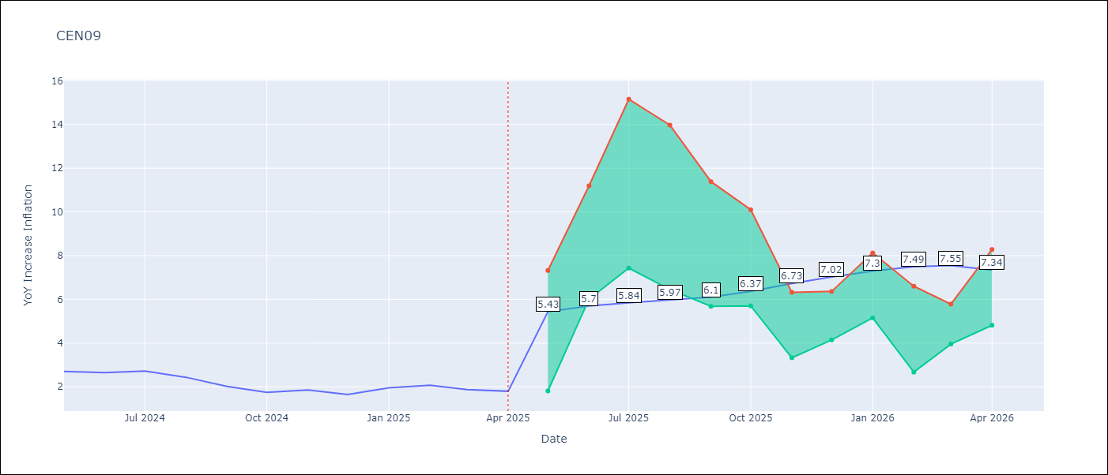

Test Metrics
RMSE | 0.79
Naive RMSE | 0.22
MAPE | 28.19%

Test Predictions
Date | Predicted | Actual
2024-05-01 | 2.33 | 2.71
2024-06-01 | 2.2 | 2.65
2024-07-01 | 2.09 | 2.72
2024-08-01 | 2.07 | 2.44
2024-09-01 | 2.07 | 2.01
2024-10-01 | 2.07 | 1.75
2024-11-01 | 2.22 | 1.85
2024-12-01 | 2.51 | 1.65
2025-01-01 | 2.77 | 1.96
2025-02-01 | 3.02 | 2.07
2025-03-01 | 3.24 | 1.87
2025-04-01 | 3.29 | 1.8

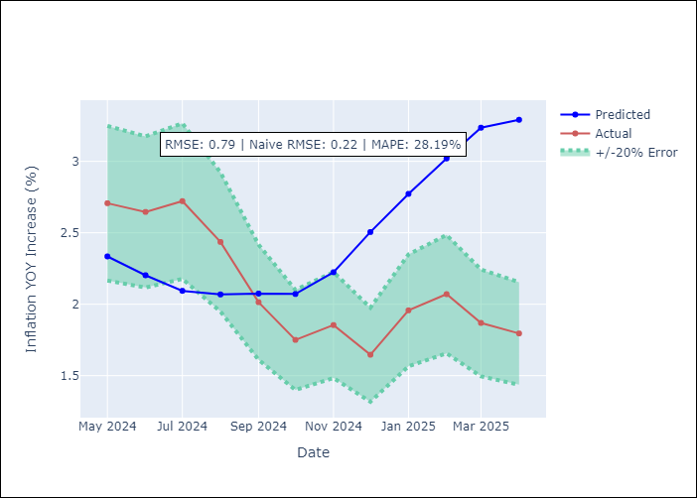

Appendix A: Model Summary
Model | Random Forest
Sample | 1992-01-01 to 2025-04-01
No. of Observations | 400
Terms | P-value (Statistical significance)

Assumptions | P-value

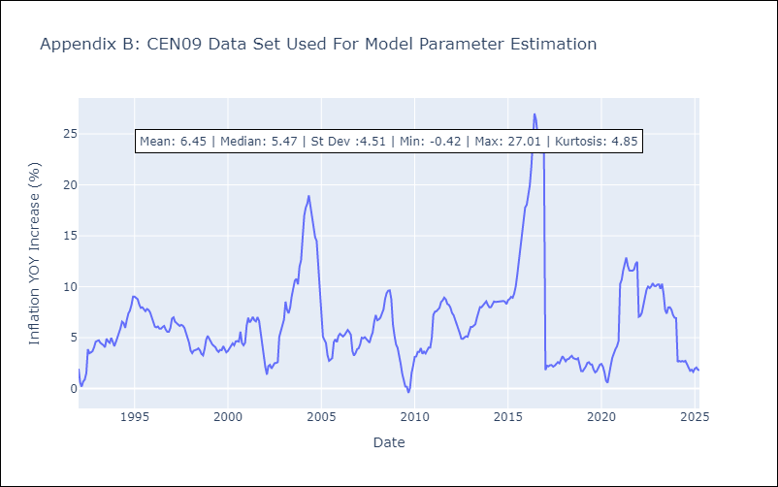

Appendix C: Residuals Analysis
Mean

CEN10
CEN10 - Inflation - Next 12 months forecast as of: 2025-04-01

Model | Random Forest - [(1, 1, 1), (0, 0, 1, 12)]
Training Data | 1992-01-01 to 2024-05-01
Test Data | 2024-05-01 to 2025-04-01

Date | Inflation Change YoY % | Lower Bound - 95% Confidence Interval | Upper Bound - 95% Confidence Interval
2025-05-01 | 12.15 | 1.13 | 1.71
2025-06-01 | 11.82 | 1.57 | 2.66
2025-07-01 | 11.43 | 2.48 | 15.14
2025-08-01 | 10.85 | 10.38 | 17.57
2025-09-01 | 10.24 | 10.48 | 17.05
2025-10-01 | 9.78 | 8.4 | 12.81
2025-11-01 | 9.41 | 8.11 | 11.77
2025-12-01 | 8.99 | 11.07 | 14.03
2026-01-01 | 8.71 | 7 | 12.69
2026-02-01 | 8.6 | 6.88 | 10.1
2026-03-01 | 8.67 | 9.05 | 14.07
2026-04-01 | 8.91 | 5.93 | 13.47

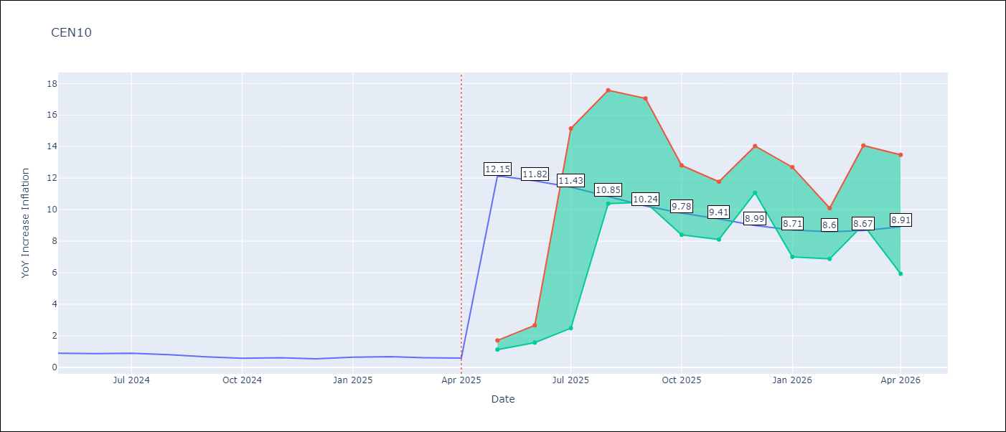

Test Metrics
RMSE | 3.69
Naive RMSE | 0.07
MAPE | 455.28%

Test Predictions
Date | Predicted | Actual
2024-05-01 | 3.62 | 0.89
2024-06-01 | 3.13 | 0.87
2024-07-01 | 2.66 | 0.9
2024-08-01 | 2.13 | 0.8
2024-09-01 | 1.7 | 0.66
2024-10-01 | 1.46 | 0.58
2024-11-01 | 1.97 | 0.61
2024-12-01 | 3.15 | 0.54
2025-01-01 | 4.82 | 0.64
2025-02-01 | 6.07 | 0.68
2025-03-01 | 6.81 | 0.62
2025-04-01 | 7.69 | 0.59

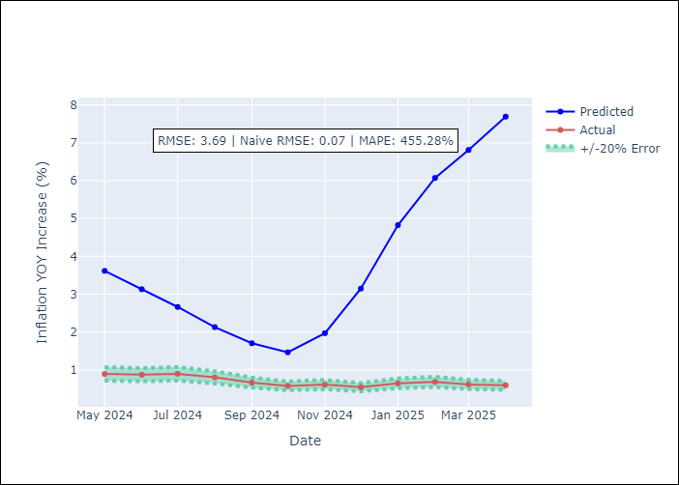

Appendix A: Model Summary
Model | Random Forest
Sample | 1992-01-01 to 2025-04-01
No. of Observations | 400
Terms | P-value (Statistical significance)

Assumptions | P-value

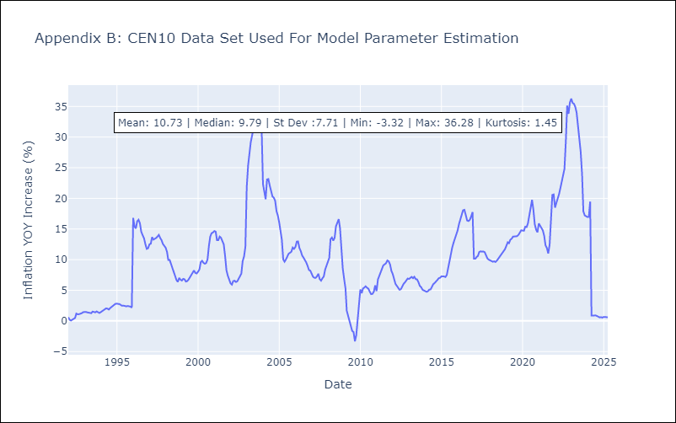

Appendix C: Residuals Analysis
Mean

R01
R01 - Inflation - Next 12 months forecast as of: 2025-04-01

Model | Random Forest - [(1, 2, 1), (1, 0, 1, 12)]
Training Data | 1998-01-01 to 2024-05-01
Test Data | 2024-05-01 to 2025-04-01

Date | Inflation Change YoY % | Lower Bound - 95% Confidence Interval | Upper Bound - 95% Confidence Interval
2025-05-01 | 14.69 | 3.53 | 5.79
2025-06-01 | 14.8 | 5.77 | 8.65
2025-07-01 | 14.72 | 6.8 | 7.92
2025-08-01 | 14.65 | 6.09 | 9.1
2025-09-01 | 14.86 | 8.22 | 12.78
2025-10-01 | 14.96 | 10.81 | 16.47
2025-11-01 | 14.62 | 7.96 | 15.71
2025-12-01 | 14.27 | 5.04 | 10.84
2026-01-01 | 13.76 | 5.1 | 7.63
2026-02-01 | 12.79 | 6.49 | 15.79
2026-03-01 | 12.16 | 7.55 | 16.14
2026-04-01 | 11.63 | 8.08 | 15.9

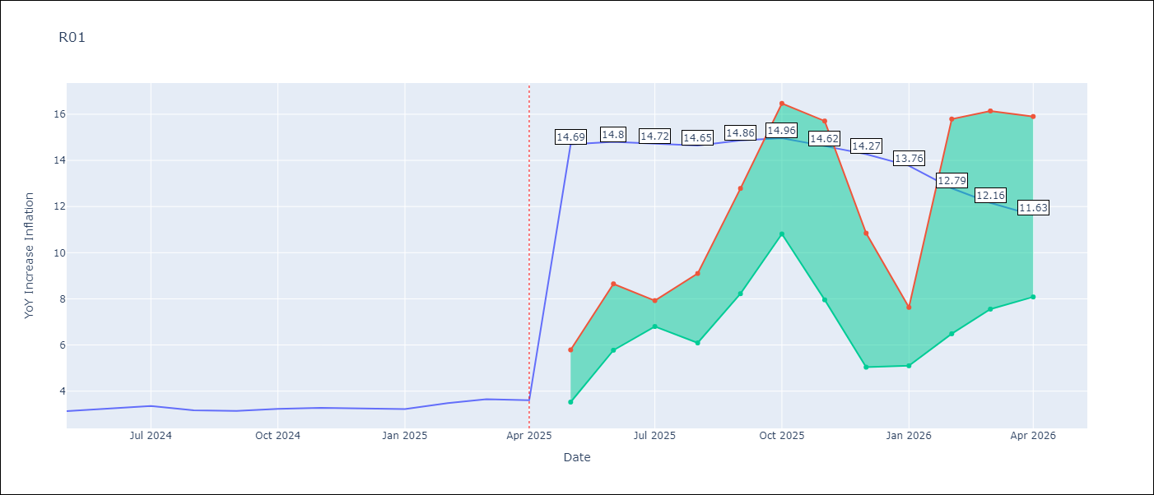

Test Metrics
RMSE | 0.79
Naive RMSE | 0.12
MAPE | 22.23%

Test Predictions
Date | Predicted | Actual
2024-05-01 | 3.71 | 3.13
2024-06-01 | 3.32 | 3.24
2024-07-01 | 2.98 | 3.36
2024-08-01 | 2.72 | 3.17
2024-09-01 | 2.61 | 3.15
2024-10-01 | 2.73 | 3.23
2024-11-01 | 3.04 | 3.28
2024-12-01 | 3.56 | 3.25
2025-01-01 | 4.09 | 3.23
2025-02-01 | 4.53 | 3.48
2025-03-01 | 4.93 | 3.65
2025-04-01 | 5.21 | 3.6

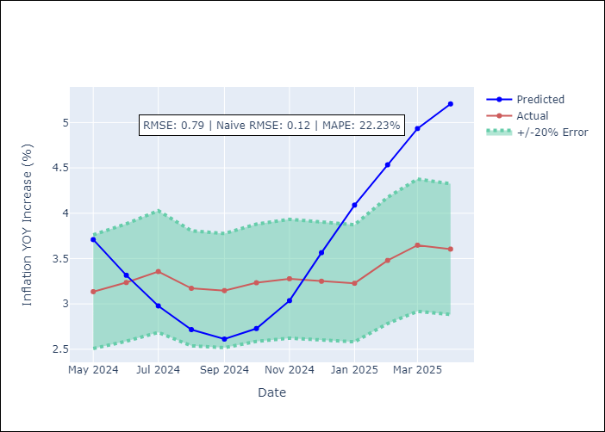

Appendix A: Model Summary
Model | Random Forest
Sample | 1998-01-01 to 2025-04-01
No. of Observations | 328
Terms | P-value (Statistical significance)

Assumptions | P-value



Appendix C: Residuals Analysis
Mean

R02
R02 - Inflation - Next 12 months forecast as of: 2025-04-01

Model | Random Forest - [(3, 1, 0), (1, 0, 1, 12)]
Training Data | 1998-01-01 to 2024-05-01
Test Data | 2024-05-01 to 2025-04-01

Date | Inflation Change YoY % | Lower Bound - 95% Confidence Interval | Upper Bound - 95% Confidence Interval
2025-05-01 | 7.9 | 3.2 | 5.96
2025-06-01 | 7.29 | 4.83 | 6.9
2025-07-01 | 6.57 | 6.84 | 7.99
2025-08-01 | 6.06 | 6.42 | 8.93
2025-09-01 | 5.69 | 7.07 | 9.35
2025-10-01 | 5.41 | 7.79 | 13.94
2025-11-01 | 5.15 | 9.47 | 16.46
2025-12-01 | 5 | 7.28 | 15.44
2026-01-01 | 4.82 | 3.81 | 8.1
2026-02-01 | 4.72 | 4.99 | 7.16
2026-03-01 | 4.74 | 6.86 | 9.11
2026-04-01 | 4.97 | 3.05 | 9.11

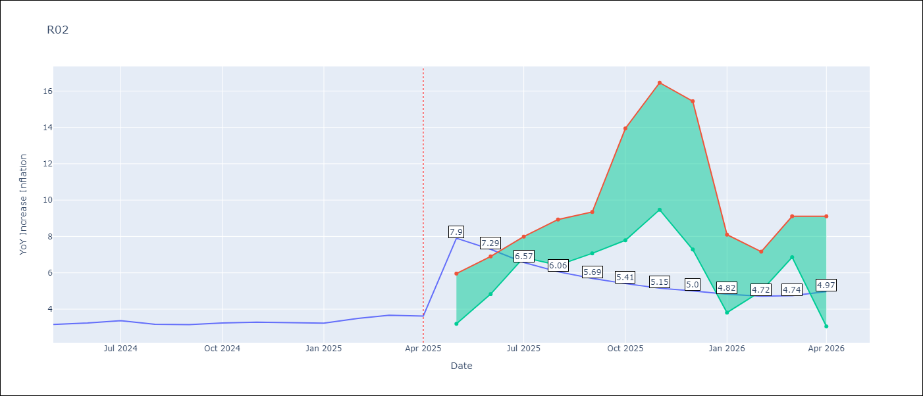

Test Metrics
RMSE | 0.65
Naive RMSE | 0.12
MAPE | 20.26%

Test Predictions
Date | Predicted | Actual
2024-05-01 | 3.67 | 3.16
2024-06-01 | 3.24 | 3.24
2024-07-01 | 2.88 | 3.36
2024-08-01 | 2.58 | 3.17
2024-09-01 | 2.44 | 3.15
2024-10-01 | 2.49 | 3.24
2024-11-01 | 2.74 | 3.29
2024-12-01 | 3.2 | 3.26
2025-01-01 | 3.74 | 3.23
2025-02-01 | 4.21 | 3.49
2025-03-01 | 4.56 | 3.66
2025-04-01 | 4.75 | 3.62

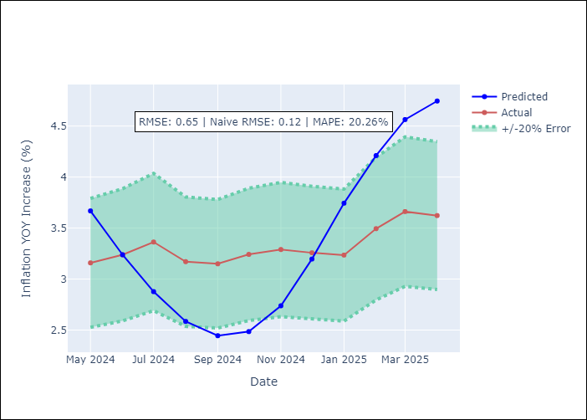

Appendix A: Model Summary
Model | Random Forest
Sample | 1998-01-01 to 2025-04-01
No. of Observations | 328
Terms | P-value (Statistical significance)

Assumptions | P-value

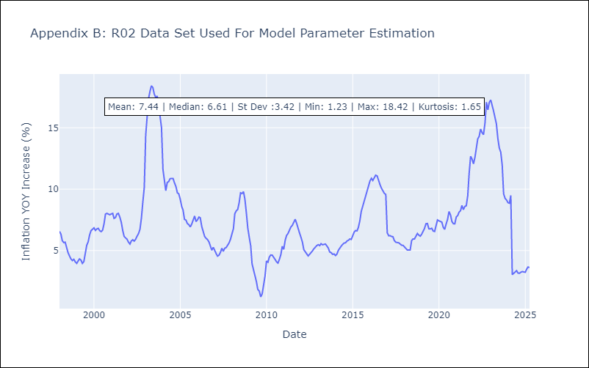

Appendix C: Residuals Analysis
Mean

R07
R07 - Inflation - Next 12 months forecast as of: 2025-04-01

Model | Random Forest - [(2, 1, 0), (0, 0, 1, 12)]
Training Data | 1993-01-01 to 2024-05-01
Test Data | 2024-05-01 to 2025-04-01

Date | Inflation Change YoY % | Lower Bound - 95% Confidence Interval | Upper Bound - 95% Confidence Interval
2025-05-01 | 7.2 | 2.14 | 4.64
2025-06-01 | 6.86 | 3.67 | 7.87
2025-07-01 | 6.59 | 6.23 | 7.85
2025-08-01 | 6.32 | 6.34 | 9.62
2025-09-01 | 6.18 | 4.45 | 8.34
2025-10-01 | 6 | 4.31 | 7.29
2025-11-01 | 5.79 | 3.99 | 9.83
2025-12-01 | 5.53 | 5.22 | 6.6
2026-01-01 | 5.4 | 5.61 | 7.87
2026-02-01 | 5.28 | 6.31 | 8.09
2026-03-01 | 5.17 | 6.99 | 8.58
2026-04-01 | 4.98 | 4.54 | 7.46

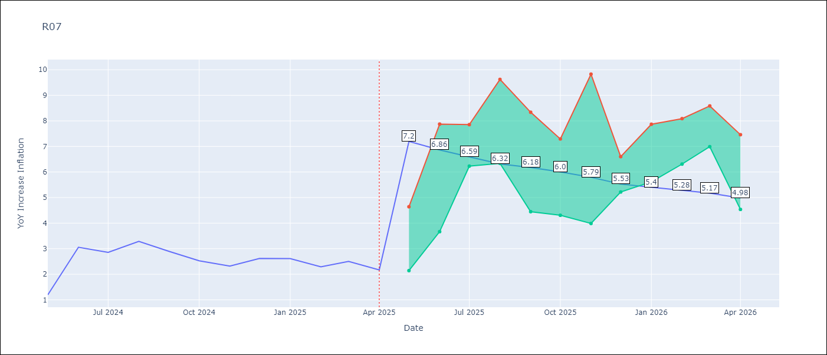

Test Metrics
RMSE | 0.97
Naive RMSE | 0.63
MAPE | 37.55%

Test Predictions
Date | Predicted | Actual
2024-05-01 | 2.88 | 1.19
2024-06-01 | 2.38 | 3.06
2024-07-01 | 2.89 | 2.85
2024-08-01 | 2.98 | 3.29
2024-09-01 | 3.24 | 2.89
2024-10-01 | 3.37 | 2.53
2024-11-01 | 3.38 | 2.32
2024-12-01 | 3.29 | 2.62
2025-01-01 | 3.45 | 2.61
2025-02-01 | 3.5 | 2.29
2025-03-01 | 3.6 | 2.5
2025-04-01 | 3.58 | 2.17

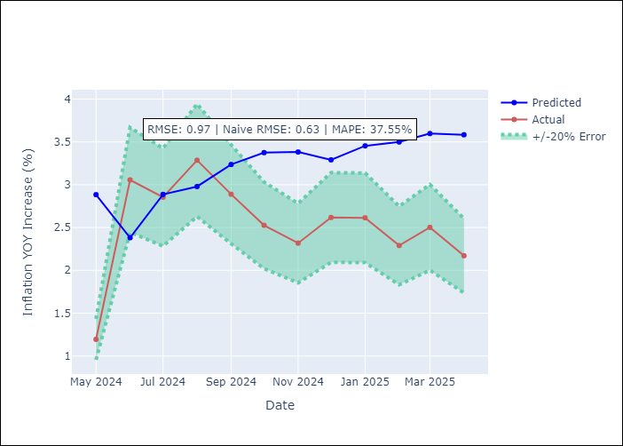

Appendix A: Model Summary
Model | Random Forest
Sample | 1993-01-01 to 2025-04-01
No. of Observations | 388
Terms | P-value (Statistical significance)

Assumptions | P-value



Appendix C: Residuals Analysis
Mean

SUR10
SUR10 - Inflation - Next 12 months forecast as of: 2025-04-01

Model | Random Forest - [(3, 2, 1), (2, 0, 1, 12)]
Training Data | 1998-01-01 to 2024-05-01
Test Data | 2024-05-01 to 2025-04-01

Date | Inflation Change YoY % | Lower Bound - 95% Confidence Interval | Upper Bound - 95% Confidence Interval
2025-05-01 | 8.51 | 4.91 | 6.04
2025-06-01 | 8.01 | 5.56 | 9.35
2025-07-01 | 7.68 | 5.61 | 10.31
2025-08-01 | 7.45 | 4.22 | 5.56
2025-09-01 | 7.28 | 4.64 | 5.63
2025-10-01 | 7.09 | 5.38 | 8.07
2025-11-01 | 6.73 | 6.74 | 11.28
2025-12-01 | 6.27 | 4.63 | 6.8
2026-01-01 | 5.85 | 4.23 | 6.12
2026-02-01 | 5.35 | 5 | 6.26
2026-03-01 | 5.01 | 6.01 | 9.8
2026-04-01 | 4.89 | 4.71 | 8.73

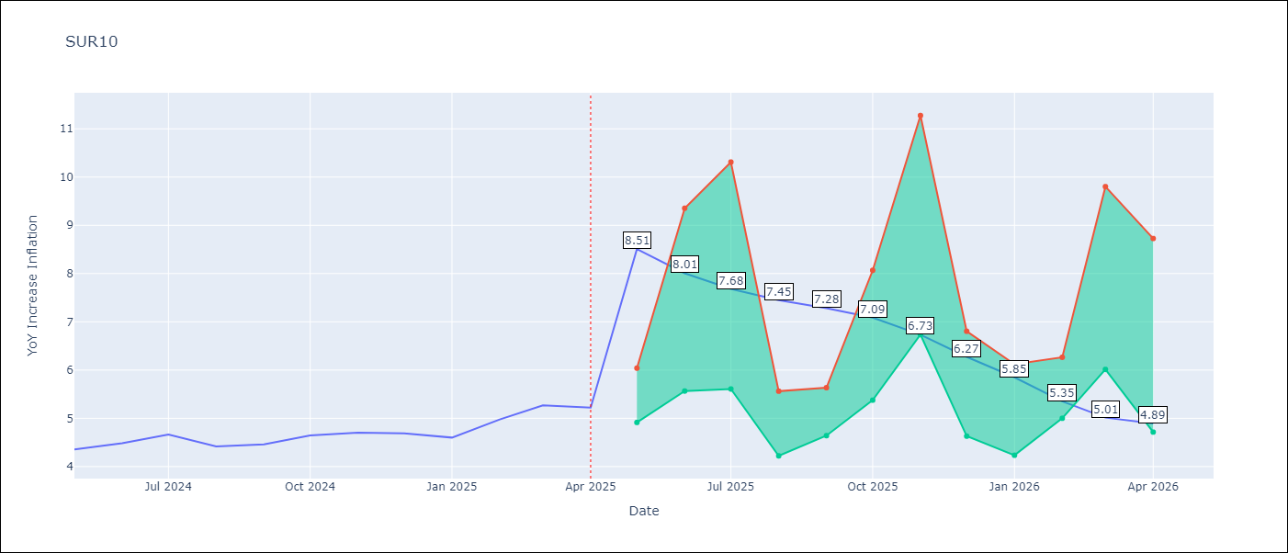

Test Metrics
RMSE | 0.34
Naive RMSE | 0.19
MAPE | 8.91%

Test Predictions
Date | Predicted | Actual
2024-05-01 | 4.7 | 4.35
2024-06-01 | 4.8 | 4.49
2024-07-01 | 4.83 | 4.66
2024-08-01 | 4.79 | 4.42
2024-09-01 | 4.77 | 4.46
2024-10-01 | 4.88 | 4.65
2024-11-01 | 5.02 | 4.7
2024-12-01 | 5.15 | 4.69
2025-01-01 | 5.22 | 4.6
2025-02-01 | 5.26 | 4.98
2025-03-01 | 5.35 | 5.27
2025-04-01 | 5.45 | 5.22

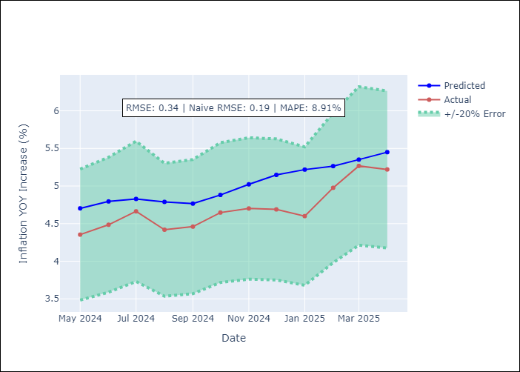

Appendix A: Model Summary
Model | Random Forest
Sample | 1998-01-01 to 2025-04-01
No. of Observations | 328
Terms | P-value (Statistical significance)

Assumptions | P-value

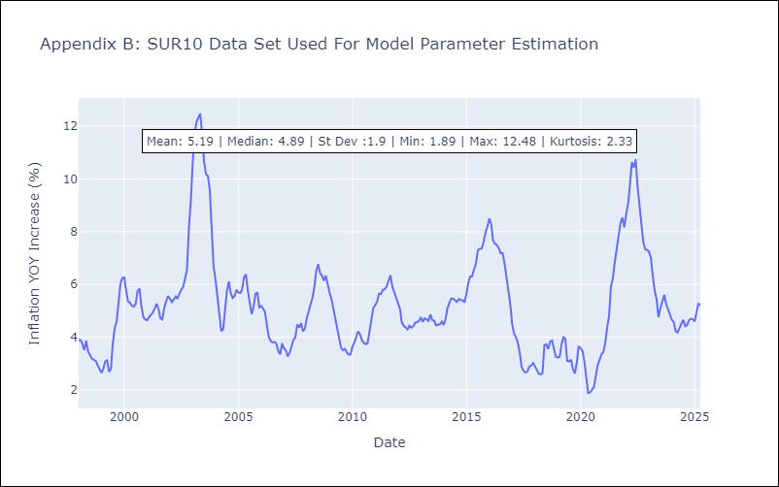

Appendix C: Residuals Analysis
Mean

