CAR13
CAR13 - Inflation - Next 12 months forecast as of: 2025-04-01

Model | Random Forest - [(2, 1, 0), (0, 0, 1, 12)]
Training Data | 1993-01-01 to 2024-05-01
Test Data | 2024-05-01 to 2025-04-01

Date | Inflation Change YoY % | Lower Bound - 95% Confidence Interval | Upper Bound - 95% Confidence Interval
2025-05-01 | 5.65 | 2.16 | 4.52
2025-06-01 | 5.77 | 3.58 | 7.62
2025-07-01 | 5.91 | 6.15 | 8.47
2025-08-01 | 5.93 | 6.74 | 8.75
2025-09-01 | 6.05 | 4.57 | 7.6
2025-10-01 | 6.2 | 3.73 | 8.06
2025-11-01 | 6.28 | 4.17 | 7.81
2025-12-01 | 6.45 | 4.17 | 5.83
2026-01-01 | 6.52 | 3.12 | 4.98
2026-02-01 | 6.61 | 3.97 | 6.92
2026-03-01 | 6.71 | 5.19 | 7.05
2026-04-01 | 6.75 | 5.4 | 7.86

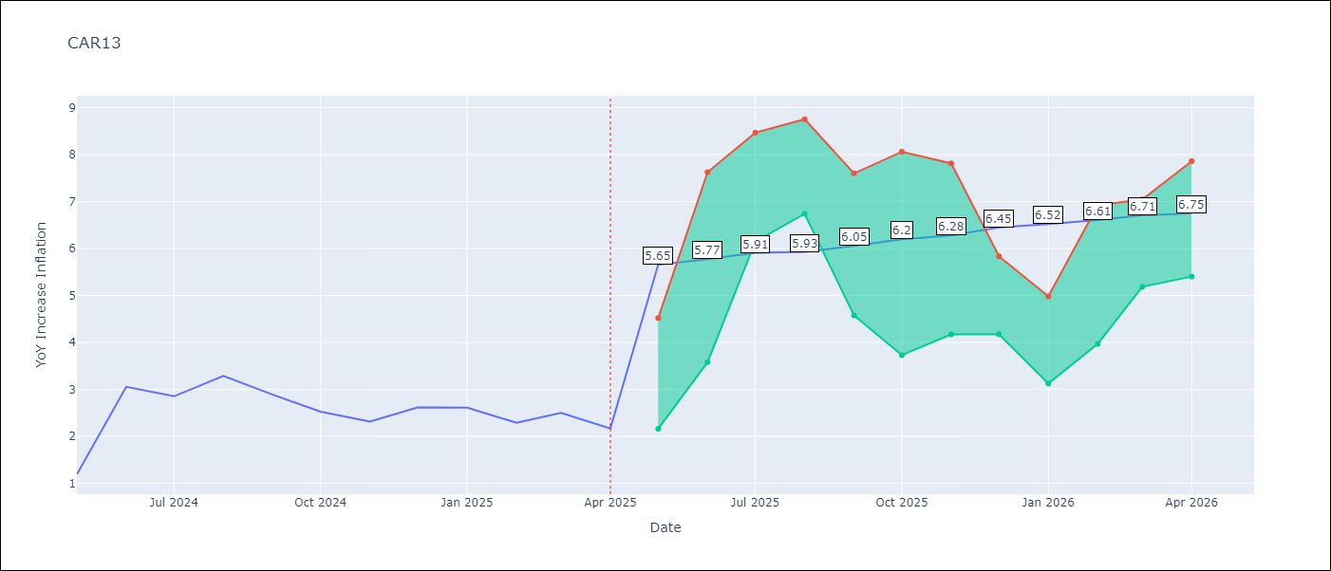

Test Metrics
RMSE | 0.94
Naive RMSE | 0.63
MAPE | 36.41%

Test Predictions
Date | Predicted | Actual
2024-05-01 | 2.78 | 1.19
2024-06-01 | 2.32 | 3.06
2024-07-01 | 2.78 | 2.85
2024-08-01 | 2.95 | 3.29
2024-09-01 | 3.15 | 2.89
2024-10-01 | 3.24 | 2.53
2024-11-01 | 3.27 | 2.32
2024-12-01 | 3.27 | 2.62
2025-01-01 | 3.53 | 2.61
2025-02-01 | 3.58 | 2.29
2025-03-01 | 3.58 | 2.5
2025-04-01 | 3.57 | 2.17

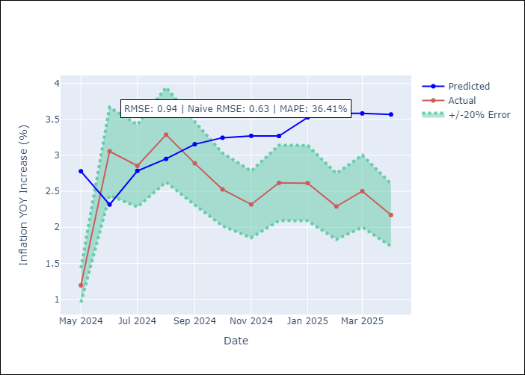

Appendix A: Model Summary
Model | Random Forest
Sample | 1993-01-01 to 2025-04-01
No. of Observations | 388
Terms | P-value (Statistical significance)

Assumptions | P-value

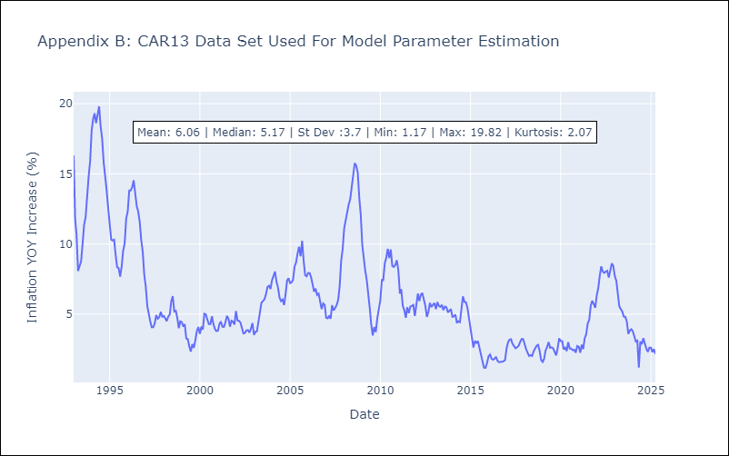

Appendix C: Residuals Analysis
Mean

CEN09
CEN09 - Inflation - Next 12 months forecast as of: 2025-04-01

Model | Random Forest - [(1, 1, 0), (0, 0, 0, 12)]
Training Data | 1992-01-01 to 2024-05-01
Test Data | 2024-05-01 to 2025-04-01

Date | Inflation Change YoY % | Lower Bound - 95% Confidence Interval | Upper Bound - 95% Confidence Interval
2025-05-01 | 5.39 | 1.72 | 7.83
2025-06-01 | 5.67 | 7.23 | 14.21
2025-07-01 | 5.87 | 11.02 | 20.61
2025-08-01 | 5.98 | 3.16 | 15.93
2025-09-01 | 6.08 | 4.33 | 6.6
2025-10-01 | 6.34 | 5.58 | 8.21
2025-11-01 | 6.7 | 2.81 | 6.42
2025-12-01 | 7.09 | 4.13 | 6.32
2026-01-01 | 7.46 | 4.91 | 8.12
2026-02-01 | 7.77 | 3.15 | 6.18
2026-03-01 | 7.9 | 3.72 | 6.05
2026-04-01 | 7.76 | 5.33 | 8.44

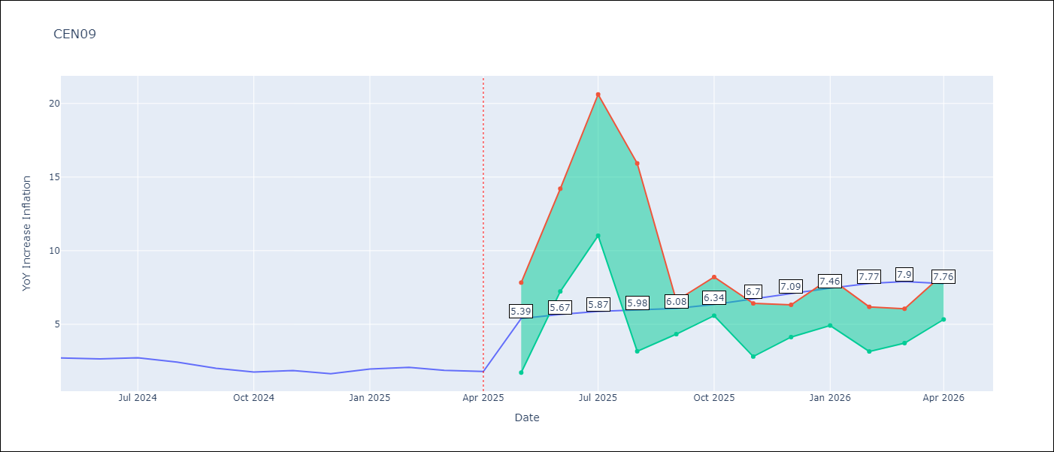

Test Metrics
RMSE | 0.69
Naive RMSE | 0.22
MAPE | 25.22%

Test Predictions
Date | Predicted | Actual
2024-05-01 | 2.32 | 2.71
2024-06-01 | 2.22 | 2.65
2024-07-01 | 2.13 | 2.72
2024-08-01 | 2.09 | 2.44
2024-09-01 | 2.1 | 2.01
2024-10-01 | 2.01 | 1.75
2024-11-01 | 2.11 | 1.85
2024-12-01 | 2.34 | 1.65
2025-01-01 | 2.63 | 1.96
2025-02-01 | 2.82 | 2.07
2025-03-01 | 3.09 | 1.87
2025-04-01 | 3.15 | 1.8

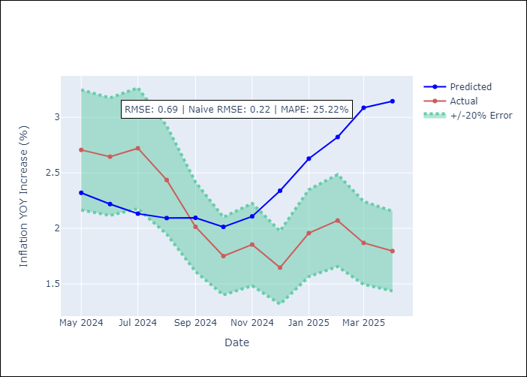

Appendix A: Model Summary
Model | Random Forest
Sample | 1992-01-01 to 2025-04-01
No. of Observations | 400
Terms | P-value (Statistical significance)

Assumptions | P-value

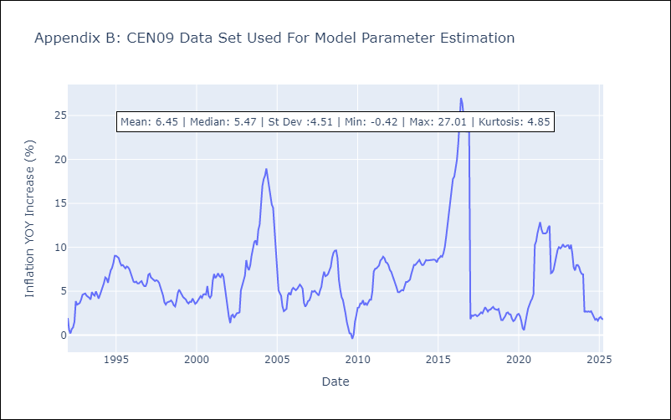

Appendix C: Residuals Analysis
Mean

CEN10
CEN10 - Inflation - Next 12 months forecast as of: 2025-04-01

Model | Random Forest - [(1, 1, 1), (0, 0, 1, 12)]
Training Data | 1992-01-01 to 2024-05-01
Test Data | 2024-05-01 to 2025-04-01

Date | Inflation Change YoY % | Lower Bound - 95% Confidence Interval | Upper Bound - 95% Confidence Interval
2025-05-01 | 12.69 | 1.08 | 1.7
2025-06-01 | 12.62 | 1.55 | 2.62
2025-07-01 | 12.52 | 2.56 | 15.28
2025-08-01 | 12.33 | 9.27 | 17.45
2025-09-01 | 12.23 | 8.54 | 16.82
2025-10-01 | 12.14 | 9.39 | 13.61
2025-11-01 | 12.05 | 9.44 | 12.3
2025-12-01 | 11.97 | 10.54 | 14.27
2026-01-01 | 11.83 | 8.23 | 12.88
2026-02-01 | 11.62 | 6.99 | 9.73
2026-03-01 | 11.64 | 7.9 | 14.12
2026-04-01 | 11.77 | 8.76 | 14.99

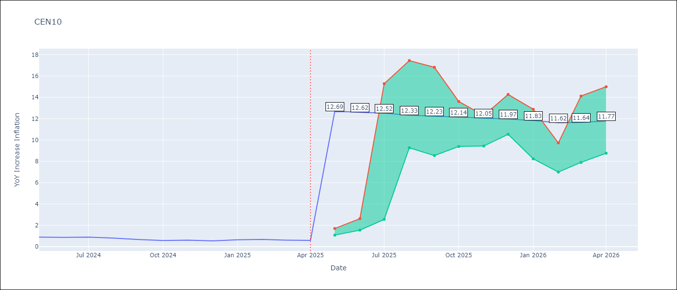

Test Metrics
RMSE | 4.14
Naive RMSE | 0.07
MAPE | 531.94%

Test Predictions
Date | Predicted | Actual
2024-05-01 | 3.62 | 0.89
2024-06-01 | 3.33 | 0.87
2024-07-01 | 3.15 | 0.9
2024-08-01 | 2.66 | 0.8
2024-09-01 | 2.44 | 0.66
2024-10-01 | 2.45 | 0.58
2024-11-01 | 2.72 | 0.61
2024-12-01 | 3.6 | 0.54
2025-01-01 | 4.93 | 0.64
2025-02-01 | 6.41 | 0.68
2025-03-01 | 7.54 | 0.62
2025-04-01 | 8.62 | 0.59

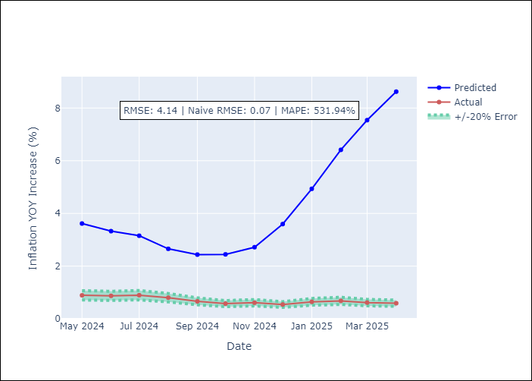

Appendix A: Model Summary
Model | Random Forest
Sample | 1992-01-01 to 2025-04-01
No. of Observations | 400
Terms | P-value (Statistical significance)

Assumptions | P-value

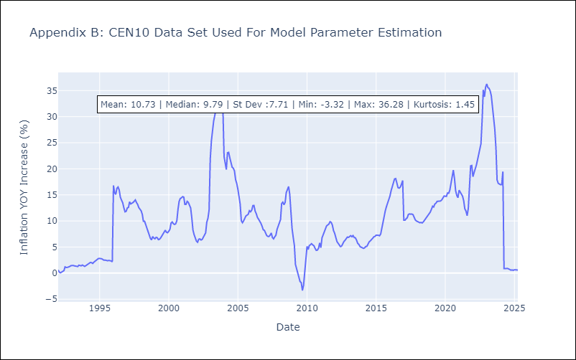

Appendix C: Residuals Analysis
Mean

R01
R01 - Inflation - Next 12 months forecast as of: 2025-04-01

Model | Random Forest - [(1, 2, 1), (1, 0, 1, 12)]
Training Data | 1998-01-01 to 2024-05-01
Test Data | 2024-05-01 to 2025-04-01

Date | Inflation Change YoY % | Lower Bound - 95% Confidence Interval | Upper Bound - 95% Confidence Interval
2025-05-01 | 7.39 | 3.37 | 6.09
2025-06-01 | 8.32 | 5.76 | 7.94
2025-07-01 | 9.78 | 6.69 | 7.96
2025-08-01 | 11.89 | 6.47 | 8.58
2025-09-01 | 13.57 | 5.54 | 9.76
2025-10-01 | 14.7 | 6.39 | 9.61
2025-11-01 | 15.38 | 6.35 | 13.16
2025-12-01 | 15.75 | 10.47 | 16.35
2026-01-01 | 15.81 | 7.62 | 15.56
2026-02-01 | 15.67 | 5.46 | 10.61
2026-03-01 | 15.54 | 5.05 | 8.01
2026-04-01 | 15.39 | 7.14 | 16.29

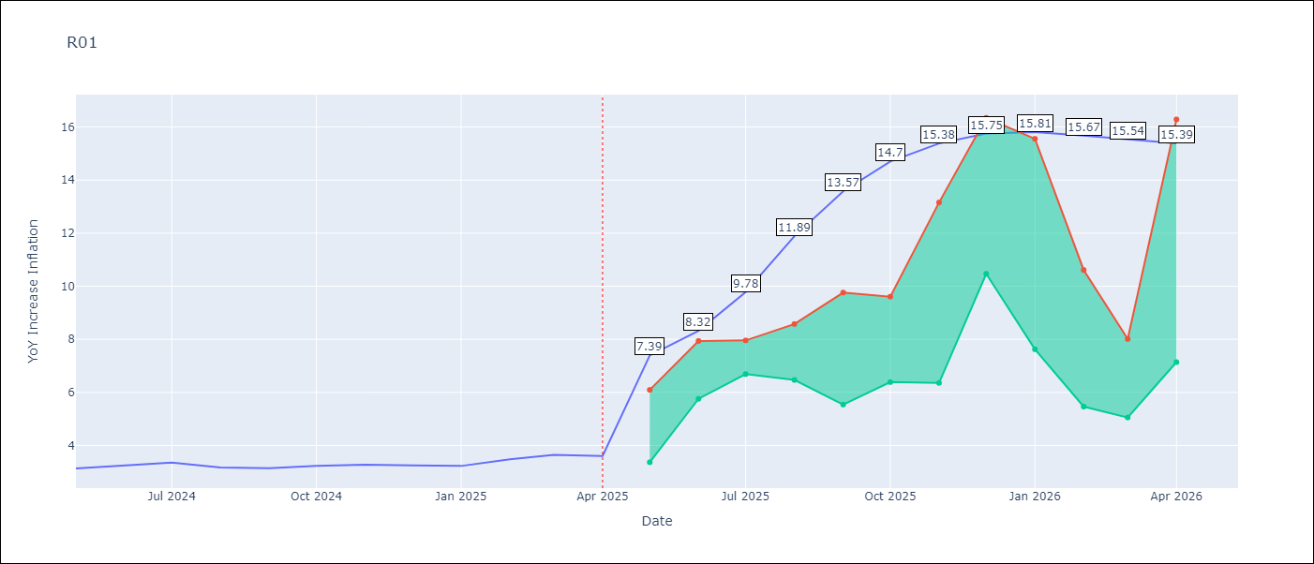

Test Metrics
RMSE | 0.63
Naive RMSE | 0.12
MAPE | 19.19%

Test Predictions
Date | Predicted | Actual
2024-05-01 | 3.74 | 3.13
2024-06-01 | 3.32 | 3.24
2024-07-01 | 3.01 | 3.36
2024-08-01 | 2.71 | 3.17
2024-09-01 | 2.58 | 3.15
2024-10-01 | 2.69 | 3.23
2024-11-01 | 2.89 | 3.28
2024-12-01 | 3.39 | 3.25
2025-01-01 | 3.84 | 3.23
2025-02-01 | 4.25 | 3.48
2025-03-01 | 4.62 | 3.65
2025-04-01 | 4.75 | 3.6

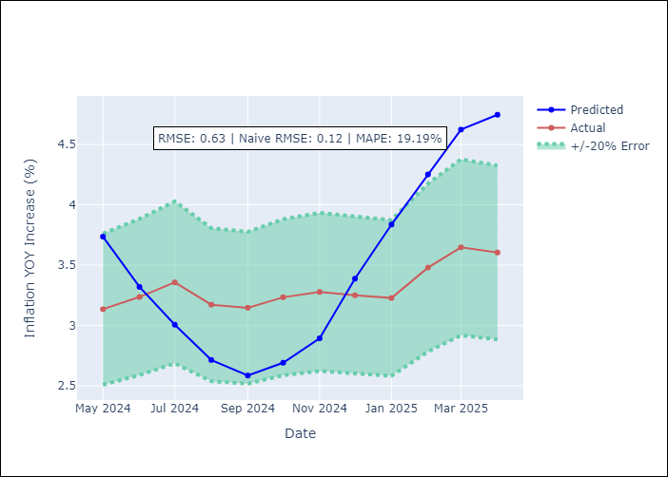

Appendix A: Model Summary
Model | Random Forest
Sample | 1998-01-01 to 2025-04-01
No. of Observations | 328
Terms | P-value (Statistical significance)

Assumptions | P-value



Appendix C: Residuals Analysis
Mean

R02
R02 - Inflation - Next 12 months forecast as of: 2025-04-01

Model | Random Forest - [(3, 1, 0), (1, 0, 1, 12)]
Training Data | 1998-01-01 to 2024-05-01
Test Data | 2024-05-01 to 2025-04-01

Date | Inflation Change YoY % | Lower Bound - 95% Confidence Interval | Upper Bound - 95% Confidence Interval
2025-05-01 | 7.04 | 3.32 | 5.77
2025-06-01 | 7.31 | 5.01 | 7.34
2025-07-01 | 7.58 | 6.79 | 7.94
2025-08-01 | 7.85 | 5.95 | 9.29
2025-09-01 | 8.07 | 5.97 | 9.76
2025-10-01 | 8.29 | 6.49 | 9.6
2025-11-01 | 8.56 | 8.32 | 13.75
2025-12-01 | 8.84 | 10.24 | 16.74
2026-01-01 | 9.01 | 6.3 | 15.37
2026-02-01 | 9.1 | 4.09 | 6.91
2026-03-01 | 9.17 | 5.2 | 7.57
2026-04-01 | 9.16 | 7.01 | 9.54

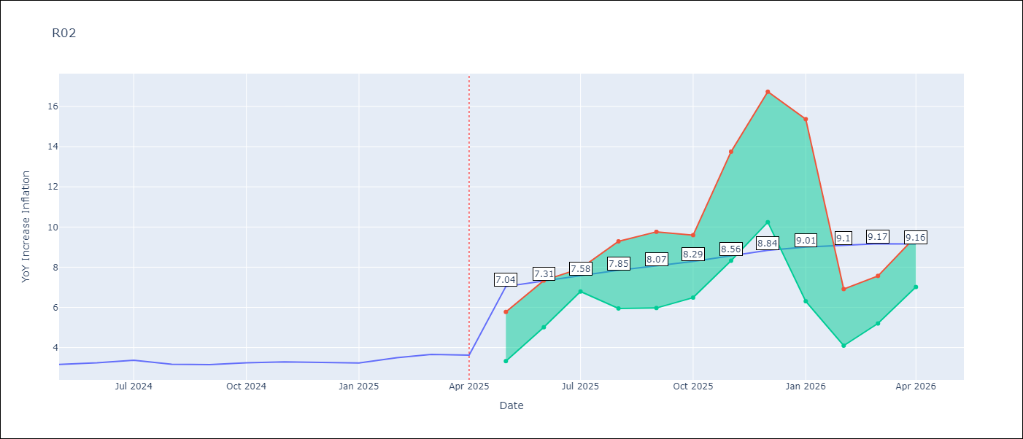

Test Metrics
RMSE | 0.66
Naive RMSE | 0.12
MAPE | 19.46%

Test Predictions
Date | Predicted | Actual
2024-05-01 | 3.91 | 3.16
2024-06-01 | 3.5 | 3.24
2024-07-01 | 3.17 | 3.36
2024-08-01 | 2.85 | 3.17
2024-09-01 | 2.67 | 3.15
2024-10-01 | 2.67 | 3.24
2024-11-01 | 2.77 | 3.29
2024-12-01 | 3.18 | 3.26
2025-01-01 | 3.67 | 3.23
2025-02-01 | 4.23 | 3.49
2025-03-01 | 4.72 | 3.66
2025-04-01 | 4.97 | 3.62

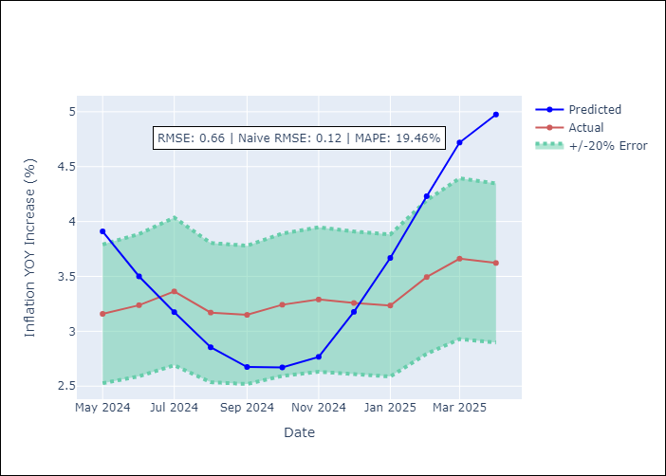

Appendix A: Model Summary
Model | Random Forest
Sample | 1998-01-01 to 2025-04-01
No. of Observations | 328
Terms | P-value (Statistical significance)

Assumptions | P-value

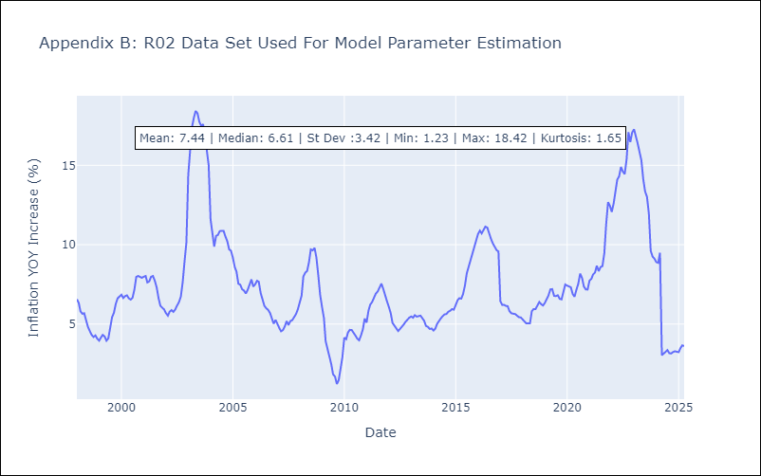

Appendix C: Residuals Analysis
Mean

R07
R07 - Inflation - Next 12 months forecast as of: 2025-04-01

Model | Random Forest - [(2, 1, 0), (0, 0, 1, 12)]
Training Data | 1993-01-01 to 2024-05-01
Test Data | 2024-05-01 to 2025-04-01

Date | Inflation Change YoY % | Lower Bound - 95% Confidence Interval | Upper Bound - 95% Confidence Interval
2025-05-01 | 4.95 | 2.15 | 4.76
2025-06-01 | 4.86 | 4.13 | 7.92
2025-07-01 | 4.93 | 6.17 | 8.02
2025-08-01 | 5.09 | 6.92 | 8.68
2025-09-01 | 5.44 | 4.55 | 7.83
2025-10-01 | 5.68 | 3.6 | 7.12
2025-11-01 | 5.62 | 3.62 | 5.27
2025-12-01 | 5.51 | 3.81 | 6.05
2026-01-01 | 5.25 | 4.23 | 7.54
2026-02-01 | 4.81 | 4.97 | 6.65
2026-03-01 | 4.41 | 4.53 | 6.57
2026-04-01 | 4.04 | 3.85 | 6.63

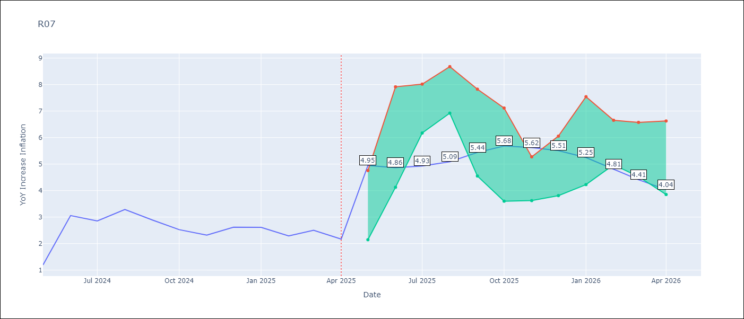

Test Metrics
RMSE | 0.88
Naive RMSE | 0.63
MAPE | 32.9%

Test Predictions
Date | Predicted | Actual
2024-05-01 | 2.73 | 1.19
2024-06-01 | 2.23 | 3.06
2024-07-01 | 2.67 | 2.85
2024-08-01 | 2.75 | 3.29
2024-09-01 | 3.05 | 2.89
2024-10-01 | 3.18 | 2.53
2024-11-01 | 3.17 | 2.32
2024-12-01 | 3.16 | 2.62
2025-01-01 | 3.32 | 2.61
2025-02-01 | 3.43 | 2.29
2025-03-01 | 3.5 | 2.5
2025-04-01 | 3.48 | 2.17

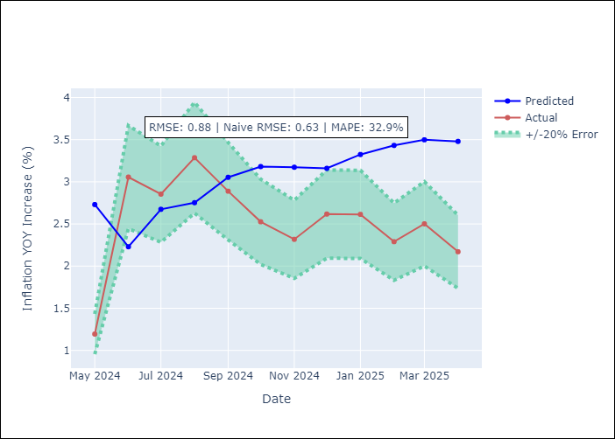

Appendix A: Model Summary
Model | Random Forest
Sample | 1993-01-01 to 2025-04-01
No. of Observations | 388
Terms | P-value (Statistical significance)

Assumptions | P-value



Appendix C: Residuals Analysis
Mean

SUR10
SUR10 - Inflation - Next 12 months forecast as of: 2025-04-01

Model | Random Forest - [(3, 2, 1), (2, 0, 1, 12)]
Training Data | 1998-01-01 to 2024-05-01
Test Data | 2024-05-01 to 2025-04-01

Date | Inflation Change YoY % | Lower Bound - 95% Confidence Interval | Upper Bound - 95% Confidence Interval
2025-05-01 | 5.9 | 4.9 | 6.12
2025-06-01 | 5.34 | 5.53 | 9.27
2025-07-01 | 4.85 | 5.76 | 10.49
2025-08-01 | 4.72 | 4.42 | 5.66
2025-09-01 | 4.95 | 4.65 | 6.16
2025-10-01 | 5.4 | 5.43 | 8.8
2025-11-01 | 5.55 | 6.68 | 11.57
2025-12-01 | 5.49 | 4.64 | 6.45
2026-01-01 | 5.28 | 4.64 | 6.83
2026-02-01 | 5.17 | 5.33 | 9.28
2026-03-01 | 5.17 | 6.23 | 11.63
2026-04-01 | 5.14 | 4.41 | 6.04

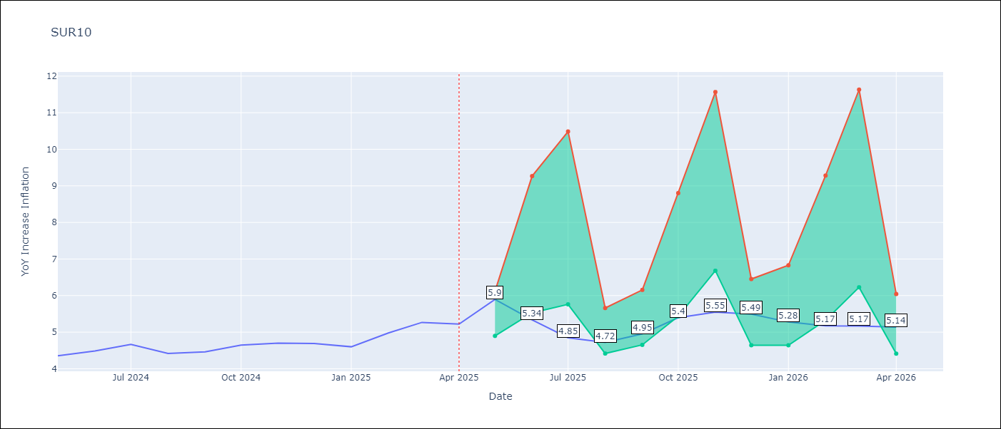

Test Metrics
RMSE | 0.28
Naive RMSE | 0.19
MAPE | 7.85%

Test Predictions
Date | Predicted | Actual
2024-05-01 | 4.65 | 4.35
2024-06-01 | 4.72 | 4.49
2024-07-01 | 4.8 | 4.66
2024-08-01 | 4.81 | 4.42
2024-09-01 | 4.77 | 4.46
2024-10-01 | 4.84 | 4.65
2024-11-01 | 4.95 | 4.7
2024-12-01 | 5.03 | 4.69
2025-01-01 | 5.11 | 4.6
2025-02-01 | 5.15 | 4.98
2025-03-01 | 5.23 | 5.27
2025-04-01 | 5.34 | 5.22

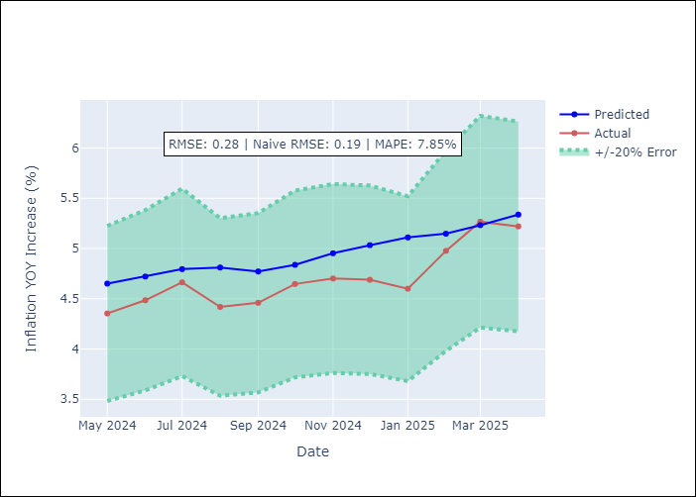

Appendix A: Model Summary
Model | Random Forest
Sample | 1998-01-01 to 2025-04-01
No. of Observations | 328
Terms | P-value (Statistical significance)

Assumptions | P-value

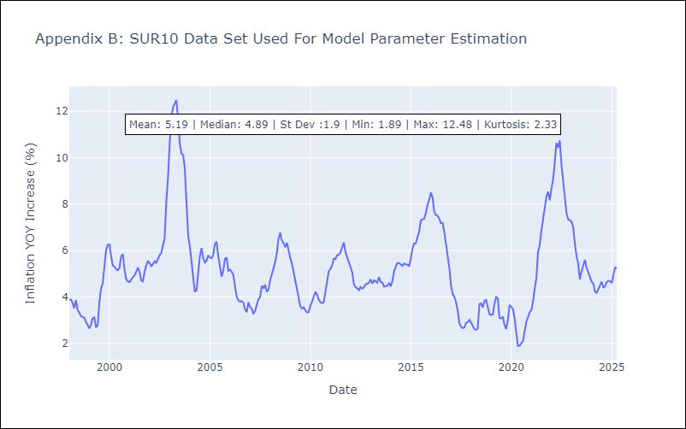

Appendix C: Residuals Analysis
Mean

