R01
R01 - Inflation - Next 12 months forecast as of: 2025-04-01

Model | Random Forest - [(1, 2, 1), (1, 0, 1, 12)]
Training Data | 1998-01-01 to 2024-05-01
Test Data | 2024-05-01 to 2025-04-01

Date | Inflation Change YoY % | Lower Bound - 95% Confidence Interval | Upper Bound - 95% Confidence Interval
2025-05-01 | 7.18 | 3.69 | 6.24
2025-06-01 | 7.31 | 5.56 | 7.65
2025-07-01 | 7.45 | 6.36 | 7.76
2025-08-01 | 7.58 | 6.6 | 8.42
2025-09-01 | 7.7 | 6.29 | 9.28
2025-10-01 | 7.66 | 6.71 | 9.35
2025-11-01 | 7.57 | 6.06 | 9.15
2025-12-01 | 7.41 | 7.05 | 9.89
2026-01-01 | 7.16 | 5.57 | 12.62
2026-02-01 | 6.95 | 4.19 | 8.85
2026-03-01 | 6.79 | 4.58 | 8.27
2026-04-01 | 6.6 | 6.59 | 8.49

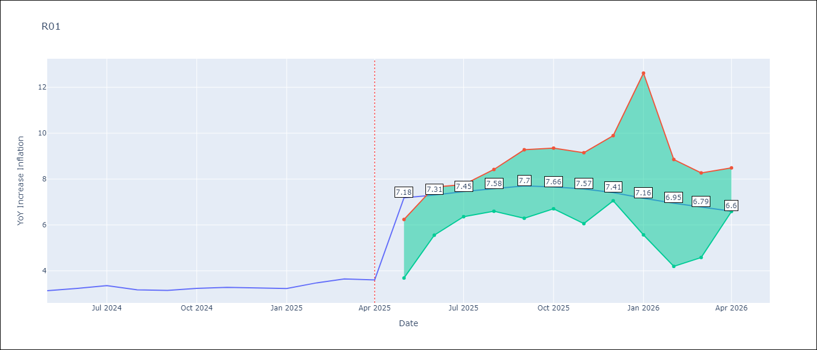

Test Metrics
RMSE | 0.69
Naive RMSE | 0.12
MAPE | 19.56%

Test Predictions
Date | Predicted | Actual
2024-05-01 | 3.66 | 3.13
2024-06-01 | 3.28 | 3.24
2024-07-01 | 2.96 | 3.36
2024-08-01 | 2.77 | 3.17
2024-09-01 | 2.73 | 3.15
2024-10-01 | 2.91 | 3.23
2024-11-01 | 3.2 | 3.28
2024-12-01 | 3.62 | 3.25
2025-01-01 | 4.06 | 3.23
2025-02-01 | 4.42 | 3.48
2025-03-01 | 4.76 | 3.65
2025-04-01 | 4.95 | 3.6

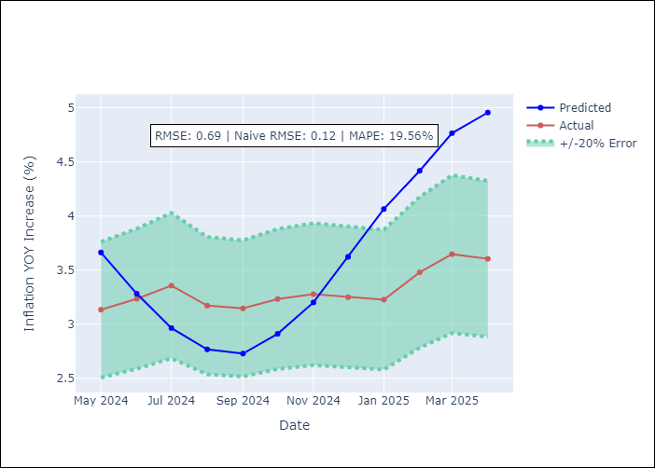

Appendix A: Model Summary
Model | Random Forest
Sample | 1998-01-01 to 2025-04-01
No. of Observations | 328
Terms | P-value (Statistical significance)

Assumptions | P-value



Appendix C: Residuals Analysis
Mean

